Assumptions
ANOVA assumptions for Perceived Choice Score

Shapiro-Wilk normality test for Perceived Choice Score
W | p.value
0.96445043229 | 0.40028913325

Plots for normality test
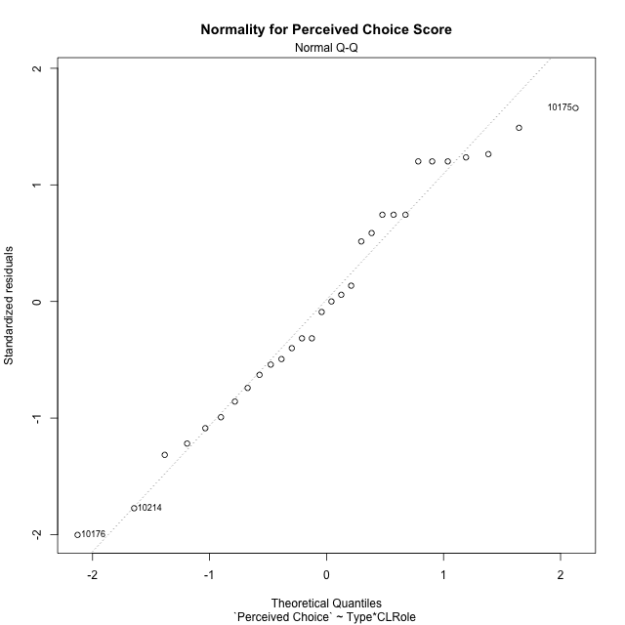

Levene's Test for Homogeneity of Variance in Perceived Choice Score
Df | F value | Pr(>F)
3 | 1.6039536469 | 0.21253575983
26

Plots for homogeneity of variance
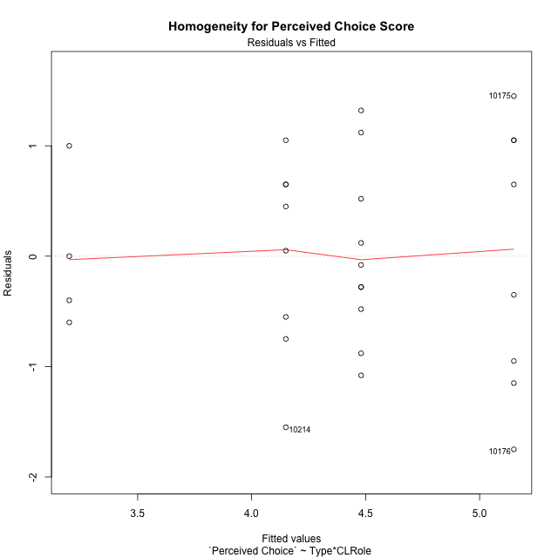

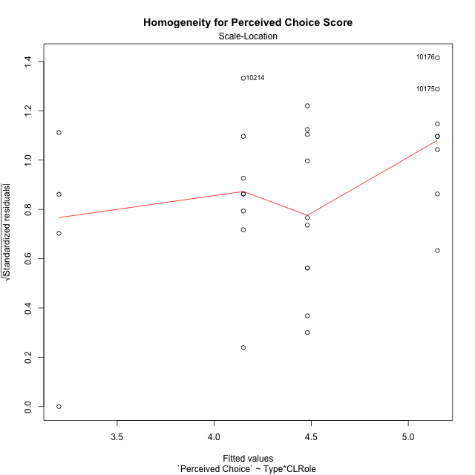

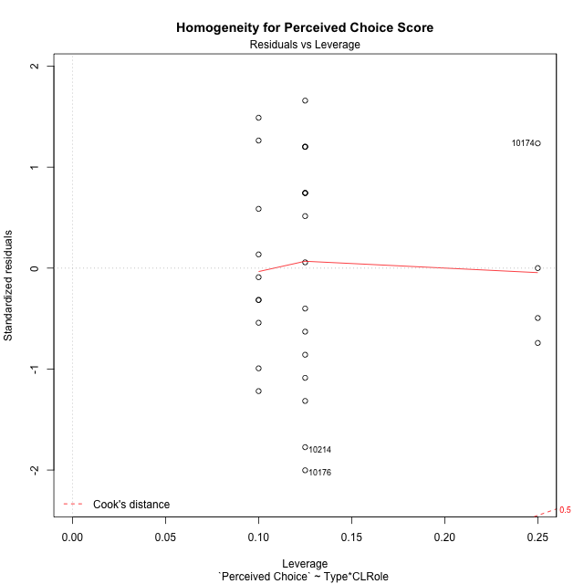

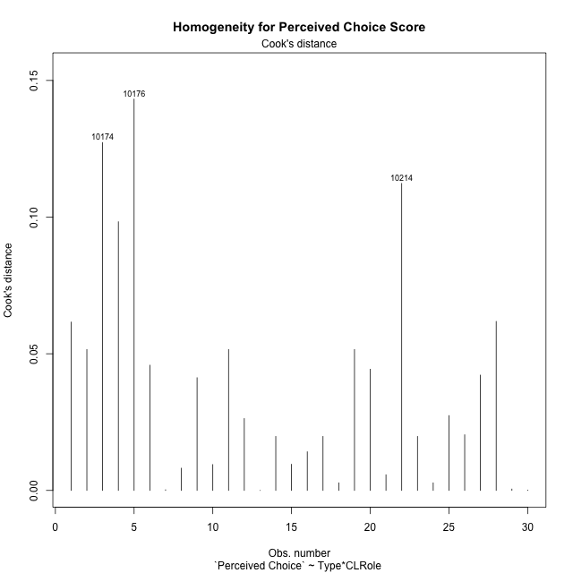

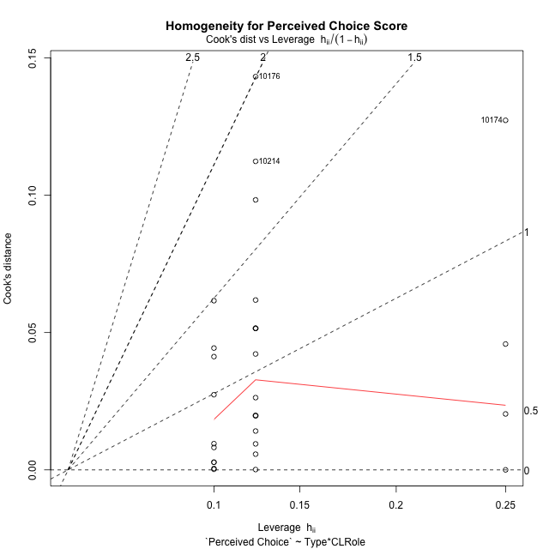

Minimum Sample Size Test for Perceived Choice Score
Type | CLRole | Freq
ont-gamified | Apprentice | 8
w/o-gamified | Apprentice | 10
ont-gamified | Master | 8
w/o-gamified | Master | 4

Errors and Warnings in Sample Size Test for ANOVA in Perceived Choice Score
code | description
WARN: sample.size | current size is 8 and recommended size is 15 for the group: 'ont-gamified:Apprentice'.
WARN: sample.size | current size is 10 and recommended size is 15 for the group: 'w/o-gamified:Apprentice'.
WARN: sample.size | current size is 8 and recommended size is 15 for the group: 'ont-gamified:Master'.
FAIL: min.size | current size is 4 but the minimal recomended size is 5 for the group: 'w/o-gamified:Master'.

For the group: 'ont-gamified:Apprentice', we recommend the use of non-parametric test. For the group: 'w/o-gamified:Apprentice', we recommend the use of non-parametric test. For the group: 'ont-gamified:Master', we recommend the use of non-parametric test. For the group: 'w/o-gamified:Master', we recommend the use of non-parametric test.

Post-hoc
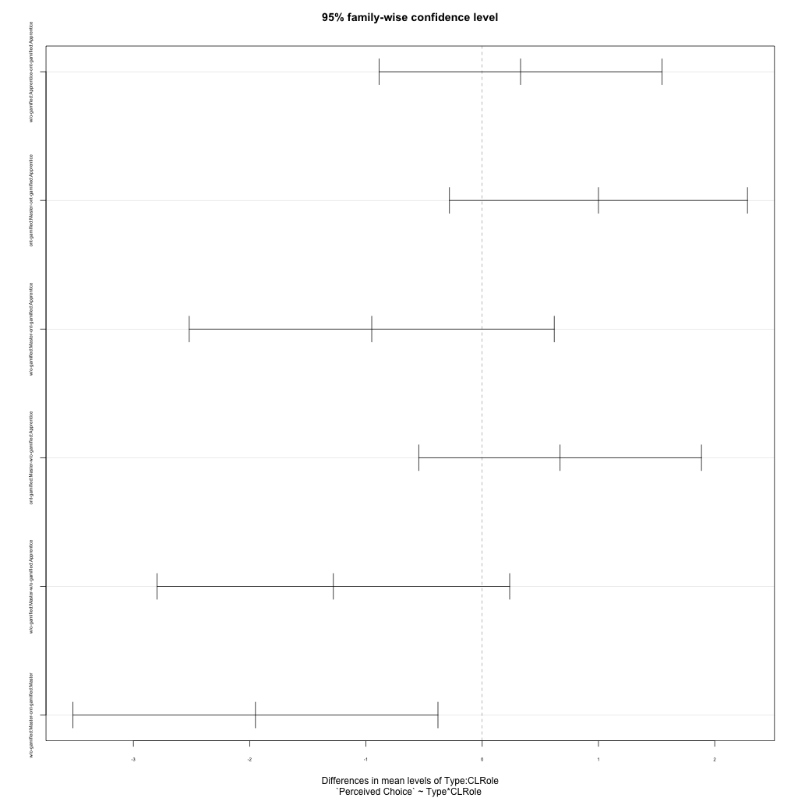
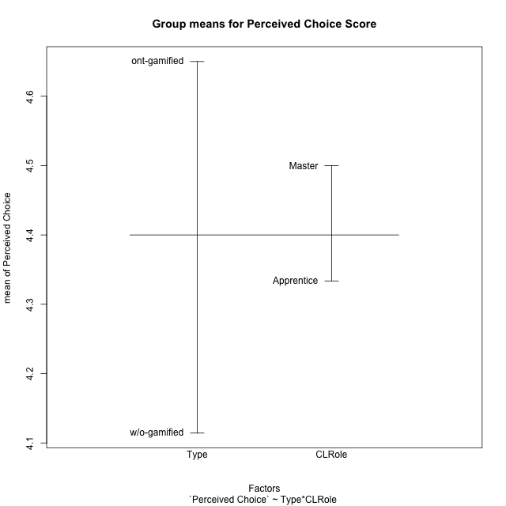
Post-hoc Tukey Honestly Significant Difference (HSD) Test for Perceived Choice Score

Comparisons of means for Type
 | diff | lwr | upr | p adj
w/o-gamified-ont-gamified | -0.53571428571 | -1.2385410745 | 0.16711250305 | 0.12925705376

Comparisons of means for CLRole
 | diff | lwr | upr | p adj
Master-Apprentice | 0.047619047619 | -0.66810472126 | 0.7633428165 | 0.89227403072

Comparisons of means for Type:CLRole
 | diff | lwr | upr | p adj
w/o-gamified:Apprentice-ont-gamified:Apprentice | 0.33 | -0.88578195658 | 1.5457819566 | 0.87810009843
ont-gamified:Master-ont-gamified:Apprentice | 1 | -0.28154670698 | 2.281546707 | 0.16699604809
w/o-gamified:Master-ont-gamified:Apprentice | -0.95 | -2.5195677568 | 0.61956775682 | 0.36413719351
ont-gamified:Master-w/o-gamified:Apprentice | 0.67 | -0.54578195658 | 1.8857819566 | 0.44515691472
w/o-gamified:Master-w/o-gamified:Apprentice | -1.28 | -2.7963465129 | 0.23634651285 | 0.12035296588
w/o-gamified:Master-ont-gamified:Master | -1.95 | -3.5195677568 | -0.38043224318 | 0.010801591745

Contrast Matrices for Perceived Choice Score - Type
contrast | estimate | SE | df | t.ratio | p.value
ont-gamified - w/o-gamified | 0.81 | 0.36185419928 | 26 | 2.2384706371 | 0.033970075806

Contrast Matrices for Perceived Choice Score - Type:CLRole
contrast | CLRole | estimate | SE | df | t.ratio | p.value
ont-gamified - w/o-gamified | Apprentice | -0.33 | 0.44317907476 | 26 | -0.74461999402 | 0.46317926174
ont-gamified - w/o-gamified | Master | 1.95 | 0.57214172531 | 26 | 3.4082464427 | 0.0021398110619

Least Squares Means and Confidence Intervals for Type
Type | lsmean | SE | df | lower.CL | upper.CL | Pairs
ont-gamified | 4.65 | 0.23357588126 | 26 | 4.1698778999 | 5.1301221001 | ont-gamified
w/o-gamified | 3.84 | 0.27637070979 | 26 | 3.27191187 | 4.40808813 | w/o-gamified

Least Squares Means and Confidence Intervals for Type:CLRole
Type | CLRole | lsmean | SE | df | lower.CL | upper.CL | Pairs
ont-gamified | Apprentice | 4.15 | 0.33032617913 | 26 | 3.4710048145 | 4.8289951855 | ont-gamified.Apprentice
w/o-gamified | Apprentice | 4.48 | 0.29545271651 | 26 | 3.8726882435 | 5.0873117565 | w/o-gamified.Apprentice
ont-gamified | Master | 5.15 | 0.33032617913 | 26 | 4.4710048145 | 5.8289951855 | ont-gamified.Master
w/o-gamified | Master | 3.2 | 0.46715176253 | 26 | 2.2397557998 | 4.1602442002 | w/o-gamified.Master

Plots

Type_1
Student's t-Test for Perceived Choice Score in Type between ont-gamified:w/o-gamified

Student's t-Test results
Alternative hypothesis: less
Group | N | Mean | Mean.Difference | Std.deviation | Std.error | CI.lower | CI.upper | df | t.value | p.value | g | magnitude
ont-gamified | 16 | 4.65 | 0.53571428571 | 1.1419281939 | 0.28548204847 | 4.0790359031 | 5.2209640969 | 27.951062087 | 1.3999713595 | 0.91373789488 | 0.49238671022 | small
w/o-gamified | 14 | 4.1142857143 | -0.53571428571 | 0.95342067788 | 0.25481239444 | 3.6046609254 | 4.6239105032 | 27.951062087 | 1.3999713595 | 0.91373789488 | 0.49238671022 | small
Alternative hypothesis: greater
Group | N | Mean | Mean.Difference | Std.deviation | Std.error | CI.lower | CI.upper | df | t.value | p.value | g | magnitude
ont-gamified | 16 | 4.65 | 0.53571428571 | 1.1419281939 | 0.28548204847 | 4.0790359031 | 5.2209640969 | 27.951062087 | 1.3999713595 | 0.086262105123 | 0.49238671022 | small
w/o-gamified | 14 | 4.1142857143 | -0.53571428571 | 0.95342067788 | 0.25481239444 | 3.6046609254 | 4.6239105032 | 27.951062087 | 1.3999713595 | 0.086262105123 | 0.49238671022 | small
Alternative hypothesis: two.sided
Group | N | Mean | Mean.Difference | Std.deviation | Std.error | CI.lower | CI.upper | df | t.value | p.value | g | magnitude
ont-gamified | 16 | 4.65 | 0.53571428571 | 1.1419281939 | 0.28548204847 | 4.0790359031 | 5.2209640969 | 27.951062087 | 1.3999713595 | 0.17252421025 | 0.49238671022 | small
w/o-gamified | 14 | 4.1142857143 | -0.53571428571 | 0.95342067788 | 0.25481239444 | 3.6046609254 | 4.6239105032 | 27.951062087 | 1.3999713595 | 0.17252421025 | 0.49238671022 | small

Box plots for Student's t-Test
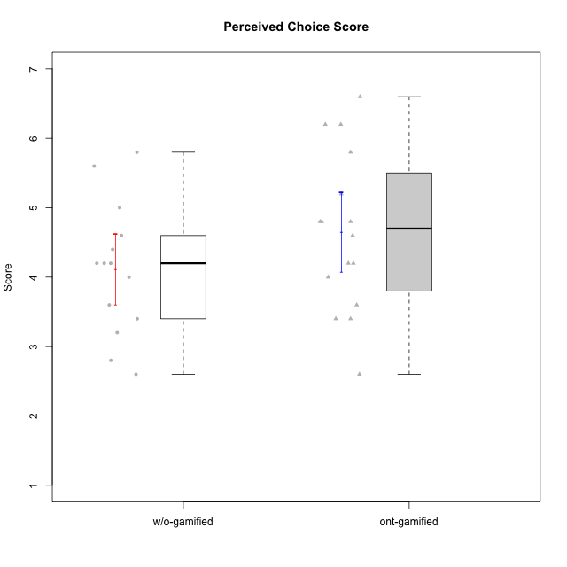

Student's t-Test data
UserID | Type | CLGroup | CLRole | PlayerRole | NroUSP | Item09IE | Item21IE | Item08IE | Item11IE | Item24IE | Item12IE | Item05PC | Item18PC | Item20PC | Item13PC | Item03PC | Item06PT | Item02PT | Item04PT | Item19EI | Item01EI | Item22EI | Item20A | Item25A | Item18A | Item07A | Item04A | Item01S | Item02S | Item09R | Item06R | Item12R | Interest/Enjoyment | Perceived Choice | Pressure/Tension | Effort/Importance | Attention | Relevance | Satisfaction | Intrinsic Motivation | Level of Motivation
10170 | w/o-gamified | Grupo11 | Apprentice |  | 10260351 | 4 | 4 | 6 | 4 | 4 | 3 | 2 | 1 | 3 | 2 | 3 | 1 | 1 | 1 | 3 | 3 | 5 | 6 | 5 | 6 | 5 | 4 | 4 | 4 | 2 | 1 | 6 | 4.1666666667 | 5.8 | 1 | 5 | 5.2 | 6.3333333333 | 4 | 5.2941176471 | 5.3
10171 | ont-gamified | Mafia | Master | Social Achiever | 698531 | 6 | 7 | 6 | 6 | 5 | 5 | 2 | 2 | 1 | 2 | 2 | 1 | 2 | 2 | 1 | 1 | 6 | 6 | 5 | 6 | 5 | 5 | 6 | 6 | 2 | 2 | 7 | 5.8333333333 | 6.2 | 1.6666666667 | 6.6666666667 | 5.4 | 6.3333333333 | 6 | 6.1764705882 | 5.8
10174 | w/o-gamified | Grupo7 | Master |  | 10276852 | 4 | 4 | 6 | 4 | 6 | 3 | 4 | 3 | 4 | 4 | 4 | 6 | 4 | 5 | 2 | 5 | 4 | 4 | 4 | 5 | 6 | 5 | 6 | 5 | 6 | 5 | 4 | 4.5 | 4.2 | 5 | 4.3333333333 | 4.8 | 3 | 5.5 | 4.1176470588 | 4.4
10175 | ont-gamified | Warriors | Master | Social Achiever | 10310700 | 4 | 4 | 4 | 4 | 4 | 4 | 1 | 1 | 1 | 1 | 3 | 1 | 1 | 1 | 1 | 1 | 4 | 5 | 5 | 5 | 6 | 6 | 6 | 6 | 2 | 1 | 7 | 4 | 6.6 | 1 | 6 | 5.4 | 6.6666666667 | 6 | 5.6470588235 | 5.9
10176 | ont-gamified | Outlaws | Master | Social Achiever | 10276949 | 4 | 4 | 4 | 4 | 4 | 3 | 4 | 5 | 4 | 6 | 4 | 6 | 4 | 6 | 5 | 4 | 4 | 5 | 5 | 5 | 4 | 4 | 4 | 4 | 4 | 4 | 4 | 3.8333333333 | 3.4 | 5.3333333333 | 3.6666666667 | 4.6 | 4 | 4 | 3.4705882353 | 4.3
10179 | w/o-gamified | Grupo10 | Master |  | 10310759 | 3 | 4 | 3 | 2 | 4 | 6 | 6 | 5 | 4 | 5 | 7 | 2 | 1 | 1 | 1 | 2 | 5 | 4 | 4 | 4 | 2 | 5 | 3 | 4 | 4 | 2 | 4 | 3.6666666667 | 2.6 | 1.3333333333 | 6 | 3.8 | 4.6666666667 | 3.5 | 4.2941176471 | 4
10183 | w/o-gamified | Grupo3 | Apprentice |  | 10352030 | 3 | 3 | 3 | 3 | 2 | 3 | 4 | 3 | 5 | 2 | 4 | 5 | 4 | 4 | 3 | 4 | 4 | 2 | 2 | 2 | 2 | 3 | 2 | 2 | 5 | 2 | 3 | 2.8333333333 | 4.4 | 4.3333333333 | 4.3333333333 | 2.2 | 4 | 2 | 3.7058823529 | 2.7
10184 | w/o-gamified | Grupo10 | Apprentice |  | 10276675 | 4 | 3 | 4 | 4 | 4 | 4 | 5 | 4 | 4 | 3 | 4 | 4 | 4 | 3 | 4 | 4 | 4 | 4 | 4 | 4 | 2 | 4 | 6 | 4 | 4 | 4 | 4 | 3.8333333333 | 4 | 3.6666666667 | 4 | 3.6 | 4 | 5 | 4 | 4
10185 | w/o-gamified | Grupo9 | Apprentice |  | 10276960 | 4 | 3 | 6 | 5 | 6 | 5 | 6 | 6 | 3 | 5 | 3 | 5 | 4 | 4 | 3 | 4 | 5 | 3 | 5 | 3 | 4 | 2 | 4 | 5 | 5 | 3 | 3 | 4.8333333333 | 3.4 | 4.3333333333 | 4.6666666667 | 3.4 | 3.6666666667 | 4.5 | 4.1764705882 | 3.7
10186 | ont-gamified | Slayers | Apprentice | Social Achiever | 10310551 | 4 | 3 | 6 | 6 | 3 | 1 | 4 | 4 | 1 | 4 | 4 | 4 | 5 | 4 | 1 | 1 | 7 | 4 | 1 | 4 | 1 | 4 | 7 | 7 | 3 | 1 | 6 | 3.8333333333 | 4.6 | 4.3333333333 | 7 | 2.8 | 6 | 7 | 4.5882352941 | 4.6
10188 | ont-gamified | Vandals | Master | Yee Achiever | 10276995 | 3 | 3 | 4 | 1 | 3 | 4 | 1 | 1 | 1 | 3 | 3 | 1 | 1 | 1 | 3 | 2 | 1 | 3 | 4 | 4 | 2 | 4 | 3 | 3 | 2 | 2 | 4 | 3 | 6.2 | 1 | 4 | 3.4 | 5.3333333333 | 3 | 4.8235294118 | 3.9
10189 | ont-gamified | Vikings | Apprentice | Social Achiever | 9363926 | 2 | 2 | 4 | 1 | 2 | 1 | 5 | 4 | 4 | 5 | 5 | 2 | 1 | 1 | 3 | 1 | 6 | 1 | 1 | 2 | 1 | 2 | 3 | 2 | 6 | 1 | 4 | 2 | 3.4 | 1.3333333333 | 6 | 1.4 | 4.3333333333 | 2.5 | 3.9411764706 | 2.5
10191 | w/o-gamified | Grupo1 | Master |  | 10276981 | 3 | 2 | 3 | 3 | 2 | 1 | 5 | 4 | 5 | 5 | 5 | 1 | 1 | 1 | 4 | 2 | 4 | 2 | 4 | 2 | 4 | 4 | 4 | 4 | 3 | 2 | 3 | 2.3333333333 | 3.2 | 1 | 4.6666666667 | 3.2 | 4.6666666667 | 4 | 3.8235294118 | 3.8
10192 | ont-gamified | Attractive Devils | Apprentice | Social Achiever | 10276682 | 4 | 5 | 4 | 6 | 1 | 4 | 2 | 4 | 4 | 3 | 3 | 4 | 4 | 4 | 5 | 1 | 5 | 4 | 4 | 4 | 7 | 5 | 7 | 6 | 1 | 2 | 5 | 4 | 4.8 | 4 | 5 | 4.8 | 6 | 6.5 | 4.4117647059 | 5.5
10197 | w/o-gamified | Grupo8 | Apprentice |  | 10276661 | 3 | 2 | 5 | 5 | 2 | 4 | 3 | 2 | 4 | 4 | 2 | 5 | 3 | 3 | 3 | 3 | 4 | 4 | 4 | 7 | 5 | 4 | 4 | 4 | 5 | 4 | 4 | 3.5 | 5 | 3.6666666667 | 4.6666666667 | 4.8 | 3.6666666667 | 4 | 4.2941176471 | 4.3
10198 | ont-gamified | Attractive Devils | Apprentice | Social Achiever | 10310888 | 6 | 3 | 4 | 4 | 2 | 5 | 4 | 6 | 6 | 5 | 1 | 4 | 4 | 4 | 3 | 2 | 6 | 6 | 5 | 5 | 7 | 7 | 7 | 7 | 2 | 1 | 5 | 4 | 3.6 | 4 | 5.6666666667 | 6 | 6 | 7 | 4.1764705882 | 6.2
10200 | ont-gamified | Warriors | Apprentice | Social Achiever | 9795272 | 4 | 5 | 5 | 5 | 5 | 3 | 4 | 2 | 2 | 5 | 3 | 4 | 5 | 5 | 1 | 1 | 6 | 4 | 5 | 4 | 6 | 5 | 5 | 6 | 3 | 1 | 6 | 4.5 | 4.8 | 4.6666666667 | 6.6666666667 | 4.8 | 6 | 5.5 | 4.7647058824 | 5.3
10201 | w/o-gamified | Grupo11 | Apprentice |  | 10276928 | 5 | 6 | 6 | 5 | 3 | 6 | 3 | 4 | 4 | 3 | 5 | 4 | 3 | 2 | 3 | 3 | 5 | 6 | 5 | 6 | 6 | 4 | 6 | 5 | 4 | 2 | 6 | 5.1666666667 | 4.2 | 3 | 5 | 5.4 | 5.3333333333 | 5.5 | 4.8235294118 | 5.4
10202 | ont-gamified | Silly Knights | Apprentice | Social Achiever | 10277036 | 3 | 3 | 3 | 3 | 3 | 3 | 2 | 5 | 2 | 2 | 3 | 3 | 3 | 3 | 2 | 2 | 5 | 2 | 3 | 2 | 2 | 4 | 5 | 5 | 3 | 2 | 5 | 3 | 5.2 | 3 | 5.6666666667 | 2.6 | 5.3333333333 | 5 | 4.4705882353 | 3.9
10206 | w/o-gamified | Grupo8 | Apprentice |  | 10310721 | 4 | 5 | 4 | 2 | 4 | 3 | 2 | 2 | 2 | 3 | 3 | 3 | 3 | 2 | 2 | 2 | 5 | 4 | 6 | 4 | 4 | 5 | 5 | 5 | 3 | 2 | 6 | 3.6666666667 | 5.6 | 2.6666666667 | 5.6666666667 | 4.6 | 5.6666666667 | 5 | 4.8823529412 | 5
10208 | ont-gamified | Mercenaries | Master | Social Achiever | 10276932 | 4 | 4 | 4 | 4 | 4 | 3 | 2 | 4 | 2 | 4 | 4 | 2 | 2 | 2 | 2 | 2 | 4 | 2 | 2 | 2 | 3 | 3 | 5 | 5 | 5 | 3 | 3 | 3.8333333333 | 4.8 | 2 | 5.3333333333 | 2.4 | 3.6666666667 | 5 | 4.7647058824 | 3.3
10214 | ont-gamified | Vikings | Apprentice | Social Achiever | 10277022 | 1 | 1 | 2 | 1 | 1 | 1 | 2 | 7 | 6 | 6 | 6 | 4 | 5 | 1 | 1 | 1 | 7 | 1 | 2 | 1 | 1 | 4 | 3 | 4 | 5 | 2 | 2 | 1.1666666667 | 2.6 | 3.3333333333 | 7 | 1.8 | 3.6666666667 | 3.5 | 3.2352941176 | 2.7
10216 | ont-gamified | Silly Knights | Master | Social Achiever | 10276720 | 5 | 4 | 4 | 3 | 5 | 7 | 2 | 1 | 3 | 2 | 3 | 1 | 1 | 1 | 2 | 1 | 4 | 5 | 6 | 4 | 2 | 4 | 5 | 5 | 2 | 1 | 7 | 4.6666666667 | 5.8 | 1 | 5.6666666667 | 4.2 | 6.6666666667 | 5 | 5.5882352941 | 5.1
10217 | w/o-gamified | Grupo9 | Apprentice |  | 9805341 | 5 | 5 | 5 | 3 | 4 | 4 | 5 | 4 | 2 | 4 | 4 | 1 | 1 | 1 | 4 | 3 | 2 | 4 | 4 | 3 | 4 | 5 | 4 | 4 | 3 | 3 | 6 | 4.3333333333 | 4.2 | 1 | 3.6666666667 | 4 | 5.3333333333 | 4 | 4.6470588235 | 4.4
10218 | w/o-gamified | Grupo10 | Apprentice |  | 9842913 | 4 | 4 | 4 | 4 | 4 | 4 | 5 | 5 | 4 | 4 | 4 | 4 | 4 | 5 | 4 | 4 | 5 | 4 | 4 | 3 | 5 | 3 | 4 | 3 | 3 | 4 | 4 | 4 | 3.6 | 4.3333333333 | 4.3333333333 | 3.8 | 4.3333333333 | 3.5 | 3.8823529412 | 3.9
10219 | w/o-gamified | Grupo3 | Master |  | 10276831 | 2 | 1 | 1 | 1 | 2 | 4 | 7 | 4 | 7 | 1 | 7 | 1 | 1 | 1 | 7 | 5 | 2 | 2 | 2 | 3 | 3 | 2 | 1 | 1 | 5 | 1 | 2 | 1.8333333333 | 2.8 | 1 | 2 | 2.4 | 4 | 1 | 3.0588235294 | 2.6
10223 | ont-gamified | Slayers | Master | Social Achiever | 9795185 | 5 | 5 | 6 | 4 | 5 | 5 | 4 | 3 | 4 | 4 | 4 | 2 | 4 | 4 | 4 | 4 | 4 | 4 | 4 | 3 | 4 | 4 | 4 | 5 | 2 | 3 | 7 | 5 | 4.2 | 3.3333333333 | 4 | 3.8 | 6 | 4.5 | 4.5294117647 | 4.6
10230 | ont-gamified | Resistance | Master | Social Achiever | 10351992 | 4 | 5 | 5 | 4 | 5 | 4 | 4 | 3 | 5 | 3 | 5 | 6 | 5 | 4 | 2 | 3 | 5 | 2 | 4 | 3 | 6 | 6 | 4 | 6 | 3 | 4 | 4 | 4.5 | 4 | 5 | 5.3333333333 | 4.2 | 4.3333333333 | 5 | 4.2352941176 | 4.4
10232 | w/o-gamified | Grupo7 | Apprentice |  | 10276974 | 4 | 4 | 5 | 5 | 5 | 4 | 3 | 4 | 4 | 3 | 3 | 2 | 2 | 2 | 1 | 1 | 6 | 4 | 6 | 4 | 5 | 6 | 6 | 5 | 2 | 1 | 7 | 4.5 | 4.6 | 2 | 6.6666666667 | 5 | 6.6666666667 | 5.5 | 5.1764705882 | 5.6
10237 | ont-gamified | Outlaws | Apprentice | Social Achiever | 10377688 | 3 | 5 | 3 | 3 | 6 | 4 | 3 | 3 | 4 | 3 | 6 | 4 | 6 | 5 | 4 | 2 | 5 | 3 | 3 | 4 | 5 | 3 | 3 | 4 | 4 | 3 | 5 | 4 | 4.2 | 5 | 5 | 3.6 | 4.6666666667 | 3.5 | 4.0588235294 | 3.9

Type_CLRole_1
Student's t-Test for Perceived Choice Score in Type:CLRole between ont-gamified.Apprentice:ont-gamified.Master

Student's t-Test results
Alternative hypothesis: less
Group | N | Mean | Mean.Difference | Std.deviation | Std.error | CI.lower | CI.upper | df | t.value | p.value | g | magnitude
ont-gamified.Apprentice | 8 | 4.15 | -1 | 0.87993506254 | 0.31110402486 | 3.5277919503 | 4.7722080497 | 12.820321341 | -1.8970956018 | 0.040284091996 | -0.89680882994 | large
ont-gamified.Master | 8 | 5.15 | 1 | 1.2035661297 | 0.42552488596 | 4.2989502281 | 6.0010497719 | 12.820321341 | -1.8970956018 | 0.040284091996 | -0.89680882994 | large
Alternative hypothesis: greater
Group | N | Mean | Mean.Difference | Std.deviation | Std.error | CI.lower | CI.upper | df | t.value | p.value | g | magnitude
ont-gamified.Apprentice | 8 | 4.15 | -1 | 0.87993506254 | 0.31110402486 | 3.5277919503 | 4.7722080497 | 12.820321341 | -1.8970956018 | 0.959715908 | -0.89680882994 | large
ont-gamified.Master | 8 | 5.15 | 1 | 1.2035661297 | 0.42552488596 | 4.2989502281 | 6.0010497719 | 12.820321341 | -1.8970956018 | 0.959715908 | -0.89680882994 | large
Alternative hypothesis: two.sided
Group | N | Mean | Mean.Difference | Std.deviation | Std.error | CI.lower | CI.upper | df | t.value | p.value | g | magnitude
ont-gamified.Apprentice | 8 | 4.15 | -1 | 0.87993506254 | 0.31110402486 | 3.5277919503 | 4.7722080497 | 12.820321341 | -1.8970956018 | 0.080568183992 | -0.89680882994 | large
ont-gamified.Master | 8 | 5.15 | 1 | 1.2035661297 | 0.42552488596 | 4.2989502281 | 6.0010497719 | 12.820321341 | -1.8970956018 | 0.080568183992 | -0.89680882994 | large

Box plots for Student's t-Test
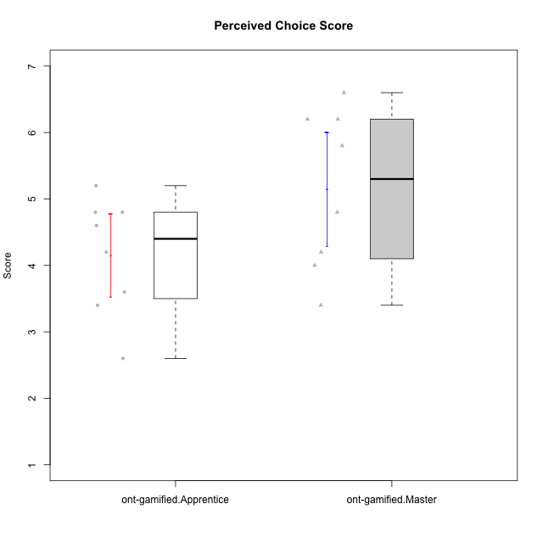

Student's t-Test data
UserID | Type | CLGroup | CLRole | PlayerRole | NroUSP | Item09IE | Item21IE | Item08IE | Item11IE | Item24IE | Item12IE | Item05PC | Item18PC | Item20PC | Item13PC | Item03PC | Item06PT | Item02PT | Item04PT | Item19EI | Item01EI | Item22EI | Item20A | Item25A | Item18A | Item07A | Item04A | Item01S | Item02S | Item09R | Item06R | Item12R | Interest/Enjoyment | Perceived Choice | Pressure/Tension | Effort/Importance | Attention | Relevance | Satisfaction | Intrinsic Motivation | Level of Motivation
10171 | ont-gamified | Mafia | Master | Social Achiever | 698531 | 6 | 7 | 6 | 6 | 5 | 5 | 2 | 2 | 1 | 2 | 2 | 1 | 2 | 2 | 1 | 1 | 6 | 6 | 5 | 6 | 5 | 5 | 6 | 6 | 2 | 2 | 7 | 5.8333333333 | 6.2 | 1.6666666667 | 6.6666666667 | 5.4 | 6.3333333333 | 6 | 6.1764705882 | 5.8
10175 | ont-gamified | Warriors | Master | Social Achiever | 10310700 | 4 | 4 | 4 | 4 | 4 | 4 | 1 | 1 | 1 | 1 | 3 | 1 | 1 | 1 | 1 | 1 | 4 | 5 | 5 | 5 | 6 | 6 | 6 | 6 | 2 | 1 | 7 | 4 | 6.6 | 1 | 6 | 5.4 | 6.6666666667 | 6 | 5.6470588235 | 5.9
10176 | ont-gamified | Outlaws | Master | Social Achiever | 10276949 | 4 | 4 | 4 | 4 | 4 | 3 | 4 | 5 | 4 | 6 | 4 | 6 | 4 | 6 | 5 | 4 | 4 | 5 | 5 | 5 | 4 | 4 | 4 | 4 | 4 | 4 | 4 | 3.8333333333 | 3.4 | 5.3333333333 | 3.6666666667 | 4.6 | 4 | 4 | 3.4705882353 | 4.3
10186 | ont-gamified | Slayers | Apprentice | Social Achiever | 10310551 | 4 | 3 | 6 | 6 | 3 | 1 | 4 | 4 | 1 | 4 | 4 | 4 | 5 | 4 | 1 | 1 | 7 | 4 | 1 | 4 | 1 | 4 | 7 | 7 | 3 | 1 | 6 | 3.8333333333 | 4.6 | 4.3333333333 | 7 | 2.8 | 6 | 7 | 4.5882352941 | 4.6
10188 | ont-gamified | Vandals | Master | Yee Achiever | 10276995 | 3 | 3 | 4 | 1 | 3 | 4 | 1 | 1 | 1 | 3 | 3 | 1 | 1 | 1 | 3 | 2 | 1 | 3 | 4 | 4 | 2 | 4 | 3 | 3 | 2 | 2 | 4 | 3 | 6.2 | 1 | 4 | 3.4 | 5.3333333333 | 3 | 4.8235294118 | 3.9
10189 | ont-gamified | Vikings | Apprentice | Social Achiever | 9363926 | 2 | 2 | 4 | 1 | 2 | 1 | 5 | 4 | 4 | 5 | 5 | 2 | 1 | 1 | 3 | 1 | 6 | 1 | 1 | 2 | 1 | 2 | 3 | 2 | 6 | 1 | 4 | 2 | 3.4 | 1.3333333333 | 6 | 1.4 | 4.3333333333 | 2.5 | 3.9411764706 | 2.5
10192 | ont-gamified | Attractive Devils | Apprentice | Social Achiever | 10276682 | 4 | 5 | 4 | 6 | 1 | 4 | 2 | 4 | 4 | 3 | 3 | 4 | 4 | 4 | 5 | 1 | 5 | 4 | 4 | 4 | 7 | 5 | 7 | 6 | 1 | 2 | 5 | 4 | 4.8 | 4 | 5 | 4.8 | 6 | 6.5 | 4.4117647059 | 5.5
10198 | ont-gamified | Attractive Devils | Apprentice | Social Achiever | 10310888 | 6 | 3 | 4 | 4 | 2 | 5 | 4 | 6 | 6 | 5 | 1 | 4 | 4 | 4 | 3 | 2 | 6 | 6 | 5 | 5 | 7 | 7 | 7 | 7 | 2 | 1 | 5 | 4 | 3.6 | 4 | 5.6666666667 | 6 | 6 | 7 | 4.1764705882 | 6.2
10200 | ont-gamified | Warriors | Apprentice | Social Achiever | 9795272 | 4 | 5 | 5 | 5 | 5 | 3 | 4 | 2 | 2 | 5 | 3 | 4 | 5 | 5 | 1 | 1 | 6 | 4 | 5 | 4 | 6 | 5 | 5 | 6 | 3 | 1 | 6 | 4.5 | 4.8 | 4.6666666667 | 6.6666666667 | 4.8 | 6 | 5.5 | 4.7647058824 | 5.3
10202 | ont-gamified | Silly Knights | Apprentice | Social Achiever | 10277036 | 3 | 3 | 3 | 3 | 3 | 3 | 2 | 5 | 2 | 2 | 3 | 3 | 3 | 3 | 2 | 2 | 5 | 2 | 3 | 2 | 2 | 4 | 5 | 5 | 3 | 2 | 5 | 3 | 5.2 | 3 | 5.6666666667 | 2.6 | 5.3333333333 | 5 | 4.4705882353 | 3.9
10208 | ont-gamified | Mercenaries | Master | Social Achiever | 10276932 | 4 | 4 | 4 | 4 | 4 | 3 | 2 | 4 | 2 | 4 | 4 | 2 | 2 | 2 | 2 | 2 | 4 | 2 | 2 | 2 | 3 | 3 | 5 | 5 | 5 | 3 | 3 | 3.8333333333 | 4.8 | 2 | 5.3333333333 | 2.4 | 3.6666666667 | 5 | 4.7647058824 | 3.3
10214 | ont-gamified | Vikings | Apprentice | Social Achiever | 10277022 | 1 | 1 | 2 | 1 | 1 | 1 | 2 | 7 | 6 | 6 | 6 | 4 | 5 | 1 | 1 | 1 | 7 | 1 | 2 | 1 | 1 | 4 | 3 | 4 | 5 | 2 | 2 | 1.1666666667 | 2.6 | 3.3333333333 | 7 | 1.8 | 3.6666666667 | 3.5 | 3.2352941176 | 2.7
10216 | ont-gamified | Silly Knights | Master | Social Achiever | 10276720 | 5 | 4 | 4 | 3 | 5 | 7 | 2 | 1 | 3 | 2 | 3 | 1 | 1 | 1 | 2 | 1 | 4 | 5 | 6 | 4 | 2 | 4 | 5 | 5 | 2 | 1 | 7 | 4.6666666667 | 5.8 | 1 | 5.6666666667 | 4.2 | 6.6666666667 | 5 | 5.5882352941 | 5.1
10223 | ont-gamified | Slayers | Master | Social Achiever | 9795185 | 5 | 5 | 6 | 4 | 5 | 5 | 4 | 3 | 4 | 4 | 4 | 2 | 4 | 4 | 4 | 4 | 4 | 4 | 4 | 3 | 4 | 4 | 4 | 5 | 2 | 3 | 7 | 5 | 4.2 | 3.3333333333 | 4 | 3.8 | 6 | 4.5 | 4.5294117647 | 4.6
10230 | ont-gamified | Resistance | Master | Social Achiever | 10351992 | 4 | 5 | 5 | 4 | 5 | 4 | 4 | 3 | 5 | 3 | 5 | 6 | 5 | 4 | 2 | 3 | 5 | 2 | 4 | 3 | 6 | 6 | 4 | 6 | 3 | 4 | 4 | 4.5 | 4 | 5 | 5.3333333333 | 4.2 | 4.3333333333 | 5 | 4.2352941176 | 4.4
10237 | ont-gamified | Outlaws | Apprentice | Social Achiever | 10377688 | 3 | 5 | 3 | 3 | 6 | 4 | 3 | 3 | 4 | 3 | 6 | 4 | 6 | 5 | 4 | 2 | 5 | 3 | 3 | 4 | 5 | 3 | 3 | 4 | 4 | 3 | 5 | 4 | 4.2 | 5 | 5 | 3.6 | 4.6666666667 | 3.5 | 4.0588235294 | 3.9

Type_CLRole_2
Student's t-Test for Perceived Choice Score in Type:CLRole between ont-gamified.Apprentice:w/o-gamified.Apprentice

Student's t-Test results
Alternative hypothesis: less
Group | N | Mean | Mean.Difference | Std.deviation | Std.error | CI.lower | CI.upper | df | t.value | p.value | g | magnitude
ont-gamified.Apprentice | 8 | 4.15 | -0.33 | 0.87993506254 | 0.31110402486 | 3.5277919503 | 4.7722080497 | 14.309558943 | -0.82710737756 | 0.21087761673 | -0.37842409957 | small
w/o-gamified.Apprentice | 10 | 4.48 | 0.33 | 0.78993670633 | 0.24979991994 | 3.9804001601 | 4.9795998399 | 14.309558943 | -0.82710737756 | 0.21087761673 | -0.37842409957 | small
Alternative hypothesis: greater
Group | N | Mean | Mean.Difference | Std.deviation | Std.error | CI.lower | CI.upper | df | t.value | p.value | g | magnitude
ont-gamified.Apprentice | 8 | 4.15 | -0.33 | 0.87993506254 | 0.31110402486 | 3.5277919503 | 4.7722080497 | 14.309558943 | -0.82710737756 | 0.78912238327 | -0.37842409957 | small
w/o-gamified.Apprentice | 10 | 4.48 | 0.33 | 0.78993670633 | 0.24979991994 | 3.9804001601 | 4.9795998399 | 14.309558943 | -0.82710737756 | 0.78912238327 | -0.37842409957 | small
Alternative hypothesis: two.sided
Group | N | Mean | Mean.Difference | Std.deviation | Std.error | CI.lower | CI.upper | df | t.value | p.value | g | magnitude
ont-gamified.Apprentice | 8 | 4.15 | -0.33 | 0.87993506254 | 0.31110402486 | 3.5277919503 | 4.7722080497 | 14.309558943 | -0.82710737756 | 0.42175523346 | -0.37842409957 | small
w/o-gamified.Apprentice | 10 | 4.48 | 0.33 | 0.78993670633 | 0.24979991994 | 3.9804001601 | 4.9795998399 | 14.309558943 | -0.82710737756 | 0.42175523346 | -0.37842409957 | small

Box plots for Student's t-Test
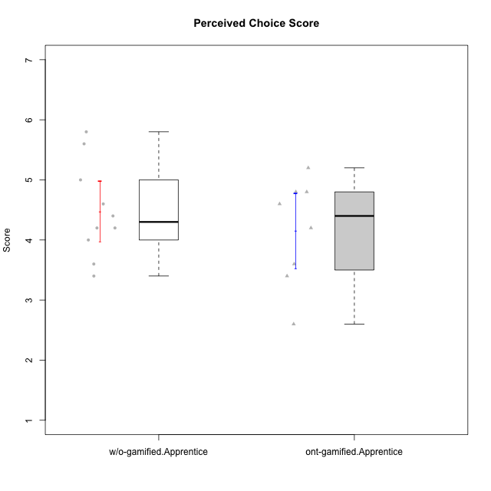

Student's t-Test data
UserID | Type | CLGroup | CLRole | PlayerRole | NroUSP | Item09IE | Item21IE | Item08IE | Item11IE | Item24IE | Item12IE | Item05PC | Item18PC | Item20PC | Item13PC | Item03PC | Item06PT | Item02PT | Item04PT | Item19EI | Item01EI | Item22EI | Item20A | Item25A | Item18A | Item07A | Item04A | Item01S | Item02S | Item09R | Item06R | Item12R | Interest/Enjoyment | Perceived Choice | Pressure/Tension | Effort/Importance | Attention | Relevance | Satisfaction | Intrinsic Motivation | Level of Motivation
10170 | w/o-gamified | Grupo11 | Apprentice |  | 10260351 | 4 | 4 | 6 | 4 | 4 | 3 | 2 | 1 | 3 | 2 | 3 | 1 | 1 | 1 | 3 | 3 | 5 | 6 | 5 | 6 | 5 | 4 | 4 | 4 | 2 | 1 | 6 | 4.1666666667 | 5.8 | 1 | 5 | 5.2 | 6.3333333333 | 4 | 5.2941176471 | 5.3
10183 | w/o-gamified | Grupo3 | Apprentice |  | 10352030 | 3 | 3 | 3 | 3 | 2 | 3 | 4 | 3 | 5 | 2 | 4 | 5 | 4 | 4 | 3 | 4 | 4 | 2 | 2 | 2 | 2 | 3 | 2 | 2 | 5 | 2 | 3 | 2.8333333333 | 4.4 | 4.3333333333 | 4.3333333333 | 2.2 | 4 | 2 | 3.7058823529 | 2.7
10184 | w/o-gamified | Grupo10 | Apprentice |  | 10276675 | 4 | 3 | 4 | 4 | 4 | 4 | 5 | 4 | 4 | 3 | 4 | 4 | 4 | 3 | 4 | 4 | 4 | 4 | 4 | 4 | 2 | 4 | 6 | 4 | 4 | 4 | 4 | 3.8333333333 | 4 | 3.6666666667 | 4 | 3.6 | 4 | 5 | 4 | 4
10185 | w/o-gamified | Grupo9 | Apprentice |  | 10276960 | 4 | 3 | 6 | 5 | 6 | 5 | 6 | 6 | 3 | 5 | 3 | 5 | 4 | 4 | 3 | 4 | 5 | 3 | 5 | 3 | 4 | 2 | 4 | 5 | 5 | 3 | 3 | 4.8333333333 | 3.4 | 4.3333333333 | 4.6666666667 | 3.4 | 3.6666666667 | 4.5 | 4.1764705882 | 3.7
10186 | ont-gamified | Slayers | Apprentice | Social Achiever | 10310551 | 4 | 3 | 6 | 6 | 3 | 1 | 4 | 4 | 1 | 4 | 4 | 4 | 5 | 4 | 1 | 1 | 7 | 4 | 1 | 4 | 1 | 4 | 7 | 7 | 3 | 1 | 6 | 3.8333333333 | 4.6 | 4.3333333333 | 7 | 2.8 | 6 | 7 | 4.5882352941 | 4.6
10189 | ont-gamified | Vikings | Apprentice | Social Achiever | 9363926 | 2 | 2 | 4 | 1 | 2 | 1 | 5 | 4 | 4 | 5 | 5 | 2 | 1 | 1 | 3 | 1 | 6 | 1 | 1 | 2 | 1 | 2 | 3 | 2 | 6 | 1 | 4 | 2 | 3.4 | 1.3333333333 | 6 | 1.4 | 4.3333333333 | 2.5 | 3.9411764706 | 2.5
10192 | ont-gamified | Attractive Devils | Apprentice | Social Achiever | 10276682 | 4 | 5 | 4 | 6 | 1 | 4 | 2 | 4 | 4 | 3 | 3 | 4 | 4 | 4 | 5 | 1 | 5 | 4 | 4 | 4 | 7 | 5 | 7 | 6 | 1 | 2 | 5 | 4 | 4.8 | 4 | 5 | 4.8 | 6 | 6.5 | 4.4117647059 | 5.5
10197 | w/o-gamified | Grupo8 | Apprentice |  | 10276661 | 3 | 2 | 5 | 5 | 2 | 4 | 3 | 2 | 4 | 4 | 2 | 5 | 3 | 3 | 3 | 3 | 4 | 4 | 4 | 7 | 5 | 4 | 4 | 4 | 5 | 4 | 4 | 3.5 | 5 | 3.6666666667 | 4.6666666667 | 4.8 | 3.6666666667 | 4 | 4.2941176471 | 4.3
10198 | ont-gamified | Attractive Devils | Apprentice | Social Achiever | 10310888 | 6 | 3 | 4 | 4 | 2 | 5 | 4 | 6 | 6 | 5 | 1 | 4 | 4 | 4 | 3 | 2 | 6 | 6 | 5 | 5 | 7 | 7 | 7 | 7 | 2 | 1 | 5 | 4 | 3.6 | 4 | 5.6666666667 | 6 | 6 | 7 | 4.1764705882 | 6.2
10200 | ont-gamified | Warriors | Apprentice | Social Achiever | 9795272 | 4 | 5 | 5 | 5 | 5 | 3 | 4 | 2 | 2 | 5 | 3 | 4 | 5 | 5 | 1 | 1 | 6 | 4 | 5 | 4 | 6 | 5 | 5 | 6 | 3 | 1 | 6 | 4.5 | 4.8 | 4.6666666667 | 6.6666666667 | 4.8 | 6 | 5.5 | 4.7647058824 | 5.3
10201 | w/o-gamified | Grupo11 | Apprentice |  | 10276928 | 5 | 6 | 6 | 5 | 3 | 6 | 3 | 4 | 4 | 3 | 5 | 4 | 3 | 2 | 3 | 3 | 5 | 6 | 5 | 6 | 6 | 4 | 6 | 5 | 4 | 2 | 6 | 5.1666666667 | 4.2 | 3 | 5 | 5.4 | 5.3333333333 | 5.5 | 4.8235294118 | 5.4
10202 | ont-gamified | Silly Knights | Apprentice | Social Achiever | 10277036 | 3 | 3 | 3 | 3 | 3 | 3 | 2 | 5 | 2 | 2 | 3 | 3 | 3 | 3 | 2 | 2 | 5 | 2 | 3 | 2 | 2 | 4 | 5 | 5 | 3 | 2 | 5 | 3 | 5.2 | 3 | 5.6666666667 | 2.6 | 5.3333333333 | 5 | 4.4705882353 | 3.9
10206 | w/o-gamified | Grupo8 | Apprentice |  | 10310721 | 4 | 5 | 4 | 2 | 4 | 3 | 2 | 2 | 2 | 3 | 3 | 3 | 3 | 2 | 2 | 2 | 5 | 4 | 6 | 4 | 4 | 5 | 5 | 5 | 3 | 2 | 6 | 3.6666666667 | 5.6 | 2.6666666667 | 5.6666666667 | 4.6 | 5.6666666667 | 5 | 4.8823529412 | 5
10214 | ont-gamified | Vikings | Apprentice | Social Achiever | 10277022 | 1 | 1 | 2 | 1 | 1 | 1 | 2 | 7 | 6 | 6 | 6 | 4 | 5 | 1 | 1 | 1 | 7 | 1 | 2 | 1 | 1 | 4 | 3 | 4 | 5 | 2 | 2 | 1.1666666667 | 2.6 | 3.3333333333 | 7 | 1.8 | 3.6666666667 | 3.5 | 3.2352941176 | 2.7
10217 | w/o-gamified | Grupo9 | Apprentice |  | 9805341 | 5 | 5 | 5 | 3 | 4 | 4 | 5 | 4 | 2 | 4 | 4 | 1 | 1 | 1 | 4 | 3 | 2 | 4 | 4 | 3 | 4 | 5 | 4 | 4 | 3 | 3 | 6 | 4.3333333333 | 4.2 | 1 | 3.6666666667 | 4 | 5.3333333333 | 4 | 4.6470588235 | 4.4
10218 | w/o-gamified | Grupo10 | Apprentice |  | 9842913 | 4 | 4 | 4 | 4 | 4 | 4 | 5 | 5 | 4 | 4 | 4 | 4 | 4 | 5 | 4 | 4 | 5 | 4 | 4 | 3 | 5 | 3 | 4 | 3 | 3 | 4 | 4 | 4 | 3.6 | 4.3333333333 | 4.3333333333 | 3.8 | 4.3333333333 | 3.5 | 3.8823529412 | 3.9
10232 | w/o-gamified | Grupo7 | Apprentice |  | 10276974 | 4 | 4 | 5 | 5 | 5 | 4 | 3 | 4 | 4 | 3 | 3 | 2 | 2 | 2 | 1 | 1 | 6 | 4 | 6 | 4 | 5 | 6 | 6 | 5 | 2 | 1 | 7 | 4.5 | 4.6 | 2 | 6.6666666667 | 5 | 6.6666666667 | 5.5 | 5.1764705882 | 5.6
10237 | ont-gamified | Outlaws | Apprentice | Social Achiever | 10377688 | 3 | 5 | 3 | 3 | 6 | 4 | 3 | 3 | 4 | 3 | 6 | 4 | 6 | 5 | 4 | 2 | 5 | 3 | 3 | 4 | 5 | 3 | 3 | 4 | 4 | 3 | 5 | 4 | 4.2 | 5 | 5 | 3.6 | 4.6666666667 | 3.5 | 4.0588235294 | 3.9

Type_CLRole_3
Student's t-Test for Perceived Choice Score in Type:CLRole between ont-gamified.Apprentice:w/o-gamified.Master

Student's t-Test results
Alternative hypothesis: less
Group | N | Mean | Mean.Difference | Std.deviation | Std.error | CI.lower | CI.upper | df | t.value | p.value | g | magnitude
ont-gamified.Apprentice | 8 | 4.15 | 0.95 | 0.87993506254 | 0.31110402486 | 3.5277919503 | 4.7722080497 | 7.4675870866 | 2.0096994424 | 0.95907321605 | 1.0526445925 | large
w/o-gamified.Master | 4 | 3.2 | -0.95 | 0.7118052168 | 0.3559026084 | 2.4881947832 | 3.9118052168 | 7.4675870866 | 2.0096994424 | 0.95907321605 | 1.0526445925 | large
Alternative hypothesis: greater
Group | N | Mean | Mean.Difference | Std.deviation | Std.error | CI.lower | CI.upper | df | t.value | p.value | g | magnitude
ont-gamified.Apprentice | 8 | 4.15 | 0.95 | 0.87993506254 | 0.31110402486 | 3.5277919503 | 4.7722080497 | 7.4675870866 | 2.0096994424 | 0.040926783953 | 1.0526445925 | large
w/o-gamified.Master | 4 | 3.2 | -0.95 | 0.7118052168 | 0.3559026084 | 2.4881947832 | 3.9118052168 | 7.4675870866 | 2.0096994424 | 0.040926783953 | 1.0526445925 | large
Alternative hypothesis: two.sided
Group | N | Mean | Mean.Difference | Std.deviation | Std.error | CI.lower | CI.upper | df | t.value | p.value | g | magnitude
ont-gamified.Apprentice | 8 | 4.15 | 0.95 | 0.87993506254 | 0.31110402486 | 3.5277919503 | 4.7722080497 | 7.4675870866 | 2.0096994424 | 0.081853567906 | 1.0526445925 | large
w/o-gamified.Master | 4 | 3.2 | -0.95 | 0.7118052168 | 0.3559026084 | 2.4881947832 | 3.9118052168 | 7.4675870866 | 2.0096994424 | 0.081853567906 | 1.0526445925 | large

Box plots for Student's t-Test
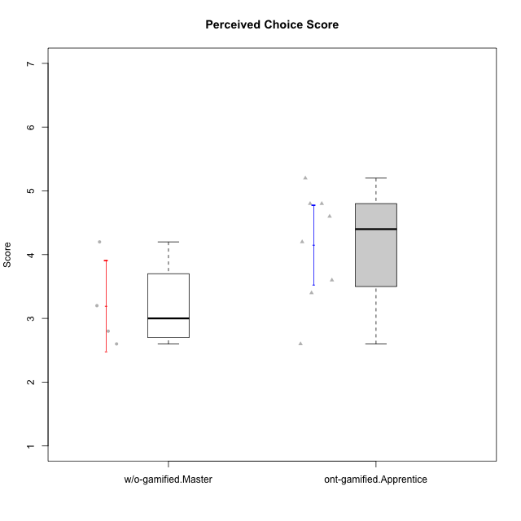

Student's t-Test data
UserID | Type | CLGroup | CLRole | PlayerRole | NroUSP | Item09IE | Item21IE | Item08IE | Item11IE | Item24IE | Item12IE | Item05PC | Item18PC | Item20PC | Item13PC | Item03PC | Item06PT | Item02PT | Item04PT | Item19EI | Item01EI | Item22EI | Item20A | Item25A | Item18A | Item07A | Item04A | Item01S | Item02S | Item09R | Item06R | Item12R | Interest/Enjoyment | Perceived Choice | Pressure/Tension | Effort/Importance | Attention | Relevance | Satisfaction | Intrinsic Motivation | Level of Motivation
10174 | w/o-gamified | Grupo7 | Master |  | 10276852 | 4 | 4 | 6 | 4 | 6 | 3 | 4 | 3 | 4 | 4 | 4 | 6 | 4 | 5 | 2 | 5 | 4 | 4 | 4 | 5 | 6 | 5 | 6 | 5 | 6 | 5 | 4 | 4.5 | 4.2 | 5 | 4.3333333333 | 4.8 | 3 | 5.5 | 4.1176470588 | 4.4
10179 | w/o-gamified | Grupo10 | Master |  | 10310759 | 3 | 4 | 3 | 2 | 4 | 6 | 6 | 5 | 4 | 5 | 7 | 2 | 1 | 1 | 1 | 2 | 5 | 4 | 4 | 4 | 2 | 5 | 3 | 4 | 4 | 2 | 4 | 3.6666666667 | 2.6 | 1.3333333333 | 6 | 3.8 | 4.6666666667 | 3.5 | 4.2941176471 | 4
10186 | ont-gamified | Slayers | Apprentice | Social Achiever | 10310551 | 4 | 3 | 6 | 6 | 3 | 1 | 4 | 4 | 1 | 4 | 4 | 4 | 5 | 4 | 1 | 1 | 7 | 4 | 1 | 4 | 1 | 4 | 7 | 7 | 3 | 1 | 6 | 3.8333333333 | 4.6 | 4.3333333333 | 7 | 2.8 | 6 | 7 | 4.5882352941 | 4.6
10189 | ont-gamified | Vikings | Apprentice | Social Achiever | 9363926 | 2 | 2 | 4 | 1 | 2 | 1 | 5 | 4 | 4 | 5 | 5 | 2 | 1 | 1 | 3 | 1 | 6 | 1 | 1 | 2 | 1 | 2 | 3 | 2 | 6 | 1 | 4 | 2 | 3.4 | 1.3333333333 | 6 | 1.4 | 4.3333333333 | 2.5 | 3.9411764706 | 2.5
10191 | w/o-gamified | Grupo1 | Master |  | 10276981 | 3 | 2 | 3 | 3 | 2 | 1 | 5 | 4 | 5 | 5 | 5 | 1 | 1 | 1 | 4 | 2 | 4 | 2 | 4 | 2 | 4 | 4 | 4 | 4 | 3 | 2 | 3 | 2.3333333333 | 3.2 | 1 | 4.6666666667 | 3.2 | 4.6666666667 | 4 | 3.8235294118 | 3.8
10192 | ont-gamified | Attractive Devils | Apprentice | Social Achiever | 10276682 | 4 | 5 | 4 | 6 | 1 | 4 | 2 | 4 | 4 | 3 | 3 | 4 | 4 | 4 | 5 | 1 | 5 | 4 | 4 | 4 | 7 | 5 | 7 | 6 | 1 | 2 | 5 | 4 | 4.8 | 4 | 5 | 4.8 | 6 | 6.5 | 4.4117647059 | 5.5
10198 | ont-gamified | Attractive Devils | Apprentice | Social Achiever | 10310888 | 6 | 3 | 4 | 4 | 2 | 5 | 4 | 6 | 6 | 5 | 1 | 4 | 4 | 4 | 3 | 2 | 6 | 6 | 5 | 5 | 7 | 7 | 7 | 7 | 2 | 1 | 5 | 4 | 3.6 | 4 | 5.6666666667 | 6 | 6 | 7 | 4.1764705882 | 6.2
10200 | ont-gamified | Warriors | Apprentice | Social Achiever | 9795272 | 4 | 5 | 5 | 5 | 5 | 3 | 4 | 2 | 2 | 5 | 3 | 4 | 5 | 5 | 1 | 1 | 6 | 4 | 5 | 4 | 6 | 5 | 5 | 6 | 3 | 1 | 6 | 4.5 | 4.8 | 4.6666666667 | 6.6666666667 | 4.8 | 6 | 5.5 | 4.7647058824 | 5.3
10202 | ont-gamified | Silly Knights | Apprentice | Social Achiever | 10277036 | 3 | 3 | 3 | 3 | 3 | 3 | 2 | 5 | 2 | 2 | 3 | 3 | 3 | 3 | 2 | 2 | 5 | 2 | 3 | 2 | 2 | 4 | 5 | 5 | 3 | 2 | 5 | 3 | 5.2 | 3 | 5.6666666667 | 2.6 | 5.3333333333 | 5 | 4.4705882353 | 3.9
10214 | ont-gamified | Vikings | Apprentice | Social Achiever | 10277022 | 1 | 1 | 2 | 1 | 1 | 1 | 2 | 7 | 6 | 6 | 6 | 4 | 5 | 1 | 1 | 1 | 7 | 1 | 2 | 1 | 1 | 4 | 3 | 4 | 5 | 2 | 2 | 1.1666666667 | 2.6 | 3.3333333333 | 7 | 1.8 | 3.6666666667 | 3.5 | 3.2352941176 | 2.7
10219 | w/o-gamified | Grupo3 | Master |  | 10276831 | 2 | 1 | 1 | 1 | 2 | 4 | 7 | 4 | 7 | 1 | 7 | 1 | 1 | 1 | 7 | 5 | 2 | 2 | 2 | 3 | 3 | 2 | 1 | 1 | 5 | 1 | 2 | 1.8333333333 | 2.8 | 1 | 2 | 2.4 | 4 | 1 | 3.0588235294 | 2.6
10237 | ont-gamified | Outlaws | Apprentice | Social Achiever | 10377688 | 3 | 5 | 3 | 3 | 6 | 4 | 3 | 3 | 4 | 3 | 6 | 4 | 6 | 5 | 4 | 2 | 5 | 3 | 3 | 4 | 5 | 3 | 3 | 4 | 4 | 3 | 5 | 4 | 4.2 | 5 | 5 | 3.6 | 4.6666666667 | 3.5 | 4.0588235294 | 3.9

Type_CLRole_4
Student's t-Test for Perceived Choice Score in Type:CLRole between ont-gamified.Master:w/o-gamified.Apprentice

Student's t-Test results
Alternative hypothesis: less
Group | N | Mean | Mean.Difference | Std.deviation | Std.error | CI.lower | CI.upper | df | t.value | p.value | g | magnitude
ont-gamified.Master | 8 | 5.15 | 0.67 | 1.2035661297 | 0.42552488596 | 4.2989502281 | 6.0010497719 | 11.585771061 | 1.3578468862 | 0.89981539883 | 0.64301707994 | medium
w/o-gamified.Apprentice | 10 | 4.48 | -0.67 | 0.78993670633 | 0.24979991994 | 3.9804001601 | 4.9795998399 | 11.585771061 | 1.3578468862 | 0.89981539883 | 0.64301707994 | medium
Alternative hypothesis: greater
Group | N | Mean | Mean.Difference | Std.deviation | Std.error | CI.lower | CI.upper | df | t.value | p.value | g | magnitude
ont-gamified.Master | 8 | 5.15 | 0.67 | 1.2035661297 | 0.42552488596 | 4.2989502281 | 6.0010497719 | 11.585771061 | 1.3578468862 | 0.10018460117 | 0.64301707994 | medium
w/o-gamified.Apprentice | 10 | 4.48 | -0.67 | 0.78993670633 | 0.24979991994 | 3.9804001601 | 4.9795998399 | 11.585771061 | 1.3578468862 | 0.10018460117 | 0.64301707994 | medium
Alternative hypothesis: two.sided
Group | N | Mean | Mean.Difference | Std.deviation | Std.error | CI.lower | CI.upper | df | t.value | p.value | g | magnitude
ont-gamified.Master | 8 | 5.15 | 0.67 | 1.2035661297 | 0.42552488596 | 4.2989502281 | 6.0010497719 | 11.585771061 | 1.3578468862 | 0.20036920235 | 0.64301707994 | medium
w/o-gamified.Apprentice | 10 | 4.48 | -0.67 | 0.78993670633 | 0.24979991994 | 3.9804001601 | 4.9795998399 | 11.585771061 | 1.3578468862 | 0.20036920235 | 0.64301707994 | medium

Box plots for Student's t-Test


Student's t-Test data
UserID | Type | CLGroup | CLRole | PlayerRole | NroUSP | Item09IE | Item21IE | Item08IE | Item11IE | Item24IE | Item12IE | Item05PC | Item18PC | Item20PC | Item13PC | Item03PC | Item06PT | Item02PT | Item04PT | Item19EI | Item01EI | Item22EI | Item20A | Item25A | Item18A | Item07A | Item04A | Item01S | Item02S | Item09R | Item06R | Item12R | Interest/Enjoyment | Perceived Choice | Pressure/Tension | Effort/Importance | Attention | Relevance | Satisfaction | Intrinsic Motivation | Level of Motivation
10170 | w/o-gamified | Grupo11 | Apprentice |  | 10260351 | 4 | 4 | 6 | 4 | 4 | 3 | 2 | 1 | 3 | 2 | 3 | 1 | 1 | 1 | 3 | 3 | 5 | 6 | 5 | 6 | 5 | 4 | 4 | 4 | 2 | 1 | 6 | 4.1666666667 | 5.8 | 1 | 5 | 5.2 | 6.3333333333 | 4 | 5.2941176471 | 5.3
10171 | ont-gamified | Mafia | Master | Social Achiever | 698531 | 6 | 7 | 6 | 6 | 5 | 5 | 2 | 2 | 1 | 2 | 2 | 1 | 2 | 2 | 1 | 1 | 6 | 6 | 5 | 6 | 5 | 5 | 6 | 6 | 2 | 2 | 7 | 5.8333333333 | 6.2 | 1.6666666667 | 6.6666666667 | 5.4 | 6.3333333333 | 6 | 6.1764705882 | 5.8
10175 | ont-gamified | Warriors | Master | Social Achiever | 10310700 | 4 | 4 | 4 | 4 | 4 | 4 | 1 | 1 | 1 | 1 | 3 | 1 | 1 | 1 | 1 | 1 | 4 | 5 | 5 | 5 | 6 | 6 | 6 | 6 | 2 | 1 | 7 | 4 | 6.6 | 1 | 6 | 5.4 | 6.6666666667 | 6 | 5.6470588235 | 5.9
10176 | ont-gamified | Outlaws | Master | Social Achiever | 10276949 | 4 | 4 | 4 | 4 | 4 | 3 | 4 | 5 | 4 | 6 | 4 | 6 | 4 | 6 | 5 | 4 | 4 | 5 | 5 | 5 | 4 | 4 | 4 | 4 | 4 | 4 | 4 | 3.8333333333 | 3.4 | 5.3333333333 | 3.6666666667 | 4.6 | 4 | 4 | 3.4705882353 | 4.3
10183 | w/o-gamified | Grupo3 | Apprentice |  | 10352030 | 3 | 3 | 3 | 3 | 2 | 3 | 4 | 3 | 5 | 2 | 4 | 5 | 4 | 4 | 3 | 4 | 4 | 2 | 2 | 2 | 2 | 3 | 2 | 2 | 5 | 2 | 3 | 2.8333333333 | 4.4 | 4.3333333333 | 4.3333333333 | 2.2 | 4 | 2 | 3.7058823529 | 2.7
10184 | w/o-gamified | Grupo10 | Apprentice |  | 10276675 | 4 | 3 | 4 | 4 | 4 | 4 | 5 | 4 | 4 | 3 | 4 | 4 | 4 | 3 | 4 | 4 | 4 | 4 | 4 | 4 | 2 | 4 | 6 | 4 | 4 | 4 | 4 | 3.8333333333 | 4 | 3.6666666667 | 4 | 3.6 | 4 | 5 | 4 | 4
10185 | w/o-gamified | Grupo9 | Apprentice |  | 10276960 | 4 | 3 | 6 | 5 | 6 | 5 | 6 | 6 | 3 | 5 | 3 | 5 | 4 | 4 | 3 | 4 | 5 | 3 | 5 | 3 | 4 | 2 | 4 | 5 | 5 | 3 | 3 | 4.8333333333 | 3.4 | 4.3333333333 | 4.6666666667 | 3.4 | 3.6666666667 | 4.5 | 4.1764705882 | 3.7
10188 | ont-gamified | Vandals | Master | Yee Achiever | 10276995 | 3 | 3 | 4 | 1 | 3 | 4 | 1 | 1 | 1 | 3 | 3 | 1 | 1 | 1 | 3 | 2 | 1 | 3 | 4 | 4 | 2 | 4 | 3 | 3 | 2 | 2 | 4 | 3 | 6.2 | 1 | 4 | 3.4 | 5.3333333333 | 3 | 4.8235294118 | 3.9
10197 | w/o-gamified | Grupo8 | Apprentice |  | 10276661 | 3 | 2 | 5 | 5 | 2 | 4 | 3 | 2 | 4 | 4 | 2 | 5 | 3 | 3 | 3 | 3 | 4 | 4 | 4 | 7 | 5 | 4 | 4 | 4 | 5 | 4 | 4 | 3.5 | 5 | 3.6666666667 | 4.6666666667 | 4.8 | 3.6666666667 | 4 | 4.2941176471 | 4.3
10201 | w/o-gamified | Grupo11 | Apprentice |  | 10276928 | 5 | 6 | 6 | 5 | 3 | 6 | 3 | 4 | 4 | 3 | 5 | 4 | 3 | 2 | 3 | 3 | 5 | 6 | 5 | 6 | 6 | 4 | 6 | 5 | 4 | 2 | 6 | 5.1666666667 | 4.2 | 3 | 5 | 5.4 | 5.3333333333 | 5.5 | 4.8235294118 | 5.4
10206 | w/o-gamified | Grupo8 | Apprentice |  | 10310721 | 4 | 5 | 4 | 2 | 4 | 3 | 2 | 2 | 2 | 3 | 3 | 3 | 3 | 2 | 2 | 2 | 5 | 4 | 6 | 4 | 4 | 5 | 5 | 5 | 3 | 2 | 6 | 3.6666666667 | 5.6 | 2.6666666667 | 5.6666666667 | 4.6 | 5.6666666667 | 5 | 4.8823529412 | 5
10208 | ont-gamified | Mercenaries | Master | Social Achiever | 10276932 | 4 | 4 | 4 | 4 | 4 | 3 | 2 | 4 | 2 | 4 | 4 | 2 | 2 | 2 | 2 | 2 | 4 | 2 | 2 | 2 | 3 | 3 | 5 | 5 | 5 | 3 | 3 | 3.8333333333 | 4.8 | 2 | 5.3333333333 | 2.4 | 3.6666666667 | 5 | 4.7647058824 | 3.3
10216 | ont-gamified | Silly Knights | Master | Social Achiever | 10276720 | 5 | 4 | 4 | 3 | 5 | 7 | 2 | 1 | 3 | 2 | 3 | 1 | 1 | 1 | 2 | 1 | 4 | 5 | 6 | 4 | 2 | 4 | 5 | 5 | 2 | 1 | 7 | 4.6666666667 | 5.8 | 1 | 5.6666666667 | 4.2 | 6.6666666667 | 5 | 5.5882352941 | 5.1
10217 | w/o-gamified | Grupo9 | Apprentice |  | 9805341 | 5 | 5 | 5 | 3 | 4 | 4 | 5 | 4 | 2 | 4 | 4 | 1 | 1 | 1 | 4 | 3 | 2 | 4 | 4 | 3 | 4 | 5 | 4 | 4 | 3 | 3 | 6 | 4.3333333333 | 4.2 | 1 | 3.6666666667 | 4 | 5.3333333333 | 4 | 4.6470588235 | 4.4
10218 | w/o-gamified | Grupo10 | Apprentice |  | 9842913 | 4 | 4 | 4 | 4 | 4 | 4 | 5 | 5 | 4 | 4 | 4 | 4 | 4 | 5 | 4 | 4 | 5 | 4 | 4 | 3 | 5 | 3 | 4 | 3 | 3 | 4 | 4 | 4 | 3.6 | 4.3333333333 | 4.3333333333 | 3.8 | 4.3333333333 | 3.5 | 3.8823529412 | 3.9
10223 | ont-gamified | Slayers | Master | Social Achiever | 9795185 | 5 | 5 | 6 | 4 | 5 | 5 | 4 | 3 | 4 | 4 | 4 | 2 | 4 | 4 | 4 | 4 | 4 | 4 | 4 | 3 | 4 | 4 | 4 | 5 | 2 | 3 | 7 | 5 | 4.2 | 3.3333333333 | 4 | 3.8 | 6 | 4.5 | 4.5294117647 | 4.6
10230 | ont-gamified | Resistance | Master | Social Achiever | 10351992 | 4 | 5 | 5 | 4 | 5 | 4 | 4 | 3 | 5 | 3 | 5 | 6 | 5 | 4 | 2 | 3 | 5 | 2 | 4 | 3 | 6 | 6 | 4 | 6 | 3 | 4 | 4 | 4.5 | 4 | 5 | 5.3333333333 | 4.2 | 4.3333333333 | 5 | 4.2352941176 | 4.4
10232 | w/o-gamified | Grupo7 | Apprentice |  | 10276974 | 4 | 4 | 5 | 5 | 5 | 4 | 3 | 4 | 4 | 3 | 3 | 2 | 2 | 2 | 1 | 1 | 6 | 4 | 6 | 4 | 5 | 6 | 6 | 5 | 2 | 1 | 7 | 4.5 | 4.6 | 2 | 6.6666666667 | 5 | 6.6666666667 | 5.5 | 5.1764705882 | 5.6

Type_CLRole_5
Student's t-Test for Perceived Choice Score in Type:CLRole between ont-gamified.Master:w/o-gamified.Master

Student's t-Test results
Alternative hypothesis: less
Group | N | Mean | Mean.Difference | Std.deviation | Std.error | CI.lower | CI.upper | df | t.value | p.value | g | magnitude
ont-gamified.Master | 8 | 5.15 | 1.95 | 1.2035661297 | 0.42552488596 | 4.2989502281 | 6.0010497719 | 9.4400788564 | 3.5151509593 | 0.99695113623 | 1.6669525198 | large
w/o-gamified.Master | 4 | 3.2 | -1.95 | 0.7118052168 | 0.3559026084 | 2.4881947832 | 3.9118052168 | 9.4400788564 | 3.5151509593 | 0.99695113623 | 1.6669525198 | large
Alternative hypothesis: greater
Group | N | Mean | Mean.Difference | Std.deviation | Std.error | CI.lower | CI.upper | df | t.value | p.value | g | magnitude
ont-gamified.Master | 8 | 5.15 | 1.95 | 1.2035661297 | 0.42552488596 | 4.2989502281 | 6.0010497719 | 9.4400788564 | 3.5151509593 | 0.0030488637695 | 1.6669525198 | large
w/o-gamified.Master | 4 | 3.2 | -1.95 | 0.7118052168 | 0.3559026084 | 2.4881947832 | 3.9118052168 | 9.4400788564 | 3.5151509593 | 0.0030488637695 | 1.6669525198 | large
Alternative hypothesis: two.sided
Group | N | Mean | Mean.Difference | Std.deviation | Std.error | CI.lower | CI.upper | df | t.value | p.value | g | magnitude
ont-gamified.Master | 8 | 5.15 | 1.95 | 1.2035661297 | 0.42552488596 | 4.2989502281 | 6.0010497719 | 9.4400788564 | 3.5151509593 | 0.006097727539 | 1.6669525198 | large
w/o-gamified.Master | 4 | 3.2 | -1.95 | 0.7118052168 | 0.3559026084 | 2.4881947832 | 3.9118052168 | 9.4400788564 | 3.5151509593 | 0.006097727539 | 1.6669525198 | large

Box plots for Student's t-Test
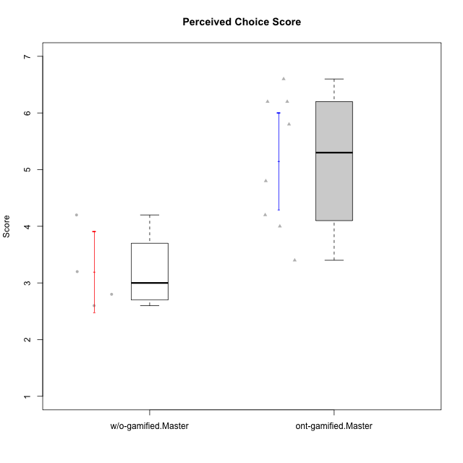

Student's t-Test data
UserID | Type | CLGroup | CLRole | PlayerRole | NroUSP | Item09IE | Item21IE | Item08IE | Item11IE | Item24IE | Item12IE | Item05PC | Item18PC | Item20PC | Item13PC | Item03PC | Item06PT | Item02PT | Item04PT | Item19EI | Item01EI | Item22EI | Item20A | Item25A | Item18A | Item07A | Item04A | Item01S | Item02S | Item09R | Item06R | Item12R | Interest/Enjoyment | Perceived Choice | Pressure/Tension | Effort/Importance | Attention | Relevance | Satisfaction | Intrinsic Motivation | Level of Motivation
10171 | ont-gamified | Mafia | Master | Social Achiever | 698531 | 6 | 7 | 6 | 6 | 5 | 5 | 2 | 2 | 1 | 2 | 2 | 1 | 2 | 2 | 1 | 1 | 6 | 6 | 5 | 6 | 5 | 5 | 6 | 6 | 2 | 2 | 7 | 5.8333333333 | 6.2 | 1.6666666667 | 6.6666666667 | 5.4 | 6.3333333333 | 6 | 6.1764705882 | 5.8
10174 | w/o-gamified | Grupo7 | Master |  | 10276852 | 4 | 4 | 6 | 4 | 6 | 3 | 4 | 3 | 4 | 4 | 4 | 6 | 4 | 5 | 2 | 5 | 4 | 4 | 4 | 5 | 6 | 5 | 6 | 5 | 6 | 5 | 4 | 4.5 | 4.2 | 5 | 4.3333333333 | 4.8 | 3 | 5.5 | 4.1176470588 | 4.4
10175 | ont-gamified | Warriors | Master | Social Achiever | 10310700 | 4 | 4 | 4 | 4 | 4 | 4 | 1 | 1 | 1 | 1 | 3 | 1 | 1 | 1 | 1 | 1 | 4 | 5 | 5 | 5 | 6 | 6 | 6 | 6 | 2 | 1 | 7 | 4 | 6.6 | 1 | 6 | 5.4 | 6.6666666667 | 6 | 5.6470588235 | 5.9
10176 | ont-gamified | Outlaws | Master | Social Achiever | 10276949 | 4 | 4 | 4 | 4 | 4 | 3 | 4 | 5 | 4 | 6 | 4 | 6 | 4 | 6 | 5 | 4 | 4 | 5 | 5 | 5 | 4 | 4 | 4 | 4 | 4 | 4 | 4 | 3.8333333333 | 3.4 | 5.3333333333 | 3.6666666667 | 4.6 | 4 | 4 | 3.4705882353 | 4.3
10179 | w/o-gamified | Grupo10 | Master |  | 10310759 | 3 | 4 | 3 | 2 | 4 | 6 | 6 | 5 | 4 | 5 | 7 | 2 | 1 | 1 | 1 | 2 | 5 | 4 | 4 | 4 | 2 | 5 | 3 | 4 | 4 | 2 | 4 | 3.6666666667 | 2.6 | 1.3333333333 | 6 | 3.8 | 4.6666666667 | 3.5 | 4.2941176471 | 4
10188 | ont-gamified | Vandals | Master | Yee Achiever | 10276995 | 3 | 3 | 4 | 1 | 3 | 4 | 1 | 1 | 1 | 3 | 3 | 1 | 1 | 1 | 3 | 2 | 1 | 3 | 4 | 4 | 2 | 4 | 3 | 3 | 2 | 2 | 4 | 3 | 6.2 | 1 | 4 | 3.4 | 5.3333333333 | 3 | 4.8235294118 | 3.9
10191 | w/o-gamified | Grupo1 | Master |  | 10276981 | 3 | 2 | 3 | 3 | 2 | 1 | 5 | 4 | 5 | 5 | 5 | 1 | 1 | 1 | 4 | 2 | 4 | 2 | 4 | 2 | 4 | 4 | 4 | 4 | 3 | 2 | 3 | 2.3333333333 | 3.2 | 1 | 4.6666666667 | 3.2 | 4.6666666667 | 4 | 3.8235294118 | 3.8
10208 | ont-gamified | Mercenaries | Master | Social Achiever | 10276932 | 4 | 4 | 4 | 4 | 4 | 3 | 2 | 4 | 2 | 4 | 4 | 2 | 2 | 2 | 2 | 2 | 4 | 2 | 2 | 2 | 3 | 3 | 5 | 5 | 5 | 3 | 3 | 3.8333333333 | 4.8 | 2 | 5.3333333333 | 2.4 | 3.6666666667 | 5 | 4.7647058824 | 3.3
10216 | ont-gamified | Silly Knights | Master | Social Achiever | 10276720 | 5 | 4 | 4 | 3 | 5 | 7 | 2 | 1 | 3 | 2 | 3 | 1 | 1 | 1 | 2 | 1 | 4 | 5 | 6 | 4 | 2 | 4 | 5 | 5 | 2 | 1 | 7 | 4.6666666667 | 5.8 | 1 | 5.6666666667 | 4.2 | 6.6666666667 | 5 | 5.5882352941 | 5.1
10219 | w/o-gamified | Grupo3 | Master |  | 10276831 | 2 | 1 | 1 | 1 | 2 | 4 | 7 | 4 | 7 | 1 | 7 | 1 | 1 | 1 | 7 | 5 | 2 | 2 | 2 | 3 | 3 | 2 | 1 | 1 | 5 | 1 | 2 | 1.8333333333 | 2.8 | 1 | 2 | 2.4 | 4 | 1 | 3.0588235294 | 2.6
10223 | ont-gamified | Slayers | Master | Social Achiever | 9795185 | 5 | 5 | 6 | 4 | 5 | 5 | 4 | 3 | 4 | 4 | 4 | 2 | 4 | 4 | 4 | 4 | 4 | 4 | 4 | 3 | 4 | 4 | 4 | 5 | 2 | 3 | 7 | 5 | 4.2 | 3.3333333333 | 4 | 3.8 | 6 | 4.5 | 4.5294117647 | 4.6
10230 | ont-gamified | Resistance | Master | Social Achiever | 10351992 | 4 | 5 | 5 | 4 | 5 | 4 | 4 | 3 | 5 | 3 | 5 | 6 | 5 | 4 | 2 | 3 | 5 | 2 | 4 | 3 | 6 | 6 | 4 | 6 | 3 | 4 | 4 | 4.5 | 4 | 5 | 5.3333333333 | 4.2 | 4.3333333333 | 5 | 4.2352941176 | 4.4

Type_CLRole_6
Student's t-Test for Perceived Choice Score in Type:CLRole between w/o-gamified.Apprentice:w/o-gamified.Master

Student's t-Test results
Alternative hypothesis: less
Group | N | Mean | Mean.Difference | Std.deviation | Std.error | CI.lower | CI.upper | df | t.value | p.value | g | magnitude
w/o-gamified.Apprentice | 10 | 4.48 | 1.28 | 0.78993670633 | 0.24979991994 | 3.9804001601 | 4.9795998399 | 6.1836212517 | 2.9437605839 | 0.98753844451 | 1.5539176176 | large
w/o-gamified.Master | 4 | 3.2 | -1.28 | 0.7118052168 | 0.3559026084 | 2.4881947832 | 3.9118052168 | 6.1836212517 | 2.9437605839 | 0.98753844451 | 1.5539176176 | large
Alternative hypothesis: greater
Group | N | Mean | Mean.Difference | Std.deviation | Std.error | CI.lower | CI.upper | df | t.value | p.value | g | magnitude
w/o-gamified.Apprentice | 10 | 4.48 | 1.28 | 0.78993670633 | 0.24979991994 | 3.9804001601 | 4.9795998399 | 6.1836212517 | 2.9437605839 | 0.012461555491 | 1.5539176176 | large
w/o-gamified.Master | 4 | 3.2 | -1.28 | 0.7118052168 | 0.3559026084 | 2.4881947832 | 3.9118052168 | 6.1836212517 | 2.9437605839 | 0.012461555491 | 1.5539176176 | large
Alternative hypothesis: two.sided
Group | N | Mean | Mean.Difference | Std.deviation | Std.error | CI.lower | CI.upper | df | t.value | p.value | g | magnitude
w/o-gamified.Apprentice | 10 | 4.48 | 1.28 | 0.78993670633 | 0.24979991994 | 3.9804001601 | 4.9795998399 | 6.1836212517 | 2.9437605839 | 0.024923110983 | 1.5539176176 | large
w/o-gamified.Master | 4 | 3.2 | -1.28 | 0.7118052168 | 0.3559026084 | 2.4881947832 | 3.9118052168 | 6.1836212517 | 2.9437605839 | 0.024923110983 | 1.5539176176 | large

Box plots for Student's t-Test
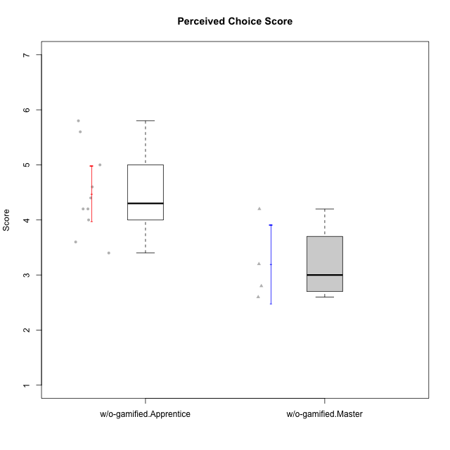

Student's t-Test data
UserID | Type | CLGroup | CLRole | PlayerRole | NroUSP | Item09IE | Item21IE | Item08IE | Item11IE | Item24IE | Item12IE | Item05PC | Item18PC | Item20PC | Item13PC | Item03PC | Item06PT | Item02PT | Item04PT | Item19EI | Item01EI | Item22EI | Item20A | Item25A | Item18A | Item07A | Item04A | Item01S | Item02S | Item09R | Item06R | Item12R | Interest/Enjoyment | Perceived Choice | Pressure/Tension | Effort/Importance | Attention | Relevance | Satisfaction | Intrinsic Motivation | Level of Motivation
10170 | w/o-gamified | Grupo11 | Apprentice |  | 10260351 | 4 | 4 | 6 | 4 | 4 | 3 | 2 | 1 | 3 | 2 | 3 | 1 | 1 | 1 | 3 | 3 | 5 | 6 | 5 | 6 | 5 | 4 | 4 | 4 | 2 | 1 | 6 | 4.1666666667 | 5.8 | 1 | 5 | 5.2 | 6.3333333333 | 4 | 5.2941176471 | 5.3
10174 | w/o-gamified | Grupo7 | Master |  | 10276852 | 4 | 4 | 6 | 4 | 6 | 3 | 4 | 3 | 4 | 4 | 4 | 6 | 4 | 5 | 2 | 5 | 4 | 4 | 4 | 5 | 6 | 5 | 6 | 5 | 6 | 5 | 4 | 4.5 | 4.2 | 5 | 4.3333333333 | 4.8 | 3 | 5.5 | 4.1176470588 | 4.4
10179 | w/o-gamified | Grupo10 | Master |  | 10310759 | 3 | 4 | 3 | 2 | 4 | 6 | 6 | 5 | 4 | 5 | 7 | 2 | 1 | 1 | 1 | 2 | 5 | 4 | 4 | 4 | 2 | 5 | 3 | 4 | 4 | 2 | 4 | 3.6666666667 | 2.6 | 1.3333333333 | 6 | 3.8 | 4.6666666667 | 3.5 | 4.2941176471 | 4
10183 | w/o-gamified | Grupo3 | Apprentice |  | 10352030 | 3 | 3 | 3 | 3 | 2 | 3 | 4 | 3 | 5 | 2 | 4 | 5 | 4 | 4 | 3 | 4 | 4 | 2 | 2 | 2 | 2 | 3 | 2 | 2 | 5 | 2 | 3 | 2.8333333333 | 4.4 | 4.3333333333 | 4.3333333333 | 2.2 | 4 | 2 | 3.7058823529 | 2.7
10184 | w/o-gamified | Grupo10 | Apprentice |  | 10276675 | 4 | 3 | 4 | 4 | 4 | 4 | 5 | 4 | 4 | 3 | 4 | 4 | 4 | 3 | 4 | 4 | 4 | 4 | 4 | 4 | 2 | 4 | 6 | 4 | 4 | 4 | 4 | 3.8333333333 | 4 | 3.6666666667 | 4 | 3.6 | 4 | 5 | 4 | 4
10185 | w/o-gamified | Grupo9 | Apprentice |  | 10276960 | 4 | 3 | 6 | 5 | 6 | 5 | 6 | 6 | 3 | 5 | 3 | 5 | 4 | 4 | 3 | 4 | 5 | 3 | 5 | 3 | 4 | 2 | 4 | 5 | 5 | 3 | 3 | 4.8333333333 | 3.4 | 4.3333333333 | 4.6666666667 | 3.4 | 3.6666666667 | 4.5 | 4.1764705882 | 3.7
10191 | w/o-gamified | Grupo1 | Master |  | 10276981 | 3 | 2 | 3 | 3 | 2 | 1 | 5 | 4 | 5 | 5 | 5 | 1 | 1 | 1 | 4 | 2 | 4 | 2 | 4 | 2 | 4 | 4 | 4 | 4 | 3 | 2 | 3 | 2.3333333333 | 3.2 | 1 | 4.6666666667 | 3.2 | 4.6666666667 | 4 | 3.8235294118 | 3.8
10197 | w/o-gamified | Grupo8 | Apprentice |  | 10276661 | 3 | 2 | 5 | 5 | 2 | 4 | 3 | 2 | 4 | 4 | 2 | 5 | 3 | 3 | 3 | 3 | 4 | 4 | 4 | 7 | 5 | 4 | 4 | 4 | 5 | 4 | 4 | 3.5 | 5 | 3.6666666667 | 4.6666666667 | 4.8 | 3.6666666667 | 4 | 4.2941176471 | 4.3
10201 | w/o-gamified | Grupo11 | Apprentice |  | 10276928 | 5 | 6 | 6 | 5 | 3 | 6 | 3 | 4 | 4 | 3 | 5 | 4 | 3 | 2 | 3 | 3 | 5 | 6 | 5 | 6 | 6 | 4 | 6 | 5 | 4 | 2 | 6 | 5.1666666667 | 4.2 | 3 | 5 | 5.4 | 5.3333333333 | 5.5 | 4.8235294118 | 5.4
10206 | w/o-gamified | Grupo8 | Apprentice |  | 10310721 | 4 | 5 | 4 | 2 | 4 | 3 | 2 | 2 | 2 | 3 | 3 | 3 | 3 | 2 | 2 | 2 | 5 | 4 | 6 | 4 | 4 | 5 | 5 | 5 | 3 | 2 | 6 | 3.6666666667 | 5.6 | 2.6666666667 | 5.6666666667 | 4.6 | 5.6666666667 | 5 | 4.8823529412 | 5
10217 | w/o-gamified | Grupo9 | Apprentice |  | 9805341 | 5 | 5 | 5 | 3 | 4 | 4 | 5 | 4 | 2 | 4 | 4 | 1 | 1 | 1 | 4 | 3 | 2 | 4 | 4 | 3 | 4 | 5 | 4 | 4 | 3 | 3 | 6 | 4.3333333333 | 4.2 | 1 | 3.6666666667 | 4 | 5.3333333333 | 4 | 4.6470588235 | 4.4
10218 | w/o-gamified | Grupo10 | Apprentice |  | 9842913 | 4 | 4 | 4 | 4 | 4 | 4 | 5 | 5 | 4 | 4 | 4 | 4 | 4 | 5 | 4 | 4 | 5 | 4 | 4 | 3 | 5 | 3 | 4 | 3 | 3 | 4 | 4 | 4 | 3.6 | 4.3333333333 | 4.3333333333 | 3.8 | 4.3333333333 | 3.5 | 3.8823529412 | 3.9
10219 | w/o-gamified | Grupo3 | Master |  | 10276831 | 2 | 1 | 1 | 1 | 2 | 4 | 7 | 4 | 7 | 1 | 7 | 1 | 1 | 1 | 7 | 5 | 2 | 2 | 2 | 3 | 3 | 2 | 1 | 1 | 5 | 1 | 2 | 1.8333333333 | 2.8 | 1 | 2 | 2.4 | 4 | 1 | 3.0588235294 | 2.6
10232 | w/o-gamified | Grupo7 | Apprentice |  | 10276974 | 4 | 4 | 5 | 5 | 5 | 4 | 3 | 4 | 4 | 3 | 3 | 2 | 2 | 2 | 1 | 1 | 6 | 4 | 6 | 4 | 5 | 6 | 6 | 5 | 2 | 1 | 7 | 4.5 | 4.6 | 2 | 6.6666666667 | 5 | 6.6666666667 | 5.5 | 5.1764705882 | 5.6

