Assumptions
ANOVA assumptions for Pressure/Tension Score

Shapiro-Wilk normality test for Pressure/Tension Score
W | p.value
0.94580654613 | 0.13041884417

Plots for normality test
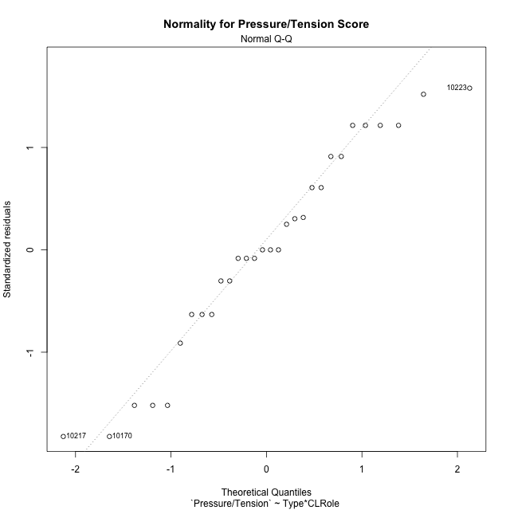

Levene's Test for Homogeneity of Variance in Pressure/Tension Score
Df | F value | Pr(>F)
3 | 2.6576649856 | 0.069303069589
26

Plots for homogeneity of variance
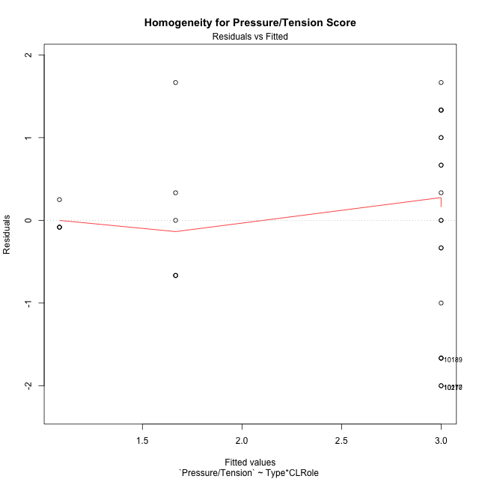

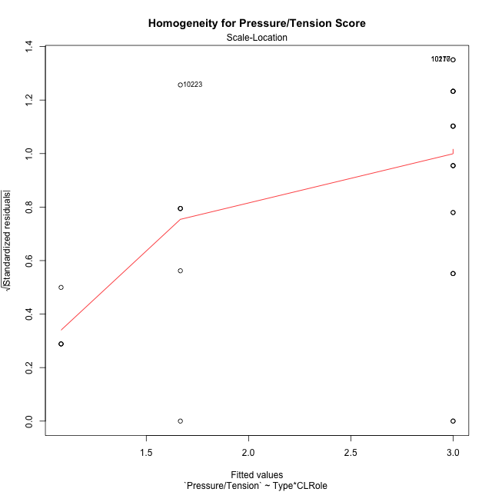

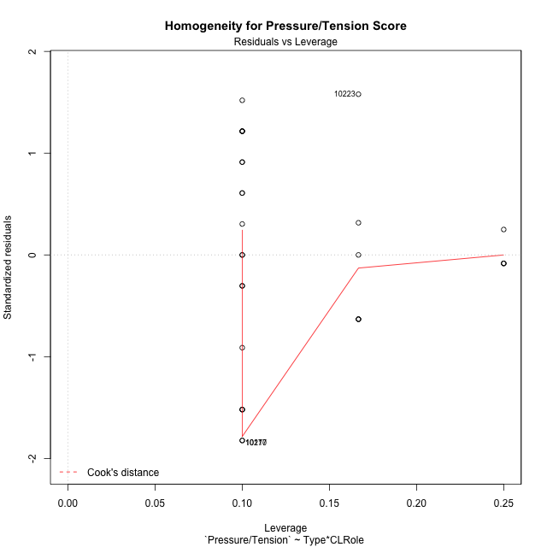

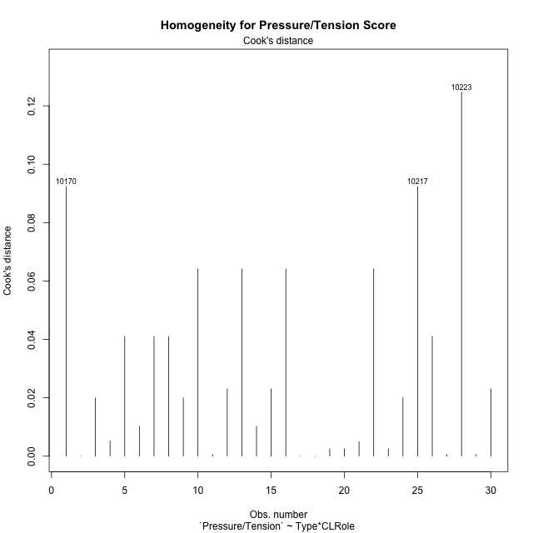

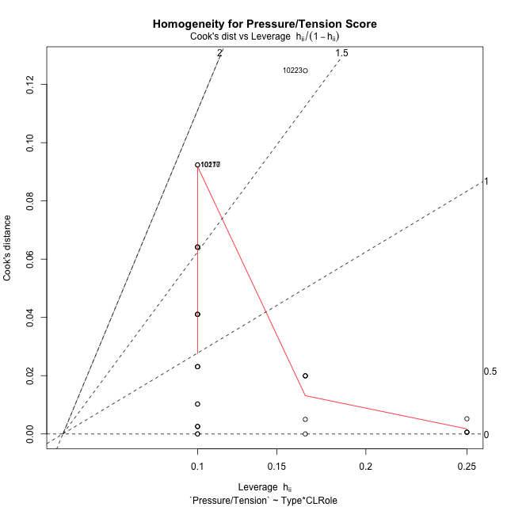

Minimum Sample Size Test for Pressure/Tension Score
Type | CLRole | Freq
ont-gamified | Apprentice | 10
w/o-gamified | Apprentice | 10
ont-gamified | Master | 6
w/o-gamified | Master | 4

Errors and Warnings in Sample Size Test for ANOVA in Pressure/Tension Score
code | description
WARN: sample.size | current size is 10 and recommended size is 15 for the group: 'ont-gamified:Apprentice'.
WARN: sample.size | current size is 10 and recommended size is 15 for the group: 'w/o-gamified:Apprentice'.
WARN: sample.size | current size is 6 and recommended size is 15 for the group: 'ont-gamified:Master'.
FAIL: min.size | current size is 4 but the minimal recomended size is 5 for the group: 'w/o-gamified:Master'.

For the group: 'ont-gamified:Apprentice', we recommend the use of non-parametric test. For the group: 'w/o-gamified:Apprentice', we recommend the use of non-parametric test. For the group: 'ont-gamified:Master', we recommend the use of non-parametric test. For the group: 'w/o-gamified:Master', we recommend the use of non-parametric test.

Post-hoc
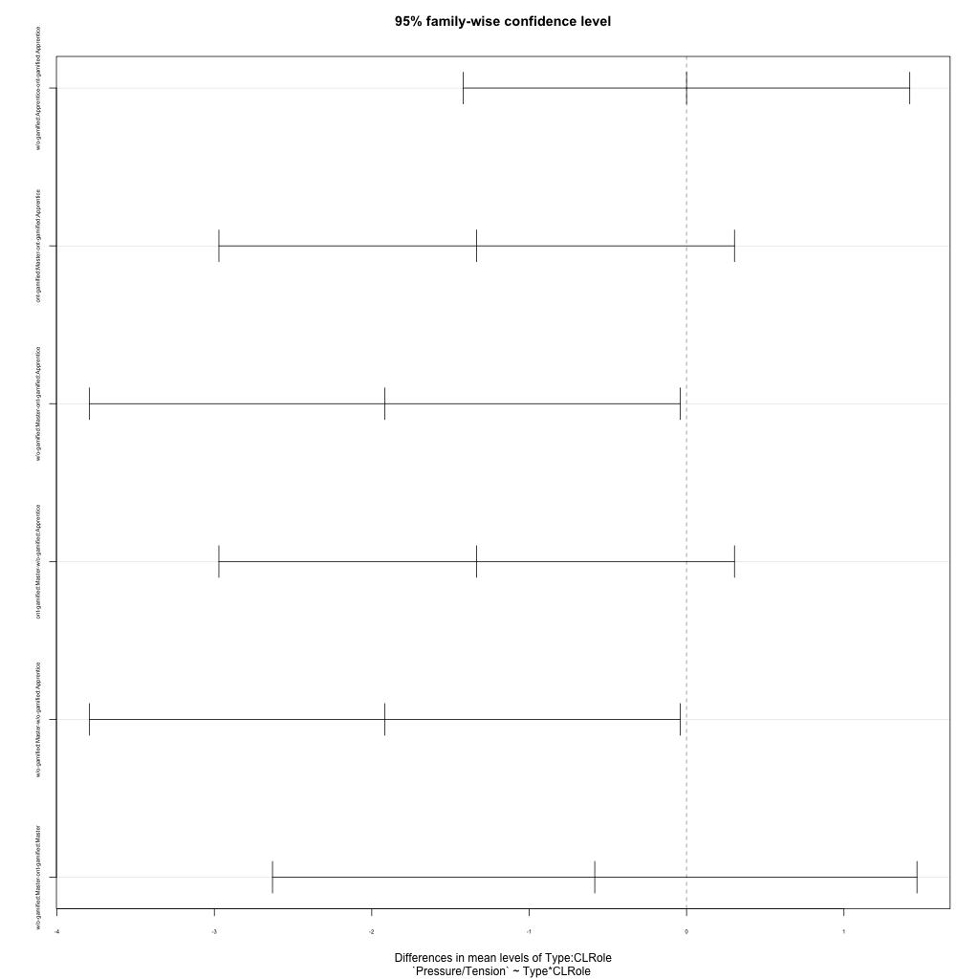
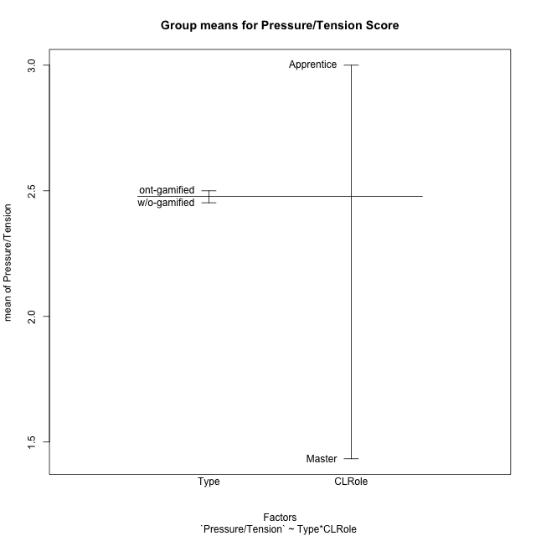
Post-hoc Tukey Honestly Significant Difference (HSD) Test for Pressure/Tension Score

Comparisons of means for Type
 | diff | lwr | upr | p adj
w/o-gamified-ont-gamified | -0.047619047619 | -0.91728216045 | 0.82204406521 | 0.91125021564

Comparisons of means for CLRole
 | diff | lwr | upr | p adj
Master-Apprentice | -1.5714285714 | -2.4917934998 | -0.65106364304 | 0.0016553094508

Comparisons of means for Type:CLRole
 | diff | lwr | upr | p adj
w/o-gamified:Apprentice-ont-gamified:Apprentice | 4.4408920985E-16 | -1.4183459587 | 1.4183459587 | 1
ont-gamified:Master-ont-gamified:Apprentice | -1.3333333333 | -2.9710981755 | 0.30443150879 | 0.14075869759
w/o-gamified:Master-ont-gamified:Apprentice | -1.9166666667 | -3.7929620066 | -0.040371326778 | 0.043956612271
ont-gamified:Master-w/o-gamified:Apprentice | -1.3333333333 | -2.9710981755 | 0.30443150879 | 0.14075869759
w/o-gamified:Master-w/o-gamified:Apprentice | -1.9166666667 | -3.7929620066 | -0.040371326778 | 0.043956612271
w/o-gamified:Master-ont-gamified:Master | -0.58333333333 | -2.630539386 | 1.4638727193 | 0.86204559568

Contrast Matrices for Pressure/Tension Score - Type
contrast | estimate | SE | df | t.ratio | p.value
ont-gamified - w/o-gamified | 0.29166666667 | 0.45392695391 | 26 | 0.64254097307 | 0.52614797422

Contrast Matrices for Pressure/Tension Score - Type:CLRole
contrast | CLRole | estimate | SE | df | t.ratio | p.value
ont-gamified - w/o-gamified | Apprentice | 1.1102230246E-16 | 0.51701807735 | 26 | 2.1473582323E-16 | 1
ont-gamified - w/o-gamified | Master | 0.58333333333 | 0.74625131534 | 26 | 0.78168483103 | 0.44146043488

Least Squares Means and Confidence Intervals for Type
Type | lsmean | SE | df | lower.CL | upper.CL | Pairs
ont-gamified | 2.3333333333 | 0.29850052613 | 26 | 1.7197567144 | 2.9469099523 | ont-gamified
w/o-gamified | 2.0416666667 | 0.341975314 | 26 | 1.3387263415 | 2.7446069919 | w/o-gamified

Least Squares Means and Confidence Intervals for Type:CLRole
Type | CLRole | lsmean | SE | df | lower.CL | upper.CL | Pairs
ont-gamified | Apprentice | 3 | 0.36558698849 | 26 | 2.2485251828 | 3.7514748172 | ont-gamified.Apprentice
w/o-gamified | Apprentice | 3 | 0.36558698849 | 26 | 2.2485251828 | 3.7514748172 | w/o-gamified.Apprentice
ont-gamified | Master | 1.6666666667 | 0.47197077267 | 26 | 0.69651684926 | 2.6368164841 | ont-gamified.Master
w/o-gamified | Master | 1.0833333333 | 0.57804378328 | 26 | -0.10485268002 | 2.2715193467 | w/o-gamified.Master

Plots

Type_1
Student's t-Test for Pressure/Tension Score in Type between ont-gamified:w/o-gamified

Student's t-Test results
Alternative hypothesis: less
Group | N | Mean | Mean.Difference | Std.deviation | Std.error | CI.lower | CI.upper | df | t.value | p.value | g | magnitude
ont-gamified | 16 | 2.5 | 0.047619047619 | 1.3165611772 | 0.3291402943 | 1.8417194114 | 3.1582805886 | 26.841521951 | 0.095102993329 | 0.53753026521 | 0.034027002706 | negligible
w/o-gamified | 14 | 2.4523809524 | -0.047619047619 | 1.4118372758 | 0.3773293837 | 1.697722185 | 3.2070397198 | 26.841521951 | 0.095102993329 | 0.53753026521 | 0.034027002706 | negligible
Alternative hypothesis: greater
Group | N | Mean | Mean.Difference | Std.deviation | Std.error | CI.lower | CI.upper | df | t.value | p.value | g | magnitude
ont-gamified | 16 | 2.5 | 0.047619047619 | 1.3165611772 | 0.3291402943 | 1.8417194114 | 3.1582805886 | 26.841521951 | 0.095102993329 | 0.46246973479 | 0.034027002706 | negligible
w/o-gamified | 14 | 2.4523809524 | -0.047619047619 | 1.4118372758 | 0.3773293837 | 1.697722185 | 3.2070397198 | 26.841521951 | 0.095102993329 | 0.46246973479 | 0.034027002706 | negligible
Alternative hypothesis: two.sided
Group | N | Mean | Mean.Difference | Std.deviation | Std.error | CI.lower | CI.upper | df | t.value | p.value | g | magnitude
ont-gamified | 16 | 2.5 | 0.047619047619 | 1.3165611772 | 0.3291402943 | 1.8417194114 | 3.1582805886 | 26.841521951 | 0.095102993329 | 0.92493946958 | 0.034027002706 | negligible
w/o-gamified | 14 | 2.4523809524 | -0.047619047619 | 1.4118372758 | 0.3773293837 | 1.697722185 | 3.2070397198 | 26.841521951 | 0.095102993329 | 0.92493946958 | 0.034027002706 | negligible

Box plots for Student's t-Test
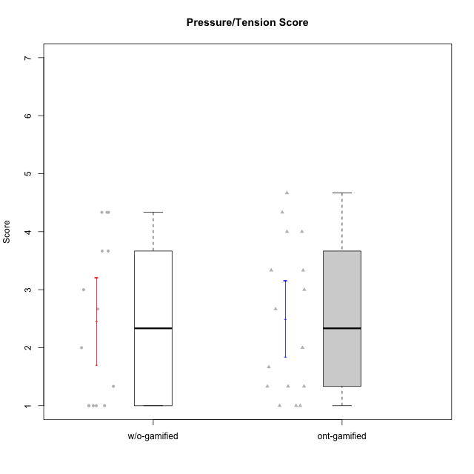

Student's t-Test data
UserID | Type | CLGroup | CLRole | PlayerRole | NroUSP | Item09IE | Item21IE | Item08IE | Item11IE | Item24IE | Item12IE | Item05PC | Item18PC | Item20PC | Item13PC | Item03PC | Item06PT | Item02PT | Item04PT | Item19EI | Item01EI | Item22EI | Item20A | Item25A | Item18A | Item07A | Item04A | Item01S | Item02S | Item09R | Item06R | Item12R | Interest/Enjoyment | Perceived Choice | Pressure/Tension | Effort/Importance | Attention | Relevance | Satisfaction | Intrinsic Motivation | Level of Motivation
10170 | w/o-gamified | Grupo11 | Apprentice |  | 10260351 | 4 | 4 | 6 | 4 | 4 | 3 | 2 | 1 | 3 | 2 | 3 | 1 | 1 | 1 | 3 | 3 | 5 | 6 | 5 | 6 | 5 | 4 | 4 | 4 | 2 | 1 | 6 | 4.1666666667 | 5.8 | 1 | 5 | 5.2 | 6.3333333333 | 4 | 5.2941176471 | 5.3
10171 | ont-gamified | Mafia | Master | Social Achiever | 698531 | 6 | 7 | 6 | 6 | 5 | 5 | 2 | 2 | 1 | 2 | 2 | 1 | 2 | 2 | 1 | 1 | 6 | 6 | 5 | 6 | 5 | 5 | 6 | 6 | 2 | 2 | 7 | 5.8333333333 | 6.2 | 1.6666666667 | 6.6666666667 | 5.4 | 6.3333333333 | 6 | 6.1764705882 | 5.8
10175 | ont-gamified | Warriors | Master | Social Achiever | 10310700 | 4 | 4 | 4 | 4 | 4 | 4 | 1 | 1 | 1 | 1 | 3 | 1 | 1 | 1 | 1 | 1 | 4 | 5 | 5 | 5 | 6 | 6 | 6 | 6 | 2 | 1 | 7 | 4 | 6.6 | 1 | 6 | 5.4 | 6.6666666667 | 6 | 5.6470588235 | 5.9
10179 | w/o-gamified | Grupo10 | Master |  | 10310759 | 3 | 4 | 3 | 2 | 4 | 6 | 6 | 5 | 4 | 5 | 7 | 2 | 1 | 1 | 1 | 2 | 5 | 4 | 4 | 4 | 2 | 5 | 3 | 4 | 4 | 2 | 4 | 3.6666666667 | 2.6 | 1.3333333333 | 6 | 3.8 | 4.6666666667 | 3.5 | 4.2941176471 | 4
10183 | w/o-gamified | Grupo3 | Apprentice |  | 10352030 | 3 | 3 | 3 | 3 | 2 | 3 | 4 | 3 | 5 | 2 | 4 | 5 | 4 | 4 | 3 | 4 | 4 | 2 | 2 | 2 | 2 | 3 | 2 | 2 | 5 | 2 | 3 | 2.8333333333 | 4.4 | 4.3333333333 | 4.3333333333 | 2.2 | 4 | 2 | 3.7058823529 | 2.7
10184 | w/o-gamified | Grupo10 | Apprentice |  | 10276675 | 4 | 3 | 4 | 4 | 4 | 4 | 5 | 4 | 4 | 3 | 4 | 4 | 4 | 3 | 4 | 4 | 4 | 4 | 4 | 4 | 2 | 4 | 6 | 4 | 4 | 4 | 4 | 3.8333333333 | 4 | 3.6666666667 | 4 | 3.6 | 4 | 5 | 4 | 4
10185 | w/o-gamified | Grupo9 | Apprentice |  | 10276960 | 4 | 3 | 6 | 5 | 6 | 5 | 6 | 6 | 3 | 5 | 3 | 5 | 4 | 4 | 3 | 4 | 5 | 3 | 5 | 3 | 4 | 2 | 4 | 5 | 5 | 3 | 3 | 4.8333333333 | 3.4 | 4.3333333333 | 4.6666666667 | 3.4 | 3.6666666667 | 4.5 | 4.1764705882 | 3.7
10186 | ont-gamified | Slayers | Apprentice | Social Achiever | 10310551 | 4 | 3 | 6 | 6 | 3 | 1 | 4 | 4 | 1 | 4 | 4 | 4 | 5 | 4 | 1 | 1 | 7 | 4 | 1 | 4 | 1 | 4 | 7 | 7 | 3 | 1 | 6 | 3.8333333333 | 4.6 | 4.3333333333 | 7 | 2.8 | 6 | 7 | 4.5882352941 | 4.6
10188 | ont-gamified | Vandals | Master | Yee Achiever | 10276995 | 3 | 3 | 4 | 1 | 3 | 4 | 1 | 1 | 1 | 3 | 3 | 1 | 1 | 1 | 3 | 2 | 1 | 3 | 4 | 4 | 2 | 4 | 3 | 3 | 2 | 2 | 4 | 3 | 6.2 | 1 | 4 | 3.4 | 5.3333333333 | 3 | 4.8235294118 | 3.9
10189 | ont-gamified | Vikings | Apprentice | Social Achiever | 9363926 | 2 | 2 | 4 | 1 | 2 | 1 | 5 | 4 | 4 | 5 | 5 | 2 | 1 | 1 | 3 | 1 | 6 | 1 | 1 | 2 | 1 | 2 | 3 | 2 | 6 | 1 | 4 | 2 | 3.4 | 1.3333333333 | 6 | 1.4 | 4.3333333333 | 2.5 | 3.9411764706 | 2.5
10191 | w/o-gamified | Grupo1 | Master |  | 10276981 | 3 | 2 | 3 | 3 | 2 | 1 | 5 | 4 | 5 | 5 | 5 | 1 | 1 | 1 | 4 | 2 | 4 | 2 | 4 | 2 | 4 | 4 | 4 | 4 | 3 | 2 | 3 | 2.3333333333 | 3.2 | 1 | 4.6666666667 | 3.2 | 4.6666666667 | 4 | 3.8235294118 | 3.8
10192 | ont-gamified | Attractive Devils | Apprentice | Social Achiever | 10276682 | 4 | 5 | 4 | 6 | 1 | 4 | 2 | 4 | 4 | 3 | 3 | 4 | 4 | 4 | 5 | 1 | 5 | 4 | 4 | 4 | 7 | 5 | 7 | 6 | 1 | 2 | 5 | 4 | 4.8 | 4 | 5 | 4.8 | 6 | 6.5 | 4.4117647059 | 5.5
10193 | ont-gamified | Vandals | Apprentice | Yee Achiever | 10276762 | 2 | 1 | 1 | 1 | 2 | 1 | 1 | 1 | 1 | 1 | 1 | 2 | 1 | 1 | 2 | 1 | 2 | 2 | 1 | 2 | 1 | 1 | 1 | 2 | 1 | 4 | 1 | 1.3333333333 | 7 | 1.3333333333 | 5 | 1.4 | 4 | 1.5 | 4.5882352941 | 2.2
10197 | w/o-gamified | Grupo8 | Apprentice |  | 10276661 | 3 | 2 | 5 | 5 | 2 | 4 | 3 | 2 | 4 | 4 | 2 | 5 | 3 | 3 | 3 | 3 | 4 | 4 | 4 | 7 | 5 | 4 | 4 | 4 | 5 | 4 | 4 | 3.5 | 5 | 3.6666666667 | 4.6666666667 | 4.8 | 3.6666666667 | 4 | 4.2941176471 | 4.3
10198 | ont-gamified | Attractive Devils | Apprentice | Social Achiever | 10310888 | 6 | 3 | 4 | 4 | 2 | 5 | 4 | 6 | 6 | 5 | 1 | 4 | 4 | 4 | 3 | 2 | 6 | 6 | 5 | 5 | 7 | 7 | 7 | 7 | 2 | 1 | 5 | 4 | 3.6 | 4 | 5.6666666667 | 6 | 6 | 7 | 4.1764705882 | 6.2
10200 | ont-gamified | Warriors | Apprentice | Social Achiever | 9795272 | 4 | 5 | 5 | 5 | 5 | 3 | 4 | 2 | 2 | 5 | 3 | 4 | 5 | 5 | 1 | 1 | 6 | 4 | 5 | 4 | 6 | 5 | 5 | 6 | 3 | 1 | 6 | 4.5 | 4.8 | 4.6666666667 | 6.6666666667 | 4.8 | 6 | 5.5 | 4.7647058824 | 5.3
10201 | w/o-gamified | Grupo11 | Apprentice |  | 10276928 | 5 | 6 | 6 | 5 | 3 | 6 | 3 | 4 | 4 | 3 | 5 | 4 | 3 | 2 | 3 | 3 | 5 | 6 | 5 | 6 | 6 | 4 | 6 | 5 | 4 | 2 | 6 | 5.1666666667 | 4.2 | 3 | 5 | 5.4 | 5.3333333333 | 5.5 | 4.8235294118 | 5.4
10202 | ont-gamified | Silly Knights | Apprentice | Social Achiever | 10277036 | 3 | 3 | 3 | 3 | 3 | 3 | 2 | 5 | 2 | 2 | 3 | 3 | 3 | 3 | 2 | 2 | 5 | 2 | 3 | 2 | 2 | 4 | 5 | 5 | 3 | 2 | 5 | 3 | 5.2 | 3 | 5.6666666667 | 2.6 | 5.3333333333 | 5 | 4.4705882353 | 3.9
10203 | ont-gamified | Mercenaries | Apprentice | Social Achiever | 9921470 | 5 | 4 | 3 | 4 | 4 | 5 | 1 | 1 | 1 | 1 | 4 | 1 | 2 | 5 | 1 | 1 | 6 | 7 | 5 | 4 | 6 | 4 | 5 | 7 | 4 | 6 | 4 | 4.1666666667 | 6.4 | 2.6666666667 | 6.6666666667 | 5.2 | 3.3333333333 | 6 | 5.4705882353 | 4.8
10206 | w/o-gamified | Grupo8 | Apprentice |  | 10310721 | 4 | 5 | 4 | 2 | 4 | 3 | 2 | 2 | 2 | 3 | 3 | 3 | 3 | 2 | 2 | 2 | 5 | 4 | 6 | 4 | 4 | 5 | 5 | 5 | 3 | 2 | 6 | 3.6666666667 | 5.6 | 2.6666666667 | 5.6666666667 | 4.6 | 5.6666666667 | 5 | 4.8823529412 | 5
10208 | ont-gamified | Mercenaries | Master | Social Achiever | 10276932 | 4 | 4 | 4 | 4 | 4 | 3 | 2 | 4 | 2 | 4 | 4 | 2 | 2 | 2 | 2 | 2 | 4 | 2 | 2 | 2 | 3 | 3 | 5 | 5 | 5 | 3 | 3 | 3.8333333333 | 4.8 | 2 | 5.3333333333 | 2.4 | 3.6666666667 | 5 | 4.7647058824 | 3.3
10209 | ont-gamified | Mafia | Apprentice | Social Achiever | 10262669 | 2 | 2 | 2 | 4 | 2 | 2 | 7 | 7 | 7 | 7 | 7 | 1 | 2 | 1 | 3 | 2 | 2 | 1 | 2 | 2 | 2 | 3 | 2 | 2 | 4 | 3 | 4 | 2.3333333333 | 1 | 1.3333333333 | 4.3333333333 | 2 | 4.3333333333 | 2 | 3.0588235294 | 2.7
10214 | ont-gamified | Vikings | Apprentice | Social Achiever | 10277022 | 1 | 1 | 2 | 1 | 1 | 1 | 2 | 7 | 6 | 6 | 6 | 4 | 5 | 1 | 1 | 1 | 7 | 1 | 2 | 1 | 1 | 4 | 3 | 4 | 5 | 2 | 2 | 1.1666666667 | 2.6 | 3.3333333333 | 7 | 1.8 | 3.6666666667 | 3.5 | 3.2352941176 | 2.7
10216 | ont-gamified | Silly Knights | Master | Social Achiever | 10276720 | 5 | 4 | 4 | 3 | 5 | 7 | 2 | 1 | 3 | 2 | 3 | 1 | 1 | 1 | 2 | 1 | 4 | 5 | 6 | 4 | 2 | 4 | 5 | 5 | 2 | 1 | 7 | 4.6666666667 | 5.8 | 1 | 5.6666666667 | 4.2 | 6.6666666667 | 5 | 5.5882352941 | 5.1
10217 | w/o-gamified | Grupo9 | Apprentice |  | 9805341 | 5 | 5 | 5 | 3 | 4 | 4 | 5 | 4 | 2 | 4 | 4 | 1 | 1 | 1 | 4 | 3 | 2 | 4 | 4 | 3 | 4 | 5 | 4 | 4 | 3 | 3 | 6 | 4.3333333333 | 4.2 | 1 | 3.6666666667 | 4 | 5.3333333333 | 4 | 4.6470588235 | 4.4
10218 | w/o-gamified | Grupo10 | Apprentice |  | 9842913 | 4 | 4 | 4 | 4 | 4 | 4 | 5 | 5 | 4 | 4 | 4 | 4 | 4 | 5 | 4 | 4 | 5 | 4 | 4 | 3 | 5 | 3 | 4 | 3 | 3 | 4 | 4 | 4 | 3.6 | 4.3333333333 | 4.3333333333 | 3.8 | 4.3333333333 | 3.5 | 3.8823529412 | 3.9
10219 | w/o-gamified | Grupo3 | Master |  | 10276831 | 2 | 1 | 1 | 1 | 2 | 4 | 7 | 4 | 7 | 1 | 7 | 1 | 1 | 1 | 7 | 5 | 2 | 2 | 2 | 3 | 3 | 2 | 1 | 1 | 5 | 1 | 2 | 1.8333333333 | 2.8 | 1 | 2 | 2.4 | 4 | 1 | 3.0588235294 | 2.6
10223 | ont-gamified | Slayers | Master | Social Achiever | 9795185 | 5 | 5 | 6 | 4 | 5 | 5 | 4 | 3 | 4 | 4 | 4 | 2 | 4 | 4 | 4 | 4 | 4 | 4 | 4 | 3 | 4 | 4 | 4 | 5 | 2 | 3 | 7 | 5 | 4.2 | 3.3333333333 | 4 | 3.8 | 6 | 4.5 | 4.5294117647 | 4.6
10231 | w/o-gamified | Grupo9 | Master |  | 10276911 | 4 | 4 | 4 | 4 | 5 | 6 | 1 | 2 | 2 | 2 | 1 | 1 | 1 | 1 | 4 | 3 | 1 | 4 | 4 | 4 | 4 | 4 | 7 | 5 | 4 | 4 | 5 | 4.5 | 6.4 | 1 | 3.3333333333 | 4 | 4.3333333333 | 6 | 5.2941176471 | 4.5
10232 | w/o-gamified | Grupo7 | Apprentice |  | 10276974 | 4 | 4 | 5 | 5 | 5 | 4 | 3 | 4 | 4 | 3 | 3 | 2 | 2 | 2 | 1 | 1 | 6 | 4 | 6 | 4 | 5 | 6 | 6 | 5 | 2 | 1 | 7 | 4.5 | 4.6 | 2 | 6.6666666667 | 5 | 6.6666666667 | 5.5 | 5.1764705882 | 5.6

Type_CLRole_1
Student's t-Test for Pressure/Tension Score in Type:CLRole between ont-gamified.Apprentice:ont-gamified.Master

Student's t-Test results
Alternative hypothesis: less
Group | N | Mean | Mean.Difference | Std.deviation | Std.error | CI.lower | CI.upper | df | t.value | p.value | g | magnitude
ont-gamified.Apprentice | 10 | 3 | 1.3333333333 | 1.2957670877 | 0.40975753144 | 2.1804849371 | 3.8195150629 | 13.428410458 | 2.4 | 0.98422981711 | 1.0727290438 | large
ont-gamified.Master | 6 | 1.6666666667 | -1.3333333333 | 0.91893658347 | 0.37515428925 | 0.91635808817 | 2.4169752452 | 13.428410458 | 2.4 | 0.98422981711 | 1.0727290438 | large
Alternative hypothesis: greater
Group | N | Mean | Mean.Difference | Std.deviation | Std.error | CI.lower | CI.upper | df | t.value | p.value | g | magnitude
ont-gamified.Apprentice | 10 | 3 | 1.3333333333 | 1.2957670877 | 0.40975753144 | 2.1804849371 | 3.8195150629 | 13.428410458 | 2.4 | 0.015770182893 | 1.0727290438 | large
ont-gamified.Master | 6 | 1.6666666667 | -1.3333333333 | 0.91893658347 | 0.37515428925 | 0.91635808817 | 2.4169752452 | 13.428410458 | 2.4 | 0.015770182893 | 1.0727290438 | large
Alternative hypothesis: two.sided
Group | N | Mean | Mean.Difference | Std.deviation | Std.error | CI.lower | CI.upper | df | t.value | p.value | g | magnitude
ont-gamified.Apprentice | 10 | 3 | 1.3333333333 | 1.2957670877 | 0.40975753144 | 2.1804849371 | 3.8195150629 | 13.428410458 | 2.4 | 0.031540365787 | 1.0727290438 | large
ont-gamified.Master | 6 | 1.6666666667 | -1.3333333333 | 0.91893658347 | 0.37515428925 | 0.91635808817 | 2.4169752452 | 13.428410458 | 2.4 | 0.031540365787 | 1.0727290438 | large

Box plots for Student's t-Test
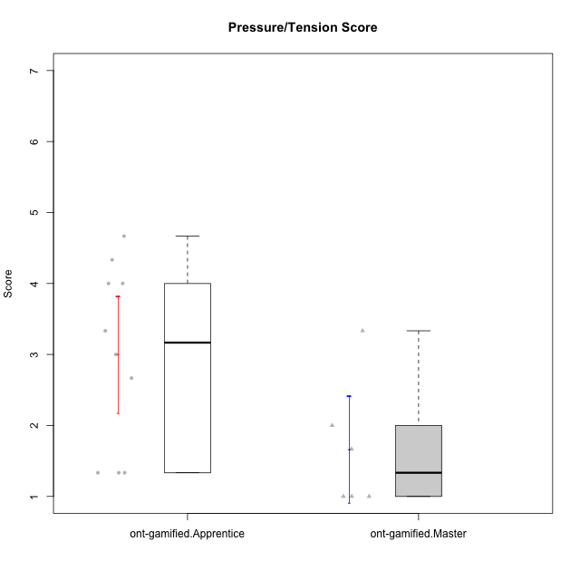

Student's t-Test data
UserID | Type | CLGroup | CLRole | PlayerRole | NroUSP | Item09IE | Item21IE | Item08IE | Item11IE | Item24IE | Item12IE | Item05PC | Item18PC | Item20PC | Item13PC | Item03PC | Item06PT | Item02PT | Item04PT | Item19EI | Item01EI | Item22EI | Item20A | Item25A | Item18A | Item07A | Item04A | Item01S | Item02S | Item09R | Item06R | Item12R | Interest/Enjoyment | Perceived Choice | Pressure/Tension | Effort/Importance | Attention | Relevance | Satisfaction | Intrinsic Motivation | Level of Motivation
10171 | ont-gamified | Mafia | Master | Social Achiever | 698531 | 6 | 7 | 6 | 6 | 5 | 5 | 2 | 2 | 1 | 2 | 2 | 1 | 2 | 2 | 1 | 1 | 6 | 6 | 5 | 6 | 5 | 5 | 6 | 6 | 2 | 2 | 7 | 5.8333333333 | 6.2 | 1.6666666667 | 6.6666666667 | 5.4 | 6.3333333333 | 6 | 6.1764705882 | 5.8
10175 | ont-gamified | Warriors | Master | Social Achiever | 10310700 | 4 | 4 | 4 | 4 | 4 | 4 | 1 | 1 | 1 | 1 | 3 | 1 | 1 | 1 | 1 | 1 | 4 | 5 | 5 | 5 | 6 | 6 | 6 | 6 | 2 | 1 | 7 | 4 | 6.6 | 1 | 6 | 5.4 | 6.6666666667 | 6 | 5.6470588235 | 5.9
10186 | ont-gamified | Slayers | Apprentice | Social Achiever | 10310551 | 4 | 3 | 6 | 6 | 3 | 1 | 4 | 4 | 1 | 4 | 4 | 4 | 5 | 4 | 1 | 1 | 7 | 4 | 1 | 4 | 1 | 4 | 7 | 7 | 3 | 1 | 6 | 3.8333333333 | 4.6 | 4.3333333333 | 7 | 2.8 | 6 | 7 | 4.5882352941 | 4.6
10188 | ont-gamified | Vandals | Master | Yee Achiever | 10276995 | 3 | 3 | 4 | 1 | 3 | 4 | 1 | 1 | 1 | 3 | 3 | 1 | 1 | 1 | 3 | 2 | 1 | 3 | 4 | 4 | 2 | 4 | 3 | 3 | 2 | 2 | 4 | 3 | 6.2 | 1 | 4 | 3.4 | 5.3333333333 | 3 | 4.8235294118 | 3.9
10189 | ont-gamified | Vikings | Apprentice | Social Achiever | 9363926 | 2 | 2 | 4 | 1 | 2 | 1 | 5 | 4 | 4 | 5 | 5 | 2 | 1 | 1 | 3 | 1 | 6 | 1 | 1 | 2 | 1 | 2 | 3 | 2 | 6 | 1 | 4 | 2 | 3.4 | 1.3333333333 | 6 | 1.4 | 4.3333333333 | 2.5 | 3.9411764706 | 2.5
10192 | ont-gamified | Attractive Devils | Apprentice | Social Achiever | 10276682 | 4 | 5 | 4 | 6 | 1 | 4 | 2 | 4 | 4 | 3 | 3 | 4 | 4 | 4 | 5 | 1 | 5 | 4 | 4 | 4 | 7 | 5 | 7 | 6 | 1 | 2 | 5 | 4 | 4.8 | 4 | 5 | 4.8 | 6 | 6.5 | 4.4117647059 | 5.5
10193 | ont-gamified | Vandals | Apprentice | Yee Achiever | 10276762 | 2 | 1 | 1 | 1 | 2 | 1 | 1 | 1 | 1 | 1 | 1 | 2 | 1 | 1 | 2 | 1 | 2 | 2 | 1 | 2 | 1 | 1 | 1 | 2 | 1 | 4 | 1 | 1.3333333333 | 7 | 1.3333333333 | 5 | 1.4 | 4 | 1.5 | 4.5882352941 | 2.2
10198 | ont-gamified | Attractive Devils | Apprentice | Social Achiever | 10310888 | 6 | 3 | 4 | 4 | 2 | 5 | 4 | 6 | 6 | 5 | 1 | 4 | 4 | 4 | 3 | 2 | 6 | 6 | 5 | 5 | 7 | 7 | 7 | 7 | 2 | 1 | 5 | 4 | 3.6 | 4 | 5.6666666667 | 6 | 6 | 7 | 4.1764705882 | 6.2
10200 | ont-gamified | Warriors | Apprentice | Social Achiever | 9795272 | 4 | 5 | 5 | 5 | 5 | 3 | 4 | 2 | 2 | 5 | 3 | 4 | 5 | 5 | 1 | 1 | 6 | 4 | 5 | 4 | 6 | 5 | 5 | 6 | 3 | 1 | 6 | 4.5 | 4.8 | 4.6666666667 | 6.6666666667 | 4.8 | 6 | 5.5 | 4.7647058824 | 5.3
10202 | ont-gamified | Silly Knights | Apprentice | Social Achiever | 10277036 | 3 | 3 | 3 | 3 | 3 | 3 | 2 | 5 | 2 | 2 | 3 | 3 | 3 | 3 | 2 | 2 | 5 | 2 | 3 | 2 | 2 | 4 | 5 | 5 | 3 | 2 | 5 | 3 | 5.2 | 3 | 5.6666666667 | 2.6 | 5.3333333333 | 5 | 4.4705882353 | 3.9
10203 | ont-gamified | Mercenaries | Apprentice | Social Achiever | 9921470 | 5 | 4 | 3 | 4 | 4 | 5 | 1 | 1 | 1 | 1 | 4 | 1 | 2 | 5 | 1 | 1 | 6 | 7 | 5 | 4 | 6 | 4 | 5 | 7 | 4 | 6 | 4 | 4.1666666667 | 6.4 | 2.6666666667 | 6.6666666667 | 5.2 | 3.3333333333 | 6 | 5.4705882353 | 4.8
10208 | ont-gamified | Mercenaries | Master | Social Achiever | 10276932 | 4 | 4 | 4 | 4 | 4 | 3 | 2 | 4 | 2 | 4 | 4 | 2 | 2 | 2 | 2 | 2 | 4 | 2 | 2 | 2 | 3 | 3 | 5 | 5 | 5 | 3 | 3 | 3.8333333333 | 4.8 | 2 | 5.3333333333 | 2.4 | 3.6666666667 | 5 | 4.7647058824 | 3.3
10209 | ont-gamified | Mafia | Apprentice | Social Achiever | 10262669 | 2 | 2 | 2 | 4 | 2 | 2 | 7 | 7 | 7 | 7 | 7 | 1 | 2 | 1 | 3 | 2 | 2 | 1 | 2 | 2 | 2 | 3 | 2 | 2 | 4 | 3 | 4 | 2.3333333333 | 1 | 1.3333333333 | 4.3333333333 | 2 | 4.3333333333 | 2 | 3.0588235294 | 2.7
10214 | ont-gamified | Vikings | Apprentice | Social Achiever | 10277022 | 1 | 1 | 2 | 1 | 1 | 1 | 2 | 7 | 6 | 6 | 6 | 4 | 5 | 1 | 1 | 1 | 7 | 1 | 2 | 1 | 1 | 4 | 3 | 4 | 5 | 2 | 2 | 1.1666666667 | 2.6 | 3.3333333333 | 7 | 1.8 | 3.6666666667 | 3.5 | 3.2352941176 | 2.7
10216 | ont-gamified | Silly Knights | Master | Social Achiever | 10276720 | 5 | 4 | 4 | 3 | 5 | 7 | 2 | 1 | 3 | 2 | 3 | 1 | 1 | 1 | 2 | 1 | 4 | 5 | 6 | 4 | 2 | 4 | 5 | 5 | 2 | 1 | 7 | 4.6666666667 | 5.8 | 1 | 5.6666666667 | 4.2 | 6.6666666667 | 5 | 5.5882352941 | 5.1
10223 | ont-gamified | Slayers | Master | Social Achiever | 9795185 | 5 | 5 | 6 | 4 | 5 | 5 | 4 | 3 | 4 | 4 | 4 | 2 | 4 | 4 | 4 | 4 | 4 | 4 | 4 | 3 | 4 | 4 | 4 | 5 | 2 | 3 | 7 | 5 | 4.2 | 3.3333333333 | 4 | 3.8 | 6 | 4.5 | 4.5294117647 | 4.6

Type_CLRole_2
Student's t-Test for Pressure/Tension Score in Type:CLRole between ont-gamified.Apprentice:w/o-gamified.Apprentice

Student's t-Test results
Alternative hypothesis: less
Group | N | Mean | Mean.Difference | Std.deviation | Std.error | CI.lower | CI.upper | df | t.value | p.value | g | magnitude
ont-gamified.Apprentice | 10 | 3 | 0 | 1.2957670877 | 0.40975753144 | 2.1804849371 | 3.8195150629 | 17.999041023 | 0 | 0.5 | 0 | negligible
w/o-gamified.Apprentice | 10 | 3 | 0 | 1.3052600138 | 0.41275945824 | 2.1744810835 | 3.8255189165 | 17.999041023 | 0 | 0.5 | 0 | negligible
Alternative hypothesis: greater
Group | N | Mean | Mean.Difference | Std.deviation | Std.error | CI.lower | CI.upper | df | t.value | p.value | g | magnitude
ont-gamified.Apprentice | 10 | 3 | 0 | 1.2957670877 | 0.40975753144 | 2.1804849371 | 3.8195150629 | 17.999041023 | 0 | 0.5 | 0 | negligible
w/o-gamified.Apprentice | 10 | 3 | 0 | 1.3052600138 | 0.41275945824 | 2.1744810835 | 3.8255189165 | 17.999041023 | 0 | 0.5 | 0 | negligible
Alternative hypothesis: two.sided
Group | N | Mean | Mean.Difference | Std.deviation | Std.error | CI.lower | CI.upper | df | t.value | p.value | g | magnitude
ont-gamified.Apprentice | 10 | 3 | 0 | 1.2957670877 | 0.40975753144 | 2.1804849371 | 3.8195150629 | 17.999041023 | 0 | 1 | 0 | negligible
w/o-gamified.Apprentice | 10 | 3 | 0 | 1.3052600138 | 0.41275945824 | 2.1744810835 | 3.8255189165 | 17.999041023 | 0 | 1 | 0 | negligible

Box plots for Student's t-Test
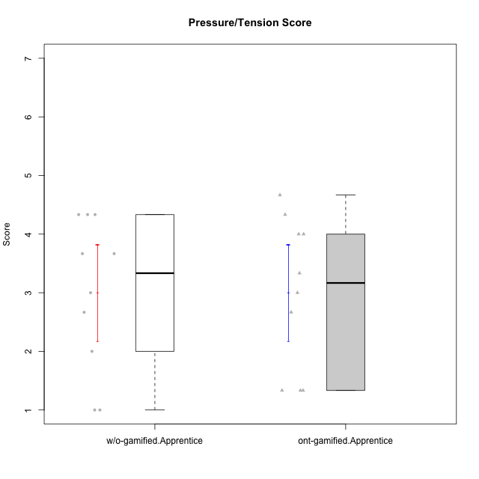

Student's t-Test data
UserID | Type | CLGroup | CLRole | PlayerRole | NroUSP | Item09IE | Item21IE | Item08IE | Item11IE | Item24IE | Item12IE | Item05PC | Item18PC | Item20PC | Item13PC | Item03PC | Item06PT | Item02PT | Item04PT | Item19EI | Item01EI | Item22EI | Item20A | Item25A | Item18A | Item07A | Item04A | Item01S | Item02S | Item09R | Item06R | Item12R | Interest/Enjoyment | Perceived Choice | Pressure/Tension | Effort/Importance | Attention | Relevance | Satisfaction | Intrinsic Motivation | Level of Motivation
10170 | w/o-gamified | Grupo11 | Apprentice |  | 10260351 | 4 | 4 | 6 | 4 | 4 | 3 | 2 | 1 | 3 | 2 | 3 | 1 | 1 | 1 | 3 | 3 | 5 | 6 | 5 | 6 | 5 | 4 | 4 | 4 | 2 | 1 | 6 | 4.1666666667 | 5.8 | 1 | 5 | 5.2 | 6.3333333333 | 4 | 5.2941176471 | 5.3
10183 | w/o-gamified | Grupo3 | Apprentice |  | 10352030 | 3 | 3 | 3 | 3 | 2 | 3 | 4 | 3 | 5 | 2 | 4 | 5 | 4 | 4 | 3 | 4 | 4 | 2 | 2 | 2 | 2 | 3 | 2 | 2 | 5 | 2 | 3 | 2.8333333333 | 4.4 | 4.3333333333 | 4.3333333333 | 2.2 | 4 | 2 | 3.7058823529 | 2.7
10184 | w/o-gamified | Grupo10 | Apprentice |  | 10276675 | 4 | 3 | 4 | 4 | 4 | 4 | 5 | 4 | 4 | 3 | 4 | 4 | 4 | 3 | 4 | 4 | 4 | 4 | 4 | 4 | 2 | 4 | 6 | 4 | 4 | 4 | 4 | 3.8333333333 | 4 | 3.6666666667 | 4 | 3.6 | 4 | 5 | 4 | 4
10185 | w/o-gamified | Grupo9 | Apprentice |  | 10276960 | 4 | 3 | 6 | 5 | 6 | 5 | 6 | 6 | 3 | 5 | 3 | 5 | 4 | 4 | 3 | 4 | 5 | 3 | 5 | 3 | 4 | 2 | 4 | 5 | 5 | 3 | 3 | 4.8333333333 | 3.4 | 4.3333333333 | 4.6666666667 | 3.4 | 3.6666666667 | 4.5 | 4.1764705882 | 3.7
10186 | ont-gamified | Slayers | Apprentice | Social Achiever | 10310551 | 4 | 3 | 6 | 6 | 3 | 1 | 4 | 4 | 1 | 4 | 4 | 4 | 5 | 4 | 1 | 1 | 7 | 4 | 1 | 4 | 1 | 4 | 7 | 7 | 3 | 1 | 6 | 3.8333333333 | 4.6 | 4.3333333333 | 7 | 2.8 | 6 | 7 | 4.5882352941 | 4.6
10189 | ont-gamified | Vikings | Apprentice | Social Achiever | 9363926 | 2 | 2 | 4 | 1 | 2 | 1 | 5 | 4 | 4 | 5 | 5 | 2 | 1 | 1 | 3 | 1 | 6 | 1 | 1 | 2 | 1 | 2 | 3 | 2 | 6 | 1 | 4 | 2 | 3.4 | 1.3333333333 | 6 | 1.4 | 4.3333333333 | 2.5 | 3.9411764706 | 2.5
10192 | ont-gamified | Attractive Devils | Apprentice | Social Achiever | 10276682 | 4 | 5 | 4 | 6 | 1 | 4 | 2 | 4 | 4 | 3 | 3 | 4 | 4 | 4 | 5 | 1 | 5 | 4 | 4 | 4 | 7 | 5 | 7 | 6 | 1 | 2 | 5 | 4 | 4.8 | 4 | 5 | 4.8 | 6 | 6.5 | 4.4117647059 | 5.5
10193 | ont-gamified | Vandals | Apprentice | Yee Achiever | 10276762 | 2 | 1 | 1 | 1 | 2 | 1 | 1 | 1 | 1 | 1 | 1 | 2 | 1 | 1 | 2 | 1 | 2 | 2 | 1 | 2 | 1 | 1 | 1 | 2 | 1 | 4 | 1 | 1.3333333333 | 7 | 1.3333333333 | 5 | 1.4 | 4 | 1.5 | 4.5882352941 | 2.2
10197 | w/o-gamified | Grupo8 | Apprentice |  | 10276661 | 3 | 2 | 5 | 5 | 2 | 4 | 3 | 2 | 4 | 4 | 2 | 5 | 3 | 3 | 3 | 3 | 4 | 4 | 4 | 7 | 5 | 4 | 4 | 4 | 5 | 4 | 4 | 3.5 | 5 | 3.6666666667 | 4.6666666667 | 4.8 | 3.6666666667 | 4 | 4.2941176471 | 4.3
10198 | ont-gamified | Attractive Devils | Apprentice | Social Achiever | 10310888 | 6 | 3 | 4 | 4 | 2 | 5 | 4 | 6 | 6 | 5 | 1 | 4 | 4 | 4 | 3 | 2 | 6 | 6 | 5 | 5 | 7 | 7 | 7 | 7 | 2 | 1 | 5 | 4 | 3.6 | 4 | 5.6666666667 | 6 | 6 | 7 | 4.1764705882 | 6.2
10200 | ont-gamified | Warriors | Apprentice | Social Achiever | 9795272 | 4 | 5 | 5 | 5 | 5 | 3 | 4 | 2 | 2 | 5 | 3 | 4 | 5 | 5 | 1 | 1 | 6 | 4 | 5 | 4 | 6 | 5 | 5 | 6 | 3 | 1 | 6 | 4.5 | 4.8 | 4.6666666667 | 6.6666666667 | 4.8 | 6 | 5.5 | 4.7647058824 | 5.3
10201 | w/o-gamified | Grupo11 | Apprentice |  | 10276928 | 5 | 6 | 6 | 5 | 3 | 6 | 3 | 4 | 4 | 3 | 5 | 4 | 3 | 2 | 3 | 3 | 5 | 6 | 5 | 6 | 6 | 4 | 6 | 5 | 4 | 2 | 6 | 5.1666666667 | 4.2 | 3 | 5 | 5.4 | 5.3333333333 | 5.5 | 4.8235294118 | 5.4
10202 | ont-gamified | Silly Knights | Apprentice | Social Achiever | 10277036 | 3 | 3 | 3 | 3 | 3 | 3 | 2 | 5 | 2 | 2 | 3 | 3 | 3 | 3 | 2 | 2 | 5 | 2 | 3 | 2 | 2 | 4 | 5 | 5 | 3 | 2 | 5 | 3 | 5.2 | 3 | 5.6666666667 | 2.6 | 5.3333333333 | 5 | 4.4705882353 | 3.9
10203 | ont-gamified | Mercenaries | Apprentice | Social Achiever | 9921470 | 5 | 4 | 3 | 4 | 4 | 5 | 1 | 1 | 1 | 1 | 4 | 1 | 2 | 5 | 1 | 1 | 6 | 7 | 5 | 4 | 6 | 4 | 5 | 7 | 4 | 6 | 4 | 4.1666666667 | 6.4 | 2.6666666667 | 6.6666666667 | 5.2 | 3.3333333333 | 6 | 5.4705882353 | 4.8
10206 | w/o-gamified | Grupo8 | Apprentice |  | 10310721 | 4 | 5 | 4 | 2 | 4 | 3 | 2 | 2 | 2 | 3 | 3 | 3 | 3 | 2 | 2 | 2 | 5 | 4 | 6 | 4 | 4 | 5 | 5 | 5 | 3 | 2 | 6 | 3.6666666667 | 5.6 | 2.6666666667 | 5.6666666667 | 4.6 | 5.6666666667 | 5 | 4.8823529412 | 5
10209 | ont-gamified | Mafia | Apprentice | Social Achiever | 10262669 | 2 | 2 | 2 | 4 | 2 | 2 | 7 | 7 | 7 | 7 | 7 | 1 | 2 | 1 | 3 | 2 | 2 | 1 | 2 | 2 | 2 | 3 | 2 | 2 | 4 | 3 | 4 | 2.3333333333 | 1 | 1.3333333333 | 4.3333333333 | 2 | 4.3333333333 | 2 | 3.0588235294 | 2.7
10214 | ont-gamified | Vikings | Apprentice | Social Achiever | 10277022 | 1 | 1 | 2 | 1 | 1 | 1 | 2 | 7 | 6 | 6 | 6 | 4 | 5 | 1 | 1 | 1 | 7 | 1 | 2 | 1 | 1 | 4 | 3 | 4 | 5 | 2 | 2 | 1.1666666667 | 2.6 | 3.3333333333 | 7 | 1.8 | 3.6666666667 | 3.5 | 3.2352941176 | 2.7
10217 | w/o-gamified | Grupo9 | Apprentice |  | 9805341 | 5 | 5 | 5 | 3 | 4 | 4 | 5 | 4 | 2 | 4 | 4 | 1 | 1 | 1 | 4 | 3 | 2 | 4 | 4 | 3 | 4 | 5 | 4 | 4 | 3 | 3 | 6 | 4.3333333333 | 4.2 | 1 | 3.6666666667 | 4 | 5.3333333333 | 4 | 4.6470588235 | 4.4
10218 | w/o-gamified | Grupo10 | Apprentice |  | 9842913 | 4 | 4 | 4 | 4 | 4 | 4 | 5 | 5 | 4 | 4 | 4 | 4 | 4 | 5 | 4 | 4 | 5 | 4 | 4 | 3 | 5 | 3 | 4 | 3 | 3 | 4 | 4 | 4 | 3.6 | 4.3333333333 | 4.3333333333 | 3.8 | 4.3333333333 | 3.5 | 3.8823529412 | 3.9
10232 | w/o-gamified | Grupo7 | Apprentice |  | 10276974 | 4 | 4 | 5 | 5 | 5 | 4 | 3 | 4 | 4 | 3 | 3 | 2 | 2 | 2 | 1 | 1 | 6 | 4 | 6 | 4 | 5 | 6 | 6 | 5 | 2 | 1 | 7 | 4.5 | 4.6 | 2 | 6.6666666667 | 5 | 6.6666666667 | 5.5 | 5.1764705882 | 5.6

Type_CLRole_3
Student's t-Test for Pressure/Tension Score in Type:CLRole between ont-gamified.Apprentice:w/o-gamified.Master

Student's t-Test results
Alternative hypothesis: less
Group | N | Mean | Mean.Difference | Std.deviation | Std.error | CI.lower | CI.upper | df | t.value | p.value | g | magnitude
ont-gamified.Apprentice | 10 | 3 | 1.9166666667 | 1.2957670877 | 0.40975753144 | 2.1804849371 | 3.8195150629 | 9.7100491755 | 4.5837311604 | 0.99945775422 | 1.5945921389 | large
w/o-gamified.Master | 4 | 1.0833333333 | -1.9166666667 | 0.16666666667 | 0.083333333333 | 0.91666666667 | 1.25 | 9.7100491755 | 4.5837311604 | 0.99945775422 | 1.5945921389 | large
Alternative hypothesis: greater
Group | N | Mean | Mean.Difference | Std.deviation | Std.error | CI.lower | CI.upper | df | t.value | p.value | g | magnitude
ont-gamified.Apprentice | 10 | 3 | 1.9166666667 | 1.2957670877 | 0.40975753144 | 2.1804849371 | 3.8195150629 | 9.7100491755 | 4.5837311604 | 0.00054224578064 | 1.5945921389 | large
w/o-gamified.Master | 4 | 1.0833333333 | -1.9166666667 | 0.16666666667 | 0.083333333333 | 0.91666666667 | 1.25 | 9.7100491755 | 4.5837311604 | 0.00054224578064 | 1.5945921389 | large
Alternative hypothesis: two.sided
Group | N | Mean | Mean.Difference | Std.deviation | Std.error | CI.lower | CI.upper | df | t.value | p.value | g | magnitude
ont-gamified.Apprentice | 10 | 3 | 1.9166666667 | 1.2957670877 | 0.40975753144 | 2.1804849371 | 3.8195150629 | 9.7100491755 | 4.5837311604 | 0.0010844915613 | 1.5945921389 | large
w/o-gamified.Master | 4 | 1.0833333333 | -1.9166666667 | 0.16666666667 | 0.083333333333 | 0.91666666667 | 1.25 | 9.7100491755 | 4.5837311604 | 0.0010844915613 | 1.5945921389 | large

Box plots for Student's t-Test
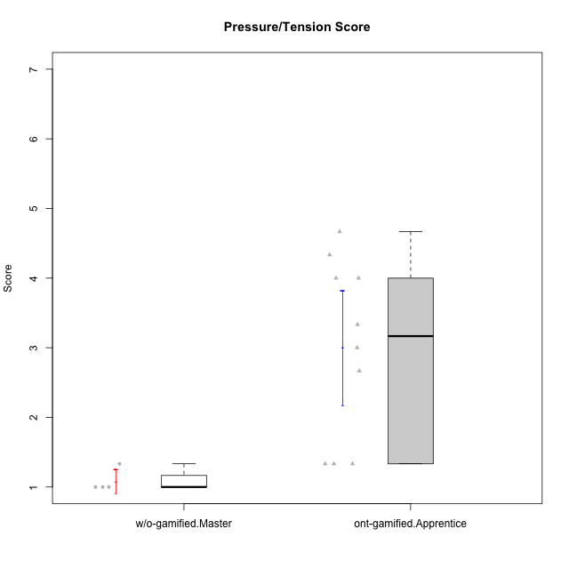

Student's t-Test data
UserID | Type | CLGroup | CLRole | PlayerRole | NroUSP | Item09IE | Item21IE | Item08IE | Item11IE | Item24IE | Item12IE | Item05PC | Item18PC | Item20PC | Item13PC | Item03PC | Item06PT | Item02PT | Item04PT | Item19EI | Item01EI | Item22EI | Item20A | Item25A | Item18A | Item07A | Item04A | Item01S | Item02S | Item09R | Item06R | Item12R | Interest/Enjoyment | Perceived Choice | Pressure/Tension | Effort/Importance | Attention | Relevance | Satisfaction | Intrinsic Motivation | Level of Motivation
10179 | w/o-gamified | Grupo10 | Master |  | 10310759 | 3 | 4 | 3 | 2 | 4 | 6 | 6 | 5 | 4 | 5 | 7 | 2 | 1 | 1 | 1 | 2 | 5 | 4 | 4 | 4 | 2 | 5 | 3 | 4 | 4 | 2 | 4 | 3.6666666667 | 2.6 | 1.3333333333 | 6 | 3.8 | 4.6666666667 | 3.5 | 4.2941176471 | 4
10186 | ont-gamified | Slayers | Apprentice | Social Achiever | 10310551 | 4 | 3 | 6 | 6 | 3 | 1 | 4 | 4 | 1 | 4 | 4 | 4 | 5 | 4 | 1 | 1 | 7 | 4 | 1 | 4 | 1 | 4 | 7 | 7 | 3 | 1 | 6 | 3.8333333333 | 4.6 | 4.3333333333 | 7 | 2.8 | 6 | 7 | 4.5882352941 | 4.6
10189 | ont-gamified | Vikings | Apprentice | Social Achiever | 9363926 | 2 | 2 | 4 | 1 | 2 | 1 | 5 | 4 | 4 | 5 | 5 | 2 | 1 | 1 | 3 | 1 | 6 | 1 | 1 | 2 | 1 | 2 | 3 | 2 | 6 | 1 | 4 | 2 | 3.4 | 1.3333333333 | 6 | 1.4 | 4.3333333333 | 2.5 | 3.9411764706 | 2.5
10191 | w/o-gamified | Grupo1 | Master |  | 10276981 | 3 | 2 | 3 | 3 | 2 | 1 | 5 | 4 | 5 | 5 | 5 | 1 | 1 | 1 | 4 | 2 | 4 | 2 | 4 | 2 | 4 | 4 | 4 | 4 | 3 | 2 | 3 | 2.3333333333 | 3.2 | 1 | 4.6666666667 | 3.2 | 4.6666666667 | 4 | 3.8235294118 | 3.8
10192 | ont-gamified | Attractive Devils | Apprentice | Social Achiever | 10276682 | 4 | 5 | 4 | 6 | 1 | 4 | 2 | 4 | 4 | 3 | 3 | 4 | 4 | 4 | 5 | 1 | 5 | 4 | 4 | 4 | 7 | 5 | 7 | 6 | 1 | 2 | 5 | 4 | 4.8 | 4 | 5 | 4.8 | 6 | 6.5 | 4.4117647059 | 5.5
10193 | ont-gamified | Vandals | Apprentice | Yee Achiever | 10276762 | 2 | 1 | 1 | 1 | 2 | 1 | 1 | 1 | 1 | 1 | 1 | 2 | 1 | 1 | 2 | 1 | 2 | 2 | 1 | 2 | 1 | 1 | 1 | 2 | 1 | 4 | 1 | 1.3333333333 | 7 | 1.3333333333 | 5 | 1.4 | 4 | 1.5 | 4.5882352941 | 2.2
10198 | ont-gamified | Attractive Devils | Apprentice | Social Achiever | 10310888 | 6 | 3 | 4 | 4 | 2 | 5 | 4 | 6 | 6 | 5 | 1 | 4 | 4 | 4 | 3 | 2 | 6 | 6 | 5 | 5 | 7 | 7 | 7 | 7 | 2 | 1 | 5 | 4 | 3.6 | 4 | 5.6666666667 | 6 | 6 | 7 | 4.1764705882 | 6.2
10200 | ont-gamified | Warriors | Apprentice | Social Achiever | 9795272 | 4 | 5 | 5 | 5 | 5 | 3 | 4 | 2 | 2 | 5 | 3 | 4 | 5 | 5 | 1 | 1 | 6 | 4 | 5 | 4 | 6 | 5 | 5 | 6 | 3 | 1 | 6 | 4.5 | 4.8 | 4.6666666667 | 6.6666666667 | 4.8 | 6 | 5.5 | 4.7647058824 | 5.3
10202 | ont-gamified | Silly Knights | Apprentice | Social Achiever | 10277036 | 3 | 3 | 3 | 3 | 3 | 3 | 2 | 5 | 2 | 2 | 3 | 3 | 3 | 3 | 2 | 2 | 5 | 2 | 3 | 2 | 2 | 4 | 5 | 5 | 3 | 2 | 5 | 3 | 5.2 | 3 | 5.6666666667 | 2.6 | 5.3333333333 | 5 | 4.4705882353 | 3.9
10203 | ont-gamified | Mercenaries | Apprentice | Social Achiever | 9921470 | 5 | 4 | 3 | 4 | 4 | 5 | 1 | 1 | 1 | 1 | 4 | 1 | 2 | 5 | 1 | 1 | 6 | 7 | 5 | 4 | 6 | 4 | 5 | 7 | 4 | 6 | 4 | 4.1666666667 | 6.4 | 2.6666666667 | 6.6666666667 | 5.2 | 3.3333333333 | 6 | 5.4705882353 | 4.8
10209 | ont-gamified | Mafia | Apprentice | Social Achiever | 10262669 | 2 | 2 | 2 | 4 | 2 | 2 | 7 | 7 | 7 | 7 | 7 | 1 | 2 | 1 | 3 | 2 | 2 | 1 | 2 | 2 | 2 | 3 | 2 | 2 | 4 | 3 | 4 | 2.3333333333 | 1 | 1.3333333333 | 4.3333333333 | 2 | 4.3333333333 | 2 | 3.0588235294 | 2.7
10214 | ont-gamified | Vikings | Apprentice | Social Achiever | 10277022 | 1 | 1 | 2 | 1 | 1 | 1 | 2 | 7 | 6 | 6 | 6 | 4 | 5 | 1 | 1 | 1 | 7 | 1 | 2 | 1 | 1 | 4 | 3 | 4 | 5 | 2 | 2 | 1.1666666667 | 2.6 | 3.3333333333 | 7 | 1.8 | 3.6666666667 | 3.5 | 3.2352941176 | 2.7
10219 | w/o-gamified | Grupo3 | Master |  | 10276831 | 2 | 1 | 1 | 1 | 2 | 4 | 7 | 4 | 7 | 1 | 7 | 1 | 1 | 1 | 7 | 5 | 2 | 2 | 2 | 3 | 3 | 2 | 1 | 1 | 5 | 1 | 2 | 1.8333333333 | 2.8 | 1 | 2 | 2.4 | 4 | 1 | 3.0588235294 | 2.6
10231 | w/o-gamified | Grupo9 | Master |  | 10276911 | 4 | 4 | 4 | 4 | 5 | 6 | 1 | 2 | 2 | 2 | 1 | 1 | 1 | 1 | 4 | 3 | 1 | 4 | 4 | 4 | 4 | 4 | 7 | 5 | 4 | 4 | 5 | 4.5 | 6.4 | 1 | 3.3333333333 | 4 | 4.3333333333 | 6 | 5.2941176471 | 4.5

Type_CLRole_4
Student's t-Test for Pressure/Tension Score in Type:CLRole between ont-gamified.Master:w/o-gamified.Apprentice

Student's t-Test results
Alternative hypothesis: less
Group | N | Mean | Mean.Difference | Std.deviation | Std.error | CI.lower | CI.upper | df | t.value | p.value | g | magnitude
ont-gamified.Master | 6 | 1.6666666667 | -1.3333333333 | 0.91893658347 | 0.37515428925 | 0.91635808817 | 2.4169752452 | 13.467933492 | -2.3904572187 | 0.016032854341 | -1.0666165778 | large
w/o-gamified.Apprentice | 10 | 3 | 1.3333333333 | 1.3052600138 | 0.41275945824 | 2.1744810835 | 3.8255189165 | 13.467933492 | -2.3904572187 | 0.016032854341 | -1.0666165778 | large
Alternative hypothesis: greater
Group | N | Mean | Mean.Difference | Std.deviation | Std.error | CI.lower | CI.upper | df | t.value | p.value | g | magnitude
ont-gamified.Master | 6 | 1.6666666667 | -1.3333333333 | 0.91893658347 | 0.37515428925 | 0.91635808817 | 2.4169752452 | 13.467933492 | -2.3904572187 | 0.98396714566 | -1.0666165778 | large
w/o-gamified.Apprentice | 10 | 3 | 1.3333333333 | 1.3052600138 | 0.41275945824 | 2.1744810835 | 3.8255189165 | 13.467933492 | -2.3904572187 | 0.98396714566 | -1.0666165778 | large
Alternative hypothesis: two.sided
Group | N | Mean | Mean.Difference | Std.deviation | Std.error | CI.lower | CI.upper | df | t.value | p.value | g | magnitude
ont-gamified.Master | 6 | 1.6666666667 | -1.3333333333 | 0.91893658347 | 0.37515428925 | 0.91635808817 | 2.4169752452 | 13.467933492 | -2.3904572187 | 0.032065708682 | -1.0666165778 | large
w/o-gamified.Apprentice | 10 | 3 | 1.3333333333 | 1.3052600138 | 0.41275945824 | 2.1744810835 | 3.8255189165 | 13.467933492 | -2.3904572187 | 0.032065708682 | -1.0666165778 | large

Box plots for Student's t-Test


Student's t-Test data
UserID | Type | CLGroup | CLRole | PlayerRole | NroUSP | Item09IE | Item21IE | Item08IE | Item11IE | Item24IE | Item12IE | Item05PC | Item18PC | Item20PC | Item13PC | Item03PC | Item06PT | Item02PT | Item04PT | Item19EI | Item01EI | Item22EI | Item20A | Item25A | Item18A | Item07A | Item04A | Item01S | Item02S | Item09R | Item06R | Item12R | Interest/Enjoyment | Perceived Choice | Pressure/Tension | Effort/Importance | Attention | Relevance | Satisfaction | Intrinsic Motivation | Level of Motivation
10170 | w/o-gamified | Grupo11 | Apprentice |  | 10260351 | 4 | 4 | 6 | 4 | 4 | 3 | 2 | 1 | 3 | 2 | 3 | 1 | 1 | 1 | 3 | 3 | 5 | 6 | 5 | 6 | 5 | 4 | 4 | 4 | 2 | 1 | 6 | 4.1666666667 | 5.8 | 1 | 5 | 5.2 | 6.3333333333 | 4 | 5.2941176471 | 5.3
10171 | ont-gamified | Mafia | Master | Social Achiever | 698531 | 6 | 7 | 6 | 6 | 5 | 5 | 2 | 2 | 1 | 2 | 2 | 1 | 2 | 2 | 1 | 1 | 6 | 6 | 5 | 6 | 5 | 5 | 6 | 6 | 2 | 2 | 7 | 5.8333333333 | 6.2 | 1.6666666667 | 6.6666666667 | 5.4 | 6.3333333333 | 6 | 6.1764705882 | 5.8
10175 | ont-gamified | Warriors | Master | Social Achiever | 10310700 | 4 | 4 | 4 | 4 | 4 | 4 | 1 | 1 | 1 | 1 | 3 | 1 | 1 | 1 | 1 | 1 | 4 | 5 | 5 | 5 | 6 | 6 | 6 | 6 | 2 | 1 | 7 | 4 | 6.6 | 1 | 6 | 5.4 | 6.6666666667 | 6 | 5.6470588235 | 5.9
10183 | w/o-gamified | Grupo3 | Apprentice |  | 10352030 | 3 | 3 | 3 | 3 | 2 | 3 | 4 | 3 | 5 | 2 | 4 | 5 | 4 | 4 | 3 | 4 | 4 | 2 | 2 | 2 | 2 | 3 | 2 | 2 | 5 | 2 | 3 | 2.8333333333 | 4.4 | 4.3333333333 | 4.3333333333 | 2.2 | 4 | 2 | 3.7058823529 | 2.7
10184 | w/o-gamified | Grupo10 | Apprentice |  | 10276675 | 4 | 3 | 4 | 4 | 4 | 4 | 5 | 4 | 4 | 3 | 4 | 4 | 4 | 3 | 4 | 4 | 4 | 4 | 4 | 4 | 2 | 4 | 6 | 4 | 4 | 4 | 4 | 3.8333333333 | 4 | 3.6666666667 | 4 | 3.6 | 4 | 5 | 4 | 4
10185 | w/o-gamified | Grupo9 | Apprentice |  | 10276960 | 4 | 3 | 6 | 5 | 6 | 5 | 6 | 6 | 3 | 5 | 3 | 5 | 4 | 4 | 3 | 4 | 5 | 3 | 5 | 3 | 4 | 2 | 4 | 5 | 5 | 3 | 3 | 4.8333333333 | 3.4 | 4.3333333333 | 4.6666666667 | 3.4 | 3.6666666667 | 4.5 | 4.1764705882 | 3.7
10188 | ont-gamified | Vandals | Master | Yee Achiever | 10276995 | 3 | 3 | 4 | 1 | 3 | 4 | 1 | 1 | 1 | 3 | 3 | 1 | 1 | 1 | 3 | 2 | 1 | 3 | 4 | 4 | 2 | 4 | 3 | 3 | 2 | 2 | 4 | 3 | 6.2 | 1 | 4 | 3.4 | 5.3333333333 | 3 | 4.8235294118 | 3.9
10197 | w/o-gamified | Grupo8 | Apprentice |  | 10276661 | 3 | 2 | 5 | 5 | 2 | 4 | 3 | 2 | 4 | 4 | 2 | 5 | 3 | 3 | 3 | 3 | 4 | 4 | 4 | 7 | 5 | 4 | 4 | 4 | 5 | 4 | 4 | 3.5 | 5 | 3.6666666667 | 4.6666666667 | 4.8 | 3.6666666667 | 4 | 4.2941176471 | 4.3
10201 | w/o-gamified | Grupo11 | Apprentice |  | 10276928 | 5 | 6 | 6 | 5 | 3 | 6 | 3 | 4 | 4 | 3 | 5 | 4 | 3 | 2 | 3 | 3 | 5 | 6 | 5 | 6 | 6 | 4 | 6 | 5 | 4 | 2 | 6 | 5.1666666667 | 4.2 | 3 | 5 | 5.4 | 5.3333333333 | 5.5 | 4.8235294118 | 5.4
10206 | w/o-gamified | Grupo8 | Apprentice |  | 10310721 | 4 | 5 | 4 | 2 | 4 | 3 | 2 | 2 | 2 | 3 | 3 | 3 | 3 | 2 | 2 | 2 | 5 | 4 | 6 | 4 | 4 | 5 | 5 | 5 | 3 | 2 | 6 | 3.6666666667 | 5.6 | 2.6666666667 | 5.6666666667 | 4.6 | 5.6666666667 | 5 | 4.8823529412 | 5
10208 | ont-gamified | Mercenaries | Master | Social Achiever | 10276932 | 4 | 4 | 4 | 4 | 4 | 3 | 2 | 4 | 2 | 4 | 4 | 2 | 2 | 2 | 2 | 2 | 4 | 2 | 2 | 2 | 3 | 3 | 5 | 5 | 5 | 3 | 3 | 3.8333333333 | 4.8 | 2 | 5.3333333333 | 2.4 | 3.6666666667 | 5 | 4.7647058824 | 3.3
10216 | ont-gamified | Silly Knights | Master | Social Achiever | 10276720 | 5 | 4 | 4 | 3 | 5 | 7 | 2 | 1 | 3 | 2 | 3 | 1 | 1 | 1 | 2 | 1 | 4 | 5 | 6 | 4 | 2 | 4 | 5 | 5 | 2 | 1 | 7 | 4.6666666667 | 5.8 | 1 | 5.6666666667 | 4.2 | 6.6666666667 | 5 | 5.5882352941 | 5.1
10217 | w/o-gamified | Grupo9 | Apprentice |  | 9805341 | 5 | 5 | 5 | 3 | 4 | 4 | 5 | 4 | 2 | 4 | 4 | 1 | 1 | 1 | 4 | 3 | 2 | 4 | 4 | 3 | 4 | 5 | 4 | 4 | 3 | 3 | 6 | 4.3333333333 | 4.2 | 1 | 3.6666666667 | 4 | 5.3333333333 | 4 | 4.6470588235 | 4.4
10218 | w/o-gamified | Grupo10 | Apprentice |  | 9842913 | 4 | 4 | 4 | 4 | 4 | 4 | 5 | 5 | 4 | 4 | 4 | 4 | 4 | 5 | 4 | 4 | 5 | 4 | 4 | 3 | 5 | 3 | 4 | 3 | 3 | 4 | 4 | 4 | 3.6 | 4.3333333333 | 4.3333333333 | 3.8 | 4.3333333333 | 3.5 | 3.8823529412 | 3.9
10223 | ont-gamified | Slayers | Master | Social Achiever | 9795185 | 5 | 5 | 6 | 4 | 5 | 5 | 4 | 3 | 4 | 4 | 4 | 2 | 4 | 4 | 4 | 4 | 4 | 4 | 4 | 3 | 4 | 4 | 4 | 5 | 2 | 3 | 7 | 5 | 4.2 | 3.3333333333 | 4 | 3.8 | 6 | 4.5 | 4.5294117647 | 4.6
10232 | w/o-gamified | Grupo7 | Apprentice |  | 10276974 | 4 | 4 | 5 | 5 | 5 | 4 | 3 | 4 | 4 | 3 | 3 | 2 | 2 | 2 | 1 | 1 | 6 | 4 | 6 | 4 | 5 | 6 | 6 | 5 | 2 | 1 | 7 | 4.5 | 4.6 | 2 | 6.6666666667 | 5 | 6.6666666667 | 5.5 | 5.1764705882 | 5.6

Type_CLRole_5
Student's t-Test for Pressure/Tension Score in Type:CLRole between ont-gamified.Master:w/o-gamified.Master

Student's t-Test results
Alternative hypothesis: less
Group | N | Mean | Mean.Difference | Std.deviation | Std.error | CI.lower | CI.upper | df | t.value | p.value | g | magnitude
ont-gamified.Master | 6 | 1.6666666667 | 0.58333333333 | 0.91893658347 | 0.37515428925 | 0.91635808817 | 2.4169752452 | 5.4833442899 | 1.5179180594 | 0.90779770226 | 0.71819690008 | medium
w/o-gamified.Master | 4 | 1.0833333333 | -0.58333333333 | 0.16666666667 | 0.083333333333 | 0.91666666667 | 1.25 | 5.4833442899 | 1.5179180594 | 0.90779770226 | 0.71819690008 | medium
Alternative hypothesis: greater
Group | N | Mean | Mean.Difference | Std.deviation | Std.error | CI.lower | CI.upper | df | t.value | p.value | g | magnitude
ont-gamified.Master | 6 | 1.6666666667 | 0.58333333333 | 0.91893658347 | 0.37515428925 | 0.91635808817 | 2.4169752452 | 5.4833442899 | 1.5179180594 | 0.09220229774 | 0.71819690008 | medium
w/o-gamified.Master | 4 | 1.0833333333 | -0.58333333333 | 0.16666666667 | 0.083333333333 | 0.91666666667 | 1.25 | 5.4833442899 | 1.5179180594 | 0.09220229774 | 0.71819690008 | medium
Alternative hypothesis: two.sided
Group | N | Mean | Mean.Difference | Std.deviation | Std.error | CI.lower | CI.upper | df | t.value | p.value | g | magnitude
ont-gamified.Master | 6 | 1.6666666667 | 0.58333333333 | 0.91893658347 | 0.37515428925 | 0.91635808817 | 2.4169752452 | 5.4833442899 | 1.5179180594 | 0.18440459548 | 0.71819690008 | medium
w/o-gamified.Master | 4 | 1.0833333333 | -0.58333333333 | 0.16666666667 | 0.083333333333 | 0.91666666667 | 1.25 | 5.4833442899 | 1.5179180594 | 0.18440459548 | 0.71819690008 | medium

Box plots for Student's t-Test
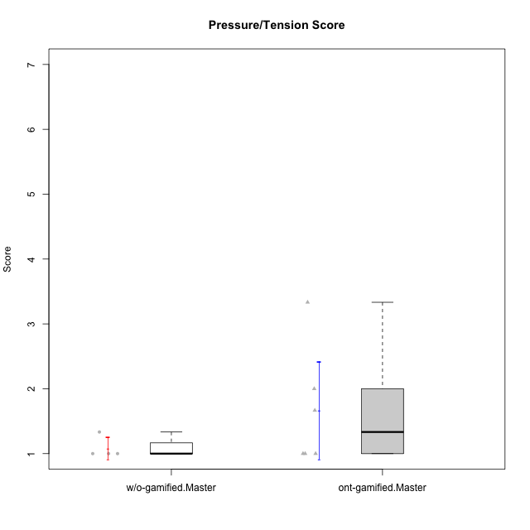

Student's t-Test data
UserID | Type | CLGroup | CLRole | PlayerRole | NroUSP | Item09IE | Item21IE | Item08IE | Item11IE | Item24IE | Item12IE | Item05PC | Item18PC | Item20PC | Item13PC | Item03PC | Item06PT | Item02PT | Item04PT | Item19EI | Item01EI | Item22EI | Item20A | Item25A | Item18A | Item07A | Item04A | Item01S | Item02S | Item09R | Item06R | Item12R | Interest/Enjoyment | Perceived Choice | Pressure/Tension | Effort/Importance | Attention | Relevance | Satisfaction | Intrinsic Motivation | Level of Motivation
10171 | ont-gamified | Mafia | Master | Social Achiever | 698531 | 6 | 7 | 6 | 6 | 5 | 5 | 2 | 2 | 1 | 2 | 2 | 1 | 2 | 2 | 1 | 1 | 6 | 6 | 5 | 6 | 5 | 5 | 6 | 6 | 2 | 2 | 7 | 5.8333333333 | 6.2 | 1.6666666667 | 6.6666666667 | 5.4 | 6.3333333333 | 6 | 6.1764705882 | 5.8
10175 | ont-gamified | Warriors | Master | Social Achiever | 10310700 | 4 | 4 | 4 | 4 | 4 | 4 | 1 | 1 | 1 | 1 | 3 | 1 | 1 | 1 | 1 | 1 | 4 | 5 | 5 | 5 | 6 | 6 | 6 | 6 | 2 | 1 | 7 | 4 | 6.6 | 1 | 6 | 5.4 | 6.6666666667 | 6 | 5.6470588235 | 5.9
10179 | w/o-gamified | Grupo10 | Master |  | 10310759 | 3 | 4 | 3 | 2 | 4 | 6 | 6 | 5 | 4 | 5 | 7 | 2 | 1 | 1 | 1 | 2 | 5 | 4 | 4 | 4 | 2 | 5 | 3 | 4 | 4 | 2 | 4 | 3.6666666667 | 2.6 | 1.3333333333 | 6 | 3.8 | 4.6666666667 | 3.5 | 4.2941176471 | 4
10188 | ont-gamified | Vandals | Master | Yee Achiever | 10276995 | 3 | 3 | 4 | 1 | 3 | 4 | 1 | 1 | 1 | 3 | 3 | 1 | 1 | 1 | 3 | 2 | 1 | 3 | 4 | 4 | 2 | 4 | 3 | 3 | 2 | 2 | 4 | 3 | 6.2 | 1 | 4 | 3.4 | 5.3333333333 | 3 | 4.8235294118 | 3.9
10191 | w/o-gamified | Grupo1 | Master |  | 10276981 | 3 | 2 | 3 | 3 | 2 | 1 | 5 | 4 | 5 | 5 | 5 | 1 | 1 | 1 | 4 | 2 | 4 | 2 | 4 | 2 | 4 | 4 | 4 | 4 | 3 | 2 | 3 | 2.3333333333 | 3.2 | 1 | 4.6666666667 | 3.2 | 4.6666666667 | 4 | 3.8235294118 | 3.8
10208 | ont-gamified | Mercenaries | Master | Social Achiever | 10276932 | 4 | 4 | 4 | 4 | 4 | 3 | 2 | 4 | 2 | 4 | 4 | 2 | 2 | 2 | 2 | 2 | 4 | 2 | 2 | 2 | 3 | 3 | 5 | 5 | 5 | 3 | 3 | 3.8333333333 | 4.8 | 2 | 5.3333333333 | 2.4 | 3.6666666667 | 5 | 4.7647058824 | 3.3
10216 | ont-gamified | Silly Knights | Master | Social Achiever | 10276720 | 5 | 4 | 4 | 3 | 5 | 7 | 2 | 1 | 3 | 2 | 3 | 1 | 1 | 1 | 2 | 1 | 4 | 5 | 6 | 4 | 2 | 4 | 5 | 5 | 2 | 1 | 7 | 4.6666666667 | 5.8 | 1 | 5.6666666667 | 4.2 | 6.6666666667 | 5 | 5.5882352941 | 5.1
10219 | w/o-gamified | Grupo3 | Master |  | 10276831 | 2 | 1 | 1 | 1 | 2 | 4 | 7 | 4 | 7 | 1 | 7 | 1 | 1 | 1 | 7 | 5 | 2 | 2 | 2 | 3 | 3 | 2 | 1 | 1 | 5 | 1 | 2 | 1.8333333333 | 2.8 | 1 | 2 | 2.4 | 4 | 1 | 3.0588235294 | 2.6
10223 | ont-gamified | Slayers | Master | Social Achiever | 9795185 | 5 | 5 | 6 | 4 | 5 | 5 | 4 | 3 | 4 | 4 | 4 | 2 | 4 | 4 | 4 | 4 | 4 | 4 | 4 | 3 | 4 | 4 | 4 | 5 | 2 | 3 | 7 | 5 | 4.2 | 3.3333333333 | 4 | 3.8 | 6 | 4.5 | 4.5294117647 | 4.6
10231 | w/o-gamified | Grupo9 | Master |  | 10276911 | 4 | 4 | 4 | 4 | 5 | 6 | 1 | 2 | 2 | 2 | 1 | 1 | 1 | 1 | 4 | 3 | 1 | 4 | 4 | 4 | 4 | 4 | 7 | 5 | 4 | 4 | 5 | 4.5 | 6.4 | 1 | 3.3333333333 | 4 | 4.3333333333 | 6 | 5.2941176471 | 4.5

Type_CLRole_6
Student's t-Test for Pressure/Tension Score in Type:CLRole between w/o-gamified.Apprentice:w/o-gamified.Master

Student's t-Test results
Alternative hypothesis: less
Group | N | Mean | Mean.Difference | Std.deviation | Std.error | CI.lower | CI.upper | df | t.value | p.value | g | magnitude
w/o-gamified.Apprentice | 10 | 3 | 1.9166666667 | 1.3052600138 | 0.41275945824 | 2.1744810835 | 3.8255189165 | 9.700299047 | 4.5517046989 | 0.99942950966 | 1.5830578671 | large
w/o-gamified.Master | 4 | 1.0833333333 | -1.9166666667 | 0.16666666667 | 0.083333333333 | 0.91666666667 | 1.25 | 9.700299047 | 4.5517046989 | 0.99942950966 | 1.5830578671 | large
Alternative hypothesis: greater
Group | N | Mean | Mean.Difference | Std.deviation | Std.error | CI.lower | CI.upper | df | t.value | p.value | g | magnitude
w/o-gamified.Apprentice | 10 | 3 | 1.9166666667 | 1.3052600138 | 0.41275945824 | 2.1744810835 | 3.8255189165 | 9.700299047 | 4.5517046989 | 0.00057049033753 | 1.5830578671 | large
w/o-gamified.Master | 4 | 1.0833333333 | -1.9166666667 | 0.16666666667 | 0.083333333333 | 0.91666666667 | 1.25 | 9.700299047 | 4.5517046989 | 0.00057049033753 | 1.5830578671 | large
Alternative hypothesis: two.sided
Group | N | Mean | Mean.Difference | Std.deviation | Std.error | CI.lower | CI.upper | df | t.value | p.value | g | magnitude
w/o-gamified.Apprentice | 10 | 3 | 1.9166666667 | 1.3052600138 | 0.41275945824 | 2.1744810835 | 3.8255189165 | 9.700299047 | 4.5517046989 | 0.0011409806751 | 1.5830578671 | large
w/o-gamified.Master | 4 | 1.0833333333 | -1.9166666667 | 0.16666666667 | 0.083333333333 | 0.91666666667 | 1.25 | 9.700299047 | 4.5517046989 | 0.0011409806751 | 1.5830578671 | large

Box plots for Student's t-Test
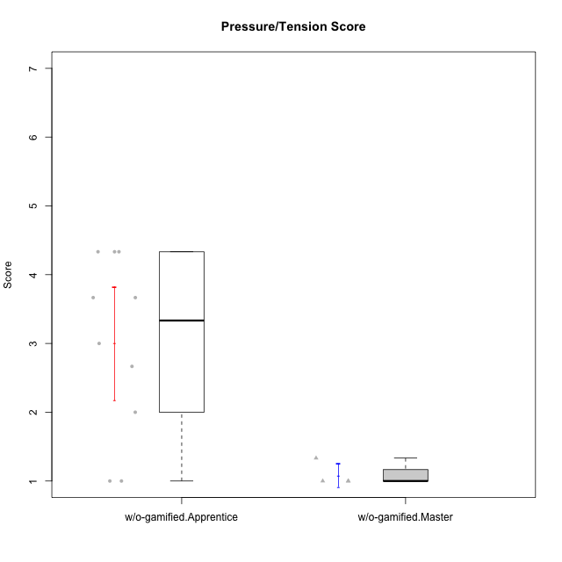

Student's t-Test data
UserID | Type | CLGroup | CLRole | PlayerRole | NroUSP | Item09IE | Item21IE | Item08IE | Item11IE | Item24IE | Item12IE | Item05PC | Item18PC | Item20PC | Item13PC | Item03PC | Item06PT | Item02PT | Item04PT | Item19EI | Item01EI | Item22EI | Item20A | Item25A | Item18A | Item07A | Item04A | Item01S | Item02S | Item09R | Item06R | Item12R | Interest/Enjoyment | Perceived Choice | Pressure/Tension | Effort/Importance | Attention | Relevance | Satisfaction | Intrinsic Motivation | Level of Motivation
10170 | w/o-gamified | Grupo11 | Apprentice |  | 10260351 | 4 | 4 | 6 | 4 | 4 | 3 | 2 | 1 | 3 | 2 | 3 | 1 | 1 | 1 | 3 | 3 | 5 | 6 | 5 | 6 | 5 | 4 | 4 | 4 | 2 | 1 | 6 | 4.1666666667 | 5.8 | 1 | 5 | 5.2 | 6.3333333333 | 4 | 5.2941176471 | 5.3
10179 | w/o-gamified | Grupo10 | Master |  | 10310759 | 3 | 4 | 3 | 2 | 4 | 6 | 6 | 5 | 4 | 5 | 7 | 2 | 1 | 1 | 1 | 2 | 5 | 4 | 4 | 4 | 2 | 5 | 3 | 4 | 4 | 2 | 4 | 3.6666666667 | 2.6 | 1.3333333333 | 6 | 3.8 | 4.6666666667 | 3.5 | 4.2941176471 | 4
10183 | w/o-gamified | Grupo3 | Apprentice |  | 10352030 | 3 | 3 | 3 | 3 | 2 | 3 | 4 | 3 | 5 | 2 | 4 | 5 | 4 | 4 | 3 | 4 | 4 | 2 | 2 | 2 | 2 | 3 | 2 | 2 | 5 | 2 | 3 | 2.8333333333 | 4.4 | 4.3333333333 | 4.3333333333 | 2.2 | 4 | 2 | 3.7058823529 | 2.7
10184 | w/o-gamified | Grupo10 | Apprentice |  | 10276675 | 4 | 3 | 4 | 4 | 4 | 4 | 5 | 4 | 4 | 3 | 4 | 4 | 4 | 3 | 4 | 4 | 4 | 4 | 4 | 4 | 2 | 4 | 6 | 4 | 4 | 4 | 4 | 3.8333333333 | 4 | 3.6666666667 | 4 | 3.6 | 4 | 5 | 4 | 4
10185 | w/o-gamified | Grupo9 | Apprentice |  | 10276960 | 4 | 3 | 6 | 5 | 6 | 5 | 6 | 6 | 3 | 5 | 3 | 5 | 4 | 4 | 3 | 4 | 5 | 3 | 5 | 3 | 4 | 2 | 4 | 5 | 5 | 3 | 3 | 4.8333333333 | 3.4 | 4.3333333333 | 4.6666666667 | 3.4 | 3.6666666667 | 4.5 | 4.1764705882 | 3.7
10191 | w/o-gamified | Grupo1 | Master |  | 10276981 | 3 | 2 | 3 | 3 | 2 | 1 | 5 | 4 | 5 | 5 | 5 | 1 | 1 | 1 | 4 | 2 | 4 | 2 | 4 | 2 | 4 | 4 | 4 | 4 | 3 | 2 | 3 | 2.3333333333 | 3.2 | 1 | 4.6666666667 | 3.2 | 4.6666666667 | 4 | 3.8235294118 | 3.8
10197 | w/o-gamified | Grupo8 | Apprentice |  | 10276661 | 3 | 2 | 5 | 5 | 2 | 4 | 3 | 2 | 4 | 4 | 2 | 5 | 3 | 3 | 3 | 3 | 4 | 4 | 4 | 7 | 5 | 4 | 4 | 4 | 5 | 4 | 4 | 3.5 | 5 | 3.6666666667 | 4.6666666667 | 4.8 | 3.6666666667 | 4 | 4.2941176471 | 4.3
10201 | w/o-gamified | Grupo11 | Apprentice |  | 10276928 | 5 | 6 | 6 | 5 | 3 | 6 | 3 | 4 | 4 | 3 | 5 | 4 | 3 | 2 | 3 | 3 | 5 | 6 | 5 | 6 | 6 | 4 | 6 | 5 | 4 | 2 | 6 | 5.1666666667 | 4.2 | 3 | 5 | 5.4 | 5.3333333333 | 5.5 | 4.8235294118 | 5.4
10206 | w/o-gamified | Grupo8 | Apprentice |  | 10310721 | 4 | 5 | 4 | 2 | 4 | 3 | 2 | 2 | 2 | 3 | 3 | 3 | 3 | 2 | 2 | 2 | 5 | 4 | 6 | 4 | 4 | 5 | 5 | 5 | 3 | 2 | 6 | 3.6666666667 | 5.6 | 2.6666666667 | 5.6666666667 | 4.6 | 5.6666666667 | 5 | 4.8823529412 | 5
10217 | w/o-gamified | Grupo9 | Apprentice |  | 9805341 | 5 | 5 | 5 | 3 | 4 | 4 | 5 | 4 | 2 | 4 | 4 | 1 | 1 | 1 | 4 | 3 | 2 | 4 | 4 | 3 | 4 | 5 | 4 | 4 | 3 | 3 | 6 | 4.3333333333 | 4.2 | 1 | 3.6666666667 | 4 | 5.3333333333 | 4 | 4.6470588235 | 4.4
10218 | w/o-gamified | Grupo10 | Apprentice |  | 9842913 | 4 | 4 | 4 | 4 | 4 | 4 | 5 | 5 | 4 | 4 | 4 | 4 | 4 | 5 | 4 | 4 | 5 | 4 | 4 | 3 | 5 | 3 | 4 | 3 | 3 | 4 | 4 | 4 | 3.6 | 4.3333333333 | 4.3333333333 | 3.8 | 4.3333333333 | 3.5 | 3.8823529412 | 3.9
10219 | w/o-gamified | Grupo3 | Master |  | 10276831 | 2 | 1 | 1 | 1 | 2 | 4 | 7 | 4 | 7 | 1 | 7 | 1 | 1 | 1 | 7 | 5 | 2 | 2 | 2 | 3 | 3 | 2 | 1 | 1 | 5 | 1 | 2 | 1.8333333333 | 2.8 | 1 | 2 | 2.4 | 4 | 1 | 3.0588235294 | 2.6
10231 | w/o-gamified | Grupo9 | Master |  | 10276911 | 4 | 4 | 4 | 4 | 5 | 6 | 1 | 2 | 2 | 2 | 1 | 1 | 1 | 1 | 4 | 3 | 1 | 4 | 4 | 4 | 4 | 4 | 7 | 5 | 4 | 4 | 5 | 4.5 | 6.4 | 1 | 3.3333333333 | 4 | 4.3333333333 | 6 | 5.2941176471 | 4.5
10232 | w/o-gamified | Grupo7 | Apprentice |  | 10276974 | 4 | 4 | 5 | 5 | 5 | 4 | 3 | 4 | 4 | 3 | 3 | 2 | 2 | 2 | 1 | 1 | 6 | 4 | 6 | 4 | 5 | 6 | 6 | 5 | 2 | 1 | 7 | 4.5 | 4.6 | 2 | 6.6666666667 | 5 | 6.6666666667 | 5.5 | 5.1764705882 | 5.6

