Assumptions
ANOVA assumptions for Satisfaction Score

Shapiro-Wilk normality test for Satisfaction Score
W | p.value
0.96972775771 | 0.51160536973

Plots for normality test
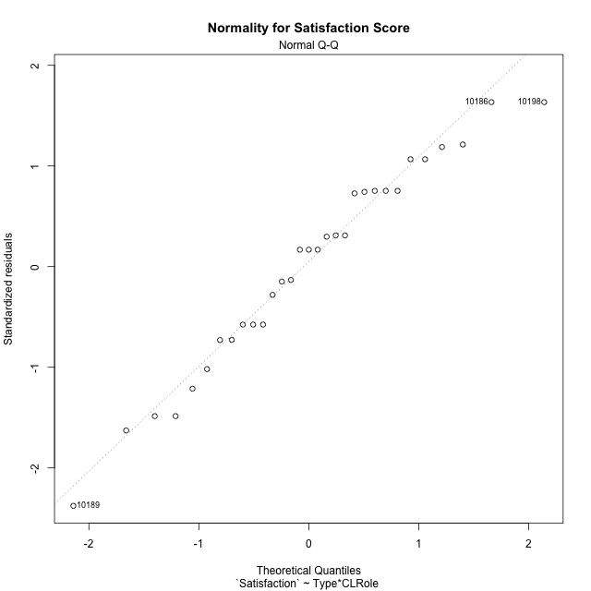

Levene's Test for Homogeneity of Variance in Satisfaction Score
Df | F value | Pr(>F)
3 | 2.1037845529 | 0.12317797517
27

Plots for homogeneity of variance
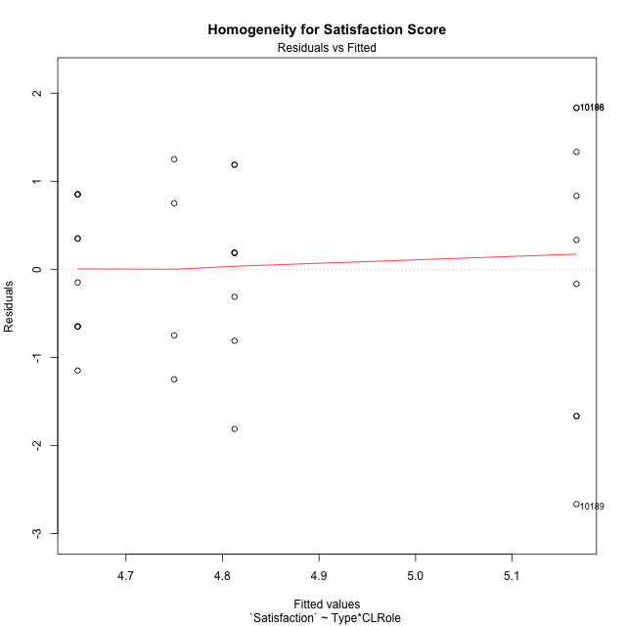

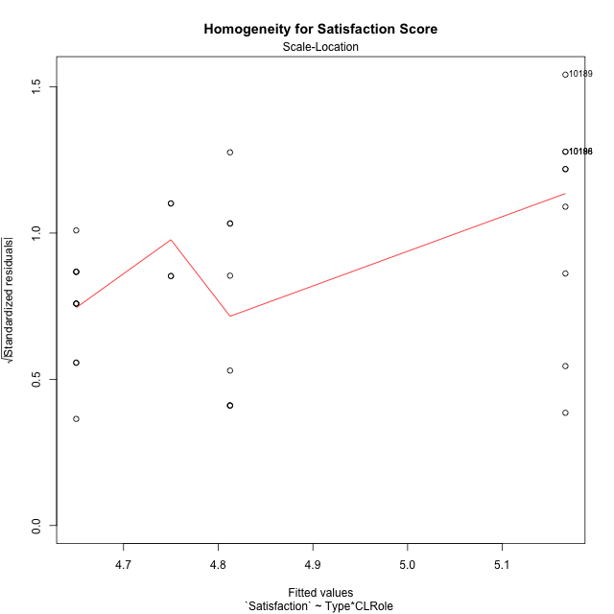

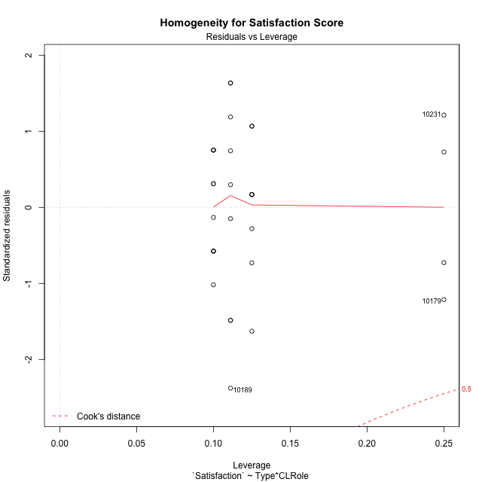

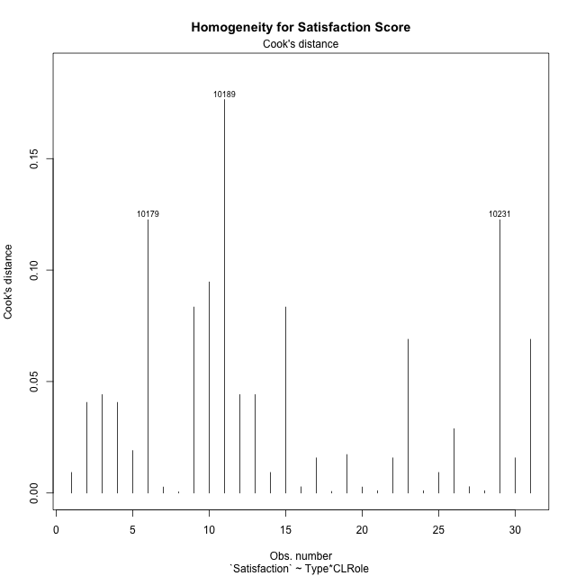

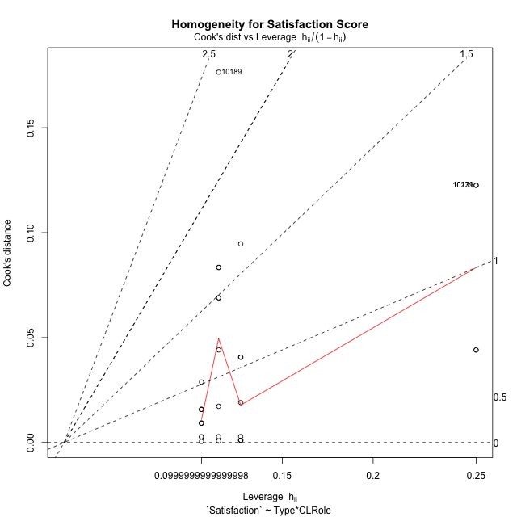

Minimum Sample Size Test for Satisfaction Score
Type | CLRole | Freq
ont-gamified | Apprentice | 9
w/o-gamified | Apprentice | 10
ont-gamified | Master | 8
w/o-gamified | Master | 4

Errors and Warnings in Sample Size Test for ANOVA in Satisfaction Score
code | description
WARN: sample.size | current size is 9 and recommended size is 15 for the group: 'ont-gamified:Apprentice'.
WARN: sample.size | current size is 10 and recommended size is 15 for the group: 'w/o-gamified:Apprentice'.
WARN: sample.size | current size is 8 and recommended size is 15 for the group: 'ont-gamified:Master'.
FAIL: min.size | current size is 4 but the minimal recomended size is 5 for the group: 'w/o-gamified:Master'.

For the group: 'ont-gamified:Apprentice', we recommend the use of non-parametric test. For the group: 'w/o-gamified:Apprentice', we recommend the use of non-parametric test. For the group: 'ont-gamified:Master', we recommend the use of non-parametric test. For the group: 'w/o-gamified:Master', we recommend the use of non-parametric test.

Post-hoc
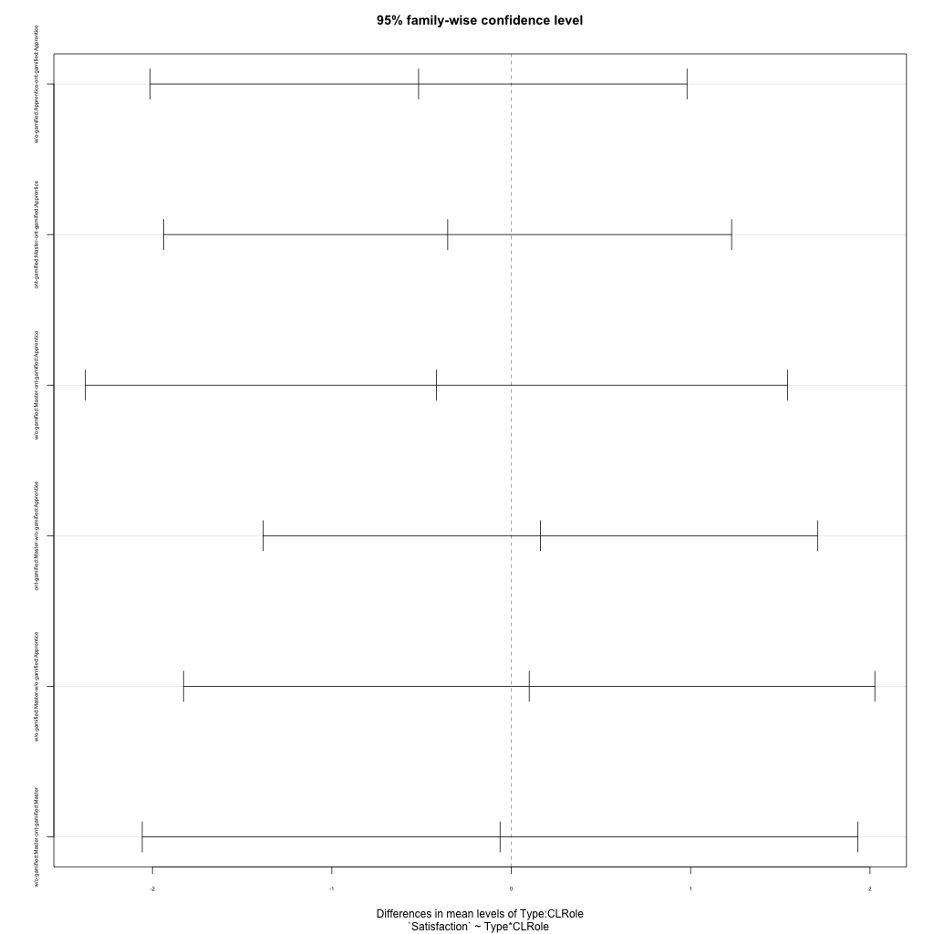
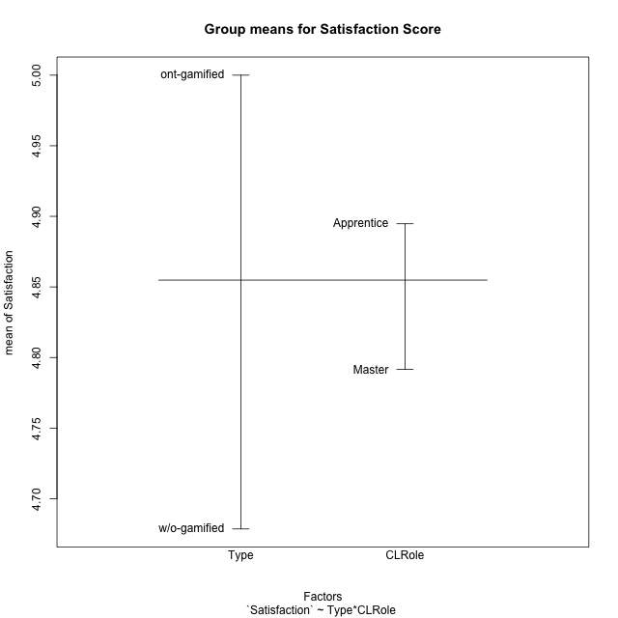
Post-hoc Tukey Honestly Significant Difference (HSD) Test for Satisfaction Score

Comparisons of means for Type
 | diff | lwr | upr | p adj
w/o-gamified-ont-gamified | -0.32142857143 | -1.2027456908 | 0.55988854798 | 0.46072983428

Comparisons of means for CLRole
 | diff | lwr | upr | p adj
Master-Apprentice | -0.16510025063 | -1.0655371033 | 0.73533660208 | 0.70969728566

Comparisons of means for Type:CLRole
 | diff | lwr | upr | p adj
w/o-gamified:Apprentice-ont-gamified:Apprentice | -0.51666666667 | -2.0131072089 | 0.97977387561 | 0.78115323398
ont-gamified:Master-ont-gamified:Apprentice | -0.35416666667 | -1.9367337651 | 1.2284004318 | 0.9272379652
w/o-gamified:Master-ont-gamified:Apprentice | -0.41666666667 | -2.3738177196 | 1.5404843863 | 0.93646200586
ont-gamified:Master-w/o-gamified:Apprentice | 0.1625 | -1.3823815234 | 1.7073815234 | 0.99149541285
w/o-gamified:Master-w/o-gamified:Apprentice | 0.1 | -1.8268057879 | 2.0268057879 | 0.99895157733
w/o-gamified:Master-ont-gamified:Master | -0.0625 | -2.0569334707 | 1.9319334707 | 0.99976796845

Contrast Matrices for Satisfaction Score - Type
contrast | estimate | SE | df | t.ratio | p.value
ont-gamified - w/o-gamified | 0.28958333333 | 0.45557337505 | 27 | 0.63564586781 | 0.53035850868

Contrast Matrices for Satisfaction Score - Type:CLRole
contrast | CLRole | estimate | SE | df | t.ratio | p.value
ont-gamified - w/o-gamified | Apprentice | 0.51666666667 | 0.54683197215 | 27 | 0.94483624401 | 0.35312158266
ont-gamified - w/o-gamified | Master | 0.0625 | 0.7288094363 | 27 | 0.085756299091 | 0.93229292314

Least Squares Means and Confidence Intervals for Type
Type | lsmean | SE | df | lower.CL | upper.CL | Pairs
ont-gamified | 4.9895833333 | 0.28915224597 | 27 | 4.3962919311 | 5.5828747355 | ont-gamified
w/o-gamified | 4.7 | 0.35204840392 | 27 | 3.9776563416 | 5.4223436584 | w/o-gamified

Least Squares Means and Confidence Intervals for Type:CLRole
Type | CLRole | lsmean | SE | df | lower.CL | upper.CL | Pairs
ont-gamified | Apprentice | 5.1666666667 | 0.39671360859 | 27 | 4.3526775783 | 5.9806557551 | ont-gamified.Apprentice
w/o-gamified | Apprentice | 4.65 | 0.37635557458 | 27 | 3.877782147 | 5.422217853 | w/o-gamified.Apprentice
ont-gamified | Master | 4.8125 | 0.42077832424 | 27 | 3.9491341937 | 5.6758658063 | ont-gamified.Master
w/o-gamified | Master | 4.75 | 0.59507041289 | 27 | 3.5290163674 | 5.9709836326 | w/o-gamified.Master

Plots

Type_1
Student's t-Test for Satisfaction Score in Type between ont-gamified:w/o-gamified

Student's t-Test results
Alternative hypothesis: less
Group | N | Mean | Mean.Difference | Std.deviation | Std.error | CI.lower | CI.upper | df | t.value | p.value | g | magnitude
ont-gamified | 17 | 5 | 0.32142857143 | 1.3578475614 | 0.32932640701 | 4.341347186 | 5.658652814 | 27.200022799 | 0.80464229861 | 0.78599818624 | 0.2706249352 | small
w/o-gamified | 14 | 4.6785714286 | -0.32142857143 | 0.84596651273 | 0.22609406081 | 4.226383307 | 5.1307595502 | 27.200022799 | 0.80464229861 | 0.78599818624 | 0.2706249352 | small
Alternative hypothesis: greater
Group | N | Mean | Mean.Difference | Std.deviation | Std.error | CI.lower | CI.upper | df | t.value | p.value | g | magnitude
ont-gamified | 17 | 5 | 0.32142857143 | 1.3578475614 | 0.32932640701 | 4.341347186 | 5.658652814 | 27.200022799 | 0.80464229861 | 0.21400181376 | 0.2706249352 | small
w/o-gamified | 14 | 4.6785714286 | -0.32142857143 | 0.84596651273 | 0.22609406081 | 4.226383307 | 5.1307595502 | 27.200022799 | 0.80464229861 | 0.21400181376 | 0.2706249352 | small
Alternative hypothesis: two.sided
Group | N | Mean | Mean.Difference | Std.deviation | Std.error | CI.lower | CI.upper | df | t.value | p.value | g | magnitude
ont-gamified | 17 | 5 | 0.32142857143 | 1.3578475614 | 0.32932640701 | 4.341347186 | 5.658652814 | 27.200022799 | 0.80464229861 | 0.42800362751 | 0.2706249352 | small
w/o-gamified | 14 | 4.6785714286 | -0.32142857143 | 0.84596651273 | 0.22609406081 | 4.226383307 | 5.1307595502 | 27.200022799 | 0.80464229861 | 0.42800362751 | 0.2706249352 | small

Box plots for Student's t-Test
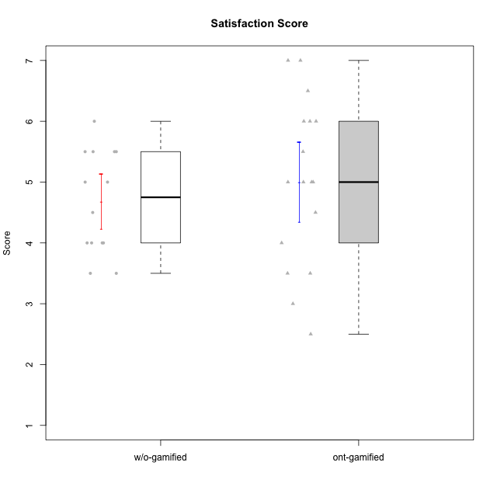

Student's t-Test data
UserID | Type | CLGroup | CLRole | PlayerRole | NroUSP | Item09IE | Item21IE | Item08IE | Item11IE | Item24IE | Item12IE | Item05PC | Item18PC | Item20PC | Item13PC | Item03PC | Item06PT | Item02PT | Item04PT | Item19EI | Item01EI | Item22EI | Item20A | Item25A | Item18A | Item07A | Item04A | Item01S | Item02S | Item09R | Item06R | Item12R | Interest/Enjoyment | Perceived Choice | Pressure/Tension | Effort/Importance | Attention | Relevance | Satisfaction | Intrinsic Motivation | Level of Motivation
10170 | w/o-gamified | Grupo11 | Apprentice |  | 10260351 | 4 | 4 | 6 | 4 | 4 | 3 | 2 | 1 | 3 | 2 | 3 | 1 | 1 | 1 | 3 | 3 | 5 | 6 | 5 | 6 | 5 | 4 | 4 | 4 | 2 | 1 | 6 | 4.1666666667 | 5.8 | 1 | 5 | 5.2 | 6.3333333333 | 4 | 5.2941176471 | 5.3
10171 | ont-gamified | Mafia | Master | Social Achiever | 698531 | 6 | 7 | 6 | 6 | 5 | 5 | 2 | 2 | 1 | 2 | 2 | 1 | 2 | 2 | 1 | 1 | 6 | 6 | 5 | 6 | 5 | 5 | 6 | 6 | 2 | 2 | 7 | 5.8333333333 | 6.2 | 1.6666666667 | 6.6666666667 | 5.4 | 6.3333333333 | 6 | 6.1764705882 | 5.8
10174 | w/o-gamified | Grupo7 | Master |  | 10276852 | 4 | 4 | 6 | 4 | 6 | 3 | 4 | 3 | 4 | 4 | 4 | 6 | 4 | 5 | 2 | 5 | 4 | 4 | 4 | 5 | 6 | 5 | 6 | 5 | 6 | 5 | 4 | 4.5 | 4.2 | 5 | 4.3333333333 | 4.8 | 3 | 5.5 | 4.1176470588 | 4.4
10175 | ont-gamified | Warriors | Master | Social Achiever | 10310700 | 4 | 4 | 4 | 4 | 4 | 4 | 1 | 1 | 1 | 1 | 3 | 1 | 1 | 1 | 1 | 1 | 4 | 5 | 5 | 5 | 6 | 6 | 6 | 6 | 2 | 1 | 7 | 4 | 6.6 | 1 | 6 | 5.4 | 6.6666666667 | 6 | 5.6470588235 | 5.9
10176 | ont-gamified | Outlaws | Master | Social Achiever | 10276949 | 4 | 4 | 4 | 4 | 4 | 3 | 4 | 5 | 4 | 6 | 4 | 6 | 4 | 6 | 5 | 4 | 4 | 5 | 5 | 5 | 4 | 4 | 4 | 4 | 4 | 4 | 4 | 3.8333333333 | 3.4 | 5.3333333333 | 3.6666666667 | 4.6 | 4 | 4 | 3.4705882353 | 4.3
10179 | w/o-gamified | Grupo10 | Master |  | 10310759 | 3 | 4 | 3 | 2 | 4 | 6 | 6 | 5 | 4 | 5 | 7 | 2 | 1 | 1 | 1 | 2 | 5 | 4 | 4 | 4 | 2 | 5 | 3 | 4 | 4 | 2 | 4 | 3.6666666667 | 2.6 | 1.3333333333 | 6 | 3.8 | 4.6666666667 | 3.5 | 4.2941176471 | 4
10184 | w/o-gamified | Grupo10 | Apprentice |  | 10276675 | 4 | 3 | 4 | 4 | 4 | 4 | 5 | 4 | 4 | 3 | 4 | 4 | 4 | 3 | 4 | 4 | 4 | 4 | 4 | 4 | 2 | 4 | 6 | 4 | 4 | 4 | 4 | 3.8333333333 | 4 | 3.6666666667 | 4 | 3.6 | 4 | 5 | 4 | 4
10185 | w/o-gamified | Grupo9 | Apprentice |  | 10276960 | 4 | 3 | 6 | 5 | 6 | 5 | 6 | 6 | 3 | 5 | 3 | 5 | 4 | 4 | 3 | 4 | 5 | 3 | 5 | 3 | 4 | 2 | 4 | 5 | 5 | 3 | 3 | 4.8333333333 | 3.4 | 4.3333333333 | 4.6666666667 | 3.4 | 3.6666666667 | 4.5 | 4.1764705882 | 3.7
10186 | ont-gamified | Slayers | Apprentice | Social Achiever | 10310551 | 4 | 3 | 6 | 6 | 3 | 1 | 4 | 4 | 1 | 4 | 4 | 4 | 5 | 4 | 1 | 1 | 7 | 4 | 1 | 4 | 1 | 4 | 7 | 7 | 3 | 1 | 6 | 3.8333333333 | 4.6 | 4.3333333333 | 7 | 2.8 | 6 | 7 | 4.5882352941 | 4.6
10188 | ont-gamified | Vandals | Master | Yee Achiever | 10276995 | 3 | 3 | 4 | 1 | 3 | 4 | 1 | 1 | 1 | 3 | 3 | 1 | 1 | 1 | 3 | 2 | 1 | 3 | 4 | 4 | 2 | 4 | 3 | 3 | 2 | 2 | 4 | 3 | 6.2 | 1 | 4 | 3.4 | 5.3333333333 | 3 | 4.8235294118 | 3.9
10189 | ont-gamified | Vikings | Apprentice | Social Achiever | 9363926 | 2 | 2 | 4 | 1 | 2 | 1 | 5 | 4 | 4 | 5 | 5 | 2 | 1 | 1 | 3 | 1 | 6 | 1 | 1 | 2 | 1 | 2 | 3 | 2 | 6 | 1 | 4 | 2 | 3.4 | 1.3333333333 | 6 | 1.4 | 4.3333333333 | 2.5 | 3.9411764706 | 2.5
10191 | w/o-gamified | Grupo1 | Master |  | 10276981 | 3 | 2 | 3 | 3 | 2 | 1 | 5 | 4 | 5 | 5 | 5 | 1 | 1 | 1 | 4 | 2 | 4 | 2 | 4 | 2 | 4 | 4 | 4 | 4 | 3 | 2 | 3 | 2.3333333333 | 3.2 | 1 | 4.6666666667 | 3.2 | 4.6666666667 | 4 | 3.8235294118 | 3.8
10192 | ont-gamified | Attractive Devils | Apprentice | Social Achiever | 10276682 | 4 | 5 | 4 | 6 | 1 | 4 | 2 | 4 | 4 | 3 | 3 | 4 | 4 | 4 | 5 | 1 | 5 | 4 | 4 | 4 | 7 | 5 | 7 | 6 | 1 | 2 | 5 | 4 | 4.8 | 4 | 5 | 4.8 | 6 | 6.5 | 4.4117647059 | 5.5
10197 | w/o-gamified | Grupo8 | Apprentice |  | 10276661 | 3 | 2 | 5 | 5 | 2 | 4 | 3 | 2 | 4 | 4 | 2 | 5 | 3 | 3 | 3 | 3 | 4 | 4 | 4 | 7 | 5 | 4 | 4 | 4 | 5 | 4 | 4 | 3.5 | 5 | 3.6666666667 | 4.6666666667 | 4.8 | 3.6666666667 | 4 | 4.2941176471 | 4.3
10198 | ont-gamified | Attractive Devils | Apprentice | Social Achiever | 10310888 | 6 | 3 | 4 | 4 | 2 | 5 | 4 | 6 | 6 | 5 | 1 | 4 | 4 | 4 | 3 | 2 | 6 | 6 | 5 | 5 | 7 | 7 | 7 | 7 | 2 | 1 | 5 | 4 | 3.6 | 4 | 5.6666666667 | 6 | 6 | 7 | 4.1764705882 | 6.2
10200 | ont-gamified | Warriors | Apprentice | Social Achiever | 9795272 | 4 | 5 | 5 | 5 | 5 | 3 | 4 | 2 | 2 | 5 | 3 | 4 | 5 | 5 | 1 | 1 | 6 | 4 | 5 | 4 | 6 | 5 | 5 | 6 | 3 | 1 | 6 | 4.5 | 4.8 | 4.6666666667 | 6.6666666667 | 4.8 | 6 | 5.5 | 4.7647058824 | 5.3
10201 | w/o-gamified | Grupo11 | Apprentice |  | 10276928 | 5 | 6 | 6 | 5 | 3 | 6 | 3 | 4 | 4 | 3 | 5 | 4 | 3 | 2 | 3 | 3 | 5 | 6 | 5 | 6 | 6 | 4 | 6 | 5 | 4 | 2 | 6 | 5.1666666667 | 4.2 | 3 | 5 | 5.4 | 5.3333333333 | 5.5 | 4.8235294118 | 5.4
10202 | ont-gamified | Silly Knights | Apprentice | Social Achiever | 10277036 | 3 | 3 | 3 | 3 | 3 | 3 | 2 | 5 | 2 | 2 | 3 | 3 | 3 | 3 | 2 | 2 | 5 | 2 | 3 | 2 | 2 | 4 | 5 | 5 | 3 | 2 | 5 | 3 | 5.2 | 3 | 5.6666666667 | 2.6 | 5.3333333333 | 5 | 4.4705882353 | 3.9
10203 | ont-gamified | Mercenaries | Apprentice | Social Achiever | 9921470 | 5 | 4 | 3 | 4 | 4 | 5 | 1 | 1 | 1 | 1 | 4 | 1 | 2 | 5 | 1 | 1 | 6 | 7 | 5 | 4 | 6 | 4 | 5 | 7 | 4 | 6 | 4 | 4.1666666667 | 6.4 | 2.6666666667 | 6.6666666667 | 5.2 | 3.3333333333 | 6 | 5.4705882353 | 4.8
10206 | w/o-gamified | Grupo8 | Apprentice |  | 10310721 | 4 | 5 | 4 | 2 | 4 | 3 | 2 | 2 | 2 | 3 | 3 | 3 | 3 | 2 | 2 | 2 | 5 | 4 | 6 | 4 | 4 | 5 | 5 | 5 | 3 | 2 | 6 | 3.6666666667 | 5.6 | 2.6666666667 | 5.6666666667 | 4.6 | 5.6666666667 | 5 | 4.8823529412 | 5
10208 | ont-gamified | Mercenaries | Master | Social Achiever | 10276932 | 4 | 4 | 4 | 4 | 4 | 3 | 2 | 4 | 2 | 4 | 4 | 2 | 2 | 2 | 2 | 2 | 4 | 2 | 2 | 2 | 3 | 3 | 5 | 5 | 5 | 3 | 3 | 3.8333333333 | 4.8 | 2 | 5.3333333333 | 2.4 | 3.6666666667 | 5 | 4.7647058824 | 3.3
10213 | w/o-gamified | Grupo7 | Apprentice |  | 10277040 | 3 | 4 | 4 | 7 | 4 | 1 | 7 | 7 | 7 | 7 | 7 | 7 | 1 | 7 | 1 | 1 | 7 | 7 | 7 | 5 | 7 | 7 | 7 | 4 | 2 | 1 | 4 | 3.8333333333 | 1 | 5 | 7 | 6.6 | 5.6666666667 | 5.5 | 3.4117647059 | 6.1
10214 | ont-gamified | Vikings | Apprentice | Social Achiever | 10277022 | 1 | 1 | 2 | 1 | 1 | 1 | 2 | 7 | 6 | 6 | 6 | 4 | 5 | 1 | 1 | 1 | 7 | 1 | 2 | 1 | 1 | 4 | 3 | 4 | 5 | 2 | 2 | 1.1666666667 | 2.6 | 3.3333333333 | 7 | 1.8 | 3.6666666667 | 3.5 | 3.2352941176 | 2.7
10216 | ont-gamified | Silly Knights | Master | Social Achiever | 10276720 | 5 | 4 | 4 | 3 | 5 | 7 | 2 | 1 | 3 | 2 | 3 | 1 | 1 | 1 | 2 | 1 | 4 | 5 | 6 | 4 | 2 | 4 | 5 | 5 | 2 | 1 | 7 | 4.6666666667 | 5.8 | 1 | 5.6666666667 | 4.2 | 6.6666666667 | 5 | 5.5882352941 | 5.1
10217 | w/o-gamified | Grupo9 | Apprentice |  | 9805341 | 5 | 5 | 5 | 3 | 4 | 4 | 5 | 4 | 2 | 4 | 4 | 1 | 1 | 1 | 4 | 3 | 2 | 4 | 4 | 3 | 4 | 5 | 4 | 4 | 3 | 3 | 6 | 4.3333333333 | 4.2 | 1 | 3.6666666667 | 4 | 5.3333333333 | 4 | 4.6470588235 | 4.4
10218 | w/o-gamified | Grupo10 | Apprentice |  | 9842913 | 4 | 4 | 4 | 4 | 4 | 4 | 5 | 5 | 4 | 4 | 4 | 4 | 4 | 5 | 4 | 4 | 5 | 4 | 4 | 3 | 5 | 3 | 4 | 3 | 3 | 4 | 4 | 4 | 3.6 | 4.3333333333 | 4.3333333333 | 3.8 | 4.3333333333 | 3.5 | 3.8823529412 | 3.9
10223 | ont-gamified | Slayers | Master | Social Achiever | 9795185 | 5 | 5 | 6 | 4 | 5 | 5 | 4 | 3 | 4 | 4 | 4 | 2 | 4 | 4 | 4 | 4 | 4 | 4 | 4 | 3 | 4 | 4 | 4 | 5 | 2 | 3 | 7 | 5 | 4.2 | 3.3333333333 | 4 | 3.8 | 6 | 4.5 | 4.5294117647 | 4.6
10230 | ont-gamified | Resistance | Master | Social Achiever | 10351992 | 4 | 5 | 5 | 4 | 5 | 4 | 4 | 3 | 5 | 3 | 5 | 6 | 5 | 4 | 2 | 3 | 5 | 2 | 4 | 3 | 6 | 6 | 4 | 6 | 3 | 4 | 4 | 4.5 | 4 | 5 | 5.3333333333 | 4.2 | 4.3333333333 | 5 | 4.2352941176 | 4.4
10231 | w/o-gamified | Grupo9 | Master |  | 10276911 | 4 | 4 | 4 | 4 | 5 | 6 | 1 | 2 | 2 | 2 | 1 | 1 | 1 | 1 | 4 | 3 | 1 | 4 | 4 | 4 | 4 | 4 | 7 | 5 | 4 | 4 | 5 | 4.5 | 6.4 | 1 | 3.3333333333 | 4 | 4.3333333333 | 6 | 5.2941176471 | 4.5
10232 | w/o-gamified | Grupo7 | Apprentice |  | 10276974 | 4 | 4 | 5 | 5 | 5 | 4 | 3 | 4 | 4 | 3 | 3 | 2 | 2 | 2 | 1 | 1 | 6 | 4 | 6 | 4 | 5 | 6 | 6 | 5 | 2 | 1 | 7 | 4.5 | 4.6 | 2 | 6.6666666667 | 5 | 6.6666666667 | 5.5 | 5.1764705882 | 5.6
10237 | ont-gamified | Outlaws | Apprentice | Social Achiever | 10377688 | 3 | 5 | 3 | 3 | 6 | 4 | 3 | 3 | 4 | 3 | 6 | 4 | 6 | 5 | 4 | 2 | 5 | 3 | 3 | 4 | 5 | 3 | 3 | 4 | 4 | 3 | 5 | 4 | 4.2 | 5 | 5 | 3.6 | 4.6666666667 | 3.5 | 4.0588235294 | 3.9

Type_CLRole_1
Student's t-Test for Satisfaction Score in Type:CLRole between ont-gamified.Apprentice:ont-gamified.Master

Student's t-Test results
Alternative hypothesis: less
Group | N | Mean | Mean.Difference | Std.deviation | Std.error | CI.lower | CI.upper | df | t.value | p.value | g | magnitude
ont-gamified.Apprentice | 9 | 5.1666666667 | 0.35416666667 | 1.6583123952 | 0.55277079839 | 4.0611250699 | 6.2722082635 | 13.318502341 | 0.54010066086 | 0.70097831469 | 0.24189364066 | small
ont-gamified.Master | 8 | 4.8125 | -0.35416666667 | 0.99776536034 | 0.35276332616 | 4.1069733477 | 5.5180266523 | 13.318502341 | 0.54010066086 | 0.70097831469 | 0.24189364066 | small
Alternative hypothesis: greater
Group | N | Mean | Mean.Difference | Std.deviation | Std.error | CI.lower | CI.upper | df | t.value | p.value | g | magnitude
ont-gamified.Apprentice | 9 | 5.1666666667 | 0.35416666667 | 1.6583123952 | 0.55277079839 | 4.0611250699 | 6.2722082635 | 13.318502341 | 0.54010066086 | 0.29902168531 | 0.24189364066 | small
ont-gamified.Master | 8 | 4.8125 | -0.35416666667 | 0.99776536034 | 0.35276332616 | 4.1069733477 | 5.5180266523 | 13.318502341 | 0.54010066086 | 0.29902168531 | 0.24189364066 | small
Alternative hypothesis: two.sided
Group | N | Mean | Mean.Difference | Std.deviation | Std.error | CI.lower | CI.upper | df | t.value | p.value | g | magnitude
ont-gamified.Apprentice | 9 | 5.1666666667 | 0.35416666667 | 1.6583123952 | 0.55277079839 | 4.0611250699 | 6.2722082635 | 13.318502341 | 0.54010066086 | 0.59804337062 | 0.24189364066 | small
ont-gamified.Master | 8 | 4.8125 | -0.35416666667 | 0.99776536034 | 0.35276332616 | 4.1069733477 | 5.5180266523 | 13.318502341 | 0.54010066086 | 0.59804337062 | 0.24189364066 | small

Box plots for Student's t-Test
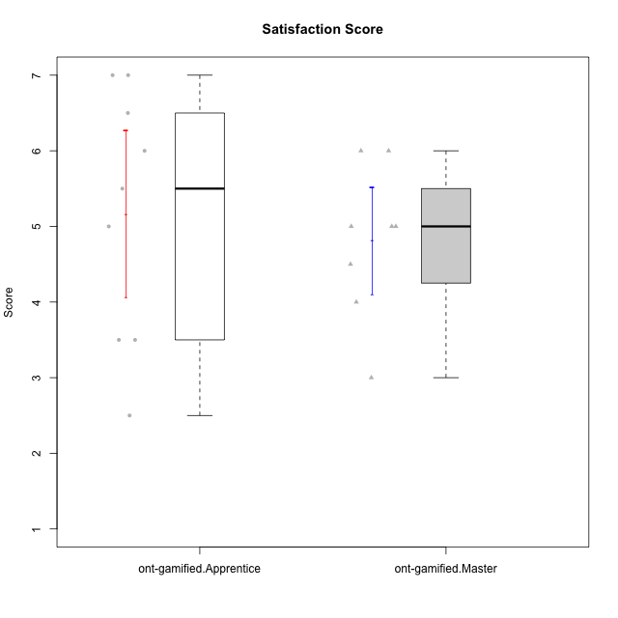

Student's t-Test data
UserID | Type | CLGroup | CLRole | PlayerRole | NroUSP | Item09IE | Item21IE | Item08IE | Item11IE | Item24IE | Item12IE | Item05PC | Item18PC | Item20PC | Item13PC | Item03PC | Item06PT | Item02PT | Item04PT | Item19EI | Item01EI | Item22EI | Item20A | Item25A | Item18A | Item07A | Item04A | Item01S | Item02S | Item09R | Item06R | Item12R | Interest/Enjoyment | Perceived Choice | Pressure/Tension | Effort/Importance | Attention | Relevance | Satisfaction | Intrinsic Motivation | Level of Motivation
10171 | ont-gamified | Mafia | Master | Social Achiever | 698531 | 6 | 7 | 6 | 6 | 5 | 5 | 2 | 2 | 1 | 2 | 2 | 1 | 2 | 2 | 1 | 1 | 6 | 6 | 5 | 6 | 5 | 5 | 6 | 6 | 2 | 2 | 7 | 5.8333333333 | 6.2 | 1.6666666667 | 6.6666666667 | 5.4 | 6.3333333333 | 6 | 6.1764705882 | 5.8
10175 | ont-gamified | Warriors | Master | Social Achiever | 10310700 | 4 | 4 | 4 | 4 | 4 | 4 | 1 | 1 | 1 | 1 | 3 | 1 | 1 | 1 | 1 | 1 | 4 | 5 | 5 | 5 | 6 | 6 | 6 | 6 | 2 | 1 | 7 | 4 | 6.6 | 1 | 6 | 5.4 | 6.6666666667 | 6 | 5.6470588235 | 5.9
10176 | ont-gamified | Outlaws | Master | Social Achiever | 10276949 | 4 | 4 | 4 | 4 | 4 | 3 | 4 | 5 | 4 | 6 | 4 | 6 | 4 | 6 | 5 | 4 | 4 | 5 | 5 | 5 | 4 | 4 | 4 | 4 | 4 | 4 | 4 | 3.8333333333 | 3.4 | 5.3333333333 | 3.6666666667 | 4.6 | 4 | 4 | 3.4705882353 | 4.3
10186 | ont-gamified | Slayers | Apprentice | Social Achiever | 10310551 | 4 | 3 | 6 | 6 | 3 | 1 | 4 | 4 | 1 | 4 | 4 | 4 | 5 | 4 | 1 | 1 | 7 | 4 | 1 | 4 | 1 | 4 | 7 | 7 | 3 | 1 | 6 | 3.8333333333 | 4.6 | 4.3333333333 | 7 | 2.8 | 6 | 7 | 4.5882352941 | 4.6
10188 | ont-gamified | Vandals | Master | Yee Achiever | 10276995 | 3 | 3 | 4 | 1 | 3 | 4 | 1 | 1 | 1 | 3 | 3 | 1 | 1 | 1 | 3 | 2 | 1 | 3 | 4 | 4 | 2 | 4 | 3 | 3 | 2 | 2 | 4 | 3 | 6.2 | 1 | 4 | 3.4 | 5.3333333333 | 3 | 4.8235294118 | 3.9
10189 | ont-gamified | Vikings | Apprentice | Social Achiever | 9363926 | 2 | 2 | 4 | 1 | 2 | 1 | 5 | 4 | 4 | 5 | 5 | 2 | 1 | 1 | 3 | 1 | 6 | 1 | 1 | 2 | 1 | 2 | 3 | 2 | 6 | 1 | 4 | 2 | 3.4 | 1.3333333333 | 6 | 1.4 | 4.3333333333 | 2.5 | 3.9411764706 | 2.5
10192 | ont-gamified | Attractive Devils | Apprentice | Social Achiever | 10276682 | 4 | 5 | 4 | 6 | 1 | 4 | 2 | 4 | 4 | 3 | 3 | 4 | 4 | 4 | 5 | 1 | 5 | 4 | 4 | 4 | 7 | 5 | 7 | 6 | 1 | 2 | 5 | 4 | 4.8 | 4 | 5 | 4.8 | 6 | 6.5 | 4.4117647059 | 5.5
10198 | ont-gamified | Attractive Devils | Apprentice | Social Achiever | 10310888 | 6 | 3 | 4 | 4 | 2 | 5 | 4 | 6 | 6 | 5 | 1 | 4 | 4 | 4 | 3 | 2 | 6 | 6 | 5 | 5 | 7 | 7 | 7 | 7 | 2 | 1 | 5 | 4 | 3.6 | 4 | 5.6666666667 | 6 | 6 | 7 | 4.1764705882 | 6.2
10200 | ont-gamified | Warriors | Apprentice | Social Achiever | 9795272 | 4 | 5 | 5 | 5 | 5 | 3 | 4 | 2 | 2 | 5 | 3 | 4 | 5 | 5 | 1 | 1 | 6 | 4 | 5 | 4 | 6 | 5 | 5 | 6 | 3 | 1 | 6 | 4.5 | 4.8 | 4.6666666667 | 6.6666666667 | 4.8 | 6 | 5.5 | 4.7647058824 | 5.3
10202 | ont-gamified | Silly Knights | Apprentice | Social Achiever | 10277036 | 3 | 3 | 3 | 3 | 3 | 3 | 2 | 5 | 2 | 2 | 3 | 3 | 3 | 3 | 2 | 2 | 5 | 2 | 3 | 2 | 2 | 4 | 5 | 5 | 3 | 2 | 5 | 3 | 5.2 | 3 | 5.6666666667 | 2.6 | 5.3333333333 | 5 | 4.4705882353 | 3.9
10203 | ont-gamified | Mercenaries | Apprentice | Social Achiever | 9921470 | 5 | 4 | 3 | 4 | 4 | 5 | 1 | 1 | 1 | 1 | 4 | 1 | 2 | 5 | 1 | 1 | 6 | 7 | 5 | 4 | 6 | 4 | 5 | 7 | 4 | 6 | 4 | 4.1666666667 | 6.4 | 2.6666666667 | 6.6666666667 | 5.2 | 3.3333333333 | 6 | 5.4705882353 | 4.8
10208 | ont-gamified | Mercenaries | Master | Social Achiever | 10276932 | 4 | 4 | 4 | 4 | 4 | 3 | 2 | 4 | 2 | 4 | 4 | 2 | 2 | 2 | 2 | 2 | 4 | 2 | 2 | 2 | 3 | 3 | 5 | 5 | 5 | 3 | 3 | 3.8333333333 | 4.8 | 2 | 5.3333333333 | 2.4 | 3.6666666667 | 5 | 4.7647058824 | 3.3
10214 | ont-gamified | Vikings | Apprentice | Social Achiever | 10277022 | 1 | 1 | 2 | 1 | 1 | 1 | 2 | 7 | 6 | 6 | 6 | 4 | 5 | 1 | 1 | 1 | 7 | 1 | 2 | 1 | 1 | 4 | 3 | 4 | 5 | 2 | 2 | 1.1666666667 | 2.6 | 3.3333333333 | 7 | 1.8 | 3.6666666667 | 3.5 | 3.2352941176 | 2.7
10216 | ont-gamified | Silly Knights | Master | Social Achiever | 10276720 | 5 | 4 | 4 | 3 | 5 | 7 | 2 | 1 | 3 | 2 | 3 | 1 | 1 | 1 | 2 | 1 | 4 | 5 | 6 | 4 | 2 | 4 | 5 | 5 | 2 | 1 | 7 | 4.6666666667 | 5.8 | 1 | 5.6666666667 | 4.2 | 6.6666666667 | 5 | 5.5882352941 | 5.1
10223 | ont-gamified | Slayers | Master | Social Achiever | 9795185 | 5 | 5 | 6 | 4 | 5 | 5 | 4 | 3 | 4 | 4 | 4 | 2 | 4 | 4 | 4 | 4 | 4 | 4 | 4 | 3 | 4 | 4 | 4 | 5 | 2 | 3 | 7 | 5 | 4.2 | 3.3333333333 | 4 | 3.8 | 6 | 4.5 | 4.5294117647 | 4.6
10230 | ont-gamified | Resistance | Master | Social Achiever | 10351992 | 4 | 5 | 5 | 4 | 5 | 4 | 4 | 3 | 5 | 3 | 5 | 6 | 5 | 4 | 2 | 3 | 5 | 2 | 4 | 3 | 6 | 6 | 4 | 6 | 3 | 4 | 4 | 4.5 | 4 | 5 | 5.3333333333 | 4.2 | 4.3333333333 | 5 | 4.2352941176 | 4.4
10237 | ont-gamified | Outlaws | Apprentice | Social Achiever | 10377688 | 3 | 5 | 3 | 3 | 6 | 4 | 3 | 3 | 4 | 3 | 6 | 4 | 6 | 5 | 4 | 2 | 5 | 3 | 3 | 4 | 5 | 3 | 3 | 4 | 4 | 3 | 5 | 4 | 4.2 | 5 | 5 | 3.6 | 4.6666666667 | 3.5 | 4.0588235294 | 3.9

Type_CLRole_2
Student's t-Test for Satisfaction Score in Type:CLRole between ont-gamified.Apprentice:w/o-gamified.Apprentice

Student's t-Test results
Alternative hypothesis: less
Group | N | Mean | Mean.Difference | Std.deviation | Std.error | CI.lower | CI.upper | df | t.value | p.value | g | magnitude
ont-gamified.Apprentice | 9 | 5.1666666667 | 0.51666666667 | 1.6583123952 | 0.55277079839 | 4.0611250699 | 6.2722082635 | 10.868189728 | 0.85945480815 | 0.79567647167 | 0.39143280873 | small
w/o-gamified.Apprentice | 10 | 4.65 | -0.51666666667 | 0.74721705905 | 0.23629078131 | 4.1774184374 | 5.1225815626 | 10.868189728 | 0.85945480815 | 0.79567647167 | 0.39143280873 | small
Alternative hypothesis: greater
Group | N | Mean | Mean.Difference | Std.deviation | Std.error | CI.lower | CI.upper | df | t.value | p.value | g | magnitude
ont-gamified.Apprentice | 9 | 5.1666666667 | 0.51666666667 | 1.6583123952 | 0.55277079839 | 4.0611250699 | 6.2722082635 | 10.868189728 | 0.85945480815 | 0.20432352833 | 0.39143280873 | small
w/o-gamified.Apprentice | 10 | 4.65 | -0.51666666667 | 0.74721705905 | 0.23629078131 | 4.1774184374 | 5.1225815626 | 10.868189728 | 0.85945480815 | 0.20432352833 | 0.39143280873 | small
Alternative hypothesis: two.sided
Group | N | Mean | Mean.Difference | Std.deviation | Std.error | CI.lower | CI.upper | df | t.value | p.value | g | magnitude
ont-gamified.Apprentice | 9 | 5.1666666667 | 0.51666666667 | 1.6583123952 | 0.55277079839 | 4.0611250699 | 6.2722082635 | 10.868189728 | 0.85945480815 | 0.40864705667 | 0.39143280873 | small
w/o-gamified.Apprentice | 10 | 4.65 | -0.51666666667 | 0.74721705905 | 0.23629078131 | 4.1774184374 | 5.1225815626 | 10.868189728 | 0.85945480815 | 0.40864705667 | 0.39143280873 | small

Box plots for Student's t-Test
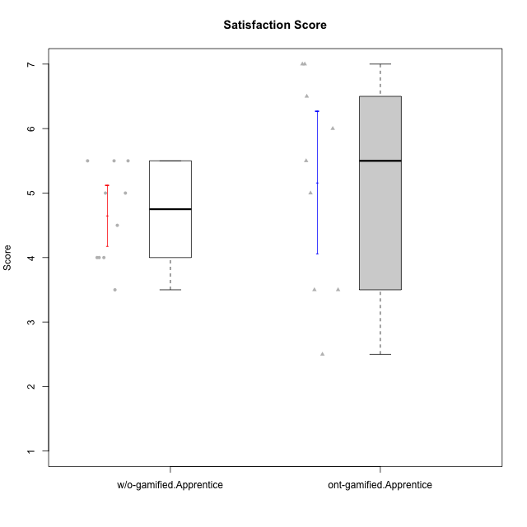

Student's t-Test data
UserID | Type | CLGroup | CLRole | PlayerRole | NroUSP | Item09IE | Item21IE | Item08IE | Item11IE | Item24IE | Item12IE | Item05PC | Item18PC | Item20PC | Item13PC | Item03PC | Item06PT | Item02PT | Item04PT | Item19EI | Item01EI | Item22EI | Item20A | Item25A | Item18A | Item07A | Item04A | Item01S | Item02S | Item09R | Item06R | Item12R | Interest/Enjoyment | Perceived Choice | Pressure/Tension | Effort/Importance | Attention | Relevance | Satisfaction | Intrinsic Motivation | Level of Motivation
10170 | w/o-gamified | Grupo11 | Apprentice |  | 10260351 | 4 | 4 | 6 | 4 | 4 | 3 | 2 | 1 | 3 | 2 | 3 | 1 | 1 | 1 | 3 | 3 | 5 | 6 | 5 | 6 | 5 | 4 | 4 | 4 | 2 | 1 | 6 | 4.1666666667 | 5.8 | 1 | 5 | 5.2 | 6.3333333333 | 4 | 5.2941176471 | 5.3
10184 | w/o-gamified | Grupo10 | Apprentice |  | 10276675 | 4 | 3 | 4 | 4 | 4 | 4 | 5 | 4 | 4 | 3 | 4 | 4 | 4 | 3 | 4 | 4 | 4 | 4 | 4 | 4 | 2 | 4 | 6 | 4 | 4 | 4 | 4 | 3.8333333333 | 4 | 3.6666666667 | 4 | 3.6 | 4 | 5 | 4 | 4
10185 | w/o-gamified | Grupo9 | Apprentice |  | 10276960 | 4 | 3 | 6 | 5 | 6 | 5 | 6 | 6 | 3 | 5 | 3 | 5 | 4 | 4 | 3 | 4 | 5 | 3 | 5 | 3 | 4 | 2 | 4 | 5 | 5 | 3 | 3 | 4.8333333333 | 3.4 | 4.3333333333 | 4.6666666667 | 3.4 | 3.6666666667 | 4.5 | 4.1764705882 | 3.7
10186 | ont-gamified | Slayers | Apprentice | Social Achiever | 10310551 | 4 | 3 | 6 | 6 | 3 | 1 | 4 | 4 | 1 | 4 | 4 | 4 | 5 | 4 | 1 | 1 | 7 | 4 | 1 | 4 | 1 | 4 | 7 | 7 | 3 | 1 | 6 | 3.8333333333 | 4.6 | 4.3333333333 | 7 | 2.8 | 6 | 7 | 4.5882352941 | 4.6
10189 | ont-gamified | Vikings | Apprentice | Social Achiever | 9363926 | 2 | 2 | 4 | 1 | 2 | 1 | 5 | 4 | 4 | 5 | 5 | 2 | 1 | 1 | 3 | 1 | 6 | 1 | 1 | 2 | 1 | 2 | 3 | 2 | 6 | 1 | 4 | 2 | 3.4 | 1.3333333333 | 6 | 1.4 | 4.3333333333 | 2.5 | 3.9411764706 | 2.5
10192 | ont-gamified | Attractive Devils | Apprentice | Social Achiever | 10276682 | 4 | 5 | 4 | 6 | 1 | 4 | 2 | 4 | 4 | 3 | 3 | 4 | 4 | 4 | 5 | 1 | 5 | 4 | 4 | 4 | 7 | 5 | 7 | 6 | 1 | 2 | 5 | 4 | 4.8 | 4 | 5 | 4.8 | 6 | 6.5 | 4.4117647059 | 5.5
10197 | w/o-gamified | Grupo8 | Apprentice |  | 10276661 | 3 | 2 | 5 | 5 | 2 | 4 | 3 | 2 | 4 | 4 | 2 | 5 | 3 | 3 | 3 | 3 | 4 | 4 | 4 | 7 | 5 | 4 | 4 | 4 | 5 | 4 | 4 | 3.5 | 5 | 3.6666666667 | 4.6666666667 | 4.8 | 3.6666666667 | 4 | 4.2941176471 | 4.3
10198 | ont-gamified | Attractive Devils | Apprentice | Social Achiever | 10310888 | 6 | 3 | 4 | 4 | 2 | 5 | 4 | 6 | 6 | 5 | 1 | 4 | 4 | 4 | 3 | 2 | 6 | 6 | 5 | 5 | 7 | 7 | 7 | 7 | 2 | 1 | 5 | 4 | 3.6 | 4 | 5.6666666667 | 6 | 6 | 7 | 4.1764705882 | 6.2
10200 | ont-gamified | Warriors | Apprentice | Social Achiever | 9795272 | 4 | 5 | 5 | 5 | 5 | 3 | 4 | 2 | 2 | 5 | 3 | 4 | 5 | 5 | 1 | 1 | 6 | 4 | 5 | 4 | 6 | 5 | 5 | 6 | 3 | 1 | 6 | 4.5 | 4.8 | 4.6666666667 | 6.6666666667 | 4.8 | 6 | 5.5 | 4.7647058824 | 5.3
10201 | w/o-gamified | Grupo11 | Apprentice |  | 10276928 | 5 | 6 | 6 | 5 | 3 | 6 | 3 | 4 | 4 | 3 | 5 | 4 | 3 | 2 | 3 | 3 | 5 | 6 | 5 | 6 | 6 | 4 | 6 | 5 | 4 | 2 | 6 | 5.1666666667 | 4.2 | 3 | 5 | 5.4 | 5.3333333333 | 5.5 | 4.8235294118 | 5.4
10202 | ont-gamified | Silly Knights | Apprentice | Social Achiever | 10277036 | 3 | 3 | 3 | 3 | 3 | 3 | 2 | 5 | 2 | 2 | 3 | 3 | 3 | 3 | 2 | 2 | 5 | 2 | 3 | 2 | 2 | 4 | 5 | 5 | 3 | 2 | 5 | 3 | 5.2 | 3 | 5.6666666667 | 2.6 | 5.3333333333 | 5 | 4.4705882353 | 3.9
10203 | ont-gamified | Mercenaries | Apprentice | Social Achiever | 9921470 | 5 | 4 | 3 | 4 | 4 | 5 | 1 | 1 | 1 | 1 | 4 | 1 | 2 | 5 | 1 | 1 | 6 | 7 | 5 | 4 | 6 | 4 | 5 | 7 | 4 | 6 | 4 | 4.1666666667 | 6.4 | 2.6666666667 | 6.6666666667 | 5.2 | 3.3333333333 | 6 | 5.4705882353 | 4.8
10206 | w/o-gamified | Grupo8 | Apprentice |  | 10310721 | 4 | 5 | 4 | 2 | 4 | 3 | 2 | 2 | 2 | 3 | 3 | 3 | 3 | 2 | 2 | 2 | 5 | 4 | 6 | 4 | 4 | 5 | 5 | 5 | 3 | 2 | 6 | 3.6666666667 | 5.6 | 2.6666666667 | 5.6666666667 | 4.6 | 5.6666666667 | 5 | 4.8823529412 | 5
10213 | w/o-gamified | Grupo7 | Apprentice |  | 10277040 | 3 | 4 | 4 | 7 | 4 | 1 | 7 | 7 | 7 | 7 | 7 | 7 | 1 | 7 | 1 | 1 | 7 | 7 | 7 | 5 | 7 | 7 | 7 | 4 | 2 | 1 | 4 | 3.8333333333 | 1 | 5 | 7 | 6.6 | 5.6666666667 | 5.5 | 3.4117647059 | 6.1
10214 | ont-gamified | Vikings | Apprentice | Social Achiever | 10277022 | 1 | 1 | 2 | 1 | 1 | 1 | 2 | 7 | 6 | 6 | 6 | 4 | 5 | 1 | 1 | 1 | 7 | 1 | 2 | 1 | 1 | 4 | 3 | 4 | 5 | 2 | 2 | 1.1666666667 | 2.6 | 3.3333333333 | 7 | 1.8 | 3.6666666667 | 3.5 | 3.2352941176 | 2.7
10217 | w/o-gamified | Grupo9 | Apprentice |  | 9805341 | 5 | 5 | 5 | 3 | 4 | 4 | 5 | 4 | 2 | 4 | 4 | 1 | 1 | 1 | 4 | 3 | 2 | 4 | 4 | 3 | 4 | 5 | 4 | 4 | 3 | 3 | 6 | 4.3333333333 | 4.2 | 1 | 3.6666666667 | 4 | 5.3333333333 | 4 | 4.6470588235 | 4.4
10218 | w/o-gamified | Grupo10 | Apprentice |  | 9842913 | 4 | 4 | 4 | 4 | 4 | 4 | 5 | 5 | 4 | 4 | 4 | 4 | 4 | 5 | 4 | 4 | 5 | 4 | 4 | 3 | 5 | 3 | 4 | 3 | 3 | 4 | 4 | 4 | 3.6 | 4.3333333333 | 4.3333333333 | 3.8 | 4.3333333333 | 3.5 | 3.8823529412 | 3.9
10232 | w/o-gamified | Grupo7 | Apprentice |  | 10276974 | 4 | 4 | 5 | 5 | 5 | 4 | 3 | 4 | 4 | 3 | 3 | 2 | 2 | 2 | 1 | 1 | 6 | 4 | 6 | 4 | 5 | 6 | 6 | 5 | 2 | 1 | 7 | 4.5 | 4.6 | 2 | 6.6666666667 | 5 | 6.6666666667 | 5.5 | 5.1764705882 | 5.6
10237 | ont-gamified | Outlaws | Apprentice | Social Achiever | 10377688 | 3 | 5 | 3 | 3 | 6 | 4 | 3 | 3 | 4 | 3 | 6 | 4 | 6 | 5 | 4 | 2 | 5 | 3 | 3 | 4 | 5 | 3 | 3 | 4 | 4 | 3 | 5 | 4 | 4.2 | 5 | 5 | 3.6 | 4.6666666667 | 3.5 | 4.0588235294 | 3.9

Type_CLRole_3
Student's t-Test for Satisfaction Score in Type:CLRole between ont-gamified.Apprentice:w/o-gamified.Master

Student's t-Test results
Alternative hypothesis: less
Group | N | Mean | Mean.Difference | Std.deviation | Std.error | CI.lower | CI.upper | df | t.value | p.value | g | magnitude
ont-gamified.Apprentice | 9 | 5.1666666667 | 0.41666666667 | 1.6583123952 | 0.55277079839 | 4.0611250699 | 6.2722082635 | 8.137962128 | 0.51298917604 | 0.68920453054 | 0.25090654069 | small
w/o-gamified.Master | 4 | 4.75 | -0.41666666667 | 1.1902380714 | 0.59511903571 | 3.5597619286 | 5.9402380714 | 8.137962128 | 0.51298917604 | 0.68920453054 | 0.25090654069 | small
Alternative hypothesis: greater
Group | N | Mean | Mean.Difference | Std.deviation | Std.error | CI.lower | CI.upper | df | t.value | p.value | g | magnitude
ont-gamified.Apprentice | 9 | 5.1666666667 | 0.41666666667 | 1.6583123952 | 0.55277079839 | 4.0611250699 | 6.2722082635 | 8.137962128 | 0.51298917604 | 0.31079546946 | 0.25090654069 | small
w/o-gamified.Master | 4 | 4.75 | -0.41666666667 | 1.1902380714 | 0.59511903571 | 3.5597619286 | 5.9402380714 | 8.137962128 | 0.51298917604 | 0.31079546946 | 0.25090654069 | small
Alternative hypothesis: two.sided
Group | N | Mean | Mean.Difference | Std.deviation | Std.error | CI.lower | CI.upper | df | t.value | p.value | g | magnitude
ont-gamified.Apprentice | 9 | 5.1666666667 | 0.41666666667 | 1.6583123952 | 0.55277079839 | 4.0611250699 | 6.2722082635 | 8.137962128 | 0.51298917604 | 0.62159093892 | 0.25090654069 | small
w/o-gamified.Master | 4 | 4.75 | -0.41666666667 | 1.1902380714 | 0.59511903571 | 3.5597619286 | 5.9402380714 | 8.137962128 | 0.51298917604 | 0.62159093892 | 0.25090654069 | small

Box plots for Student's t-Test
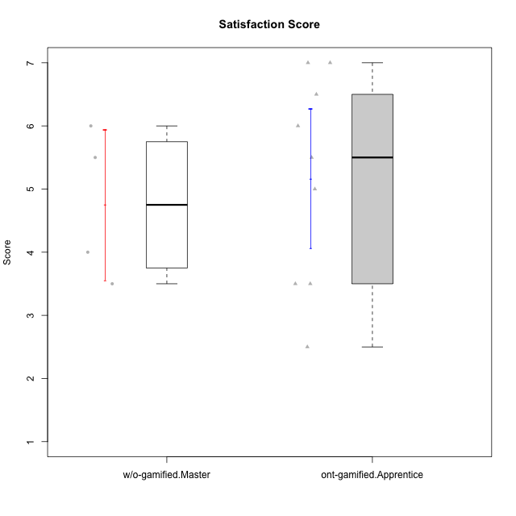

Student's t-Test data
UserID | Type | CLGroup | CLRole | PlayerRole | NroUSP | Item09IE | Item21IE | Item08IE | Item11IE | Item24IE | Item12IE | Item05PC | Item18PC | Item20PC | Item13PC | Item03PC | Item06PT | Item02PT | Item04PT | Item19EI | Item01EI | Item22EI | Item20A | Item25A | Item18A | Item07A | Item04A | Item01S | Item02S | Item09R | Item06R | Item12R | Interest/Enjoyment | Perceived Choice | Pressure/Tension | Effort/Importance | Attention | Relevance | Satisfaction | Intrinsic Motivation | Level of Motivation
10174 | w/o-gamified | Grupo7 | Master |  | 10276852 | 4 | 4 | 6 | 4 | 6 | 3 | 4 | 3 | 4 | 4 | 4 | 6 | 4 | 5 | 2 | 5 | 4 | 4 | 4 | 5 | 6 | 5 | 6 | 5 | 6 | 5 | 4 | 4.5 | 4.2 | 5 | 4.3333333333 | 4.8 | 3 | 5.5 | 4.1176470588 | 4.4
10179 | w/o-gamified | Grupo10 | Master |  | 10310759 | 3 | 4 | 3 | 2 | 4 | 6 | 6 | 5 | 4 | 5 | 7 | 2 | 1 | 1 | 1 | 2 | 5 | 4 | 4 | 4 | 2 | 5 | 3 | 4 | 4 | 2 | 4 | 3.6666666667 | 2.6 | 1.3333333333 | 6 | 3.8 | 4.6666666667 | 3.5 | 4.2941176471 | 4
10186 | ont-gamified | Slayers | Apprentice | Social Achiever | 10310551 | 4 | 3 | 6 | 6 | 3 | 1 | 4 | 4 | 1 | 4 | 4 | 4 | 5 | 4 | 1 | 1 | 7 | 4 | 1 | 4 | 1 | 4 | 7 | 7 | 3 | 1 | 6 | 3.8333333333 | 4.6 | 4.3333333333 | 7 | 2.8 | 6 | 7 | 4.5882352941 | 4.6
10189 | ont-gamified | Vikings | Apprentice | Social Achiever | 9363926 | 2 | 2 | 4 | 1 | 2 | 1 | 5 | 4 | 4 | 5 | 5 | 2 | 1 | 1 | 3 | 1 | 6 | 1 | 1 | 2 | 1 | 2 | 3 | 2 | 6 | 1 | 4 | 2 | 3.4 | 1.3333333333 | 6 | 1.4 | 4.3333333333 | 2.5 | 3.9411764706 | 2.5
10191 | w/o-gamified | Grupo1 | Master |  | 10276981 | 3 | 2 | 3 | 3 | 2 | 1 | 5 | 4 | 5 | 5 | 5 | 1 | 1 | 1 | 4 | 2 | 4 | 2 | 4 | 2 | 4 | 4 | 4 | 4 | 3 | 2 | 3 | 2.3333333333 | 3.2 | 1 | 4.6666666667 | 3.2 | 4.6666666667 | 4 | 3.8235294118 | 3.8
10192 | ont-gamified | Attractive Devils | Apprentice | Social Achiever | 10276682 | 4 | 5 | 4 | 6 | 1 | 4 | 2 | 4 | 4 | 3 | 3 | 4 | 4 | 4 | 5 | 1 | 5 | 4 | 4 | 4 | 7 | 5 | 7 | 6 | 1 | 2 | 5 | 4 | 4.8 | 4 | 5 | 4.8 | 6 | 6.5 | 4.4117647059 | 5.5
10198 | ont-gamified | Attractive Devils | Apprentice | Social Achiever | 10310888 | 6 | 3 | 4 | 4 | 2 | 5 | 4 | 6 | 6 | 5 | 1 | 4 | 4 | 4 | 3 | 2 | 6 | 6 | 5 | 5 | 7 | 7 | 7 | 7 | 2 | 1 | 5 | 4 | 3.6 | 4 | 5.6666666667 | 6 | 6 | 7 | 4.1764705882 | 6.2
10200 | ont-gamified | Warriors | Apprentice | Social Achiever | 9795272 | 4 | 5 | 5 | 5 | 5 | 3 | 4 | 2 | 2 | 5 | 3 | 4 | 5 | 5 | 1 | 1 | 6 | 4 | 5 | 4 | 6 | 5 | 5 | 6 | 3 | 1 | 6 | 4.5 | 4.8 | 4.6666666667 | 6.6666666667 | 4.8 | 6 | 5.5 | 4.7647058824 | 5.3
10202 | ont-gamified | Silly Knights | Apprentice | Social Achiever | 10277036 | 3 | 3 | 3 | 3 | 3 | 3 | 2 | 5 | 2 | 2 | 3 | 3 | 3 | 3 | 2 | 2 | 5 | 2 | 3 | 2 | 2 | 4 | 5 | 5 | 3 | 2 | 5 | 3 | 5.2 | 3 | 5.6666666667 | 2.6 | 5.3333333333 | 5 | 4.4705882353 | 3.9
10203 | ont-gamified | Mercenaries | Apprentice | Social Achiever | 9921470 | 5 | 4 | 3 | 4 | 4 | 5 | 1 | 1 | 1 | 1 | 4 | 1 | 2 | 5 | 1 | 1 | 6 | 7 | 5 | 4 | 6 | 4 | 5 | 7 | 4 | 6 | 4 | 4.1666666667 | 6.4 | 2.6666666667 | 6.6666666667 | 5.2 | 3.3333333333 | 6 | 5.4705882353 | 4.8
10214 | ont-gamified | Vikings | Apprentice | Social Achiever | 10277022 | 1 | 1 | 2 | 1 | 1 | 1 | 2 | 7 | 6 | 6 | 6 | 4 | 5 | 1 | 1 | 1 | 7 | 1 | 2 | 1 | 1 | 4 | 3 | 4 | 5 | 2 | 2 | 1.1666666667 | 2.6 | 3.3333333333 | 7 | 1.8 | 3.6666666667 | 3.5 | 3.2352941176 | 2.7
10231 | w/o-gamified | Grupo9 | Master |  | 10276911 | 4 | 4 | 4 | 4 | 5 | 6 | 1 | 2 | 2 | 2 | 1 | 1 | 1 | 1 | 4 | 3 | 1 | 4 | 4 | 4 | 4 | 4 | 7 | 5 | 4 | 4 | 5 | 4.5 | 6.4 | 1 | 3.3333333333 | 4 | 4.3333333333 | 6 | 5.2941176471 | 4.5
10237 | ont-gamified | Outlaws | Apprentice | Social Achiever | 10377688 | 3 | 5 | 3 | 3 | 6 | 4 | 3 | 3 | 4 | 3 | 6 | 4 | 6 | 5 | 4 | 2 | 5 | 3 | 3 | 4 | 5 | 3 | 3 | 4 | 4 | 3 | 5 | 4 | 4.2 | 5 | 5 | 3.6 | 4.6666666667 | 3.5 | 4.0588235294 | 3.9

Type_CLRole_4
Student's t-Test for Satisfaction Score in Type:CLRole between ont-gamified.Master:w/o-gamified.Apprentice

Student's t-Test results
Alternative hypothesis: less
Group | N | Mean | Mean.Difference | Std.deviation | Std.error | CI.lower | CI.upper | df | t.value | p.value | g | magnitude
ont-gamified.Master | 8 | 4.8125 | 0.1625 | 0.99776536034 | 0.35276332616 | 4.1069733477 | 5.5180266523 | 12.701786043 | 0.38272361025 | 0.64587374637 | 0.17875021035 | negligible
w/o-gamified.Apprentice | 10 | 4.65 | -0.1625 | 0.74721705905 | 0.23629078131 | 4.1774184374 | 5.1225815626 | 12.701786043 | 0.38272361025 | 0.64587374637 | 0.17875021035 | negligible
Alternative hypothesis: greater
Group | N | Mean | Mean.Difference | Std.deviation | Std.error | CI.lower | CI.upper | df | t.value | p.value | g | magnitude
ont-gamified.Master | 8 | 4.8125 | 0.1625 | 0.99776536034 | 0.35276332616 | 4.1069733477 | 5.5180266523 | 12.701786043 | 0.38272361025 | 0.35412625363 | 0.17875021035 | negligible
w/o-gamified.Apprentice | 10 | 4.65 | -0.1625 | 0.74721705905 | 0.23629078131 | 4.1774184374 | 5.1225815626 | 12.701786043 | 0.38272361025 | 0.35412625363 | 0.17875021035 | negligible
Alternative hypothesis: two.sided
Group | N | Mean | Mean.Difference | Std.deviation | Std.error | CI.lower | CI.upper | df | t.value | p.value | g | magnitude
ont-gamified.Master | 8 | 4.8125 | 0.1625 | 0.99776536034 | 0.35276332616 | 4.1069733477 | 5.5180266523 | 12.701786043 | 0.38272361025 | 0.70825250726 | 0.17875021035 | negligible
w/o-gamified.Apprentice | 10 | 4.65 | -0.1625 | 0.74721705905 | 0.23629078131 | 4.1774184374 | 5.1225815626 | 12.701786043 | 0.38272361025 | 0.70825250726 | 0.17875021035 | negligible

Box plots for Student's t-Test
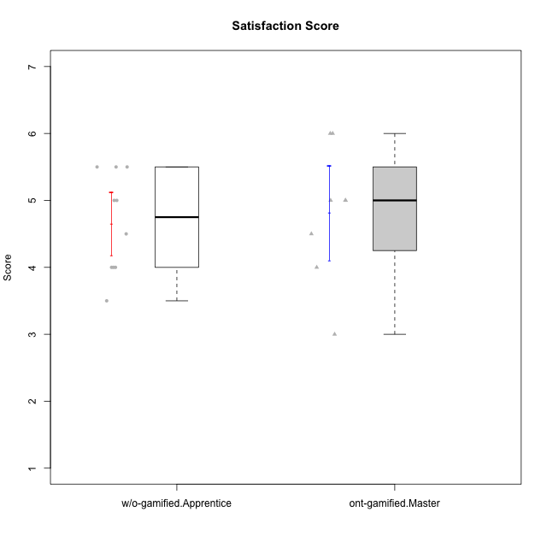

Student's t-Test data
UserID | Type | CLGroup | CLRole | PlayerRole | NroUSP | Item09IE | Item21IE | Item08IE | Item11IE | Item24IE | Item12IE | Item05PC | Item18PC | Item20PC | Item13PC | Item03PC | Item06PT | Item02PT | Item04PT | Item19EI | Item01EI | Item22EI | Item20A | Item25A | Item18A | Item07A | Item04A | Item01S | Item02S | Item09R | Item06R | Item12R | Interest/Enjoyment | Perceived Choice | Pressure/Tension | Effort/Importance | Attention | Relevance | Satisfaction | Intrinsic Motivation | Level of Motivation
10170 | w/o-gamified | Grupo11 | Apprentice |  | 10260351 | 4 | 4 | 6 | 4 | 4 | 3 | 2 | 1 | 3 | 2 | 3 | 1 | 1 | 1 | 3 | 3 | 5 | 6 | 5 | 6 | 5 | 4 | 4 | 4 | 2 | 1 | 6 | 4.1666666667 | 5.8 | 1 | 5 | 5.2 | 6.3333333333 | 4 | 5.2941176471 | 5.3
10171 | ont-gamified | Mafia | Master | Social Achiever | 698531 | 6 | 7 | 6 | 6 | 5 | 5 | 2 | 2 | 1 | 2 | 2 | 1 | 2 | 2 | 1 | 1 | 6 | 6 | 5 | 6 | 5 | 5 | 6 | 6 | 2 | 2 | 7 | 5.8333333333 | 6.2 | 1.6666666667 | 6.6666666667 | 5.4 | 6.3333333333 | 6 | 6.1764705882 | 5.8
10175 | ont-gamified | Warriors | Master | Social Achiever | 10310700 | 4 | 4 | 4 | 4 | 4 | 4 | 1 | 1 | 1 | 1 | 3 | 1 | 1 | 1 | 1 | 1 | 4 | 5 | 5 | 5 | 6 | 6 | 6 | 6 | 2 | 1 | 7 | 4 | 6.6 | 1 | 6 | 5.4 | 6.6666666667 | 6 | 5.6470588235 | 5.9
10176 | ont-gamified | Outlaws | Master | Social Achiever | 10276949 | 4 | 4 | 4 | 4 | 4 | 3 | 4 | 5 | 4 | 6 | 4 | 6 | 4 | 6 | 5 | 4 | 4 | 5 | 5 | 5 | 4 | 4 | 4 | 4 | 4 | 4 | 4 | 3.8333333333 | 3.4 | 5.3333333333 | 3.6666666667 | 4.6 | 4 | 4 | 3.4705882353 | 4.3
10184 | w/o-gamified | Grupo10 | Apprentice |  | 10276675 | 4 | 3 | 4 | 4 | 4 | 4 | 5 | 4 | 4 | 3 | 4 | 4 | 4 | 3 | 4 | 4 | 4 | 4 | 4 | 4 | 2 | 4 | 6 | 4 | 4 | 4 | 4 | 3.8333333333 | 4 | 3.6666666667 | 4 | 3.6 | 4 | 5 | 4 | 4
10185 | w/o-gamified | Grupo9 | Apprentice |  | 10276960 | 4 | 3 | 6 | 5 | 6 | 5 | 6 | 6 | 3 | 5 | 3 | 5 | 4 | 4 | 3 | 4 | 5 | 3 | 5 | 3 | 4 | 2 | 4 | 5 | 5 | 3 | 3 | 4.8333333333 | 3.4 | 4.3333333333 | 4.6666666667 | 3.4 | 3.6666666667 | 4.5 | 4.1764705882 | 3.7
10188 | ont-gamified | Vandals | Master | Yee Achiever | 10276995 | 3 | 3 | 4 | 1 | 3 | 4 | 1 | 1 | 1 | 3 | 3 | 1 | 1 | 1 | 3 | 2 | 1 | 3 | 4 | 4 | 2 | 4 | 3 | 3 | 2 | 2 | 4 | 3 | 6.2 | 1 | 4 | 3.4 | 5.3333333333 | 3 | 4.8235294118 | 3.9
10197 | w/o-gamified | Grupo8 | Apprentice |  | 10276661 | 3 | 2 | 5 | 5 | 2 | 4 | 3 | 2 | 4 | 4 | 2 | 5 | 3 | 3 | 3 | 3 | 4 | 4 | 4 | 7 | 5 | 4 | 4 | 4 | 5 | 4 | 4 | 3.5 | 5 | 3.6666666667 | 4.6666666667 | 4.8 | 3.6666666667 | 4 | 4.2941176471 | 4.3
10201 | w/o-gamified | Grupo11 | Apprentice |  | 10276928 | 5 | 6 | 6 | 5 | 3 | 6 | 3 | 4 | 4 | 3 | 5 | 4 | 3 | 2 | 3 | 3 | 5 | 6 | 5 | 6 | 6 | 4 | 6 | 5 | 4 | 2 | 6 | 5.1666666667 | 4.2 | 3 | 5 | 5.4 | 5.3333333333 | 5.5 | 4.8235294118 | 5.4
10206 | w/o-gamified | Grupo8 | Apprentice |  | 10310721 | 4 | 5 | 4 | 2 | 4 | 3 | 2 | 2 | 2 | 3 | 3 | 3 | 3 | 2 | 2 | 2 | 5 | 4 | 6 | 4 | 4 | 5 | 5 | 5 | 3 | 2 | 6 | 3.6666666667 | 5.6 | 2.6666666667 | 5.6666666667 | 4.6 | 5.6666666667 | 5 | 4.8823529412 | 5
10208 | ont-gamified | Mercenaries | Master | Social Achiever | 10276932 | 4 | 4 | 4 | 4 | 4 | 3 | 2 | 4 | 2 | 4 | 4 | 2 | 2 | 2 | 2 | 2 | 4 | 2 | 2 | 2 | 3 | 3 | 5 | 5 | 5 | 3 | 3 | 3.8333333333 | 4.8 | 2 | 5.3333333333 | 2.4 | 3.6666666667 | 5 | 4.7647058824 | 3.3
10213 | w/o-gamified | Grupo7 | Apprentice |  | 10277040 | 3 | 4 | 4 | 7 | 4 | 1 | 7 | 7 | 7 | 7 | 7 | 7 | 1 | 7 | 1 | 1 | 7 | 7 | 7 | 5 | 7 | 7 | 7 | 4 | 2 | 1 | 4 | 3.8333333333 | 1 | 5 | 7 | 6.6 | 5.6666666667 | 5.5 | 3.4117647059 | 6.1
10216 | ont-gamified | Silly Knights | Master | Social Achiever | 10276720 | 5 | 4 | 4 | 3 | 5 | 7 | 2 | 1 | 3 | 2 | 3 | 1 | 1 | 1 | 2 | 1 | 4 | 5 | 6 | 4 | 2 | 4 | 5 | 5 | 2 | 1 | 7 | 4.6666666667 | 5.8 | 1 | 5.6666666667 | 4.2 | 6.6666666667 | 5 | 5.5882352941 | 5.1
10217 | w/o-gamified | Grupo9 | Apprentice |  | 9805341 | 5 | 5 | 5 | 3 | 4 | 4 | 5 | 4 | 2 | 4 | 4 | 1 | 1 | 1 | 4 | 3 | 2 | 4 | 4 | 3 | 4 | 5 | 4 | 4 | 3 | 3 | 6 | 4.3333333333 | 4.2 | 1 | 3.6666666667 | 4 | 5.3333333333 | 4 | 4.6470588235 | 4.4
10218 | w/o-gamified | Grupo10 | Apprentice |  | 9842913 | 4 | 4 | 4 | 4 | 4 | 4 | 5 | 5 | 4 | 4 | 4 | 4 | 4 | 5 | 4 | 4 | 5 | 4 | 4 | 3 | 5 | 3 | 4 | 3 | 3 | 4 | 4 | 4 | 3.6 | 4.3333333333 | 4.3333333333 | 3.8 | 4.3333333333 | 3.5 | 3.8823529412 | 3.9
10223 | ont-gamified | Slayers | Master | Social Achiever | 9795185 | 5 | 5 | 6 | 4 | 5 | 5 | 4 | 3 | 4 | 4 | 4 | 2 | 4 | 4 | 4 | 4 | 4 | 4 | 4 | 3 | 4 | 4 | 4 | 5 | 2 | 3 | 7 | 5 | 4.2 | 3.3333333333 | 4 | 3.8 | 6 | 4.5 | 4.5294117647 | 4.6
10230 | ont-gamified | Resistance | Master | Social Achiever | 10351992 | 4 | 5 | 5 | 4 | 5 | 4 | 4 | 3 | 5 | 3 | 5 | 6 | 5 | 4 | 2 | 3 | 5 | 2 | 4 | 3 | 6 | 6 | 4 | 6 | 3 | 4 | 4 | 4.5 | 4 | 5 | 5.3333333333 | 4.2 | 4.3333333333 | 5 | 4.2352941176 | 4.4
10232 | w/o-gamified | Grupo7 | Apprentice |  | 10276974 | 4 | 4 | 5 | 5 | 5 | 4 | 3 | 4 | 4 | 3 | 3 | 2 | 2 | 2 | 1 | 1 | 6 | 4 | 6 | 4 | 5 | 6 | 6 | 5 | 2 | 1 | 7 | 4.5 | 4.6 | 2 | 6.6666666667 | 5 | 6.6666666667 | 5.5 | 5.1764705882 | 5.6

Type_CLRole_5
Student's t-Test for Satisfaction Score in Type:CLRole between ont-gamified.Master:w/o-gamified.Master

Student's t-Test results
Alternative hypothesis: less
Group | N | Mean | Mean.Difference | Std.deviation | Std.error | CI.lower | CI.upper | df | t.value | p.value | g | magnitude
ont-gamified.Master | 8 | 4.8125 | 0.0625 | 0.99776536034 | 0.35276332616 | 4.1069733477 | 5.5180266523 | 5.2032596416 | 0.090342011124 | 0.53430466182 | 0.05446853267 | negligible
w/o-gamified.Master | 4 | 4.75 | -0.0625 | 1.1902380714 | 0.59511903571 | 3.5597619286 | 5.9402380714 | 5.2032596416 | 0.090342011124 | 0.53430466182 | 0.05446853267 | negligible
Alternative hypothesis: greater
Group | N | Mean | Mean.Difference | Std.deviation | Std.error | CI.lower | CI.upper | df | t.value | p.value | g | magnitude
ont-gamified.Master | 8 | 4.8125 | 0.0625 | 0.99776536034 | 0.35276332616 | 4.1069733477 | 5.5180266523 | 5.2032596416 | 0.090342011124 | 0.46569533818 | 0.05446853267 | negligible
w/o-gamified.Master | 4 | 4.75 | -0.0625 | 1.1902380714 | 0.59511903571 | 3.5597619286 | 5.9402380714 | 5.2032596416 | 0.090342011124 | 0.46569533818 | 0.05446853267 | negligible
Alternative hypothesis: two.sided
Group | N | Mean | Mean.Difference | Std.deviation | Std.error | CI.lower | CI.upper | df | t.value | p.value | g | magnitude
ont-gamified.Master | 8 | 4.8125 | 0.0625 | 0.99776536034 | 0.35276332616 | 4.1069733477 | 5.5180266523 | 5.2032596416 | 0.090342011124 | 0.93139067636 | 0.05446853267 | negligible
w/o-gamified.Master | 4 | 4.75 | -0.0625 | 1.1902380714 | 0.59511903571 | 3.5597619286 | 5.9402380714 | 5.2032596416 | 0.090342011124 | 0.93139067636 | 0.05446853267 | negligible

Box plots for Student's t-Test
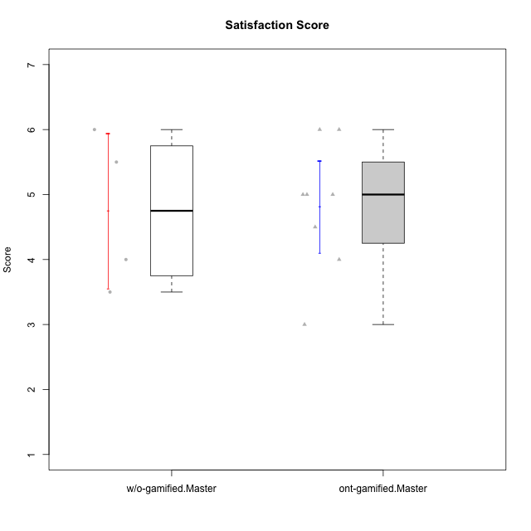

Student's t-Test data
UserID | Type | CLGroup | CLRole | PlayerRole | NroUSP | Item09IE | Item21IE | Item08IE | Item11IE | Item24IE | Item12IE | Item05PC | Item18PC | Item20PC | Item13PC | Item03PC | Item06PT | Item02PT | Item04PT | Item19EI | Item01EI | Item22EI | Item20A | Item25A | Item18A | Item07A | Item04A | Item01S | Item02S | Item09R | Item06R | Item12R | Interest/Enjoyment | Perceived Choice | Pressure/Tension | Effort/Importance | Attention | Relevance | Satisfaction | Intrinsic Motivation | Level of Motivation
10171 | ont-gamified | Mafia | Master | Social Achiever | 698531 | 6 | 7 | 6 | 6 | 5 | 5 | 2 | 2 | 1 | 2 | 2 | 1 | 2 | 2 | 1 | 1 | 6 | 6 | 5 | 6 | 5 | 5 | 6 | 6 | 2 | 2 | 7 | 5.8333333333 | 6.2 | 1.6666666667 | 6.6666666667 | 5.4 | 6.3333333333 | 6 | 6.1764705882 | 5.8
10174 | w/o-gamified | Grupo7 | Master |  | 10276852 | 4 | 4 | 6 | 4 | 6 | 3 | 4 | 3 | 4 | 4 | 4 | 6 | 4 | 5 | 2 | 5 | 4 | 4 | 4 | 5 | 6 | 5 | 6 | 5 | 6 | 5 | 4 | 4.5 | 4.2 | 5 | 4.3333333333 | 4.8 | 3 | 5.5 | 4.1176470588 | 4.4
10175 | ont-gamified | Warriors | Master | Social Achiever | 10310700 | 4 | 4 | 4 | 4 | 4 | 4 | 1 | 1 | 1 | 1 | 3 | 1 | 1 | 1 | 1 | 1 | 4 | 5 | 5 | 5 | 6 | 6 | 6 | 6 | 2 | 1 | 7 | 4 | 6.6 | 1 | 6 | 5.4 | 6.6666666667 | 6 | 5.6470588235 | 5.9
10176 | ont-gamified | Outlaws | Master | Social Achiever | 10276949 | 4 | 4 | 4 | 4 | 4 | 3 | 4 | 5 | 4 | 6 | 4 | 6 | 4 | 6 | 5 | 4 | 4 | 5 | 5 | 5 | 4 | 4 | 4 | 4 | 4 | 4 | 4 | 3.8333333333 | 3.4 | 5.3333333333 | 3.6666666667 | 4.6 | 4 | 4 | 3.4705882353 | 4.3
10179 | w/o-gamified | Grupo10 | Master |  | 10310759 | 3 | 4 | 3 | 2 | 4 | 6 | 6 | 5 | 4 | 5 | 7 | 2 | 1 | 1 | 1 | 2 | 5 | 4 | 4 | 4 | 2 | 5 | 3 | 4 | 4 | 2 | 4 | 3.6666666667 | 2.6 | 1.3333333333 | 6 | 3.8 | 4.6666666667 | 3.5 | 4.2941176471 | 4
10188 | ont-gamified | Vandals | Master | Yee Achiever | 10276995 | 3 | 3 | 4 | 1 | 3 | 4 | 1 | 1 | 1 | 3 | 3 | 1 | 1 | 1 | 3 | 2 | 1 | 3 | 4 | 4 | 2 | 4 | 3 | 3 | 2 | 2 | 4 | 3 | 6.2 | 1 | 4 | 3.4 | 5.3333333333 | 3 | 4.8235294118 | 3.9
10191 | w/o-gamified | Grupo1 | Master |  | 10276981 | 3 | 2 | 3 | 3 | 2 | 1 | 5 | 4 | 5 | 5 | 5 | 1 | 1 | 1 | 4 | 2 | 4 | 2 | 4 | 2 | 4 | 4 | 4 | 4 | 3 | 2 | 3 | 2.3333333333 | 3.2 | 1 | 4.6666666667 | 3.2 | 4.6666666667 | 4 | 3.8235294118 | 3.8
10208 | ont-gamified | Mercenaries | Master | Social Achiever | 10276932 | 4 | 4 | 4 | 4 | 4 | 3 | 2 | 4 | 2 | 4 | 4 | 2 | 2 | 2 | 2 | 2 | 4 | 2 | 2 | 2 | 3 | 3 | 5 | 5 | 5 | 3 | 3 | 3.8333333333 | 4.8 | 2 | 5.3333333333 | 2.4 | 3.6666666667 | 5 | 4.7647058824 | 3.3
10216 | ont-gamified | Silly Knights | Master | Social Achiever | 10276720 | 5 | 4 | 4 | 3 | 5 | 7 | 2 | 1 | 3 | 2 | 3 | 1 | 1 | 1 | 2 | 1 | 4 | 5 | 6 | 4 | 2 | 4 | 5 | 5 | 2 | 1 | 7 | 4.6666666667 | 5.8 | 1 | 5.6666666667 | 4.2 | 6.6666666667 | 5 | 5.5882352941 | 5.1
10223 | ont-gamified | Slayers | Master | Social Achiever | 9795185 | 5 | 5 | 6 | 4 | 5 | 5 | 4 | 3 | 4 | 4 | 4 | 2 | 4 | 4 | 4 | 4 | 4 | 4 | 4 | 3 | 4 | 4 | 4 | 5 | 2 | 3 | 7 | 5 | 4.2 | 3.3333333333 | 4 | 3.8 | 6 | 4.5 | 4.5294117647 | 4.6
10230 | ont-gamified | Resistance | Master | Social Achiever | 10351992 | 4 | 5 | 5 | 4 | 5 | 4 | 4 | 3 | 5 | 3 | 5 | 6 | 5 | 4 | 2 | 3 | 5 | 2 | 4 | 3 | 6 | 6 | 4 | 6 | 3 | 4 | 4 | 4.5 | 4 | 5 | 5.3333333333 | 4.2 | 4.3333333333 | 5 | 4.2352941176 | 4.4
10231 | w/o-gamified | Grupo9 | Master |  | 10276911 | 4 | 4 | 4 | 4 | 5 | 6 | 1 | 2 | 2 | 2 | 1 | 1 | 1 | 1 | 4 | 3 | 1 | 4 | 4 | 4 | 4 | 4 | 7 | 5 | 4 | 4 | 5 | 4.5 | 6.4 | 1 | 3.3333333333 | 4 | 4.3333333333 | 6 | 5.2941176471 | 4.5

Type_CLRole_6
Student's t-Test for Satisfaction Score in Type:CLRole between w/o-gamified.Apprentice:w/o-gamified.Master

Student's t-Test results
Alternative hypothesis: less
Group | N | Mean | Mean.Difference | Std.deviation | Std.error | CI.lower | CI.upper | df | t.value | p.value | g | magnitude
w/o-gamified.Apprentice | 10 | 4.65 | -0.1 | 0.74721705905 | 0.23629078131 | 4.1774184374 | 5.1225815626 | 3.9874076623 | -0.15617376189 | 0.44174189377 | -0.10648501157 | negligible
w/o-gamified.Master | 4 | 4.75 | 0.1 | 1.1902380714 | 0.59511903571 | 3.5597619286 | 5.9402380714 | 3.9874076623 | -0.15617376189 | 0.44174189377 | -0.10648501157 | negligible
Alternative hypothesis: greater
Group | N | Mean | Mean.Difference | Std.deviation | Std.error | CI.lower | CI.upper | df | t.value | p.value | g | magnitude
w/o-gamified.Apprentice | 10 | 4.65 | -0.1 | 0.74721705905 | 0.23629078131 | 4.1774184374 | 5.1225815626 | 3.9874076623 | -0.15617376189 | 0.55825810623 | -0.10648501157 | negligible
w/o-gamified.Master | 4 | 4.75 | 0.1 | 1.1902380714 | 0.59511903571 | 3.5597619286 | 5.9402380714 | 3.9874076623 | -0.15617376189 | 0.55825810623 | -0.10648501157 | negligible
Alternative hypothesis: two.sided
Group | N | Mean | Mean.Difference | Std.deviation | Std.error | CI.lower | CI.upper | df | t.value | p.value | g | magnitude
w/o-gamified.Apprentice | 10 | 4.65 | -0.1 | 0.74721705905 | 0.23629078131 | 4.1774184374 | 5.1225815626 | 3.9874076623 | -0.15617376189 | 0.88348378754 | -0.10648501157 | negligible
w/o-gamified.Master | 4 | 4.75 | 0.1 | 1.1902380714 | 0.59511903571 | 3.5597619286 | 5.9402380714 | 3.9874076623 | -0.15617376189 | 0.88348378754 | -0.10648501157 | negligible

Box plots for Student's t-Test
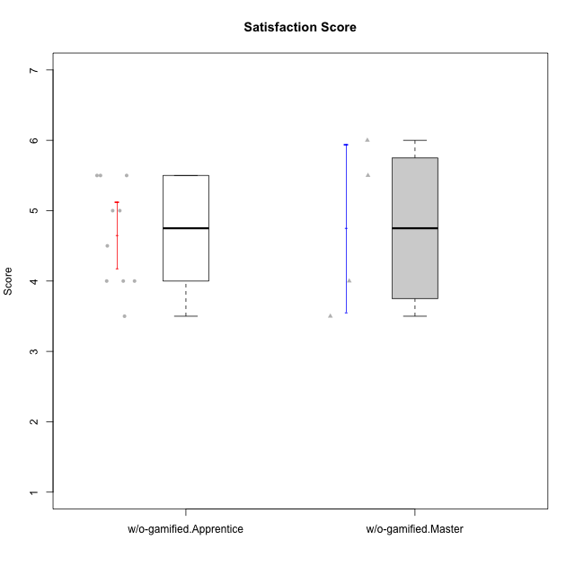

Student's t-Test data
UserID | Type | CLGroup | CLRole | PlayerRole | NroUSP | Item09IE | Item21IE | Item08IE | Item11IE | Item24IE | Item12IE | Item05PC | Item18PC | Item20PC | Item13PC | Item03PC | Item06PT | Item02PT | Item04PT | Item19EI | Item01EI | Item22EI | Item20A | Item25A | Item18A | Item07A | Item04A | Item01S | Item02S | Item09R | Item06R | Item12R | Interest/Enjoyment | Perceived Choice | Pressure/Tension | Effort/Importance | Attention | Relevance | Satisfaction | Intrinsic Motivation | Level of Motivation
10170 | w/o-gamified | Grupo11 | Apprentice |  | 10260351 | 4 | 4 | 6 | 4 | 4 | 3 | 2 | 1 | 3 | 2 | 3 | 1 | 1 | 1 | 3 | 3 | 5 | 6 | 5 | 6 | 5 | 4 | 4 | 4 | 2 | 1 | 6 | 4.1666666667 | 5.8 | 1 | 5 | 5.2 | 6.3333333333 | 4 | 5.2941176471 | 5.3
10174 | w/o-gamified | Grupo7 | Master |  | 10276852 | 4 | 4 | 6 | 4 | 6 | 3 | 4 | 3 | 4 | 4 | 4 | 6 | 4 | 5 | 2 | 5 | 4 | 4 | 4 | 5 | 6 | 5 | 6 | 5 | 6 | 5 | 4 | 4.5 | 4.2 | 5 | 4.3333333333 | 4.8 | 3 | 5.5 | 4.1176470588 | 4.4
10179 | w/o-gamified | Grupo10 | Master |  | 10310759 | 3 | 4 | 3 | 2 | 4 | 6 | 6 | 5 | 4 | 5 | 7 | 2 | 1 | 1 | 1 | 2 | 5 | 4 | 4 | 4 | 2 | 5 | 3 | 4 | 4 | 2 | 4 | 3.6666666667 | 2.6 | 1.3333333333 | 6 | 3.8 | 4.6666666667 | 3.5 | 4.2941176471 | 4
10184 | w/o-gamified | Grupo10 | Apprentice |  | 10276675 | 4 | 3 | 4 | 4 | 4 | 4 | 5 | 4 | 4 | 3 | 4 | 4 | 4 | 3 | 4 | 4 | 4 | 4 | 4 | 4 | 2 | 4 | 6 | 4 | 4 | 4 | 4 | 3.8333333333 | 4 | 3.6666666667 | 4 | 3.6 | 4 | 5 | 4 | 4
10185 | w/o-gamified | Grupo9 | Apprentice |  | 10276960 | 4 | 3 | 6 | 5 | 6 | 5 | 6 | 6 | 3 | 5 | 3 | 5 | 4 | 4 | 3 | 4 | 5 | 3 | 5 | 3 | 4 | 2 | 4 | 5 | 5 | 3 | 3 | 4.8333333333 | 3.4 | 4.3333333333 | 4.6666666667 | 3.4 | 3.6666666667 | 4.5 | 4.1764705882 | 3.7
10191 | w/o-gamified | Grupo1 | Master |  | 10276981 | 3 | 2 | 3 | 3 | 2 | 1 | 5 | 4 | 5 | 5 | 5 | 1 | 1 | 1 | 4 | 2 | 4 | 2 | 4 | 2 | 4 | 4 | 4 | 4 | 3 | 2 | 3 | 2.3333333333 | 3.2 | 1 | 4.6666666667 | 3.2 | 4.6666666667 | 4 | 3.8235294118 | 3.8
10197 | w/o-gamified | Grupo8 | Apprentice |  | 10276661 | 3 | 2 | 5 | 5 | 2 | 4 | 3 | 2 | 4 | 4 | 2 | 5 | 3 | 3 | 3 | 3 | 4 | 4 | 4 | 7 | 5 | 4 | 4 | 4 | 5 | 4 | 4 | 3.5 | 5 | 3.6666666667 | 4.6666666667 | 4.8 | 3.6666666667 | 4 | 4.2941176471 | 4.3
10201 | w/o-gamified | Grupo11 | Apprentice |  | 10276928 | 5 | 6 | 6 | 5 | 3 | 6 | 3 | 4 | 4 | 3 | 5 | 4 | 3 | 2 | 3 | 3 | 5 | 6 | 5 | 6 | 6 | 4 | 6 | 5 | 4 | 2 | 6 | 5.1666666667 | 4.2 | 3 | 5 | 5.4 | 5.3333333333 | 5.5 | 4.8235294118 | 5.4
10206 | w/o-gamified | Grupo8 | Apprentice |  | 10310721 | 4 | 5 | 4 | 2 | 4 | 3 | 2 | 2 | 2 | 3 | 3 | 3 | 3 | 2 | 2 | 2 | 5 | 4 | 6 | 4 | 4 | 5 | 5 | 5 | 3 | 2 | 6 | 3.6666666667 | 5.6 | 2.6666666667 | 5.6666666667 | 4.6 | 5.6666666667 | 5 | 4.8823529412 | 5
10213 | w/o-gamified | Grupo7 | Apprentice |  | 10277040 | 3 | 4 | 4 | 7 | 4 | 1 | 7 | 7 | 7 | 7 | 7 | 7 | 1 | 7 | 1 | 1 | 7 | 7 | 7 | 5 | 7 | 7 | 7 | 4 | 2 | 1 | 4 | 3.8333333333 | 1 | 5 | 7 | 6.6 | 5.6666666667 | 5.5 | 3.4117647059 | 6.1
10217 | w/o-gamified | Grupo9 | Apprentice |  | 9805341 | 5 | 5 | 5 | 3 | 4 | 4 | 5 | 4 | 2 | 4 | 4 | 1 | 1 | 1 | 4 | 3 | 2 | 4 | 4 | 3 | 4 | 5 | 4 | 4 | 3 | 3 | 6 | 4.3333333333 | 4.2 | 1 | 3.6666666667 | 4 | 5.3333333333 | 4 | 4.6470588235 | 4.4
10218 | w/o-gamified | Grupo10 | Apprentice |  | 9842913 | 4 | 4 | 4 | 4 | 4 | 4 | 5 | 5 | 4 | 4 | 4 | 4 | 4 | 5 | 4 | 4 | 5 | 4 | 4 | 3 | 5 | 3 | 4 | 3 | 3 | 4 | 4 | 4 | 3.6 | 4.3333333333 | 4.3333333333 | 3.8 | 4.3333333333 | 3.5 | 3.8823529412 | 3.9
10231 | w/o-gamified | Grupo9 | Master |  | 10276911 | 4 | 4 | 4 | 4 | 5 | 6 | 1 | 2 | 2 | 2 | 1 | 1 | 1 | 1 | 4 | 3 | 1 | 4 | 4 | 4 | 4 | 4 | 7 | 5 | 4 | 4 | 5 | 4.5 | 6.4 | 1 | 3.3333333333 | 4 | 4.3333333333 | 6 | 5.2941176471 | 4.5
10232 | w/o-gamified | Grupo7 | Apprentice |  | 10276974 | 4 | 4 | 5 | 5 | 5 | 4 | 3 | 4 | 4 | 3 | 3 | 2 | 2 | 2 | 1 | 1 | 6 | 4 | 6 | 4 | 5 | 6 | 6 | 5 | 2 | 1 | 7 | 4.5 | 4.6 | 2 | 6.6666666667 | 5 | 6.6666666667 | 5.5 | 5.1764705882 | 5.6

