Type_1
Wilcoxon Analysis for Programming Skill - Conditional in Type between non-gamified:ont-gamified

Wilcoxon test results
Alternative hypothesis: less
Group | N | Median | Mean.Ranks | Sum.Ranks | U | Z | p.value | r
non-gamified | 27 |  | 30.777777778 | 831 | 393 | 0.3042555317 | 0.62178806621 | 0.040299629656
ont-gamified | 30 | 1.2663690476 | 27.4 | 822 | 393 | 0.3042555317 | 0.62178806621 | 0.040299629656
Alternative hypothesis: greater
Group | N | Median | Mean.Ranks | Sum.Ranks | U | Z | p.value | r
non-gamified | 27 |  | 30.777777778 | 831 | 393 | 0.3042555317 | 0.38460608917 | 0.040299629656
ont-gamified | 30 | 1.2663690476 | 27.4 | 822 | 393 | 0.3042555317 | 0.38460608917 | 0.040299629656
Alternative hypothesis: two.sided
Group | N | Median | Mean.Ranks | Sum.Ranks | U | Z | p.value | r
non-gamified | 27 |  | 30.777777778 | 831 | 393 | 0.3042555317 | 0.76921217835 | 0.040299629656
ont-gamified | 30 | 1.2663690476 | 27.4 | 822 | 393 | 0.3042555317 | 0.76921217835 | 0.040299629656

Box plots for wilcoxon tests
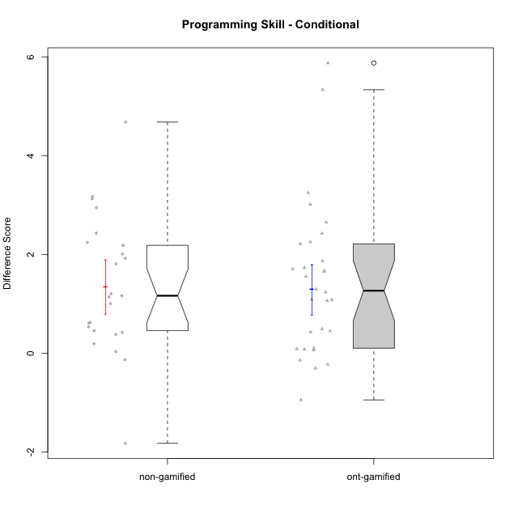

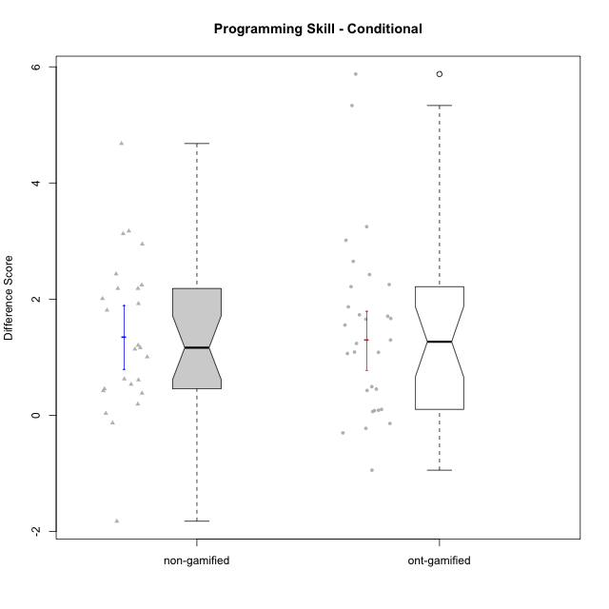

Wilcoxon data
UserID | NroUSP | Type | CLGroup | CLRole | PlayerRole | Re2 | Re1 | Un2 | Un1 | Ap2 | Ap3 | Ap1 | An3 | Ev2 | Ev1 | P1s0 | P1s1 | P1s2 | P1s3 | ReB | ReA | UnB | UnA | ApB | ApC | ApA | AnC | EvB | EvA | PAs0 | PAs1 | PAs2 | PAs3 | PBs0 | PBs1 | PBs2 | PBs3 | PreScore | PostScore | DiffScore
10169 | 10377538 | ont-gamified | Grupo Hefesto | Master | Yee Achiever | 1 | 1 | 0 | 0.94444444444 | 1 | 0.5 | 1 | 0.5 | 1 | 1 |  |  |  |  | 0.8 | 1 | 0.75 | 1 | 0.91666666667 | 0.375 | 1 | 0.5 | 0.66666666667 | 1 | 1 | 1 | 1 | 0.75 | 1 | 0.5 | 0.33333333333 | 0.25 | 7.9444444444 | 8.0083333333 | 0.063888888889
10170 | 10260351 | ont-gamified | Grupo Afrodite | Apprentice | Yee Achiever | 0.975 | 1 | 0.5 | 0.94444444444 | 0 | 0 | 0.5 | 0.9375 | 1 | 0.66666666667 |  |  |  |  | 0.775 | 1 | 1 | 1 | 0.91666666667 | 0.5 | 1 | 1 | 0.58333333333 | 1 |  |  |  |  |  |  |  |  | 6.5236111111 | 8.775 | 2.2513888889
10171 | 698531 | non-gamified | Grupo Team 6 | Apprentice |  | 1 | 0.96666666667 | 0 | 0.61111111111 | 1 | 1 | 1 | 1 | 0 | 0.25 | 1 | 0.5 | 0.66666666667 | 0.5 | 1 | 1 | 1 | 1 | 1 | 1 | 1 | 1 | 1 | 1 | 1 | 0.5 | 0.66666666667 | 0.5 | 1 | 0.5 | 0.66666666667 | 0.5 | 6.8277777778 | 10 | 3.1722222222
10174 | 10276852 | ont-gamified | Grupo Urano | Master | Yee Achiever | 1 | 0.73333333333 | 0.5 | 0.94444444444 | 1 | 0.5 | 1 | 0.5 | 0.5 | 1 |  |  |  |  | 0.55 | 0.75 | 1 | 0.61111111111 | 0.91666666667 | 0.375 | 1 | 1 | 0.25 | 1 |  |  |  |  |  |  |  |  | 7.6777777778 | 7.4527777778 | -0.225
10175 | 10310700 | ont-gamified | Grupo Hélio | Master | Yee Socializer | 0.975 | 1 | 0.5 | 0.94444444444 | 1 | 1 | 1 | 1 | 1 | 1 |  |  |  |  | 1 | 1 | 1 | 1 | 1 | 0.5 | 1 | 1 | 1 | 1 | 1 | 1 | 0.66666666667 | 0.75 | 1 | 1 | 0.66666666667 | 0.75 | 9.4194444444 | 9.5 | 0.080555555556
10176 | 10276949 | ont-gamified | Grupo Cronus | Apprentice | Yee Achiever | 1 | 1 | 0.5 | 0.66666666667 | 0 | 1 | 1 | 0.875 | 0.4 | 0.66666666667 | 1 | 0.5 | 0.33333333333 | 0.5 | 1 | 1 | 1 | 1 | 1 | 0.5 | 1 | 0.92857142857 | 0.58333333333 | 0.33333333333 | 1 | 1 | 0.66666666667 | 0.75 | 1 | 0.5 | 0.66666666667 | 0.5 | 7.1083333333 | 8.3452380952 | 1.2369047619
10178 | 8656201 | ont-gamified | Grupo Morfeu | Apprentice | Yee Socializer | 0.1 | 0.71666666667 | 0 | 0.66666666667 | 0 | 0 | 0.33333333333 | 0 | 1 | 0 | 1 | 0.5 | 0.33333333333 | 0.25 | 0.775 | 0.91666666667 | 1 | 1 | 0.91666666667 | 0.5 | 1 | 1 | 0.58333333333 | 1 | 1 | 1 | 1 | 1 | 1 | 1 | 0.66666666667 | 0.75 | 2.8166666667 | 8.6916666667 | 5.875
10179 | 10310759 | non-gamified | Grupo Team 9 | Master |  | 1 | 1 | 0.5 | 0.94444444444 | 1 | 1 | 1 | 1 | 0 | 1 |  |  |  |  | 1 | 1 | 1 | 1 | 1 | 1 | 1 | 1 | 0.58333333333 | 1 |  |  |  |  |  |  |  |  | 8.4444444444 | 9.5833333333 | 1.1388888889
10181 | 10276866 | non-gamified | Grupo Team 10 | Master |  | 1 | 1 | 0.5 | 0.94444444444 | 1 | 0.5 | 1 | 1 | 0.4 | 1 |  |  |  |  | 0.975 | 1 | 1 | 1 | 0.66666666667 | 0.5 | 1 | 1 | 0.58333333333 | 1 | 0 | 0 | 0 | 0 | 0 | 0 | 0 | 0 | 8.3444444444 | 8.725 | 0.38055555556
10183 | 10352030 | ont-gamified | Grupo Hélio | Apprentice | Yee Socializer | 0.775 | 0.98333333333 | 0.5 | 1 | 1 | 0.375 | 0.33333333333 | 0.9375 | 0.4 | 0 | 1 | 0.5 | 0.33333333333 | 0.25 | 1 | 1 | 0.75 | 1 | 0.75 | 0.375 | 1 | 0.92857142857 | 0.16666666667 | 1 | 1 | 1 | 0.66666666667 | 0.75 | 1 | 0.5 | 0.66666666667 | 0.5 | 6.3041666667 | 7.9702380952 | 1.6660714286
10184 | 10276675 | ont-gamified | Grupo Apolo | Master | Yee Socializer | 1 | 1 | 0.16666666667 | 0.94444444444 | 1 | 0.5 | 1 | 0.9375 | 1 | 1 | 1 | 1 | 1 | 1 | 1 | 1 | 0 | 1 | 1 | 1 | 1 | 1 | 1 | 1 | 1 | 1 | 1 | 1 | 1 | 1 | 1 | 0.75 | 8.5486111111 | 9 | 0.45138888889
10185 | 10276960 | non-gamified | Grupo Team 12 | Apprentice |  | 0.3 | 0.76666666667 | 0.66666666667 | 0.94444444444 | 1 | 0.375 | 1 | 0.4375 | 1 | 1 |  |  |  |  | 1 | 0.98333333333 | 0.75 | 1 | 1 | 1 | 1 | 1 | 1 | 1 |  |  |  |  |  |  |  |  | 7.4902777778 | 9.7333333333 | 2.2430555556
10186 | 10310551 | ont-gamified | Grupo Ares | Apprentice | Yee Achiever | 1 | 0.96666666667 | 0.33333333333 | 0.94444444444 | 0 | 1 | 1 | 1 | 0 | 1 |  |  |  |  | 1 | 1 | 1 | 1 | 1 | 1 | 1 | 1 | 0.66666666667 | 1 |  |  |  |  |  |  |  |  | 7.2444444444 | 9.6666666667 | 2.4222222222
10187 | 9790781 | non-gamified | Grupo Team 15 | Apprentice |  | 0.55 | 0.95 | 0.5 | 0.94444444444 | 1 | 0.5 | 1 | 0.4375 | 0 | 1 | 1 | 1 | 1 | 1 | 0.775 | 0.91666666667 | 1 | 1 | 0.91666666667 | 0.5 | 1 | 1 | 0.58333333333 | 1 | 1 | 1 | 1 | 1 | 1 | 0.5 | 0.33333333333 | 0.25 | 6.8819444444 | 8.6916666667 | 1.8097222222
10188 | 10276995 | non-gamified | Grupo Team 3 | Master |  | 0.8 | 1 | 1 | 0.66666666667 | 1 | 1 | 1 | 1 | 1 | 1 | 1 | 1 | 1 | 0.75 | 1 | 1 | 1 | 1 | 1 | 1 | 1 | 1 | 1 | 1 | 1 | 1 | 1 | 1 | 0 | 0 | 0 | 0 | 9.4666666667 | 10 | 0.53333333333
10189 | 9363926 | ont-gamified | Grupo Hades | Master | Yee Socializer | 0.775 | 0.9 | 0.5 | 0.94444444444 | 1 | 1 | 1 | 0.9375 | 1 | 1 | 1 | 0.5 | 0.33333333333 | 0.25 | 1 | 0.93333333333 | 0 | 1 | 1 | 1 | 1 | 0.92857142857 | 0.25 | 1 | 1 | 1 | 0.66666666667 | 0.75 | 1 | 0.5 | 0.33333333333 | 0.25 | 9.0569444444 | 8.1119047619 | -0.94503968254
10190 | 10276907 | ont-gamified | Grupo Zeus | Apprentice | Yee Socializer | 0.725 | 0.9 | 0.5 | 0.66666666667 | 1 | 1 | 1 | 0.3125 | 0.5 | 0 |  |  |  |  | 1 | 0.9 | 0 | 1 | 1 | 1 | 1 | 1 | 0 | 1 | 1 | 0.5 | 0.66666666667 | 0.5 |  |  |  |  | 6.6041666667 | 7.9 | 1.2958333333
10191 | 10276981 | non-gamified | Grupo Team 6 | Master |  | 0.8 | 1 | 1 | 0.94444444444 | 1 | 0.5 | 1 | 1 | 1 | 1 |  |  |  |  | 1 | 1 | 1 | 0.66666666667 | 1 | 1 | 1 | 1 | 1 | 1 |  |  |  |  |  |  |  |  | 9.2444444444 | 9.6666666667 | 0.42222222222
10192 | 10276682 | non-gamified | Grupo Team 5 | Apprentice |  | 0.95 | 1 | 0.5 | 0.94444444444 | 0 | 0.375 | 1 | 0.9375 | 0 | 0.66666666667 | 1 | 0.5 | 0.66666666667 | 0.5 | 1 | 1 | 1 | 1 | 1 | 0.5 | 1 | 1 | 1 | 1 | 1 | 0.5 | 0.33333333333 | 0.25 | 1 | 1 | 0.66666666667 | 0.75 | 6.3736111111 | 9.5 | 3.1263888889
10193 | 10276762 | ont-gamified | Grupo Afrodite | Master | Yee Achiever | 0.975 | 0.98333333333 | 1 | 0.94444444444 | 1 | 0.5 | 1 | 1 | 0 | 1 | 1 | 1 | 1 | 1 | 1 | 0.96666666667 | 0 | 1 | 1 | 1 | 1 | 0.92857142857 | 1 | 1 | 1 | 1 | 1 | 1 | 0 | 0 | 0 | 0 | 8.4027777778 | 8.8952380952 | 0.49246031746
10195 | 10351971 | ont-gamified | Grupo Urano | Apprentice | Yee Achiever | 0.975 | 1 | 0.5 | 0.94444444444 | 1 | 0.5 | 1 | 0.4375 | 0.4 | 1 |  |  |  |  | 1 | 1 | 1 | 1 | 0.91666666667 | 0.5 | 1 | 0.42857142857 | 1 | 1 | 1 | 0.5 | 0.33333333333 | 0.25 | 0 | 0 | 0 | 0 | 7.7569444444 | 8.8452380952 | 1.0882936508
10196 | 10310655 | ont-gamified | Grupo Hefesto | Apprentice | Yee Achiever | 0.775 | 0.78333333333 | 0.5 | 0.61111111111 | 0 | 0.5 | 1 | 1 | 0.5 | 0.66666666667 | 1 | 0.5 | 0.66666666667 | 0.5 | 1 | 1 | 1 | 1 | 1 | 1 | 1 | 1 | 0.58333333333 | 1 | 1 | 0.5 | 0.33333333333 | 0.25 | 1 | 0.5 | 0.33333333333 | 0.5 | 6.3361111111 | 9.5833333333 | 3.2472222222
10197 | 10276661 | ont-gamified | Grupo Gaia | Apprentice | Yee Achiever | 0.525 | 0.98333333333 | 0 | 0.94444444444 | 0 | 1 | 1 | 1 | 0.5 | 1 |  |  |  |  | 1 | 1 | 1 | 1 | 1 | 0.5 | 1 | 1 | 0.66666666667 | 1 | 1 | 0.5 | 0.33333333333 | 0.25 | 1 | 0.5 | 0.33333333333 | 0.25 | 6.9527777778 | 9.1666666667 | 2.2138888889
10198 | 10310888 | ont-gamified | Grupo Apolo | Apprentice | Yee Socializer | 0.525 | 0.93333333333 | 0.5 | 0.61111111111 | 0 | 0.375 | 1 | 0.375 | 0.5 | 0.66666666667 | 1 | 0.5 | 0.33333333333 | 0.25 | 1 | 1 | 0.75 | 0.66666666667 | 1 | 0.5 | 1 | 1 | 0.58333333333 | 1 | 1 | 0.5 | 0.33333333333 | 0.25 |  |  |  |  | 5.4861111111 | 8.5 | 3.0138888889
10199 | 10276737 | ont-gamified | Grupo Gaia | Master | Yee Achiever | 0.975 | 1 | 0.5 | 0.66666666667 | 1 | 1 | 0.33333333333 | 1 | 0.5 | 1 |  |  |  |  | 1 | 0.8 | 1 | 0.66666666667 | 1 | 1 | 0.33333333333 | 0.92857142857 | 1 | 0.33333333333 | 1 | 0.5 | 0.66666666667 | 0.5 | 1 | 1 | 1 | 0.75 | 7.975 | 8.0619047619 | 0.086904761905
10200 | 9795272 | ont-gamified | Grupo Hades | Apprentice | Yee Socializer | 0.8 | 0.58333333333 | 0.5 | 1 | 0 | 0.5 | 1 | 0.9375 | 1 | 1 | 1 | 0.5 | 0.33333333333 | 0.25 | 0.8 | 1 | 1 | 1 | 1 | 1 | 1 | 1 | 0.25 | 1 | 1 | 0.5 | 0.33333333333 | 0.25 |  |  |  |  | 7.3208333333 | 9.05 | 1.7291666667
10201 | 10276928 | ont-gamified | Grupo Caronte | Master | Yee Achiever | 1 | 1 | 0.5 | 0.66666666667 | 0 | 1 | 1 | 1 | 1 | 1 | 1 | 1 | 1 | 1 | 1 | 1 | 0.75 | 1 | 1 | 0.5 | 1 | 1 | 1 | 1 | 1 | 0.5 | 0.33333333333 | 0.25 | 1 | 0.5 | 0.33333333333 | 0.25 | 8.1666666667 | 9.25 | 1.0833333333
10202 | 10277036 | non-gamified | Grupo Team 11 | Apprentice |  | 0.975 | 0.91666666667 | 0.5 | 0.94444444444 | 1 | 0.5 | 1 | 0.9375 | 0.5 | 0 | 1 | 0.5 | 0.33333333333 | 0.25 | 1 | 0.93333333333 | 1 | 0.66666666667 | 0.66666666667 | 0.5 | 1 | 0.92857142857 | 0.58333333333 | 1 |  |  |  |  |  |  |  |  | 7.2736111111 | 8.2785714286 | 1.0049603175
10203 | 9921470 | non-gamified | Grupo Team 3 | Apprentice |  | 0.75 | 0.51666666667 | 1 | 0.66666666667 | 0 | 0.5 | 1 |  | 0.4 | 1 | 0 | 0 | 0 | 0 | 0.575 | 0.5 | 0 | 1 | 0.83333333333 | 0.375 | 0.83333333333 | 0 | 0.16666666667 | 0.33333333333 | 1 | 0.5 | 0.66666666667 | 0.5 | 0 | 0 | 0 | 0 |  | 4.6166666667
10204 | 10310471 | ont-gamified | Grupo Hermes | Master | Yee Achiever | 0.975 | 1 | 1 | 0.94444444444 | 1 | 1 | 1 | 0.8125 | 1 | 1 |  |  |  |  | 1 | 1 | 1 | 1 | 1 | 0.5 | 1 | 0.92857142857 | 1 | 1 | 1 | 0.5 | 0.33333333333 | 0.25 | 0 | 0 | 0 | 0 | 9.7319444444 | 9.4285714286 | -0.30337301587
10206 | 10310721 | ont-gamified | Grupo Hera | Master | Yee Achiever | 1 | 1 | 0.5 | 0.66666666667 | 1 | 1 | 1 | 1 | 1 | 1 | 1 | 1 | 0.66666666667 | 0.75 | 1 | 0.98333333333 | 1 | 1 | 0.66666666667 | 0.375 | 1 | 1 | 1 | 1 | 1 | 1 | 1 | 1 | 1 | 1 | 1 | 1 | 9.1666666667 | 9.025 | -0.14166666667
10208 | 10276932 | non-gamified | Grupo Team 7 | Apprentice |  | 0.775 | 1 | 1 | 0.61111111111 | 0 | 0.5 | 1 | 1 | 0 | 0.66666666667 |  |  |  |  | 1 | 1 | 1 | 1 | 1 | 0.5 | 1 | 1 | 1 | 1 | 1 | 0.5 | 0.33333333333 | 0.25 | 1 | 0.5 | 0.66666666667 | 0.5 | 6.5527777778 | 9.5 | 2.9472222222
10209 | 10262669 | ont-gamified | Grupo Artemis | Apprentice | Yee Achiever | 1 | 1 | 0.5 | 1 | 0 | 0.5 | 1 | 1 | 0 | 1 | 0 | 0 | 0 | 0 | 1 | 0.98333333333 | 1 | 0.66666666667 | 1 | 1 | 1 | 1 | 1 | 1 |  |  |  |  |  |  |  |  | 7 | 9.65 | 2.65
10210 | 10277015 | non-gamified | Grupo Team 9 | Apprentice |  | 0.975 | 0.8 | 0 | 0.61111111111 | 0 | 0.5 | 0.5 | 0.9375 | 1 | 1 | 1 | 0.5 | 0.33333333333 | 0.25 | 0.8 | 1 | 1 | 0.94444444444 | 0.75 | 0.5 | 1 | 0.92857142857 | 0.58333333333 | 1 |  |  |  |  |  |  |  |  | 6.3236111111 | 8.5063492063 | 2.1827380952
10212 | 9065750 | non-gamified | Grupo Team 4 | Master |  | 0.8 | 0.93333333333 | 0.5 | 1 | 1 | 1 | 1 | 1 | 1 | 1 |  |  |  |  | 0.6 | 1 | 1 | 1 | 1 | 0.5 | 1 | 1 | 1 | 1 |  |  |  |  |  |  |  |  | 9.2333333333 | 9.1 | -0.13333333333
10213 | 10277040 | ont-gamified | Grupo Morfeu | Master | Yee Socializer | 0.375 | 0.8 | 1 | 0.94444444444 | 1 | 1 | 1 | 1 | 0.4 | 1 |  |  |  |  | 1 | 1 | 1 | 1 | 1 | 1 | 1 | 1 | 0.58333333333 | 1 | 1 | 0.5 | 0.66666666667 | 0.5 |  |  |  |  | 8.5194444444 | 9.5833333333 | 1.0638888889
10214 | 10277022 | non-gamified | Grupo Team 5 | Master |  | 1 | 0.8 | 0.5 | 0.66666666667 | 1 | 1 | 1 | 1 | 1 | 1 |  |  |  |  | 1 | 1 | 1 | 0.66666666667 | 0.66666666667 | 1 | 1 | 1 | 0.66666666667 | 1 | 1 | 0.5 | 0.33333333333 | 0.5 | 1 | 0.5 | 0.33333333333 | 0.25 | 8.9666666667 | 9 | 0.033333333333
10215 | 9285227 | ont-gamified | Grupo Zeus | Master | Yee Socializer | 0.975 | 1 | 0.5 | 0.66666666667 | 1 | 0.5 | 1 | 1 | 0.4 | 1 | 1 | 1 | 0.66666666667 | 0.75 | 1 | 1 | 1 | 0.66666666667 | 1 | 1 | 1 | 0.92857142857 | 1 | 1 | 1 | 0.5 | 0.33333333333 | 0.25 | 0 | 0 | 0 | 0 | 8.0416666667 | 9.5952380952 | 1.5535714286
10216 | 10276720 | non-gamified | Grupo Team 15 | Master |  | 1 | 0.93333333333 | 0.5 | 0.94444444444 | 1 | 0.5 | 1 | 1 | 0 | 1 |  |  |  |  | 1 | 0.8 | 1 | 1 | 1 | 1 | 1 | 1 | 1 | 1 | 1 | 1 | 1 | 1 | 1 | 1 | 1 | 1 | 7.8777777778 | 9.8 | 1.9222222222
10217 | 9805341 | non-gamified | Grupo Team 13 | Master |  | 0.4 | 1 | 0.5 | 0.66666666667 | 1 | 1 | 1 | 1 | 0 | 1 | 1 | 1 | 1 | 0.75 | 1 | 1 | 1 | 1 | 1 | 1 | 1 | 1 | 1 | 1 | 1 | 0.5 | 0.66666666667 | 0.5 | 1 | 1 | 1 | 1 | 7.5666666667 | 10 | 2.4333333333
10218 | 9842913 | ont-gamified | Grupo Ares | Master | Yee Achiever | 1 | 0.95 | 0 | 0.94444444444 | 1 | 0.5 | 1 | 1 | 0.5 | 1 | 1 | 1 | 1 | 1 | 0.8 | 1 | 1 | 1 | 0.75 | 1 | 1 | 1 | 1 | 1 | 1 | 1 | 1 | 0.75 |  |  |  |  | 7.8944444444 | 9.55 | 1.6555555556
10219 | 10276831 | non-gamified | Grupo Team 12 | Master |  | 1 | 1 | 0.5 | 0.33333333333 | 1 | 0.5 | 1 | 1 | 1 | 1 | 0 | 0 | 0 | 0 | 1 | 1 | 1 | 1 | 1 | 0.375 | 1 | 1 | 0.58333333333 | 1 |  |  |  |  |  |  |  |  | 8.3333333333 | 8.9583333333 | 0.625
10220 | 9760151 | non-gamified | Grupo Team 2 | Apprentice |  | 0.975 | 0.96666666667 | 0.5 | 0.94444444444 | 0 | 0.5 | 1 | 1 | 0.5 | 1 | 0 | 0 | 0 | 0 | 1 | 0.96666666667 | 0 | 1 | 1 | 1 | 1 | 1 | 0.58333333333 | 1 |  |  |  |  |  |  |  |  | 7.3861111111 | 8.55 | 1.1638888889
10221 | 9082496 | ont-gamified | Grupo Hermes | Apprentice | Yee Achiever | 0.975 | 0.9 | 0.33333333333 | 0.66666666667 | 0 | 0.375 | 0.33333333333 | 0.875 | 1 | 0.66666666667 |  |  |  |  | 0.8 | 0.93333333333 | 0 | 0.27777777778 | 0.58333333333 | 0.375 | 1 | 1 | 0.58333333333 | 1 |  |  |  |  |  |  |  |  | 6.125 | 6.5527777778 | 0.42777777778
10222 | 9436110 | non-gamified | Grupo Team 16 | Master |  | 0.6 | 0.8 | 1 | 0.94444444444 | 0 | 0.375 | 1 | 1 | 0.4 | 1 |  |  |  |  | 0.575 | 1 | 1 | 1 | 1 | 0.5 | 1 | 1 | 0.25 | 1 |  |  |  |  |  |  |  |  | 7.1194444444 | 8.325 | 1.2055555556
10223 | 9795185 | ont-gamified | Grupo Cronus | Master | Yee Achiever | 0.975 | 0.8 | 1 | 0.94444444444 | 1 | 0.5 | 1 | 0.9375 | 0 | 1 |  |  |  |  | 1 | 0.93333333333 | 1 | 1 | 1 | 1 | 1 | 0.92857142857 | 1 | 1 |  |  |  |  |  |  |  |  | 8.1569444444 | 9.8619047619 | 1.7049603175
10224 | 9368772 | non-gamified | Grupo Team 10 | Apprentice |  | 0.55 | 0.8 | 0.5 | 0.66666666667 | 0 | 0 | 0.5 | 1 | 0 | 0.66666666667 | 1 | 1 | 0.66666666667 | 0.75 | 0.55 | 0.88333333333 | 1 | 1 | 1 | 1 | 1 | 0.92857142857 | 1 | 1 | 1 | 1 | 0.66666666667 | 0.75 |  |  |  |  | 4.6833333333 | 9.3619047619 | 4.6785714286
10226 | 10310342 | non-gamified | Grupo Team 8 | Master |  | 0.55 | 0.98333333333 | 0.83333333333 | 0.94444444444 | 1 | 1 | 1 | 1 | 0.5 | 1 | 1 | 0.5 | 0.66666666667 | 0.5 | 1 | 0.93333333333 | 1 | 0.33333333333 | 1 | 1 | 1 | 1 | 1 | 1 |  |  |  |  |  |  |  |  | 8.8111111111 | 9.2666666667 | 0.45555555556
10227 | 9274382 | non-gamified | Grupo Team 4 | Apprentice |  | 0.775 | 0.18333333333 | 0.5 | 0.66666666667 | 1 | 0.375 | 1 | 0.875 | 0.5 | 0.25 | 1 | 0.5 | 0.33333333333 | 0.25 | 0.8 | 1 | 1 | 0.66666666667 | 1 | 1 | 1 | 1 | 0.66666666667 | 0 | 0 | 0 | 0 | 0 |  |  |  |  | 6.125 | 8.1333333333 | 2.0083333333
10230 | 10351992 | non-gamified | Grupo Team 14 | Master |  | 0.325 | 0.95 | 1 | 0.88888888889 | 0 | 1 | 1 | 1 | 1 | 0.66666666667 |  |  |  |  | 0.8 | 1 | 0.75 | 0.88888888889 | 0.91666666667 | 0.5 | 1 | 1 | 0.58333333333 | 1 |  |  |  |  |  |  |  |  | 7.8305555556 | 8.4388888889 | 0.60833333333
10231 | 10276911 | ont-gamified | Grupo Caronte | Apprentice | Yee Achiever | 1 | 0.96666666667 | 1 | 0.66666666667 | 1 | 0 | 1 | 1 | 0 | 1 |  |  |  |  | 1 | 1 | 1 | 1 | 1 | 0.5 | 1 | 1 | 1 | 1 | 1 | 1 | 1 | 1 | 1 | 0.5 | 0.33333333333 | 0.25 | 7.6333333333 | 9.5 | 1.8666666667
10232 | 10276974 | ont-gamified | Grupo Artemis | Master | Yee Achiever | 0.6 | 1 | 0.5 | 0.94444444444 | 1 | 1 | 1 | 0.4375 | 1 | 1 |  |  |  |  | 1 | 1 | 1 | 1 | 1 | 0 | 1 | 1 | 0.58333333333 | 1 | 1 | 0.5 | 0.33333333333 | 0.5 |  |  |  |  | 8.4819444444 | 8.5833333333 | 0.10138888889
10233 | 9805320 | non-gamified | Grupo Team 16 | Apprentice |  | 0.775 | 1 | 0.5 | 0.66666666667 | 0 | 0 | 1 | 1 | 0.5 | 1 |  |  |  |  | 1 | 1 | 1 | 0.33333333333 | 0.91666666667 | 0.375 | 1 | 1 | 1 | 1 |  |  |  |  |  |  |  |  | 6.4416666667 | 8.625 | 2.1833333333
10234 | 10310676 | non-gamified | Grupo Team 7 | Master |  | 0.975 | 0.6 | 1 | 0.94444444444 | 1 | 0.5 | 1 | 1 | 1 | 0.66666666667 |  |  |  |  | 1 | 0.6 | 1 | 1 | 1 | 0.5 | 0.33333333333 | 0.42857142857 | 0.66666666667 | 0.33333333333 |  |  |  |  |  |  |  |  | 8.6861111111 | 6.8619047619 | -1.8242063492
10237 | 10377688 | non-gamified | Grupo Team 11 | Master |  | 0.975 | 1 | 0.5 | 1 | 1 | 1 | 1 |  | 0.5 | 1 | 1 | 1 | 0.66666666667 | 0.75 | 1 | 1 | 1 | 1 | 0.91666666667 | 1 | 1 | 0.42857142857 | 1 | 1 |  |  |  |  |  |  |  |  |  | 9.3452380952
10238 | 10276953 | non-gamified | Grupo Team 13 | Apprentice |  | 0.975 | 0.98333333333 | 0.66666666667 | 0.94444444444 | 1 | 0.5 | 1 | 1 | 0.4 | 1 |  |  |  |  | 1 | 0.9 | 0.75 | 1 | 1 | 0.5 | 1 | 0.92857142857 | 0.58333333333 | 1 |  |  |  |  |  |  |  |  | 8.4694444444 | 8.6619047619 | 0.19246031746
10240 | 10276654 | ont-gamified | Grupo Hera | Apprentice | Yee Achiever | 0.8 | 0 | 0 | 0.33333333333 | 0 | 1 | 0 | 1 | 0 | 0 |  |  |  |  | 1 | 0.96666666667 | 0 | 1 | 0.91666666667 | 1 | 1 | 1 | 0.58333333333 | 1 | 1 | 0.5 | 0.33333333333 | 0.25 | 1 | 0.5 | 0.33333333333 | 0.25 | 3.1333333333 | 8.4666666667 | 5.3333333333

Type_CLRole_1
Wilcoxon Analysis for Programming Skill - Conditional in Type:CLRole between non-gamified.Apprentice:non-gamified.Master

Wilcoxon test results
Alternative hypothesis: less
Group | N | Median | Mean.Ranks | Sum.Ranks | U | Z | p.value | r
non-gamified.Apprentice | 13 |  | 18.230769231 | 237 | 133 | 2.9916056127 | 0.99922369863 | 0.5757347686
non-gamified.Master | 14 |  | 10.071428571 | 141 | 133 | 2.9916056127 | 0.99922369863 | 0.5757347686
Alternative hypothesis: greater
Group | N | Median | Mean.Ranks | Sum.Ranks | U | Z | p.value | r
non-gamified.Apprentice | 13 |  | 18.230769231 | 237 | 133 | 2.9916056127 | 0.00097225160087 | 0.5757347686
non-gamified.Master | 14 |  | 10.071428571 | 141 | 133 | 2.9916056127 | 0.00097225160087 | 0.5757347686
Alternative hypothesis: two.sided
Group | N | Median | Mean.Ranks | Sum.Ranks | U | Z | p.value | r
non-gamified.Apprentice | 13 |  | 18.230769231 | 237 | 133 | 2.9916056127 | 0.0019445032017 | 0.5757347686
non-gamified.Master | 14 |  | 10.071428571 | 141 | 133 | 2.9916056127 | 0.0019445032017 | 0.5757347686

Box plots for wilcoxon tests
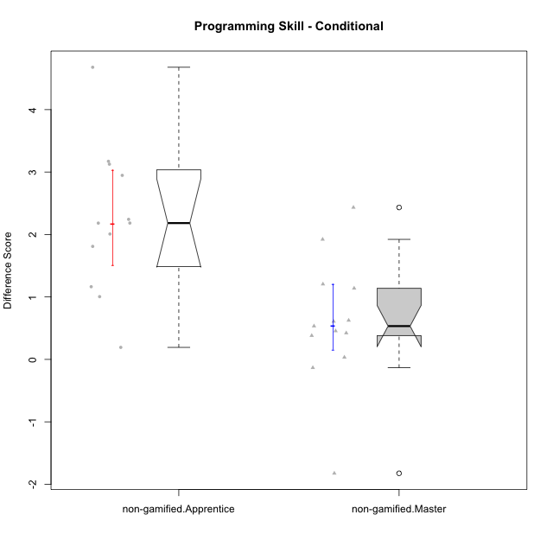

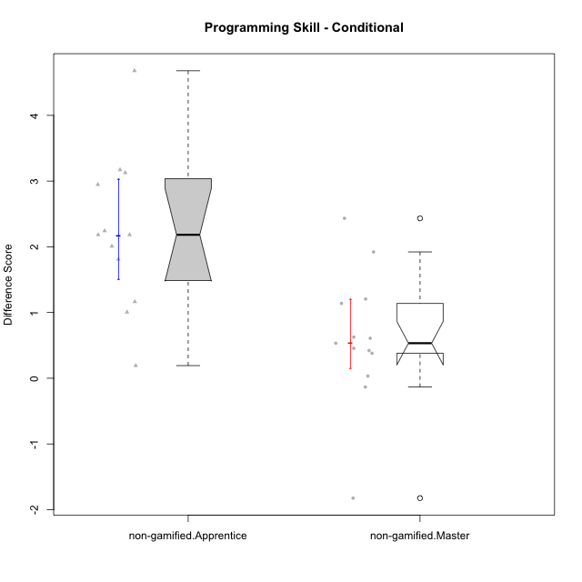

Wilcoxon data
UserID | NroUSP | Type | CLGroup | CLRole | PlayerRole | Re2 | Re1 | Un2 | Un1 | Ap2 | Ap3 | Ap1 | An3 | Ev2 | Ev1 | P1s0 | P1s1 | P1s2 | P1s3 | ReB | ReA | UnB | UnA | ApB | ApC | ApA | AnC | EvB | EvA | PAs0 | PAs1 | PAs2 | PAs3 | PBs0 | PBs1 | PBs2 | PBs3 | PreScore | PostScore | DiffScore
10171 | 698531 | non-gamified | Grupo Team 6 | Apprentice |  | 1 | 0.96666666667 | 0 | 0.61111111111 | 1 | 1 | 1 | 1 | 0 | 0.25 | 1 | 0.5 | 0.66666666667 | 0.5 | 1 | 1 | 1 | 1 | 1 | 1 | 1 | 1 | 1 | 1 | 1 | 0.5 | 0.66666666667 | 0.5 | 1 | 0.5 | 0.66666666667 | 0.5 | 6.8277777778 | 10 | 3.1722222222
10179 | 10310759 | non-gamified | Grupo Team 9 | Master |  | 1 | 1 | 0.5 | 0.94444444444 | 1 | 1 | 1 | 1 | 0 | 1 |  |  |  |  | 1 | 1 | 1 | 1 | 1 | 1 | 1 | 1 | 0.58333333333 | 1 |  |  |  |  |  |  |  |  | 8.4444444444 | 9.5833333333 | 1.1388888889
10181 | 10276866 | non-gamified | Grupo Team 10 | Master |  | 1 | 1 | 0.5 | 0.94444444444 | 1 | 0.5 | 1 | 1 | 0.4 | 1 |  |  |  |  | 0.975 | 1 | 1 | 1 | 0.66666666667 | 0.5 | 1 | 1 | 0.58333333333 | 1 | 0 | 0 | 0 | 0 | 0 | 0 | 0 | 0 | 8.3444444444 | 8.725 | 0.38055555556
10185 | 10276960 | non-gamified | Grupo Team 12 | Apprentice |  | 0.3 | 0.76666666667 | 0.66666666667 | 0.94444444444 | 1 | 0.375 | 1 | 0.4375 | 1 | 1 |  |  |  |  | 1 | 0.98333333333 | 0.75 | 1 | 1 | 1 | 1 | 1 | 1 | 1 |  |  |  |  |  |  |  |  | 7.4902777778 | 9.7333333333 | 2.2430555556
10187 | 9790781 | non-gamified | Grupo Team 15 | Apprentice |  | 0.55 | 0.95 | 0.5 | 0.94444444444 | 1 | 0.5 | 1 | 0.4375 | 0 | 1 | 1 | 1 | 1 | 1 | 0.775 | 0.91666666667 | 1 | 1 | 0.91666666667 | 0.5 | 1 | 1 | 0.58333333333 | 1 | 1 | 1 | 1 | 1 | 1 | 0.5 | 0.33333333333 | 0.25 | 6.8819444444 | 8.6916666667 | 1.8097222222
10188 | 10276995 | non-gamified | Grupo Team 3 | Master |  | 0.8 | 1 | 1 | 0.66666666667 | 1 | 1 | 1 | 1 | 1 | 1 | 1 | 1 | 1 | 0.75 | 1 | 1 | 1 | 1 | 1 | 1 | 1 | 1 | 1 | 1 | 1 | 1 | 1 | 1 | 0 | 0 | 0 | 0 | 9.4666666667 | 10 | 0.53333333333
10191 | 10276981 | non-gamified | Grupo Team 6 | Master |  | 0.8 | 1 | 1 | 0.94444444444 | 1 | 0.5 | 1 | 1 | 1 | 1 |  |  |  |  | 1 | 1 | 1 | 0.66666666667 | 1 | 1 | 1 | 1 | 1 | 1 |  |  |  |  |  |  |  |  | 9.2444444444 | 9.6666666667 | 0.42222222222
10192 | 10276682 | non-gamified | Grupo Team 5 | Apprentice |  | 0.95 | 1 | 0.5 | 0.94444444444 | 0 | 0.375 | 1 | 0.9375 | 0 | 0.66666666667 | 1 | 0.5 | 0.66666666667 | 0.5 | 1 | 1 | 1 | 1 | 1 | 0.5 | 1 | 1 | 1 | 1 | 1 | 0.5 | 0.33333333333 | 0.25 | 1 | 1 | 0.66666666667 | 0.75 | 6.3736111111 | 9.5 | 3.1263888889
10202 | 10277036 | non-gamified | Grupo Team 11 | Apprentice |  | 0.975 | 0.91666666667 | 0.5 | 0.94444444444 | 1 | 0.5 | 1 | 0.9375 | 0.5 | 0 | 1 | 0.5 | 0.33333333333 | 0.25 | 1 | 0.93333333333 | 1 | 0.66666666667 | 0.66666666667 | 0.5 | 1 | 0.92857142857 | 0.58333333333 | 1 |  |  |  |  |  |  |  |  | 7.2736111111 | 8.2785714286 | 1.0049603175
10203 | 9921470 | non-gamified | Grupo Team 3 | Apprentice |  | 0.75 | 0.51666666667 | 1 | 0.66666666667 | 0 | 0.5 | 1 |  | 0.4 | 1 | 0 | 0 | 0 | 0 | 0.575 | 0.5 | 0 | 1 | 0.83333333333 | 0.375 | 0.83333333333 | 0 | 0.16666666667 | 0.33333333333 | 1 | 0.5 | 0.66666666667 | 0.5 | 0 | 0 | 0 | 0 |  | 4.6166666667
10208 | 10276932 | non-gamified | Grupo Team 7 | Apprentice |  | 0.775 | 1 | 1 | 0.61111111111 | 0 | 0.5 | 1 | 1 | 0 | 0.66666666667 |  |  |  |  | 1 | 1 | 1 | 1 | 1 | 0.5 | 1 | 1 | 1 | 1 | 1 | 0.5 | 0.33333333333 | 0.25 | 1 | 0.5 | 0.66666666667 | 0.5 | 6.5527777778 | 9.5 | 2.9472222222
10210 | 10277015 | non-gamified | Grupo Team 9 | Apprentice |  | 0.975 | 0.8 | 0 | 0.61111111111 | 0 | 0.5 | 0.5 | 0.9375 | 1 | 1 | 1 | 0.5 | 0.33333333333 | 0.25 | 0.8 | 1 | 1 | 0.94444444444 | 0.75 | 0.5 | 1 | 0.92857142857 | 0.58333333333 | 1 |  |  |  |  |  |  |  |  | 6.3236111111 | 8.5063492063 | 2.1827380952
10212 | 9065750 | non-gamified | Grupo Team 4 | Master |  | 0.8 | 0.93333333333 | 0.5 | 1 | 1 | 1 | 1 | 1 | 1 | 1 |  |  |  |  | 0.6 | 1 | 1 | 1 | 1 | 0.5 | 1 | 1 | 1 | 1 |  |  |  |  |  |  |  |  | 9.2333333333 | 9.1 | -0.13333333333
10214 | 10277022 | non-gamified | Grupo Team 5 | Master |  | 1 | 0.8 | 0.5 | 0.66666666667 | 1 | 1 | 1 | 1 | 1 | 1 |  |  |  |  | 1 | 1 | 1 | 0.66666666667 | 0.66666666667 | 1 | 1 | 1 | 0.66666666667 | 1 | 1 | 0.5 | 0.33333333333 | 0.5 | 1 | 0.5 | 0.33333333333 | 0.25 | 8.9666666667 | 9 | 0.033333333333
10216 | 10276720 | non-gamified | Grupo Team 15 | Master |  | 1 | 0.93333333333 | 0.5 | 0.94444444444 | 1 | 0.5 | 1 | 1 | 0 | 1 |  |  |  |  | 1 | 0.8 | 1 | 1 | 1 | 1 | 1 | 1 | 1 | 1 | 1 | 1 | 1 | 1 | 1 | 1 | 1 | 1 | 7.8777777778 | 9.8 | 1.9222222222
10217 | 9805341 | non-gamified | Grupo Team 13 | Master |  | 0.4 | 1 | 0.5 | 0.66666666667 | 1 | 1 | 1 | 1 | 0 | 1 | 1 | 1 | 1 | 0.75 | 1 | 1 | 1 | 1 | 1 | 1 | 1 | 1 | 1 | 1 | 1 | 0.5 | 0.66666666667 | 0.5 | 1 | 1 | 1 | 1 | 7.5666666667 | 10 | 2.4333333333
10219 | 10276831 | non-gamified | Grupo Team 12 | Master |  | 1 | 1 | 0.5 | 0.33333333333 | 1 | 0.5 | 1 | 1 | 1 | 1 | 0 | 0 | 0 | 0 | 1 | 1 | 1 | 1 | 1 | 0.375 | 1 | 1 | 0.58333333333 | 1 |  |  |  |  |  |  |  |  | 8.3333333333 | 8.9583333333 | 0.625
10220 | 9760151 | non-gamified | Grupo Team 2 | Apprentice |  | 0.975 | 0.96666666667 | 0.5 | 0.94444444444 | 0 | 0.5 | 1 | 1 | 0.5 | 1 | 0 | 0 | 0 | 0 | 1 | 0.96666666667 | 0 | 1 | 1 | 1 | 1 | 1 | 0.58333333333 | 1 |  |  |  |  |  |  |  |  | 7.3861111111 | 8.55 | 1.1638888889
10222 | 9436110 | non-gamified | Grupo Team 16 | Master |  | 0.6 | 0.8 | 1 | 0.94444444444 | 0 | 0.375 | 1 | 1 | 0.4 | 1 |  |  |  |  | 0.575 | 1 | 1 | 1 | 1 | 0.5 | 1 | 1 | 0.25 | 1 |  |  |  |  |  |  |  |  | 7.1194444444 | 8.325 | 1.2055555556
10224 | 9368772 | non-gamified | Grupo Team 10 | Apprentice |  | 0.55 | 0.8 | 0.5 | 0.66666666667 | 0 | 0 | 0.5 | 1 | 0 | 0.66666666667 | 1 | 1 | 0.66666666667 | 0.75 | 0.55 | 0.88333333333 | 1 | 1 | 1 | 1 | 1 | 0.92857142857 | 1 | 1 | 1 | 1 | 0.66666666667 | 0.75 |  |  |  |  | 4.6833333333 | 9.3619047619 | 4.6785714286
10226 | 10310342 | non-gamified | Grupo Team 8 | Master |  | 0.55 | 0.98333333333 | 0.83333333333 | 0.94444444444 | 1 | 1 | 1 | 1 | 0.5 | 1 | 1 | 0.5 | 0.66666666667 | 0.5 | 1 | 0.93333333333 | 1 | 0.33333333333 | 1 | 1 | 1 | 1 | 1 | 1 |  |  |  |  |  |  |  |  | 8.8111111111 | 9.2666666667 | 0.45555555556
10227 | 9274382 | non-gamified | Grupo Team 4 | Apprentice |  | 0.775 | 0.18333333333 | 0.5 | 0.66666666667 | 1 | 0.375 | 1 | 0.875 | 0.5 | 0.25 | 1 | 0.5 | 0.33333333333 | 0.25 | 0.8 | 1 | 1 | 0.66666666667 | 1 | 1 | 1 | 1 | 0.66666666667 | 0 | 0 | 0 | 0 | 0 |  |  |  |  | 6.125 | 8.1333333333 | 2.0083333333
10230 | 10351992 | non-gamified | Grupo Team 14 | Master |  | 0.325 | 0.95 | 1 | 0.88888888889 | 0 | 1 | 1 | 1 | 1 | 0.66666666667 |  |  |  |  | 0.8 | 1 | 0.75 | 0.88888888889 | 0.91666666667 | 0.5 | 1 | 1 | 0.58333333333 | 1 |  |  |  |  |  |  |  |  | 7.8305555556 | 8.4388888889 | 0.60833333333
10233 | 9805320 | non-gamified | Grupo Team 16 | Apprentice |  | 0.775 | 1 | 0.5 | 0.66666666667 | 0 | 0 | 1 | 1 | 0.5 | 1 |  |  |  |  | 1 | 1 | 1 | 0.33333333333 | 0.91666666667 | 0.375 | 1 | 1 | 1 | 1 |  |  |  |  |  |  |  |  | 6.4416666667 | 8.625 | 2.1833333333
10234 | 10310676 | non-gamified | Grupo Team 7 | Master |  | 0.975 | 0.6 | 1 | 0.94444444444 | 1 | 0.5 | 1 | 1 | 1 | 0.66666666667 |  |  |  |  | 1 | 0.6 | 1 | 1 | 1 | 0.5 | 0.33333333333 | 0.42857142857 | 0.66666666667 | 0.33333333333 |  |  |  |  |  |  |  |  | 8.6861111111 | 6.8619047619 | -1.8242063492
10237 | 10377688 | non-gamified | Grupo Team 11 | Master |  | 0.975 | 1 | 0.5 | 1 | 1 | 1 | 1 |  | 0.5 | 1 | 1 | 1 | 0.66666666667 | 0.75 | 1 | 1 | 1 | 1 | 0.91666666667 | 1 | 1 | 0.42857142857 | 1 | 1 |  |  |  |  |  |  |  |  |  | 9.3452380952
10238 | 10276953 | non-gamified | Grupo Team 13 | Apprentice |  | 0.975 | 0.98333333333 | 0.66666666667 | 0.94444444444 | 1 | 0.5 | 1 | 1 | 0.4 | 1 |  |  |  |  | 1 | 0.9 | 0.75 | 1 | 1 | 0.5 | 1 | 0.92857142857 | 0.58333333333 | 1 |  |  |  |  |  |  |  |  | 8.4694444444 | 8.6619047619 | 0.19246031746

Type_CLRole_2
Wilcoxon Analysis for Programming Skill - Conditional in Type:CLRole between non-gamified.Apprentice:ont-gamified.Apprentice

Wilcoxon test results
Alternative hypothesis: less
Group | N | Median | Mean.Ranks | Sum.Ranks | U | Z | p.value | r
non-gamified.Apprentice | 13 |  | 14.769230769 | 192 | 86 | -0.19518001459 | 0.43334196203 | 0.036885555678
ont-gamified.Apprentice | 15 | 2.2138888889 | 14.266666667 | 214 | 86 | -0.19518001459 | 0.43334196203 | 0.036885555678
Alternative hypothesis: greater
Group | N | Median | Mean.Ranks | Sum.Ranks | U | Z | p.value | r
non-gamified.Apprentice | 13 |  | 14.769230769 | 192 | 86 | -0.19518001459 | 0.58545213779 | 0.036885555678
ont-gamified.Apprentice | 15 | 2.2138888889 | 14.266666667 | 214 | 86 | -0.19518001459 | 0.58545213779 | 0.036885555678
Alternative hypothesis: two.sided
Group | N | Median | Mean.Ranks | Sum.Ranks | U | Z | p.value | r
non-gamified.Apprentice | 13 |  | 14.769230769 | 192 | 86 | -0.19518001459 | 0.86668392405 | 0.036885555678
ont-gamified.Apprentice | 15 | 2.2138888889 | 14.266666667 | 214 | 86 | -0.19518001459 | 0.86668392405 | 0.036885555678

Box plots for wilcoxon tests
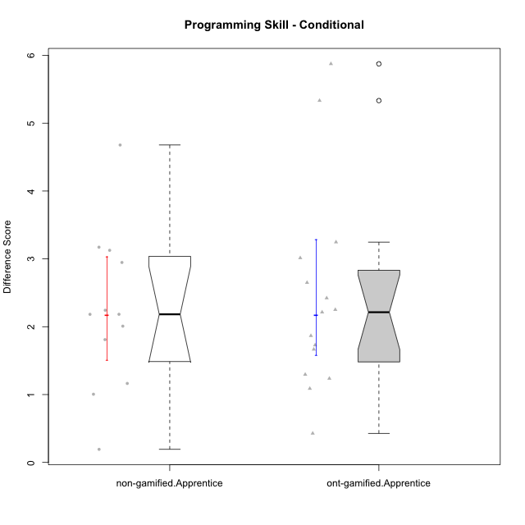

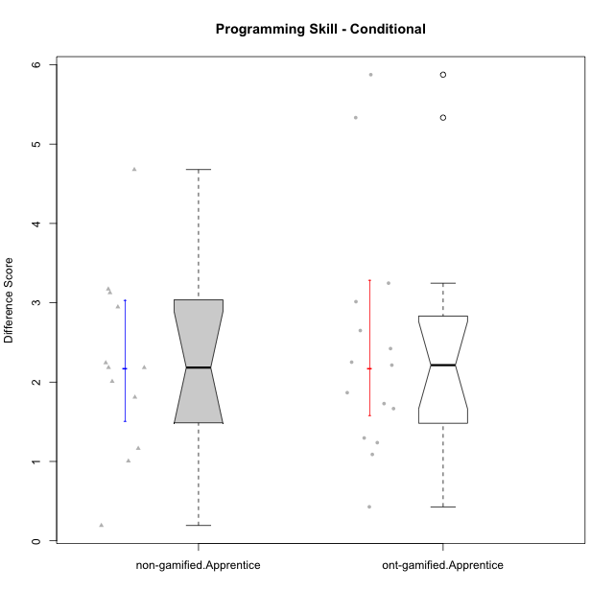

Wilcoxon data
UserID | NroUSP | Type | CLGroup | CLRole | PlayerRole | Re2 | Re1 | Un2 | Un1 | Ap2 | Ap3 | Ap1 | An3 | Ev2 | Ev1 | P1s0 | P1s1 | P1s2 | P1s3 | ReB | ReA | UnB | UnA | ApB | ApC | ApA | AnC | EvB | EvA | PAs0 | PAs1 | PAs2 | PAs3 | PBs0 | PBs1 | PBs2 | PBs3 | PreScore | PostScore | DiffScore
10170 | 10260351 | ont-gamified | Grupo Afrodite | Apprentice | Yee Achiever | 0.975 | 1 | 0.5 | 0.94444444444 | 0 | 0 | 0.5 | 0.9375 | 1 | 0.66666666667 |  |  |  |  | 0.775 | 1 | 1 | 1 | 0.91666666667 | 0.5 | 1 | 1 | 0.58333333333 | 1 |  |  |  |  |  |  |  |  | 6.5236111111 | 8.775 | 2.2513888889
10171 | 698531 | non-gamified | Grupo Team 6 | Apprentice |  | 1 | 0.96666666667 | 0 | 0.61111111111 | 1 | 1 | 1 | 1 | 0 | 0.25 | 1 | 0.5 | 0.66666666667 | 0.5 | 1 | 1 | 1 | 1 | 1 | 1 | 1 | 1 | 1 | 1 | 1 | 0.5 | 0.66666666667 | 0.5 | 1 | 0.5 | 0.66666666667 | 0.5 | 6.8277777778 | 10 | 3.1722222222
10176 | 10276949 | ont-gamified | Grupo Cronus | Apprentice | Yee Achiever | 1 | 1 | 0.5 | 0.66666666667 | 0 | 1 | 1 | 0.875 | 0.4 | 0.66666666667 | 1 | 0.5 | 0.33333333333 | 0.5 | 1 | 1 | 1 | 1 | 1 | 0.5 | 1 | 0.92857142857 | 0.58333333333 | 0.33333333333 | 1 | 1 | 0.66666666667 | 0.75 | 1 | 0.5 | 0.66666666667 | 0.5 | 7.1083333333 | 8.3452380952 | 1.2369047619
10178 | 8656201 | ont-gamified | Grupo Morfeu | Apprentice | Yee Socializer | 0.1 | 0.71666666667 | 0 | 0.66666666667 | 0 | 0 | 0.33333333333 | 0 | 1 | 0 | 1 | 0.5 | 0.33333333333 | 0.25 | 0.775 | 0.91666666667 | 1 | 1 | 0.91666666667 | 0.5 | 1 | 1 | 0.58333333333 | 1 | 1 | 1 | 1 | 1 | 1 | 1 | 0.66666666667 | 0.75 | 2.8166666667 | 8.6916666667 | 5.875
10183 | 10352030 | ont-gamified | Grupo Hélio | Apprentice | Yee Socializer | 0.775 | 0.98333333333 | 0.5 | 1 | 1 | 0.375 | 0.33333333333 | 0.9375 | 0.4 | 0 | 1 | 0.5 | 0.33333333333 | 0.25 | 1 | 1 | 0.75 | 1 | 0.75 | 0.375 | 1 | 0.92857142857 | 0.16666666667 | 1 | 1 | 1 | 0.66666666667 | 0.75 | 1 | 0.5 | 0.66666666667 | 0.5 | 6.3041666667 | 7.9702380952 | 1.6660714286
10185 | 10276960 | non-gamified | Grupo Team 12 | Apprentice |  | 0.3 | 0.76666666667 | 0.66666666667 | 0.94444444444 | 1 | 0.375 | 1 | 0.4375 | 1 | 1 |  |  |  |  | 1 | 0.98333333333 | 0.75 | 1 | 1 | 1 | 1 | 1 | 1 | 1 |  |  |  |  |  |  |  |  | 7.4902777778 | 9.7333333333 | 2.2430555556
10186 | 10310551 | ont-gamified | Grupo Ares | Apprentice | Yee Achiever | 1 | 0.96666666667 | 0.33333333333 | 0.94444444444 | 0 | 1 | 1 | 1 | 0 | 1 |  |  |  |  | 1 | 1 | 1 | 1 | 1 | 1 | 1 | 1 | 0.66666666667 | 1 |  |  |  |  |  |  |  |  | 7.2444444444 | 9.6666666667 | 2.4222222222
10187 | 9790781 | non-gamified | Grupo Team 15 | Apprentice |  | 0.55 | 0.95 | 0.5 | 0.94444444444 | 1 | 0.5 | 1 | 0.4375 | 0 | 1 | 1 | 1 | 1 | 1 | 0.775 | 0.91666666667 | 1 | 1 | 0.91666666667 | 0.5 | 1 | 1 | 0.58333333333 | 1 | 1 | 1 | 1 | 1 | 1 | 0.5 | 0.33333333333 | 0.25 | 6.8819444444 | 8.6916666667 | 1.8097222222
10190 | 10276907 | ont-gamified | Grupo Zeus | Apprentice | Yee Socializer | 0.725 | 0.9 | 0.5 | 0.66666666667 | 1 | 1 | 1 | 0.3125 | 0.5 | 0 |  |  |  |  | 1 | 0.9 | 0 | 1 | 1 | 1 | 1 | 1 | 0 | 1 | 1 | 0.5 | 0.66666666667 | 0.5 |  |  |  |  | 6.6041666667 | 7.9 | 1.2958333333
10192 | 10276682 | non-gamified | Grupo Team 5 | Apprentice |  | 0.95 | 1 | 0.5 | 0.94444444444 | 0 | 0.375 | 1 | 0.9375 | 0 | 0.66666666667 | 1 | 0.5 | 0.66666666667 | 0.5 | 1 | 1 | 1 | 1 | 1 | 0.5 | 1 | 1 | 1 | 1 | 1 | 0.5 | 0.33333333333 | 0.25 | 1 | 1 | 0.66666666667 | 0.75 | 6.3736111111 | 9.5 | 3.1263888889
10195 | 10351971 | ont-gamified | Grupo Urano | Apprentice | Yee Achiever | 0.975 | 1 | 0.5 | 0.94444444444 | 1 | 0.5 | 1 | 0.4375 | 0.4 | 1 |  |  |  |  | 1 | 1 | 1 | 1 | 0.91666666667 | 0.5 | 1 | 0.42857142857 | 1 | 1 | 1 | 0.5 | 0.33333333333 | 0.25 | 0 | 0 | 0 | 0 | 7.7569444444 | 8.8452380952 | 1.0882936508
10196 | 10310655 | ont-gamified | Grupo Hefesto | Apprentice | Yee Achiever | 0.775 | 0.78333333333 | 0.5 | 0.61111111111 | 0 | 0.5 | 1 | 1 | 0.5 | 0.66666666667 | 1 | 0.5 | 0.66666666667 | 0.5 | 1 | 1 | 1 | 1 | 1 | 1 | 1 | 1 | 0.58333333333 | 1 | 1 | 0.5 | 0.33333333333 | 0.25 | 1 | 0.5 | 0.33333333333 | 0.5 | 6.3361111111 | 9.5833333333 | 3.2472222222
10197 | 10276661 | ont-gamified | Grupo Gaia | Apprentice | Yee Achiever | 0.525 | 0.98333333333 | 0 | 0.94444444444 | 0 | 1 | 1 | 1 | 0.5 | 1 |  |  |  |  | 1 | 1 | 1 | 1 | 1 | 0.5 | 1 | 1 | 0.66666666667 | 1 | 1 | 0.5 | 0.33333333333 | 0.25 | 1 | 0.5 | 0.33333333333 | 0.25 | 6.9527777778 | 9.1666666667 | 2.2138888889
10198 | 10310888 | ont-gamified | Grupo Apolo | Apprentice | Yee Socializer | 0.525 | 0.93333333333 | 0.5 | 0.61111111111 | 0 | 0.375 | 1 | 0.375 | 0.5 | 0.66666666667 | 1 | 0.5 | 0.33333333333 | 0.25 | 1 | 1 | 0.75 | 0.66666666667 | 1 | 0.5 | 1 | 1 | 0.58333333333 | 1 | 1 | 0.5 | 0.33333333333 | 0.25 |  |  |  |  | 5.4861111111 | 8.5 | 3.0138888889
10200 | 9795272 | ont-gamified | Grupo Hades | Apprentice | Yee Socializer | 0.8 | 0.58333333333 | 0.5 | 1 | 0 | 0.5 | 1 | 0.9375 | 1 | 1 | 1 | 0.5 | 0.33333333333 | 0.25 | 0.8 | 1 | 1 | 1 | 1 | 1 | 1 | 1 | 0.25 | 1 | 1 | 0.5 | 0.33333333333 | 0.25 |  |  |  |  | 7.3208333333 | 9.05 | 1.7291666667
10202 | 10277036 | non-gamified | Grupo Team 11 | Apprentice |  | 0.975 | 0.91666666667 | 0.5 | 0.94444444444 | 1 | 0.5 | 1 | 0.9375 | 0.5 | 0 | 1 | 0.5 | 0.33333333333 | 0.25 | 1 | 0.93333333333 | 1 | 0.66666666667 | 0.66666666667 | 0.5 | 1 | 0.92857142857 | 0.58333333333 | 1 |  |  |  |  |  |  |  |  | 7.2736111111 | 8.2785714286 | 1.0049603175
10203 | 9921470 | non-gamified | Grupo Team 3 | Apprentice |  | 0.75 | 0.51666666667 | 1 | 0.66666666667 | 0 | 0.5 | 1 |  | 0.4 | 1 | 0 | 0 | 0 | 0 | 0.575 | 0.5 | 0 | 1 | 0.83333333333 | 0.375 | 0.83333333333 | 0 | 0.16666666667 | 0.33333333333 | 1 | 0.5 | 0.66666666667 | 0.5 | 0 | 0 | 0 | 0 |  | 4.6166666667
10208 | 10276932 | non-gamified | Grupo Team 7 | Apprentice |  | 0.775 | 1 | 1 | 0.61111111111 | 0 | 0.5 | 1 | 1 | 0 | 0.66666666667 |  |  |  |  | 1 | 1 | 1 | 1 | 1 | 0.5 | 1 | 1 | 1 | 1 | 1 | 0.5 | 0.33333333333 | 0.25 | 1 | 0.5 | 0.66666666667 | 0.5 | 6.5527777778 | 9.5 | 2.9472222222
10209 | 10262669 | ont-gamified | Grupo Artemis | Apprentice | Yee Achiever | 1 | 1 | 0.5 | 1 | 0 | 0.5 | 1 | 1 | 0 | 1 | 0 | 0 | 0 | 0 | 1 | 0.98333333333 | 1 | 0.66666666667 | 1 | 1 | 1 | 1 | 1 | 1 |  |  |  |  |  |  |  |  | 7 | 9.65 | 2.65
10210 | 10277015 | non-gamified | Grupo Team 9 | Apprentice |  | 0.975 | 0.8 | 0 | 0.61111111111 | 0 | 0.5 | 0.5 | 0.9375 | 1 | 1 | 1 | 0.5 | 0.33333333333 | 0.25 | 0.8 | 1 | 1 | 0.94444444444 | 0.75 | 0.5 | 1 | 0.92857142857 | 0.58333333333 | 1 |  |  |  |  |  |  |  |  | 6.3236111111 | 8.5063492063 | 2.1827380952
10220 | 9760151 | non-gamified | Grupo Team 2 | Apprentice |  | 0.975 | 0.96666666667 | 0.5 | 0.94444444444 | 0 | 0.5 | 1 | 1 | 0.5 | 1 | 0 | 0 | 0 | 0 | 1 | 0.96666666667 | 0 | 1 | 1 | 1 | 1 | 1 | 0.58333333333 | 1 |  |  |  |  |  |  |  |  | 7.3861111111 | 8.55 | 1.1638888889
10221 | 9082496 | ont-gamified | Grupo Hermes | Apprentice | Yee Achiever | 0.975 | 0.9 | 0.33333333333 | 0.66666666667 | 0 | 0.375 | 0.33333333333 | 0.875 | 1 | 0.66666666667 |  |  |  |  | 0.8 | 0.93333333333 | 0 | 0.27777777778 | 0.58333333333 | 0.375 | 1 | 1 | 0.58333333333 | 1 |  |  |  |  |  |  |  |  | 6.125 | 6.5527777778 | 0.42777777778
10224 | 9368772 | non-gamified | Grupo Team 10 | Apprentice |  | 0.55 | 0.8 | 0.5 | 0.66666666667 | 0 | 0 | 0.5 | 1 | 0 | 0.66666666667 | 1 | 1 | 0.66666666667 | 0.75 | 0.55 | 0.88333333333 | 1 | 1 | 1 | 1 | 1 | 0.92857142857 | 1 | 1 | 1 | 1 | 0.66666666667 | 0.75 |  |  |  |  | 4.6833333333 | 9.3619047619 | 4.6785714286
10227 | 9274382 | non-gamified | Grupo Team 4 | Apprentice |  | 0.775 | 0.18333333333 | 0.5 | 0.66666666667 | 1 | 0.375 | 1 | 0.875 | 0.5 | 0.25 | 1 | 0.5 | 0.33333333333 | 0.25 | 0.8 | 1 | 1 | 0.66666666667 | 1 | 1 | 1 | 1 | 0.66666666667 | 0 | 0 | 0 | 0 | 0 |  |  |  |  | 6.125 | 8.1333333333 | 2.0083333333
10231 | 10276911 | ont-gamified | Grupo Caronte | Apprentice | Yee Achiever | 1 | 0.96666666667 | 1 | 0.66666666667 | 1 | 0 | 1 | 1 | 0 | 1 |  |  |  |  | 1 | 1 | 1 | 1 | 1 | 0.5 | 1 | 1 | 1 | 1 | 1 | 1 | 1 | 1 | 1 | 0.5 | 0.33333333333 | 0.25 | 7.6333333333 | 9.5 | 1.8666666667
10233 | 9805320 | non-gamified | Grupo Team 16 | Apprentice |  | 0.775 | 1 | 0.5 | 0.66666666667 | 0 | 0 | 1 | 1 | 0.5 | 1 |  |  |  |  | 1 | 1 | 1 | 0.33333333333 | 0.91666666667 | 0.375 | 1 | 1 | 1 | 1 |  |  |  |  |  |  |  |  | 6.4416666667 | 8.625 | 2.1833333333
10238 | 10276953 | non-gamified | Grupo Team 13 | Apprentice |  | 0.975 | 0.98333333333 | 0.66666666667 | 0.94444444444 | 1 | 0.5 | 1 | 1 | 0.4 | 1 |  |  |  |  | 1 | 0.9 | 0.75 | 1 | 1 | 0.5 | 1 | 0.92857142857 | 0.58333333333 | 1 |  |  |  |  |  |  |  |  | 8.4694444444 | 8.6619047619 | 0.19246031746
10240 | 10276654 | ont-gamified | Grupo Hera | Apprentice | Yee Achiever | 0.8 | 0 | 0 | 0.33333333333 | 0 | 1 | 0 | 1 | 0 | 0 |  |  |  |  | 1 | 0.96666666667 | 0 | 1 | 0.91666666667 | 1 | 1 | 1 | 0.58333333333 | 1 | 1 | 0.5 | 0.33333333333 | 0.25 | 1 | 0.5 | 0.33333333333 | 0.25 | 3.1333333333 | 8.4666666667 | 5.3333333333

Type_CLRole_3
Wilcoxon Analysis for Programming Skill - Conditional in Type:CLRole between non-gamified.Apprentice:ont-gamified.Master

Wilcoxon test results
Alternative hypothesis: less
Group | N | Median | Mean.Ranks | Sum.Ranks | U | Z | p.value | r
non-gamified.Apprentice | 13 |  | 20.846153846 | 271 | 165 | 3.6596252736 | 0.99997095007 | 0.69160416897
ont-gamified.Master | 15 | 0.10138888889 | 9 | 135 | 165 | 3.6596252736 | 0.99997095007 | 0.69160416897
Alternative hypothesis: greater
Group | N | Median | Mean.Ranks | Sum.Ranks | U | Z | p.value | r
non-gamified.Apprentice | 13 |  | 20.846153846 | 271 | 165 | 3.6596252736 | 3.8944170052E-05 | 0.69160416897
ont-gamified.Master | 15 | 0.10138888889 | 9 | 135 | 165 | 3.6596252736 | 3.8944170052E-05 | 0.69160416897
Alternative hypothesis: two.sided
Group | N | Median | Mean.Ranks | Sum.Ranks | U | Z | p.value | r
non-gamified.Apprentice | 13 |  | 20.846153846 | 271 | 165 | 3.6596252736 | 7.7888340104E-05 | 0.69160416897
ont-gamified.Master | 15 | 0.10138888889 | 9 | 135 | 165 | 3.6596252736 | 7.7888340104E-05 | 0.69160416897

Box plots for wilcoxon tests
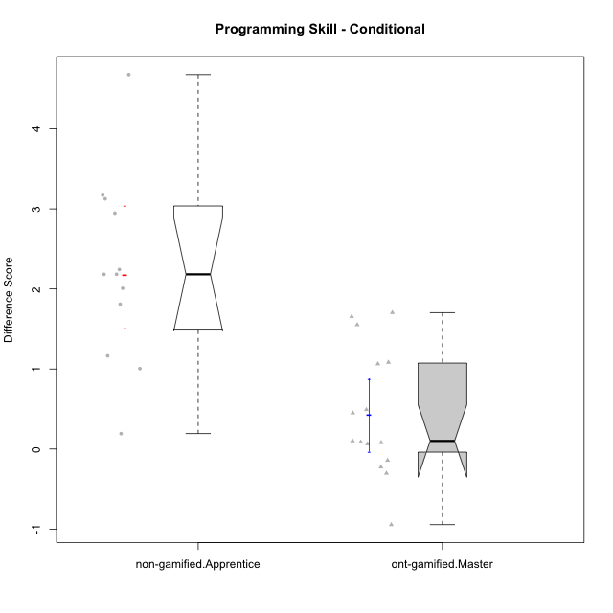

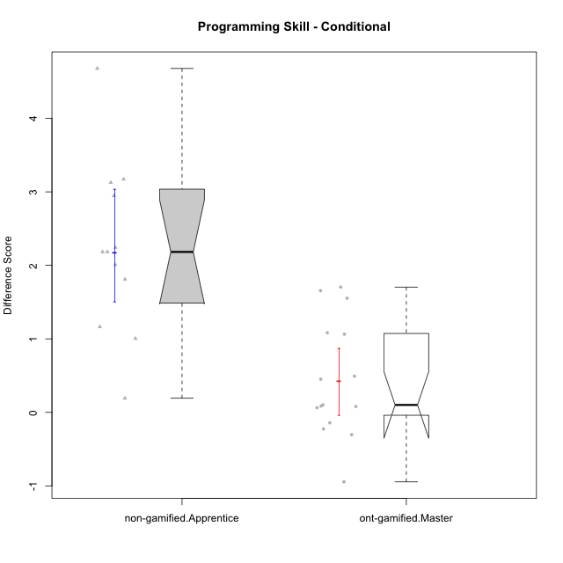

Wilcoxon data
UserID | NroUSP | Type | CLGroup | CLRole | PlayerRole | Re2 | Re1 | Un2 | Un1 | Ap2 | Ap3 | Ap1 | An3 | Ev2 | Ev1 | P1s0 | P1s1 | P1s2 | P1s3 | ReB | ReA | UnB | UnA | ApB | ApC | ApA | AnC | EvB | EvA | PAs0 | PAs1 | PAs2 | PAs3 | PBs0 | PBs1 | PBs2 | PBs3 | PreScore | PostScore | DiffScore
10169 | 10377538 | ont-gamified | Grupo Hefesto | Master | Yee Achiever | 1 | 1 | 0 | 0.94444444444 | 1 | 0.5 | 1 | 0.5 | 1 | 1 |  |  |  |  | 0.8 | 1 | 0.75 | 1 | 0.91666666667 | 0.375 | 1 | 0.5 | 0.66666666667 | 1 | 1 | 1 | 1 | 0.75 | 1 | 0.5 | 0.33333333333 | 0.25 | 7.9444444444 | 8.0083333333 | 0.063888888889
10171 | 698531 | non-gamified | Grupo Team 6 | Apprentice |  | 1 | 0.96666666667 | 0 | 0.61111111111 | 1 | 1 | 1 | 1 | 0 | 0.25 | 1 | 0.5 | 0.66666666667 | 0.5 | 1 | 1 | 1 | 1 | 1 | 1 | 1 | 1 | 1 | 1 | 1 | 0.5 | 0.66666666667 | 0.5 | 1 | 0.5 | 0.66666666667 | 0.5 | 6.8277777778 | 10 | 3.1722222222
10174 | 10276852 | ont-gamified | Grupo Urano | Master | Yee Achiever | 1 | 0.73333333333 | 0.5 | 0.94444444444 | 1 | 0.5 | 1 | 0.5 | 0.5 | 1 |  |  |  |  | 0.55 | 0.75 | 1 | 0.61111111111 | 0.91666666667 | 0.375 | 1 | 1 | 0.25 | 1 |  |  |  |  |  |  |  |  | 7.6777777778 | 7.4527777778 | -0.225
10175 | 10310700 | ont-gamified | Grupo Hélio | Master | Yee Socializer | 0.975 | 1 | 0.5 | 0.94444444444 | 1 | 1 | 1 | 1 | 1 | 1 |  |  |  |  | 1 | 1 | 1 | 1 | 1 | 0.5 | 1 | 1 | 1 | 1 | 1 | 1 | 0.66666666667 | 0.75 | 1 | 1 | 0.66666666667 | 0.75 | 9.4194444444 | 9.5 | 0.080555555556
10184 | 10276675 | ont-gamified | Grupo Apolo | Master | Yee Socializer | 1 | 1 | 0.16666666667 | 0.94444444444 | 1 | 0.5 | 1 | 0.9375 | 1 | 1 | 1 | 1 | 1 | 1 | 1 | 1 | 0 | 1 | 1 | 1 | 1 | 1 | 1 | 1 | 1 | 1 | 1 | 1 | 1 | 1 | 1 | 0.75 | 8.5486111111 | 9 | 0.45138888889
10185 | 10276960 | non-gamified | Grupo Team 12 | Apprentice |  | 0.3 | 0.76666666667 | 0.66666666667 | 0.94444444444 | 1 | 0.375 | 1 | 0.4375 | 1 | 1 |  |  |  |  | 1 | 0.98333333333 | 0.75 | 1 | 1 | 1 | 1 | 1 | 1 | 1 |  |  |  |  |  |  |  |  | 7.4902777778 | 9.7333333333 | 2.2430555556
10187 | 9790781 | non-gamified | Grupo Team 15 | Apprentice |  | 0.55 | 0.95 | 0.5 | 0.94444444444 | 1 | 0.5 | 1 | 0.4375 | 0 | 1 | 1 | 1 | 1 | 1 | 0.775 | 0.91666666667 | 1 | 1 | 0.91666666667 | 0.5 | 1 | 1 | 0.58333333333 | 1 | 1 | 1 | 1 | 1 | 1 | 0.5 | 0.33333333333 | 0.25 | 6.8819444444 | 8.6916666667 | 1.8097222222
10189 | 9363926 | ont-gamified | Grupo Hades | Master | Yee Socializer | 0.775 | 0.9 | 0.5 | 0.94444444444 | 1 | 1 | 1 | 0.9375 | 1 | 1 | 1 | 0.5 | 0.33333333333 | 0.25 | 1 | 0.93333333333 | 0 | 1 | 1 | 1 | 1 | 0.92857142857 | 0.25 | 1 | 1 | 1 | 0.66666666667 | 0.75 | 1 | 0.5 | 0.33333333333 | 0.25 | 9.0569444444 | 8.1119047619 | -0.94503968254
10192 | 10276682 | non-gamified | Grupo Team 5 | Apprentice |  | 0.95 | 1 | 0.5 | 0.94444444444 | 0 | 0.375 | 1 | 0.9375 | 0 | 0.66666666667 | 1 | 0.5 | 0.66666666667 | 0.5 | 1 | 1 | 1 | 1 | 1 | 0.5 | 1 | 1 | 1 | 1 | 1 | 0.5 | 0.33333333333 | 0.25 | 1 | 1 | 0.66666666667 | 0.75 | 6.3736111111 | 9.5 | 3.1263888889
10193 | 10276762 | ont-gamified | Grupo Afrodite | Master | Yee Achiever | 0.975 | 0.98333333333 | 1 | 0.94444444444 | 1 | 0.5 | 1 | 1 | 0 | 1 | 1 | 1 | 1 | 1 | 1 | 0.96666666667 | 0 | 1 | 1 | 1 | 1 | 0.92857142857 | 1 | 1 | 1 | 1 | 1 | 1 | 0 | 0 | 0 | 0 | 8.4027777778 | 8.8952380952 | 0.49246031746
10199 | 10276737 | ont-gamified | Grupo Gaia | Master | Yee Achiever | 0.975 | 1 | 0.5 | 0.66666666667 | 1 | 1 | 0.33333333333 | 1 | 0.5 | 1 |  |  |  |  | 1 | 0.8 | 1 | 0.66666666667 | 1 | 1 | 0.33333333333 | 0.92857142857 | 1 | 0.33333333333 | 1 | 0.5 | 0.66666666667 | 0.5 | 1 | 1 | 1 | 0.75 | 7.975 | 8.0619047619 | 0.086904761905
10201 | 10276928 | ont-gamified | Grupo Caronte | Master | Yee Achiever | 1 | 1 | 0.5 | 0.66666666667 | 0 | 1 | 1 | 1 | 1 | 1 | 1 | 1 | 1 | 1 | 1 | 1 | 0.75 | 1 | 1 | 0.5 | 1 | 1 | 1 | 1 | 1 | 0.5 | 0.33333333333 | 0.25 | 1 | 0.5 | 0.33333333333 | 0.25 | 8.1666666667 | 9.25 | 1.0833333333
10202 | 10277036 | non-gamified | Grupo Team 11 | Apprentice |  | 0.975 | 0.91666666667 | 0.5 | 0.94444444444 | 1 | 0.5 | 1 | 0.9375 | 0.5 | 0 | 1 | 0.5 | 0.33333333333 | 0.25 | 1 | 0.93333333333 | 1 | 0.66666666667 | 0.66666666667 | 0.5 | 1 | 0.92857142857 | 0.58333333333 | 1 |  |  |  |  |  |  |  |  | 7.2736111111 | 8.2785714286 | 1.0049603175
10203 | 9921470 | non-gamified | Grupo Team 3 | Apprentice |  | 0.75 | 0.51666666667 | 1 | 0.66666666667 | 0 | 0.5 | 1 |  | 0.4 | 1 | 0 | 0 | 0 | 0 | 0.575 | 0.5 | 0 | 1 | 0.83333333333 | 0.375 | 0.83333333333 | 0 | 0.16666666667 | 0.33333333333 | 1 | 0.5 | 0.66666666667 | 0.5 | 0 | 0 | 0 | 0 |  | 4.6166666667
10204 | 10310471 | ont-gamified | Grupo Hermes | Master | Yee Achiever | 0.975 | 1 | 1 | 0.94444444444 | 1 | 1 | 1 | 0.8125 | 1 | 1 |  |  |  |  | 1 | 1 | 1 | 1 | 1 | 0.5 | 1 | 0.92857142857 | 1 | 1 | 1 | 0.5 | 0.33333333333 | 0.25 | 0 | 0 | 0 | 0 | 9.7319444444 | 9.4285714286 | -0.30337301587
10206 | 10310721 | ont-gamified | Grupo Hera | Master | Yee Achiever | 1 | 1 | 0.5 | 0.66666666667 | 1 | 1 | 1 | 1 | 1 | 1 | 1 | 1 | 0.66666666667 | 0.75 | 1 | 0.98333333333 | 1 | 1 | 0.66666666667 | 0.375 | 1 | 1 | 1 | 1 | 1 | 1 | 1 | 1 | 1 | 1 | 1 | 1 | 9.1666666667 | 9.025 | -0.14166666667
10208 | 10276932 | non-gamified | Grupo Team 7 | Apprentice |  | 0.775 | 1 | 1 | 0.61111111111 | 0 | 0.5 | 1 | 1 | 0 | 0.66666666667 |  |  |  |  | 1 | 1 | 1 | 1 | 1 | 0.5 | 1 | 1 | 1 | 1 | 1 | 0.5 | 0.33333333333 | 0.25 | 1 | 0.5 | 0.66666666667 | 0.5 | 6.5527777778 | 9.5 | 2.9472222222
10210 | 10277015 | non-gamified | Grupo Team 9 | Apprentice |  | 0.975 | 0.8 | 0 | 0.61111111111 | 0 | 0.5 | 0.5 | 0.9375 | 1 | 1 | 1 | 0.5 | 0.33333333333 | 0.25 | 0.8 | 1 | 1 | 0.94444444444 | 0.75 | 0.5 | 1 | 0.92857142857 | 0.58333333333 | 1 |  |  |  |  |  |  |  |  | 6.3236111111 | 8.5063492063 | 2.1827380952
10213 | 10277040 | ont-gamified | Grupo Morfeu | Master | Yee Socializer | 0.375 | 0.8 | 1 | 0.94444444444 | 1 | 1 | 1 | 1 | 0.4 | 1 |  |  |  |  | 1 | 1 | 1 | 1 | 1 | 1 | 1 | 1 | 0.58333333333 | 1 | 1 | 0.5 | 0.66666666667 | 0.5 |  |  |  |  | 8.5194444444 | 9.5833333333 | 1.0638888889
10215 | 9285227 | ont-gamified | Grupo Zeus | Master | Yee Socializer | 0.975 | 1 | 0.5 | 0.66666666667 | 1 | 0.5 | 1 | 1 | 0.4 | 1 | 1 | 1 | 0.66666666667 | 0.75 | 1 | 1 | 1 | 0.66666666667 | 1 | 1 | 1 | 0.92857142857 | 1 | 1 | 1 | 0.5 | 0.33333333333 | 0.25 | 0 | 0 | 0 | 0 | 8.0416666667 | 9.5952380952 | 1.5535714286
10218 | 9842913 | ont-gamified | Grupo Ares | Master | Yee Achiever | 1 | 0.95 | 0 | 0.94444444444 | 1 | 0.5 | 1 | 1 | 0.5 | 1 | 1 | 1 | 1 | 1 | 0.8 | 1 | 1 | 1 | 0.75 | 1 | 1 | 1 | 1 | 1 | 1 | 1 | 1 | 0.75 |  |  |  |  | 7.8944444444 | 9.55 | 1.6555555556
10220 | 9760151 | non-gamified | Grupo Team 2 | Apprentice |  | 0.975 | 0.96666666667 | 0.5 | 0.94444444444 | 0 | 0.5 | 1 | 1 | 0.5 | 1 | 0 | 0 | 0 | 0 | 1 | 0.96666666667 | 0 | 1 | 1 | 1 | 1 | 1 | 0.58333333333 | 1 |  |  |  |  |  |  |  |  | 7.3861111111 | 8.55 | 1.1638888889
10223 | 9795185 | ont-gamified | Grupo Cronus | Master | Yee Achiever | 0.975 | 0.8 | 1 | 0.94444444444 | 1 | 0.5 | 1 | 0.9375 | 0 | 1 |  |  |  |  | 1 | 0.93333333333 | 1 | 1 | 1 | 1 | 1 | 0.92857142857 | 1 | 1 |  |  |  |  |  |  |  |  | 8.1569444444 | 9.8619047619 | 1.7049603175
10224 | 9368772 | non-gamified | Grupo Team 10 | Apprentice |  | 0.55 | 0.8 | 0.5 | 0.66666666667 | 0 | 0 | 0.5 | 1 | 0 | 0.66666666667 | 1 | 1 | 0.66666666667 | 0.75 | 0.55 | 0.88333333333 | 1 | 1 | 1 | 1 | 1 | 0.92857142857 | 1 | 1 | 1 | 1 | 0.66666666667 | 0.75 |  |  |  |  | 4.6833333333 | 9.3619047619 | 4.6785714286
10227 | 9274382 | non-gamified | Grupo Team 4 | Apprentice |  | 0.775 | 0.18333333333 | 0.5 | 0.66666666667 | 1 | 0.375 | 1 | 0.875 | 0.5 | 0.25 | 1 | 0.5 | 0.33333333333 | 0.25 | 0.8 | 1 | 1 | 0.66666666667 | 1 | 1 | 1 | 1 | 0.66666666667 | 0 | 0 | 0 | 0 | 0 |  |  |  |  | 6.125 | 8.1333333333 | 2.0083333333
10232 | 10276974 | ont-gamified | Grupo Artemis | Master | Yee Achiever | 0.6 | 1 | 0.5 | 0.94444444444 | 1 | 1 | 1 | 0.4375 | 1 | 1 |  |  |  |  | 1 | 1 | 1 | 1 | 1 | 0 | 1 | 1 | 0.58333333333 | 1 | 1 | 0.5 | 0.33333333333 | 0.5 |  |  |  |  | 8.4819444444 | 8.5833333333 | 0.10138888889
10233 | 9805320 | non-gamified | Grupo Team 16 | Apprentice |  | 0.775 | 1 | 0.5 | 0.66666666667 | 0 | 0 | 1 | 1 | 0.5 | 1 |  |  |  |  | 1 | 1 | 1 | 0.33333333333 | 0.91666666667 | 0.375 | 1 | 1 | 1 | 1 |  |  |  |  |  |  |  |  | 6.4416666667 | 8.625 | 2.1833333333
10238 | 10276953 | non-gamified | Grupo Team 13 | Apprentice |  | 0.975 | 0.98333333333 | 0.66666666667 | 0.94444444444 | 1 | 0.5 | 1 | 1 | 0.4 | 1 |  |  |  |  | 1 | 0.9 | 0.75 | 1 | 1 | 0.5 | 1 | 0.92857142857 | 0.58333333333 | 1 |  |  |  |  |  |  |  |  | 8.4694444444 | 8.6619047619 | 0.19246031746

Type_CLRole_4
Wilcoxon Analysis for Programming Skill - Conditional in Type:CLRole between non-gamified.Master:ont-gamified.Apprentice

Wilcoxon test results
Alternative hypothesis: less
Group | N | Median | Mean.Ranks | Sum.Ranks | U | Z | p.value | r
non-gamified.Master | 14 |  | 10.357142857 | 145 | 25 | -3.3397374379 | 0.00022418578415 | 0.62017367295
ont-gamified.Apprentice | 15 | 2.2138888889 | 19.333333333 | 290 | 25 | -3.3397374379 | 0.00022418578415 | 0.62017367295
Alternative hypothesis: greater
Group | N | Median | Mean.Ranks | Sum.Ranks | U | Z | p.value | r
non-gamified.Master | 14 |  | 10.357142857 | 145 | 25 | -3.3397374379 | 0.99982030951 | 0.62017367295
ont-gamified.Apprentice | 15 | 2.2138888889 | 19.333333333 | 290 | 25 | -3.3397374379 | 0.99982030951 | 0.62017367295
Alternative hypothesis: two.sided
Group | N | Median | Mean.Ranks | Sum.Ranks | U | Z | p.value | r
non-gamified.Master | 14 |  | 10.357142857 | 145 | 25 | -3.3397374379 | 0.00044837156831 | 0.62017367295
ont-gamified.Apprentice | 15 | 2.2138888889 | 19.333333333 | 290 | 25 | -3.3397374379 | 0.00044837156831 | 0.62017367295

Box plots for wilcoxon tests
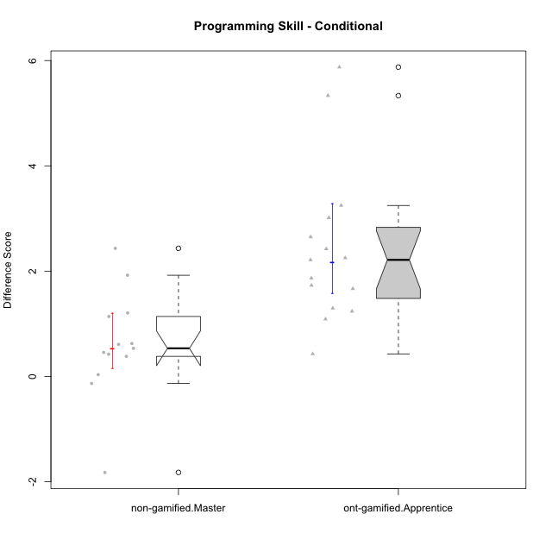

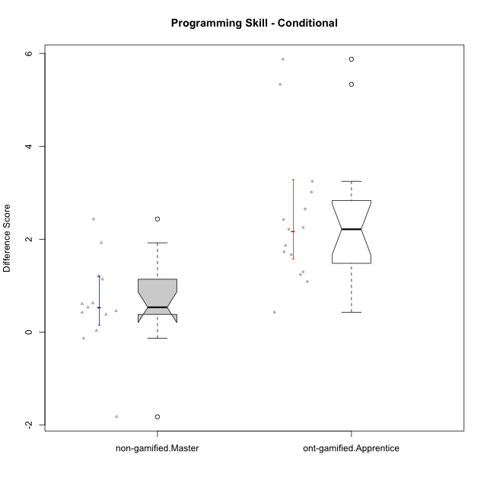

Wilcoxon data
UserID | NroUSP | Type | CLGroup | CLRole | PlayerRole | Re2 | Re1 | Un2 | Un1 | Ap2 | Ap3 | Ap1 | An3 | Ev2 | Ev1 | P1s0 | P1s1 | P1s2 | P1s3 | ReB | ReA | UnB | UnA | ApB | ApC | ApA | AnC | EvB | EvA | PAs0 | PAs1 | PAs2 | PAs3 | PBs0 | PBs1 | PBs2 | PBs3 | PreScore | PostScore | DiffScore
10170 | 10260351 | ont-gamified | Grupo Afrodite | Apprentice | Yee Achiever | 0.975 | 1 | 0.5 | 0.94444444444 | 0 | 0 | 0.5 | 0.9375 | 1 | 0.66666666667 |  |  |  |  | 0.775 | 1 | 1 | 1 | 0.91666666667 | 0.5 | 1 | 1 | 0.58333333333 | 1 |  |  |  |  |  |  |  |  | 6.5236111111 | 8.775 | 2.2513888889
10176 | 10276949 | ont-gamified | Grupo Cronus | Apprentice | Yee Achiever | 1 | 1 | 0.5 | 0.66666666667 | 0 | 1 | 1 | 0.875 | 0.4 | 0.66666666667 | 1 | 0.5 | 0.33333333333 | 0.5 | 1 | 1 | 1 | 1 | 1 | 0.5 | 1 | 0.92857142857 | 0.58333333333 | 0.33333333333 | 1 | 1 | 0.66666666667 | 0.75 | 1 | 0.5 | 0.66666666667 | 0.5 | 7.1083333333 | 8.3452380952 | 1.2369047619
10178 | 8656201 | ont-gamified | Grupo Morfeu | Apprentice | Yee Socializer | 0.1 | 0.71666666667 | 0 | 0.66666666667 | 0 | 0 | 0.33333333333 | 0 | 1 | 0 | 1 | 0.5 | 0.33333333333 | 0.25 | 0.775 | 0.91666666667 | 1 | 1 | 0.91666666667 | 0.5 | 1 | 1 | 0.58333333333 | 1 | 1 | 1 | 1 | 1 | 1 | 1 | 0.66666666667 | 0.75 | 2.8166666667 | 8.6916666667 | 5.875
10179 | 10310759 | non-gamified | Grupo Team 9 | Master |  | 1 | 1 | 0.5 | 0.94444444444 | 1 | 1 | 1 | 1 | 0 | 1 |  |  |  |  | 1 | 1 | 1 | 1 | 1 | 1 | 1 | 1 | 0.58333333333 | 1 |  |  |  |  |  |  |  |  | 8.4444444444 | 9.5833333333 | 1.1388888889
10181 | 10276866 | non-gamified | Grupo Team 10 | Master |  | 1 | 1 | 0.5 | 0.94444444444 | 1 | 0.5 | 1 | 1 | 0.4 | 1 |  |  |  |  | 0.975 | 1 | 1 | 1 | 0.66666666667 | 0.5 | 1 | 1 | 0.58333333333 | 1 | 0 | 0 | 0 | 0 | 0 | 0 | 0 | 0 | 8.3444444444 | 8.725 | 0.38055555556
10183 | 10352030 | ont-gamified | Grupo Hélio | Apprentice | Yee Socializer | 0.775 | 0.98333333333 | 0.5 | 1 | 1 | 0.375 | 0.33333333333 | 0.9375 | 0.4 | 0 | 1 | 0.5 | 0.33333333333 | 0.25 | 1 | 1 | 0.75 | 1 | 0.75 | 0.375 | 1 | 0.92857142857 | 0.16666666667 | 1 | 1 | 1 | 0.66666666667 | 0.75 | 1 | 0.5 | 0.66666666667 | 0.5 | 6.3041666667 | 7.9702380952 | 1.6660714286
10186 | 10310551 | ont-gamified | Grupo Ares | Apprentice | Yee Achiever | 1 | 0.96666666667 | 0.33333333333 | 0.94444444444 | 0 | 1 | 1 | 1 | 0 | 1 |  |  |  |  | 1 | 1 | 1 | 1 | 1 | 1 | 1 | 1 | 0.66666666667 | 1 |  |  |  |  |  |  |  |  | 7.2444444444 | 9.6666666667 | 2.4222222222
10188 | 10276995 | non-gamified | Grupo Team 3 | Master |  | 0.8 | 1 | 1 | 0.66666666667 | 1 | 1 | 1 | 1 | 1 | 1 | 1 | 1 | 1 | 0.75 | 1 | 1 | 1 | 1 | 1 | 1 | 1 | 1 | 1 | 1 | 1 | 1 | 1 | 1 | 0 | 0 | 0 | 0 | 9.4666666667 | 10 | 0.53333333333
10190 | 10276907 | ont-gamified | Grupo Zeus | Apprentice | Yee Socializer | 0.725 | 0.9 | 0.5 | 0.66666666667 | 1 | 1 | 1 | 0.3125 | 0.5 | 0 |  |  |  |  | 1 | 0.9 | 0 | 1 | 1 | 1 | 1 | 1 | 0 | 1 | 1 | 0.5 | 0.66666666667 | 0.5 |  |  |  |  | 6.6041666667 | 7.9 | 1.2958333333
10191 | 10276981 | non-gamified | Grupo Team 6 | Master |  | 0.8 | 1 | 1 | 0.94444444444 | 1 | 0.5 | 1 | 1 | 1 | 1 |  |  |  |  | 1 | 1 | 1 | 0.66666666667 | 1 | 1 | 1 | 1 | 1 | 1 |  |  |  |  |  |  |  |  | 9.2444444444 | 9.6666666667 | 0.42222222222
10195 | 10351971 | ont-gamified | Grupo Urano | Apprentice | Yee Achiever | 0.975 | 1 | 0.5 | 0.94444444444 | 1 | 0.5 | 1 | 0.4375 | 0.4 | 1 |  |  |  |  | 1 | 1 | 1 | 1 | 0.91666666667 | 0.5 | 1 | 0.42857142857 | 1 | 1 | 1 | 0.5 | 0.33333333333 | 0.25 | 0 | 0 | 0 | 0 | 7.7569444444 | 8.8452380952 | 1.0882936508
10196 | 10310655 | ont-gamified | Grupo Hefesto | Apprentice | Yee Achiever | 0.775 | 0.78333333333 | 0.5 | 0.61111111111 | 0 | 0.5 | 1 | 1 | 0.5 | 0.66666666667 | 1 | 0.5 | 0.66666666667 | 0.5 | 1 | 1 | 1 | 1 | 1 | 1 | 1 | 1 | 0.58333333333 | 1 | 1 | 0.5 | 0.33333333333 | 0.25 | 1 | 0.5 | 0.33333333333 | 0.5 | 6.3361111111 | 9.5833333333 | 3.2472222222
10197 | 10276661 | ont-gamified | Grupo Gaia | Apprentice | Yee Achiever | 0.525 | 0.98333333333 | 0 | 0.94444444444 | 0 | 1 | 1 | 1 | 0.5 | 1 |  |  |  |  | 1 | 1 | 1 | 1 | 1 | 0.5 | 1 | 1 | 0.66666666667 | 1 | 1 | 0.5 | 0.33333333333 | 0.25 | 1 | 0.5 | 0.33333333333 | 0.25 | 6.9527777778 | 9.1666666667 | 2.2138888889
10198 | 10310888 | ont-gamified | Grupo Apolo | Apprentice | Yee Socializer | 0.525 | 0.93333333333 | 0.5 | 0.61111111111 | 0 | 0.375 | 1 | 0.375 | 0.5 | 0.66666666667 | 1 | 0.5 | 0.33333333333 | 0.25 | 1 | 1 | 0.75 | 0.66666666667 | 1 | 0.5 | 1 | 1 | 0.58333333333 | 1 | 1 | 0.5 | 0.33333333333 | 0.25 |  |  |  |  | 5.4861111111 | 8.5 | 3.0138888889
10200 | 9795272 | ont-gamified | Grupo Hades | Apprentice | Yee Socializer | 0.8 | 0.58333333333 | 0.5 | 1 | 0 | 0.5 | 1 | 0.9375 | 1 | 1 | 1 | 0.5 | 0.33333333333 | 0.25 | 0.8 | 1 | 1 | 1 | 1 | 1 | 1 | 1 | 0.25 | 1 | 1 | 0.5 | 0.33333333333 | 0.25 |  |  |  |  | 7.3208333333 | 9.05 | 1.7291666667
10209 | 10262669 | ont-gamified | Grupo Artemis | Apprentice | Yee Achiever | 1 | 1 | 0.5 | 1 | 0 | 0.5 | 1 | 1 | 0 | 1 | 0 | 0 | 0 | 0 | 1 | 0.98333333333 | 1 | 0.66666666667 | 1 | 1 | 1 | 1 | 1 | 1 |  |  |  |  |  |  |  |  | 7 | 9.65 | 2.65
10212 | 9065750 | non-gamified | Grupo Team 4 | Master |  | 0.8 | 0.93333333333 | 0.5 | 1 | 1 | 1 | 1 | 1 | 1 | 1 |  |  |  |  | 0.6 | 1 | 1 | 1 | 1 | 0.5 | 1 | 1 | 1 | 1 |  |  |  |  |  |  |  |  | 9.2333333333 | 9.1 | -0.13333333333
10214 | 10277022 | non-gamified | Grupo Team 5 | Master |  | 1 | 0.8 | 0.5 | 0.66666666667 | 1 | 1 | 1 | 1 | 1 | 1 |  |  |  |  | 1 | 1 | 1 | 0.66666666667 | 0.66666666667 | 1 | 1 | 1 | 0.66666666667 | 1 | 1 | 0.5 | 0.33333333333 | 0.5 | 1 | 0.5 | 0.33333333333 | 0.25 | 8.9666666667 | 9 | 0.033333333333
10216 | 10276720 | non-gamified | Grupo Team 15 | Master |  | 1 | 0.93333333333 | 0.5 | 0.94444444444 | 1 | 0.5 | 1 | 1 | 0 | 1 |  |  |  |  | 1 | 0.8 | 1 | 1 | 1 | 1 | 1 | 1 | 1 | 1 | 1 | 1 | 1 | 1 | 1 | 1 | 1 | 1 | 7.8777777778 | 9.8 | 1.9222222222
10217 | 9805341 | non-gamified | Grupo Team 13 | Master |  | 0.4 | 1 | 0.5 | 0.66666666667 | 1 | 1 | 1 | 1 | 0 | 1 | 1 | 1 | 1 | 0.75 | 1 | 1 | 1 | 1 | 1 | 1 | 1 | 1 | 1 | 1 | 1 | 0.5 | 0.66666666667 | 0.5 | 1 | 1 | 1 | 1 | 7.5666666667 | 10 | 2.4333333333
10219 | 10276831 | non-gamified | Grupo Team 12 | Master |  | 1 | 1 | 0.5 | 0.33333333333 | 1 | 0.5 | 1 | 1 | 1 | 1 | 0 | 0 | 0 | 0 | 1 | 1 | 1 | 1 | 1 | 0.375 | 1 | 1 | 0.58333333333 | 1 |  |  |  |  |  |  |  |  | 8.3333333333 | 8.9583333333 | 0.625
10221 | 9082496 | ont-gamified | Grupo Hermes | Apprentice | Yee Achiever | 0.975 | 0.9 | 0.33333333333 | 0.66666666667 | 0 | 0.375 | 0.33333333333 | 0.875 | 1 | 0.66666666667 |  |  |  |  | 0.8 | 0.93333333333 | 0 | 0.27777777778 | 0.58333333333 | 0.375 | 1 | 1 | 0.58333333333 | 1 |  |  |  |  |  |  |  |  | 6.125 | 6.5527777778 | 0.42777777778
10222 | 9436110 | non-gamified | Grupo Team 16 | Master |  | 0.6 | 0.8 | 1 | 0.94444444444 | 0 | 0.375 | 1 | 1 | 0.4 | 1 |  |  |  |  | 0.575 | 1 | 1 | 1 | 1 | 0.5 | 1 | 1 | 0.25 | 1 |  |  |  |  |  |  |  |  | 7.1194444444 | 8.325 | 1.2055555556
10226 | 10310342 | non-gamified | Grupo Team 8 | Master |  | 0.55 | 0.98333333333 | 0.83333333333 | 0.94444444444 | 1 | 1 | 1 | 1 | 0.5 | 1 | 1 | 0.5 | 0.66666666667 | 0.5 | 1 | 0.93333333333 | 1 | 0.33333333333 | 1 | 1 | 1 | 1 | 1 | 1 |  |  |  |  |  |  |  |  | 8.8111111111 | 9.2666666667 | 0.45555555556
10230 | 10351992 | non-gamified | Grupo Team 14 | Master |  | 0.325 | 0.95 | 1 | 0.88888888889 | 0 | 1 | 1 | 1 | 1 | 0.66666666667 |  |  |  |  | 0.8 | 1 | 0.75 | 0.88888888889 | 0.91666666667 | 0.5 | 1 | 1 | 0.58333333333 | 1 |  |  |  |  |  |  |  |  | 7.8305555556 | 8.4388888889 | 0.60833333333
10231 | 10276911 | ont-gamified | Grupo Caronte | Apprentice | Yee Achiever | 1 | 0.96666666667 | 1 | 0.66666666667 | 1 | 0 | 1 | 1 | 0 | 1 |  |  |  |  | 1 | 1 | 1 | 1 | 1 | 0.5 | 1 | 1 | 1 | 1 | 1 | 1 | 1 | 1 | 1 | 0.5 | 0.33333333333 | 0.25 | 7.6333333333 | 9.5 | 1.8666666667
10234 | 10310676 | non-gamified | Grupo Team 7 | Master |  | 0.975 | 0.6 | 1 | 0.94444444444 | 1 | 0.5 | 1 | 1 | 1 | 0.66666666667 |  |  |  |  | 1 | 0.6 | 1 | 1 | 1 | 0.5 | 0.33333333333 | 0.42857142857 | 0.66666666667 | 0.33333333333 |  |  |  |  |  |  |  |  | 8.6861111111 | 6.8619047619 | -1.8242063492
10237 | 10377688 | non-gamified | Grupo Team 11 | Master |  | 0.975 | 1 | 0.5 | 1 | 1 | 1 | 1 |  | 0.5 | 1 | 1 | 1 | 0.66666666667 | 0.75 | 1 | 1 | 1 | 1 | 0.91666666667 | 1 | 1 | 0.42857142857 | 1 | 1 |  |  |  |  |  |  |  |  |  | 9.3452380952
10240 | 10276654 | ont-gamified | Grupo Hera | Apprentice | Yee Achiever | 0.8 | 0 | 0 | 0.33333333333 | 0 | 1 | 0 | 1 | 0 | 0 |  |  |  |  | 1 | 0.96666666667 | 0 | 1 | 0.91666666667 | 1 | 1 | 1 | 0.58333333333 | 1 | 1 | 0.5 | 0.33333333333 | 0.25 | 1 | 0.5 | 0.33333333333 | 0.25 | 3.1333333333 | 8.4666666667 | 5.3333333333

Type_CLRole_5
Wilcoxon Analysis for Programming Skill - Conditional in Type:CLRole between non-gamified.Master:ont-gamified.Master

Wilcoxon test results
Alternative hypothesis: less
Group | N | Median | Mean.Ranks | Sum.Ranks | U | Z | p.value | r
non-gamified.Master | 14 |  | 16.928571429 | 237 | 117 | 0.89827420742 | 0.8186638805 | 0.16680533272
ont-gamified.Master | 15 | 0.10138888889 | 13.2 | 198 | 117 | 0.89827420742 | 0.8186638805 | 0.16680533272
Alternative hypothesis: greater
Group | N | Median | Mean.Ranks | Sum.Ranks | U | Z | p.value | r
non-gamified.Master | 14 |  | 16.928571429 | 237 | 117 | 0.89827420742 | 0.1936883182 | 0.16680533272
ont-gamified.Master | 15 | 0.10138888889 | 13.2 | 198 | 117 | 0.89827420742 | 0.1936883182 | 0.16680533272
Alternative hypothesis: two.sided
Group | N | Median | Mean.Ranks | Sum.Ranks | U | Z | p.value | r
non-gamified.Master | 14 |  | 16.928571429 | 237 | 117 | 0.89827420742 | 0.38737663639 | 0.16680533272
ont-gamified.Master | 15 | 0.10138888889 | 13.2 | 198 | 117 | 0.89827420742 | 0.38737663639 | 0.16680533272

Box plots for wilcoxon tests
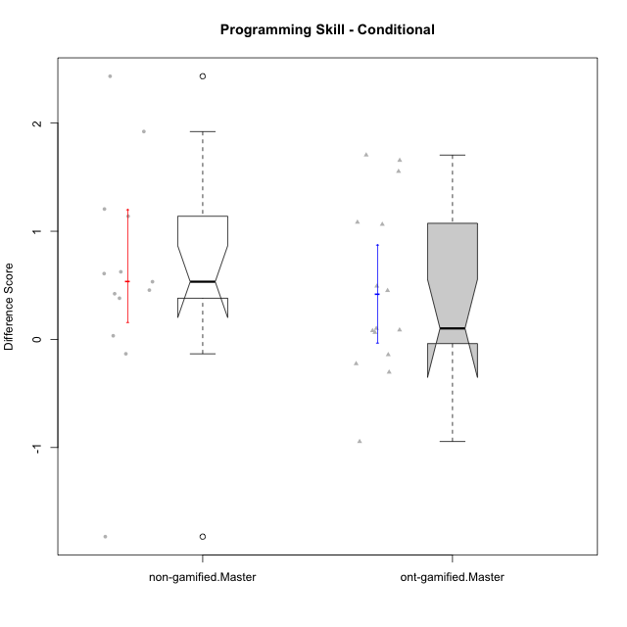

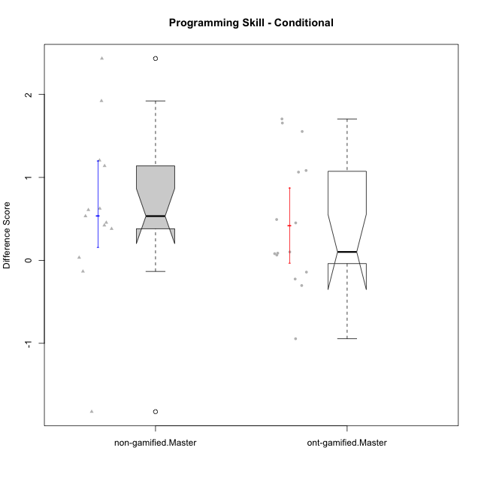

Wilcoxon data
UserID | NroUSP | Type | CLGroup | CLRole | PlayerRole | Re2 | Re1 | Un2 | Un1 | Ap2 | Ap3 | Ap1 | An3 | Ev2 | Ev1 | P1s0 | P1s1 | P1s2 | P1s3 | ReB | ReA | UnB | UnA | ApB | ApC | ApA | AnC | EvB | EvA | PAs0 | PAs1 | PAs2 | PAs3 | PBs0 | PBs1 | PBs2 | PBs3 | PreScore | PostScore | DiffScore
10169 | 10377538 | ont-gamified | Grupo Hefesto | Master | Yee Achiever | 1 | 1 | 0 | 0.94444444444 | 1 | 0.5 | 1 | 0.5 | 1 | 1 |  |  |  |  | 0.8 | 1 | 0.75 | 1 | 0.91666666667 | 0.375 | 1 | 0.5 | 0.66666666667 | 1 | 1 | 1 | 1 | 0.75 | 1 | 0.5 | 0.33333333333 | 0.25 | 7.9444444444 | 8.0083333333 | 0.063888888889
10174 | 10276852 | ont-gamified | Grupo Urano | Master | Yee Achiever | 1 | 0.73333333333 | 0.5 | 0.94444444444 | 1 | 0.5 | 1 | 0.5 | 0.5 | 1 |  |  |  |  | 0.55 | 0.75 | 1 | 0.61111111111 | 0.91666666667 | 0.375 | 1 | 1 | 0.25 | 1 |  |  |  |  |  |  |  |  | 7.6777777778 | 7.4527777778 | -0.225
10175 | 10310700 | ont-gamified | Grupo Hélio | Master | Yee Socializer | 0.975 | 1 | 0.5 | 0.94444444444 | 1 | 1 | 1 | 1 | 1 | 1 |  |  |  |  | 1 | 1 | 1 | 1 | 1 | 0.5 | 1 | 1 | 1 | 1 | 1 | 1 | 0.66666666667 | 0.75 | 1 | 1 | 0.66666666667 | 0.75 | 9.4194444444 | 9.5 | 0.080555555556
10179 | 10310759 | non-gamified | Grupo Team 9 | Master |  | 1 | 1 | 0.5 | 0.94444444444 | 1 | 1 | 1 | 1 | 0 | 1 |  |  |  |  | 1 | 1 | 1 | 1 | 1 | 1 | 1 | 1 | 0.58333333333 | 1 |  |  |  |  |  |  |  |  | 8.4444444444 | 9.5833333333 | 1.1388888889
10181 | 10276866 | non-gamified | Grupo Team 10 | Master |  | 1 | 1 | 0.5 | 0.94444444444 | 1 | 0.5 | 1 | 1 | 0.4 | 1 |  |  |  |  | 0.975 | 1 | 1 | 1 | 0.66666666667 | 0.5 | 1 | 1 | 0.58333333333 | 1 | 0 | 0 | 0 | 0 | 0 | 0 | 0 | 0 | 8.3444444444 | 8.725 | 0.38055555556
10184 | 10276675 | ont-gamified | Grupo Apolo | Master | Yee Socializer | 1 | 1 | 0.16666666667 | 0.94444444444 | 1 | 0.5 | 1 | 0.9375 | 1 | 1 | 1 | 1 | 1 | 1 | 1 | 1 | 0 | 1 | 1 | 1 | 1 | 1 | 1 | 1 | 1 | 1 | 1 | 1 | 1 | 1 | 1 | 0.75 | 8.5486111111 | 9 | 0.45138888889
10188 | 10276995 | non-gamified | Grupo Team 3 | Master |  | 0.8 | 1 | 1 | 0.66666666667 | 1 | 1 | 1 | 1 | 1 | 1 | 1 | 1 | 1 | 0.75 | 1 | 1 | 1 | 1 | 1 | 1 | 1 | 1 | 1 | 1 | 1 | 1 | 1 | 1 | 0 | 0 | 0 | 0 | 9.4666666667 | 10 | 0.53333333333
10189 | 9363926 | ont-gamified | Grupo Hades | Master | Yee Socializer | 0.775 | 0.9 | 0.5 | 0.94444444444 | 1 | 1 | 1 | 0.9375 | 1 | 1 | 1 | 0.5 | 0.33333333333 | 0.25 | 1 | 0.93333333333 | 0 | 1 | 1 | 1 | 1 | 0.92857142857 | 0.25 | 1 | 1 | 1 | 0.66666666667 | 0.75 | 1 | 0.5 | 0.33333333333 | 0.25 | 9.0569444444 | 8.1119047619 | -0.94503968254
10191 | 10276981 | non-gamified | Grupo Team 6 | Master |  | 0.8 | 1 | 1 | 0.94444444444 | 1 | 0.5 | 1 | 1 | 1 | 1 |  |  |  |  | 1 | 1 | 1 | 0.66666666667 | 1 | 1 | 1 | 1 | 1 | 1 |  |  |  |  |  |  |  |  | 9.2444444444 | 9.6666666667 | 0.42222222222
10193 | 10276762 | ont-gamified | Grupo Afrodite | Master | Yee Achiever | 0.975 | 0.98333333333 | 1 | 0.94444444444 | 1 | 0.5 | 1 | 1 | 0 | 1 | 1 | 1 | 1 | 1 | 1 | 0.96666666667 | 0 | 1 | 1 | 1 | 1 | 0.92857142857 | 1 | 1 | 1 | 1 | 1 | 1 | 0 | 0 | 0 | 0 | 8.4027777778 | 8.8952380952 | 0.49246031746
10199 | 10276737 | ont-gamified | Grupo Gaia | Master | Yee Achiever | 0.975 | 1 | 0.5 | 0.66666666667 | 1 | 1 | 0.33333333333 | 1 | 0.5 | 1 |  |  |  |  | 1 | 0.8 | 1 | 0.66666666667 | 1 | 1 | 0.33333333333 | 0.92857142857 | 1 | 0.33333333333 | 1 | 0.5 | 0.66666666667 | 0.5 | 1 | 1 | 1 | 0.75 | 7.975 | 8.0619047619 | 0.086904761905
10201 | 10276928 | ont-gamified | Grupo Caronte | Master | Yee Achiever | 1 | 1 | 0.5 | 0.66666666667 | 0 | 1 | 1 | 1 | 1 | 1 | 1 | 1 | 1 | 1 | 1 | 1 | 0.75 | 1 | 1 | 0.5 | 1 | 1 | 1 | 1 | 1 | 0.5 | 0.33333333333 | 0.25 | 1 | 0.5 | 0.33333333333 | 0.25 | 8.1666666667 | 9.25 | 1.0833333333
10204 | 10310471 | ont-gamified | Grupo Hermes | Master | Yee Achiever | 0.975 | 1 | 1 | 0.94444444444 | 1 | 1 | 1 | 0.8125 | 1 | 1 |  |  |  |  | 1 | 1 | 1 | 1 | 1 | 0.5 | 1 | 0.92857142857 | 1 | 1 | 1 | 0.5 | 0.33333333333 | 0.25 | 0 | 0 | 0 | 0 | 9.7319444444 | 9.4285714286 | -0.30337301587
10206 | 10310721 | ont-gamified | Grupo Hera | Master | Yee Achiever | 1 | 1 | 0.5 | 0.66666666667 | 1 | 1 | 1 | 1 | 1 | 1 | 1 | 1 | 0.66666666667 | 0.75 | 1 | 0.98333333333 | 1 | 1 | 0.66666666667 | 0.375 | 1 | 1 | 1 | 1 | 1 | 1 | 1 | 1 | 1 | 1 | 1 | 1 | 9.1666666667 | 9.025 | -0.14166666667
10212 | 9065750 | non-gamified | Grupo Team 4 | Master |  | 0.8 | 0.93333333333 | 0.5 | 1 | 1 | 1 | 1 | 1 | 1 | 1 |  |  |  |  | 0.6 | 1 | 1 | 1 | 1 | 0.5 | 1 | 1 | 1 | 1 |  |  |  |  |  |  |  |  | 9.2333333333 | 9.1 | -0.13333333333
10213 | 10277040 | ont-gamified | Grupo Morfeu | Master | Yee Socializer | 0.375 | 0.8 | 1 | 0.94444444444 | 1 | 1 | 1 | 1 | 0.4 | 1 |  |  |  |  | 1 | 1 | 1 | 1 | 1 | 1 | 1 | 1 | 0.58333333333 | 1 | 1 | 0.5 | 0.66666666667 | 0.5 |  |  |  |  | 8.5194444444 | 9.5833333333 | 1.0638888889
10214 | 10277022 | non-gamified | Grupo Team 5 | Master |  | 1 | 0.8 | 0.5 | 0.66666666667 | 1 | 1 | 1 | 1 | 1 | 1 |  |  |  |  | 1 | 1 | 1 | 0.66666666667 | 0.66666666667 | 1 | 1 | 1 | 0.66666666667 | 1 | 1 | 0.5 | 0.33333333333 | 0.5 | 1 | 0.5 | 0.33333333333 | 0.25 | 8.9666666667 | 9 | 0.033333333333
10215 | 9285227 | ont-gamified | Grupo Zeus | Master | Yee Socializer | 0.975 | 1 | 0.5 | 0.66666666667 | 1 | 0.5 | 1 | 1 | 0.4 | 1 | 1 | 1 | 0.66666666667 | 0.75 | 1 | 1 | 1 | 0.66666666667 | 1 | 1 | 1 | 0.92857142857 | 1 | 1 | 1 | 0.5 | 0.33333333333 | 0.25 | 0 | 0 | 0 | 0 | 8.0416666667 | 9.5952380952 | 1.5535714286
10216 | 10276720 | non-gamified | Grupo Team 15 | Master |  | 1 | 0.93333333333 | 0.5 | 0.94444444444 | 1 | 0.5 | 1 | 1 | 0 | 1 |  |  |  |  | 1 | 0.8 | 1 | 1 | 1 | 1 | 1 | 1 | 1 | 1 | 1 | 1 | 1 | 1 | 1 | 1 | 1 | 1 | 7.8777777778 | 9.8 | 1.9222222222
10217 | 9805341 | non-gamified | Grupo Team 13 | Master |  | 0.4 | 1 | 0.5 | 0.66666666667 | 1 | 1 | 1 | 1 | 0 | 1 | 1 | 1 | 1 | 0.75 | 1 | 1 | 1 | 1 | 1 | 1 | 1 | 1 | 1 | 1 | 1 | 0.5 | 0.66666666667 | 0.5 | 1 | 1 | 1 | 1 | 7.5666666667 | 10 | 2.4333333333
10218 | 9842913 | ont-gamified | Grupo Ares | Master | Yee Achiever | 1 | 0.95 | 0 | 0.94444444444 | 1 | 0.5 | 1 | 1 | 0.5 | 1 | 1 | 1 | 1 | 1 | 0.8 | 1 | 1 | 1 | 0.75 | 1 | 1 | 1 | 1 | 1 | 1 | 1 | 1 | 0.75 |  |  |  |  | 7.8944444444 | 9.55 | 1.6555555556
10219 | 10276831 | non-gamified | Grupo Team 12 | Master |  | 1 | 1 | 0.5 | 0.33333333333 | 1 | 0.5 | 1 | 1 | 1 | 1 | 0 | 0 | 0 | 0 | 1 | 1 | 1 | 1 | 1 | 0.375 | 1 | 1 | 0.58333333333 | 1 |  |  |  |  |  |  |  |  | 8.3333333333 | 8.9583333333 | 0.625
10222 | 9436110 | non-gamified | Grupo Team 16 | Master |  | 0.6 | 0.8 | 1 | 0.94444444444 | 0 | 0.375 | 1 | 1 | 0.4 | 1 |  |  |  |  | 0.575 | 1 | 1 | 1 | 1 | 0.5 | 1 | 1 | 0.25 | 1 |  |  |  |  |  |  |  |  | 7.1194444444 | 8.325 | 1.2055555556
10223 | 9795185 | ont-gamified | Grupo Cronus | Master | Yee Achiever | 0.975 | 0.8 | 1 | 0.94444444444 | 1 | 0.5 | 1 | 0.9375 | 0 | 1 |  |  |  |  | 1 | 0.93333333333 | 1 | 1 | 1 | 1 | 1 | 0.92857142857 | 1 | 1 |  |  |  |  |  |  |  |  | 8.1569444444 | 9.8619047619 | 1.7049603175
10226 | 10310342 | non-gamified | Grupo Team 8 | Master |  | 0.55 | 0.98333333333 | 0.83333333333 | 0.94444444444 | 1 | 1 | 1 | 1 | 0.5 | 1 | 1 | 0.5 | 0.66666666667 | 0.5 | 1 | 0.93333333333 | 1 | 0.33333333333 | 1 | 1 | 1 | 1 | 1 | 1 |  |  |  |  |  |  |  |  | 8.8111111111 | 9.2666666667 | 0.45555555556
10230 | 10351992 | non-gamified | Grupo Team 14 | Master |  | 0.325 | 0.95 | 1 | 0.88888888889 | 0 | 1 | 1 | 1 | 1 | 0.66666666667 |  |  |  |  | 0.8 | 1 | 0.75 | 0.88888888889 | 0.91666666667 | 0.5 | 1 | 1 | 0.58333333333 | 1 |  |  |  |  |  |  |  |  | 7.8305555556 | 8.4388888889 | 0.60833333333
10232 | 10276974 | ont-gamified | Grupo Artemis | Master | Yee Achiever | 0.6 | 1 | 0.5 | 0.94444444444 | 1 | 1 | 1 | 0.4375 | 1 | 1 |  |  |  |  | 1 | 1 | 1 | 1 | 1 | 0 | 1 | 1 | 0.58333333333 | 1 | 1 | 0.5 | 0.33333333333 | 0.5 |  |  |  |  | 8.4819444444 | 8.5833333333 | 0.10138888889
10234 | 10310676 | non-gamified | Grupo Team 7 | Master |  | 0.975 | 0.6 | 1 | 0.94444444444 | 1 | 0.5 | 1 | 1 | 1 | 0.66666666667 |  |  |  |  | 1 | 0.6 | 1 | 1 | 1 | 0.5 | 0.33333333333 | 0.42857142857 | 0.66666666667 | 0.33333333333 |  |  |  |  |  |  |  |  | 8.6861111111 | 6.8619047619 | -1.8242063492
10237 | 10377688 | non-gamified | Grupo Team 11 | Master |  | 0.975 | 1 | 0.5 | 1 | 1 | 1 | 1 |  | 0.5 | 1 | 1 | 1 | 0.66666666667 | 0.75 | 1 | 1 | 1 | 1 | 0.91666666667 | 1 | 1 | 0.42857142857 | 1 | 1 |  |  |  |  |  |  |  |  |  | 9.3452380952

Type_CLRole_6
Wilcoxon Analysis for Programming Skill - Conditional in Type:CLRole between ont-gamified.Apprentice:ont-gamified.Master

Wilcoxon test results
Alternative hypothesis: less
Group | N | Median | Mean.Ranks | Sum.Ranks | U | Z | p.value | r
ont-gamified.Apprentice | 15 | 2.2138888889 | 21.866666667 | 328 | 208 | 3.9611554739 | 0.99999411414 | 0.72320473561
ont-gamified.Master | 15 | 0.10138888889 | 9.1333333333 | 137 | 208 | 3.9611554739 | 0.99999411414 | 0.72320473561
Alternative hypothesis: greater
Group | N | Median | Mean.Ranks | Sum.Ranks | U | Z | p.value | r
ont-gamified.Apprentice | 15 | 2.2138888889 | 21.866666667 | 328 | 208 | 3.9611554739 | 7.7747503957E-06 | 0.72320473561
ont-gamified.Master | 15 | 0.10138888889 | 9.1333333333 | 137 | 208 | 3.9611554739 | 7.7747503957E-06 | 0.72320473561
Alternative hypothesis: two.sided
Group | N | Median | Mean.Ranks | Sum.Ranks | U | Z | p.value | r
ont-gamified.Apprentice | 15 | 2.2138888889 | 21.866666667 | 328 | 208 | 3.9611554739 | 1.5549500791E-05 | 0.72320473561
ont-gamified.Master | 15 | 0.10138888889 | 9.1333333333 | 137 | 208 | 3.9611554739 | 1.5549500791E-05 | 0.72320473561

Box plots for wilcoxon tests
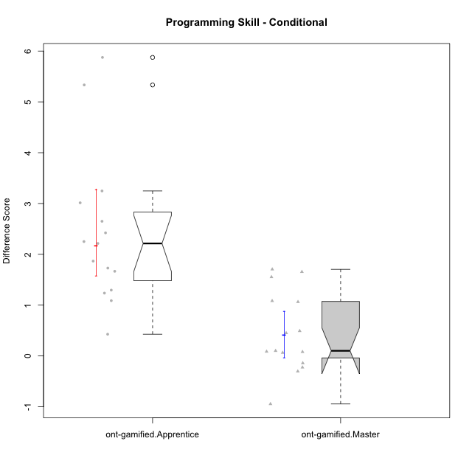

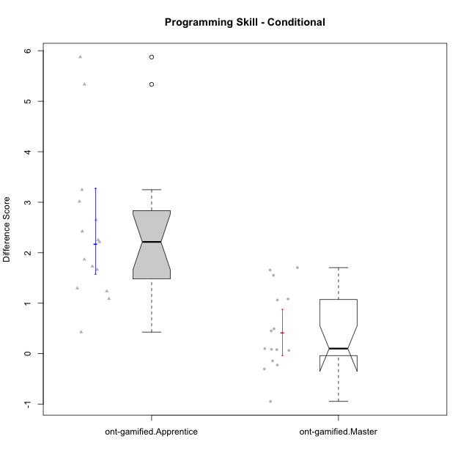

Wilcoxon data
UserID | NroUSP | Type | CLGroup | CLRole | PlayerRole | Re2 | Re1 | Un2 | Un1 | Ap2 | Ap3 | Ap1 | An3 | Ev2 | Ev1 | P1s0 | P1s1 | P1s2 | P1s3 | ReB | ReA | UnB | UnA | ApB | ApC | ApA | AnC | EvB | EvA | PAs0 | PAs1 | PAs2 | PAs3 | PBs0 | PBs1 | PBs2 | PBs3 | PreScore | PostScore | DiffScore
10169 | 10377538 | ont-gamified | Grupo Hefesto | Master | Yee Achiever | 1 | 1 | 0 | 0.94444444444 | 1 | 0.5 | 1 | 0.5 | 1 | 1 |  |  |  |  | 0.8 | 1 | 0.75 | 1 | 0.91666666667 | 0.375 | 1 | 0.5 | 0.66666666667 | 1 | 1 | 1 | 1 | 0.75 | 1 | 0.5 | 0.33333333333 | 0.25 | 7.9444444444 | 8.0083333333 | 0.063888888889
10170 | 10260351 | ont-gamified | Grupo Afrodite | Apprentice | Yee Achiever | 0.975 | 1 | 0.5 | 0.94444444444 | 0 | 0 | 0.5 | 0.9375 | 1 | 0.66666666667 |  |  |  |  | 0.775 | 1 | 1 | 1 | 0.91666666667 | 0.5 | 1 | 1 | 0.58333333333 | 1 |  |  |  |  |  |  |  |  | 6.5236111111 | 8.775 | 2.2513888889
10174 | 10276852 | ont-gamified | Grupo Urano | Master | Yee Achiever | 1 | 0.73333333333 | 0.5 | 0.94444444444 | 1 | 0.5 | 1 | 0.5 | 0.5 | 1 |  |  |  |  | 0.55 | 0.75 | 1 | 0.61111111111 | 0.91666666667 | 0.375 | 1 | 1 | 0.25 | 1 |  |  |  |  |  |  |  |  | 7.6777777778 | 7.4527777778 | -0.225
10175 | 10310700 | ont-gamified | Grupo Hélio | Master | Yee Socializer | 0.975 | 1 | 0.5 | 0.94444444444 | 1 | 1 | 1 | 1 | 1 | 1 |  |  |  |  | 1 | 1 | 1 | 1 | 1 | 0.5 | 1 | 1 | 1 | 1 | 1 | 1 | 0.66666666667 | 0.75 | 1 | 1 | 0.66666666667 | 0.75 | 9.4194444444 | 9.5 | 0.080555555556
10176 | 10276949 | ont-gamified | Grupo Cronus | Apprentice | Yee Achiever | 1 | 1 | 0.5 | 0.66666666667 | 0 | 1 | 1 | 0.875 | 0.4 | 0.66666666667 | 1 | 0.5 | 0.33333333333 | 0.5 | 1 | 1 | 1 | 1 | 1 | 0.5 | 1 | 0.92857142857 | 0.58333333333 | 0.33333333333 | 1 | 1 | 0.66666666667 | 0.75 | 1 | 0.5 | 0.66666666667 | 0.5 | 7.1083333333 | 8.3452380952 | 1.2369047619
10178 | 8656201 | ont-gamified | Grupo Morfeu | Apprentice | Yee Socializer | 0.1 | 0.71666666667 | 0 | 0.66666666667 | 0 | 0 | 0.33333333333 | 0 | 1 | 0 | 1 | 0.5 | 0.33333333333 | 0.25 | 0.775 | 0.91666666667 | 1 | 1 | 0.91666666667 | 0.5 | 1 | 1 | 0.58333333333 | 1 | 1 | 1 | 1 | 1 | 1 | 1 | 0.66666666667 | 0.75 | 2.8166666667 | 8.6916666667 | 5.875
10183 | 10352030 | ont-gamified | Grupo Hélio | Apprentice | Yee Socializer | 0.775 | 0.98333333333 | 0.5 | 1 | 1 | 0.375 | 0.33333333333 | 0.9375 | 0.4 | 0 | 1 | 0.5 | 0.33333333333 | 0.25 | 1 | 1 | 0.75 | 1 | 0.75 | 0.375 | 1 | 0.92857142857 | 0.16666666667 | 1 | 1 | 1 | 0.66666666667 | 0.75 | 1 | 0.5 | 0.66666666667 | 0.5 | 6.3041666667 | 7.9702380952 | 1.6660714286
10184 | 10276675 | ont-gamified | Grupo Apolo | Master | Yee Socializer | 1 | 1 | 0.16666666667 | 0.94444444444 | 1 | 0.5 | 1 | 0.9375 | 1 | 1 | 1 | 1 | 1 | 1 | 1 | 1 | 0 | 1 | 1 | 1 | 1 | 1 | 1 | 1 | 1 | 1 | 1 | 1 | 1 | 1 | 1 | 0.75 | 8.5486111111 | 9 | 0.45138888889
10186 | 10310551 | ont-gamified | Grupo Ares | Apprentice | Yee Achiever | 1 | 0.96666666667 | 0.33333333333 | 0.94444444444 | 0 | 1 | 1 | 1 | 0 | 1 |  |  |  |  | 1 | 1 | 1 | 1 | 1 | 1 | 1 | 1 | 0.66666666667 | 1 |  |  |  |  |  |  |  |  | 7.2444444444 | 9.6666666667 | 2.4222222222
10189 | 9363926 | ont-gamified | Grupo Hades | Master | Yee Socializer | 0.775 | 0.9 | 0.5 | 0.94444444444 | 1 | 1 | 1 | 0.9375 | 1 | 1 | 1 | 0.5 | 0.33333333333 | 0.25 | 1 | 0.93333333333 | 0 | 1 | 1 | 1 | 1 | 0.92857142857 | 0.25 | 1 | 1 | 1 | 0.66666666667 | 0.75 | 1 | 0.5 | 0.33333333333 | 0.25 | 9.0569444444 | 8.1119047619 | -0.94503968254
10190 | 10276907 | ont-gamified | Grupo Zeus | Apprentice | Yee Socializer | 0.725 | 0.9 | 0.5 | 0.66666666667 | 1 | 1 | 1 | 0.3125 | 0.5 | 0 |  |  |  |  | 1 | 0.9 | 0 | 1 | 1 | 1 | 1 | 1 | 0 | 1 | 1 | 0.5 | 0.66666666667 | 0.5 |  |  |  |  | 6.6041666667 | 7.9 | 1.2958333333
10193 | 10276762 | ont-gamified | Grupo Afrodite | Master | Yee Achiever | 0.975 | 0.98333333333 | 1 | 0.94444444444 | 1 | 0.5 | 1 | 1 | 0 | 1 | 1 | 1 | 1 | 1 | 1 | 0.96666666667 | 0 | 1 | 1 | 1 | 1 | 0.92857142857 | 1 | 1 | 1 | 1 | 1 | 1 | 0 | 0 | 0 | 0 | 8.4027777778 | 8.8952380952 | 0.49246031746
10195 | 10351971 | ont-gamified | Grupo Urano | Apprentice | Yee Achiever | 0.975 | 1 | 0.5 | 0.94444444444 | 1 | 0.5 | 1 | 0.4375 | 0.4 | 1 |  |  |  |  | 1 | 1 | 1 | 1 | 0.91666666667 | 0.5 | 1 | 0.42857142857 | 1 | 1 | 1 | 0.5 | 0.33333333333 | 0.25 | 0 | 0 | 0 | 0 | 7.7569444444 | 8.8452380952 | 1.0882936508
10196 | 10310655 | ont-gamified | Grupo Hefesto | Apprentice | Yee Achiever | 0.775 | 0.78333333333 | 0.5 | 0.61111111111 | 0 | 0.5 | 1 | 1 | 0.5 | 0.66666666667 | 1 | 0.5 | 0.66666666667 | 0.5 | 1 | 1 | 1 | 1 | 1 | 1 | 1 | 1 | 0.58333333333 | 1 | 1 | 0.5 | 0.33333333333 | 0.25 | 1 | 0.5 | 0.33333333333 | 0.5 | 6.3361111111 | 9.5833333333 | 3.2472222222
10197 | 10276661 | ont-gamified | Grupo Gaia | Apprentice | Yee Achiever | 0.525 | 0.98333333333 | 0 | 0.94444444444 | 0 | 1 | 1 | 1 | 0.5 | 1 |  |  |  |  | 1 | 1 | 1 | 1 | 1 | 0.5 | 1 | 1 | 0.66666666667 | 1 | 1 | 0.5 | 0.33333333333 | 0.25 | 1 | 0.5 | 0.33333333333 | 0.25 | 6.9527777778 | 9.1666666667 | 2.2138888889
10198 | 10310888 | ont-gamified | Grupo Apolo | Apprentice | Yee Socializer | 0.525 | 0.93333333333 | 0.5 | 0.61111111111 | 0 | 0.375 | 1 | 0.375 | 0.5 | 0.66666666667 | 1 | 0.5 | 0.33333333333 | 0.25 | 1 | 1 | 0.75 | 0.66666666667 | 1 | 0.5 | 1 | 1 | 0.58333333333 | 1 | 1 | 0.5 | 0.33333333333 | 0.25 |  |  |  |  | 5.4861111111 | 8.5 | 3.0138888889
10199 | 10276737 | ont-gamified | Grupo Gaia | Master | Yee Achiever | 0.975 | 1 | 0.5 | 0.66666666667 | 1 | 1 | 0.33333333333 | 1 | 0.5 | 1 |  |  |  |  | 1 | 0.8 | 1 | 0.66666666667 | 1 | 1 | 0.33333333333 | 0.92857142857 | 1 | 0.33333333333 | 1 | 0.5 | 0.66666666667 | 0.5 | 1 | 1 | 1 | 0.75 | 7.975 | 8.0619047619 | 0.086904761905
10200 | 9795272 | ont-gamified | Grupo Hades | Apprentice | Yee Socializer | 0.8 | 0.58333333333 | 0.5 | 1 | 0 | 0.5 | 1 | 0.9375 | 1 | 1 | 1 | 0.5 | 0.33333333333 | 0.25 | 0.8 | 1 | 1 | 1 | 1 | 1 | 1 | 1 | 0.25 | 1 | 1 | 0.5 | 0.33333333333 | 0.25 |  |  |  |  | 7.3208333333 | 9.05 | 1.7291666667
10201 | 10276928 | ont-gamified | Grupo Caronte | Master | Yee Achiever | 1 | 1 | 0.5 | 0.66666666667 | 0 | 1 | 1 | 1 | 1 | 1 | 1 | 1 | 1 | 1 | 1 | 1 | 0.75 | 1 | 1 | 0.5 | 1 | 1 | 1 | 1 | 1 | 0.5 | 0.33333333333 | 0.25 | 1 | 0.5 | 0.33333333333 | 0.25 | 8.1666666667 | 9.25 | 1.0833333333
10204 | 10310471 | ont-gamified | Grupo Hermes | Master | Yee Achiever | 0.975 | 1 | 1 | 0.94444444444 | 1 | 1 | 1 | 0.8125 | 1 | 1 |  |  |  |  | 1 | 1 | 1 | 1 | 1 | 0.5 | 1 | 0.92857142857 | 1 | 1 | 1 | 0.5 | 0.33333333333 | 0.25 | 0 | 0 | 0 | 0 | 9.7319444444 | 9.4285714286 | -0.30337301587
10206 | 10310721 | ont-gamified | Grupo Hera | Master | Yee Achiever | 1 | 1 | 0.5 | 0.66666666667 | 1 | 1 | 1 | 1 | 1 | 1 | 1 | 1 | 0.66666666667 | 0.75 | 1 | 0.98333333333 | 1 | 1 | 0.66666666667 | 0.375 | 1 | 1 | 1 | 1 | 1 | 1 | 1 | 1 | 1 | 1 | 1 | 1 | 9.1666666667 | 9.025 | -0.14166666667
10209 | 10262669 | ont-gamified | Grupo Artemis | Apprentice | Yee Achiever | 1 | 1 | 0.5 | 1 | 0 | 0.5 | 1 | 1 | 0 | 1 | 0 | 0 | 0 | 0 | 1 | 0.98333333333 | 1 | 0.66666666667 | 1 | 1 | 1 | 1 | 1 | 1 |  |  |  |  |  |  |  |  | 7 | 9.65 | 2.65
10213 | 10277040 | ont-gamified | Grupo Morfeu | Master | Yee Socializer | 0.375 | 0.8 | 1 | 0.94444444444 | 1 | 1 | 1 | 1 | 0.4 | 1 |  |  |  |  | 1 | 1 | 1 | 1 | 1 | 1 | 1 | 1 | 0.58333333333 | 1 | 1 | 0.5 | 0.66666666667 | 0.5 |  |  |  |  | 8.5194444444 | 9.5833333333 | 1.0638888889
10215 | 9285227 | ont-gamified | Grupo Zeus | Master | Yee Socializer | 0.975 | 1 | 0.5 | 0.66666666667 | 1 | 0.5 | 1 | 1 | 0.4 | 1 | 1 | 1 | 0.66666666667 | 0.75 | 1 | 1 | 1 | 0.66666666667 | 1 | 1 | 1 | 0.92857142857 | 1 | 1 | 1 | 0.5 | 0.33333333333 | 0.25 | 0 | 0 | 0 | 0 | 8.0416666667 | 9.5952380952 | 1.5535714286
10218 | 9842913 | ont-gamified | Grupo Ares | Master | Yee Achiever | 1 | 0.95 | 0 | 0.94444444444 | 1 | 0.5 | 1 | 1 | 0.5 | 1 | 1 | 1 | 1 | 1 | 0.8 | 1 | 1 | 1 | 0.75 | 1 | 1 | 1 | 1 | 1 | 1 | 1 | 1 | 0.75 |  |  |  |  | 7.8944444444 | 9.55 | 1.6555555556
10221 | 9082496 | ont-gamified | Grupo Hermes | Apprentice | Yee Achiever | 0.975 | 0.9 | 0.33333333333 | 0.66666666667 | 0 | 0.375 | 0.33333333333 | 0.875 | 1 | 0.66666666667 |  |  |  |  | 0.8 | 0.93333333333 | 0 | 0.27777777778 | 0.58333333333 | 0.375 | 1 | 1 | 0.58333333333 | 1 |  |  |  |  |  |  |  |  | 6.125 | 6.5527777778 | 0.42777777778
10223 | 9795185 | ont-gamified | Grupo Cronus | Master | Yee Achiever | 0.975 | 0.8 | 1 | 0.94444444444 | 1 | 0.5 | 1 | 0.9375 | 0 | 1 |  |  |  |  | 1 | 0.93333333333 | 1 | 1 | 1 | 1 | 1 | 0.92857142857 | 1 | 1 |  |  |  |  |  |  |  |  | 8.1569444444 | 9.8619047619 | 1.7049603175
10231 | 10276911 | ont-gamified | Grupo Caronte | Apprentice | Yee Achiever | 1 | 0.96666666667 | 1 | 0.66666666667 | 1 | 0 | 1 | 1 | 0 | 1 |  |  |  |  | 1 | 1 | 1 | 1 | 1 | 0.5 | 1 | 1 | 1 | 1 | 1 | 1 | 1 | 1 | 1 | 0.5 | 0.33333333333 | 0.25 | 7.6333333333 | 9.5 | 1.8666666667
10232 | 10276974 | ont-gamified | Grupo Artemis | Master | Yee Achiever | 0.6 | 1 | 0.5 | 0.94444444444 | 1 | 1 | 1 | 0.4375 | 1 | 1 |  |  |  |  | 1 | 1 | 1 | 1 | 1 | 0 | 1 | 1 | 0.58333333333 | 1 | 1 | 0.5 | 0.33333333333 | 0.5 |  |  |  |  | 8.4819444444 | 8.5833333333 | 0.10138888889
10240 | 10276654 | ont-gamified | Grupo Hera | Apprentice | Yee Achiever | 0.8 | 0 | 0 | 0.33333333333 | 0 | 1 | 0 | 1 | 0 | 0 |  |  |  |  | 1 | 0.96666666667 | 0 | 1 | 0.91666666667 | 1 | 1 | 1 | 0.58333333333 | 1 | 1 | 0.5 | 0.33333333333 | 0.25 | 1 | 0.5 | 0.33333333333 | 0.25 | 3.1333333333 | 8.4666666667 | 5.3333333333

