Type_1
Wilcoxon Analysis for Programming Skill - Loops in Type between non-gamified:ont-gamified

Wilcoxon test results
Alternative hypothesis: less
Group | N | Median | Mean.Ranks | Sum.Ranks | U | Z | p.value | r
non-gamified | 29 | 1.1517094017 | 25.517241379 | 740 | 305 | 0.62192612376 | 0.7346501358 | 0.089767303742
ont-gamified | 19 | 1.2628205128 | 22.947368421 | 436 | 305 | 0.62192612376 | 0.7346501358 | 0.089767303742
Alternative hypothesis: greater
Group | N | Median | Mean.Ranks | Sum.Ranks | U | Z | p.value | r
non-gamified | 29 | 1.1517094017 | 25.517241379 | 740 | 305 | 0.62192612376 | 0.27226131887 | 0.089767303742
ont-gamified | 19 | 1.2628205128 | 22.947368421 | 436 | 305 | 0.62192612376 | 0.27226131887 | 0.089767303742
Alternative hypothesis: two.sided
Group | N | Median | Mean.Ranks | Sum.Ranks | U | Z | p.value | r
non-gamified | 29 | 1.1517094017 | 25.517241379 | 740 | 305 | 0.62192612376 | 0.54452263775 | 0.089767303742
ont-gamified | 19 | 1.2628205128 | 22.947368421 | 436 | 305 | 0.62192612376 | 0.54452263775 | 0.089767303742

Box plots for wilcoxon tests
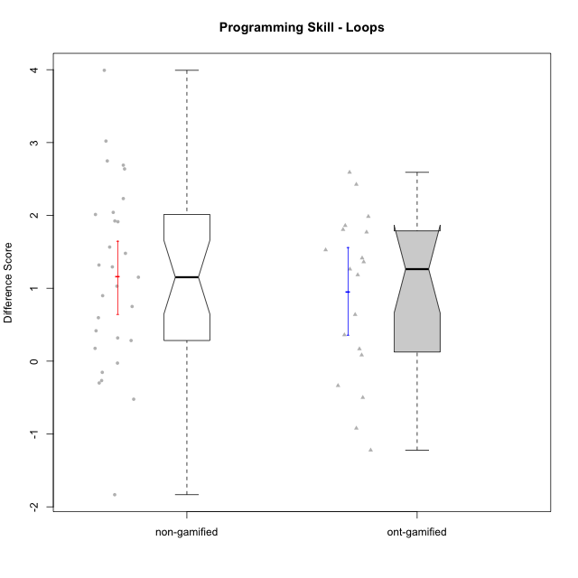

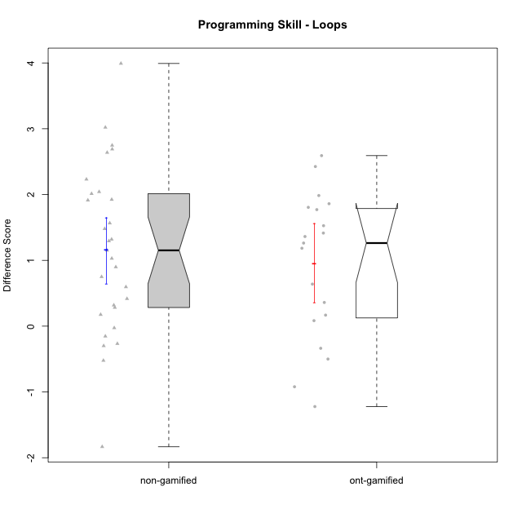

Wilcoxon data
UserID | NroUSP | Type | CLGroup | CLRole | PlayerRole | Re1 | Un3 | Ap2a | Ap2b | An3a | An3b | Ev2 | P2s0 | P2s1 | P2s2 | P2s3 | P3s0 | P3s1 | P3s2 | P3s3 | ReA | UnC | ApB1 | ApB2 | AnC1 | AnC2 | EvB | PCs0 | PCs1 | PCs2 | PCs3 | PDs0 | PDs1 | PDs2 | PDs3 | PEs0 | PEs1 | PEs2 | PEs3 | PreScore | PostScore | DiffScore
10169 | 10377538 | non-gamified | Grupo Team 10 | Apprentice |  | 1 | 1 | 1 | 1 | 0.25 | 0 | 0.75 | 1 | 0.5 | 0.33333333333 | 0.5 | 0 | 0 | 0 | 0 | 0.83333333333 | 0.5 | 0 | 0.5 | 0 | 0.33333333333 | 1 |  |  |  |  |  |  |  |  |  |  |  |  | 5 | 3.1666666667 | -1.8333333333
10170 | 10260351 | non-gamified | Grupo Team 6 | Apprentice |  | 0.62820512821 | 0.45 | 1 | 1 | 0.25 | 0.41666666667 | 0.72222222222 | 0 | 0 | 0 | 0 |  |  |  |  | 1 | 1 | 0 | 0 | 0.27777777778 | 0.66666666667 | 1 | 1 | 1 | 1 | 1 |  |  |  |  |  |  |  |  | 4.4670940171 | 3.9444444444 | -0.52264957265
10172 | 10273971 | ont-gamified | Grupo Koil | Master | Yee Achiever | 0.79487179487 | 1 | 1 | 0.42857142857 | 0.5 | 1 | 0.75 | 1 | 1 | 1 | 1 | 1 | 0.5 | 0.33333333333 | 0.25 | 1 | 1 | 1 | 1 | 1 | 1 | 1 | 1 | 1 | 1 | 1 | 1 | 1 | 1 | 1 | 0 | 0 | 0 | 0 | 5.4734432234 | 7 | 1.5265567766
10174 | 10276852 | non-gamified | Grupo Team 1 | Apprentice |  | 0.62820512821 | 0.15 | 0 | 0.92857142857 | 0 | 0 | 0 |  |  |  |  |  |  |  |  | 0.83333333333 | 0 | 1 | 0.21428571429 | 0.66666666667 | 0.27777777778 | 0.19444444444 | 1 | 0.5 | 0.33333333333 | 0.25 | 1 | 1 | 1 | 1 | 1 | 0.5 | 0.33333333333 | 0.25 | 1.7067765568 | 3.1865079365 | 1.4797313797
10175 | 10310700 | non-gamified | Grupo Team 6 | Master |  | 0.83333333333 | 1 | 1 | 1 | 1 | 0.41666666667 | 0.72222222222 | 1 | 0.5 | 0.66666666667 | 0.5 | 1 | 1 | 1 | 0.75 | 1 | 1 | 1 | 1 | 1 | 1 | 0.72222222222 | 1 | 0.5 | 0.66666666667 | 0.5 | 1 | 1 | 0.66666666667 | 0.75 | 1 | 0.5 | 0.33333333333 | 0.25 | 5.9722222222 | 6.7222222222 | 0.75
10176 | 10276949 | non-gamified | Grupo Team 9 | Apprentice |  | 0.82051282051 | 1 | 1 | 0.42857142857 | 0.5 | 0.41666666667 | 0.44444444444 | 1 | 0.5 | 0.33333333333 | 0.25 | 1 | 0.5 | 0.33333333333 | 0.25 | 0.66666666667 | 1 | 1 | 0.42857142857 | 0.33333333333 | 1 | 0.5 | 0 | 0 | 0 | 0 |  |  |  |  |  |  |  |  | 4.6101953602 | 4.9285714286 | 0.31837606838
10178 | 8656201 | non-gamified | Grupo Team 11 | Apprentice |  | 0.98717948718 | 1 | 1 | 0 | 0.75 | 0.41666666667 | 0.72222222222 | 1 | 0.5 | 0.33333333333 | 0.25 | 1 | 0.5 | 0.66666666667 | 0.5 | 1 | 1 | 1 | 0 | 0.66666666667 | 0.61111111111 | 0.44444444444 |  |  |  |  |  |  |  |  |  |  |  |  | 4.8760683761 | 4.7222222222 | -0.15384615385
10179 | 10310759 | ont-gamified | Grupo Tosskor | Apprentice | Yee Achiever | 0.65384615385 | 1 | 1 | 0 | 0.5 | 0.41666666667 | 0.72222222222 |  |  |  |  |  |  |  |  | 1 | 1 | 1 | 1 | 0.66666666667 | 0.61111111111 | 1 |  |  |  |  |  |  |  |  |  |  |  |  | 4.2927350427 | 6.2777777778 | 1.985042735
10181 | 10276866 | non-gamified | Grupo Team 7 | Apprentice |  | 0.48717948718 | 0.7 | 1 | 0 | 0.5 | 1 | 0.16666666667 | 1 | 1 | 1 | 1 | 1 | 1 | 1 | 1 | 0.61111111111 | 1 | 1 | 1 | 0.55555555556 | 0.61111111111 | 1 |  |  |  |  |  |  |  |  | 0 | 0 | 0 | 0 | 3.8538461538 | 5.7777777778 | 1.9239316239
10183 | 10352030 | non-gamified | Grupo Belos | Apprentice | Yee Socializer | 0.83333333333 | 0.225 | 1 | 0 | 0 | 0 | 0 |  |  |  |  |  |  |  |  | 0.83333333333 | 1 | 1 | 0.42857142857 | 0.61111111111 | 0.22222222222 | 0.19444444444 | 0 | 0 | 0 | 0 | 0 | 0 | 0 | 0 | 1 | 1 | 1 | 1 | 2.0583333333 | 4.2896825397 | 2.2313492063
10184 | 10276675 | non-gamified | Grupo Team 7 | Master |  | 0.65384615385 | 1 | 1 | 0.5 | 0.5 | 1 | 0.47222222222 | 1 | 0.5 | 0.66666666667 | 0.5 | 1 | 1 | 0.66666666667 | 0.75 | 1 | 1 | 1 | 1 | 1 | 0.27777777778 | 1 | 1 | 1 | 1 | 1 | 1 | 0.5 | 0.33333333333 | 0.25 | 1 | 0.5 | 0.66666666667 | 0.5 | 5.1260683761 | 6.2777777778 | 1.1517094017
10185 | 10276960 | ont-gamified | Grupo Tosskor | Master | Yee Achiever | 0.83333333333 | 1 | 1 | 1 | 1 | 0.41666666667 | 0.72222222222 |  |  |  |  |  |  |  |  | 0.61111111111 | 1 | 1 | 1 | 1 | 1 | 1 |  |  |  |  |  |  |  |  |  |  |  |  | 5.9722222222 | 6.6111111111 | 0.63888888889
10186 | 10310551 | non-gamified | Grupo Team 5 | Apprentice |  | 0.48717948718 | 0.725 | 1 | 0 | 0.5 | 0.5 | 0 |  |  |  |  |  |  |  |  | 0.83333333333 | 1 | 1 | 0 | 0.66666666667 | 0.27777777778 | 1 |  |  |  |  |  |  |  |  |  |  |  |  | 3.2121794872 | 4.7777777778 | 1.5655982906
10187 | 9790781 | ont-gamified | Grupo Razorg | Apprentice | Yee Achiever | 0.98717948718 | 1 | 1 | 0 | 0.75 | 0.41666666667 | 0.72222222222 | 1 | 1 | 1 | 1 | 1 | 0.5 | 0.33333333333 | 0.25 | 0.66666666667 | 1 | 1 | 0.42857142857 | 0.66666666667 | 0.61111111111 | 0.16666666667 |  |  |  |  |  |  |  |  |  |  |  |  | 4.8760683761 | 4.5396825397 | -0.33638583639
10188 | 10276995 | ont-gamified | Grupo Paldira | Master | Yee Achiever | 0.83333333333 | 1 | 1 | 1 | 1 | 1 | 1 | 1 | 0.5 | 0.66666666667 | 0.5 | 1 | 1 | 1 | 1 | 0.66666666667 | 1 | 1 | 1 | 0.61111111111 | 0.33333333333 | 1 | 0 | 0 | 0 | 0 |  |  |  |  | 1 | 1 | 1 | 0.75 | 6.8333333333 | 5.6111111111 | -1.2222222222
10189 | 9363926 | non-gamified | Grupo Team 2 | Apprentice |  | 0.80769230769 | 0.225 | 0 | 0.5 | 0.1875 | 0.41666666667 | 0.44444444444 | 1 | 1 | 0.66666666667 | 0.75 | 1 | 1 | 1 | 1 | 0.80555555556 | 1 | 1 | 0.42857142857 | 0.33333333333 | 0.33333333333 | 0.72222222222 | 1 | 0.5 | 0.33333333333 | 0.5 | 0 | 0 | 0 | 0 | 1 | 1 | 1 | 1 | 2.5813034188 | 4.623015873 | 2.0417124542
10190 | 10276907 | non-gamified | Grupo Team 8 | Apprentice |  | 0.62820512821 | 0.75 | 1 | 0.42857142857 | 1 | 0 | 0.47222222222 |  |  |  |  |  |  |  |  | 0.83333333333 | 0.46153846154 | 1 | 1 | 0.61111111111 | 0.66666666667 | 1 |  |  |  |  |  |  |  |  |  |  |  |  | 4.278998779 | 5.5726495726 | 1.2936507937
10192 | 10276682 | ont-gamified | Grupo Yeka | Apprentice | Yee Socializer | 0.65384615385 | 0.975 | 0 | 0.42857142857 | 0.5 | 0.41666666667 | 0.72222222222 | 1 | 0.5 | 0.66666666667 | 0.5 | 0 | 0 | 0 | 0 | 0.83333333333 | 1 | 1 | 0 | 0.66666666667 | 0.61111111111 | 1 | 1 | 0.5 | 0.66666666667 | 0.5 |  |  |  |  |  |  |  |  | 3.6963064713 | 5.1111111111 | 1.4148046398
10196 | 10310655 | non-gamified | Grupo Team 5 | Apprentice |  | 0.66666666667 | 0.475 | 1 | 0.42857142857 | 0.5 | 0 | 0.44444444444 | 1 | 0.5 | 0.33333333333 | 0.25 | 1 | 1 | 1 | 0.75 | 0.81944444444 | 1 | 1 | 1 | 0.66666666667 | 0.66666666667 | 1 | 1 | 1 | 0.66666666667 | 0.75 | 1 | 0.5 | 0.33333333333 | 0.25 |  |  |  |  | 3.5146825397 | 6.1527777778 | 2.6380952381
10197 | 10276661 | non-gamified | Grupo Team 11 | Master |  | 0.94871794872 | 1 | 1 | 0.5 | 0.75 | 0 | 0.72222222222 | 1 | 0.5 | 0.33333333333 | 0.5 |  |  |  |  | 0.98611111111 | 1 | 1 | 0.5 | 0.66666666667 | 0.66666666667 | 1 | 1 | 0.5 | 0.33333333333 | 0.25 | 1 | 0.5 | 0.33333333333 | 0.25 | 0 | 0 | 0 | 0 | 4.9209401709 | 5.8194444444 | 0.8985042735
10198 | 10310888 | non-gamified | Grupo Team 1 | Apprentice |  | 0.32051282051 | 0 | 1 | 0 | 0.1875 | 0 | 0.44444444444 | 1 | 0.5 | 0.33333333333 | 0.25 | 1 | 0.5 | 0.33333333333 | 0.25 | 1 | 1 | 1 | 1 | 0.33333333333 | 0.61111111111 | 1 | 1 | 0.5 | 0.33333333333 | 0.25 | 1 | 0.5 | 0.33333333333 | 0.25 |  |  |  |  | 1.952457265 | 5.9444444444 | 3.9919871795
10200 | 9795272 | non-gamified | Grupo Team 4 | Apprentice |  | 0.48717948718 | 0.45 | 1 | 0 | 0.25 | 0.41666666667 | 0.16666666667 | 1 | 0.5 | 0.33333333333 | 0.25 | 1 | 0.5 | 0.33333333333 | 0.25 | 0.83333333333 | 0.46153846154 | 0 | 0.42857142857 | 0.27777777778 | 0.22222222222 | 0.72222222222 | 1 | 0.5 | 0.33333333333 | 0.25 | 1 | 0.5 | 0.33333333333 | 0.25 |  |  |  |  | 2.7705128205 | 2.9456654457 | 0.17515262515
10201 | 10276928 | non-gamified | Grupo Team 10 | Master |  | 0.80769230769 | 1 | 1 | 0.42857142857 | 0.25 | 1 | 0.47222222222 | 1 | 0.5 | 0.33333333333 | 0.25 | 1 | 0.5 | 0.33333333333 | 0.25 | 1 | 1 | 1 | 1 | 0.27777777778 | 1 | 1 | 1 | 1 | 1 | 0.75 | 1 | 0.5 | 0.66666666667 | 0.5 | 0 | 0 | 0 | 0 | 4.9584859585 | 6.2777777778 | 1.3192918193
10202 | 10277036 | ont-gamified | Grupo Paldira | Apprentice | Yee Achiever | 0.79487179487 | 0.725 | 0 | 0 | 0 | 0 | 0.41666666667 | 1 | 0.5 | 0.33333333333 | 0.25 | 0 | 0 | 0 | 0 | 1 | 0.46153846154 | 1 | 0.42857142857 | 0.94444444444 | 0.33333333333 | 0.19444444444 | 1 | 0.5 | 0.33333333333 | 0.25 | 0 | 0 | 0 | 0 |  |  |  |  | 1.9365384615 | 4.3623321123 | 2.4257936508
10203 | 9921470 | ont-gamified | Grupo Paldira | Apprentice | Yee Achiever | 0.62820512821 | 0.175 | 1 | 0 | 0.1875 | 0 | 0.41666666667 | 1 | 0.5 | 0.33333333333 | 0.25 | 0 | 0 | 0 | 0 | 0.81944444444 | 0 | 0 | 0 | 0 | 0.22222222222 | 0.44444444444 | 1 | 0.5 | 0.33333333333 | 0.25 | 1 | 1 | 0.66666666667 | 0.75 | 0 | 0 | 0 | 0 | 2.4073717949 | 1.4861111111 | -0.92126068376
10204 | 10310471 | non-gamified | Grupo Team 5 | Master |  | 0.65384615385 | 1 | 1 | 0.42857142857 | 1 | 1 | 0.5 | 1 | 0.5 | 0.33333333333 | 0.25 | 0 | 0 | 0 | 0 | 1 | 1 | 1 | 1 | 1 | 0.61111111111 | 1 | 1 | 0.5 | 0.33333333333 | 0.25 | 1 | 1 | 1 | 0.75 | 1 | 0.5 | 0.33333333333 | 0.5 | 5.5824175824 | 6.6111111111 | 1.0286935287
10206 | 10310721 | non-gamified | Grupo Team 9 | Master |  | 0.83333333333 | 0.725 | 1 | 0.42857142857 | 0.75 | 1 | 1 | 1 | 1 | 0.66666666667 | 0.75 | 1 | 1 | 1 | 1 | 0.81944444444 | 1 | 1 | 0.42857142857 | 1 | 0.22222222222 | 1 | 1 | 0.5 | 0.66666666667 | 0.5 | 1 | 1 | 1 | 1 | 0 | 0 | 0 | 0 | 5.7369047619 | 5.4702380952 | -0.26666666667
10208 | 10276932 | ont-gamified | Grupo Yeka | Master | Yee Socializer | 0.83333333333 | 1 | 1 | 1 | 0.75 | 1 | 1 | 1 | 1 | 1 | 1 | 1 | 0.5 | 0.33333333333 | 0.5 | 1 | 1 | 1 | 1 | 1 | 0.66666666667 | 1 | 1 | 0.5 | 0.66666666667 | 0.5 | 1 | 1 | 0.66666666667 | 0.75 | 1 | 1 | 0.66666666667 | 0.75 | 6.5833333333 | 6.6666666667 | 0.083333333333
10210 | 10277015 | ont-gamified | Grupo Losvakai | Apprentice | Yee Achiever | 0.64102564103 | 0.45 | 1 | 0.42857142857 | 0.25 | 0.41666666667 | 0 | 1 | 0.5 | 0.33333333333 | 0.25 | 1 | 1 | 0.66666666667 | 0.75 | 1 | 1 | 1 | 0.5 | 1 | 0.27777777778 | 1 | 1 | 1 | 0.66666666667 | 0.75 | 1 | 0.5 | 0.33333333333 | 0.25 | 0 | 0 | 0 | 0 | 3.1862637363 | 5.7777777778 | 2.5915140415
10212 | 9065750 | ont-gamified | Grupo Ellaru | Apprentice | Yee Socializer | 0.94871794872 | 1 | 1 | 0.42857142857 | 0.5 | 0.41666666667 | 1 | 1 | 1 | 0.66666666667 | 0.75 | 0 | 0 | 0 | 0 | 0.66666666667 | 0.96153846154 | 1 | 0.5 | 1 | 0.33333333333 | 1 |  |  |  |  |  |  |  |  |  |  |  |  | 5.293956044 | 5.4615384615 | 0.16758241758
10213 | 10277040 | non-gamified | Grupo Team 8 | Master |  | 0.82051282051 | 0.975 | 1 | 0.42857142857 | 0.9375 | 1 | 0.72222222222 | 0 | 0 | 0 | 0 |  |  |  |  | 0.83333333333 | 1 | 1 | 1 | 1 | 0.33333333333 | 1 |  |  |  |  |  |  |  |  | 1 | 1 | 1 | 1 | 5.8838064713 | 6.1666666667 | 0.28286019536
10214 | 10277022 | ont-gamified | Grupo Koil | Apprentice | Yee Achiever | 0.62820512821 | 1 | 1 | 0.42857142857 | 0.75 | 0.5 | 1 | 1 | 0.5 | 0.33333333333 | 0.25 | 1 | 0.5 | 0.33333333333 | 0.25 | 0.66666666667 | 1 | 1 | 1 | 0.66666666667 | 0.33333333333 | 1 | 1 | 0.5 | 0.33333333333 | 0.25 | 1 | 0.5 | 0.66666666667 | 0.5 | 1 | 0.5 | 0.33333333333 | 0.25 | 5.3067765568 | 5.6666666667 | 0.35989010989
10215 | 9285227 | non-gamified | Grupo Team 7 | Apprentice |  | 0.64102564103 | 0.725 | 1 | 0 | 0.5 | 0.5 | 0.44444444444 | 1 | 1 | 1 | 1 | 1 | 1 | 1 | 1 | 0.83333333333 | 1 | 1 | 1 | 0.66666666667 | 1 | 1 | 1 | 0.5 | 0.33333333333 | 0.5 | 1 | 0.5 | 0.66666666667 | 0.5 | 0 | 0 | 0 | 0 | 3.8104700855 | 6.5 | 2.6895299145
10217 | 9805341 | ont-gamified | Grupo Belos | Master | Yee Socializer | 0.83333333333 | 1 | 1 | 1 | 1 | 1 | 1 | 1 | 1 | 1 | 0.75 | 1 | 0.5 | 0.33333333333 | 0.25 | 1 | 1 | 1 | 1 | 1 | 0.33333333333 | 1 | 1 | 1 | 1 | 0.75 | 1 | 0.5 | 0.33333333333 | 0.25 | 1 | 0.5 | 0.33333333333 | 0.25 | 6.8333333333 | 6.3333333333 | -0.5
10218 | 9842913 | non-gamified | Grupo Team 10 | Apprentice |  | 0.80769230769 | 0.75 | 1 | 0 | 1 | 0.5 | 0.75 | 1 | 0.5 | 0.33333333333 | 0.5 | 1 | 1 | 1 | 1 | 1 | 1 | 1 | 0.28571428571 | 0.11111111111 | 0.66666666667 | 0.44444444444 |  |  |  |  | 1 | 1 | 1 | 1 | 1 | 1 | 1 | 1 | 4.8076923077 | 4.5079365079 | -0.29975579976
10219 | 10276831 | ont-gamified | Grupo Razorg | Apprentice | Yee Achiever | 0.66666666667 | 0.45 | 1 | 0.42857142857 | 0.25 | 0.41666666667 | 0.72222222222 |  |  |  |  | 0 | 0 | 0 | 0 | 1 | 0.46153846154 | 1 | 1 | 0.66666666667 | 0.66666666667 | 1 |  |  |  |  |  |  |  |  |  |  |  |  | 3.9341269841 | 5.7948717949 | 1.8607448107
10220 | 9760151 | non-gamified | Grupo Team 4 | Apprentice |  | 0.97435897436 | 0.25 | 1 | 0 | 0.5 | 0 | 0.75 |  |  |  |  |  |  |  |  | 0.83333333333 | 1 | 1 | 1 | 1 | 0.66666666667 | 0.72222222222 |  |  |  |  |  |  |  |  |  |  |  |  | 3.4743589744 | 6.2222222222 | 2.7478632479
10221 | 9082496 | non-gamified | Grupo Team 3 | Apprentice |  | 0.47435897436 | 0.45 | 1 | 0 | 0 | 0 | 0.69444444444 |  |  |  |  |  |  |  |  | 0.97222222222 | 0.23076923077 | 0 | 0 | 0.33333333333 | 0.33333333333 | 0.72222222222 |  |  |  |  |  |  |  |  |  |  |  |  | 2.6188034188 | 2.5918803419 | -0.026923076923
10224 | 9368772 | non-gamified | Grupo Team 9 | Apprentice |  | 0.96153846154 | 1 | 1 | 0.42857142857 | 0.75 | 0.41666666667 | 0.19444444444 | 1 | 1 | 0.66666666667 | 0.75 |  |  |  |  | 0.45833333333 | 1 | 1 | 1 | 0.27777777778 | 0.61111111111 | 1 | 1 | 1 | 1 | 1 |  |  |  |  |  |  |  |  | 4.7512210012 | 5.3472222222 | 0.596001221
10226 | 10310342 | ont-gamified | Grupo Yeka | Apprentice | Yee Socializer | 0.97435897436 | 0.425 | 1 | 0 | 0.5 | 1 | 0.41666666667 |  |  |  |  |  |  |  |  | 0.83333333333 | 0 | 1 | 1 | 1 | 0.66666666667 | 1 |  |  |  |  | 1 | 0.5 | 0.33333333333 | 0.25 |  |  |  |  | 4.316025641 | 5.5 | 1.183974359
10227 | 9274382 | non-gamified | Grupo Team 2 | Apprentice |  | 0.62820512821 | 0.45 | 0 | 0.42857142857 | 0.6875 | 0 | 0 |  |  |  |  |  |  |  |  | 0.66666666667 | 0.73076923077 | 1 | 0.42857142857 | 0.66666666667 | 1 | 0.72222222222 | 1 | 0.5 | 0.33333333333 | 0.25 | 0 | 0 | 0 | 0 |  |  |  |  | 2.1942765568 | 5.2148962149 | 3.0206196581
10228 | 10310492 | ont-gamified | Grupo Losvakai | Apprentice | Yee Achiever | 0.78205128205 | 0.725 | 0 | 1 | 0.25 | 0.5 | 0 |  |  |  |  |  |  |  |  | 0.97222222222 | 1 | 1 | 1 | 0.33333333333 | 0 | 0.72222222222 |  |  |  |  |  |  |  |  |  |  |  |  | 3.2570512821 | 5.0277777778 | 1.7707264957
10230 | 10351992 | ont-gamified | Grupo Koil | Apprentice | Yee Achiever | 0.65384615385 | 1 | 1 | 0.42857142857 | 0.75 | 0.41666666667 | 1 |  |  |  |  |  |  |  |  | 1 | 1 | 1 | 1 | 0.61111111111 | 1 | 1 | 1 | 1 | 1 | 0.75 | 1 | 0.5 | 0.33333333333 | 0.5 | 0 | 0 | 0 | 0 | 5.2490842491 | 6.6111111111 | 1.362026862
10231 | 10276911 | non-gamified | Grupo Team 4 | Master |  | 0.66666666667 | 1 | 1 | 1 | 0.75 | 1 | 1 | 1 | 1 | 1 | 1 | 1 | 0.5 | 0.66666666667 | 0.5 | 0.83333333333 | 1 | 1 | 1 | 1 | 1 | 1 | 1 | 0.5 | 0.33333333333 | 0.25 | 1 | 0.5 | 0.33333333333 | 0.5 | 1 | 0.5 | 0.33333333333 | 0.25 | 6.4166666667 | 6.8333333333 | 0.41666666667
10232 | 10276974 | non-gamified | Grupo Team 3 | Apprentice |  | 0.48717948718 | 0 | 1 | 0.42857142857 | 0.5 | 0.33333333333 | 0.44444444444 |  |  |  |  |  |  |  |  | 1 | 1 | 1 | 0.42857142857 | 1 | 0.27777777778 | 0.5 | 1 | 0.5 | 0.33333333333 | 0.25 | 0 | 0 | 0 | 0 |  |  |  |  | 3.1935286935 | 5.2063492063 | 2.0128205128
10237 | 10377688 | ont-gamified | Grupo Ellaru | Apprentice | Yee Socializer | 0.82051282051 | 0.25 | 1 | 1 | 1 | 0.5 | 1 |  |  |  |  |  |  |  |  | 0.83333333333 | 1 | 1 | 1 | 1 | 1 | 1 |  |  |  |  |  |  |  |  |  |  |  |  | 5.5705128205 | 6.8333333333 | 1.2628205128
10238 | 10276953 | ont-gamified | Grupo Belos | Apprentice | Yee Socializer | 0.80769230769 | 0.475 | 0 | 1 | 0.6875 | 0.41666666667 | 0.16666666667 | 0 | 0 | 0 | 0 |  |  |  |  | 0.81944444444 | 1 | 1 | 0.42857142857 | 0.66666666667 | 1 | 0.44444444444 |  |  |  |  | 0 | 0 | 0 | 0 |  |  |  |  | 3.553525641 | 5.3591269841 | 1.8056013431
10240 | 10276654 | non-gamified | Grupo Team 8 | Apprentice |  | 0.48717948718 | 1 | 1 | 0 | 0.25 | 0 | 0.72222222222 | 1 | 0.5 | 0.66666666667 | 0.5 |  |  |  |  | 1 | 1 | 1 | 0.42857142857 | 0.66666666667 | 0.27777777778 | 1 | 1 | 1 | 0.66666666667 | 0.75 | 1 | 1 | 1 | 1 | 1 | 0.5 | 0.66666666667 | 0.5 | 3.4594017094 | 5.373015873 | 1.9136141636

Type_CLRole_1
Wilcoxon Analysis for Programming Skill - Loops in Type:CLRole between non-gamified.Apprentice:non-gamified.Master

Wilcoxon test results
Alternative hypothesis: less
Group | N | Median | Mean.Ranks | Sum.Ranks | U | Z | p.value | r
non-gamified.Apprentice | 21 | 1.5655982906 | 16.285714286 | 342 | 111 | 1.3174650985 | 0.90824541109 | 0.244647127
non-gamified.Master | 8 | 0.82425213675 | 11.625 | 93 | 111 | 1.3174650985 | 0.90824541109 | 0.244647127
Alternative hypothesis: greater
Group | N | Median | Mean.Ranks | Sum.Ranks | U | Z | p.value | r
non-gamified.Apprentice | 21 | 1.5655982906 | 16.285714286 | 342 | 111 | 1.3174650985 | 0.1001848726 | 0.244647127
non-gamified.Master | 8 | 0.82425213675 | 11.625 | 93 | 111 | 1.3174650985 | 0.1001848726 | 0.244647127
Alternative hypothesis: two.sided
Group | N | Median | Mean.Ranks | Sum.Ranks | U | Z | p.value | r
non-gamified.Apprentice | 21 | 1.5655982906 | 16.285714286 | 342 | 111 | 1.3174650985 | 0.2003697452 | 0.244647127
non-gamified.Master | 8 | 0.82425213675 | 11.625 | 93 | 111 | 1.3174650985 | 0.2003697452 | 0.244647127

Box plots for wilcoxon tests
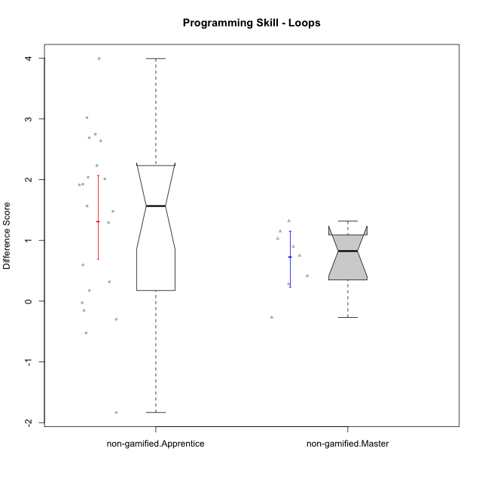

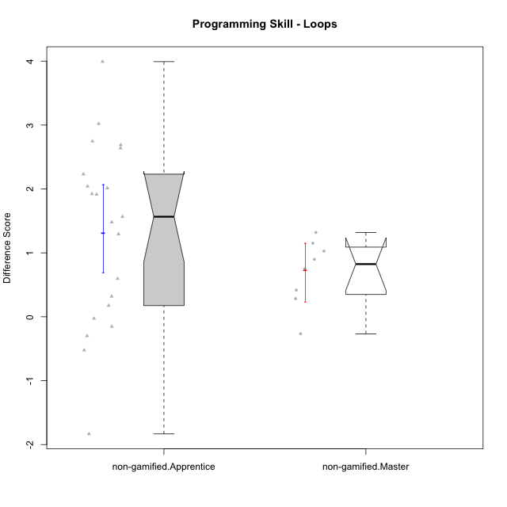

Wilcoxon data
UserID | NroUSP | Type | CLGroup | CLRole | PlayerRole | Re1 | Un3 | Ap2a | Ap2b | An3a | An3b | Ev2 | P2s0 | P2s1 | P2s2 | P2s3 | P3s0 | P3s1 | P3s2 | P3s3 | ReA | UnC | ApB1 | ApB2 | AnC1 | AnC2 | EvB | PCs0 | PCs1 | PCs2 | PCs3 | PDs0 | PDs1 | PDs2 | PDs3 | PEs0 | PEs1 | PEs2 | PEs3 | PreScore | PostScore | DiffScore
10169 | 10377538 | non-gamified | Grupo Team 10 | Apprentice |  | 1 | 1 | 1 | 1 | 0.25 | 0 | 0.75 | 1 | 0.5 | 0.33333333333 | 0.5 | 0 | 0 | 0 | 0 | 0.83333333333 | 0.5 | 0 | 0.5 | 0 | 0.33333333333 | 1 |  |  |  |  |  |  |  |  |  |  |  |  | 5 | 3.1666666667 | -1.8333333333
10170 | 10260351 | non-gamified | Grupo Team 6 | Apprentice |  | 0.62820512821 | 0.45 | 1 | 1 | 0.25 | 0.41666666667 | 0.72222222222 | 0 | 0 | 0 | 0 |  |  |  |  | 1 | 1 | 0 | 0 | 0.27777777778 | 0.66666666667 | 1 | 1 | 1 | 1 | 1 |  |  |  |  |  |  |  |  | 4.4670940171 | 3.9444444444 | -0.52264957265
10174 | 10276852 | non-gamified | Grupo Team 1 | Apprentice |  | 0.62820512821 | 0.15 | 0 | 0.92857142857 | 0 | 0 | 0 |  |  |  |  |  |  |  |  | 0.83333333333 | 0 | 1 | 0.21428571429 | 0.66666666667 | 0.27777777778 | 0.19444444444 | 1 | 0.5 | 0.33333333333 | 0.25 | 1 | 1 | 1 | 1 | 1 | 0.5 | 0.33333333333 | 0.25 | 1.7067765568 | 3.1865079365 | 1.4797313797
10175 | 10310700 | non-gamified | Grupo Team 6 | Master |  | 0.83333333333 | 1 | 1 | 1 | 1 | 0.41666666667 | 0.72222222222 | 1 | 0.5 | 0.66666666667 | 0.5 | 1 | 1 | 1 | 0.75 | 1 | 1 | 1 | 1 | 1 | 1 | 0.72222222222 | 1 | 0.5 | 0.66666666667 | 0.5 | 1 | 1 | 0.66666666667 | 0.75 | 1 | 0.5 | 0.33333333333 | 0.25 | 5.9722222222 | 6.7222222222 | 0.75
10176 | 10276949 | non-gamified | Grupo Team 9 | Apprentice |  | 0.82051282051 | 1 | 1 | 0.42857142857 | 0.5 | 0.41666666667 | 0.44444444444 | 1 | 0.5 | 0.33333333333 | 0.25 | 1 | 0.5 | 0.33333333333 | 0.25 | 0.66666666667 | 1 | 1 | 0.42857142857 | 0.33333333333 | 1 | 0.5 | 0 | 0 | 0 | 0 |  |  |  |  |  |  |  |  | 4.6101953602 | 4.9285714286 | 0.31837606838
10178 | 8656201 | non-gamified | Grupo Team 11 | Apprentice |  | 0.98717948718 | 1 | 1 | 0 | 0.75 | 0.41666666667 | 0.72222222222 | 1 | 0.5 | 0.33333333333 | 0.25 | 1 | 0.5 | 0.66666666667 | 0.5 | 1 | 1 | 1 | 0 | 0.66666666667 | 0.61111111111 | 0.44444444444 |  |  |  |  |  |  |  |  |  |  |  |  | 4.8760683761 | 4.7222222222 | -0.15384615385
10181 | 10276866 | non-gamified | Grupo Team 7 | Apprentice |  | 0.48717948718 | 0.7 | 1 | 0 | 0.5 | 1 | 0.16666666667 | 1 | 1 | 1 | 1 | 1 | 1 | 1 | 1 | 0.61111111111 | 1 | 1 | 1 | 0.55555555556 | 0.61111111111 | 1 |  |  |  |  |  |  |  |  | 0 | 0 | 0 | 0 | 3.8538461538 | 5.7777777778 | 1.9239316239
10183 | 10352030 | non-gamified | Grupo Belos | Apprentice | Yee Socializer | 0.83333333333 | 0.225 | 1 | 0 | 0 | 0 | 0 |  |  |  |  |  |  |  |  | 0.83333333333 | 1 | 1 | 0.42857142857 | 0.61111111111 | 0.22222222222 | 0.19444444444 | 0 | 0 | 0 | 0 | 0 | 0 | 0 | 0 | 1 | 1 | 1 | 1 | 2.0583333333 | 4.2896825397 | 2.2313492063
10184 | 10276675 | non-gamified | Grupo Team 7 | Master |  | 0.65384615385 | 1 | 1 | 0.5 | 0.5 | 1 | 0.47222222222 | 1 | 0.5 | 0.66666666667 | 0.5 | 1 | 1 | 0.66666666667 | 0.75 | 1 | 1 | 1 | 1 | 1 | 0.27777777778 | 1 | 1 | 1 | 1 | 1 | 1 | 0.5 | 0.33333333333 | 0.25 | 1 | 0.5 | 0.66666666667 | 0.5 | 5.1260683761 | 6.2777777778 | 1.1517094017
10186 | 10310551 | non-gamified | Grupo Team 5 | Apprentice |  | 0.48717948718 | 0.725 | 1 | 0 | 0.5 | 0.5 | 0 |  |  |  |  |  |  |  |  | 0.83333333333 | 1 | 1 | 0 | 0.66666666667 | 0.27777777778 | 1 |  |  |  |  |  |  |  |  |  |  |  |  | 3.2121794872 | 4.7777777778 | 1.5655982906
10189 | 9363926 | non-gamified | Grupo Team 2 | Apprentice |  | 0.80769230769 | 0.225 | 0 | 0.5 | 0.1875 | 0.41666666667 | 0.44444444444 | 1 | 1 | 0.66666666667 | 0.75 | 1 | 1 | 1 | 1 | 0.80555555556 | 1 | 1 | 0.42857142857 | 0.33333333333 | 0.33333333333 | 0.72222222222 | 1 | 0.5 | 0.33333333333 | 0.5 | 0 | 0 | 0 | 0 | 1 | 1 | 1 | 1 | 2.5813034188 | 4.623015873 | 2.0417124542
10190 | 10276907 | non-gamified | Grupo Team 8 | Apprentice |  | 0.62820512821 | 0.75 | 1 | 0.42857142857 | 1 | 0 | 0.47222222222 |  |  |  |  |  |  |  |  | 0.83333333333 | 0.46153846154 | 1 | 1 | 0.61111111111 | 0.66666666667 | 1 |  |  |  |  |  |  |  |  |  |  |  |  | 4.278998779 | 5.5726495726 | 1.2936507937
10196 | 10310655 | non-gamified | Grupo Team 5 | Apprentice |  | 0.66666666667 | 0.475 | 1 | 0.42857142857 | 0.5 | 0 | 0.44444444444 | 1 | 0.5 | 0.33333333333 | 0.25 | 1 | 1 | 1 | 0.75 | 0.81944444444 | 1 | 1 | 1 | 0.66666666667 | 0.66666666667 | 1 | 1 | 1 | 0.66666666667 | 0.75 | 1 | 0.5 | 0.33333333333 | 0.25 |  |  |  |  | 3.5146825397 | 6.1527777778 | 2.6380952381
10197 | 10276661 | non-gamified | Grupo Team 11 | Master |  | 0.94871794872 | 1 | 1 | 0.5 | 0.75 | 0 | 0.72222222222 | 1 | 0.5 | 0.33333333333 | 0.5 |  |  |  |  | 0.98611111111 | 1 | 1 | 0.5 | 0.66666666667 | 0.66666666667 | 1 | 1 | 0.5 | 0.33333333333 | 0.25 | 1 | 0.5 | 0.33333333333 | 0.25 | 0 | 0 | 0 | 0 | 4.9209401709 | 5.8194444444 | 0.8985042735
10198 | 10310888 | non-gamified | Grupo Team 1 | Apprentice |  | 0.32051282051 | 0 | 1 | 0 | 0.1875 | 0 | 0.44444444444 | 1 | 0.5 | 0.33333333333 | 0.25 | 1 | 0.5 | 0.33333333333 | 0.25 | 1 | 1 | 1 | 1 | 0.33333333333 | 0.61111111111 | 1 | 1 | 0.5 | 0.33333333333 | 0.25 | 1 | 0.5 | 0.33333333333 | 0.25 |  |  |  |  | 1.952457265 | 5.9444444444 | 3.9919871795
10200 | 9795272 | non-gamified | Grupo Team 4 | Apprentice |  | 0.48717948718 | 0.45 | 1 | 0 | 0.25 | 0.41666666667 | 0.16666666667 | 1 | 0.5 | 0.33333333333 | 0.25 | 1 | 0.5 | 0.33333333333 | 0.25 | 0.83333333333 | 0.46153846154 | 0 | 0.42857142857 | 0.27777777778 | 0.22222222222 | 0.72222222222 | 1 | 0.5 | 0.33333333333 | 0.25 | 1 | 0.5 | 0.33333333333 | 0.25 |  |  |  |  | 2.7705128205 | 2.9456654457 | 0.17515262515
10201 | 10276928 | non-gamified | Grupo Team 10 | Master |  | 0.80769230769 | 1 | 1 | 0.42857142857 | 0.25 | 1 | 0.47222222222 | 1 | 0.5 | 0.33333333333 | 0.25 | 1 | 0.5 | 0.33333333333 | 0.25 | 1 | 1 | 1 | 1 | 0.27777777778 | 1 | 1 | 1 | 1 | 1 | 0.75 | 1 | 0.5 | 0.66666666667 | 0.5 | 0 | 0 | 0 | 0 | 4.9584859585 | 6.2777777778 | 1.3192918193
10204 | 10310471 | non-gamified | Grupo Team 5 | Master |  | 0.65384615385 | 1 | 1 | 0.42857142857 | 1 | 1 | 0.5 | 1 | 0.5 | 0.33333333333 | 0.25 | 0 | 0 | 0 | 0 | 1 | 1 | 1 | 1 | 1 | 0.61111111111 | 1 | 1 | 0.5 | 0.33333333333 | 0.25 | 1 | 1 | 1 | 0.75 | 1 | 0.5 | 0.33333333333 | 0.5 | 5.5824175824 | 6.6111111111 | 1.0286935287
10206 | 10310721 | non-gamified | Grupo Team 9 | Master |  | 0.83333333333 | 0.725 | 1 | 0.42857142857 | 0.75 | 1 | 1 | 1 | 1 | 0.66666666667 | 0.75 | 1 | 1 | 1 | 1 | 0.81944444444 | 1 | 1 | 0.42857142857 | 1 | 0.22222222222 | 1 | 1 | 0.5 | 0.66666666667 | 0.5 | 1 | 1 | 1 | 1 | 0 | 0 | 0 | 0 | 5.7369047619 | 5.4702380952 | -0.26666666667
10213 | 10277040 | non-gamified | Grupo Team 8 | Master |  | 0.82051282051 | 0.975 | 1 | 0.42857142857 | 0.9375 | 1 | 0.72222222222 | 0 | 0 | 0 | 0 |  |  |  |  | 0.83333333333 | 1 | 1 | 1 | 1 | 0.33333333333 | 1 |  |  |  |  |  |  |  |  | 1 | 1 | 1 | 1 | 5.8838064713 | 6.1666666667 | 0.28286019536
10215 | 9285227 | non-gamified | Grupo Team 7 | Apprentice |  | 0.64102564103 | 0.725 | 1 | 0 | 0.5 | 0.5 | 0.44444444444 | 1 | 1 | 1 | 1 | 1 | 1 | 1 | 1 | 0.83333333333 | 1 | 1 | 1 | 0.66666666667 | 1 | 1 | 1 | 0.5 | 0.33333333333 | 0.5 | 1 | 0.5 | 0.66666666667 | 0.5 | 0 | 0 | 0 | 0 | 3.8104700855 | 6.5 | 2.6895299145
10218 | 9842913 | non-gamified | Grupo Team 10 | Apprentice |  | 0.80769230769 | 0.75 | 1 | 0 | 1 | 0.5 | 0.75 | 1 | 0.5 | 0.33333333333 | 0.5 | 1 | 1 | 1 | 1 | 1 | 1 | 1 | 0.28571428571 | 0.11111111111 | 0.66666666667 | 0.44444444444 |  |  |  |  | 1 | 1 | 1 | 1 | 1 | 1 | 1 | 1 | 4.8076923077 | 4.5079365079 | -0.29975579976
10220 | 9760151 | non-gamified | Grupo Team 4 | Apprentice |  | 0.97435897436 | 0.25 | 1 | 0 | 0.5 | 0 | 0.75 |  |  |  |  |  |  |  |  | 0.83333333333 | 1 | 1 | 1 | 1 | 0.66666666667 | 0.72222222222 |  |  |  |  |  |  |  |  |  |  |  |  | 3.4743589744 | 6.2222222222 | 2.7478632479
10221 | 9082496 | non-gamified | Grupo Team 3 | Apprentice |  | 0.47435897436 | 0.45 | 1 | 0 | 0 | 0 | 0.69444444444 |  |  |  |  |  |  |  |  | 0.97222222222 | 0.23076923077 | 0 | 0 | 0.33333333333 | 0.33333333333 | 0.72222222222 |  |  |  |  |  |  |  |  |  |  |  |  | 2.6188034188 | 2.5918803419 | -0.026923076923
10224 | 9368772 | non-gamified | Grupo Team 9 | Apprentice |  | 0.96153846154 | 1 | 1 | 0.42857142857 | 0.75 | 0.41666666667 | 0.19444444444 | 1 | 1 | 0.66666666667 | 0.75 |  |  |  |  | 0.45833333333 | 1 | 1 | 1 | 0.27777777778 | 0.61111111111 | 1 | 1 | 1 | 1 | 1 |  |  |  |  |  |  |  |  | 4.7512210012 | 5.3472222222 | 0.596001221
10227 | 9274382 | non-gamified | Grupo Team 2 | Apprentice |  | 0.62820512821 | 0.45 | 0 | 0.42857142857 | 0.6875 | 0 | 0 |  |  |  |  |  |  |  |  | 0.66666666667 | 0.73076923077 | 1 | 0.42857142857 | 0.66666666667 | 1 | 0.72222222222 | 1 | 0.5 | 0.33333333333 | 0.25 | 0 | 0 | 0 | 0 |  |  |  |  | 2.1942765568 | 5.2148962149 | 3.0206196581
10231 | 10276911 | non-gamified | Grupo Team 4 | Master |  | 0.66666666667 | 1 | 1 | 1 | 0.75 | 1 | 1 | 1 | 1 | 1 | 1 | 1 | 0.5 | 0.66666666667 | 0.5 | 0.83333333333 | 1 | 1 | 1 | 1 | 1 | 1 | 1 | 0.5 | 0.33333333333 | 0.25 | 1 | 0.5 | 0.33333333333 | 0.5 | 1 | 0.5 | 0.33333333333 | 0.25 | 6.4166666667 | 6.8333333333 | 0.41666666667
10232 | 10276974 | non-gamified | Grupo Team 3 | Apprentice |  | 0.48717948718 | 0 | 1 | 0.42857142857 | 0.5 | 0.33333333333 | 0.44444444444 |  |  |  |  |  |  |  |  | 1 | 1 | 1 | 0.42857142857 | 1 | 0.27777777778 | 0.5 | 1 | 0.5 | 0.33333333333 | 0.25 | 0 | 0 | 0 | 0 |  |  |  |  | 3.1935286935 | 5.2063492063 | 2.0128205128
10240 | 10276654 | non-gamified | Grupo Team 8 | Apprentice |  | 0.48717948718 | 1 | 1 | 0 | 0.25 | 0 | 0.72222222222 | 1 | 0.5 | 0.66666666667 | 0.5 |  |  |  |  | 1 | 1 | 1 | 0.42857142857 | 0.66666666667 | 0.27777777778 | 1 | 1 | 1 | 0.66666666667 | 0.75 | 1 | 1 | 1 | 1 | 1 | 0.5 | 0.66666666667 | 0.5 | 3.4594017094 | 5.373015873 | 1.9136141636

Type_CLRole_2
Wilcoxon Analysis for Programming Skill - Loops in Type:CLRole between non-gamified.Apprentice:ont-gamified.Apprentice

Wilcoxon test results
Alternative hypothesis: less
Group | N | Median | Mean.Ranks | Sum.Ranks | U | Z | p.value | r
non-gamified.Apprentice | 21 | 1.5655982906 | 18.952380952 | 398 | 167 | 0.6734350297 | 0.75245371363 | 0.11383129613
ont-gamified.Apprentice | 14 | 1.3884157509 | 16.571428571 | 232 | 167 | 0.6734350297 | 0.75245371363 | 0.11383129613
Alternative hypothesis: greater
Group | N | Median | Mean.Ranks | Sum.Ranks | U | Z | p.value | r
non-gamified.Apprentice | 21 | 1.5655982906 | 18.952380952 | 398 | 167 | 0.6734350297 | 0.25822717458 | 0.11383129613
ont-gamified.Apprentice | 14 | 1.3884157509 | 16.571428571 | 232 | 167 | 0.6734350297 | 0.25822717458 | 0.11383129613
Alternative hypothesis: two.sided
Group | N | Median | Mean.Ranks | Sum.Ranks | U | Z | p.value | r
non-gamified.Apprentice | 21 | 1.5655982906 | 18.952380952 | 398 | 167 | 0.6734350297 | 0.51645434916 | 0.11383129613
ont-gamified.Apprentice | 14 | 1.3884157509 | 16.571428571 | 232 | 167 | 0.6734350297 | 0.51645434916 | 0.11383129613

Box plots for wilcoxon tests
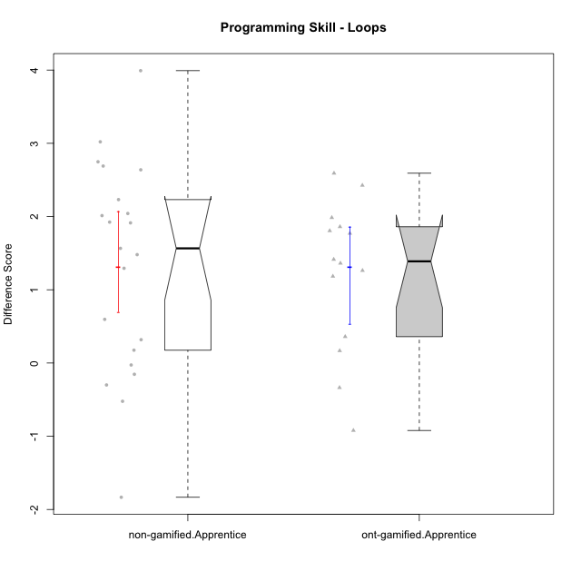

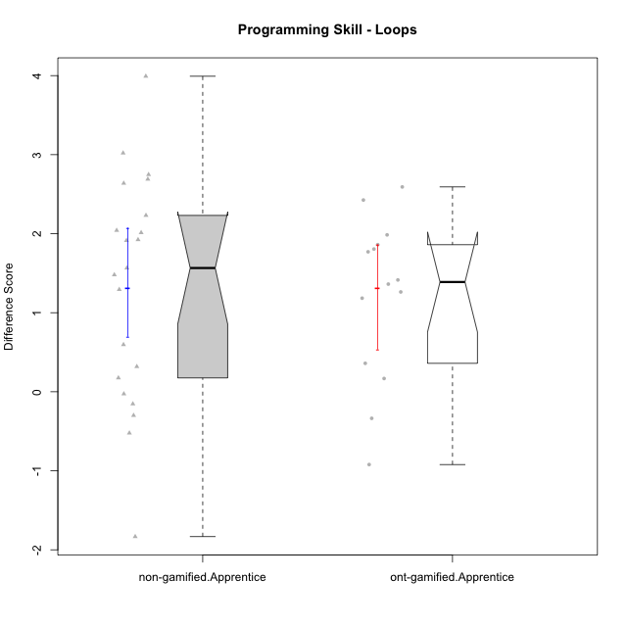

Wilcoxon data
UserID | NroUSP | Type | CLGroup | CLRole | PlayerRole | Re1 | Un3 | Ap2a | Ap2b | An3a | An3b | Ev2 | P2s0 | P2s1 | P2s2 | P2s3 | P3s0 | P3s1 | P3s2 | P3s3 | ReA | UnC | ApB1 | ApB2 | AnC1 | AnC2 | EvB | PCs0 | PCs1 | PCs2 | PCs3 | PDs0 | PDs1 | PDs2 | PDs3 | PEs0 | PEs1 | PEs2 | PEs3 | PreScore | PostScore | DiffScore
10169 | 10377538 | non-gamified | Grupo Team 10 | Apprentice |  | 1 | 1 | 1 | 1 | 0.25 | 0 | 0.75 | 1 | 0.5 | 0.33333333333 | 0.5 | 0 | 0 | 0 | 0 | 0.83333333333 | 0.5 | 0 | 0.5 | 0 | 0.33333333333 | 1 |  |  |  |  |  |  |  |  |  |  |  |  | 5 | 3.1666666667 | -1.8333333333
10170 | 10260351 | non-gamified | Grupo Team 6 | Apprentice |  | 0.62820512821 | 0.45 | 1 | 1 | 0.25 | 0.41666666667 | 0.72222222222 | 0 | 0 | 0 | 0 |  |  |  |  | 1 | 1 | 0 | 0 | 0.27777777778 | 0.66666666667 | 1 | 1 | 1 | 1 | 1 |  |  |  |  |  |  |  |  | 4.4670940171 | 3.9444444444 | -0.52264957265
10174 | 10276852 | non-gamified | Grupo Team 1 | Apprentice |  | 0.62820512821 | 0.15 | 0 | 0.92857142857 | 0 | 0 | 0 |  |  |  |  |  |  |  |  | 0.83333333333 | 0 | 1 | 0.21428571429 | 0.66666666667 | 0.27777777778 | 0.19444444444 | 1 | 0.5 | 0.33333333333 | 0.25 | 1 | 1 | 1 | 1 | 1 | 0.5 | 0.33333333333 | 0.25 | 1.7067765568 | 3.1865079365 | 1.4797313797
10176 | 10276949 | non-gamified | Grupo Team 9 | Apprentice |  | 0.82051282051 | 1 | 1 | 0.42857142857 | 0.5 | 0.41666666667 | 0.44444444444 | 1 | 0.5 | 0.33333333333 | 0.25 | 1 | 0.5 | 0.33333333333 | 0.25 | 0.66666666667 | 1 | 1 | 0.42857142857 | 0.33333333333 | 1 | 0.5 | 0 | 0 | 0 | 0 |  |  |  |  |  |  |  |  | 4.6101953602 | 4.9285714286 | 0.31837606838
10178 | 8656201 | non-gamified | Grupo Team 11 | Apprentice |  | 0.98717948718 | 1 | 1 | 0 | 0.75 | 0.41666666667 | 0.72222222222 | 1 | 0.5 | 0.33333333333 | 0.25 | 1 | 0.5 | 0.66666666667 | 0.5 | 1 | 1 | 1 | 0 | 0.66666666667 | 0.61111111111 | 0.44444444444 |  |  |  |  |  |  |  |  |  |  |  |  | 4.8760683761 | 4.7222222222 | -0.15384615385
10179 | 10310759 | ont-gamified | Grupo Tosskor | Apprentice | Yee Achiever | 0.65384615385 | 1 | 1 | 0 | 0.5 | 0.41666666667 | 0.72222222222 |  |  |  |  |  |  |  |  | 1 | 1 | 1 | 1 | 0.66666666667 | 0.61111111111 | 1 |  |  |  |  |  |  |  |  |  |  |  |  | 4.2927350427 | 6.2777777778 | 1.985042735
10181 | 10276866 | non-gamified | Grupo Team 7 | Apprentice |  | 0.48717948718 | 0.7 | 1 | 0 | 0.5 | 1 | 0.16666666667 | 1 | 1 | 1 | 1 | 1 | 1 | 1 | 1 | 0.61111111111 | 1 | 1 | 1 | 0.55555555556 | 0.61111111111 | 1 |  |  |  |  |  |  |  |  | 0 | 0 | 0 | 0 | 3.8538461538 | 5.7777777778 | 1.9239316239
10183 | 10352030 | non-gamified | Grupo Belos | Apprentice | Yee Socializer | 0.83333333333 | 0.225 | 1 | 0 | 0 | 0 | 0 |  |  |  |  |  |  |  |  | 0.83333333333 | 1 | 1 | 0.42857142857 | 0.61111111111 | 0.22222222222 | 0.19444444444 | 0 | 0 | 0 | 0 | 0 | 0 | 0 | 0 | 1 | 1 | 1 | 1 | 2.0583333333 | 4.2896825397 | 2.2313492063
10186 | 10310551 | non-gamified | Grupo Team 5 | Apprentice |  | 0.48717948718 | 0.725 | 1 | 0 | 0.5 | 0.5 | 0 |  |  |  |  |  |  |  |  | 0.83333333333 | 1 | 1 | 0 | 0.66666666667 | 0.27777777778 | 1 |  |  |  |  |  |  |  |  |  |  |  |  | 3.2121794872 | 4.7777777778 | 1.5655982906
10187 | 9790781 | ont-gamified | Grupo Razorg | Apprentice | Yee Achiever | 0.98717948718 | 1 | 1 | 0 | 0.75 | 0.41666666667 | 0.72222222222 | 1 | 1 | 1 | 1 | 1 | 0.5 | 0.33333333333 | 0.25 | 0.66666666667 | 1 | 1 | 0.42857142857 | 0.66666666667 | 0.61111111111 | 0.16666666667 |  |  |  |  |  |  |  |  |  |  |  |  | 4.8760683761 | 4.5396825397 | -0.33638583639
10189 | 9363926 | non-gamified | Grupo Team 2 | Apprentice |  | 0.80769230769 | 0.225 | 0 | 0.5 | 0.1875 | 0.41666666667 | 0.44444444444 | 1 | 1 | 0.66666666667 | 0.75 | 1 | 1 | 1 | 1 | 0.80555555556 | 1 | 1 | 0.42857142857 | 0.33333333333 | 0.33333333333 | 0.72222222222 | 1 | 0.5 | 0.33333333333 | 0.5 | 0 | 0 | 0 | 0 | 1 | 1 | 1 | 1 | 2.5813034188 | 4.623015873 | 2.0417124542
10190 | 10276907 | non-gamified | Grupo Team 8 | Apprentice |  | 0.62820512821 | 0.75 | 1 | 0.42857142857 | 1 | 0 | 0.47222222222 |  |  |  |  |  |  |  |  | 0.83333333333 | 0.46153846154 | 1 | 1 | 0.61111111111 | 0.66666666667 | 1 |  |  |  |  |  |  |  |  |  |  |  |  | 4.278998779 | 5.5726495726 | 1.2936507937
10192 | 10276682 | ont-gamified | Grupo Yeka | Apprentice | Yee Socializer | 0.65384615385 | 0.975 | 0 | 0.42857142857 | 0.5 | 0.41666666667 | 0.72222222222 | 1 | 0.5 | 0.66666666667 | 0.5 | 0 | 0 | 0 | 0 | 0.83333333333 | 1 | 1 | 0 | 0.66666666667 | 0.61111111111 | 1 | 1 | 0.5 | 0.66666666667 | 0.5 |  |  |  |  |  |  |  |  | 3.6963064713 | 5.1111111111 | 1.4148046398
10196 | 10310655 | non-gamified | Grupo Team 5 | Apprentice |  | 0.66666666667 | 0.475 | 1 | 0.42857142857 | 0.5 | 0 | 0.44444444444 | 1 | 0.5 | 0.33333333333 | 0.25 | 1 | 1 | 1 | 0.75 | 0.81944444444 | 1 | 1 | 1 | 0.66666666667 | 0.66666666667 | 1 | 1 | 1 | 0.66666666667 | 0.75 | 1 | 0.5 | 0.33333333333 | 0.25 |  |  |  |  | 3.5146825397 | 6.1527777778 | 2.6380952381
10198 | 10310888 | non-gamified | Grupo Team 1 | Apprentice |  | 0.32051282051 | 0 | 1 | 0 | 0.1875 | 0 | 0.44444444444 | 1 | 0.5 | 0.33333333333 | 0.25 | 1 | 0.5 | 0.33333333333 | 0.25 | 1 | 1 | 1 | 1 | 0.33333333333 | 0.61111111111 | 1 | 1 | 0.5 | 0.33333333333 | 0.25 | 1 | 0.5 | 0.33333333333 | 0.25 |  |  |  |  | 1.952457265 | 5.9444444444 | 3.9919871795
10200 | 9795272 | non-gamified | Grupo Team 4 | Apprentice |  | 0.48717948718 | 0.45 | 1 | 0 | 0.25 | 0.41666666667 | 0.16666666667 | 1 | 0.5 | 0.33333333333 | 0.25 | 1 | 0.5 | 0.33333333333 | 0.25 | 0.83333333333 | 0.46153846154 | 0 | 0.42857142857 | 0.27777777778 | 0.22222222222 | 0.72222222222 | 1 | 0.5 | 0.33333333333 | 0.25 | 1 | 0.5 | 0.33333333333 | 0.25 |  |  |  |  | 2.7705128205 | 2.9456654457 | 0.17515262515
10202 | 10277036 | ont-gamified | Grupo Paldira | Apprentice | Yee Achiever | 0.79487179487 | 0.725 | 0 | 0 | 0 | 0 | 0.41666666667 | 1 | 0.5 | 0.33333333333 | 0.25 | 0 | 0 | 0 | 0 | 1 | 0.46153846154 | 1 | 0.42857142857 | 0.94444444444 | 0.33333333333 | 0.19444444444 | 1 | 0.5 | 0.33333333333 | 0.25 | 0 | 0 | 0 | 0 |  |  |  |  | 1.9365384615 | 4.3623321123 | 2.4257936508
10203 | 9921470 | ont-gamified | Grupo Paldira | Apprentice | Yee Achiever | 0.62820512821 | 0.175 | 1 | 0 | 0.1875 | 0 | 0.41666666667 | 1 | 0.5 | 0.33333333333 | 0.25 | 0 | 0 | 0 | 0 | 0.81944444444 | 0 | 0 | 0 | 0 | 0.22222222222 | 0.44444444444 | 1 | 0.5 | 0.33333333333 | 0.25 | 1 | 1 | 0.66666666667 | 0.75 | 0 | 0 | 0 | 0 | 2.4073717949 | 1.4861111111 | -0.92126068376
10210 | 10277015 | ont-gamified | Grupo Losvakai | Apprentice | Yee Achiever | 0.64102564103 | 0.45 | 1 | 0.42857142857 | 0.25 | 0.41666666667 | 0 | 1 | 0.5 | 0.33333333333 | 0.25 | 1 | 1 | 0.66666666667 | 0.75 | 1 | 1 | 1 | 0.5 | 1 | 0.27777777778 | 1 | 1 | 1 | 0.66666666667 | 0.75 | 1 | 0.5 | 0.33333333333 | 0.25 | 0 | 0 | 0 | 0 | 3.1862637363 | 5.7777777778 | 2.5915140415
10212 | 9065750 | ont-gamified | Grupo Ellaru | Apprentice | Yee Socializer | 0.94871794872 | 1 | 1 | 0.42857142857 | 0.5 | 0.41666666667 | 1 | 1 | 1 | 0.66666666667 | 0.75 | 0 | 0 | 0 | 0 | 0.66666666667 | 0.96153846154 | 1 | 0.5 | 1 | 0.33333333333 | 1 |  |  |  |  |  |  |  |  |  |  |  |  | 5.293956044 | 5.4615384615 | 0.16758241758
10214 | 10277022 | ont-gamified | Grupo Koil | Apprentice | Yee Achiever | 0.62820512821 | 1 | 1 | 0.42857142857 | 0.75 | 0.5 | 1 | 1 | 0.5 | 0.33333333333 | 0.25 | 1 | 0.5 | 0.33333333333 | 0.25 | 0.66666666667 | 1 | 1 | 1 | 0.66666666667 | 0.33333333333 | 1 | 1 | 0.5 | 0.33333333333 | 0.25 | 1 | 0.5 | 0.66666666667 | 0.5 | 1 | 0.5 | 0.33333333333 | 0.25 | 5.3067765568 | 5.6666666667 | 0.35989010989
10215 | 9285227 | non-gamified | Grupo Team 7 | Apprentice |  | 0.64102564103 | 0.725 | 1 | 0 | 0.5 | 0.5 | 0.44444444444 | 1 | 1 | 1 | 1 | 1 | 1 | 1 | 1 | 0.83333333333 | 1 | 1 | 1 | 0.66666666667 | 1 | 1 | 1 | 0.5 | 0.33333333333 | 0.5 | 1 | 0.5 | 0.66666666667 | 0.5 | 0 | 0 | 0 | 0 | 3.8104700855 | 6.5 | 2.6895299145
10218 | 9842913 | non-gamified | Grupo Team 10 | Apprentice |  | 0.80769230769 | 0.75 | 1 | 0 | 1 | 0.5 | 0.75 | 1 | 0.5 | 0.33333333333 | 0.5 | 1 | 1 | 1 | 1 | 1 | 1 | 1 | 0.28571428571 | 0.11111111111 | 0.66666666667 | 0.44444444444 |  |  |  |  | 1 | 1 | 1 | 1 | 1 | 1 | 1 | 1 | 4.8076923077 | 4.5079365079 | -0.29975579976
10219 | 10276831 | ont-gamified | Grupo Razorg | Apprentice | Yee Achiever | 0.66666666667 | 0.45 | 1 | 0.42857142857 | 0.25 | 0.41666666667 | 0.72222222222 |  |  |  |  | 0 | 0 | 0 | 0 | 1 | 0.46153846154 | 1 | 1 | 0.66666666667 | 0.66666666667 | 1 |  |  |  |  |  |  |  |  |  |  |  |  | 3.9341269841 | 5.7948717949 | 1.8607448107
10220 | 9760151 | non-gamified | Grupo Team 4 | Apprentice |  | 0.97435897436 | 0.25 | 1 | 0 | 0.5 | 0 | 0.75 |  |  |  |  |  |  |  |  | 0.83333333333 | 1 | 1 | 1 | 1 | 0.66666666667 | 0.72222222222 |  |  |  |  |  |  |  |  |  |  |  |  | 3.4743589744 | 6.2222222222 | 2.7478632479
10221 | 9082496 | non-gamified | Grupo Team 3 | Apprentice |  | 0.47435897436 | 0.45 | 1 | 0 | 0 | 0 | 0.69444444444 |  |  |  |  |  |  |  |  | 0.97222222222 | 0.23076923077 | 0 | 0 | 0.33333333333 | 0.33333333333 | 0.72222222222 |  |  |  |  |  |  |  |  |  |  |  |  | 2.6188034188 | 2.5918803419 | -0.026923076923
10224 | 9368772 | non-gamified | Grupo Team 9 | Apprentice |  | 0.96153846154 | 1 | 1 | 0.42857142857 | 0.75 | 0.41666666667 | 0.19444444444 | 1 | 1 | 0.66666666667 | 0.75 |  |  |  |  | 0.45833333333 | 1 | 1 | 1 | 0.27777777778 | 0.61111111111 | 1 | 1 | 1 | 1 | 1 |  |  |  |  |  |  |  |  | 4.7512210012 | 5.3472222222 | 0.596001221
10226 | 10310342 | ont-gamified | Grupo Yeka | Apprentice | Yee Socializer | 0.97435897436 | 0.425 | 1 | 0 | 0.5 | 1 | 0.41666666667 |  |  |  |  |  |  |  |  | 0.83333333333 | 0 | 1 | 1 | 1 | 0.66666666667 | 1 |  |  |  |  | 1 | 0.5 | 0.33333333333 | 0.25 |  |  |  |  | 4.316025641 | 5.5 | 1.183974359
10227 | 9274382 | non-gamified | Grupo Team 2 | Apprentice |  | 0.62820512821 | 0.45 | 0 | 0.42857142857 | 0.6875 | 0 | 0 |  |  |  |  |  |  |  |  | 0.66666666667 | 0.73076923077 | 1 | 0.42857142857 | 0.66666666667 | 1 | 0.72222222222 | 1 | 0.5 | 0.33333333333 | 0.25 | 0 | 0 | 0 | 0 |  |  |  |  | 2.1942765568 | 5.2148962149 | 3.0206196581
10228 | 10310492 | ont-gamified | Grupo Losvakai | Apprentice | Yee Achiever | 0.78205128205 | 0.725 | 0 | 1 | 0.25 | 0.5 | 0 |  |  |  |  |  |  |  |  | 0.97222222222 | 1 | 1 | 1 | 0.33333333333 | 0 | 0.72222222222 |  |  |  |  |  |  |  |  |  |  |  |  | 3.2570512821 | 5.0277777778 | 1.7707264957
10230 | 10351992 | ont-gamified | Grupo Koil | Apprentice | Yee Achiever | 0.65384615385 | 1 | 1 | 0.42857142857 | 0.75 | 0.41666666667 | 1 |  |  |  |  |  |  |  |  | 1 | 1 | 1 | 1 | 0.61111111111 | 1 | 1 | 1 | 1 | 1 | 0.75 | 1 | 0.5 | 0.33333333333 | 0.5 | 0 | 0 | 0 | 0 | 5.2490842491 | 6.6111111111 | 1.362026862
10232 | 10276974 | non-gamified | Grupo Team 3 | Apprentice |  | 0.48717948718 | 0 | 1 | 0.42857142857 | 0.5 | 0.33333333333 | 0.44444444444 |  |  |  |  |  |  |  |  | 1 | 1 | 1 | 0.42857142857 | 1 | 0.27777777778 | 0.5 | 1 | 0.5 | 0.33333333333 | 0.25 | 0 | 0 | 0 | 0 |  |  |  |  | 3.1935286935 | 5.2063492063 | 2.0128205128
10237 | 10377688 | ont-gamified | Grupo Ellaru | Apprentice | Yee Socializer | 0.82051282051 | 0.25 | 1 | 1 | 1 | 0.5 | 1 |  |  |  |  |  |  |  |  | 0.83333333333 | 1 | 1 | 1 | 1 | 1 | 1 |  |  |  |  |  |  |  |  |  |  |  |  | 5.5705128205 | 6.8333333333 | 1.2628205128
10238 | 10276953 | ont-gamified | Grupo Belos | Apprentice | Yee Socializer | 0.80769230769 | 0.475 | 0 | 1 | 0.6875 | 0.41666666667 | 0.16666666667 | 0 | 0 | 0 | 0 |  |  |  |  | 0.81944444444 | 1 | 1 | 0.42857142857 | 0.66666666667 | 1 | 0.44444444444 |  |  |  |  | 0 | 0 | 0 | 0 |  |  |  |  | 3.553525641 | 5.3591269841 | 1.8056013431
10240 | 10276654 | non-gamified | Grupo Team 8 | Apprentice |  | 0.48717948718 | 1 | 1 | 0 | 0.25 | 0 | 0.72222222222 | 1 | 0.5 | 0.66666666667 | 0.5 |  |  |  |  | 1 | 1 | 1 | 0.42857142857 | 0.66666666667 | 0.27777777778 | 1 | 1 | 1 | 0.66666666667 | 0.75 | 1 | 1 | 1 | 1 | 1 | 0.5 | 0.66666666667 | 0.5 | 3.4594017094 | 5.373015873 | 1.9136141636

Type_CLRole_3
Wilcoxon Analysis for Programming Skill - Loops in Type:CLRole between non-gamified.Apprentice:ont-gamified.Master

Wilcoxon test results
Alternative hypothesis: less
Group | N | Median | Mean.Ranks | Sum.Ranks | U | Z | p.value | r
non-gamified.Apprentice | 21 | 1.5655982906 | 14.761904762 | 310 | 79 | 1.7240901289 | 0.96065673457 | 0.33812189271
ont-gamified.Master | 5 | 0.083333333333 | 8.2 | 41 | 79 | 1.7240901289 | 0.96065673457 | 0.33812189271
Alternative hypothesis: greater
Group | N | Median | Mean.Ranks | Sum.Ranks | U | Z | p.value | r
non-gamified.Apprentice | 21 | 1.5655982906 | 14.761904762 | 310 | 79 | 1.7240901289 | 0.045652173913 | 0.33812189271
ont-gamified.Master | 5 | 0.083333333333 | 8.2 | 41 | 79 | 1.7240901289 | 0.045652173913 | 0.33812189271
Alternative hypothesis: two.sided
Group | N | Median | Mean.Ranks | Sum.Ranks | U | Z | p.value | r
non-gamified.Apprentice | 21 | 1.5655982906 | 14.761904762 | 310 | 79 | 1.7240901289 | 0.091304347826 | 0.33812189271
ont-gamified.Master | 5 | 0.083333333333 | 8.2 | 41 | 79 | 1.7240901289 | 0.091304347826 | 0.33812189271

Box plots for wilcoxon tests
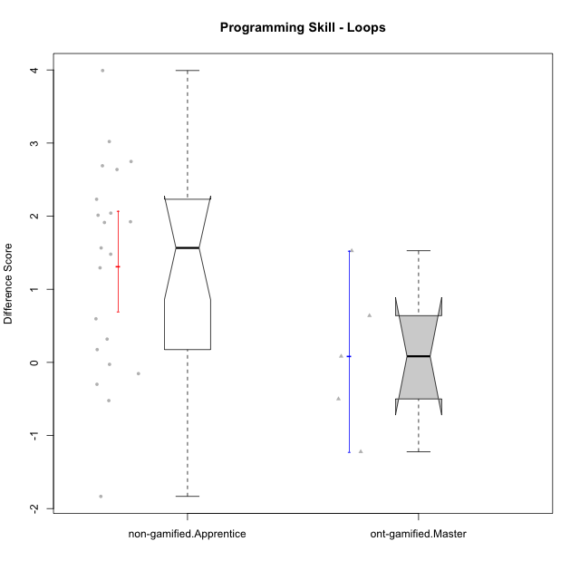

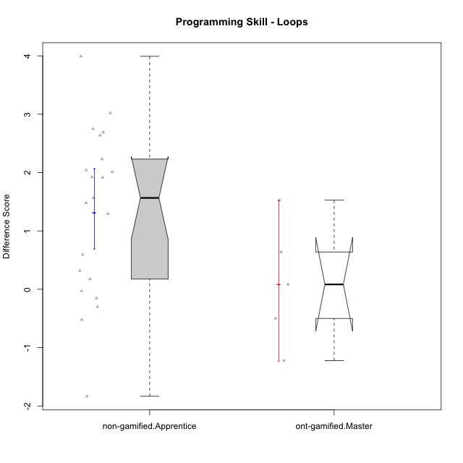

Wilcoxon data
UserID | NroUSP | Type | CLGroup | CLRole | PlayerRole | Re1 | Un3 | Ap2a | Ap2b | An3a | An3b | Ev2 | P2s0 | P2s1 | P2s2 | P2s3 | P3s0 | P3s1 | P3s2 | P3s3 | ReA | UnC | ApB1 | ApB2 | AnC1 | AnC2 | EvB | PCs0 | PCs1 | PCs2 | PCs3 | PDs0 | PDs1 | PDs2 | PDs3 | PEs0 | PEs1 | PEs2 | PEs3 | PreScore | PostScore | DiffScore
10169 | 10377538 | non-gamified | Grupo Team 10 | Apprentice |  | 1 | 1 | 1 | 1 | 0.25 | 0 | 0.75 | 1 | 0.5 | 0.33333333333 | 0.5 | 0 | 0 | 0 | 0 | 0.83333333333 | 0.5 | 0 | 0.5 | 0 | 0.33333333333 | 1 |  |  |  |  |  |  |  |  |  |  |  |  | 5 | 3.1666666667 | -1.8333333333
10170 | 10260351 | non-gamified | Grupo Team 6 | Apprentice |  | 0.62820512821 | 0.45 | 1 | 1 | 0.25 | 0.41666666667 | 0.72222222222 | 0 | 0 | 0 | 0 |  |  |  |  | 1 | 1 | 0 | 0 | 0.27777777778 | 0.66666666667 | 1 | 1 | 1 | 1 | 1 |  |  |  |  |  |  |  |  | 4.4670940171 | 3.9444444444 | -0.52264957265
10172 | 10273971 | ont-gamified | Grupo Koil | Master | Yee Achiever | 0.79487179487 | 1 | 1 | 0.42857142857 | 0.5 | 1 | 0.75 | 1 | 1 | 1 | 1 | 1 | 0.5 | 0.33333333333 | 0.25 | 1 | 1 | 1 | 1 | 1 | 1 | 1 | 1 | 1 | 1 | 1 | 1 | 1 | 1 | 1 | 0 | 0 | 0 | 0 | 5.4734432234 | 7 | 1.5265567766
10174 | 10276852 | non-gamified | Grupo Team 1 | Apprentice |  | 0.62820512821 | 0.15 | 0 | 0.92857142857 | 0 | 0 | 0 |  |  |  |  |  |  |  |  | 0.83333333333 | 0 | 1 | 0.21428571429 | 0.66666666667 | 0.27777777778 | 0.19444444444 | 1 | 0.5 | 0.33333333333 | 0.25 | 1 | 1 | 1 | 1 | 1 | 0.5 | 0.33333333333 | 0.25 | 1.7067765568 | 3.1865079365 | 1.4797313797
10176 | 10276949 | non-gamified | Grupo Team 9 | Apprentice |  | 0.82051282051 | 1 | 1 | 0.42857142857 | 0.5 | 0.41666666667 | 0.44444444444 | 1 | 0.5 | 0.33333333333 | 0.25 | 1 | 0.5 | 0.33333333333 | 0.25 | 0.66666666667 | 1 | 1 | 0.42857142857 | 0.33333333333 | 1 | 0.5 | 0 | 0 | 0 | 0 |  |  |  |  |  |  |  |  | 4.6101953602 | 4.9285714286 | 0.31837606838
10178 | 8656201 | non-gamified | Grupo Team 11 | Apprentice |  | 0.98717948718 | 1 | 1 | 0 | 0.75 | 0.41666666667 | 0.72222222222 | 1 | 0.5 | 0.33333333333 | 0.25 | 1 | 0.5 | 0.66666666667 | 0.5 | 1 | 1 | 1 | 0 | 0.66666666667 | 0.61111111111 | 0.44444444444 |  |  |  |  |  |  |  |  |  |  |  |  | 4.8760683761 | 4.7222222222 | -0.15384615385
10181 | 10276866 | non-gamified | Grupo Team 7 | Apprentice |  | 0.48717948718 | 0.7 | 1 | 0 | 0.5 | 1 | 0.16666666667 | 1 | 1 | 1 | 1 | 1 | 1 | 1 | 1 | 0.61111111111 | 1 | 1 | 1 | 0.55555555556 | 0.61111111111 | 1 |  |  |  |  |  |  |  |  | 0 | 0 | 0 | 0 | 3.8538461538 | 5.7777777778 | 1.9239316239
10183 | 10352030 | non-gamified | Grupo Belos | Apprentice | Yee Socializer | 0.83333333333 | 0.225 | 1 | 0 | 0 | 0 | 0 |  |  |  |  |  |  |  |  | 0.83333333333 | 1 | 1 | 0.42857142857 | 0.61111111111 | 0.22222222222 | 0.19444444444 | 0 | 0 | 0 | 0 | 0 | 0 | 0 | 0 | 1 | 1 | 1 | 1 | 2.0583333333 | 4.2896825397 | 2.2313492063
10185 | 10276960 | ont-gamified | Grupo Tosskor | Master | Yee Achiever | 0.83333333333 | 1 | 1 | 1 | 1 | 0.41666666667 | 0.72222222222 |  |  |  |  |  |  |  |  | 0.61111111111 | 1 | 1 | 1 | 1 | 1 | 1 |  |  |  |  |  |  |  |  |  |  |  |  | 5.9722222222 | 6.6111111111 | 0.63888888889
10186 | 10310551 | non-gamified | Grupo Team 5 | Apprentice |  | 0.48717948718 | 0.725 | 1 | 0 | 0.5 | 0.5 | 0 |  |  |  |  |  |  |  |  | 0.83333333333 | 1 | 1 | 0 | 0.66666666667 | 0.27777777778 | 1 |  |  |  |  |  |  |  |  |  |  |  |  | 3.2121794872 | 4.7777777778 | 1.5655982906
10188 | 10276995 | ont-gamified | Grupo Paldira | Master | Yee Achiever | 0.83333333333 | 1 | 1 | 1 | 1 | 1 | 1 | 1 | 0.5 | 0.66666666667 | 0.5 | 1 | 1 | 1 | 1 | 0.66666666667 | 1 | 1 | 1 | 0.61111111111 | 0.33333333333 | 1 | 0 | 0 | 0 | 0 |  |  |  |  | 1 | 1 | 1 | 0.75 | 6.8333333333 | 5.6111111111 | -1.2222222222
10189 | 9363926 | non-gamified | Grupo Team 2 | Apprentice |  | 0.80769230769 | 0.225 | 0 | 0.5 | 0.1875 | 0.41666666667 | 0.44444444444 | 1 | 1 | 0.66666666667 | 0.75 | 1 | 1 | 1 | 1 | 0.80555555556 | 1 | 1 | 0.42857142857 | 0.33333333333 | 0.33333333333 | 0.72222222222 | 1 | 0.5 | 0.33333333333 | 0.5 | 0 | 0 | 0 | 0 | 1 | 1 | 1 | 1 | 2.5813034188 | 4.623015873 | 2.0417124542
10190 | 10276907 | non-gamified | Grupo Team 8 | Apprentice |  | 0.62820512821 | 0.75 | 1 | 0.42857142857 | 1 | 0 | 0.47222222222 |  |  |  |  |  |  |  |  | 0.83333333333 | 0.46153846154 | 1 | 1 | 0.61111111111 | 0.66666666667 | 1 |  |  |  |  |  |  |  |  |  |  |  |  | 4.278998779 | 5.5726495726 | 1.2936507937
10196 | 10310655 | non-gamified | Grupo Team 5 | Apprentice |  | 0.66666666667 | 0.475 | 1 | 0.42857142857 | 0.5 | 0 | 0.44444444444 | 1 | 0.5 | 0.33333333333 | 0.25 | 1 | 1 | 1 | 0.75 | 0.81944444444 | 1 | 1 | 1 | 0.66666666667 | 0.66666666667 | 1 | 1 | 1 | 0.66666666667 | 0.75 | 1 | 0.5 | 0.33333333333 | 0.25 |  |  |  |  | 3.5146825397 | 6.1527777778 | 2.6380952381
10198 | 10310888 | non-gamified | Grupo Team 1 | Apprentice |  | 0.32051282051 | 0 | 1 | 0 | 0.1875 | 0 | 0.44444444444 | 1 | 0.5 | 0.33333333333 | 0.25 | 1 | 0.5 | 0.33333333333 | 0.25 | 1 | 1 | 1 | 1 | 0.33333333333 | 0.61111111111 | 1 | 1 | 0.5 | 0.33333333333 | 0.25 | 1 | 0.5 | 0.33333333333 | 0.25 |  |  |  |  | 1.952457265 | 5.9444444444 | 3.9919871795
10200 | 9795272 | non-gamified | Grupo Team 4 | Apprentice |  | 0.48717948718 | 0.45 | 1 | 0 | 0.25 | 0.41666666667 | 0.16666666667 | 1 | 0.5 | 0.33333333333 | 0.25 | 1 | 0.5 | 0.33333333333 | 0.25 | 0.83333333333 | 0.46153846154 | 0 | 0.42857142857 | 0.27777777778 | 0.22222222222 | 0.72222222222 | 1 | 0.5 | 0.33333333333 | 0.25 | 1 | 0.5 | 0.33333333333 | 0.25 |  |  |  |  | 2.7705128205 | 2.9456654457 | 0.17515262515
10208 | 10276932 | ont-gamified | Grupo Yeka | Master | Yee Socializer | 0.83333333333 | 1 | 1 | 1 | 0.75 | 1 | 1 | 1 | 1 | 1 | 1 | 1 | 0.5 | 0.33333333333 | 0.5 | 1 | 1 | 1 | 1 | 1 | 0.66666666667 | 1 | 1 | 0.5 | 0.66666666667 | 0.5 | 1 | 1 | 0.66666666667 | 0.75 | 1 | 1 | 0.66666666667 | 0.75 | 6.5833333333 | 6.6666666667 | 0.083333333333
10215 | 9285227 | non-gamified | Grupo Team 7 | Apprentice |  | 0.64102564103 | 0.725 | 1 | 0 | 0.5 | 0.5 | 0.44444444444 | 1 | 1 | 1 | 1 | 1 | 1 | 1 | 1 | 0.83333333333 | 1 | 1 | 1 | 0.66666666667 | 1 | 1 | 1 | 0.5 | 0.33333333333 | 0.5 | 1 | 0.5 | 0.66666666667 | 0.5 | 0 | 0 | 0 | 0 | 3.8104700855 | 6.5 | 2.6895299145
10217 | 9805341 | ont-gamified | Grupo Belos | Master | Yee Socializer | 0.83333333333 | 1 | 1 | 1 | 1 | 1 | 1 | 1 | 1 | 1 | 0.75 | 1 | 0.5 | 0.33333333333 | 0.25 | 1 | 1 | 1 | 1 | 1 | 0.33333333333 | 1 | 1 | 1 | 1 | 0.75 | 1 | 0.5 | 0.33333333333 | 0.25 | 1 | 0.5 | 0.33333333333 | 0.25 | 6.8333333333 | 6.3333333333 | -0.5
10218 | 9842913 | non-gamified | Grupo Team 10 | Apprentice |  | 0.80769230769 | 0.75 | 1 | 0 | 1 | 0.5 | 0.75 | 1 | 0.5 | 0.33333333333 | 0.5 | 1 | 1 | 1 | 1 | 1 | 1 | 1 | 0.28571428571 | 0.11111111111 | 0.66666666667 | 0.44444444444 |  |  |  |  | 1 | 1 | 1 | 1 | 1 | 1 | 1 | 1 | 4.8076923077 | 4.5079365079 | -0.29975579976
10220 | 9760151 | non-gamified | Grupo Team 4 | Apprentice |  | 0.97435897436 | 0.25 | 1 | 0 | 0.5 | 0 | 0.75 |  |  |  |  |  |  |  |  | 0.83333333333 | 1 | 1 | 1 | 1 | 0.66666666667 | 0.72222222222 |  |  |  |  |  |  |  |  |  |  |  |  | 3.4743589744 | 6.2222222222 | 2.7478632479
10221 | 9082496 | non-gamified | Grupo Team 3 | Apprentice |  | 0.47435897436 | 0.45 | 1 | 0 | 0 | 0 | 0.69444444444 |  |  |  |  |  |  |  |  | 0.97222222222 | 0.23076923077 | 0 | 0 | 0.33333333333 | 0.33333333333 | 0.72222222222 |  |  |  |  |  |  |  |  |  |  |  |  | 2.6188034188 | 2.5918803419 | -0.026923076923
10224 | 9368772 | non-gamified | Grupo Team 9 | Apprentice |  | 0.96153846154 | 1 | 1 | 0.42857142857 | 0.75 | 0.41666666667 | 0.19444444444 | 1 | 1 | 0.66666666667 | 0.75 |  |  |  |  | 0.45833333333 | 1 | 1 | 1 | 0.27777777778 | 0.61111111111 | 1 | 1 | 1 | 1 | 1 |  |  |  |  |  |  |  |  | 4.7512210012 | 5.3472222222 | 0.596001221
10227 | 9274382 | non-gamified | Grupo Team 2 | Apprentice |  | 0.62820512821 | 0.45 | 0 | 0.42857142857 | 0.6875 | 0 | 0 |  |  |  |  |  |  |  |  | 0.66666666667 | 0.73076923077 | 1 | 0.42857142857 | 0.66666666667 | 1 | 0.72222222222 | 1 | 0.5 | 0.33333333333 | 0.25 | 0 | 0 | 0 | 0 |  |  |  |  | 2.1942765568 | 5.2148962149 | 3.0206196581
10232 | 10276974 | non-gamified | Grupo Team 3 | Apprentice |  | 0.48717948718 | 0 | 1 | 0.42857142857 | 0.5 | 0.33333333333 | 0.44444444444 |  |  |  |  |  |  |  |  | 1 | 1 | 1 | 0.42857142857 | 1 | 0.27777777778 | 0.5 | 1 | 0.5 | 0.33333333333 | 0.25 | 0 | 0 | 0 | 0 |  |  |  |  | 3.1935286935 | 5.2063492063 | 2.0128205128
10240 | 10276654 | non-gamified | Grupo Team 8 | Apprentice |  | 0.48717948718 | 1 | 1 | 0 | 0.25 | 0 | 0.72222222222 | 1 | 0.5 | 0.66666666667 | 0.5 |  |  |  |  | 1 | 1 | 1 | 0.42857142857 | 0.66666666667 | 0.27777777778 | 1 | 1 | 1 | 0.66666666667 | 0.75 | 1 | 1 | 1 | 1 | 1 | 0.5 | 0.66666666667 | 0.5 | 3.4594017094 | 5.373015873 | 1.9136141636

Type_CLRole_4
Wilcoxon Analysis for Programming Skill - Loops in Type:CLRole between non-gamified.Master:ont-gamified.Apprentice

Wilcoxon test results
Alternative hypothesis: less
Group | N | Median | Mean.Ranks | Sum.Ranks | U | Z | p.value | r
non-gamified.Master | 8 | 0.82425213675 | 8.375 | 67 | 31 | -1.706309082 | 0.0475091472 | 0.3637863186
ont-gamified.Apprentice | 14 | 1.3884157509 | 13.285714286 | 186 | 31 | -1.706309082 | 0.0475091472 | 0.3637863186
Alternative hypothesis: greater
Group | N | Median | Mean.Ranks | Sum.Ranks | U | Z | p.value | r
non-gamified.Master | 8 | 0.82425213675 | 8.375 | 67 | 31 | -1.706309082 | 0.95915189042 | 0.3637863186
ont-gamified.Apprentice | 14 | 1.3884157509 | 13.285714286 | 186 | 31 | -1.706309082 | 0.95915189042 | 0.3637863186
Alternative hypothesis: two.sided
Group | N | Median | Mean.Ranks | Sum.Ranks | U | Z | p.value | r
non-gamified.Master | 8 | 0.82425213675 | 8.375 | 67 | 31 | -1.706309082 | 0.095018294399 | 0.3637863186
ont-gamified.Apprentice | 14 | 1.3884157509 | 13.285714286 | 186 | 31 | -1.706309082 | 0.095018294399 | 0.3637863186

Box plots for wilcoxon tests
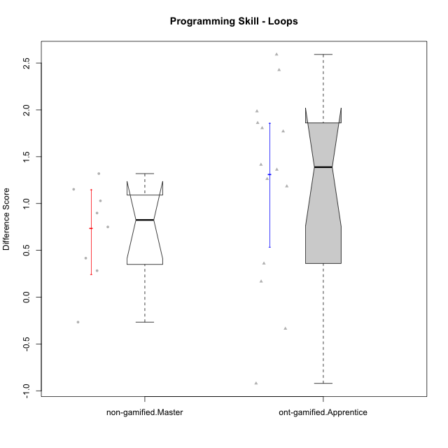

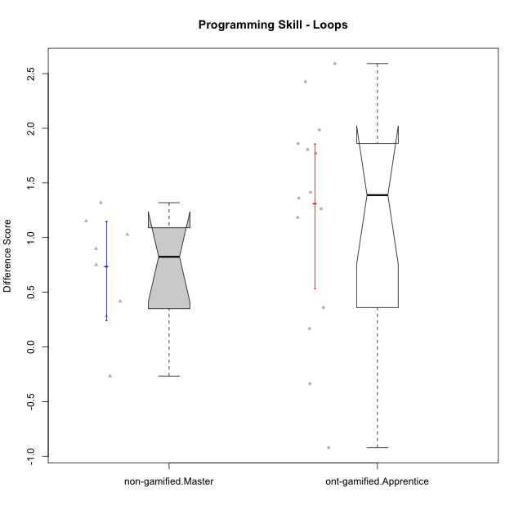

Wilcoxon data
UserID | NroUSP | Type | CLGroup | CLRole | PlayerRole | Re1 | Un3 | Ap2a | Ap2b | An3a | An3b | Ev2 | P2s0 | P2s1 | P2s2 | P2s3 | P3s0 | P3s1 | P3s2 | P3s3 | ReA | UnC | ApB1 | ApB2 | AnC1 | AnC2 | EvB | PCs0 | PCs1 | PCs2 | PCs3 | PDs0 | PDs1 | PDs2 | PDs3 | PEs0 | PEs1 | PEs2 | PEs3 | PreScore | PostScore | DiffScore
10175 | 10310700 | non-gamified | Grupo Team 6 | Master |  | 0.83333333333 | 1 | 1 | 1 | 1 | 0.41666666667 | 0.72222222222 | 1 | 0.5 | 0.66666666667 | 0.5 | 1 | 1 | 1 | 0.75 | 1 | 1 | 1 | 1 | 1 | 1 | 0.72222222222 | 1 | 0.5 | 0.66666666667 | 0.5 | 1 | 1 | 0.66666666667 | 0.75 | 1 | 0.5 | 0.33333333333 | 0.25 | 5.9722222222 | 6.7222222222 | 0.75
10179 | 10310759 | ont-gamified | Grupo Tosskor | Apprentice | Yee Achiever | 0.65384615385 | 1 | 1 | 0 | 0.5 | 0.41666666667 | 0.72222222222 |  |  |  |  |  |  |  |  | 1 | 1 | 1 | 1 | 0.66666666667 | 0.61111111111 | 1 |  |  |  |  |  |  |  |  |  |  |  |  | 4.2927350427 | 6.2777777778 | 1.985042735
10184 | 10276675 | non-gamified | Grupo Team 7 | Master |  | 0.65384615385 | 1 | 1 | 0.5 | 0.5 | 1 | 0.47222222222 | 1 | 0.5 | 0.66666666667 | 0.5 | 1 | 1 | 0.66666666667 | 0.75 | 1 | 1 | 1 | 1 | 1 | 0.27777777778 | 1 | 1 | 1 | 1 | 1 | 1 | 0.5 | 0.33333333333 | 0.25 | 1 | 0.5 | 0.66666666667 | 0.5 | 5.1260683761 | 6.2777777778 | 1.1517094017
10187 | 9790781 | ont-gamified | Grupo Razorg | Apprentice | Yee Achiever | 0.98717948718 | 1 | 1 | 0 | 0.75 | 0.41666666667 | 0.72222222222 | 1 | 1 | 1 | 1 | 1 | 0.5 | 0.33333333333 | 0.25 | 0.66666666667 | 1 | 1 | 0.42857142857 | 0.66666666667 | 0.61111111111 | 0.16666666667 |  |  |  |  |  |  |  |  |  |  |  |  | 4.8760683761 | 4.5396825397 | -0.33638583639
10192 | 10276682 | ont-gamified | Grupo Yeka | Apprentice | Yee Socializer | 0.65384615385 | 0.975 | 0 | 0.42857142857 | 0.5 | 0.41666666667 | 0.72222222222 | 1 | 0.5 | 0.66666666667 | 0.5 | 0 | 0 | 0 | 0 | 0.83333333333 | 1 | 1 | 0 | 0.66666666667 | 0.61111111111 | 1 | 1 | 0.5 | 0.66666666667 | 0.5 |  |  |  |  |  |  |  |  | 3.6963064713 | 5.1111111111 | 1.4148046398
10197 | 10276661 | non-gamified | Grupo Team 11 | Master |  | 0.94871794872 | 1 | 1 | 0.5 | 0.75 | 0 | 0.72222222222 | 1 | 0.5 | 0.33333333333 | 0.5 |  |  |  |  | 0.98611111111 | 1 | 1 | 0.5 | 0.66666666667 | 0.66666666667 | 1 | 1 | 0.5 | 0.33333333333 | 0.25 | 1 | 0.5 | 0.33333333333 | 0.25 | 0 | 0 | 0 | 0 | 4.9209401709 | 5.8194444444 | 0.8985042735
10201 | 10276928 | non-gamified | Grupo Team 10 | Master |  | 0.80769230769 | 1 | 1 | 0.42857142857 | 0.25 | 1 | 0.47222222222 | 1 | 0.5 | 0.33333333333 | 0.25 | 1 | 0.5 | 0.33333333333 | 0.25 | 1 | 1 | 1 | 1 | 0.27777777778 | 1 | 1 | 1 | 1 | 1 | 0.75 | 1 | 0.5 | 0.66666666667 | 0.5 | 0 | 0 | 0 | 0 | 4.9584859585 | 6.2777777778 | 1.3192918193
10202 | 10277036 | ont-gamified | Grupo Paldira | Apprentice | Yee Achiever | 0.79487179487 | 0.725 | 0 | 0 | 0 | 0 | 0.41666666667 | 1 | 0.5 | 0.33333333333 | 0.25 | 0 | 0 | 0 | 0 | 1 | 0.46153846154 | 1 | 0.42857142857 | 0.94444444444 | 0.33333333333 | 0.19444444444 | 1 | 0.5 | 0.33333333333 | 0.25 | 0 | 0 | 0 | 0 |  |  |  |  | 1.9365384615 | 4.3623321123 | 2.4257936508
10203 | 9921470 | ont-gamified | Grupo Paldira | Apprentice | Yee Achiever | 0.62820512821 | 0.175 | 1 | 0 | 0.1875 | 0 | 0.41666666667 | 1 | 0.5 | 0.33333333333 | 0.25 | 0 | 0 | 0 | 0 | 0.81944444444 | 0 | 0 | 0 | 0 | 0.22222222222 | 0.44444444444 | 1 | 0.5 | 0.33333333333 | 0.25 | 1 | 1 | 0.66666666667 | 0.75 | 0 | 0 | 0 | 0 | 2.4073717949 | 1.4861111111 | -0.92126068376
10204 | 10310471 | non-gamified | Grupo Team 5 | Master |  | 0.65384615385 | 1 | 1 | 0.42857142857 | 1 | 1 | 0.5 | 1 | 0.5 | 0.33333333333 | 0.25 | 0 | 0 | 0 | 0 | 1 | 1 | 1 | 1 | 1 | 0.61111111111 | 1 | 1 | 0.5 | 0.33333333333 | 0.25 | 1 | 1 | 1 | 0.75 | 1 | 0.5 | 0.33333333333 | 0.5 | 5.5824175824 | 6.6111111111 | 1.0286935287
10206 | 10310721 | non-gamified | Grupo Team 9 | Master |  | 0.83333333333 | 0.725 | 1 | 0.42857142857 | 0.75 | 1 | 1 | 1 | 1 | 0.66666666667 | 0.75 | 1 | 1 | 1 | 1 | 0.81944444444 | 1 | 1 | 0.42857142857 | 1 | 0.22222222222 | 1 | 1 | 0.5 | 0.66666666667 | 0.5 | 1 | 1 | 1 | 1 | 0 | 0 | 0 | 0 | 5.7369047619 | 5.4702380952 | -0.26666666667
10210 | 10277015 | ont-gamified | Grupo Losvakai | Apprentice | Yee Achiever | 0.64102564103 | 0.45 | 1 | 0.42857142857 | 0.25 | 0.41666666667 | 0 | 1 | 0.5 | 0.33333333333 | 0.25 | 1 | 1 | 0.66666666667 | 0.75 | 1 | 1 | 1 | 0.5 | 1 | 0.27777777778 | 1 | 1 | 1 | 0.66666666667 | 0.75 | 1 | 0.5 | 0.33333333333 | 0.25 | 0 | 0 | 0 | 0 | 3.1862637363 | 5.7777777778 | 2.5915140415
10212 | 9065750 | ont-gamified | Grupo Ellaru | Apprentice | Yee Socializer | 0.94871794872 | 1 | 1 | 0.42857142857 | 0.5 | 0.41666666667 | 1 | 1 | 1 | 0.66666666667 | 0.75 | 0 | 0 | 0 | 0 | 0.66666666667 | 0.96153846154 | 1 | 0.5 | 1 | 0.33333333333 | 1 |  |  |  |  |  |  |  |  |  |  |  |  | 5.293956044 | 5.4615384615 | 0.16758241758
10213 | 10277040 | non-gamified | Grupo Team 8 | Master |  | 0.82051282051 | 0.975 | 1 | 0.42857142857 | 0.9375 | 1 | 0.72222222222 | 0 | 0 | 0 | 0 |  |  |  |  | 0.83333333333 | 1 | 1 | 1 | 1 | 0.33333333333 | 1 |  |  |  |  |  |  |  |  | 1 | 1 | 1 | 1 | 5.8838064713 | 6.1666666667 | 0.28286019536
10214 | 10277022 | ont-gamified | Grupo Koil | Apprentice | Yee Achiever | 0.62820512821 | 1 | 1 | 0.42857142857 | 0.75 | 0.5 | 1 | 1 | 0.5 | 0.33333333333 | 0.25 | 1 | 0.5 | 0.33333333333 | 0.25 | 0.66666666667 | 1 | 1 | 1 | 0.66666666667 | 0.33333333333 | 1 | 1 | 0.5 | 0.33333333333 | 0.25 | 1 | 0.5 | 0.66666666667 | 0.5 | 1 | 0.5 | 0.33333333333 | 0.25 | 5.3067765568 | 5.6666666667 | 0.35989010989
10219 | 10276831 | ont-gamified | Grupo Razorg | Apprentice | Yee Achiever | 0.66666666667 | 0.45 | 1 | 0.42857142857 | 0.25 | 0.41666666667 | 0.72222222222 |  |  |  |  | 0 | 0 | 0 | 0 | 1 | 0.46153846154 | 1 | 1 | 0.66666666667 | 0.66666666667 | 1 |  |  |  |  |  |  |  |  |  |  |  |  | 3.9341269841 | 5.7948717949 | 1.8607448107
10226 | 10310342 | ont-gamified | Grupo Yeka | Apprentice | Yee Socializer | 0.97435897436 | 0.425 | 1 | 0 | 0.5 | 1 | 0.41666666667 |  |  |  |  |  |  |  |  | 0.83333333333 | 0 | 1 | 1 | 1 | 0.66666666667 | 1 |  |  |  |  | 1 | 0.5 | 0.33333333333 | 0.25 |  |  |  |  | 4.316025641 | 5.5 | 1.183974359
10228 | 10310492 | ont-gamified | Grupo Losvakai | Apprentice | Yee Achiever | 0.78205128205 | 0.725 | 0 | 1 | 0.25 | 0.5 | 0 |  |  |  |  |  |  |  |  | 0.97222222222 | 1 | 1 | 1 | 0.33333333333 | 0 | 0.72222222222 |  |  |  |  |  |  |  |  |  |  |  |  | 3.2570512821 | 5.0277777778 | 1.7707264957
10230 | 10351992 | ont-gamified | Grupo Koil | Apprentice | Yee Achiever | 0.65384615385 | 1 | 1 | 0.42857142857 | 0.75 | 0.41666666667 | 1 |  |  |  |  |  |  |  |  | 1 | 1 | 1 | 1 | 0.61111111111 | 1 | 1 | 1 | 1 | 1 | 0.75 | 1 | 0.5 | 0.33333333333 | 0.5 | 0 | 0 | 0 | 0 | 5.2490842491 | 6.6111111111 | 1.362026862
10231 | 10276911 | non-gamified | Grupo Team 4 | Master |  | 0.66666666667 | 1 | 1 | 1 | 0.75 | 1 | 1 | 1 | 1 | 1 | 1 | 1 | 0.5 | 0.66666666667 | 0.5 | 0.83333333333 | 1 | 1 | 1 | 1 | 1 | 1 | 1 | 0.5 | 0.33333333333 | 0.25 | 1 | 0.5 | 0.33333333333 | 0.5 | 1 | 0.5 | 0.33333333333 | 0.25 | 6.4166666667 | 6.8333333333 | 0.41666666667
10237 | 10377688 | ont-gamified | Grupo Ellaru | Apprentice | Yee Socializer | 0.82051282051 | 0.25 | 1 | 1 | 1 | 0.5 | 1 |  |  |  |  |  |  |  |  | 0.83333333333 | 1 | 1 | 1 | 1 | 1 | 1 |  |  |  |  |  |  |  |  |  |  |  |  | 5.5705128205 | 6.8333333333 | 1.2628205128
10238 | 10276953 | ont-gamified | Grupo Belos | Apprentice | Yee Socializer | 0.80769230769 | 0.475 | 0 | 1 | 0.6875 | 0.41666666667 | 0.16666666667 | 0 | 0 | 0 | 0 |  |  |  |  | 0.81944444444 | 1 | 1 | 0.42857142857 | 0.66666666667 | 1 | 0.44444444444 |  |  |  |  | 0 | 0 | 0 | 0 |  |  |  |  | 3.553525641 | 5.3591269841 | 1.8056013431

Type_CLRole_5
Wilcoxon Analysis for Programming Skill - Loops in Type:CLRole between non-gamified.Master:ont-gamified.Master

Wilcoxon test results
Alternative hypothesis: less
Group | N | Median | Mean.Ranks | Sum.Ranks | U | Z | p.value | r
non-gamified.Master | 8 | 0.82425213675 | 8 | 64 | 28 | 1.1710800875 | 0.88888888889 | 0.32479917718
ont-gamified.Master | 5 | 0.083333333333 | 5.4 | 27 | 28 | 1.1710800875 | 0.88888888889 | 0.32479917718
Alternative hypothesis: greater
Group | N | Median | Mean.Ranks | Sum.Ranks | U | Z | p.value | r
non-gamified.Master | 8 | 0.82425213675 | 8 | 64 | 28 | 1.1710800875 | 0.14219114219 | 0.32479917718
ont-gamified.Master | 5 | 0.083333333333 | 5.4 | 27 | 28 | 1.1710800875 | 0.14219114219 | 0.32479917718
Alternative hypothesis: two.sided
Group | N | Median | Mean.Ranks | Sum.Ranks | U | Z | p.value | r
non-gamified.Master | 8 | 0.82425213675 | 8 | 64 | 28 | 1.1710800875 | 0.28438228438 | 0.32479917718
ont-gamified.Master | 5 | 0.083333333333 | 5.4 | 27 | 28 | 1.1710800875 | 0.28438228438 | 0.32479917718

Box plots for wilcoxon tests
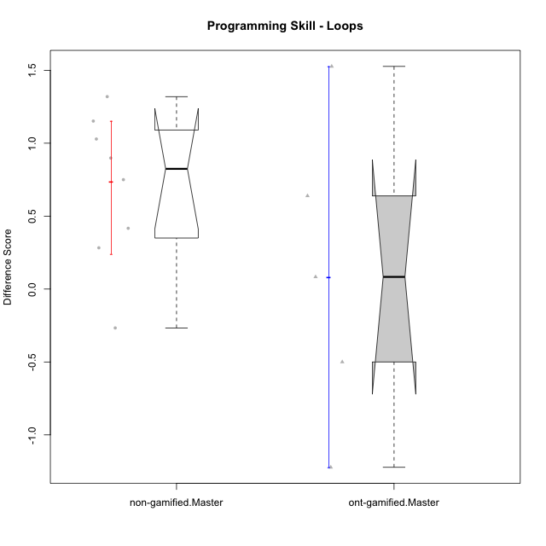

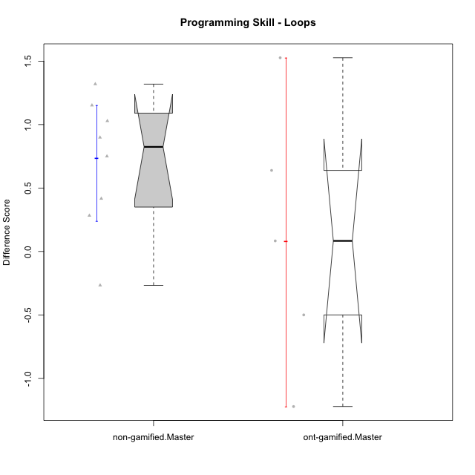

Wilcoxon data
UserID | NroUSP | Type | CLGroup | CLRole | PlayerRole | Re1 | Un3 | Ap2a | Ap2b | An3a | An3b | Ev2 | P2s0 | P2s1 | P2s2 | P2s3 | P3s0 | P3s1 | P3s2 | P3s3 | ReA | UnC | ApB1 | ApB2 | AnC1 | AnC2 | EvB | PCs0 | PCs1 | PCs2 | PCs3 | PDs0 | PDs1 | PDs2 | PDs3 | PEs0 | PEs1 | PEs2 | PEs3 | PreScore | PostScore | DiffScore
10172 | 10273971 | ont-gamified | Grupo Koil | Master | Yee Achiever | 0.79487179487 | 1 | 1 | 0.42857142857 | 0.5 | 1 | 0.75 | 1 | 1 | 1 | 1 | 1 | 0.5 | 0.33333333333 | 0.25 | 1 | 1 | 1 | 1 | 1 | 1 | 1 | 1 | 1 | 1 | 1 | 1 | 1 | 1 | 1 | 0 | 0 | 0 | 0 | 5.4734432234 | 7 | 1.5265567766
10175 | 10310700 | non-gamified | Grupo Team 6 | Master |  | 0.83333333333 | 1 | 1 | 1 | 1 | 0.41666666667 | 0.72222222222 | 1 | 0.5 | 0.66666666667 | 0.5 | 1 | 1 | 1 | 0.75 | 1 | 1 | 1 | 1 | 1 | 1 | 0.72222222222 | 1 | 0.5 | 0.66666666667 | 0.5 | 1 | 1 | 0.66666666667 | 0.75 | 1 | 0.5 | 0.33333333333 | 0.25 | 5.9722222222 | 6.7222222222 | 0.75
10184 | 10276675 | non-gamified | Grupo Team 7 | Master |  | 0.65384615385 | 1 | 1 | 0.5 | 0.5 | 1 | 0.47222222222 | 1 | 0.5 | 0.66666666667 | 0.5 | 1 | 1 | 0.66666666667 | 0.75 | 1 | 1 | 1 | 1 | 1 | 0.27777777778 | 1 | 1 | 1 | 1 | 1 | 1 | 0.5 | 0.33333333333 | 0.25 | 1 | 0.5 | 0.66666666667 | 0.5 | 5.1260683761 | 6.2777777778 | 1.1517094017
10185 | 10276960 | ont-gamified | Grupo Tosskor | Master | Yee Achiever | 0.83333333333 | 1 | 1 | 1 | 1 | 0.41666666667 | 0.72222222222 |  |  |  |  |  |  |  |  | 0.61111111111 | 1 | 1 | 1 | 1 | 1 | 1 |  |  |  |  |  |  |  |  |  |  |  |  | 5.9722222222 | 6.6111111111 | 0.63888888889
10188 | 10276995 | ont-gamified | Grupo Paldira | Master | Yee Achiever | 0.83333333333 | 1 | 1 | 1 | 1 | 1 | 1 | 1 | 0.5 | 0.66666666667 | 0.5 | 1 | 1 | 1 | 1 | 0.66666666667 | 1 | 1 | 1 | 0.61111111111 | 0.33333333333 | 1 | 0 | 0 | 0 | 0 |  |  |  |  | 1 | 1 | 1 | 0.75 | 6.8333333333 | 5.6111111111 | -1.2222222222
10197 | 10276661 | non-gamified | Grupo Team 11 | Master |  | 0.94871794872 | 1 | 1 | 0.5 | 0.75 | 0 | 0.72222222222 | 1 | 0.5 | 0.33333333333 | 0.5 |  |  |  |  | 0.98611111111 | 1 | 1 | 0.5 | 0.66666666667 | 0.66666666667 | 1 | 1 | 0.5 | 0.33333333333 | 0.25 | 1 | 0.5 | 0.33333333333 | 0.25 | 0 | 0 | 0 | 0 | 4.9209401709 | 5.8194444444 | 0.8985042735
10201 | 10276928 | non-gamified | Grupo Team 10 | Master |  | 0.80769230769 | 1 | 1 | 0.42857142857 | 0.25 | 1 | 0.47222222222 | 1 | 0.5 | 0.33333333333 | 0.25 | 1 | 0.5 | 0.33333333333 | 0.25 | 1 | 1 | 1 | 1 | 0.27777777778 | 1 | 1 | 1 | 1 | 1 | 0.75 | 1 | 0.5 | 0.66666666667 | 0.5 | 0 | 0 | 0 | 0 | 4.9584859585 | 6.2777777778 | 1.3192918193
10204 | 10310471 | non-gamified | Grupo Team 5 | Master |  | 0.65384615385 | 1 | 1 | 0.42857142857 | 1 | 1 | 0.5 | 1 | 0.5 | 0.33333333333 | 0.25 | 0 | 0 | 0 | 0 | 1 | 1 | 1 | 1 | 1 | 0.61111111111 | 1 | 1 | 0.5 | 0.33333333333 | 0.25 | 1 | 1 | 1 | 0.75 | 1 | 0.5 | 0.33333333333 | 0.5 | 5.5824175824 | 6.6111111111 | 1.0286935287
10206 | 10310721 | non-gamified | Grupo Team 9 | Master |  | 0.83333333333 | 0.725 | 1 | 0.42857142857 | 0.75 | 1 | 1 | 1 | 1 | 0.66666666667 | 0.75 | 1 | 1 | 1 | 1 | 0.81944444444 | 1 | 1 | 0.42857142857 | 1 | 0.22222222222 | 1 | 1 | 0.5 | 0.66666666667 | 0.5 | 1 | 1 | 1 | 1 | 0 | 0 | 0 | 0 | 5.7369047619 | 5.4702380952 | -0.26666666667
10208 | 10276932 | ont-gamified | Grupo Yeka | Master | Yee Socializer | 0.83333333333 | 1 | 1 | 1 | 0.75 | 1 | 1 | 1 | 1 | 1 | 1 | 1 | 0.5 | 0.33333333333 | 0.5 | 1 | 1 | 1 | 1 | 1 | 0.66666666667 | 1 | 1 | 0.5 | 0.66666666667 | 0.5 | 1 | 1 | 0.66666666667 | 0.75 | 1 | 1 | 0.66666666667 | 0.75 | 6.5833333333 | 6.6666666667 | 0.083333333333
10213 | 10277040 | non-gamified | Grupo Team 8 | Master |  | 0.82051282051 | 0.975 | 1 | 0.42857142857 | 0.9375 | 1 | 0.72222222222 | 0 | 0 | 0 | 0 |  |  |  |  | 0.83333333333 | 1 | 1 | 1 | 1 | 0.33333333333 | 1 |  |  |  |  |  |  |  |  | 1 | 1 | 1 | 1 | 5.8838064713 | 6.1666666667 | 0.28286019536
10217 | 9805341 | ont-gamified | Grupo Belos | Master | Yee Socializer | 0.83333333333 | 1 | 1 | 1 | 1 | 1 | 1 | 1 | 1 | 1 | 0.75 | 1 | 0.5 | 0.33333333333 | 0.25 | 1 | 1 | 1 | 1 | 1 | 0.33333333333 | 1 | 1 | 1 | 1 | 0.75 | 1 | 0.5 | 0.33333333333 | 0.25 | 1 | 0.5 | 0.33333333333 | 0.25 | 6.8333333333 | 6.3333333333 | -0.5
10231 | 10276911 | non-gamified | Grupo Team 4 | Master |  | 0.66666666667 | 1 | 1 | 1 | 0.75 | 1 | 1 | 1 | 1 | 1 | 1 | 1 | 0.5 | 0.66666666667 | 0.5 | 0.83333333333 | 1 | 1 | 1 | 1 | 1 | 1 | 1 | 0.5 | 0.33333333333 | 0.25 | 1 | 0.5 | 0.33333333333 | 0.5 | 1 | 0.5 | 0.33333333333 | 0.25 | 6.4166666667 | 6.8333333333 | 0.41666666667

Type_CLRole_6
Wilcoxon Analysis for Programming Skill - Loops in Type:CLRole between ont-gamified.Apprentice:ont-gamified.Master

Wilcoxon test results
Alternative hypothesis: less
Group | N | Median | Mean.Ranks | Sum.Ranks | U | Z | p.value | r
ont-gamified.Apprentice | 14 | 1.3884157509 | 11.428571429 | 160 | 55 | 1.8516401995 | 0.97213622291 | 0.42479539524
ont-gamified.Master | 5 | 0.083333333333 | 6 | 30 | 55 | 1.8516401995 | 0.97213622291 | 0.42479539524
Alternative hypothesis: greater
Group | N | Median | Mean.Ranks | Sum.Ranks | U | Z | p.value | r
ont-gamified.Apprentice | 14 | 1.3884157509 | 11.428571429 | 160 | 55 | 1.8516401995 | 0.035001719986 | 0.42479539524
ont-gamified.Master | 5 | 0.083333333333 | 6 | 30 | 55 | 1.8516401995 | 0.035001719986 | 0.42479539524
Alternative hypothesis: two.sided
Group | N | Median | Mean.Ranks | Sum.Ranks | U | Z | p.value | r
ont-gamified.Apprentice | 14 | 1.3884157509 | 11.428571429 | 160 | 55 | 1.8516401995 | 0.070003439972 | 0.42479539524
ont-gamified.Master | 5 | 0.083333333333 | 6 | 30 | 55 | 1.8516401995 | 0.070003439972 | 0.42479539524

Box plots for wilcoxon tests
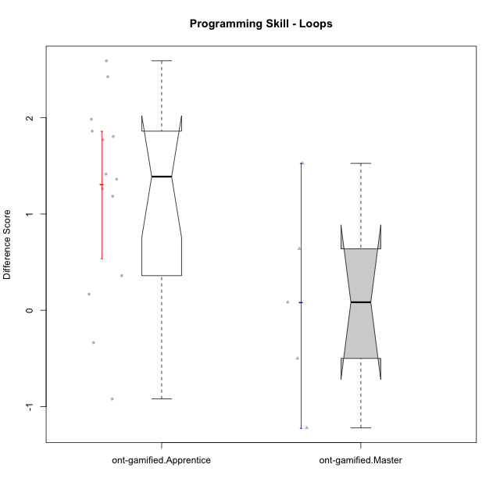

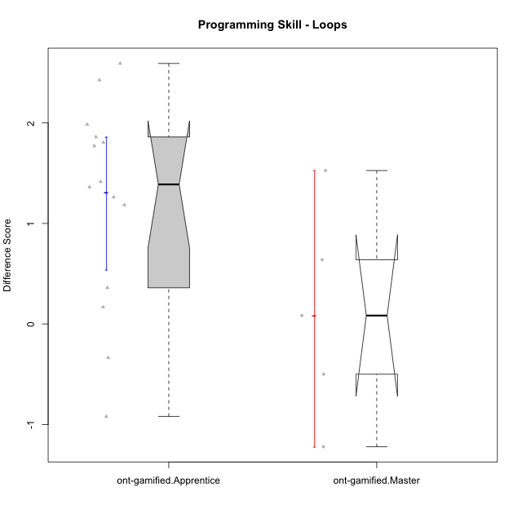

Wilcoxon data
UserID | NroUSP | Type | CLGroup | CLRole | PlayerRole | Re1 | Un3 | Ap2a | Ap2b | An3a | An3b | Ev2 | P2s0 | P2s1 | P2s2 | P2s3 | P3s0 | P3s1 | P3s2 | P3s3 | ReA | UnC | ApB1 | ApB2 | AnC1 | AnC2 | EvB | PCs0 | PCs1 | PCs2 | PCs3 | PDs0 | PDs1 | PDs2 | PDs3 | PEs0 | PEs1 | PEs2 | PEs3 | PreScore | PostScore | DiffScore
10172 | 10273971 | ont-gamified | Grupo Koil | Master | Yee Achiever | 0.79487179487 | 1 | 1 | 0.42857142857 | 0.5 | 1 | 0.75 | 1 | 1 | 1 | 1 | 1 | 0.5 | 0.33333333333 | 0.25 | 1 | 1 | 1 | 1 | 1 | 1 | 1 | 1 | 1 | 1 | 1 | 1 | 1 | 1 | 1 | 0 | 0 | 0 | 0 | 5.4734432234 | 7 | 1.5265567766
10179 | 10310759 | ont-gamified | Grupo Tosskor | Apprentice | Yee Achiever | 0.65384615385 | 1 | 1 | 0 | 0.5 | 0.41666666667 | 0.72222222222 |  |  |  |  |  |  |  |  | 1 | 1 | 1 | 1 | 0.66666666667 | 0.61111111111 | 1 |  |  |  |  |  |  |  |  |  |  |  |  | 4.2927350427 | 6.2777777778 | 1.985042735
10185 | 10276960 | ont-gamified | Grupo Tosskor | Master | Yee Achiever | 0.83333333333 | 1 | 1 | 1 | 1 | 0.41666666667 | 0.72222222222 |  |  |  |  |  |  |  |  | 0.61111111111 | 1 | 1 | 1 | 1 | 1 | 1 |  |  |  |  |  |  |  |  |  |  |  |  | 5.9722222222 | 6.6111111111 | 0.63888888889
10187 | 9790781 | ont-gamified | Grupo Razorg | Apprentice | Yee Achiever | 0.98717948718 | 1 | 1 | 0 | 0.75 | 0.41666666667 | 0.72222222222 | 1 | 1 | 1 | 1 | 1 | 0.5 | 0.33333333333 | 0.25 | 0.66666666667 | 1 | 1 | 0.42857142857 | 0.66666666667 | 0.61111111111 | 0.16666666667 |  |  |  |  |  |  |  |  |  |  |  |  | 4.8760683761 | 4.5396825397 | -0.33638583639
10188 | 10276995 | ont-gamified | Grupo Paldira | Master | Yee Achiever | 0.83333333333 | 1 | 1 | 1 | 1 | 1 | 1 | 1 | 0.5 | 0.66666666667 | 0.5 | 1 | 1 | 1 | 1 | 0.66666666667 | 1 | 1 | 1 | 0.61111111111 | 0.33333333333 | 1 | 0 | 0 | 0 | 0 |  |  |  |  | 1 | 1 | 1 | 0.75 | 6.8333333333 | 5.6111111111 | -1.2222222222
10192 | 10276682 | ont-gamified | Grupo Yeka | Apprentice | Yee Socializer | 0.65384615385 | 0.975 | 0 | 0.42857142857 | 0.5 | 0.41666666667 | 0.72222222222 | 1 | 0.5 | 0.66666666667 | 0.5 | 0 | 0 | 0 | 0 | 0.83333333333 | 1 | 1 | 0 | 0.66666666667 | 0.61111111111 | 1 | 1 | 0.5 | 0.66666666667 | 0.5 |  |  |  |  |  |  |  |  | 3.6963064713 | 5.1111111111 | 1.4148046398
10202 | 10277036 | ont-gamified | Grupo Paldira | Apprentice | Yee Achiever | 0.79487179487 | 0.725 | 0 | 0 | 0 | 0 | 0.41666666667 | 1 | 0.5 | 0.33333333333 | 0.25 | 0 | 0 | 0 | 0 | 1 | 0.46153846154 | 1 | 0.42857142857 | 0.94444444444 | 0.33333333333 | 0.19444444444 | 1 | 0.5 | 0.33333333333 | 0.25 | 0 | 0 | 0 | 0 |  |  |  |  | 1.9365384615 | 4.3623321123 | 2.4257936508
10203 | 9921470 | ont-gamified | Grupo Paldira | Apprentice | Yee Achiever | 0.62820512821 | 0.175 | 1 | 0 | 0.1875 | 0 | 0.41666666667 | 1 | 0.5 | 0.33333333333 | 0.25 | 0 | 0 | 0 | 0 | 0.81944444444 | 0 | 0 | 0 | 0 | 0.22222222222 | 0.44444444444 | 1 | 0.5 | 0.33333333333 | 0.25 | 1 | 1 | 0.66666666667 | 0.75 | 0 | 0 | 0 | 0 | 2.4073717949 | 1.4861111111 | -0.92126068376
10208 | 10276932 | ont-gamified | Grupo Yeka | Master | Yee Socializer | 0.83333333333 | 1 | 1 | 1 | 0.75 | 1 | 1 | 1 | 1 | 1 | 1 | 1 | 0.5 | 0.33333333333 | 0.5 | 1 | 1 | 1 | 1 | 1 | 0.66666666667 | 1 | 1 | 0.5 | 0.66666666667 | 0.5 | 1 | 1 | 0.66666666667 | 0.75 | 1 | 1 | 0.66666666667 | 0.75 | 6.5833333333 | 6.6666666667 | 0.083333333333
10210 | 10277015 | ont-gamified | Grupo Losvakai | Apprentice | Yee Achiever | 0.64102564103 | 0.45 | 1 | 0.42857142857 | 0.25 | 0.41666666667 | 0 | 1 | 0.5 | 0.33333333333 | 0.25 | 1 | 1 | 0.66666666667 | 0.75 | 1 | 1 | 1 | 0.5 | 1 | 0.27777777778 | 1 | 1 | 1 | 0.66666666667 | 0.75 | 1 | 0.5 | 0.33333333333 | 0.25 | 0 | 0 | 0 | 0 | 3.1862637363 | 5.7777777778 | 2.5915140415
10212 | 9065750 | ont-gamified | Grupo Ellaru | Apprentice | Yee Socializer | 0.94871794872 | 1 | 1 | 0.42857142857 | 0.5 | 0.41666666667 | 1 | 1 | 1 | 0.66666666667 | 0.75 | 0 | 0 | 0 | 0 | 0.66666666667 | 0.96153846154 | 1 | 0.5 | 1 | 0.33333333333 | 1 |  |  |  |  |  |  |  |  |  |  |  |  | 5.293956044 | 5.4615384615 | 0.16758241758
10214 | 10277022 | ont-gamified | Grupo Koil | Apprentice | Yee Achiever | 0.62820512821 | 1 | 1 | 0.42857142857 | 0.75 | 0.5 | 1 | 1 | 0.5 | 0.33333333333 | 0.25 | 1 | 0.5 | 0.33333333333 | 0.25 | 0.66666666667 | 1 | 1 | 1 | 0.66666666667 | 0.33333333333 | 1 | 1 | 0.5 | 0.33333333333 | 0.25 | 1 | 0.5 | 0.66666666667 | 0.5 | 1 | 0.5 | 0.33333333333 | 0.25 | 5.3067765568 | 5.6666666667 | 0.35989010989
10217 | 9805341 | ont-gamified | Grupo Belos | Master | Yee Socializer | 0.83333333333 | 1 | 1 | 1 | 1 | 1 | 1 | 1 | 1 | 1 | 0.75 | 1 | 0.5 | 0.33333333333 | 0.25 | 1 | 1 | 1 | 1 | 1 | 0.33333333333 | 1 | 1 | 1 | 1 | 0.75 | 1 | 0.5 | 0.33333333333 | 0.25 | 1 | 0.5 | 0.33333333333 | 0.25 | 6.8333333333 | 6.3333333333 | -0.5
10219 | 10276831 | ont-gamified | Grupo Razorg | Apprentice | Yee Achiever | 0.66666666667 | 0.45 | 1 | 0.42857142857 | 0.25 | 0.41666666667 | 0.72222222222 |  |  |  |  | 0 | 0 | 0 | 0 | 1 | 0.46153846154 | 1 | 1 | 0.66666666667 | 0.66666666667 | 1 |  |  |  |  |  |  |  |  |  |  |  |  | 3.9341269841 | 5.7948717949 | 1.8607448107
10226 | 10310342 | ont-gamified | Grupo Yeka | Apprentice | Yee Socializer | 0.97435897436 | 0.425 | 1 | 0 | 0.5 | 1 | 0.41666666667 |  |  |  |  |  |  |  |  | 0.83333333333 | 0 | 1 | 1 | 1 | 0.66666666667 | 1 |  |  |  |  | 1 | 0.5 | 0.33333333333 | 0.25 |  |  |  |  | 4.316025641 | 5.5 | 1.183974359
10228 | 10310492 | ont-gamified | Grupo Losvakai | Apprentice | Yee Achiever | 0.78205128205 | 0.725 | 0 | 1 | 0.25 | 0.5 | 0 |  |  |  |  |  |  |  |  | 0.97222222222 | 1 | 1 | 1 | 0.33333333333 | 0 | 0.72222222222 |  |  |  |  |  |  |  |  |  |  |  |  | 3.2570512821 | 5.0277777778 | 1.7707264957
10230 | 10351992 | ont-gamified | Grupo Koil | Apprentice | Yee Achiever | 0.65384615385 | 1 | 1 | 0.42857142857 | 0.75 | 0.41666666667 | 1 |  |  |  |  |  |  |  |  | 1 | 1 | 1 | 1 | 0.61111111111 | 1 | 1 | 1 | 1 | 1 | 0.75 | 1 | 0.5 | 0.33333333333 | 0.5 | 0 | 0 | 0 | 0 | 5.2490842491 | 6.6111111111 | 1.362026862
10237 | 10377688 | ont-gamified | Grupo Ellaru | Apprentice | Yee Socializer | 0.82051282051 | 0.25 | 1 | 1 | 1 | 0.5 | 1 |  |  |  |  |  |  |  |  | 0.83333333333 | 1 | 1 | 1 | 1 | 1 | 1 |  |  |  |  |  |  |  |  |  |  |  |  | 5.5705128205 | 6.8333333333 | 1.2628205128
10238 | 10276953 | ont-gamified | Grupo Belos | Apprentice | Yee Socializer | 0.80769230769 | 0.475 | 0 | 1 | 0.6875 | 0.41666666667 | 0.16666666667 | 0 | 0 | 0 | 0 |  |  |  |  | 0.81944444444 | 1 | 1 | 0.42857142857 | 0.66666666667 | 1 | 0.44444444444 |  |  |  |  | 0 | 0 | 0 | 0 |  |  |  |  | 3.553525641 | 5.3591269841 | 1.8056013431

