Type_1
Wilcoxon Analysis for Programming Skill - Recursion in Type between ont-gamified:w/o-gamified

Wilcoxon test results
Alternative hypothesis: less
Group | N | Median | Mean.Ranks | Sum.Ranks | U | Z | p.value | r
ont-gamified | 23 | 0.62283549784 | 31.434782609 | 723 | 447 | 2.964945701 | 0.9987989579 | 0.42356367158
w/o-gamified | 26 | -0.72322816073 | 19.307692308 | 502 | 447 | 2.964945701 | 0.9987989579 | 0.42356367158
Alternative hypothesis: greater
Group | N | Median | Mean.Ranks | Sum.Ranks | U | Z | p.value | r
ont-gamified | 23 | 0.62283549784 | 31.434782609 | 723 | 447 | 2.964945701 | 0.0012906109957 | 0.42356367158
w/o-gamified | 26 | -0.72322816073 | 19.307692308 | 502 | 447 | 2.964945701 | 0.0012906109957 | 0.42356367158
Alternative hypothesis: two.sided
Group | N | Median | Mean.Ranks | Sum.Ranks | U | Z | p.value | r
ont-gamified | 23 | 0.62283549784 | 31.434782609 | 723 | 447 | 2.964945701 | 0.0025812219914 | 0.42356367158
w/o-gamified | 26 | -0.72322816073 | 19.307692308 | 502 | 447 | 2.964945701 | 0.0025812219914 | 0.42356367158

Box plots for wilcoxon tests
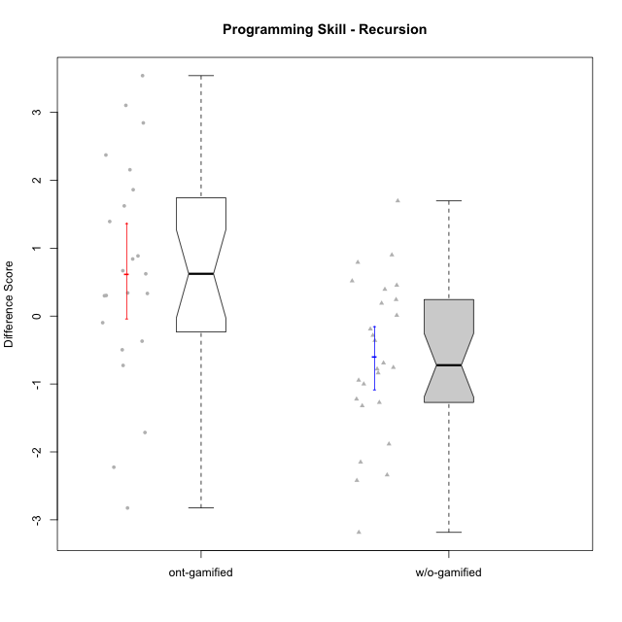

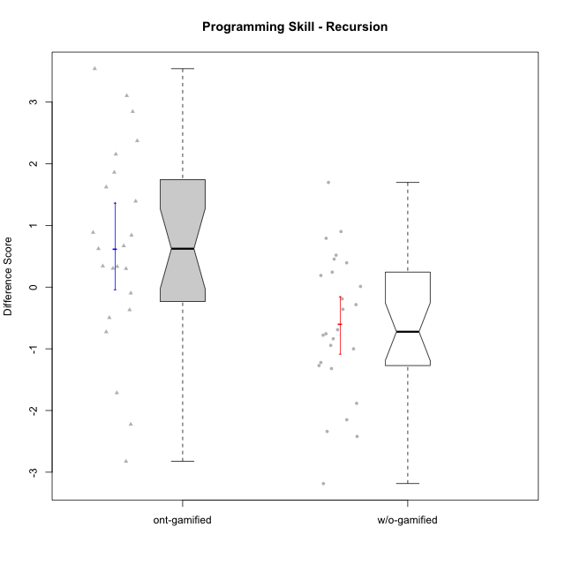

Wilcoxon data
UserID | NroUSP | Type | CLGroup | CLRole | PlayerRole | Re2 | Un2 | Ap3 | Ap1 | An3a | An3b | Ev2 | P4s0 | P4s1 | P4s2 | P4s3 | ReB | UnB | ApC | ApA | AnC1 | AnC2 | EvB | PFs0 | PFs1 | PFs2 | PFs3 | PGs0 | PGs1 | PGs2 | PGs3 | PHs0 | PHs1 | PHs2 | PHs3 | PreScore | PostScore | DiffScore
10169 | 10377538 | ont-gamified | Resistance | Apprentice | Social Achiever | 0.51785714286 | 0.33333333333 | 0.45454545455 | 0 | 0 | 0 | 0 |  |  |  |  | 1 | 0.83333333333 | 0.44444444444 | 1 | 0.42857142857 | 0 | 0.44444444444 | 1 | 1 | 1 | 0.75 | 1 | 0.5 | 0.66666666667 | 0.5 | 1 | 1 | 1 | 1 | 1.3057359307 | 4.1507936508 | 2.8450577201
10170 | 10260351 | w/o-gamified | Grupo11 | Apprentice |  | 0.375 | 0.28571428571 | 0.45454545455 | 1 | 0 | 0.5 | 1 |  |  |  |  | 0.69642857143 | 0.65384615385 | 0.44444444444 | 0 | 0.5 | 0 | 0 | 1 | 0.5 | 0.66666666667 | 0.5 | 1 | 1 | 1 | 0.75 | 1 | 0.5 | 0.33333333333 | 0.25 | 3.6152597403 | 2.2947191697 | -1.3205405705
10172 | 10273971 | w/o-gamified | Grupo5 | Apprentice |  | 0.67857142857 | 0.97619047619 | 0 | 0 | 0.5 | 0 | 0 |  |  |  |  | 0.035714285714 | 1 | 0.5 | 0 | 0.42857142857 | 0 | 0 | 1 | 0.5 | 0.33333333333 | 0.5 | 1 | 1 | 0.66666666667 | 0.75 | 1 | 1 | 1 | 0.75 | 2.1547619048 | 1.9642857143 | -0.19047619048
10174 | 10276852 | w/o-gamified | Grupo7 | Master |  | 0.67857142857 | 0.33333333333 | 0.45454545455 | 1 | 0.42857142857 | 1 | 0.44444444444 |  |  |  |  | 0.67857142857 | 0.65384615385 | 0 | 0 | 0 | 0.85714285714 | 0 | 1 | 0.5 | 0.33333333333 | 0.25 | 0 | 0 | 0 | 0 |  |  |  |  | 4.3394660895 | 2.1895604396 | -2.1499056499
10175 | 10310700 | ont-gamified | Warriors | Master | Social Achiever | 0.51785714286 | 0.66666666667 | 0 | 0.45454545455 | 0.5 | 1 | 1 |  |  |  |  | 1 | 1 | 1 | 1 | 1 | 0 | 1 | 1 | 0.5 | 0.33333333333 | 0.25 | 1 | 0.5 | 0.33333333333 | 0.5 | 1 | 0.5 | 0.66666666667 | 0.5 | 4.1390692641 | 6 | 1.8609307359
10176 | 10276949 | ont-gamified | Outlaws | Master | Social Achiever | 0.51785714286 | 0.64285714286 | 1 | 0.81818181818 | 1 | 1 | 0 |  |  |  |  | 0.21428571429 | 0.66666666667 | 0.44444444444 | 0.42857142857 | 1 | 0 | 0 | 1 | 1 | 1 | 0.75 | 1 | 1 | 0.66666666667 | 0.75 | 1 | 1 | 1 | 1 | 4.9788961039 | 2.753968254 | -2.2249278499
10178 | 8656201 | ont-gamified | Outlaws | Apprentice | Social Achiever | 0.53571428571 | 0 | 1 | 1 | 0 | 0 | 0 |  |  |  |  | 0.85714285714 | 0.30769230769 | 0 | 0 | 0.92857142857 | 0.35714285714 | 0.38888888889 | 0 | 0 | 0 | 0 | 1 | 1 | 0.66666666667 | 0.75 | 1 | 0.5 | 0.33333333333 | 0.25 | 2.5357142857 | 2.8394383394 | 0.30372405372
10179 | 10310759 | w/o-gamified | Grupo10 | Master |  | 0.85714285714 | 0.64285714286 | 1 | 1 | 0.42857142857 | 0.42857142857 | 0.44444444444 |  |  |  |  | 0.85714285714 | 0.66666666667 | 0 | 0.42857142857 | 0 | 0.42857142857 | 0 | 1 | 0.5 | 0.66666666667 | 0.5 |  |  |  |  |  |  |  |  | 4.8015873016 | 2.380952381 | -2.4206349206
10181 | 10276866 | w/o-gamified | Grupo2 | Apprentice |  | 0.51785714286 | 0.61904761905 | 0 | 0 | 0.5 | 0 | 0 |  |  |  |  | 1 | 0.83333333333 | 0 | 1 | 0.5 | 0 | 0 | 1 | 1 | 1 | 1 | 1 | 0.5 | 0.33333333333 | 0.25 | 1 | 1 | 0.66666666667 | 0.75 | 1.6369047619 | 3.3333333333 | 1.6964285714
10183 | 10352030 | w/o-gamified | Grupo3 | Apprentice |  | 0.51785714286 | 0.61904761905 | 1 | 0 | 0 | 0 | 0 |  |  |  |  | 0.67857142857 | 0.83333333333 | 0 | 0.28571428571 | 0.42857142857 | 0.42857142857 | 0 |  |  |  |  |  |  |  |  |  |  |  |  | 2.1369047619 | 2.6547619048 | 0.51785714286
10184 | 10276675 | w/o-gamified | Grupo10 | Apprentice |  | 0.51785714286 | 0.66666666667 | 0.5 | 1 | 0.5 | 0 | 1 | 1 | 1 | 0.66666666667 | 0.75 | 1 | 0 | 0 | 0 | 0 | 0 | 0 | 1 | 0.5 | 0.33333333333 | 0.5 | 1 | 0.5 | 0.33333333333 | 0.25 | 1 | 0.5 | 0.33333333333 | 0.25 | 4.1845238095 | 1 | -3.1845238095
10185 | 10276960 | w/o-gamified | Grupo9 | Apprentice |  | 0.83928571429 | 1 | 1 | 0 | 0.5 | 0 | 0 |  |  |  |  | 1 | 0 | 0 | 0 | 0 | 0 | 0 | 1 | 1 | 1 | 1 |  |  |  |  |  |  |  |  | 3.3392857143 | 1 | -2.3392857143
10186 | 10310551 | ont-gamified | Slayers | Apprentice | Social Achiever | 0.375 | 0.69047619048 | 0.54545454545 | 0.45454545455 | 0.57142857143 | 0.57142857143 | 0 |  |  |  |  | 0.67857142857 | 0.80769230769 | 0.33333333333 | 0.85714285714 | 0 | 0.42857142857 | 0.44444444444 | 1 | 1 | 1 | 1 | 1 | 1 | 1 | 1 | 1 | 1 | 1 | 1 | 3.2083333333 | 3.5497557998 | 0.34142246642
10187 | 9790781 | ont-gamified | Mafia | Apprentice | Social Achiever | 0.51785714286 | 0 | 1 | 1 | 0 | 0 | 0 |  |  |  |  | 1 | 0.30769230769 | 0 | 0 | 0.35714285714 | 0.35714285714 | 0 |  |  |  |  |  |  |  |  |  |  |  |  | 2.5178571429 | 2.021978022 | -0.49587912088
10188 | 10276995 | ont-gamified | Vandals | Master | Yee Achiever | 0.53571428571 | 0.33333333333 | 0 | 1 | 1 | 1 | 0 | 1 | 0.5 | 0.33333333333 | 0.25 | 1 | 0.83333333333 | 1 | 1 | 0 | 0.42857142857 | 1 | 1 | 0.5 | 0.33333333333 | 0.25 | 1 | 0.5 | 0.33333333333 | 0.25 | 1 | 0.5 | 0.33333333333 | 0.25 | 3.869047619 | 5.2619047619 | 1.3928571429
10189 | 9363926 | ont-gamified | Vikings | Apprentice | Social Achiever | 0.83928571429 | 0.2619047619 | 0 | 0 | 0.35714285714 | 0 | 0 |  |  |  |  | 0.35714285714 | 0.98717948718 | 0 | 0 | 0 | 0 | 1 | 1 | 1 | 0.66666666667 | 0.75 |  |  |  |  |  |  |  |  | 1.4583333333 | 2.3443223443 | 0.88598901099
10190 | 10276907 | w/o-gamified | Grupo4 | Apprentice |  | 0.51785714286 | 0.28571428571 | 0 | 0.45454545455 | 0.5 | 0.42857142857 | 0.44444444444 |  |  |  |  | 0.035714285714 | 0.66666666667 | 0 | 0.42857142857 | 0 | 0.5 | 0 | 1 | 0.5 | 0.66666666667 | 0.5 | 0 | 0 | 0 | 0 | 1 | 1 | 1 | 1 | 2.6311327561 | 1.630952381 | -1.0001803752
10191 | 10276981 | w/o-gamified | Grupo1 | Master |  | 0.51785714286 | 0.97619047619 | 1 | 1 | 0 | 0.92857142857 | 0 |  |  |  |  | 0.67857142857 | 0.98717948718 | 0 | 0 | 0 | 0.42857142857 | 0.44444444444 | 1 | 0.5 | 0.33333333333 | 0.25 | 1 | 1 | 1 | 1 | 1 | 1 | 1 | 0.75 | 4.4226190476 | 2.5387667888 | -1.8838522589
10192 | 10276682 | ont-gamified | Attractive Devils | Apprentice | Social Achiever | 0.51785714286 | 0.59523809524 | 1 | 1 | 0 | 0 | 0 |  |  |  |  | 0.83928571429 | 1 | 1 | 1 | 0 | 0.42857142857 | 1 | 1 | 0.5 | 0.33333333333 | 0.25 |  |  |  |  |  |  |  |  | 3.1130952381 | 5.2678571429 | 2.1547619048
10193 | 10276762 | ont-gamified | Vandals | Apprentice | Yee Achiever | 0.51785714286 | 0.64285714286 | 0.5 | 1 | 0.42857142857 | 0 | 0 |  |  |  |  | 0.23214285714 | 0.83333333333 | 0 | 1 | 0 | 0.85714285714 | 0.5 | 1 | 1 | 0.66666666667 | 0.75 | 1 | 0.5 | 0.33333333333 | 0.25 | 0 | 0 | 0 | 0 | 3.0892857143 | 3.4226190476 | 0.33333333333
10197 | 10276661 | w/o-gamified | Grupo8 | Apprentice |  | 0.51785714286 | 0.66666666667 | 0 | 1 | 0.92857142857 | 0 | 0.44444444444 | 1 | 1 | 1 | 1 | 0.35714285714 | 1 | 1 | 0 | 0 | 0 | 0.44444444444 | 1 | 0.5 | 0.33333333333 | 0.25 |  |  |  |  |  |  |  |  | 3.5575396825 | 2.8015873016 | -0.75595238095
10198 | 10310888 | ont-gamified | Attractive Devils | Apprentice | Social Achiever | 0.51785714286 | 0.64285714286 | 0 | 0 | 0.5 | 0 | 0 |  |  |  |  | 0.83928571429 | 0.82051282051 | 0.44444444444 | 1 | 0.5 | 0.42857142857 | 0 | 1 | 0.5 | 0.33333333333 | 0.25 | 1 | 0.5 | 0.33333333333 | 0.5 | 1 | 0.5 | 0.33333333333 | 0.5 | 1.6607142857 | 4.0328144078 | 2.3721001221
10200 | 9795272 | ont-gamified | Warriors | Apprentice | Social Achiever | 0.51785714286 | 0.64285714286 | 0.45454545455 | 0 | 0.42857142857 | 0 | 0 | 0 | 0 | 0 | 0 | 0.83928571429 | 1 | 0.44444444444 | 0 | 0 | 0.42857142857 | 0 |  |  |  |  |  |  |  |  |  |  |  |  | 2.0438311688 | 2.7123015873 | 0.66847041847
10201 | 10276928 | w/o-gamified | Grupo11 | Apprentice |  | 0.51785714286 | 0.64285714286 | 0 | 1 | 1 | 1 | 0 |  |  |  |  | 0.66071428571 | 0.83333333333 | 0.44444444444 | 0 | 1 | 0 | 0 | 1 | 0.5 | 0.33333333333 | 0.25 | 1 | 0.5 | 0.33333333333 | 0.25 | 0 | 0 | 0 | 0 | 4.1607142857 | 2.9384920635 | -1.2222222222
10202 | 10277036 | ont-gamified | Silly Knights | Apprentice | Social Achiever | 0.51785714286 | 0.61904761905 | 0 | 0 | 0 | 0 | 0 |  |  |  |  | 1 | 0.82051282051 | 1 | 0.42857142857 | 1 | 0.42857142857 | 0 |  |  |  |  |  |  |  |  |  |  |  |  | 1.1369047619 | 4.6776556777 | 3.5407509158
10203 | 9921470 | ont-gamified | Mercenaries | Apprentice | Social Achiever | 0.53571428571 | 1 | 1 | 0 | 0 | 0 | 0.44444444444 |  |  |  |  | 0.19642857143 | 0.64102564103 | 0 | 0.42857142857 | 0 | 0 | 0 |  |  |  |  |  |  |  |  | 0 | 0 | 0 | 0 | 2.9801587302 | 1.266025641 | -1.7141330891
10204 | 10310471 | w/o-gamified | Grupo6 | Apprentice |  | 0.51785714286 | 0.30952380952 | 0.45454545455 | 0 | 0.5 | 0.42857142857 | 0 | 0 | 0 | 0 | 0 | 1 | 0.66666666667 | 0.44444444444 | 0 | 0 | 1 | 0 | 1 | 0.5 | 0.66666666667 | 0.5 | 1 | 0.5 | 0.66666666667 | 0.5 | 1 | 0.5 | 0.66666666667 | 0.5 | 2.2104978355 | 3.1111111111 | 0.90061327561
10206 | 10310721 | w/o-gamified | Grupo8 | Apprentice |  | 0.69642857143 | 0.64285714286 | 0.45454545455 | 0 | 0.92857142857 | 0 | 1 |  |  |  |  | 0.67857142857 | 0.98717948718 | 0.38888888889 | 0.42857142857 | 1 | 0.42857142857 | 0 | 1 | 0.5 | 0.33333333333 | 0.25 | 1 | 0.5 | 0.33333333333 | 0.25 | 1 | 0.5 | 0.66666666667 | 0.5 | 3.7224025974 | 3.9117826618 | 0.18938006438
10209 | 10262669 | ont-gamified | Mafia | Apprentice | Social Achiever | 0.51785714286 | 0.66666666667 | 0.45454545455 | 1 | 0 | 1 | 0.44444444444 |  |  |  |  | 1 | 0.83333333333 | 1 | 1 | 1 | 0.42857142857 | 0.44444444444 | 1 | 0.5 | 0.33333333333 | 0.25 | 1 | 0.5 | 0.33333333333 | 0.25 | 0 | 0 | 0 | 0 | 4.0835137085 | 5.7063492063 | 1.6228354978
10210 | 10277015 | w/o-gamified | Grupo6 | Apprentice |  | 0.53571428571 | 0.95238095238 | 0.5 | 0 | 0.42857142857 | 0.85714285714 | 0 |  |  |  |  | 0.83928571429 | 0.82051282051 | 1 | 0 | 0.42857142857 | 0.42857142857 | 0 | 1 | 1 | 0.66666666667 | 0.75 | 1 | 1 | 1 | 1 | 0 | 0 | 0 | 0 | 3.2738095238 | 3.5169413919 | 0.24313186813
10213 | 10277040 | w/o-gamified | Grupo7 | Apprentice |  | 0.375 | 0.28571428571 | 0 | 1 | 0 | 0.5 | 1 |  |  |  |  | 1 | 1 | 0 | 0 | 0 | 0.35714285714 | 0.44444444444 | 1 | 1 | 1 | 1 | 1 | 1 | 0.66666666667 | 0.75 | 1 | 1 | 0.66666666667 | 0.75 | 3.1607142857 | 2.8015873016 | -0.35912698413
10214 | 10277022 | ont-gamified | Vikings | Apprentice | Social Achiever | 0.35714285714 | 0 | 0.45454545455 | 0 | 0 | 0.42857142857 | 0 |  |  |  |  | 0.375 | 0.66666666667 | 0.44444444444 | 1 | 1 | 0.85714285714 | 0 | 1 | 0.5 | 0.33333333333 | 0.25 |  |  |  |  |  |  |  |  | 1.2402597403 | 4.3432539683 | 3.102994228
10215 | 9285227 | ont-gamified | Vikings | Master | Social Achiever | 0.51785714286 | 0.66666666667 | 1 | 0.45454545455 | 0.5 | 0 | 0.44444444444 |  |  |  |  | 0.35714285714 | 1 | 0 | 1 | 0.5 | 0 | 0 | 1 | 1 | 1 | 1 | 1 | 1 | 1 | 1 | 1 | 1 | 1 | 1 | 3.5835137085 | 2.8571428571 | -0.72637085137
10216 | 10276720 | ont-gamified | Silly Knights | Master | Social Achiever | 0.51785714286 | 0.66666666667 | 0.45454545455 | 1 | 0.5 | 0.5 | 0 |  |  |  |  | 1 | 0.83333333333 | 0 | 0.42857142857 | 1 | 1 | 0 |  |  |  |  |  |  |  |  |  |  |  |  | 3.6390692641 | 4.2619047619 | 0.62283549784
10217 | 9805341 | w/o-gamified | Grupo9 | Apprentice |  | 0.51785714286 | 0.61904761905 | 0 | 1 | 1 | 0 | 1 |  |  |  |  | 1 | 0.83333333333 | 0.33333333333 | 1 | 1 | 0.42857142857 | 0.33333333333 | 1 | 0.5 | 0.66666666667 | 0.5 | 1 | 1 | 1 | 1 | 1 | 0.5 | 0.33333333333 | 0.25 | 4.1369047619 | 4.9285714286 | 0.79166666667
10218 | 9842913 | w/o-gamified | Grupo10 | Apprentice |  | 0.51785714286 | 0.30952380952 | 1 | 1 | 0 | 0 | 0.44444444444 |  |  |  |  | 1 | 1 | 0 | 0 | 0 | 0 | 0 |  |  |  |  | 1 | 1 | 1 | 1 |  |  |  |  | 3.2718253968 | 2 | -1.2718253968
10219 | 10276831 | w/o-gamified | Grupo3 | Master |  | 0.375 | 0.64285714286 | 0.45454545455 | 1 | 1 | 0 | 0 | 0 | 0 | 0 | 0 | 0.69642857143 | 0.64102564103 | 0.44444444444 | 1 | 0 | 0 | 0 | 1 | 1 | 0.66666666667 | 0.75 |  |  |  |  |  |  |  |  | 3.4724025974 | 2.7818986569 | -0.6905039405
10220 | 9760151 | w/o-gamified | Grupo3 | Apprentice |  | 0.51785714286 | 0.30952380952 | 0 | 1 | 0 | 0 | 0.44444444444 |  |  |  |  | 0.67857142857 | 0.48717948718 | 0 | 0 | 0 | 1 | 0.5 |  |  |  |  |  |  |  |  |  |  |  |  | 2.2718253968 | 2.6657509158 | 0.39392551893
10221 | 9082496 | ont-gamified | Warriors | Apprentice | Social Achiever | 0.39285714286 | 0.30952380952 | 0 | 0 | 0 | 0 | 0.44444444444 |  |  |  |  | 0.51785714286 | 0.5 | 0 | 0 | 0 | 0.42857142857 | 0 | 1 | 1 | 1 | 0.75 | 1 | 1 | 1 | 1 | 0 | 0 | 0 | 0 | 1.1468253968 | 1.4464285714 | 0.2996031746
10223 | 9795185 | ont-gamified | Slayers | Master | Social Achiever | 0.51785714286 | 0.33333333333 | 0 | 1 | 1 | 1 | 0 |  |  |  |  | 0.35714285714 | 0.66666666667 | 0 | 0.42857142857 | 1 | 0.85714285714 | 0.44444444444 |  |  |  |  |  |  |  |  |  |  |  |  | 3.8511904762 | 3.753968254 | -0.097222222222
10226 | 10310342 | w/o-gamified | Grupo4 | Apprentice |  | 0.51785714286 | 0.28571428571 | 0.45454545455 | 0 | 0.42857142857 | 0 | 0.5 |  |  |  |  | 1 | 0.64102564103 | 0 | 0 | 0.5 | 0.5 | 0 | 1 | 1 | 1 | 1 |  |  |  |  | 1 | 0.5 | 0.33333333333 | 0.5 | 2.1866883117 | 2.641025641 | 0.45433732934
10227 | 9274382 | w/o-gamified | Grupo5 | Master |  | 0.67857142857 | 0.33333333333 | 0.5 | 1 | 0.42857142857 | 1 | 0 |  |  |  |  | 0 | 0.83333333333 | 0 | 0.57142857143 | 0.57142857143 | 0.57142857143 | 0.55555555556 |  |  |  |  | 0 | 0 | 0 | 0 | 1 | 0.5 | 0.33333333333 | 0.25 | 3.9404761905 | 3.1031746032 | -0.8373015873
10228 | 10310492 | ont-gamified | Resistance | Apprentice | Social Achiever | 0.51785714286 | 0 | 0 | 0 | 0 | 0 | 0.44444444444 |  |  |  |  | 0.375 | 0.5 | 0 | 0.42857142857 | 0.5 | 0 | 0 | 1 | 1 | 0.66666666667 | 0.75 |  |  |  |  |  |  |  |  | 0.9623015873 | 1.8035714286 | 0.84126984127
10230 | 10351992 | ont-gamified | Resistance | Master | Social Achiever | 0.51785714286 | 0.57142857143 | 1 | 1 | 0.85714285714 | 0 | 0.44444444444 |  |  |  |  | 0.035714285714 | 0.64102564103 | 0.44444444444 | 0 | 0 | 0 | 0.44444444444 | 0 | 0 | 0 | 0 |  |  |  |  |  |  |  |  | 4.3908730159 | 1.5656288156 | -2.8252442002
10231 | 10276911 | w/o-gamified | Grupo9 | Master |  | 0.51785714286 | 1 | 0 | 1 | 1 | 1 | 0.44444444444 |  |  |  |  | 0.67857142857 | 1 | 0 | 1 | 1 | 0 | 1 | 1 | 0.5 | 0.33333333333 | 0.25 | 1 | 0.5 | 0.33333333333 | 0.25 | 0 | 0 | 0 | 0 | 4.9623015873 | 4.6785714286 | -0.28373015873
10232 | 10276974 | w/o-gamified | Grupo7 | Apprentice |  | 0.51785714286 | 0.64285714286 | 1 | 1 | 0 | 0.42857142857 | 0.38888888889 |  |  |  |  | 0.51785714286 | 1 | 0.44444444444 | 0.42857142857 | 0.35714285714 | 0.28571428571 | 0 | 1 | 1 | 1 | 1 | 1 | 0.5 | 0.66666666667 | 0.5 | 1 | 1 | 0.66666666667 | 0.75 | 3.9781746032 | 3.0337301587 | -0.94444444444
10237 | 10377688 | ont-gamified | Outlaws | Apprentice | Social Achiever | 0.51785714286 | 0.64285714286 | 0 | 1 | 1 | 0 | 0 |  |  |  |  | 1 | 0.47435897436 | 0.44444444444 | 0 | 0.42857142857 | 0 | 0.44444444444 | 1 | 1 | 0.66666666667 | 0.75 |  |  |  |  |  |  |  |  | 3.1607142857 | 2.7918192918 | -0.36889499389
10238 | 10276953 | w/o-gamified | Grupo2 | Master |  | 1 | 0.2619047619 | 1 | 0 | 1 | 0 | 0.44444444444 |  |  |  |  | 0.67857142857 | 0.82051282051 | 0 | 0 | 1 | 0.42857142857 | 0 |  |  |  |  |  |  |  |  |  |  |  |  | 3.7063492063 | 2.9276556777 | -0.77869352869
10240 | 10276654 | w/o-gamified | Grupo5 | Apprentice |  | 0.51785714286 | 0.64285714286 | 0 | 1 | 0 | 0.42857142857 | 0 |  |  |  |  | 0.51785714286 | 0.65384615385 | 0 | 0.42857142857 | 1 | 0 | 0 | 1 | 1 | 1 | 1 |  |  |  |  |  |  |  |  | 2.5892857143 | 2.6002747253 | 0.010989010989

Type_CLRole_1
Wilcoxon Analysis for Programming Skill - Recursion in Type:CLRole between ont-gamified.Apprentice:ont-gamified.Master

Wilcoxon test results
Alternative hypothesis: less
Group | N | Median | Mean.Ranks | Sum.Ranks | U | Z | p.value | r
ont-gamified.Apprentice | 16 | 0.75487012987 | 13.5 | 216 | 80 | 1.6035674515 | 0.94869818117 | 0.33436692755
ont-gamified.Master | 7 | -0.097222222222 | 8.5714285714 | 60 | 80 | 1.6035674515 | 0.94869818117 | 0.33436692755
Alternative hypothesis: greater
Group | N | Median | Mean.Ranks | Sum.Ranks | U | Z | p.value | r
ont-gamified.Apprentice | 16 | 0.75487012987 | 13.5 | 216 | 80 | 1.6035674515 | 0.059060112499 | 0.33436692755
ont-gamified.Master | 7 | -0.097222222222 | 8.5714285714 | 60 | 80 | 1.6035674515 | 0.059060112499 | 0.33436692755
Alternative hypothesis: two.sided
Group | N | Median | Mean.Ranks | Sum.Ranks | U | Z | p.value | r
ont-gamified.Apprentice | 16 | 0.75487012987 | 13.5 | 216 | 80 | 1.6035674515 | 0.118120225 | 0.33436692755
ont-gamified.Master | 7 | -0.097222222222 | 8.5714285714 | 60 | 80 | 1.6035674515 | 0.118120225 | 0.33436692755

Box plots for wilcoxon tests
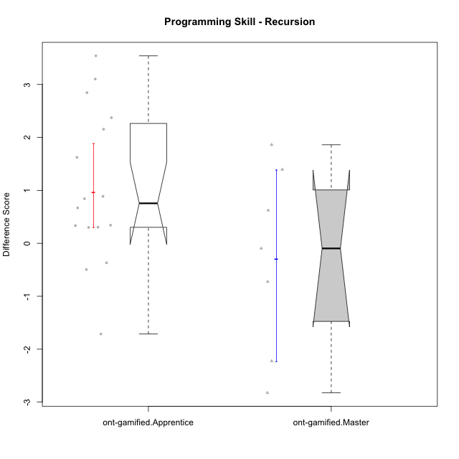

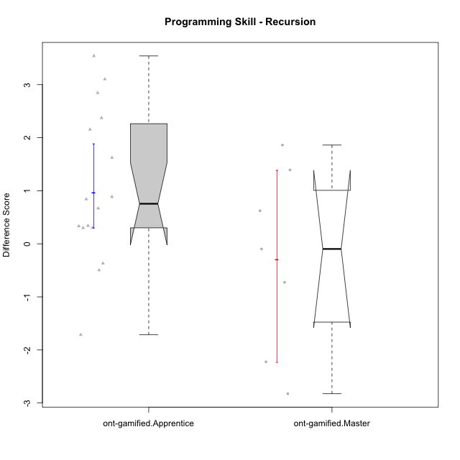

Wilcoxon data
UserID | NroUSP | Type | CLGroup | CLRole | PlayerRole | Re2 | Un2 | Ap3 | Ap1 | An3a | An3b | Ev2 | P4s0 | P4s1 | P4s2 | P4s3 | ReB | UnB | ApC | ApA | AnC1 | AnC2 | EvB | PFs0 | PFs1 | PFs2 | PFs3 | PGs0 | PGs1 | PGs2 | PGs3 | PHs0 | PHs1 | PHs2 | PHs3 | PreScore | PostScore | DiffScore
10169 | 10377538 | ont-gamified | Resistance | Apprentice | Social Achiever | 0.51785714286 | 0.33333333333 | 0.45454545455 | 0 | 0 | 0 | 0 |  |  |  |  | 1 | 0.83333333333 | 0.44444444444 | 1 | 0.42857142857 | 0 | 0.44444444444 | 1 | 1 | 1 | 0.75 | 1 | 0.5 | 0.66666666667 | 0.5 | 1 | 1 | 1 | 1 | 1.3057359307 | 4.1507936508 | 2.8450577201
10175 | 10310700 | ont-gamified | Warriors | Master | Social Achiever | 0.51785714286 | 0.66666666667 | 0 | 0.45454545455 | 0.5 | 1 | 1 |  |  |  |  | 1 | 1 | 1 | 1 | 1 | 0 | 1 | 1 | 0.5 | 0.33333333333 | 0.25 | 1 | 0.5 | 0.33333333333 | 0.5 | 1 | 0.5 | 0.66666666667 | 0.5 | 4.1390692641 | 6 | 1.8609307359
10176 | 10276949 | ont-gamified | Outlaws | Master | Social Achiever | 0.51785714286 | 0.64285714286 | 1 | 0.81818181818 | 1 | 1 | 0 |  |  |  |  | 0.21428571429 | 0.66666666667 | 0.44444444444 | 0.42857142857 | 1 | 0 | 0 | 1 | 1 | 1 | 0.75 | 1 | 1 | 0.66666666667 | 0.75 | 1 | 1 | 1 | 1 | 4.9788961039 | 2.753968254 | -2.2249278499
10178 | 8656201 | ont-gamified | Outlaws | Apprentice | Social Achiever | 0.53571428571 | 0 | 1 | 1 | 0 | 0 | 0 |  |  |  |  | 0.85714285714 | 0.30769230769 | 0 | 0 | 0.92857142857 | 0.35714285714 | 0.38888888889 | 0 | 0 | 0 | 0 | 1 | 1 | 0.66666666667 | 0.75 | 1 | 0.5 | 0.33333333333 | 0.25 | 2.5357142857 | 2.8394383394 | 0.30372405372
10186 | 10310551 | ont-gamified | Slayers | Apprentice | Social Achiever | 0.375 | 0.69047619048 | 0.54545454545 | 0.45454545455 | 0.57142857143 | 0.57142857143 | 0 |  |  |  |  | 0.67857142857 | 0.80769230769 | 0.33333333333 | 0.85714285714 | 0 | 0.42857142857 | 0.44444444444 | 1 | 1 | 1 | 1 | 1 | 1 | 1 | 1 | 1 | 1 | 1 | 1 | 3.2083333333 | 3.5497557998 | 0.34142246642
10187 | 9790781 | ont-gamified | Mafia | Apprentice | Social Achiever | 0.51785714286 | 0 | 1 | 1 | 0 | 0 | 0 |  |  |  |  | 1 | 0.30769230769 | 0 | 0 | 0.35714285714 | 0.35714285714 | 0 |  |  |  |  |  |  |  |  |  |  |  |  | 2.5178571429 | 2.021978022 | -0.49587912088
10188 | 10276995 | ont-gamified | Vandals | Master | Yee Achiever | 0.53571428571 | 0.33333333333 | 0 | 1 | 1 | 1 | 0 | 1 | 0.5 | 0.33333333333 | 0.25 | 1 | 0.83333333333 | 1 | 1 | 0 | 0.42857142857 | 1 | 1 | 0.5 | 0.33333333333 | 0.25 | 1 | 0.5 | 0.33333333333 | 0.25 | 1 | 0.5 | 0.33333333333 | 0.25 | 3.869047619 | 5.2619047619 | 1.3928571429
10189 | 9363926 | ont-gamified | Vikings | Apprentice | Social Achiever | 0.83928571429 | 0.2619047619 | 0 | 0 | 0.35714285714 | 0 | 0 |  |  |  |  | 0.35714285714 | 0.98717948718 | 0 | 0 | 0 | 0 | 1 | 1 | 1 | 0.66666666667 | 0.75 |  |  |  |  |  |  |  |  | 1.4583333333 | 2.3443223443 | 0.88598901099
10192 | 10276682 | ont-gamified | Attractive Devils | Apprentice | Social Achiever | 0.51785714286 | 0.59523809524 | 1 | 1 | 0 | 0 | 0 |  |  |  |  | 0.83928571429 | 1 | 1 | 1 | 0 | 0.42857142857 | 1 | 1 | 0.5 | 0.33333333333 | 0.25 |  |  |  |  |  |  |  |  | 3.1130952381 | 5.2678571429 | 2.1547619048
10193 | 10276762 | ont-gamified | Vandals | Apprentice | Yee Achiever | 0.51785714286 | 0.64285714286 | 0.5 | 1 | 0.42857142857 | 0 | 0 |  |  |  |  | 0.23214285714 | 0.83333333333 | 0 | 1 | 0 | 0.85714285714 | 0.5 | 1 | 1 | 0.66666666667 | 0.75 | 1 | 0.5 | 0.33333333333 | 0.25 | 0 | 0 | 0 | 0 | 3.0892857143 | 3.4226190476 | 0.33333333333
10198 | 10310888 | ont-gamified | Attractive Devils | Apprentice | Social Achiever | 0.51785714286 | 0.64285714286 | 0 | 0 | 0.5 | 0 | 0 |  |  |  |  | 0.83928571429 | 0.82051282051 | 0.44444444444 | 1 | 0.5 | 0.42857142857 | 0 | 1 | 0.5 | 0.33333333333 | 0.25 | 1 | 0.5 | 0.33333333333 | 0.5 | 1 | 0.5 | 0.33333333333 | 0.5 | 1.6607142857 | 4.0328144078 | 2.3721001221
10200 | 9795272 | ont-gamified | Warriors | Apprentice | Social Achiever | 0.51785714286 | 0.64285714286 | 0.45454545455 | 0 | 0.42857142857 | 0 | 0 | 0 | 0 | 0 | 0 | 0.83928571429 | 1 | 0.44444444444 | 0 | 0 | 0.42857142857 | 0 |  |  |  |  |  |  |  |  |  |  |  |  | 2.0438311688 | 2.7123015873 | 0.66847041847
10202 | 10277036 | ont-gamified | Silly Knights | Apprentice | Social Achiever | 0.51785714286 | 0.61904761905 | 0 | 0 | 0 | 0 | 0 |  |  |  |  | 1 | 0.82051282051 | 1 | 0.42857142857 | 1 | 0.42857142857 | 0 |  |  |  |  |  |  |  |  |  |  |  |  | 1.1369047619 | 4.6776556777 | 3.5407509158
10203 | 9921470 | ont-gamified | Mercenaries | Apprentice | Social Achiever | 0.53571428571 | 1 | 1 | 0 | 0 | 0 | 0.44444444444 |  |  |  |  | 0.19642857143 | 0.64102564103 | 0 | 0.42857142857 | 0 | 0 | 0 |  |  |  |  |  |  |  |  | 0 | 0 | 0 | 0 | 2.9801587302 | 1.266025641 | -1.7141330891
10209 | 10262669 | ont-gamified | Mafia | Apprentice | Social Achiever | 0.51785714286 | 0.66666666667 | 0.45454545455 | 1 | 0 | 1 | 0.44444444444 |  |  |  |  | 1 | 0.83333333333 | 1 | 1 | 1 | 0.42857142857 | 0.44444444444 | 1 | 0.5 | 0.33333333333 | 0.25 | 1 | 0.5 | 0.33333333333 | 0.25 | 0 | 0 | 0 | 0 | 4.0835137085 | 5.7063492063 | 1.6228354978
10214 | 10277022 | ont-gamified | Vikings | Apprentice | Social Achiever | 0.35714285714 | 0 | 0.45454545455 | 0 | 0 | 0.42857142857 | 0 |  |  |  |  | 0.375 | 0.66666666667 | 0.44444444444 | 1 | 1 | 0.85714285714 | 0 | 1 | 0.5 | 0.33333333333 | 0.25 |  |  |  |  |  |  |  |  | 1.2402597403 | 4.3432539683 | 3.102994228
10215 | 9285227 | ont-gamified | Vikings | Master | Social Achiever | 0.51785714286 | 0.66666666667 | 1 | 0.45454545455 | 0.5 | 0 | 0.44444444444 |  |  |  |  | 0.35714285714 | 1 | 0 | 1 | 0.5 | 0 | 0 | 1 | 1 | 1 | 1 | 1 | 1 | 1 | 1 | 1 | 1 | 1 | 1 | 3.5835137085 | 2.8571428571 | -0.72637085137
10216 | 10276720 | ont-gamified | Silly Knights | Master | Social Achiever | 0.51785714286 | 0.66666666667 | 0.45454545455 | 1 | 0.5 | 0.5 | 0 |  |  |  |  | 1 | 0.83333333333 | 0 | 0.42857142857 | 1 | 1 | 0 |  |  |  |  |  |  |  |  |  |  |  |  | 3.6390692641 | 4.2619047619 | 0.62283549784
10221 | 9082496 | ont-gamified | Warriors | Apprentice | Social Achiever | 0.39285714286 | 0.30952380952 | 0 | 0 | 0 | 0 | 0.44444444444 |  |  |  |  | 0.51785714286 | 0.5 | 0 | 0 | 0 | 0.42857142857 | 0 | 1 | 1 | 1 | 0.75 | 1 | 1 | 1 | 1 | 0 | 0 | 0 | 0 | 1.1468253968 | 1.4464285714 | 0.2996031746
10223 | 9795185 | ont-gamified | Slayers | Master | Social Achiever | 0.51785714286 | 0.33333333333 | 0 | 1 | 1 | 1 | 0 |  |  |  |  | 0.35714285714 | 0.66666666667 | 0 | 0.42857142857 | 1 | 0.85714285714 | 0.44444444444 |  |  |  |  |  |  |  |  |  |  |  |  | 3.8511904762 | 3.753968254 | -0.097222222222
10228 | 10310492 | ont-gamified | Resistance | Apprentice | Social Achiever | 0.51785714286 | 0 | 0 | 0 | 0 | 0 | 0.44444444444 |  |  |  |  | 0.375 | 0.5 | 0 | 0.42857142857 | 0.5 | 0 | 0 | 1 | 1 | 0.66666666667 | 0.75 |  |  |  |  |  |  |  |  | 0.9623015873 | 1.8035714286 | 0.84126984127
10230 | 10351992 | ont-gamified | Resistance | Master | Social Achiever | 0.51785714286 | 0.57142857143 | 1 | 1 | 0.85714285714 | 0 | 0.44444444444 |  |  |  |  | 0.035714285714 | 0.64102564103 | 0.44444444444 | 0 | 0 | 0 | 0.44444444444 | 0 | 0 | 0 | 0 |  |  |  |  |  |  |  |  | 4.3908730159 | 1.5656288156 | -2.8252442002
10237 | 10377688 | ont-gamified | Outlaws | Apprentice | Social Achiever | 0.51785714286 | 0.64285714286 | 0 | 1 | 1 | 0 | 0 |  |  |  |  | 1 | 0.47435897436 | 0.44444444444 | 0 | 0.42857142857 | 0 | 0.44444444444 | 1 | 1 | 0.66666666667 | 0.75 |  |  |  |  |  |  |  |  | 3.1607142857 | 2.7918192918 | -0.36889499389

Type_CLRole_2
Wilcoxon Analysis for Programming Skill - Recursion in Type:CLRole between ont-gamified.Apprentice:w/o-gamified.Apprentice

Wilcoxon test results
Alternative hypothesis: less
Group | N | Median | Mean.Ranks | Sum.Ranks | U | Z | p.value | r
ont-gamified.Apprentice | 16 | 0.75487012987 | 23.0625 | 369 | 233 | 2.6821780231 | 0.99707956441 | 0.45337083363
w/o-gamified.Apprentice | 19 | -0.19047619048 | 13.736842105 | 261 | 233 | 2.6821780231 | 0.99707956441 | 0.45337083363
Alternative hypothesis: greater
Group | N | Median | Mean.Ranks | Sum.Ranks | U | Z | p.value | r
ont-gamified.Apprentice | 16 | 0.75487012987 | 23.0625 | 369 | 233 | 2.6821780231 | 0.0032621622603 | 0.45337083363
w/o-gamified.Apprentice | 19 | -0.19047619048 | 13.736842105 | 261 | 233 | 2.6821780231 | 0.0032621622603 | 0.45337083363
Alternative hypothesis: two.sided
Group | N | Median | Mean.Ranks | Sum.Ranks | U | Z | p.value | r
ont-gamified.Apprentice | 16 | 0.75487012987 | 23.0625 | 369 | 233 | 2.6821780231 | 0.0065243245205 | 0.45337083363
w/o-gamified.Apprentice | 19 | -0.19047619048 | 13.736842105 | 261 | 233 | 2.6821780231 | 0.0065243245205 | 0.45337083363

Box plots for wilcoxon tests
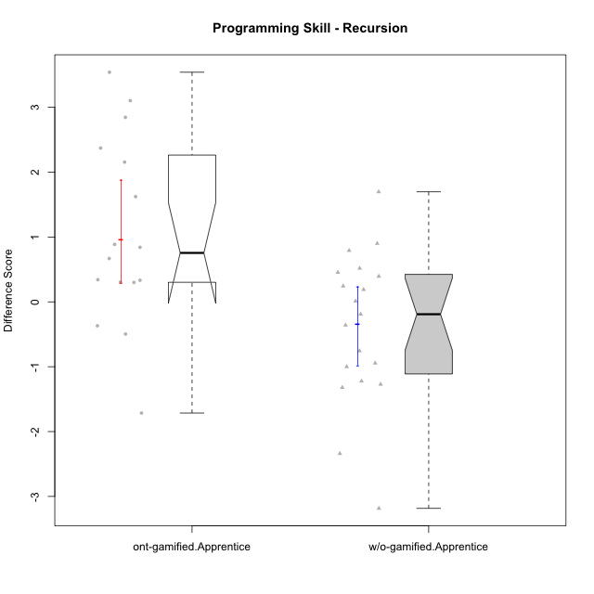

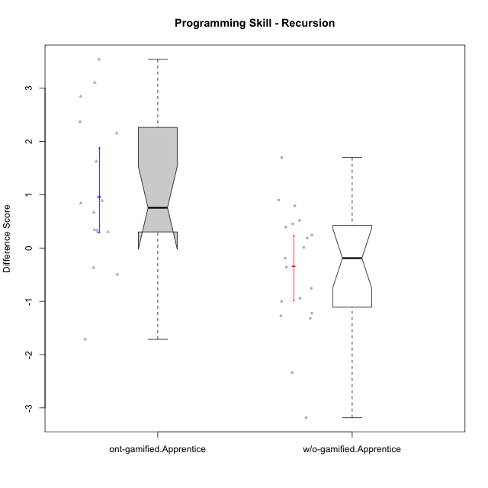

Wilcoxon data
UserID | NroUSP | Type | CLGroup | CLRole | PlayerRole | Re2 | Un2 | Ap3 | Ap1 | An3a | An3b | Ev2 | P4s0 | P4s1 | P4s2 | P4s3 | ReB | UnB | ApC | ApA | AnC1 | AnC2 | EvB | PFs0 | PFs1 | PFs2 | PFs3 | PGs0 | PGs1 | PGs2 | PGs3 | PHs0 | PHs1 | PHs2 | PHs3 | PreScore | PostScore | DiffScore
10169 | 10377538 | ont-gamified | Resistance | Apprentice | Social Achiever | 0.51785714286 | 0.33333333333 | 0.45454545455 | 0 | 0 | 0 | 0 |  |  |  |  | 1 | 0.83333333333 | 0.44444444444 | 1 | 0.42857142857 | 0 | 0.44444444444 | 1 | 1 | 1 | 0.75 | 1 | 0.5 | 0.66666666667 | 0.5 | 1 | 1 | 1 | 1 | 1.3057359307 | 4.1507936508 | 2.8450577201
10170 | 10260351 | w/o-gamified | Grupo11 | Apprentice |  | 0.375 | 0.28571428571 | 0.45454545455 | 1 | 0 | 0.5 | 1 |  |  |  |  | 0.69642857143 | 0.65384615385 | 0.44444444444 | 0 | 0.5 | 0 | 0 | 1 | 0.5 | 0.66666666667 | 0.5 | 1 | 1 | 1 | 0.75 | 1 | 0.5 | 0.33333333333 | 0.25 | 3.6152597403 | 2.2947191697 | -1.3205405705
10172 | 10273971 | w/o-gamified | Grupo5 | Apprentice |  | 0.67857142857 | 0.97619047619 | 0 | 0 | 0.5 | 0 | 0 |  |  |  |  | 0.035714285714 | 1 | 0.5 | 0 | 0.42857142857 | 0 | 0 | 1 | 0.5 | 0.33333333333 | 0.5 | 1 | 1 | 0.66666666667 | 0.75 | 1 | 1 | 1 | 0.75 | 2.1547619048 | 1.9642857143 | -0.19047619048
10178 | 8656201 | ont-gamified | Outlaws | Apprentice | Social Achiever | 0.53571428571 | 0 | 1 | 1 | 0 | 0 | 0 |  |  |  |  | 0.85714285714 | 0.30769230769 | 0 | 0 | 0.92857142857 | 0.35714285714 | 0.38888888889 | 0 | 0 | 0 | 0 | 1 | 1 | 0.66666666667 | 0.75 | 1 | 0.5 | 0.33333333333 | 0.25 | 2.5357142857 | 2.8394383394 | 0.30372405372
10181 | 10276866 | w/o-gamified | Grupo2 | Apprentice |  | 0.51785714286 | 0.61904761905 | 0 | 0 | 0.5 | 0 | 0 |  |  |  |  | 1 | 0.83333333333 | 0 | 1 | 0.5 | 0 | 0 | 1 | 1 | 1 | 1 | 1 | 0.5 | 0.33333333333 | 0.25 | 1 | 1 | 0.66666666667 | 0.75 | 1.6369047619 | 3.3333333333 | 1.6964285714
10183 | 10352030 | w/o-gamified | Grupo3 | Apprentice |  | 0.51785714286 | 0.61904761905 | 1 | 0 | 0 | 0 | 0 |  |  |  |  | 0.67857142857 | 0.83333333333 | 0 | 0.28571428571 | 0.42857142857 | 0.42857142857 | 0 |  |  |  |  |  |  |  |  |  |  |  |  | 2.1369047619 | 2.6547619048 | 0.51785714286
10184 | 10276675 | w/o-gamified | Grupo10 | Apprentice |  | 0.51785714286 | 0.66666666667 | 0.5 | 1 | 0.5 | 0 | 1 | 1 | 1 | 0.66666666667 | 0.75 | 1 | 0 | 0 | 0 | 0 | 0 | 0 | 1 | 0.5 | 0.33333333333 | 0.5 | 1 | 0.5 | 0.33333333333 | 0.25 | 1 | 0.5 | 0.33333333333 | 0.25 | 4.1845238095 | 1 | -3.1845238095
10185 | 10276960 | w/o-gamified | Grupo9 | Apprentice |  | 0.83928571429 | 1 | 1 | 0 | 0.5 | 0 | 0 |  |  |  |  | 1 | 0 | 0 | 0 | 0 | 0 | 0 | 1 | 1 | 1 | 1 |  |  |  |  |  |  |  |  | 3.3392857143 | 1 | -2.3392857143
10186 | 10310551 | ont-gamified | Slayers | Apprentice | Social Achiever | 0.375 | 0.69047619048 | 0.54545454545 | 0.45454545455 | 0.57142857143 | 0.57142857143 | 0 |  |  |  |  | 0.67857142857 | 0.80769230769 | 0.33333333333 | 0.85714285714 | 0 | 0.42857142857 | 0.44444444444 | 1 | 1 | 1 | 1 | 1 | 1 | 1 | 1 | 1 | 1 | 1 | 1 | 3.2083333333 | 3.5497557998 | 0.34142246642
10187 | 9790781 | ont-gamified | Mafia | Apprentice | Social Achiever | 0.51785714286 | 0 | 1 | 1 | 0 | 0 | 0 |  |  |  |  | 1 | 0.30769230769 | 0 | 0 | 0.35714285714 | 0.35714285714 | 0 |  |  |  |  |  |  |  |  |  |  |  |  | 2.5178571429 | 2.021978022 | -0.49587912088
10189 | 9363926 | ont-gamified | Vikings | Apprentice | Social Achiever | 0.83928571429 | 0.2619047619 | 0 | 0 | 0.35714285714 | 0 | 0 |  |  |  |  | 0.35714285714 | 0.98717948718 | 0 | 0 | 0 | 0 | 1 | 1 | 1 | 0.66666666667 | 0.75 |  |  |  |  |  |  |  |  | 1.4583333333 | 2.3443223443 | 0.88598901099
10190 | 10276907 | w/o-gamified | Grupo4 | Apprentice |  | 0.51785714286 | 0.28571428571 | 0 | 0.45454545455 | 0.5 | 0.42857142857 | 0.44444444444 |  |  |  |  | 0.035714285714 | 0.66666666667 | 0 | 0.42857142857 | 0 | 0.5 | 0 | 1 | 0.5 | 0.66666666667 | 0.5 | 0 | 0 | 0 | 0 | 1 | 1 | 1 | 1 | 2.6311327561 | 1.630952381 | -1.0001803752
10192 | 10276682 | ont-gamified | Attractive Devils | Apprentice | Social Achiever | 0.51785714286 | 0.59523809524 | 1 | 1 | 0 | 0 | 0 |  |  |  |  | 0.83928571429 | 1 | 1 | 1 | 0 | 0.42857142857 | 1 | 1 | 0.5 | 0.33333333333 | 0.25 |  |  |  |  |  |  |  |  | 3.1130952381 | 5.2678571429 | 2.1547619048
10193 | 10276762 | ont-gamified | Vandals | Apprentice | Yee Achiever | 0.51785714286 | 0.64285714286 | 0.5 | 1 | 0.42857142857 | 0 | 0 |  |  |  |  | 0.23214285714 | 0.83333333333 | 0 | 1 | 0 | 0.85714285714 | 0.5 | 1 | 1 | 0.66666666667 | 0.75 | 1 | 0.5 | 0.33333333333 | 0.25 | 0 | 0 | 0 | 0 | 3.0892857143 | 3.4226190476 | 0.33333333333
10197 | 10276661 | w/o-gamified | Grupo8 | Apprentice |  | 0.51785714286 | 0.66666666667 | 0 | 1 | 0.92857142857 | 0 | 0.44444444444 | 1 | 1 | 1 | 1 | 0.35714285714 | 1 | 1 | 0 | 0 | 0 | 0.44444444444 | 1 | 0.5 | 0.33333333333 | 0.25 |  |  |  |  |  |  |  |  | 3.5575396825 | 2.8015873016 | -0.75595238095
10198 | 10310888 | ont-gamified | Attractive Devils | Apprentice | Social Achiever | 0.51785714286 | 0.64285714286 | 0 | 0 | 0.5 | 0 | 0 |  |  |  |  | 0.83928571429 | 0.82051282051 | 0.44444444444 | 1 | 0.5 | 0.42857142857 | 0 | 1 | 0.5 | 0.33333333333 | 0.25 | 1 | 0.5 | 0.33333333333 | 0.5 | 1 | 0.5 | 0.33333333333 | 0.5 | 1.6607142857 | 4.0328144078 | 2.3721001221
10200 | 9795272 | ont-gamified | Warriors | Apprentice | Social Achiever | 0.51785714286 | 0.64285714286 | 0.45454545455 | 0 | 0.42857142857 | 0 | 0 | 0 | 0 | 0 | 0 | 0.83928571429 | 1 | 0.44444444444 | 0 | 0 | 0.42857142857 | 0 |  |  |  |  |  |  |  |  |  |  |  |  | 2.0438311688 | 2.7123015873 | 0.66847041847
10201 | 10276928 | w/o-gamified | Grupo11 | Apprentice |  | 0.51785714286 | 0.64285714286 | 0 | 1 | 1 | 1 | 0 |  |  |  |  | 0.66071428571 | 0.83333333333 | 0.44444444444 | 0 | 1 | 0 | 0 | 1 | 0.5 | 0.33333333333 | 0.25 | 1 | 0.5 | 0.33333333333 | 0.25 | 0 | 0 | 0 | 0 | 4.1607142857 | 2.9384920635 | -1.2222222222
10202 | 10277036 | ont-gamified | Silly Knights | Apprentice | Social Achiever | 0.51785714286 | 0.61904761905 | 0 | 0 | 0 | 0 | 0 |  |  |  |  | 1 | 0.82051282051 | 1 | 0.42857142857 | 1 | 0.42857142857 | 0 |  |  |  |  |  |  |  |  |  |  |  |  | 1.1369047619 | 4.6776556777 | 3.5407509158
10203 | 9921470 | ont-gamified | Mercenaries | Apprentice | Social Achiever | 0.53571428571 | 1 | 1 | 0 | 0 | 0 | 0.44444444444 |  |  |  |  | 0.19642857143 | 0.64102564103 | 0 | 0.42857142857 | 0 | 0 | 0 |  |  |  |  |  |  |  |  | 0 | 0 | 0 | 0 | 2.9801587302 | 1.266025641 | -1.7141330891
10204 | 10310471 | w/o-gamified | Grupo6 | Apprentice |  | 0.51785714286 | 0.30952380952 | 0.45454545455 | 0 | 0.5 | 0.42857142857 | 0 | 0 | 0 | 0 | 0 | 1 | 0.66666666667 | 0.44444444444 | 0 | 0 | 1 | 0 | 1 | 0.5 | 0.66666666667 | 0.5 | 1 | 0.5 | 0.66666666667 | 0.5 | 1 | 0.5 | 0.66666666667 | 0.5 | 2.2104978355 | 3.1111111111 | 0.90061327561
10206 | 10310721 | w/o-gamified | Grupo8 | Apprentice |  | 0.69642857143 | 0.64285714286 | 0.45454545455 | 0 | 0.92857142857 | 0 | 1 |  |  |  |  | 0.67857142857 | 0.98717948718 | 0.38888888889 | 0.42857142857 | 1 | 0.42857142857 | 0 | 1 | 0.5 | 0.33333333333 | 0.25 | 1 | 0.5 | 0.33333333333 | 0.25 | 1 | 0.5 | 0.66666666667 | 0.5 | 3.7224025974 | 3.9117826618 | 0.18938006438
10209 | 10262669 | ont-gamified | Mafia | Apprentice | Social Achiever | 0.51785714286 | 0.66666666667 | 0.45454545455 | 1 | 0 | 1 | 0.44444444444 |  |  |  |  | 1 | 0.83333333333 | 1 | 1 | 1 | 0.42857142857 | 0.44444444444 | 1 | 0.5 | 0.33333333333 | 0.25 | 1 | 0.5 | 0.33333333333 | 0.25 | 0 | 0 | 0 | 0 | 4.0835137085 | 5.7063492063 | 1.6228354978
10210 | 10277015 | w/o-gamified | Grupo6 | Apprentice |  | 0.53571428571 | 0.95238095238 | 0.5 | 0 | 0.42857142857 | 0.85714285714 | 0 |  |  |  |  | 0.83928571429 | 0.82051282051 | 1 | 0 | 0.42857142857 | 0.42857142857 | 0 | 1 | 1 | 0.66666666667 | 0.75 | 1 | 1 | 1 | 1 | 0 | 0 | 0 | 0 | 3.2738095238 | 3.5169413919 | 0.24313186813
10213 | 10277040 | w/o-gamified | Grupo7 | Apprentice |  | 0.375 | 0.28571428571 | 0 | 1 | 0 | 0.5 | 1 |  |  |  |  | 1 | 1 | 0 | 0 | 0 | 0.35714285714 | 0.44444444444 | 1 | 1 | 1 | 1 | 1 | 1 | 0.66666666667 | 0.75 | 1 | 1 | 0.66666666667 | 0.75 | 3.1607142857 | 2.8015873016 | -0.35912698413
10214 | 10277022 | ont-gamified | Vikings | Apprentice | Social Achiever | 0.35714285714 | 0 | 0.45454545455 | 0 | 0 | 0.42857142857 | 0 |  |  |  |  | 0.375 | 0.66666666667 | 0.44444444444 | 1 | 1 | 0.85714285714 | 0 | 1 | 0.5 | 0.33333333333 | 0.25 |  |  |  |  |  |  |  |  | 1.2402597403 | 4.3432539683 | 3.102994228
10217 | 9805341 | w/o-gamified | Grupo9 | Apprentice |  | 0.51785714286 | 0.61904761905 | 0 | 1 | 1 | 0 | 1 |  |  |  |  | 1 | 0.83333333333 | 0.33333333333 | 1 | 1 | 0.42857142857 | 0.33333333333 | 1 | 0.5 | 0.66666666667 | 0.5 | 1 | 1 | 1 | 1 | 1 | 0.5 | 0.33333333333 | 0.25 | 4.1369047619 | 4.9285714286 | 0.79166666667
10218 | 9842913 | w/o-gamified | Grupo10 | Apprentice |  | 0.51785714286 | 0.30952380952 | 1 | 1 | 0 | 0 | 0.44444444444 |  |  |  |  | 1 | 1 | 0 | 0 | 0 | 0 | 0 |  |  |  |  | 1 | 1 | 1 | 1 |  |  |  |  | 3.2718253968 | 2 | -1.2718253968
10220 | 9760151 | w/o-gamified | Grupo3 | Apprentice |  | 0.51785714286 | 0.30952380952 | 0 | 1 | 0 | 0 | 0.44444444444 |  |  |  |  | 0.67857142857 | 0.48717948718 | 0 | 0 | 0 | 1 | 0.5 |  |  |  |  |  |  |  |  |  |  |  |  | 2.2718253968 | 2.6657509158 | 0.39392551893
10221 | 9082496 | ont-gamified | Warriors | Apprentice | Social Achiever | 0.39285714286 | 0.30952380952 | 0 | 0 | 0 | 0 | 0.44444444444 |  |  |  |  | 0.51785714286 | 0.5 | 0 | 0 | 0 | 0.42857142857 | 0 | 1 | 1 | 1 | 0.75 | 1 | 1 | 1 | 1 | 0 | 0 | 0 | 0 | 1.1468253968 | 1.4464285714 | 0.2996031746
10226 | 10310342 | w/o-gamified | Grupo4 | Apprentice |  | 0.51785714286 | 0.28571428571 | 0.45454545455 | 0 | 0.42857142857 | 0 | 0.5 |  |  |  |  | 1 | 0.64102564103 | 0 | 0 | 0.5 | 0.5 | 0 | 1 | 1 | 1 | 1 |  |  |  |  | 1 | 0.5 | 0.33333333333 | 0.5 | 2.1866883117 | 2.641025641 | 0.45433732934
10228 | 10310492 | ont-gamified | Resistance | Apprentice | Social Achiever | 0.51785714286 | 0 | 0 | 0 | 0 | 0 | 0.44444444444 |  |  |  |  | 0.375 | 0.5 | 0 | 0.42857142857 | 0.5 | 0 | 0 | 1 | 1 | 0.66666666667 | 0.75 |  |  |  |  |  |  |  |  | 0.9623015873 | 1.8035714286 | 0.84126984127
10232 | 10276974 | w/o-gamified | Grupo7 | Apprentice |  | 0.51785714286 | 0.64285714286 | 1 | 1 | 0 | 0.42857142857 | 0.38888888889 |  |  |  |  | 0.51785714286 | 1 | 0.44444444444 | 0.42857142857 | 0.35714285714 | 0.28571428571 | 0 | 1 | 1 | 1 | 1 | 1 | 0.5 | 0.66666666667 | 0.5 | 1 | 1 | 0.66666666667 | 0.75 | 3.9781746032 | 3.0337301587 | -0.94444444444
10237 | 10377688 | ont-gamified | Outlaws | Apprentice | Social Achiever | 0.51785714286 | 0.64285714286 | 0 | 1 | 1 | 0 | 0 |  |  |  |  | 1 | 0.47435897436 | 0.44444444444 | 0 | 0.42857142857 | 0 | 0.44444444444 | 1 | 1 | 0.66666666667 | 0.75 |  |  |  |  |  |  |  |  | 3.1607142857 | 2.7918192918 | -0.36889499389
10240 | 10276654 | w/o-gamified | Grupo5 | Apprentice |  | 0.51785714286 | 0.64285714286 | 0 | 1 | 0 | 0.42857142857 | 0 |  |  |  |  | 0.51785714286 | 0.65384615385 | 0 | 0.42857142857 | 1 | 0 | 0 | 1 | 1 | 1 | 1 |  |  |  |  |  |  |  |  | 2.5892857143 | 2.6002747253 | 0.010989010989

Type_CLRole_3
Wilcoxon Analysis for Programming Skill - Recursion in Type:CLRole between ont-gamified.Apprentice:w/o-gamified.Master

Wilcoxon test results
Alternative hypothesis: less
Group | N | Median | Mean.Ranks | Sum.Ranks | U | Z | p.value | r
ont-gamified.Apprentice | 16 | 0.75487012987 | 15.125 | 242 | 106 | 3.3407655239 | 0.99992249864 | 0.69659776572
w/o-gamified.Master | 7 | -0.8373015873 | 4.8571428571 | 34 | 106 | 3.3407655239 | 0.99992249864 | 0.69659776572
Alternative hypothesis: greater
Group | N | Median | Mean.Ranks | Sum.Ranks | U | Z | p.value | r
ont-gamified.Apprentice | 16 | 0.75487012987 | 15.125 | 242 | 106 | 3.3407655239 | 0.00012237056254 | 0.69659776572
w/o-gamified.Master | 7 | -0.8373015873 | 4.8571428571 | 34 | 106 | 3.3407655239 | 0.00012237056254 | 0.69659776572
Alternative hypothesis: two.sided
Group | N | Median | Mean.Ranks | Sum.Ranks | U | Z | p.value | r
ont-gamified.Apprentice | 16 | 0.75487012987 | 15.125 | 242 | 106 | 3.3407655239 | 0.00024474112507 | 0.69659776572
w/o-gamified.Master | 7 | -0.8373015873 | 4.8571428571 | 34 | 106 | 3.3407655239 | 0.00024474112507 | 0.69659776572

Box plots for wilcoxon tests
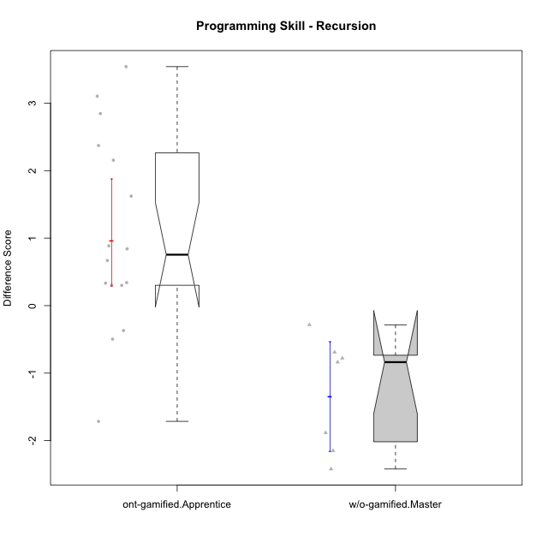

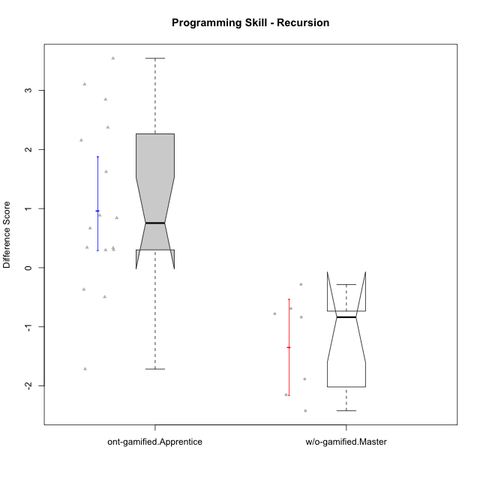

Wilcoxon data
UserID | NroUSP | Type | CLGroup | CLRole | PlayerRole | Re2 | Un2 | Ap3 | Ap1 | An3a | An3b | Ev2 | P4s0 | P4s1 | P4s2 | P4s3 | ReB | UnB | ApC | ApA | AnC1 | AnC2 | EvB | PFs0 | PFs1 | PFs2 | PFs3 | PGs0 | PGs1 | PGs2 | PGs3 | PHs0 | PHs1 | PHs2 | PHs3 | PreScore | PostScore | DiffScore
10169 | 10377538 | ont-gamified | Resistance | Apprentice | Social Achiever | 0.51785714286 | 0.33333333333 | 0.45454545455 | 0 | 0 | 0 | 0 |  |  |  |  | 1 | 0.83333333333 | 0.44444444444 | 1 | 0.42857142857 | 0 | 0.44444444444 | 1 | 1 | 1 | 0.75 | 1 | 0.5 | 0.66666666667 | 0.5 | 1 | 1 | 1 | 1 | 1.3057359307 | 4.1507936508 | 2.8450577201
10174 | 10276852 | w/o-gamified | Grupo7 | Master |  | 0.67857142857 | 0.33333333333 | 0.45454545455 | 1 | 0.42857142857 | 1 | 0.44444444444 |  |  |  |  | 0.67857142857 | 0.65384615385 | 0 | 0 | 0 | 0.85714285714 | 0 | 1 | 0.5 | 0.33333333333 | 0.25 | 0 | 0 | 0 | 0 |  |  |  |  | 4.3394660895 | 2.1895604396 | -2.1499056499
10178 | 8656201 | ont-gamified | Outlaws | Apprentice | Social Achiever | 0.53571428571 | 0 | 1 | 1 | 0 | 0 | 0 |  |  |  |  | 0.85714285714 | 0.30769230769 | 0 | 0 | 0.92857142857 | 0.35714285714 | 0.38888888889 | 0 | 0 | 0 | 0 | 1 | 1 | 0.66666666667 | 0.75 | 1 | 0.5 | 0.33333333333 | 0.25 | 2.5357142857 | 2.8394383394 | 0.30372405372
10179 | 10310759 | w/o-gamified | Grupo10 | Master |  | 0.85714285714 | 0.64285714286 | 1 | 1 | 0.42857142857 | 0.42857142857 | 0.44444444444 |  |  |  |  | 0.85714285714 | 0.66666666667 | 0 | 0.42857142857 | 0 | 0.42857142857 | 0 | 1 | 0.5 | 0.66666666667 | 0.5 |  |  |  |  |  |  |  |  | 4.8015873016 | 2.380952381 | -2.4206349206
10186 | 10310551 | ont-gamified | Slayers | Apprentice | Social Achiever | 0.375 | 0.69047619048 | 0.54545454545 | 0.45454545455 | 0.57142857143 | 0.57142857143 | 0 |  |  |  |  | 0.67857142857 | 0.80769230769 | 0.33333333333 | 0.85714285714 | 0 | 0.42857142857 | 0.44444444444 | 1 | 1 | 1 | 1 | 1 | 1 | 1 | 1 | 1 | 1 | 1 | 1 | 3.2083333333 | 3.5497557998 | 0.34142246642
10187 | 9790781 | ont-gamified | Mafia | Apprentice | Social Achiever | 0.51785714286 | 0 | 1 | 1 | 0 | 0 | 0 |  |  |  |  | 1 | 0.30769230769 | 0 | 0 | 0.35714285714 | 0.35714285714 | 0 |  |  |  |  |  |  |  |  |  |  |  |  | 2.5178571429 | 2.021978022 | -0.49587912088
10189 | 9363926 | ont-gamified | Vikings | Apprentice | Social Achiever | 0.83928571429 | 0.2619047619 | 0 | 0 | 0.35714285714 | 0 | 0 |  |  |  |  | 0.35714285714 | 0.98717948718 | 0 | 0 | 0 | 0 | 1 | 1 | 1 | 0.66666666667 | 0.75 |  |  |  |  |  |  |  |  | 1.4583333333 | 2.3443223443 | 0.88598901099
10191 | 10276981 | w/o-gamified | Grupo1 | Master |  | 0.51785714286 | 0.97619047619 | 1 | 1 | 0 | 0.92857142857 | 0 |  |  |  |  | 0.67857142857 | 0.98717948718 | 0 | 0 | 0 | 0.42857142857 | 0.44444444444 | 1 | 0.5 | 0.33333333333 | 0.25 | 1 | 1 | 1 | 1 | 1 | 1 | 1 | 0.75 | 4.4226190476 | 2.5387667888 | -1.8838522589
10192 | 10276682 | ont-gamified | Attractive Devils | Apprentice | Social Achiever | 0.51785714286 | 0.59523809524 | 1 | 1 | 0 | 0 | 0 |  |  |  |  | 0.83928571429 | 1 | 1 | 1 | 0 | 0.42857142857 | 1 | 1 | 0.5 | 0.33333333333 | 0.25 |  |  |  |  |  |  |  |  | 3.1130952381 | 5.2678571429 | 2.1547619048
10193 | 10276762 | ont-gamified | Vandals | Apprentice | Yee Achiever | 0.51785714286 | 0.64285714286 | 0.5 | 1 | 0.42857142857 | 0 | 0 |  |  |  |  | 0.23214285714 | 0.83333333333 | 0 | 1 | 0 | 0.85714285714 | 0.5 | 1 | 1 | 0.66666666667 | 0.75 | 1 | 0.5 | 0.33333333333 | 0.25 | 0 | 0 | 0 | 0 | 3.0892857143 | 3.4226190476 | 0.33333333333
10198 | 10310888 | ont-gamified | Attractive Devils | Apprentice | Social Achiever | 0.51785714286 | 0.64285714286 | 0 | 0 | 0.5 | 0 | 0 |  |  |  |  | 0.83928571429 | 0.82051282051 | 0.44444444444 | 1 | 0.5 | 0.42857142857 | 0 | 1 | 0.5 | 0.33333333333 | 0.25 | 1 | 0.5 | 0.33333333333 | 0.5 | 1 | 0.5 | 0.33333333333 | 0.5 | 1.6607142857 | 4.0328144078 | 2.3721001221
10200 | 9795272 | ont-gamified | Warriors | Apprentice | Social Achiever | 0.51785714286 | 0.64285714286 | 0.45454545455 | 0 | 0.42857142857 | 0 | 0 | 0 | 0 | 0 | 0 | 0.83928571429 | 1 | 0.44444444444 | 0 | 0 | 0.42857142857 | 0 |  |  |  |  |  |  |  |  |  |  |  |  | 2.0438311688 | 2.7123015873 | 0.66847041847
10202 | 10277036 | ont-gamified | Silly Knights | Apprentice | Social Achiever | 0.51785714286 | 0.61904761905 | 0 | 0 | 0 | 0 | 0 |  |  |  |  | 1 | 0.82051282051 | 1 | 0.42857142857 | 1 | 0.42857142857 | 0 |  |  |  |  |  |  |  |  |  |  |  |  | 1.1369047619 | 4.6776556777 | 3.5407509158
10203 | 9921470 | ont-gamified | Mercenaries | Apprentice | Social Achiever | 0.53571428571 | 1 | 1 | 0 | 0 | 0 | 0.44444444444 |  |  |  |  | 0.19642857143 | 0.64102564103 | 0 | 0.42857142857 | 0 | 0 | 0 |  |  |  |  |  |  |  |  | 0 | 0 | 0 | 0 | 2.9801587302 | 1.266025641 | -1.7141330891
10209 | 10262669 | ont-gamified | Mafia | Apprentice | Social Achiever | 0.51785714286 | 0.66666666667 | 0.45454545455 | 1 | 0 | 1 | 0.44444444444 |  |  |  |  | 1 | 0.83333333333 | 1 | 1 | 1 | 0.42857142857 | 0.44444444444 | 1 | 0.5 | 0.33333333333 | 0.25 | 1 | 0.5 | 0.33333333333 | 0.25 | 0 | 0 | 0 | 0 | 4.0835137085 | 5.7063492063 | 1.6228354978
10214 | 10277022 | ont-gamified | Vikings | Apprentice | Social Achiever | 0.35714285714 | 0 | 0.45454545455 | 0 | 0 | 0.42857142857 | 0 |  |  |  |  | 0.375 | 0.66666666667 | 0.44444444444 | 1 | 1 | 0.85714285714 | 0 | 1 | 0.5 | 0.33333333333 | 0.25 |  |  |  |  |  |  |  |  | 1.2402597403 | 4.3432539683 | 3.102994228
10219 | 10276831 | w/o-gamified | Grupo3 | Master |  | 0.375 | 0.64285714286 | 0.45454545455 | 1 | 1 | 0 | 0 | 0 | 0 | 0 | 0 | 0.69642857143 | 0.64102564103 | 0.44444444444 | 1 | 0 | 0 | 0 | 1 | 1 | 0.66666666667 | 0.75 |  |  |  |  |  |  |  |  | 3.4724025974 | 2.7818986569 | -0.6905039405
10221 | 9082496 | ont-gamified | Warriors | Apprentice | Social Achiever | 0.39285714286 | 0.30952380952 | 0 | 0 | 0 | 0 | 0.44444444444 |  |  |  |  | 0.51785714286 | 0.5 | 0 | 0 | 0 | 0.42857142857 | 0 | 1 | 1 | 1 | 0.75 | 1 | 1 | 1 | 1 | 0 | 0 | 0 | 0 | 1.1468253968 | 1.4464285714 | 0.2996031746
10227 | 9274382 | w/o-gamified | Grupo5 | Master |  | 0.67857142857 | 0.33333333333 | 0.5 | 1 | 0.42857142857 | 1 | 0 |  |  |  |  | 0 | 0.83333333333 | 0 | 0.57142857143 | 0.57142857143 | 0.57142857143 | 0.55555555556 |  |  |  |  | 0 | 0 | 0 | 0 | 1 | 0.5 | 0.33333333333 | 0.25 | 3.9404761905 | 3.1031746032 | -0.8373015873
10228 | 10310492 | ont-gamified | Resistance | Apprentice | Social Achiever | 0.51785714286 | 0 | 0 | 0 | 0 | 0 | 0.44444444444 |  |  |  |  | 0.375 | 0.5 | 0 | 0.42857142857 | 0.5 | 0 | 0 | 1 | 1 | 0.66666666667 | 0.75 |  |  |  |  |  |  |  |  | 0.9623015873 | 1.8035714286 | 0.84126984127
10231 | 10276911 | w/o-gamified | Grupo9 | Master |  | 0.51785714286 | 1 | 0 | 1 | 1 | 1 | 0.44444444444 |  |  |  |  | 0.67857142857 | 1 | 0 | 1 | 1 | 0 | 1 | 1 | 0.5 | 0.33333333333 | 0.25 | 1 | 0.5 | 0.33333333333 | 0.25 | 0 | 0 | 0 | 0 | 4.9623015873 | 4.6785714286 | -0.28373015873
10237 | 10377688 | ont-gamified | Outlaws | Apprentice | Social Achiever | 0.51785714286 | 0.64285714286 | 0 | 1 | 1 | 0 | 0 |  |  |  |  | 1 | 0.47435897436 | 0.44444444444 | 0 | 0.42857142857 | 0 | 0.44444444444 | 1 | 1 | 0.66666666667 | 0.75 |  |  |  |  |  |  |  |  | 3.1607142857 | 2.7918192918 | -0.36889499389
10238 | 10276953 | w/o-gamified | Grupo2 | Master |  | 1 | 0.2619047619 | 1 | 0 | 1 | 0 | 0.44444444444 |  |  |  |  | 0.67857142857 | 0.82051282051 | 0 | 0 | 1 | 0.42857142857 | 0 |  |  |  |  |  |  |  |  |  |  |  |  | 3.7063492063 | 2.9276556777 | -0.77869352869

Type_CLRole_4
Wilcoxon Analysis for Programming Skill - Recursion in Type:CLRole between ont-gamified.Master:w/o-gamified.Apprentice

Wilcoxon test results
Alternative hypothesis: less
Group | N | Median | Mean.Ranks | Sum.Ranks | U | Z | p.value | r
ont-gamified.Master | 7 | -0.097222222222 | 14.571428571 | 102 | 74 | 0.43355498476 | 0.67441167528 | 0.085027127981
w/o-gamified.Apprentice | 19 | -0.19047619048 | 13.105263158 | 249 | 74 | 0.43355498476 | 0.67441167528 | 0.085027127981
Alternative hypothesis: greater
Group | N | Median | Mean.Ranks | Sum.Ranks | U | Z | p.value | r
ont-gamified.Master | 7 | -0.097222222222 | 14.571428571 | 102 | 74 | 0.43355498476 | 0.34624961995 | 0.085027127981
w/o-gamified.Apprentice | 19 | -0.19047619048 | 13.105263158 | 249 | 74 | 0.43355498476 | 0.34624961995 | 0.085027127981
Alternative hypothesis: two.sided
Group | N | Median | Mean.Ranks | Sum.Ranks | U | Z | p.value | r
ont-gamified.Master | 7 | -0.097222222222 | 14.571428571 | 102 | 74 | 0.43355498476 | 0.69249923989 | 0.085027127981
w/o-gamified.Apprentice | 19 | -0.19047619048 | 13.105263158 | 249 | 74 | 0.43355498476 | 0.69249923989 | 0.085027127981

Box plots for wilcoxon tests
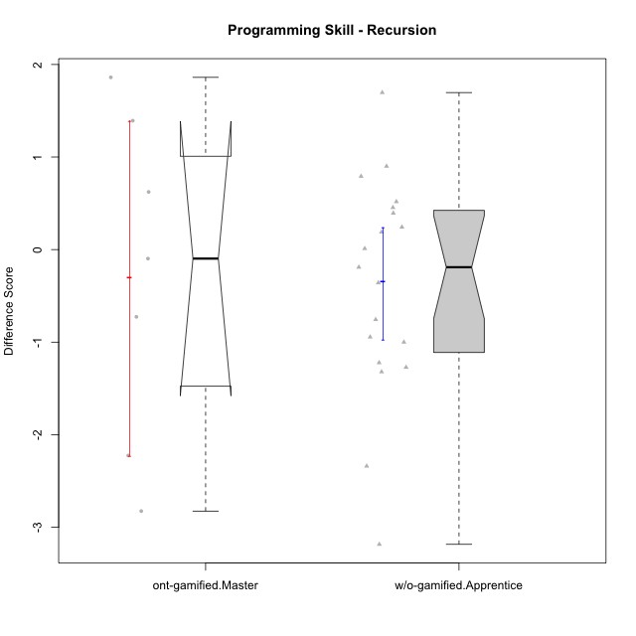

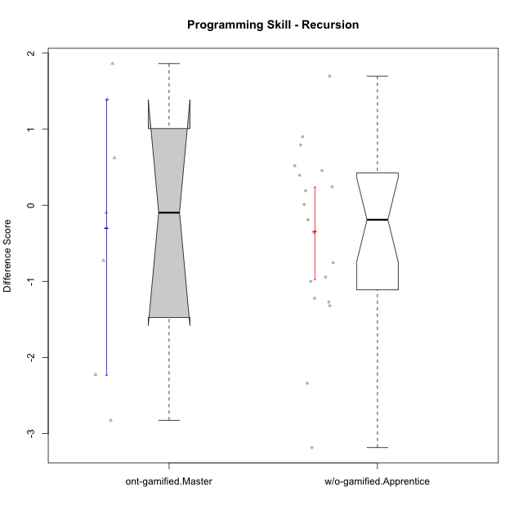

Wilcoxon data
UserID | NroUSP | Type | CLGroup | CLRole | PlayerRole | Re2 | Un2 | Ap3 | Ap1 | An3a | An3b | Ev2 | P4s0 | P4s1 | P4s2 | P4s3 | ReB | UnB | ApC | ApA | AnC1 | AnC2 | EvB | PFs0 | PFs1 | PFs2 | PFs3 | PGs0 | PGs1 | PGs2 | PGs3 | PHs0 | PHs1 | PHs2 | PHs3 | PreScore | PostScore | DiffScore
10170 | 10260351 | w/o-gamified | Grupo11 | Apprentice |  | 0.375 | 0.28571428571 | 0.45454545455 | 1 | 0 | 0.5 | 1 |  |  |  |  | 0.69642857143 | 0.65384615385 | 0.44444444444 | 0 | 0.5 | 0 | 0 | 1 | 0.5 | 0.66666666667 | 0.5 | 1 | 1 | 1 | 0.75 | 1 | 0.5 | 0.33333333333 | 0.25 | 3.6152597403 | 2.2947191697 | -1.3205405705
10172 | 10273971 | w/o-gamified | Grupo5 | Apprentice |  | 0.67857142857 | 0.97619047619 | 0 | 0 | 0.5 | 0 | 0 |  |  |  |  | 0.035714285714 | 1 | 0.5 | 0 | 0.42857142857 | 0 | 0 | 1 | 0.5 | 0.33333333333 | 0.5 | 1 | 1 | 0.66666666667 | 0.75 | 1 | 1 | 1 | 0.75 | 2.1547619048 | 1.9642857143 | -0.19047619048
10175 | 10310700 | ont-gamified | Warriors | Master | Social Achiever | 0.51785714286 | 0.66666666667 | 0 | 0.45454545455 | 0.5 | 1 | 1 |  |  |  |  | 1 | 1 | 1 | 1 | 1 | 0 | 1 | 1 | 0.5 | 0.33333333333 | 0.25 | 1 | 0.5 | 0.33333333333 | 0.5 | 1 | 0.5 | 0.66666666667 | 0.5 | 4.1390692641 | 6 | 1.8609307359
10176 | 10276949 | ont-gamified | Outlaws | Master | Social Achiever | 0.51785714286 | 0.64285714286 | 1 | 0.81818181818 | 1 | 1 | 0 |  |  |  |  | 0.21428571429 | 0.66666666667 | 0.44444444444 | 0.42857142857 | 1 | 0 | 0 | 1 | 1 | 1 | 0.75 | 1 | 1 | 0.66666666667 | 0.75 | 1 | 1 | 1 | 1 | 4.9788961039 | 2.753968254 | -2.2249278499
10181 | 10276866 | w/o-gamified | Grupo2 | Apprentice |  | 0.51785714286 | 0.61904761905 | 0 | 0 | 0.5 | 0 | 0 |  |  |  |  | 1 | 0.83333333333 | 0 | 1 | 0.5 | 0 | 0 | 1 | 1 | 1 | 1 | 1 | 0.5 | 0.33333333333 | 0.25 | 1 | 1 | 0.66666666667 | 0.75 | 1.6369047619 | 3.3333333333 | 1.6964285714
10183 | 10352030 | w/o-gamified | Grupo3 | Apprentice |  | 0.51785714286 | 0.61904761905 | 1 | 0 | 0 | 0 | 0 |  |  |  |  | 0.67857142857 | 0.83333333333 | 0 | 0.28571428571 | 0.42857142857 | 0.42857142857 | 0 |  |  |  |  |  |  |  |  |  |  |  |  | 2.1369047619 | 2.6547619048 | 0.51785714286
10184 | 10276675 | w/o-gamified | Grupo10 | Apprentice |  | 0.51785714286 | 0.66666666667 | 0.5 | 1 | 0.5 | 0 | 1 | 1 | 1 | 0.66666666667 | 0.75 | 1 | 0 | 0 | 0 | 0 | 0 | 0 | 1 | 0.5 | 0.33333333333 | 0.5 | 1 | 0.5 | 0.33333333333 | 0.25 | 1 | 0.5 | 0.33333333333 | 0.25 | 4.1845238095 | 1 | -3.1845238095
10185 | 10276960 | w/o-gamified | Grupo9 | Apprentice |  | 0.83928571429 | 1 | 1 | 0 | 0.5 | 0 | 0 |  |  |  |  | 1 | 0 | 0 | 0 | 0 | 0 | 0 | 1 | 1 | 1 | 1 |  |  |  |  |  |  |  |  | 3.3392857143 | 1 | -2.3392857143
10188 | 10276995 | ont-gamified | Vandals | Master | Yee Achiever | 0.53571428571 | 0.33333333333 | 0 | 1 | 1 | 1 | 0 | 1 | 0.5 | 0.33333333333 | 0.25 | 1 | 0.83333333333 | 1 | 1 | 0 | 0.42857142857 | 1 | 1 | 0.5 | 0.33333333333 | 0.25 | 1 | 0.5 | 0.33333333333 | 0.25 | 1 | 0.5 | 0.33333333333 | 0.25 | 3.869047619 | 5.2619047619 | 1.3928571429
10190 | 10276907 | w/o-gamified | Grupo4 | Apprentice |  | 0.51785714286 | 0.28571428571 | 0 | 0.45454545455 | 0.5 | 0.42857142857 | 0.44444444444 |  |  |  |  | 0.035714285714 | 0.66666666667 | 0 | 0.42857142857 | 0 | 0.5 | 0 | 1 | 0.5 | 0.66666666667 | 0.5 | 0 | 0 | 0 | 0 | 1 | 1 | 1 | 1 | 2.6311327561 | 1.630952381 | -1.0001803752
10197 | 10276661 | w/o-gamified | Grupo8 | Apprentice |  | 0.51785714286 | 0.66666666667 | 0 | 1 | 0.92857142857 | 0 | 0.44444444444 | 1 | 1 | 1 | 1 | 0.35714285714 | 1 | 1 | 0 | 0 | 0 | 0.44444444444 | 1 | 0.5 | 0.33333333333 | 0.25 |  |  |  |  |  |  |  |  | 3.5575396825 | 2.8015873016 | -0.75595238095
10201 | 10276928 | w/o-gamified | Grupo11 | Apprentice |  | 0.51785714286 | 0.64285714286 | 0 | 1 | 1 | 1 | 0 |  |  |  |  | 0.66071428571 | 0.83333333333 | 0.44444444444 | 0 | 1 | 0 | 0 | 1 | 0.5 | 0.33333333333 | 0.25 | 1 | 0.5 | 0.33333333333 | 0.25 | 0 | 0 | 0 | 0 | 4.1607142857 | 2.9384920635 | -1.2222222222
10204 | 10310471 | w/o-gamified | Grupo6 | Apprentice |  | 0.51785714286 | 0.30952380952 | 0.45454545455 | 0 | 0.5 | 0.42857142857 | 0 | 0 | 0 | 0 | 0 | 1 | 0.66666666667 | 0.44444444444 | 0 | 0 | 1 | 0 | 1 | 0.5 | 0.66666666667 | 0.5 | 1 | 0.5 | 0.66666666667 | 0.5 | 1 | 0.5 | 0.66666666667 | 0.5 | 2.2104978355 | 3.1111111111 | 0.90061327561
10206 | 10310721 | w/o-gamified | Grupo8 | Apprentice |  | 0.69642857143 | 0.64285714286 | 0.45454545455 | 0 | 0.92857142857 | 0 | 1 |  |  |  |  | 0.67857142857 | 0.98717948718 | 0.38888888889 | 0.42857142857 | 1 | 0.42857142857 | 0 | 1 | 0.5 | 0.33333333333 | 0.25 | 1 | 0.5 | 0.33333333333 | 0.25 | 1 | 0.5 | 0.66666666667 | 0.5 | 3.7224025974 | 3.9117826618 | 0.18938006438
10210 | 10277015 | w/o-gamified | Grupo6 | Apprentice |  | 0.53571428571 | 0.95238095238 | 0.5 | 0 | 0.42857142857 | 0.85714285714 | 0 |  |  |  |  | 0.83928571429 | 0.82051282051 | 1 | 0 | 0.42857142857 | 0.42857142857 | 0 | 1 | 1 | 0.66666666667 | 0.75 | 1 | 1 | 1 | 1 | 0 | 0 | 0 | 0 | 3.2738095238 | 3.5169413919 | 0.24313186813
10213 | 10277040 | w/o-gamified | Grupo7 | Apprentice |  | 0.375 | 0.28571428571 | 0 | 1 | 0 | 0.5 | 1 |  |  |  |  | 1 | 1 | 0 | 0 | 0 | 0.35714285714 | 0.44444444444 | 1 | 1 | 1 | 1 | 1 | 1 | 0.66666666667 | 0.75 | 1 | 1 | 0.66666666667 | 0.75 | 3.1607142857 | 2.8015873016 | -0.35912698413
10215 | 9285227 | ont-gamified | Vikings | Master | Social Achiever | 0.51785714286 | 0.66666666667 | 1 | 0.45454545455 | 0.5 | 0 | 0.44444444444 |  |  |  |  | 0.35714285714 | 1 | 0 | 1 | 0.5 | 0 | 0 | 1 | 1 | 1 | 1 | 1 | 1 | 1 | 1 | 1 | 1 | 1 | 1 | 3.5835137085 | 2.8571428571 | -0.72637085137
10216 | 10276720 | ont-gamified | Silly Knights | Master | Social Achiever | 0.51785714286 | 0.66666666667 | 0.45454545455 | 1 | 0.5 | 0.5 | 0 |  |  |  |  | 1 | 0.83333333333 | 0 | 0.42857142857 | 1 | 1 | 0 |  |  |  |  |  |  |  |  |  |  |  |  | 3.6390692641 | 4.2619047619 | 0.62283549784
10217 | 9805341 | w/o-gamified | Grupo9 | Apprentice |  | 0.51785714286 | 0.61904761905 | 0 | 1 | 1 | 0 | 1 |  |  |  |  | 1 | 0.83333333333 | 0.33333333333 | 1 | 1 | 0.42857142857 | 0.33333333333 | 1 | 0.5 | 0.66666666667 | 0.5 | 1 | 1 | 1 | 1 | 1 | 0.5 | 0.33333333333 | 0.25 | 4.1369047619 | 4.9285714286 | 0.79166666667
10218 | 9842913 | w/o-gamified | Grupo10 | Apprentice |  | 0.51785714286 | 0.30952380952 | 1 | 1 | 0 | 0 | 0.44444444444 |  |  |  |  | 1 | 1 | 0 | 0 | 0 | 0 | 0 |  |  |  |  | 1 | 1 | 1 | 1 |  |  |  |  | 3.2718253968 | 2 | -1.2718253968
10220 | 9760151 | w/o-gamified | Grupo3 | Apprentice |  | 0.51785714286 | 0.30952380952 | 0 | 1 | 0 | 0 | 0.44444444444 |  |  |  |  | 0.67857142857 | 0.48717948718 | 0 | 0 | 0 | 1 | 0.5 |  |  |  |  |  |  |  |  |  |  |  |  | 2.2718253968 | 2.6657509158 | 0.39392551893
10223 | 9795185 | ont-gamified | Slayers | Master | Social Achiever | 0.51785714286 | 0.33333333333 | 0 | 1 | 1 | 1 | 0 |  |  |  |  | 0.35714285714 | 0.66666666667 | 0 | 0.42857142857 | 1 | 0.85714285714 | 0.44444444444 |  |  |  |  |  |  |  |  |  |  |  |  | 3.8511904762 | 3.753968254 | -0.097222222222
10226 | 10310342 | w/o-gamified | Grupo4 | Apprentice |  | 0.51785714286 | 0.28571428571 | 0.45454545455 | 0 | 0.42857142857 | 0 | 0.5 |  |  |  |  | 1 | 0.64102564103 | 0 | 0 | 0.5 | 0.5 | 0 | 1 | 1 | 1 | 1 |  |  |  |  | 1 | 0.5 | 0.33333333333 | 0.5 | 2.1866883117 | 2.641025641 | 0.45433732934
10230 | 10351992 | ont-gamified | Resistance | Master | Social Achiever | 0.51785714286 | 0.57142857143 | 1 | 1 | 0.85714285714 | 0 | 0.44444444444 |  |  |  |  | 0.035714285714 | 0.64102564103 | 0.44444444444 | 0 | 0 | 0 | 0.44444444444 | 0 | 0 | 0 | 0 |  |  |  |  |  |  |  |  | 4.3908730159 | 1.5656288156 | -2.8252442002
10232 | 10276974 | w/o-gamified | Grupo7 | Apprentice |  | 0.51785714286 | 0.64285714286 | 1 | 1 | 0 | 0.42857142857 | 0.38888888889 |  |  |  |  | 0.51785714286 | 1 | 0.44444444444 | 0.42857142857 | 0.35714285714 | 0.28571428571 | 0 | 1 | 1 | 1 | 1 | 1 | 0.5 | 0.66666666667 | 0.5 | 1 | 1 | 0.66666666667 | 0.75 | 3.9781746032 | 3.0337301587 | -0.94444444444
10240 | 10276654 | w/o-gamified | Grupo5 | Apprentice |  | 0.51785714286 | 0.64285714286 | 0 | 1 | 0 | 0.42857142857 | 0 |  |  |  |  | 0.51785714286 | 0.65384615385 | 0 | 0.42857142857 | 1 | 0 | 0 | 1 | 1 | 1 | 1 |  |  |  |  |  |  |  |  | 2.5892857143 | 2.6002747253 | 0.010989010989

Type_CLRole_5
Wilcoxon Analysis for Programming Skill - Recursion in Type:CLRole between ont-gamified.Master:w/o-gamified.Master

Wilcoxon test results
Alternative hypothesis: less
Group | N | Median | Mean.Ranks | Sum.Ranks | U | Z | p.value | r
ont-gamified.Master | 7 | -0.097222222222 | 8.8571428571 | 62 | 34 | 1.2138654735 | 0.89568764569 | 0.32441919396
w/o-gamified.Master | 7 | -0.8373015873 | 6.1428571429 | 43 | 34 | 1.2138654735 | 0.89568764569 | 0.32441919396
Alternative hypothesis: greater
Group | N | Median | Mean.Ranks | Sum.Ranks | U | Z | p.value | r
ont-gamified.Master | 7 | -0.097222222222 | 8.8571428571 | 62 | 34 | 1.2138654735 | 0.12966200466 | 0.32441919396
w/o-gamified.Master | 7 | -0.8373015873 | 6.1428571429 | 43 | 34 | 1.2138654735 | 0.12966200466 | 0.32441919396
Alternative hypothesis: two.sided
Group | N | Median | Mean.Ranks | Sum.Ranks | U | Z | p.value | r
ont-gamified.Master | 7 | -0.097222222222 | 8.8571428571 | 62 | 34 | 1.2138654735 | 0.25932400932 | 0.32441919396
w/o-gamified.Master | 7 | -0.8373015873 | 6.1428571429 | 43 | 34 | 1.2138654735 | 0.25932400932 | 0.32441919396

Box plots for wilcoxon tests
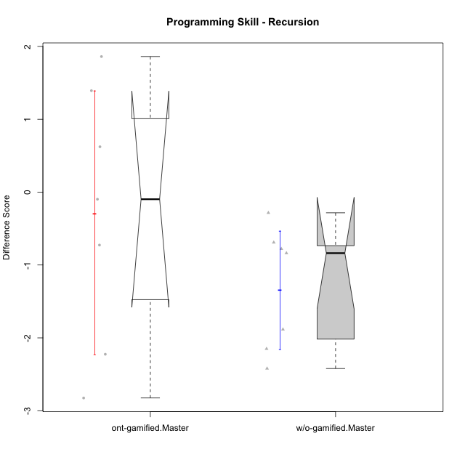

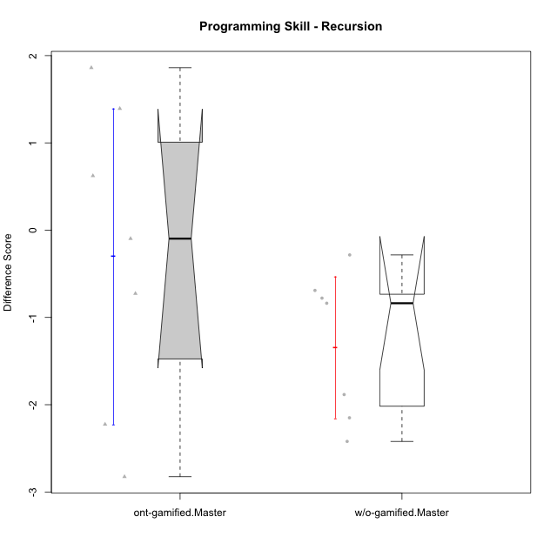

Wilcoxon data
UserID | NroUSP | Type | CLGroup | CLRole | PlayerRole | Re2 | Un2 | Ap3 | Ap1 | An3a | An3b | Ev2 | P4s0 | P4s1 | P4s2 | P4s3 | ReB | UnB | ApC | ApA | AnC1 | AnC2 | EvB | PFs0 | PFs1 | PFs2 | PFs3 | PGs0 | PGs1 | PGs2 | PGs3 | PHs0 | PHs1 | PHs2 | PHs3 | PreScore | PostScore | DiffScore
10174 | 10276852 | w/o-gamified | Grupo7 | Master |  | 0.67857142857 | 0.33333333333 | 0.45454545455 | 1 | 0.42857142857 | 1 | 0.44444444444 |  |  |  |  | 0.67857142857 | 0.65384615385 | 0 | 0 | 0 | 0.85714285714 | 0 | 1 | 0.5 | 0.33333333333 | 0.25 | 0 | 0 | 0 | 0 |  |  |  |  | 4.3394660895 | 2.1895604396 | -2.1499056499
10175 | 10310700 | ont-gamified | Warriors | Master | Social Achiever | 0.51785714286 | 0.66666666667 | 0 | 0.45454545455 | 0.5 | 1 | 1 |  |  |  |  | 1 | 1 | 1 | 1 | 1 | 0 | 1 | 1 | 0.5 | 0.33333333333 | 0.25 | 1 | 0.5 | 0.33333333333 | 0.5 | 1 | 0.5 | 0.66666666667 | 0.5 | 4.1390692641 | 6 | 1.8609307359
10176 | 10276949 | ont-gamified | Outlaws | Master | Social Achiever | 0.51785714286 | 0.64285714286 | 1 | 0.81818181818 | 1 | 1 | 0 |  |  |  |  | 0.21428571429 | 0.66666666667 | 0.44444444444 | 0.42857142857 | 1 | 0 | 0 | 1 | 1 | 1 | 0.75 | 1 | 1 | 0.66666666667 | 0.75 | 1 | 1 | 1 | 1 | 4.9788961039 | 2.753968254 | -2.2249278499
10179 | 10310759 | w/o-gamified | Grupo10 | Master |  | 0.85714285714 | 0.64285714286 | 1 | 1 | 0.42857142857 | 0.42857142857 | 0.44444444444 |  |  |  |  | 0.85714285714 | 0.66666666667 | 0 | 0.42857142857 | 0 | 0.42857142857 | 0 | 1 | 0.5 | 0.66666666667 | 0.5 |  |  |  |  |  |  |  |  | 4.8015873016 | 2.380952381 | -2.4206349206
10188 | 10276995 | ont-gamified | Vandals | Master | Yee Achiever | 0.53571428571 | 0.33333333333 | 0 | 1 | 1 | 1 | 0 | 1 | 0.5 | 0.33333333333 | 0.25 | 1 | 0.83333333333 | 1 | 1 | 0 | 0.42857142857 | 1 | 1 | 0.5 | 0.33333333333 | 0.25 | 1 | 0.5 | 0.33333333333 | 0.25 | 1 | 0.5 | 0.33333333333 | 0.25 | 3.869047619 | 5.2619047619 | 1.3928571429
10191 | 10276981 | w/o-gamified | Grupo1 | Master |  | 0.51785714286 | 0.97619047619 | 1 | 1 | 0 | 0.92857142857 | 0 |  |  |  |  | 0.67857142857 | 0.98717948718 | 0 | 0 | 0 | 0.42857142857 | 0.44444444444 | 1 | 0.5 | 0.33333333333 | 0.25 | 1 | 1 | 1 | 1 | 1 | 1 | 1 | 0.75 | 4.4226190476 | 2.5387667888 | -1.8838522589
10215 | 9285227 | ont-gamified | Vikings | Master | Social Achiever | 0.51785714286 | 0.66666666667 | 1 | 0.45454545455 | 0.5 | 0 | 0.44444444444 |  |  |  |  | 0.35714285714 | 1 | 0 | 1 | 0.5 | 0 | 0 | 1 | 1 | 1 | 1 | 1 | 1 | 1 | 1 | 1 | 1 | 1 | 1 | 3.5835137085 | 2.8571428571 | -0.72637085137
10216 | 10276720 | ont-gamified | Silly Knights | Master | Social Achiever | 0.51785714286 | 0.66666666667 | 0.45454545455 | 1 | 0.5 | 0.5 | 0 |  |  |  |  | 1 | 0.83333333333 | 0 | 0.42857142857 | 1 | 1 | 0 |  |  |  |  |  |  |  |  |  |  |  |  | 3.6390692641 | 4.2619047619 | 0.62283549784
10219 | 10276831 | w/o-gamified | Grupo3 | Master |  | 0.375 | 0.64285714286 | 0.45454545455 | 1 | 1 | 0 | 0 | 0 | 0 | 0 | 0 | 0.69642857143 | 0.64102564103 | 0.44444444444 | 1 | 0 | 0 | 0 | 1 | 1 | 0.66666666667 | 0.75 |  |  |  |  |  |  |  |  | 3.4724025974 | 2.7818986569 | -0.6905039405
10223 | 9795185 | ont-gamified | Slayers | Master | Social Achiever | 0.51785714286 | 0.33333333333 | 0 | 1 | 1 | 1 | 0 |  |  |  |  | 0.35714285714 | 0.66666666667 | 0 | 0.42857142857 | 1 | 0.85714285714 | 0.44444444444 |  |  |  |  |  |  |  |  |  |  |  |  | 3.8511904762 | 3.753968254 | -0.097222222222
10227 | 9274382 | w/o-gamified | Grupo5 | Master |  | 0.67857142857 | 0.33333333333 | 0.5 | 1 | 0.42857142857 | 1 | 0 |  |  |  |  | 0 | 0.83333333333 | 0 | 0.57142857143 | 0.57142857143 | 0.57142857143 | 0.55555555556 |  |  |  |  | 0 | 0 | 0 | 0 | 1 | 0.5 | 0.33333333333 | 0.25 | 3.9404761905 | 3.1031746032 | -0.8373015873
10230 | 10351992 | ont-gamified | Resistance | Master | Social Achiever | 0.51785714286 | 0.57142857143 | 1 | 1 | 0.85714285714 | 0 | 0.44444444444 |  |  |  |  | 0.035714285714 | 0.64102564103 | 0.44444444444 | 0 | 0 | 0 | 0.44444444444 | 0 | 0 | 0 | 0 |  |  |  |  |  |  |  |  | 4.3908730159 | 1.5656288156 | -2.8252442002
10231 | 10276911 | w/o-gamified | Grupo9 | Master |  | 0.51785714286 | 1 | 0 | 1 | 1 | 1 | 0.44444444444 |  |  |  |  | 0.67857142857 | 1 | 0 | 1 | 1 | 0 | 1 | 1 | 0.5 | 0.33333333333 | 0.25 | 1 | 0.5 | 0.33333333333 | 0.25 | 0 | 0 | 0 | 0 | 4.9623015873 | 4.6785714286 | -0.28373015873
10238 | 10276953 | w/o-gamified | Grupo2 | Master |  | 1 | 0.2619047619 | 1 | 0 | 1 | 0 | 0.44444444444 |  |  |  |  | 0.67857142857 | 0.82051282051 | 0 | 0 | 1 | 0.42857142857 | 0 |  |  |  |  |  |  |  |  |  |  |  |  | 3.7063492063 | 2.9276556777 | -0.77869352869

Type_CLRole_6
Wilcoxon Analysis for Programming Skill - Recursion in Type:CLRole between w/o-gamified.Apprentice:w/o-gamified.Master

Wilcoxon test results
Alternative hypothesis: less
Group | N | Median | Mean.Ranks | Sum.Ranks | U | Z | p.value | r
w/o-gamified.Apprentice | 19 | -0.19047619048 | 15.105263158 | 287 | 97 | 1.7631236047 | 0.96370325327 | 0.34577698712
w/o-gamified.Master | 7 | -0.8373015873 | 9.1428571429 | 64 | 97 | 1.7631236047 | 0.96370325327 | 0.34577698712
Alternative hypothesis: greater
Group | N | Median | Mean.Ranks | Sum.Ranks | U | Z | p.value | r
w/o-gamified.Apprentice | 19 | -0.19047619048 | 15.105263158 | 287 | 97 | 1.7631236047 | 0.041430525996 | 0.34577698712
w/o-gamified.Master | 7 | -0.8373015873 | 9.1428571429 | 64 | 97 | 1.7631236047 | 0.041430525996 | 0.34577698712
Alternative hypothesis: two.sided
Group | N | Median | Mean.Ranks | Sum.Ranks | U | Z | p.value | r
w/o-gamified.Apprentice | 19 | -0.19047619048 | 15.105263158 | 287 | 97 | 1.7631236047 | 0.082861051991 | 0.34577698712
w/o-gamified.Master | 7 | -0.8373015873 | 9.1428571429 | 64 | 97 | 1.7631236047 | 0.082861051991 | 0.34577698712

Box plots for wilcoxon tests
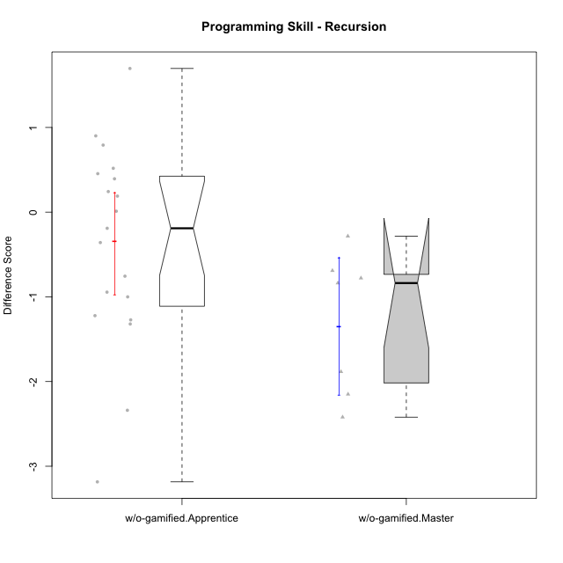

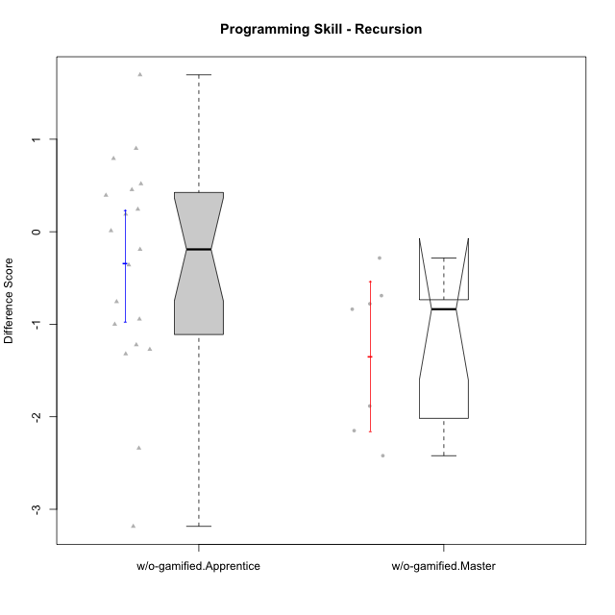

Wilcoxon data
UserID | NroUSP | Type | CLGroup | CLRole | PlayerRole | Re2 | Un2 | Ap3 | Ap1 | An3a | An3b | Ev2 | P4s0 | P4s1 | P4s2 | P4s3 | ReB | UnB | ApC | ApA | AnC1 | AnC2 | EvB | PFs0 | PFs1 | PFs2 | PFs3 | PGs0 | PGs1 | PGs2 | PGs3 | PHs0 | PHs1 | PHs2 | PHs3 | PreScore | PostScore | DiffScore
10170 | 10260351 | w/o-gamified | Grupo11 | Apprentice |  | 0.375 | 0.28571428571 | 0.45454545455 | 1 | 0 | 0.5 | 1 |  |  |  |  | 0.69642857143 | 0.65384615385 | 0.44444444444 | 0 | 0.5 | 0 | 0 | 1 | 0.5 | 0.66666666667 | 0.5 | 1 | 1 | 1 | 0.75 | 1 | 0.5 | 0.33333333333 | 0.25 | 3.6152597403 | 2.2947191697 | -1.3205405705
10172 | 10273971 | w/o-gamified | Grupo5 | Apprentice |  | 0.67857142857 | 0.97619047619 | 0 | 0 | 0.5 | 0 | 0 |  |  |  |  | 0.035714285714 | 1 | 0.5 | 0 | 0.42857142857 | 0 | 0 | 1 | 0.5 | 0.33333333333 | 0.5 | 1 | 1 | 0.66666666667 | 0.75 | 1 | 1 | 1 | 0.75 | 2.1547619048 | 1.9642857143 | -0.19047619048
10174 | 10276852 | w/o-gamified | Grupo7 | Master |  | 0.67857142857 | 0.33333333333 | 0.45454545455 | 1 | 0.42857142857 | 1 | 0.44444444444 |  |  |  |  | 0.67857142857 | 0.65384615385 | 0 | 0 | 0 | 0.85714285714 | 0 | 1 | 0.5 | 0.33333333333 | 0.25 | 0 | 0 | 0 | 0 |  |  |  |  | 4.3394660895 | 2.1895604396 | -2.1499056499
10179 | 10310759 | w/o-gamified | Grupo10 | Master |  | 0.85714285714 | 0.64285714286 | 1 | 1 | 0.42857142857 | 0.42857142857 | 0.44444444444 |  |  |  |  | 0.85714285714 | 0.66666666667 | 0 | 0.42857142857 | 0 | 0.42857142857 | 0 | 1 | 0.5 | 0.66666666667 | 0.5 |  |  |  |  |  |  |  |  | 4.8015873016 | 2.380952381 | -2.4206349206
10181 | 10276866 | w/o-gamified | Grupo2 | Apprentice |  | 0.51785714286 | 0.61904761905 | 0 | 0 | 0.5 | 0 | 0 |  |  |  |  | 1 | 0.83333333333 | 0 | 1 | 0.5 | 0 | 0 | 1 | 1 | 1 | 1 | 1 | 0.5 | 0.33333333333 | 0.25 | 1 | 1 | 0.66666666667 | 0.75 | 1.6369047619 | 3.3333333333 | 1.6964285714
10183 | 10352030 | w/o-gamified | Grupo3 | Apprentice |  | 0.51785714286 | 0.61904761905 | 1 | 0 | 0 | 0 | 0 |  |  |  |  | 0.67857142857 | 0.83333333333 | 0 | 0.28571428571 | 0.42857142857 | 0.42857142857 | 0 |  |  |  |  |  |  |  |  |  |  |  |  | 2.1369047619 | 2.6547619048 | 0.51785714286
10184 | 10276675 | w/o-gamified | Grupo10 | Apprentice |  | 0.51785714286 | 0.66666666667 | 0.5 | 1 | 0.5 | 0 | 1 | 1 | 1 | 0.66666666667 | 0.75 | 1 | 0 | 0 | 0 | 0 | 0 | 0 | 1 | 0.5 | 0.33333333333 | 0.5 | 1 | 0.5 | 0.33333333333 | 0.25 | 1 | 0.5 | 0.33333333333 | 0.25 | 4.1845238095 | 1 | -3.1845238095
10185 | 10276960 | w/o-gamified | Grupo9 | Apprentice |  | 0.83928571429 | 1 | 1 | 0 | 0.5 | 0 | 0 |  |  |  |  | 1 | 0 | 0 | 0 | 0 | 0 | 0 | 1 | 1 | 1 | 1 |  |  |  |  |  |  |  |  | 3.3392857143 | 1 | -2.3392857143
10190 | 10276907 | w/o-gamified | Grupo4 | Apprentice |  | 0.51785714286 | 0.28571428571 | 0 | 0.45454545455 | 0.5 | 0.42857142857 | 0.44444444444 |  |  |  |  | 0.035714285714 | 0.66666666667 | 0 | 0.42857142857 | 0 | 0.5 | 0 | 1 | 0.5 | 0.66666666667 | 0.5 | 0 | 0 | 0 | 0 | 1 | 1 | 1 | 1 | 2.6311327561 | 1.630952381 | -1.0001803752
10191 | 10276981 | w/o-gamified | Grupo1 | Master |  | 0.51785714286 | 0.97619047619 | 1 | 1 | 0 | 0.92857142857 | 0 |  |  |  |  | 0.67857142857 | 0.98717948718 | 0 | 0 | 0 | 0.42857142857 | 0.44444444444 | 1 | 0.5 | 0.33333333333 | 0.25 | 1 | 1 | 1 | 1 | 1 | 1 | 1 | 0.75 | 4.4226190476 | 2.5387667888 | -1.8838522589
10197 | 10276661 | w/o-gamified | Grupo8 | Apprentice |  | 0.51785714286 | 0.66666666667 | 0 | 1 | 0.92857142857 | 0 | 0.44444444444 | 1 | 1 | 1 | 1 | 0.35714285714 | 1 | 1 | 0 | 0 | 0 | 0.44444444444 | 1 | 0.5 | 0.33333333333 | 0.25 |  |  |  |  |  |  |  |  | 3.5575396825 | 2.8015873016 | -0.75595238095
10201 | 10276928 | w/o-gamified | Grupo11 | Apprentice |  | 0.51785714286 | 0.64285714286 | 0 | 1 | 1 | 1 | 0 |  |  |  |  | 0.66071428571 | 0.83333333333 | 0.44444444444 | 0 | 1 | 0 | 0 | 1 | 0.5 | 0.33333333333 | 0.25 | 1 | 0.5 | 0.33333333333 | 0.25 | 0 | 0 | 0 | 0 | 4.1607142857 | 2.9384920635 | -1.2222222222
10204 | 10310471 | w/o-gamified | Grupo6 | Apprentice |  | 0.51785714286 | 0.30952380952 | 0.45454545455 | 0 | 0.5 | 0.42857142857 | 0 | 0 | 0 | 0 | 0 | 1 | 0.66666666667 | 0.44444444444 | 0 | 0 | 1 | 0 | 1 | 0.5 | 0.66666666667 | 0.5 | 1 | 0.5 | 0.66666666667 | 0.5 | 1 | 0.5 | 0.66666666667 | 0.5 | 2.2104978355 | 3.1111111111 | 0.90061327561
10206 | 10310721 | w/o-gamified | Grupo8 | Apprentice |  | 0.69642857143 | 0.64285714286 | 0.45454545455 | 0 | 0.92857142857 | 0 | 1 |  |  |  |  | 0.67857142857 | 0.98717948718 | 0.38888888889 | 0.42857142857 | 1 | 0.42857142857 | 0 | 1 | 0.5 | 0.33333333333 | 0.25 | 1 | 0.5 | 0.33333333333 | 0.25 | 1 | 0.5 | 0.66666666667 | 0.5 | 3.7224025974 | 3.9117826618 | 0.18938006438
10210 | 10277015 | w/o-gamified | Grupo6 | Apprentice |  | 0.53571428571 | 0.95238095238 | 0.5 | 0 | 0.42857142857 | 0.85714285714 | 0 |  |  |  |  | 0.83928571429 | 0.82051282051 | 1 | 0 | 0.42857142857 | 0.42857142857 | 0 | 1 | 1 | 0.66666666667 | 0.75 | 1 | 1 | 1 | 1 | 0 | 0 | 0 | 0 | 3.2738095238 | 3.5169413919 | 0.24313186813
10213 | 10277040 | w/o-gamified | Grupo7 | Apprentice |  | 0.375 | 0.28571428571 | 0 | 1 | 0 | 0.5 | 1 |  |  |  |  | 1 | 1 | 0 | 0 | 0 | 0.35714285714 | 0.44444444444 | 1 | 1 | 1 | 1 | 1 | 1 | 0.66666666667 | 0.75 | 1 | 1 | 0.66666666667 | 0.75 | 3.1607142857 | 2.8015873016 | -0.35912698413
10217 | 9805341 | w/o-gamified | Grupo9 | Apprentice |  | 0.51785714286 | 0.61904761905 | 0 | 1 | 1 | 0 | 1 |  |  |  |  | 1 | 0.83333333333 | 0.33333333333 | 1 | 1 | 0.42857142857 | 0.33333333333 | 1 | 0.5 | 0.66666666667 | 0.5 | 1 | 1 | 1 | 1 | 1 | 0.5 | 0.33333333333 | 0.25 | 4.1369047619 | 4.9285714286 | 0.79166666667
10218 | 9842913 | w/o-gamified | Grupo10 | Apprentice |  | 0.51785714286 | 0.30952380952 | 1 | 1 | 0 | 0 | 0.44444444444 |  |  |  |  | 1 | 1 | 0 | 0 | 0 | 0 | 0 |  |  |  |  | 1 | 1 | 1 | 1 |  |  |  |  | 3.2718253968 | 2 | -1.2718253968
10219 | 10276831 | w/o-gamified | Grupo3 | Master |  | 0.375 | 0.64285714286 | 0.45454545455 | 1 | 1 | 0 | 0 | 0 | 0 | 0 | 0 | 0.69642857143 | 0.64102564103 | 0.44444444444 | 1 | 0 | 0 | 0 | 1 | 1 | 0.66666666667 | 0.75 |  |  |  |  |  |  |  |  | 3.4724025974 | 2.7818986569 | -0.6905039405
10220 | 9760151 | w/o-gamified | Grupo3 | Apprentice |  | 0.51785714286 | 0.30952380952 | 0 | 1 | 0 | 0 | 0.44444444444 |  |  |  |  | 0.67857142857 | 0.48717948718 | 0 | 0 | 0 | 1 | 0.5 |  |  |  |  |  |  |  |  |  |  |  |  | 2.2718253968 | 2.6657509158 | 0.39392551893
10226 | 10310342 | w/o-gamified | Grupo4 | Apprentice |  | 0.51785714286 | 0.28571428571 | 0.45454545455 | 0 | 0.42857142857 | 0 | 0.5 |  |  |  |  | 1 | 0.64102564103 | 0 | 0 | 0.5 | 0.5 | 0 | 1 | 1 | 1 | 1 |  |  |  |  | 1 | 0.5 | 0.33333333333 | 0.5 | 2.1866883117 | 2.641025641 | 0.45433732934
10227 | 9274382 | w/o-gamified | Grupo5 | Master |  | 0.67857142857 | 0.33333333333 | 0.5 | 1 | 0.42857142857 | 1 | 0 |  |  |  |  | 0 | 0.83333333333 | 0 | 0.57142857143 | 0.57142857143 | 0.57142857143 | 0.55555555556 |  |  |  |  | 0 | 0 | 0 | 0 | 1 | 0.5 | 0.33333333333 | 0.25 | 3.9404761905 | 3.1031746032 | -0.8373015873
10231 | 10276911 | w/o-gamified | Grupo9 | Master |  | 0.51785714286 | 1 | 0 | 1 | 1 | 1 | 0.44444444444 |  |  |  |  | 0.67857142857 | 1 | 0 | 1 | 1 | 0 | 1 | 1 | 0.5 | 0.33333333333 | 0.25 | 1 | 0.5 | 0.33333333333 | 0.25 | 0 | 0 | 0 | 0 | 4.9623015873 | 4.6785714286 | -0.28373015873
10232 | 10276974 | w/o-gamified | Grupo7 | Apprentice |  | 0.51785714286 | 0.64285714286 | 1 | 1 | 0 | 0.42857142857 | 0.38888888889 |  |  |  |  | 0.51785714286 | 1 | 0.44444444444 | 0.42857142857 | 0.35714285714 | 0.28571428571 | 0 | 1 | 1 | 1 | 1 | 1 | 0.5 | 0.66666666667 | 0.5 | 1 | 1 | 0.66666666667 | 0.75 | 3.9781746032 | 3.0337301587 | -0.94444444444
10238 | 10276953 | w/o-gamified | Grupo2 | Master |  | 1 | 0.2619047619 | 1 | 0 | 1 | 0 | 0.44444444444 |  |  |  |  | 0.67857142857 | 0.82051282051 | 0 | 0 | 1 | 0.42857142857 | 0 |  |  |  |  |  |  |  |  |  |  |  |  | 3.7063492063 | 2.9276556777 | -0.77869352869
10240 | 10276654 | w/o-gamified | Grupo5 | Apprentice |  | 0.51785714286 | 0.64285714286 | 0 | 1 | 0 | 0.42857142857 | 0 |  |  |  |  | 0.51785714286 | 0.65384615385 | 0 | 0.42857142857 | 1 | 0 | 0 | 1 | 1 | 1 | 1 |  |  |  |  |  |  |  |  | 2.5892857143 | 2.6002747253 | 0.010989010989

