Type_1
Wilcoxon Analysis for Gains in Skills/Knowledge - Recursion in Type between ont-gamified:w/o-gamified

Wilcoxon test results
Alternative hypothesis: less
Group | N | Median | Mean.Ranks | Sum.Ranks | U | Z | p.value | r | magnitude
ont-gamified | 23 | 0.042823341376 | 25.456521739 | 585.5 | 309.5 | 2.6928278406 | 0.99699051374 | 0.42054905399 | medium
w/o-gamified | 18 | -0.049265483155 | 15.305555556 | 275.5 | 309.5 | 2.6928278406 | 0.99699051374 | 0.42054905399 | medium
Alternative hypothesis: greater
Group | N | Median | Mean.Ranks | Sum.Ranks | U | Z | p.value | r | magnitude
ont-gamified | 23 | 0.042823341376 | 25.456521739 | 585.5 | 309.5 | 2.6928278406 | 0.0031159126521 | 0.42054905399 | medium
w/o-gamified | 18 | -0.049265483155 | 15.305555556 | 275.5 | 309.5 | 2.6928278406 | 0.0031159126521 | 0.42054905399 | medium
Alternative hypothesis: two.sided
Group | N | Median | Mean.Ranks | Sum.Ranks | U | Z | p.value | r | magnitude
ont-gamified | 23 | 0.042823341376 | 25.456521739 | 585.5 | 309.5 | 2.6928278406 | 0.0062444720194 | 0.42054905399 | medium
w/o-gamified | 18 | -0.049265483155 | 15.305555556 | 275.5 | 309.5 | 2.6928278406 | 0.0062444720194 | 0.42054905399 | medium

Box plots for wilcoxon tests
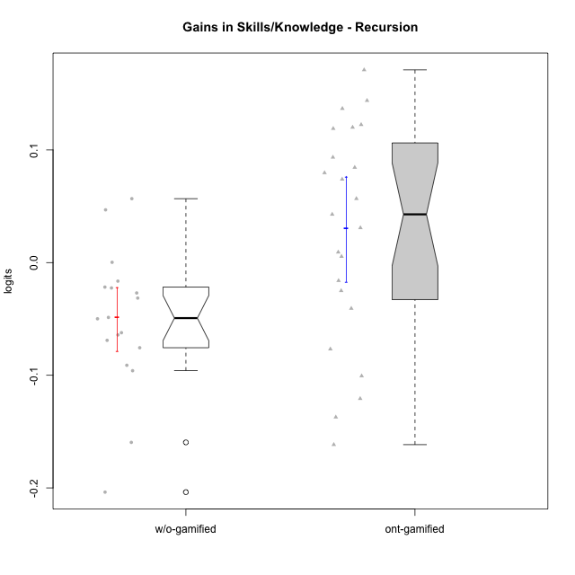

Wilcoxon data
UserID | NroUSP | Type | CLGroup | CLRole | PlayerRole | pre.theta | pos.theta | gain.theta
10169 | 10377538 | ont-gamified | Resistance | Apprentice | Social Achiever | -0.088263056797 | 0.055559459983 | 0.14382251678
10170 | 10260351 | w/o-gamified | Grupo11 | Apprentice |  | 0.028216192636 | -0.0216480556 | -0.049864248236
10174 | 10276852 | w/o-gamified | Grupo7 | Master |  | 0.041045326584 | -0.023147473244 | -0.064192799828
10175 | 10310700 | ont-gamified | Warriors | Master | Social Achiever | 0.048999380123 | 0.18570911857 | 0.13670973845
10176 | 10276949 | ont-gamified | Outlaws | Master | Social Achiever | 0.10250313061 | -0.034682305502 | -0.13718543611
10178 | 8656201 | ont-gamified | Outlaws | Apprentice | Social Achiever | -0.032285136791 | 0.010538204585 | 0.042823341376
10179 | 10310759 | w/o-gamified | Grupo10 | Master |  | 0.19456974764 | -0.0091653174949 | -0.20373506513
10183 | 10352030 | w/o-gamified | Grupo3 | Apprentice |  | 0.0046865339758 | -0.017820445984 | -0.02250697996
10184 | 10276675 | w/o-gamified | Grupo10 | Apprentice |  | 0.074316959003 | -0.0216480556 | -0.095965014603
10185 | 10276960 | w/o-gamified | Grupo9 | Apprentice |  | 0.033289417599 | -0.015377300475 | -0.048666718074
10186 | 10310551 | ont-gamified | Slayers | Apprentice | Social Achiever | 0.023211839876 | 0.0071725946627 | -0.016039245213
10187 | 9790781 | ont-gamified | Mafia | Apprentice | Social Achiever | -0.032285136791 | -0.0014270916492 | 0.030858045141
10188 | 10276995 | ont-gamified | Vandals | Master | Yee Achiever | 0.015816941873 | 0.13587458139 | 0.12005763951
10189 | 9363926 | ont-gamified | Vikings | Apprentice | Social Achiever | -0.11932246898 | -0.039657596382 | 0.079664872603
10191 | 10276981 | w/o-gamified | Grupo1 | Master |  | 0.11274919366 | -0.046830349317 | -0.15957954297
10192 | 10276682 | ont-gamified | Attractive Devils | Apprentice | Social Achiever | 0.028216192636 | 0.10217216092 | 0.073955968288
10193 | 10276762 | ont-gamified | Vandals | Apprentice | Yee Achiever | 0.020733010568 | -0.079886007277 | -0.10061901785
10197 | 10276661 | w/o-gamified | Grupo8 | Apprentice |  | 0.033289417599 | 0.0063339979366 | -0.026955419662
10198 | 10310888 | ont-gamified | Attractive Devils | Apprentice | Social Achiever | -0.058051886884 | 0.026389630916 | 0.0844415178
10200 | 9795272 | ont-gamified | Warriors | Apprentice | Social Achiever | -0.03475198657 | 0.021991385465 | 0.056743372035
10201 | 10276928 | w/o-gamified | Grupo11 | Apprentice |  | 0.048999380123 | -0.013222064131 | -0.062221444254
10202 | 10277036 | ont-gamified | Silly Knights | Apprentice | Social Achiever | -0.081664670782 | 0.089345590966 | 0.17101026175
10203 | 9921470 | ont-gamified | Mercenaries | Apprentice | Social Achiever | 0.035854287992 | -0.084895524688 | -0.12074981268
10206 | 10310721 | w/o-gamified | Grupo8 | Apprentice |  | 0.025705899505 | 0.0039696341505 | -0.021736265354
10209 | 10262669 | ont-gamified | Mafia | Apprentice | Social Achiever | 0.062767376348 | 0.15622648026 | 0.093459103907
10213 | 10277040 | w/o-gamified | Grupo7 | Apprentice |  | 0.0037137365212 | 0.0039696341505 | 0.00025589762936
10214 | 10277022 | ont-gamified | Vikings | Apprentice | Social Achiever | -0.11932246898 | 0.0030901862703 | 0.12241265525
10215 | 9285227 | ont-gamified | Vikings | Master | Social Achiever | 0.043673393797 | -0.033088522932 | -0.07676191673
10216 | 10276720 | ont-gamified | Silly Knights | Master | Social Achiever | 0.041045326584 | 0.050308748587 | 0.0092634220038
10217 | 9805341 | w/o-gamified | Grupo9 | Apprentice |  | 0.057197334608 | 0.10402590868 | 0.046828574075
10218 | 9842913 | w/o-gamified | Grupo10 | Apprentice |  | 0.018268391094 | -0.013222064131 | -0.031490455225
10219 | 10276831 | w/o-gamified | Grupo3 | Master |  | 0.038439274073 | 0.021991385465 | -0.016447888608
10220 | 9760151 | w/o-gamified | Grupo3 | Apprentice |  | -0.03475198657 | 0.021991385465 | 0.056743372035
10221 | 9082496 | ont-gamified | Warriors | Apprentice | Social Achiever | -0.098900835058 | -0.13961322321 | -0.040712388154
10223 | 9795185 | ont-gamified | Slayers | Master | Social Achiever | 0.015816941873 | -0.0091653174949 | -0.024982259368
10227 | 9274382 | w/o-gamified | Grupo5 | Master |  | 0.023211839876 | -0.045784183759 | -0.068996023635
10228 | 10310492 | ont-gamified | Resistance | Apprentice | Social Achiever | -0.16474156164 | -0.045784183759 | 0.11895737788
10230 | 10351992 | ont-gamified | Resistance | Master | Social Achiever | 0.080296178682 | -0.081299885147 | -0.16159606383
10231 | 10276911 | w/o-gamified | Grupo9 | Master |  | 0.11987508788 | 0.028743193169 | -0.091131894711
10232 | 10276974 | w/o-gamified | Grupo7 | Apprentice |  | 0.068477429297 | -0.0070968423443 | -0.075574271641
10237 | 10377688 | ont-gamified | Outlaws | Apprentice | Social Achiever | 0.013377602575 | 0.018791170936 | 0.0054135683611

Type_CLRole_1
Wilcoxon Analysis for Gains in Skills/Knowledge - Recursion in Type:CLRole between ont-gamified.Apprentice:ont-gamified.Master

Wilcoxon test results
Alternative hypothesis: less
Group | N | Median | Mean.Ranks | Sum.Ranks | U | Z | p.value | r | magnitude
ont-gamified.Apprentice | 16 | 0.065349670162 | 13.1875 | 211 | 75 | 1.2694908991 | 0.90115721762 | 0.26470715097 | small
ont-gamified.Master | 7 | -0.024982259368 | 9.2857142857 | 65 | 75 | 1.2694908991 | 0.90115721762 | 0.26470715097 | small
Alternative hypothesis: greater
Group | N | Median | Mean.Ranks | Sum.Ranks | U | Z | p.value | r | magnitude
ont-gamified.Apprentice | 16 | 0.065349670162 | 13.1875 | 211 | 75 | 1.2694908991 | 0.11115326097 | 0.26470715097 | small
ont-gamified.Master | 7 | -0.024982259368 | 9.2857142857 | 65 | 75 | 1.2694908991 | 0.11115326097 | 0.26470715097 | small
Alternative hypothesis: two.sided
Group | N | Median | Mean.Ranks | Sum.Ranks | U | Z | p.value | r | magnitude
ont-gamified.Apprentice | 16 | 0.065349670162 | 13.1875 | 211 | 75 | 1.2694908991 | 0.22230652194 | 0.26470715097 | small
ont-gamified.Master | 7 | -0.024982259368 | 9.2857142857 | 65 | 75 | 1.2694908991 | 0.22230652194 | 0.26470715097 | small

Box plots for wilcoxon tests
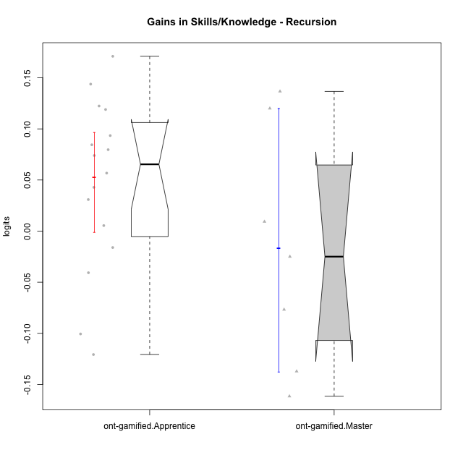

Wilcoxon data
UserID | NroUSP | Type | CLGroup | CLRole | PlayerRole | pre.theta | pos.theta | gain.theta
10169 | 10377538 | ont-gamified | Resistance | Apprentice | Social Achiever | -0.088263056797 | 0.055559459983 | 0.14382251678
10175 | 10310700 | ont-gamified | Warriors | Master | Social Achiever | 0.048999380123 | 0.18570911857 | 0.13670973845
10176 | 10276949 | ont-gamified | Outlaws | Master | Social Achiever | 0.10250313061 | -0.034682305502 | -0.13718543611
10178 | 8656201 | ont-gamified | Outlaws | Apprentice | Social Achiever | -0.032285136791 | 0.010538204585 | 0.042823341376
10186 | 10310551 | ont-gamified | Slayers | Apprentice | Social Achiever | 0.023211839876 | 0.0071725946627 | -0.016039245213
10187 | 9790781 | ont-gamified | Mafia | Apprentice | Social Achiever | -0.032285136791 | -0.0014270916492 | 0.030858045141
10188 | 10276995 | ont-gamified | Vandals | Master | Yee Achiever | 0.015816941873 | 0.13587458139 | 0.12005763951
10189 | 9363926 | ont-gamified | Vikings | Apprentice | Social Achiever | -0.11932246898 | -0.039657596382 | 0.079664872603
10192 | 10276682 | ont-gamified | Attractive Devils | Apprentice | Social Achiever | 0.028216192636 | 0.10217216092 | 0.073955968288
10193 | 10276762 | ont-gamified | Vandals | Apprentice | Yee Achiever | 0.020733010568 | -0.079886007277 | -0.10061901785
10198 | 10310888 | ont-gamified | Attractive Devils | Apprentice | Social Achiever | -0.058051886884 | 0.026389630916 | 0.0844415178
10200 | 9795272 | ont-gamified | Warriors | Apprentice | Social Achiever | -0.03475198657 | 0.021991385465 | 0.056743372035
10202 | 10277036 | ont-gamified | Silly Knights | Apprentice | Social Achiever | -0.081664670782 | 0.089345590966 | 0.17101026175
10203 | 9921470 | ont-gamified | Mercenaries | Apprentice | Social Achiever | 0.035854287992 | -0.084895524688 | -0.12074981268
10209 | 10262669 | ont-gamified | Mafia | Apprentice | Social Achiever | 0.062767376348 | 0.15622648026 | 0.093459103907
10214 | 10277022 | ont-gamified | Vikings | Apprentice | Social Achiever | -0.11932246898 | 0.0030901862703 | 0.12241265525
10215 | 9285227 | ont-gamified | Vikings | Master | Social Achiever | 0.043673393797 | -0.033088522932 | -0.07676191673
10216 | 10276720 | ont-gamified | Silly Knights | Master | Social Achiever | 0.041045326584 | 0.050308748587 | 0.0092634220038
10221 | 9082496 | ont-gamified | Warriors | Apprentice | Social Achiever | -0.098900835058 | -0.13961322321 | -0.040712388154
10223 | 9795185 | ont-gamified | Slayers | Master | Social Achiever | 0.015816941873 | -0.0091653174949 | -0.024982259368
10228 | 10310492 | ont-gamified | Resistance | Apprentice | Social Achiever | -0.16474156164 | -0.045784183759 | 0.11895737788
10230 | 10351992 | ont-gamified | Resistance | Master | Social Achiever | 0.080296178682 | -0.081299885147 | -0.16159606383
10237 | 10377688 | ont-gamified | Outlaws | Apprentice | Social Achiever | 0.013377602575 | 0.018791170936 | 0.0054135683611

Type_CLRole_2
Wilcoxon Analysis for Gains in Skills/Knowledge - Recursion in Type:CLRole between ont-gamified.Apprentice:w/o-gamified.Apprentice

Wilcoxon test results
Alternative hypothesis: less
Group | N | Median | Mean.Ranks | Sum.Ranks | U | Z | p.value | r | magnitude
ont-gamified.Apprentice | 16 | 0.065349670162 | 17.96875 | 287.5 | 151.5 | 2.5768754515 | 0.9959581556 | 0.48698368603 | medium
w/o-gamified.Apprentice | 12 | -0.029222937444 | 9.875 | 118.5 | 151.5 | 2.5768754515 | 0.9959581556 | 0.48698368603 | medium
Alternative hypothesis: greater
Group | N | Median | Mean.Ranks | Sum.Ranks | U | Z | p.value | r | magnitude
ont-gamified.Apprentice | 16 | 0.065349670162 | 17.96875 | 287.5 | 151.5 | 2.5768754515 | 0.0043007380738 | 0.48698368603 | medium
w/o-gamified.Apprentice | 12 | -0.029222937444 | 9.875 | 118.5 | 151.5 | 2.5768754515 | 0.0043007380738 | 0.48698368603 | medium
Alternative hypothesis: two.sided
Group | N | Median | Mean.Ranks | Sum.Ranks | U | Z | p.value | r | magnitude
ont-gamified.Apprentice | 16 | 0.065349670162 | 17.96875 | 287.5 | 151.5 | 2.5768754515 | 0.0086370756717 | 0.48698368603 | medium
w/o-gamified.Apprentice | 12 | -0.029222937444 | 9.875 | 118.5 | 151.5 | 2.5768754515 | 0.0086370756717 | 0.48698368603 | medium

Box plots for wilcoxon tests
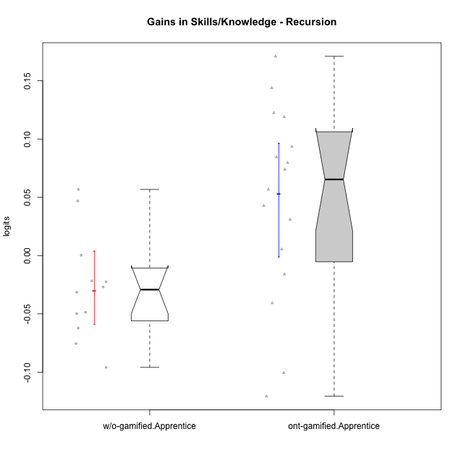

Wilcoxon data
UserID | NroUSP | Type | CLGroup | CLRole | PlayerRole | pre.theta | pos.theta | gain.theta
10169 | 10377538 | ont-gamified | Resistance | Apprentice | Social Achiever | -0.088263056797 | 0.055559459983 | 0.14382251678
10170 | 10260351 | w/o-gamified | Grupo11 | Apprentice |  | 0.028216192636 | -0.0216480556 | -0.049864248236
10178 | 8656201 | ont-gamified | Outlaws | Apprentice | Social Achiever | -0.032285136791 | 0.010538204585 | 0.042823341376
10183 | 10352030 | w/o-gamified | Grupo3 | Apprentice |  | 0.0046865339758 | -0.017820445984 | -0.02250697996
10184 | 10276675 | w/o-gamified | Grupo10 | Apprentice |  | 0.074316959003 | -0.0216480556 | -0.095965014603
10185 | 10276960 | w/o-gamified | Grupo9 | Apprentice |  | 0.033289417599 | -0.015377300475 | -0.048666718074
10186 | 10310551 | ont-gamified | Slayers | Apprentice | Social Achiever | 0.023211839876 | 0.0071725946627 | -0.016039245213
10187 | 9790781 | ont-gamified | Mafia | Apprentice | Social Achiever | -0.032285136791 | -0.0014270916492 | 0.030858045141
10189 | 9363926 | ont-gamified | Vikings | Apprentice | Social Achiever | -0.11932246898 | -0.039657596382 | 0.079664872603
10192 | 10276682 | ont-gamified | Attractive Devils | Apprentice | Social Achiever | 0.028216192636 | 0.10217216092 | 0.073955968288
10193 | 10276762 | ont-gamified | Vandals | Apprentice | Yee Achiever | 0.020733010568 | -0.079886007277 | -0.10061901785
10197 | 10276661 | w/o-gamified | Grupo8 | Apprentice |  | 0.033289417599 | 0.0063339979366 | -0.026955419662
10198 | 10310888 | ont-gamified | Attractive Devils | Apprentice | Social Achiever | -0.058051886884 | 0.026389630916 | 0.0844415178
10200 | 9795272 | ont-gamified | Warriors | Apprentice | Social Achiever | -0.03475198657 | 0.021991385465 | 0.056743372035
10201 | 10276928 | w/o-gamified | Grupo11 | Apprentice |  | 0.048999380123 | -0.013222064131 | -0.062221444254
10202 | 10277036 | ont-gamified | Silly Knights | Apprentice | Social Achiever | -0.081664670782 | 0.089345590966 | 0.17101026175
10203 | 9921470 | ont-gamified | Mercenaries | Apprentice | Social Achiever | 0.035854287992 | -0.084895524688 | -0.12074981268
10206 | 10310721 | w/o-gamified | Grupo8 | Apprentice |  | 0.025705899505 | 0.0039696341505 | -0.021736265354
10209 | 10262669 | ont-gamified | Mafia | Apprentice | Social Achiever | 0.062767376348 | 0.15622648026 | 0.093459103907
10213 | 10277040 | w/o-gamified | Grupo7 | Apprentice |  | 0.0037137365212 | 0.0039696341505 | 0.00025589762936
10214 | 10277022 | ont-gamified | Vikings | Apprentice | Social Achiever | -0.11932246898 | 0.0030901862703 | 0.12241265525
10217 | 9805341 | w/o-gamified | Grupo9 | Apprentice |  | 0.057197334608 | 0.10402590868 | 0.046828574075
10218 | 9842913 | w/o-gamified | Grupo10 | Apprentice |  | 0.018268391094 | -0.013222064131 | -0.031490455225
10220 | 9760151 | w/o-gamified | Grupo3 | Apprentice |  | -0.03475198657 | 0.021991385465 | 0.056743372035
10221 | 9082496 | ont-gamified | Warriors | Apprentice | Social Achiever | -0.098900835058 | -0.13961322321 | -0.040712388154
10228 | 10310492 | ont-gamified | Resistance | Apprentice | Social Achiever | -0.16474156164 | -0.045784183759 | 0.11895737788
10232 | 10276974 | w/o-gamified | Grupo7 | Apprentice |  | 0.068477429297 | -0.0070968423443 | -0.075574271641
10237 | 10377688 | ont-gamified | Outlaws | Apprentice | Social Achiever | 0.013377602575 | 0.018791170936 | 0.0054135683611

Type_CLRole_3
Wilcoxon Analysis for Gains in Skills/Knowledge - Recursion in Type:CLRole between ont-gamified.Apprentice:w/o-gamified.Master

Wilcoxon test results
Alternative hypothesis: less
Group | N | Median | Mean.Ranks | Sum.Ranks | U | Z | p.value | r | magnitude
ont-gamified.Apprentice | 16 | 0.065349670162 | 13.9375 | 223 | 87 | 2.875118145 | 0.99914224063 | 0.61297724813 | large
w/o-gamified.Master | 6 | -0.080063959173 | 5 | 30 | 87 | 2.875118145 | 0.99914224063 | 0.61297724813 | large
Alternative hypothesis: greater
Group | N | Median | Mean.Ranks | Sum.Ranks | U | Z | p.value | r | magnitude
ont-gamified.Apprentice | 16 | 0.065349670162 | 13.9375 | 223 | 87 | 2.875118145 | 0.0012062241164 | 0.61297724813 | large
w/o-gamified.Master | 6 | -0.080063959173 | 5 | 30 | 87 | 2.875118145 | 0.0012062241164 | 0.61297724813 | large
Alternative hypothesis: two.sided
Group | N | Median | Mean.Ranks | Sum.Ranks | U | Z | p.value | r | magnitude
ont-gamified.Apprentice | 16 | 0.065349670162 | 13.9375 | 223 | 87 | 2.875118145 | 0.0024124482329 | 0.61297724813 | large
w/o-gamified.Master | 6 | -0.080063959173 | 5 | 30 | 87 | 2.875118145 | 0.0024124482329 | 0.61297724813 | large

Box plots for wilcoxon tests
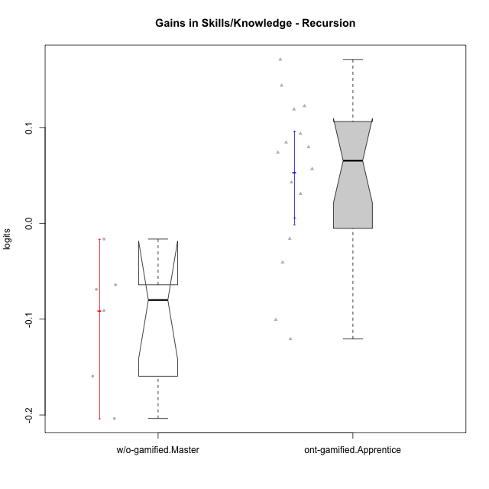

Wilcoxon data
UserID | NroUSP | Type | CLGroup | CLRole | PlayerRole | pre.theta | pos.theta | gain.theta
10169 | 10377538 | ont-gamified | Resistance | Apprentice | Social Achiever | -0.088263056797 | 0.055559459983 | 0.14382251678
10174 | 10276852 | w/o-gamified | Grupo7 | Master |  | 0.041045326584 | -0.023147473244 | -0.064192799828
10178 | 8656201 | ont-gamified | Outlaws | Apprentice | Social Achiever | -0.032285136791 | 0.010538204585 | 0.042823341376
10179 | 10310759 | w/o-gamified | Grupo10 | Master |  | 0.19456974764 | -0.0091653174949 | -0.20373506513
10186 | 10310551 | ont-gamified | Slayers | Apprentice | Social Achiever | 0.023211839876 | 0.0071725946627 | -0.016039245213
10187 | 9790781 | ont-gamified | Mafia | Apprentice | Social Achiever | -0.032285136791 | -0.0014270916492 | 0.030858045141
10189 | 9363926 | ont-gamified | Vikings | Apprentice | Social Achiever | -0.11932246898 | -0.039657596382 | 0.079664872603
10191 | 10276981 | w/o-gamified | Grupo1 | Master |  | 0.11274919366 | -0.046830349317 | -0.15957954297
10192 | 10276682 | ont-gamified | Attractive Devils | Apprentice | Social Achiever | 0.028216192636 | 0.10217216092 | 0.073955968288
10193 | 10276762 | ont-gamified | Vandals | Apprentice | Yee Achiever | 0.020733010568 | -0.079886007277 | -0.10061901785
10198 | 10310888 | ont-gamified | Attractive Devils | Apprentice | Social Achiever | -0.058051886884 | 0.026389630916 | 0.0844415178
10200 | 9795272 | ont-gamified | Warriors | Apprentice | Social Achiever | -0.03475198657 | 0.021991385465 | 0.056743372035
10202 | 10277036 | ont-gamified | Silly Knights | Apprentice | Social Achiever | -0.081664670782 | 0.089345590966 | 0.17101026175
10203 | 9921470 | ont-gamified | Mercenaries | Apprentice | Social Achiever | 0.035854287992 | -0.084895524688 | -0.12074981268
10209 | 10262669 | ont-gamified | Mafia | Apprentice | Social Achiever | 0.062767376348 | 0.15622648026 | 0.093459103907
10214 | 10277022 | ont-gamified | Vikings | Apprentice | Social Achiever | -0.11932246898 | 0.0030901862703 | 0.12241265525
10219 | 10276831 | w/o-gamified | Grupo3 | Master |  | 0.038439274073 | 0.021991385465 | -0.016447888608
10221 | 9082496 | ont-gamified | Warriors | Apprentice | Social Achiever | -0.098900835058 | -0.13961322321 | -0.040712388154
10227 | 9274382 | w/o-gamified | Grupo5 | Master |  | 0.023211839876 | -0.045784183759 | -0.068996023635
10228 | 10310492 | ont-gamified | Resistance | Apprentice | Social Achiever | -0.16474156164 | -0.045784183759 | 0.11895737788
10231 | 10276911 | w/o-gamified | Grupo9 | Master |  | 0.11987508788 | 0.028743193169 | -0.091131894711
10237 | 10377688 | ont-gamified | Outlaws | Apprentice | Social Achiever | 0.013377602575 | 0.018791170936 | 0.0054135683611

Type_CLRole_4
Wilcoxon Analysis for Gains in Skills/Knowledge - Recursion in Type:CLRole between ont-gamified.Master:w/o-gamified.Apprentice

Wilcoxon test results
Alternative hypothesis: less
Group | N | Median | Mean.Ranks | Sum.Ranks | U | Z | p.value | r | magnitude
ont-gamified.Master | 7 | -0.024982259368 | 10 | 70 | 42 | 0 | 0.51643248392 | 0 | none
w/o-gamified.Apprentice | 12 | -0.029222937444 | 10 | 120 | 42 | 0 | 0.51643248392 | 0 | none
Alternative hypothesis: greater
Group | N | Median | Mean.Ranks | Sum.Ranks | U | Z | p.value | r | magnitude
ont-gamified.Master | 7 | -0.024982259368 | 10 | 70 | 42 | 0 | 0.51643248392 | 0 | none
w/o-gamified.Apprentice | 12 | -0.029222937444 | 10 | 120 | 42 | 0 | 0.51643248392 | 0 | none
Alternative hypothesis: two.sided
Group | N | Median | Mean.Ranks | Sum.Ranks | U | Z | p.value | r | magnitude
ont-gamified.Master | 7 | -0.024982259368 | 10 | 70 | 42 | 0 | 1 | 0 | none
w/o-gamified.Apprentice | 12 | -0.029222937444 | 10 | 120 | 42 | 0 | 1 | 0 | none

Box plots for wilcoxon tests
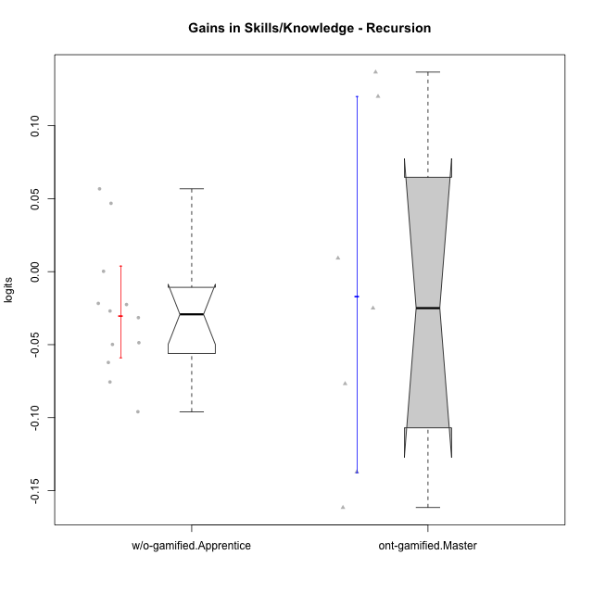

Wilcoxon data
UserID | NroUSP | Type | CLGroup | CLRole | PlayerRole | pre.theta | pos.theta | gain.theta
10170 | 10260351 | w/o-gamified | Grupo11 | Apprentice |  | 0.028216192636 | -0.0216480556 | -0.049864248236
10175 | 10310700 | ont-gamified | Warriors | Master | Social Achiever | 0.048999380123 | 0.18570911857 | 0.13670973845
10176 | 10276949 | ont-gamified | Outlaws | Master | Social Achiever | 0.10250313061 | -0.034682305502 | -0.13718543611
10183 | 10352030 | w/o-gamified | Grupo3 | Apprentice |  | 0.0046865339758 | -0.017820445984 | -0.02250697996
10184 | 10276675 | w/o-gamified | Grupo10 | Apprentice |  | 0.074316959003 | -0.0216480556 | -0.095965014603
10185 | 10276960 | w/o-gamified | Grupo9 | Apprentice |  | 0.033289417599 | -0.015377300475 | -0.048666718074
10188 | 10276995 | ont-gamified | Vandals | Master | Yee Achiever | 0.015816941873 | 0.13587458139 | 0.12005763951
10197 | 10276661 | w/o-gamified | Grupo8 | Apprentice |  | 0.033289417599 | 0.0063339979366 | -0.026955419662
10201 | 10276928 | w/o-gamified | Grupo11 | Apprentice |  | 0.048999380123 | -0.013222064131 | -0.062221444254
10206 | 10310721 | w/o-gamified | Grupo8 | Apprentice |  | 0.025705899505 | 0.0039696341505 | -0.021736265354
10213 | 10277040 | w/o-gamified | Grupo7 | Apprentice |  | 0.0037137365212 | 0.0039696341505 | 0.00025589762936
10215 | 9285227 | ont-gamified | Vikings | Master | Social Achiever | 0.043673393797 | -0.033088522932 | -0.07676191673
10216 | 10276720 | ont-gamified | Silly Knights | Master | Social Achiever | 0.041045326584 | 0.050308748587 | 0.0092634220038
10217 | 9805341 | w/o-gamified | Grupo9 | Apprentice |  | 0.057197334608 | 0.10402590868 | 0.046828574075
10218 | 9842913 | w/o-gamified | Grupo10 | Apprentice |  | 0.018268391094 | -0.013222064131 | -0.031490455225
10220 | 9760151 | w/o-gamified | Grupo3 | Apprentice |  | -0.03475198657 | 0.021991385465 | 0.056743372035
10223 | 9795185 | ont-gamified | Slayers | Master | Social Achiever | 0.015816941873 | -0.0091653174949 | -0.024982259368
10230 | 10351992 | ont-gamified | Resistance | Master | Social Achiever | 0.080296178682 | -0.081299885147 | -0.16159606383
10232 | 10276974 | w/o-gamified | Grupo7 | Apprentice |  | 0.068477429297 | -0.0070968423443 | -0.075574271641

Type_CLRole_5
Wilcoxon Analysis for Gains in Skills/Knowledge - Recursion in Type:CLRole between ont-gamified.Master:w/o-gamified.Master

Wilcoxon test results
Alternative hypothesis: less
Group | N | Median | Mean.Ranks | Sum.Ranks | U | Z | p.value | r | magnitude
ont-gamified.Master | 7 | -0.024982259368 | 8.1428571429 | 57 | 29 | 1.1428571429 | 0.88286713287 | 0.3169715407 | medium
w/o-gamified.Master | 6 | -0.080063959173 | 5.6666666667 | 34 | 29 | 1.1428571429 | 0.88286713287 | 0.3169715407 | medium
Alternative hypothesis: greater
Group | N | Median | Mean.Ranks | Sum.Ranks | U | Z | p.value | r | magnitude
ont-gamified.Master | 7 | -0.024982259368 | 8.1428571429 | 57 | 29 | 1.1428571429 | 0.14743589744 | 0.3169715407 | medium
w/o-gamified.Master | 6 | -0.080063959173 | 5.6666666667 | 34 | 29 | 1.1428571429 | 0.14743589744 | 0.3169715407 | medium
Alternative hypothesis: two.sided
Group | N | Median | Mean.Ranks | Sum.Ranks | U | Z | p.value | r | magnitude
ont-gamified.Master | 7 | -0.024982259368 | 8.1428571429 | 57 | 29 | 1.1428571429 | 0.29487179487 | 0.3169715407 | medium
w/o-gamified.Master | 6 | -0.080063959173 | 5.6666666667 | 34 | 29 | 1.1428571429 | 0.29487179487 | 0.3169715407 | medium

Box plots for wilcoxon tests
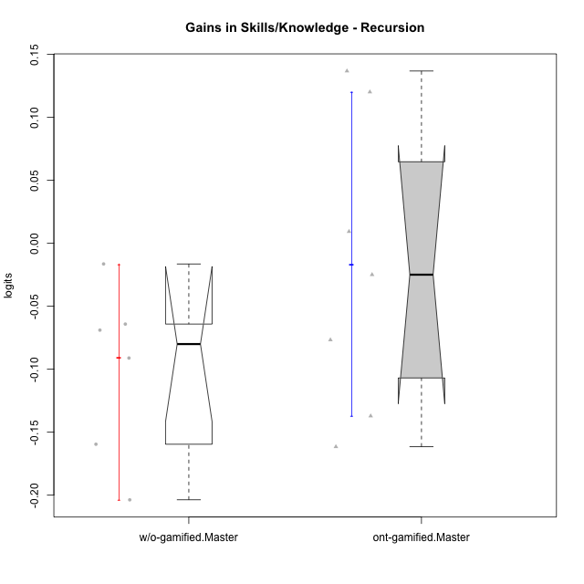

Wilcoxon data
UserID | NroUSP | Type | CLGroup | CLRole | PlayerRole | pre.theta | pos.theta | gain.theta
10174 | 10276852 | w/o-gamified | Grupo7 | Master |  | 0.041045326584 | -0.023147473244 | -0.064192799828
10175 | 10310700 | ont-gamified | Warriors | Master | Social Achiever | 0.048999380123 | 0.18570911857 | 0.13670973845
10176 | 10276949 | ont-gamified | Outlaws | Master | Social Achiever | 0.10250313061 | -0.034682305502 | -0.13718543611
10179 | 10310759 | w/o-gamified | Grupo10 | Master |  | 0.19456974764 | -0.0091653174949 | -0.20373506513
10188 | 10276995 | ont-gamified | Vandals | Master | Yee Achiever | 0.015816941873 | 0.13587458139 | 0.12005763951
10191 | 10276981 | w/o-gamified | Grupo1 | Master |  | 0.11274919366 | -0.046830349317 | -0.15957954297
10215 | 9285227 | ont-gamified | Vikings | Master | Social Achiever | 0.043673393797 | -0.033088522932 | -0.07676191673
10216 | 10276720 | ont-gamified | Silly Knights | Master | Social Achiever | 0.041045326584 | 0.050308748587 | 0.0092634220038
10219 | 10276831 | w/o-gamified | Grupo3 | Master |  | 0.038439274073 | 0.021991385465 | -0.016447888608
10223 | 9795185 | ont-gamified | Slayers | Master | Social Achiever | 0.015816941873 | -0.0091653174949 | -0.024982259368
10227 | 9274382 | w/o-gamified | Grupo5 | Master |  | 0.023211839876 | -0.045784183759 | -0.068996023635
10230 | 10351992 | ont-gamified | Resistance | Master | Social Achiever | 0.080296178682 | -0.081299885147 | -0.16159606383
10231 | 10276911 | w/o-gamified | Grupo9 | Master |  | 0.11987508788 | 0.028743193169 | -0.091131894711

Type_CLRole_6
Wilcoxon Analysis for Gains in Skills/Knowledge - Recursion in Type:CLRole between w/o-gamified.Apprentice:w/o-gamified.Master

Wilcoxon test results
Alternative hypothesis: less
Group | N | Median | Mean.Ranks | Sum.Ranks | U | Z | p.value | r | magnitude
w/o-gamified.Apprentice | 12 | -0.029222937444 | 11.333333333 | 136 | 58 | 2.0604887855 | 0.98400129282 | 0.48566186426 | medium
w/o-gamified.Master | 6 | -0.080063959173 | 5.8333333333 | 35 | 58 | 2.0604887855 | 0.98400129282 | 0.48566186426 | medium
Alternative hypothesis: greater
Group | N | Median | Mean.Ranks | Sum.Ranks | U | Z | p.value | r | magnitude
w/o-gamified.Apprentice | 12 | -0.029222937444 | 11.333333333 | 136 | 58 | 2.0604887855 | 0.020739064857 | 0.48566186426 | medium
w/o-gamified.Master | 6 | -0.080063959173 | 5.8333333333 | 35 | 58 | 2.0604887855 | 0.020739064857 | 0.48566186426 | medium
Alternative hypothesis: two.sided
Group | N | Median | Mean.Ranks | Sum.Ranks | U | Z | p.value | r | magnitude
w/o-gamified.Apprentice | 12 | -0.029222937444 | 11.333333333 | 136 | 58 | 2.0604887855 | 0.041478129713 | 0.48566186426 | medium
w/o-gamified.Master | 6 | -0.080063959173 | 5.8333333333 | 35 | 58 | 2.0604887855 | 0.041478129713 | 0.48566186426 | medium

Box plots for wilcoxon tests
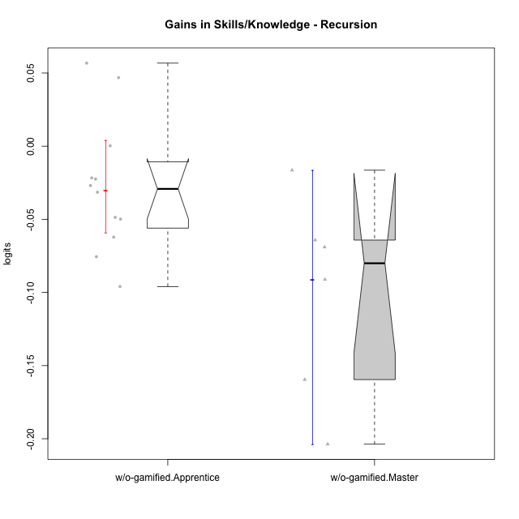

Wilcoxon data
UserID | NroUSP | Type | CLGroup | CLRole | PlayerRole | pre.theta | pos.theta | gain.theta
10170 | 10260351 | w/o-gamified | Grupo11 | Apprentice |  | 0.028216192636 | -0.0216480556 | -0.049864248236
10174 | 10276852 | w/o-gamified | Grupo7 | Master |  | 0.041045326584 | -0.023147473244 | -0.064192799828
10179 | 10310759 | w/o-gamified | Grupo10 | Master |  | 0.19456974764 | -0.0091653174949 | -0.20373506513
10183 | 10352030 | w/o-gamified | Grupo3 | Apprentice |  | 0.0046865339758 | -0.017820445984 | -0.02250697996
10184 | 10276675 | w/o-gamified | Grupo10 | Apprentice |  | 0.074316959003 | -0.0216480556 | -0.095965014603
10185 | 10276960 | w/o-gamified | Grupo9 | Apprentice |  | 0.033289417599 | -0.015377300475 | -0.048666718074
10191 | 10276981 | w/o-gamified | Grupo1 | Master |  | 0.11274919366 | -0.046830349317 | -0.15957954297
10197 | 10276661 | w/o-gamified | Grupo8 | Apprentice |  | 0.033289417599 | 0.0063339979366 | -0.026955419662
10201 | 10276928 | w/o-gamified | Grupo11 | Apprentice |  | 0.048999380123 | -0.013222064131 | -0.062221444254
10206 | 10310721 | w/o-gamified | Grupo8 | Apprentice |  | 0.025705899505 | 0.0039696341505 | -0.021736265354
10213 | 10277040 | w/o-gamified | Grupo7 | Apprentice |  | 0.0037137365212 | 0.0039696341505 | 0.00025589762936
10217 | 9805341 | w/o-gamified | Grupo9 | Apprentice |  | 0.057197334608 | 0.10402590868 | 0.046828574075
10218 | 9842913 | w/o-gamified | Grupo10 | Apprentice |  | 0.018268391094 | -0.013222064131 | -0.031490455225
10219 | 10276831 | w/o-gamified | Grupo3 | Master |  | 0.038439274073 | 0.021991385465 | -0.016447888608
10220 | 9760151 | w/o-gamified | Grupo3 | Apprentice |  | -0.03475198657 | 0.021991385465 | 0.056743372035
10227 | 9274382 | w/o-gamified | Grupo5 | Master |  | 0.023211839876 | -0.045784183759 | -0.068996023635
10231 | 10276911 | w/o-gamified | Grupo9 | Master |  | 0.11987508788 | 0.028743193169 | -0.091131894711
10232 | 10276974 | w/o-gamified | Grupo7 | Apprentice |  | 0.068477429297 | -0.0070968423443 | -0.075574271641

