global-Estimate-Items
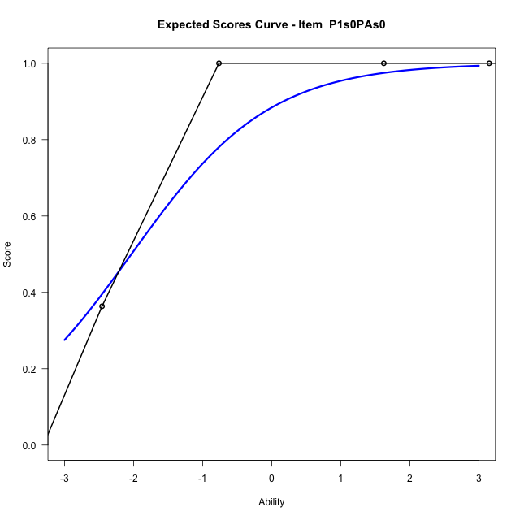
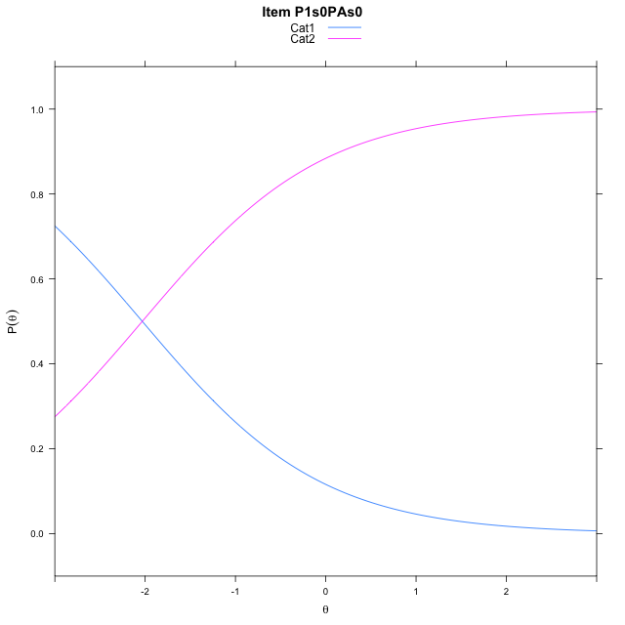
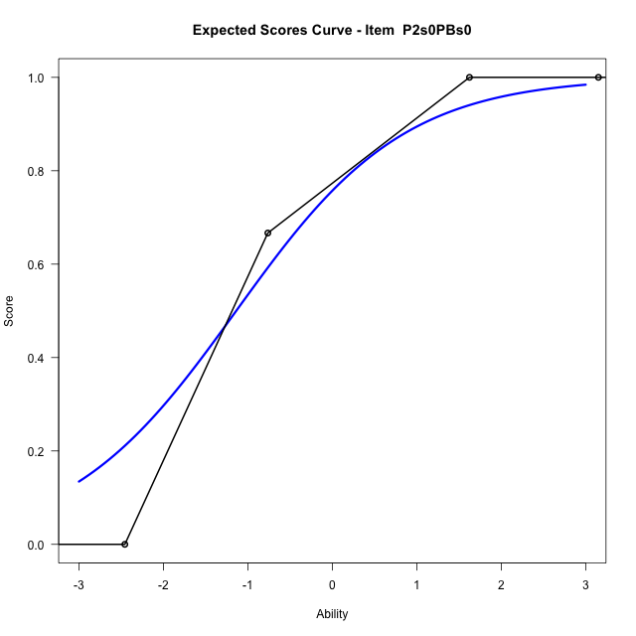
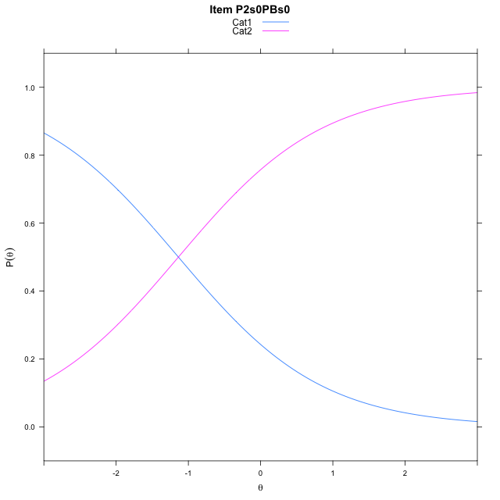
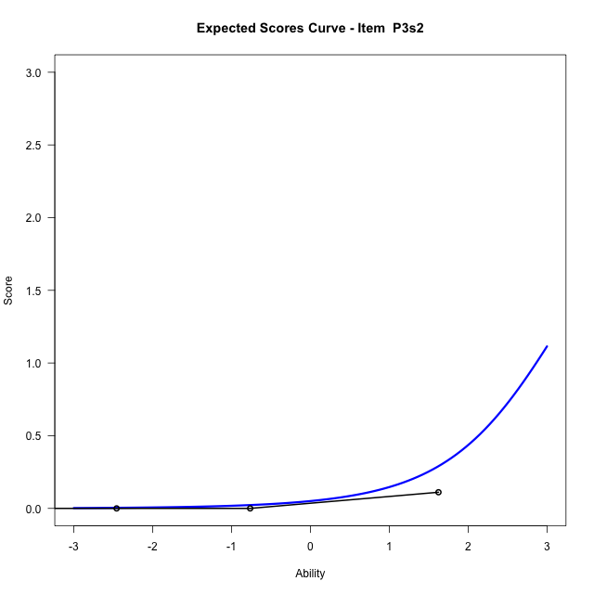
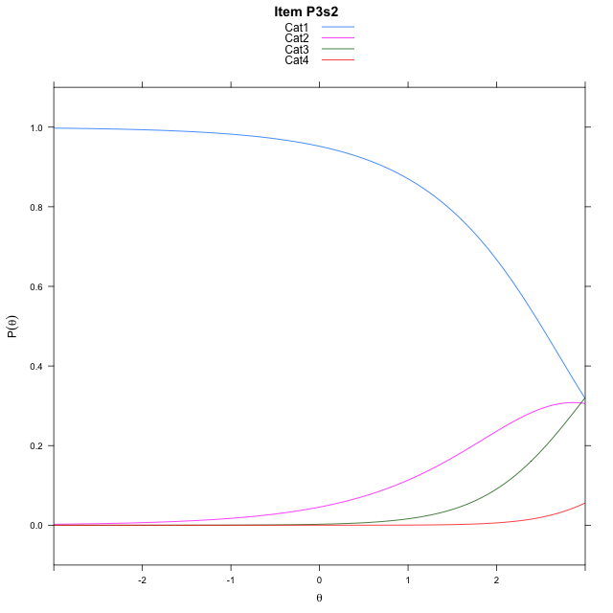
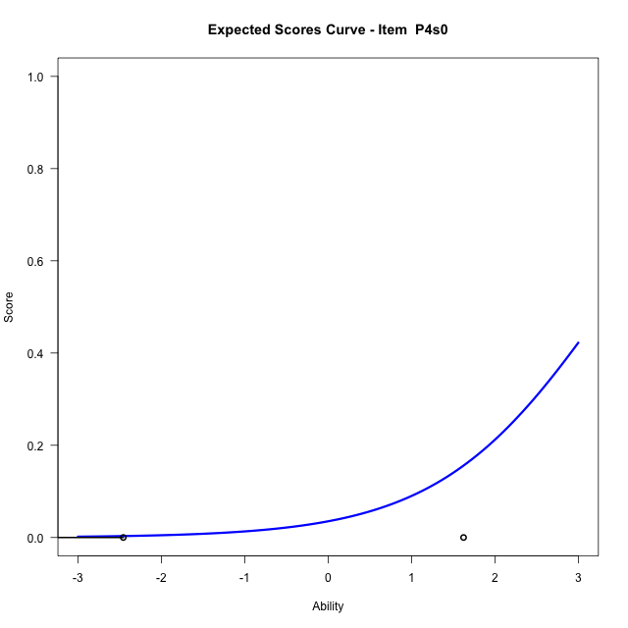
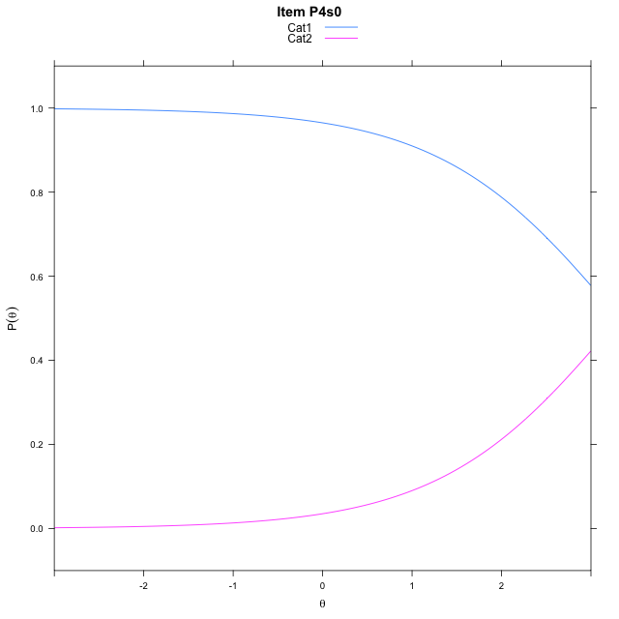
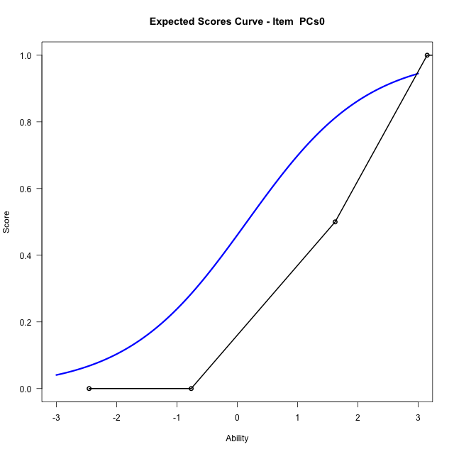
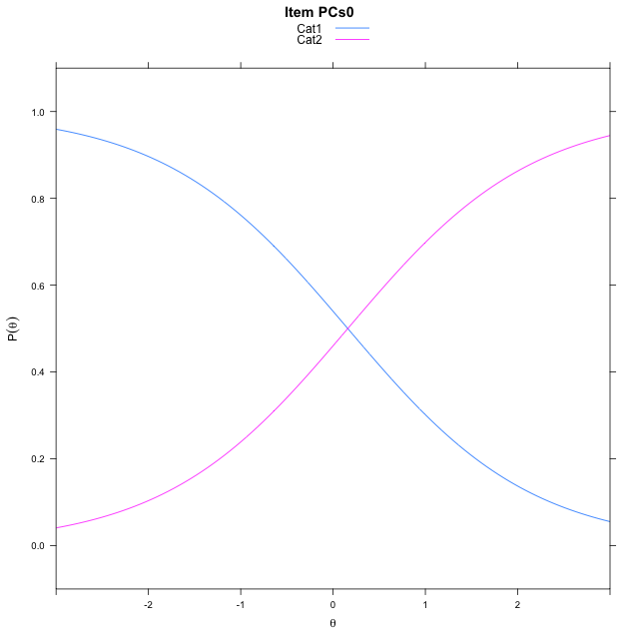
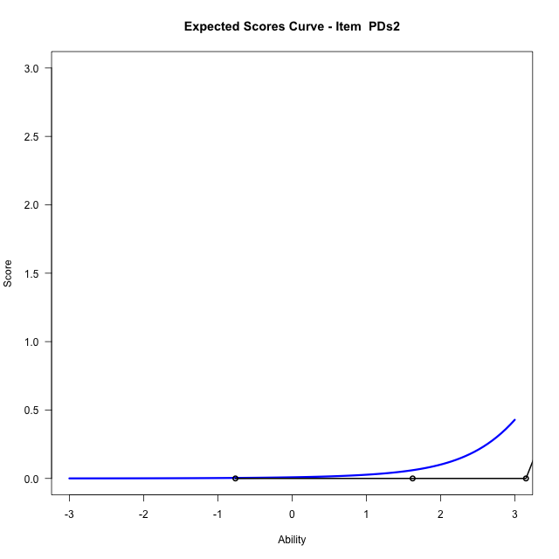
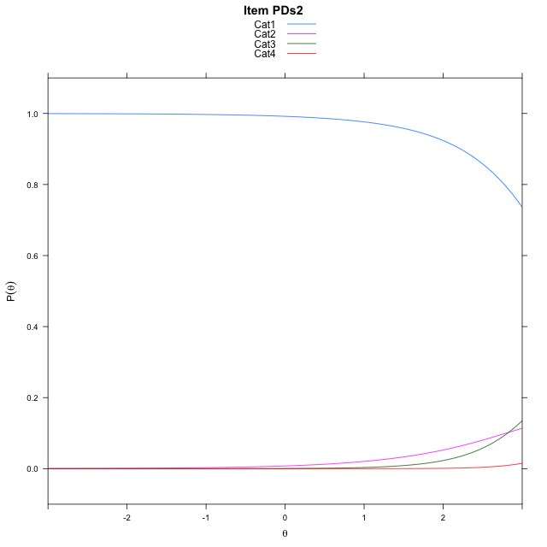
Estimate items information for the measurement model

Full Item Information
item | N | M | xsi.item | AXsi_.Cat1 | AXsi_.Cat2 | AXsi_.Cat3 | B.Cat1.Dim1 | B.Cat2.Dim1 | B.Cat3.Dim1
P1s0PAs0 | 60 | 0.73333333333 | -2.0317311156 | -2.0317311156 |  |  | 1 | 0 | 0
P2s0PBs0 | 55 | 0.67272727273 | -1.1376954148 | -1.1376954148 |  |  | 1 | 0 | 0
P3s2 | 27 | 0.33333333333 | 3.5790565995 | 3.0387495092 | 5.9918738667 | 10.737169799 | 1 | 2 | 3
P4s0 | 19 | 0.15789473684 | 3.3127494642 | 3.3127494642 |  |  | 1 | 0 | 0
PCs0 | 25 | 0.68 | 0.15966004108 | 0.15966004108 |  |  | 1 | 0 | 0
PDs2 | 20 | 0.4 | 4.2969413659 | 4.8682469159 | 7.6969845469 | 12.890824098 | 1 | 2 | 3

Thurstonian Thresholds (category-wise)
 | Cat1 | Cat2 | Cat3
P1s0PAs0 | -2.0316467285
P2s0PBs0 | -1.1377258301
P3s2 | 2.5044250488 | 3.3077087402 | 4.8983459473
P4s0 | 3.3128356934
PCs0 | 0.15975952148
PDs2 | 3.5928039551 | 3.8879699707 | 5.3207702637

Thurstonian Thresholds (item-wise)
 | Threshold
P1s0PAs0 | -2.0326922432
P2s0PBs0 | -1.1363783446
P3s2 | 3.4532344251
P4s0 | 3.3125605517
PCs0 | 0.16128896283
PDs2 | 4.1202585566

Item Infit/Outfit Statistic
parameter | Outfit | Outfit_t | Outfit_p | Outfit_pholm | Infit | Infit_t | Infit_p | Infit_pholm
P1s0PAs0_Cat1 | 0.56182097002 | -0.0022767111783 | 0.99818344887 | 1 | 0.80755142807 | -0.89365393566 | 0.37150707888 | 1
P2s0PBs0_Cat1 | 0.56252500714 | -0.31221572249 | 0.7548765841 | 1 | 0.77105368872 | -1.0855109308 | 0.27769542506 | 1
P3s2_Cat1 | 0.37760512677 | 1.2351932885 | 0.21675857648 | 1 | 0.8146170653 | -0.37658910941 | 0.70647898237 | 1
P3s2_Cat2 | 0.27697518137 | 82.787909459 | 0 | 0 | 0.93532233713 | -0.12373715794 | 0.90152338995 | 1
P3s2_Cat3 | 0.34976822132 | 14420.195429 | 0 | 0 | 1.4505642813 | 0.57429411938 | 0.56576878791 | 1
P4s0_Cat1 | 0.40654923869 | 2.0468331799 | 0.04067446667 | 0.24404680002 | 1.0288326923 | 0.11649600656 | 0.90725945085 | 1
PCs0_Cat1 | 0.77979702829 | -0.099953771412 | 0.92038102664 | 1 | 0.91488933179 | -0.3176842201 | 0.75072448215 | 1
PDs2_Cat1 | 0.92263031296 | 0.42531868673 | 0.67060437303 | 1 | 0.99034955144 | -0.011063543676 | 0.99117274939 | 1
PDs2_Cat2 | 0.73169775922 | 4.6396684859 | 3.4896852703E-06 | 2.4427796892E-05 | 1.069136525 | 0.12174655014 | 0.90309974574 | 1
PDs2_Cat3 | 0.24063682069 | 145.19576218 | 0 | 0 | 0.98618304305 | -0.040912272275 | 0.96736583378 | 1

Box plot of expected curves

stacking-pre-Estimate-Items
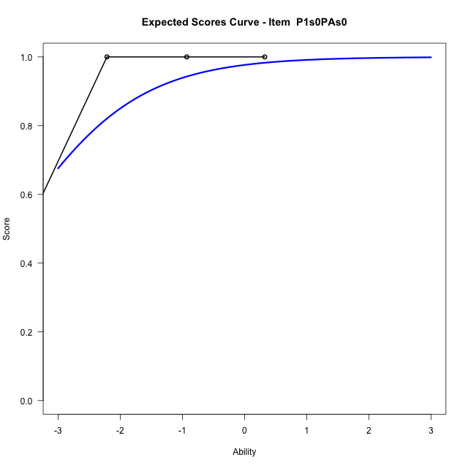
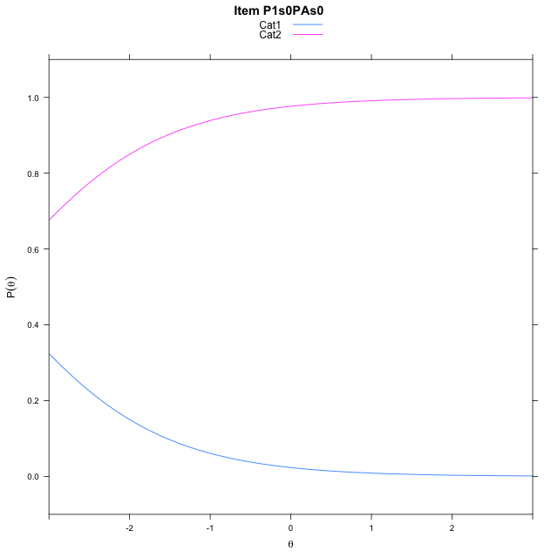
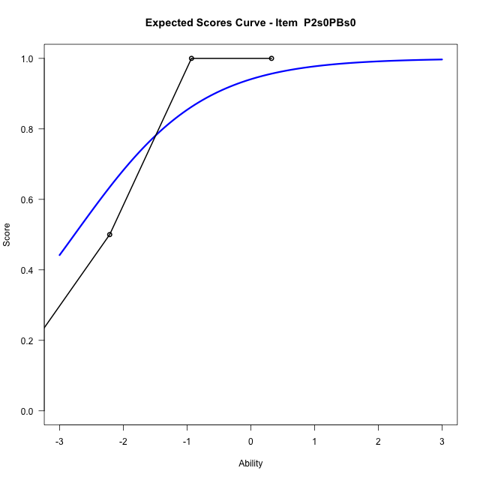
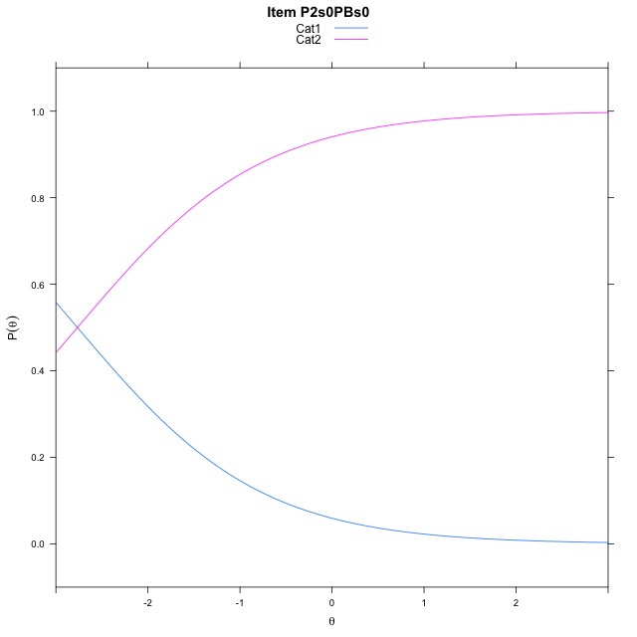
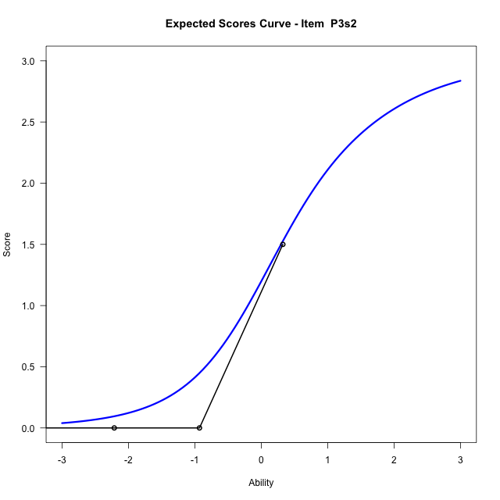
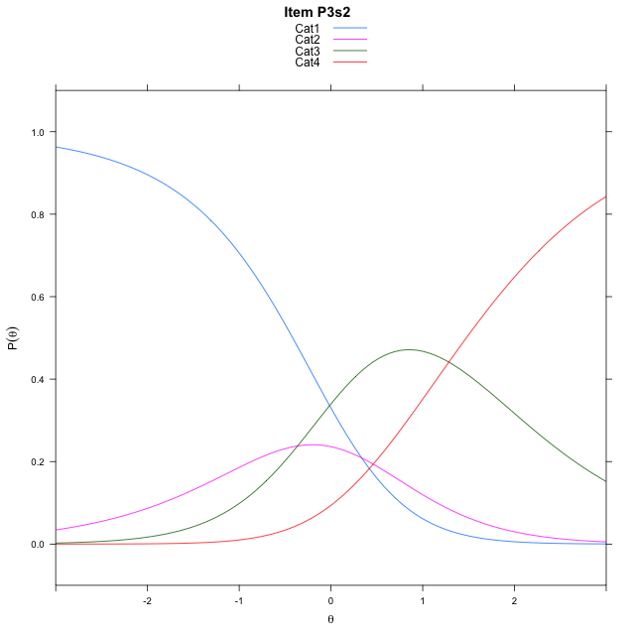
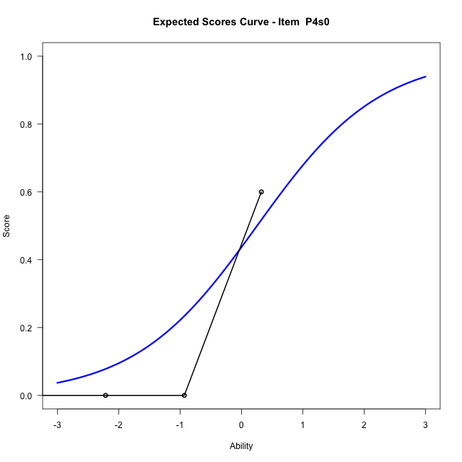
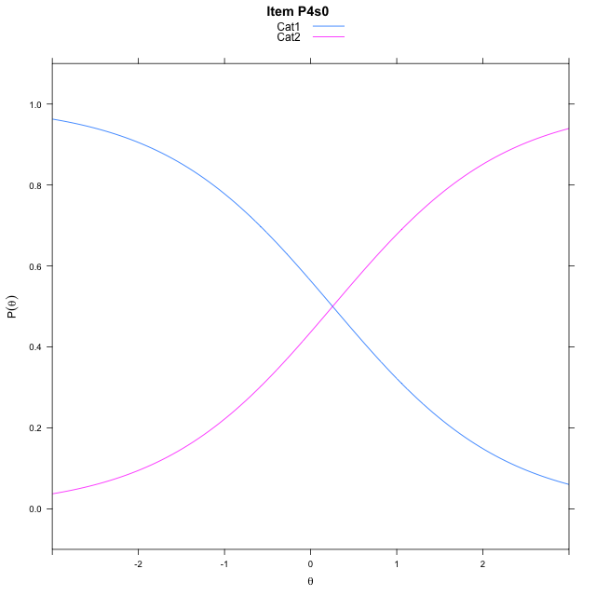
Estimate items information for the measurement model

Full Item Information
item | N | M | xsi.item | AXsi_.Cat1 | AXsi_.Cat2 | AXsi_.Cat3 | B.Cat1.Dim1 | B.Cat2.Dim1 | B.Cat3.Dim1
P1s0PAs0 | 30 | 0.56666666667 | -3.7341632407 | -3.7341632407 |  |  | 1 | 0 | 0
P2s0PBs0 | 27 | 0.48148148148 | -2.7660579194 | -2.7660579194 |  |  | 1 | 0 | 0
P3s2 | 27 | 0.33333333333 | 0.41857484738 | 0.33448386206 | -0.029232014583 | 1.2557245421 | 1 | 2 | 3
P4s0 | 19 | 0.15789473684 | 0.25528950253 | 0.25528950253 |  |  | 1 | 0 | 0

Thurstonian Thresholds (category-wise)
 | Cat1 | Cat2 | Cat3
P1s0PAs0 | -3.734161377
P2s0PBs0 | -2.7660827637
P3s2 | -0.41720581055 | 0.14840698242 | 1.4753723145
P4s0 | 0.2551574707

Thurstonian Thresholds (item-wise)
 | Threshold
P1s0PAs0 | -3.7358750356
P2s0PBs0 | -2.7651246964
P3s2 | 0.30736687716
P4s0 | 0.25593850769

Item Infit/Outfit Statistic
parameter | Outfit | Outfit_t | Outfit_p | Outfit_pholm | Infit | Infit_t | Infit_p | Infit_pholm
P1s0PAs0_Cat1 | 0.73139922717 | -0.27755989069 | 0.78135022528 | 1 | 0.87293003506 | -0.55778150778 | 0.57699359168 | 1
P2s0PBs0_Cat1 | 0.57024937585 | -0.82491020157 | 0.40942257412 | 1 | 0.73514809004 | -1.1113413017 | 0.26642146793 | 1
P3s2_Cat1 | 0.51303193468 | 0.17874723812 | 0.85813617579 | 1 | 0.8283049125 | -0.36887532155 | 0.71222065874 | 1
P3s2_Cat2 | 0.3327610884 | 6.8786810595 | 6.0409236938E-12 | 3.0204618469E-11 | 0.95926706116 | -0.11207330517 | 0.91076528344 | 1
P3s2_Cat3 | 1.1397889414 | 224.032369 | 0 | 0 | 1.542673008 | 0.65794105565 | 0.51057600799 | 1
P4s0_Cat1 | 0.48876951997 | 0.32207613811 | 0.74739501493 | 1 | 0.9189716864 | -0.13063852442 | 0.89606126579 | 1

Box plot of expected curves

stacking-pos-Estimate-Items
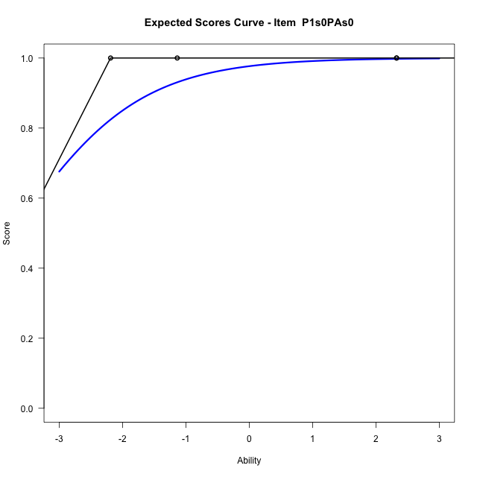
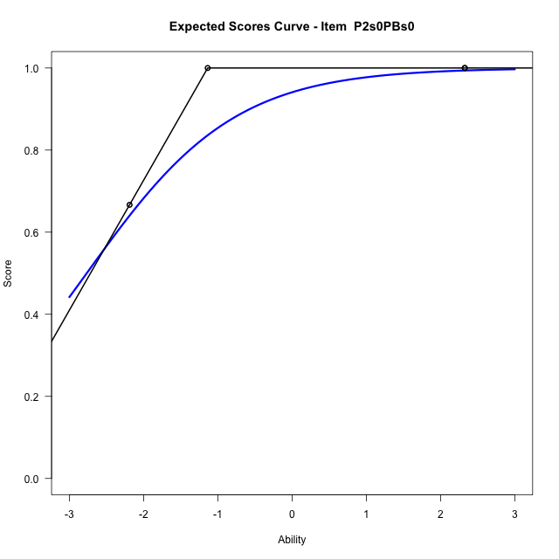
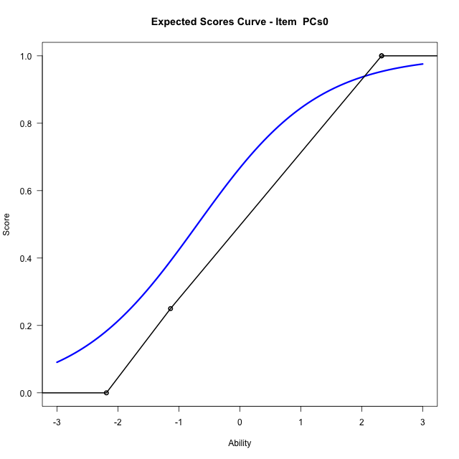
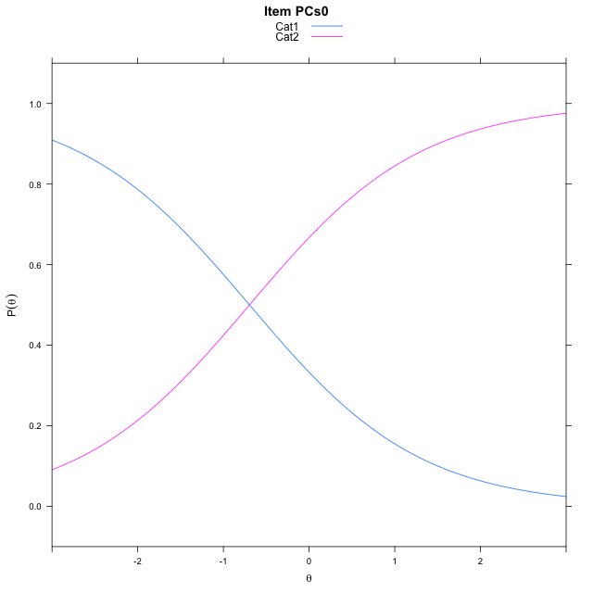
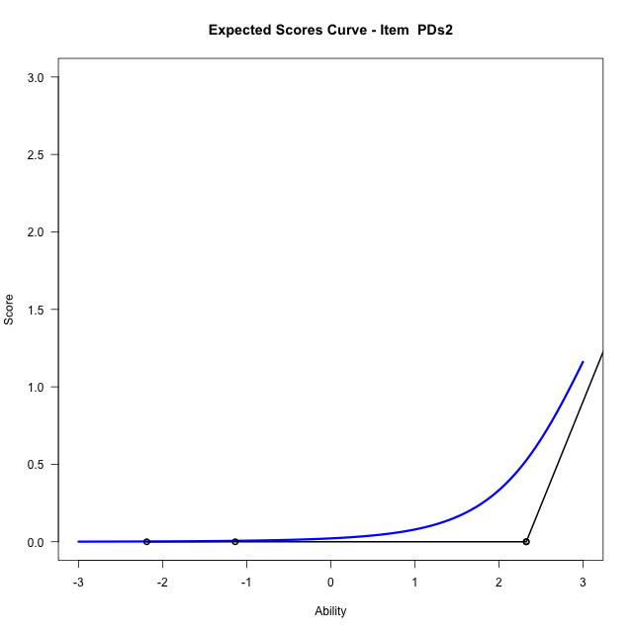
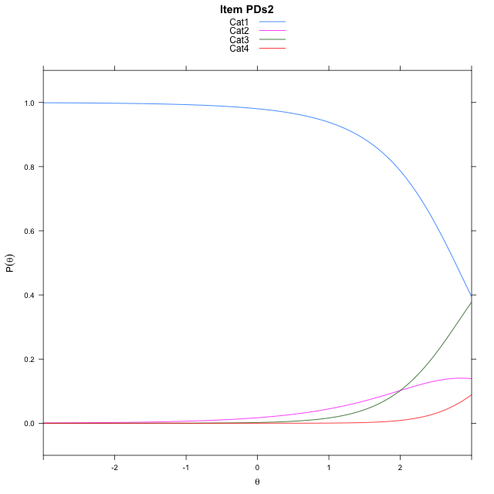
Estimate items information for the measurement model

Full Item Information
item | N | M | xsi.item | AXsi_.Cat1 | AXsi_.Cat2 | AXsi_.Cat3 | B.Cat1.Dim1 | B.Cat2.Dim1 | B.Cat3.Dim1
P1s0PAs0 | 30 | 0.9 | -3.734138954 | -3.734138954 |  |  | 1 | 0 | 0
P2s0PBs0 | 28 | 0.85714285714 | -2.7660422073 | -2.7660422073 |  |  | 1 | 0 | 0
PCs0 | 25 | 0.68 | -0.69517461764 | -0.69517461764 |  |  | 1 | 0 | 0
PDs2 | 20 | 0.4 | 3.4966670209 | 4.0433707631 | 6.0430746208 | 10.490001063 | 1 | 2 | 3

Thurstonian Thresholds (category-wise)
 | Cat1 | Cat2 | Cat3
P1s0PAs0 | -3.734161377
P2s0PBs0 | -2.7660827637
PCs0 | -0.69515991211
PDs2 | 2.7713928223 | 3.0693054199 | 4.5628967285

Thurstonian Thresholds (item-wise)
 | Threshold
P1s0PAs0 | -3.7358507797
P2s0PBs0 | -2.7651091837
PCs0 | -0.69680115033
PDs2 | 3.3216111299

Item Infit/Outfit Statistic
parameter | Outfit | Outfit_t | Outfit_p | Outfit_pholm | Infit | Infit_t | Infit_p | Infit_pholm
P1s0PAs0_Cat1 | 0.9659286628 | 1.0533726086 | 0.29217025302 | 1 | 1.0056943264 | 0.0097699787072 | 0.99220480884 | 1
P2s0PBs0_Cat1 | 0.60139229084 | 0.53988527845 | 0.58927615099 | 1 | 0.91596821014 | -0.22201030742 | 0.82430585939 | 1
PCs0_Cat1 | 0.87026812791 | 0.078866528856 | 0.93713878639 | 1 | 0.9710975847 | -0.11544864249 | 0.90808952555 | 1
PDs2_Cat1 | 1.1827012758 | 0.61063029094 | 0.54144436462 | 1 | 1.0108690241 | 0.004132271862 | 0.99670293346 | 1
PDs2_Cat2 | 1.3227590257 | 6.6691565425 | 2.572777169E-11 | 1.2863885845E-10 | 1.0355280073 | 0.035673121053 | 0.9715430032 | 1
PDs2_Cat3 | 0.23212621169 | 313.59234533 | 0 | 0 | 1.0605749049 | -0.042105366387 | 0.96641470221 | 1

Box plot of expected curves

racking-Estimate-Items
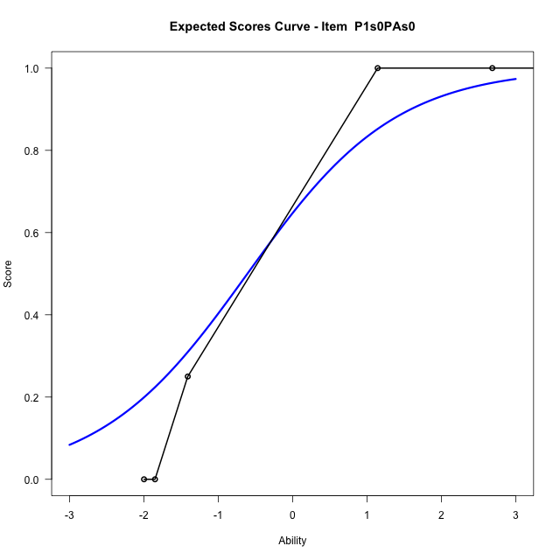
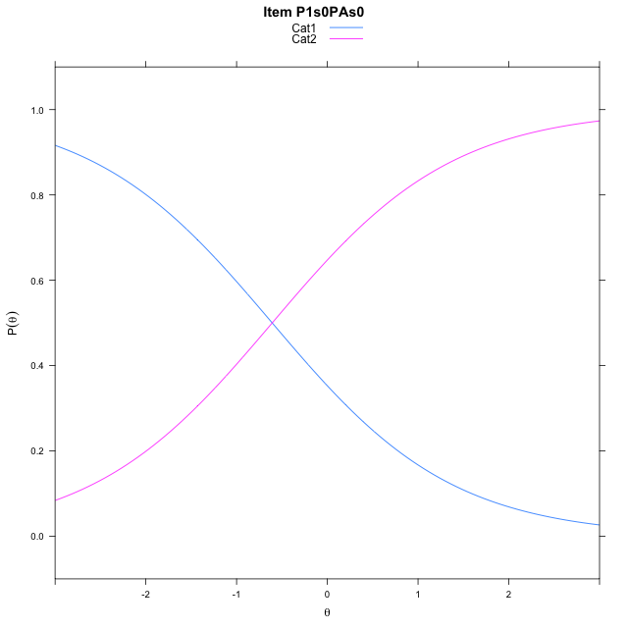
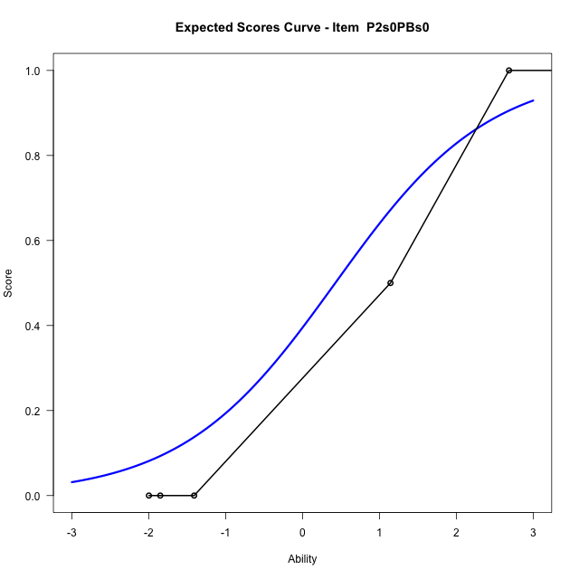
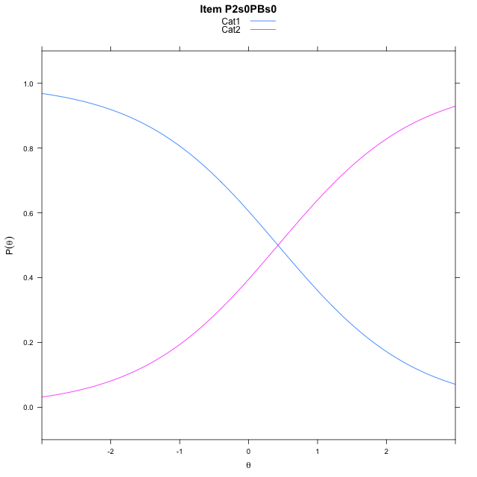
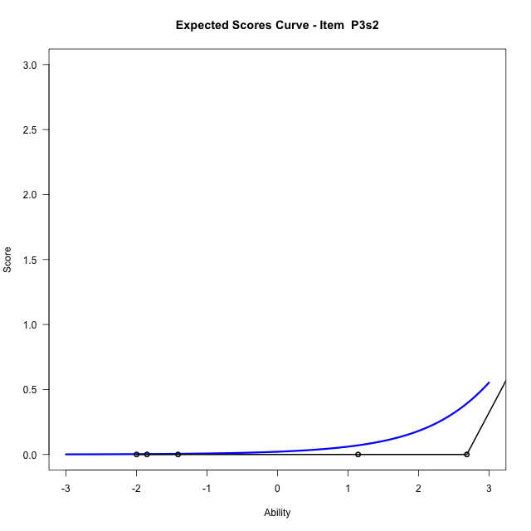
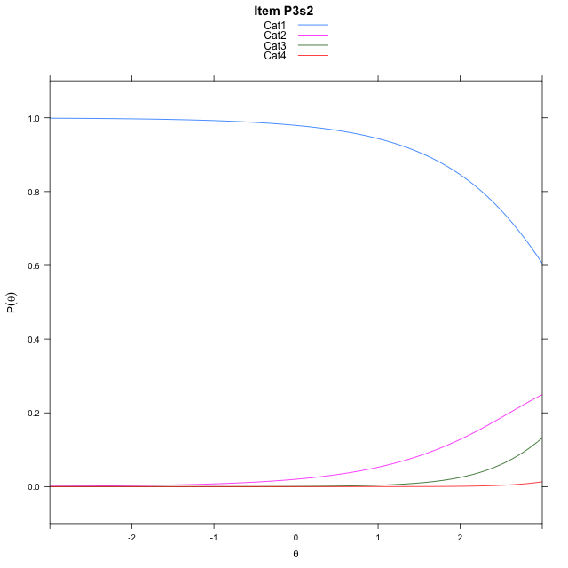
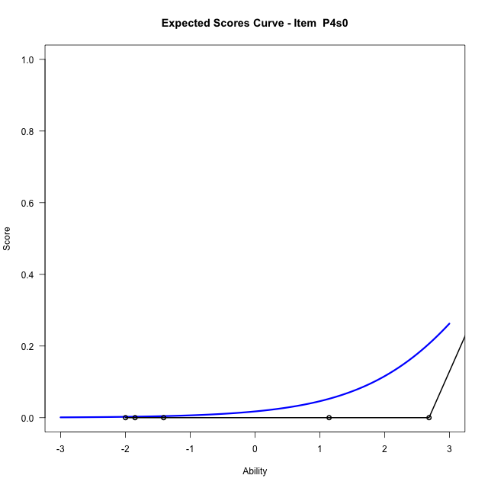
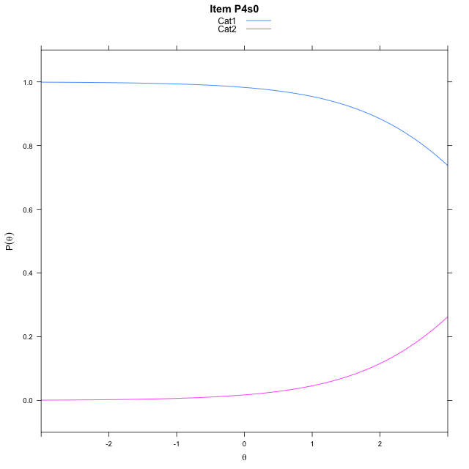
Estimate items information for the measurement model

Full Item Information
item | N | M | xsi.item | AXsi_.Cat1 | AXsi_.Cat2 | AXsi_.Cat3 | B.Cat1.Dim1 | B.Cat2.Dim1 | B.Cat3.Dim1
P1s0PAs0 | 30 | 0.56666666667 | -0.607422413 | -0.607422413 |  |  | 1 | 0 | 0
P2s0PBs0 | 27 | 0.48148148148 | 0.42634632414 | 0.42634632414 |  |  | 1 | 0 | 0
P3s2 | 27 | 0.33333333333 | 4.2786662446 | 3.8866889545 | 7.5206852766 | 12.835998734 | 1 | 2 | 3
P4s0 | 19 | 0.15789473684 | 4.0330633738 | 4.0330633738 |  |  | 1 | 0 | 0

Thurstonian Thresholds (category-wise)
 | Cat1 | Cat2 | Cat3
P1s0PAs0 | -0.60745239258
P2s0PBs0 | 0.42636108398
P3s2 | 3.2950744629 | 4.0205383301 | 5.4877624512
P4s0 | 4.0331726074

Thurstonian Thresholds (item-wise)
 | Threshold
P1s0PAs0 | -0.60763556702
P2s0PBs0 | 0.42480226897
P3s2 | 4.1591681555
P4s0 | 4.0314753645

Item Infit/Outfit Statistic
parameter | Outfit | Outfit_t | Outfit_p | Outfit_pholm | Infit | Infit_t | Infit_p | Infit_pholm
P1s0PAs0_Cat1 | 0.57105382468 | -0.093976685153 | 0.92512767731 | 1 | 0.81842683545 | -0.64310475398 | 0.52015612998 | 1
P2s0PBs0_Cat1 | 0.49783840085 | -0.26295870065 | 0.79258241125 | 1 | 0.74141566891 | -0.8806053774 | 0.37853144706 | 1
P3s2_Cat1 | 0.44615709164 | 1.4643797844 | 0.14309020849 | 0.42927062548 | 0.83879637906 | -0.35794842841 | 0.72038190793 | 1
P3s2_Cat2 | 0.25163178347 | 119.29026166 | 0 | 0 | 0.83924863315 | -0.25779972893 | 0.7965614737 | 1
P3s2_Cat3 | 0.48801795128 | 25610.190062 | 0 | 0 | 1.4388168247 | 0.53112159904 | 0.59533451767 | 1
P4s0_Cat1 | 0.40647335552 | 2.2698133639 | 0.023218909388 | 0.09287563755 | 0.99120058967 | 0.0071780764507 | 0.99427277281 | 1

Box plot of expected curves

