Type_1
Wilcoxon Analysis for Gains in Skills/Knowledge - Loop Structures in Type between non-gamified:ont-gamified

Wilcoxon test results
Alternative hypothesis: less
Group | N | Median | Mean.Ranks | Sum.Ranks | U | Z | p.value | r | magnitude
non-gamified | 8 | 2.0017285741 | 9.375 | 75 | 39 | -0.69619959606 | 0.25379852346 | 0.15567496227 | small
ont-gamified | 12 | 2.7976890283 | 11.25 | 135 | 39 | -0.69619959606 | 0.25379852346 | 0.15567496227 | small
Alternative hypothesis: greater
Group | N | Median | Mean.Ranks | Sum.Ranks | U | Z | p.value | r | magnitude
non-gamified | 8 | 2.0017285741 | 9.375 | 75 | 39 | -0.69619959606 | 0.75835516393 | 0.15567496227 | small
ont-gamified | 12 | 2.7976890283 | 11.25 | 135 | 39 | -0.69619959606 | 0.75835516393 | 0.15567496227 | small
Alternative hypothesis: two.sided
Group | N | Median | Mean.Ranks | Sum.Ranks | U | Z | p.value | r | magnitude
non-gamified | 8 | 2.0017285741 | 9.375 | 75 | 39 | -0.69619959606 | 0.50754147813 | 0.15567496227 | small
ont-gamified | 12 | 2.7976890283 | 11.25 | 135 | 39 | -0.69619959606 | 0.50754147813 | 0.15567496227 | small

Box plots for wilcoxon tests
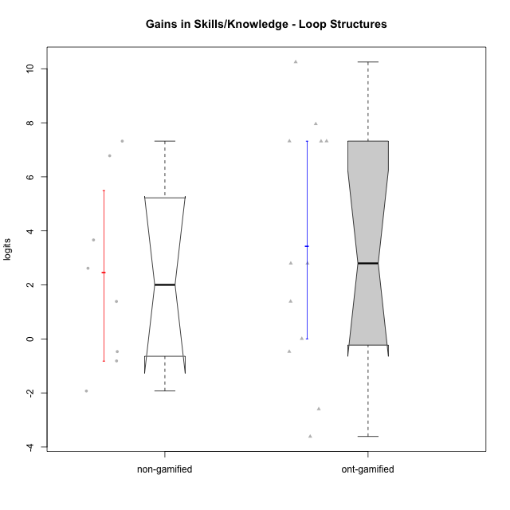

Wilcoxon data
UserID | Type | CLGroup | CLRole | PlayerRole | pre.theta | pos.theta | gain.theta
10116 | non-gamified | GroupC | Master |  | -0.28983321031 | 2.3260988732 | 2.6159320836
10119 | ont-gamified | Grupo Zeus | Master | Yee Achiever | -4.9957756807 | -4.9876437428 | 0.0081319378858
10120 | ont-gamified | Grupo Hélio | Master | Yee Socializer | 0.93857380864 | 2.3260988732 | 1.3875250646
10122 | non-gamified | GroupB | Apprentice |  | -0.84484289067 | -1.6589806106 | -0.81413771995
10126 | ont-gamified | Grupo Hélio | Apprentice | Yee Socializer | -1.1869400749 | -1.6566827754 | -0.46974270057
10129 | non-gamified | GroupB | Apprentice |  | -4.9957756807 | 2.3260988732 | 7.3218745539
10130 | non-gamified | GroupC | Apprentice |  | -3.2406842239 | 0.4232952882 | 3.6639795121
10131 | ont-gamified | Grupo Zeus | Apprentice | Yee Achiever | -4.4566696389 | -1.6589806106 | 2.7976890283
10134 | ont-gamified | Grupo Apolo | Apprentice | Yee Socializer | -4.9957756807 | 2.3260988732 | 7.3218745539
10135 | non-gamified | GroupB | Apprentice |  | -1.1869400749 | -1.6566827754 | -0.46974270057
10137 | ont-gamified | Grupo Morfeu | Apprentice | Yee Achiever | -4.9908876047 | 2.3260988732 | 7.316986478
10138 | ont-gamified | Grupo Hélio | Apprentice | Yee Socializer | -4.9957756807 | 2.3260988732 | 7.3218745539
10139 | ont-gamified | Grupo Zeus | Apprentice | Yee Achiever | -4.4566696389 | -1.6589806106 | 2.7976890283
10141 | ont-gamified | Grupo Apolo | Master | Yee Socializer | -4.9957756807 | 2.9610452036 | 7.9568208843
10143 | ont-gamified | Grupo Apolo | Apprentice | Yee Socializer | -0.84484289067 | -4.4566453913 | -3.6118025006
10144 | non-gamified | GroupA | Master |  | 0.27130765869 | -1.6566827754 | -1.9279904341
10145 | non-gamified | GroupB | Master |  | 0.93857380864 | 2.3260988732 | 1.3875250646
10146 | non-gamified | GroupA | Apprentice |  | -3.2498939463 | 3.5294720893 | 6.7793660356
10148 | ont-gamified | Grupo Apolo | Apprentice | Yee Socializer | -4.9957756807 | 5.2538149241 | 10.249590605
10152 | ont-gamified | Grupo Morfeu | Master | Yee Achiever | 0.93857380864 | -1.6566827754 | -2.5952565841

Type_CLRole_1
Wilcoxon Analysis for Gains in Skills/Knowledge - Loop Structures in Type:CLRole between non-gamified.Apprentice:non-gamified.Master

Wilcoxon test results
Alternative hypothesis: less
Group | N | Median | Mean.Ranks | Sum.Ranks | U | Z | p.value | r | magnitude
non-gamified.Apprentice | 5 | 3.6639795121 | 5.2 | 26 | 11 | 1.0434983895 | 0.875 | 0.36893239369 | medium
non-gamified.Master | 3 | 1.3875250646 | 3.3333333333 | 10 | 11 | 1.0434983895 | 0.875 | 0.36893239369 | medium
Alternative hypothesis: greater
Group | N | Median | Mean.Ranks | Sum.Ranks | U | Z | p.value | r | magnitude
non-gamified.Apprentice | 5 | 3.6639795121 | 5.2 | 26 | 11 | 1.0434983895 | 0.19642857143 | 0.36893239369 | medium
non-gamified.Master | 3 | 1.3875250646 | 3.3333333333 | 10 | 11 | 1.0434983895 | 0.19642857143 | 0.36893239369 | medium
Alternative hypothesis: two.sided
Group | N | Median | Mean.Ranks | Sum.Ranks | U | Z | p.value | r | magnitude
non-gamified.Apprentice | 5 | 3.6639795121 | 5.2 | 26 | 11 | 1.0434983895 | 0.39285714286 | 0.36893239369 | medium
non-gamified.Master | 3 | 1.3875250646 | 3.3333333333 | 10 | 11 | 1.0434983895 | 0.39285714286 | 0.36893239369 | medium

Box plots for wilcoxon tests
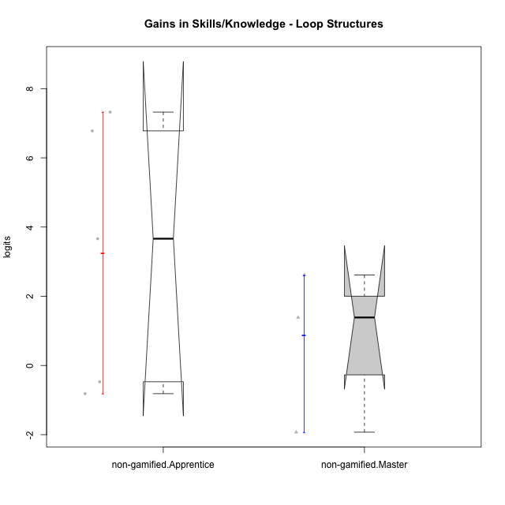

Wilcoxon data
UserID | Type | CLGroup | CLRole | PlayerRole | pre.theta | pos.theta | gain.theta
10116 | non-gamified | GroupC | Master |  | -0.28983321031 | 2.3260988732 | 2.6159320836
10122 | non-gamified | GroupB | Apprentice |  | -0.84484289067 | -1.6589806106 | -0.81413771995
10129 | non-gamified | GroupB | Apprentice |  | -4.9957756807 | 2.3260988732 | 7.3218745539
10130 | non-gamified | GroupC | Apprentice |  | -3.2406842239 | 0.4232952882 | 3.6639795121
10135 | non-gamified | GroupB | Apprentice |  | -1.1869400749 | -1.6566827754 | -0.46974270057
10144 | non-gamified | GroupA | Master |  | 0.27130765869 | -1.6566827754 | -1.9279904341
10145 | non-gamified | GroupB | Master |  | 0.93857380864 | 2.3260988732 | 1.3875250646
10146 | non-gamified | GroupA | Apprentice |  | -3.2498939463 | 3.5294720893 | 6.7793660356

Type_CLRole_2
Wilcoxon Analysis for Gains in Skills/Knowledge - Loop Structures in Type:CLRole between non-gamified.Apprentice:ont-gamified.Apprentice

Wilcoxon test results
Alternative hypothesis: less
Group | N | Median | Mean.Ranks | Sum.Ranks | U | Z | p.value | r | magnitude
non-gamified.Apprentice | 5 | 3.6639795121 | 6.3 | 31.5 | 16.5 | -0.51662311344 | 0.31857031857 | 0.1432854712 | small
ont-gamified.Apprentice | 8 | 5.0573377531 | 7.4375 | 59.5 | 16.5 | -0.51662311344 | 0.31857031857 | 0.1432854712 | small
Alternative hypothesis: greater
Group | N | Median | Mean.Ranks | Sum.Ranks | U | Z | p.value | r | magnitude
non-gamified.Apprentice | 5 | 3.6639795121 | 6.3 | 31.5 | 16.5 | -0.51662311344 | 0.69852369852 | 0.1432854712 | small
ont-gamified.Apprentice | 8 | 5.0573377531 | 7.4375 | 59.5 | 16.5 | -0.51662311344 | 0.69852369852 | 0.1432854712 | small
Alternative hypothesis: two.sided
Group | N | Median | Mean.Ranks | Sum.Ranks | U | Z | p.value | r | magnitude
non-gamified.Apprentice | 5 | 3.6639795121 | 6.3 | 31.5 | 16.5 | -0.51662311344 | 0.64257964258 | 0.1432854712 | small
ont-gamified.Apprentice | 8 | 5.0573377531 | 7.4375 | 59.5 | 16.5 | -0.51662311344 | 0.64257964258 | 0.1432854712 | small

Box plots for wilcoxon tests
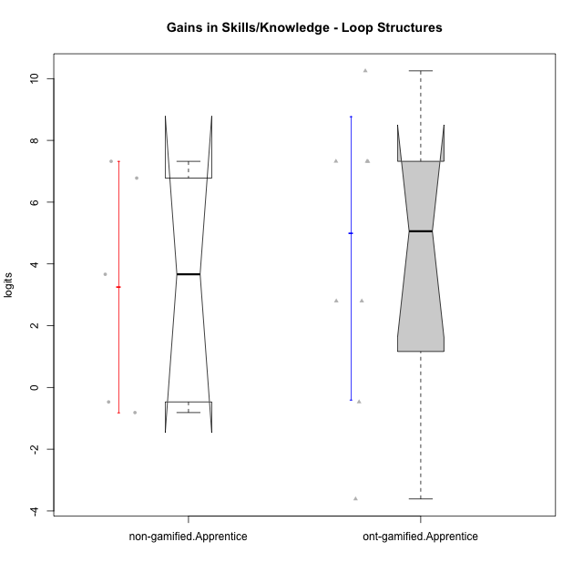

Wilcoxon data
UserID | Type | CLGroup | CLRole | PlayerRole | pre.theta | pos.theta | gain.theta
10122 | non-gamified | GroupB | Apprentice |  | -0.84484289067 | -1.6589806106 | -0.81413771995
10126 | ont-gamified | Grupo Hélio | Apprentice | Yee Socializer | -1.1869400749 | -1.6566827754 | -0.46974270057
10129 | non-gamified | GroupB | Apprentice |  | -4.9957756807 | 2.3260988732 | 7.3218745539
10130 | non-gamified | GroupC | Apprentice |  | -3.2406842239 | 0.4232952882 | 3.6639795121
10131 | ont-gamified | Grupo Zeus | Apprentice | Yee Achiever | -4.4566696389 | -1.6589806106 | 2.7976890283
10134 | ont-gamified | Grupo Apolo | Apprentice | Yee Socializer | -4.9957756807 | 2.3260988732 | 7.3218745539
10135 | non-gamified | GroupB | Apprentice |  | -1.1869400749 | -1.6566827754 | -0.46974270057
10137 | ont-gamified | Grupo Morfeu | Apprentice | Yee Achiever | -4.9908876047 | 2.3260988732 | 7.316986478
10138 | ont-gamified | Grupo Hélio | Apprentice | Yee Socializer | -4.9957756807 | 2.3260988732 | 7.3218745539
10139 | ont-gamified | Grupo Zeus | Apprentice | Yee Achiever | -4.4566696389 | -1.6589806106 | 2.7976890283
10143 | ont-gamified | Grupo Apolo | Apprentice | Yee Socializer | -0.84484289067 | -4.4566453913 | -3.6118025006
10146 | non-gamified | GroupA | Apprentice |  | -3.2498939463 | 3.5294720893 | 6.7793660356
10148 | ont-gamified | Grupo Apolo | Apprentice | Yee Socializer | -4.9957756807 | 5.2538149241 | 10.249590605

Type_CLRole_3
Wilcoxon Analysis for Gains in Skills/Knowledge - Loop Structures in Type:CLRole between non-gamified.Apprentice:ont-gamified.Master

Wilcoxon test results
Alternative hypothesis: less
Group | N | Median | Mean.Ranks | Sum.Ranks | U | Z | p.value | r | magnitude
non-gamified.Apprentice | 5 | 3.6639795121 | 5.2 | 26 | 11 | 0.24494897428 | 0.63492063492 | 0.081649658093 | none
ont-gamified.Master | 4 | 0.69782850124 | 4.75 | 19 | 11 | 0.24494897428 | 0.63492063492 | 0.081649658093 | none
Alternative hypothesis: greater
Group | N | Median | Mean.Ranks | Sum.Ranks | U | Z | p.value | r | magnitude
non-gamified.Apprentice | 5 | 3.6639795121 | 5.2 | 26 | 11 | 0.24494897428 | 0.45238095238 | 0.081649658093 | none
ont-gamified.Master | 4 | 0.69782850124 | 4.75 | 19 | 11 | 0.24494897428 | 0.45238095238 | 0.081649658093 | none
Alternative hypothesis: two.sided
Group | N | Median | Mean.Ranks | Sum.Ranks | U | Z | p.value | r | magnitude
non-gamified.Apprentice | 5 | 3.6639795121 | 5.2 | 26 | 11 | 0.24494897428 | 0.90476190476 | 0.081649658093 | none
ont-gamified.Master | 4 | 0.69782850124 | 4.75 | 19 | 11 | 0.24494897428 | 0.90476190476 | 0.081649658093 | none

Box plots for wilcoxon tests
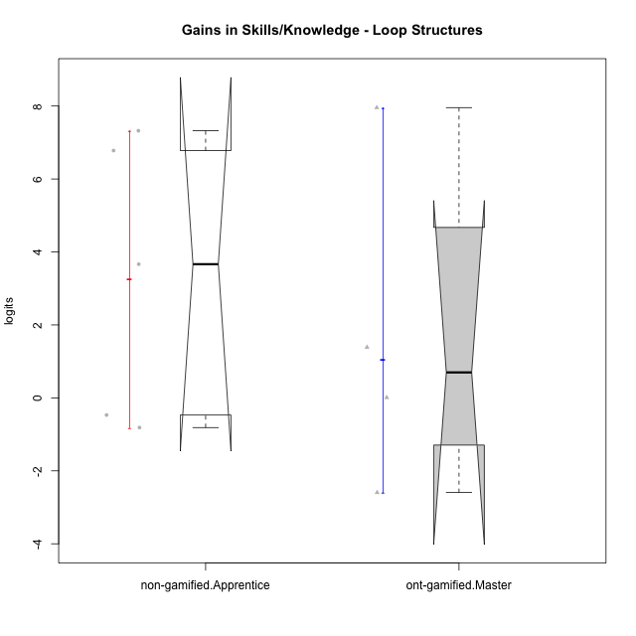

Wilcoxon data
UserID | Type | CLGroup | CLRole | PlayerRole | pre.theta | pos.theta | gain.theta
10119 | ont-gamified | Grupo Zeus | Master | Yee Achiever | -4.9957756807 | -4.9876437428 | 0.0081319378858
10120 | ont-gamified | Grupo Hélio | Master | Yee Socializer | 0.93857380864 | 2.3260988732 | 1.3875250646
10122 | non-gamified | GroupB | Apprentice |  | -0.84484289067 | -1.6589806106 | -0.81413771995
10129 | non-gamified | GroupB | Apprentice |  | -4.9957756807 | 2.3260988732 | 7.3218745539
10130 | non-gamified | GroupC | Apprentice |  | -3.2406842239 | 0.4232952882 | 3.6639795121
10135 | non-gamified | GroupB | Apprentice |  | -1.1869400749 | -1.6566827754 | -0.46974270057
10141 | ont-gamified | Grupo Apolo | Master | Yee Socializer | -4.9957756807 | 2.9610452036 | 7.9568208843
10146 | non-gamified | GroupA | Apprentice |  | -3.2498939463 | 3.5294720893 | 6.7793660356
10152 | ont-gamified | Grupo Morfeu | Master | Yee Achiever | 0.93857380864 | -1.6566827754 | -2.5952565841

Type_CLRole_4
Wilcoxon Analysis for Gains in Skills/Knowledge - Loop Structures in Type:CLRole between non-gamified.Master:ont-gamified.Apprentice

Wilcoxon test results
Alternative hypothesis: less
Group | N | Median | Mean.Ranks | Sum.Ranks | U | Z | p.value | r | magnitude
non-gamified.Master | 3 | 1.3875250646 | 3.6666666667 | 11 | 5 | -1.4354084971 | 0.084848484848 | 0.43279194598 | medium
ont-gamified.Apprentice | 8 | 5.0573377531 | 6.875 | 55 | 5 | -1.4354084971 | 0.084848484848 | 0.43279194598 | medium
Alternative hypothesis: greater
Group | N | Median | Mean.Ranks | Sum.Ranks | U | Z | p.value | r | magnitude
non-gamified.Master | 3 | 1.3875250646 | 3.6666666667 | 11 | 5 | -1.4354084971 | 0.92727272727 | 0.43279194598 | medium
ont-gamified.Apprentice | 8 | 5.0573377531 | 6.875 | 55 | 5 | -1.4354084971 | 0.92727272727 | 0.43279194598 | medium
Alternative hypothesis: two.sided
Group | N | Median | Mean.Ranks | Sum.Ranks | U | Z | p.value | r | magnitude
non-gamified.Master | 3 | 1.3875250646 | 3.6666666667 | 11 | 5 | -1.4354084971 | 0.1696969697 | 0.43279194598 | medium
ont-gamified.Apprentice | 8 | 5.0573377531 | 6.875 | 55 | 5 | -1.4354084971 | 0.1696969697 | 0.43279194598 | medium

Box plots for wilcoxon tests
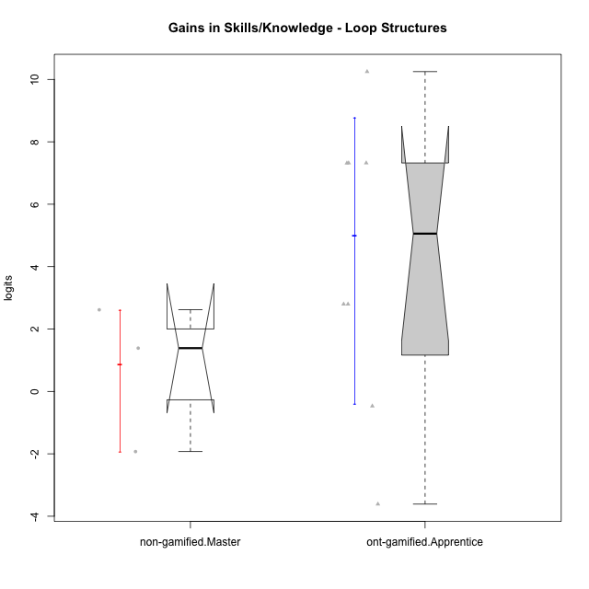

Wilcoxon data
UserID | Type | CLGroup | CLRole | PlayerRole | pre.theta | pos.theta | gain.theta
10116 | non-gamified | GroupC | Master |  | -0.28983321031 | 2.3260988732 | 2.6159320836
10126 | ont-gamified | Grupo Hélio | Apprentice | Yee Socializer | -1.1869400749 | -1.6566827754 | -0.46974270057
10131 | ont-gamified | Grupo Zeus | Apprentice | Yee Achiever | -4.4566696389 | -1.6589806106 | 2.7976890283
10134 | ont-gamified | Grupo Apolo | Apprentice | Yee Socializer | -4.9957756807 | 2.3260988732 | 7.3218745539
10137 | ont-gamified | Grupo Morfeu | Apprentice | Yee Achiever | -4.9908876047 | 2.3260988732 | 7.316986478
10138 | ont-gamified | Grupo Hélio | Apprentice | Yee Socializer | -4.9957756807 | 2.3260988732 | 7.3218745539
10139 | ont-gamified | Grupo Zeus | Apprentice | Yee Achiever | -4.4566696389 | -1.6589806106 | 2.7976890283
10143 | ont-gamified | Grupo Apolo | Apprentice | Yee Socializer | -0.84484289067 | -4.4566453913 | -3.6118025006
10144 | non-gamified | GroupA | Master |  | 0.27130765869 | -1.6566827754 | -1.9279904341
10145 | non-gamified | GroupB | Master |  | 0.93857380864 | 2.3260988732 | 1.3875250646
10148 | ont-gamified | Grupo Apolo | Apprentice | Yee Socializer | -4.9957756807 | 5.2538149241 | 10.249590605

Type_CLRole_5
Wilcoxon Analysis for Gains in Skills/Knowledge - Loop Structures in Type:CLRole between non-gamified.Master:ont-gamified.Master

Wilcoxon test results
Alternative hypothesis: less
Group | N | Median | Mean.Ranks | Sum.Ranks | U | Z | p.value | r | magnitude
non-gamified.Master | 3 | 1.3875250646 | 4.1666666667 | 12.5 | 6.5 | 0.178376517 | 0.62857142857 | 0.067419986246 | none
ont-gamified.Master | 4 | 0.69782850124 | 3.875 | 15.5 | 6.5 | 0.178376517 | 0.62857142857 | 0.067419986246 | none
Alternative hypothesis: greater
Group | N | Median | Mean.Ranks | Sum.Ranks | U | Z | p.value | r | magnitude
non-gamified.Master | 3 | 1.3875250646 | 4.1666666667 | 12.5 | 6.5 | 0.178376517 | 0.48571428571 | 0.067419986246 | none
ont-gamified.Master | 4 | 0.69782850124 | 3.875 | 15.5 | 6.5 | 0.178376517 | 0.48571428571 | 0.067419986246 | none
Alternative hypothesis: two.sided
Group | N | Median | Mean.Ranks | Sum.Ranks | U | Z | p.value | r | magnitude
non-gamified.Master | 3 | 1.3875250646 | 4.1666666667 | 12.5 | 6.5 | 0.178376517 | 0.94285714286 | 0.067419986246 | none
ont-gamified.Master | 4 | 0.69782850124 | 3.875 | 15.5 | 6.5 | 0.178376517 | 0.94285714286 | 0.067419986246 | none

Box plots for wilcoxon tests
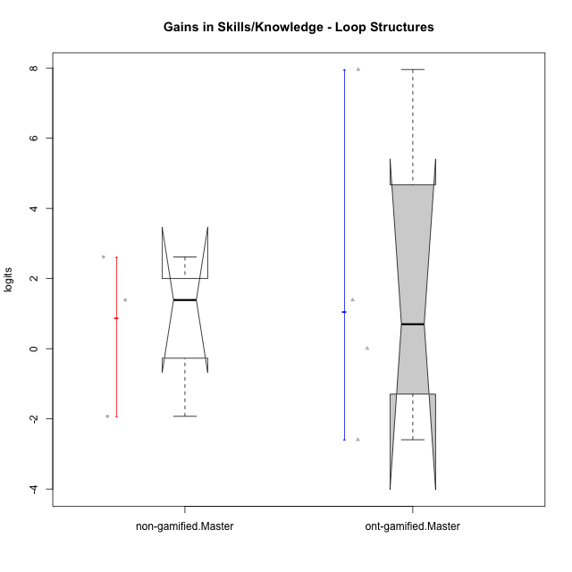

Wilcoxon data
UserID | Type | CLGroup | CLRole | PlayerRole | pre.theta | pos.theta | gain.theta
10116 | non-gamified | GroupC | Master |  | -0.28983321031 | 2.3260988732 | 2.6159320836
10119 | ont-gamified | Grupo Zeus | Master | Yee Achiever | -4.9957756807 | -4.9876437428 | 0.0081319378858
10120 | ont-gamified | Grupo Hélio | Master | Yee Socializer | 0.93857380864 | 2.3260988732 | 1.3875250646
10141 | ont-gamified | Grupo Apolo | Master | Yee Socializer | -4.9957756807 | 2.9610452036 | 7.9568208843
10144 | non-gamified | GroupA | Master |  | 0.27130765869 | -1.6566827754 | -1.9279904341
10145 | non-gamified | GroupB | Master |  | 0.93857380864 | 2.3260988732 | 1.3875250646
10152 | ont-gamified | Grupo Morfeu | Master | Yee Achiever | 0.93857380864 | -1.6566827754 | -2.5952565841

Type_CLRole_6
Wilcoxon Analysis for Gains in Skills/Knowledge - Loop Structures in Type:CLRole between ont-gamified.Apprentice:ont-gamified.Master

Wilcoxon test results
Alternative hypothesis: less
Group | N | Median | Mean.Ranks | Sum.Ranks | U | Z | p.value | r | magnitude
ont-gamified.Apprentice | 8 | 5.0573377531 | 7 | 56 | 20 | 0.68175415833 | 0.75757575758 | 0.19680547342 | small
ont-gamified.Master | 4 | 0.69782850124 | 5.5 | 22 | 20 | 0.68175415833 | 0.75757575758 | 0.19680547342 | small
Alternative hypothesis: greater
Group | N | Median | Mean.Ranks | Sum.Ranks | U | Z | p.value | r | magnitude
ont-gamified.Apprentice | 8 | 5.0573377531 | 7 | 56 | 20 | 0.68175415833 | 0.27272727273 | 0.19680547342 | small
ont-gamified.Master | 4 | 0.69782850124 | 5.5 | 22 | 20 | 0.68175415833 | 0.27272727273 | 0.19680547342 | small
Alternative hypothesis: two.sided
Group | N | Median | Mean.Ranks | Sum.Ranks | U | Z | p.value | r | magnitude
ont-gamified.Apprentice | 8 | 5.0573377531 | 7 | 56 | 20 | 0.68175415833 | 0.54343434343 | 0.19680547342 | small
ont-gamified.Master | 4 | 0.69782850124 | 5.5 | 22 | 20 | 0.68175415833 | 0.54343434343 | 0.19680547342 | small

Box plots for wilcoxon tests
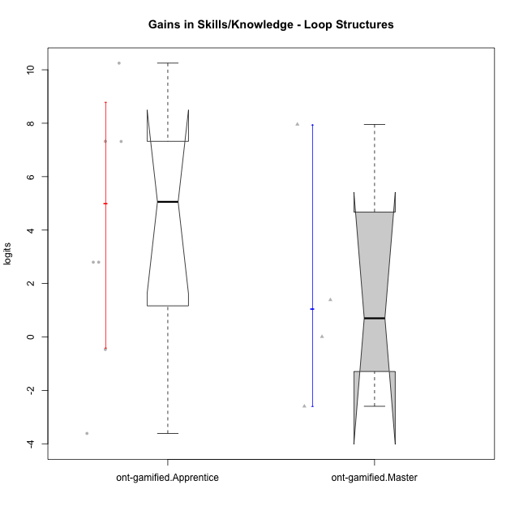

Wilcoxon data
UserID | Type | CLGroup | CLRole | PlayerRole | pre.theta | pos.theta | gain.theta
10119 | ont-gamified | Grupo Zeus | Master | Yee Achiever | -4.9957756807 | -4.9876437428 | 0.0081319378858
10120 | ont-gamified | Grupo Hélio | Master | Yee Socializer | 0.93857380864 | 2.3260988732 | 1.3875250646
10126 | ont-gamified | Grupo Hélio | Apprentice | Yee Socializer | -1.1869400749 | -1.6566827754 | -0.46974270057
10131 | ont-gamified | Grupo Zeus | Apprentice | Yee Achiever | -4.4566696389 | -1.6589806106 | 2.7976890283
10134 | ont-gamified | Grupo Apolo | Apprentice | Yee Socializer | -4.9957756807 | 2.3260988732 | 7.3218745539
10137 | ont-gamified | Grupo Morfeu | Apprentice | Yee Achiever | -4.9908876047 | 2.3260988732 | 7.316986478
10138 | ont-gamified | Grupo Hélio | Apprentice | Yee Socializer | -4.9957756807 | 2.3260988732 | 7.3218745539
10139 | ont-gamified | Grupo Zeus | Apprentice | Yee Achiever | -4.4566696389 | -1.6589806106 | 2.7976890283
10141 | ont-gamified | Grupo Apolo | Master | Yee Socializer | -4.9957756807 | 2.9610452036 | 7.9568208843
10143 | ont-gamified | Grupo Apolo | Apprentice | Yee Socializer | -0.84484289067 | -4.4566453913 | -3.6118025006
10148 | ont-gamified | Grupo Apolo | Apprentice | Yee Socializer | -4.9957756807 | 5.2538149241 | 10.249590605
10152 | ont-gamified | Grupo Morfeu | Master | Yee Achiever | 0.93857380864 | -1.6566827754 | -2.5952565841

