Assumptions
ANOVA assumptions for Gains in Skills/Knowledge - Loop Structures

Shapiro-Wilk normality test for Gains in Skills/Knowledge - Loop Structures
W | p.value
0.95854734412 | 0.51525342554

Plots for normality test
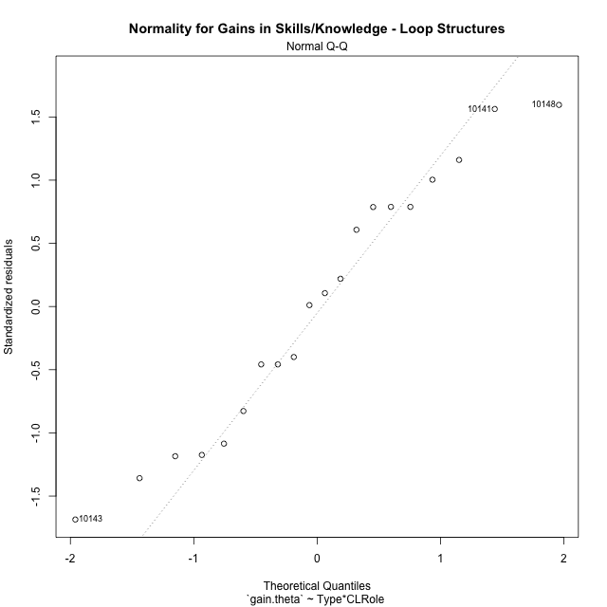

Levene's Test for Homogeneity of Variance in Gains in Skills/Knowledge - Loop Structures
Df | F value | Pr(>F)
3 | 0.85336084541 | 0.48508982457
16

Plots for homogeneity of variance
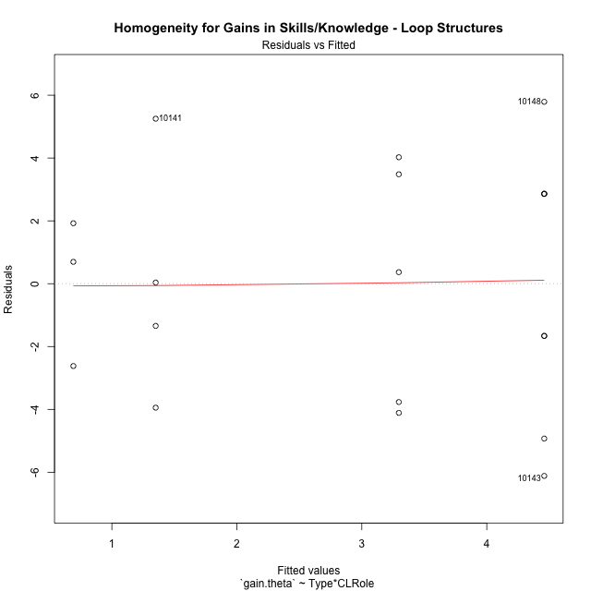

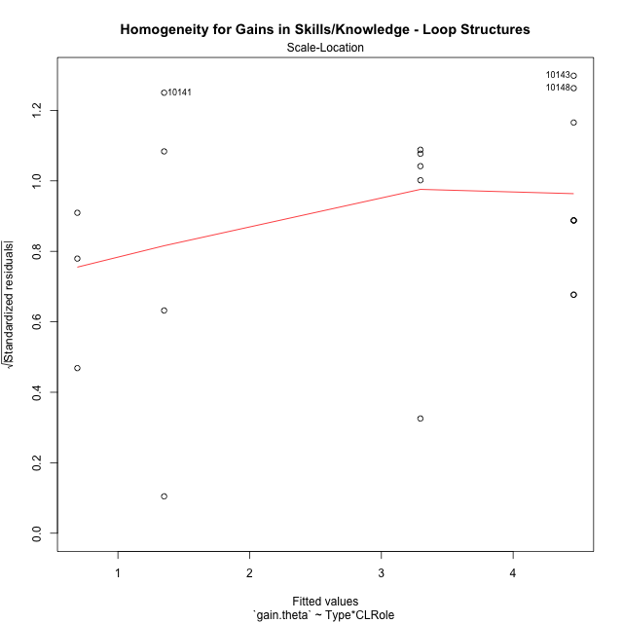

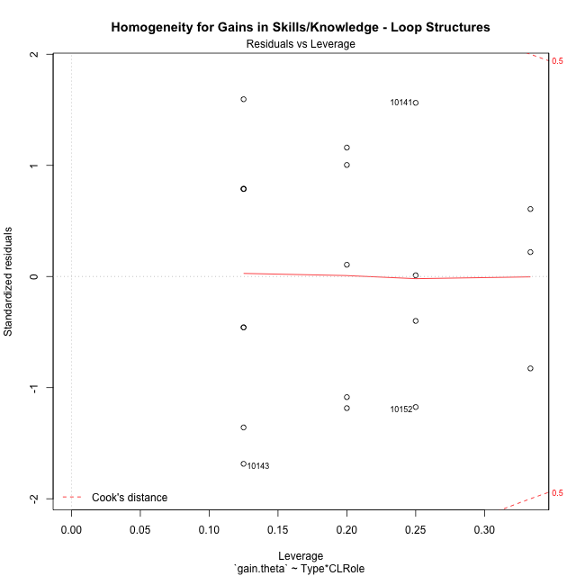

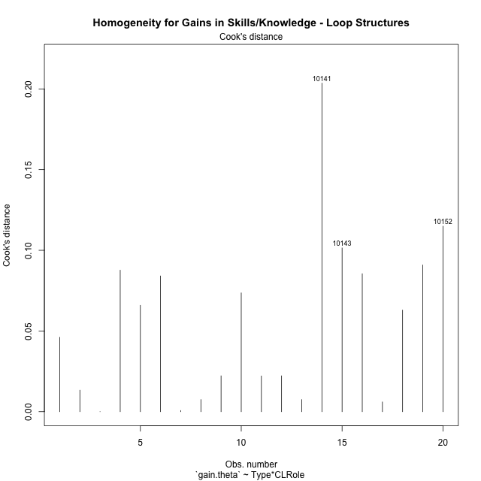

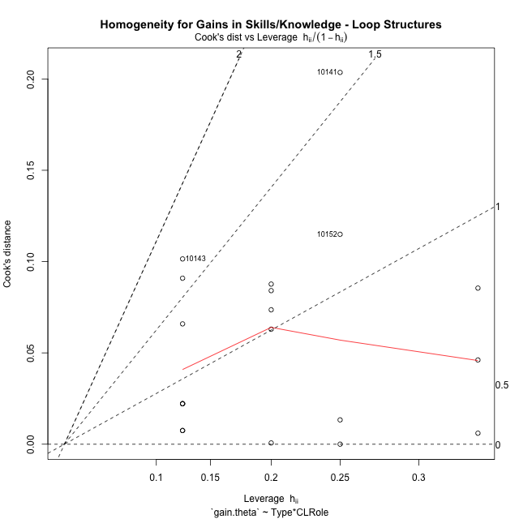

Minimum Sample Size Test for Gains in Skills/Knowledge - Loop Structures
Type | CLRole | Freq
non-gamified | Apprentice | 5
ont-gamified | Apprentice | 8
non-gamified | Master | 3
ont-gamified | Master | 4

Errors and Warnings in Sample Size Test for ANOVA in Gains in Skills/Knowledge - Loop Structures
code | description
WARN: sample.size | current size is 5 and recommended size is 15 for the group: 'non-gamified:Apprentice'.
WARN: sample.size | current size is 8 and recommended size is 15 for the group: 'ont-gamified:Apprentice'.
FAIL: min.size | current size is 3 but the minimal recomended size is 5 for the group: 'non-gamified:Master'.
FAIL: min.size | current size is 4 but the minimal recomended size is 5 for the group: 'ont-gamified:Master'.

For the group: 'non-gamified:Apprentice', we recommend the use of non-parametric test. For the group: 'ont-gamified:Apprentice', we recommend the use of non-parametric test. For the group: 'non-gamified:Master', we recommend the use of non-parametric test. For the group: 'ont-gamified:Master', we recommend the use of non-parametric test.

Post-hoc
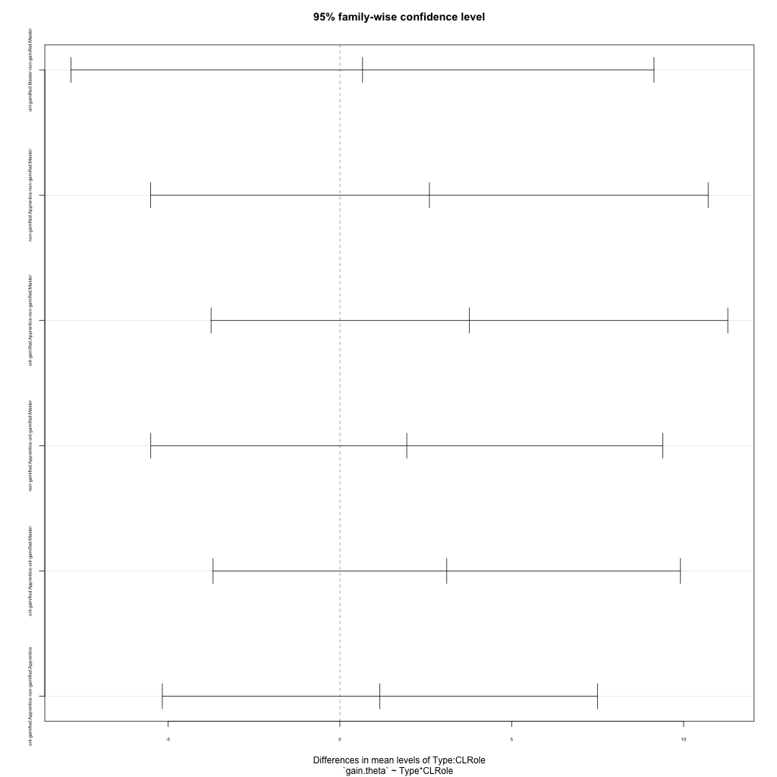
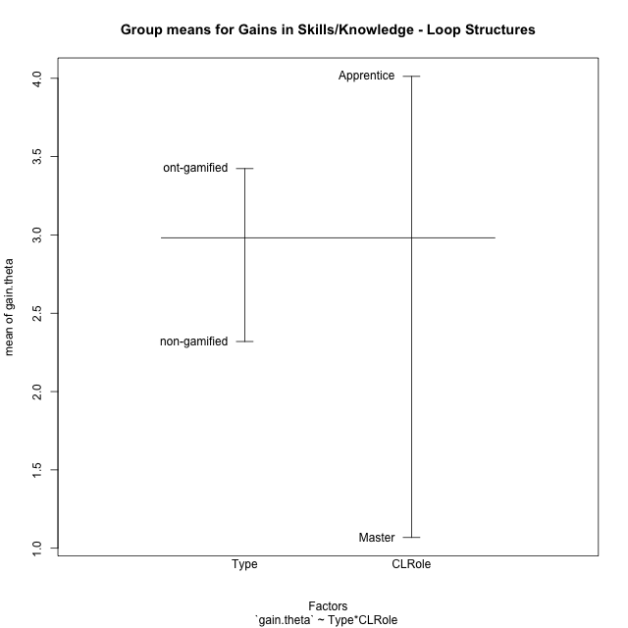
Post-hoc Tukey Honestly Significant Difference (HSD) Test for Gains in Skills/Knowledge - Loop Structures

Comparisons of means for Type
 | diff | lwr | upr | p adj
ont-gamified-non-gamified | 1.1038655148 | -2.6504441539 | 4.8581751834 | 0.54186635895

Comparisons of means for CLRole
 | diff | lwr | upr | p adj
Apprentice-Master | 2.8954065822 | -0.9606643334 | 6.7514774977 | 0.13099741183

Comparisons of means for Type:CLRole
 | diff | lwr | upr | p adj
ont-gamified:Master-non-gamified:Master | 0.65895300999 | -7.8194396301 | 9.1373456501 | 0.99595878969
non-gamified:Apprentice-non-gamified:Master | 2.6044456982 | -5.5024482575 | 10.711339654 | 0.79510463834
ont-gamified:Apprentice-non-gamified:Master | 3.7679896092 | -3.747302227 | 11.283281445 | 0.49731165893
non-gamified:Apprentice-ont-gamified:Master | 1.9454926882 | -5.5011649081 | 9.3921502846 | 0.87640681714
ont-gamified:Apprentice-ont-gamified:Master | 3.1090365992 | -3.68880064 | 9.9068738385 | 0.57094898595
ont-gamified:Apprentice-non-gamified:Apprentice | 1.163543911 | -5.1648981548 | 7.4919859768 | 0.95153066015

Contrast Matrices for Gains in Skills/Knowledge - Loop Structures - Type
contrast | estimate | SE | df | t.ratio | p.value
non-gamified - ont-gamified | -0.91124846049 | 1.8489573419 | 16 | -0.49284450205 | 0.6288175418

Contrast Matrices for Gains in Skills/Knowledge - Loop Structures - Type:CLRole
contrast | CLRole | estimate | SE | df | t.ratio | p.value
non-gamified - ont-gamified | Apprentice | -1.163543911 | 2.211953239 | 16 | -0.52602554632 | 0.60608555191
non-gamified - ont-gamified | Master | -0.65895300999 | 2.9634162511 | 16 | -0.22236262278 | 0.82684520063

Least Squares Means and Confidence Intervals for Type
Type | lsmean | SE | df | lower.CL | upper.CL | Pairs
non-gamified | 1.9940450871 | 1.4167839539 | 16 | -1.0094027246 | 4.9974928988 | non-gamified
ont-gamified | 2.9052935476 | 1.1880094614 | 16 | 0.38682599494 | 5.4237611003 | ont-gamified

Least Squares Means and Confidence Intervals for Type:CLRole
Type | CLRole | lsmean | SE | df | lower.CL | upper.CL | Pairs
non-gamified | Apprentice | 3.2962679362 | 1.7351988814 | 16 | -0.38218936763 | 6.9747252401 | non-gamified.Apprentice
ont-gamified | Apprentice | 4.4598118472 | 1.3717951646 | 16 | 1.5517360083 | 7.3678876862 | ont-gamified.Apprentice
non-gamified | Master | 0.69182223801 | 2.2401321233 | 16 | -4.0570457212 | 5.4406901972 | non-gamified.Master
ont-gamified | Master | 1.350775248 | 1.9400113266 | 16 | -2.7618650439 | 5.4634155399 | ont-gamified.Master

Plots

Type_1
Student's t-Test for Gains in Skills/Knowledge - Loop Structures in Type between non-gamified:ont-gamified

Student's t-Test results
Alternative hypothesis: less
Group | N | Mean | Mean.Difference | Std.deviation | Std.error | CI.lower | CI.upper | df | t.value | p.value | g | magnitude
non-gamified | 8 | 2.3196007994 | -1.1038655148 | 3.4500303469 | 1.2197699268 | -0.11993905419 | 4.759140653 | 17.104399673 | -0.64019826499 | 0.26526350526 | -0.26835812124 | small
ont-gamified | 12 | 3.4234663142 | 1.1038655148 | 4.2216855641 | 1.2186956484 | 0.98607501727 | 5.860857611 | 17.104399673 | -0.64019826499 | 0.26526350526 | -0.26835812124 | small
Alternative hypothesis: greater
Group | N | Mean | Mean.Difference | Std.deviation | Std.error | CI.lower | CI.upper | df | t.value | p.value | g | magnitude
non-gamified | 8 | 2.3196007994 | -1.1038655148 | 3.4500303469 | 1.2197699268 | -0.11993905419 | 4.759140653 | 17.104399673 | -0.64019826499 | 0.73473649474 | -0.26835812124 | small
ont-gamified | 12 | 3.4234663142 | 1.1038655148 | 4.2216855641 | 1.2186956484 | 0.98607501727 | 5.860857611 | 17.104399673 | -0.64019826499 | 0.73473649474 | -0.26835812124 | small
Alternative hypothesis: two.sided
Group | N | Mean | Mean.Difference | Std.deviation | Std.error | CI.lower | CI.upper | df | t.value | p.value | g | magnitude
non-gamified | 8 | 2.3196007994 | -1.1038655148 | 3.4500303469 | 1.2197699268 | -0.11993905419 | 4.759140653 | 17.104399673 | -0.64019826499 | 0.53052701052 | -0.26835812124 | small
ont-gamified | 12 | 3.4234663142 | 1.1038655148 | 4.2216855641 | 1.2186956484 | 0.98607501727 | 5.860857611 | 17.104399673 | -0.64019826499 | 0.53052701052 | -0.26835812124 | small

Box plots for Student's t-Test
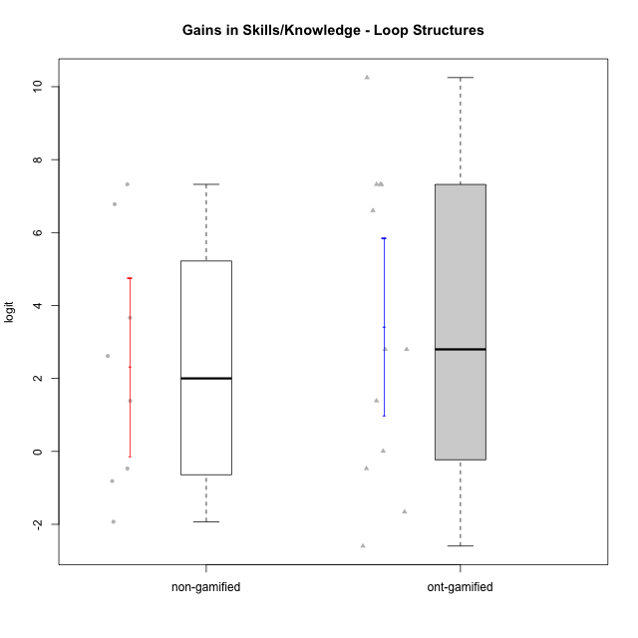

Student's t-Test data
UserID | Type | CLGroup | CLRole | PlayerRole | gain.theta
10116 | non-gamified | GroupC | Master |  | 2.6159320836
10119 | ont-gamified | Grupo Zeus | Master | Yee Achiever | 0.0081319378858
10120 | ont-gamified | Grupo Hélio | Master | Yee Socializer | 1.3875250646
10122 | non-gamified | GroupB | Apprentice |  | -0.81413771995
10126 | ont-gamified | Grupo Hélio | Apprentice | Yee Socializer | -0.46974270057
10129 | non-gamified | GroupB | Apprentice |  | 7.3218745539
10130 | non-gamified | GroupC | Apprentice |  | 3.6639795121
10131 | ont-gamified | Grupo Zeus | Apprentice | Yee Achiever | 2.7976890283
10134 | ont-gamified | Grupo Apolo | Apprentice | Yee Socializer | 7.3218745539
10135 | non-gamified | GroupB | Apprentice |  | -0.46974270057
10137 | ont-gamified | Grupo Morfeu | Apprentice | Yee Achiever | 7.316986478
10138 | ont-gamified | Grupo Hélio | Apprentice | Yee Socializer | 7.3218745539
10139 | ont-gamified | Grupo Zeus | Apprentice | Yee Achiever | 2.7976890283
10141 | ont-gamified | Grupo Apolo | Master | Yee Socializer | 6.6027005736
10143 | ont-gamified | Grupo Apolo | Apprentice | Yee Socializer | -1.6574667686
10144 | non-gamified | GroupA | Master |  | -1.9279904341
10145 | non-gamified | GroupB | Master |  | 1.3875250646
10146 | non-gamified | GroupA | Apprentice |  | 6.7793660356
10148 | ont-gamified | Grupo Apolo | Apprentice | Yee Socializer | 10.249590605
10152 | ont-gamified | Grupo Morfeu | Master | Yee Achiever | -2.5952565841

Type_CLRole_1
Student's t-Test for Gains in Skills/Knowledge - Loop Structures in Type:CLRole between non-gamified.Apprentice:non-gamified.Master

Student's t-Test results
Alternative hypothesis: less
Group | N | Mean | Mean.Difference | Std.deviation | Std.error | CI.lower | CI.upper | df | t.value | p.value | g | magnitude
non-gamified.Apprentice | 5 | 3.2962679362 | 2.6044456982 | 3.858463541 | 1.7255573533 | -0.1548467703 | 6.7473826428 | 5.9363588586 | 1.1863969458 | 0.85961661958 | 0.66022041265 | medium
non-gamified.Master | 3 | 0.69182223801 | -2.6044456982 | 2.3504913909 | 1.3570568373 | -2.0222914366 | 3.4059359126 | 5.9363588586 | 1.1863969458 | 0.85961661958 | 0.66022041265 | medium
Alternative hypothesis: greater
Group | N | Mean | Mean.Difference | Std.deviation | Std.error | CI.lower | CI.upper | df | t.value | p.value | g | magnitude
non-gamified.Apprentice | 5 | 3.2962679362 | 2.6044456982 | 3.858463541 | 1.7255573533 | -0.1548467703 | 6.7473826428 | 5.9363588586 | 1.1863969458 | 0.14038338042 | 0.66022041265 | medium
non-gamified.Master | 3 | 0.69182223801 | -2.6044456982 | 2.3504913909 | 1.3570568373 | -2.0222914366 | 3.4059359126 | 5.9363588586 | 1.1863969458 | 0.14038338042 | 0.66022041265 | medium
Alternative hypothesis: two.sided
Group | N | Mean | Mean.Difference | Std.deviation | Std.error | CI.lower | CI.upper | df | t.value | p.value | g | magnitude
non-gamified.Apprentice | 5 | 3.2962679362 | 2.6044456982 | 3.858463541 | 1.7255573533 | -0.1548467703 | 6.7473826428 | 5.9363588586 | 1.1863969458 | 0.28076676085 | 0.66022041265 | medium
non-gamified.Master | 3 | 0.69182223801 | -2.6044456982 | 2.3504913909 | 1.3570568373 | -2.0222914366 | 3.4059359126 | 5.9363588586 | 1.1863969458 | 0.28076676085 | 0.66022041265 | medium

Box plots for Student's t-Test
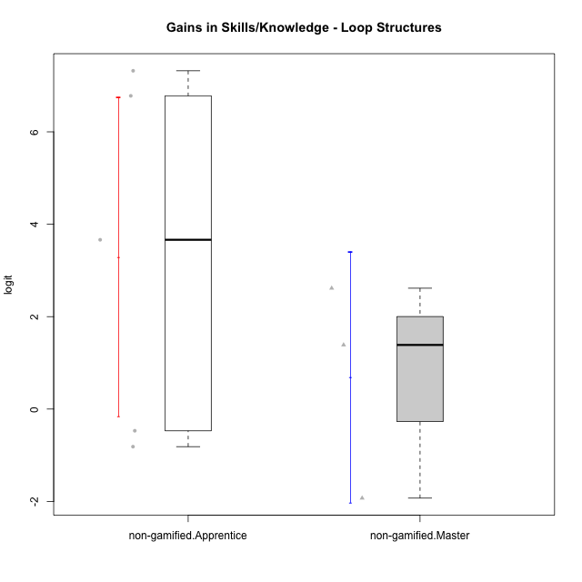

Student's t-Test data
UserID | Type | CLGroup | CLRole | PlayerRole | gain.theta
10116 | non-gamified | GroupC | Master |  | 2.6159320836
10122 | non-gamified | GroupB | Apprentice |  | -0.81413771995
10129 | non-gamified | GroupB | Apprentice |  | 7.3218745539
10130 | non-gamified | GroupC | Apprentice |  | 3.6639795121
10135 | non-gamified | GroupB | Apprentice |  | -0.46974270057
10144 | non-gamified | GroupA | Master |  | -1.9279904341
10145 | non-gamified | GroupB | Master |  | 1.3875250646
10146 | non-gamified | GroupA | Apprentice |  | 6.7793660356

Type_CLRole_2
Student's t-Test for Gains in Skills/Knowledge - Loop Structures in Type:CLRole between non-gamified.Apprentice:ont-gamified.Apprentice

Student's t-Test results
Alternative hypothesis: less
Group | N | Mean | Mean.Difference | Std.deviation | Std.error | CI.lower | CI.upper | df | t.value | p.value | g | magnitude
non-gamified.Apprentice | 5 | 3.2962679362 | -1.163543911 | 3.858463541 | 1.7255573533 | -0.1548467703 | 6.7473826428 | 9.2773408151 | -0.50949823591 | 0.31115058139 | -0.26402346591 | small
ont-gamified.Apprentice | 8 | 4.4598118472 | 1.163543911 | 4.2310873483 | 1.4959152779 | 1.4679812915 | 7.451642403 | 9.2773408151 | -0.50949823591 | 0.31115058139 | -0.26402346591 | small
Alternative hypothesis: greater
Group | N | Mean | Mean.Difference | Std.deviation | Std.error | CI.lower | CI.upper | df | t.value | p.value | g | magnitude
non-gamified.Apprentice | 5 | 3.2962679362 | -1.163543911 | 3.858463541 | 1.7255573533 | -0.1548467703 | 6.7473826428 | 9.2773408151 | -0.50949823591 | 0.68884941861 | -0.26402346591 | small
ont-gamified.Apprentice | 8 | 4.4598118472 | 1.163543911 | 4.2310873483 | 1.4959152779 | 1.4679812915 | 7.451642403 | 9.2773408151 | -0.50949823591 | 0.68884941861 | -0.26402346591 | small
Alternative hypothesis: two.sided
Group | N | Mean | Mean.Difference | Std.deviation | Std.error | CI.lower | CI.upper | df | t.value | p.value | g | magnitude
non-gamified.Apprentice | 5 | 3.2962679362 | -1.163543911 | 3.858463541 | 1.7255573533 | -0.1548467703 | 6.7473826428 | 9.2773408151 | -0.50949823591 | 0.62230116278 | -0.26402346591 | small
ont-gamified.Apprentice | 8 | 4.4598118472 | 1.163543911 | 4.2310873483 | 1.4959152779 | 1.4679812915 | 7.451642403 | 9.2773408151 | -0.50949823591 | 0.62230116278 | -0.26402346591 | small

Box plots for Student's t-Test
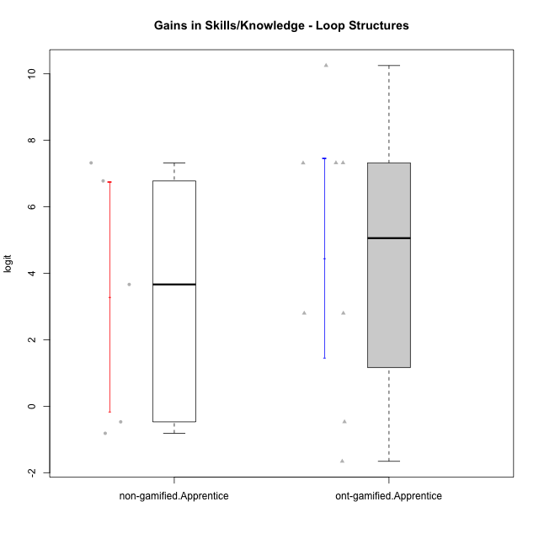

Student's t-Test data
UserID | Type | CLGroup | CLRole | PlayerRole | gain.theta
10122 | non-gamified | GroupB | Apprentice |  | -0.81413771995
10126 | ont-gamified | Grupo Hélio | Apprentice | Yee Socializer | -0.46974270057
10129 | non-gamified | GroupB | Apprentice |  | 7.3218745539
10130 | non-gamified | GroupC | Apprentice |  | 3.6639795121
10131 | ont-gamified | Grupo Zeus | Apprentice | Yee Achiever | 2.7976890283
10134 | ont-gamified | Grupo Apolo | Apprentice | Yee Socializer | 7.3218745539
10135 | non-gamified | GroupB | Apprentice |  | -0.46974270057
10137 | ont-gamified | Grupo Morfeu | Apprentice | Yee Achiever | 7.316986478
10138 | ont-gamified | Grupo Hélio | Apprentice | Yee Socializer | 7.3218745539
10139 | ont-gamified | Grupo Zeus | Apprentice | Yee Achiever | 2.7976890283
10143 | ont-gamified | Grupo Apolo | Apprentice | Yee Socializer | -1.6574667686
10146 | non-gamified | GroupA | Apprentice |  | 6.7793660356
10148 | ont-gamified | Grupo Apolo | Apprentice | Yee Socializer | 10.249590605

Type_CLRole_3
Student's t-Test for Gains in Skills/Knowledge - Loop Structures in Type:CLRole between non-gamified.Apprentice:ont-gamified.Master

Student's t-Test results
Alternative hypothesis: less
Group | N | Mean | Mean.Difference | Std.deviation | Std.error | CI.lower | CI.upper | df | t.value | p.value | g | magnitude
non-gamified.Apprentice | 5 | 3.2962679362 | 1.9454926882 | 3.858463541 | 1.7255573533 | -0.1548467703 | 6.7473826428 | 6.5571449446 | 0.75026448203 | 0.76042785066 | 0.44755815897 | small
ont-gamified.Master | 4 | 1.350775248 | -1.9454926882 | 3.8711724517 | 1.9355862258 | -2.5203972037 | 5.2219476997 | 6.5571449446 | 0.75026448203 | 0.76042785066 | 0.44755815897 | small
Alternative hypothesis: greater
Group | N | Mean | Mean.Difference | Std.deviation | Std.error | CI.lower | CI.upper | df | t.value | p.value | g | magnitude
non-gamified.Apprentice | 5 | 3.2962679362 | 1.9454926882 | 3.858463541 | 1.7255573533 | -0.1548467703 | 6.7473826428 | 6.5571449446 | 0.75026448203 | 0.23957214934 | 0.44755815897 | small
ont-gamified.Master | 4 | 1.350775248 | -1.9454926882 | 3.8711724517 | 1.9355862258 | -2.5203972037 | 5.2219476997 | 6.5571449446 | 0.75026448203 | 0.23957214934 | 0.44755815897 | small
Alternative hypothesis: two.sided
Group | N | Mean | Mean.Difference | Std.deviation | Std.error | CI.lower | CI.upper | df | t.value | p.value | g | magnitude
non-gamified.Apprentice | 5 | 3.2962679362 | 1.9454926882 | 3.858463541 | 1.7255573533 | -0.1548467703 | 6.7473826428 | 6.5571449446 | 0.75026448203 | 0.47914429868 | 0.44755815897 | small
ont-gamified.Master | 4 | 1.350775248 | -1.9454926882 | 3.8711724517 | 1.9355862258 | -2.5203972037 | 5.2219476997 | 6.5571449446 | 0.75026448203 | 0.47914429868 | 0.44755815897 | small

Box plots for Student's t-Test
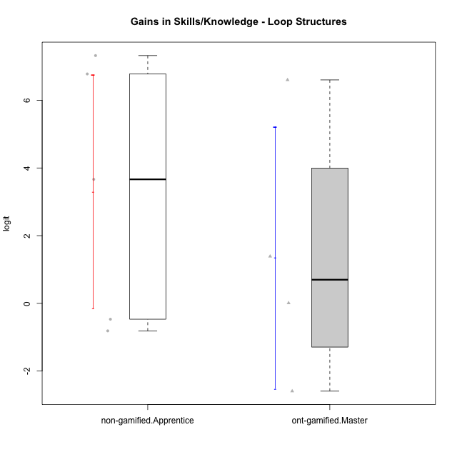

Student's t-Test data
UserID | Type | CLGroup | CLRole | PlayerRole | gain.theta
10119 | ont-gamified | Grupo Zeus | Master | Yee Achiever | 0.0081319378858
10120 | ont-gamified | Grupo Hélio | Master | Yee Socializer | 1.3875250646
10122 | non-gamified | GroupB | Apprentice |  | -0.81413771995
10129 | non-gamified | GroupB | Apprentice |  | 7.3218745539
10130 | non-gamified | GroupC | Apprentice |  | 3.6639795121
10135 | non-gamified | GroupB | Apprentice |  | -0.46974270057
10141 | ont-gamified | Grupo Apolo | Master | Yee Socializer | 6.6027005736
10146 | non-gamified | GroupA | Apprentice |  | 6.7793660356
10152 | ont-gamified | Grupo Morfeu | Master | Yee Achiever | -2.5952565841

Type_CLRole_4
Student's t-Test for Gains in Skills/Knowledge - Loop Structures in Type:CLRole between non-gamified.Master:ont-gamified.Apprentice

Student's t-Test results
Alternative hypothesis: less
Group | N | Mean | Mean.Difference | Std.deviation | Std.error | CI.lower | CI.upper | df | t.value | p.value | g | magnitude
non-gamified.Master | 3 | 0.69182223801 | -3.7679896092 | 2.3504913909 | 1.3570568373 | -2.0222914366 | 3.4059359126 | 6.9018651429 | -1.8655778312 | 0.052476186108 | -0.88503920374 | large
ont-gamified.Apprentice | 8 | 4.4598118472 | 3.7679896092 | 4.2310873483 | 1.4959152779 | 1.4679812915 | 7.451642403 | 6.9018651429 | -1.8655778312 | 0.052476186108 | -0.88503920374 | large
Alternative hypothesis: greater
Group | N | Mean | Mean.Difference | Std.deviation | Std.error | CI.lower | CI.upper | df | t.value | p.value | g | magnitude
non-gamified.Master | 3 | 0.69182223801 | -3.7679896092 | 2.3504913909 | 1.3570568373 | -2.0222914366 | 3.4059359126 | 6.9018651429 | -1.8655778312 | 0.94752381389 | -0.88503920374 | large
ont-gamified.Apprentice | 8 | 4.4598118472 | 3.7679896092 | 4.2310873483 | 1.4959152779 | 1.4679812915 | 7.451642403 | 6.9018651429 | -1.8655778312 | 0.94752381389 | -0.88503920374 | large
Alternative hypothesis: two.sided
Group | N | Mean | Mean.Difference | Std.deviation | Std.error | CI.lower | CI.upper | df | t.value | p.value | g | magnitude
non-gamified.Master | 3 | 0.69182223801 | -3.7679896092 | 2.3504913909 | 1.3570568373 | -2.0222914366 | 3.4059359126 | 6.9018651429 | -1.8655778312 | 0.10495237222 | -0.88503920374 | large
ont-gamified.Apprentice | 8 | 4.4598118472 | 3.7679896092 | 4.2310873483 | 1.4959152779 | 1.4679812915 | 7.451642403 | 6.9018651429 | -1.8655778312 | 0.10495237222 | -0.88503920374 | large

Box plots for Student's t-Test
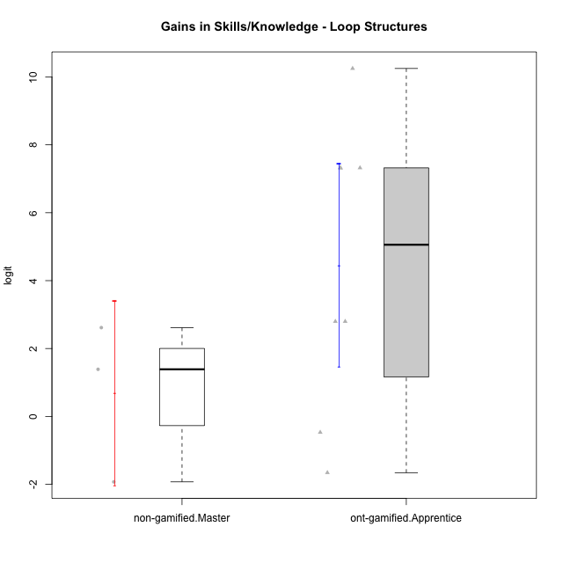

Student's t-Test data
UserID | Type | CLGroup | CLRole | PlayerRole | gain.theta
10116 | non-gamified | GroupC | Master |  | 2.6159320836
10126 | ont-gamified | Grupo Hélio | Apprentice | Yee Socializer | -0.46974270057
10131 | ont-gamified | Grupo Zeus | Apprentice | Yee Achiever | 2.7976890283
10134 | ont-gamified | Grupo Apolo | Apprentice | Yee Socializer | 7.3218745539
10137 | ont-gamified | Grupo Morfeu | Apprentice | Yee Achiever | 7.316986478
10138 | ont-gamified | Grupo Hélio | Apprentice | Yee Socializer | 7.3218745539
10139 | ont-gamified | Grupo Zeus | Apprentice | Yee Achiever | 2.7976890283
10143 | ont-gamified | Grupo Apolo | Apprentice | Yee Socializer | -1.6574667686
10144 | non-gamified | GroupA | Master |  | -1.9279904341
10145 | non-gamified | GroupB | Master |  | 1.3875250646
10148 | ont-gamified | Grupo Apolo | Apprentice | Yee Socializer | 10.249590605

Type_CLRole_5
Student's t-Test for Gains in Skills/Knowledge - Loop Structures in Type:CLRole between non-gamified.Master:ont-gamified.Master

Student's t-Test results
Alternative hypothesis: less
Group | N | Mean | Mean.Difference | Std.deviation | Std.error | CI.lower | CI.upper | df | t.value | p.value | g | magnitude
non-gamified.Master | 3 | 0.69182223801 | -0.65895300999 | 2.3504913909 | 1.3570568373 | -2.0222914366 | 3.4059359126 | 4.8987180277 | -0.27875487193 | 0.39590811691 | -0.16579924557 | negligible
ont-gamified.Master | 4 | 1.350775248 | 0.65895300999 | 3.8711724517 | 1.9355862258 | -2.5203972037 | 5.2219476997 | 4.8987180277 | -0.27875487193 | 0.39590811691 | -0.16579924557 | negligible
Alternative hypothesis: greater
Group | N | Mean | Mean.Difference | Std.deviation | Std.error | CI.lower | CI.upper | df | t.value | p.value | g | magnitude
non-gamified.Master | 3 | 0.69182223801 | -0.65895300999 | 2.3504913909 | 1.3570568373 | -2.0222914366 | 3.4059359126 | 4.8987180277 | -0.27875487193 | 0.60409188309 | -0.16579924557 | negligible
ont-gamified.Master | 4 | 1.350775248 | 0.65895300999 | 3.8711724517 | 1.9355862258 | -2.5203972037 | 5.2219476997 | 4.8987180277 | -0.27875487193 | 0.60409188309 | -0.16579924557 | negligible
Alternative hypothesis: two.sided
Group | N | Mean | Mean.Difference | Std.deviation | Std.error | CI.lower | CI.upper | df | t.value | p.value | g | magnitude
non-gamified.Master | 3 | 0.69182223801 | -0.65895300999 | 2.3504913909 | 1.3570568373 | -2.0222914366 | 3.4059359126 | 4.8987180277 | -0.27875487193 | 0.79181623382 | -0.16579924557 | negligible
ont-gamified.Master | 4 | 1.350775248 | 0.65895300999 | 3.8711724517 | 1.9355862258 | -2.5203972037 | 5.2219476997 | 4.8987180277 | -0.27875487193 | 0.79181623382 | -0.16579924557 | negligible

Box plots for Student's t-Test
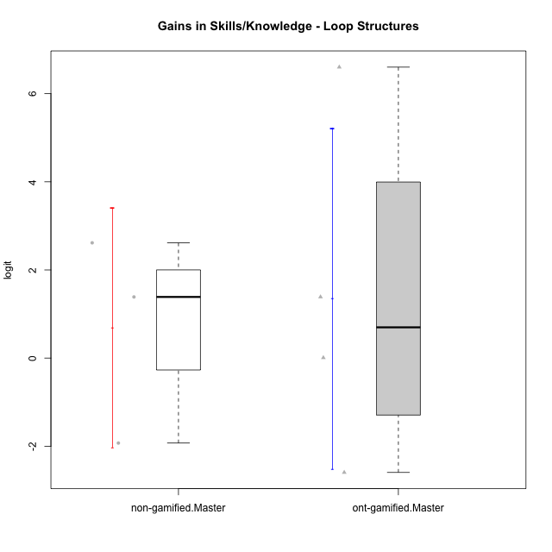

Student's t-Test data
UserID | Type | CLGroup | CLRole | PlayerRole | gain.theta
10116 | non-gamified | GroupC | Master |  | 2.6159320836
10119 | ont-gamified | Grupo Zeus | Master | Yee Achiever | 0.0081319378858
10120 | ont-gamified | Grupo Hélio | Master | Yee Socializer | 1.3875250646
10141 | ont-gamified | Grupo Apolo | Master | Yee Socializer | 6.6027005736
10144 | non-gamified | GroupA | Master |  | -1.9279904341
10145 | non-gamified | GroupB | Master |  | 1.3875250646
10152 | ont-gamified | Grupo Morfeu | Master | Yee Achiever | -2.5952565841

Type_CLRole_6
Student's t-Test for Gains in Skills/Knowledge - Loop Structures in Type:CLRole between ont-gamified.Apprentice:ont-gamified.Master

Student's t-Test results
Alternative hypothesis: less
Group | N | Mean | Mean.Difference | Std.deviation | Std.error | CI.lower | CI.upper | df | t.value | p.value | g | magnitude
ont-gamified.Apprentice | 8 | 4.4598118472 | 3.1090365992 | 4.2310873483 | 1.4959152779 | 1.4679812915 | 7.451642403 | 6.6389710907 | 1.2709273696 | 0.87676439952 | 0.6954906677 | medium
ont-gamified.Master | 4 | 1.350775248 | -3.1090365992 | 3.8711724517 | 1.9355862258 | -2.5203972037 | 5.2219476997 | 6.6389710907 | 1.2709273696 | 0.87676439952 | 0.6954906677 | medium
Alternative hypothesis: greater
Group | N | Mean | Mean.Difference | Std.deviation | Std.error | CI.lower | CI.upper | df | t.value | p.value | g | magnitude
ont-gamified.Apprentice | 8 | 4.4598118472 | 3.1090365992 | 4.2310873483 | 1.4959152779 | 1.4679812915 | 7.451642403 | 6.6389710907 | 1.2709273696 | 0.12323560048 | 0.6954906677 | medium
ont-gamified.Master | 4 | 1.350775248 | -3.1090365992 | 3.8711724517 | 1.9355862258 | -2.5203972037 | 5.2219476997 | 6.6389710907 | 1.2709273696 | 0.12323560048 | 0.6954906677 | medium
Alternative hypothesis: two.sided
Group | N | Mean | Mean.Difference | Std.deviation | Std.error | CI.lower | CI.upper | df | t.value | p.value | g | magnitude
ont-gamified.Apprentice | 8 | 4.4598118472 | 3.1090365992 | 4.2310873483 | 1.4959152779 | 1.4679812915 | 7.451642403 | 6.6389710907 | 1.2709273696 | 0.24647120096 | 0.6954906677 | medium
ont-gamified.Master | 4 | 1.350775248 | -3.1090365992 | 3.8711724517 | 1.9355862258 | -2.5203972037 | 5.2219476997 | 6.6389710907 | 1.2709273696 | 0.24647120096 | 0.6954906677 | medium

Box plots for Student's t-Test
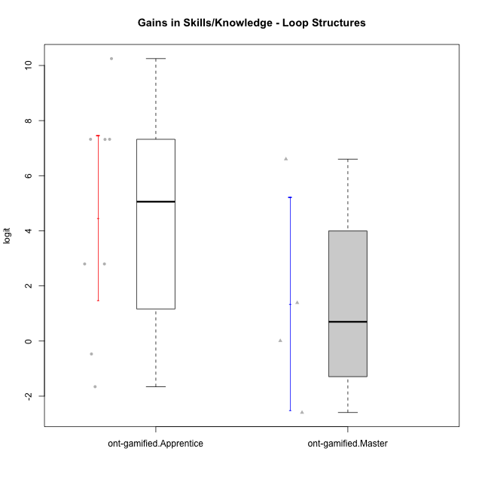

Student's t-Test data
UserID | Type | CLGroup | CLRole | PlayerRole | gain.theta
10119 | ont-gamified | Grupo Zeus | Master | Yee Achiever | 0.0081319378858
10120 | ont-gamified | Grupo Hélio | Master | Yee Socializer | 1.3875250646
10126 | ont-gamified | Grupo Hélio | Apprentice | Yee Socializer | -0.46974270057
10131 | ont-gamified | Grupo Zeus | Apprentice | Yee Achiever | 2.7976890283
10134 | ont-gamified | Grupo Apolo | Apprentice | Yee Socializer | 7.3218745539
10137 | ont-gamified | Grupo Morfeu | Apprentice | Yee Achiever | 7.316986478
10138 | ont-gamified | Grupo Hélio | Apprentice | Yee Socializer | 7.3218745539
10139 | ont-gamified | Grupo Zeus | Apprentice | Yee Achiever | 2.7976890283
10141 | ont-gamified | Grupo Apolo | Master | Yee Socializer | 6.6027005736
10143 | ont-gamified | Grupo Apolo | Apprentice | Yee Socializer | -1.6574667686
10148 | ont-gamified | Grupo Apolo | Apprentice | Yee Socializer | 10.249590605
10152 | ont-gamified | Grupo Morfeu | Master | Yee Achiever | -2.5952565841

