Type_1
Wilcoxon Analysis for Gains in Skills/Knowledge - Loop Structures in Type between non-gamified:ont-gamified

Wilcoxon test results
Alternative hypothesis: less
Group | N | Median | Mean.Ranks | Sum.Ranks | U | Z | p.value | r | magnitude
non-gamified | 14 | 4.6153813047 | 17 | 238 | 133 | 0.87679349407 | 0.80981622708 | 0.16007985832 | small
ont-gamified | 16 | 2.0926070464 | 14.1875 | 227 | 133 | 0.87679349407 | 0.80981622708 | 0.16007985832 | small
Alternative hypothesis: greater
Group | N | Median | Mean.Ranks | Sum.Ranks | U | Z | p.value | r | magnitude
non-gamified | 14 | 4.6153813047 | 17 | 238 | 133 | 0.87679349407 | 0.19588302856 | 0.16007985832 | small
ont-gamified | 16 | 2.0926070464 | 14.1875 | 227 | 133 | 0.87679349407 | 0.19588302856 | 0.16007985832 | small
Alternative hypothesis: two.sided
Group | N | Median | Mean.Ranks | Sum.Ranks | U | Z | p.value | r | magnitude
non-gamified | 14 | 4.6153813047 | 17 | 238 | 133 | 0.87679349407 | 0.3917486458 | 0.16007985832 | small
ont-gamified | 16 | 2.0926070464 | 14.1875 | 227 | 133 | 0.87679349407 | 0.3917486458 | 0.16007985832 | small

Box plots for wilcoxon tests
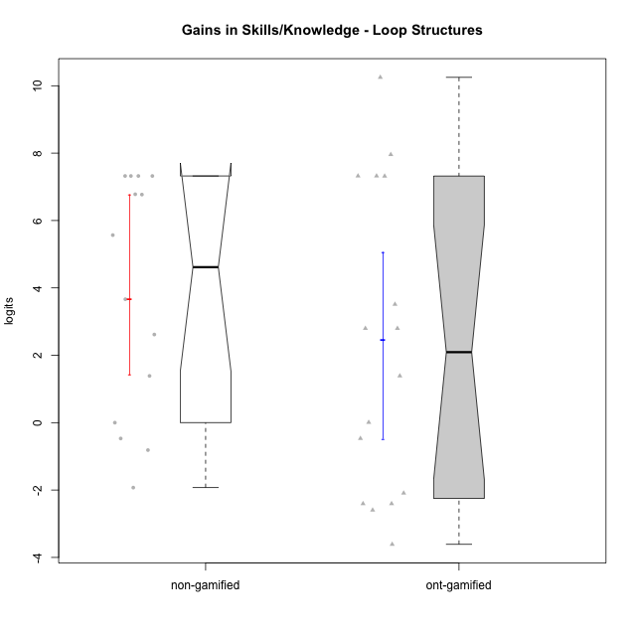

Wilcoxon data
UserID | Type | CLGroup | CLRole | PlayerRole | pre.theta | pos.theta | gain.theta
10116 | non-gamified | GroupC | Master |  | -0.28983321031 | 2.3260988732 | 2.6159320836
10119 | ont-gamified | Grupo Zeus | Master | Yee Achiever | -4.9957756807 | -4.9876437428 | 0.0081319378858
10120 | ont-gamified | Grupo Hélio | Master | Yee Socializer | 0.93857380864 | 2.3260988732 | 1.3875250646
10121 | ont-gamified | Grupo Hades | Master | Yee Achiever | -0.84484289067 | -3.2500907751 | -2.4052478845
10122 | non-gamified | GroupB | Apprentice |  | -0.84484289067 | -1.6589806106 | -0.81413771995
10126 | ont-gamified | Grupo Hélio | Apprentice | Yee Socializer | -1.1869400749 | -1.6566827754 | -0.46974270057
10127 | ont-gamified | Grupo Hades | Apprentice | Yee Achiever | -0.84484289067 | -3.2500907751 | -2.4052478845
10128 | ont-gamified | Grupo Morfeu | Apprentice | Yee Achiever | -1.1869400749 | 2.3260988732 | 3.5130389481
10129 | non-gamified | GroupB | Apprentice |  | -4.9957756807 | 2.3260988732 | 7.3218745539
10130 | non-gamified | GroupC | Apprentice |  | -3.2406842239 | 0.4232952882 | 3.6639795121
10131 | ont-gamified | Grupo Zeus | Apprentice | Yee Achiever | -4.4566696389 | -1.6589806106 | 2.7976890283
10132 | non-gamified | GroupA | Apprentice |  | -4.9957756807 | 2.3260988732 | 7.3218745539
10133 | ont-gamified | Grupo Hades | Apprentice | Yee Achiever | -1.1869400749 | -3.27760321 | -2.0906631352
10134 | ont-gamified | Grupo Apolo | Apprentice | Yee Socializer | -4.9957756807 | 2.3260988732 | 7.3218745539
10135 | non-gamified | GroupB | Apprentice |  | -1.1869400749 | -1.6566827754 | -0.46974270057
10136 | non-gamified | GroupC | Apprentice |  | -4.9957756807 | 2.3260988732 | 7.3218745539
10137 | ont-gamified | Grupo Morfeu | Apprentice | Yee Achiever | -4.9908876047 | 2.3260988732 | 7.316986478
10138 | ont-gamified | Grupo Hélio | Apprentice | Yee Socializer | -4.9957756807 | 2.3260988732 | 7.3218745539
10139 | ont-gamified | Grupo Zeus | Apprentice | Yee Achiever | -4.4566696389 | -1.6589806106 | 2.7976890283
10140 | non-gamified | GroupC | Apprentice |  | -3.2406842239 | 3.5294720893 | 6.7701563133
10141 | ont-gamified | Grupo Apolo | Master | Yee Socializer | -4.9957756807 | 2.9610452036 | 7.9568208843
10143 | ont-gamified | Grupo Apolo | Apprentice | Yee Socializer | -0.84484289067 | -4.4566453913 | -3.6118025006
10144 | non-gamified | GroupA | Master |  | 0.27130765869 | -1.6566827754 | -1.9279904341
10145 | non-gamified | GroupB | Master |  | 0.93857380864 | 2.3260988732 | 1.3875250646
10146 | non-gamified | GroupA | Apprentice |  | -3.2498939463 | 3.5294720893 | 6.7793660356
10148 | ont-gamified | Grupo Apolo | Apprentice | Yee Socializer | -4.9957756807 | 5.2538149241 | 10.249590605
10149 | non-gamified | GroupA | Apprentice |  | -4.9957756807 | 2.3260988732 | 7.3218745539
10152 | ont-gamified | Grupo Morfeu | Master | Yee Achiever | 0.93857380864 | -1.6566827754 | -2.5952565841
10153 | non-gamified | GroupA | Apprentice |  | -3.2406842239 | 2.3260988732 | 5.5667830972
10154 | non-gamified | GroupC | Apprentice |  | -4.4566696389 | -4.4566453913 | 2.4247621805E-05

Type_CLRole_1
Wilcoxon Analysis for Gains in Skills/Knowledge - Loop Structures in Type:CLRole between non-gamified.Apprentice:non-gamified.Master

Wilcoxon test results
Alternative hypothesis: less
Group | N | Median | Mean.Ranks | Sum.Ranks | U | Z | p.value | r | magnitude
non-gamified.Apprentice | 11 | 6.7701563133 | 8.4545454545 | 93 | 27 | 1.6531148054 | 0.95604395604 | 0.44181351591 | medium
non-gamified.Master | 3 | 1.3875250646 | 4 | 12 | 27 | 1.6531148054 | 0.95604395604 | 0.44181351591 | medium
Alternative hypothesis: greater
Group | N | Median | Mean.Ranks | Sum.Ranks | U | Z | p.value | r | magnitude
non-gamified.Apprentice | 11 | 6.7701563133 | 8.4545454545 | 93 | 27 | 1.6531148054 | 0.063186813187 | 0.44181351591 | medium
non-gamified.Master | 3 | 1.3875250646 | 4 | 12 | 27 | 1.6531148054 | 0.063186813187 | 0.44181351591 | medium
Alternative hypothesis: two.sided
Group | N | Median | Mean.Ranks | Sum.Ranks | U | Z | p.value | r | magnitude
non-gamified.Apprentice | 11 | 6.7701563133 | 8.4545454545 | 93 | 27 | 1.6531148054 | 0.12362637363 | 0.44181351591 | medium
non-gamified.Master | 3 | 1.3875250646 | 4 | 12 | 27 | 1.6531148054 | 0.12362637363 | 0.44181351591 | medium

Box plots for wilcoxon tests
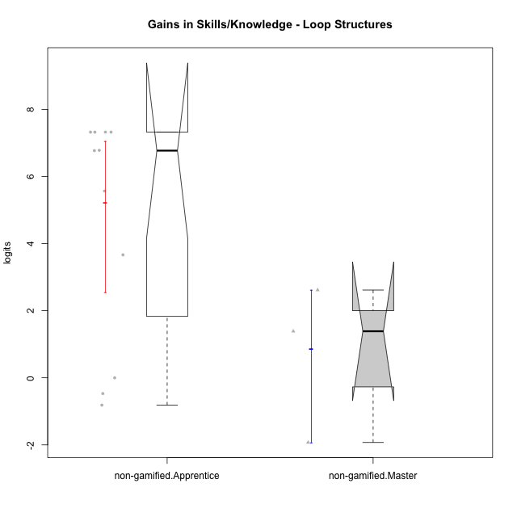

Wilcoxon data
UserID | Type | CLGroup | CLRole | PlayerRole | pre.theta | pos.theta | gain.theta
10116 | non-gamified | GroupC | Master |  | -0.28983321031 | 2.3260988732 | 2.6159320836
10122 | non-gamified | GroupB | Apprentice |  | -0.84484289067 | -1.6589806106 | -0.81413771995
10129 | non-gamified | GroupB | Apprentice |  | -4.9957756807 | 2.3260988732 | 7.3218745539
10130 | non-gamified | GroupC | Apprentice |  | -3.2406842239 | 0.4232952882 | 3.6639795121
10132 | non-gamified | GroupA | Apprentice |  | -4.9957756807 | 2.3260988732 | 7.3218745539
10135 | non-gamified | GroupB | Apprentice |  | -1.1869400749 | -1.6566827754 | -0.46974270057
10136 | non-gamified | GroupC | Apprentice |  | -4.9957756807 | 2.3260988732 | 7.3218745539
10140 | non-gamified | GroupC | Apprentice |  | -3.2406842239 | 3.5294720893 | 6.7701563133
10144 | non-gamified | GroupA | Master |  | 0.27130765869 | -1.6566827754 | -1.9279904341
10145 | non-gamified | GroupB | Master |  | 0.93857380864 | 2.3260988732 | 1.3875250646
10146 | non-gamified | GroupA | Apprentice |  | -3.2498939463 | 3.5294720893 | 6.7793660356
10149 | non-gamified | GroupA | Apprentice |  | -4.9957756807 | 2.3260988732 | 7.3218745539
10153 | non-gamified | GroupA | Apprentice |  | -3.2406842239 | 2.3260988732 | 5.5667830972
10154 | non-gamified | GroupC | Apprentice |  | -4.4566696389 | -4.4566453913 | 2.4247621805E-05

Type_CLRole_2
Wilcoxon Analysis for Gains in Skills/Knowledge - Loop Structures in Type:CLRole between non-gamified.Apprentice:ont-gamified.Apprentice

Wilcoxon test results
Alternative hypothesis: less
Group | N | Median | Mean.Ranks | Sum.Ranks | U | Z | p.value | r | magnitude
non-gamified.Apprentice | 11 | 6.7701563133 | 12.772727273 | 140.5 | 74.5 | 0.92906647617 | 0.82418716474 | 0.19807763826 | small
ont-gamified.Apprentice | 11 | 2.7976890283 | 10.227272727 | 112.5 | 74.5 | 0.92906647617 | 0.82418716474 | 0.19807763826 | small
Alternative hypothesis: greater
Group | N | Median | Mean.Ranks | Sum.Ranks | U | Z | p.value | r | magnitude
non-gamified.Apprentice | 11 | 6.7701563133 | 12.772727273 | 140.5 | 74.5 | 0.92906647617 | 0.18409995577 | 0.19807763826 | small
ont-gamified.Apprentice | 11 | 2.7976890283 | 10.227272727 | 112.5 | 74.5 | 0.92906647617 | 0.18409995577 | 0.19807763826 | small
Alternative hypothesis: two.sided
Group | N | Median | Mean.Ranks | Sum.Ranks | U | Z | p.value | r | magnitude
non-gamified.Apprentice | 11 | 6.7701563133 | 12.772727273 | 140.5 | 74.5 | 0.92906647617 | 0.36819991154 | 0.19807763826 | small
ont-gamified.Apprentice | 11 | 2.7976890283 | 10.227272727 | 112.5 | 74.5 | 0.92906647617 | 0.36819991154 | 0.19807763826 | small

Box plots for wilcoxon tests
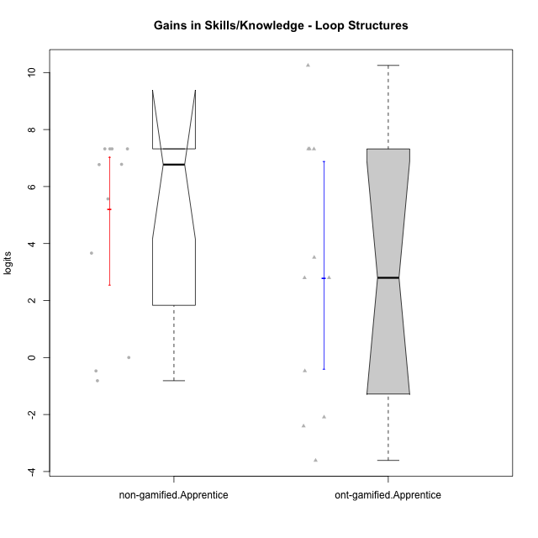

Wilcoxon data
UserID | Type | CLGroup | CLRole | PlayerRole | pre.theta | pos.theta | gain.theta
10122 | non-gamified | GroupB | Apprentice |  | -0.84484289067 | -1.6589806106 | -0.81413771995
10126 | ont-gamified | Grupo Hélio | Apprentice | Yee Socializer | -1.1869400749 | -1.6566827754 | -0.46974270057
10127 | ont-gamified | Grupo Hades | Apprentice | Yee Achiever | -0.84484289067 | -3.2500907751 | -2.4052478845
10128 | ont-gamified | Grupo Morfeu | Apprentice | Yee Achiever | -1.1869400749 | 2.3260988732 | 3.5130389481
10129 | non-gamified | GroupB | Apprentice |  | -4.9957756807 | 2.3260988732 | 7.3218745539
10130 | non-gamified | GroupC | Apprentice |  | -3.2406842239 | 0.4232952882 | 3.6639795121
10131 | ont-gamified | Grupo Zeus | Apprentice | Yee Achiever | -4.4566696389 | -1.6589806106 | 2.7976890283
10132 | non-gamified | GroupA | Apprentice |  | -4.9957756807 | 2.3260988732 | 7.3218745539
10133 | ont-gamified | Grupo Hades | Apprentice | Yee Achiever | -1.1869400749 | -3.27760321 | -2.0906631352
10134 | ont-gamified | Grupo Apolo | Apprentice | Yee Socializer | -4.9957756807 | 2.3260988732 | 7.3218745539
10135 | non-gamified | GroupB | Apprentice |  | -1.1869400749 | -1.6566827754 | -0.46974270057
10136 | non-gamified | GroupC | Apprentice |  | -4.9957756807 | 2.3260988732 | 7.3218745539
10137 | ont-gamified | Grupo Morfeu | Apprentice | Yee Achiever | -4.9908876047 | 2.3260988732 | 7.316986478
10138 | ont-gamified | Grupo Hélio | Apprentice | Yee Socializer | -4.9957756807 | 2.3260988732 | 7.3218745539
10139 | ont-gamified | Grupo Zeus | Apprentice | Yee Achiever | -4.4566696389 | -1.6589806106 | 2.7976890283
10140 | non-gamified | GroupC | Apprentice |  | -3.2406842239 | 3.5294720893 | 6.7701563133
10143 | ont-gamified | Grupo Apolo | Apprentice | Yee Socializer | -0.84484289067 | -4.4566453913 | -3.6118025006
10146 | non-gamified | GroupA | Apprentice |  | -3.2498939463 | 3.5294720893 | 6.7793660356
10148 | ont-gamified | Grupo Apolo | Apprentice | Yee Socializer | -4.9957756807 | 5.2538149241 | 10.249590605
10149 | non-gamified | GroupA | Apprentice |  | -4.9957756807 | 2.3260988732 | 7.3218745539
10153 | non-gamified | GroupA | Apprentice |  | -3.2406842239 | 2.3260988732 | 5.5667830972
10154 | non-gamified | GroupC | Apprentice |  | -4.4566696389 | -4.4566453913 | 2.4247621805E-05

Type_CLRole_3
Wilcoxon Analysis for Gains in Skills/Knowledge - Loop Structures in Type:CLRole between non-gamified.Apprentice:ont-gamified.Master

Wilcoxon test results
Alternative hypothesis: less
Group | N | Median | Mean.Ranks | Sum.Ranks | U | Z | p.value | r | magnitude
non-gamified.Apprentice | 11 | 6.7701563133 | 9.4545454545 | 104 | 38 | 1.1983706713 | 0.88438644689 | 0.29959266784 | small
ont-gamified.Master | 5 | 0.0081319378858 | 6.4 | 32 | 38 | 1.1983706713 | 0.88438644689 | 0.29959266784 | small
Alternative hypothesis: greater
Group | N | Median | Mean.Ranks | Sum.Ranks | U | Z | p.value | r | magnitude
non-gamified.Apprentice | 11 | 6.7701563133 | 9.4545454545 | 104 | 38 | 1.1983706713 | 0.12454212454 | 0.29959266784 | small
ont-gamified.Master | 5 | 0.0081319378858 | 6.4 | 32 | 38 | 1.1983706713 | 0.12454212454 | 0.29959266784 | small
Alternative hypothesis: two.sided
Group | N | Median | Mean.Ranks | Sum.Ranks | U | Z | p.value | r | magnitude
non-gamified.Apprentice | 11 | 6.7701563133 | 9.4545454545 | 104 | 38 | 1.1983706713 | 0.25045787546 | 0.29959266784 | small
ont-gamified.Master | 5 | 0.0081319378858 | 6.4 | 32 | 38 | 1.1983706713 | 0.25045787546 | 0.29959266784 | small

Box plots for wilcoxon tests
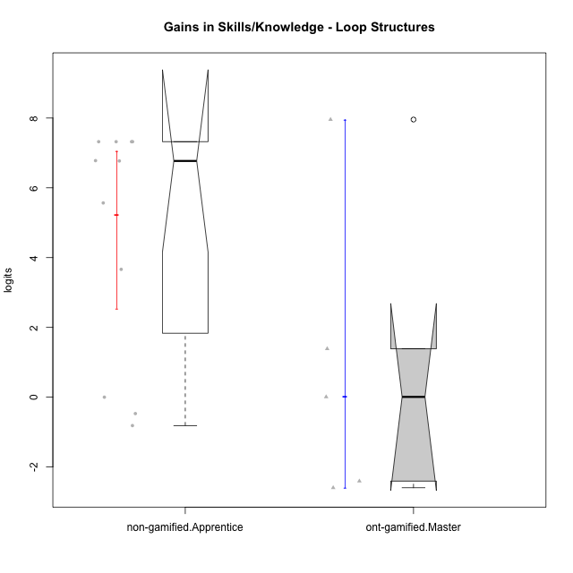

Wilcoxon data
UserID | Type | CLGroup | CLRole | PlayerRole | pre.theta | pos.theta | gain.theta
10119 | ont-gamified | Grupo Zeus | Master | Yee Achiever | -4.9957756807 | -4.9876437428 | 0.0081319378858
10120 | ont-gamified | Grupo Hélio | Master | Yee Socializer | 0.93857380864 | 2.3260988732 | 1.3875250646
10121 | ont-gamified | Grupo Hades | Master | Yee Achiever | -0.84484289067 | -3.2500907751 | -2.4052478845
10122 | non-gamified | GroupB | Apprentice |  | -0.84484289067 | -1.6589806106 | -0.81413771995
10129 | non-gamified | GroupB | Apprentice |  | -4.9957756807 | 2.3260988732 | 7.3218745539
10130 | non-gamified | GroupC | Apprentice |  | -3.2406842239 | 0.4232952882 | 3.6639795121
10132 | non-gamified | GroupA | Apprentice |  | -4.9957756807 | 2.3260988732 | 7.3218745539
10135 | non-gamified | GroupB | Apprentice |  | -1.1869400749 | -1.6566827754 | -0.46974270057
10136 | non-gamified | GroupC | Apprentice |  | -4.9957756807 | 2.3260988732 | 7.3218745539
10140 | non-gamified | GroupC | Apprentice |  | -3.2406842239 | 3.5294720893 | 6.7701563133
10141 | ont-gamified | Grupo Apolo | Master | Yee Socializer | -4.9957756807 | 2.9610452036 | 7.9568208843
10146 | non-gamified | GroupA | Apprentice |  | -3.2498939463 | 3.5294720893 | 6.7793660356
10149 | non-gamified | GroupA | Apprentice |  | -4.9957756807 | 2.3260988732 | 7.3218745539
10152 | ont-gamified | Grupo Morfeu | Master | Yee Achiever | 0.93857380864 | -1.6566827754 | -2.5952565841
10153 | non-gamified | GroupA | Apprentice |  | -3.2406842239 | 2.3260988732 | 5.5667830972
10154 | non-gamified | GroupC | Apprentice |  | -4.4566696389 | -4.4566453913 | 2.4247621805E-05

Type_CLRole_4
Wilcoxon Analysis for Gains in Skills/Knowledge - Loop Structures in Type:CLRole between non-gamified.Master:ont-gamified.Apprentice

Wilcoxon test results
Alternative hypothesis: less
Group | N | Median | Mean.Ranks | Sum.Ranks | U | Z | p.value | r | magnitude
non-gamified.Master | 3 | 1.3875250646 | 5.6666666667 | 17 | 11 | -0.85823715143 | 0.21428571429 | 0.22937352695 | small
ont-gamified.Apprentice | 11 | 2.7976890283 | 8 | 88 | 11 | -0.85823715143 | 0.21428571429 | 0.22937352695 | small
Alternative hypothesis: greater
Group | N | Median | Mean.Ranks | Sum.Ranks | U | Z | p.value | r | magnitude
non-gamified.Master | 3 | 1.3875250646 | 5.6666666667 | 17 | 11 | -0.85823715143 | 0.80494505495 | 0.22937352695 | small
ont-gamified.Apprentice | 11 | 2.7976890283 | 8 | 88 | 11 | -0.85823715143 | 0.80494505495 | 0.22937352695 | small
Alternative hypothesis: two.sided
Group | N | Median | Mean.Ranks | Sum.Ranks | U | Z | p.value | r | magnitude
non-gamified.Master | 3 | 1.3875250646 | 5.6666666667 | 17 | 11 | -0.85823715143 | 0.43131868132 | 0.22937352695 | small
ont-gamified.Apprentice | 11 | 2.7976890283 | 8 | 88 | 11 | -0.85823715143 | 0.43131868132 | 0.22937352695 | small

Box plots for wilcoxon tests
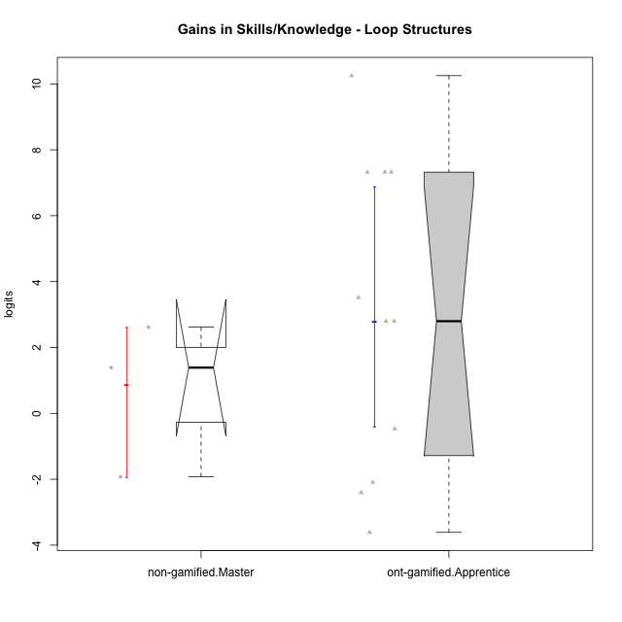

Wilcoxon data
UserID | Type | CLGroup | CLRole | PlayerRole | pre.theta | pos.theta | gain.theta
10116 | non-gamified | GroupC | Master |  | -0.28983321031 | 2.3260988732 | 2.6159320836
10126 | ont-gamified | Grupo Hélio | Apprentice | Yee Socializer | -1.1869400749 | -1.6566827754 | -0.46974270057
10127 | ont-gamified | Grupo Hades | Apprentice | Yee Achiever | -0.84484289067 | -3.2500907751 | -2.4052478845
10128 | ont-gamified | Grupo Morfeu | Apprentice | Yee Achiever | -1.1869400749 | 2.3260988732 | 3.5130389481
10131 | ont-gamified | Grupo Zeus | Apprentice | Yee Achiever | -4.4566696389 | -1.6589806106 | 2.7976890283
10133 | ont-gamified | Grupo Hades | Apprentice | Yee Achiever | -1.1869400749 | -3.27760321 | -2.0906631352
10134 | ont-gamified | Grupo Apolo | Apprentice | Yee Socializer | -4.9957756807 | 2.3260988732 | 7.3218745539
10137 | ont-gamified | Grupo Morfeu | Apprentice | Yee Achiever | -4.9908876047 | 2.3260988732 | 7.316986478
10138 | ont-gamified | Grupo Hélio | Apprentice | Yee Socializer | -4.9957756807 | 2.3260988732 | 7.3218745539
10139 | ont-gamified | Grupo Zeus | Apprentice | Yee Achiever | -4.4566696389 | -1.6589806106 | 2.7976890283
10143 | ont-gamified | Grupo Apolo | Apprentice | Yee Socializer | -0.84484289067 | -4.4566453913 | -3.6118025006
10144 | non-gamified | GroupA | Master |  | 0.27130765869 | -1.6566827754 | -1.9279904341
10145 | non-gamified | GroupB | Master |  | 0.93857380864 | 2.3260988732 | 1.3875250646
10148 | ont-gamified | Grupo Apolo | Apprentice | Yee Socializer | -4.9957756807 | 5.2538149241 | 10.249590605

Type_CLRole_5
Wilcoxon Analysis for Gains in Skills/Knowledge - Loop Structures in Type:CLRole between non-gamified.Master:ont-gamified.Master

Wilcoxon test results
Alternative hypothesis: less
Group | N | Median | Mean.Ranks | Sum.Ranks | U | Z | p.value | r | magnitude
non-gamified.Master | 3 | 1.3875250646 | 5.1666666667 | 15.5 | 9.5 | 0.59986611625 | 0.75 | 0.2120846993 | small
ont-gamified.Master | 5 | 0.0081319378858 | 4.1 | 20.5 | 9.5 | 0.59986611625 | 0.75 | 0.2120846993 | small
Alternative hypothesis: greater
Group | N | Median | Mean.Ranks | Sum.Ranks | U | Z | p.value | r | magnitude
non-gamified.Master | 3 | 1.3875250646 | 5.1666666667 | 15.5 | 9.5 | 0.59986611625 | 0.32142857143 | 0.2120846993 | small
ont-gamified.Master | 5 | 0.0081319378858 | 4.1 | 20.5 | 9.5 | 0.59986611625 | 0.32142857143 | 0.2120846993 | small
Alternative hypothesis: two.sided
Group | N | Median | Mean.Ranks | Sum.Ranks | U | Z | p.value | r | magnitude
non-gamified.Master | 3 | 1.3875250646 | 5.1666666667 | 15.5 | 9.5 | 0.59986611625 | 0.625 | 0.2120846993 | small
ont-gamified.Master | 5 | 0.0081319378858 | 4.1 | 20.5 | 9.5 | 0.59986611625 | 0.625 | 0.2120846993 | small

Box plots for wilcoxon tests
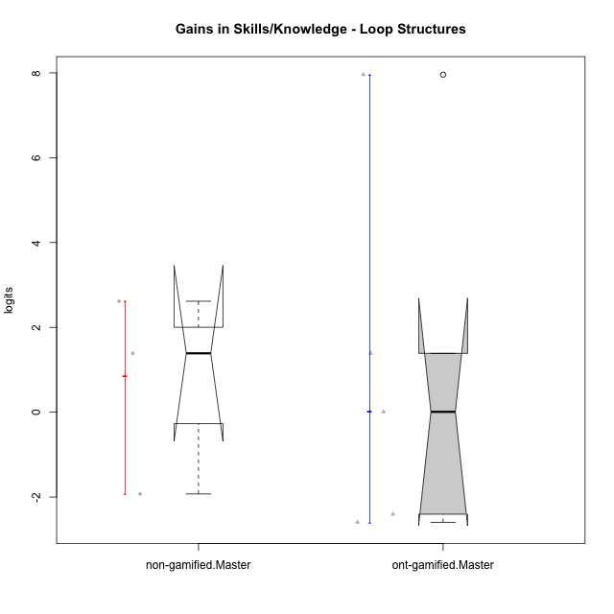

Wilcoxon data
UserID | Type | CLGroup | CLRole | PlayerRole | pre.theta | pos.theta | gain.theta
10116 | non-gamified | GroupC | Master |  | -0.28983321031 | 2.3260988732 | 2.6159320836
10119 | ont-gamified | Grupo Zeus | Master | Yee Achiever | -4.9957756807 | -4.9876437428 | 0.0081319378858
10120 | ont-gamified | Grupo Hélio | Master | Yee Socializer | 0.93857380864 | 2.3260988732 | 1.3875250646
10121 | ont-gamified | Grupo Hades | Master | Yee Achiever | -0.84484289067 | -3.2500907751 | -2.4052478845
10141 | ont-gamified | Grupo Apolo | Master | Yee Socializer | -4.9957756807 | 2.9610452036 | 7.9568208843
10144 | non-gamified | GroupA | Master |  | 0.27130765869 | -1.6566827754 | -1.9279904341
10145 | non-gamified | GroupB | Master |  | 0.93857380864 | 2.3260988732 | 1.3875250646
10152 | ont-gamified | Grupo Morfeu | Master | Yee Achiever | 0.93857380864 | -1.6566827754 | -2.5952565841

Type_CLRole_6
Wilcoxon Analysis for Gains in Skills/Knowledge - Loop Structures in Type:CLRole between ont-gamified.Apprentice:ont-gamified.Master

Wilcoxon test results
Alternative hypothesis: less
Group | N | Median | Mean.Ranks | Sum.Ranks | U | Z | p.value | r | magnitude
ont-gamified.Apprentice | 11 | 2.7976890283 | 9.1363636364 | 100.5 | 34.5 | 0.79477277081 | 0.78869047619 | 0.1986931927 | small
ont-gamified.Master | 5 | 0.0081319378858 | 7.1 | 35.5 | 34.5 | 0.79477277081 | 0.78869047619 | 0.1986931927 | small
Alternative hypothesis: greater
Group | N | Median | Mean.Ranks | Sum.Ranks | U | Z | p.value | r | magnitude
ont-gamified.Apprentice | 11 | 2.7976890283 | 9.1363636364 | 100.5 | 34.5 | 0.79477277081 | 0.22870879121 | 0.1986931927 | small
ont-gamified.Master | 5 | 0.0081319378858 | 7.1 | 35.5 | 34.5 | 0.79477277081 | 0.22870879121 | 0.1986931927 | small
Alternative hypothesis: two.sided
Group | N | Median | Mean.Ranks | Sum.Ranks | U | Z | p.value | r | magnitude
ont-gamified.Apprentice | 11 | 2.7976890283 | 9.1363636364 | 100.5 | 34.5 | 0.79477277081 | 0.46016483516 | 0.1986931927 | small
ont-gamified.Master | 5 | 0.0081319378858 | 7.1 | 35.5 | 34.5 | 0.79477277081 | 0.46016483516 | 0.1986931927 | small

Box plots for wilcoxon tests
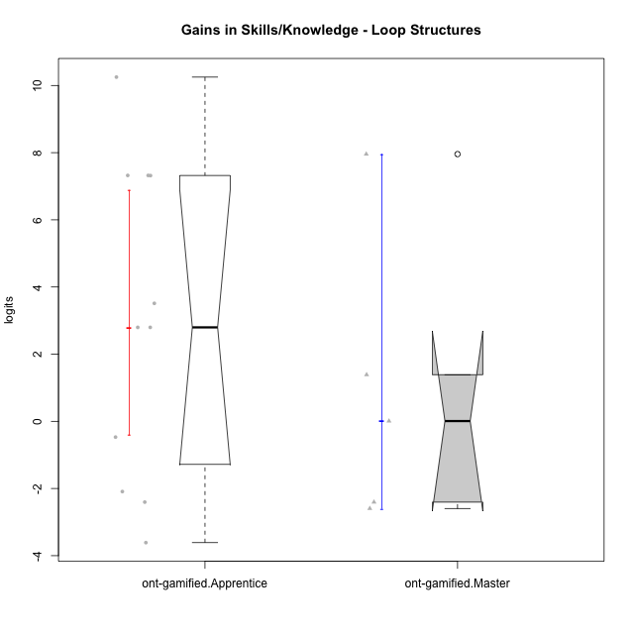

Wilcoxon data
UserID | Type | CLGroup | CLRole | PlayerRole | pre.theta | pos.theta | gain.theta
10119 | ont-gamified | Grupo Zeus | Master | Yee Achiever | -4.9957756807 | -4.9876437428 | 0.0081319378858
10120 | ont-gamified | Grupo Hélio | Master | Yee Socializer | 0.93857380864 | 2.3260988732 | 1.3875250646
10121 | ont-gamified | Grupo Hades | Master | Yee Achiever | -0.84484289067 | -3.2500907751 | -2.4052478845
10126 | ont-gamified | Grupo Hélio | Apprentice | Yee Socializer | -1.1869400749 | -1.6566827754 | -0.46974270057
10127 | ont-gamified | Grupo Hades | Apprentice | Yee Achiever | -0.84484289067 | -3.2500907751 | -2.4052478845
10128 | ont-gamified | Grupo Morfeu | Apprentice | Yee Achiever | -1.1869400749 | 2.3260988732 | 3.5130389481
10131 | ont-gamified | Grupo Zeus | Apprentice | Yee Achiever | -4.4566696389 | -1.6589806106 | 2.7976890283
10133 | ont-gamified | Grupo Hades | Apprentice | Yee Achiever | -1.1869400749 | -3.27760321 | -2.0906631352
10134 | ont-gamified | Grupo Apolo | Apprentice | Yee Socializer | -4.9957756807 | 2.3260988732 | 7.3218745539
10137 | ont-gamified | Grupo Morfeu | Apprentice | Yee Achiever | -4.9908876047 | 2.3260988732 | 7.316986478
10138 | ont-gamified | Grupo Hélio | Apprentice | Yee Socializer | -4.9957756807 | 2.3260988732 | 7.3218745539
10139 | ont-gamified | Grupo Zeus | Apprentice | Yee Achiever | -4.4566696389 | -1.6589806106 | 2.7976890283
10141 | ont-gamified | Grupo Apolo | Master | Yee Socializer | -4.9957756807 | 2.9610452036 | 7.9568208843
10143 | ont-gamified | Grupo Apolo | Apprentice | Yee Socializer | -0.84484289067 | -4.4566453913 | -3.6118025006
10148 | ont-gamified | Grupo Apolo | Apprentice | Yee Socializer | -4.9957756807 | 5.2538149241 | 10.249590605
10152 | ont-gamified | Grupo Morfeu | Master | Yee Achiever | 0.93857380864 | -1.6566827754 | -2.5952565841

