Assumptions
ANOVA assumptions for Gains in Skills/Knowledge - Loop Structures

Shapiro-Wilk normality test for Gains in Skills/Knowledge - Loop Structures
W | p.value
0.95474469263 | 0.29864866144

Plots for normality test
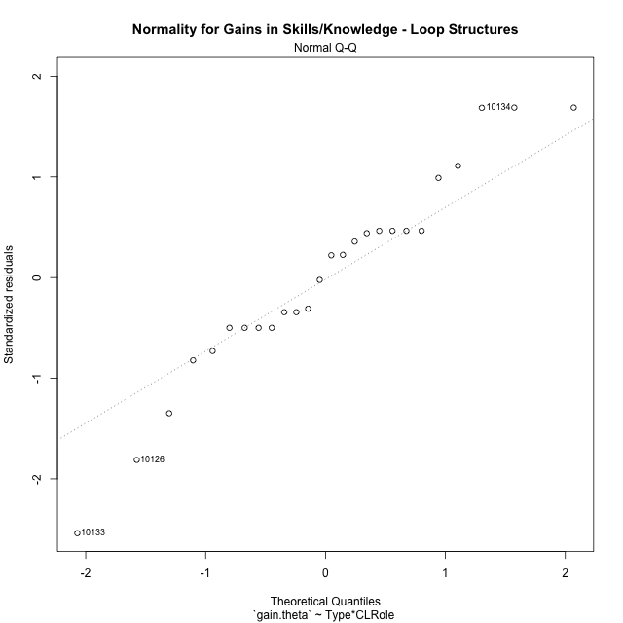

Levene's Test for Homogeneity of Variance in Gains in Skills/Knowledge - Loop Structures
Df | F value | Pr(>F)
3 | 2.976807918 | 0.05364137022
22

Plots for homogeneity of variance
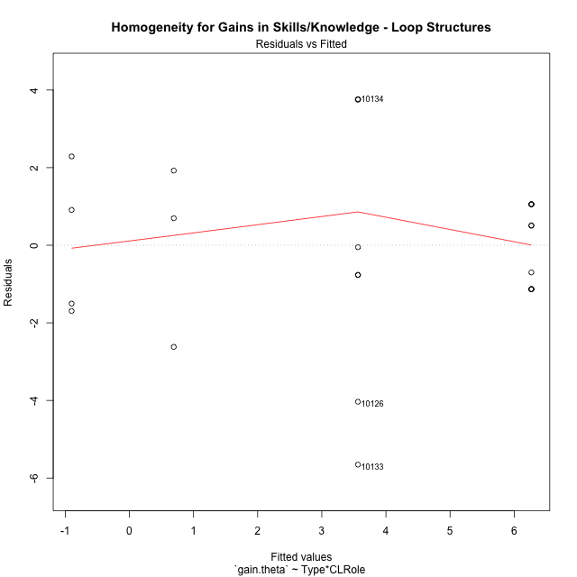

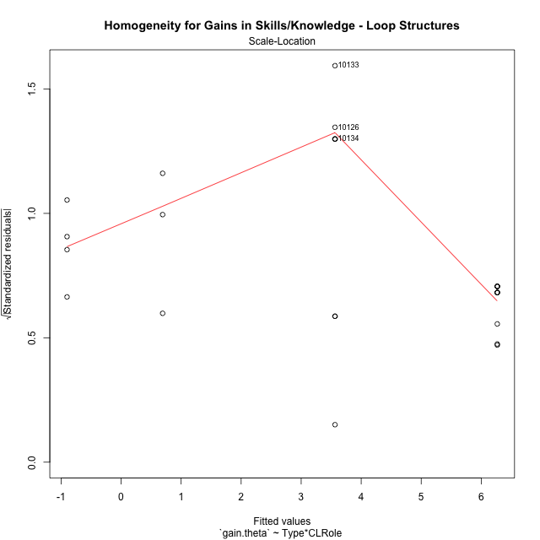

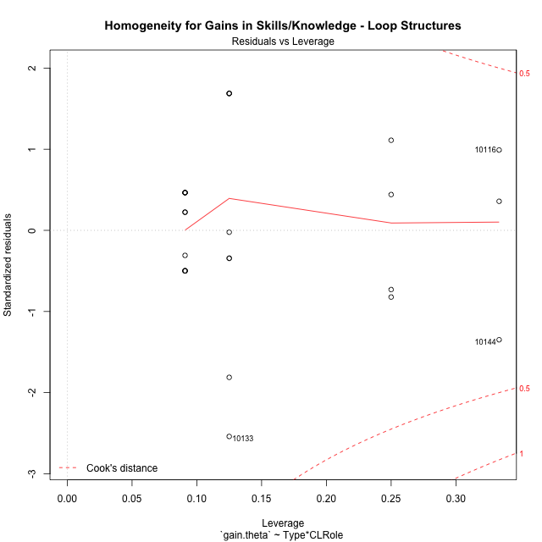

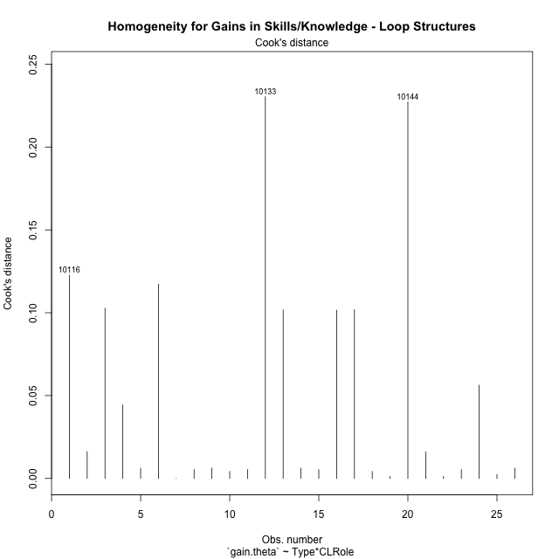

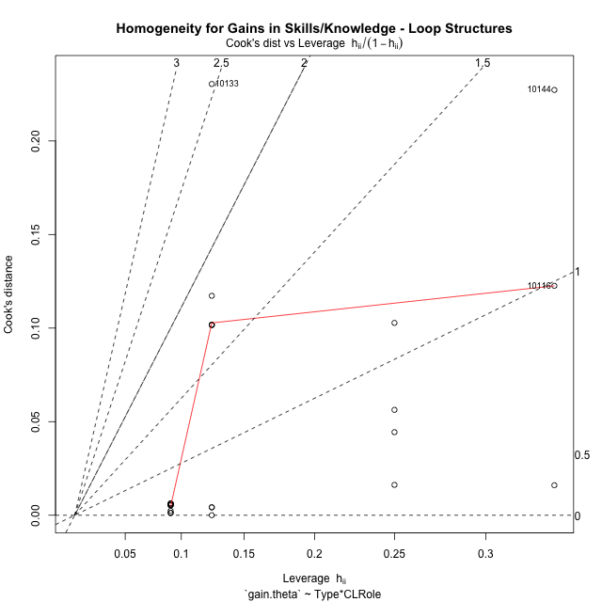

Minimum Sample Size Test for Gains in Skills/Knowledge - Loop Structures
Type | CLRole | Freq
non-gamified | Apprentice | 11
ont-gamified | Apprentice | 8
non-gamified | Master | 3
ont-gamified | Master | 4

Errors and Warnings in Sample Size Test for ANOVA in Gains in Skills/Knowledge - Loop Structures
code | description
WARN: sample.size | current size is 11 and recommended size is 15 for the group: 'non-gamified:Apprentice'.
WARN: sample.size | current size is 8 and recommended size is 15 for the group: 'ont-gamified:Apprentice'.
FAIL: min.size | current size is 3 but the minimal recomended size is 5 for the group: 'non-gamified:Master'.
FAIL: min.size | current size is 4 but the minimal recomended size is 5 for the group: 'ont-gamified:Master'.

For the group: 'non-gamified:Apprentice', we recommend the use of non-parametric test. For the group: 'ont-gamified:Apprentice', we recommend the use of non-parametric test. For the group: 'non-gamified:Master', we recommend the use of non-parametric test. For the group: 'ont-gamified:Master', we recommend the use of non-parametric test.

Post-hoc
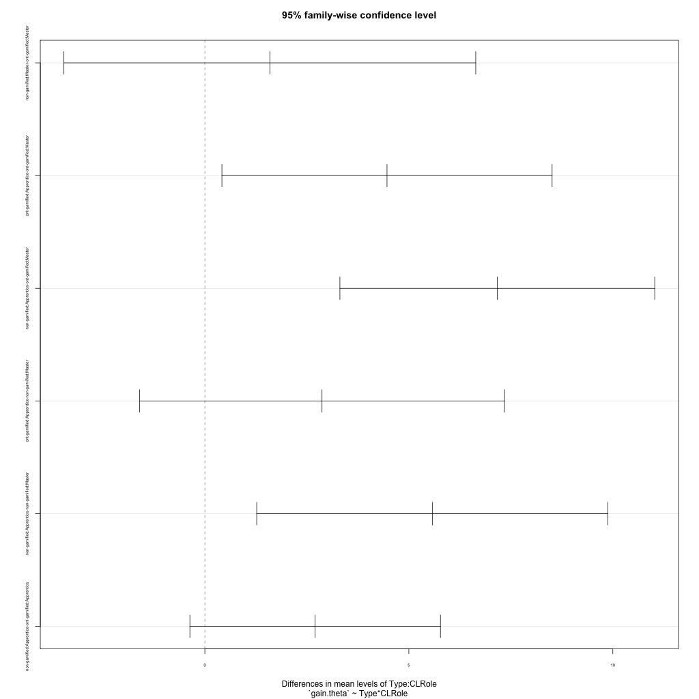
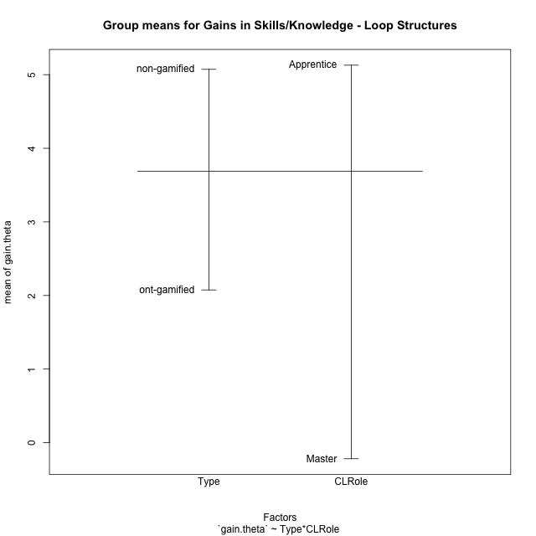
Post-hoc Tukey Honestly Significant Difference (HSD) Test for Gains in Skills/Knowledge - Loop Structures

Comparisons of means for Type
 | diff | lwr | upr | p adj
non-gamified-ont-gamified | 2.9972519107 | 1.055734336 | 4.9387694855 | 0.0041167464572

Comparisons of means for CLRole
 | diff | lwr | upr | p adj
Apprentice-Master | 4.8966818632 | 2.714604487 | 7.0787592393 | 0.00012219214293

Comparisons of means for Type:CLRole
 | diff | lwr | upr | p adj
non-gamified:Master-ont-gamified:Master | 1.5930341045 | -3.4539941004 | 6.6400623094 | 0.81690023074
ont-gamified:Apprentice-ont-gamified:Master | 4.4648052109 | 0.41818013284 | 8.5114302889 | 0.027019791934
non-gamified:Apprentice-ont-gamified:Master | 7.1685399762 | 3.3102343516 | 11.026845601 | 0.000196745958
ont-gamified:Apprentice-non-gamified:Master | 2.8717711063 | -1.601941244 | 7.3454834567 | 0.30794772561
non-gamified:Apprentice-non-gamified:Master | 5.5755058716 | 1.2713857567 | 9.8796259866 | 0.0080839668329
non-gamified:Apprentice-ont-gamified:Apprentice | 2.7037347653 | -0.36679137615 | 5.7742609068 | 0.097655833568

Contrast Matrices for Gains in Skills/Knowledge - Loop Structures - Type
contrast | estimate | SE | df | t.ratio | p.value
non-gamified - ont-gamified | 2.1483844349 | 1.0637422739 | 22 | 2.0196475102 | 0.055765017265

Contrast Matrices for Gains in Skills/Knowledge - Loop Structures - Type:CLRole
contrast | CLRole | estimate | SE | df | t.ratio | p.value
non-gamified - ont-gamified | Apprentice | 2.7037347653 | 1.1057644277 | 22 | 2.4451272782 | 0.022948738195
non-gamified - ont-gamified | Master | 1.5930341045 | 1.8175465693 | 22 | 0.87647498635 | 0.39024217657

Least Squares Means and Confidence Intervals for Type
Type | lsmean | SE | df | lower.CL | upper.CL | Pairs
non-gamified | 3.4795751738 | 0.77500446117 | 22 | 1.8723142943 | 5.0868360534 | non-gamified
ont-gamified | 1.3311907389 | 0.72863963001 | 22 | -0.17991536598 | 2.8422968438 | ont-gamified

Least Squares Means and Confidence Intervals for Type:CLRole
Type | CLRole | lsmean | SE | df | lower.CL | upper.CL | Pairs
non-gamified | Apprentice | 6.2673281097 | 0.71751470756 | 22 | 4.7792936818 | 7.7553625375 | non-gamified.Apprentice
ont-gamified | Apprentice | 3.5635933443 | 0.84136057306 | 22 | 1.8187183115 | 5.3084683772 | ont-gamified.Apprentice
non-gamified | Master | 0.69182223801 | 1.3739360625 | 22 | -2.157546759 | 3.541191235 | non-gamified.Master
ont-gamified | Master | -0.90121186651 | 1.1898635333 | 22 | -3.3688378026 | 1.5664140696 | ont-gamified.Master

Plots

Type_1
Student's t-Test for Gains in Skills/Knowledge - Loop Structures in Type between non-gamified:ont-gamified

Student's t-Test results
Alternative hypothesis: less
Group | N | Mean | Mean.Difference | Std.deviation | Std.error | CI.lower | CI.upper | df | t.value | p.value | g | magnitude
non-gamified | 14 | 5.0725768514 | 2.9972519107 | 2.7020554657 | 0.72215469949 | 3.6282674525 | 6.5168862504 | 19.613245653 | 2.2959944582 | 0.98357792863 | 0.89750634354 | large
ont-gamified | 12 | 2.0753249407 | -2.9972519107 | 3.7671700112 | 1.08748831 | -0.099651679315 | 4.2503015608 | 19.613245653 | 2.2959944582 | 0.98357792863 | 0.89750634354 | large
Alternative hypothesis: greater
Group | N | Mean | Mean.Difference | Std.deviation | Std.error | CI.lower | CI.upper | df | t.value | p.value | g | magnitude
non-gamified | 14 | 5.0725768514 | 2.9972519107 | 2.7020554657 | 0.72215469949 | 3.6282674525 | 6.5168862504 | 19.613245653 | 2.2959944582 | 0.016422071373 | 0.89750634354 | large
ont-gamified | 12 | 2.0753249407 | -2.9972519107 | 3.7671700112 | 1.08748831 | -0.099651679315 | 4.2503015608 | 19.613245653 | 2.2959944582 | 0.016422071373 | 0.89750634354 | large
Alternative hypothesis: two.sided
Group | N | Mean | Mean.Difference | Std.deviation | Std.error | CI.lower | CI.upper | df | t.value | p.value | g | magnitude
non-gamified | 14 | 5.0725768514 | 2.9972519107 | 2.7020554657 | 0.72215469949 | 3.6282674525 | 6.5168862504 | 19.613245653 | 2.2959944582 | 0.032844142746 | 0.89750634354 | large
ont-gamified | 12 | 2.0753249407 | -2.9972519107 | 3.7671700112 | 1.08748831 | -0.099651679315 | 4.2503015608 | 19.613245653 | 2.2959944582 | 0.032844142746 | 0.89750634354 | large

Box plots for Student's t-Test
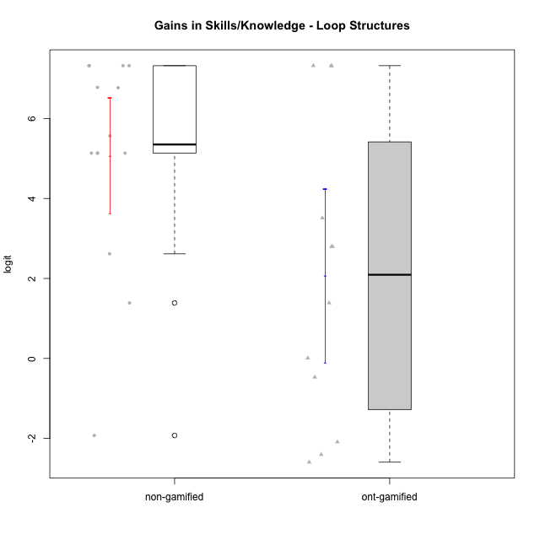

Student's t-Test data
UserID | Type | CLGroup | CLRole | PlayerRole | gain.theta
10116 | non-gamified | GroupC | Master |  | 2.6159320836
10119 | ont-gamified | Grupo Zeus | Master | Yee Achiever | 0.0081319378858
10120 | ont-gamified | Grupo Hélio | Master | Yee Socializer | 1.3875250646
10121 | ont-gamified | Grupo Hades | Master | Yee Achiever | -2.4052478845
10122 | non-gamified | GroupB | Apprentice |  | 5.1342013861
10126 | ont-gamified | Grupo Hélio | Apprentice | Yee Socializer | -0.46974270057
10128 | ont-gamified | Grupo Morfeu | Apprentice | Yee Achiever | 3.5130389481
10129 | non-gamified | GroupB | Apprentice |  | 7.3218745539
10130 | non-gamified | GroupC | Apprentice |  | 5.1342013861
10131 | ont-gamified | Grupo Zeus | Apprentice | Yee Achiever | 2.7976890283
10132 | non-gamified | GroupA | Apprentice |  | 7.3218745539
10133 | ont-gamified | Grupo Hades | Apprentice | Yee Achiever | -2.0906631352
10134 | ont-gamified | Grupo Apolo | Apprentice | Yee Socializer | 7.3218745539
10135 | non-gamified | GroupB | Apprentice |  | 5.1342013861
10136 | non-gamified | GroupC | Apprentice |  | 7.3218745539
10137 | ont-gamified | Grupo Morfeu | Apprentice | Yee Achiever | 7.316986478
10138 | ont-gamified | Grupo Hélio | Apprentice | Yee Socializer | 7.3218745539
10139 | ont-gamified | Grupo Zeus | Apprentice | Yee Achiever | 2.7976890283
10140 | non-gamified | GroupC | Apprentice |  | 6.7701563133
10144 | non-gamified | GroupA | Master |  | -1.9279904341
10145 | non-gamified | GroupB | Master |  | 1.3875250646
10146 | non-gamified | GroupA | Apprentice |  | 6.7793660356
10149 | non-gamified | GroupA | Apprentice |  | 7.3218745539
10152 | ont-gamified | Grupo Morfeu | Master | Yee Achiever | -2.5952565841
10153 | non-gamified | GroupA | Apprentice |  | 5.5667830972
10154 | non-gamified | GroupC | Apprentice |  | 5.1342013861

Type_CLRole_1
Student's t-Test for Gains in Skills/Knowledge - Loop Structures in Type:CLRole between non-gamified.Apprentice:non-gamified.Master

Student's t-Test results
Alternative hypothesis: less
Group | N | Mean | Mean.Difference | Std.deviation | Std.error | CI.lower | CI.upper | df | t.value | p.value | g | magnitude
non-gamified.Apprentice | 11 | 6.2673281097 | 5.5755058716 | 1.029075306 | 0.31027787917 | 5.6467723513 | 6.887883868 | 2.2133614399 | 4.0051734427 | 0.97594776013 | 3.8869173972 | large
non-gamified.Master | 3 | 0.69182223801 | -5.5755058716 | 2.3504913909 | 1.3570568373 | -2.0222914366 | 3.4059359126 | 2.2133614399 | 4.0051734427 | 0.97594776013 | 3.8869173972 | large
Alternative hypothesis: greater
Group | N | Mean | Mean.Difference | Std.deviation | Std.error | CI.lower | CI.upper | df | t.value | p.value | g | magnitude
non-gamified.Apprentice | 11 | 6.2673281097 | 5.5755058716 | 1.029075306 | 0.31027787917 | 5.6467723513 | 6.887883868 | 2.2133614399 | 4.0051734427 | 0.024052239867 | 3.8869173972 | large
non-gamified.Master | 3 | 0.69182223801 | -5.5755058716 | 2.3504913909 | 1.3570568373 | -2.0222914366 | 3.4059359126 | 2.2133614399 | 4.0051734427 | 0.024052239867 | 3.8869173972 | large
Alternative hypothesis: two.sided
Group | N | Mean | Mean.Difference | Std.deviation | Std.error | CI.lower | CI.upper | df | t.value | p.value | g | magnitude
non-gamified.Apprentice | 11 | 6.2673281097 | 5.5755058716 | 1.029075306 | 0.31027787917 | 5.6467723513 | 6.887883868 | 2.2133614399 | 4.0051734427 | 0.048104479734 | 3.8869173972 | large
non-gamified.Master | 3 | 0.69182223801 | -5.5755058716 | 2.3504913909 | 1.3570568373 | -2.0222914366 | 3.4059359126 | 2.2133614399 | 4.0051734427 | 0.048104479734 | 3.8869173972 | large

Box plots for Student's t-Test
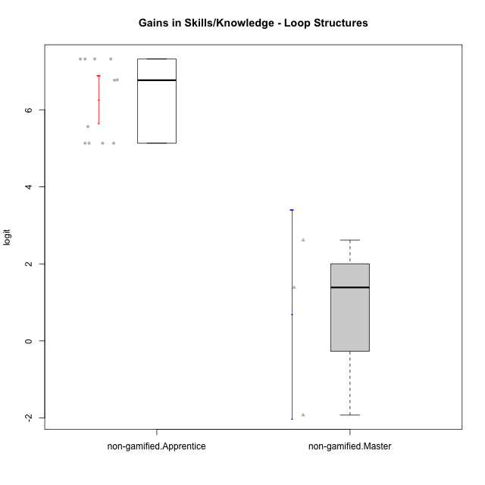

Student's t-Test data
UserID | Type | CLGroup | CLRole | PlayerRole | gain.theta
10116 | non-gamified | GroupC | Master |  | 2.6159320836
10122 | non-gamified | GroupB | Apprentice |  | 5.1342013861
10129 | non-gamified | GroupB | Apprentice |  | 7.3218745539
10130 | non-gamified | GroupC | Apprentice |  | 5.1342013861
10132 | non-gamified | GroupA | Apprentice |  | 7.3218745539
10135 | non-gamified | GroupB | Apprentice |  | 5.1342013861
10136 | non-gamified | GroupC | Apprentice |  | 7.3218745539
10140 | non-gamified | GroupC | Apprentice |  | 6.7701563133
10144 | non-gamified | GroupA | Master |  | -1.9279904341
10145 | non-gamified | GroupB | Master |  | 1.3875250646
10146 | non-gamified | GroupA | Apprentice |  | 6.7793660356
10149 | non-gamified | GroupA | Apprentice |  | 7.3218745539
10153 | non-gamified | GroupA | Apprentice |  | 5.5667830972
10154 | non-gamified | GroupC | Apprentice |  | 5.1342013861

Type_CLRole_2
Student's t-Test for Gains in Skills/Knowledge - Loop Structures in Type:CLRole between non-gamified.Apprentice:ont-gamified.Apprentice

Student's t-Test results
Alternative hypothesis: less
Group | N | Mean | Mean.Difference | Std.deviation | Std.error | CI.lower | CI.upper | df | t.value | p.value | g | magnitude
non-gamified.Apprentice | 11 | 6.2673281097 | 2.7037347653 | 1.029075306 | 0.31027787917 | 5.6467723513 | 6.887883868 | 7.8278796035 | 2.0528295172 | 0.96252359848 | 1.0526109922 | large
ont-gamified.Apprentice | 8 | 3.5635933443 | -2.7037347653 | 3.6204085384 | 1.2800077141 | 1.0035779162 | 6.1236087725 | 7.8278796035 | 2.0528295172 | 0.96252359848 | 1.0526109922 | large
Alternative hypothesis: greater
Group | N | Mean | Mean.Difference | Std.deviation | Std.error | CI.lower | CI.upper | df | t.value | p.value | g | magnitude
non-gamified.Apprentice | 11 | 6.2673281097 | 2.7037347653 | 1.029075306 | 0.31027787917 | 5.6467723513 | 6.887883868 | 7.8278796035 | 2.0528295172 | 0.037476401517 | 1.0526109922 | large
ont-gamified.Apprentice | 8 | 3.5635933443 | -2.7037347653 | 3.6204085384 | 1.2800077141 | 1.0035779162 | 6.1236087725 | 7.8278796035 | 2.0528295172 | 0.037476401517 | 1.0526109922 | large
Alternative hypothesis: two.sided
Group | N | Mean | Mean.Difference | Std.deviation | Std.error | CI.lower | CI.upper | df | t.value | p.value | g | magnitude
non-gamified.Apprentice | 11 | 6.2673281097 | 2.7037347653 | 1.029075306 | 0.31027787917 | 5.6467723513 | 6.887883868 | 7.8278796035 | 2.0528295172 | 0.074952803035 | 1.0526109922 | large
ont-gamified.Apprentice | 8 | 3.5635933443 | -2.7037347653 | 3.6204085384 | 1.2800077141 | 1.0035779162 | 6.1236087725 | 7.8278796035 | 2.0528295172 | 0.074952803035 | 1.0526109922 | large

Box plots for Student's t-Test
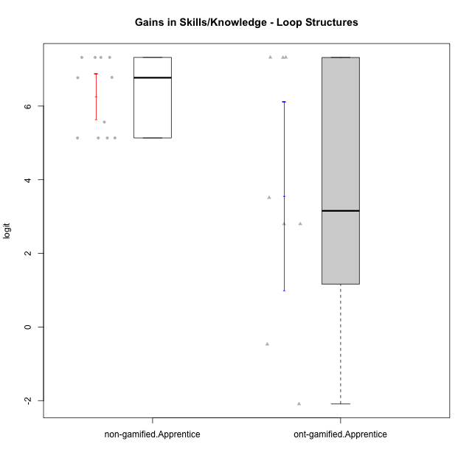

Student's t-Test data
UserID | Type | CLGroup | CLRole | PlayerRole | gain.theta
10122 | non-gamified | GroupB | Apprentice |  | 5.1342013861
10126 | ont-gamified | Grupo Hélio | Apprentice | Yee Socializer | -0.46974270057
10128 | ont-gamified | Grupo Morfeu | Apprentice | Yee Achiever | 3.5130389481
10129 | non-gamified | GroupB | Apprentice |  | 7.3218745539
10130 | non-gamified | GroupC | Apprentice |  | 5.1342013861
10131 | ont-gamified | Grupo Zeus | Apprentice | Yee Achiever | 2.7976890283
10132 | non-gamified | GroupA | Apprentice |  | 7.3218745539
10133 | ont-gamified | Grupo Hades | Apprentice | Yee Achiever | -2.0906631352
10134 | ont-gamified | Grupo Apolo | Apprentice | Yee Socializer | 7.3218745539
10135 | non-gamified | GroupB | Apprentice |  | 5.1342013861
10136 | non-gamified | GroupC | Apprentice |  | 7.3218745539
10137 | ont-gamified | Grupo Morfeu | Apprentice | Yee Achiever | 7.316986478
10138 | ont-gamified | Grupo Hélio | Apprentice | Yee Socializer | 7.3218745539
10139 | ont-gamified | Grupo Zeus | Apprentice | Yee Achiever | 2.7976890283
10140 | non-gamified | GroupC | Apprentice |  | 6.7701563133
10146 | non-gamified | GroupA | Apprentice |  | 6.7793660356
10149 | non-gamified | GroupA | Apprentice |  | 7.3218745539
10153 | non-gamified | GroupA | Apprentice |  | 5.5667830972
10154 | non-gamified | GroupC | Apprentice |  | 5.1342013861

Type_CLRole_3
Student's t-Test for Gains in Skills/Knowledge - Loop Structures in Type:CLRole between non-gamified.Apprentice:ont-gamified.Master

Student's t-Test results
Alternative hypothesis: less
Group | N | Mean | Mean.Difference | Std.deviation | Std.error | CI.lower | CI.upper | df | t.value | p.value | g | magnitude
non-gamified.Apprentice | 11 | 6.2673281097 | 7.1685399762 | 1.029075306 | 0.31027787917 | 5.6467723513 | 6.887883868 | 3.6393651086 | 7.0655440253 | 0.99850160665 | 5.2116325682 | large
ont-gamified.Master | 4 | -0.90121186651 | -7.1685399762 | 1.9319363984 | 0.96596819922 | -2.8331482649 | 1.0307245319 | 3.6393651086 | 7.0655440253 | 0.99850160665 | 5.2116325682 | large
Alternative hypothesis: greater
Group | N | Mean | Mean.Difference | Std.deviation | Std.error | CI.lower | CI.upper | df | t.value | p.value | g | magnitude
non-gamified.Apprentice | 11 | 6.2673281097 | 7.1685399762 | 1.029075306 | 0.31027787917 | 5.6467723513 | 6.887883868 | 3.6393651086 | 7.0655440253 | 0.0014983933518 | 5.2116325682 | large
ont-gamified.Master | 4 | -0.90121186651 | -7.1685399762 | 1.9319363984 | 0.96596819922 | -2.8331482649 | 1.0307245319 | 3.6393651086 | 7.0655440253 | 0.0014983933518 | 5.2116325682 | large
Alternative hypothesis: two.sided
Group | N | Mean | Mean.Difference | Std.deviation | Std.error | CI.lower | CI.upper | df | t.value | p.value | g | magnitude
non-gamified.Apprentice | 11 | 6.2673281097 | 7.1685399762 | 1.029075306 | 0.31027787917 | 5.6467723513 | 6.887883868 | 3.6393651086 | 7.0655440253 | 0.0029967867036 | 5.2116325682 | large
ont-gamified.Master | 4 | -0.90121186651 | -7.1685399762 | 1.9319363984 | 0.96596819922 | -2.8331482649 | 1.0307245319 | 3.6393651086 | 7.0655440253 | 0.0029967867036 | 5.2116325682 | large

Box plots for Student's t-Test
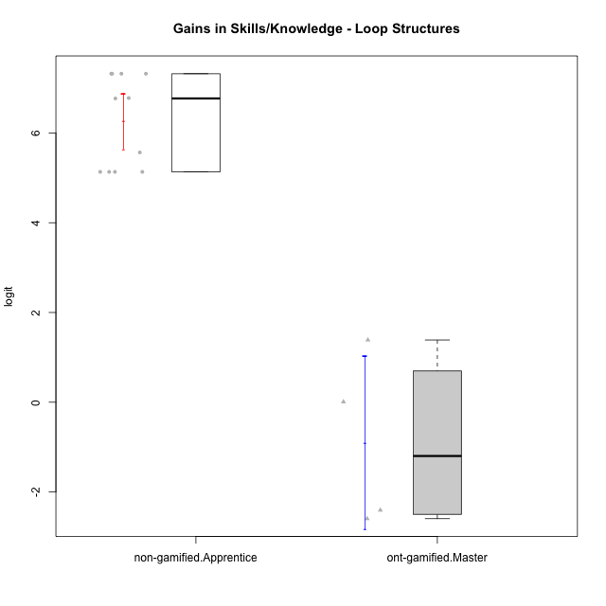

Student's t-Test data
UserID | Type | CLGroup | CLRole | PlayerRole | gain.theta
10119 | ont-gamified | Grupo Zeus | Master | Yee Achiever | 0.0081319378858
10120 | ont-gamified | Grupo Hélio | Master | Yee Socializer | 1.3875250646
10121 | ont-gamified | Grupo Hades | Master | Yee Achiever | -2.4052478845
10122 | non-gamified | GroupB | Apprentice |  | 5.1342013861
10129 | non-gamified | GroupB | Apprentice |  | 7.3218745539
10130 | non-gamified | GroupC | Apprentice |  | 5.1342013861
10132 | non-gamified | GroupA | Apprentice |  | 7.3218745539
10135 | non-gamified | GroupB | Apprentice |  | 5.1342013861
10136 | non-gamified | GroupC | Apprentice |  | 7.3218745539
10140 | non-gamified | GroupC | Apprentice |  | 6.7701563133
10146 | non-gamified | GroupA | Apprentice |  | 6.7793660356
10149 | non-gamified | GroupA | Apprentice |  | 7.3218745539
10152 | ont-gamified | Grupo Morfeu | Master | Yee Achiever | -2.5952565841
10153 | non-gamified | GroupA | Apprentice |  | 5.5667830972
10154 | non-gamified | GroupC | Apprentice |  | 5.1342013861

Type_CLRole_4
Student's t-Test for Gains in Skills/Knowledge - Loop Structures in Type:CLRole between non-gamified.Master:ont-gamified.Apprentice

Student's t-Test results
Alternative hypothesis: less
Group | N | Mean | Mean.Difference | Std.deviation | Std.error | CI.lower | CI.upper | df | t.value | p.value | g | magnitude
non-gamified.Master | 3 | 0.69182223801 | -2.8717711063 | 2.3504913909 | 1.3570568373 | -2.0222914366 | 3.4059359126 | 5.8245135671 | -1.5394258113 | 0.088048787457 | -0.77688024073 | medium
ont-gamified.Apprentice | 8 | 3.5635933443 | 2.8717711063 | 3.6204085384 | 1.2800077141 | 1.0035779162 | 6.1236087725 | 5.8245135671 | -1.5394258113 | 0.088048787457 | -0.77688024073 | medium
Alternative hypothesis: greater
Group | N | Mean | Mean.Difference | Std.deviation | Std.error | CI.lower | CI.upper | df | t.value | p.value | g | magnitude
non-gamified.Master | 3 | 0.69182223801 | -2.8717711063 | 2.3504913909 | 1.3570568373 | -2.0222914366 | 3.4059359126 | 5.8245135671 | -1.5394258113 | 0.91195121254 | -0.77688024073 | medium
ont-gamified.Apprentice | 8 | 3.5635933443 | 2.8717711063 | 3.6204085384 | 1.2800077141 | 1.0035779162 | 6.1236087725 | 5.8245135671 | -1.5394258113 | 0.91195121254 | -0.77688024073 | medium
Alternative hypothesis: two.sided
Group | N | Mean | Mean.Difference | Std.deviation | Std.error | CI.lower | CI.upper | df | t.value | p.value | g | magnitude
non-gamified.Master | 3 | 0.69182223801 | -2.8717711063 | 2.3504913909 | 1.3570568373 | -2.0222914366 | 3.4059359126 | 5.8245135671 | -1.5394258113 | 0.17609757491 | -0.77688024073 | medium
ont-gamified.Apprentice | 8 | 3.5635933443 | 2.8717711063 | 3.6204085384 | 1.2800077141 | 1.0035779162 | 6.1236087725 | 5.8245135671 | -1.5394258113 | 0.17609757491 | -0.77688024073 | medium

Box plots for Student's t-Test
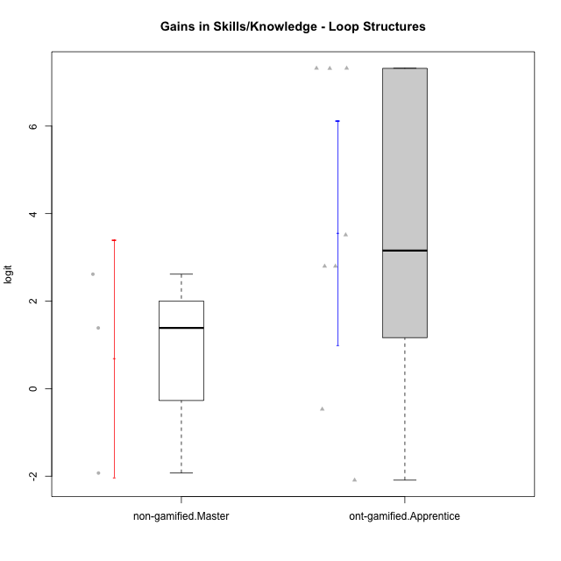

Student's t-Test data
UserID | Type | CLGroup | CLRole | PlayerRole | gain.theta
10116 | non-gamified | GroupC | Master |  | 2.6159320836
10126 | ont-gamified | Grupo Hélio | Apprentice | Yee Socializer | -0.46974270057
10128 | ont-gamified | Grupo Morfeu | Apprentice | Yee Achiever | 3.5130389481
10131 | ont-gamified | Grupo Zeus | Apprentice | Yee Achiever | 2.7976890283
10133 | ont-gamified | Grupo Hades | Apprentice | Yee Achiever | -2.0906631352
10134 | ont-gamified | Grupo Apolo | Apprentice | Yee Socializer | 7.3218745539
10137 | ont-gamified | Grupo Morfeu | Apprentice | Yee Achiever | 7.316986478
10138 | ont-gamified | Grupo Hélio | Apprentice | Yee Socializer | 7.3218745539
10139 | ont-gamified | Grupo Zeus | Apprentice | Yee Achiever | 2.7976890283
10144 | non-gamified | GroupA | Master |  | -1.9279904341
10145 | non-gamified | GroupB | Master |  | 1.3875250646

Type_CLRole_5
Student's t-Test for Gains in Skills/Knowledge - Loop Structures in Type:CLRole between non-gamified.Master:ont-gamified.Master

Student's t-Test results
Alternative hypothesis: less
Group | N | Mean | Mean.Difference | Std.deviation | Std.error | CI.lower | CI.upper | df | t.value | p.value | g | magnitude
non-gamified.Master | 3 | 0.69182223801 | 1.5930341045 | 2.3504913909 | 1.3570568373 | -2.0222914366 | 3.4059359126 | 3.8766627743 | 0.95635080312 | 0.80267370736 | 0.63597951649 | medium
ont-gamified.Master | 4 | -0.90121186651 | -1.5930341045 | 1.9319363984 | 0.96596819922 | -2.8331482649 | 1.0307245319 | 3.8766627743 | 0.95635080312 | 0.80267370736 | 0.63597951649 | medium
Alternative hypothesis: greater
Group | N | Mean | Mean.Difference | Std.deviation | Std.error | CI.lower | CI.upper | df | t.value | p.value | g | magnitude
non-gamified.Master | 3 | 0.69182223801 | 1.5930341045 | 2.3504913909 | 1.3570568373 | -2.0222914366 | 3.4059359126 | 3.8766627743 | 0.95635080312 | 0.19732629264 | 0.63597951649 | medium
ont-gamified.Master | 4 | -0.90121186651 | -1.5930341045 | 1.9319363984 | 0.96596819922 | -2.8331482649 | 1.0307245319 | 3.8766627743 | 0.95635080312 | 0.19732629264 | 0.63597951649 | medium
Alternative hypothesis: two.sided
Group | N | Mean | Mean.Difference | Std.deviation | Std.error | CI.lower | CI.upper | df | t.value | p.value | g | magnitude
non-gamified.Master | 3 | 0.69182223801 | 1.5930341045 | 2.3504913909 | 1.3570568373 | -2.0222914366 | 3.4059359126 | 3.8766627743 | 0.95635080312 | 0.39465258529 | 0.63597951649 | medium
ont-gamified.Master | 4 | -0.90121186651 | -1.5930341045 | 1.9319363984 | 0.96596819922 | -2.8331482649 | 1.0307245319 | 3.8766627743 | 0.95635080312 | 0.39465258529 | 0.63597951649 | medium

Box plots for Student's t-Test
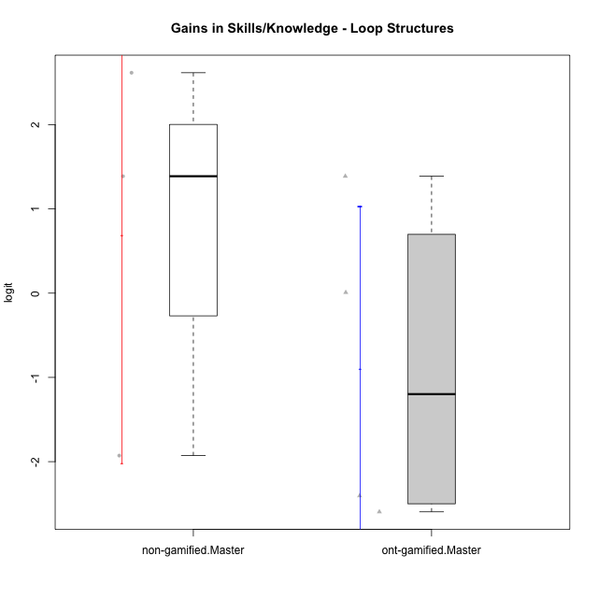

Student's t-Test data
UserID | Type | CLGroup | CLRole | PlayerRole | gain.theta
10116 | non-gamified | GroupC | Master |  | 2.6159320836
10119 | ont-gamified | Grupo Zeus | Master | Yee Achiever | 0.0081319378858
10120 | ont-gamified | Grupo Hélio | Master | Yee Socializer | 1.3875250646
10121 | ont-gamified | Grupo Hades | Master | Yee Achiever | -2.4052478845
10144 | non-gamified | GroupA | Master |  | -1.9279904341
10145 | non-gamified | GroupB | Master |  | 1.3875250646
10152 | ont-gamified | Grupo Morfeu | Master | Yee Achiever | -2.5952565841

Type_CLRole_6
Student's t-Test for Gains in Skills/Knowledge - Loop Structures in Type:CLRole between ont-gamified.Apprentice:ont-gamified.Master

Student's t-Test results
Alternative hypothesis: less
Group | N | Mean | Mean.Difference | Std.deviation | Std.error | CI.lower | CI.upper | df | t.value | p.value | g | magnitude
ont-gamified.Apprentice | 8 | 3.5635933443 | 4.4648052109 | 3.6204085384 | 1.2800077141 | 1.0035779162 | 6.1236087725 | 9.8153256179 | 2.784248816 | 0.99018304563 | 1.2844881495 | large
ont-gamified.Master | 4 | -0.90121186651 | -4.4648052109 | 1.9319363984 | 0.96596819922 | -2.8331482649 | 1.0307245319 | 9.8153256179 | 2.784248816 | 0.99018304563 | 1.2844881495 | large
Alternative hypothesis: greater
Group | N | Mean | Mean.Difference | Std.deviation | Std.error | CI.lower | CI.upper | df | t.value | p.value | g | magnitude
ont-gamified.Apprentice | 8 | 3.5635933443 | 4.4648052109 | 3.6204085384 | 1.2800077141 | 1.0035779162 | 6.1236087725 | 9.8153256179 | 2.784248816 | 0.009816954369 | 1.2844881495 | large
ont-gamified.Master | 4 | -0.90121186651 | -4.4648052109 | 1.9319363984 | 0.96596819922 | -2.8331482649 | 1.0307245319 | 9.8153256179 | 2.784248816 | 0.009816954369 | 1.2844881495 | large
Alternative hypothesis: two.sided
Group | N | Mean | Mean.Difference | Std.deviation | Std.error | CI.lower | CI.upper | df | t.value | p.value | g | magnitude
ont-gamified.Apprentice | 8 | 3.5635933443 | 4.4648052109 | 3.6204085384 | 1.2800077141 | 1.0035779162 | 6.1236087725 | 9.8153256179 | 2.784248816 | 0.019633908738 | 1.2844881495 | large
ont-gamified.Master | 4 | -0.90121186651 | -4.4648052109 | 1.9319363984 | 0.96596819922 | -2.8331482649 | 1.0307245319 | 9.8153256179 | 2.784248816 | 0.019633908738 | 1.2844881495 | large

Box plots for Student's t-Test
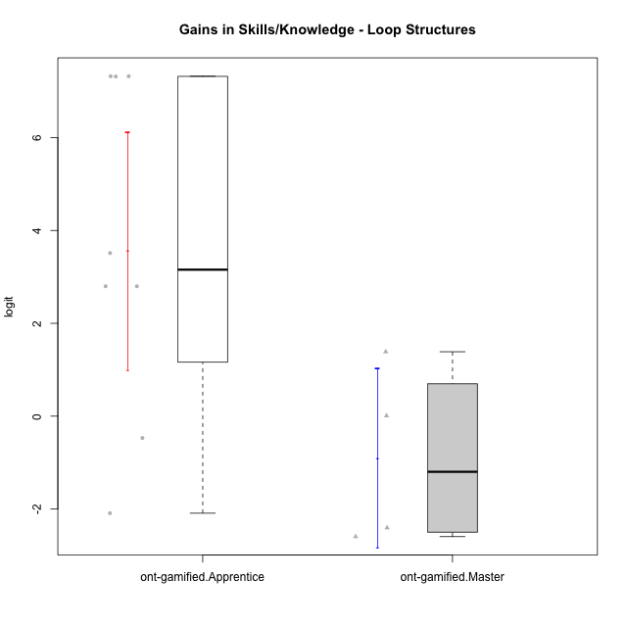

Student's t-Test data
UserID | Type | CLGroup | CLRole | PlayerRole | gain.theta
10119 | ont-gamified | Grupo Zeus | Master | Yee Achiever | 0.0081319378858
10120 | ont-gamified | Grupo Hélio | Master | Yee Socializer | 1.3875250646
10121 | ont-gamified | Grupo Hades | Master | Yee Achiever | -2.4052478845
10126 | ont-gamified | Grupo Hélio | Apprentice | Yee Socializer | -0.46974270057
10128 | ont-gamified | Grupo Morfeu | Apprentice | Yee Achiever | 3.5130389481
10131 | ont-gamified | Grupo Zeus | Apprentice | Yee Achiever | 2.7976890283
10133 | ont-gamified | Grupo Hades | Apprentice | Yee Achiever | -2.0906631352
10134 | ont-gamified | Grupo Apolo | Apprentice | Yee Socializer | 7.3218745539
10137 | ont-gamified | Grupo Morfeu | Apprentice | Yee Achiever | 7.316986478
10138 | ont-gamified | Grupo Hélio | Apprentice | Yee Socializer | 7.3218745539
10139 | ont-gamified | Grupo Zeus | Apprentice | Yee Achiever | 2.7976890283
10152 | ont-gamified | Grupo Morfeu | Master | Yee Achiever | -2.5952565841

