Assumptions
ANOVA assumptions for Effort/Importance by Type

Shapiro-Wilk normality test for Effort/Importance by Type
W | p.value
0.98076822662 | 0.84559701346

Plots for normality test
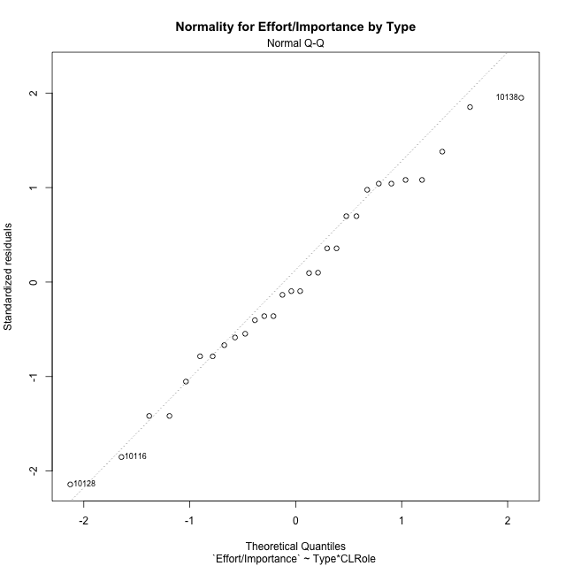

Levene's Test for Homogeneity of Variance in Effort/Importance by Type
Df | F value | Pr(>F)
3 | 1.3591698911 | 0.27715197226
26

Plots for homogeneity of variance
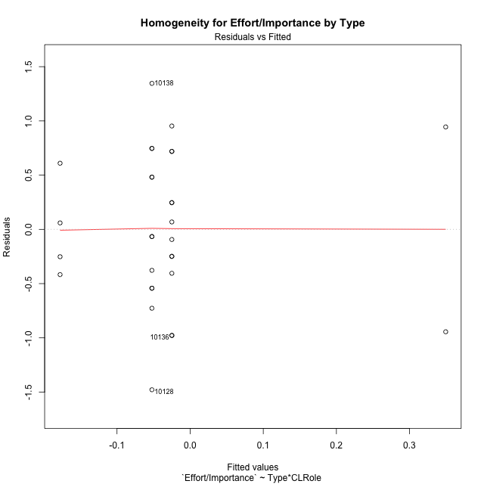

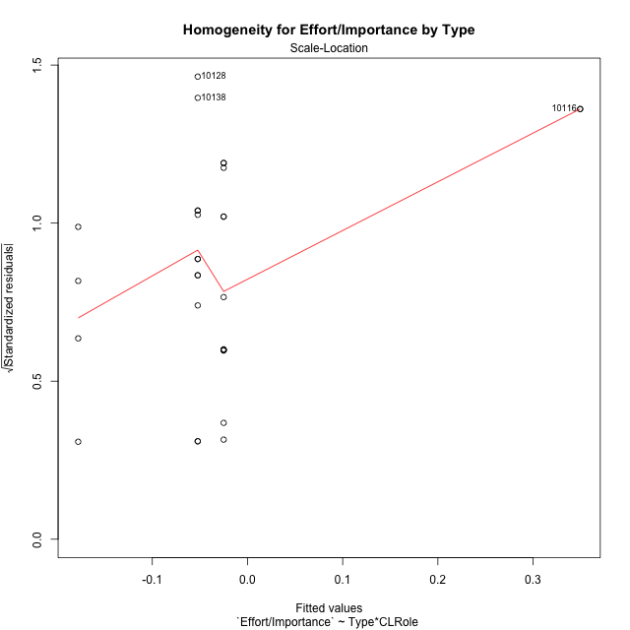

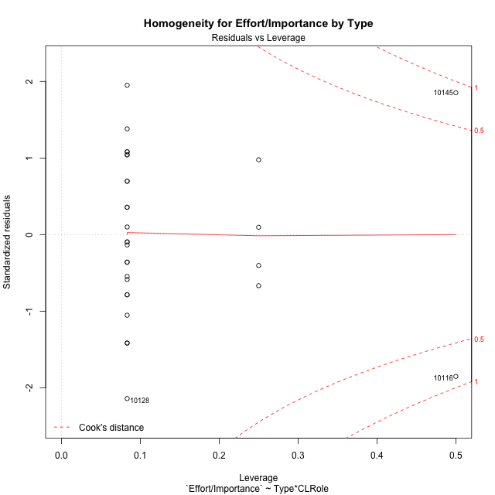

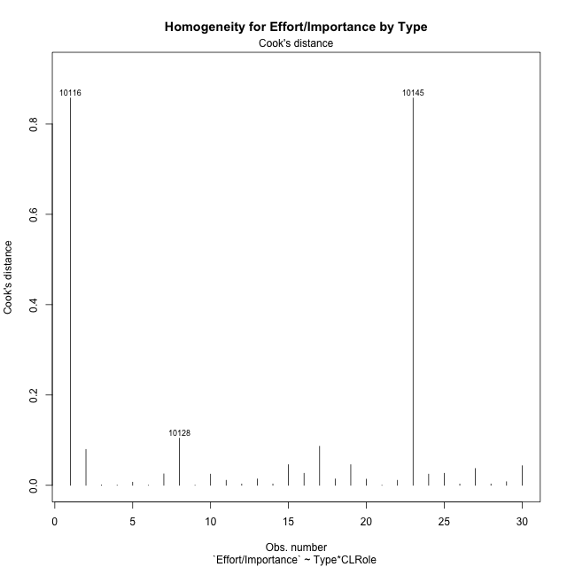

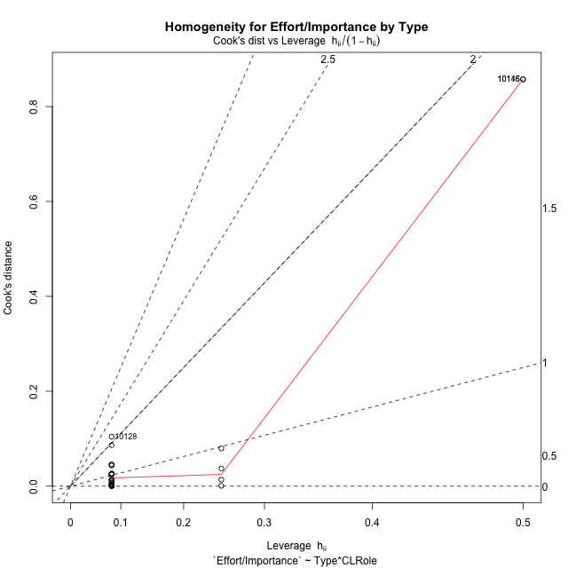

Minimum Sample Size Test for Effort/Importance by Type
Type | CLRole | Freq
non-gamified | Apprentice | 12
ont-gamified | Apprentice | 12
non-gamified | Master | 2
ont-gamified | Master | 4

Errors and Warnings in Sample Size Test for ANOVA in Effort/Importance by Type
code | description
WARN: sample.size | current size is 12 and recommended size is 15 for the group: 'non-gamified:Apprentice'.
WARN: sample.size | current size is 12 and recommended size is 15 for the group: 'ont-gamified:Apprentice'.
FAIL: min.size | current size is 2 but the minimal recomended size is 5 for the group: 'non-gamified:Master'.
FAIL: min.size | current size is 4 but the minimal recomended size is 5 for the group: 'ont-gamified:Master'.

For the group: 'non-gamified:Apprentice', we recommend the use of non-parametric test. For the group: 'ont-gamified:Apprentice', we recommend the use of non-parametric test. For the group: 'non-gamified:Master', we recommend the use of non-parametric test. For the group: 'ont-gamified:Master', we recommend the use of non-parametric test.

Post-hoc
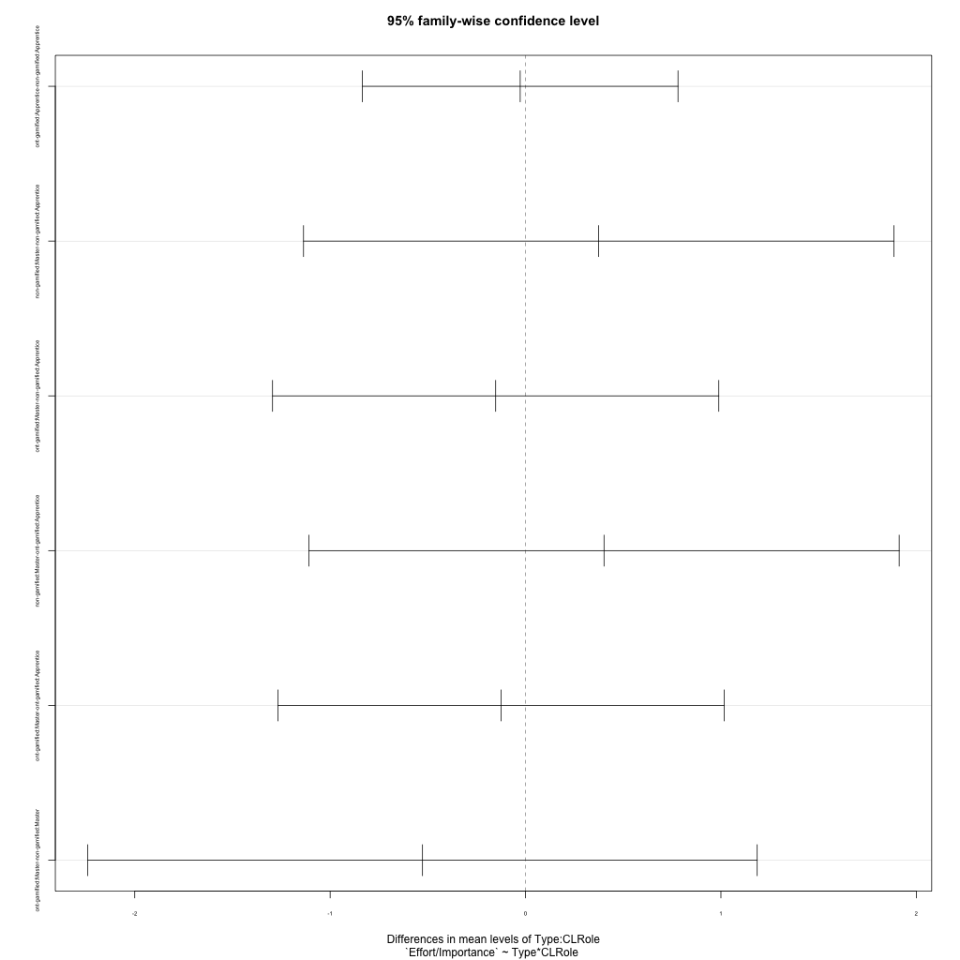
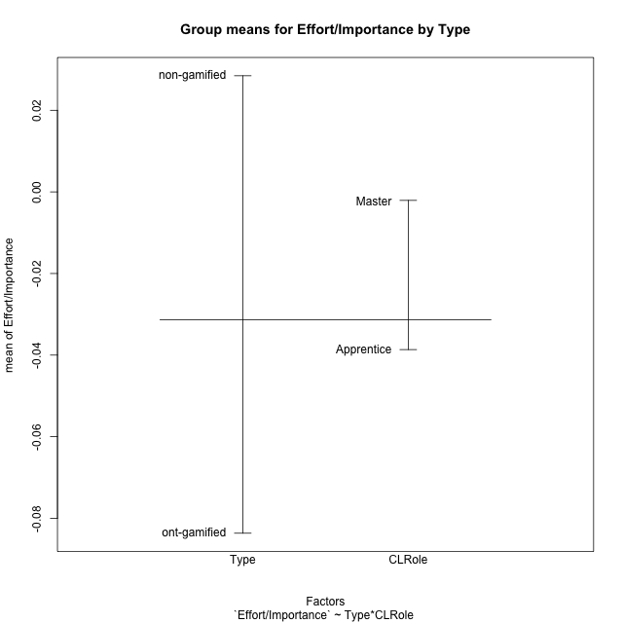
Post-hoc Tukey Honestly Significant Difference (HSD) Test for Effort/Importance by Type

Comparisons of means for Type
 | diff | lwr | upr | p adj
ont-gamified-non-gamified | -0.1121157951 | -0.65449452131 | 0.43026293112 | 0.67440463263

Comparisons of means for CLRole
 | diff | lwr | upr | p adj
Master-Apprentice | 0.055252445845 | -0.62121267661 | 0.7317175683 | 0.86796744462

Comparisons of means for Type:CLRole
 | diff | lwr | upr | p adj
ont-gamified:Apprentice-non-gamified:Apprentice | -0.027220286287 | -0.83472143666 | 0.78028086408 | 0.9997088974
non-gamified:Master-non-gamified:Apprentice | 0.37448770502 | -1.136208617 | 1.8851840271 | 0.90372842765
ont-gamified:Master-non-gamified:Apprentice | -0.15280934723 | -1.2947884257 | 0.98916973125 | 0.98271967118
non-gamified:Master-ont-gamified:Apprentice | 0.4017079913 | -1.1089883308 | 1.9124043134 | 0.88438360848
ont-gamified:Master-ont-gamified:Apprentice | -0.12558906094 | -1.2675681394 | 1.0163900175 | 0.99023233994
ont-gamified:Master-non-gamified:Master | -0.52729705225 | -2.24026567 | 1.1856715655 | 0.8327732737

Contrast Matrices for Effort/Importance by Type - Type
contrast | estimate | SE | df | t.ratio | p.value
non-gamified - ont-gamified | 0.27725866927 | 0.34515808559 | 26 | 0.80328023838 | 0.42909562673

Contrast Matrices for Effort/Importance by Type - Type:CLRole
contrast | CLRole | estimate | SE | df | t.ratio | p.value
non-gamified - ont-gamified | Apprentice | 0.027220286287 | 0.29435180441 | 26 | 0.092475350512 | 0.92702924979
non-gamified - ont-gamified | Master | 0.52729705225 | 0.62441447086 | 26 | 0.84446641911 | 0.40611239924

Least Squares Means and Confidence Intervals for Type
Type | lsmean | SE | df | lower.CL | upper.CL | Pairs
non-gamified | 0.16220646667 | 0.27534090082 | 26 | -0.40376486063 | 0.72817779397 | non-gamified
ont-gamified | -0.11505220259 | 0.20813815695 | 26 | -0.54288631152 | 0.31278190633 | ont-gamified

Least Squares Means and Confidence Intervals for Type:CLRole
Type | CLRole | lsmean | SE | df | lower.CL | upper.CL | Pairs
non-gamified | Apprentice | -0.025037385836 | 0.20813815695 | 26 | -0.45287149476 | 0.40279672309 | non-gamified.Apprentice
ont-gamified | Apprentice | -0.052257672123 | 0.20813815695 | 26 | -0.48009178105 | 0.3755764368 | ont-gamified.Apprentice
non-gamified | Master | 0.34945031918 | 0.50983228054 | 26 | -0.69852494224 | 1.3974255806 | non-gamified.Master
ont-gamified | Master | -0.17784673307 | 0.36050586284 | 26 | -0.91887714693 | 0.5631836808 | ont-gamified.Master

Plots

Type_1
Student's t-Test for Effort/Importance by Type in Type between non-gamified:ont-gamified

Student's t-Test results
Alternative hypothesis: less
Group | N | Mean | Mean.Difference | Std.deviation | Std.error | CI.lower | CI.upper | df | t.value | p.value | g | magnitude
non-gamified | 14 | 0.028460857738 | 0.1121157951 | 0.69618588301 | 0.1860635037 | -0.34366614965 | 0.40058786513 | 27.584831467 | 0.43679671313 | 0.66717050247 | 0.15536154854 | negligible
ont-gamified | 16 | -0.083654937359 | -0.1121157951 | 0.70726065372 | 0.17681516343 | -0.43728526422 | 0.2699753895 | 27.584831467 | 0.43679671313 | 0.66717050247 | 0.15536154854 | negligible
Alternative hypothesis: greater
Group | N | Mean | Mean.Difference | Std.deviation | Std.error | CI.lower | CI.upper | df | t.value | p.value | g | magnitude
non-gamified | 14 | 0.028460857738 | 0.1121157951 | 0.69618588301 | 0.1860635037 | -0.34366614965 | 0.40058786513 | 27.584831467 | 0.43679671313 | 0.33282949753 | 0.15536154854 | negligible
ont-gamified | 16 | -0.083654937359 | -0.1121157951 | 0.70726065372 | 0.17681516343 | -0.43728526422 | 0.2699753895 | 27.584831467 | 0.43679671313 | 0.33282949753 | 0.15536154854 | negligible
Alternative hypothesis: two.sided
Group | N | Mean | Mean.Difference | Std.deviation | Std.error | CI.lower | CI.upper | df | t.value | p.value | g | magnitude
non-gamified | 14 | 0.028460857738 | 0.1121157951 | 0.69618588301 | 0.1860635037 | -0.34366614965 | 0.40058786513 | 27.584831467 | 0.43679671313 | 0.66565899506 | 0.15536154854 | negligible
ont-gamified | 16 | -0.083654937359 | -0.1121157951 | 0.70726065372 | 0.17681516343 | -0.43728526422 | 0.2699753895 | 27.584831467 | 0.43679671313 | 0.66565899506 | 0.15536154854 | negligible

Box plots for Student's t-Test
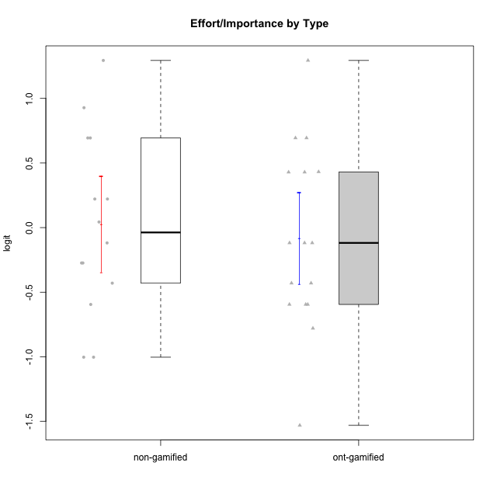

Student's t-Test data
UserID | Type | CLGroup | CLRole | PlayerRole | Interest/Enjoyment | Perceived Choice | Pressure/Tension | Effort/Importance | Intrinsic Motivation
10116 | non-gamified | GroupC | Master |  | -0.11357294579 | -0.84246384474 | 0.207074728 | -0.59479403893 | -0.43947638936
10120 | ont-gamified | Grupo Hélio | Master | Yee Socializer | 1.9055652511 | 1.3724895791 | -0.92888751811 | 0.43187671077 | 1.2745279552
10121 | ont-gamified | Grupo Hades | Master | Yee Achiever | 0.39919386735 | 0.58689611203 | 0.34545624663 | -0.11852834837 | 0.1305263461
10122 | non-gamified | GroupB | Apprentice |  | -2.0523461364 | 1.1695914201 | -0.48810270396 | -0.11852834837 | -0.12829509018
10123 | ont-gamified | Grupo Morfeu | Apprentice | Yee Achiever | -0.83197918173 | 0.23576870755 | 0.207074728 | -0.42994125574 | -0.30830661448
10126 | ont-gamified | Grupo Hélio | Apprentice | Yee Socializer | 1.2733257983 | 1.1695914201 | -0.48810270396 | -0.11852834837 | 0.70312289349
10127 | ont-gamified | Grupo Hades | Apprentice | Yee Achiever | 1.9055652511 | 0.23576870755 | -0.19509897189 | -0.77939890156 | 0.38925850725
10128 | ont-gamified | Grupo Morfeu | Apprentice | Yee Achiever | -2.1860512029 | 0.58689611203 | -0.33626190168 | -1.530751374 | -0.84389969656
10129 | non-gamified | GroupB | Apprentice |  | -1.7851511272 | -0.62243343859 | 1.1760127697 | 0.043437426927 | -1.3842690895
10130 | non-gamified | GroupC | Apprentice |  | 0.55299522042 | -0.30498894625 | 1.1760127697 | 0.69391751569 | -0.11778394501
10131 | ont-gamified | Grupo Zeus | Apprentice | Yee Achiever | 2.3995832302 | -0.95909932617 | -0.86046882355 | 0.42905726588 | 0.68250249838
10132 | non-gamified | GroupA | Apprentice |  | -3.0846876744 | -0.19915646976 | -0.19509897189 | 0.22124465728 | -0.82452702092
10134 | ont-gamified | Grupo Apolo | Apprentice | Yee Socializer | -1.2851216362 | -0.73083108762 | 0.34545624663 | -0.59479403893 | -0.73905075235
10135 | non-gamified | GroupB | Apprentice |  | 0.39919386735 | 0.34922612396 | 0.34545624663 | -0.273828091 | 0.032283913422
10136 | non-gamified | GroupC | Apprentice |  | -3.0846876744 | -1.370717033 | 0.073157005293 | -1.0029936954 | -1.4862865703
10137 | ont-gamified | Grupo Morfeu | Apprentice | Yee Achiever | 1.4744559961 | 1.3724895791 | -1.2956562305 | 0.69391751569 | 1.3321669013
10138 | ont-gamified | Grupo Hélio | Apprentice | Yee Socializer | 0.55299522042 | -0.41039697569 | 0.34545624663 | 1.2936946773 | 0.4248543794
10139 | ont-gamified | Grupo Zeus | Apprentice | Yee Achiever | -0.22343251553 | 0.12466021952 | -0.48810270396 | -0.59479403893 | -0.051365907743
10140 | non-gamified | GroupC | Apprentice |  | -1.0446754489 | -0.19915646976 | 0.84536116149 | -1.0029936954 | -0.7732129403
10141 | ont-gamified | Grupo Apolo | Master | Yee Socializer | 0.0020687155691 | -0.41039697569 | -0.059821730394 | -0.42994125574 | -0.19461194637
10142 | ont-gamified | Grupo Hades | Apprentice | Yee Achiever | 0.55299522042 | -0.30498894625 | -0.86046882355 | -0.11852834837 | 0.24748668734
10143 | ont-gamified | Grupo Apolo | Apprentice | Yee Socializer | 0.12501694921 | 0.34922612396 | -0.059821730394 | 0.42905726588 | 0.24078051736
10145 | non-gamified | GroupB | Master |  | -0.63100885186 | -0.84246384474 | 0.49281785314 | 1.2936946773 | -0.016003757564
10146 | non-gamified | GroupA | Apprentice |  | 0.89459676096 | 0.34922612396 | -0.33626190168 | 0.69391751569 | 0.56850057557
10148 | ont-gamified | Grupo Apolo | Apprentice | Yee Socializer | 0.25688594663 | 0.71417324881 | 0.84536116149 | 0.69391751569 | 0.20490388741
10149 | non-gamified | GroupA | Apprentice |  | -0.93606252105 | -1.0832149658 | 1.1760127697 | 0.22124465728 | -1.2427405122
10152 | ont-gamified | Grupo Morfeu | Master | Yee Achiever | 3.1382402907 | 0.71417324881 | -0.19509897189 | -0.59479403893 | 1.3837694218
10153 | non-gamified | GroupA | Apprentice |  | 0.55299522042 | -0.19915646976 | -0.33626190168 | -0.273828091 | 0.10406814034
10154 | non-gamified | GroupC | Apprentice |  | -1.160003562 | -1.2184796928 | 0.49281785314 | -0.42994125574 | -0.82531059092
10158 | non-gamified | GroupD | Apprentice |  | 2.8511175231 | 0.58689611203 | -1.2956562305 | 0.92790277393 | 1.0879773457

Type_CLRole_1
Student's t-Test for Effort/Importance by Type in Type:CLRole between non-gamified.Apprentice:non-gamified.Master

Student's t-Test results
Alternative hypothesis: less
Group | N | Mean | Mean.Difference | Std.deviation | Std.error | CI.lower | CI.upper | df | t.value | p.value | g | magnitude
non-gamified.Apprentice | 12 | -0.025037385836 | -0.37448770502 | 0.62356483654 | 0.18000766312 | -0.38505271207 | 0.3349779404 | 1.0738765582 | -0.38958438272 | 0.37997204586 | -0.49332580192 | small
non-gamified.Master | 2 | 0.34945031918 | 0.37448770502 | 1.3353631774 | 0.94424435811 | -1.539038397 | 2.2379390354 | 1.0738765582 | -0.38958438272 | 0.37997204586 | -0.49332580192 | small
Alternative hypothesis: greater
Group | N | Mean | Mean.Difference | Std.deviation | Std.error | CI.lower | CI.upper | df | t.value | p.value | g | magnitude
non-gamified.Apprentice | 12 | -0.025037385836 | -0.37448770502 | 0.62356483654 | 0.18000766312 | -0.38505271207 | 0.3349779404 | 1.0738765582 | -0.38958438272 | 0.62002795414 | -0.49332580192 | small
non-gamified.Master | 2 | 0.34945031918 | 0.37448770502 | 1.3353631774 | 0.94424435811 | -1.539038397 | 2.2379390354 | 1.0738765582 | -0.38958438272 | 0.62002795414 | -0.49332580192 | small
Alternative hypothesis: two.sided
Group | N | Mean | Mean.Difference | Std.deviation | Std.error | CI.lower | CI.upper | df | t.value | p.value | g | magnitude
non-gamified.Apprentice | 12 | -0.025037385836 | -0.37448770502 | 0.62356483654 | 0.18000766312 | -0.38505271207 | 0.3349779404 | 1.0738765582 | -0.38958438272 | 0.75994409173 | -0.49332580192 | small
non-gamified.Master | 2 | 0.34945031918 | 0.37448770502 | 1.3353631774 | 0.94424435811 | -1.539038397 | 2.2379390354 | 1.0738765582 | -0.38958438272 | 0.75994409173 | -0.49332580192 | small

Box plots for Student's t-Test
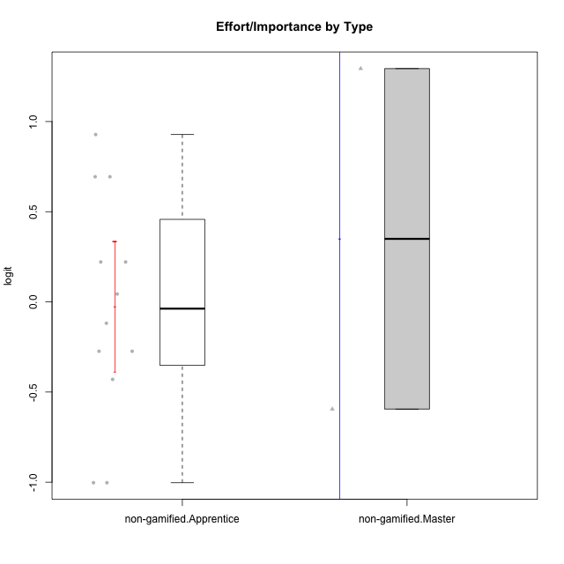

Student's t-Test data
UserID | Type | CLGroup | CLRole | PlayerRole | Interest/Enjoyment | Perceived Choice | Pressure/Tension | Effort/Importance | Intrinsic Motivation
10116 | non-gamified | GroupC | Master |  | -0.11357294579 | -0.84246384474 | 0.207074728 | -0.59479403893 | -0.43947638936
10122 | non-gamified | GroupB | Apprentice |  | -2.0523461364 | 1.1695914201 | -0.48810270396 | -0.11852834837 | -0.12829509018
10129 | non-gamified | GroupB | Apprentice |  | -1.7851511272 | -0.62243343859 | 1.1760127697 | 0.043437426927 | -1.3842690895
10130 | non-gamified | GroupC | Apprentice |  | 0.55299522042 | -0.30498894625 | 1.1760127697 | 0.69391751569 | -0.11778394501
10132 | non-gamified | GroupA | Apprentice |  | -3.0846876744 | -0.19915646976 | -0.19509897189 | 0.22124465728 | -0.82452702092
10135 | non-gamified | GroupB | Apprentice |  | 0.39919386735 | 0.34922612396 | 0.34545624663 | -0.273828091 | 0.032283913422
10136 | non-gamified | GroupC | Apprentice |  | -3.0846876744 | -1.370717033 | 0.073157005293 | -1.0029936954 | -1.4862865703
10140 | non-gamified | GroupC | Apprentice |  | -1.0446754489 | -0.19915646976 | 0.84536116149 | -1.0029936954 | -0.7732129403
10145 | non-gamified | GroupB | Master |  | -0.63100885186 | -0.84246384474 | 0.49281785314 | 1.2936946773 | -0.016003757564
10146 | non-gamified | GroupA | Apprentice |  | 0.89459676096 | 0.34922612396 | -0.33626190168 | 0.69391751569 | 0.56850057557
10149 | non-gamified | GroupA | Apprentice |  | -0.93606252105 | -1.0832149658 | 1.1760127697 | 0.22124465728 | -1.2427405122
10153 | non-gamified | GroupA | Apprentice |  | 0.55299522042 | -0.19915646976 | -0.33626190168 | -0.273828091 | 0.10406814034
10154 | non-gamified | GroupC | Apprentice |  | -1.160003562 | -1.2184796928 | 0.49281785314 | -0.42994125574 | -0.82531059092
10158 | non-gamified | GroupD | Apprentice |  | 2.8511175231 | 0.58689611203 | -1.2956562305 | 0.92790277393 | 1.0879773457

Type_CLRole_2
Student's t-Test for Effort/Importance by Type in Type:CLRole between non-gamified.Apprentice:ont-gamified.Apprentice

Student's t-Test results
Alternative hypothesis: less
Group | N | Mean | Mean.Difference | Std.deviation | Std.error | CI.lower | CI.upper | df | t.value | p.value | g | magnitude
non-gamified.Apprentice | 12 | -0.025037385836 | 0.027220286287 | 0.62356483654 | 0.18000766312 | -0.38505271207 | 0.3349779404 | 20.887763313 | 0.093781853103 | 0.53691189256 | 0.036966064613 | negligible
ont-gamified.Apprentice | 12 | -0.052257672123 | -0.027220286287 | 0.7887428775 | 0.22769045632 | -0.50763858477 | 0.40312324052 | 20.887763313 | 0.093781853103 | 0.53691189256 | 0.036966064613 | negligible
Alternative hypothesis: greater
Group | N | Mean | Mean.Difference | Std.deviation | Std.error | CI.lower | CI.upper | df | t.value | p.value | g | magnitude
non-gamified.Apprentice | 12 | -0.025037385836 | 0.027220286287 | 0.62356483654 | 0.18000766312 | -0.38505271207 | 0.3349779404 | 20.887763313 | 0.093781853103 | 0.46308810744 | 0.036966064613 | negligible
ont-gamified.Apprentice | 12 | -0.052257672123 | -0.027220286287 | 0.7887428775 | 0.22769045632 | -0.50763858477 | 0.40312324052 | 20.887763313 | 0.093781853103 | 0.46308810744 | 0.036966064613 | negligible
Alternative hypothesis: two.sided
Group | N | Mean | Mean.Difference | Std.deviation | Std.error | CI.lower | CI.upper | df | t.value | p.value | g | magnitude
non-gamified.Apprentice | 12 | -0.025037385836 | 0.027220286287 | 0.62356483654 | 0.18000766312 | -0.38505271207 | 0.3349779404 | 20.887763313 | 0.093781853103 | 0.92617621488 | 0.036966064613 | negligible
ont-gamified.Apprentice | 12 | -0.052257672123 | -0.027220286287 | 0.7887428775 | 0.22769045632 | -0.50763858477 | 0.40312324052 | 20.887763313 | 0.093781853103 | 0.92617621488 | 0.036966064613 | negligible

Box plots for Student's t-Test
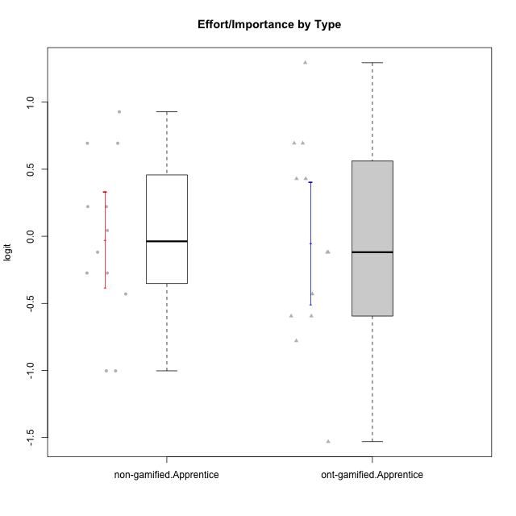

Student's t-Test data
UserID | Type | CLGroup | CLRole | PlayerRole | Interest/Enjoyment | Perceived Choice | Pressure/Tension | Effort/Importance | Intrinsic Motivation
10122 | non-gamified | GroupB | Apprentice |  | -2.0523461364 | 1.1695914201 | -0.48810270396 | -0.11852834837 | -0.12829509018
10123 | ont-gamified | Grupo Morfeu | Apprentice | Yee Achiever | -0.83197918173 | 0.23576870755 | 0.207074728 | -0.42994125574 | -0.30830661448
10126 | ont-gamified | Grupo Hélio | Apprentice | Yee Socializer | 1.2733257983 | 1.1695914201 | -0.48810270396 | -0.11852834837 | 0.70312289349
10127 | ont-gamified | Grupo Hades | Apprentice | Yee Achiever | 1.9055652511 | 0.23576870755 | -0.19509897189 | -0.77939890156 | 0.38925850725
10128 | ont-gamified | Grupo Morfeu | Apprentice | Yee Achiever | -2.1860512029 | 0.58689611203 | -0.33626190168 | -1.530751374 | -0.84389969656
10129 | non-gamified | GroupB | Apprentice |  | -1.7851511272 | -0.62243343859 | 1.1760127697 | 0.043437426927 | -1.3842690895
10130 | non-gamified | GroupC | Apprentice |  | 0.55299522042 | -0.30498894625 | 1.1760127697 | 0.69391751569 | -0.11778394501
10131 | ont-gamified | Grupo Zeus | Apprentice | Yee Achiever | 2.3995832302 | -0.95909932617 | -0.86046882355 | 0.42905726588 | 0.68250249838
10132 | non-gamified | GroupA | Apprentice |  | -3.0846876744 | -0.19915646976 | -0.19509897189 | 0.22124465728 | -0.82452702092
10134 | ont-gamified | Grupo Apolo | Apprentice | Yee Socializer | -1.2851216362 | -0.73083108762 | 0.34545624663 | -0.59479403893 | -0.73905075235
10135 | non-gamified | GroupB | Apprentice |  | 0.39919386735 | 0.34922612396 | 0.34545624663 | -0.273828091 | 0.032283913422
10136 | non-gamified | GroupC | Apprentice |  | -3.0846876744 | -1.370717033 | 0.073157005293 | -1.0029936954 | -1.4862865703
10137 | ont-gamified | Grupo Morfeu | Apprentice | Yee Achiever | 1.4744559961 | 1.3724895791 | -1.2956562305 | 0.69391751569 | 1.3321669013
10138 | ont-gamified | Grupo Hélio | Apprentice | Yee Socializer | 0.55299522042 | -0.41039697569 | 0.34545624663 | 1.2936946773 | 0.4248543794
10139 | ont-gamified | Grupo Zeus | Apprentice | Yee Achiever | -0.22343251553 | 0.12466021952 | -0.48810270396 | -0.59479403893 | -0.051365907743
10140 | non-gamified | GroupC | Apprentice |  | -1.0446754489 | -0.19915646976 | 0.84536116149 | -1.0029936954 | -0.7732129403
10142 | ont-gamified | Grupo Hades | Apprentice | Yee Achiever | 0.55299522042 | -0.30498894625 | -0.86046882355 | -0.11852834837 | 0.24748668734
10143 | ont-gamified | Grupo Apolo | Apprentice | Yee Socializer | 0.12501694921 | 0.34922612396 | -0.059821730394 | 0.42905726588 | 0.24078051736
10146 | non-gamified | GroupA | Apprentice |  | 0.89459676096 | 0.34922612396 | -0.33626190168 | 0.69391751569 | 0.56850057557
10148 | ont-gamified | Grupo Apolo | Apprentice | Yee Socializer | 0.25688594663 | 0.71417324881 | 0.84536116149 | 0.69391751569 | 0.20490388741
10149 | non-gamified | GroupA | Apprentice |  | -0.93606252105 | -1.0832149658 | 1.1760127697 | 0.22124465728 | -1.2427405122
10153 | non-gamified | GroupA | Apprentice |  | 0.55299522042 | -0.19915646976 | -0.33626190168 | -0.273828091 | 0.10406814034
10154 | non-gamified | GroupC | Apprentice |  | -1.160003562 | -1.2184796928 | 0.49281785314 | -0.42994125574 | -0.82531059092
10158 | non-gamified | GroupD | Apprentice |  | 2.8511175231 | 0.58689611203 | -1.2956562305 | 0.92790277393 | 1.0879773457

Type_CLRole_3
Student's t-Test for Effort/Importance by Type in Type:CLRole between non-gamified.Apprentice:ont-gamified.Master

Student's t-Test results
Alternative hypothesis: less
Group | N | Mean | Mean.Difference | Std.deviation | Std.error | CI.lower | CI.upper | df | t.value | p.value | g | magnitude
non-gamified.Apprentice | 12 | -0.025037385836 | 0.15280934723 | 0.62356483654 | 0.18000766312 | -0.38505271207 | 0.3349779404 | 7.2227879226 | 0.52894759564 | 0.69364861886 | 0.24445964111 | small
ont-gamified.Master | 4 | -0.17784673307 | -0.15280934723 | 0.45191372811 | 0.22595686405 | -0.62976046117 | 0.27406699504 | 7.2227879226 | 0.52894759564 | 0.69364861886 | 0.24445964111 | small
Alternative hypothesis: greater
Group | N | Mean | Mean.Difference | Std.deviation | Std.error | CI.lower | CI.upper | df | t.value | p.value | g | magnitude
non-gamified.Apprentice | 12 | -0.025037385836 | 0.15280934723 | 0.62356483654 | 0.18000766312 | -0.38505271207 | 0.3349779404 | 7.2227879226 | 0.52894759564 | 0.30635138114 | 0.24445964111 | small
ont-gamified.Master | 4 | -0.17784673307 | -0.15280934723 | 0.45191372811 | 0.22595686405 | -0.62976046117 | 0.27406699504 | 7.2227879226 | 0.52894759564 | 0.30635138114 | 0.24445964111 | small
Alternative hypothesis: two.sided
Group | N | Mean | Mean.Difference | Std.deviation | Std.error | CI.lower | CI.upper | df | t.value | p.value | g | magnitude
non-gamified.Apprentice | 12 | -0.025037385836 | 0.15280934723 | 0.62356483654 | 0.18000766312 | -0.38505271207 | 0.3349779404 | 7.2227879226 | 0.52894759564 | 0.61270276228 | 0.24445964111 | small
ont-gamified.Master | 4 | -0.17784673307 | -0.15280934723 | 0.45191372811 | 0.22595686405 | -0.62976046117 | 0.27406699504 | 7.2227879226 | 0.52894759564 | 0.61270276228 | 0.24445964111 | small

Box plots for Student's t-Test
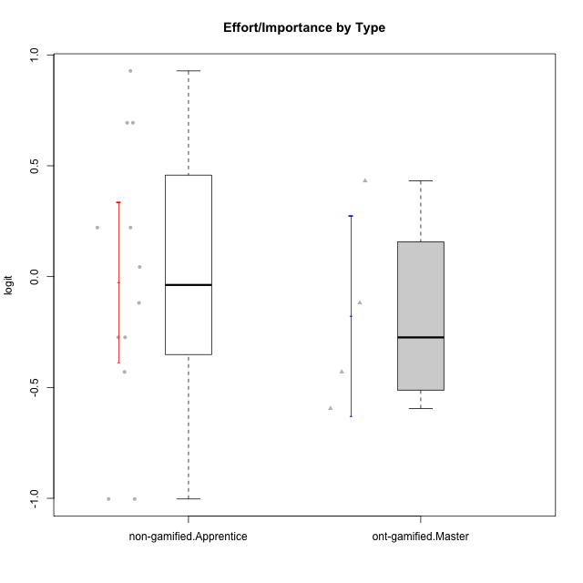

Student's t-Test data
UserID | Type | CLGroup | CLRole | PlayerRole | Interest/Enjoyment | Perceived Choice | Pressure/Tension | Effort/Importance | Intrinsic Motivation
10120 | ont-gamified | Grupo Hélio | Master | Yee Socializer | 1.9055652511 | 1.3724895791 | -0.92888751811 | 0.43187671077 | 1.2745279552
10121 | ont-gamified | Grupo Hades | Master | Yee Achiever | 0.39919386735 | 0.58689611203 | 0.34545624663 | -0.11852834837 | 0.1305263461
10122 | non-gamified | GroupB | Apprentice |  | -2.0523461364 | 1.1695914201 | -0.48810270396 | -0.11852834837 | -0.12829509018
10129 | non-gamified | GroupB | Apprentice |  | -1.7851511272 | -0.62243343859 | 1.1760127697 | 0.043437426927 | -1.3842690895
10130 | non-gamified | GroupC | Apprentice |  | 0.55299522042 | -0.30498894625 | 1.1760127697 | 0.69391751569 | -0.11778394501
10132 | non-gamified | GroupA | Apprentice |  | -3.0846876744 | -0.19915646976 | -0.19509897189 | 0.22124465728 | -0.82452702092
10135 | non-gamified | GroupB | Apprentice |  | 0.39919386735 | 0.34922612396 | 0.34545624663 | -0.273828091 | 0.032283913422
10136 | non-gamified | GroupC | Apprentice |  | -3.0846876744 | -1.370717033 | 0.073157005293 | -1.0029936954 | -1.4862865703
10140 | non-gamified | GroupC | Apprentice |  | -1.0446754489 | -0.19915646976 | 0.84536116149 | -1.0029936954 | -0.7732129403
10141 | ont-gamified | Grupo Apolo | Master | Yee Socializer | 0.0020687155691 | -0.41039697569 | -0.059821730394 | -0.42994125574 | -0.19461194637
10146 | non-gamified | GroupA | Apprentice |  | 0.89459676096 | 0.34922612396 | -0.33626190168 | 0.69391751569 | 0.56850057557
10149 | non-gamified | GroupA | Apprentice |  | -0.93606252105 | -1.0832149658 | 1.1760127697 | 0.22124465728 | -1.2427405122
10152 | ont-gamified | Grupo Morfeu | Master | Yee Achiever | 3.1382402907 | 0.71417324881 | -0.19509897189 | -0.59479403893 | 1.3837694218
10153 | non-gamified | GroupA | Apprentice |  | 0.55299522042 | -0.19915646976 | -0.33626190168 | -0.273828091 | 0.10406814034
10154 | non-gamified | GroupC | Apprentice |  | -1.160003562 | -1.2184796928 | 0.49281785314 | -0.42994125574 | -0.82531059092
10158 | non-gamified | GroupD | Apprentice |  | 2.8511175231 | 0.58689611203 | -1.2956562305 | 0.92790277393 | 1.0879773457

Type_CLRole_4
Student's t-Test for Effort/Importance by Type in Type:CLRole between non-gamified.Master:ont-gamified.Apprentice

Student's t-Test results
Alternative hypothesis: less
Group | N | Mean | Mean.Difference | Std.deviation | Std.error | CI.lower | CI.upper | df | t.value | p.value | g | magnitude
non-gamified.Master | 2 | 0.34945031918 | 0.4017079913 | 1.3353631774 | 0.94424435811 | -1.539038397 | 2.2379390354 | 1.1193292062 | 0.41357401841 | 0.62779391811 | 0.44354687181 | small
ont-gamified.Apprentice | 12 | -0.052257672123 | -0.4017079913 | 0.7887428775 | 0.22769045632 | -0.50763858477 | 0.40312324052 | 1.1193292062 | 0.41357401841 | 0.62779391811 | 0.44354687181 | small
Alternative hypothesis: greater
Group | N | Mean | Mean.Difference | Std.deviation | Std.error | CI.lower | CI.upper | df | t.value | p.value | g | magnitude
non-gamified.Master | 2 | 0.34945031918 | 0.4017079913 | 1.3353631774 | 0.94424435811 | -1.539038397 | 2.2379390354 | 1.1193292062 | 0.41357401841 | 0.37220608189 | 0.44354687181 | small
ont-gamified.Apprentice | 12 | -0.052257672123 | -0.4017079913 | 0.7887428775 | 0.22769045632 | -0.50763858477 | 0.40312324052 | 1.1193292062 | 0.41357401841 | 0.37220608189 | 0.44354687181 | small
Alternative hypothesis: two.sided
Group | N | Mean | Mean.Difference | Std.deviation | Std.error | CI.lower | CI.upper | df | t.value | p.value | g | magnitude
non-gamified.Master | 2 | 0.34945031918 | 0.4017079913 | 1.3353631774 | 0.94424435811 | -1.539038397 | 2.2379390354 | 1.1193292062 | 0.41357401841 | 0.74441216378 | 0.44354687181 | small
ont-gamified.Apprentice | 12 | -0.052257672123 | -0.4017079913 | 0.7887428775 | 0.22769045632 | -0.50763858477 | 0.40312324052 | 1.1193292062 | 0.41357401841 | 0.74441216378 | 0.44354687181 | small

Box plots for Student's t-Test
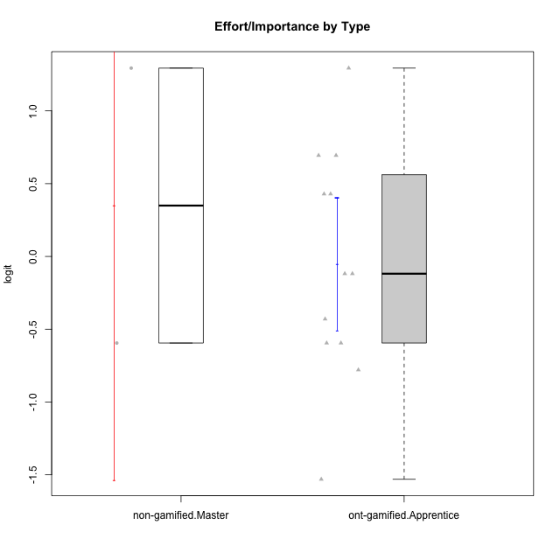

Student's t-Test data
UserID | Type | CLGroup | CLRole | PlayerRole | Interest/Enjoyment | Perceived Choice | Pressure/Tension | Effort/Importance | Intrinsic Motivation
10116 | non-gamified | GroupC | Master |  | -0.11357294579 | -0.84246384474 | 0.207074728 | -0.59479403893 | -0.43947638936
10123 | ont-gamified | Grupo Morfeu | Apprentice | Yee Achiever | -0.83197918173 | 0.23576870755 | 0.207074728 | -0.42994125574 | -0.30830661448
10126 | ont-gamified | Grupo Hélio | Apprentice | Yee Socializer | 1.2733257983 | 1.1695914201 | -0.48810270396 | -0.11852834837 | 0.70312289349
10127 | ont-gamified | Grupo Hades | Apprentice | Yee Achiever | 1.9055652511 | 0.23576870755 | -0.19509897189 | -0.77939890156 | 0.38925850725
10128 | ont-gamified | Grupo Morfeu | Apprentice | Yee Achiever | -2.1860512029 | 0.58689611203 | -0.33626190168 | -1.530751374 | -0.84389969656
10131 | ont-gamified | Grupo Zeus | Apprentice | Yee Achiever | 2.3995832302 | -0.95909932617 | -0.86046882355 | 0.42905726588 | 0.68250249838
10134 | ont-gamified | Grupo Apolo | Apprentice | Yee Socializer | -1.2851216362 | -0.73083108762 | 0.34545624663 | -0.59479403893 | -0.73905075235
10137 | ont-gamified | Grupo Morfeu | Apprentice | Yee Achiever | 1.4744559961 | 1.3724895791 | -1.2956562305 | 0.69391751569 | 1.3321669013
10138 | ont-gamified | Grupo Hélio | Apprentice | Yee Socializer | 0.55299522042 | -0.41039697569 | 0.34545624663 | 1.2936946773 | 0.4248543794
10139 | ont-gamified | Grupo Zeus | Apprentice | Yee Achiever | -0.22343251553 | 0.12466021952 | -0.48810270396 | -0.59479403893 | -0.051365907743
10142 | ont-gamified | Grupo Hades | Apprentice | Yee Achiever | 0.55299522042 | -0.30498894625 | -0.86046882355 | -0.11852834837 | 0.24748668734
10143 | ont-gamified | Grupo Apolo | Apprentice | Yee Socializer | 0.12501694921 | 0.34922612396 | -0.059821730394 | 0.42905726588 | 0.24078051736
10145 | non-gamified | GroupB | Master |  | -0.63100885186 | -0.84246384474 | 0.49281785314 | 1.2936946773 | -0.016003757564
10148 | ont-gamified | Grupo Apolo | Apprentice | Yee Socializer | 0.25688594663 | 0.71417324881 | 0.84536116149 | 0.69391751569 | 0.20490388741

Type_CLRole_5
Student's t-Test for Effort/Importance by Type in Type:CLRole between non-gamified.Master:ont-gamified.Master

Student's t-Test results
Alternative hypothesis: less
Group | N | Mean | Mean.Difference | Std.deviation | Std.error | CI.lower | CI.upper | df | t.value | p.value | g | magnitude
non-gamified.Master | 2 | 0.34945031918 | 0.52729705225 | 1.3353631774 | 0.94424435811 | -1.539038397 | 2.2379390354 | 1.1165868383 | 0.54309925413 | 0.6622690935 | 0.54505890751 | medium
ont-gamified.Master | 4 | -0.17784673307 | -0.52729705225 | 0.45191372811 | 0.22595686405 | -0.62976046117 | 0.27406699504 | 1.1165868383 | 0.54309925413 | 0.6622690935 | 0.54505890751 | medium
Alternative hypothesis: greater
Group | N | Mean | Mean.Difference | Std.deviation | Std.error | CI.lower | CI.upper | df | t.value | p.value | g | magnitude
non-gamified.Master | 2 | 0.34945031918 | 0.52729705225 | 1.3353631774 | 0.94424435811 | -1.539038397 | 2.2379390354 | 1.1165868383 | 0.54309925413 | 0.3377309065 | 0.54505890751 | medium
ont-gamified.Master | 4 | -0.17784673307 | -0.52729705225 | 0.45191372811 | 0.22595686405 | -0.62976046117 | 0.27406699504 | 1.1165868383 | 0.54309925413 | 0.3377309065 | 0.54505890751 | medium
Alternative hypothesis: two.sided
Group | N | Mean | Mean.Difference | Std.deviation | Std.error | CI.lower | CI.upper | df | t.value | p.value | g | magnitude
non-gamified.Master | 2 | 0.34945031918 | 0.52729705225 | 1.3353631774 | 0.94424435811 | -1.539038397 | 2.2379390354 | 1.1165868383 | 0.54309925413 | 0.675461813 | 0.54505890751 | medium
ont-gamified.Master | 4 | -0.17784673307 | -0.52729705225 | 0.45191372811 | 0.22595686405 | -0.62976046117 | 0.27406699504 | 1.1165868383 | 0.54309925413 | 0.675461813 | 0.54505890751 | medium

Box plots for Student's t-Test
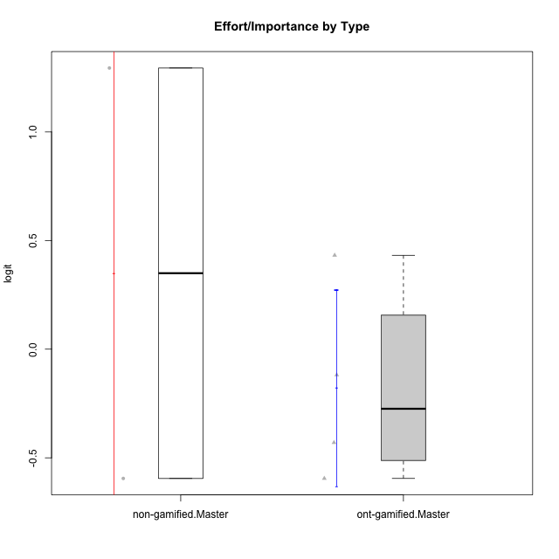

Student's t-Test data
UserID | Type | CLGroup | CLRole | PlayerRole | Interest/Enjoyment | Perceived Choice | Pressure/Tension | Effort/Importance | Intrinsic Motivation
10116 | non-gamified | GroupC | Master |  | -0.11357294579 | -0.84246384474 | 0.207074728 | -0.59479403893 | -0.43947638936
10120 | ont-gamified | Grupo Hélio | Master | Yee Socializer | 1.9055652511 | 1.3724895791 | -0.92888751811 | 0.43187671077 | 1.2745279552
10121 | ont-gamified | Grupo Hades | Master | Yee Achiever | 0.39919386735 | 0.58689611203 | 0.34545624663 | -0.11852834837 | 0.1305263461
10141 | ont-gamified | Grupo Apolo | Master | Yee Socializer | 0.0020687155691 | -0.41039697569 | -0.059821730394 | -0.42994125574 | -0.19461194637
10145 | non-gamified | GroupB | Master |  | -0.63100885186 | -0.84246384474 | 0.49281785314 | 1.2936946773 | -0.016003757564
10152 | ont-gamified | Grupo Morfeu | Master | Yee Achiever | 3.1382402907 | 0.71417324881 | -0.19509897189 | -0.59479403893 | 1.3837694218

Type_CLRole_6
Student's t-Test for Effort/Importance by Type in Type:CLRole between ont-gamified.Apprentice:ont-gamified.Master

Student's t-Test results
Alternative hypothesis: less
Group | N | Mean | Mean.Difference | Std.deviation | Std.error | CI.lower | CI.upper | df | t.value | p.value | g | magnitude
ont-gamified.Apprentice | 12 | -0.052257672123 | 0.12558906094 | 0.7887428775 | 0.22769045632 | -0.50763858477 | 0.40312324052 | 9.5110916727 | 0.39151219118 | 0.64797689079 | 0.16270656978 | negligible
ont-gamified.Master | 4 | -0.17784673307 | -0.12558906094 | 0.45191372811 | 0.22595686405 | -0.62976046117 | 0.27406699504 | 9.5110916727 | 0.39151219118 | 0.64797689079 | 0.16270656978 | negligible
Alternative hypothesis: greater
Group | N | Mean | Mean.Difference | Std.deviation | Std.error | CI.lower | CI.upper | df | t.value | p.value | g | magnitude
ont-gamified.Apprentice | 12 | -0.052257672123 | 0.12558906094 | 0.7887428775 | 0.22769045632 | -0.50763858477 | 0.40312324052 | 9.5110916727 | 0.39151219118 | 0.35202310921 | 0.16270656978 | negligible
ont-gamified.Master | 4 | -0.17784673307 | -0.12558906094 | 0.45191372811 | 0.22595686405 | -0.62976046117 | 0.27406699504 | 9.5110916727 | 0.39151219118 | 0.35202310921 | 0.16270656978 | negligible
Alternative hypothesis: two.sided
Group | N | Mean | Mean.Difference | Std.deviation | Std.error | CI.lower | CI.upper | df | t.value | p.value | g | magnitude
ont-gamified.Apprentice | 12 | -0.052257672123 | 0.12558906094 | 0.7887428775 | 0.22769045632 | -0.50763858477 | 0.40312324052 | 9.5110916727 | 0.39151219118 | 0.70404621841 | 0.16270656978 | negligible
ont-gamified.Master | 4 | -0.17784673307 | -0.12558906094 | 0.45191372811 | 0.22595686405 | -0.62976046117 | 0.27406699504 | 9.5110916727 | 0.39151219118 | 0.70404621841 | 0.16270656978 | negligible

Box plots for Student's t-Test
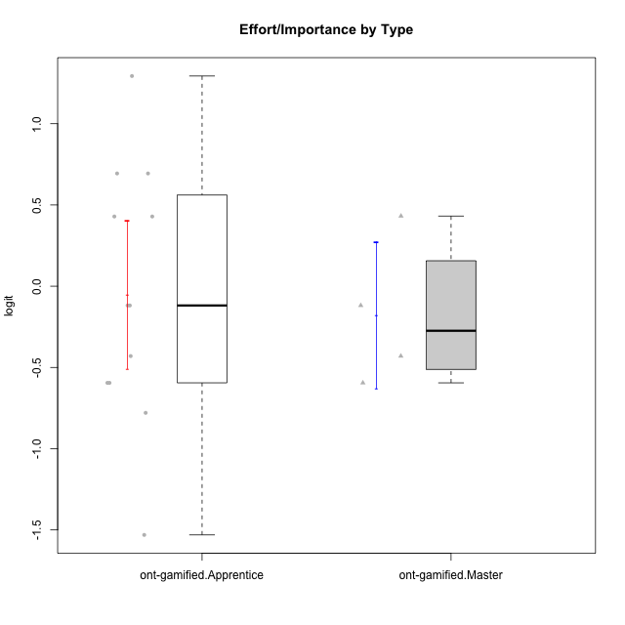

Student's t-Test data
UserID | Type | CLGroup | CLRole | PlayerRole | Interest/Enjoyment | Perceived Choice | Pressure/Tension | Effort/Importance | Intrinsic Motivation
10120 | ont-gamified | Grupo Hélio | Master | Yee Socializer | 1.9055652511 | 1.3724895791 | -0.92888751811 | 0.43187671077 | 1.2745279552
10121 | ont-gamified | Grupo Hades | Master | Yee Achiever | 0.39919386735 | 0.58689611203 | 0.34545624663 | -0.11852834837 | 0.1305263461
10123 | ont-gamified | Grupo Morfeu | Apprentice | Yee Achiever | -0.83197918173 | 0.23576870755 | 0.207074728 | -0.42994125574 | -0.30830661448
10126 | ont-gamified | Grupo Hélio | Apprentice | Yee Socializer | 1.2733257983 | 1.1695914201 | -0.48810270396 | -0.11852834837 | 0.70312289349
10127 | ont-gamified | Grupo Hades | Apprentice | Yee Achiever | 1.9055652511 | 0.23576870755 | -0.19509897189 | -0.77939890156 | 0.38925850725
10128 | ont-gamified | Grupo Morfeu | Apprentice | Yee Achiever | -2.1860512029 | 0.58689611203 | -0.33626190168 | -1.530751374 | -0.84389969656
10131 | ont-gamified | Grupo Zeus | Apprentice | Yee Achiever | 2.3995832302 | -0.95909932617 | -0.86046882355 | 0.42905726588 | 0.68250249838
10134 | ont-gamified | Grupo Apolo | Apprentice | Yee Socializer | -1.2851216362 | -0.73083108762 | 0.34545624663 | -0.59479403893 | -0.73905075235
10137 | ont-gamified | Grupo Morfeu | Apprentice | Yee Achiever | 1.4744559961 | 1.3724895791 | -1.2956562305 | 0.69391751569 | 1.3321669013
10138 | ont-gamified | Grupo Hélio | Apprentice | Yee Socializer | 0.55299522042 | -0.41039697569 | 0.34545624663 | 1.2936946773 | 0.4248543794
10139 | ont-gamified | Grupo Zeus | Apprentice | Yee Achiever | -0.22343251553 | 0.12466021952 | -0.48810270396 | -0.59479403893 | -0.051365907743
10141 | ont-gamified | Grupo Apolo | Master | Yee Socializer | 0.0020687155691 | -0.41039697569 | -0.059821730394 | -0.42994125574 | -0.19461194637
10142 | ont-gamified | Grupo Hades | Apprentice | Yee Achiever | 0.55299522042 | -0.30498894625 | -0.86046882355 | -0.11852834837 | 0.24748668734
10143 | ont-gamified | Grupo Apolo | Apprentice | Yee Socializer | 0.12501694921 | 0.34922612396 | -0.059821730394 | 0.42905726588 | 0.24078051736
10148 | ont-gamified | Grupo Apolo | Apprentice | Yee Socializer | 0.25688594663 | 0.71417324881 | 0.84536116149 | 0.69391751569 | 0.20490388741
10152 | ont-gamified | Grupo Morfeu | Master | Yee Achiever | 3.1382402907 | 0.71417324881 | -0.19509897189 | -0.59479403893 | 1.3837694218

