Global-info
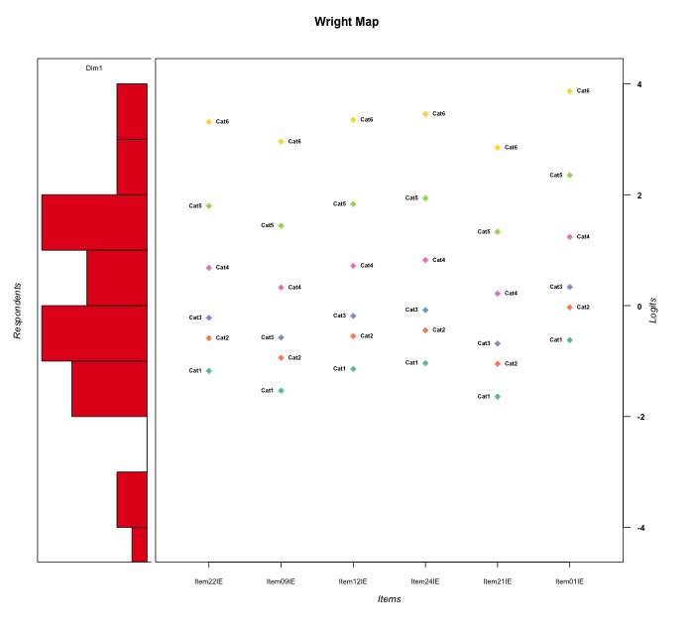
Global information for a measurement model

Information
Number.of.items | Deviance | Log.Likelihood | Number.of.persons | EAP.rel | n.theta.nodes | irt.model
6 | 522.59234198 | -261.29617099 | 30 | 0.92534242956 | 21 | RSM

Global fit statistic MADaQ3 and test fit
MADaQ3 | maxaQ3 | p
0.15730537422 | 0.35294021088 | 0.99996326462

Test statistic of global fit based on Chi square
maxX2 | Npairs | p.holm
498.44456958 | 15 | 0

Model fit statistics
X100.MADCOV | SRMR | SRMSR
35.311678896 | 0.072608745979 | 0.083407922271

Chi square tests for every item pairs
index1 | index2 | maxK1 | maxK2 | df | chi2 | p | p.holm
1 | 2 | 6 | 6 | 36 | 28.081576351 | 0.82428044683 | 1
1 | 3 | 6 | 6 | 36 | 27.804520191 | 0.83409439793 | 1
1 | 4 | 6 | 6 | 36 | 25.066777111 | 0.91427380555 | 1
1 | 5 | 6 | 6 | 36 | 200.56131241 | 0 | 0
1 | 6 | 6 | 6 | 36 | 40.189801024 | 0.28987182095 | 1
2 | 3 | 6 | 6 | 36 | 24.649399894 | 0.92373674876 | 1
2 | 4 | 6 | 6 | 36 | 28.294537178 | 0.81653884141 | 1
2 | 5 | 6 | 6 | 36 | 498.44456958 | 0 | 0
2 | 6 | 6 | 6 | 36 | 57.529994272 | 0.012788348686 | 0.12788348686
3 | 4 | 6 | 6 | 36 | 43.158226621 | 0.19191919901 | 1
3 | 5 | 6 | 6 | 36 | 169.74510223 | 0 | 0
3 | 6 | 6 | 6 | 36 | 58.223470261 | 0.010941019393 | 0.12035121332
4 | 5 | 6 | 6 | 36 | 147.45172441 | 1.9984014443E-15 | 2.3980817332E-14
4 | 6 | 6 | 6 | 36 | 36.627442947 | 0.43956329964 | 1
5 | 6 | 6 | 6 | 36 | 41.03802992 | 0.25917243624 | 1

Item residuals
Item22IE | Item09IE | Item12IE | Item24IE | Item21IE | Item01IE
0.14629840409 | -0.32018405311 | -1.8036114781 | 2.3501168531 | -0.44829452898 | -5.9674963407E-05
0.25535966916 | 0.011446054665 | -0.71899971578 | -0.6407364548 | -0.057185776497 | 1.6934396194
0.5112704642 | 1.1364691152 | 1.5513906163 | -0.32481964311 | 0.031426568044 | -2.7730648275
-0.40472803863 | -0.60939843303 | 0.61129111523 | -0.34464194464 | -0.68957142796 | 0.78417762835
0.32796846841 | -1.2289977368 | 0.38100524107 | 0.53540474438 | -0.3994767444 | 0.061001375765
-0.2731497532 | 0.43512827621 | 0.75717487357 | -1.1504039063 | 0.35131916576 | 0.24717502934
1.2553596692 | 0.011446054665 | 0.28100028422 | 0.3592635452 | -0.057185776497 | -1.3065603806
-0.1517405555 | -0.22515607719 | -0.14602689033 | -0.13028323032 | -0.2544911011 | -0.083615958366
-0.54601911155 | 0.1799096738 | -0.52424231339 | -0.46417634772 | 1.0751195572 | -0.28811849857
0.35230479182 | -0.0022836684772 | -0.61004068736 | 0.50588656355 | -0.10264387444 | 0.022636893341
0.94258236439 | -1.2598866996 | 0.96427007211 | 1.0308777207 | 0.68453744913 | -1.6795623442
-0.1517405555 | -0.22515607719 | -0.14602689033 | -0.13028323032 | -0.2544911011 | -0.083615958366
0.0038490773611 | -0.44757625665 | 0.042088610596 | 0.14926160821 | -0.60553817281 | 0.4752549275
0.5112704642 | 0.13646911524 | 0.55139061634 | -2.3248196431 | 0.031426568044 | 1.2269351725
-0.1517405555 | -0.22515607719 | -0.14602689033 | -0.13028323032 | -0.2544911011 | -0.083615958366
-0.42999569115 | -0.70701110839 | 0.5988262453 | 0.68660593227 | 0.21373169483 | 0.061548563702
-0.64769520818 | 0.99771633152 | 1.3899593126 | -0.49411343645 | -0.10264387444 | -0.97736310666
-0.68343451988 | 1.8250115883 | -0.63121959473 | 0.52800840383 | 0.68935498583 | -1.8190700279
-0.31511232514 | 1.1648112722 | -1.2685780857 | -0.13586184516 | 0.99396290298 | -0.71100147136
0.98753795881 | 0.54469087532 | -0.96461686254 | 0.18285788667 | 0.42316895193 | -1.1793635497
-0.64769520818 | 0.99771633152 | -0.61004068736 | 1.5058865635 | -1.1026438744 | 0.022636893341
-0.16808051781 | -0.5879629404 | -0.12267165061 | 0.017588138009 | 0.29639246785 | 0.63368383476
-1.0003541197 | 0.43460568826 | 1.0560578557 | 1.2229973751 | -0.72919790318 | -1.1770934827
0.040344532401 | -0.28052896988 | 0.073930313801 | 0.17675087858 | -0.37257365394 | 0.62872866021
0.67270155797 | -0.72427355873 | -0.28451983432 | -1.1523610089 | 1.1655581687 | 0.43383493739
-1.492139804 | -2.0340009799 | -1.4420969564 | -1.2978760762 | 3.7942112543 | 2.1784028608
0.21640885345 | 0.1577492037 | 0.22313006308 | 0.24431500958 | 0.14290445176 | 0.3461012819
1.3523047918 | -0.0022836684772 | 0.38995931264 | -0.49411343645 | -2.1026438744 | 1.0226368933
-1.1503957799 | 1.3589519272 | -0.10775791344 | 0.012692856721 | -1.8076198311 | 1.3875374001
0.63570638151 | -0.51493324583 | 0.65224175887 | -0.29651583238 | -0.55505264667 | 0.93357741084

Wright Map for Item Response Models

Estimate-Items
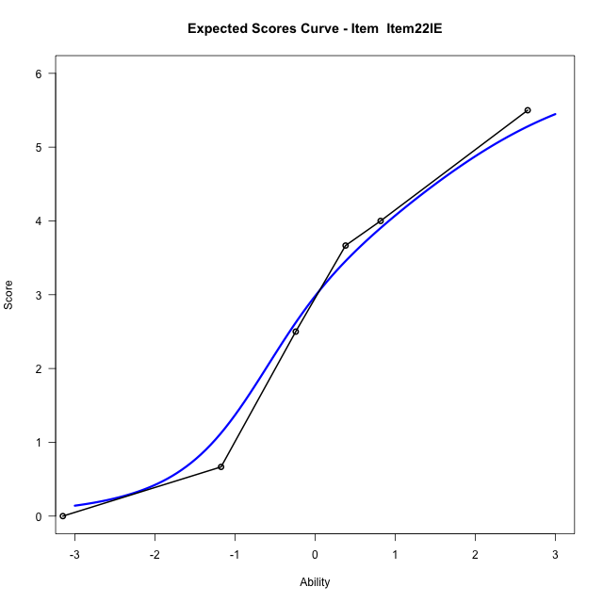
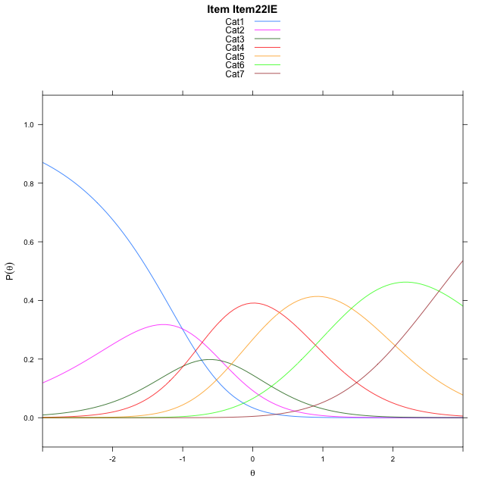
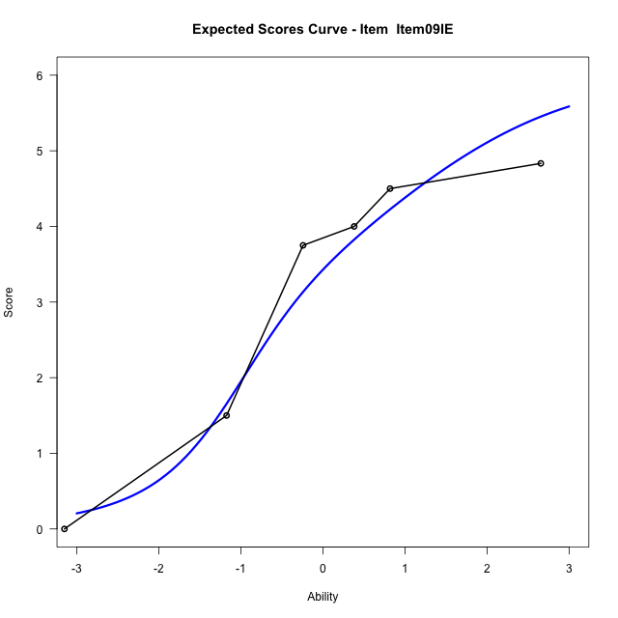
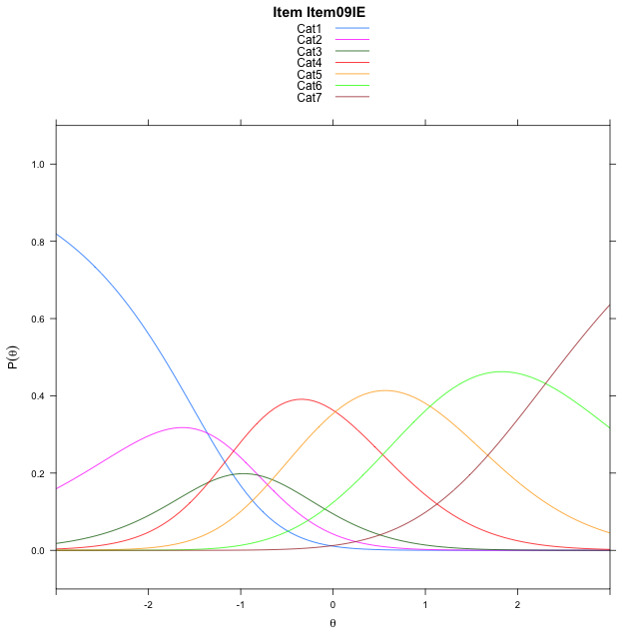
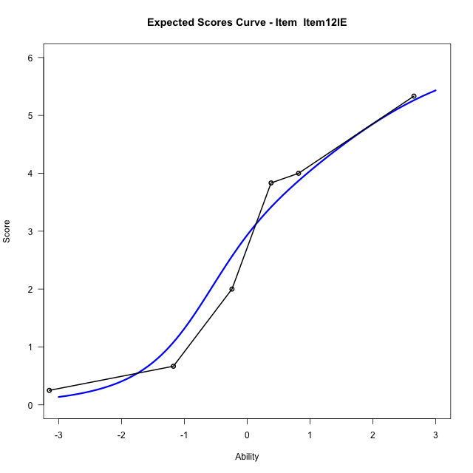
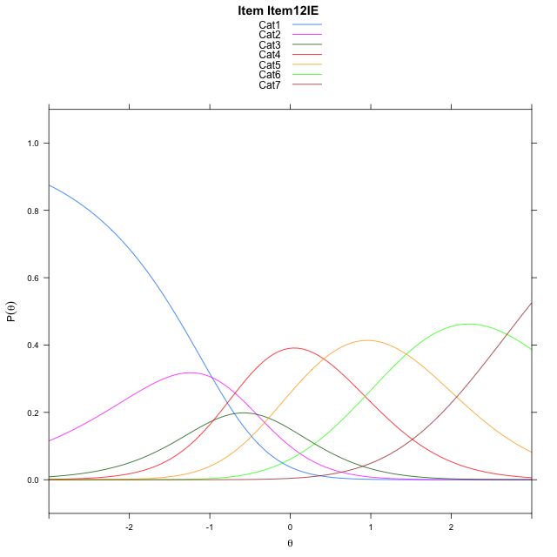
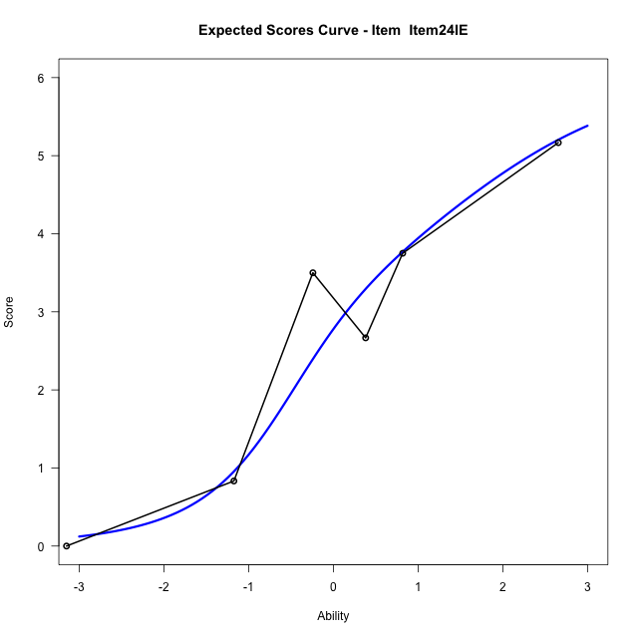
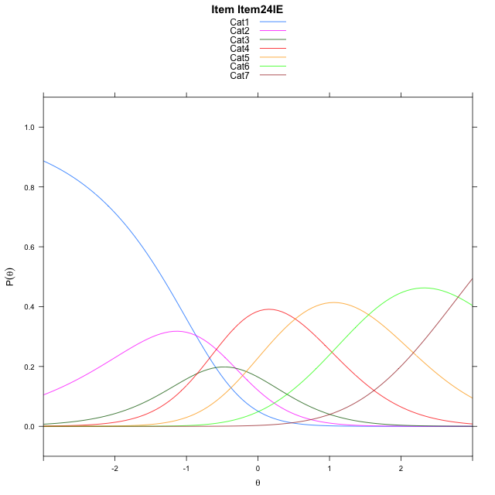
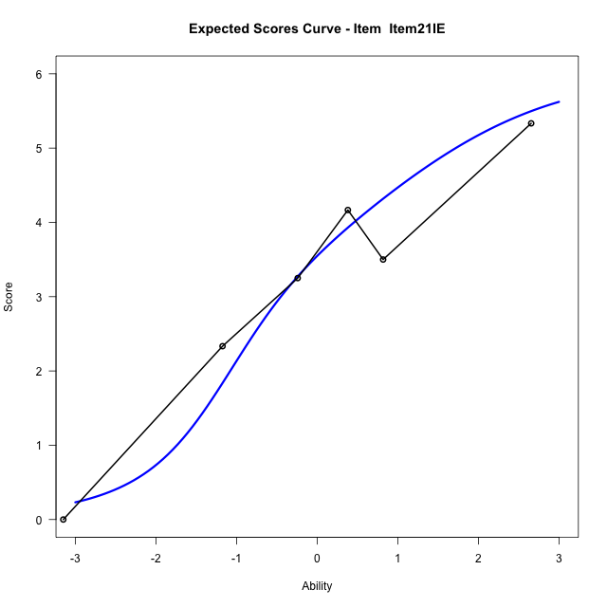
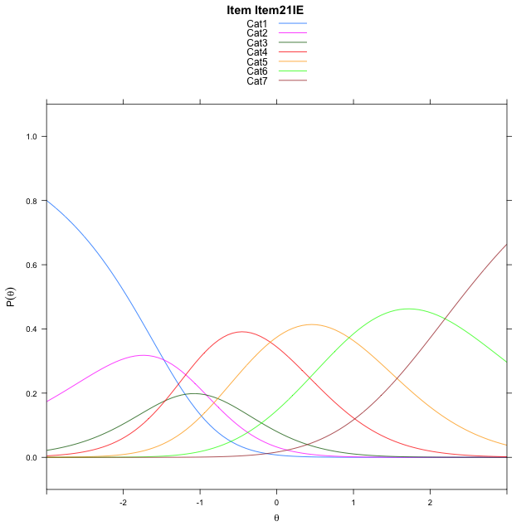
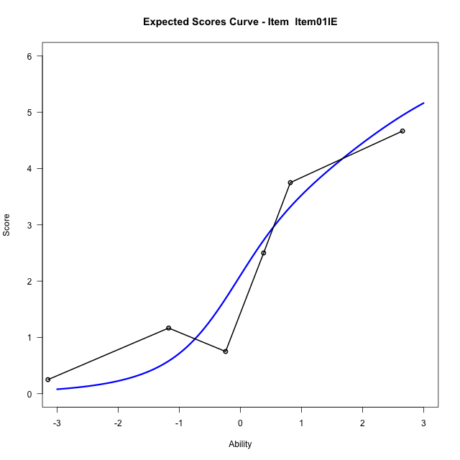
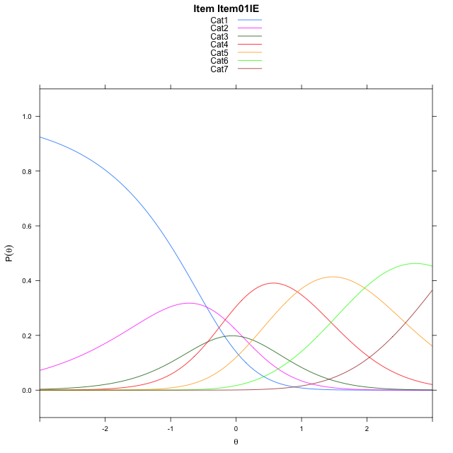
Estimate items information for the measurement model

Full Item Information
item | N | M | xsi.item | AXsi_.Cat1 | AXsi_.Cat2 | AXsi_.Cat3 | AXsi_.Cat4 | AXsi_.Cat5 | AXsi_.Cat6 | B.Cat1.Dim1 | B.Cat2.Dim1 | B.Cat3.Dim1 | B.Cat4.Dim1 | B.Cat5.Dim1 | B.Cat6.Dim1
Item22IE | 30 | 2.8333333333 | 0.33241839614 | -1.0065381186 | -1.4602955933 | -2.4499460334 | -2.0697015821 | -0.66264574365 | 1.9945103768 | 1 | 2 | 3 | 4 | 5 | 6
Item09IE | 30 | 3.1666666667 | -0.023404245791 | -1.3623607605 | -2.1719408771 | -3.5174139592 | -3.4929921498 | -2.4417589533 | -0.14042547475 | 1 | 2 | 3 | 4 | 5 | 6
Item12IE | 30 | 2.8 | 0.36751336465 | -0.97144315011 | -1.3901056562 | -2.3446611278 | -1.929321708 | -0.48717090109 | 2.2050801879 | 1 | 2 | 3 | 4 | 5 | 6
Item24IE | 30 | 2.7 | 0.47238963778 | -0.86656687698 | -1.18035311 | -2.0300323084 | -1.5098166155 | 0.037210464573 | 2.8343378267 | 1 | 2 | 3 | 4 | 5 | 6
Item21IE | 30 | 3.2666666667 | -0.13236715868 | -1.4713236734 | -2.3898667029 | -3.8443026978 | -3.9288438013 | -2.9865735177 | -0.79420295205 | 1 | 2 | 3 | 4 | 5 | 6
Item01IE | 30 | 2.3 | 0.8880170561 | -0.45093945865 | -0.34909827332 | -0.78315005348 | 0.1526930578 | 2.1153475562 | 5.3281023366 | 1 | 2 | 3 | 4 | 5 | 6

Thurstonian Thresholds (category-wise)
 | Cat1 | Cat2 | Cat3 | Cat4 | Cat5 | Cat6
Item22IE | -1.4832458496 | -0.80996704102 | -0.45309448242 | 0.37911987305 | 1.4605407715 | 2.8794250488
Item09IE | -1.8390197754 | -1.1657409668 | -0.8088684082 | 0.023345947266 | 1.1047668457 | 2.5234680176
Item12IE | -1.4480895996 | -0.77499389648 | -0.41793823242 | 0.41427612305 | 1.495513916 | 2.9143981934
Item24IE | -1.343170166 | -0.67007446289 | -0.31301879883 | 0.51919555664 | 1.6004333496 | 3.019317627
Item21IE | -1.9479675293 | -1.2748718262 | -0.91781616211 | -0.085601806641 | 0.99563598633 | 2.4145202637
Item01IE | -0.92770385742 | -0.25442504883 | 0.10263061523 | 0.9348449707 | 2.0160827637 | 3.434967041

Thurstonian Thresholds (item-wise)
 | Threshold
Item22IE | 0.01624657813
Item09IE | -0.31695078084
Item12IE | 0.056841171828
Item24IE | 0.17376861865
Item21IE | -0.43138612724
Item01IE | 0.57344388892

Item Infit/Outfit Statistic
parameter | Outfit | Outfit_t | Outfit_p | Outfit_pholm | Infit | Infit_t | Infit_p | Infit_pholm
Item22IE | 0.56384457725 | -1.2967860126 | 0.19470482472 | 1 | 0.62135978187 | -1.4889807182 | 0.13649244626 | 0.81895467759
Item09IE | 0.813439879 | -0.47675784694 | 0.63353456553 | 1 | 0.88788357977 | -0.36025159451 | 0.71865899438 | 1
Item12IE | 0.78167211912 | -0.53639201599 | 0.59168764816 | 1 | 0.82594651488 | -0.59558290858 | 0.55145389729 | 1
Item24IE | 0.85009607542 | -0.30694038208 | 0.75888875122 | 1 | 0.97303948231 | -0.028993296153 | 0.97686993724 | 1
Item21IE | 1.0824396168 | 0.31065599146 | 0.75606215663 | 1 | 1.2946749686 | 1.0280894155 | 0.30390776907 | 1
Item01IE | 1.5124941497 | 1.1400528559 | 0.2542642812 | 1 | 1.3882170177 | 1.2900934747 | 0.19701820522 | 0.98509102611
Cat1 | 1.4627341216 | 0.76717224723 | 0.4429791112 | 1 | 1.8831858889 | 5.6373423938 | 1.7269453395E-08 | 1.7269453395E-07
Cat2 | 1.0629616074 | 1.5859816314 | 0.11274347644 | 0.90194781155 | 1.2918116852 | 2.0567721746 | 0.039708145833 | 0.31766516666
Cat3 | 1.0129121429 | 12.60333734 | 2.0239579051E-36 | 1.8215621146E-35 | 1.2525378439 | 1.9592552381 | 0.050082903034 | 0.35058032124
Cat4 | 1.1551342181 | 259.01680068 | 0 | 0 | 1.5554679536 | 5.9717360857 | 2.3474205228E-09 | 2.5821625751E-08
Cat5 | 0.9565048407 | 10465.903946 | 0 | 0 | 1.3706686483 | 2.811815522 | 0.004926274818 | 0.044336473362

Box plot of expected curves

