Type_1
Wilcoxon Analysis for Interest/Enjoyment by Type in Type between non-gamified:ont-gamified

Wilcoxon test results
Alternative hypothesis: less
Group | N | Median | Mean.Ranks | Sum.Ranks | U | Z | p.value | r | magnitude
non-gamified | 14 | -0.78353568645 | 12.25 | 171.5 | 66.5 | -1.8948353591 | 0.029377495635 | 0.34594802298 | medium
ont-gamified | 16 | 0.47609454389 | 18.34375 | 293.5 | 66.5 | -1.8948353591 | 0.029377495635 | 0.34594802298 | medium
Alternative hypothesis: greater
Group | N | Median | Mean.Ranks | Sum.Ranks | U | Z | p.value | r | magnitude
non-gamified | 14 | -0.78353568645 | 12.25 | 171.5 | 66.5 | -1.8948353591 | 0.97204508857 | 0.34594802298 | medium
ont-gamified | 16 | 0.47609454389 | 18.34375 | 293.5 | 66.5 | -1.8948353591 | 0.97204508857 | 0.34594802298 | medium
Alternative hypothesis: two.sided
Group | N | Median | Mean.Ranks | Sum.Ranks | U | Z | p.value | r | magnitude
non-gamified | 14 | -0.78353568645 | 12.25 | 171.5 | 66.5 | -1.8948353591 | 0.058757900032 | 0.34594802298 | medium
ont-gamified | 16 | 0.47609454389 | 18.34375 | 293.5 | 66.5 | -1.8948353591 | 0.058757900032 | 0.34594802298 | medium

Box plots for wilcoxon tests
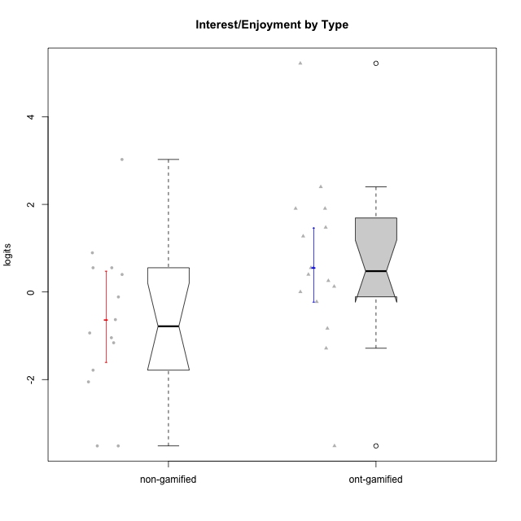

Wilcoxon data
UserID | Type | CLGroup | CLRole | PlayerRole | Score | theta | error | Outfit | Infit | Interest/Enjoyment
10116 | non-gamified | GroupC | Master |  | 17 | -0.11357294579 | 0.34044605576 | 0.99125928563 | 1.062705736 | -0.11357294579
10120 | ont-gamified | Grupo Hélio | Master | Yee Socializer | 29 | 1.9055652511 | 0.48311511685 | 0.79065811945 | 0.88800775748 | 1.9055652511
10121 | ont-gamified | Grupo Hades | Master | Yee Achiever | 21 | 0.39919386735 | 0.38200822423 | 1.4813007243 | 1.7132025797 | 0.39919386735
10122 | non-gamified | GroupB | Apprentice |  | 2 | -2.0523461364 | 0.57174235118 | 0.87779083627 | 0.69009337626 | -2.0523461364
10123 | ont-gamified | Grupo Morfeu | Apprentice | Yee Achiever | 10 | -0.83197918173 | 0.33030419057 | 0.24038574809 | 0.25976963503 | -0.83197918173
10126 | ont-gamified | Grupo Hélio | Apprentice | Yee Socializer | 26 | 1.2733257983 | 0.44310201785 | 0.45210567299 | 0.45673771746 | 1.2733257983
10127 | ont-gamified | Grupo Hades | Apprentice | Yee Achiever | 29 | 1.9055652511 | 0.48311511685 | 0.73963286641 | 0.80768465207 | 1.9055652511
10128 | ont-gamified | Grupo Morfeu | Apprentice | Yee Achiever | 0 | -3.5152952431 | 1.3470927129 | 0.086604821403 | 0.095875622172 | -3.5152952431
10129 | non-gamified | GroupB | Apprentice |  | 3 | -1.7851511272 | 0.48550528082 | 0.42709786126 | 0.47066790173 | -1.7851511272
10130 | non-gamified | GroupC | Apprentice |  | 22 | 0.55299522042 | 0.39507205619 | 0.11899806588 | 0.11876867134 | 0.55299522042
10131 | ont-gamified | Grupo Zeus | Apprentice | Yee Achiever | 31 | 2.3995832302 | 0.53009449508 | 2.0830474935 | 2.1626681644 | 2.3995832302
10132 | non-gamified | GroupA | Apprentice |  | 0 | -3.5152952431 | 1.3470927129 | 0.086604821403 | 0.095875622172 | -3.5152952431
10134 | ont-gamified | Grupo Apolo | Apprentice | Yee Socializer | 6 | -1.2851216362 | 0.37536493957 | 0.13913620617 | 0.1299404666 | -1.2851216362
10135 | non-gamified | GroupB | Apprentice |  | 21 | 0.39919386735 | 0.38200822423 | 1.0099790808 | 1.0989804979 | 0.39919386735
10136 | non-gamified | GroupC | Apprentice |  | 0 | -3.5152952431 | 1.3470927129 | 0.086604821403 | 0.095875622172 | -3.5152952431
10137 | ont-gamified | Grupo Morfeu | Apprentice | Yee Achiever | 27 | 1.4744559961 | 0.45454809874 | 0.32433527599 | 0.31705756575 | 1.4744559961
10138 | ont-gamified | Grupo Hélio | Apprentice | Yee Socializer | 22 | 0.55299522042 | 0.39507205619 | 0.7113260729 | 0.71574439108 | 0.55299522042
10139 | ont-gamified | Grupo Zeus | Apprentice | Yee Achiever | 16 | -0.22343251553 | 0.33395787153 | 0.92012774957 | 0.88757302498 | -0.22343251553
10140 | non-gamified | GroupC | Apprentice |  | 8 | -1.0446754489 | 0.34554843792 | 0.502787423 | 0.51263780036 | -1.0446754489
10141 | ont-gamified | Grupo Apolo | Master | Yee Socializer | 18 | 0.0020687155691 | 0.34858535674 | 0.42952403445 | 0.44943859069 | 0.0020687155691
10142 | ont-gamified | Grupo Hades | Apprentice | Yee Achiever | 22 | 0.55299522042 | 0.39507205619 | 0.87165943345 | 0.82080010641 | 0.55299522042
10143 | ont-gamified | Grupo Apolo | Apprentice | Yee Socializer | 19 | 0.12501694921 | 0.35834357661 | 0.11759173528 | 0.11924283168 | 0.12501694921
10145 | non-gamified | GroupB | Master |  | 12 | -0.63100885186 | 0.32444897531 | 0.6062393524 | 0.59960795512 | -0.63100885186
10146 | non-gamified | GroupA | Apprentice |  | 24 | 0.89459676096 | 0.42046515271 | 0.10169564416 | 0.10775859632 | 0.89459676096
10148 | ont-gamified | Grupo Apolo | Apprentice | Yee Socializer | 20 | 0.25688594663 | 0.36958757429 | 0.58761584906 | 0.54198181336 | 0.25688594663
10149 | non-gamified | GroupA | Apprentice |  | 9 | -0.93606252105 | 0.33653473524 | 3.3224361337 | 3.287892665 | -0.93606252105
10152 | ont-gamified | Grupo Morfeu | Master | Yee Achiever | 36 | 5.2205995056 | 1.494463393 | 0.080317890973 | 0.089344439625 | 5.2205995056
10153 | non-gamified | GroupA | Apprentice |  | 22 | 0.55299522042 | 0.39507205619 | 1.2920056711 | 1.1936085408 | 0.55299522042
10154 | non-gamified | GroupC | Apprentice |  | 7 | -1.160003562 | 0.35809313031 | 1.1526858416 | 1.0920807947 | -1.160003562
10158 | non-gamified | GroupD | Apprentice |  | 33 | 3.0260047699 | 0.62328269657 | 0.86491946461 | 0.85019396748 | 3.0260047699

Type_CLRole_1
Wilcoxon Analysis for Interest/Enjoyment by Type in Type:CLRole between non-gamified.Apprentice:non-gamified.Master

Wilcoxon test results
Alternative hypothesis: less
Group | N | Median | Mean.Ranks | Sum.Ranks | U | Z | p.value | r | magnitude
non-gamified.Apprentice | 12 | -0.99036898498 | 7.3333333333 | 88 | 10 | -0.36595355098 | 0.38461538462 | 0.097805200516 | none
non-gamified.Master | 2 | -0.37229089883 | 8.5 | 17 | 10 | -0.36595355098 | 0.38461538462 | 0.097805200516 | none
Alternative hypothesis: greater
Group | N | Median | Mean.Ranks | Sum.Ranks | U | Z | p.value | r | magnitude
non-gamified.Apprentice | 12 | -0.99036898498 | 7.3333333333 | 88 | 10 | -0.36595355098 | 0.65934065934 | 0.097805200516 | none
non-gamified.Master | 2 | -0.37229089883 | 8.5 | 17 | 10 | -0.36595355098 | 0.65934065934 | 0.097805200516 | none
Alternative hypothesis: two.sided
Group | N | Median | Mean.Ranks | Sum.Ranks | U | Z | p.value | r | magnitude
non-gamified.Apprentice | 12 | -0.99036898498 | 7.3333333333 | 88 | 10 | -0.36595355098 | 0.79120879121 | 0.097805200516 | none
non-gamified.Master | 2 | -0.37229089883 | 8.5 | 17 | 10 | -0.36595355098 | 0.79120879121 | 0.097805200516 | none

Box plots for wilcoxon tests
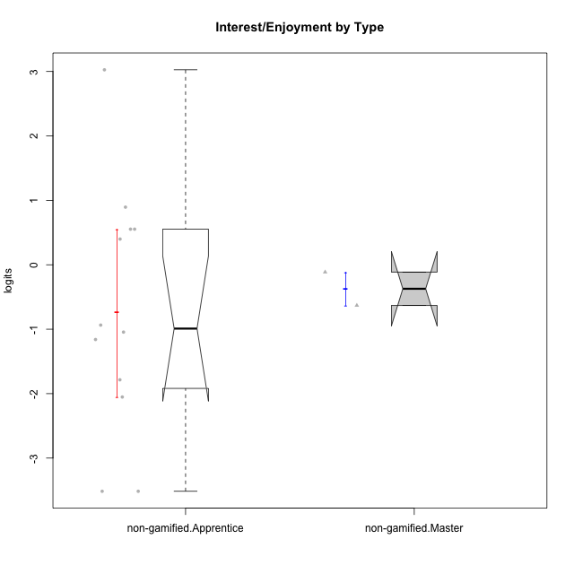

Wilcoxon data
UserID | Type | CLGroup | CLRole | PlayerRole | Score | theta | error | Outfit | Infit | Interest/Enjoyment
10116 | non-gamified | GroupC | Master |  | 17 | -0.11357294579 | 0.34044605576 | 0.99125928563 | 1.062705736 | -0.11357294579
10122 | non-gamified | GroupB | Apprentice |  | 2 | -2.0523461364 | 0.57174235118 | 0.87779083627 | 0.69009337626 | -2.0523461364
10129 | non-gamified | GroupB | Apprentice |  | 3 | -1.7851511272 | 0.48550528082 | 0.42709786126 | 0.47066790173 | -1.7851511272
10130 | non-gamified | GroupC | Apprentice |  | 22 | 0.55299522042 | 0.39507205619 | 0.11899806588 | 0.11876867134 | 0.55299522042
10132 | non-gamified | GroupA | Apprentice |  | 0 | -3.5152952431 | 1.3470927129 | 0.086604821403 | 0.095875622172 | -3.5152952431
10135 | non-gamified | GroupB | Apprentice |  | 21 | 0.39919386735 | 0.38200822423 | 1.0099790808 | 1.0989804979 | 0.39919386735
10136 | non-gamified | GroupC | Apprentice |  | 0 | -3.5152952431 | 1.3470927129 | 0.086604821403 | 0.095875622172 | -3.5152952431
10140 | non-gamified | GroupC | Apprentice |  | 8 | -1.0446754489 | 0.34554843792 | 0.502787423 | 0.51263780036 | -1.0446754489
10145 | non-gamified | GroupB | Master |  | 12 | -0.63100885186 | 0.32444897531 | 0.6062393524 | 0.59960795512 | -0.63100885186
10146 | non-gamified | GroupA | Apprentice |  | 24 | 0.89459676096 | 0.42046515271 | 0.10169564416 | 0.10775859632 | 0.89459676096
10149 | non-gamified | GroupA | Apprentice |  | 9 | -0.93606252105 | 0.33653473524 | 3.3224361337 | 3.287892665 | -0.93606252105
10153 | non-gamified | GroupA | Apprentice |  | 22 | 0.55299522042 | 0.39507205619 | 1.2920056711 | 1.1936085408 | 0.55299522042
10154 | non-gamified | GroupC | Apprentice |  | 7 | -1.160003562 | 0.35809313031 | 1.1526858416 | 1.0920807947 | -1.160003562
10158 | non-gamified | GroupD | Apprentice |  | 33 | 3.0260047699 | 0.62328269657 | 0.86491946461 | 0.85019396748 | 3.0260047699

Type_CLRole_2
Wilcoxon Analysis for Interest/Enjoyment by Type in Type:CLRole between non-gamified.Apprentice:ont-gamified.Apprentice

Wilcoxon test results
Alternative hypothesis: less
Group | N | Median | Mean.Ranks | Sum.Ranks | U | Z | p.value | r | magnitude
non-gamified.Apprentice | 12 | -0.99036898498 | 10.583333333 | 127 | 49 | -1.3319656152 | 0.095717480796 | 0.27188634268 | small
ont-gamified.Apprentice | 12 | 0.40494058352 | 14.416666667 | 173 | 49 | -1.3319656152 | 0.095717480796 | 0.27188634268 | small
Alternative hypothesis: greater
Group | N | Median | Mean.Ranks | Sum.Ranks | U | Z | p.value | r | magnitude
non-gamified.Apprentice | 12 | -0.99036898498 | 10.583333333 | 127 | 49 | -1.3319656152 | 0.90920790073 | 0.27188634268 | small
ont-gamified.Apprentice | 12 | 0.40494058352 | 14.416666667 | 173 | 49 | -1.3319656152 | 0.90920790073 | 0.27188634268 | small
Alternative hypothesis: two.sided
Group | N | Median | Mean.Ranks | Sum.Ranks | U | Z | p.value | r | magnitude
non-gamified.Apprentice | 12 | -0.99036898498 | 10.583333333 | 127 | 49 | -1.3319656152 | 0.19143496159 | 0.27188634268 | small
ont-gamified.Apprentice | 12 | 0.40494058352 | 14.416666667 | 173 | 49 | -1.3319656152 | 0.19143496159 | 0.27188634268 | small

Box plots for wilcoxon tests
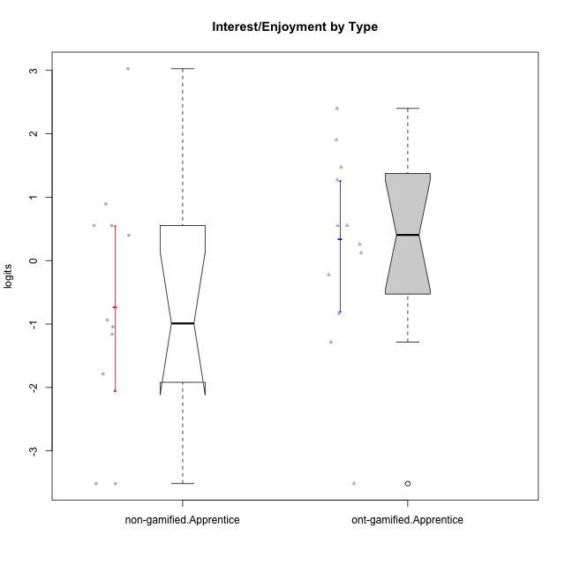

Wilcoxon data
UserID | Type | CLGroup | CLRole | PlayerRole | Score | theta | error | Outfit | Infit | Interest/Enjoyment
10122 | non-gamified | GroupB | Apprentice |  | 2 | -2.0523461364 | 0.57174235118 | 0.87779083627 | 0.69009337626 | -2.0523461364
10123 | ont-gamified | Grupo Morfeu | Apprentice | Yee Achiever | 10 | -0.83197918173 | 0.33030419057 | 0.24038574809 | 0.25976963503 | -0.83197918173
10126 | ont-gamified | Grupo Hélio | Apprentice | Yee Socializer | 26 | 1.2733257983 | 0.44310201785 | 0.45210567299 | 0.45673771746 | 1.2733257983
10127 | ont-gamified | Grupo Hades | Apprentice | Yee Achiever | 29 | 1.9055652511 | 0.48311511685 | 0.73963286641 | 0.80768465207 | 1.9055652511
10128 | ont-gamified | Grupo Morfeu | Apprentice | Yee Achiever | 0 | -3.5152952431 | 1.3470927129 | 0.086604821403 | 0.095875622172 | -3.5152952431
10129 | non-gamified | GroupB | Apprentice |  | 3 | -1.7851511272 | 0.48550528082 | 0.42709786126 | 0.47066790173 | -1.7851511272
10130 | non-gamified | GroupC | Apprentice |  | 22 | 0.55299522042 | 0.39507205619 | 0.11899806588 | 0.11876867134 | 0.55299522042
10131 | ont-gamified | Grupo Zeus | Apprentice | Yee Achiever | 31 | 2.3995832302 | 0.53009449508 | 2.0830474935 | 2.1626681644 | 2.3995832302
10132 | non-gamified | GroupA | Apprentice |  | 0 | -3.5152952431 | 1.3470927129 | 0.086604821403 | 0.095875622172 | -3.5152952431
10134 | ont-gamified | Grupo Apolo | Apprentice | Yee Socializer | 6 | -1.2851216362 | 0.37536493957 | 0.13913620617 | 0.1299404666 | -1.2851216362
10135 | non-gamified | GroupB | Apprentice |  | 21 | 0.39919386735 | 0.38200822423 | 1.0099790808 | 1.0989804979 | 0.39919386735
10136 | non-gamified | GroupC | Apprentice |  | 0 | -3.5152952431 | 1.3470927129 | 0.086604821403 | 0.095875622172 | -3.5152952431
10137 | ont-gamified | Grupo Morfeu | Apprentice | Yee Achiever | 27 | 1.4744559961 | 0.45454809874 | 0.32433527599 | 0.31705756575 | 1.4744559961
10138 | ont-gamified | Grupo Hélio | Apprentice | Yee Socializer | 22 | 0.55299522042 | 0.39507205619 | 0.7113260729 | 0.71574439108 | 0.55299522042
10139 | ont-gamified | Grupo Zeus | Apprentice | Yee Achiever | 16 | -0.22343251553 | 0.33395787153 | 0.92012774957 | 0.88757302498 | -0.22343251553
10140 | non-gamified | GroupC | Apprentice |  | 8 | -1.0446754489 | 0.34554843792 | 0.502787423 | 0.51263780036 | -1.0446754489
10142 | ont-gamified | Grupo Hades | Apprentice | Yee Achiever | 22 | 0.55299522042 | 0.39507205619 | 0.87165943345 | 0.82080010641 | 0.55299522042
10143 | ont-gamified | Grupo Apolo | Apprentice | Yee Socializer | 19 | 0.12501694921 | 0.35834357661 | 0.11759173528 | 0.11924283168 | 0.12501694921
10146 | non-gamified | GroupA | Apprentice |  | 24 | 0.89459676096 | 0.42046515271 | 0.10169564416 | 0.10775859632 | 0.89459676096
10148 | ont-gamified | Grupo Apolo | Apprentice | Yee Socializer | 20 | 0.25688594663 | 0.36958757429 | 0.58761584906 | 0.54198181336 | 0.25688594663
10149 | non-gamified | GroupA | Apprentice |  | 9 | -0.93606252105 | 0.33653473524 | 3.3224361337 | 3.287892665 | -0.93606252105
10153 | non-gamified | GroupA | Apprentice |  | 22 | 0.55299522042 | 0.39507205619 | 1.2920056711 | 1.1936085408 | 0.55299522042
10154 | non-gamified | GroupC | Apprentice |  | 7 | -1.160003562 | 0.35809313031 | 1.1526858416 | 1.0920807947 | -1.160003562
10158 | non-gamified | GroupD | Apprentice |  | 33 | 3.0260047699 | 0.62328269657 | 0.86491946461 | 0.85019396748 | 3.0260047699

Type_CLRole_3
Wilcoxon Analysis for Interest/Enjoyment by Type in Type:CLRole between non-gamified.Apprentice:ont-gamified.Master

Wilcoxon test results
Alternative hypothesis: less
Group | N | Median | Mean.Ranks | Sum.Ranks | U | Z | p.value | r | magnitude
non-gamified.Apprentice | 12 | -0.99036898498 | 7.375 | 88.5 | 10.5 | -1.6407387463 | 0.056593406593 | 0.41018468658 | medium
ont-gamified.Master | 4 | 1.1523795592 | 11.875 | 47.5 | 10.5 | -1.6407387463 | 0.056593406593 | 0.41018468658 | medium
Alternative hypothesis: greater
Group | N | Median | Mean.Ranks | Sum.Ranks | U | Z | p.value | r | magnitude
non-gamified.Apprentice | 12 | -0.99036898498 | 7.375 | 88.5 | 10.5 | -1.6407387463 | 0.9521978022 | 0.41018468658 | medium
ont-gamified.Master | 4 | 1.1523795592 | 11.875 | 47.5 | 10.5 | -1.6407387463 | 0.9521978022 | 0.41018468658 | medium
Alternative hypothesis: two.sided
Group | N | Median | Mean.Ranks | Sum.Ranks | U | Z | p.value | r | magnitude
non-gamified.Apprentice | 12 | -0.99036898498 | 7.375 | 88.5 | 10.5 | -1.6407387463 | 0.11043956044 | 0.41018468658 | medium
ont-gamified.Master | 4 | 1.1523795592 | 11.875 | 47.5 | 10.5 | -1.6407387463 | 0.11043956044 | 0.41018468658 | medium

Box plots for wilcoxon tests
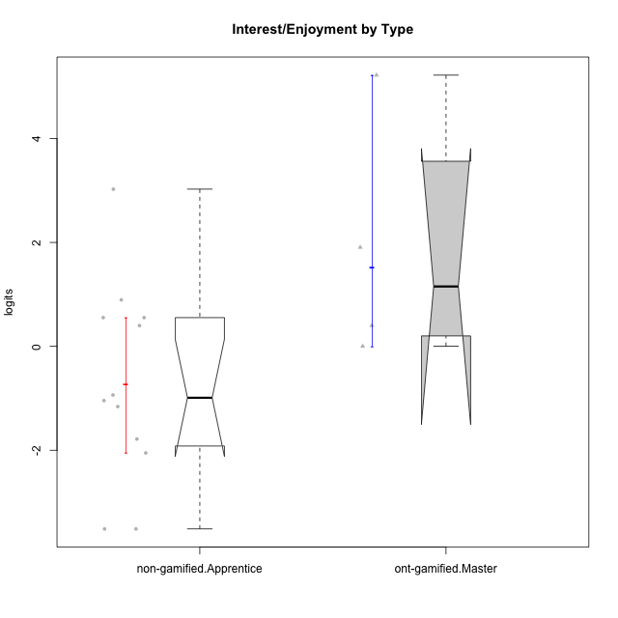

Wilcoxon data
UserID | Type | CLGroup | CLRole | PlayerRole | Score | theta | error | Outfit | Infit | Interest/Enjoyment
10120 | ont-gamified | Grupo Hélio | Master | Yee Socializer | 29 | 1.9055652511 | 0.48311511685 | 0.79065811945 | 0.88800775748 | 1.9055652511
10121 | ont-gamified | Grupo Hades | Master | Yee Achiever | 21 | 0.39919386735 | 0.38200822423 | 1.4813007243 | 1.7132025797 | 0.39919386735
10122 | non-gamified | GroupB | Apprentice |  | 2 | -2.0523461364 | 0.57174235118 | 0.87779083627 | 0.69009337626 | -2.0523461364
10129 | non-gamified | GroupB | Apprentice |  | 3 | -1.7851511272 | 0.48550528082 | 0.42709786126 | 0.47066790173 | -1.7851511272
10130 | non-gamified | GroupC | Apprentice |  | 22 | 0.55299522042 | 0.39507205619 | 0.11899806588 | 0.11876867134 | 0.55299522042
10132 | non-gamified | GroupA | Apprentice |  | 0 | -3.5152952431 | 1.3470927129 | 0.086604821403 | 0.095875622172 | -3.5152952431
10135 | non-gamified | GroupB | Apprentice |  | 21 | 0.39919386735 | 0.38200822423 | 1.0099790808 | 1.0989804979 | 0.39919386735
10136 | non-gamified | GroupC | Apprentice |  | 0 | -3.5152952431 | 1.3470927129 | 0.086604821403 | 0.095875622172 | -3.5152952431
10140 | non-gamified | GroupC | Apprentice |  | 8 | -1.0446754489 | 0.34554843792 | 0.502787423 | 0.51263780036 | -1.0446754489
10141 | ont-gamified | Grupo Apolo | Master | Yee Socializer | 18 | 0.0020687155691 | 0.34858535674 | 0.42952403445 | 0.44943859069 | 0.0020687155691
10146 | non-gamified | GroupA | Apprentice |  | 24 | 0.89459676096 | 0.42046515271 | 0.10169564416 | 0.10775859632 | 0.89459676096
10149 | non-gamified | GroupA | Apprentice |  | 9 | -0.93606252105 | 0.33653473524 | 3.3224361337 | 3.287892665 | -0.93606252105
10152 | ont-gamified | Grupo Morfeu | Master | Yee Achiever | 36 | 5.2205995056 | 1.494463393 | 0.080317890973 | 0.089344439625 | 5.2205995056
10153 | non-gamified | GroupA | Apprentice |  | 22 | 0.55299522042 | 0.39507205619 | 1.2920056711 | 1.1936085408 | 0.55299522042
10154 | non-gamified | GroupC | Apprentice |  | 7 | -1.160003562 | 0.35809313031 | 1.1526858416 | 1.0920807947 | -1.160003562
10158 | non-gamified | GroupD | Apprentice |  | 33 | 3.0260047699 | 0.62328269657 | 0.86491946461 | 0.85019396748 | 3.0260047699

Type_CLRole_4
Wilcoxon Analysis for Interest/Enjoyment by Type in Type:CLRole between non-gamified.Master:ont-gamified.Apprentice

Wilcoxon test results
Alternative hypothesis: less
Group | N | Median | Mean.Ranks | Sum.Ranks | U | Z | p.value | r | magnitude
non-gamified.Master | 2 | -0.37229089883 | 5 | 10 | 7 | -0.91387574063 | 0.20879120879 | 0.24424356539 | small
ont-gamified.Apprentice | 12 | 0.40494058352 | 7.9166666667 | 95 | 7 | -0.91387574063 | 0.20879120879 | 0.24424356539 | small
Alternative hypothesis: greater
Group | N | Median | Mean.Ranks | Sum.Ranks | U | Z | p.value | r | magnitude
non-gamified.Master | 2 | -0.37229089883 | 5 | 10 | 7 | -0.91387574063 | 0.82417582418 | 0.24424356539 | small
ont-gamified.Apprentice | 12 | 0.40494058352 | 7.9166666667 | 95 | 7 | -0.91387574063 | 0.82417582418 | 0.24424356539 | small
Alternative hypothesis: two.sided
Group | N | Median | Mean.Ranks | Sum.Ranks | U | Z | p.value | r | magnitude
non-gamified.Master | 2 | -0.37229089883 | 5 | 10 | 7 | -0.91387574063 | 0.42857142857 | 0.24424356539 | small
ont-gamified.Apprentice | 12 | 0.40494058352 | 7.9166666667 | 95 | 7 | -0.91387574063 | 0.42857142857 | 0.24424356539 | small

Box plots for wilcoxon tests
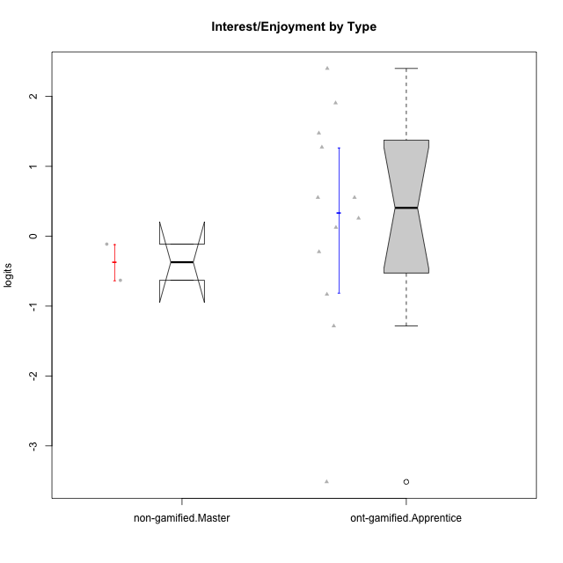

Wilcoxon data
UserID | Type | CLGroup | CLRole | PlayerRole | Score | theta | error | Outfit | Infit | Interest/Enjoyment
10116 | non-gamified | GroupC | Master |  | 17 | -0.11357294579 | 0.34044605576 | 0.99125928563 | 1.062705736 | -0.11357294579
10123 | ont-gamified | Grupo Morfeu | Apprentice | Yee Achiever | 10 | -0.83197918173 | 0.33030419057 | 0.24038574809 | 0.25976963503 | -0.83197918173
10126 | ont-gamified | Grupo Hélio | Apprentice | Yee Socializer | 26 | 1.2733257983 | 0.44310201785 | 0.45210567299 | 0.45673771746 | 1.2733257983
10127 | ont-gamified | Grupo Hades | Apprentice | Yee Achiever | 29 | 1.9055652511 | 0.48311511685 | 0.73963286641 | 0.80768465207 | 1.9055652511
10128 | ont-gamified | Grupo Morfeu | Apprentice | Yee Achiever | 0 | -3.5152952431 | 1.3470927129 | 0.086604821403 | 0.095875622172 | -3.5152952431
10131 | ont-gamified | Grupo Zeus | Apprentice | Yee Achiever | 31 | 2.3995832302 | 0.53009449508 | 2.0830474935 | 2.1626681644 | 2.3995832302
10134 | ont-gamified | Grupo Apolo | Apprentice | Yee Socializer | 6 | -1.2851216362 | 0.37536493957 | 0.13913620617 | 0.1299404666 | -1.2851216362
10137 | ont-gamified | Grupo Morfeu | Apprentice | Yee Achiever | 27 | 1.4744559961 | 0.45454809874 | 0.32433527599 | 0.31705756575 | 1.4744559961
10138 | ont-gamified | Grupo Hélio | Apprentice | Yee Socializer | 22 | 0.55299522042 | 0.39507205619 | 0.7113260729 | 0.71574439108 | 0.55299522042
10139 | ont-gamified | Grupo Zeus | Apprentice | Yee Achiever | 16 | -0.22343251553 | 0.33395787153 | 0.92012774957 | 0.88757302498 | -0.22343251553
10142 | ont-gamified | Grupo Hades | Apprentice | Yee Achiever | 22 | 0.55299522042 | 0.39507205619 | 0.87165943345 | 0.82080010641 | 0.55299522042
10143 | ont-gamified | Grupo Apolo | Apprentice | Yee Socializer | 19 | 0.12501694921 | 0.35834357661 | 0.11759173528 | 0.11924283168 | 0.12501694921
10145 | non-gamified | GroupB | Master |  | 12 | -0.63100885186 | 0.32444897531 | 0.6062393524 | 0.59960795512 | -0.63100885186
10148 | ont-gamified | Grupo Apolo | Apprentice | Yee Socializer | 20 | 0.25688594663 | 0.36958757429 | 0.58761584906 | 0.54198181336 | 0.25688594663

Type_CLRole_5
Wilcoxon Analysis for Interest/Enjoyment by Type in Type:CLRole between non-gamified.Master:ont-gamified.Master

Wilcoxon test results
Alternative hypothesis: less
Group | N | Median | Mean.Ranks | Sum.Ranks | U | Z | p.value | r | magnitude
non-gamified.Master | 2 | -0.37229089883 | 1.5 | 3 | 0 | -1.8516401995 | 0.066666666667 | 0.75592894602 | large
ont-gamified.Master | 4 | 1.1523795592 | 4.5 | 18 | 0 | -1.8516401995 | 0.066666666667 | 0.75592894602 | large
Alternative hypothesis: greater
Group | N | Median | Mean.Ranks | Sum.Ranks | U | Z | p.value | r | magnitude
non-gamified.Master | 2 | -0.37229089883 | 1.5 | 3 | 0 | -1.8516401995 | 1 | 0.75592894602 | large
ont-gamified.Master | 4 | 1.1523795592 | 4.5 | 18 | 0 | -1.8516401995 | 1 | 0.75592894602 | large
Alternative hypothesis: two.sided
Group | N | Median | Mean.Ranks | Sum.Ranks | U | Z | p.value | r | magnitude
non-gamified.Master | 2 | -0.37229089883 | 1.5 | 3 | 0 | -1.8516401995 | 0.13333333333 | 0.75592894602 | large
ont-gamified.Master | 4 | 1.1523795592 | 4.5 | 18 | 0 | -1.8516401995 | 0.13333333333 | 0.75592894602 | large

Box plots for wilcoxon tests
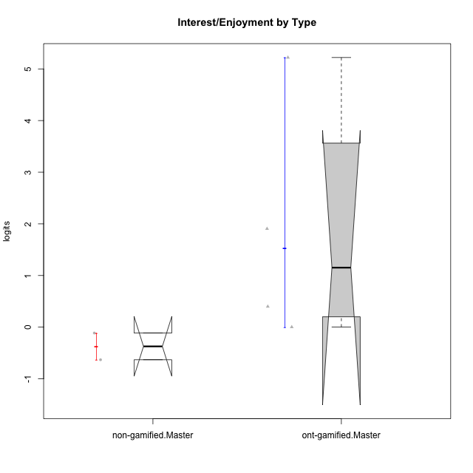

Wilcoxon data
UserID | Type | CLGroup | CLRole | PlayerRole | Score | theta | error | Outfit | Infit | Interest/Enjoyment
10116 | non-gamified | GroupC | Master |  | 17 | -0.11357294579 | 0.34044605576 | 0.99125928563 | 1.062705736 | -0.11357294579
10120 | ont-gamified | Grupo Hélio | Master | Yee Socializer | 29 | 1.9055652511 | 0.48311511685 | 0.79065811945 | 0.88800775748 | 1.9055652511
10121 | ont-gamified | Grupo Hades | Master | Yee Achiever | 21 | 0.39919386735 | 0.38200822423 | 1.4813007243 | 1.7132025797 | 0.39919386735
10141 | ont-gamified | Grupo Apolo | Master | Yee Socializer | 18 | 0.0020687155691 | 0.34858535674 | 0.42952403445 | 0.44943859069 | 0.0020687155691
10145 | non-gamified | GroupB | Master |  | 12 | -0.63100885186 | 0.32444897531 | 0.6062393524 | 0.59960795512 | -0.63100885186
10152 | ont-gamified | Grupo Morfeu | Master | Yee Achiever | 36 | 5.2205995056 | 1.494463393 | 0.080317890973 | 0.089344439625 | 5.2205995056

Type_CLRole_6
Wilcoxon Analysis for Interest/Enjoyment by Type in Type:CLRole between ont-gamified.Apprentice:ont-gamified.Master

Wilcoxon test results
Alternative hypothesis: less
Group | N | Median | Mean.Ranks | Sum.Ranks | U | Z | p.value | r | magnitude
ont-gamified.Apprentice | 12 | 0.40494058352 | 7.7916666667 | 93.5 | 15.5 | -1.0322956061 | 0.16538461538 | 0.25807390151 | small
ont-gamified.Master | 4 | 1.1523795592 | 10.625 | 42.5 | 15.5 | -1.0322956061 | 0.16538461538 | 0.25807390151 | small
Alternative hypothesis: greater
Group | N | Median | Mean.Ranks | Sum.Ranks | U | Z | p.value | r | magnitude
ont-gamified.Apprentice | 12 | 0.40494058352 | 7.7916666667 | 93.5 | 15.5 | -1.0322956061 | 0.85 | 0.25807390151 | small
ont-gamified.Master | 4 | 1.1523795592 | 10.625 | 42.5 | 15.5 | -1.0322956061 | 0.85 | 0.25807390151 | small
Alternative hypothesis: two.sided
Group | N | Median | Mean.Ranks | Sum.Ranks | U | Z | p.value | r | magnitude
ont-gamified.Apprentice | 12 | 0.40494058352 | 7.7916666667 | 93.5 | 15.5 | -1.0322956061 | 0.33076923077 | 0.25807390151 | small
ont-gamified.Master | 4 | 1.1523795592 | 10.625 | 42.5 | 15.5 | -1.0322956061 | 0.33076923077 | 0.25807390151 | small

Box plots for wilcoxon tests
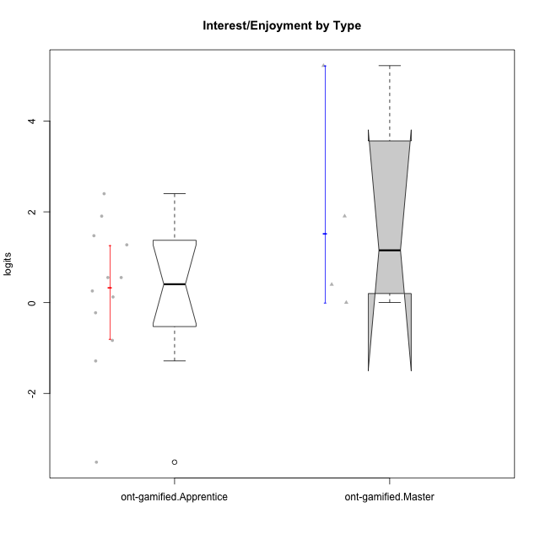

Wilcoxon data
UserID | Type | CLGroup | CLRole | PlayerRole | Score | theta | error | Outfit | Infit | Interest/Enjoyment
10120 | ont-gamified | Grupo Hélio | Master | Yee Socializer | 29 | 1.9055652511 | 0.48311511685 | 0.79065811945 | 0.88800775748 | 1.9055652511
10121 | ont-gamified | Grupo Hades | Master | Yee Achiever | 21 | 0.39919386735 | 0.38200822423 | 1.4813007243 | 1.7132025797 | 0.39919386735
10123 | ont-gamified | Grupo Morfeu | Apprentice | Yee Achiever | 10 | -0.83197918173 | 0.33030419057 | 0.24038574809 | 0.25976963503 | -0.83197918173
10126 | ont-gamified | Grupo Hélio | Apprentice | Yee Socializer | 26 | 1.2733257983 | 0.44310201785 | 0.45210567299 | 0.45673771746 | 1.2733257983
10127 | ont-gamified | Grupo Hades | Apprentice | Yee Achiever | 29 | 1.9055652511 | 0.48311511685 | 0.73963286641 | 0.80768465207 | 1.9055652511
10128 | ont-gamified | Grupo Morfeu | Apprentice | Yee Achiever | 0 | -3.5152952431 | 1.3470927129 | 0.086604821403 | 0.095875622172 | -3.5152952431
10131 | ont-gamified | Grupo Zeus | Apprentice | Yee Achiever | 31 | 2.3995832302 | 0.53009449508 | 2.0830474935 | 2.1626681644 | 2.3995832302
10134 | ont-gamified | Grupo Apolo | Apprentice | Yee Socializer | 6 | -1.2851216362 | 0.37536493957 | 0.13913620617 | 0.1299404666 | -1.2851216362
10137 | ont-gamified | Grupo Morfeu | Apprentice | Yee Achiever | 27 | 1.4744559961 | 0.45454809874 | 0.32433527599 | 0.31705756575 | 1.4744559961
10138 | ont-gamified | Grupo Hélio | Apprentice | Yee Socializer | 22 | 0.55299522042 | 0.39507205619 | 0.7113260729 | 0.71574439108 | 0.55299522042
10139 | ont-gamified | Grupo Zeus | Apprentice | Yee Achiever | 16 | -0.22343251553 | 0.33395787153 | 0.92012774957 | 0.88757302498 | -0.22343251553
10141 | ont-gamified | Grupo Apolo | Master | Yee Socializer | 18 | 0.0020687155691 | 0.34858535674 | 0.42952403445 | 0.44943859069 | 0.0020687155691
10142 | ont-gamified | Grupo Hades | Apprentice | Yee Achiever | 22 | 0.55299522042 | 0.39507205619 | 0.87165943345 | 0.82080010641 | 0.55299522042
10143 | ont-gamified | Grupo Apolo | Apprentice | Yee Socializer | 19 | 0.12501694921 | 0.35834357661 | 0.11759173528 | 0.11924283168 | 0.12501694921
10148 | ont-gamified | Grupo Apolo | Apprentice | Yee Socializer | 20 | 0.25688594663 | 0.36958757429 | 0.58761584906 | 0.54198181336 | 0.25688594663
10152 | ont-gamified | Grupo Morfeu | Master | Yee Achiever | 36 | 5.2205995056 | 1.494463393 | 0.080317890973 | 0.089344439625 | 5.2205995056

