Assumptions
ANOVA assumptions for Interest/Enjoyment by Type

Shapiro-Wilk normality test for Interest/Enjoyment by Type
W | p.value
0.97864545376 | 0.7885034066

Plots for normality test
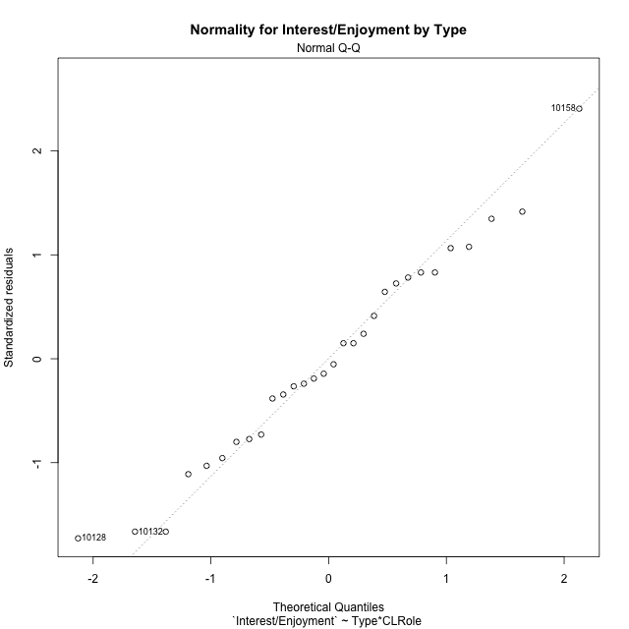

Levene's Test for Homogeneity of Variance in Interest/Enjoyment by Type
Df | F value | Pr(>F)
3 | 0.98604293042 | 0.41466138118
26

Plots for homogeneity of variance
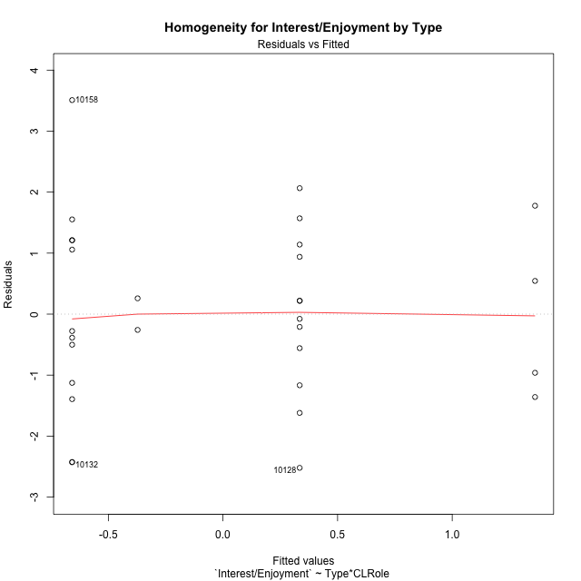

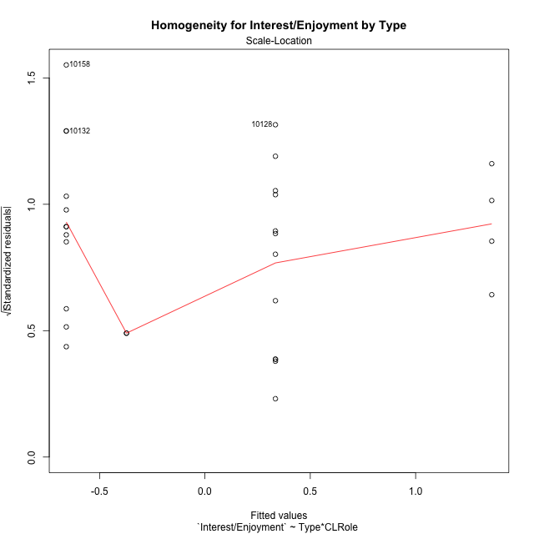

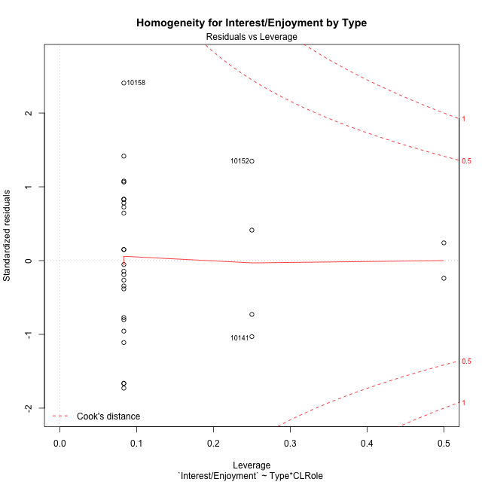

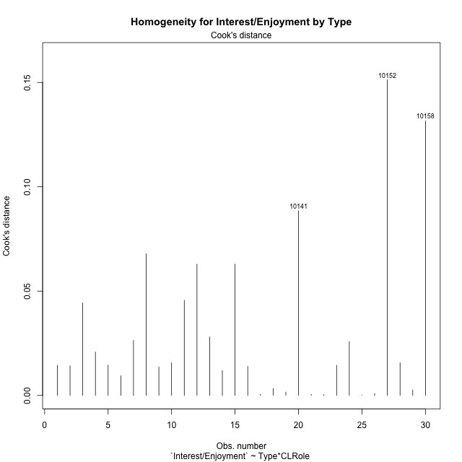

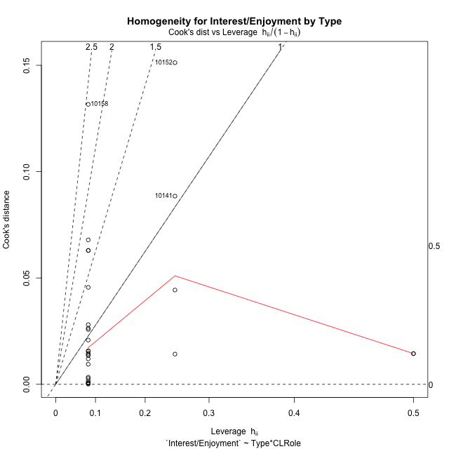

Minimum Sample Size Test for Interest/Enjoyment by Type
Type | CLRole | Freq
non-gamified | Apprentice | 12
ont-gamified | Apprentice | 12
non-gamified | Master | 2
ont-gamified | Master | 4

Errors and Warnings in Sample Size Test for ANOVA in Interest/Enjoyment by Type
code | description
WARN: sample.size | current size is 12 and recommended size is 15 for the group: 'non-gamified:Apprentice'.
WARN: sample.size | current size is 12 and recommended size is 15 for the group: 'ont-gamified:Apprentice'.
FAIL: min.size | current size is 2 but the minimal recomended size is 5 for the group: 'non-gamified:Master'.
FAIL: min.size | current size is 4 but the minimal recomended size is 5 for the group: 'ont-gamified:Master'.

For the group: 'non-gamified:Apprentice', we recommend the use of non-parametric test. For the group: 'ont-gamified:Apprentice', we recommend the use of non-parametric test. For the group: 'non-gamified:Master', we recommend the use of non-parametric test. For the group: 'ont-gamified:Master', we recommend the use of non-parametric test.

Post-hoc
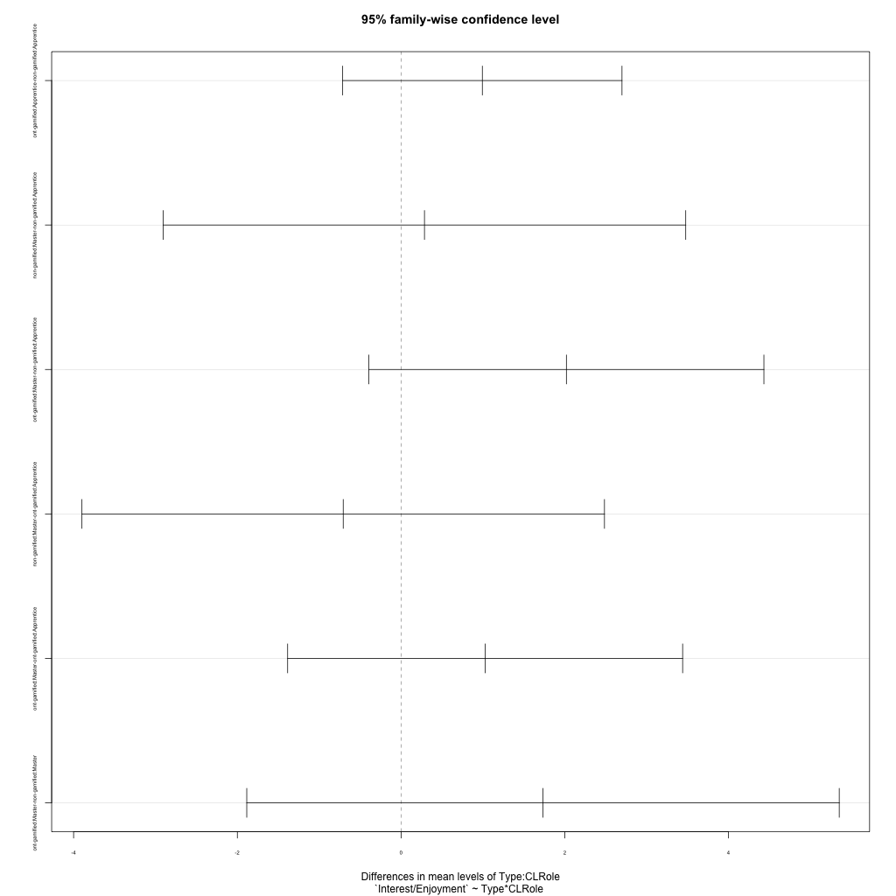
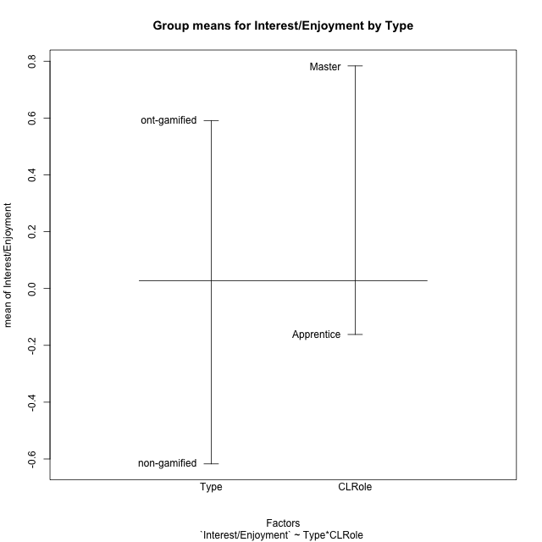
Post-hoc Tukey Honestly Significant Difference (HSD) Test for Interest/Enjoyment by Type

Comparisons of means for Type
 | diff | lwr | upr | p adj
ont-gamified-non-gamified | 1.208442225 | 0.062706718499 | 2.3541777316 | 0.039493984333

Comparisons of means for CLRole
 | diff | lwr | upr | p adj
Master-Apprentice | 0.74377720351 | -0.68520603692 | 2.1727604439 | 0.29450079882

Comparisons of means for Type:CLRole
 | diff | lwr | upr | p adj
ont-gamified:Apprentice-non-gamified:Apprentice | 0.99257955234 | -0.71320774134 | 2.698366846 | 0.3981136857
non-gamified:Master-non-gamified:Apprentice | 0.28576873051 | -2.9054670833 | 3.4770045443 | 0.9946593231
ont-gamified:Master-non-gamified:Apprentice | 2.0193266605 | -0.39302086472 | 4.4316741858 | 0.12491555985
non-gamified:Master-ont-gamified:Apprentice | -0.70681082183 | -3.8980466357 | 2.484424992 | 0.92874105304
ont-gamified:Master-ont-gamified:Apprentice | 1.0267471082 | -1.3856004171 | 3.4390946334 | 0.65201919883
ont-gamified:Master-non-gamified:Master | 1.73355793 | -1.8849633579 | 5.3520792179 | 0.56243416903

Contrast Matrices for Interest/Enjoyment by Type - Type
contrast | estimate | SE | df | t.ratio | p.value
non-gamified - ont-gamified | -1.3630687412 | 0.72912128538 | 26 | -1.8694677669 | 0.072860636985

Contrast Matrices for Interest/Enjoyment by Type - Type:CLRole
contrast | CLRole | estimate | SE | df | t.ratio | p.value
non-gamified - ont-gamified | Apprentice | -0.99257955234 | 0.62179672141 | 26 | -1.5963087584 | 0.12250444655
non-gamified - ont-gamified | Master | -1.73355793 | 1.3190300347 | 26 | -1.3142672149 | 0.2002335773

Least Squares Means and Confidence Intervals for Type
Type | lsmean | SE | df | lower.CL | upper.CL | Pairs
non-gamified | -0.51517526408 | 0.58163757394 | 26 | -1.7107484199 | 0.68039789177 | non-gamified
ont-gamified | 0.8478934771 | 0.43967667823 | 26 | -0.055874878491 | 1.7516618327 | ont-gamified

Least Squares Means and Confidence Intervals for Type:CLRole
Type | CLRole | lsmean | SE | df | lower.CL | upper.CL | Pairs
non-gamified | Apprentice | -0.65805962934 | 0.43967667823 | 26 | -1.5618279849 | 0.24570872625 | non-gamified.Apprentice
ont-gamified | Apprentice | 0.334519923 | 0.43967667823 | 26 | -0.56924843258 | 1.2382882786 | ont-gamified.Apprentice
non-gamified | Master | -0.37229089883 | 1.0769835135 | 26 | -2.5860622157 | 1.841480418 | non-gamified.Master
ont-gamified | Master | 1.3612670312 | 0.7615423456 | 26 | -0.20410567896 | 2.9266397413 | ont-gamified.Master

Plots

Type_1
Student's t-Test for Interest/Enjoyment by Type in Type between non-gamified:ont-gamified

Student's t-Test results
Alternative hypothesis: less
Group | N | Mean | Mean.Difference | Std.deviation | Std.error | CI.lower | CI.upper | df | t.value | p.value | g | magnitude
non-gamified | 14 | -0.61723552498 | -1.208442225 | 1.6295385461 | 0.43551249558 | -1.4882605161 | 0.25378946619 | 25.796220698 | -2.1672533272 | 0.019817516833 | -0.78004346091 | medium
ont-gamified | 16 | 0.59120670005 | 1.208442225 | 1.3927655687 | 0.34819139217 | -0.10517608429 | 1.2875894844 | 25.796220698 | -2.1672533272 | 0.019817516833 | -0.78004346091 | medium
Alternative hypothesis: greater
Group | N | Mean | Mean.Difference | Std.deviation | Std.error | CI.lower | CI.upper | df | t.value | p.value | g | magnitude
non-gamified | 14 | -0.61723552498 | -1.208442225 | 1.6295385461 | 0.43551249558 | -1.4882605161 | 0.25378946619 | 25.796220698 | -2.1672533272 | 0.98018248317 | -0.78004346091 | medium
ont-gamified | 16 | 0.59120670005 | 1.208442225 | 1.3927655687 | 0.34819139217 | -0.10517608429 | 1.2875894844 | 25.796220698 | -2.1672533272 | 0.98018248317 | -0.78004346091 | medium
Alternative hypothesis: two.sided
Group | N | Mean | Mean.Difference | Std.deviation | Std.error | CI.lower | CI.upper | df | t.value | p.value | g | magnitude
non-gamified | 14 | -0.61723552498 | -1.208442225 | 1.6295385461 | 0.43551249558 | -1.4882605161 | 0.25378946619 | 25.796220698 | -2.1672533272 | 0.039635033665 | -0.78004346091 | medium
ont-gamified | 16 | 0.59120670005 | 1.208442225 | 1.3927655687 | 0.34819139217 | -0.10517608429 | 1.2875894844 | 25.796220698 | -2.1672533272 | 0.039635033665 | -0.78004346091 | medium

Box plots for Student's t-Test
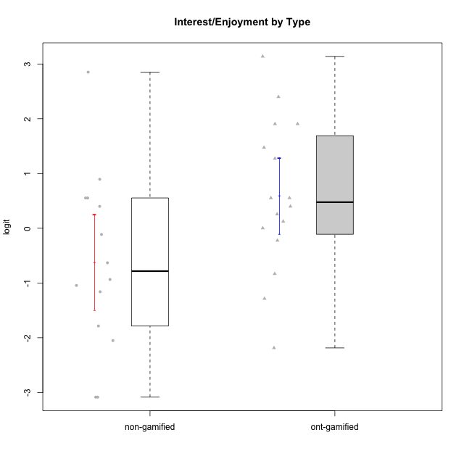

Student's t-Test data
UserID | Type | CLGroup | CLRole | PlayerRole | Interest/Enjoyment | Perceived Choice | Pressure/Tension | Effort/Importance | Intrinsic Motivation
10116 | non-gamified | GroupC | Master |  | -0.11357294579 | -0.84246384474 | 0.207074728 | -0.59479403893 | -0.43947638936
10120 | ont-gamified | Grupo Hélio | Master | Yee Socializer | 1.9055652511 | 1.3724895791 | -0.92888751811 | 0.43187671077 | 1.2745279552
10121 | ont-gamified | Grupo Hades | Master | Yee Achiever | 0.39919386735 | 0.58689611203 | 0.34545624663 | -0.11852834837 | 0.1305263461
10122 | non-gamified | GroupB | Apprentice |  | -2.0523461364 | 1.1695914201 | -0.48810270396 | -0.11852834837 | -0.12829509018
10123 | ont-gamified | Grupo Morfeu | Apprentice | Yee Achiever | -0.83197918173 | 0.23576870755 | 0.207074728 | -0.42994125574 | -0.30830661448
10126 | ont-gamified | Grupo Hélio | Apprentice | Yee Socializer | 1.2733257983 | 1.1695914201 | -0.48810270396 | -0.11852834837 | 0.70312289349
10127 | ont-gamified | Grupo Hades | Apprentice | Yee Achiever | 1.9055652511 | 0.23576870755 | -0.19509897189 | -0.77939890156 | 0.38925850725
10128 | ont-gamified | Grupo Morfeu | Apprentice | Yee Achiever | -2.1860512029 | 0.58689611203 | -0.33626190168 | -1.530751374 | -0.84389969656
10129 | non-gamified | GroupB | Apprentice |  | -1.7851511272 | -0.62243343859 | 1.1760127697 | 0.043437426927 | -1.3842690895
10130 | non-gamified | GroupC | Apprentice |  | 0.55299522042 | -0.30498894625 | 1.1760127697 | 0.69391751569 | -0.11778394501
10131 | ont-gamified | Grupo Zeus | Apprentice | Yee Achiever | 2.3995832302 | -0.95909932617 | -0.86046882355 | 0.42905726588 | 0.68250249838
10132 | non-gamified | GroupA | Apprentice |  | -3.0846876744 | -0.19915646976 | -0.19509897189 | 0.22124465728 | -0.82452702092
10134 | ont-gamified | Grupo Apolo | Apprentice | Yee Socializer | -1.2851216362 | -0.73083108762 | 0.34545624663 | -0.59479403893 | -0.73905075235
10135 | non-gamified | GroupB | Apprentice |  | 0.39919386735 | 0.34922612396 | 0.34545624663 | -0.273828091 | 0.032283913422
10136 | non-gamified | GroupC | Apprentice |  | -3.0846876744 | -1.370717033 | 0.073157005293 | -1.0029936954 | -1.4862865703
10137 | ont-gamified | Grupo Morfeu | Apprentice | Yee Achiever | 1.4744559961 | 1.3724895791 | -1.2956562305 | 0.69391751569 | 1.3321669013
10138 | ont-gamified | Grupo Hélio | Apprentice | Yee Socializer | 0.55299522042 | -0.41039697569 | 0.34545624663 | 1.2936946773 | 0.4248543794
10139 | ont-gamified | Grupo Zeus | Apprentice | Yee Achiever | -0.22343251553 | 0.12466021952 | -0.48810270396 | -0.59479403893 | -0.051365907743
10140 | non-gamified | GroupC | Apprentice |  | -1.0446754489 | -0.19915646976 | 0.84536116149 | -1.0029936954 | -0.7732129403
10141 | ont-gamified | Grupo Apolo | Master | Yee Socializer | 0.0020687155691 | -0.41039697569 | -0.059821730394 | -0.42994125574 | -0.19461194637
10142 | ont-gamified | Grupo Hades | Apprentice | Yee Achiever | 0.55299522042 | -0.30498894625 | -0.86046882355 | -0.11852834837 | 0.24748668734
10143 | ont-gamified | Grupo Apolo | Apprentice | Yee Socializer | 0.12501694921 | 0.34922612396 | -0.059821730394 | 0.42905726588 | 0.24078051736
10145 | non-gamified | GroupB | Master |  | -0.63100885186 | -0.84246384474 | 0.49281785314 | 1.2936946773 | -0.016003757564
10146 | non-gamified | GroupA | Apprentice |  | 0.89459676096 | 0.34922612396 | -0.33626190168 | 0.69391751569 | 0.56850057557
10148 | ont-gamified | Grupo Apolo | Apprentice | Yee Socializer | 0.25688594663 | 0.71417324881 | 0.84536116149 | 0.69391751569 | 0.20490388741
10149 | non-gamified | GroupA | Apprentice |  | -0.93606252105 | -1.0832149658 | 1.1760127697 | 0.22124465728 | -1.2427405122
10152 | ont-gamified | Grupo Morfeu | Master | Yee Achiever | 3.1382402907 | 0.71417324881 | -0.19509897189 | -0.59479403893 | 1.3837694218
10153 | non-gamified | GroupA | Apprentice |  | 0.55299522042 | -0.19915646976 | -0.33626190168 | -0.273828091 | 0.10406814034
10154 | non-gamified | GroupC | Apprentice |  | -1.160003562 | -1.2184796928 | 0.49281785314 | -0.42994125574 | -0.82531059092
10158 | non-gamified | GroupD | Apprentice |  | 2.8511175231 | 0.58689611203 | -1.2956562305 | 0.92790277393 | 1.0879773457

Type_CLRole_1
Student's t-Test for Interest/Enjoyment by Type in Type:CLRole between non-gamified.Apprentice:non-gamified.Master

Student's t-Test results
Alternative hypothesis: less
Group | N | Mean | Mean.Difference | Std.deviation | Std.error | CI.lower | CI.upper | df | t.value | p.value | g | magnitude
non-gamified.Apprentice | 12 | -0.65805962934 | -0.28576873051 | 1.7644541099 | 0.50935402766 | -1.6767676847 | 0.36064842598 | 10.049803464 | -0.50021333124 | 0.31384800344 | -0.15805427797 | negligible
non-gamified.Master | 2 | -0.37229089883 | 0.28576873051 | 0.36588243801 | 0.25871795303 | -0.8897268049 | 0.14514500724 | 10.049803464 | -0.50021333124 | 0.31384800344 | -0.15805427797 | negligible
Alternative hypothesis: greater
Group | N | Mean | Mean.Difference | Std.deviation | Std.error | CI.lower | CI.upper | df | t.value | p.value | g | magnitude
non-gamified.Apprentice | 12 | -0.65805962934 | -0.28576873051 | 1.7644541099 | 0.50935402766 | -1.6767676847 | 0.36064842598 | 10.049803464 | -0.50021333124 | 0.68615199656 | -0.15805427797 | negligible
non-gamified.Master | 2 | -0.37229089883 | 0.28576873051 | 0.36588243801 | 0.25871795303 | -0.8897268049 | 0.14514500724 | 10.049803464 | -0.50021333124 | 0.68615199656 | -0.15805427797 | negligible
Alternative hypothesis: two.sided
Group | N | Mean | Mean.Difference | Std.deviation | Std.error | CI.lower | CI.upper | df | t.value | p.value | g | magnitude
non-gamified.Apprentice | 12 | -0.65805962934 | -0.28576873051 | 1.7644541099 | 0.50935402766 | -1.6767676847 | 0.36064842598 | 10.049803464 | -0.50021333124 | 0.62769600688 | -0.15805427797 | negligible
non-gamified.Master | 2 | -0.37229089883 | 0.28576873051 | 0.36588243801 | 0.25871795303 | -0.8897268049 | 0.14514500724 | 10.049803464 | -0.50021333124 | 0.62769600688 | -0.15805427797 | negligible

Box plots for Student's t-Test
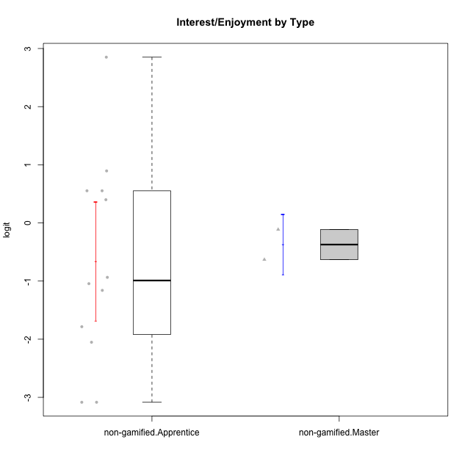

Student's t-Test data
UserID | Type | CLGroup | CLRole | PlayerRole | Interest/Enjoyment | Perceived Choice | Pressure/Tension | Effort/Importance | Intrinsic Motivation
10116 | non-gamified | GroupC | Master |  | -0.11357294579 | -0.84246384474 | 0.207074728 | -0.59479403893 | -0.43947638936
10122 | non-gamified | GroupB | Apprentice |  | -2.0523461364 | 1.1695914201 | -0.48810270396 | -0.11852834837 | -0.12829509018
10129 | non-gamified | GroupB | Apprentice |  | -1.7851511272 | -0.62243343859 | 1.1760127697 | 0.043437426927 | -1.3842690895
10130 | non-gamified | GroupC | Apprentice |  | 0.55299522042 | -0.30498894625 | 1.1760127697 | 0.69391751569 | -0.11778394501
10132 | non-gamified | GroupA | Apprentice |  | -3.0846876744 | -0.19915646976 | -0.19509897189 | 0.22124465728 | -0.82452702092
10135 | non-gamified | GroupB | Apprentice |  | 0.39919386735 | 0.34922612396 | 0.34545624663 | -0.273828091 | 0.032283913422
10136 | non-gamified | GroupC | Apprentice |  | -3.0846876744 | -1.370717033 | 0.073157005293 | -1.0029936954 | -1.4862865703
10140 | non-gamified | GroupC | Apprentice |  | -1.0446754489 | -0.19915646976 | 0.84536116149 | -1.0029936954 | -0.7732129403
10145 | non-gamified | GroupB | Master |  | -0.63100885186 | -0.84246384474 | 0.49281785314 | 1.2936946773 | -0.016003757564
10146 | non-gamified | GroupA | Apprentice |  | 0.89459676096 | 0.34922612396 | -0.33626190168 | 0.69391751569 | 0.56850057557
10149 | non-gamified | GroupA | Apprentice |  | -0.93606252105 | -1.0832149658 | 1.1760127697 | 0.22124465728 | -1.2427405122
10153 | non-gamified | GroupA | Apprentice |  | 0.55299522042 | -0.19915646976 | -0.33626190168 | -0.273828091 | 0.10406814034
10154 | non-gamified | GroupC | Apprentice |  | -1.160003562 | -1.2184796928 | 0.49281785314 | -0.42994125574 | -0.82531059092
10158 | non-gamified | GroupD | Apprentice |  | 2.8511175231 | 0.58689611203 | -1.2956562305 | 0.92790277393 | 1.0879773457

Type_CLRole_2
Student's t-Test for Interest/Enjoyment by Type in Type:CLRole between non-gamified.Apprentice:ont-gamified.Apprentice

Student's t-Test results
Alternative hypothesis: less
Group | N | Mean | Mean.Difference | Std.deviation | Std.error | CI.lower | CI.upper | df | t.value | p.value | g | magnitude
non-gamified.Apprentice | 12 | -0.65805962934 | -0.99257955234 | 1.7644541099 | 0.50935402766 | -1.6767676847 | 0.36064842598 | 20.510644689 | -1.552536093 | 0.067914305488 | -0.61196433668 | medium
ont-gamified.Apprentice | 12 | 0.334519923 | 0.99257955234 | 1.3385002026 | 0.38639172614 | -0.43826352928 | 1.1073033753 | 20.510644689 | -1.552536093 | 0.067914305488 | -0.61196433668 | medium
Alternative hypothesis: greater
Group | N | Mean | Mean.Difference | Std.deviation | Std.error | CI.lower | CI.upper | df | t.value | p.value | g | magnitude
non-gamified.Apprentice | 12 | -0.65805962934 | -0.99257955234 | 1.7644541099 | 0.50935402766 | -1.6767676847 | 0.36064842598 | 20.510644689 | -1.552536093 | 0.93208569451 | -0.61196433668 | medium
ont-gamified.Apprentice | 12 | 0.334519923 | 0.99257955234 | 1.3385002026 | 0.38639172614 | -0.43826352928 | 1.1073033753 | 20.510644689 | -1.552536093 | 0.93208569451 | -0.61196433668 | medium
Alternative hypothesis: two.sided
Group | N | Mean | Mean.Difference | Std.deviation | Std.error | CI.lower | CI.upper | df | t.value | p.value | g | magnitude
non-gamified.Apprentice | 12 | -0.65805962934 | -0.99257955234 | 1.7644541099 | 0.50935402766 | -1.6767676847 | 0.36064842598 | 20.510644689 | -1.552536093 | 0.13582861098 | -0.61196433668 | medium
ont-gamified.Apprentice | 12 | 0.334519923 | 0.99257955234 | 1.3385002026 | 0.38639172614 | -0.43826352928 | 1.1073033753 | 20.510644689 | -1.552536093 | 0.13582861098 | -0.61196433668 | medium

Box plots for Student's t-Test
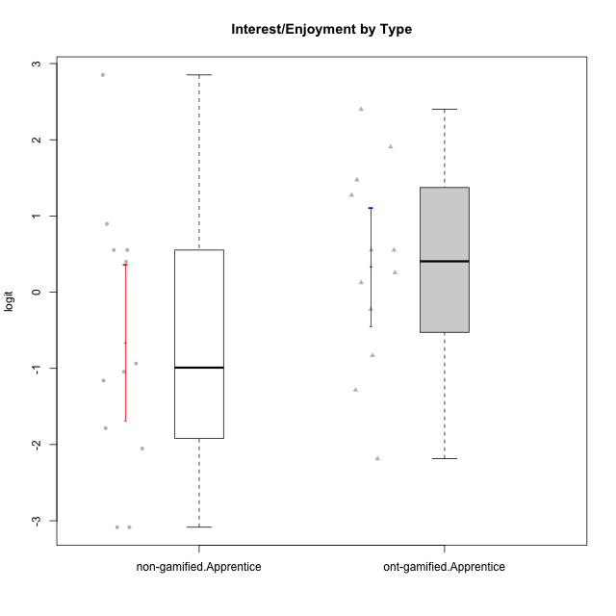

Student's t-Test data
UserID | Type | CLGroup | CLRole | PlayerRole | Interest/Enjoyment | Perceived Choice | Pressure/Tension | Effort/Importance | Intrinsic Motivation
10122 | non-gamified | GroupB | Apprentice |  | -2.0523461364 | 1.1695914201 | -0.48810270396 | -0.11852834837 | -0.12829509018
10123 | ont-gamified | Grupo Morfeu | Apprentice | Yee Achiever | -0.83197918173 | 0.23576870755 | 0.207074728 | -0.42994125574 | -0.30830661448
10126 | ont-gamified | Grupo Hélio | Apprentice | Yee Socializer | 1.2733257983 | 1.1695914201 | -0.48810270396 | -0.11852834837 | 0.70312289349
10127 | ont-gamified | Grupo Hades | Apprentice | Yee Achiever | 1.9055652511 | 0.23576870755 | -0.19509897189 | -0.77939890156 | 0.38925850725
10128 | ont-gamified | Grupo Morfeu | Apprentice | Yee Achiever | -2.1860512029 | 0.58689611203 | -0.33626190168 | -1.530751374 | -0.84389969656
10129 | non-gamified | GroupB | Apprentice |  | -1.7851511272 | -0.62243343859 | 1.1760127697 | 0.043437426927 | -1.3842690895
10130 | non-gamified | GroupC | Apprentice |  | 0.55299522042 | -0.30498894625 | 1.1760127697 | 0.69391751569 | -0.11778394501
10131 | ont-gamified | Grupo Zeus | Apprentice | Yee Achiever | 2.3995832302 | -0.95909932617 | -0.86046882355 | 0.42905726588 | 0.68250249838
10132 | non-gamified | GroupA | Apprentice |  | -3.0846876744 | -0.19915646976 | -0.19509897189 | 0.22124465728 | -0.82452702092
10134 | ont-gamified | Grupo Apolo | Apprentice | Yee Socializer | -1.2851216362 | -0.73083108762 | 0.34545624663 | -0.59479403893 | -0.73905075235
10135 | non-gamified | GroupB | Apprentice |  | 0.39919386735 | 0.34922612396 | 0.34545624663 | -0.273828091 | 0.032283913422
10136 | non-gamified | GroupC | Apprentice |  | -3.0846876744 | -1.370717033 | 0.073157005293 | -1.0029936954 | -1.4862865703
10137 | ont-gamified | Grupo Morfeu | Apprentice | Yee Achiever | 1.4744559961 | 1.3724895791 | -1.2956562305 | 0.69391751569 | 1.3321669013
10138 | ont-gamified | Grupo Hélio | Apprentice | Yee Socializer | 0.55299522042 | -0.41039697569 | 0.34545624663 | 1.2936946773 | 0.4248543794
10139 | ont-gamified | Grupo Zeus | Apprentice | Yee Achiever | -0.22343251553 | 0.12466021952 | -0.48810270396 | -0.59479403893 | -0.051365907743
10140 | non-gamified | GroupC | Apprentice |  | -1.0446754489 | -0.19915646976 | 0.84536116149 | -1.0029936954 | -0.7732129403
10142 | ont-gamified | Grupo Hades | Apprentice | Yee Achiever | 0.55299522042 | -0.30498894625 | -0.86046882355 | -0.11852834837 | 0.24748668734
10143 | ont-gamified | Grupo Apolo | Apprentice | Yee Socializer | 0.12501694921 | 0.34922612396 | -0.059821730394 | 0.42905726588 | 0.24078051736
10146 | non-gamified | GroupA | Apprentice |  | 0.89459676096 | 0.34922612396 | -0.33626190168 | 0.69391751569 | 0.56850057557
10148 | ont-gamified | Grupo Apolo | Apprentice | Yee Socializer | 0.25688594663 | 0.71417324881 | 0.84536116149 | 0.69391751569 | 0.20490388741
10149 | non-gamified | GroupA | Apprentice |  | -0.93606252105 | -1.0832149658 | 1.1760127697 | 0.22124465728 | -1.2427405122
10153 | non-gamified | GroupA | Apprentice |  | 0.55299522042 | -0.19915646976 | -0.33626190168 | -0.273828091 | 0.10406814034
10154 | non-gamified | GroupC | Apprentice |  | -1.160003562 | -1.2184796928 | 0.49281785314 | -0.42994125574 | -0.82531059092
10158 | non-gamified | GroupD | Apprentice |  | 2.8511175231 | 0.58689611203 | -1.2956562305 | 0.92790277393 | 1.0879773457

Type_CLRole_3
Student's t-Test for Interest/Enjoyment by Type in Type:CLRole between non-gamified.Apprentice:ont-gamified.Master

Student's t-Test results
Alternative hypothesis: less
Group | N | Mean | Mean.Difference | Std.deviation | Std.error | CI.lower | CI.upper | df | t.value | p.value | g | magnitude
non-gamified.Apprentice | 12 | -0.65805962934 | -2.0193266605 | 1.7644541099 | 0.50935402766 | -1.6767676847 | 0.36064842598 | 6.3189833398 | -2.2888596799 | 0.029931197608 | -1.1228650985 | large
ont-gamified.Master | 4 | 1.3612670312 | 2.0193266605 | 1.4407057704 | 0.72035288522 | -0.079438739259 | 2.8019728016 | 6.3189833398 | -2.2888596799 | 0.029931197608 | -1.1228650985 | large
Alternative hypothesis: greater
Group | N | Mean | Mean.Difference | Std.deviation | Std.error | CI.lower | CI.upper | df | t.value | p.value | g | magnitude
non-gamified.Apprentice | 12 | -0.65805962934 | -2.0193266605 | 1.7644541099 | 0.50935402766 | -1.6767676847 | 0.36064842598 | 6.3189833398 | -2.2888596799 | 0.97006880239 | -1.1228650985 | large
ont-gamified.Master | 4 | 1.3612670312 | 2.0193266605 | 1.4407057704 | 0.72035288522 | -0.079438739259 | 2.8019728016 | 6.3189833398 | -2.2888596799 | 0.97006880239 | -1.1228650985 | large
Alternative hypothesis: two.sided
Group | N | Mean | Mean.Difference | Std.deviation | Std.error | CI.lower | CI.upper | df | t.value | p.value | g | magnitude
non-gamified.Apprentice | 12 | -0.65805962934 | -2.0193266605 | 1.7644541099 | 0.50935402766 | -1.6767676847 | 0.36064842598 | 6.3189833398 | -2.2888596799 | 0.059862395215 | -1.1228650985 | large
ont-gamified.Master | 4 | 1.3612670312 | 2.0193266605 | 1.4407057704 | 0.72035288522 | -0.079438739259 | 2.8019728016 | 6.3189833398 | -2.2888596799 | 0.059862395215 | -1.1228650985 | large

Box plots for Student's t-Test
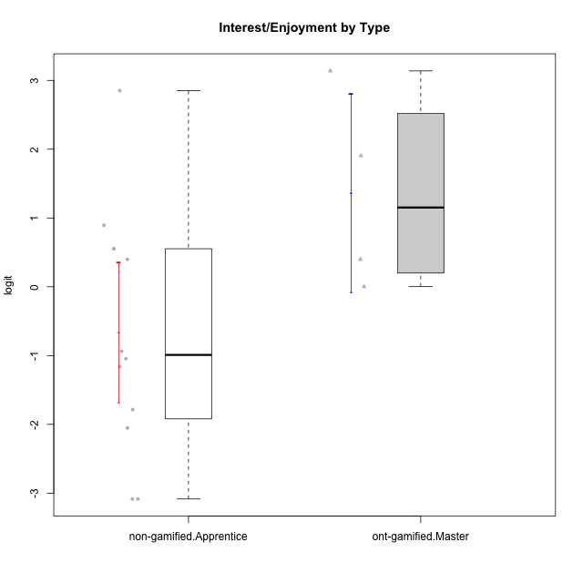

Student's t-Test data
UserID | Type | CLGroup | CLRole | PlayerRole | Interest/Enjoyment | Perceived Choice | Pressure/Tension | Effort/Importance | Intrinsic Motivation
10120 | ont-gamified | Grupo Hélio | Master | Yee Socializer | 1.9055652511 | 1.3724895791 | -0.92888751811 | 0.43187671077 | 1.2745279552
10121 | ont-gamified | Grupo Hades | Master | Yee Achiever | 0.39919386735 | 0.58689611203 | 0.34545624663 | -0.11852834837 | 0.1305263461
10122 | non-gamified | GroupB | Apprentice |  | -2.0523461364 | 1.1695914201 | -0.48810270396 | -0.11852834837 | -0.12829509018
10129 | non-gamified | GroupB | Apprentice |  | -1.7851511272 | -0.62243343859 | 1.1760127697 | 0.043437426927 | -1.3842690895
10130 | non-gamified | GroupC | Apprentice |  | 0.55299522042 | -0.30498894625 | 1.1760127697 | 0.69391751569 | -0.11778394501
10132 | non-gamified | GroupA | Apprentice |  | -3.0846876744 | -0.19915646976 | -0.19509897189 | 0.22124465728 | -0.82452702092
10135 | non-gamified | GroupB | Apprentice |  | 0.39919386735 | 0.34922612396 | 0.34545624663 | -0.273828091 | 0.032283913422
10136 | non-gamified | GroupC | Apprentice |  | -3.0846876744 | -1.370717033 | 0.073157005293 | -1.0029936954 | -1.4862865703
10140 | non-gamified | GroupC | Apprentice |  | -1.0446754489 | -0.19915646976 | 0.84536116149 | -1.0029936954 | -0.7732129403
10141 | ont-gamified | Grupo Apolo | Master | Yee Socializer | 0.0020687155691 | -0.41039697569 | -0.059821730394 | -0.42994125574 | -0.19461194637
10146 | non-gamified | GroupA | Apprentice |  | 0.89459676096 | 0.34922612396 | -0.33626190168 | 0.69391751569 | 0.56850057557
10149 | non-gamified | GroupA | Apprentice |  | -0.93606252105 | -1.0832149658 | 1.1760127697 | 0.22124465728 | -1.2427405122
10152 | ont-gamified | Grupo Morfeu | Master | Yee Achiever | 3.1382402907 | 0.71417324881 | -0.19509897189 | -0.59479403893 | 1.3837694218
10153 | non-gamified | GroupA | Apprentice |  | 0.55299522042 | -0.19915646976 | -0.33626190168 | -0.273828091 | 0.10406814034
10154 | non-gamified | GroupC | Apprentice |  | -1.160003562 | -1.2184796928 | 0.49281785314 | -0.42994125574 | -0.82531059092
10158 | non-gamified | GroupD | Apprentice |  | 2.8511175231 | 0.58689611203 | -1.2956562305 | 0.92790277393 | 1.0879773457

Type_CLRole_4
Student's t-Test for Interest/Enjoyment by Type in Type:CLRole between non-gamified.Master:ont-gamified.Apprentice

Student's t-Test results
Alternative hypothesis: less
Group | N | Mean | Mean.Difference | Std.deviation | Std.error | CI.lower | CI.upper | df | t.value | p.value | g | magnitude
non-gamified.Master | 2 | -0.37229089883 | -0.70681082183 | 0.36588243801 | 0.25871795303 | -0.8897268049 | 0.14514500724 | 7.1860126492 | -1.5199932378 | 0.085609128354 | -0.51459289016 | medium
ont-gamified.Apprentice | 12 | 0.334519923 | 0.70681082183 | 1.3385002026 | 0.38639172614 | -0.43826352928 | 1.1073033753 | 7.1860126492 | -1.5199932378 | 0.085609128354 | -0.51459289016 | medium
Alternative hypothesis: greater
Group | N | Mean | Mean.Difference | Std.deviation | Std.error | CI.lower | CI.upper | df | t.value | p.value | g | magnitude
non-gamified.Master | 2 | -0.37229089883 | -0.70681082183 | 0.36588243801 | 0.25871795303 | -0.8897268049 | 0.14514500724 | 7.1860126492 | -1.5199932378 | 0.91439087165 | -0.51459289016 | medium
ont-gamified.Apprentice | 12 | 0.334519923 | 0.70681082183 | 1.3385002026 | 0.38639172614 | -0.43826352928 | 1.1073033753 | 7.1860126492 | -1.5199932378 | 0.91439087165 | -0.51459289016 | medium
Alternative hypothesis: two.sided
Group | N | Mean | Mean.Difference | Std.deviation | Std.error | CI.lower | CI.upper | df | t.value | p.value | g | magnitude
non-gamified.Master | 2 | -0.37229089883 | -0.70681082183 | 0.36588243801 | 0.25871795303 | -0.8897268049 | 0.14514500724 | 7.1860126492 | -1.5199932378 | 0.17121825671 | -0.51459289016 | medium
ont-gamified.Apprentice | 12 | 0.334519923 | 0.70681082183 | 1.3385002026 | 0.38639172614 | -0.43826352928 | 1.1073033753 | 7.1860126492 | -1.5199932378 | 0.17121825671 | -0.51459289016 | medium

Box plots for Student's t-Test
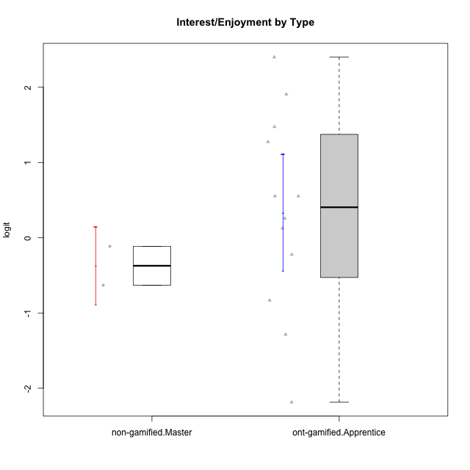

Student's t-Test data
UserID | Type | CLGroup | CLRole | PlayerRole | Interest/Enjoyment | Perceived Choice | Pressure/Tension | Effort/Importance | Intrinsic Motivation
10116 | non-gamified | GroupC | Master |  | -0.11357294579 | -0.84246384474 | 0.207074728 | -0.59479403893 | -0.43947638936
10123 | ont-gamified | Grupo Morfeu | Apprentice | Yee Achiever | -0.83197918173 | 0.23576870755 | 0.207074728 | -0.42994125574 | -0.30830661448
10126 | ont-gamified | Grupo Hélio | Apprentice | Yee Socializer | 1.2733257983 | 1.1695914201 | -0.48810270396 | -0.11852834837 | 0.70312289349
10127 | ont-gamified | Grupo Hades | Apprentice | Yee Achiever | 1.9055652511 | 0.23576870755 | -0.19509897189 | -0.77939890156 | 0.38925850725
10128 | ont-gamified | Grupo Morfeu | Apprentice | Yee Achiever | -2.1860512029 | 0.58689611203 | -0.33626190168 | -1.530751374 | -0.84389969656
10131 | ont-gamified | Grupo Zeus | Apprentice | Yee Achiever | 2.3995832302 | -0.95909932617 | -0.86046882355 | 0.42905726588 | 0.68250249838
10134 | ont-gamified | Grupo Apolo | Apprentice | Yee Socializer | -1.2851216362 | -0.73083108762 | 0.34545624663 | -0.59479403893 | -0.73905075235
10137 | ont-gamified | Grupo Morfeu | Apprentice | Yee Achiever | 1.4744559961 | 1.3724895791 | -1.2956562305 | 0.69391751569 | 1.3321669013
10138 | ont-gamified | Grupo Hélio | Apprentice | Yee Socializer | 0.55299522042 | -0.41039697569 | 0.34545624663 | 1.2936946773 | 0.4248543794
10139 | ont-gamified | Grupo Zeus | Apprentice | Yee Achiever | -0.22343251553 | 0.12466021952 | -0.48810270396 | -0.59479403893 | -0.051365907743
10142 | ont-gamified | Grupo Hades | Apprentice | Yee Achiever | 0.55299522042 | -0.30498894625 | -0.86046882355 | -0.11852834837 | 0.24748668734
10143 | ont-gamified | Grupo Apolo | Apprentice | Yee Socializer | 0.12501694921 | 0.34922612396 | -0.059821730394 | 0.42905726588 | 0.24078051736
10145 | non-gamified | GroupB | Master |  | -0.63100885186 | -0.84246384474 | 0.49281785314 | 1.2936946773 | -0.016003757564
10148 | ont-gamified | Grupo Apolo | Apprentice | Yee Socializer | 0.25688594663 | 0.71417324881 | 0.84536116149 | 0.69391751569 | 0.20490388741

Type_CLRole_5
Student's t-Test for Interest/Enjoyment by Type in Type:CLRole between non-gamified.Master:ont-gamified.Master

Student's t-Test results
Alternative hypothesis: less
Group | N | Mean | Mean.Difference | Std.deviation | Std.error | CI.lower | CI.upper | df | t.value | p.value | g | magnitude
non-gamified.Master | 2 | -0.37229089883 | -1.73355793 | 0.36588243801 | 0.25871795303 | -0.8897268049 | 0.14514500724 | 3.642068107 | -2.264892745 | 0.046387047877 | -1.0997741796 | large
ont-gamified.Master | 4 | 1.3612670312 | 1.73355793 | 1.4407057704 | 0.72035288522 | -0.079438739259 | 2.8019728016 | 3.642068107 | -2.264892745 | 0.046387047877 | -1.0997741796 | large
Alternative hypothesis: greater
Group | N | Mean | Mean.Difference | Std.deviation | Std.error | CI.lower | CI.upper | df | t.value | p.value | g | magnitude
non-gamified.Master | 2 | -0.37229089883 | -1.73355793 | 0.36588243801 | 0.25871795303 | -0.8897268049 | 0.14514500724 | 3.642068107 | -2.264892745 | 0.95361295212 | -1.0997741796 | large
ont-gamified.Master | 4 | 1.3612670312 | 1.73355793 | 1.4407057704 | 0.72035288522 | -0.079438739259 | 2.8019728016 | 3.642068107 | -2.264892745 | 0.95361295212 | -1.0997741796 | large
Alternative hypothesis: two.sided
Group | N | Mean | Mean.Difference | Std.deviation | Std.error | CI.lower | CI.upper | df | t.value | p.value | g | magnitude
non-gamified.Master | 2 | -0.37229089883 | -1.73355793 | 0.36588243801 | 0.25871795303 | -0.8897268049 | 0.14514500724 | 3.642068107 | -2.264892745 | 0.092774095753 | -1.0997741796 | large
ont-gamified.Master | 4 | 1.3612670312 | 1.73355793 | 1.4407057704 | 0.72035288522 | -0.079438739259 | 2.8019728016 | 3.642068107 | -2.264892745 | 0.092774095753 | -1.0997741796 | large

Box plots for Student's t-Test
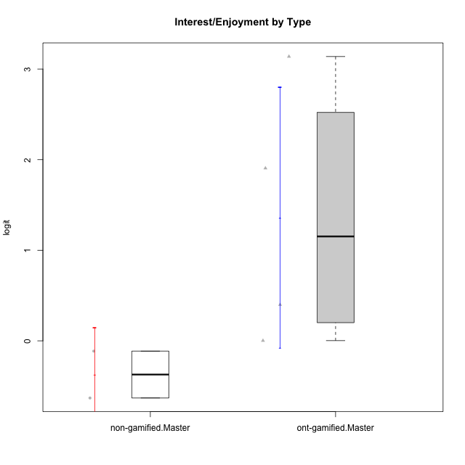

Student's t-Test data
UserID | Type | CLGroup | CLRole | PlayerRole | Interest/Enjoyment | Perceived Choice | Pressure/Tension | Effort/Importance | Intrinsic Motivation
10116 | non-gamified | GroupC | Master |  | -0.11357294579 | -0.84246384474 | 0.207074728 | -0.59479403893 | -0.43947638936
10120 | ont-gamified | Grupo Hélio | Master | Yee Socializer | 1.9055652511 | 1.3724895791 | -0.92888751811 | 0.43187671077 | 1.2745279552
10121 | ont-gamified | Grupo Hades | Master | Yee Achiever | 0.39919386735 | 0.58689611203 | 0.34545624663 | -0.11852834837 | 0.1305263461
10141 | ont-gamified | Grupo Apolo | Master | Yee Socializer | 0.0020687155691 | -0.41039697569 | -0.059821730394 | -0.42994125574 | -0.19461194637
10145 | non-gamified | GroupB | Master |  | -0.63100885186 | -0.84246384474 | 0.49281785314 | 1.2936946773 | -0.016003757564
10152 | ont-gamified | Grupo Morfeu | Master | Yee Achiever | 3.1382402907 | 0.71417324881 | -0.19509897189 | -0.59479403893 | 1.3837694218

Type_CLRole_6
Student's t-Test for Interest/Enjoyment by Type in Type:CLRole between ont-gamified.Apprentice:ont-gamified.Master

Student's t-Test results
Alternative hypothesis: less
Group | N | Mean | Mean.Difference | Std.deviation | Std.error | CI.lower | CI.upper | df | t.value | p.value | g | magnitude
ont-gamified.Apprentice | 12 | 0.334519923 | -1.0267471082 | 1.3385002026 | 0.38639172614 | -0.43826352928 | 1.1073033753 | 4.8648117883 | -1.2560531823 | 0.13302028393 | -0.71323198488 | medium
ont-gamified.Master | 4 | 1.3612670312 | 1.0267471082 | 1.4407057704 | 0.72035288522 | -0.079438739259 | 2.8019728016 | 4.8648117883 | -1.2560531823 | 0.13302028393 | -0.71323198488 | medium
Alternative hypothesis: greater
Group | N | Mean | Mean.Difference | Std.deviation | Std.error | CI.lower | CI.upper | df | t.value | p.value | g | magnitude
ont-gamified.Apprentice | 12 | 0.334519923 | -1.0267471082 | 1.3385002026 | 0.38639172614 | -0.43826352928 | 1.1073033753 | 4.8648117883 | -1.2560531823 | 0.86697971607 | -0.71323198488 | medium
ont-gamified.Master | 4 | 1.3612670312 | 1.0267471082 | 1.4407057704 | 0.72035288522 | -0.079438739259 | 2.8019728016 | 4.8648117883 | -1.2560531823 | 0.86697971607 | -0.71323198488 | medium
Alternative hypothesis: two.sided
Group | N | Mean | Mean.Difference | Std.deviation | Std.error | CI.lower | CI.upper | df | t.value | p.value | g | magnitude
ont-gamified.Apprentice | 12 | 0.334519923 | -1.0267471082 | 1.3385002026 | 0.38639172614 | -0.43826352928 | 1.1073033753 | 4.8648117883 | -1.2560531823 | 0.26604056787 | -0.71323198488 | medium
ont-gamified.Master | 4 | 1.3612670312 | 1.0267471082 | 1.4407057704 | 0.72035288522 | -0.079438739259 | 2.8019728016 | 4.8648117883 | -1.2560531823 | 0.26604056787 | -0.71323198488 | medium

Box plots for Student's t-Test
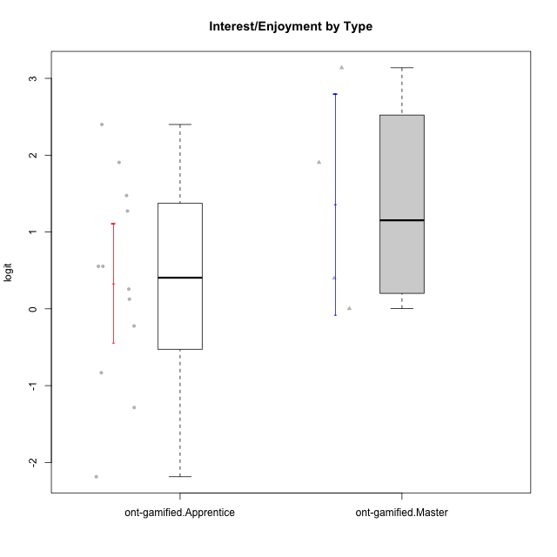

Student's t-Test data
UserID | Type | CLGroup | CLRole | PlayerRole | Interest/Enjoyment | Perceived Choice | Pressure/Tension | Effort/Importance | Intrinsic Motivation
10120 | ont-gamified | Grupo Hélio | Master | Yee Socializer | 1.9055652511 | 1.3724895791 | -0.92888751811 | 0.43187671077 | 1.2745279552
10121 | ont-gamified | Grupo Hades | Master | Yee Achiever | 0.39919386735 | 0.58689611203 | 0.34545624663 | -0.11852834837 | 0.1305263461
10123 | ont-gamified | Grupo Morfeu | Apprentice | Yee Achiever | -0.83197918173 | 0.23576870755 | 0.207074728 | -0.42994125574 | -0.30830661448
10126 | ont-gamified | Grupo Hélio | Apprentice | Yee Socializer | 1.2733257983 | 1.1695914201 | -0.48810270396 | -0.11852834837 | 0.70312289349
10127 | ont-gamified | Grupo Hades | Apprentice | Yee Achiever | 1.9055652511 | 0.23576870755 | -0.19509897189 | -0.77939890156 | 0.38925850725
10128 | ont-gamified | Grupo Morfeu | Apprentice | Yee Achiever | -2.1860512029 | 0.58689611203 | -0.33626190168 | -1.530751374 | -0.84389969656
10131 | ont-gamified | Grupo Zeus | Apprentice | Yee Achiever | 2.3995832302 | -0.95909932617 | -0.86046882355 | 0.42905726588 | 0.68250249838
10134 | ont-gamified | Grupo Apolo | Apprentice | Yee Socializer | -1.2851216362 | -0.73083108762 | 0.34545624663 | -0.59479403893 | -0.73905075235
10137 | ont-gamified | Grupo Morfeu | Apprentice | Yee Achiever | 1.4744559961 | 1.3724895791 | -1.2956562305 | 0.69391751569 | 1.3321669013
10138 | ont-gamified | Grupo Hélio | Apprentice | Yee Socializer | 0.55299522042 | -0.41039697569 | 0.34545624663 | 1.2936946773 | 0.4248543794
10139 | ont-gamified | Grupo Zeus | Apprentice | Yee Achiever | -0.22343251553 | 0.12466021952 | -0.48810270396 | -0.59479403893 | -0.051365907743
10141 | ont-gamified | Grupo Apolo | Master | Yee Socializer | 0.0020687155691 | -0.41039697569 | -0.059821730394 | -0.42994125574 | -0.19461194637
10142 | ont-gamified | Grupo Hades | Apprentice | Yee Achiever | 0.55299522042 | -0.30498894625 | -0.86046882355 | -0.11852834837 | 0.24748668734
10143 | ont-gamified | Grupo Apolo | Apprentice | Yee Socializer | 0.12501694921 | 0.34922612396 | -0.059821730394 | 0.42905726588 | 0.24078051736
10148 | ont-gamified | Grupo Apolo | Apprentice | Yee Socializer | 0.25688594663 | 0.71417324881 | 0.84536116149 | 0.69391751569 | 0.20490388741
10152 | ont-gamified | Grupo Morfeu | Master | Yee Achiever | 3.1382402907 | 0.71417324881 | -0.19509897189 | -0.59479403893 | 1.3837694218

