Global-info
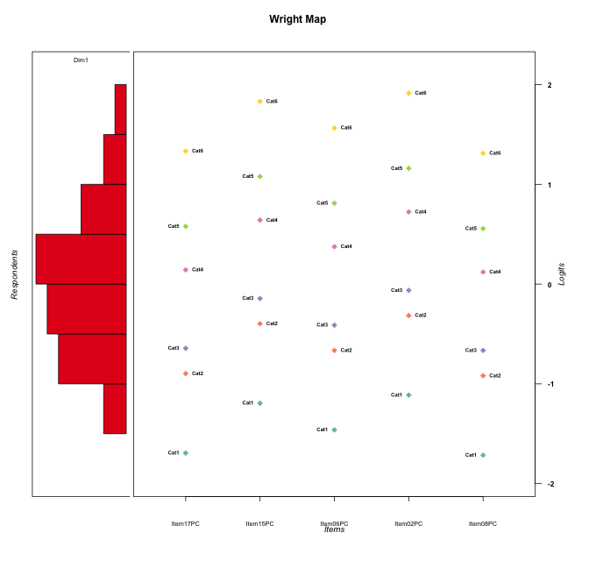
Global information for a measurement model

Information
Number.of.items | Deviance | Log.Likelihood | Number.of.persons | EAP.rel | n.theta.nodes | irt.model
5 | 506.33607427 | -253.16803714 | 30 | 0.79472745548 | 21 | RSM

Global fit statistic MADaQ3 and test fit
MADaQ3 | maxaQ3 | p
0.24835208665 | 0.50029662258 | 0.093327719832

Test statistic of global fit based on Chi square
maxX2 | Npairs | p.holm
114.05790799 | 10 | 4.8374937389E-09

Model fit statistics
X100.MADCOV | SRMR | SRMSR
40.147895369 | 0.13170077675 | 0.16466156938

Chi square tests for every item pairs
index1 | index2 | maxK1 | maxK2 | df | chi2 | p | p.holm
1 | 2 | 6 | 6 | 36 | 42.746453161 | 0.20391002033 | 0.89063974478
1 | 3 | 6 | 6 | 36 | 37.387789291 | 0.40519661911 | 1
1 | 4 | 6 | 6 | 36 | 31.888769347 | 0.66452786225 | 1
1 | 5 | 6 | 6 | 36 | 48.368586972 | 0.081589444979 | 0.60475791975
2 | 3 | 6 | 6 | 36 | 31.824796878 | 0.66750092163 | 1
2 | 4 | 6 | 6 | 36 | 48.316507079 | 0.082353656617 | 0.60475791975
2 | 5 | 6 | 6 | 36 | 95.521793466 | 2.7218780985E-07 | 2.4496902886E-06
3 | 4 | 6 | 6 | 36 | 48.791815586 | 0.075594739968 | 0.60475791975
3 | 5 | 6 | 6 | 36 | 114.05790799 | 4.8374937389E-10 | 4.8374937389E-09
4 | 5 | 6 | 6 | 36 | 43.655255842 | 0.17812794896 | 0.89063974478

Item residuals
Item17PC | Item15PC | Item06PC | Item02PC | Item08PC
0.46043143685 | 0.31656023548 | -1.1270873673 | -1.5575486851 | 0.42132915354
0.75054695685 | 1.2865782235 | -0.027836787805 | -0.6042989289 | 0.73227834442
-0.61838138492 | -0.84172102379 | 0.72204120728 | 1.2994362522 | 0.35210210869
0.87319633044 | 1.4704483574 | 0.12376030956 | -0.41141488696 | -0.14769293856
-0.13889807443 | 0.71717084119 | 1.2465187448 | -1.1341975816 | -0.17338144701
-0.12680366956 | 0.47044835742 | 0.12376030956 | 0.58858511304 | 0.85230706144
-1.1388980744 | 0.71717084119 | 0.24651874483 | 1.8658024184 | -1.173381447
1.3816186151 | 2.1582789762 | 1.7220412073 | -0.70056374778 | -3.6478978913
0.15351873572 | 0.047246545901 | 0.57729454031 | -1.8162233011 | 0.11391502129
-0.37803450063 | 0.52633534743 | -0.95795423596 | 1.6726289378 | -1.4167142101
-1.3644254156 | -1.5415254902 | -1.9635108435 | 0.57650189974 | 2.5971601953
1.4454739083 | 1.3472185197 | -0.13838581301 | -2.5042941937 | -0.59266563768
-0.6956101333 | 0.18374889509 | 1.7243755387 | -0.68430781452 | -1.7351027464
0.69598725831 | 1.5285784569 | 2.0676751713 | -0.32474563256 | -3.336937864
-0.78631396984 | 0.89871623142 | -0.43843835246 | -1.0119876037 | -0.82101758976
0.75054695685 | -1.7134217765 | 0.9721632122 | 1.3957010711 | 0.73227834442
-0.18986747291 | -0.285366621 | -1.7667996832 | 0.85811020653 | 0.77099098057
2.0132511799 | -3.1120677559 | -0.59010757022 | 0.03782021576 | 1.9774735324
-0.55452609171 | 0.34721851972 | -0.13838581301 | 0.49570580631 | -0.59266563768
-0.18986747291 | 0.714633379 | -1.7667996832 | 0.85811020653 | -0.22900901943
-0.37803450063 | 0.52633534743 | 1.042045764 | -1.3273710622 | -0.41671421008
0.69598725831 | -0.47142154313 | 0.067675171274 | -0.32474563256 | 0.66306213597
0.46043143685 | -1.6834397645 | 0.87291263267 | -1.5575486851 | 0.42132915354
-0.30401274169 | -0.47142154313 | 0.067675171274 | 0.67525436744 | 0.66306213597
-0.75097478512 | -1.0073682949 | 1.5720110978 | 0.13001353821 | 1.2212891888
-1.1706907589 | -0.38961503068 | -1.7849866119 | 2.7190663422 | -1.2081325007
0.24902521488 | 0.99263170511 | -1.4279889022 | 0.13001353821 | 1.2212891888
-1.5545260917 | -1.6527814803 | 0.86161418699 | 0.49570580631 | 1.4073343623
-0.97311297187 | -0.23887273626 | -0.60525526367 | -0.14005871003 | -0.0093252382163
1.3816186151 | -0.84172102379 | -1.2779587927 | 0.29943625222 | 1.3521021087

Wright Map for Item Response Models

Estimate-Items
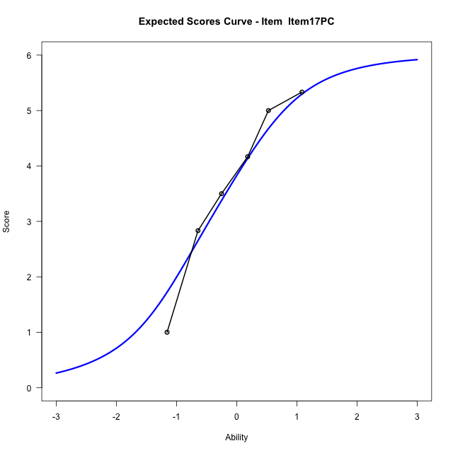
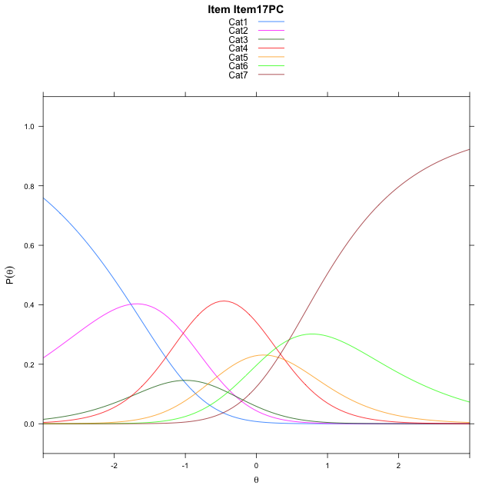
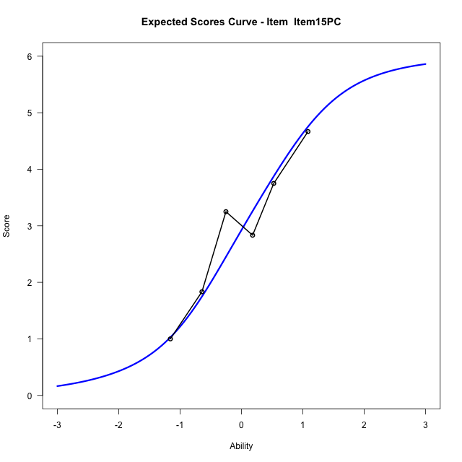
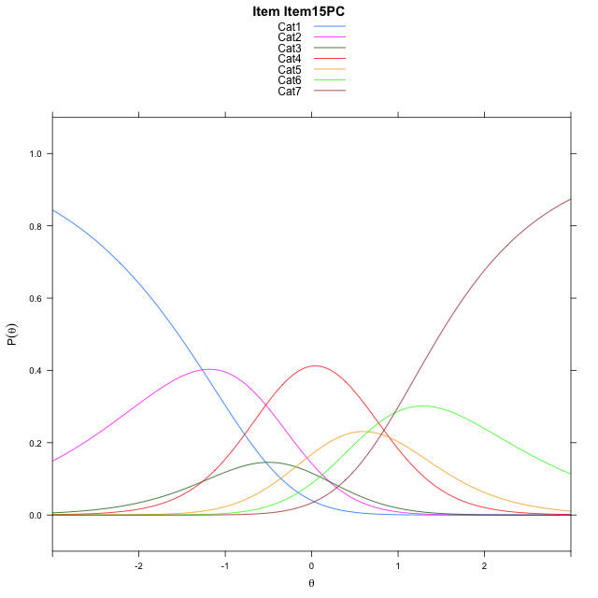
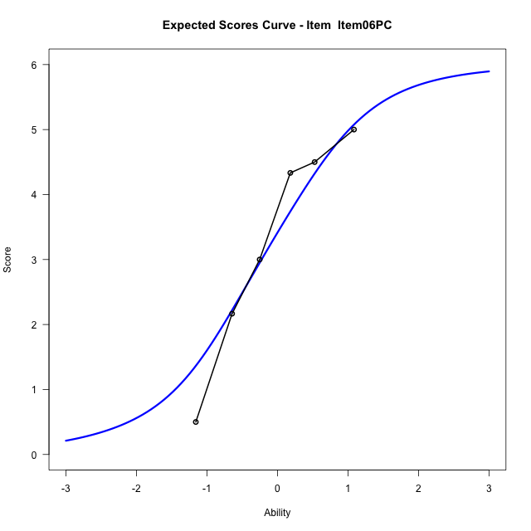
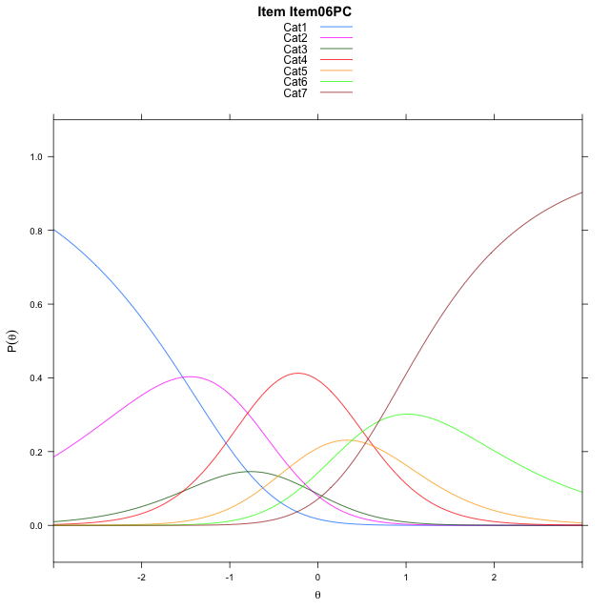
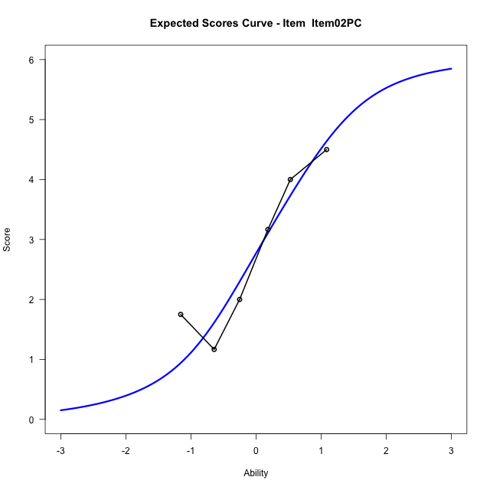
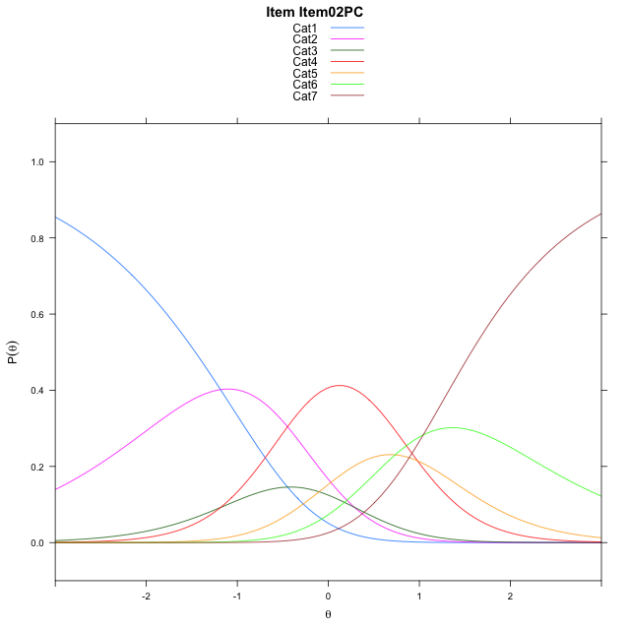
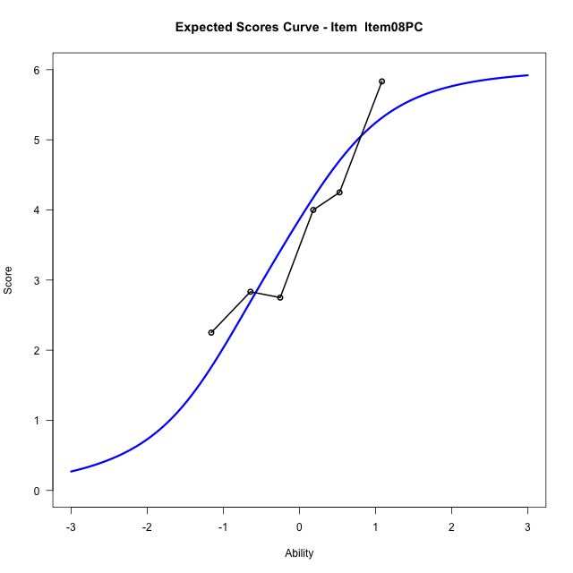
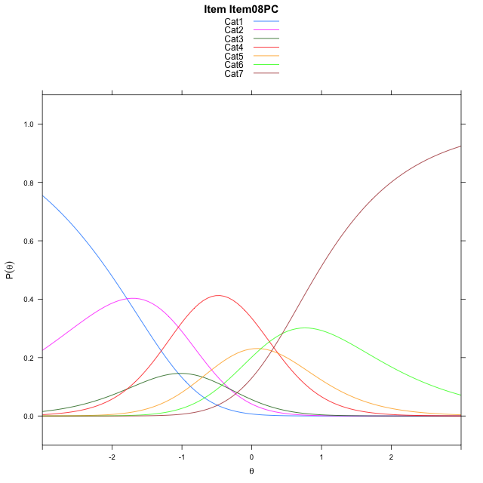
Estimate items information for the measurement model

Full Item Information
item | N | M | xsi.item | AXsi_.Cat1 | AXsi_.Cat2 | AXsi_.Cat3 | AXsi_.Cat4 | AXsi_.Cat5 | AXsi_.Cat6 | B.Cat1.Dim1 | B.Cat2.Dim1 | B.Cat3.Dim1 | B.Cat4.Dim1 | B.Cat5.Dim1 | B.Cat6.Dim1
Item17PC | 30 | 3.7333333333 | -0.46906212057 | -1.766376571 | -2.0607281538 | -3.8260005222 | -3.4281822747 | -3.2750608365 | -2.8143727234 | 1 | 2 | 3 | 4 | 5 | 6
Item15PC | 30 | 2.9333333333 | 0.030176167152 | -1.2671382833 | -1.0622515783 | -2.3282856591 | -1.4312291238 | -0.77886939791 | 0.18105700291 | 1 | 2 | 3 | 4 | 5 | 6
Item06PC | 30 | 3.3666666667 | -0.23699466639 | -1.5343091168 | -1.5965932454 | -3.1297981597 | -2.499912458 | -2.1147235656 | -1.4219679984 | 1 | 2 | 3 | 4 | 5 | 6
Item02PC | 30 | 2.8 | 0.11234034554 | -1.1849741049 | -0.89792322153 | -2.0817931239 | -1.1025724102 | -0.36804850594 | 0.67404207327 | 1 | 2 | 3 | 4 | 5 | 6
Item08PC | 30 | 3.7666666667 | -0.49069015661 | -1.788004607 | -2.1039842258 | -3.8908846304 | -3.5146944189 | -3.3832010167 | -2.9441409397 | 1 | 2 | 3 | 4 | 5 | 6

Thurstonian Thresholds (category-wise)
 | Cat1 | Cat2 | Cat3 | Cat4 | Cat5 | Cat6
Item17PC | -2.0429992676 | -1.1181335449 | -0.86325073242 | -0.091461181641 | 0.33828735352 | 0.98794555664
Item15PC | -1.5436706543 | -0.61880493164 | -0.36410522461 | 0.40768432617 | 0.83743286133 | 1.4870910645
Item06PC | -1.8108215332 | -0.88613891602 | -0.63125610352 | 0.14053344727 | 0.57028198242 | 1.2199401855
Item02PC | -1.4614562988 | -0.53677368164 | -0.28189086914 | 0.48989868164 | 0.9196472168 | 1.5693054199
Item08PC | -2.0646057129 | -1.1397399902 | -0.88485717773 | -0.11306762695 | 0.3166809082 | 0.96633911133

Thurstonian Thresholds (item-wise)
 | Threshold
Item17PC | -0.453769085
Item15PC | 0.043526837421
Item06PC | -0.22270449672
Item02PC | 0.12740903987
Item08PC | -0.47566337751

Item Infit/Outfit Statistic
parameter | Outfit | Outfit_t | Outfit_p | Outfit_pholm | Infit | Infit_t | Infit_p | Infit_pholm
Item17PC | 0.67387129368 | -1.4129026835 | 0.15768433996 | 1 | 0.67580670861 | -1.4398468507 | 0.14991073283 | 0.69913616759
Item15PC | 1.0147174774 | 0.10217025918 | 0.91862153393 | 1 | 0.99103635564 | 0.015772088749 | 0.98741621562 | 1
Item06PC | 0.93731404481 | -0.21530104885 | 0.82953261194 | 1 | 0.96651939424 | -0.094197237739 | 0.92495247898 | 1
Item02PC | 1.0656693601 | 0.30978804367 | 0.75672214442 | 1 | 1.0177070953 | 0.12551233639 | 0.90011795924 | 1
Item08PC | 1.4691389702 | 1.6576755871 | 0.097382963916 | 0.97382963916 | 1.3924985233 | 1.4764346986 | 0.13982723352 | 0.69913616759
Cat1 | 1.5155684215 | 0.78719231219 | 0.43116929692 | 1 | 1.4458457586 | 3.1498281657 | 0.0016336651846 | 0.011435656292
Cat2 | 1.4080717148 | 0.89951821135 | 0.36837669999 | 1 | 1.3950422347 | 4.2998854048 | 1.7088645015E-05 | 0.00013670916012
Cat3 | 1.4082727334 | 1.0157951034 | 0.30972696825 | 1 | 1.4141932664 | 5.4964465864 | 3.8752039775E-08 | 3.4876835797E-07
Cat4 | 1.4563017168 | 0.74384131136 | 0.45697248428 | 1 | 1.5475013168 | 6.7542009502 | 1.4362457499E-11 | 1.4362457499E-10
Cat5 | 1.5054358647 | 1.154798178 | 0.24817308342 | 1 | 1.4186276287 | 2.605809059 | 0.0091657541424 | 0.054994524855

Box plot of expected curves

