Assumptions
ANOVA assumptions for Perceived Choice by Type

Shapiro-Wilk normality test for Perceived Choice by Type
W | p.value
0.95631656371 | 0.24868533008

Plots for normality test
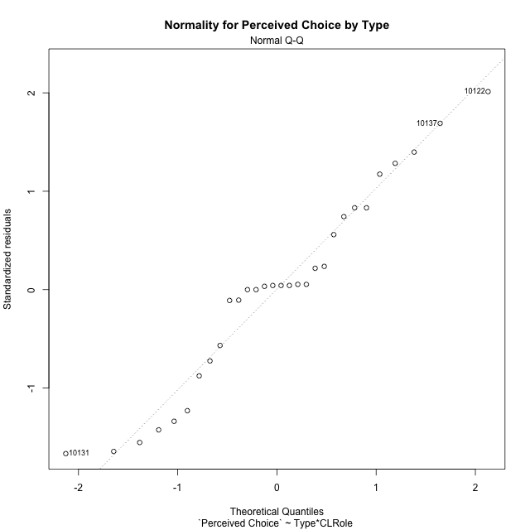

Levene's Test for Homogeneity of Variance in Perceived Choice by Type
Df | F value | Pr(>F)
3 | 0.92634100098 | 0.44195439259
26

Plots for homogeneity of variance
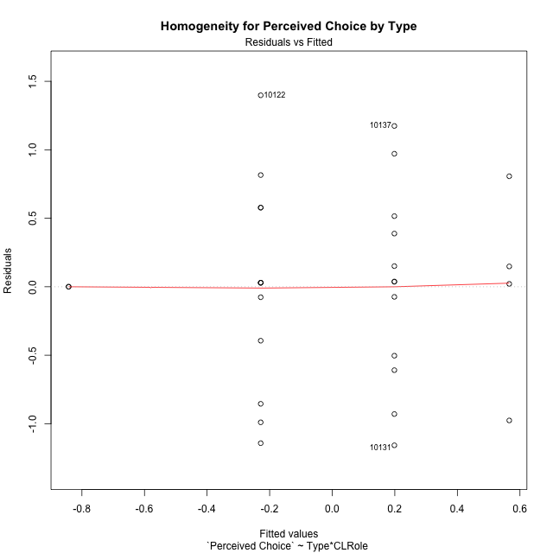

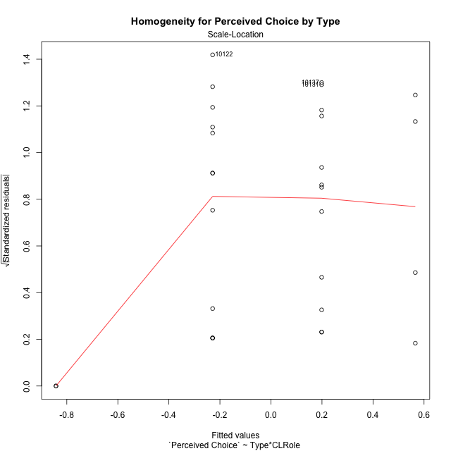

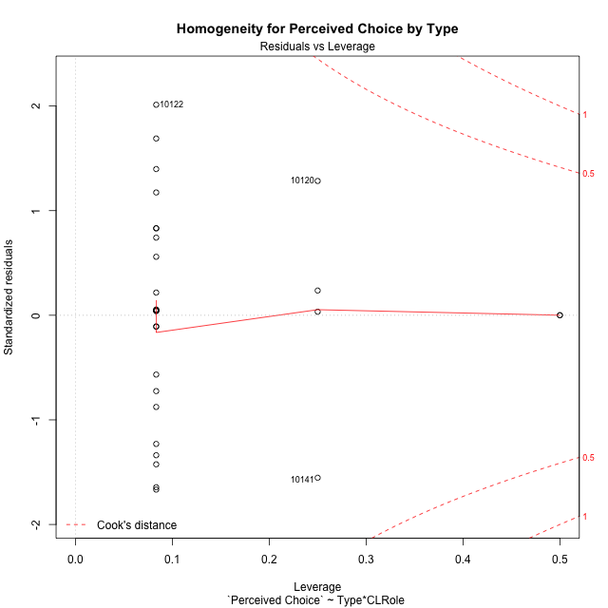

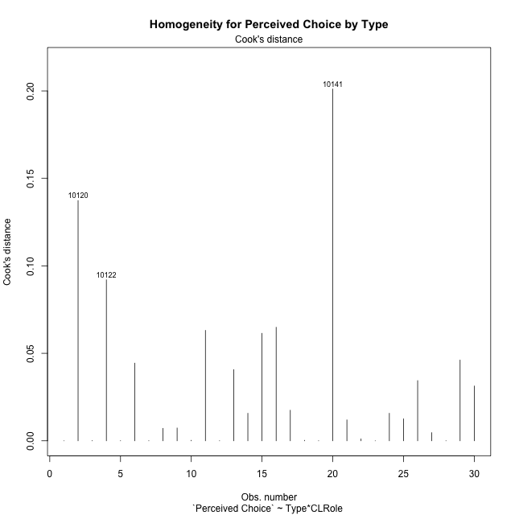

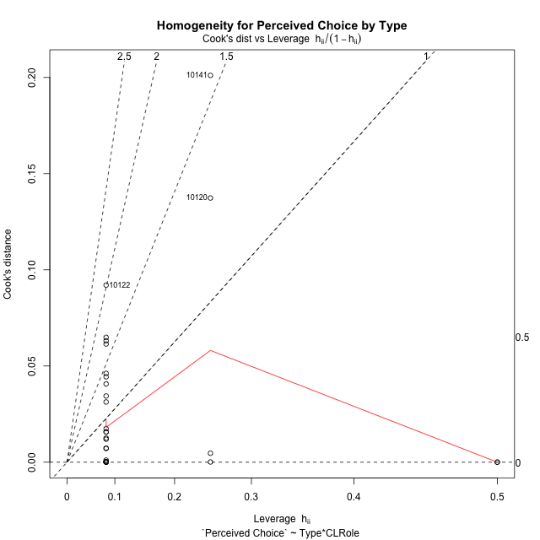

Minimum Sample Size Test for Perceived Choice by Type
Type | CLRole | Freq
non-gamified | Apprentice | 12
ont-gamified | Apprentice | 12
non-gamified | Master | 2
ont-gamified | Master | 4

Errors and Warnings in Sample Size Test for ANOVA in Perceived Choice by Type
code | description
WARN: sample.size | current size is 12 and recommended size is 15 for the group: 'non-gamified:Apprentice'.
WARN: sample.size | current size is 12 and recommended size is 15 for the group: 'ont-gamified:Apprentice'.
FAIL: min.size | current size is 2 but the minimal recomended size is 5 for the group: 'non-gamified:Master'.
FAIL: min.size | current size is 4 but the minimal recomended size is 5 for the group: 'ont-gamified:Master'.

For the group: 'non-gamified:Apprentice', we recommend the use of non-parametric test. For the group: 'ont-gamified:Apprentice', we recommend the use of non-parametric test. For the group: 'non-gamified:Master', we recommend the use of non-parametric test. For the group: 'ont-gamified:Master', we recommend the use of non-parametric test.

Post-hoc
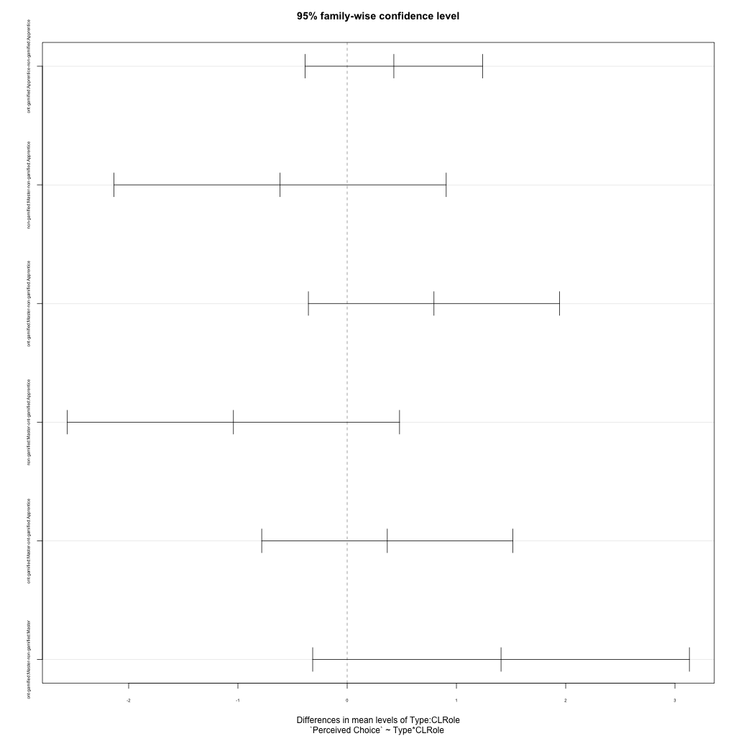
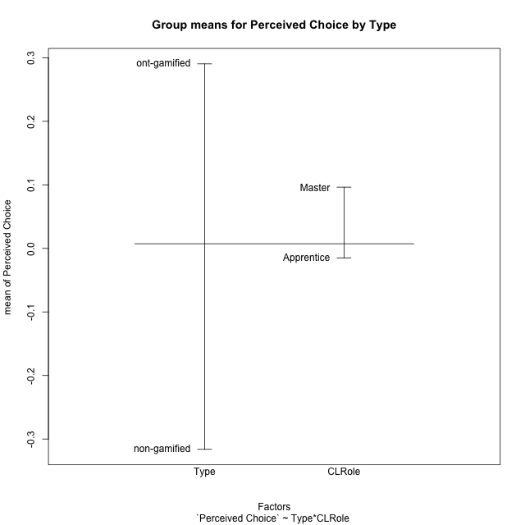
Post-hoc Tukey Honestly Significant Difference (HSD) Test for Perceived Choice by Type

Comparisons of means for Type
 | diff | lwr | upr | p adj
ont-gamified-non-gamified | 0.60663633385 | 0.060802766835 | 1.1524699009 | 0.030747996767

Comparisons of means for CLRole
 | diff | lwr | upr | p adj
Master-Apprentice | 0.010229070275 | -0.67054499572 | 0.69100313627 | 0.97559659972

Comparisons of means for Type:CLRole
 | diff | lwr | upr | p adj
ont-gamified:Apprentice-non-gamified:Apprentice | 0.42713512405 | -0.38550964238 | 1.2397798905 | 0.48570300334
non-gamified:Master-non-gamified:Apprentice | -0.61393353594 | -2.1342526825 | 0.90638561062 | 0.68802948481
ont-gamified:Master-non-gamified:Apprentice | 0.79432079988 | -0.35493245019 | 1.9435740499 | 0.25426475303
non-gamified:Master-ont-gamified:Apprentice | -1.04106866 | -2.5613878065 | 0.47925048657 | 0.26157644607
ont-gamified:Master-ont-gamified:Apprentice | 0.36718567583 | -0.78206757423 | 1.5164389259 | 0.81690941076
ont-gamified:Master-non-gamified:Master | 1.4082543358 | -0.31562553929 | 3.1321342109 | 0.1387492354

Contrast Matrices for Perceived Choice by Type - Type
contrast | estimate | SE | df | t.ratio | p.value
non-gamified - ont-gamified | -0.91769472993 | 0.34735667152 | 26 | -2.641937827 | 0.013769860884

Contrast Matrices for Perceived Choice by Type - Type:CLRole
contrast | CLRole | estimate | SE | df | t.ratio | p.value
non-gamified - ont-gamified | Apprentice | -0.42713512405 | 0.29622676479 | 26 | -1.4419194172 | 0.16126316461
non-gamified - ont-gamified | Master | -1.4082543358 | 0.62839186247 | 26 | -2.2410448319 | 0.033782126057

Least Squares Means and Confidence Intervals for Type
Type | lsmean | SE | df | lower.CL | upper.CL | Pairs
non-gamified | -0.53549707677 | 0.27709476566 | 26 | -1.1050735249 | 0.034079371341 | non-gamified
ont-gamified | 0.38219765316 | 0.20946395416 | 26 | -0.048361670943 | 0.81275697726 | ont-gamified

Least Squares Means and Confidence Intervals for Type:CLRole
Type | CLRole | lsmean | SE | df | lower.CL | upper.CL | Pairs
non-gamified | Apprentice | -0.22853030881 | 0.20946395416 | 26 | -0.65908963291 | 0.20202901529 | non-gamified.Apprentice
ont-gamified | Apprentice | 0.19860481524 | 0.20946395416 | 26 | -0.23195450886 | 0.62916413934 | ont-gamified.Apprentice
non-gamified | Master | -0.84246384474 | 0.51307980719 | 26 | -1.8971144928 | 0.2121868033 | non-gamified.Master
ont-gamified | Master | 0.56579049107 | 0.36280221095 | 26 | -0.17996013394 | 1.3115411161 | ont-gamified.Master

Plots

Type_1
Student's t-Test for Perceived Choice by Type in Type between non-gamified:ont-gamified

Student's t-Test results
Alternative hypothesis: less
Group | N | Mean | Mean.Difference | Std.deviation | Std.error | CI.lower | CI.upper | df | t.value | p.value | g | magnitude
non-gamified | 14 | -0.31623509965 | -0.60663633385 | 0.73965058179 | 0.19767993307 | -0.71159496579 | 0.079124766487 | 27.169484542 | -2.2789304179 | 0.015372350541 | -0.81351293268 | large
ont-gamified | 16 | 0.2904012342 | 0.60663633385 | 0.71309570808 | 0.17827392702 | -0.066146619843 | 0.64694908824 | 27.169484542 | -2.2789304179 | 0.015372350541 | -0.81351293268 | large
Alternative hypothesis: greater
Group | N | Mean | Mean.Difference | Std.deviation | Std.error | CI.lower | CI.upper | df | t.value | p.value | g | magnitude
non-gamified | 14 | -0.31623509965 | -0.60663633385 | 0.73965058179 | 0.19767993307 | -0.71159496579 | 0.079124766487 | 27.169484542 | -2.2789304179 | 0.98462764946 | -0.81351293268 | large
ont-gamified | 16 | 0.2904012342 | 0.60663633385 | 0.71309570808 | 0.17827392702 | -0.066146619843 | 0.64694908824 | 27.169484542 | -2.2789304179 | 0.98462764946 | -0.81351293268 | large
Alternative hypothesis: two.sided
Group | N | Mean | Mean.Difference | Std.deviation | Std.error | CI.lower | CI.upper | df | t.value | p.value | g | magnitude
non-gamified | 14 | -0.31623509965 | -0.60663633385 | 0.73965058179 | 0.19767993307 | -0.71159496579 | 0.079124766487 | 27.169484542 | -2.2789304179 | 0.030744701083 | -0.81351293268 | large
ont-gamified | 16 | 0.2904012342 | 0.60663633385 | 0.71309570808 | 0.17827392702 | -0.066146619843 | 0.64694908824 | 27.169484542 | -2.2789304179 | 0.030744701083 | -0.81351293268 | large

Box plots for Student's t-Test
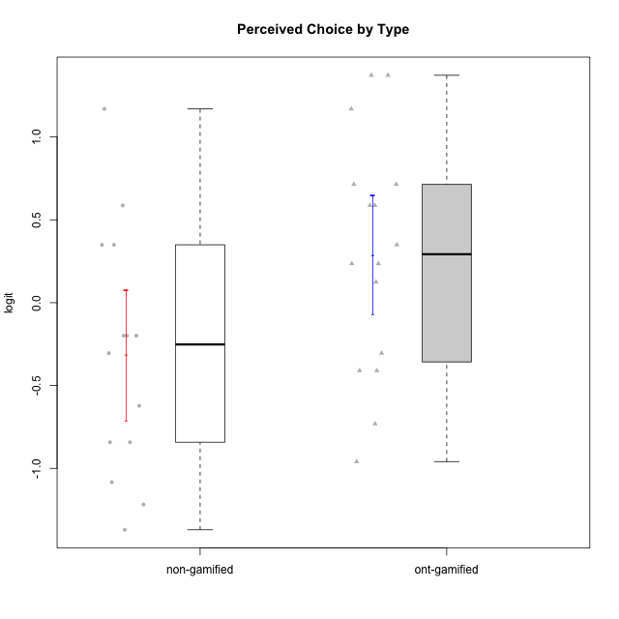

Student's t-Test data
UserID | Type | CLGroup | CLRole | PlayerRole | Interest/Enjoyment | Perceived Choice | Pressure/Tension | Effort/Importance | Intrinsic Motivation
10116 | non-gamified | GroupC | Master |  | -0.11357294579 | -0.84246384474 | 0.207074728 | -0.59479403893 | -0.43947638936
10120 | ont-gamified | Grupo Hélio | Master | Yee Socializer | 1.9055652511 | 1.3724895791 | -0.92888751811 | 0.43187671077 | 1.2745279552
10121 | ont-gamified | Grupo Hades | Master | Yee Achiever | 0.39919386735 | 0.58689611203 | 0.34545624663 | -0.11852834837 | 0.1305263461
10122 | non-gamified | GroupB | Apprentice |  | -2.0523461364 | 1.1695914201 | -0.48810270396 | -0.11852834837 | -0.12829509018
10123 | ont-gamified | Grupo Morfeu | Apprentice | Yee Achiever | -0.83197918173 | 0.23576870755 | 0.207074728 | -0.42994125574 | -0.30830661448
10126 | ont-gamified | Grupo Hélio | Apprentice | Yee Socializer | 1.2733257983 | 1.1695914201 | -0.48810270396 | -0.11852834837 | 0.70312289349
10127 | ont-gamified | Grupo Hades | Apprentice | Yee Achiever | 1.9055652511 | 0.23576870755 | -0.19509897189 | -0.77939890156 | 0.38925850725
10128 | ont-gamified | Grupo Morfeu | Apprentice | Yee Achiever | -2.1860512029 | 0.58689611203 | -0.33626190168 | -1.530751374 | -0.84389969656
10129 | non-gamified | GroupB | Apprentice |  | -1.7851511272 | -0.62243343859 | 1.1760127697 | 0.043437426927 | -1.3842690895
10130 | non-gamified | GroupC | Apprentice |  | 0.55299522042 | -0.30498894625 | 1.1760127697 | 0.69391751569 | -0.11778394501
10131 | ont-gamified | Grupo Zeus | Apprentice | Yee Achiever | 2.3995832302 | -0.95909932617 | -0.86046882355 | 0.42905726588 | 0.68250249838
10132 | non-gamified | GroupA | Apprentice |  | -3.0846876744 | -0.19915646976 | -0.19509897189 | 0.22124465728 | -0.82452702092
10134 | ont-gamified | Grupo Apolo | Apprentice | Yee Socializer | -1.2851216362 | -0.73083108762 | 0.34545624663 | -0.59479403893 | -0.73905075235
10135 | non-gamified | GroupB | Apprentice |  | 0.39919386735 | 0.34922612396 | 0.34545624663 | -0.273828091 | 0.032283913422
10136 | non-gamified | GroupC | Apprentice |  | -3.0846876744 | -1.370717033 | 0.073157005293 | -1.0029936954 | -1.4862865703
10137 | ont-gamified | Grupo Morfeu | Apprentice | Yee Achiever | 1.4744559961 | 1.3724895791 | -1.2956562305 | 0.69391751569 | 1.3321669013
10138 | ont-gamified | Grupo Hélio | Apprentice | Yee Socializer | 0.55299522042 | -0.41039697569 | 0.34545624663 | 1.2936946773 | 0.4248543794
10139 | ont-gamified | Grupo Zeus | Apprentice | Yee Achiever | -0.22343251553 | 0.12466021952 | -0.48810270396 | -0.59479403893 | -0.051365907743
10140 | non-gamified | GroupC | Apprentice |  | -1.0446754489 | -0.19915646976 | 0.84536116149 | -1.0029936954 | -0.7732129403
10141 | ont-gamified | Grupo Apolo | Master | Yee Socializer | 0.0020687155691 | -0.41039697569 | -0.059821730394 | -0.42994125574 | -0.19461194637
10142 | ont-gamified | Grupo Hades | Apprentice | Yee Achiever | 0.55299522042 | -0.30498894625 | -0.86046882355 | -0.11852834837 | 0.24748668734
10143 | ont-gamified | Grupo Apolo | Apprentice | Yee Socializer | 0.12501694921 | 0.34922612396 | -0.059821730394 | 0.42905726588 | 0.24078051736
10145 | non-gamified | GroupB | Master |  | -0.63100885186 | -0.84246384474 | 0.49281785314 | 1.2936946773 | -0.016003757564
10146 | non-gamified | GroupA | Apprentice |  | 0.89459676096 | 0.34922612396 | -0.33626190168 | 0.69391751569 | 0.56850057557
10148 | ont-gamified | Grupo Apolo | Apprentice | Yee Socializer | 0.25688594663 | 0.71417324881 | 0.84536116149 | 0.69391751569 | 0.20490388741
10149 | non-gamified | GroupA | Apprentice |  | -0.93606252105 | -1.0832149658 | 1.1760127697 | 0.22124465728 | -1.2427405122
10152 | ont-gamified | Grupo Morfeu | Master | Yee Achiever | 3.1382402907 | 0.71417324881 | -0.19509897189 | -0.59479403893 | 1.3837694218
10153 | non-gamified | GroupA | Apprentice |  | 0.55299522042 | -0.19915646976 | -0.33626190168 | -0.273828091 | 0.10406814034
10154 | non-gamified | GroupC | Apprentice |  | -1.160003562 | -1.2184796928 | 0.49281785314 | -0.42994125574 | -0.82531059092
10158 | non-gamified | GroupD | Apprentice |  | 2.8511175231 | 0.58689611203 | -1.2956562305 | 0.92790277393 | 1.0879773457

Type_CLRole_1
Student's t-Test for Perceived Choice by Type in Type:CLRole between non-gamified.Apprentice:non-gamified.Master

Student's t-Test results
Alternative hypothesis: less
Group | N | Mean | Mean.Difference | Std.deviation | Std.error | CI.lower | CI.upper | df | t.value | p.value | g | magnitude
non-gamified.Apprentice | 12 | -0.22853030881 | 0.61393353594 | 0.76668944954 | 0.22132418004 | -0.67117866888 | 0.21411805127 | 11 | 2.7739108118 | 0.99095002254 | 0.78298054169 | medium
non-gamified.Master | 2 | -0.84246384474 | -0.61393353594 | 0 | 0 | -0.84246384474 | -0.84246384474 | 11 | 2.7739108118 | 0.99095002254 | 0.78298054169 | medium
Alternative hypothesis: greater
Group | N | Mean | Mean.Difference | Std.deviation | Std.error | CI.lower | CI.upper | df | t.value | p.value | g | magnitude
non-gamified.Apprentice | 12 | -0.22853030881 | 0.61393353594 | 0.76668944954 | 0.22132418004 | -0.67117866888 | 0.21411805127 | 11 | 2.7739108118 | 0.0090499774634 | 0.78298054169 | medium
non-gamified.Master | 2 | -0.84246384474 | -0.61393353594 | 0 | 0 | -0.84246384474 | -0.84246384474 | 11 | 2.7739108118 | 0.0090499774634 | 0.78298054169 | medium
Alternative hypothesis: two.sided
Group | N | Mean | Mean.Difference | Std.deviation | Std.error | CI.lower | CI.upper | df | t.value | p.value | g | magnitude
non-gamified.Apprentice | 12 | -0.22853030881 | 0.61393353594 | 0.76668944954 | 0.22132418004 | -0.67117866888 | 0.21411805127 | 11 | 2.7739108118 | 0.018099954927 | 0.78298054169 | medium
non-gamified.Master | 2 | -0.84246384474 | -0.61393353594 | 0 | 0 | -0.84246384474 | -0.84246384474 | 11 | 2.7739108118 | 0.018099954927 | 0.78298054169 | medium

Box plots for Student's t-Test
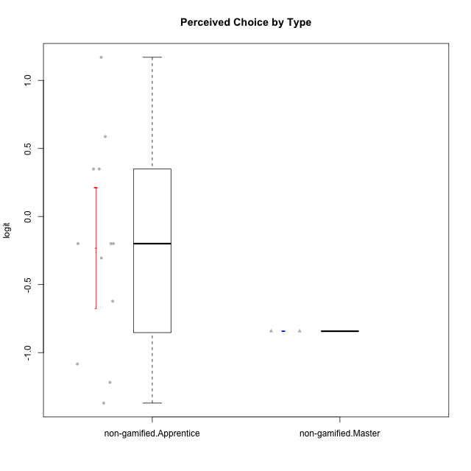

Student's t-Test data
UserID | Type | CLGroup | CLRole | PlayerRole | Interest/Enjoyment | Perceived Choice | Pressure/Tension | Effort/Importance | Intrinsic Motivation
10116 | non-gamified | GroupC | Master |  | -0.11357294579 | -0.84246384474 | 0.207074728 | -0.59479403893 | -0.43947638936
10122 | non-gamified | GroupB | Apprentice |  | -2.0523461364 | 1.1695914201 | -0.48810270396 | -0.11852834837 | -0.12829509018
10129 | non-gamified | GroupB | Apprentice |  | -1.7851511272 | -0.62243343859 | 1.1760127697 | 0.043437426927 | -1.3842690895
10130 | non-gamified | GroupC | Apprentice |  | 0.55299522042 | -0.30498894625 | 1.1760127697 | 0.69391751569 | -0.11778394501
10132 | non-gamified | GroupA | Apprentice |  | -3.0846876744 | -0.19915646976 | -0.19509897189 | 0.22124465728 | -0.82452702092
10135 | non-gamified | GroupB | Apprentice |  | 0.39919386735 | 0.34922612396 | 0.34545624663 | -0.273828091 | 0.032283913422
10136 | non-gamified | GroupC | Apprentice |  | -3.0846876744 | -1.370717033 | 0.073157005293 | -1.0029936954 | -1.4862865703
10140 | non-gamified | GroupC | Apprentice |  | -1.0446754489 | -0.19915646976 | 0.84536116149 | -1.0029936954 | -0.7732129403
10145 | non-gamified | GroupB | Master |  | -0.63100885186 | -0.84246384474 | 0.49281785314 | 1.2936946773 | -0.016003757564
10146 | non-gamified | GroupA | Apprentice |  | 0.89459676096 | 0.34922612396 | -0.33626190168 | 0.69391751569 | 0.56850057557
10149 | non-gamified | GroupA | Apprentice |  | -0.93606252105 | -1.0832149658 | 1.1760127697 | 0.22124465728 | -1.2427405122
10153 | non-gamified | GroupA | Apprentice |  | 0.55299522042 | -0.19915646976 | -0.33626190168 | -0.273828091 | 0.10406814034
10154 | non-gamified | GroupC | Apprentice |  | -1.160003562 | -1.2184796928 | 0.49281785314 | -0.42994125574 | -0.82531059092
10158 | non-gamified | GroupD | Apprentice |  | 2.8511175231 | 0.58689611203 | -1.2956562305 | 0.92790277393 | 1.0879773457

Type_CLRole_2
Student's t-Test for Perceived Choice by Type in Type:CLRole between non-gamified.Apprentice:ont-gamified.Apprentice

Student's t-Test results
Alternative hypothesis: less
Group | N | Mean | Mean.Difference | Std.deviation | Std.error | CI.lower | CI.upper | df | t.value | p.value | g | magnitude
non-gamified.Apprentice | 12 | -0.22853030881 | -0.42713512405 | 0.76668944954 | 0.22132418004 | -0.67117866888 | 0.21411805127 | 21.886416802 | -1.412949971 | 0.085867268025 | -0.55694356845 | medium
ont-gamified.Apprentice | 12 | 0.19860481524 | 0.42713512405 | 0.71331097979 | 0.2059151431 | -0.21322547095 | 0.61043510144 | 21.886416802 | -1.412949971 | 0.085867268025 | -0.55694356845 | medium
Alternative hypothesis: greater
Group | N | Mean | Mean.Difference | Std.deviation | Std.error | CI.lower | CI.upper | df | t.value | p.value | g | magnitude
non-gamified.Apprentice | 12 | -0.22853030881 | -0.42713512405 | 0.76668944954 | 0.22132418004 | -0.67117866888 | 0.21411805127 | 21.886416802 | -1.412949971 | 0.91413273197 | -0.55694356845 | medium
ont-gamified.Apprentice | 12 | 0.19860481524 | 0.42713512405 | 0.71331097979 | 0.2059151431 | -0.21322547095 | 0.61043510144 | 21.886416802 | -1.412949971 | 0.91413273197 | -0.55694356845 | medium
Alternative hypothesis: two.sided
Group | N | Mean | Mean.Difference | Std.deviation | Std.error | CI.lower | CI.upper | df | t.value | p.value | g | magnitude
non-gamified.Apprentice | 12 | -0.22853030881 | -0.42713512405 | 0.76668944954 | 0.22132418004 | -0.67117866888 | 0.21411805127 | 21.886416802 | -1.412949971 | 0.17173453605 | -0.55694356845 | medium
ont-gamified.Apprentice | 12 | 0.19860481524 | 0.42713512405 | 0.71331097979 | 0.2059151431 | -0.21322547095 | 0.61043510144 | 21.886416802 | -1.412949971 | 0.17173453605 | -0.55694356845 | medium

Box plots for Student's t-Test
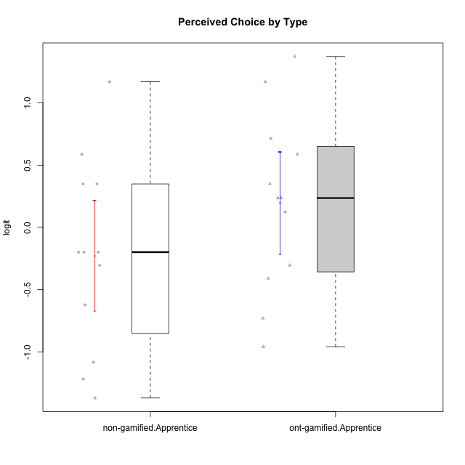

Student's t-Test data
UserID | Type | CLGroup | CLRole | PlayerRole | Interest/Enjoyment | Perceived Choice | Pressure/Tension | Effort/Importance | Intrinsic Motivation
10122 | non-gamified | GroupB | Apprentice |  | -2.0523461364 | 1.1695914201 | -0.48810270396 | -0.11852834837 | -0.12829509018
10123 | ont-gamified | Grupo Morfeu | Apprentice | Yee Achiever | -0.83197918173 | 0.23576870755 | 0.207074728 | -0.42994125574 | -0.30830661448
10126 | ont-gamified | Grupo Hélio | Apprentice | Yee Socializer | 1.2733257983 | 1.1695914201 | -0.48810270396 | -0.11852834837 | 0.70312289349
10127 | ont-gamified | Grupo Hades | Apprentice | Yee Achiever | 1.9055652511 | 0.23576870755 | -0.19509897189 | -0.77939890156 | 0.38925850725
10128 | ont-gamified | Grupo Morfeu | Apprentice | Yee Achiever | -2.1860512029 | 0.58689611203 | -0.33626190168 | -1.530751374 | -0.84389969656
10129 | non-gamified | GroupB | Apprentice |  | -1.7851511272 | -0.62243343859 | 1.1760127697 | 0.043437426927 | -1.3842690895
10130 | non-gamified | GroupC | Apprentice |  | 0.55299522042 | -0.30498894625 | 1.1760127697 | 0.69391751569 | -0.11778394501
10131 | ont-gamified | Grupo Zeus | Apprentice | Yee Achiever | 2.3995832302 | -0.95909932617 | -0.86046882355 | 0.42905726588 | 0.68250249838
10132 | non-gamified | GroupA | Apprentice |  | -3.0846876744 | -0.19915646976 | -0.19509897189 | 0.22124465728 | -0.82452702092
10134 | ont-gamified | Grupo Apolo | Apprentice | Yee Socializer | -1.2851216362 | -0.73083108762 | 0.34545624663 | -0.59479403893 | -0.73905075235
10135 | non-gamified | GroupB | Apprentice |  | 0.39919386735 | 0.34922612396 | 0.34545624663 | -0.273828091 | 0.032283913422
10136 | non-gamified | GroupC | Apprentice |  | -3.0846876744 | -1.370717033 | 0.073157005293 | -1.0029936954 | -1.4862865703
10137 | ont-gamified | Grupo Morfeu | Apprentice | Yee Achiever | 1.4744559961 | 1.3724895791 | -1.2956562305 | 0.69391751569 | 1.3321669013
10138 | ont-gamified | Grupo Hélio | Apprentice | Yee Socializer | 0.55299522042 | -0.41039697569 | 0.34545624663 | 1.2936946773 | 0.4248543794
10139 | ont-gamified | Grupo Zeus | Apprentice | Yee Achiever | -0.22343251553 | 0.12466021952 | -0.48810270396 | -0.59479403893 | -0.051365907743
10140 | non-gamified | GroupC | Apprentice |  | -1.0446754489 | -0.19915646976 | 0.84536116149 | -1.0029936954 | -0.7732129403
10142 | ont-gamified | Grupo Hades | Apprentice | Yee Achiever | 0.55299522042 | -0.30498894625 | -0.86046882355 | -0.11852834837 | 0.24748668734
10143 | ont-gamified | Grupo Apolo | Apprentice | Yee Socializer | 0.12501694921 | 0.34922612396 | -0.059821730394 | 0.42905726588 | 0.24078051736
10146 | non-gamified | GroupA | Apprentice |  | 0.89459676096 | 0.34922612396 | -0.33626190168 | 0.69391751569 | 0.56850057557
10148 | ont-gamified | Grupo Apolo | Apprentice | Yee Socializer | 0.25688594663 | 0.71417324881 | 0.84536116149 | 0.69391751569 | 0.20490388741
10149 | non-gamified | GroupA | Apprentice |  | -0.93606252105 | -1.0832149658 | 1.1760127697 | 0.22124465728 | -1.2427405122
10153 | non-gamified | GroupA | Apprentice |  | 0.55299522042 | -0.19915646976 | -0.33626190168 | -0.273828091 | 0.10406814034
10154 | non-gamified | GroupC | Apprentice |  | -1.160003562 | -1.2184796928 | 0.49281785314 | -0.42994125574 | -0.82531059092
10158 | non-gamified | GroupD | Apprentice |  | 2.8511175231 | 0.58689611203 | -1.2956562305 | 0.92790277393 | 1.0879773457

Type_CLRole_3
Student's t-Test for Perceived Choice by Type in Type:CLRole between non-gamified.Apprentice:ont-gamified.Master

Student's t-Test results
Alternative hypothesis: less
Group | N | Mean | Mean.Difference | Std.deviation | Std.error | CI.lower | CI.upper | df | t.value | p.value | g | magnitude
non-gamified.Apprentice | 12 | -0.22853030881 | -0.79432079988 | 0.76668944954 | 0.22132418004 | -0.67117866888 | 0.21411805127 | 5.3694695318 | -1.8492669761 | 0.059823736261 | -0.98780169904 | large
ont-gamified.Master | 4 | 0.56579049107 | 0.79432079988 | 0.73624458775 | 0.36812229388 | -0.17045409668 | 1.3020350788 | 5.3694695318 | -1.8492669761 | 0.059823736261 | -0.98780169904 | large
Alternative hypothesis: greater
Group | N | Mean | Mean.Difference | Std.deviation | Std.error | CI.lower | CI.upper | df | t.value | p.value | g | magnitude
non-gamified.Apprentice | 12 | -0.22853030881 | -0.79432079988 | 0.76668944954 | 0.22132418004 | -0.67117866888 | 0.21411805127 | 5.3694695318 | -1.8492669761 | 0.94017626374 | -0.98780169904 | large
ont-gamified.Master | 4 | 0.56579049107 | 0.79432079988 | 0.73624458775 | 0.36812229388 | -0.17045409668 | 1.3020350788 | 5.3694695318 | -1.8492669761 | 0.94017626374 | -0.98780169904 | large
Alternative hypothesis: two.sided
Group | N | Mean | Mean.Difference | Std.deviation | Std.error | CI.lower | CI.upper | df | t.value | p.value | g | magnitude
non-gamified.Apprentice | 12 | -0.22853030881 | -0.79432079988 | 0.76668944954 | 0.22132418004 | -0.67117866888 | 0.21411805127 | 5.3694695318 | -1.8492669761 | 0.11964747252 | -0.98780169904 | large
ont-gamified.Master | 4 | 0.56579049107 | 0.79432079988 | 0.73624458775 | 0.36812229388 | -0.17045409668 | 1.3020350788 | 5.3694695318 | -1.8492669761 | 0.11964747252 | -0.98780169904 | large

Box plots for Student's t-Test
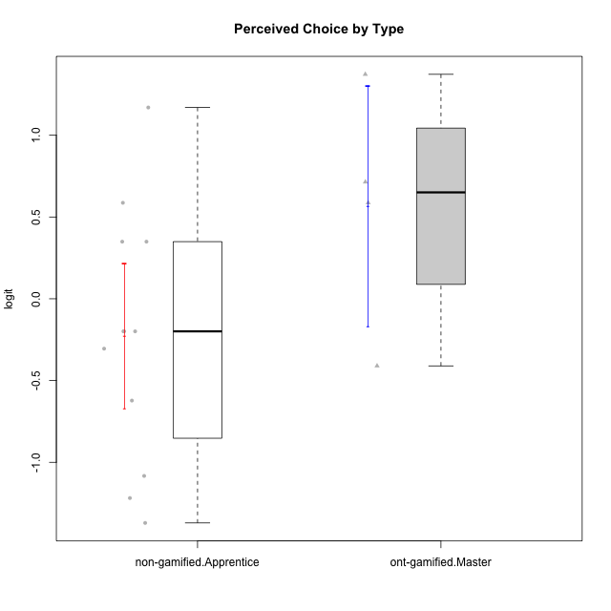

Student's t-Test data
UserID | Type | CLGroup | CLRole | PlayerRole | Interest/Enjoyment | Perceived Choice | Pressure/Tension | Effort/Importance | Intrinsic Motivation
10120 | ont-gamified | Grupo Hélio | Master | Yee Socializer | 1.9055652511 | 1.3724895791 | -0.92888751811 | 0.43187671077 | 1.2745279552
10121 | ont-gamified | Grupo Hades | Master | Yee Achiever | 0.39919386735 | 0.58689611203 | 0.34545624663 | -0.11852834837 | 0.1305263461
10122 | non-gamified | GroupB | Apprentice |  | -2.0523461364 | 1.1695914201 | -0.48810270396 | -0.11852834837 | -0.12829509018
10129 | non-gamified | GroupB | Apprentice |  | -1.7851511272 | -0.62243343859 | 1.1760127697 | 0.043437426927 | -1.3842690895
10130 | non-gamified | GroupC | Apprentice |  | 0.55299522042 | -0.30498894625 | 1.1760127697 | 0.69391751569 | -0.11778394501
10132 | non-gamified | GroupA | Apprentice |  | -3.0846876744 | -0.19915646976 | -0.19509897189 | 0.22124465728 | -0.82452702092
10135 | non-gamified | GroupB | Apprentice |  | 0.39919386735 | 0.34922612396 | 0.34545624663 | -0.273828091 | 0.032283913422
10136 | non-gamified | GroupC | Apprentice |  | -3.0846876744 | -1.370717033 | 0.073157005293 | -1.0029936954 | -1.4862865703
10140 | non-gamified | GroupC | Apprentice |  | -1.0446754489 | -0.19915646976 | 0.84536116149 | -1.0029936954 | -0.7732129403
10141 | ont-gamified | Grupo Apolo | Master | Yee Socializer | 0.0020687155691 | -0.41039697569 | -0.059821730394 | -0.42994125574 | -0.19461194637
10146 | non-gamified | GroupA | Apprentice |  | 0.89459676096 | 0.34922612396 | -0.33626190168 | 0.69391751569 | 0.56850057557
10149 | non-gamified | GroupA | Apprentice |  | -0.93606252105 | -1.0832149658 | 1.1760127697 | 0.22124465728 | -1.2427405122
10152 | ont-gamified | Grupo Morfeu | Master | Yee Achiever | 3.1382402907 | 0.71417324881 | -0.19509897189 | -0.59479403893 | 1.3837694218
10153 | non-gamified | GroupA | Apprentice |  | 0.55299522042 | -0.19915646976 | -0.33626190168 | -0.273828091 | 0.10406814034
10154 | non-gamified | GroupC | Apprentice |  | -1.160003562 | -1.2184796928 | 0.49281785314 | -0.42994125574 | -0.82531059092
10158 | non-gamified | GroupD | Apprentice |  | 2.8511175231 | 0.58689611203 | -1.2956562305 | 0.92790277393 | 1.0879773457

Type_CLRole_4
Student's t-Test for Perceived Choice by Type in Type:CLRole between non-gamified.Master:ont-gamified.Apprentice

Student's t-Test results
Alternative hypothesis: less
Group | N | Mean | Mean.Difference | Std.deviation | Std.error | CI.lower | CI.upper | df | t.value | p.value | g | magnitude
non-gamified.Master | 2 | -0.84246384474 | -1.04106866 | 0 | 0 | -0.84246384474 | -0.84246384474 | 11 | -5.055813984 | 0.00018434793177 | -1.4270840846 | large
ont-gamified.Apprentice | 12 | 0.19860481524 | 1.04106866 | 0.71331097979 | 0.2059151431 | -0.21322547095 | 0.61043510144 | 11 | -5.055813984 | 0.00018434793177 | -1.4270840846 | large
Alternative hypothesis: greater
Group | N | Mean | Mean.Difference | Std.deviation | Std.error | CI.lower | CI.upper | df | t.value | p.value | g | magnitude
non-gamified.Master | 2 | -0.84246384474 | -1.04106866 | 0 | 0 | -0.84246384474 | -0.84246384474 | 11 | -5.055813984 | 0.99981565207 | -1.4270840846 | large
ont-gamified.Apprentice | 12 | 0.19860481524 | 1.04106866 | 0.71331097979 | 0.2059151431 | -0.21322547095 | 0.61043510144 | 11 | -5.055813984 | 0.99981565207 | -1.4270840846 | large
Alternative hypothesis: two.sided
Group | N | Mean | Mean.Difference | Std.deviation | Std.error | CI.lower | CI.upper | df | t.value | p.value | g | magnitude
non-gamified.Master | 2 | -0.84246384474 | -1.04106866 | 0 | 0 | -0.84246384474 | -0.84246384474 | 11 | -5.055813984 | 0.00036869586354 | -1.4270840846 | large
ont-gamified.Apprentice | 12 | 0.19860481524 | 1.04106866 | 0.71331097979 | 0.2059151431 | -0.21322547095 | 0.61043510144 | 11 | -5.055813984 | 0.00036869586354 | -1.4270840846 | large

Box plots for Student's t-Test
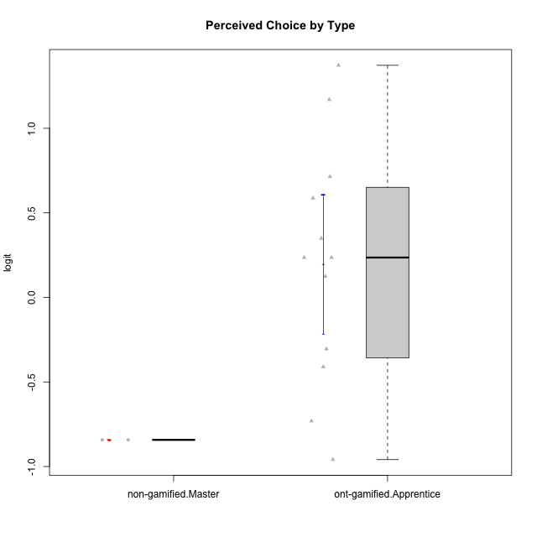

Student's t-Test data
UserID | Type | CLGroup | CLRole | PlayerRole | Interest/Enjoyment | Perceived Choice | Pressure/Tension | Effort/Importance | Intrinsic Motivation
10116 | non-gamified | GroupC | Master |  | -0.11357294579 | -0.84246384474 | 0.207074728 | -0.59479403893 | -0.43947638936
10123 | ont-gamified | Grupo Morfeu | Apprentice | Yee Achiever | -0.83197918173 | 0.23576870755 | 0.207074728 | -0.42994125574 | -0.30830661448
10126 | ont-gamified | Grupo Hélio | Apprentice | Yee Socializer | 1.2733257983 | 1.1695914201 | -0.48810270396 | -0.11852834837 | 0.70312289349
10127 | ont-gamified | Grupo Hades | Apprentice | Yee Achiever | 1.9055652511 | 0.23576870755 | -0.19509897189 | -0.77939890156 | 0.38925850725
10128 | ont-gamified | Grupo Morfeu | Apprentice | Yee Achiever | -2.1860512029 | 0.58689611203 | -0.33626190168 | -1.530751374 | -0.84389969656
10131 | ont-gamified | Grupo Zeus | Apprentice | Yee Achiever | 2.3995832302 | -0.95909932617 | -0.86046882355 | 0.42905726588 | 0.68250249838
10134 | ont-gamified | Grupo Apolo | Apprentice | Yee Socializer | -1.2851216362 | -0.73083108762 | 0.34545624663 | -0.59479403893 | -0.73905075235
10137 | ont-gamified | Grupo Morfeu | Apprentice | Yee Achiever | 1.4744559961 | 1.3724895791 | -1.2956562305 | 0.69391751569 | 1.3321669013
10138 | ont-gamified | Grupo Hélio | Apprentice | Yee Socializer | 0.55299522042 | -0.41039697569 | 0.34545624663 | 1.2936946773 | 0.4248543794
10139 | ont-gamified | Grupo Zeus | Apprentice | Yee Achiever | -0.22343251553 | 0.12466021952 | -0.48810270396 | -0.59479403893 | -0.051365907743
10142 | ont-gamified | Grupo Hades | Apprentice | Yee Achiever | 0.55299522042 | -0.30498894625 | -0.86046882355 | -0.11852834837 | 0.24748668734
10143 | ont-gamified | Grupo Apolo | Apprentice | Yee Socializer | 0.12501694921 | 0.34922612396 | -0.059821730394 | 0.42905726588 | 0.24078051736
10145 | non-gamified | GroupB | Master |  | -0.63100885186 | -0.84246384474 | 0.49281785314 | 1.2936946773 | -0.016003757564
10148 | ont-gamified | Grupo Apolo | Apprentice | Yee Socializer | 0.25688594663 | 0.71417324881 | 0.84536116149 | 0.69391751569 | 0.20490388741

Type_CLRole_5
Student's t-Test for Perceived Choice by Type in Type:CLRole between non-gamified.Master:ont-gamified.Master

Student's t-Test results
Alternative hypothesis: less
Group | N | Mean | Mean.Difference | Std.deviation | Std.error | CI.lower | CI.upper | df | t.value | p.value | g | magnitude
non-gamified.Master | 2 | -0.84246384474 | -1.4082543358 | 0 | 0 | -0.84246384474 | -0.84246384474 | 3 | -3.8255067928 | 0.015727939111 | -1.7669259013 | large
ont-gamified.Master | 4 | 0.56579049107 | 1.4082543358 | 0.73624458775 | 0.36812229388 | -0.17045409668 | 1.3020350788 | 3 | -3.8255067928 | 0.015727939111 | -1.7669259013 | large
Alternative hypothesis: greater
Group | N | Mean | Mean.Difference | Std.deviation | Std.error | CI.lower | CI.upper | df | t.value | p.value | g | magnitude
non-gamified.Master | 2 | -0.84246384474 | -1.4082543358 | 0 | 0 | -0.84246384474 | -0.84246384474 | 3 | -3.8255067928 | 0.98427206089 | -1.7669259013 | large
ont-gamified.Master | 4 | 0.56579049107 | 1.4082543358 | 0.73624458775 | 0.36812229388 | -0.17045409668 | 1.3020350788 | 3 | -3.8255067928 | 0.98427206089 | -1.7669259013 | large
Alternative hypothesis: two.sided
Group | N | Mean | Mean.Difference | Std.deviation | Std.error | CI.lower | CI.upper | df | t.value | p.value | g | magnitude
non-gamified.Master | 2 | -0.84246384474 | -1.4082543358 | 0 | 0 | -0.84246384474 | -0.84246384474 | 3 | -3.8255067928 | 0.031455878222 | -1.7669259013 | large
ont-gamified.Master | 4 | 0.56579049107 | 1.4082543358 | 0.73624458775 | 0.36812229388 | -0.17045409668 | 1.3020350788 | 3 | -3.8255067928 | 0.031455878222 | -1.7669259013 | large

Box plots for Student's t-Test
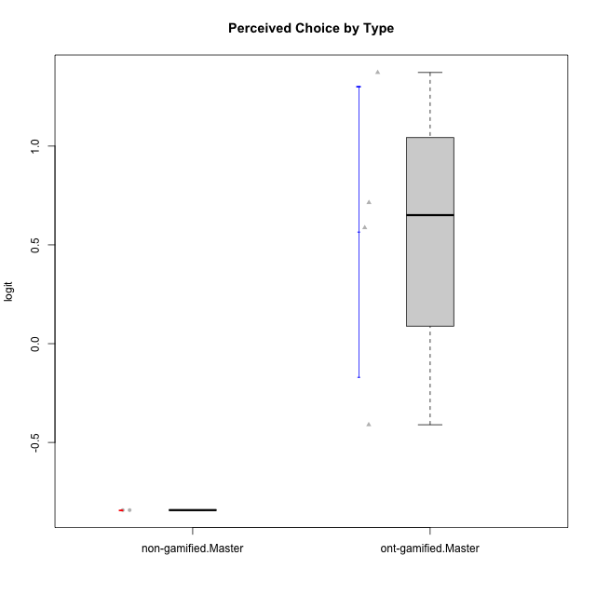

Student's t-Test data
UserID | Type | CLGroup | CLRole | PlayerRole | Interest/Enjoyment | Perceived Choice | Pressure/Tension | Effort/Importance | Intrinsic Motivation
10116 | non-gamified | GroupC | Master |  | -0.11357294579 | -0.84246384474 | 0.207074728 | -0.59479403893 | -0.43947638936
10120 | ont-gamified | Grupo Hélio | Master | Yee Socializer | 1.9055652511 | 1.3724895791 | -0.92888751811 | 0.43187671077 | 1.2745279552
10121 | ont-gamified | Grupo Hades | Master | Yee Achiever | 0.39919386735 | 0.58689611203 | 0.34545624663 | -0.11852834837 | 0.1305263461
10141 | ont-gamified | Grupo Apolo | Master | Yee Socializer | 0.0020687155691 | -0.41039697569 | -0.059821730394 | -0.42994125574 | -0.19461194637
10145 | non-gamified | GroupB | Master |  | -0.63100885186 | -0.84246384474 | 0.49281785314 | 1.2936946773 | -0.016003757564
10152 | ont-gamified | Grupo Morfeu | Master | Yee Achiever | 3.1382402907 | 0.71417324881 | -0.19509897189 | -0.59479403893 | 1.3837694218

Type_CLRole_6
Student's t-Test for Perceived Choice by Type in Type:CLRole between ont-gamified.Apprentice:ont-gamified.Master

Student's t-Test results
Alternative hypothesis: less
Group | N | Mean | Mean.Difference | Std.deviation | Std.error | CI.lower | CI.upper | df | t.value | p.value | g | magnitude
ont-gamified.Apprentice | 12 | 0.19860481524 | -0.36718567583 | 0.71331097979 | 0.2059151431 | -0.21322547095 | 0.61043510144 | 5.0365671879 | -0.87052122302 | 0.21177848771 | -0.48331291165 | small
ont-gamified.Master | 4 | 0.56579049107 | 0.36718567583 | 0.73624458775 | 0.36812229388 | -0.17045409668 | 1.3020350788 | 5.0365671879 | -0.87052122302 | 0.21177848771 | -0.48331291165 | small
Alternative hypothesis: greater
Group | N | Mean | Mean.Difference | Std.deviation | Std.error | CI.lower | CI.upper | df | t.value | p.value | g | magnitude
ont-gamified.Apprentice | 12 | 0.19860481524 | -0.36718567583 | 0.71331097979 | 0.2059151431 | -0.21322547095 | 0.61043510144 | 5.0365671879 | -0.87052122302 | 0.78822151229 | -0.48331291165 | small
ont-gamified.Master | 4 | 0.56579049107 | 0.36718567583 | 0.73624458775 | 0.36812229388 | -0.17045409668 | 1.3020350788 | 5.0365671879 | -0.87052122302 | 0.78822151229 | -0.48331291165 | small
Alternative hypothesis: two.sided
Group | N | Mean | Mean.Difference | Std.deviation | Std.error | CI.lower | CI.upper | df | t.value | p.value | g | magnitude
ont-gamified.Apprentice | 12 | 0.19860481524 | -0.36718567583 | 0.71331097979 | 0.2059151431 | -0.21322547095 | 0.61043510144 | 5.0365671879 | -0.87052122302 | 0.42355697541 | -0.48331291165 | small
ont-gamified.Master | 4 | 0.56579049107 | 0.36718567583 | 0.73624458775 | 0.36812229388 | -0.17045409668 | 1.3020350788 | 5.0365671879 | -0.87052122302 | 0.42355697541 | -0.48331291165 | small

Box plots for Student's t-Test
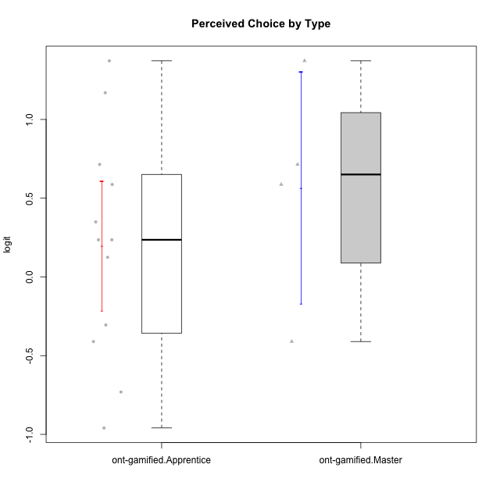

Student's t-Test data
UserID | Type | CLGroup | CLRole | PlayerRole | Interest/Enjoyment | Perceived Choice | Pressure/Tension | Effort/Importance | Intrinsic Motivation
10120 | ont-gamified | Grupo Hélio | Master | Yee Socializer | 1.9055652511 | 1.3724895791 | -0.92888751811 | 0.43187671077 | 1.2745279552
10121 | ont-gamified | Grupo Hades | Master | Yee Achiever | 0.39919386735 | 0.58689611203 | 0.34545624663 | -0.11852834837 | 0.1305263461
10123 | ont-gamified | Grupo Morfeu | Apprentice | Yee Achiever | -0.83197918173 | 0.23576870755 | 0.207074728 | -0.42994125574 | -0.30830661448
10126 | ont-gamified | Grupo Hélio | Apprentice | Yee Socializer | 1.2733257983 | 1.1695914201 | -0.48810270396 | -0.11852834837 | 0.70312289349
10127 | ont-gamified | Grupo Hades | Apprentice | Yee Achiever | 1.9055652511 | 0.23576870755 | -0.19509897189 | -0.77939890156 | 0.38925850725
10128 | ont-gamified | Grupo Morfeu | Apprentice | Yee Achiever | -2.1860512029 | 0.58689611203 | -0.33626190168 | -1.530751374 | -0.84389969656
10131 | ont-gamified | Grupo Zeus | Apprentice | Yee Achiever | 2.3995832302 | -0.95909932617 | -0.86046882355 | 0.42905726588 | 0.68250249838
10134 | ont-gamified | Grupo Apolo | Apprentice | Yee Socializer | -1.2851216362 | -0.73083108762 | 0.34545624663 | -0.59479403893 | -0.73905075235
10137 | ont-gamified | Grupo Morfeu | Apprentice | Yee Achiever | 1.4744559961 | 1.3724895791 | -1.2956562305 | 0.69391751569 | 1.3321669013
10138 | ont-gamified | Grupo Hélio | Apprentice | Yee Socializer | 0.55299522042 | -0.41039697569 | 0.34545624663 | 1.2936946773 | 0.4248543794
10139 | ont-gamified | Grupo Zeus | Apprentice | Yee Achiever | -0.22343251553 | 0.12466021952 | -0.48810270396 | -0.59479403893 | -0.051365907743
10141 | ont-gamified | Grupo Apolo | Master | Yee Socializer | 0.0020687155691 | -0.41039697569 | -0.059821730394 | -0.42994125574 | -0.19461194637
10142 | ont-gamified | Grupo Hades | Apprentice | Yee Achiever | 0.55299522042 | -0.30498894625 | -0.86046882355 | -0.11852834837 | 0.24748668734
10143 | ont-gamified | Grupo Apolo | Apprentice | Yee Socializer | 0.12501694921 | 0.34922612396 | -0.059821730394 | 0.42905726588 | 0.24078051736
10148 | ont-gamified | Grupo Apolo | Apprentice | Yee Socializer | 0.25688594663 | 0.71417324881 | 0.84536116149 | 0.69391751569 | 0.20490388741
10152 | ont-gamified | Grupo Morfeu | Master | Yee Achiever | 3.1382402907 | 0.71417324881 | -0.19509897189 | -0.59479403893 | 1.3837694218

