Global-info
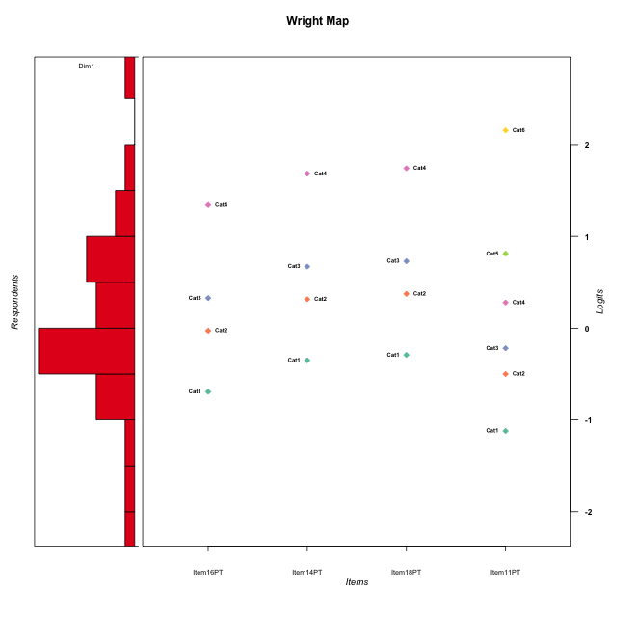
Global information for a measurement model

Information
Number.of.items | Deviance | Log.Likelihood | Number.of.persons | EAP.rel | n.theta.nodes | irt.model
4 | 370.20195959 | -185.10097979 | 30 | 0.77105478696 | 21 | RSM

Global fit statistic MADaQ3 and test fit
MADaQ3 | maxaQ3 | p
0.21385097955 | 0.30245441976 | 0.69626110087

Test statistic of global fit based on Chi square
maxX2 | Npairs | p.holm
36.672579482 | 6 | 0.28297443617

Model fit statistics
X100.MADCOV | SRMR | SRMSR
31.51454429 | 0.14305455123 | 0.15344423785

Chi square tests for every item pairs
index1 | index2 | maxK1 | maxK2 | df | chi2 | p | p.holm
1 | 2 | 4 | 4 | 16 | 12.551793948 | 0.70520284927 | 0.70520284927
1 | 3 | 4 | 4 | 16 | 23.823014806 | 0.093441943362 | 0.43355034974
1 | 4 | 4 | 6 | 24 | 36.672579482 | 0.047162406028 | 0.28297443617
2 | 3 | 4 | 4 | 16 | 24.129684051 | 0.086710069948 | 0.43355034974
2 | 4 | 4 | 6 | 24 | 31.354286468 | 0.14382791075 | 0.43355034974
3 | 4 | 4 | 6 | 24 | 33.498477328 | 0.09398484908 | 0.43355034974

Item residuals
Item16PT | Item14PT | Item18PT | Item11PT
0.61482778341 | -0.88123860711 | -0.79425948292 | 1.3594455592
-0.84163928564 | 0.42270925884 | -0.54084664846 | -0.39584671673
1.4271202697 | -0.088075917428 | -1.0012410863 | 0.12101495941
-1.410034213 | -0.9974958991 | -0.93660713642 | 2.7084533972
-1.3851722166 | 1.1187613929 | 1.2057405171 | -0.64055444077
-1.410034213 | 0.002504100903 | -0.93660713642 | 1.7084533972
1.1804522565 | -0.3349044388 | -0.25881556867 | -0.88306797226
-1.6154897799 | -1.162858211 | -1.0939483063 | 3.407387613
0.38688729718 | 0.55153754285 | 0.58634723382 | 0.72216813715
0.63030440594 | -0.09955033684 | 0.95620649897 | 0.083190784319
-0.023603482686 | -0.70607119085 | 0.33844676607 | -0.69358005284
-0.81954774353 | -0.3349044388 | -0.25881556867 | 1.1169320277
-0.57287973031 | -0.088075917428 | -0.0012410863404 | 1.1210149594
0.42712026969 | 0.91192408257 | 0.99875891366 | -1.8789850406
-0.19956153315 | -1.6882673331 | 2.3970318364 | -0.39997007043
-0.508858439 | -0.34983016902 | -0.32825043252 | -0.83474052323
0.42712026969 | 0.91192408257 | -1.0012410863 | 0.12101495941
0.58996578704 | 2.0025041009 | -0.93660713642 | -2.2915466028
-0.082578840406 | 1.2935193733 | 1.3678544314 | -1.5285239381
-0.013684188509 | 1.4912348598 | -1.4270884092 | -0.15141582765
1.9763965173 | -0.70607119085 | -0.66155323393 | -1.6935800528
-0.013684188509 | -0.50876514024 | -0.42708840919 | 0.84858417235
0.24444343862 | 0.70084512658 | 0.78567454297 | -1.1095221215
0.38451022013 | 0.83714178903 | 0.90605169368 | -2.592612387
0.91742115959 | -1.7064806267 | 1.3678544314 | 0.47147606194
0.38688729718 | 0.55153754285 | 0.58634723382 | 0.72216813715
-0.81954774353 | 0.6650955612 | -0.25881556867 | 0.11693202774
-0.61548977987 | -0.16285821097 | -0.093948306324 | 0.40738761302
1.2444434386 | -1.2991548734 | -0.21432545703 | 0.89047787847
-0.508858439 | -0.34983016902 | -0.32825043252 | -0.83474052323

Wright Map for Item Response Models

Estimate-Items
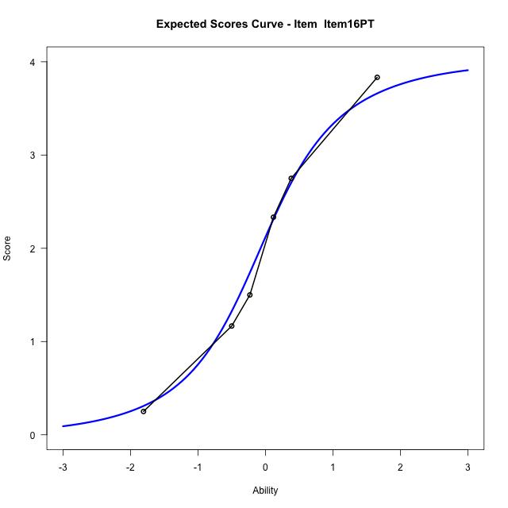
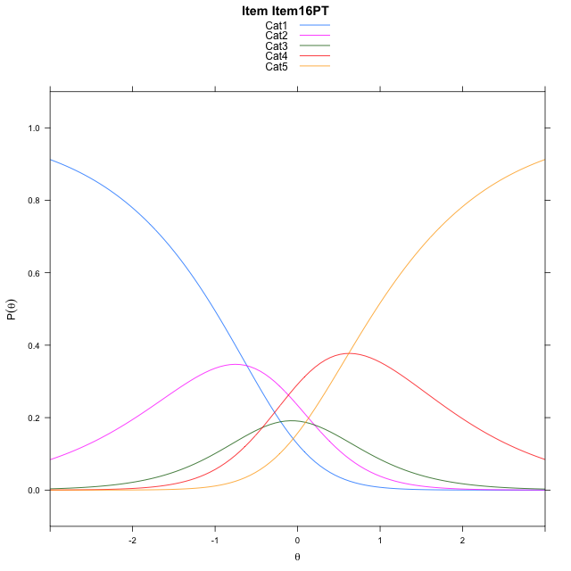
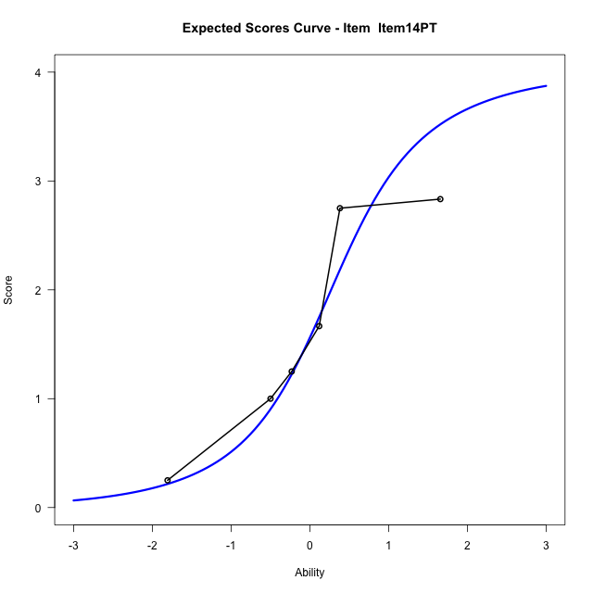
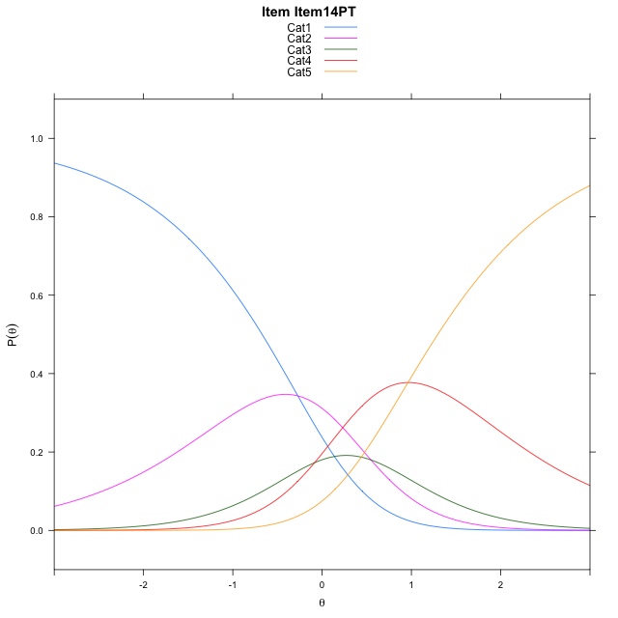
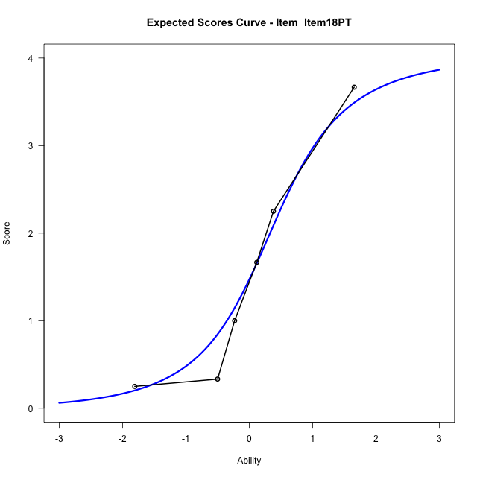

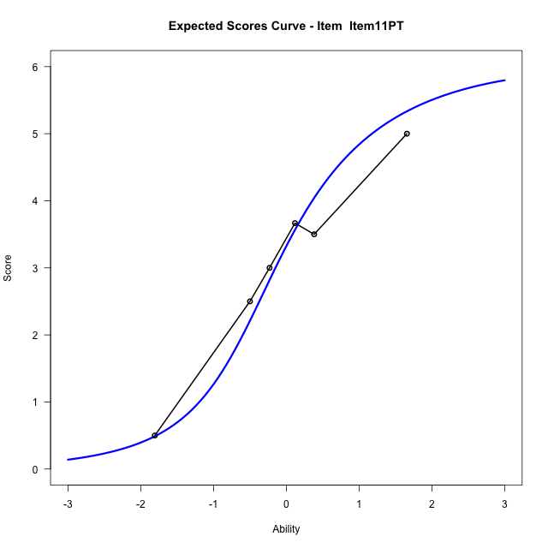
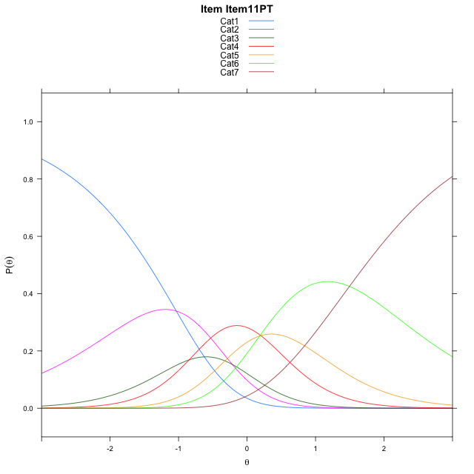
Estimate items information for the measurement model

Full Item Information
item | N | M | xsi.item | AXsi_.Cat1 | AXsi_.Cat2 | AXsi_.Cat3 | AXsi_.Cat4 | AXsi_.Cat5 | AXsi_.Cat6 | B.Cat1.Dim1 | B.Cat2.Dim1 | B.Cat3.Dim1 | B.Cat4.Dim1 | B.Cat5.Dim1 | B.Cat6.Dim1
Item16PT | 30 | 2.0666666667 | -0.054205360286 | -0.61400443899 | -0.40989217425 | -0.83658169636 | -0.21682144114 |  |  | 1 | 2 | 3 | 4 | 0 | 0
Item14PT | 30 | 1.6666666667 | 0.2880787893 | -0.27172028941 | 0.27467612492 | 0.1902707524 | 1.1523151572 |  |  | 1 | 2 | 3 | 4 | 0 | 0
Item18PT | 30 | 1.6 | 0.34686951144 | -0.21292956727 | 0.3922575692 | 0.36664291881 | 1.3874780457 |  |  | 1 | 2 | 3 | 4 | 0 | 0
Item11PT | 30 | 3.1666666667 | -0.036004288772 | -1.033669991 | -1.2492232782 | -2.0955783523 | -1.895483649 | -1.7109487268 | -0.21602573263 | 1 | 2 | 3 | 4 | 5 | 6

Thurstonian Thresholds (category-wise)
 | Cat1 | Cat2 | Cat3 | Cat4 | Cat5 | Cat6
Item16PT | -1.0141296387 | -0.25405883789 | 0.092010498047 | 0.95297241211
Item14PT | -0.67190551758 | 0.088165283203 | 0.43441772461 | 1.2953796387
Item18PT | -0.61312866211 | 0.14712524414 | 0.49319458008 | 1.3541564941
Item11PT | -1.436920166 | -0.7087097168 | -0.41738891602 | 0.058685302734 | 0.54391479492 | 1.7291564941

Thurstonian Thresholds (item-wise)
 | Threshold
Item16PT | -0.0769372789
Item14PT | 0.2731912016
Item18PT | 0.3287908627
Item11PT | -0.1461173437

Item Infit/Outfit Statistic
parameter | Outfit | Outfit_t | Outfit_p | Outfit_pholm | Infit | Infit_t | Infit_p | Infit_pholm
Item16PT | 0.92657163365 | -0.24849682565 | 0.80375002584 | 1 | 0.87770566785 | -0.51020972291 | 0.60990454119 | 1
Item14PT | 0.9578892657 | -0.12471726217 | 0.90074739087 | 1 | 0.91349295742 | -0.35258321389 | 0.72440092378 | 1
Item18PT | 0.84855195758 | -0.46887671919 | 0.63915775798 | 1 | 0.92357879915 | -0.27838505636 | 0.7807167896 | 1
Item11PT | 1.3543425445 | 1.2060461554 | 0.22779969438 | 1 | 1.3885613219 | 1.4232166744 | 0.15467335331 | 1
Cat1 | 1.5372968917 | 1.8961229284 | 0.057943791381 | 0.40560653967 | 1.7376037905 | 4.9020325213 | 9.4850128813E-07 | 8.5365115932E-06
Cat2 | 1.1596160305 | 0.60325193416 | 0.54634110333 | 1 | 1.2135524299 | 1.8420471574 | 0.065468252277 | 0.52374601822
Cat3 | 1.0984511269 | 0.71301337536 | 0.47583748052 | 1 | 1.0846567214 | 0.66879170881 | 0.50362835642 | 1
Cat4 | 1.2879976784 | 3.3597771705 | 0.00078005360814 | 0.0062404288652 | 1.0787500263 | 0.52965725682 | 0.59634958836 | 1
Cat5 | 2.7107873196 |  |  |  | 1.0711443888 | 0.34061698785 | 0.73339193898 | 1

Box plot of expected curves

