Type_1
Wilcoxon Analysis for Pressure/Tension by Type in Type between non-gamified:ont-gamified

Wilcoxon test results
Alternative hypothesis: less
Group | N | Median | Mean.Ranks | Sum.Ranks | U | Z | p.value | r | magnitude
non-gamified | 14 | 0.27626548731 | 18.642857143 | 261 | 156 | 1.8350332255 | 0.96782701185 | 0.33502969713 | medium
ont-gamified | 16 | -0.19509897189 | 12.75 | 204 | 156 | 1.8350332255 | 0.96782701185 | 0.33502969713 | medium
Alternative hypothesis: greater
Group | N | Median | Mean.Ranks | Sum.Ranks | U | Z | p.value | r | magnitude
non-gamified | 14 | 0.27626548731 | 18.642857143 | 261 | 156 | 1.8350332255 | 0.033778618087 | 0.33502969713 | medium
ont-gamified | 16 | -0.19509897189 | 12.75 | 204 | 156 | 1.8350332255 | 0.033778618087 | 0.33502969713 | medium
Alternative hypothesis: two.sided
Group | N | Median | Mean.Ranks | Sum.Ranks | U | Z | p.value | r | magnitude
non-gamified | 14 | 0.27626548731 | 18.642857143 | 261 | 156 | 1.8350332255 | 0.067589906457 | 0.33502969713 | medium
ont-gamified | 16 | -0.19509897189 | 12.75 | 204 | 156 | 1.8350332255 | 0.067589906457 | 0.33502969713 | medium

Box plots for wilcoxon tests
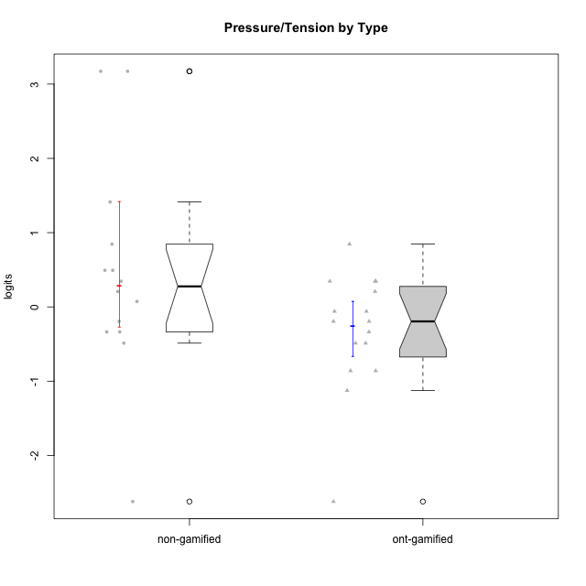

Wilcoxon data
UserID | Type | CLGroup | CLRole | PlayerRole | Score | theta | error | Outfit | Infit | Pressure/Tension
10116 | non-gamified | GroupC | Master |  | 10 | 0.207074728 | 0.3865837019 | 0.48196835851 | 0.49942698174 | 0.207074728
10120 | ont-gamified | Grupo Hélio | Master | Yee Socializer | 2 | -1.1261394748 | 0.57780610994 | 0.39826589125 | 0.30561043778 | -1.1261394748
10121 | ont-gamified | Grupo Hades | Master | Yee Achiever | 11 | 0.34545624663 | 0.39564833598 | 0.48712347966 | 0.45205881928 | 0.34545624663
10122 | non-gamified | GroupB | Apprentice |  | 5 | -0.48810270396 | 0.41992655575 | 1.5645761913 | 1.9404692766 | -0.48810270396
10123 | ont-gamified | Grupo Morfeu | Apprentice | Yee Achiever | 10 | 0.207074728 | 0.3865837019 | 0.82053732381 | 0.79297340815 | 0.207074728
10126 | ont-gamified | Grupo Hélio | Apprentice | Yee Socializer | 5 | -0.48810270396 | 0.41992655575 | 0.8538299136 | 0.99579714309 | -0.48810270396
10127 | ont-gamified | Grupo Hades | Apprentice | Yee Achiever | 7 | -0.19509897189 | 0.38960567386 | 0.3304702045 | 0.3588900667 | -0.19509897189
10128 | ont-gamified | Grupo Morfeu | Apprentice | Yee Achiever | 6 | -0.33626190168 | 0.40111423296 | 2.1486427486 | 2.6374881308 | -0.33626190168
10129 | non-gamified | GroupB | Apprentice |  | 18 | 3.1729292193 | 1.4874522554 | 0.12188499514 | 0.13267737577 | 3.1729292193
10130 | non-gamified | GroupC | Apprentice |  | 16 | 1.4130595699 | 0.6332210229 | 0.32789295324 | 0.3210192598 | 1.4130595699
10131 | ont-gamified | Grupo Zeus | Apprentice | Yee Achiever | 3 | -0.86046882355 | 0.49635475095 | 0.24724823829 | 0.19860412475 | -0.86046882355
10132 | non-gamified | GroupA | Apprentice |  | 7 | -0.19509897189 | 0.38960567386 | 0.25231455984 | 0.29765926474 | -0.19509897189
10134 | ont-gamified | Grupo Apolo | Apprentice | Yee Socializer | 11 | 0.34545624663 | 0.39564833598 | 0.2321442917 | 0.23157590155 | 0.34545624663
10135 | non-gamified | GroupB | Apprentice |  | 11 | 0.34545624663 | 0.39564833598 | 0.86124434029 | 0.90144798745 | 0.34545624663
10136 | non-gamified | GroupC | Apprentice |  | 9 | 0.073157005293 | 0.38276859088 | 1.4015614675 | 1.3091820877 | 0.073157005293
10137 | ont-gamified | Grupo Morfeu | Apprentice | Yee Achiever | 0 | -2.6208248727 | 1.3732536662 | 0.12933600924 | 0.14539387101 | -2.6208248727
10138 | ont-gamified | Grupo Hélio | Apprentice | Yee Socializer | 11 | 0.34545624663 | 0.39564833598 | 0.29741654109 | 0.30418712501 | 0.34545624663
10139 | ont-gamified | Grupo Zeus | Apprentice | Yee Achiever | 5 | -0.48810270396 | 0.41992655575 | 1.8659648979 | 1.8542515863 | -0.48810270396
10140 | non-gamified | GroupC | Apprentice |  | 14 | 0.84536116149 | 0.47245639536 | 1.194176435 | 1.258153017 | 0.84536116149
10141 | ont-gamified | Grupo Apolo | Master | Yee Socializer | 8 | -0.059821730394 | 0.38373877926 | 0.71793911683 | 0.63196588582 | -0.059821730394
10142 | ont-gamified | Grupo Hades | Apprentice | Yee Achiever | 3 | -0.86046882355 | 0.49635475095 | 1.6804389635 | 1.815826581 | -0.86046882355
10143 | ont-gamified | Grupo Apolo | Apprentice | Yee Socializer | 8 | -0.059821730394 | 0.38373877926 | 0.13589999963 | 0.14882368083 | -0.059821730394
10145 | non-gamified | GroupB | Master |  | 12 | 0.49281785314 | 0.41112887248 | 0.39844647245 | 0.41338480445 | 0.49281785314
10146 | non-gamified | GroupA | Apprentice |  | 6 | -0.33626190168 | 0.40111423296 | 1.1403892097 | 1.388219311 | -0.33626190168
10148 | ont-gamified | Grupo Apolo | Apprentice | Yee Socializer | 14 | 0.84536116149 | 0.47245639536 | 1.1998213249 | 1.2626916172 | 0.84536116149
10149 | non-gamified | GroupA | Apprentice |  | 18 | 3.1729292193 | 1.4874522554 | 0.12188499514 | 0.13267737577 | 3.1729292193
10152 | ont-gamified | Grupo Morfeu | Master | Yee Achiever | 7 | -0.19509897189 | 0.38960567386 | 0.2007402063 | 0.18407562166 | -0.19509897189
10153 | non-gamified | GroupA | Apprentice |  | 6 | -0.33626190168 | 0.40111423296 | 0.073005717192 | 0.082143297016 | -0.33626190168
10154 | non-gamified | GroupC | Apprentice |  | 12 | 0.49281785314 | 0.41112887248 | 0.67854165266 | 0.65459854886 | 0.49281785314
10158 | non-gamified | GroupD | Apprentice |  | 0 | -2.6208248727 | 1.3732536662 | 0.12933600924 | 0.14539387101 | -2.6208248727

Type_CLRole_1
Wilcoxon Analysis for Pressure/Tension by Type in Type:CLRole between non-gamified.Apprentice:non-gamified.Master

Wilcoxon test results
Alternative hypothesis: less
Group | N | Median | Mean.Ranks | Sum.Ranks | U | Z | p.value | r | magnitude
non-gamified.Apprentice | 12 | 0.20930662596 | 7.375 | 88.5 | 10.5 | -0.2747686074 | 0.41758241758 | 0.073434999251 | none
non-gamified.Master | 2 | 0.34994629057 | 8.25 | 16.5 | 10.5 | -0.2747686074 | 0.41758241758 | 0.073434999251 | none
Alternative hypothesis: greater
Group | N | Median | Mean.Ranks | Sum.Ranks | U | Z | p.value | r | magnitude
non-gamified.Apprentice | 12 | 0.20930662596 | 7.375 | 88.5 | 10.5 | -0.2747686074 | 0.6043956044 | 0.073434999251 | none
non-gamified.Master | 2 | 0.34994629057 | 8.25 | 16.5 | 10.5 | -0.2747686074 | 0.6043956044 | 0.073434999251 | none
Alternative hypothesis: two.sided
Group | N | Median | Mean.Ranks | Sum.Ranks | U | Z | p.value | r | magnitude
non-gamified.Apprentice | 12 | 0.20930662596 | 7.375 | 88.5 | 10.5 | -0.2747686074 | 0.82417582418 | 0.073434999251 | none
non-gamified.Master | 2 | 0.34994629057 | 8.25 | 16.5 | 10.5 | -0.2747686074 | 0.82417582418 | 0.073434999251 | none

Box plots for wilcoxon tests
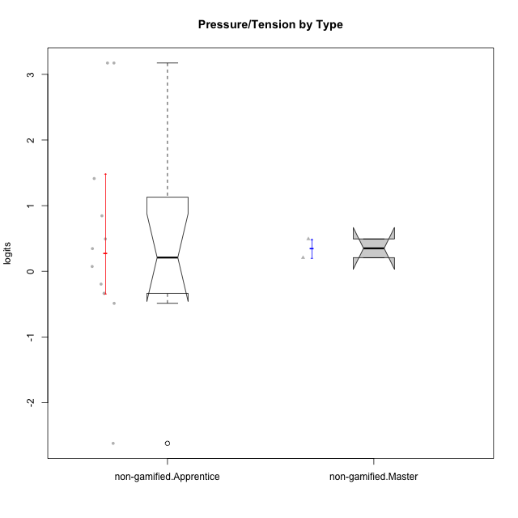

Wilcoxon data
UserID | Type | CLGroup | CLRole | PlayerRole | Score | theta | error | Outfit | Infit | Pressure/Tension
10116 | non-gamified | GroupC | Master |  | 10 | 0.207074728 | 0.3865837019 | 0.48196835851 | 0.49942698174 | 0.207074728
10122 | non-gamified | GroupB | Apprentice |  | 5 | -0.48810270396 | 0.41992655575 | 1.5645761913 | 1.9404692766 | -0.48810270396
10129 | non-gamified | GroupB | Apprentice |  | 18 | 3.1729292193 | 1.4874522554 | 0.12188499514 | 0.13267737577 | 3.1729292193
10130 | non-gamified | GroupC | Apprentice |  | 16 | 1.4130595699 | 0.6332210229 | 0.32789295324 | 0.3210192598 | 1.4130595699
10132 | non-gamified | GroupA | Apprentice |  | 7 | -0.19509897189 | 0.38960567386 | 0.25231455984 | 0.29765926474 | -0.19509897189
10135 | non-gamified | GroupB | Apprentice |  | 11 | 0.34545624663 | 0.39564833598 | 0.86124434029 | 0.90144798745 | 0.34545624663
10136 | non-gamified | GroupC | Apprentice |  | 9 | 0.073157005293 | 0.38276859088 | 1.4015614675 | 1.3091820877 | 0.073157005293
10140 | non-gamified | GroupC | Apprentice |  | 14 | 0.84536116149 | 0.47245639536 | 1.194176435 | 1.258153017 | 0.84536116149
10145 | non-gamified | GroupB | Master |  | 12 | 0.49281785314 | 0.41112887248 | 0.39844647245 | 0.41338480445 | 0.49281785314
10146 | non-gamified | GroupA | Apprentice |  | 6 | -0.33626190168 | 0.40111423296 | 1.1403892097 | 1.388219311 | -0.33626190168
10149 | non-gamified | GroupA | Apprentice |  | 18 | 3.1729292193 | 1.4874522554 | 0.12188499514 | 0.13267737577 | 3.1729292193
10153 | non-gamified | GroupA | Apprentice |  | 6 | -0.33626190168 | 0.40111423296 | 0.073005717192 | 0.082143297016 | -0.33626190168
10154 | non-gamified | GroupC | Apprentice |  | 12 | 0.49281785314 | 0.41112887248 | 0.67854165266 | 0.65459854886 | 0.49281785314
10158 | non-gamified | GroupD | Apprentice |  | 0 | -2.6208248727 | 1.3732536662 | 0.12933600924 | 0.14539387101 | -2.6208248727

Type_CLRole_2
Wilcoxon Analysis for Pressure/Tension by Type in Type:CLRole between non-gamified.Apprentice:ont-gamified.Apprentice

Wilcoxon test results
Alternative hypothesis: less
Group | N | Median | Mean.Ranks | Sum.Ranks | U | Z | p.value | r | magnitude
non-gamified.Apprentice | 12 | 0.20930662596 | 14.708333333 | 176.5 | 98.5 | 1.5356640193 | 0.9386400045 | 0.3134661053 | medium
ont-gamified.Apprentice | 12 | -0.26568043678 | 10.291666667 | 123.5 | 98.5 | 1.5356640193 | 0.9386400045 | 0.3134661053 | medium
Alternative hypothesis: greater
Group | N | Median | Mean.Ranks | Sum.Ranks | U | Z | p.value | r | magnitude
non-gamified.Apprentice | 12 | 0.20930662596 | 14.708333333 | 176.5 | 98.5 | 1.5356640193 | 0.064969994335 | 0.3134661053 | medium
ont-gamified.Apprentice | 12 | -0.26568043678 | 10.291666667 | 123.5 | 98.5 | 1.5356640193 | 0.064969994335 | 0.3134661053 | medium
Alternative hypothesis: two.sided
Group | N | Median | Mean.Ranks | Sum.Ranks | U | Z | p.value | r | magnitude
non-gamified.Apprentice | 12 | 0.20930662596 | 14.708333333 | 176.5 | 98.5 | 1.5356640193 | 0.12993998867 | 0.3134661053 | medium
ont-gamified.Apprentice | 12 | -0.26568043678 | 10.291666667 | 123.5 | 98.5 | 1.5356640193 | 0.12993998867 | 0.3134661053 | medium

Box plots for wilcoxon tests


Wilcoxon data
UserID | Type | CLGroup | CLRole | PlayerRole | Score | theta | error | Outfit | Infit | Pressure/Tension
10122 | non-gamified | GroupB | Apprentice |  | 5 | -0.48810270396 | 0.41992655575 | 1.5645761913 | 1.9404692766 | -0.48810270396
10123 | ont-gamified | Grupo Morfeu | Apprentice | Yee Achiever | 10 | 0.207074728 | 0.3865837019 | 0.82053732381 | 0.79297340815 | 0.207074728
10126 | ont-gamified | Grupo Hélio | Apprentice | Yee Socializer | 5 | -0.48810270396 | 0.41992655575 | 0.8538299136 | 0.99579714309 | -0.48810270396
10127 | ont-gamified | Grupo Hades | Apprentice | Yee Achiever | 7 | -0.19509897189 | 0.38960567386 | 0.3304702045 | 0.3588900667 | -0.19509897189
10128 | ont-gamified | Grupo Morfeu | Apprentice | Yee Achiever | 6 | -0.33626190168 | 0.40111423296 | 2.1486427486 | 2.6374881308 | -0.33626190168
10129 | non-gamified | GroupB | Apprentice |  | 18 | 3.1729292193 | 1.4874522554 | 0.12188499514 | 0.13267737577 | 3.1729292193
10130 | non-gamified | GroupC | Apprentice |  | 16 | 1.4130595699 | 0.6332210229 | 0.32789295324 | 0.3210192598 | 1.4130595699
10131 | ont-gamified | Grupo Zeus | Apprentice | Yee Achiever | 3 | -0.86046882355 | 0.49635475095 | 0.24724823829 | 0.19860412475 | -0.86046882355
10132 | non-gamified | GroupA | Apprentice |  | 7 | -0.19509897189 | 0.38960567386 | 0.25231455984 | 0.29765926474 | -0.19509897189
10134 | ont-gamified | Grupo Apolo | Apprentice | Yee Socializer | 11 | 0.34545624663 | 0.39564833598 | 0.2321442917 | 0.23157590155 | 0.34545624663
10135 | non-gamified | GroupB | Apprentice |  | 11 | 0.34545624663 | 0.39564833598 | 0.86124434029 | 0.90144798745 | 0.34545624663
10136 | non-gamified | GroupC | Apprentice |  | 9 | 0.073157005293 | 0.38276859088 | 1.4015614675 | 1.3091820877 | 0.073157005293
10137 | ont-gamified | Grupo Morfeu | Apprentice | Yee Achiever | 0 | -2.6208248727 | 1.3732536662 | 0.12933600924 | 0.14539387101 | -2.6208248727
10138 | ont-gamified | Grupo Hélio | Apprentice | Yee Socializer | 11 | 0.34545624663 | 0.39564833598 | 0.29741654109 | 0.30418712501 | 0.34545624663
10139 | ont-gamified | Grupo Zeus | Apprentice | Yee Achiever | 5 | -0.48810270396 | 0.41992655575 | 1.8659648979 | 1.8542515863 | -0.48810270396
10140 | non-gamified | GroupC | Apprentice |  | 14 | 0.84536116149 | 0.47245639536 | 1.194176435 | 1.258153017 | 0.84536116149
10142 | ont-gamified | Grupo Hades | Apprentice | Yee Achiever | 3 | -0.86046882355 | 0.49635475095 | 1.6804389635 | 1.815826581 | -0.86046882355
10143 | ont-gamified | Grupo Apolo | Apprentice | Yee Socializer | 8 | -0.059821730394 | 0.38373877926 | 0.13589999963 | 0.14882368083 | -0.059821730394
10146 | non-gamified | GroupA | Apprentice |  | 6 | -0.33626190168 | 0.40111423296 | 1.1403892097 | 1.388219311 | -0.33626190168
10148 | ont-gamified | Grupo Apolo | Apprentice | Yee Socializer | 14 | 0.84536116149 | 0.47245639536 | 1.1998213249 | 1.2626916172 | 0.84536116149
10149 | non-gamified | GroupA | Apprentice |  | 18 | 3.1729292193 | 1.4874522554 | 0.12188499514 | 0.13267737577 | 3.1729292193
10153 | non-gamified | GroupA | Apprentice |  | 6 | -0.33626190168 | 0.40111423296 | 0.073005717192 | 0.082143297016 | -0.33626190168
10154 | non-gamified | GroupC | Apprentice |  | 12 | 0.49281785314 | 0.41112887248 | 0.67854165266 | 0.65459854886 | 0.49281785314
10158 | non-gamified | GroupD | Apprentice |  | 0 | -2.6208248727 | 1.3732536662 | 0.12933600924 | 0.14539387101 | -2.6208248727

Type_CLRole_3
Wilcoxon Analysis for Pressure/Tension by Type in Type:CLRole between non-gamified.Apprentice:ont-gamified.Master

Wilcoxon test results
Alternative hypothesis: less
Group | N | Median | Mean.Ranks | Sum.Ranks | U | Z | p.value | r | magnitude
non-gamified.Apprentice | 12 | 0.20930662596 | 9.0833333333 | 109 | 31 | 0.85138244697 | 0.80384615385 | 0.21284561174 | small
ont-gamified.Master | 4 | -0.12746035114 | 6.75 | 27 | 31 | 0.85138244697 | 0.80384615385 | 0.21284561174 | small
Alternative hypothesis: greater
Group | N | Median | Mean.Ranks | Sum.Ranks | U | Z | p.value | r | magnitude
non-gamified.Apprentice | 12 | 0.20930662596 | 9.0833333333 | 109 | 31 | 0.85138244697 | 0.21208791209 | 0.21284561174 | small
ont-gamified.Master | 4 | -0.12746035114 | 6.75 | 27 | 31 | 0.85138244697 | 0.21208791209 | 0.21284561174 | small
Alternative hypothesis: two.sided
Group | N | Median | Mean.Ranks | Sum.Ranks | U | Z | p.value | r | magnitude
non-gamified.Apprentice | 12 | 0.20930662596 | 9.0833333333 | 109 | 31 | 0.85138244697 | 0.42527472527 | 0.21284561174 | small
ont-gamified.Master | 4 | -0.12746035114 | 6.75 | 27 | 31 | 0.85138244697 | 0.42527472527 | 0.21284561174 | small

Box plots for wilcoxon tests


Wilcoxon data
UserID | Type | CLGroup | CLRole | PlayerRole | Score | theta | error | Outfit | Infit | Pressure/Tension
10120 | ont-gamified | Grupo Hélio | Master | Yee Socializer | 2 | -1.1261394748 | 0.57780610994 | 0.39826589125 | 0.30561043778 | -1.1261394748
10121 | ont-gamified | Grupo Hades | Master | Yee Achiever | 11 | 0.34545624663 | 0.39564833598 | 0.48712347966 | 0.45205881928 | 0.34545624663
10122 | non-gamified | GroupB | Apprentice |  | 5 | -0.48810270396 | 0.41992655575 | 1.5645761913 | 1.9404692766 | -0.48810270396
10129 | non-gamified | GroupB | Apprentice |  | 18 | 3.1729292193 | 1.4874522554 | 0.12188499514 | 0.13267737577 | 3.1729292193
10130 | non-gamified | GroupC | Apprentice |  | 16 | 1.4130595699 | 0.6332210229 | 0.32789295324 | 0.3210192598 | 1.4130595699
10132 | non-gamified | GroupA | Apprentice |  | 7 | -0.19509897189 | 0.38960567386 | 0.25231455984 | 0.29765926474 | -0.19509897189
10135 | non-gamified | GroupB | Apprentice |  | 11 | 0.34545624663 | 0.39564833598 | 0.86124434029 | 0.90144798745 | 0.34545624663
10136 | non-gamified | GroupC | Apprentice |  | 9 | 0.073157005293 | 0.38276859088 | 1.4015614675 | 1.3091820877 | 0.073157005293
10140 | non-gamified | GroupC | Apprentice |  | 14 | 0.84536116149 | 0.47245639536 | 1.194176435 | 1.258153017 | 0.84536116149
10141 | ont-gamified | Grupo Apolo | Master | Yee Socializer | 8 | -0.059821730394 | 0.38373877926 | 0.71793911683 | 0.63196588582 | -0.059821730394
10146 | non-gamified | GroupA | Apprentice |  | 6 | -0.33626190168 | 0.40111423296 | 1.1403892097 | 1.388219311 | -0.33626190168
10149 | non-gamified | GroupA | Apprentice |  | 18 | 3.1729292193 | 1.4874522554 | 0.12188499514 | 0.13267737577 | 3.1729292193
10152 | ont-gamified | Grupo Morfeu | Master | Yee Achiever | 7 | -0.19509897189 | 0.38960567386 | 0.2007402063 | 0.18407562166 | -0.19509897189
10153 | non-gamified | GroupA | Apprentice |  | 6 | -0.33626190168 | 0.40111423296 | 0.073005717192 | 0.082143297016 | -0.33626190168
10154 | non-gamified | GroupC | Apprentice |  | 12 | 0.49281785314 | 0.41112887248 | 0.67854165266 | 0.65459854886 | 0.49281785314
10158 | non-gamified | GroupD | Apprentice |  | 0 | -2.6208248727 | 1.3732536662 | 0.12933600924 | 0.14539387101 | -2.6208248727

Type_CLRole_4
Wilcoxon Analysis for Pressure/Tension by Type in Type:CLRole between non-gamified.Master:ont-gamified.Apprentice

Wilcoxon test results
Alternative hypothesis: less
Group | N | Median | Mean.Ranks | Sum.Ranks | U | Z | p.value | r | magnitude
non-gamified.Master | 2 | 0.34994629057 | 11.25 | 22.5 | 19.5 | 1.3753653012 | 0.91208791209 | 0.36758183848 | medium
ont-gamified.Apprentice | 12 | -0.26568043678 | 6.875 | 82.5 | 19.5 | 1.3753653012 | 0.91208791209 | 0.36758183848 | medium
Alternative hypothesis: greater
Group | N | Median | Mean.Ranks | Sum.Ranks | U | Z | p.value | r | magnitude
non-gamified.Master | 2 | 0.34994629057 | 11.25 | 22.5 | 19.5 | 1.3753653012 | 0.10989010989 | 0.36758183848 | medium
ont-gamified.Apprentice | 12 | -0.26568043678 | 6.875 | 82.5 | 19.5 | 1.3753653012 | 0.10989010989 | 0.36758183848 | medium
Alternative hypothesis: two.sided
Group | N | Median | Mean.Ranks | Sum.Ranks | U | Z | p.value | r | magnitude
non-gamified.Master | 2 | 0.34994629057 | 11.25 | 22.5 | 19.5 | 1.3753653012 | 0.21978021978 | 0.36758183848 | medium
ont-gamified.Apprentice | 12 | -0.26568043678 | 6.875 | 82.5 | 19.5 | 1.3753653012 | 0.21978021978 | 0.36758183848 | medium

Box plots for wilcoxon tests
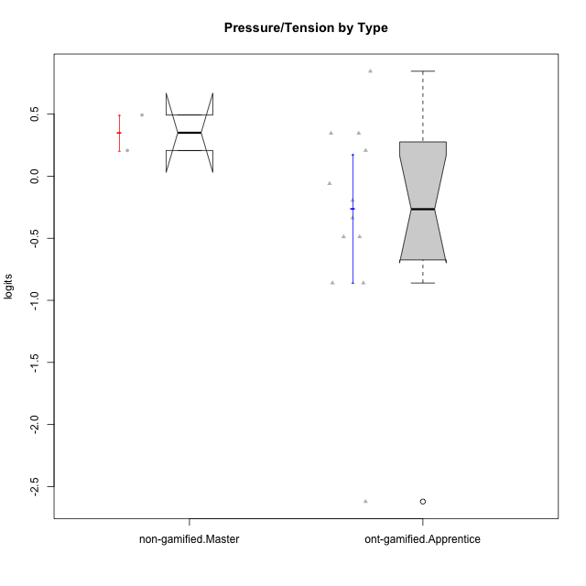

Wilcoxon data
UserID | Type | CLGroup | CLRole | PlayerRole | Score | theta | error | Outfit | Infit | Pressure/Tension
10116 | non-gamified | GroupC | Master |  | 10 | 0.207074728 | 0.3865837019 | 0.48196835851 | 0.49942698174 | 0.207074728
10123 | ont-gamified | Grupo Morfeu | Apprentice | Yee Achiever | 10 | 0.207074728 | 0.3865837019 | 0.82053732381 | 0.79297340815 | 0.207074728
10126 | ont-gamified | Grupo Hélio | Apprentice | Yee Socializer | 5 | -0.48810270396 | 0.41992655575 | 0.8538299136 | 0.99579714309 | -0.48810270396
10127 | ont-gamified | Grupo Hades | Apprentice | Yee Achiever | 7 | -0.19509897189 | 0.38960567386 | 0.3304702045 | 0.3588900667 | -0.19509897189
10128 | ont-gamified | Grupo Morfeu | Apprentice | Yee Achiever | 6 | -0.33626190168 | 0.40111423296 | 2.1486427486 | 2.6374881308 | -0.33626190168
10131 | ont-gamified | Grupo Zeus | Apprentice | Yee Achiever | 3 | -0.86046882355 | 0.49635475095 | 0.24724823829 | 0.19860412475 | -0.86046882355
10134 | ont-gamified | Grupo Apolo | Apprentice | Yee Socializer | 11 | 0.34545624663 | 0.39564833598 | 0.2321442917 | 0.23157590155 | 0.34545624663
10137 | ont-gamified | Grupo Morfeu | Apprentice | Yee Achiever | 0 | -2.6208248727 | 1.3732536662 | 0.12933600924 | 0.14539387101 | -2.6208248727
10138 | ont-gamified | Grupo Hélio | Apprentice | Yee Socializer | 11 | 0.34545624663 | 0.39564833598 | 0.29741654109 | 0.30418712501 | 0.34545624663
10139 | ont-gamified | Grupo Zeus | Apprentice | Yee Achiever | 5 | -0.48810270396 | 0.41992655575 | 1.8659648979 | 1.8542515863 | -0.48810270396
10142 | ont-gamified | Grupo Hades | Apprentice | Yee Achiever | 3 | -0.86046882355 | 0.49635475095 | 1.6804389635 | 1.815826581 | -0.86046882355
10143 | ont-gamified | Grupo Apolo | Apprentice | Yee Socializer | 8 | -0.059821730394 | 0.38373877926 | 0.13589999963 | 0.14882368083 | -0.059821730394
10145 | non-gamified | GroupB | Master |  | 12 | 0.49281785314 | 0.41112887248 | 0.39844647245 | 0.41338480445 | 0.49281785314
10148 | ont-gamified | Grupo Apolo | Apprentice | Yee Socializer | 14 | 0.84536116149 | 0.47245639536 | 1.1998213249 | 1.2626916172 | 0.84536116149

Type_CLRole_5
Wilcoxon Analysis for Pressure/Tension by Type in Type:CLRole between non-gamified.Master:ont-gamified.Master

Wilcoxon test results
Alternative hypothesis: less
Group | N | Median | Mean.Ranks | Sum.Ranks | U | Z | p.value | r | magnitude
non-gamified.Master | 2 | 0.34994629057 | 5 | 10 | 7 | 1.3887301497 | 0.93333333333 | 0.56694670951 | large
ont-gamified.Master | 4 | -0.12746035114 | 2.75 | 11 | 7 | 1.3887301497 | 0.93333333333 | 0.56694670951 | large
Alternative hypothesis: greater
Group | N | Median | Mean.Ranks | Sum.Ranks | U | Z | p.value | r | magnitude
non-gamified.Master | 2 | 0.34994629057 | 5 | 10 | 7 | 1.3887301497 | 0.13333333333 | 0.56694670951 | large
ont-gamified.Master | 4 | -0.12746035114 | 2.75 | 11 | 7 | 1.3887301497 | 0.13333333333 | 0.56694670951 | large
Alternative hypothesis: two.sided
Group | N | Median | Mean.Ranks | Sum.Ranks | U | Z | p.value | r | magnitude
non-gamified.Master | 2 | 0.34994629057 | 5 | 10 | 7 | 1.3887301497 | 0.26666666667 | 0.56694670951 | large
ont-gamified.Master | 4 | -0.12746035114 | 2.75 | 11 | 7 | 1.3887301497 | 0.26666666667 | 0.56694670951 | large

Box plots for wilcoxon tests
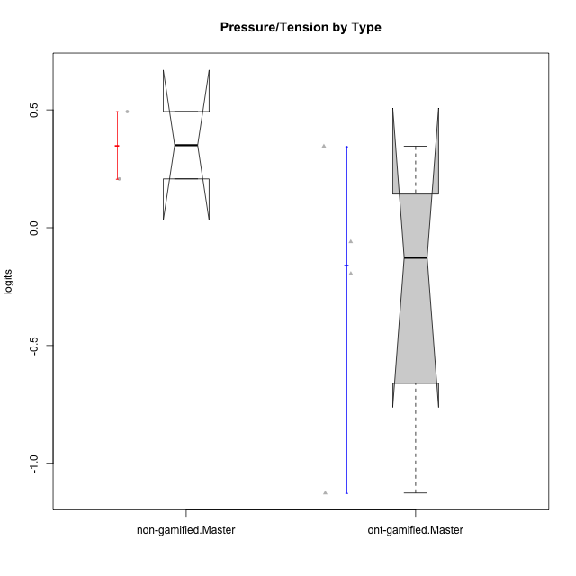

Wilcoxon data
UserID | Type | CLGroup | CLRole | PlayerRole | Score | theta | error | Outfit | Infit | Pressure/Tension
10116 | non-gamified | GroupC | Master |  | 10 | 0.207074728 | 0.3865837019 | 0.48196835851 | 0.49942698174 | 0.207074728
10120 | ont-gamified | Grupo Hélio | Master | Yee Socializer | 2 | -1.1261394748 | 0.57780610994 | 0.39826589125 | 0.30561043778 | -1.1261394748
10121 | ont-gamified | Grupo Hades | Master | Yee Achiever | 11 | 0.34545624663 | 0.39564833598 | 0.48712347966 | 0.45205881928 | 0.34545624663
10141 | ont-gamified | Grupo Apolo | Master | Yee Socializer | 8 | -0.059821730394 | 0.38373877926 | 0.71793911683 | 0.63196588582 | -0.059821730394
10145 | non-gamified | GroupB | Master |  | 12 | 0.49281785314 | 0.41112887248 | 0.39844647245 | 0.41338480445 | 0.49281785314
10152 | ont-gamified | Grupo Morfeu | Master | Yee Achiever | 7 | -0.19509897189 | 0.38960567386 | 0.2007402063 | 0.18407562166 | -0.19509897189

Type_CLRole_6
Wilcoxon Analysis for Pressure/Tension by Type in Type:CLRole between ont-gamified.Apprentice:ont-gamified.Master

Wilcoxon test results
Alternative hypothesis: less
Group | N | Median | Mean.Ranks | Sum.Ranks | U | Z | p.value | r | magnitude
ont-gamified.Apprentice | 12 | -0.26568043678 | 8.4166666667 | 101 | 23 | -0.12198750912 | 0.47252747253 | 0.03049687728 | none
ont-gamified.Master | 4 | -0.12746035114 | 8.75 | 35 | 23 | -0.12198750912 | 0.47252747253 | 0.03049687728 | none
Alternative hypothesis: greater
Group | N | Median | Mean.Ranks | Sum.Ranks | U | Z | p.value | r | magnitude
ont-gamified.Apprentice | 12 | -0.26568043678 | 8.4166666667 | 101 | 23 | -0.12198750912 | 0.56538461538 | 0.03049687728 | none
ont-gamified.Master | 4 | -0.12746035114 | 8.75 | 35 | 23 | -0.12198750912 | 0.56538461538 | 0.03049687728 | none
Alternative hypothesis: two.sided
Group | N | Median | Mean.Ranks | Sum.Ranks | U | Z | p.value | r | magnitude
ont-gamified.Apprentice | 12 | -0.26568043678 | 8.4166666667 | 101 | 23 | -0.12198750912 | 0.93296703297 | 0.03049687728 | none
ont-gamified.Master | 4 | -0.12746035114 | 8.75 | 35 | 23 | -0.12198750912 | 0.93296703297 | 0.03049687728 | none

Box plots for wilcoxon tests
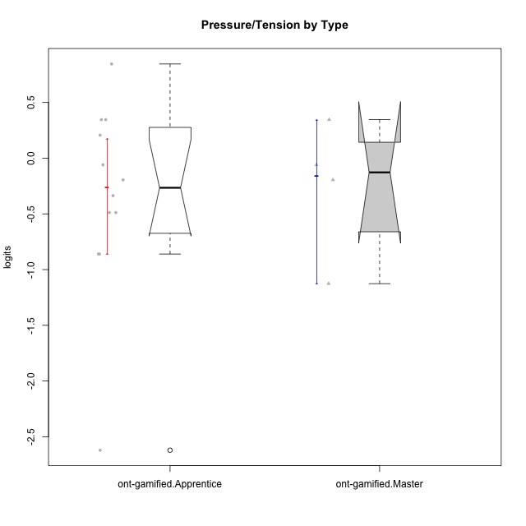

Wilcoxon data
UserID | Type | CLGroup | CLRole | PlayerRole | Score | theta | error | Outfit | Infit | Pressure/Tension
10120 | ont-gamified | Grupo Hélio | Master | Yee Socializer | 2 | -1.1261394748 | 0.57780610994 | 0.39826589125 | 0.30561043778 | -1.1261394748
10121 | ont-gamified | Grupo Hades | Master | Yee Achiever | 11 | 0.34545624663 | 0.39564833598 | 0.48712347966 | 0.45205881928 | 0.34545624663
10123 | ont-gamified | Grupo Morfeu | Apprentice | Yee Achiever | 10 | 0.207074728 | 0.3865837019 | 0.82053732381 | 0.79297340815 | 0.207074728
10126 | ont-gamified | Grupo Hélio | Apprentice | Yee Socializer | 5 | -0.48810270396 | 0.41992655575 | 0.8538299136 | 0.99579714309 | -0.48810270396
10127 | ont-gamified | Grupo Hades | Apprentice | Yee Achiever | 7 | -0.19509897189 | 0.38960567386 | 0.3304702045 | 0.3588900667 | -0.19509897189
10128 | ont-gamified | Grupo Morfeu | Apprentice | Yee Achiever | 6 | -0.33626190168 | 0.40111423296 | 2.1486427486 | 2.6374881308 | -0.33626190168
10131 | ont-gamified | Grupo Zeus | Apprentice | Yee Achiever | 3 | -0.86046882355 | 0.49635475095 | 0.24724823829 | 0.19860412475 | -0.86046882355
10134 | ont-gamified | Grupo Apolo | Apprentice | Yee Socializer | 11 | 0.34545624663 | 0.39564833598 | 0.2321442917 | 0.23157590155 | 0.34545624663
10137 | ont-gamified | Grupo Morfeu | Apprentice | Yee Achiever | 0 | -2.6208248727 | 1.3732536662 | 0.12933600924 | 0.14539387101 | -2.6208248727
10138 | ont-gamified | Grupo Hélio | Apprentice | Yee Socializer | 11 | 0.34545624663 | 0.39564833598 | 0.29741654109 | 0.30418712501 | 0.34545624663
10139 | ont-gamified | Grupo Zeus | Apprentice | Yee Achiever | 5 | -0.48810270396 | 0.41992655575 | 1.8659648979 | 1.8542515863 | -0.48810270396
10141 | ont-gamified | Grupo Apolo | Master | Yee Socializer | 8 | -0.059821730394 | 0.38373877926 | 0.71793911683 | 0.63196588582 | -0.059821730394
10142 | ont-gamified | Grupo Hades | Apprentice | Yee Achiever | 3 | -0.86046882355 | 0.49635475095 | 1.6804389635 | 1.815826581 | -0.86046882355
10143 | ont-gamified | Grupo Apolo | Apprentice | Yee Socializer | 8 | -0.059821730394 | 0.38373877926 | 0.13589999963 | 0.14882368083 | -0.059821730394
10148 | ont-gamified | Grupo Apolo | Apprentice | Yee Socializer | 14 | 0.84536116149 | 0.47245639536 | 1.1998213249 | 1.2626916172 | 0.84536116149
10152 | ont-gamified | Grupo Morfeu | Master | Yee Achiever | 7 | -0.19509897189 | 0.38960567386 | 0.2007402063 | 0.18407562166 | -0.19509897189

