Type_1
Wilcoxon Analysis for Gain in Skills and Knowledge - Cond. Structures in Type between non-gamified:ont-gamified

Wilcoxon test results
Alternative hypothesis: less
Group | N | Median | Mean.Ranks | Sum.Ranks | U | Z | p.value | r | magnitude
non-gamified | 19 | 0.047992902175 | 25.657894737 | 487.5 | 297.5 | 0.68290832897 | 0.75250440397 | 0.099612417599 | none
ont-gamified | 28 | -0.014641475273 | 22.875 | 640.5 | 297.5 | 0.68290832897 | 0.75250440397 | 0.099612417599 | none
Alternative hypothesis: greater
Group | N | Median | Mean.Ranks | Sum.Ranks | U | Z | p.value | r | magnitude
non-gamified | 19 | 0.047992902175 | 25.657894737 | 487.5 | 297.5 | 0.68290832897 | 0.25091426207 | 0.099612417599 | none
ont-gamified | 28 | -0.014641475273 | 22.875 | 640.5 | 297.5 | 0.68290832897 | 0.25091426207 | 0.099612417599 | none
Alternative hypothesis: two.sided
Group | N | Median | Mean.Ranks | Sum.Ranks | U | Z | p.value | r | magnitude
non-gamified | 19 | 0.047992902175 | 25.657894737 | 487.5 | 297.5 | 0.68290832897 | 0.50182713524 | 0.099612417599 | none
ont-gamified | 28 | -0.014641475273 | 22.875 | 640.5 | 297.5 | 0.68290832897 | 0.50182713524 | 0.099612417599 | none

Box plots for wilcoxon tests
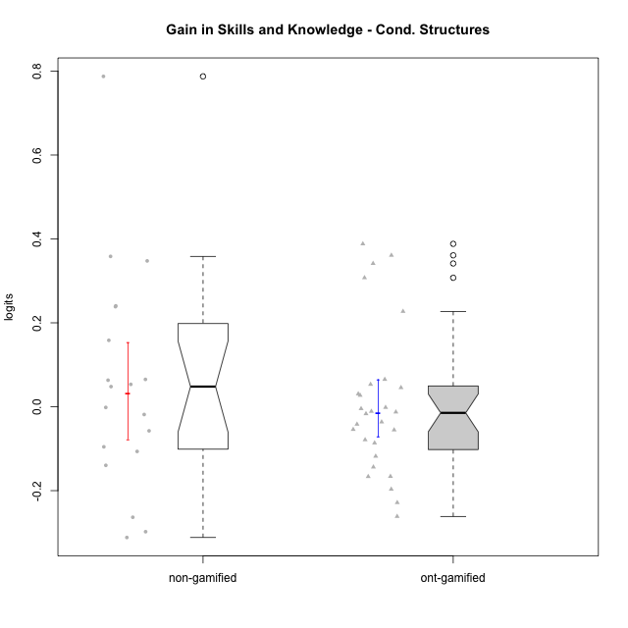

Wilcoxon data
UserID | NroUSP | Type | CLGroup | CLRole | PlayerRole | PreTheta | PostTheta | DiffTheta
10169 | 10377538 | ont-gamified | Grupo Hefesto | Master | Yee Achiever | -0.032480194741 | -0.15050317 | -0.11802297526
10170 | 10260351 | ont-gamified | Grupo Afrodite | Apprentice | Yee Achiever | -0.036035107244 | -0.091328484977 | -0.055293377733
10171 | 698531 | non-gamified | Grupo Team 6 | Apprentice |  | -0.44714098689 | 0.34031510244 | 0.78745608933
10174 | 10276852 | ont-gamified | Grupo Urano | Master | Yee Achiever | -0.047926858141 | -0.21401218001 | -0.16608532187
10175 | 10310700 | ont-gamified | Grupo Hélio | Master | Yee Socializer | 0.18198609406 | 0.038228297756 | -0.14375779631
10176 | 10276949 | ont-gamified | Grupo Cronus | Apprentice | Yee Achiever | -0.026931876924 | -0.043644153268 | -0.016712276344
10178 | 8656201 | ont-gamified | Grupo Morfeu | Apprentice | Yee Socializer | -0.086719058651 | -0.091328484977 | -0.0046094263257
10179 | 10310759 | non-gamified | Grupo Team 9 | Master |  | 0.18198609406 | 0.34031510244 | 0.15832900838
10183 | 10352030 | ont-gamified | Grupo Hélio | Apprentice | Yee Socializer | -0.041984987869 | -0.054555662071 | -0.012570674203
10184 | 10276675 | ont-gamified | Grupo Apolo | Master | Yee Socializer | -0.015127497158 | 0.038228297756 | 0.053355794914
10185 | 10276960 | non-gamified | Grupo Team 12 | Apprentice |  | -0.047172312495 | 0.19328931348 | 0.24046162597
10186 | 10310551 | ont-gamified | Grupo Ares | Apprentice | Yee Achiever | -0.0011256740753 | 0.34031510244 | 0.34144077652
10187 | 9790781 | non-gamified | Grupo Team 15 | Apprentice |  | 0.015234590786 | -0.091328484977 | -0.10656307576
10188 | 10276995 | non-gamified | Grupo Team 3 | Master |  | 0.10183959472 | 0.34031510244 | 0.23847550772
10189 | 9363926 | ont-gamified | Grupo Hades | Master | Yee Socializer | -0.015127497158 | 0.015512707434 | 0.030640204592
10191 | 10276981 | non-gamified | Grupo Team 6 | Master |  | 0.13689830817 | -0.0027748587668 | -0.13967316693
10192 | 10276682 | non-gamified | Grupo Team 5 | Apprentice |  | -0.025005344556 | 0.038228297756 | 0.063233642312
10193 | 10276762 | ont-gamified | Grupo Afrodite | Master | Yee Achiever | 0.10183959472 | 0.015512707434 | -0.086326887283
10195 | 10351971 | ont-gamified | Grupo Urano | Apprentice | Yee Achiever | -0.028730019215 | -0.082892906508 | -0.054162887292
10196 | 10310655 | ont-gamified | Grupo Hefesto | Apprentice | Yee Achiever | -0.047926858141 | 0.34031510244 | 0.38824196058
10197 | 10276661 | ont-gamified | Grupo Gaia | Apprentice | Yee Achiever | -0.0073006767313 | 0.038228297756 | 0.045528974487
10198 | 10310888 | ont-gamified | Grupo Apolo | Apprentice | Yee Socializer | 0.19689971073 | -0.064618182401 | -0.26151789313
10199 | 10276737 | ont-gamified | Grupo Gaia | Master | Yee Achiever | -0.02062078496 | -0.099412649919 | -0.078791864959
10200 | 9795272 | ont-gamified | Grupo Hades | Apprentice | Yee Socializer | 0.19689971073 | -0.031643936414 | -0.22854364715
10201 | 10276928 | ont-gamified | Grupo Caronte | Master | Yee Achiever | -0.011657680283 | 0.015512707434 | 0.027170387717
10202 | 10277036 | non-gamified | Grupo Team 11 | Apprentice |  | -0.041984987869 | -0.099412649919 | -0.05742766205
10203 | 9921470 | non-gamified | Grupo Team 3 | Apprentice |  | -0.058799424013 | -0.35667000203 | -0.29787057802
10204 | 10310471 | ont-gamified | Grupo Hermes | Master | Yee Achiever | 0.18198609406 | 0.015512707434 | -0.16647338663
10206 | 10310721 | ont-gamified | Grupo Hera | Master | Yee Achiever | -0.0073006767313 | -0.043644153268 | -0.036343476537
10208 | 10276932 | non-gamified | Grupo Team 7 | Apprentice |  | -0.026931876924 | 0.038228297756 | 0.06516017468
10209 | 10262669 | ont-gamified | Grupo Artemis | Apprentice | Yee Achiever | -0.0011256740753 | -0.0027748587668 | -0.0016491846915
10210 | 10277015 | non-gamified | Grupo Team 9 | Apprentice |  | 0.19689971073 | -0.11477610381 | -0.31167581454
10213 | 10277040 | ont-gamified | Grupo Morfeu | Master | Yee Socializer | -0.02062078496 | 0.34031510244 | 0.3609358874
10214 | 10277022 | non-gamified | Grupo Team 5 | Master |  | -0.036035107244 | -0.054555662071 | -0.018520554827
10216 | 10276720 | non-gamified | Grupo Team 15 | Master |  | -0.018057795692 | 0.34031510244 | 0.35837289813
10217 | 9805341 | non-gamified | Grupo Team 13 | Master |  | -0.0073006767313 | 0.34031510244 | 0.34761577917
10218 | 9842913 | ont-gamified | Grupo Ares | Master | Yee Achiever | -0.022915570247 | -0.064618182401 | -0.041702612154
10219 | 10276831 | non-gamified | Grupo Team 12 | Master |  | -0.032480194741 | 0.015512707434 | 0.047992902175
10220 | 9760151 | non-gamified | Grupo Team 2 | Apprentice |  | -0.015127497158 | 0.038228297756 | 0.053355794914
10221 | 9082496 | ont-gamified | Grupo Hermes | Apprentice | Yee Achiever | -0.047926858141 | -0.24454511364 | -0.1966182555
10223 | 9795185 | ont-gamified | Grupo Cronus | Master | Yee Achiever | -0.033950159683 | 0.19328931348 | 0.22723947316
10230 | 10351992 | non-gamified | Grupo Team 14 | Master |  | -0.011657680283 | -0.10721060596 | -0.095552925681
10231 | 10276911 | ont-gamified | Grupo Caronte | Apprentice | Yee Achiever | -0.026931876924 | 0.038228297756 | 0.06516017468
10232 | 10276974 | ont-gamified | Grupo Artemis | Master | Yee Achiever | -0.02062078496 | -0.031643936414 | -0.011023151454
10237 | 10377688 | non-gamified | Grupo Team 11 | Master |  | 0.21981484416 | -0.043644153268 | -0.26345899743
10238 | 10276953 | non-gamified | Grupo Team 13 | Apprentice |  | -0.0011256740753 | -0.0027748587668 | -0.0016491846915
10240 | 10276654 | ont-gamified | Grupo Hera | Apprentice | Yee Achiever | -0.29195396235 | 0.015512707434 | 0.30746666978

Type_CLRole_1
Wilcoxon Analysis for Gain in Skills and Knowledge - Cond. Structures in Type:CLRole between non-gamified.Apprentice:non-gamified.Master

Wilcoxon test results
Alternative hypothesis: less
Group | N | Median | Mean.Ranks | Sum.Ranks | U | Z | p.value | r | magnitude
non-gamified.Apprentice | 10 | 0.025853305111 | 9.5 | 95 | 40 | -0.40824829046 | 0.35984758276 | 0.093658581158 | none
non-gamified.Master | 9 | 0.047992902175 | 10.555555556 | 95 | 40 | -0.40824829046 | 0.35984758276 | 0.093658581158 | none
Alternative hypothesis: greater
Group | N | Median | Mean.Ranks | Sum.Ranks | U | Z | p.value | r | magnitude
non-gamified.Apprentice | 10 | 0.025853305111 | 9.5 | 95 | 40 | -0.40824829046 | 0.66963995757 | 0.093658581158 | none
non-gamified.Master | 9 | 0.047992902175 | 10.555555556 | 95 | 40 | -0.40824829046 | 0.66963995757 | 0.093658581158 | none
Alternative hypothesis: two.sided
Group | N | Median | Mean.Ranks | Sum.Ranks | U | Z | p.value | r | magnitude
non-gamified.Apprentice | 10 | 0.025853305111 | 9.5 | 95 | 40 | -0.40824829046 | 0.71969516552 | 0.093658581158 | none
non-gamified.Master | 9 | 0.047992902175 | 10.555555556 | 95 | 40 | -0.40824829046 | 0.71969516552 | 0.093658581158 | none

Box plots for wilcoxon tests
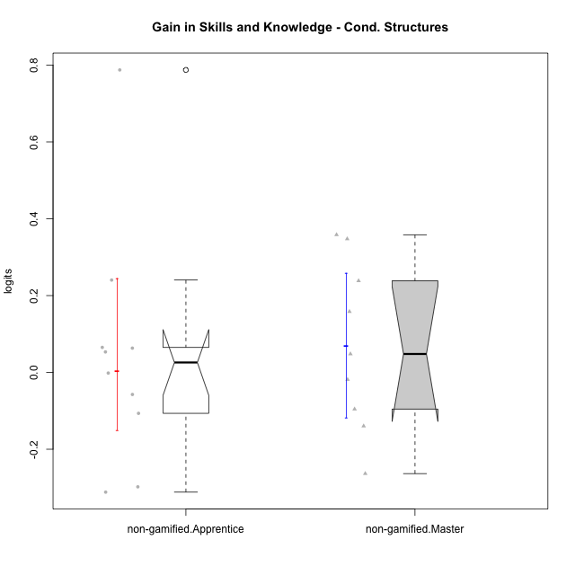

Wilcoxon data
UserID | NroUSP | Type | CLGroup | CLRole | PlayerRole | PreTheta | PostTheta | DiffTheta
10171 | 698531 | non-gamified | Grupo Team 6 | Apprentice |  | -0.44714098689 | 0.34031510244 | 0.78745608933
10179 | 10310759 | non-gamified | Grupo Team 9 | Master |  | 0.18198609406 | 0.34031510244 | 0.15832900838
10185 | 10276960 | non-gamified | Grupo Team 12 | Apprentice |  | -0.047172312495 | 0.19328931348 | 0.24046162597
10187 | 9790781 | non-gamified | Grupo Team 15 | Apprentice |  | 0.015234590786 | -0.091328484977 | -0.10656307576
10188 | 10276995 | non-gamified | Grupo Team 3 | Master |  | 0.10183959472 | 0.34031510244 | 0.23847550772
10191 | 10276981 | non-gamified | Grupo Team 6 | Master |  | 0.13689830817 | -0.0027748587668 | -0.13967316693
10192 | 10276682 | non-gamified | Grupo Team 5 | Apprentice |  | -0.025005344556 | 0.038228297756 | 0.063233642312
10202 | 10277036 | non-gamified | Grupo Team 11 | Apprentice |  | -0.041984987869 | -0.099412649919 | -0.05742766205
10203 | 9921470 | non-gamified | Grupo Team 3 | Apprentice |  | -0.058799424013 | -0.35667000203 | -0.29787057802
10208 | 10276932 | non-gamified | Grupo Team 7 | Apprentice |  | -0.026931876924 | 0.038228297756 | 0.06516017468
10210 | 10277015 | non-gamified | Grupo Team 9 | Apprentice |  | 0.19689971073 | -0.11477610381 | -0.31167581454
10214 | 10277022 | non-gamified | Grupo Team 5 | Master |  | -0.036035107244 | -0.054555662071 | -0.018520554827
10216 | 10276720 | non-gamified | Grupo Team 15 | Master |  | -0.018057795692 | 0.34031510244 | 0.35837289813
10217 | 9805341 | non-gamified | Grupo Team 13 | Master |  | -0.0073006767313 | 0.34031510244 | 0.34761577917
10219 | 10276831 | non-gamified | Grupo Team 12 | Master |  | -0.032480194741 | 0.015512707434 | 0.047992902175
10220 | 9760151 | non-gamified | Grupo Team 2 | Apprentice |  | -0.015127497158 | 0.038228297756 | 0.053355794914
10230 | 10351992 | non-gamified | Grupo Team 14 | Master |  | -0.011657680283 | -0.10721060596 | -0.095552925681
10237 | 10377688 | non-gamified | Grupo Team 11 | Master |  | 0.21981484416 | -0.043644153268 | -0.26345899743
10238 | 10276953 | non-gamified | Grupo Team 13 | Apprentice |  | -0.0011256740753 | -0.0027748587668 | -0.0016491846915

Type_CLRole_2
Wilcoxon Analysis for Gain in Skills and Knowledge - Cond. Structures in Type:CLRole between non-gamified.Apprentice:ont-gamified.Apprentice

Wilcoxon test results
Alternative hypothesis: less
Group | N | Median | Mean.Ranks | Sum.Ranks | U | Z | p.value | r | magnitude
non-gamified.Apprentice | 10 | 0.025853305111 | 12.5 | 125 | 70 | 0 | 0.50572337319 | 0 | none
ont-gamified.Apprentice | 14 | -0.0085900502642 | 12.5 | 175 | 70 | 0 | 0.50572337319 | 0 | none
Alternative hypothesis: greater
Group | N | Median | Mean.Ranks | Sum.Ranks | U | Z | p.value | r | magnitude
non-gamified.Apprentice | 10 | 0.025853305111 | 12.5 | 125 | 70 | 0 | 0.5057320411 | 0 | none
ont-gamified.Apprentice | 14 | -0.0085900502642 | 12.5 | 175 | 70 | 0 | 0.5057320411 | 0 | none
Alternative hypothesis: two.sided
Group | N | Median | Mean.Ranks | Sum.Ranks | U | Z | p.value | r | magnitude
non-gamified.Apprentice | 10 | 0.025853305111 | 12.5 | 125 | 70 | 0 | 1 | 0 | none
ont-gamified.Apprentice | 14 | -0.0085900502642 | 12.5 | 175 | 70 | 0 | 1 | 0 | none

Box plots for wilcoxon tests
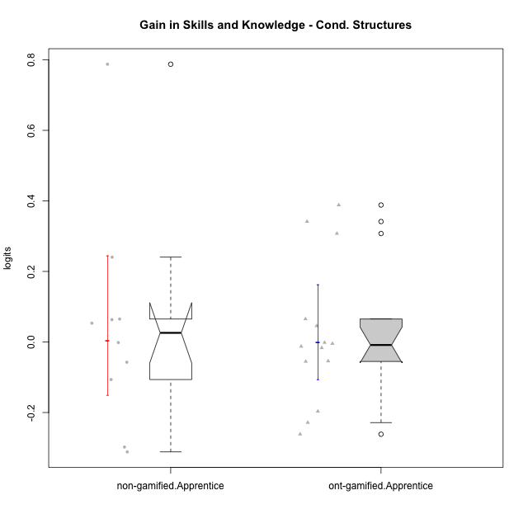

Wilcoxon data
UserID | NroUSP | Type | CLGroup | CLRole | PlayerRole | PreTheta | PostTheta | DiffTheta
10170 | 10260351 | ont-gamified | Grupo Afrodite | Apprentice | Yee Achiever | -0.036035107244 | -0.091328484977 | -0.055293377733
10171 | 698531 | non-gamified | Grupo Team 6 | Apprentice |  | -0.44714098689 | 0.34031510244 | 0.78745608933
10176 | 10276949 | ont-gamified | Grupo Cronus | Apprentice | Yee Achiever | -0.026931876924 | -0.043644153268 | -0.016712276344
10178 | 8656201 | ont-gamified | Grupo Morfeu | Apprentice | Yee Socializer | -0.086719058651 | -0.091328484977 | -0.0046094263257
10183 | 10352030 | ont-gamified | Grupo Hélio | Apprentice | Yee Socializer | -0.041984987869 | -0.054555662071 | -0.012570674203
10185 | 10276960 | non-gamified | Grupo Team 12 | Apprentice |  | -0.047172312495 | 0.19328931348 | 0.24046162597
10186 | 10310551 | ont-gamified | Grupo Ares | Apprentice | Yee Achiever | -0.0011256740753 | 0.34031510244 | 0.34144077652
10187 | 9790781 | non-gamified | Grupo Team 15 | Apprentice |  | 0.015234590786 | -0.091328484977 | -0.10656307576
10192 | 10276682 | non-gamified | Grupo Team 5 | Apprentice |  | -0.025005344556 | 0.038228297756 | 0.063233642312
10195 | 10351971 | ont-gamified | Grupo Urano | Apprentice | Yee Achiever | -0.028730019215 | -0.082892906508 | -0.054162887292
10196 | 10310655 | ont-gamified | Grupo Hefesto | Apprentice | Yee Achiever | -0.047926858141 | 0.34031510244 | 0.38824196058
10197 | 10276661 | ont-gamified | Grupo Gaia | Apprentice | Yee Achiever | -0.0073006767313 | 0.038228297756 | 0.045528974487
10198 | 10310888 | ont-gamified | Grupo Apolo | Apprentice | Yee Socializer | 0.19689971073 | -0.064618182401 | -0.26151789313
10200 | 9795272 | ont-gamified | Grupo Hades | Apprentice | Yee Socializer | 0.19689971073 | -0.031643936414 | -0.22854364715
10202 | 10277036 | non-gamified | Grupo Team 11 | Apprentice |  | -0.041984987869 | -0.099412649919 | -0.05742766205
10203 | 9921470 | non-gamified | Grupo Team 3 | Apprentice |  | -0.058799424013 | -0.35667000203 | -0.29787057802
10208 | 10276932 | non-gamified | Grupo Team 7 | Apprentice |  | -0.026931876924 | 0.038228297756 | 0.06516017468
10209 | 10262669 | ont-gamified | Grupo Artemis | Apprentice | Yee Achiever | -0.0011256740753 | -0.0027748587668 | -0.0016491846915
10210 | 10277015 | non-gamified | Grupo Team 9 | Apprentice |  | 0.19689971073 | -0.11477610381 | -0.31167581454
10220 | 9760151 | non-gamified | Grupo Team 2 | Apprentice |  | -0.015127497158 | 0.038228297756 | 0.053355794914
10221 | 9082496 | ont-gamified | Grupo Hermes | Apprentice | Yee Achiever | -0.047926858141 | -0.24454511364 | -0.1966182555
10231 | 10276911 | ont-gamified | Grupo Caronte | Apprentice | Yee Achiever | -0.026931876924 | 0.038228297756 | 0.06516017468
10238 | 10276953 | non-gamified | Grupo Team 13 | Apprentice |  | -0.0011256740753 | -0.0027748587668 | -0.0016491846915
10240 | 10276654 | ont-gamified | Grupo Hera | Apprentice | Yee Achiever | -0.29195396235 | 0.015512707434 | 0.30746666978

Type_CLRole_3
Wilcoxon Analysis for Gain in Skills and Knowledge - Cond. Structures in Type:CLRole between non-gamified.Apprentice:ont-gamified.Master

Wilcoxon test results
Alternative hypothesis: less
Group | N | Median | Mean.Ranks | Sum.Ranks | U | Z | p.value | r | magnitude
non-gamified.Apprentice | 10 | 0.025853305111 | 13.65 | 136.5 | 81.5 | 0.6735174831 | 0.75091268045 | 0.13748118054 | small
ont-gamified.Master | 14 | -0.039023044345 | 11.678571429 | 163.5 | 81.5 | 0.6735174831 | 0.75091268045 | 0.13748118054 | small
Alternative hypothesis: greater
Group | N | Median | Mean.Ranks | Sum.Ranks | U | Z | p.value | r | magnitude
non-gamified.Apprentice | 10 | 0.025853305111 | 13.65 | 136.5 | 81.5 | 0.6735174831 | 0.25891979425 | 0.13748118054 | small
ont-gamified.Master | 14 | -0.039023044345 | 11.678571429 | 163.5 | 81.5 | 0.6735174831 | 0.25891979425 | 0.13748118054 | small
Alternative hypothesis: two.sided
Group | N | Median | Mean.Ranks | Sum.Ranks | U | Z | p.value | r | magnitude
non-gamified.Apprentice | 10 | 0.025853305111 | 13.65 | 136.5 | 81.5 | 0.6735174831 | 0.51754131026 | 0.13748118054 | small
ont-gamified.Master | 14 | -0.039023044345 | 11.678571429 | 163.5 | 81.5 | 0.6735174831 | 0.51754131026 | 0.13748118054 | small

Box plots for wilcoxon tests
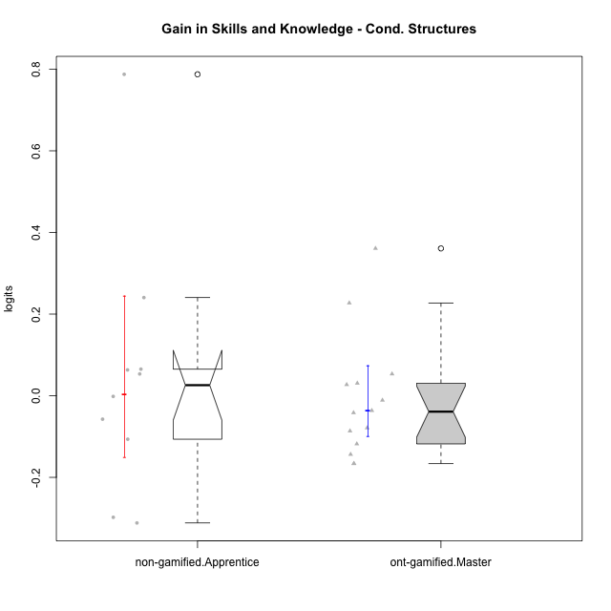

Wilcoxon data
UserID | NroUSP | Type | CLGroup | CLRole | PlayerRole | PreTheta | PostTheta | DiffTheta
10169 | 10377538 | ont-gamified | Grupo Hefesto | Master | Yee Achiever | -0.032480194741 | -0.15050317 | -0.11802297526
10171 | 698531 | non-gamified | Grupo Team 6 | Apprentice |  | -0.44714098689 | 0.34031510244 | 0.78745608933
10174 | 10276852 | ont-gamified | Grupo Urano | Master | Yee Achiever | -0.047926858141 | -0.21401218001 | -0.16608532187
10175 | 10310700 | ont-gamified | Grupo Hélio | Master | Yee Socializer | 0.18198609406 | 0.038228297756 | -0.14375779631
10184 | 10276675 | ont-gamified | Grupo Apolo | Master | Yee Socializer | -0.015127497158 | 0.038228297756 | 0.053355794914
10185 | 10276960 | non-gamified | Grupo Team 12 | Apprentice |  | -0.047172312495 | 0.19328931348 | 0.24046162597
10187 | 9790781 | non-gamified | Grupo Team 15 | Apprentice |  | 0.015234590786 | -0.091328484977 | -0.10656307576
10189 | 9363926 | ont-gamified | Grupo Hades | Master | Yee Socializer | -0.015127497158 | 0.015512707434 | 0.030640204592
10192 | 10276682 | non-gamified | Grupo Team 5 | Apprentice |  | -0.025005344556 | 0.038228297756 | 0.063233642312
10193 | 10276762 | ont-gamified | Grupo Afrodite | Master | Yee Achiever | 0.10183959472 | 0.015512707434 | -0.086326887283
10199 | 10276737 | ont-gamified | Grupo Gaia | Master | Yee Achiever | -0.02062078496 | -0.099412649919 | -0.078791864959
10201 | 10276928 | ont-gamified | Grupo Caronte | Master | Yee Achiever | -0.011657680283 | 0.015512707434 | 0.027170387717
10202 | 10277036 | non-gamified | Grupo Team 11 | Apprentice |  | -0.041984987869 | -0.099412649919 | -0.05742766205
10203 | 9921470 | non-gamified | Grupo Team 3 | Apprentice |  | -0.058799424013 | -0.35667000203 | -0.29787057802
10204 | 10310471 | ont-gamified | Grupo Hermes | Master | Yee Achiever | 0.18198609406 | 0.015512707434 | -0.16647338663
10206 | 10310721 | ont-gamified | Grupo Hera | Master | Yee Achiever | -0.0073006767313 | -0.043644153268 | -0.036343476537
10208 | 10276932 | non-gamified | Grupo Team 7 | Apprentice |  | -0.026931876924 | 0.038228297756 | 0.06516017468
10210 | 10277015 | non-gamified | Grupo Team 9 | Apprentice |  | 0.19689971073 | -0.11477610381 | -0.31167581454
10213 | 10277040 | ont-gamified | Grupo Morfeu | Master | Yee Socializer | -0.02062078496 | 0.34031510244 | 0.3609358874
10218 | 9842913 | ont-gamified | Grupo Ares | Master | Yee Achiever | -0.022915570247 | -0.064618182401 | -0.041702612154
10220 | 9760151 | non-gamified | Grupo Team 2 | Apprentice |  | -0.015127497158 | 0.038228297756 | 0.053355794914
10223 | 9795185 | ont-gamified | Grupo Cronus | Master | Yee Achiever | -0.033950159683 | 0.19328931348 | 0.22723947316
10232 | 10276974 | ont-gamified | Grupo Artemis | Master | Yee Achiever | -0.02062078496 | -0.031643936414 | -0.011023151454
10238 | 10276953 | non-gamified | Grupo Team 13 | Apprentice |  | -0.0011256740753 | -0.0027748587668 | -0.0016491846915

Type_CLRole_4
Wilcoxon Analysis for Gain in Skills and Knowledge - Cond. Structures in Type:CLRole between non-gamified.Master:ont-gamified.Apprentice

Wilcoxon test results
Alternative hypothesis: less
Group | N | Median | Mean.Ranks | Sum.Ranks | U | Z | p.value | r | magnitude
non-gamified.Master | 9 | 0.047992902175 | 12.666666667 | 114 | 69 | 0.37796447301 | 0.65587439885 | 0.078811040624 | none
ont-gamified.Apprentice | 14 | -0.0085900502642 | 11.571428571 | 162 | 69 | 0.37796447301 | 0.65587439885 | 0.078811040624 | none
Alternative hypothesis: greater
Group | N | Median | Mean.Ranks | Sum.Ranks | U | Z | p.value | r | magnitude
non-gamified.Master | 9 | 0.047992902175 | 12.666666667 | 114 | 69 | 0.37796447301 | 0.3671520699 | 0.078811040624 | none
ont-gamified.Apprentice | 14 | -0.0085900502642 | 11.571428571 | 162 | 69 | 0.37796447301 | 0.3671520699 | 0.078811040624 | none
Alternative hypothesis: two.sided
Group | N | Median | Mean.Ranks | Sum.Ranks | U | Z | p.value | r | magnitude
non-gamified.Master | 9 | 0.047992902175 | 12.666666667 | 114 | 69 | 0.37796447301 | 0.7343041398 | 0.078811040624 | none
ont-gamified.Apprentice | 14 | -0.0085900502642 | 11.571428571 | 162 | 69 | 0.37796447301 | 0.7343041398 | 0.078811040624 | none

Box plots for wilcoxon tests
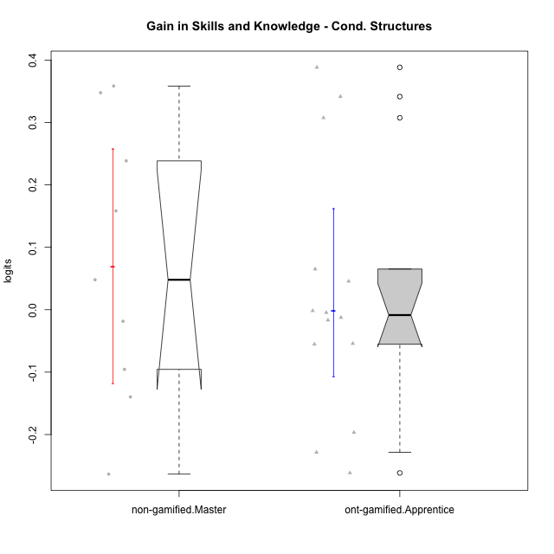

Wilcoxon data
UserID | NroUSP | Type | CLGroup | CLRole | PlayerRole | PreTheta | PostTheta | DiffTheta
10170 | 10260351 | ont-gamified | Grupo Afrodite | Apprentice | Yee Achiever | -0.036035107244 | -0.091328484977 | -0.055293377733
10176 | 10276949 | ont-gamified | Grupo Cronus | Apprentice | Yee Achiever | -0.026931876924 | -0.043644153268 | -0.016712276344
10178 | 8656201 | ont-gamified | Grupo Morfeu | Apprentice | Yee Socializer | -0.086719058651 | -0.091328484977 | -0.0046094263257
10179 | 10310759 | non-gamified | Grupo Team 9 | Master |  | 0.18198609406 | 0.34031510244 | 0.15832900838
10183 | 10352030 | ont-gamified | Grupo Hélio | Apprentice | Yee Socializer | -0.041984987869 | -0.054555662071 | -0.012570674203
10186 | 10310551 | ont-gamified | Grupo Ares | Apprentice | Yee Achiever | -0.0011256740753 | 0.34031510244 | 0.34144077652
10188 | 10276995 | non-gamified | Grupo Team 3 | Master |  | 0.10183959472 | 0.34031510244 | 0.23847550772
10191 | 10276981 | non-gamified | Grupo Team 6 | Master |  | 0.13689830817 | -0.0027748587668 | -0.13967316693
10195 | 10351971 | ont-gamified | Grupo Urano | Apprentice | Yee Achiever | -0.028730019215 | -0.082892906508 | -0.054162887292
10196 | 10310655 | ont-gamified | Grupo Hefesto | Apprentice | Yee Achiever | -0.047926858141 | 0.34031510244 | 0.38824196058
10197 | 10276661 | ont-gamified | Grupo Gaia | Apprentice | Yee Achiever | -0.0073006767313 | 0.038228297756 | 0.045528974487
10198 | 10310888 | ont-gamified | Grupo Apolo | Apprentice | Yee Socializer | 0.19689971073 | -0.064618182401 | -0.26151789313
10200 | 9795272 | ont-gamified | Grupo Hades | Apprentice | Yee Socializer | 0.19689971073 | -0.031643936414 | -0.22854364715
10209 | 10262669 | ont-gamified | Grupo Artemis | Apprentice | Yee Achiever | -0.0011256740753 | -0.0027748587668 | -0.0016491846915
10214 | 10277022 | non-gamified | Grupo Team 5 | Master |  | -0.036035107244 | -0.054555662071 | -0.018520554827
10216 | 10276720 | non-gamified | Grupo Team 15 | Master |  | -0.018057795692 | 0.34031510244 | 0.35837289813
10217 | 9805341 | non-gamified | Grupo Team 13 | Master |  | -0.0073006767313 | 0.34031510244 | 0.34761577917
10219 | 10276831 | non-gamified | Grupo Team 12 | Master |  | -0.032480194741 | 0.015512707434 | 0.047992902175
10221 | 9082496 | ont-gamified | Grupo Hermes | Apprentice | Yee Achiever | -0.047926858141 | -0.24454511364 | -0.1966182555
10230 | 10351992 | non-gamified | Grupo Team 14 | Master |  | -0.011657680283 | -0.10721060596 | -0.095552925681
10231 | 10276911 | ont-gamified | Grupo Caronte | Apprentice | Yee Achiever | -0.026931876924 | 0.038228297756 | 0.06516017468
10237 | 10377688 | non-gamified | Grupo Team 11 | Master |  | 0.21981484416 | -0.043644153268 | -0.26345899743
10240 | 10276654 | ont-gamified | Grupo Hera | Apprentice | Yee Achiever | -0.29195396235 | 0.015512707434 | 0.30746666978

Type_CLRole_5
Wilcoxon Analysis for Gain in Skills and Knowledge - Cond. Structures in Type:CLRole between non-gamified.Master:ont-gamified.Master

Wilcoxon test results
Alternative hypothesis: less
Group | N | Median | Mean.Ranks | Sum.Ranks | U | Z | p.value | r | magnitude
non-gamified.Master | 9 | 0.047992902175 | 13.555555556 | 122 | 77 | 0.88191710369 | 0.81570993282 | 0.18389242812 | small
ont-gamified.Master | 14 | -0.039023044345 | 11 | 154 | 77 | 0.88191710369 | 0.81570993282 | 0.18389242812 | small
Alternative hypothesis: greater
Group | N | Median | Mean.Ranks | Sum.Ranks | U | Z | p.value | r | magnitude
non-gamified.Master | 9 | 0.047992902175 | 13.555555556 | 122 | 77 | 0.88191710369 | 0.2014354067 | 0.18389242812 | small
ont-gamified.Master | 14 | -0.039023044345 | 11 | 154 | 77 | 0.88191710369 | 0.2014354067 | 0.18389242812 | small
Alternative hypothesis: two.sided
Group | N | Median | Mean.Ranks | Sum.Ranks | U | Z | p.value | r | magnitude
non-gamified.Master | 9 | 0.047992902175 | 13.555555556 | 122 | 77 | 0.88191710369 | 0.4028708134 | 0.18389242812 | small
ont-gamified.Master | 14 | -0.039023044345 | 11 | 154 | 77 | 0.88191710369 | 0.4028708134 | 0.18389242812 | small

Box plots for wilcoxon tests
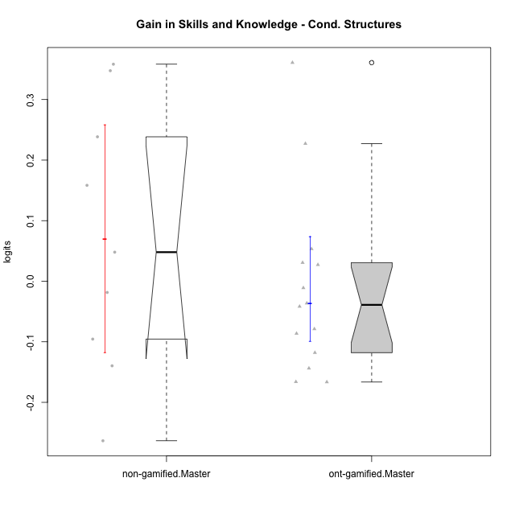

Wilcoxon data
UserID | NroUSP | Type | CLGroup | CLRole | PlayerRole | PreTheta | PostTheta | DiffTheta
10169 | 10377538 | ont-gamified | Grupo Hefesto | Master | Yee Achiever | -0.032480194741 | -0.15050317 | -0.11802297526
10174 | 10276852 | ont-gamified | Grupo Urano | Master | Yee Achiever | -0.047926858141 | -0.21401218001 | -0.16608532187
10175 | 10310700 | ont-gamified | Grupo Hélio | Master | Yee Socializer | 0.18198609406 | 0.038228297756 | -0.14375779631
10179 | 10310759 | non-gamified | Grupo Team 9 | Master |  | 0.18198609406 | 0.34031510244 | 0.15832900838
10184 | 10276675 | ont-gamified | Grupo Apolo | Master | Yee Socializer | -0.015127497158 | 0.038228297756 | 0.053355794914
10188 | 10276995 | non-gamified | Grupo Team 3 | Master |  | 0.10183959472 | 0.34031510244 | 0.23847550772
10189 | 9363926 | ont-gamified | Grupo Hades | Master | Yee Socializer | -0.015127497158 | 0.015512707434 | 0.030640204592
10191 | 10276981 | non-gamified | Grupo Team 6 | Master |  | 0.13689830817 | -0.0027748587668 | -0.13967316693
10193 | 10276762 | ont-gamified | Grupo Afrodite | Master | Yee Achiever | 0.10183959472 | 0.015512707434 | -0.086326887283
10199 | 10276737 | ont-gamified | Grupo Gaia | Master | Yee Achiever | -0.02062078496 | -0.099412649919 | -0.078791864959
10201 | 10276928 | ont-gamified | Grupo Caronte | Master | Yee Achiever | -0.011657680283 | 0.015512707434 | 0.027170387717
10204 | 10310471 | ont-gamified | Grupo Hermes | Master | Yee Achiever | 0.18198609406 | 0.015512707434 | -0.16647338663
10206 | 10310721 | ont-gamified | Grupo Hera | Master | Yee Achiever | -0.0073006767313 | -0.043644153268 | -0.036343476537
10213 | 10277040 | ont-gamified | Grupo Morfeu | Master | Yee Socializer | -0.02062078496 | 0.34031510244 | 0.3609358874
10214 | 10277022 | non-gamified | Grupo Team 5 | Master |  | -0.036035107244 | -0.054555662071 | -0.018520554827
10216 | 10276720 | non-gamified | Grupo Team 15 | Master |  | -0.018057795692 | 0.34031510244 | 0.35837289813
10217 | 9805341 | non-gamified | Grupo Team 13 | Master |  | -0.0073006767313 | 0.34031510244 | 0.34761577917
10218 | 9842913 | ont-gamified | Grupo Ares | Master | Yee Achiever | -0.022915570247 | -0.064618182401 | -0.041702612154
10219 | 10276831 | non-gamified | Grupo Team 12 | Master |  | -0.032480194741 | 0.015512707434 | 0.047992902175
10223 | 9795185 | ont-gamified | Grupo Cronus | Master | Yee Achiever | -0.033950159683 | 0.19328931348 | 0.22723947316
10230 | 10351992 | non-gamified | Grupo Team 14 | Master |  | -0.011657680283 | -0.10721060596 | -0.095552925681
10232 | 10276974 | ont-gamified | Grupo Artemis | Master | Yee Achiever | -0.02062078496 | -0.031643936414 | -0.011023151454
10237 | 10377688 | non-gamified | Grupo Team 11 | Master |  | 0.21981484416 | -0.043644153268 | -0.26345899743

Type_CLRole_6
Wilcoxon Analysis for Gain in Skills and Knowledge - Cond. Structures in Type:CLRole between ont-gamified.Apprentice:ont-gamified.Master

Wilcoxon test results
Alternative hypothesis: less
Group | N | Median | Mean.Ranks | Sum.Ranks | U | Z | p.value | r | magnitude
ont-gamified.Apprentice | 14 | -0.0085900502642 | 15.285714286 | 214 | 109 | 0.50542448071 | 0.69865748842 | 0.095516248749 | none
ont-gamified.Master | 14 | -0.039023044345 | 13.714285714 | 192 | 109 | 0.50542448071 | 0.69865748842 | 0.095516248749 | none
Alternative hypothesis: greater
Group | N | Median | Mean.Ranks | Sum.Ranks | U | Z | p.value | r | magnitude
ont-gamified.Apprentice | 14 | -0.0085900502642 | 15.285714286 | 214 | 109 | 0.50542448071 | 0.31733451987 | 0.095516248749 | none
ont-gamified.Master | 14 | -0.039023044345 | 13.714285714 | 192 | 109 | 0.50542448071 | 0.31733451987 | 0.095516248749 | none
Alternative hypothesis: two.sided
Group | N | Median | Mean.Ranks | Sum.Ranks | U | Z | p.value | r | magnitude
ont-gamified.Apprentice | 14 | -0.0085900502642 | 15.285714286 | 214 | 109 | 0.50542448071 | 0.63466903975 | 0.095516248749 | none
ont-gamified.Master | 14 | -0.039023044345 | 13.714285714 | 192 | 109 | 0.50542448071 | 0.63466903975 | 0.095516248749 | none

Box plots for wilcoxon tests
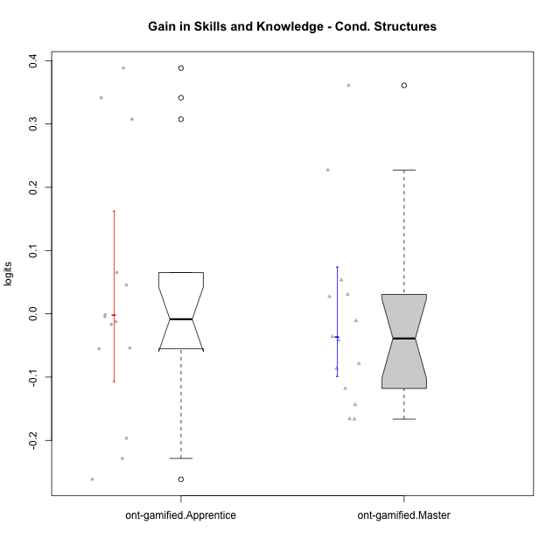

Wilcoxon data
UserID | NroUSP | Type | CLGroup | CLRole | PlayerRole | PreTheta | PostTheta | DiffTheta
10169 | 10377538 | ont-gamified | Grupo Hefesto | Master | Yee Achiever | -0.032480194741 | -0.15050317 | -0.11802297526
10170 | 10260351 | ont-gamified | Grupo Afrodite | Apprentice | Yee Achiever | -0.036035107244 | -0.091328484977 | -0.055293377733
10174 | 10276852 | ont-gamified | Grupo Urano | Master | Yee Achiever | -0.047926858141 | -0.21401218001 | -0.16608532187
10175 | 10310700 | ont-gamified | Grupo Hélio | Master | Yee Socializer | 0.18198609406 | 0.038228297756 | -0.14375779631
10176 | 10276949 | ont-gamified | Grupo Cronus | Apprentice | Yee Achiever | -0.026931876924 | -0.043644153268 | -0.016712276344
10178 | 8656201 | ont-gamified | Grupo Morfeu | Apprentice | Yee Socializer | -0.086719058651 | -0.091328484977 | -0.0046094263257
10183 | 10352030 | ont-gamified | Grupo Hélio | Apprentice | Yee Socializer | -0.041984987869 | -0.054555662071 | -0.012570674203
10184 | 10276675 | ont-gamified | Grupo Apolo | Master | Yee Socializer | -0.015127497158 | 0.038228297756 | 0.053355794914
10186 | 10310551 | ont-gamified | Grupo Ares | Apprentice | Yee Achiever | -0.0011256740753 | 0.34031510244 | 0.34144077652
10189 | 9363926 | ont-gamified | Grupo Hades | Master | Yee Socializer | -0.015127497158 | 0.015512707434 | 0.030640204592
10193 | 10276762 | ont-gamified | Grupo Afrodite | Master | Yee Achiever | 0.10183959472 | 0.015512707434 | -0.086326887283
10195 | 10351971 | ont-gamified | Grupo Urano | Apprentice | Yee Achiever | -0.028730019215 | -0.082892906508 | -0.054162887292
10196 | 10310655 | ont-gamified | Grupo Hefesto | Apprentice | Yee Achiever | -0.047926858141 | 0.34031510244 | 0.38824196058
10197 | 10276661 | ont-gamified | Grupo Gaia | Apprentice | Yee Achiever | -0.0073006767313 | 0.038228297756 | 0.045528974487
10198 | 10310888 | ont-gamified | Grupo Apolo | Apprentice | Yee Socializer | 0.19689971073 | -0.064618182401 | -0.26151789313
10199 | 10276737 | ont-gamified | Grupo Gaia | Master | Yee Achiever | -0.02062078496 | -0.099412649919 | -0.078791864959
10200 | 9795272 | ont-gamified | Grupo Hades | Apprentice | Yee Socializer | 0.19689971073 | -0.031643936414 | -0.22854364715
10201 | 10276928 | ont-gamified | Grupo Caronte | Master | Yee Achiever | -0.011657680283 | 0.015512707434 | 0.027170387717
10204 | 10310471 | ont-gamified | Grupo Hermes | Master | Yee Achiever | 0.18198609406 | 0.015512707434 | -0.16647338663
10206 | 10310721 | ont-gamified | Grupo Hera | Master | Yee Achiever | -0.0073006767313 | -0.043644153268 | -0.036343476537
10209 | 10262669 | ont-gamified | Grupo Artemis | Apprentice | Yee Achiever | -0.0011256740753 | -0.0027748587668 | -0.0016491846915
10213 | 10277040 | ont-gamified | Grupo Morfeu | Master | Yee Socializer | -0.02062078496 | 0.34031510244 | 0.3609358874
10218 | 9842913 | ont-gamified | Grupo Ares | Master | Yee Achiever | -0.022915570247 | -0.064618182401 | -0.041702612154
10221 | 9082496 | ont-gamified | Grupo Hermes | Apprentice | Yee Achiever | -0.047926858141 | -0.24454511364 | -0.1966182555
10223 | 9795185 | ont-gamified | Grupo Cronus | Master | Yee Achiever | -0.033950159683 | 0.19328931348 | 0.22723947316
10231 | 10276911 | ont-gamified | Grupo Caronte | Apprentice | Yee Achiever | -0.026931876924 | 0.038228297756 | 0.06516017468
10232 | 10276974 | ont-gamified | Grupo Artemis | Master | Yee Achiever | -0.02062078496 | -0.031643936414 | -0.011023151454
10240 | 10276654 | ont-gamified | Grupo Hera | Apprentice | Yee Achiever | -0.29195396235 | 0.015512707434 | 0.30746666978

