Type_1
Wilcoxon Analysis for Effort/Importance by Type in Type between non-gamified:ont-gamified

Wilcoxon test results
Alternative hypothesis: less
Group | N | Median | Mean.Ranks | Sum.Ranks | U | Z | p.value | r | magnitude
non-gamified | 30 | -0.58740121816 | 26.316666667 | 789.5 | 324.5 | -1.868548852 | 0.030943260928 | 0.24122861951 | small
ont-gamified | 30 | 0.21371742061 | 34.683333333 | 1040.5 | 324.5 | -1.868548852 | 0.030943260928 | 0.24122861951 | small
Alternative hypothesis: greater
Group | N | Median | Mean.Ranks | Sum.Ranks | U | Z | p.value | r | magnitude
non-gamified | 30 | -0.58740121816 | 26.316666667 | 789.5 | 324.5 | -1.868548852 | 0.96958479427 | 0.24122861951 | small
ont-gamified | 30 | 0.21371742061 | 34.683333333 | 1040.5 | 324.5 | -1.868548852 | 0.96958479427 | 0.24122861951 | small
Alternative hypothesis: two.sided
Group | N | Median | Mean.Ranks | Sum.Ranks | U | Z | p.value | r | magnitude
non-gamified | 30 | -0.58740121816 | 26.316666667 | 789.5 | 324.5 | -1.868548852 | 0.061886521855 | 0.24122861951 | small
ont-gamified | 30 | 0.21371742061 | 34.683333333 | 1040.5 | 324.5 | -1.868548852 | 0.061886521855 | 0.24122861951 | small

Box plots for wilcoxon tests
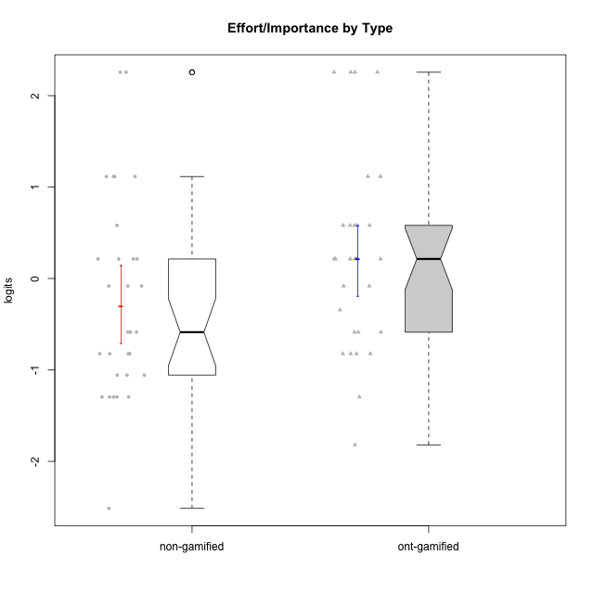

Wilcoxon data
UserID | NroUSP | Type | CLGroup | CLRole | PlayerRole | Score | theta | error | Outfit | Infit | Effort/Importance
10169 | 10377538 | ont-gamified | Grupo Hefesto | Master | Yee Achiever | 15 | 0.21371742061 | 0.593532015 | 0.21607628775 | 0.19424291633 | 0.21371742061
10170 | 10260351 | ont-gamified | Grupo Afrodite | Apprentice | Yee Achiever | 15 | 0.21371742061 | 0.593532015 | 0.25567943707 | 0.18759012072 | 0.21371742061
10171 | 698531 | non-gamified | Grupo Team 6 | Apprentice |  | 14 | -0.08257998554 | 0.54709934908 | 1.8649588048 | 2.0918345708 | -0.08257998554
10172 | 10273971 | non-gamified | Grupo Team 1 | Master |  | 9 | -1.2960764082 | 0.50917591534 | 1.6562871301 | 1.6551830078 | -1.2960764082
10174 | 10276852 | ont-gamified | Grupo Urano | Master | Yee Achiever | 17 | 1.1151835345 | 0.85050592555 | 0.30264864208 | 0.29248875577 | 1.1151835345
10175 | 10310700 | ont-gamified | Grupo Hélio | Master | Yee Socializer | 12 | -0.58740121816 | 0.50536066581 | 3.7938351348 | 3.4004897524 | -0.58740121816
10176 | 10276949 | ont-gamified | Grupo Cronus | Apprentice | Yee Achiever | 11 | -0.82301683991 | 0.49930446951 | 0.79640314148 | 0.83631558291 | -0.82301683991
10178 | 8656201 | ont-gamified | Grupo Morfeu | Apprentice | Yee Socializer | 15 | 0.21371742061 | 0.593532015 | 0.25567943707 | 0.18759012072 | 0.21371742061
10179 | 10310759 | non-gamified | Grupo Team 9 | Master |  | 17 | 1.1151835345 | 0.85050592555 | 0.30264864208 | 0.29248875577 | 1.1151835345
10181 | 10276866 | non-gamified | Grupo Team 10 | Master |  | 15 | 0.21371742061 | 0.593532015 | 1.1826113344 | 1.3219454351 | 0.21371742061
10183 | 10352030 | ont-gamified | Grupo Hélio | Apprentice | Yee Socializer | 14 | -0.08257998554 | 0.54709934908 | 0.10426796427 | 0.10079489733 | -0.08257998554
10184 | 10276675 | ont-gamified | Grupo Apolo | Master | Yee Socializer | 17 | 1.1151835345 | 0.85050592555 | 0.30264864208 | 0.29248875577 | 1.1151835345
10185 | 10276960 | non-gamified | Grupo Team 12 | Apprentice |  | 12 | -0.58740121816 | 0.50536066581 | 0.33928785414 | 0.30700763561 | -0.58740121816
10186 | 10310551 | ont-gamified | Grupo Ares | Apprentice | Yee Achiever | 18 | 2.2559012225 | 1.4563341703 | 0.16404721233 | 0.19103771571 | 2.2559012225
10187 | 9790781 | non-gamified | Grupo Team 15 | Apprentice |  | 17 | 1.1151835345 | 0.85050592555 | 0.30264864208 | 0.29248875577 | 1.1151835345
10188 | 10276995 | non-gamified | Grupo Team 3 | Master |  | 11 | -0.82301683991 | 0.49930446951 | 0.10138391875 | 0.099688221319 | -0.82301683991
10189 | 9363926 | ont-gamified | Grupo Hades | Master | Yee Socializer | 16 | 0.58104575034 | 0.67673692638 | 0.15408385505 | 0.092678613817 | 0.58104575034
10190 | 10276907 | ont-gamified | Grupo Zeus | Apprentice | Yee Socializer | 9 | -1.2960764082 | 0.50917591534 | 0.47167969065 | 0.49798813028 | -1.2960764082
10191 | 10276981 | non-gamified | Grupo Team 6 | Master |  | 10 | -1.0572723105 | 0.50057219254 | 1.6759511259 | 1.7053209646 | -1.0572723105
10192 | 10276682 | non-gamified | Grupo Team 5 | Apprentice |  | 10 | -1.0572723105 | 0.50057219254 | 1.4954325356 | 1.4577734019 | -1.0572723105
10193 | 10276762 | ont-gamified | Grupo Afrodite | Master | Yee Achiever | 11 | -0.82301683991 | 0.49930446951 | 0.35566375625 | 0.36028138195 | -0.82301683991
10195 | 10351971 | ont-gamified | Grupo Urano | Apprentice | Yee Achiever | 15 | 0.21371742061 | 0.593532015 | 0.25567943707 | 0.18759012072 | 0.21371742061
10196 | 10310655 | ont-gamified | Grupo Hefesto | Apprentice | Yee Achiever | 16 | 0.58104575034 | 0.67673692638 | 0.67766938679 | 0.73039213472 | 0.58104575034
10197 | 10276661 | ont-gamified | Grupo Gaia | Apprentice | Yee Achiever | 12 | -0.58740121816 | 0.50536066581 | 2.9154258738 | 3.0820427123 | -0.58740121816
10198 | 10310888 | ont-gamified | Grupo Apolo | Apprentice | Yee Socializer | 18 | 2.2559012225 | 1.4563341703 | 0.16404721233 | 0.19103771571 | 2.2559012225
10199 | 10276737 | ont-gamified | Grupo Gaia | Master | Yee Achiever | 11 | -0.82301683991 | 0.49930446951 | 0.10138391875 | 0.099688221319 | -0.82301683991
10200 | 9795272 | ont-gamified | Grupo Hades | Apprentice | Yee Socializer | 12 | -0.58740121816 | 0.50536066581 | 1.5145227996 | 1.3429677171 | -0.58740121816
10201 | 10276928 | ont-gamified | Grupo Caronte | Master | Yee Achiever | 18 | 2.2559012225 | 1.4563341703 | 0.16404721233 | 0.19103771571 | 2.2559012225
10202 | 10277036 | non-gamified | Grupo Team 11 | Apprentice |  | 18 | 2.2559012225 | 1.4563341703 | 0.16404721233 | 0.19103771571 | 2.2559012225
10203 | 9921470 | non-gamified | Grupo Team 3 | Apprentice |  | 11 | -0.82301683991 | 0.49930446951 | 0.79640314148 | 0.83631558291 | -0.82301683991
10204 | 10310471 | ont-gamified | Grupo Hermes | Master | Yee Achiever | 15 | 0.21371742061 | 0.593532015 | 0.49772634251 | 0.46233141122 | 0.21371742061
10206 | 10310721 | ont-gamified | Grupo Hera | Master | Yee Achiever | 14 | -0.08257998554 | 0.54709934908 | 0.10426796427 | 0.10079489733 | -0.08257998554
10208 | 10276932 | non-gamified | Grupo Team 7 | Apprentice |  | 18 | 2.2559012225 | 1.4563341703 | 0.16404721233 | 0.19103771571 | 2.2559012225
10209 | 10262669 | ont-gamified | Grupo Artemis | Apprentice | Yee Achiever | 18 | 2.2559012225 | 1.4563341703 | 0.16404721233 | 0.19103771571 | 2.2559012225
10210 | 10277015 | non-gamified | Grupo Team 9 | Apprentice |  | 17 | 1.1151835345 | 0.85050592555 | 0.30264864208 | 0.29248875577 | 1.1151835345
10211 | 9311643 | non-gamified | Grupo Team 2 | Master |  | 5 | -2.5148069562 | 0.68093046081 | 0.46306548632 | 0.36418400351 | -2.5148069562
10212 | 9065750 | non-gamified | Grupo Team 4 | Master |  | 15 | 0.21371742061 | 0.593532015 | 0.21607628775 | 0.19424291633 | 0.21371742061
10213 | 10277040 | ont-gamified | Grupo Morfeu | Master | Yee Socializer | 7 | -1.8197507216 | 0.55543188634 | 0.53862364976 | 0.4508478106 | -1.8197507216
10214 | 10277022 | non-gamified | Grupo Team 5 | Master |  | 9 | -1.2960764082 | 0.50917591534 | 0.61707329969 | 0.63924386736 | -1.2960764082
10215 | 9285227 | ont-gamified | Grupo Zeus | Master | Yee Socializer | 15 | 0.21371742061 | 0.593532015 | 1.8212184519 | 1.3352510264 | 0.21371742061
10216 | 10276720 | non-gamified | Grupo Team 15 | Master |  | 16 | 0.58104575034 | 0.67673692638 | 0.15408385505 | 0.092678613817 | 0.58104575034
10217 | 9805341 | non-gamified | Grupo Team 13 | Master |  | 14 | -0.08257998554 | 0.54709934908 | 1.0766822487 | 1.1024093599 | -0.08257998554
10218 | 9842913 | ont-gamified | Grupo Ares | Master | Yee Achiever | 16 | 0.58104575034 | 0.67673692638 | 0.63241065796 | 0.50673094928 | 0.58104575034
10219 | 10276831 | non-gamified | Grupo Team 12 | Master |  | 9 | -1.2960764082 | 0.50917591534 | 0.27502904694 | 0.26349294402 | -1.2960764082
10220 | 9760151 | non-gamified | Grupo Team 2 | Apprentice |  | 15 | 0.21371742061 | 0.593532015 | 1.1826113344 | 1.3219454351 | 0.21371742061
10221 | 9082496 | ont-gamified | Grupo Hermes | Apprentice | Yee Achiever | 16 | 0.58104575034 | 0.67673692638 | 0.15408385505 | 0.092678613817 | 0.58104575034
10222 | 9436110 | non-gamified | Grupo Team 16 | Master |  | 11 | -0.82301683991 | 0.49930446951 | 0.10138391875 | 0.099688221319 | -0.82301683991
10223 | 9795185 | ont-gamified | Grupo Cronus | Master | Yee Achiever | 13 | -0.34384769996 | 0.5201480597 | 0.84491048975 | 0.79341598922 | -0.34384769996
10224 | 9368772 | non-gamified | Grupo Team 10 | Apprentice |  | 11 | -0.82301683991 | 0.49930446951 | 0.10138391875 | 0.099688221319 | -0.82301683991
10226 | 10310342 | non-gamified | Grupo Team 8 | Master |  | 17 | 1.1151835345 | 0.85050592555 | 0.30264864208 | 0.29248875577 | 1.1151835345
10227 | 9274382 | non-gamified | Grupo Team 4 | Apprentice |  | 9 | -1.2960764082 | 0.50917591534 | 0.32603452115 | 0.33412081257 | -1.2960764082
10228 | 10310492 | non-gamified | Grupo Team 14 | Apprentice |  | 15 | 0.21371742061 | 0.593532015 | 0.25567943707 | 0.18759012072 | 0.21371742061
10230 | 10351992 | non-gamified | Grupo Team 14 | Master |  | 12 | -0.58740121816 | 0.50536066581 | 1.3010501323 | 1.2997733344 | -0.58740121816
10231 | 10276911 | ont-gamified | Grupo Caronte | Apprentice | Yee Achiever | 16 | 0.58104575034 | 0.67673692638 | 0.67766938679 | 0.73039213472 | 0.58104575034
10232 | 10276974 | ont-gamified | Grupo Artemis | Master | Yee Achiever | 15 | 0.21371742061 | 0.593532015 | 0.49772634251 | 0.46233141122 | 0.21371742061
10233 | 9805320 | non-gamified | Grupo Team 16 | Apprentice |  | 12 | -0.58740121816 | 0.50536066581 | 0.041639701491 | 0.042683061006 | -0.58740121816
10234 | 10310676 | non-gamified | Grupo Team 7 | Master |  | 9 | -1.2960764082 | 0.50917591534 | 0.32603452115 | 0.33412081257 | -1.2960764082
10237 | 10377688 | non-gamified | Grupo Team 11 | Master |  | 10 | -1.0572723105 | 0.50057219254 | 1.0591034122 | 1.0285532572 | -1.0572723105
10238 | 10276953 | non-gamified | Grupo Team 13 | Apprentice |  | 14 | -0.08257998554 | 0.54709934908 | 0.10426796427 | 0.10079489733 | -0.08257998554
10240 | 10276654 | ont-gamified | Grupo Hera | Apprentice | Yee Achiever | 11 | -0.82301683991 | 0.49930446951 | 0.39089876839 | 0.39084120584 | -0.82301683991

Type_CLRole_1
Wilcoxon Analysis for Effort/Importance by Type in Type:CLRole between non-gamified.Apprentice:non-gamified.Master

Wilcoxon test results
Alternative hypothesis: less
Group | N | Median | Mean.Ranks | Sum.Ranks | U | Z | p.value | r | magnitude
non-gamified.Apprentice | 14 | -0.08257998554 | 18.285714286 | 256 | 151 | 1.63273366 | 0.94963074362 | 0.29809501866 | small
non-gamified.Master | 16 | -0.82301683991 | 13.0625 | 209 | 151 | 1.63273366 | 0.94963074362 | 0.29809501866 | small
Alternative hypothesis: greater
Group | N | Median | Mean.Ranks | Sum.Ranks | U | Z | p.value | r | magnitude
non-gamified.Apprentice | 14 | -0.08257998554 | 18.285714286 | 256 | 151 | 1.63273366 | 0.05261525412 | 0.29809501866 | small
non-gamified.Master | 16 | -0.82301683991 | 13.0625 | 209 | 151 | 1.63273366 | 0.05261525412 | 0.29809501866 | small
Alternative hypothesis: two.sided
Group | N | Median | Mean.Ranks | Sum.Ranks | U | Z | p.value | r | magnitude
non-gamified.Apprentice | 14 | -0.08257998554 | 18.285714286 | 256 | 151 | 1.63273366 | 0.10538818654 | 0.29809501866 | small
non-gamified.Master | 16 | -0.82301683991 | 13.0625 | 209 | 151 | 1.63273366 | 0.10538818654 | 0.29809501866 | small

Box plots for wilcoxon tests
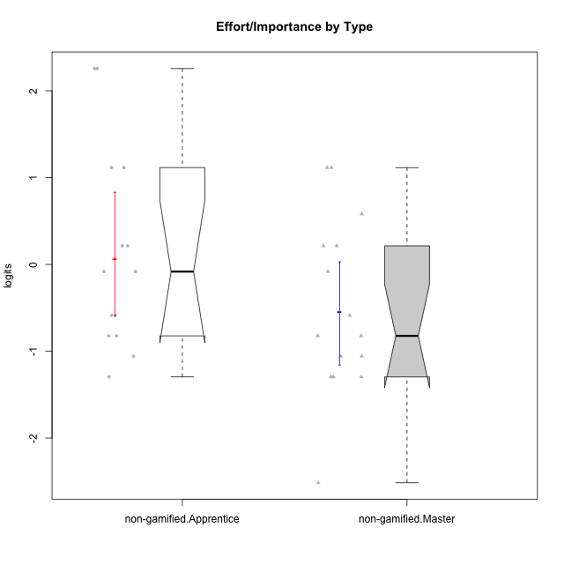

Wilcoxon data
UserID | NroUSP | Type | CLGroup | CLRole | PlayerRole | Score | theta | error | Outfit | Infit | Effort/Importance
10171 | 698531 | non-gamified | Grupo Team 6 | Apprentice |  | 14 | -0.08257998554 | 0.54709934908 | 1.8649588048 | 2.0918345708 | -0.08257998554
10172 | 10273971 | non-gamified | Grupo Team 1 | Master |  | 9 | -1.2960764082 | 0.50917591534 | 1.6562871301 | 1.6551830078 | -1.2960764082
10179 | 10310759 | non-gamified | Grupo Team 9 | Master |  | 17 | 1.1151835345 | 0.85050592555 | 0.30264864208 | 0.29248875577 | 1.1151835345
10181 | 10276866 | non-gamified | Grupo Team 10 | Master |  | 15 | 0.21371742061 | 0.593532015 | 1.1826113344 | 1.3219454351 | 0.21371742061
10185 | 10276960 | non-gamified | Grupo Team 12 | Apprentice |  | 12 | -0.58740121816 | 0.50536066581 | 0.33928785414 | 0.30700763561 | -0.58740121816
10187 | 9790781 | non-gamified | Grupo Team 15 | Apprentice |  | 17 | 1.1151835345 | 0.85050592555 | 0.30264864208 | 0.29248875577 | 1.1151835345
10188 | 10276995 | non-gamified | Grupo Team 3 | Master |  | 11 | -0.82301683991 | 0.49930446951 | 0.10138391875 | 0.099688221319 | -0.82301683991
10191 | 10276981 | non-gamified | Grupo Team 6 | Master |  | 10 | -1.0572723105 | 0.50057219254 | 1.6759511259 | 1.7053209646 | -1.0572723105
10192 | 10276682 | non-gamified | Grupo Team 5 | Apprentice |  | 10 | -1.0572723105 | 0.50057219254 | 1.4954325356 | 1.4577734019 | -1.0572723105
10202 | 10277036 | non-gamified | Grupo Team 11 | Apprentice |  | 18 | 2.2559012225 | 1.4563341703 | 0.16404721233 | 0.19103771571 | 2.2559012225
10203 | 9921470 | non-gamified | Grupo Team 3 | Apprentice |  | 11 | -0.82301683991 | 0.49930446951 | 0.79640314148 | 0.83631558291 | -0.82301683991
10208 | 10276932 | non-gamified | Grupo Team 7 | Apprentice |  | 18 | 2.2559012225 | 1.4563341703 | 0.16404721233 | 0.19103771571 | 2.2559012225
10210 | 10277015 | non-gamified | Grupo Team 9 | Apprentice |  | 17 | 1.1151835345 | 0.85050592555 | 0.30264864208 | 0.29248875577 | 1.1151835345
10211 | 9311643 | non-gamified | Grupo Team 2 | Master |  | 5 | -2.5148069562 | 0.68093046081 | 0.46306548632 | 0.36418400351 | -2.5148069562
10212 | 9065750 | non-gamified | Grupo Team 4 | Master |  | 15 | 0.21371742061 | 0.593532015 | 0.21607628775 | 0.19424291633 | 0.21371742061
10214 | 10277022 | non-gamified | Grupo Team 5 | Master |  | 9 | -1.2960764082 | 0.50917591534 | 0.61707329969 | 0.63924386736 | -1.2960764082
10216 | 10276720 | non-gamified | Grupo Team 15 | Master |  | 16 | 0.58104575034 | 0.67673692638 | 0.15408385505 | 0.092678613817 | 0.58104575034
10217 | 9805341 | non-gamified | Grupo Team 13 | Master |  | 14 | -0.08257998554 | 0.54709934908 | 1.0766822487 | 1.1024093599 | -0.08257998554
10219 | 10276831 | non-gamified | Grupo Team 12 | Master |  | 9 | -1.2960764082 | 0.50917591534 | 0.27502904694 | 0.26349294402 | -1.2960764082
10220 | 9760151 | non-gamified | Grupo Team 2 | Apprentice |  | 15 | 0.21371742061 | 0.593532015 | 1.1826113344 | 1.3219454351 | 0.21371742061
10222 | 9436110 | non-gamified | Grupo Team 16 | Master |  | 11 | -0.82301683991 | 0.49930446951 | 0.10138391875 | 0.099688221319 | -0.82301683991
10224 | 9368772 | non-gamified | Grupo Team 10 | Apprentice |  | 11 | -0.82301683991 | 0.49930446951 | 0.10138391875 | 0.099688221319 | -0.82301683991
10226 | 10310342 | non-gamified | Grupo Team 8 | Master |  | 17 | 1.1151835345 | 0.85050592555 | 0.30264864208 | 0.29248875577 | 1.1151835345
10227 | 9274382 | non-gamified | Grupo Team 4 | Apprentice |  | 9 | -1.2960764082 | 0.50917591534 | 0.32603452115 | 0.33412081257 | -1.2960764082
10228 | 10310492 | non-gamified | Grupo Team 14 | Apprentice |  | 15 | 0.21371742061 | 0.593532015 | 0.25567943707 | 0.18759012072 | 0.21371742061
10230 | 10351992 | non-gamified | Grupo Team 14 | Master |  | 12 | -0.58740121816 | 0.50536066581 | 1.3010501323 | 1.2997733344 | -0.58740121816
10233 | 9805320 | non-gamified | Grupo Team 16 | Apprentice |  | 12 | -0.58740121816 | 0.50536066581 | 0.041639701491 | 0.042683061006 | -0.58740121816
10234 | 10310676 | non-gamified | Grupo Team 7 | Master |  | 9 | -1.2960764082 | 0.50917591534 | 0.32603452115 | 0.33412081257 | -1.2960764082
10237 | 10377688 | non-gamified | Grupo Team 11 | Master |  | 10 | -1.0572723105 | 0.50057219254 | 1.0591034122 | 1.0285532572 | -1.0572723105
10238 | 10276953 | non-gamified | Grupo Team 13 | Apprentice |  | 14 | -0.08257998554 | 0.54709934908 | 0.10426796427 | 0.10079489733 | -0.08257998554

Type_CLRole_2
Wilcoxon Analysis for Effort/Importance by Type in Type:CLRole between non-gamified.Apprentice:ont-gamified.Apprentice

Wilcoxon test results
Alternative hypothesis: less
Group | N | Median | Mean.Ranks | Sum.Ranks | U | Z | p.value | r | magnitude
non-gamified.Apprentice | 14 | -0.08257998554 | 13.964285714 | 195.5 | 90.5 | -0.63835890262 | 0.26907262313 | 0.1185402723 | small
ont-gamified.Apprentice | 15 | 0.21371742061 | 15.966666667 | 239.5 | 90.5 | -0.63835890262 | 0.26907262313 | 0.1185402723 | small
Alternative hypothesis: greater
Group | N | Median | Mean.Ranks | Sum.Ranks | U | Z | p.value | r | magnitude
non-gamified.Apprentice | 14 | -0.08257998554 | 13.964285714 | 195.5 | 90.5 | -0.63835890262 | 0.74063715047 | 0.1185402723 | small
ont-gamified.Apprentice | 15 | 0.21371742061 | 15.966666667 | 239.5 | 90.5 | -0.63835890262 | 0.74063715047 | 0.1185402723 | small
Alternative hypothesis: two.sided
Group | N | Median | Mean.Ranks | Sum.Ranks | U | Z | p.value | r | magnitude
non-gamified.Apprentice | 14 | -0.08257998554 | 13.964285714 | 195.5 | 90.5 | -0.63835890262 | 0.54004406465 | 0.1185402723 | small
ont-gamified.Apprentice | 15 | 0.21371742061 | 15.966666667 | 239.5 | 90.5 | -0.63835890262 | 0.54004406465 | 0.1185402723 | small

Box plots for wilcoxon tests
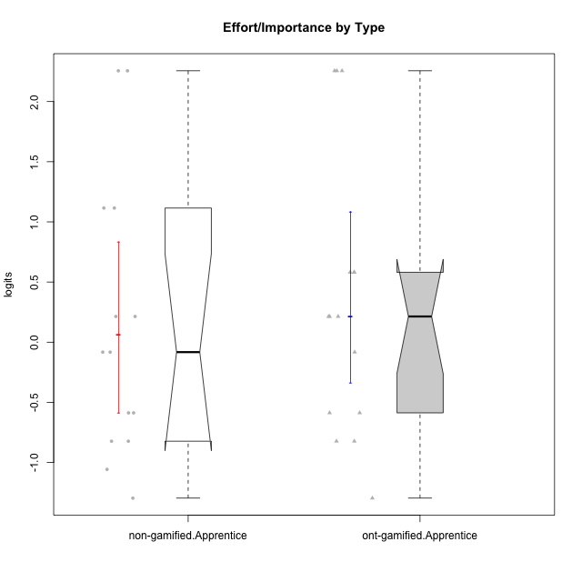

Wilcoxon data
UserID | NroUSP | Type | CLGroup | CLRole | PlayerRole | Score | theta | error | Outfit | Infit | Effort/Importance
10170 | 10260351 | ont-gamified | Grupo Afrodite | Apprentice | Yee Achiever | 15 | 0.21371742061 | 0.593532015 | 0.25567943707 | 0.18759012072 | 0.21371742061
10171 | 698531 | non-gamified | Grupo Team 6 | Apprentice |  | 14 | -0.08257998554 | 0.54709934908 | 1.8649588048 | 2.0918345708 | -0.08257998554
10176 | 10276949 | ont-gamified | Grupo Cronus | Apprentice | Yee Achiever | 11 | -0.82301683991 | 0.49930446951 | 0.79640314148 | 0.83631558291 | -0.82301683991
10178 | 8656201 | ont-gamified | Grupo Morfeu | Apprentice | Yee Socializer | 15 | 0.21371742061 | 0.593532015 | 0.25567943707 | 0.18759012072 | 0.21371742061
10183 | 10352030 | ont-gamified | Grupo Hélio | Apprentice | Yee Socializer | 14 | -0.08257998554 | 0.54709934908 | 0.10426796427 | 0.10079489733 | -0.08257998554
10185 | 10276960 | non-gamified | Grupo Team 12 | Apprentice |  | 12 | -0.58740121816 | 0.50536066581 | 0.33928785414 | 0.30700763561 | -0.58740121816
10186 | 10310551 | ont-gamified | Grupo Ares | Apprentice | Yee Achiever | 18 | 2.2559012225 | 1.4563341703 | 0.16404721233 | 0.19103771571 | 2.2559012225
10187 | 9790781 | non-gamified | Grupo Team 15 | Apprentice |  | 17 | 1.1151835345 | 0.85050592555 | 0.30264864208 | 0.29248875577 | 1.1151835345
10190 | 10276907 | ont-gamified | Grupo Zeus | Apprentice | Yee Socializer | 9 | -1.2960764082 | 0.50917591534 | 0.47167969065 | 0.49798813028 | -1.2960764082
10192 | 10276682 | non-gamified | Grupo Team 5 | Apprentice |  | 10 | -1.0572723105 | 0.50057219254 | 1.4954325356 | 1.4577734019 | -1.0572723105
10195 | 10351971 | ont-gamified | Grupo Urano | Apprentice | Yee Achiever | 15 | 0.21371742061 | 0.593532015 | 0.25567943707 | 0.18759012072 | 0.21371742061
10196 | 10310655 | ont-gamified | Grupo Hefesto | Apprentice | Yee Achiever | 16 | 0.58104575034 | 0.67673692638 | 0.67766938679 | 0.73039213472 | 0.58104575034
10197 | 10276661 | ont-gamified | Grupo Gaia | Apprentice | Yee Achiever | 12 | -0.58740121816 | 0.50536066581 | 2.9154258738 | 3.0820427123 | -0.58740121816
10198 | 10310888 | ont-gamified | Grupo Apolo | Apprentice | Yee Socializer | 18 | 2.2559012225 | 1.4563341703 | 0.16404721233 | 0.19103771571 | 2.2559012225
10200 | 9795272 | ont-gamified | Grupo Hades | Apprentice | Yee Socializer | 12 | -0.58740121816 | 0.50536066581 | 1.5145227996 | 1.3429677171 | -0.58740121816
10202 | 10277036 | non-gamified | Grupo Team 11 | Apprentice |  | 18 | 2.2559012225 | 1.4563341703 | 0.16404721233 | 0.19103771571 | 2.2559012225
10203 | 9921470 | non-gamified | Grupo Team 3 | Apprentice |  | 11 | -0.82301683991 | 0.49930446951 | 0.79640314148 | 0.83631558291 | -0.82301683991
10208 | 10276932 | non-gamified | Grupo Team 7 | Apprentice |  | 18 | 2.2559012225 | 1.4563341703 | 0.16404721233 | 0.19103771571 | 2.2559012225
10209 | 10262669 | ont-gamified | Grupo Artemis | Apprentice | Yee Achiever | 18 | 2.2559012225 | 1.4563341703 | 0.16404721233 | 0.19103771571 | 2.2559012225
10210 | 10277015 | non-gamified | Grupo Team 9 | Apprentice |  | 17 | 1.1151835345 | 0.85050592555 | 0.30264864208 | 0.29248875577 | 1.1151835345
10220 | 9760151 | non-gamified | Grupo Team 2 | Apprentice |  | 15 | 0.21371742061 | 0.593532015 | 1.1826113344 | 1.3219454351 | 0.21371742061
10221 | 9082496 | ont-gamified | Grupo Hermes | Apprentice | Yee Achiever | 16 | 0.58104575034 | 0.67673692638 | 0.15408385505 | 0.092678613817 | 0.58104575034
10224 | 9368772 | non-gamified | Grupo Team 10 | Apprentice |  | 11 | -0.82301683991 | 0.49930446951 | 0.10138391875 | 0.099688221319 | -0.82301683991
10227 | 9274382 | non-gamified | Grupo Team 4 | Apprentice |  | 9 | -1.2960764082 | 0.50917591534 | 0.32603452115 | 0.33412081257 | -1.2960764082
10228 | 10310492 | non-gamified | Grupo Team 14 | Apprentice |  | 15 | 0.21371742061 | 0.593532015 | 0.25567943707 | 0.18759012072 | 0.21371742061
10231 | 10276911 | ont-gamified | Grupo Caronte | Apprentice | Yee Achiever | 16 | 0.58104575034 | 0.67673692638 | 0.67766938679 | 0.73039213472 | 0.58104575034
10233 | 9805320 | non-gamified | Grupo Team 16 | Apprentice |  | 12 | -0.58740121816 | 0.50536066581 | 0.041639701491 | 0.042683061006 | -0.58740121816
10238 | 10276953 | non-gamified | Grupo Team 13 | Apprentice |  | 14 | -0.08257998554 | 0.54709934908 | 0.10426796427 | 0.10079489733 | -0.08257998554
10240 | 10276654 | ont-gamified | Grupo Hera | Apprentice | Yee Achiever | 11 | -0.82301683991 | 0.49930446951 | 0.39089876839 | 0.39084120584 | -0.82301683991

Type_CLRole_3
Wilcoxon Analysis for Effort/Importance by Type in Type:CLRole between non-gamified.Apprentice:ont-gamified.Master

Wilcoxon test results
Alternative hypothesis: less
Group | N | Median | Mean.Ranks | Sum.Ranks | U | Z | p.value | r | magnitude
non-gamified.Apprentice | 14 | -0.08257998554 | 14.285714286 | 200 | 95 | -0.44013722279 | 0.33573601486 | 0.08173143043 | none
ont-gamified.Master | 15 | 0.21371742061 | 15.666666667 | 235 | 95 | -0.44013722279 | 0.33573601486 | 0.08173143043 | none
Alternative hypothesis: greater
Group | N | Median | Mean.Ranks | Sum.Ranks | U | Z | p.value | r | magnitude
non-gamified.Apprentice | 14 | -0.08257998554 | 14.285714286 | 200 | 95 | -0.44013722279 | 0.67207026002 | 0.08173143043 | none
ont-gamified.Master | 15 | 0.21371742061 | 15.666666667 | 235 | 95 | -0.44013722279 | 0.67207026002 | 0.08173143043 | none
Alternative hypothesis: two.sided
Group | N | Median | Mean.Ranks | Sum.Ranks | U | Z | p.value | r | magnitude
non-gamified.Apprentice | 14 | -0.08257998554 | 14.285714286 | 200 | 95 | -0.44013722279 | 0.6724055284 | 0.08173143043 | none
ont-gamified.Master | 15 | 0.21371742061 | 15.666666667 | 235 | 95 | -0.44013722279 | 0.6724055284 | 0.08173143043 | none

Box plots for wilcoxon tests
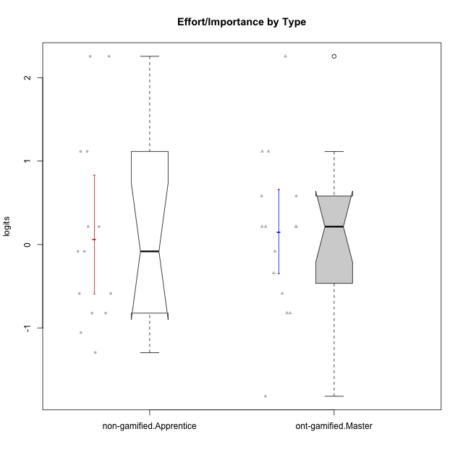

Wilcoxon data
UserID | NroUSP | Type | CLGroup | CLRole | PlayerRole | Score | theta | error | Outfit | Infit | Effort/Importance
10169 | 10377538 | ont-gamified | Grupo Hefesto | Master | Yee Achiever | 15 | 0.21371742061 | 0.593532015 | 0.21607628775 | 0.19424291633 | 0.21371742061
10171 | 698531 | non-gamified | Grupo Team 6 | Apprentice |  | 14 | -0.08257998554 | 0.54709934908 | 1.8649588048 | 2.0918345708 | -0.08257998554
10174 | 10276852 | ont-gamified | Grupo Urano | Master | Yee Achiever | 17 | 1.1151835345 | 0.85050592555 | 0.30264864208 | 0.29248875577 | 1.1151835345
10175 | 10310700 | ont-gamified | Grupo Hélio | Master | Yee Socializer | 12 | -0.58740121816 | 0.50536066581 | 3.7938351348 | 3.4004897524 | -0.58740121816
10184 | 10276675 | ont-gamified | Grupo Apolo | Master | Yee Socializer | 17 | 1.1151835345 | 0.85050592555 | 0.30264864208 | 0.29248875577 | 1.1151835345
10185 | 10276960 | non-gamified | Grupo Team 12 | Apprentice |  | 12 | -0.58740121816 | 0.50536066581 | 0.33928785414 | 0.30700763561 | -0.58740121816
10187 | 9790781 | non-gamified | Grupo Team 15 | Apprentice |  | 17 | 1.1151835345 | 0.85050592555 | 0.30264864208 | 0.29248875577 | 1.1151835345
10189 | 9363926 | ont-gamified | Grupo Hades | Master | Yee Socializer | 16 | 0.58104575034 | 0.67673692638 | 0.15408385505 | 0.092678613817 | 0.58104575034
10192 | 10276682 | non-gamified | Grupo Team 5 | Apprentice |  | 10 | -1.0572723105 | 0.50057219254 | 1.4954325356 | 1.4577734019 | -1.0572723105
10193 | 10276762 | ont-gamified | Grupo Afrodite | Master | Yee Achiever | 11 | -0.82301683991 | 0.49930446951 | 0.35566375625 | 0.36028138195 | -0.82301683991
10199 | 10276737 | ont-gamified | Grupo Gaia | Master | Yee Achiever | 11 | -0.82301683991 | 0.49930446951 | 0.10138391875 | 0.099688221319 | -0.82301683991
10201 | 10276928 | ont-gamified | Grupo Caronte | Master | Yee Achiever | 18 | 2.2559012225 | 1.4563341703 | 0.16404721233 | 0.19103771571 | 2.2559012225
10202 | 10277036 | non-gamified | Grupo Team 11 | Apprentice |  | 18 | 2.2559012225 | 1.4563341703 | 0.16404721233 | 0.19103771571 | 2.2559012225
10203 | 9921470 | non-gamified | Grupo Team 3 | Apprentice |  | 11 | -0.82301683991 | 0.49930446951 | 0.79640314148 | 0.83631558291 | -0.82301683991
10204 | 10310471 | ont-gamified | Grupo Hermes | Master | Yee Achiever | 15 | 0.21371742061 | 0.593532015 | 0.49772634251 | 0.46233141122 | 0.21371742061
10206 | 10310721 | ont-gamified | Grupo Hera | Master | Yee Achiever | 14 | -0.08257998554 | 0.54709934908 | 0.10426796427 | 0.10079489733 | -0.08257998554
10208 | 10276932 | non-gamified | Grupo Team 7 | Apprentice |  | 18 | 2.2559012225 | 1.4563341703 | 0.16404721233 | 0.19103771571 | 2.2559012225
10210 | 10277015 | non-gamified | Grupo Team 9 | Apprentice |  | 17 | 1.1151835345 | 0.85050592555 | 0.30264864208 | 0.29248875577 | 1.1151835345
10213 | 10277040 | ont-gamified | Grupo Morfeu | Master | Yee Socializer | 7 | -1.8197507216 | 0.55543188634 | 0.53862364976 | 0.4508478106 | -1.8197507216
10215 | 9285227 | ont-gamified | Grupo Zeus | Master | Yee Socializer | 15 | 0.21371742061 | 0.593532015 | 1.8212184519 | 1.3352510264 | 0.21371742061
10218 | 9842913 | ont-gamified | Grupo Ares | Master | Yee Achiever | 16 | 0.58104575034 | 0.67673692638 | 0.63241065796 | 0.50673094928 | 0.58104575034
10220 | 9760151 | non-gamified | Grupo Team 2 | Apprentice |  | 15 | 0.21371742061 | 0.593532015 | 1.1826113344 | 1.3219454351 | 0.21371742061
10223 | 9795185 | ont-gamified | Grupo Cronus | Master | Yee Achiever | 13 | -0.34384769996 | 0.5201480597 | 0.84491048975 | 0.79341598922 | -0.34384769996
10224 | 9368772 | non-gamified | Grupo Team 10 | Apprentice |  | 11 | -0.82301683991 | 0.49930446951 | 0.10138391875 | 0.099688221319 | -0.82301683991
10227 | 9274382 | non-gamified | Grupo Team 4 | Apprentice |  | 9 | -1.2960764082 | 0.50917591534 | 0.32603452115 | 0.33412081257 | -1.2960764082
10228 | 10310492 | non-gamified | Grupo Team 14 | Apprentice |  | 15 | 0.21371742061 | 0.593532015 | 0.25567943707 | 0.18759012072 | 0.21371742061
10232 | 10276974 | ont-gamified | Grupo Artemis | Master | Yee Achiever | 15 | 0.21371742061 | 0.593532015 | 0.49772634251 | 0.46233141122 | 0.21371742061
10233 | 9805320 | non-gamified | Grupo Team 16 | Apprentice |  | 12 | -0.58740121816 | 0.50536066581 | 0.041639701491 | 0.042683061006 | -0.58740121816
10238 | 10276953 | non-gamified | Grupo Team 13 | Apprentice |  | 14 | -0.08257998554 | 0.54709934908 | 0.10426796427 | 0.10079489733 | -0.08257998554

Type_CLRole_4
Wilcoxon Analysis for Effort/Importance by Type in Type:CLRole between non-gamified.Master:ont-gamified.Apprentice

Wilcoxon test results
Alternative hypothesis: less
Group | N | Median | Mean.Ranks | Sum.Ranks | U | Z | p.value | r | magnitude
non-gamified.Master | 16 | -0.82301683991 | 12.6875 | 203 | 67 | -2.1101663937 | 0.017336007252 | 0.37899707246 | medium
ont-gamified.Apprentice | 15 | 0.21371742061 | 19.533333333 | 293 | 67 | -2.1101663937 | 0.017336007252 | 0.37899707246 | medium
Alternative hypothesis: greater
Group | N | Median | Mean.Ranks | Sum.Ranks | U | Z | p.value | r | magnitude
non-gamified.Master | 16 | -0.82301683991 | 12.6875 | 203 | 67 | -2.1101663937 | 0.98353165373 | 0.37899707246 | medium
ont-gamified.Apprentice | 15 | 0.21371742061 | 19.533333333 | 293 | 67 | -2.1101663937 | 0.98353165373 | 0.37899707246 | medium
Alternative hypothesis: two.sided
Group | N | Median | Mean.Ranks | Sum.Ranks | U | Z | p.value | r | magnitude
non-gamified.Master | 16 | -0.82301683991 | 12.6875 | 203 | 67 | -2.1101663937 | 0.034338212231 | 0.37899707246 | medium
ont-gamified.Apprentice | 15 | 0.21371742061 | 19.533333333 | 293 | 67 | -2.1101663937 | 0.034338212231 | 0.37899707246 | medium

Box plots for wilcoxon tests
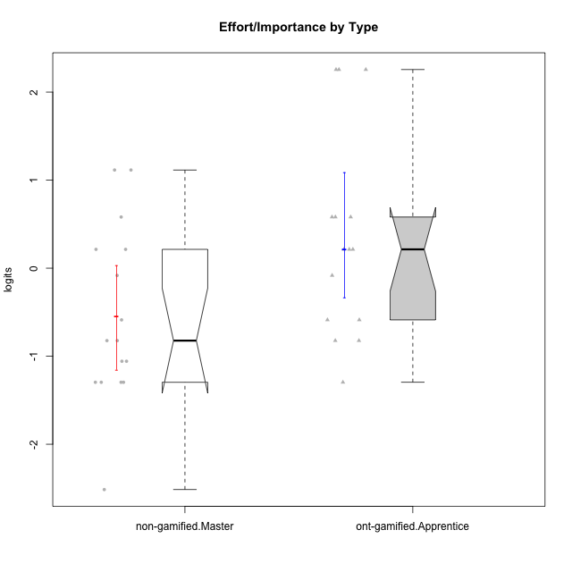

Wilcoxon data
UserID | NroUSP | Type | CLGroup | CLRole | PlayerRole | Score | theta | error | Outfit | Infit | Effort/Importance
10170 | 10260351 | ont-gamified | Grupo Afrodite | Apprentice | Yee Achiever | 15 | 0.21371742061 | 0.593532015 | 0.25567943707 | 0.18759012072 | 0.21371742061
10172 | 10273971 | non-gamified | Grupo Team 1 | Master |  | 9 | -1.2960764082 | 0.50917591534 | 1.6562871301 | 1.6551830078 | -1.2960764082
10176 | 10276949 | ont-gamified | Grupo Cronus | Apprentice | Yee Achiever | 11 | -0.82301683991 | 0.49930446951 | 0.79640314148 | 0.83631558291 | -0.82301683991
10178 | 8656201 | ont-gamified | Grupo Morfeu | Apprentice | Yee Socializer | 15 | 0.21371742061 | 0.593532015 | 0.25567943707 | 0.18759012072 | 0.21371742061
10179 | 10310759 | non-gamified | Grupo Team 9 | Master |  | 17 | 1.1151835345 | 0.85050592555 | 0.30264864208 | 0.29248875577 | 1.1151835345
10181 | 10276866 | non-gamified | Grupo Team 10 | Master |  | 15 | 0.21371742061 | 0.593532015 | 1.1826113344 | 1.3219454351 | 0.21371742061
10183 | 10352030 | ont-gamified | Grupo Hélio | Apprentice | Yee Socializer | 14 | -0.08257998554 | 0.54709934908 | 0.10426796427 | 0.10079489733 | -0.08257998554
10186 | 10310551 | ont-gamified | Grupo Ares | Apprentice | Yee Achiever | 18 | 2.2559012225 | 1.4563341703 | 0.16404721233 | 0.19103771571 | 2.2559012225
10188 | 10276995 | non-gamified | Grupo Team 3 | Master |  | 11 | -0.82301683991 | 0.49930446951 | 0.10138391875 | 0.099688221319 | -0.82301683991
10190 | 10276907 | ont-gamified | Grupo Zeus | Apprentice | Yee Socializer | 9 | -1.2960764082 | 0.50917591534 | 0.47167969065 | 0.49798813028 | -1.2960764082
10191 | 10276981 | non-gamified | Grupo Team 6 | Master |  | 10 | -1.0572723105 | 0.50057219254 | 1.6759511259 | 1.7053209646 | -1.0572723105
10195 | 10351971 | ont-gamified | Grupo Urano | Apprentice | Yee Achiever | 15 | 0.21371742061 | 0.593532015 | 0.25567943707 | 0.18759012072 | 0.21371742061
10196 | 10310655 | ont-gamified | Grupo Hefesto | Apprentice | Yee Achiever | 16 | 0.58104575034 | 0.67673692638 | 0.67766938679 | 0.73039213472 | 0.58104575034
10197 | 10276661 | ont-gamified | Grupo Gaia | Apprentice | Yee Achiever | 12 | -0.58740121816 | 0.50536066581 | 2.9154258738 | 3.0820427123 | -0.58740121816
10198 | 10310888 | ont-gamified | Grupo Apolo | Apprentice | Yee Socializer | 18 | 2.2559012225 | 1.4563341703 | 0.16404721233 | 0.19103771571 | 2.2559012225
10200 | 9795272 | ont-gamified | Grupo Hades | Apprentice | Yee Socializer | 12 | -0.58740121816 | 0.50536066581 | 1.5145227996 | 1.3429677171 | -0.58740121816
10209 | 10262669 | ont-gamified | Grupo Artemis | Apprentice | Yee Achiever | 18 | 2.2559012225 | 1.4563341703 | 0.16404721233 | 0.19103771571 | 2.2559012225
10211 | 9311643 | non-gamified | Grupo Team 2 | Master |  | 5 | -2.5148069562 | 0.68093046081 | 0.46306548632 | 0.36418400351 | -2.5148069562
10212 | 9065750 | non-gamified | Grupo Team 4 | Master |  | 15 | 0.21371742061 | 0.593532015 | 0.21607628775 | 0.19424291633 | 0.21371742061
10214 | 10277022 | non-gamified | Grupo Team 5 | Master |  | 9 | -1.2960764082 | 0.50917591534 | 0.61707329969 | 0.63924386736 | -1.2960764082
10216 | 10276720 | non-gamified | Grupo Team 15 | Master |  | 16 | 0.58104575034 | 0.67673692638 | 0.15408385505 | 0.092678613817 | 0.58104575034
10217 | 9805341 | non-gamified | Grupo Team 13 | Master |  | 14 | -0.08257998554 | 0.54709934908 | 1.0766822487 | 1.1024093599 | -0.08257998554
10219 | 10276831 | non-gamified | Grupo Team 12 | Master |  | 9 | -1.2960764082 | 0.50917591534 | 0.27502904694 | 0.26349294402 | -1.2960764082
10221 | 9082496 | ont-gamified | Grupo Hermes | Apprentice | Yee Achiever | 16 | 0.58104575034 | 0.67673692638 | 0.15408385505 | 0.092678613817 | 0.58104575034
10222 | 9436110 | non-gamified | Grupo Team 16 | Master |  | 11 | -0.82301683991 | 0.49930446951 | 0.10138391875 | 0.099688221319 | -0.82301683991
10226 | 10310342 | non-gamified | Grupo Team 8 | Master |  | 17 | 1.1151835345 | 0.85050592555 | 0.30264864208 | 0.29248875577 | 1.1151835345
10230 | 10351992 | non-gamified | Grupo Team 14 | Master |  | 12 | -0.58740121816 | 0.50536066581 | 1.3010501323 | 1.2997733344 | -0.58740121816
10231 | 10276911 | ont-gamified | Grupo Caronte | Apprentice | Yee Achiever | 16 | 0.58104575034 | 0.67673692638 | 0.67766938679 | 0.73039213472 | 0.58104575034
10234 | 10310676 | non-gamified | Grupo Team 7 | Master |  | 9 | -1.2960764082 | 0.50917591534 | 0.32603452115 | 0.33412081257 | -1.2960764082
10237 | 10377688 | non-gamified | Grupo Team 11 | Master |  | 10 | -1.0572723105 | 0.50057219254 | 1.0591034122 | 1.0285532572 | -1.0572723105
10240 | 10276654 | ont-gamified | Grupo Hera | Apprentice | Yee Achiever | 11 | -0.82301683991 | 0.49930446951 | 0.39089876839 | 0.39084120584 | -0.82301683991

Type_CLRole_5
Wilcoxon Analysis for Effort/Importance by Type in Type:CLRole between non-gamified.Master:ont-gamified.Master

Wilcoxon test results
Alternative hypothesis: less
Group | N | Median | Mean.Ranks | Sum.Ranks | U | Z | p.value | r | magnitude
non-gamified.Master | 16 | -0.82301683991 | 13 | 208 | 72 | -1.9112895707 | 0.028280653109 | 0.34327774061 | medium
ont-gamified.Master | 15 | 0.21371742061 | 19.2 | 288 | 72 | -1.9112895707 | 0.028280653109 | 0.34327774061 | medium
Alternative hypothesis: greater
Group | N | Median | Mean.Ranks | Sum.Ranks | U | Z | p.value | r | magnitude
non-gamified.Master | 16 | -0.82301683991 | 13 | 208 | 72 | -1.9112895707 | 0.97312158196 | 0.34327774061 | medium
ont-gamified.Master | 15 | 0.21371742061 | 19.2 | 288 | 72 | -1.9112895707 | 0.97312158196 | 0.34327774061 | medium
Alternative hypothesis: two.sided
Group | N | Median | Mean.Ranks | Sum.Ranks | U | Z | p.value | r | magnitude
non-gamified.Master | 16 | -0.82301683991 | 13 | 208 | 72 | -1.9112895707 | 0.056519421637 | 0.34327774061 | medium
ont-gamified.Master | 15 | 0.21371742061 | 19.2 | 288 | 72 | -1.9112895707 | 0.056519421637 | 0.34327774061 | medium

Box plots for wilcoxon tests
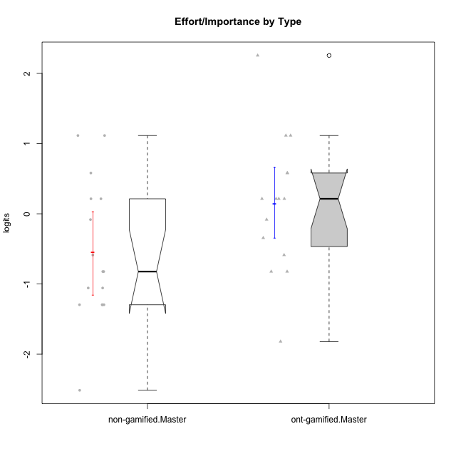

Wilcoxon data
UserID | NroUSP | Type | CLGroup | CLRole | PlayerRole | Score | theta | error | Outfit | Infit | Effort/Importance
10169 | 10377538 | ont-gamified | Grupo Hefesto | Master | Yee Achiever | 15 | 0.21371742061 | 0.593532015 | 0.21607628775 | 0.19424291633 | 0.21371742061
10172 | 10273971 | non-gamified | Grupo Team 1 | Master |  | 9 | -1.2960764082 | 0.50917591534 | 1.6562871301 | 1.6551830078 | -1.2960764082
10174 | 10276852 | ont-gamified | Grupo Urano | Master | Yee Achiever | 17 | 1.1151835345 | 0.85050592555 | 0.30264864208 | 0.29248875577 | 1.1151835345
10175 | 10310700 | ont-gamified | Grupo Hélio | Master | Yee Socializer | 12 | -0.58740121816 | 0.50536066581 | 3.7938351348 | 3.4004897524 | -0.58740121816
10179 | 10310759 | non-gamified | Grupo Team 9 | Master |  | 17 | 1.1151835345 | 0.85050592555 | 0.30264864208 | 0.29248875577 | 1.1151835345
10181 | 10276866 | non-gamified | Grupo Team 10 | Master |  | 15 | 0.21371742061 | 0.593532015 | 1.1826113344 | 1.3219454351 | 0.21371742061
10184 | 10276675 | ont-gamified | Grupo Apolo | Master | Yee Socializer | 17 | 1.1151835345 | 0.85050592555 | 0.30264864208 | 0.29248875577 | 1.1151835345
10188 | 10276995 | non-gamified | Grupo Team 3 | Master |  | 11 | -0.82301683991 | 0.49930446951 | 0.10138391875 | 0.099688221319 | -0.82301683991
10189 | 9363926 | ont-gamified | Grupo Hades | Master | Yee Socializer | 16 | 0.58104575034 | 0.67673692638 | 0.15408385505 | 0.092678613817 | 0.58104575034
10191 | 10276981 | non-gamified | Grupo Team 6 | Master |  | 10 | -1.0572723105 | 0.50057219254 | 1.6759511259 | 1.7053209646 | -1.0572723105
10193 | 10276762 | ont-gamified | Grupo Afrodite | Master | Yee Achiever | 11 | -0.82301683991 | 0.49930446951 | 0.35566375625 | 0.36028138195 | -0.82301683991
10199 | 10276737 | ont-gamified | Grupo Gaia | Master | Yee Achiever | 11 | -0.82301683991 | 0.49930446951 | 0.10138391875 | 0.099688221319 | -0.82301683991
10201 | 10276928 | ont-gamified | Grupo Caronte | Master | Yee Achiever | 18 | 2.2559012225 | 1.4563341703 | 0.16404721233 | 0.19103771571 | 2.2559012225
10204 | 10310471 | ont-gamified | Grupo Hermes | Master | Yee Achiever | 15 | 0.21371742061 | 0.593532015 | 0.49772634251 | 0.46233141122 | 0.21371742061
10206 | 10310721 | ont-gamified | Grupo Hera | Master | Yee Achiever | 14 | -0.08257998554 | 0.54709934908 | 0.10426796427 | 0.10079489733 | -0.08257998554
10211 | 9311643 | non-gamified | Grupo Team 2 | Master |  | 5 | -2.5148069562 | 0.68093046081 | 0.46306548632 | 0.36418400351 | -2.5148069562
10212 | 9065750 | non-gamified | Grupo Team 4 | Master |  | 15 | 0.21371742061 | 0.593532015 | 0.21607628775 | 0.19424291633 | 0.21371742061
10213 | 10277040 | ont-gamified | Grupo Morfeu | Master | Yee Socializer | 7 | -1.8197507216 | 0.55543188634 | 0.53862364976 | 0.4508478106 | -1.8197507216
10214 | 10277022 | non-gamified | Grupo Team 5 | Master |  | 9 | -1.2960764082 | 0.50917591534 | 0.61707329969 | 0.63924386736 | -1.2960764082
10215 | 9285227 | ont-gamified | Grupo Zeus | Master | Yee Socializer | 15 | 0.21371742061 | 0.593532015 | 1.8212184519 | 1.3352510264 | 0.21371742061
10216 | 10276720 | non-gamified | Grupo Team 15 | Master |  | 16 | 0.58104575034 | 0.67673692638 | 0.15408385505 | 0.092678613817 | 0.58104575034
10217 | 9805341 | non-gamified | Grupo Team 13 | Master |  | 14 | -0.08257998554 | 0.54709934908 | 1.0766822487 | 1.1024093599 | -0.08257998554
10218 | 9842913 | ont-gamified | Grupo Ares | Master | Yee Achiever | 16 | 0.58104575034 | 0.67673692638 | 0.63241065796 | 0.50673094928 | 0.58104575034
10219 | 10276831 | non-gamified | Grupo Team 12 | Master |  | 9 | -1.2960764082 | 0.50917591534 | 0.27502904694 | 0.26349294402 | -1.2960764082
10222 | 9436110 | non-gamified | Grupo Team 16 | Master |  | 11 | -0.82301683991 | 0.49930446951 | 0.10138391875 | 0.099688221319 | -0.82301683991
10223 | 9795185 | ont-gamified | Grupo Cronus | Master | Yee Achiever | 13 | -0.34384769996 | 0.5201480597 | 0.84491048975 | 0.79341598922 | -0.34384769996
10226 | 10310342 | non-gamified | Grupo Team 8 | Master |  | 17 | 1.1151835345 | 0.85050592555 | 0.30264864208 | 0.29248875577 | 1.1151835345
10230 | 10351992 | non-gamified | Grupo Team 14 | Master |  | 12 | -0.58740121816 | 0.50536066581 | 1.3010501323 | 1.2997733344 | -0.58740121816
10232 | 10276974 | ont-gamified | Grupo Artemis | Master | Yee Achiever | 15 | 0.21371742061 | 0.593532015 | 0.49772634251 | 0.46233141122 | 0.21371742061
10234 | 10310676 | non-gamified | Grupo Team 7 | Master |  | 9 | -1.2960764082 | 0.50917591534 | 0.32603452115 | 0.33412081257 | -1.2960764082
10237 | 10377688 | non-gamified | Grupo Team 11 | Master |  | 10 | -1.0572723105 | 0.50057219254 | 1.0591034122 | 1.0285532572 | -1.0572723105

Type_CLRole_6
Wilcoxon Analysis for Effort/Importance by Type in Type:CLRole between ont-gamified.Apprentice:ont-gamified.Master

Wilcoxon test results
Alternative hypothesis: less
Group | N | Median | Mean.Ranks | Sum.Ranks | U | Z | p.value | r | magnitude
ont-gamified.Apprentice | 15 | 0.21371742061 | 15.866666667 | 238 | 118 | 0.23076261564 | 0.5939847865 | 0.042131296672 | none
ont-gamified.Master | 15 | 0.21371742061 | 15.133333333 | 227 | 118 | 0.23076261564 | 0.5939847865 | 0.042131296672 | none
Alternative hypothesis: greater
Group | N | Median | Mean.Ranks | Sum.Ranks | U | Z | p.value | r | magnitude
ont-gamified.Apprentice | 15 | 0.21371742061 | 15.866666667 | 238 | 118 | 0.23076261564 | 0.41398056132 | 0.042131296672 | none
ont-gamified.Master | 15 | 0.21371742061 | 15.133333333 | 227 | 118 | 0.23076261564 | 0.41398056132 | 0.042131296672 | none
Alternative hypothesis: two.sided
Group | N | Median | Mean.Ranks | Sum.Ranks | U | Z | p.value | r | magnitude
ont-gamified.Apprentice | 15 | 0.21371742061 | 15.866666667 | 238 | 118 | 0.23076261564 | 0.82796112264 | 0.042131296672 | none
ont-gamified.Master | 15 | 0.21371742061 | 15.133333333 | 227 | 118 | 0.23076261564 | 0.82796112264 | 0.042131296672 | none

Box plots for wilcoxon tests
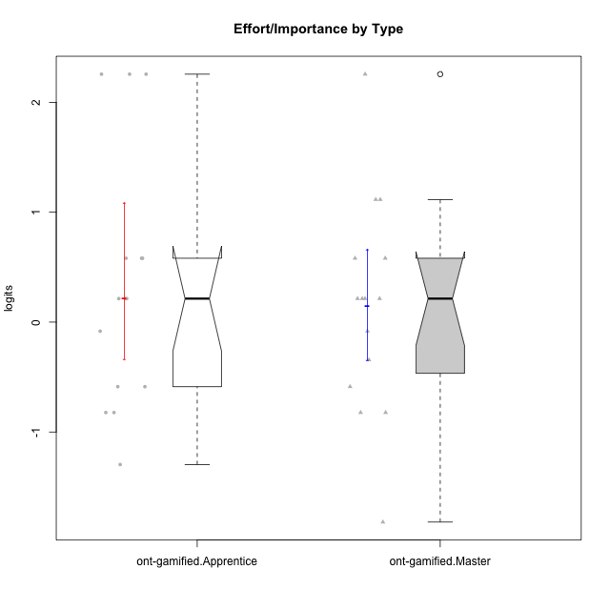

Wilcoxon data
UserID | NroUSP | Type | CLGroup | CLRole | PlayerRole | Score | theta | error | Outfit | Infit | Effort/Importance
10169 | 10377538 | ont-gamified | Grupo Hefesto | Master | Yee Achiever | 15 | 0.21371742061 | 0.593532015 | 0.21607628775 | 0.19424291633 | 0.21371742061
10170 | 10260351 | ont-gamified | Grupo Afrodite | Apprentice | Yee Achiever | 15 | 0.21371742061 | 0.593532015 | 0.25567943707 | 0.18759012072 | 0.21371742061
10174 | 10276852 | ont-gamified | Grupo Urano | Master | Yee Achiever | 17 | 1.1151835345 | 0.85050592555 | 0.30264864208 | 0.29248875577 | 1.1151835345
10175 | 10310700 | ont-gamified | Grupo Hélio | Master | Yee Socializer | 12 | -0.58740121816 | 0.50536066581 | 3.7938351348 | 3.4004897524 | -0.58740121816
10176 | 10276949 | ont-gamified | Grupo Cronus | Apprentice | Yee Achiever | 11 | -0.82301683991 | 0.49930446951 | 0.79640314148 | 0.83631558291 | -0.82301683991
10178 | 8656201 | ont-gamified | Grupo Morfeu | Apprentice | Yee Socializer | 15 | 0.21371742061 | 0.593532015 | 0.25567943707 | 0.18759012072 | 0.21371742061
10183 | 10352030 | ont-gamified | Grupo Hélio | Apprentice | Yee Socializer | 14 | -0.08257998554 | 0.54709934908 | 0.10426796427 | 0.10079489733 | -0.08257998554
10184 | 10276675 | ont-gamified | Grupo Apolo | Master | Yee Socializer | 17 | 1.1151835345 | 0.85050592555 | 0.30264864208 | 0.29248875577 | 1.1151835345
10186 | 10310551 | ont-gamified | Grupo Ares | Apprentice | Yee Achiever | 18 | 2.2559012225 | 1.4563341703 | 0.16404721233 | 0.19103771571 | 2.2559012225
10189 | 9363926 | ont-gamified | Grupo Hades | Master | Yee Socializer | 16 | 0.58104575034 | 0.67673692638 | 0.15408385505 | 0.092678613817 | 0.58104575034
10190 | 10276907 | ont-gamified | Grupo Zeus | Apprentice | Yee Socializer | 9 | -1.2960764082 | 0.50917591534 | 0.47167969065 | 0.49798813028 | -1.2960764082
10193 | 10276762 | ont-gamified | Grupo Afrodite | Master | Yee Achiever | 11 | -0.82301683991 | 0.49930446951 | 0.35566375625 | 0.36028138195 | -0.82301683991
10195 | 10351971 | ont-gamified | Grupo Urano | Apprentice | Yee Achiever | 15 | 0.21371742061 | 0.593532015 | 0.25567943707 | 0.18759012072 | 0.21371742061
10196 | 10310655 | ont-gamified | Grupo Hefesto | Apprentice | Yee Achiever | 16 | 0.58104575034 | 0.67673692638 | 0.67766938679 | 0.73039213472 | 0.58104575034
10197 | 10276661 | ont-gamified | Grupo Gaia | Apprentice | Yee Achiever | 12 | -0.58740121816 | 0.50536066581 | 2.9154258738 | 3.0820427123 | -0.58740121816
10198 | 10310888 | ont-gamified | Grupo Apolo | Apprentice | Yee Socializer | 18 | 2.2559012225 | 1.4563341703 | 0.16404721233 | 0.19103771571 | 2.2559012225
10199 | 10276737 | ont-gamified | Grupo Gaia | Master | Yee Achiever | 11 | -0.82301683991 | 0.49930446951 | 0.10138391875 | 0.099688221319 | -0.82301683991
10200 | 9795272 | ont-gamified | Grupo Hades | Apprentice | Yee Socializer | 12 | -0.58740121816 | 0.50536066581 | 1.5145227996 | 1.3429677171 | -0.58740121816
10201 | 10276928 | ont-gamified | Grupo Caronte | Master | Yee Achiever | 18 | 2.2559012225 | 1.4563341703 | 0.16404721233 | 0.19103771571 | 2.2559012225
10204 | 10310471 | ont-gamified | Grupo Hermes | Master | Yee Achiever | 15 | 0.21371742061 | 0.593532015 | 0.49772634251 | 0.46233141122 | 0.21371742061
10206 | 10310721 | ont-gamified | Grupo Hera | Master | Yee Achiever | 14 | -0.08257998554 | 0.54709934908 | 0.10426796427 | 0.10079489733 | -0.08257998554
10209 | 10262669 | ont-gamified | Grupo Artemis | Apprentice | Yee Achiever | 18 | 2.2559012225 | 1.4563341703 | 0.16404721233 | 0.19103771571 | 2.2559012225
10213 | 10277040 | ont-gamified | Grupo Morfeu | Master | Yee Socializer | 7 | -1.8197507216 | 0.55543188634 | 0.53862364976 | 0.4508478106 | -1.8197507216
10215 | 9285227 | ont-gamified | Grupo Zeus | Master | Yee Socializer | 15 | 0.21371742061 | 0.593532015 | 1.8212184519 | 1.3352510264 | 0.21371742061
10218 | 9842913 | ont-gamified | Grupo Ares | Master | Yee Achiever | 16 | 0.58104575034 | 0.67673692638 | 0.63241065796 | 0.50673094928 | 0.58104575034
10221 | 9082496 | ont-gamified | Grupo Hermes | Apprentice | Yee Achiever | 16 | 0.58104575034 | 0.67673692638 | 0.15408385505 | 0.092678613817 | 0.58104575034
10223 | 9795185 | ont-gamified | Grupo Cronus | Master | Yee Achiever | 13 | -0.34384769996 | 0.5201480597 | 0.84491048975 | 0.79341598922 | -0.34384769996
10231 | 10276911 | ont-gamified | Grupo Caronte | Apprentice | Yee Achiever | 16 | 0.58104575034 | 0.67673692638 | 0.67766938679 | 0.73039213472 | 0.58104575034
10232 | 10276974 | ont-gamified | Grupo Artemis | Master | Yee Achiever | 15 | 0.21371742061 | 0.593532015 | 0.49772634251 | 0.46233141122 | 0.21371742061
10240 | 10276654 | ont-gamified | Grupo Hera | Apprentice | Yee Achiever | 11 | -0.82301683991 | 0.49930446951 | 0.39089876839 | 0.39084120584 | -0.82301683991

