Assumptions
ANOVA assumptions for Interest/Enjoyment by Type

Shapiro-Wilk normality test for Interest/Enjoyment by Type
W | p.value
0.95966902284 | 0.058569680282

Plots for normality test
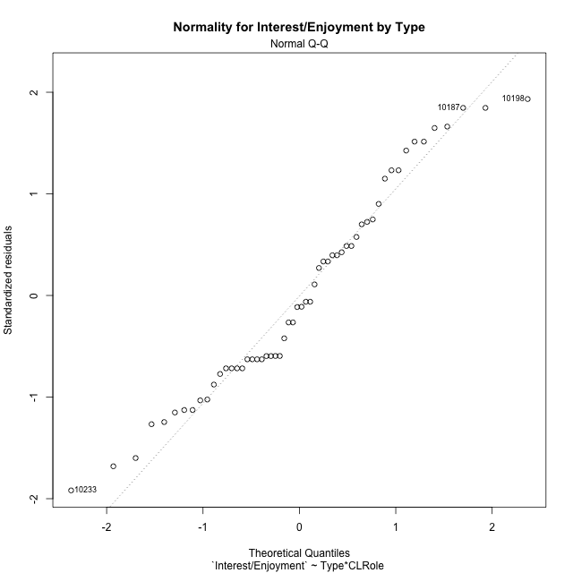

Levene's Test for Homogeneity of Variance in Interest/Enjoyment by Type
Df | F value | Pr(>F)
3 | 1.1366999499 | 0.3428994362
52

Plots for homogeneity of variance
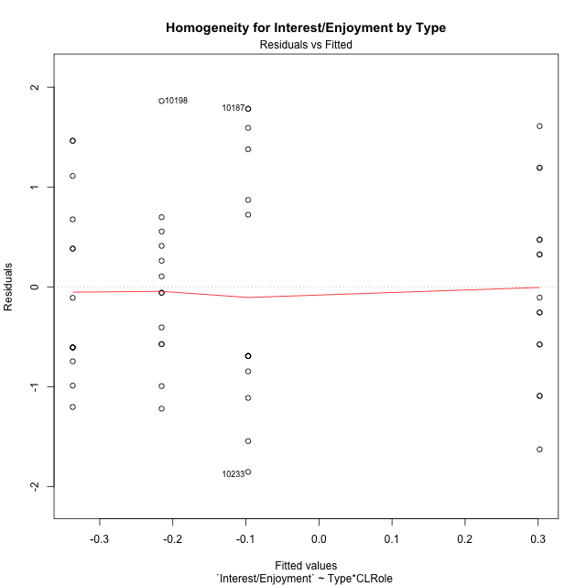

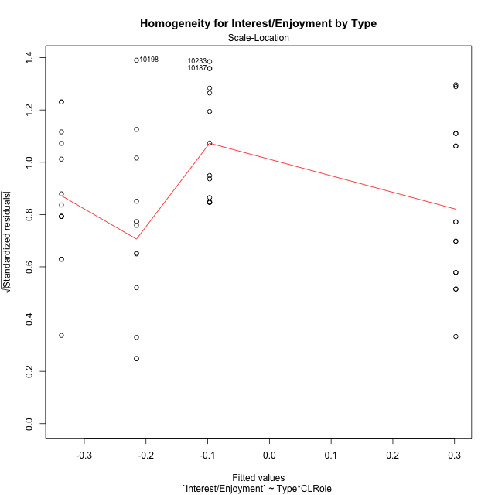

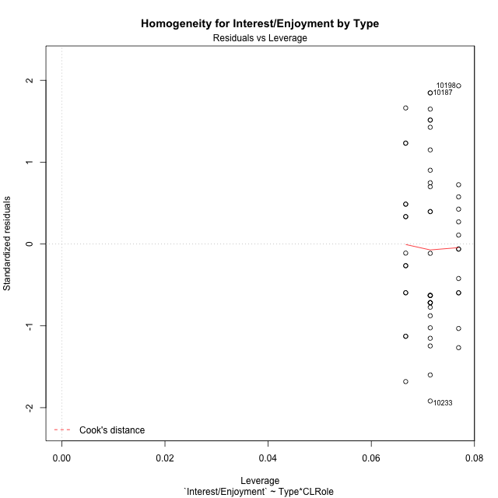

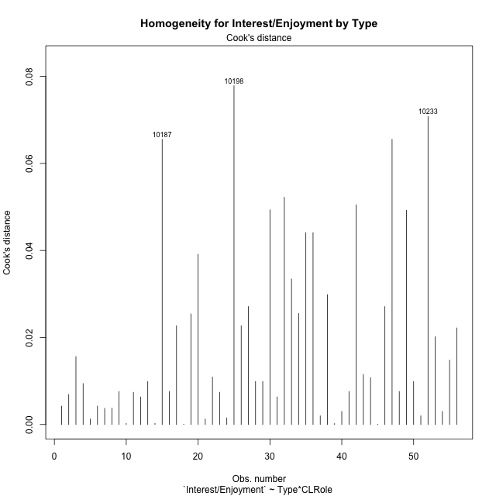

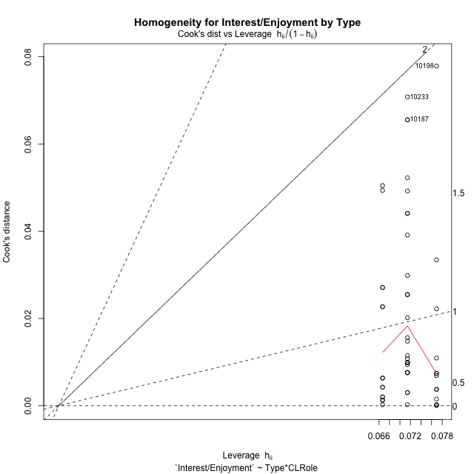

Minimum Sample Size Test for Interest/Enjoyment by Type
Type | CLRole | Freq
non-gamified | Apprentice | 14
ont-gamified | Apprentice | 13
non-gamified | Master | 14
ont-gamified | Master | 15

Errors and Warnings in Sample Size Test for ANOVA in Interest/Enjoyment by Type
code | description
WARN: sample.size | current size is 14 and recommended size is 15 for the group: 'non-gamified:Apprentice'.
WARN: sample.size | current size is 13 and recommended size is 15 for the group: 'ont-gamified:Apprentice'.
WARN: sample.size | current size is 14 and recommended size is 15 for the group: 'non-gamified:Master'.

For the group: 'non-gamified:Apprentice', we recommend the use of non-parametric test. For the group: 'ont-gamified:Apprentice', we recommend the use of non-parametric test. For the group: 'non-gamified:Master', we recommend the use of non-parametric test. For the group: 'ont-gamified:Master', you can perform a parametric test without having a normal distribution

If you don't want to remove non-normal data, you must cite the following references: ... (1) Lix, L.M., J.C. Keselman, and H.J. Keselman. 1996. Consequences of assumption violations revisited: A quantitative review of alternatives to the one-way analysis of variance F test. Rev. Educ. Res. 66: 579-619. ... (2) Harwell, M.R., E.N. Rubinstein, W.S. Hayes, and C.C. Olds. 1992. Summarizing Monte Carlo results in methodological research: the one- and two-factor fixed effects ANOVA cases. J. Educ. Stat. 17: 315-339.

Post-hoc
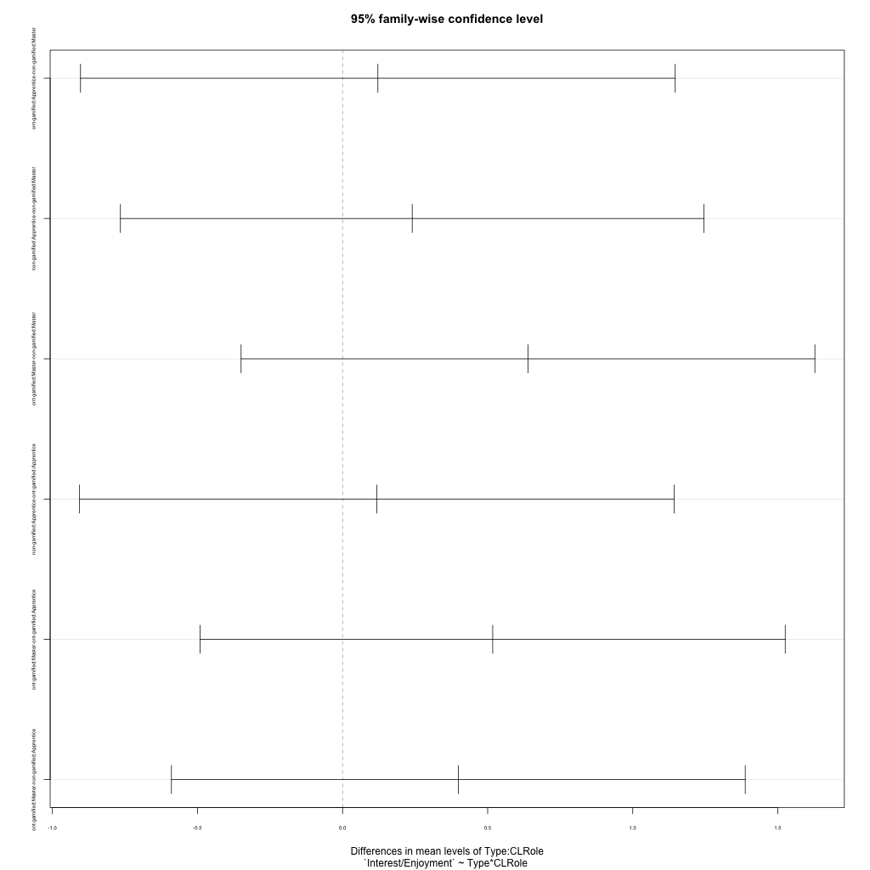
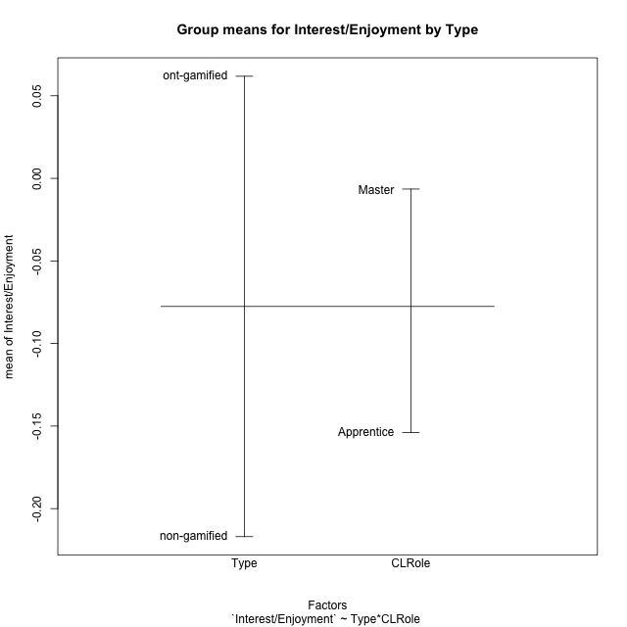
Post-hoc Tukey Honestly Significant Difference (HSD) Test for Interest/Enjoyment by Type

Comparisons of means for Type
 | diff | lwr | upr | p adj
ont-gamified-non-gamified | 0.27879857565 | -0.25882918166 | 0.81642633296 | 0.30287990982

Comparisons of means for CLRole
 | diff | lwr | upr | p adj
Master-Apprentice | 0.13751102592 | -0.40045993459 | 0.67548198643 | 0.61017949718

Comparisons of means for Type:CLRole
 | diff | lwr | upr | p adj
ont-gamified:Apprentice-non-gamified:Master | 0.12166549102 | -0.90313196893 | 1.146462951 | 0.98903992694
non-gamified:Apprentice-non-gamified:Master | 0.24006258303 | -0.76557809505 | 1.2457032611 | 0.92072239891
ont-gamified:Master-non-gamified:Master | 0.63903899317 | -0.34969895709 | 1.6277769434 | 0.32621956103
non-gamified:Apprentice-ont-gamified:Apprentice | 0.11839709202 | -0.90640036793 | 1.143194552 | 0.98987880249
ont-gamified:Master-ont-gamified:Apprentice | 0.51737350215 | -0.49084244436 | 1.5255894487 | 0.52851227074
ont-gamified:Master-non-gamified:Apprentice | 0.39897641014 | -0.58976154012 | 1.3877143604 | 0.70855107794

Contrast Matrices for Interest/Enjoyment by Type - Type
contrast | estimate | SE | df | t.ratio | p.value
non-gamified - ont-gamified | -0.26032095058 | 0.26826673285 | 52 | -0.97038103759 | 0.33634876377

Contrast Matrices for Interest/Enjoyment by Type - Type:CLRole
contrast | CLRole | estimate | SE | df | t.ratio | p.value
non-gamified - ont-gamified | Apprentice | 0.11839709202 | 0.38611880274 | 52 | 0.30663384216 | 0.76034659295
non-gamified - ont-gamified | Master | -0.63903899317 | 0.37253245495 | 52 | -1.7153914637 | 0.092227249071

Least Squares Means and Confidence Intervals for Type
Type | lsmean | SE | df | lower.CL | upper.CL | Pairs
non-gamified | -0.21696705193 | 0.18945049621 | 52 | -0.59712728488 | 0.16319318101 | non-gamified
ont-gamified | 0.043353898643 | 0.18993564552 | 52 | -0.33777985762 | 0.4244876549 | ont-gamified

Least Squares Means and Confidence Intervals for Type:CLRole
Type | CLRole | lsmean | SE | df | lower.CL | upper.CL | Pairs
non-gamified | Apprentice | -0.096935760419 | 0.26792346114 | 52 | -0.63456351772 | 0.44069199688 | non-gamified.Apprentice
ont-gamified | Apprentice | -0.21533285243 | 0.27803731548 | 52 | -0.77325554324 | 0.34258983837 | ont-gamified.Apprentice
non-gamified | Master | -0.33699834345 | 0.26792346114 | 52 | -0.87462610075 | 0.20062941385 | non-gamified.Master
ont-gamified | Master | 0.30204064972 | 0.2588386543 | 52 | -0.21735710896 | 0.8214384084 | ont-gamified.Master

Plots

Type_1
Student's t-Test for Interest/Enjoyment by Type in Type between non-gamified:ont-gamified

Student's t-Test results
Alternative hypothesis: less
Group | N | Mean | Mean.Difference | Std.deviation | Std.error | CI.lower | CI.upper | df | t.value | p.value | g | magnitude
non-gamified | 28 | -0.21696705193 | -0.27879857565 | 1.1040046888 | 0.20863727519 | -0.63424160232 | 0.20030749845 | 51.779628121 | -1.0381288715 | 0.15201686593 | -0.27358019362 | small
ont-gamified | 28 | 0.06183152372 | 0.27879857565 | 0.89478481837 | 0.16909843617 | -0.27636534861 | 0.40002839605 | 51.779628121 | -1.0381288715 | 0.15201686593 | -0.27358019362 | small
Alternative hypothesis: greater
Group | N | Mean | Mean.Difference | Std.deviation | Std.error | CI.lower | CI.upper | df | t.value | p.value | g | magnitude
non-gamified | 28 | -0.21696705193 | -0.27879857565 | 1.1040046888 | 0.20863727519 | -0.63424160232 | 0.20030749845 | 51.779628121 | -1.0381288715 | 0.84798313407 | -0.27358019362 | small
ont-gamified | 28 | 0.06183152372 | 0.27879857565 | 0.89478481837 | 0.16909843617 | -0.27636534861 | 0.40002839605 | 51.779628121 | -1.0381288715 | 0.84798313407 | -0.27358019362 | small
Alternative hypothesis: two.sided
Group | N | Mean | Mean.Difference | Std.deviation | Std.error | CI.lower | CI.upper | df | t.value | p.value | g | magnitude
non-gamified | 28 | -0.21696705193 | -0.27879857565 | 1.1040046888 | 0.20863727519 | -0.63424160232 | 0.20030749845 | 51.779628121 | -1.0381288715 | 0.30403373187 | -0.27358019362 | small
ont-gamified | 28 | 0.06183152372 | 0.27879857565 | 0.89478481837 | 0.16909843617 | -0.27636534861 | 0.40002839605 | 51.779628121 | -1.0381288715 | 0.30403373187 | -0.27358019362 | small

Box plots for Student's t-Test
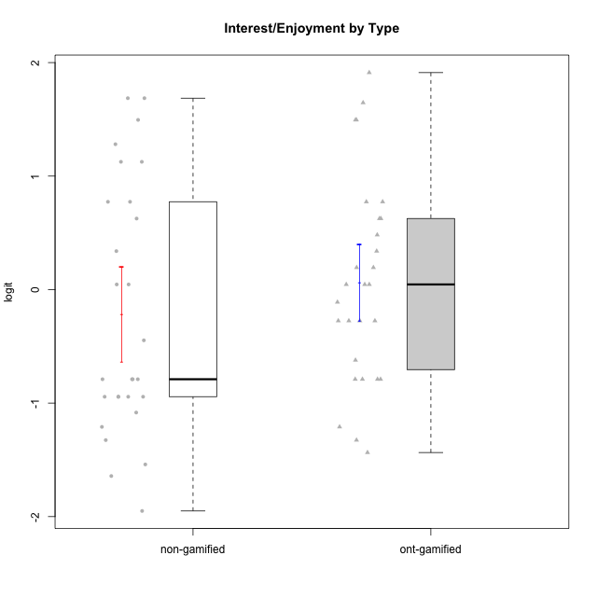

Student's t-Test data
UserID | NroUSP | Type | CLGroup | CLRole | PlayerRole | Interest/Enjoyment | Perceived Choice | Pressure/Tension | Effort/Importance | Intrinsic Motivation
10169 | 10377538 | ont-gamified | Grupo Hefesto | Master | Yee Achiever | 0.77354775663 | -0.34506436271 | 0.8224933278 | 0.21371742061 | -0.045073128315
10170 | 10260351 | ont-gamified | Grupo Afrodite | Apprentice | Yee Achiever | 0.33909170565 | 0.81251309803 | -0.91363027987 | 0.21371742061 | 0.56973812604
10171 | 698531 | non-gamified | Grupo Team 6 | Apprentice |  | 0.77354775663 | 0.43204236264 | -0.0073696712261 | -0.08257998554 | 0.28259495124
10172 | 10273971 | non-gamified | Grupo Team 1 | Master |  | 0.33909170565 | 0.010078688627 | -0.91363027987 | -1.2960764082 | -0.0083189335065
10174 | 10276852 | ont-gamified | Grupo Urano | Master | Yee Achiever | 0.04532479257 | -0.56508989585 | -0.0073696712261 | 1.1151835345 | 0.15069702562
10175 | 10310700 | ont-gamified | Grupo Hélio | Master | Yee Socializer | 0.77354775663 | 1.7454889569 | -0.91363027987 | -0.58740121816 | 0.81121714881
10176 | 10276949 | ont-gamified | Grupo Cronus | Apprentice | Yee Achiever | -0.62176572839 | 0.27922605818 | 1.2769315148 | -0.82301683991 | -0.61062200623
10178 | 8656201 | ont-gamified | Grupo Morfeu | Apprentice | Yee Socializer | 0.19438092697 | 0.27922605818 | 0.99020355854 | 0.21371742061 | -0.075719788195
10179 | 10310759 | non-gamified | Grupo Team 9 | Master |  | -0.94401358639 | -1.210479532 | 0.8224933278 | 0.57969939192 | -0.4654507279
10181 | 10276866 | non-gamified | Grupo Team 10 | Master |  | -0.44706097603 | 0.43204236264 | -0.91363027987 | 0.21371742061 | 0.27808227177
10183 | 10352030 | ont-gamified | Grupo Hélio | Apprentice | Yee Socializer | -0.78975287252 | 0.010078688627 | 1.2769315148 | -0.08257998554 | -0.53479642106
10184 | 10276675 | ont-gamified | Grupo Apolo | Master | Yee Socializer | -0.27485572343 | 0.13995114232 | 0.99020355854 | 1.1151835345 | -0.0024811512813
10185 | 10276960 | non-gamified | Grupo Team 12 | Apprentice |  | -0.78975287252 | -0.56508989585 | 0.99020355854 | -0.58740121816 | -0.73311188627
10186 | 10310551 | ont-gamified | Grupo Ares | Apprentice | Yee Achiever | -0.11051255329 | 0.60542829398 | 1.4068182928 | 2.112963375 | 0.33599966761
10187 | 9790781 | non-gamified | Grupo Team 15 | Apprentice |  | 1.68641942 | 0.43204236264 | 1.6580383299 | 1.1151835345 | 0.90913447293
10188 | 10276995 | non-gamified | Grupo Team 3 | Master |  | -0.94401358639 | -0.23096919108 | 0.37211775447 | -0.82301683991 | -0.59252934296
10189 | 9363926 | ont-gamified | Grupo Hades | Master | Yee Socializer | -0.78975287252 | -0.11298912179 | 1.6580383299 | 0.58104575034 | -0.49493364347
10190 | 10276907 | ont-gamified | Grupo Zeus | Apprentice | Yee Socializer | -0.27485572343 | 0.27922605818 | 0.62480349003 | -1.2960764082 | -0.47912739086
10191 | 10276981 | non-gamified | Grupo Team 6 | Master |  | 0.77354775663 | -0.11298912179 | -0.0073696712261 | -1.0572723105 | -0.097336001102
10192 | 10276682 | non-gamified | Grupo Team 5 | Apprentice |  | 1.2808857648 | -0.56508989585 | -0.91363027987 | -1.0572723105 | 0.14303845959
10193 | 10276762 | ont-gamified | Grupo Afrodite | Master | Yee Achiever | 0.04532479257 | -0.56508989585 | -0.0073696712261 | -0.82301683991 | -0.33385306799
10195 | 10351971 | ont-gamified | Grupo Urano | Apprentice | Yee Achiever | 0.48203349534 | -0.45618554659 | -0.91363027987 | 0.21371742061 | 0.28829891231
10196 | 10310655 | ont-gamified | Grupo Hefesto | Apprentice | Yee Achiever | -0.78975287252 | -0.67246472837 | -0.91363027987 | 0.58104575034 | 0.0081146073306
10197 | 10276661 | ont-gamified | Grupo Gaia | Apprentice | Yee Achiever | 0.04532479257 | 1.4951814649 | -0.91363027987 | -0.58740121816 | 0.4666838298
10198 | 10310888 | ont-gamified | Grupo Apolo | Apprentice | Yee Socializer | 1.6465049901 | 1.7454889569 | -0.91363027987 | 2.112963375 | 1.2184175745
10199 | 10276737 | ont-gamified | Grupo Gaia | Master | Yee Achiever | -0.78975287252 | 1.7454889569 | 1.2769315148 | -0.82301683991 | -0.10207539477
10201 | 10276928 | ont-gamified | Grupo Caronte | Master | Yee Achiever | 1.4951617996 | 0.27922605818 | 0.8224933278 | 1.8670095161 | 0.80194893812
10202 | 10277036 | non-gamified | Grupo Team 11 | Apprentice |  | -0.78975287252 | -1.210479532 | 2.4262382357 | 1.5139624553 | -1.110958985
10203 | 9921470 | non-gamified | Grupo Team 3 | Apprentice |  | -0.78975287252 | 1.6049919821 | -0.0073696712261 | -0.82301683991 | 0.21899990174
10204 | 10310471 | ont-gamified | Grupo Hermes | Master | Yee Achiever | 1.9117264103 | 0.60542829398 | -0.91363027987 | 0.21371742061 | 0.81121714881
10206 | 10310721 | ont-gamified | Grupo Hera | Master | Yee Achiever | -0.27485572343 | 1.0818912276 | 1.6580383299 | -0.08257998554 | -0.23339570283
10208 | 10276932 | non-gamified | Grupo Team 7 | Apprentice |  | 1.4951617996 | 0.13995114232 | 0.62480349003 | 1.5139624553 | 0.81655266859
10209 | 10262669 | ont-gamified | Grupo Artemis | Apprentice | Yee Achiever | -1.4355957758 | -1.3020766724 | -0.91363027987 | 2.112963375 | -0.23281615393
10210 | 10277015 | non-gamified | Grupo Team 9 | Apprentice |  | -1.2095717429 | -1.4411884157 | 2.0744710307 | 1.1151835345 | -0.90251191367
10211 | 9311643 | non-gamified | Grupo Team 2 | Master |  | 1.1257867718 | -1.3237490316 | 0.8224933278 | -2.2257330717 | -0.84504088772
10212 | 9065750 | non-gamified | Grupo Team 4 | Master |  | 1.1257867718 | 0.43204236264 | 1.1395172339 | 0.21371742061 | 0.25035108724
10213 | 10277040 | ont-gamified | Grupo Morfeu | Master | Yee Socializer | 0.62587550794 | -0.45618554659 | -0.91363027987 | -1.4395746749 | -0.18410762009
10214 | 10277022 | non-gamified | Grupo Team 5 | Master |  | -1.5404013327 | -0.88530121499 | 0.8224933278 | -1.2960764082 | -1.1360680709
10215 | 9285227 | ont-gamified | Grupo Zeus | Master | Yee Socializer | 0.19438092697 | 1.7454889569 | -0.91363027987 | 0.21371742061 | 0.81121714881
10216 | 10276720 | non-gamified | Grupo Team 15 | Master |  | 0.04532479257 | 0.81251309803 | -0.0073696712261 | 0.57969939192 | 0.36156332804
10217 | 9805341 | non-gamified | Grupo Team 13 | Master |  | -0.94401358639 | 1.4951814649 | -0.91363027987 | -0.08257998554 | 0.34555454321
10218 | 9842913 | ont-gamified | Grupo Ares | Master | Yee Achiever | -1.326100113 | 0.010078688627 | 1.6580383299 | 0.58104575034 | -0.59825350099
10219 | 10276831 | non-gamified | Grupo Team 12 | Master |  | -1.0832226321 | -0.45618554659 | -0.91363027987 | -1.2960764082 | -0.48046357674
10220 | 9760151 | non-gamified | Grupo Team 2 | Apprentice |  | 0.62587550794 | 0.81251309803 | -0.91363027987 | 0.21371742061 | 0.64143407661
10221 | 9082496 | ont-gamified | Grupo Hermes | Apprentice | Yee Achiever | -0.27485572343 | 0.010078688627 | -0.91363027987 | 0.58104575034 | 0.30747474885
10223 | 9795185 | ont-gamified | Grupo Cronus | Master | Yee Achiever | 1.4951617996 | 0.81251309803 | -0.0073696712261 | -0.34384769996 | 0.49279921722
10224 | 9368772 | non-gamified | Grupo Team 10 | Apprentice |  | 1.68641942 | -1.5642049221 | 0.37211775447 | -0.82301683991 | -0.25070987018
10226 | 10310342 | non-gamified | Grupo Team 8 | Master |  | -0.94401358639 | -1.3237490316 | 0.37211775447 | 0.57969939192 | -0.38117420949
10227 | 9274382 | non-gamified | Grupo Team 4 | Apprentice |  | -1.6425046828 | -0.67246472837 | 2.0744710307 | -1.2960764082 | -1.3914733638
10228 | 10310492 | non-gamified | Grupo Team 14 | Apprentice |  | -0.78975287252 | -0.34506436271 | 0.99020355854 | 0.21371742061 | -0.47782584329
10232 | 10276974 | ont-gamified | Grupo Artemis | Master | Yee Achiever | 0.62587550794 | -0.11298912179 | 1.4068182928 | 0.21371742061 | -0.1700536215
10233 | 9805320 | non-gamified | Grupo Team 16 | Apprentice |  | -1.9503088127 | -0.99214359514 | -0.0073696712261 | -0.58740121816 | -0.88062098869
10234 | 10310676 | non-gamified | Grupo Team 7 | Master |  | -1.326100113 | -0.88530121499 | -0.0073696712261 | -1.2960764082 | -0.87502701624
10237 | 10377688 | non-gamified | Grupo Team 11 | Master |  | 0.04532479257 | 0.010078688627 | -0.91363027987 | -1.0572723105 | -0.022059637352
10238 | 10276953 | non-gamified | Grupo Team 13 | Apprentice |  | -0.94401358639 | -1.3237490316 | 2.0744710307 | -0.08257998554 | -1.1062034086
10240 | 10276654 | ont-gamified | Grupo Hera | Apprentice | Yee Achiever | -1.2095717429 | -1.3020766724 | -0.91363027987 | -0.82301683991 | -0.79108933843

Type_CLRole_1
Student's t-Test for Interest/Enjoyment by Type in Type:CLRole between non-gamified.Apprentice:non-gamified.Master

Student's t-Test results
Alternative hypothesis: less
Group | N | Mean | Mean.Difference | Std.deviation | Std.error | CI.lower | CI.upper | df | t.value | p.value | g | magnitude
non-gamified.Apprentice | 14 | -0.096935760419 | 0.24006258303 | 1.2941683614 | 0.34588104351 | -0.78869784743 | 0.59482632659 | 23.310170861 | 0.56804892647 | 0.71228334213 | 0.20844884771 | small
non-gamified.Master | 14 | -0.33699834345 | -0.24006258303 | 0.90857320523 | 0.2428264032 | -0.82265114984 | 0.14865446294 | 23.310170861 | 0.56804892647 | 0.71228334213 | 0.20844884771 | small
Alternative hypothesis: greater
Group | N | Mean | Mean.Difference | Std.deviation | Std.error | CI.lower | CI.upper | df | t.value | p.value | g | magnitude
non-gamified.Apprentice | 14 | -0.096935760419 | 0.24006258303 | 1.2941683614 | 0.34588104351 | -0.78869784743 | 0.59482632659 | 23.310170861 | 0.56804892647 | 0.28771665787 | 0.20844884771 | small
non-gamified.Master | 14 | -0.33699834345 | -0.24006258303 | 0.90857320523 | 0.2428264032 | -0.82265114984 | 0.14865446294 | 23.310170861 | 0.56804892647 | 0.28771665787 | 0.20844884771 | small
Alternative hypothesis: two.sided
Group | N | Mean | Mean.Difference | Std.deviation | Std.error | CI.lower | CI.upper | df | t.value | p.value | g | magnitude
non-gamified.Apprentice | 14 | -0.096935760419 | 0.24006258303 | 1.2941683614 | 0.34588104351 | -0.78869784743 | 0.59482632659 | 23.310170861 | 0.56804892647 | 0.57543331573 | 0.20844884771 | small
non-gamified.Master | 14 | -0.33699834345 | -0.24006258303 | 0.90857320523 | 0.2428264032 | -0.82265114984 | 0.14865446294 | 23.310170861 | 0.56804892647 | 0.57543331573 | 0.20844884771 | small

Box plots for Student's t-Test
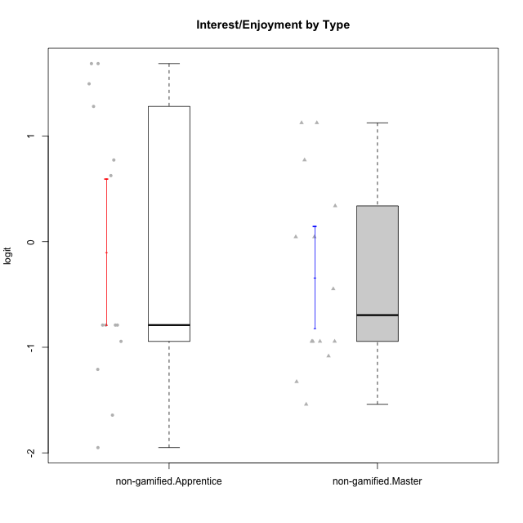

Student's t-Test data
UserID | NroUSP | Type | CLGroup | CLRole | PlayerRole | Interest/Enjoyment | Perceived Choice | Pressure/Tension | Effort/Importance | Intrinsic Motivation
10171 | 698531 | non-gamified | Grupo Team 6 | Apprentice |  | 0.77354775663 | 0.43204236264 | -0.0073696712261 | -0.08257998554 | 0.28259495124
10172 | 10273971 | non-gamified | Grupo Team 1 | Master |  | 0.33909170565 | 0.010078688627 | -0.91363027987 | -1.2960764082 | -0.0083189335065
10179 | 10310759 | non-gamified | Grupo Team 9 | Master |  | -0.94401358639 | -1.210479532 | 0.8224933278 | 0.57969939192 | -0.4654507279
10181 | 10276866 | non-gamified | Grupo Team 10 | Master |  | -0.44706097603 | 0.43204236264 | -0.91363027987 | 0.21371742061 | 0.27808227177
10185 | 10276960 | non-gamified | Grupo Team 12 | Apprentice |  | -0.78975287252 | -0.56508989585 | 0.99020355854 | -0.58740121816 | -0.73311188627
10187 | 9790781 | non-gamified | Grupo Team 15 | Apprentice |  | 1.68641942 | 0.43204236264 | 1.6580383299 | 1.1151835345 | 0.90913447293
10188 | 10276995 | non-gamified | Grupo Team 3 | Master |  | -0.94401358639 | -0.23096919108 | 0.37211775447 | -0.82301683991 | -0.59252934296
10191 | 10276981 | non-gamified | Grupo Team 6 | Master |  | 0.77354775663 | -0.11298912179 | -0.0073696712261 | -1.0572723105 | -0.097336001102
10192 | 10276682 | non-gamified | Grupo Team 5 | Apprentice |  | 1.2808857648 | -0.56508989585 | -0.91363027987 | -1.0572723105 | 0.14303845959
10202 | 10277036 | non-gamified | Grupo Team 11 | Apprentice |  | -0.78975287252 | -1.210479532 | 2.4262382357 | 1.5139624553 | -1.110958985
10203 | 9921470 | non-gamified | Grupo Team 3 | Apprentice |  | -0.78975287252 | 1.6049919821 | -0.0073696712261 | -0.82301683991 | 0.21899990174
10208 | 10276932 | non-gamified | Grupo Team 7 | Apprentice |  | 1.4951617996 | 0.13995114232 | 0.62480349003 | 1.5139624553 | 0.81655266859
10210 | 10277015 | non-gamified | Grupo Team 9 | Apprentice |  | -1.2095717429 | -1.4411884157 | 2.0744710307 | 1.1151835345 | -0.90251191367
10211 | 9311643 | non-gamified | Grupo Team 2 | Master |  | 1.1257867718 | -1.3237490316 | 0.8224933278 | -2.2257330717 | -0.84504088772
10212 | 9065750 | non-gamified | Grupo Team 4 | Master |  | 1.1257867718 | 0.43204236264 | 1.1395172339 | 0.21371742061 | 0.25035108724
10214 | 10277022 | non-gamified | Grupo Team 5 | Master |  | -1.5404013327 | -0.88530121499 | 0.8224933278 | -1.2960764082 | -1.1360680709
10216 | 10276720 | non-gamified | Grupo Team 15 | Master |  | 0.04532479257 | 0.81251309803 | -0.0073696712261 | 0.57969939192 | 0.36156332804
10217 | 9805341 | non-gamified | Grupo Team 13 | Master |  | -0.94401358639 | 1.4951814649 | -0.91363027987 | -0.08257998554 | 0.34555454321
10219 | 10276831 | non-gamified | Grupo Team 12 | Master |  | -1.0832226321 | -0.45618554659 | -0.91363027987 | -1.2960764082 | -0.48046357674
10220 | 9760151 | non-gamified | Grupo Team 2 | Apprentice |  | 0.62587550794 | 0.81251309803 | -0.91363027987 | 0.21371742061 | 0.64143407661
10224 | 9368772 | non-gamified | Grupo Team 10 | Apprentice |  | 1.68641942 | -1.5642049221 | 0.37211775447 | -0.82301683991 | -0.25070987018
10226 | 10310342 | non-gamified | Grupo Team 8 | Master |  | -0.94401358639 | -1.3237490316 | 0.37211775447 | 0.57969939192 | -0.38117420949
10227 | 9274382 | non-gamified | Grupo Team 4 | Apprentice |  | -1.6425046828 | -0.67246472837 | 2.0744710307 | -1.2960764082 | -1.3914733638
10228 | 10310492 | non-gamified | Grupo Team 14 | Apprentice |  | -0.78975287252 | -0.34506436271 | 0.99020355854 | 0.21371742061 | -0.47782584329
10233 | 9805320 | non-gamified | Grupo Team 16 | Apprentice |  | -1.9503088127 | -0.99214359514 | -0.0073696712261 | -0.58740121816 | -0.88062098869
10234 | 10310676 | non-gamified | Grupo Team 7 | Master |  | -1.326100113 | -0.88530121499 | -0.0073696712261 | -1.2960764082 | -0.87502701624
10237 | 10377688 | non-gamified | Grupo Team 11 | Master |  | 0.04532479257 | 0.010078688627 | -0.91363027987 | -1.0572723105 | -0.022059637352
10238 | 10276953 | non-gamified | Grupo Team 13 | Apprentice |  | -0.94401358639 | -1.3237490316 | 2.0744710307 | -0.08257998554 | -1.1062034086

Type_CLRole_2
Student's t-Test for Interest/Enjoyment by Type in Type:CLRole between non-gamified.Apprentice:ont-gamified.Apprentice

Student's t-Test results
Alternative hypothesis: less
Group | N | Mean | Mean.Difference | Std.deviation | Std.error | CI.lower | CI.upper | df | t.value | p.value | g | magnitude
non-gamified.Apprentice | 14 | -0.096935760419 | 0.11839709202 | 1.2941683614 | 0.34588104351 | -0.78869784743 | 0.59482632659 | 21.991026623 | 0.28737441949 | 0.61174189261 | 0.10552964302 | negligible
ont-gamified.Apprentice | 13 | -0.21533285243 | -0.11839709202 | 0.80708759174 | 0.22384582276 | -0.66302449795 | 0.23235879308 | 21.991026623 | 0.28737441949 | 0.61174189261 | 0.10552964302 | negligible
Alternative hypothesis: greater
Group | N | Mean | Mean.Difference | Std.deviation | Std.error | CI.lower | CI.upper | df | t.value | p.value | g | magnitude
non-gamified.Apprentice | 14 | -0.096935760419 | 0.11839709202 | 1.2941683614 | 0.34588104351 | -0.78869784743 | 0.59482632659 | 21.991026623 | 0.28737441949 | 0.38825810739 | 0.10552964302 | negligible
ont-gamified.Apprentice | 13 | -0.21533285243 | -0.11839709202 | 0.80708759174 | 0.22384582276 | -0.66302449795 | 0.23235879308 | 21.991026623 | 0.28737441949 | 0.38825810739 | 0.10552964302 | negligible
Alternative hypothesis: two.sided
Group | N | Mean | Mean.Difference | Std.deviation | Std.error | CI.lower | CI.upper | df | t.value | p.value | g | magnitude
non-gamified.Apprentice | 14 | -0.096935760419 | 0.11839709202 | 1.2941683614 | 0.34588104351 | -0.78869784743 | 0.59482632659 | 21.991026623 | 0.28737441949 | 0.77651621479 | 0.10552964302 | negligible
ont-gamified.Apprentice | 13 | -0.21533285243 | -0.11839709202 | 0.80708759174 | 0.22384582276 | -0.66302449795 | 0.23235879308 | 21.991026623 | 0.28737441949 | 0.77651621479 | 0.10552964302 | negligible

Box plots for Student's t-Test
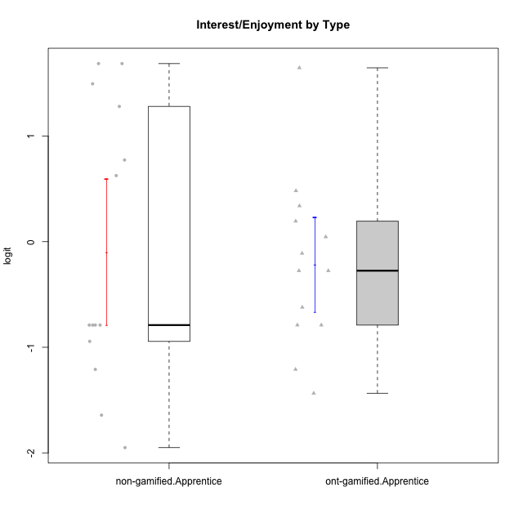

Student's t-Test data
UserID | NroUSP | Type | CLGroup | CLRole | PlayerRole | Interest/Enjoyment | Perceived Choice | Pressure/Tension | Effort/Importance | Intrinsic Motivation
10170 | 10260351 | ont-gamified | Grupo Afrodite | Apprentice | Yee Achiever | 0.33909170565 | 0.81251309803 | -0.91363027987 | 0.21371742061 | 0.56973812604
10171 | 698531 | non-gamified | Grupo Team 6 | Apprentice |  | 0.77354775663 | 0.43204236264 | -0.0073696712261 | -0.08257998554 | 0.28259495124
10176 | 10276949 | ont-gamified | Grupo Cronus | Apprentice | Yee Achiever | -0.62176572839 | 0.27922605818 | 1.2769315148 | -0.82301683991 | -0.61062200623
10178 | 8656201 | ont-gamified | Grupo Morfeu | Apprentice | Yee Socializer | 0.19438092697 | 0.27922605818 | 0.99020355854 | 0.21371742061 | -0.075719788195
10183 | 10352030 | ont-gamified | Grupo Hélio | Apprentice | Yee Socializer | -0.78975287252 | 0.010078688627 | 1.2769315148 | -0.08257998554 | -0.53479642106
10185 | 10276960 | non-gamified | Grupo Team 12 | Apprentice |  | -0.78975287252 | -0.56508989585 | 0.99020355854 | -0.58740121816 | -0.73311188627
10186 | 10310551 | ont-gamified | Grupo Ares | Apprentice | Yee Achiever | -0.11051255329 | 0.60542829398 | 1.4068182928 | 2.112963375 | 0.33599966761
10187 | 9790781 | non-gamified | Grupo Team 15 | Apprentice |  | 1.68641942 | 0.43204236264 | 1.6580383299 | 1.1151835345 | 0.90913447293
10190 | 10276907 | ont-gamified | Grupo Zeus | Apprentice | Yee Socializer | -0.27485572343 | 0.27922605818 | 0.62480349003 | -1.2960764082 | -0.47912739086
10192 | 10276682 | non-gamified | Grupo Team 5 | Apprentice |  | 1.2808857648 | -0.56508989585 | -0.91363027987 | -1.0572723105 | 0.14303845959
10195 | 10351971 | ont-gamified | Grupo Urano | Apprentice | Yee Achiever | 0.48203349534 | -0.45618554659 | -0.91363027987 | 0.21371742061 | 0.28829891231
10196 | 10310655 | ont-gamified | Grupo Hefesto | Apprentice | Yee Achiever | -0.78975287252 | -0.67246472837 | -0.91363027987 | 0.58104575034 | 0.0081146073306
10197 | 10276661 | ont-gamified | Grupo Gaia | Apprentice | Yee Achiever | 0.04532479257 | 1.4951814649 | -0.91363027987 | -0.58740121816 | 0.4666838298
10198 | 10310888 | ont-gamified | Grupo Apolo | Apprentice | Yee Socializer | 1.6465049901 | 1.7454889569 | -0.91363027987 | 2.112963375 | 1.2184175745
10202 | 10277036 | non-gamified | Grupo Team 11 | Apprentice |  | -0.78975287252 | -1.210479532 | 2.4262382357 | 1.5139624553 | -1.110958985
10203 | 9921470 | non-gamified | Grupo Team 3 | Apprentice |  | -0.78975287252 | 1.6049919821 | -0.0073696712261 | -0.82301683991 | 0.21899990174
10208 | 10276932 | non-gamified | Grupo Team 7 | Apprentice |  | 1.4951617996 | 0.13995114232 | 0.62480349003 | 1.5139624553 | 0.81655266859
10209 | 10262669 | ont-gamified | Grupo Artemis | Apprentice | Yee Achiever | -1.4355957758 | -1.3020766724 | -0.91363027987 | 2.112963375 | -0.23281615393
10210 | 10277015 | non-gamified | Grupo Team 9 | Apprentice |  | -1.2095717429 | -1.4411884157 | 2.0744710307 | 1.1151835345 | -0.90251191367
10220 | 9760151 | non-gamified | Grupo Team 2 | Apprentice |  | 0.62587550794 | 0.81251309803 | -0.91363027987 | 0.21371742061 | 0.64143407661
10221 | 9082496 | ont-gamified | Grupo Hermes | Apprentice | Yee Achiever | -0.27485572343 | 0.010078688627 | -0.91363027987 | 0.58104575034 | 0.30747474885
10224 | 9368772 | non-gamified | Grupo Team 10 | Apprentice |  | 1.68641942 | -1.5642049221 | 0.37211775447 | -0.82301683991 | -0.25070987018
10227 | 9274382 | non-gamified | Grupo Team 4 | Apprentice |  | -1.6425046828 | -0.67246472837 | 2.0744710307 | -1.2960764082 | -1.3914733638
10228 | 10310492 | non-gamified | Grupo Team 14 | Apprentice |  | -0.78975287252 | -0.34506436271 | 0.99020355854 | 0.21371742061 | -0.47782584329
10233 | 9805320 | non-gamified | Grupo Team 16 | Apprentice |  | -1.9503088127 | -0.99214359514 | -0.0073696712261 | -0.58740121816 | -0.88062098869
10238 | 10276953 | non-gamified | Grupo Team 13 | Apprentice |  | -0.94401358639 | -1.3237490316 | 2.0744710307 | -0.08257998554 | -1.1062034086
10240 | 10276654 | ont-gamified | Grupo Hera | Apprentice | Yee Achiever | -1.2095717429 | -1.3020766724 | -0.91363027987 | -0.82301683991 | -0.79108933843

Type_CLRole_3
Student's t-Test for Interest/Enjoyment by Type in Type:CLRole between non-gamified.Apprentice:ont-gamified.Master

Student's t-Test results
Alternative hypothesis: less
Group | N | Mean | Mean.Difference | Std.deviation | Std.error | CI.lower | CI.upper | df | t.value | p.value | g | magnitude
non-gamified.Apprentice | 14 | -0.096935760419 | -0.39897641014 | 1.2941683614 | 0.34588104351 | -0.78869784743 | 0.59482632659 | 23.385701662 | -0.94974514974 | 0.17597724143 | -0.34705703354 | small
ont-gamified.Master | 15 | 0.30204064972 | 0.39897641014 | 0.9233643609 | 0.23841165282 | -0.17478265591 | 0.77886395535 | 23.385701662 | -0.94974514974 | 0.17597724143 | -0.34705703354 | small
Alternative hypothesis: greater
Group | N | Mean | Mean.Difference | Std.deviation | Std.error | CI.lower | CI.upper | df | t.value | p.value | g | magnitude
non-gamified.Apprentice | 14 | -0.096935760419 | -0.39897641014 | 1.2941683614 | 0.34588104351 | -0.78869784743 | 0.59482632659 | 23.385701662 | -0.94974514974 | 0.82402275857 | -0.34705703354 | small
ont-gamified.Master | 15 | 0.30204064972 | 0.39897641014 | 0.9233643609 | 0.23841165282 | -0.17478265591 | 0.77886395535 | 23.385701662 | -0.94974514974 | 0.82402275857 | -0.34705703354 | small
Alternative hypothesis: two.sided
Group | N | Mean | Mean.Difference | Std.deviation | Std.error | CI.lower | CI.upper | df | t.value | p.value | g | magnitude
non-gamified.Apprentice | 14 | -0.096935760419 | -0.39897641014 | 1.2941683614 | 0.34588104351 | -0.78869784743 | 0.59482632659 | 23.385701662 | -0.94974514974 | 0.35195448287 | -0.34705703354 | small
ont-gamified.Master | 15 | 0.30204064972 | 0.39897641014 | 0.9233643609 | 0.23841165282 | -0.17478265591 | 0.77886395535 | 23.385701662 | -0.94974514974 | 0.35195448287 | -0.34705703354 | small

Box plots for Student's t-Test
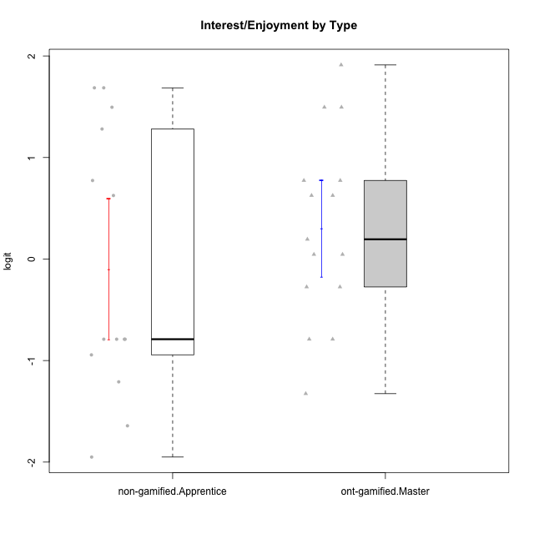

Student's t-Test data
UserID | NroUSP | Type | CLGroup | CLRole | PlayerRole | Interest/Enjoyment | Perceived Choice | Pressure/Tension | Effort/Importance | Intrinsic Motivation
10169 | 10377538 | ont-gamified | Grupo Hefesto | Master | Yee Achiever | 0.77354775663 | -0.34506436271 | 0.8224933278 | 0.21371742061 | -0.045073128315
10171 | 698531 | non-gamified | Grupo Team 6 | Apprentice |  | 0.77354775663 | 0.43204236264 | -0.0073696712261 | -0.08257998554 | 0.28259495124
10174 | 10276852 | ont-gamified | Grupo Urano | Master | Yee Achiever | 0.04532479257 | -0.56508989585 | -0.0073696712261 | 1.1151835345 | 0.15069702562
10175 | 10310700 | ont-gamified | Grupo Hélio | Master | Yee Socializer | 0.77354775663 | 1.7454889569 | -0.91363027987 | -0.58740121816 | 0.81121714881
10184 | 10276675 | ont-gamified | Grupo Apolo | Master | Yee Socializer | -0.27485572343 | 0.13995114232 | 0.99020355854 | 1.1151835345 | -0.0024811512813
10185 | 10276960 | non-gamified | Grupo Team 12 | Apprentice |  | -0.78975287252 | -0.56508989585 | 0.99020355854 | -0.58740121816 | -0.73311188627
10187 | 9790781 | non-gamified | Grupo Team 15 | Apprentice |  | 1.68641942 | 0.43204236264 | 1.6580383299 | 1.1151835345 | 0.90913447293
10189 | 9363926 | ont-gamified | Grupo Hades | Master | Yee Socializer | -0.78975287252 | -0.11298912179 | 1.6580383299 | 0.58104575034 | -0.49493364347
10192 | 10276682 | non-gamified | Grupo Team 5 | Apprentice |  | 1.2808857648 | -0.56508989585 | -0.91363027987 | -1.0572723105 | 0.14303845959
10193 | 10276762 | ont-gamified | Grupo Afrodite | Master | Yee Achiever | 0.04532479257 | -0.56508989585 | -0.0073696712261 | -0.82301683991 | -0.33385306799
10199 | 10276737 | ont-gamified | Grupo Gaia | Master | Yee Achiever | -0.78975287252 | 1.7454889569 | 1.2769315148 | -0.82301683991 | -0.10207539477
10201 | 10276928 | ont-gamified | Grupo Caronte | Master | Yee Achiever | 1.4951617996 | 0.27922605818 | 0.8224933278 | 1.8670095161 | 0.80194893812
10202 | 10277036 | non-gamified | Grupo Team 11 | Apprentice |  | -0.78975287252 | -1.210479532 | 2.4262382357 | 1.5139624553 | -1.110958985
10203 | 9921470 | non-gamified | Grupo Team 3 | Apprentice |  | -0.78975287252 | 1.6049919821 | -0.0073696712261 | -0.82301683991 | 0.21899990174
10204 | 10310471 | ont-gamified | Grupo Hermes | Master | Yee Achiever | 1.9117264103 | 0.60542829398 | -0.91363027987 | 0.21371742061 | 0.81121714881
10206 | 10310721 | ont-gamified | Grupo Hera | Master | Yee Achiever | -0.27485572343 | 1.0818912276 | 1.6580383299 | -0.08257998554 | -0.23339570283
10208 | 10276932 | non-gamified | Grupo Team 7 | Apprentice |  | 1.4951617996 | 0.13995114232 | 0.62480349003 | 1.5139624553 | 0.81655266859
10210 | 10277015 | non-gamified | Grupo Team 9 | Apprentice |  | -1.2095717429 | -1.4411884157 | 2.0744710307 | 1.1151835345 | -0.90251191367
10213 | 10277040 | ont-gamified | Grupo Morfeu | Master | Yee Socializer | 0.62587550794 | -0.45618554659 | -0.91363027987 | -1.4395746749 | -0.18410762009
10215 | 9285227 | ont-gamified | Grupo Zeus | Master | Yee Socializer | 0.19438092697 | 1.7454889569 | -0.91363027987 | 0.21371742061 | 0.81121714881
10218 | 9842913 | ont-gamified | Grupo Ares | Master | Yee Achiever | -1.326100113 | 0.010078688627 | 1.6580383299 | 0.58104575034 | -0.59825350099
10220 | 9760151 | non-gamified | Grupo Team 2 | Apprentice |  | 0.62587550794 | 0.81251309803 | -0.91363027987 | 0.21371742061 | 0.64143407661
10223 | 9795185 | ont-gamified | Grupo Cronus | Master | Yee Achiever | 1.4951617996 | 0.81251309803 | -0.0073696712261 | -0.34384769996 | 0.49279921722
10224 | 9368772 | non-gamified | Grupo Team 10 | Apprentice |  | 1.68641942 | -1.5642049221 | 0.37211775447 | -0.82301683991 | -0.25070987018
10227 | 9274382 | non-gamified | Grupo Team 4 | Apprentice |  | -1.6425046828 | -0.67246472837 | 2.0744710307 | -1.2960764082 | -1.3914733638
10228 | 10310492 | non-gamified | Grupo Team 14 | Apprentice |  | -0.78975287252 | -0.34506436271 | 0.99020355854 | 0.21371742061 | -0.47782584329
10232 | 10276974 | ont-gamified | Grupo Artemis | Master | Yee Achiever | 0.62587550794 | -0.11298912179 | 1.4068182928 | 0.21371742061 | -0.1700536215
10233 | 9805320 | non-gamified | Grupo Team 16 | Apprentice |  | -1.9503088127 | -0.99214359514 | -0.0073696712261 | -0.58740121816 | -0.88062098869
10238 | 10276953 | non-gamified | Grupo Team 13 | Apprentice |  | -0.94401358639 | -1.3237490316 | 2.0744710307 | -0.08257998554 | -1.1062034086

Type_CLRole_4
Student's t-Test for Interest/Enjoyment by Type in Type:CLRole between non-gamified.Master:ont-gamified.Apprentice

Student's t-Test results
Alternative hypothesis: less
Group | N | Mean | Mean.Difference | Std.deviation | Std.error | CI.lower | CI.upper | df | t.value | p.value | g | magnitude
non-gamified.Master | 14 | -0.33699834345 | -0.12166549102 | 0.90857320523 | 0.2428264032 | -0.82265114984 | 0.14865446294 | 24.957547495 | -0.36839314678 | 0.35784325945 | -0.13696889421 | negligible
ont-gamified.Apprentice | 13 | -0.21533285243 | 0.12166549102 | 0.80708759174 | 0.22384582276 | -0.66302449795 | 0.23235879308 | 24.957547495 | -0.36839314678 | 0.35784325945 | -0.13696889421 | negligible
Alternative hypothesis: greater
Group | N | Mean | Mean.Difference | Std.deviation | Std.error | CI.lower | CI.upper | df | t.value | p.value | g | magnitude
non-gamified.Master | 14 | -0.33699834345 | -0.12166549102 | 0.90857320523 | 0.2428264032 | -0.82265114984 | 0.14865446294 | 24.957547495 | -0.36839314678 | 0.64215674055 | -0.13696889421 | negligible
ont-gamified.Apprentice | 13 | -0.21533285243 | 0.12166549102 | 0.80708759174 | 0.22384582276 | -0.66302449795 | 0.23235879308 | 24.957547495 | -0.36839314678 | 0.64215674055 | -0.13696889421 | negligible
Alternative hypothesis: two.sided
Group | N | Mean | Mean.Difference | Std.deviation | Std.error | CI.lower | CI.upper | df | t.value | p.value | g | magnitude
non-gamified.Master | 14 | -0.33699834345 | -0.12166549102 | 0.90857320523 | 0.2428264032 | -0.82265114984 | 0.14865446294 | 24.957547495 | -0.36839314678 | 0.7156865189 | -0.13696889421 | negligible
ont-gamified.Apprentice | 13 | -0.21533285243 | 0.12166549102 | 0.80708759174 | 0.22384582276 | -0.66302449795 | 0.23235879308 | 24.957547495 | -0.36839314678 | 0.7156865189 | -0.13696889421 | negligible

Box plots for Student's t-Test
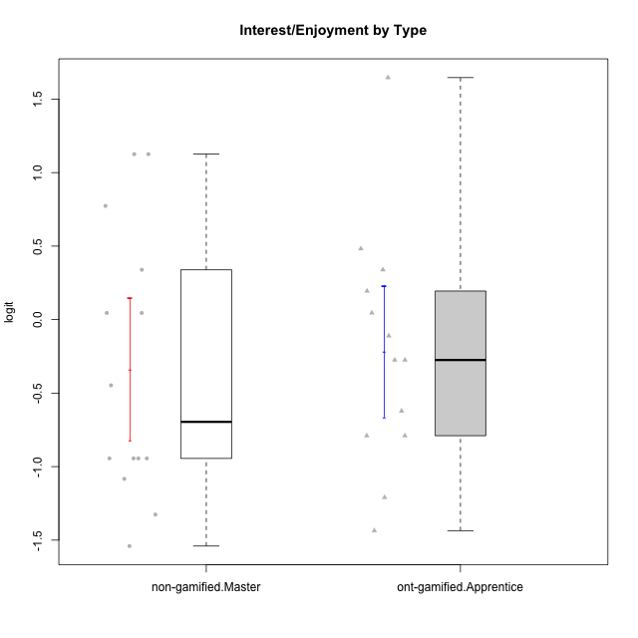

Student's t-Test data
UserID | NroUSP | Type | CLGroup | CLRole | PlayerRole | Interest/Enjoyment | Perceived Choice | Pressure/Tension | Effort/Importance | Intrinsic Motivation
10170 | 10260351 | ont-gamified | Grupo Afrodite | Apprentice | Yee Achiever | 0.33909170565 | 0.81251309803 | -0.91363027987 | 0.21371742061 | 0.56973812604
10172 | 10273971 | non-gamified | Grupo Team 1 | Master |  | 0.33909170565 | 0.010078688627 | -0.91363027987 | -1.2960764082 | -0.0083189335065
10176 | 10276949 | ont-gamified | Grupo Cronus | Apprentice | Yee Achiever | -0.62176572839 | 0.27922605818 | 1.2769315148 | -0.82301683991 | -0.61062200623
10178 | 8656201 | ont-gamified | Grupo Morfeu | Apprentice | Yee Socializer | 0.19438092697 | 0.27922605818 | 0.99020355854 | 0.21371742061 | -0.075719788195
10179 | 10310759 | non-gamified | Grupo Team 9 | Master |  | -0.94401358639 | -1.210479532 | 0.8224933278 | 0.57969939192 | -0.4654507279
10181 | 10276866 | non-gamified | Grupo Team 10 | Master |  | -0.44706097603 | 0.43204236264 | -0.91363027987 | 0.21371742061 | 0.27808227177
10183 | 10352030 | ont-gamified | Grupo Hélio | Apprentice | Yee Socializer | -0.78975287252 | 0.010078688627 | 1.2769315148 | -0.08257998554 | -0.53479642106
10186 | 10310551 | ont-gamified | Grupo Ares | Apprentice | Yee Achiever | -0.11051255329 | 0.60542829398 | 1.4068182928 | 2.112963375 | 0.33599966761
10188 | 10276995 | non-gamified | Grupo Team 3 | Master |  | -0.94401358639 | -0.23096919108 | 0.37211775447 | -0.82301683991 | -0.59252934296
10190 | 10276907 | ont-gamified | Grupo Zeus | Apprentice | Yee Socializer | -0.27485572343 | 0.27922605818 | 0.62480349003 | -1.2960764082 | -0.47912739086
10191 | 10276981 | non-gamified | Grupo Team 6 | Master |  | 0.77354775663 | -0.11298912179 | -0.0073696712261 | -1.0572723105 | -0.097336001102
10195 | 10351971 | ont-gamified | Grupo Urano | Apprentice | Yee Achiever | 0.48203349534 | -0.45618554659 | -0.91363027987 | 0.21371742061 | 0.28829891231
10196 | 10310655 | ont-gamified | Grupo Hefesto | Apprentice | Yee Achiever | -0.78975287252 | -0.67246472837 | -0.91363027987 | 0.58104575034 | 0.0081146073306
10197 | 10276661 | ont-gamified | Grupo Gaia | Apprentice | Yee Achiever | 0.04532479257 | 1.4951814649 | -0.91363027987 | -0.58740121816 | 0.4666838298
10198 | 10310888 | ont-gamified | Grupo Apolo | Apprentice | Yee Socializer | 1.6465049901 | 1.7454889569 | -0.91363027987 | 2.112963375 | 1.2184175745
10209 | 10262669 | ont-gamified | Grupo Artemis | Apprentice | Yee Achiever | -1.4355957758 | -1.3020766724 | -0.91363027987 | 2.112963375 | -0.23281615393
10211 | 9311643 | non-gamified | Grupo Team 2 | Master |  | 1.1257867718 | -1.3237490316 | 0.8224933278 | -2.2257330717 | -0.84504088772
10212 | 9065750 | non-gamified | Grupo Team 4 | Master |  | 1.1257867718 | 0.43204236264 | 1.1395172339 | 0.21371742061 | 0.25035108724
10214 | 10277022 | non-gamified | Grupo Team 5 | Master |  | -1.5404013327 | -0.88530121499 | 0.8224933278 | -1.2960764082 | -1.1360680709
10216 | 10276720 | non-gamified | Grupo Team 15 | Master |  | 0.04532479257 | 0.81251309803 | -0.0073696712261 | 0.57969939192 | 0.36156332804
10217 | 9805341 | non-gamified | Grupo Team 13 | Master |  | -0.94401358639 | 1.4951814649 | -0.91363027987 | -0.08257998554 | 0.34555454321
10219 | 10276831 | non-gamified | Grupo Team 12 | Master |  | -1.0832226321 | -0.45618554659 | -0.91363027987 | -1.2960764082 | -0.48046357674
10221 | 9082496 | ont-gamified | Grupo Hermes | Apprentice | Yee Achiever | -0.27485572343 | 0.010078688627 | -0.91363027987 | 0.58104575034 | 0.30747474885
10226 | 10310342 | non-gamified | Grupo Team 8 | Master |  | -0.94401358639 | -1.3237490316 | 0.37211775447 | 0.57969939192 | -0.38117420949
10234 | 10310676 | non-gamified | Grupo Team 7 | Master |  | -1.326100113 | -0.88530121499 | -0.0073696712261 | -1.2960764082 | -0.87502701624
10237 | 10377688 | non-gamified | Grupo Team 11 | Master |  | 0.04532479257 | 0.010078688627 | -0.91363027987 | -1.0572723105 | -0.022059637352
10240 | 10276654 | ont-gamified | Grupo Hera | Apprentice | Yee Achiever | -1.2095717429 | -1.3020766724 | -0.91363027987 | -0.82301683991 | -0.79108933843

Type_CLRole_5
Student's t-Test for Interest/Enjoyment by Type in Type:CLRole between non-gamified.Master:ont-gamified.Master

Student's t-Test results
Alternative hypothesis: less
Group | N | Mean | Mean.Difference | Std.deviation | Std.error | CI.lower | CI.upper | df | t.value | p.value | g | magnitude
non-gamified.Master | 14 | -0.33699834345 | -0.63903899317 | 0.90857320523 | 0.2428264032 | -0.82265114984 | 0.14865446294 | 26.91732382 | -1.8778639262 | 0.035637296402 | -0.67787913818 | medium
ont-gamified.Master | 15 | 0.30204064972 | 0.63903899317 | 0.9233643609 | 0.23841165282 | -0.17478265591 | 0.77886395535 | 26.91732382 | -1.8778639262 | 0.035637296402 | -0.67787913818 | medium
Alternative hypothesis: greater
Group | N | Mean | Mean.Difference | Std.deviation | Std.error | CI.lower | CI.upper | df | t.value | p.value | g | magnitude
non-gamified.Master | 14 | -0.33699834345 | -0.63903899317 | 0.90857320523 | 0.2428264032 | -0.82265114984 | 0.14865446294 | 26.91732382 | -1.8778639262 | 0.9643627036 | -0.67787913818 | medium
ont-gamified.Master | 15 | 0.30204064972 | 0.63903899317 | 0.9233643609 | 0.23841165282 | -0.17478265591 | 0.77886395535 | 26.91732382 | -1.8778639262 | 0.9643627036 | -0.67787913818 | medium
Alternative hypothesis: two.sided
Group | N | Mean | Mean.Difference | Std.deviation | Std.error | CI.lower | CI.upper | df | t.value | p.value | g | magnitude
non-gamified.Master | 14 | -0.33699834345 | -0.63903899317 | 0.90857320523 | 0.2428264032 | -0.82265114984 | 0.14865446294 | 26.91732382 | -1.8778639262 | 0.071274592804 | -0.67787913818 | medium
ont-gamified.Master | 15 | 0.30204064972 | 0.63903899317 | 0.9233643609 | 0.23841165282 | -0.17478265591 | 0.77886395535 | 26.91732382 | -1.8778639262 | 0.071274592804 | -0.67787913818 | medium

Box plots for Student's t-Test
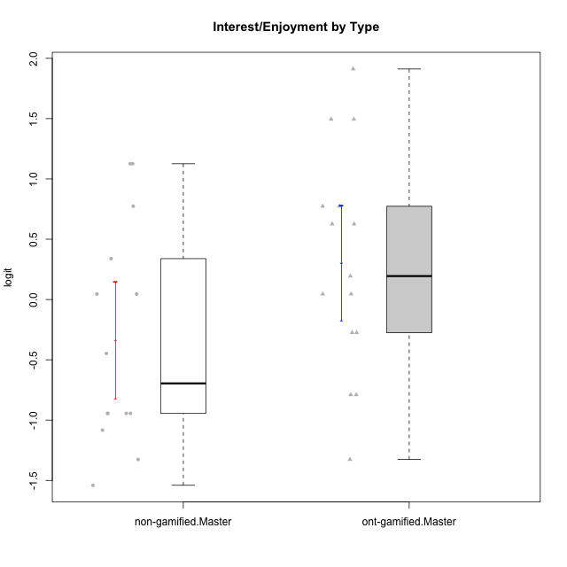

Student's t-Test data
UserID | NroUSP | Type | CLGroup | CLRole | PlayerRole | Interest/Enjoyment | Perceived Choice | Pressure/Tension | Effort/Importance | Intrinsic Motivation
10169 | 10377538 | ont-gamified | Grupo Hefesto | Master | Yee Achiever | 0.77354775663 | -0.34506436271 | 0.8224933278 | 0.21371742061 | -0.045073128315
10172 | 10273971 | non-gamified | Grupo Team 1 | Master |  | 0.33909170565 | 0.010078688627 | -0.91363027987 | -1.2960764082 | -0.0083189335065
10174 | 10276852 | ont-gamified | Grupo Urano | Master | Yee Achiever | 0.04532479257 | -0.56508989585 | -0.0073696712261 | 1.1151835345 | 0.15069702562
10175 | 10310700 | ont-gamified | Grupo Hélio | Master | Yee Socializer | 0.77354775663 | 1.7454889569 | -0.91363027987 | -0.58740121816 | 0.81121714881
10179 | 10310759 | non-gamified | Grupo Team 9 | Master |  | -0.94401358639 | -1.210479532 | 0.8224933278 | 0.57969939192 | -0.4654507279
10181 | 10276866 | non-gamified | Grupo Team 10 | Master |  | -0.44706097603 | 0.43204236264 | -0.91363027987 | 0.21371742061 | 0.27808227177
10184 | 10276675 | ont-gamified | Grupo Apolo | Master | Yee Socializer | -0.27485572343 | 0.13995114232 | 0.99020355854 | 1.1151835345 | -0.0024811512813
10188 | 10276995 | non-gamified | Grupo Team 3 | Master |  | -0.94401358639 | -0.23096919108 | 0.37211775447 | -0.82301683991 | -0.59252934296
10189 | 9363926 | ont-gamified | Grupo Hades | Master | Yee Socializer | -0.78975287252 | -0.11298912179 | 1.6580383299 | 0.58104575034 | -0.49493364347
10191 | 10276981 | non-gamified | Grupo Team 6 | Master |  | 0.77354775663 | -0.11298912179 | -0.0073696712261 | -1.0572723105 | -0.097336001102
10193 | 10276762 | ont-gamified | Grupo Afrodite | Master | Yee Achiever | 0.04532479257 | -0.56508989585 | -0.0073696712261 | -0.82301683991 | -0.33385306799
10199 | 10276737 | ont-gamified | Grupo Gaia | Master | Yee Achiever | -0.78975287252 | 1.7454889569 | 1.2769315148 | -0.82301683991 | -0.10207539477
10201 | 10276928 | ont-gamified | Grupo Caronte | Master | Yee Achiever | 1.4951617996 | 0.27922605818 | 0.8224933278 | 1.8670095161 | 0.80194893812
10204 | 10310471 | ont-gamified | Grupo Hermes | Master | Yee Achiever | 1.9117264103 | 0.60542829398 | -0.91363027987 | 0.21371742061 | 0.81121714881
10206 | 10310721 | ont-gamified | Grupo Hera | Master | Yee Achiever | -0.27485572343 | 1.0818912276 | 1.6580383299 | -0.08257998554 | -0.23339570283
10211 | 9311643 | non-gamified | Grupo Team 2 | Master |  | 1.1257867718 | -1.3237490316 | 0.8224933278 | -2.2257330717 | -0.84504088772
10212 | 9065750 | non-gamified | Grupo Team 4 | Master |  | 1.1257867718 | 0.43204236264 | 1.1395172339 | 0.21371742061 | 0.25035108724
10213 | 10277040 | ont-gamified | Grupo Morfeu | Master | Yee Socializer | 0.62587550794 | -0.45618554659 | -0.91363027987 | -1.4395746749 | -0.18410762009
10214 | 10277022 | non-gamified | Grupo Team 5 | Master |  | -1.5404013327 | -0.88530121499 | 0.8224933278 | -1.2960764082 | -1.1360680709
10215 | 9285227 | ont-gamified | Grupo Zeus | Master | Yee Socializer | 0.19438092697 | 1.7454889569 | -0.91363027987 | 0.21371742061 | 0.81121714881
10216 | 10276720 | non-gamified | Grupo Team 15 | Master |  | 0.04532479257 | 0.81251309803 | -0.0073696712261 | 0.57969939192 | 0.36156332804
10217 | 9805341 | non-gamified | Grupo Team 13 | Master |  | -0.94401358639 | 1.4951814649 | -0.91363027987 | -0.08257998554 | 0.34555454321
10218 | 9842913 | ont-gamified | Grupo Ares | Master | Yee Achiever | -1.326100113 | 0.010078688627 | 1.6580383299 | 0.58104575034 | -0.59825350099
10219 | 10276831 | non-gamified | Grupo Team 12 | Master |  | -1.0832226321 | -0.45618554659 | -0.91363027987 | -1.2960764082 | -0.48046357674
10223 | 9795185 | ont-gamified | Grupo Cronus | Master | Yee Achiever | 1.4951617996 | 0.81251309803 | -0.0073696712261 | -0.34384769996 | 0.49279921722
10226 | 10310342 | non-gamified | Grupo Team 8 | Master |  | -0.94401358639 | -1.3237490316 | 0.37211775447 | 0.57969939192 | -0.38117420949
10232 | 10276974 | ont-gamified | Grupo Artemis | Master | Yee Achiever | 0.62587550794 | -0.11298912179 | 1.4068182928 | 0.21371742061 | -0.1700536215
10234 | 10310676 | non-gamified | Grupo Team 7 | Master |  | -1.326100113 | -0.88530121499 | -0.0073696712261 | -1.2960764082 | -0.87502701624
10237 | 10377688 | non-gamified | Grupo Team 11 | Master |  | 0.04532479257 | 0.010078688627 | -0.91363027987 | -1.0572723105 | -0.022059637352

Type_CLRole_6
Student's t-Test for Interest/Enjoyment by Type in Type:CLRole between ont-gamified.Apprentice:ont-gamified.Master

Student's t-Test results
Alternative hypothesis: less
Group | N | Mean | Mean.Difference | Std.deviation | Std.error | CI.lower | CI.upper | df | t.value | p.value | g | magnitude
ont-gamified.Apprentice | 13 | -0.21533285243 | -0.51737350215 | 0.80708759174 | 0.22384582276 | -0.66302449795 | 0.23235879308 | 25.994900144 | -1.5820483044 | 0.062865410655 | -0.57628312371 | medium
ont-gamified.Master | 15 | 0.30204064972 | 0.51737350215 | 0.9233643609 | 0.23841165282 | -0.17478265591 | 0.77886395535 | 25.994900144 | -1.5820483044 | 0.062865410655 | -0.57628312371 | medium
Alternative hypothesis: greater
Group | N | Mean | Mean.Difference | Std.deviation | Std.error | CI.lower | CI.upper | df | t.value | p.value | g | magnitude
ont-gamified.Apprentice | 13 | -0.21533285243 | -0.51737350215 | 0.80708759174 | 0.22384582276 | -0.66302449795 | 0.23235879308 | 25.994900144 | -1.5820483044 | 0.93713458934 | -0.57628312371 | medium
ont-gamified.Master | 15 | 0.30204064972 | 0.51737350215 | 0.9233643609 | 0.23841165282 | -0.17478265591 | 0.77886395535 | 25.994900144 | -1.5820483044 | 0.93713458934 | -0.57628312371 | medium
Alternative hypothesis: two.sided
Group | N | Mean | Mean.Difference | Std.deviation | Std.error | CI.lower | CI.upper | df | t.value | p.value | g | magnitude
ont-gamified.Apprentice | 13 | -0.21533285243 | -0.51737350215 | 0.80708759174 | 0.22384582276 | -0.66302449795 | 0.23235879308 | 25.994900144 | -1.5820483044 | 0.12573082131 | -0.57628312371 | medium
ont-gamified.Master | 15 | 0.30204064972 | 0.51737350215 | 0.9233643609 | 0.23841165282 | -0.17478265591 | 0.77886395535 | 25.994900144 | -1.5820483044 | 0.12573082131 | -0.57628312371 | medium

Box plots for Student's t-Test


Student's t-Test data
UserID | NroUSP | Type | CLGroup | CLRole | PlayerRole | Interest/Enjoyment | Perceived Choice | Pressure/Tension | Effort/Importance | Intrinsic Motivation
10169 | 10377538 | ont-gamified | Grupo Hefesto | Master | Yee Achiever | 0.77354775663 | -0.34506436271 | 0.8224933278 | 0.21371742061 | -0.045073128315
10170 | 10260351 | ont-gamified | Grupo Afrodite | Apprentice | Yee Achiever | 0.33909170565 | 0.81251309803 | -0.91363027987 | 0.21371742061 | 0.56973812604
10174 | 10276852 | ont-gamified | Grupo Urano | Master | Yee Achiever | 0.04532479257 | -0.56508989585 | -0.0073696712261 | 1.1151835345 | 0.15069702562
10175 | 10310700 | ont-gamified | Grupo Hélio | Master | Yee Socializer | 0.77354775663 | 1.7454889569 | -0.91363027987 | -0.58740121816 | 0.81121714881
10176 | 10276949 | ont-gamified | Grupo Cronus | Apprentice | Yee Achiever | -0.62176572839 | 0.27922605818 | 1.2769315148 | -0.82301683991 | -0.61062200623
10178 | 8656201 | ont-gamified | Grupo Morfeu | Apprentice | Yee Socializer | 0.19438092697 | 0.27922605818 | 0.99020355854 | 0.21371742061 | -0.075719788195
10183 | 10352030 | ont-gamified | Grupo Hélio | Apprentice | Yee Socializer | -0.78975287252 | 0.010078688627 | 1.2769315148 | -0.08257998554 | -0.53479642106
10184 | 10276675 | ont-gamified | Grupo Apolo | Master | Yee Socializer | -0.27485572343 | 0.13995114232 | 0.99020355854 | 1.1151835345 | -0.0024811512813
10186 | 10310551 | ont-gamified | Grupo Ares | Apprentice | Yee Achiever | -0.11051255329 | 0.60542829398 | 1.4068182928 | 2.112963375 | 0.33599966761
10189 | 9363926 | ont-gamified | Grupo Hades | Master | Yee Socializer | -0.78975287252 | -0.11298912179 | 1.6580383299 | 0.58104575034 | -0.49493364347
10190 | 10276907 | ont-gamified | Grupo Zeus | Apprentice | Yee Socializer | -0.27485572343 | 0.27922605818 | 0.62480349003 | -1.2960764082 | -0.47912739086
10193 | 10276762 | ont-gamified | Grupo Afrodite | Master | Yee Achiever | 0.04532479257 | -0.56508989585 | -0.0073696712261 | -0.82301683991 | -0.33385306799
10195 | 10351971 | ont-gamified | Grupo Urano | Apprentice | Yee Achiever | 0.48203349534 | -0.45618554659 | -0.91363027987 | 0.21371742061 | 0.28829891231
10196 | 10310655 | ont-gamified | Grupo Hefesto | Apprentice | Yee Achiever | -0.78975287252 | -0.67246472837 | -0.91363027987 | 0.58104575034 | 0.0081146073306
10197 | 10276661 | ont-gamified | Grupo Gaia | Apprentice | Yee Achiever | 0.04532479257 | 1.4951814649 | -0.91363027987 | -0.58740121816 | 0.4666838298
10198 | 10310888 | ont-gamified | Grupo Apolo | Apprentice | Yee Socializer | 1.6465049901 | 1.7454889569 | -0.91363027987 | 2.112963375 | 1.2184175745
10199 | 10276737 | ont-gamified | Grupo Gaia | Master | Yee Achiever | -0.78975287252 | 1.7454889569 | 1.2769315148 | -0.82301683991 | -0.10207539477
10201 | 10276928 | ont-gamified | Grupo Caronte | Master | Yee Achiever | 1.4951617996 | 0.27922605818 | 0.8224933278 | 1.8670095161 | 0.80194893812
10204 | 10310471 | ont-gamified | Grupo Hermes | Master | Yee Achiever | 1.9117264103 | 0.60542829398 | -0.91363027987 | 0.21371742061 | 0.81121714881
10206 | 10310721 | ont-gamified | Grupo Hera | Master | Yee Achiever | -0.27485572343 | 1.0818912276 | 1.6580383299 | -0.08257998554 | -0.23339570283
10209 | 10262669 | ont-gamified | Grupo Artemis | Apprentice | Yee Achiever | -1.4355957758 | -1.3020766724 | -0.91363027987 | 2.112963375 | -0.23281615393
10213 | 10277040 | ont-gamified | Grupo Morfeu | Master | Yee Socializer | 0.62587550794 | -0.45618554659 | -0.91363027987 | -1.4395746749 | -0.18410762009
10215 | 9285227 | ont-gamified | Grupo Zeus | Master | Yee Socializer | 0.19438092697 | 1.7454889569 | -0.91363027987 | 0.21371742061 | 0.81121714881
10218 | 9842913 | ont-gamified | Grupo Ares | Master | Yee Achiever | -1.326100113 | 0.010078688627 | 1.6580383299 | 0.58104575034 | -0.59825350099
10221 | 9082496 | ont-gamified | Grupo Hermes | Apprentice | Yee Achiever | -0.27485572343 | 0.010078688627 | -0.91363027987 | 0.58104575034 | 0.30747474885
10223 | 9795185 | ont-gamified | Grupo Cronus | Master | Yee Achiever | 1.4951617996 | 0.81251309803 | -0.0073696712261 | -0.34384769996 | 0.49279921722
10232 | 10276974 | ont-gamified | Grupo Artemis | Master | Yee Achiever | 0.62587550794 | -0.11298912179 | 1.4068182928 | 0.21371742061 | -0.1700536215
10240 | 10276654 | ont-gamified | Grupo Hera | Apprentice | Yee Achiever | -1.2095717429 | -1.3020766724 | -0.91363027987 | -0.82301683991 | -0.79108933843

