Type_1
Wilcoxon Analysis for Intrinsic Motivation by Type in Type between non-gamified:ont-gamified

Wilcoxon test results
Alternative hypothesis: less
Group | N | Median | Mean.Ranks | Sum.Ranks | U | Z | p.value | r | magnitude
non-gamified | 30 | -0.4233124687 | 24.6 | 738 | 273 | -2.6168432992 | 0.0041915762939 | 0.33783301725 | medium
ont-gamified | 30 | 0.0028167280246 | 36.4 | 1092 | 273 | -2.6168432992 | 0.0041915762939 | 0.33783301725 | medium
Alternative hypothesis: greater
Group | N | Median | Mean.Ranks | Sum.Ranks | U | Z | p.value | r | magnitude
non-gamified | 30 | -0.4233124687 | 24.6 | 738 | 273 | -2.6168432992 | 0.99599610388 | 0.33783301725 | medium
ont-gamified | 30 | 0.0028167280246 | 36.4 | 1092 | 273 | -2.6168432992 | 0.99599610388 | 0.33783301725 | medium
Alternative hypothesis: two.sided
Group | N | Median | Mean.Ranks | Sum.Ranks | U | Z | p.value | r | magnitude
non-gamified | 30 | -0.4233124687 | 24.6 | 738 | 273 | -2.6168432992 | 0.0083831525878 | 0.33783301725 | medium
ont-gamified | 30 | 0.0028167280246 | 36.4 | 1092 | 273 | -2.6168432992 | 0.0083831525878 | 0.33783301725 | medium

Box plots for wilcoxon tests
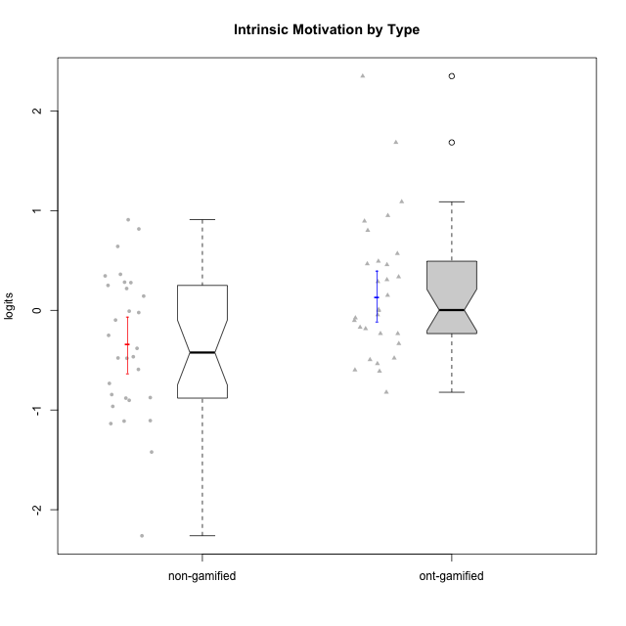

Wilcoxon data
UserID | NroUSP | Type | CLGroup | CLRole | PlayerRole | Score | theta | error | Outfit | Infit | Intrinsic Motivation
10169 | 10377538 | ont-gamified | Grupo Hefesto | Master | Yee Achiever | 76 | -0.045073128315 | 0.18794064716 | 0.88829254278 | 0.8841381495 | -0.045073128315
10170 | 10260351 | ont-gamified | Grupo Afrodite | Apprentice | Yee Achiever | 85 | 0.56973812604 | 0.21610371104 | 0.33090078567 | 0.3405091291 | 0.56973812604
10171 | 698531 | non-gamified | Grupo Team 6 | Apprentice |  | 85 | 0.28259495124 | 0.21610371104 | 0.56755683096 | 0.58471039603 | 0.28259495124
10172 | 10273971 | non-gamified | Grupo Team 1 | Master |  | 74 | -0.0083189335065 | 0.1841651741 | 0.99888709868 | 0.73475168406 | -0.0083189335065
10174 | 10276852 | ont-gamified | Grupo Urano | Master | Yee Achiever | 75 | 0.15069702562 | 0.18597850835 | 0.46746766048 | 0.45964030832 | 0.15069702562
10175 | 10310700 | ont-gamified | Grupo Hélio | Master | Yee Socializer | 88 | 0.89529411662 | 0.23302539137 | 2.1598474425 | 1.1955530353 | 0.89529411662
10176 | 10276949 | ont-gamified | Grupo Cronus | Apprentice | Yee Achiever | 68 | -0.61062200623 | 0.17573858937 | 0.65111304072 | 0.70199966168 | -0.61062200623
10178 | 8656201 | ont-gamified | Grupo Morfeu | Apprentice | Yee Socializer | 78 | -0.075719788195 | 0.19237893033 | 0.55415302617 | 0.39247110171 | -0.075719788195
10179 | 10310759 | non-gamified | Grupo Team 9 | Master |  | 60 | -0.4654507279 | 0.16906788993 | 0.51312056739 | 0.53224980319 | -0.4654507279
10181 | 10276866 | non-gamified | Grupo Team 10 | Master |  | 78 | 0.27808227177 | 0.19237893033 | 0.66908101017 | 0.74253028446 | 0.27808227177
10183 | 10352030 | ont-gamified | Grupo Hélio | Apprentice | Yee Socializer | 67 | -0.53479642106 | 0.17466132218 | 0.44110131523 | 0.43617474646 | -0.53479642106
10184 | 10276675 | ont-gamified | Grupo Apolo | Master | Yee Socializer | 77 | -0.0024811512813 | 0.19006785158 | 0.66155190865 | 0.64810072452 | -0.0024811512813
10185 | 10276960 | non-gamified | Grupo Team 12 | Apprentice |  | 61 | -0.73311188627 | 0.16967855588 | 0.15940697673 | 0.1409109928 | -0.73311188627
10186 | 10310551 | ont-gamified | Grupo Ares | Apprentice | Yee Achiever | 79 | 0.33599966761 | 0.19489570597 | 1.2714941553 | 1.1064732148 | 0.33599966761
10187 | 9790781 | non-gamified | Grupo Team 15 | Apprentice |  | 92 | 0.90913447293 | 0.2690259308 | 2.90643733 | 1.8914314652 | 0.90913447293
10188 | 10276995 | non-gamified | Grupo Team 3 | Master |  | 65 | -0.59252934296 | 0.17273263916 | 0.26097560311 | 0.24758611293 | -0.59252934296
10189 | 9363926 | ont-gamified | Grupo Hades | Master | Yee Socializer | 65 | -0.49493364347 | 0.17273263916 | 1.2133735985 | 1.0099612925 | -0.49493364347
10190 | 10276907 | ont-gamified | Grupo Zeus | Apprentice | Yee Socializer | 70 | -0.47912739086 | 0.1781445906 | 0.69735980771 | 0.7742531083 | -0.47912739086
10191 | 10276981 | non-gamified | Grupo Team 6 | Master |  | 76 | -0.097336001102 | 0.18794064716 | 1.0743929376 | 1.1612511571 | -0.097336001102
10192 | 10276682 | non-gamified | Grupo Team 5 | Apprentice |  | 76 | 0.14303845959 | 0.18794064716 | 1.9896429396 | 2.2850476411 | 0.14303845959
10193 | 10276762 | ont-gamified | Grupo Afrodite | Master | Yee Achiever | 69 | -0.33385306799 | 0.17689769622 | 0.46343942421 | 0.47286519248 | -0.33385306799
10195 | 10351971 | ont-gamified | Grupo Urano | Apprentice | Yee Achiever | 77 | 0.28829891231 | 0.19006785158 | 0.47733163788 | 0.41689336206 | 0.28829891231
10196 | 10310655 | ont-gamified | Grupo Hefesto | Apprentice | Yee Achiever | 68 | 0.0081146073306 | 0.17573858937 | 0.96021066278 | 0.99924601614 | 0.0081146073306
10197 | 10276661 | ont-gamified | Grupo Gaia | Apprentice | Yee Achiever | 82 | 0.4666838298 | 0.20395701014 | 1.2491708762 | 1.2590554475 | 0.4666838298
10198 | 10310888 | ont-gamified | Grupo Apolo | Apprentice | Yee Socializer | 102 | 2.3495703688 | 1.3515897714 | 0.030335306237 | 0.034354586 | 2.3495703688
10199 | 10276737 | ont-gamified | Grupo Gaia | Master | Yee Achiever | 75 | -0.10207539477 | 0.18597850835 | 1.5028568475 | 1.5487020952 | -0.10207539477
10200 | 9795272 | ont-gamified | Grupo Hades | Apprentice | Yee Socializer | 84 | 0.45786738748 | 0.21162805931 | 1.0494682133 | 0.7553349259 | 0.45786738748
10201 | 10276928 | ont-gamified | Grupo Caronte | Master | Yee Achiever | 89 | 0.80194893812 | 0.24020894769 | 1.1810097074 | 0.67104168004 | 0.80194893812
10202 | 10277036 | non-gamified | Grupo Team 11 | Apprentice |  | 53 | -1.110958985 | 0.16638086431 | 1.6129294561 | 1.4572726967 | -1.110958985
10203 | 9921470 | non-gamified | Grupo Team 3 | Apprentice |  | 76 | 0.21899990174 | 0.18794064716 | 2.4273599941 | 2.880470167 | 0.21899990174
10204 | 10310471 | ont-gamified | Grupo Hermes | Master | Yee Achiever | 94 | 1.0893706995 | 0.29788887788 | 1.0188428427 | 1.0772066878 | 1.0893706995
10206 | 10310721 | ont-gamified | Grupo Hera | Master | Yee Achiever | 76 | -0.23339570283 | 0.18794064716 | 0.80176984984 | 0.67364438284 | -0.23339570283
10208 | 10276932 | non-gamified | Grupo Team 7 | Apprentice |  | 88 | 0.81655266859 | 0.23302539137 | 1.3686334095 | 1.0711357586 | 0.81655266859
10209 | 10262669 | ont-gamified | Grupo Artemis | Apprentice | Yee Achiever | 51 | -0.23281615393 | 0.16611937436 | 1.6756595511 | 1.7096100866 | -0.23281615393
10210 | 10277015 | non-gamified | Grupo Team 9 | Apprentice |  | 49 | -0.90251191367 | 0.16608989533 | 1.1565122504 | 1.1223156789 | -0.90251191367
10211 | 9311643 | non-gamified | Grupo Team 2 | Master |  | 60 | -0.84504088772 | 0.16906788993 | 1.8445765718 | 1.9275200348 | -0.84504088772
10212 | 9065750 | non-gamified | Grupo Team 4 | Master |  | 85 | 0.25035108724 | 0.21610371104 | 1.1368215064 | 0.86674939371 | 0.25035108724
10213 | 10277040 | ont-gamified | Grupo Morfeu | Master | Yee Socializer | 70 | -0.18410762009 | 0.1781445906 | 1.6031430842 | 1.6808159606 | -0.18410762009
10214 | 10277022 | non-gamified | Grupo Team 5 | Master |  | 52 | -1.1360680709 | 0.16622153511 | 0.4196252268 | 0.39676674847 | -1.1360680709
10215 | 9285227 | ont-gamified | Grupo Zeus | Master | Yee Socializer | 87 | 0.9507820689 | 0.22670210679 | 0.98330477887 | 0.95232507992 | 0.9507820689
10216 | 10276720 | non-gamified | Grupo Team 15 | Master |  | 83 | 0.36156332804 | 0.20759905733 | 1.1139683407 | 1.3422105805 | 0.36156332804
10217 | 9805341 | non-gamified | Grupo Team 13 | Master |  | 78 | 0.34555454321 | 0.19237893033 | 0.9645387826 | 1.0902472726 | 0.34555454321
10218 | 9842913 | ont-gamified | Grupo Ares | Master | Yee Achiever | 64 | -0.59825350099 | 0.17187317858 | 0.81164522226 | 0.79391467183 | -0.59825350099
10219 | 10276831 | non-gamified | Grupo Team 12 | Master |  | 61 | -0.48046357674 | 0.16967855588 | 0.45389464133 | 0.42654764046 | -0.48046357674
10220 | 9760151 | non-gamified | Grupo Team 2 | Apprentice |  | 87 | 0.64143407661 | 0.22670210679 | 1.1404929879 | 1.366959754 | 0.64143407661
10221 | 9082496 | ont-gamified | Grupo Hermes | Apprentice | Yee Achiever | 77 | 0.30747474885 | 0.19006785158 | 0.35296930394 | 0.32006459217 | 0.30747474885
10222 | 9436110 | non-gamified | Grupo Team 16 | Master |  | 25 | -2.2615758942 | 0.19018364281 | 0.77910045366 | 0.81109353952 | -2.2615758942
10223 | 9795185 | ont-gamified | Grupo Cronus | Master | Yee Achiever | 89 | 0.49279921722 | 0.24020894769 | 0.73775698471 | 0.46616036013 | 0.49279921722
10224 | 9368772 | non-gamified | Grupo Team 10 | Apprentice |  | 68 | -0.25070987018 | 0.17573858937 | 1.9651595686 | 2.0396620551 | -0.25070987018
10226 | 10310342 | non-gamified | Grupo Team 8 | Master |  | 60 | -0.38117420949 | 0.16906788993 | 0.8409141291 | 0.83545297485 | -0.38117420949
10227 | 9274382 | non-gamified | Grupo Team 4 | Apprentice |  | 45 | -1.4213792125 | 0.1667625014 | 0.7427808257 | 0.72930024398 | -1.4213792125
10228 | 10310492 | non-gamified | Grupo Team 14 | Apprentice |  | 66 | -0.47782584329 | 0.17366079053 | 0.52170991431 | 0.40629773885 | -0.47782584329
10230 | 10351992 | non-gamified | Grupo Team 14 | Master |  | 59 | -0.96343242692 | 0.16851516908 | 1.5443470813 | 1.6067903321 | -0.96343242692
10231 | 10276911 | ont-gamified | Grupo Caronte | Apprentice | Yee Achiever | 99 | 1.6843019549 | 0.47551070315 | 0.87423630518 | 0.97515617027 | 1.6843019549
10232 | 10276974 | ont-gamified | Grupo Artemis | Master | Yee Achiever | 79 | -0.1700536215 | 0.19489570597 | 0.47683176579 | 0.52801431274 | -0.1700536215
10233 | 9805320 | non-gamified | Grupo Team 16 | Apprentice |  | 50 | -0.88062098869 | 0.16607517642 | 0.71228082278 | 0.7153121108 | -0.88062098869
10234 | 10310676 | non-gamified | Grupo Team 7 | Master |  | 54 | -0.87502701624 | 0.16659673329 | 0.80808339574 | 0.81779697124 | -0.87502701624
10237 | 10377688 | non-gamified | Grupo Team 11 | Master |  | 73 | -0.022059637352 | 0.18248655468 | 0.79208366621 | 0.85866852809 | -0.022059637352
10238 | 10276953 | non-gamified | Grupo Team 13 | Apprentice |  | 49 | -1.1062034086 | 0.16608989533 | 0.8251253062 | 0.77125394099 | -1.1062034086
10240 | 10276654 | ont-gamified | Grupo Hera | Apprentice | Yee Achiever | 48 | -0.82181725158 | 0.16616464156 | 0.94832257651 | 0.94342214743 | -0.82181725158

Type_CLRole_1
Wilcoxon Analysis for Intrinsic Motivation by Type in Type:CLRole between non-gamified.Apprentice:non-gamified.Master

Wilcoxon test results
Alternative hypothesis: less
Group | N | Median | Mean.Ranks | Sum.Ranks | U | Z | p.value | r | magnitude
non-gamified.Apprentice | 14 | -0.36426785673 | 15.928571429 | 223 | 118 | 0.24942329796 | 0.60494649132 | 0.045538255554 | none
non-gamified.Master | 16 | -0.4233124687 | 15.125 | 242 | 118 | 0.24942329796 | 0.60494649132 | 0.045538255554 | none
Alternative hypothesis: greater
Group | N | Median | Mean.Ranks | Sum.Ranks | U | Z | p.value | r | magnitude
non-gamified.Apprentice | 14 | -0.36426785673 | 15.928571429 | 223 | 118 | 0.24942329796 | 0.41091259668 | 0.045538255554 | none
non-gamified.Master | 16 | -0.4233124687 | 15.125 | 242 | 118 | 0.24942329796 | 0.41091259668 | 0.045538255554 | none
Alternative hypothesis: two.sided
Group | N | Median | Mean.Ranks | Sum.Ranks | U | Z | p.value | r | magnitude
non-gamified.Apprentice | 14 | -0.36426785673 | 15.928571429 | 223 | 118 | 0.24942329796 | 0.82182519335 | 0.045538255554 | none
non-gamified.Master | 16 | -0.4233124687 | 15.125 | 242 | 118 | 0.24942329796 | 0.82182519335 | 0.045538255554 | none

Box plots for wilcoxon tests
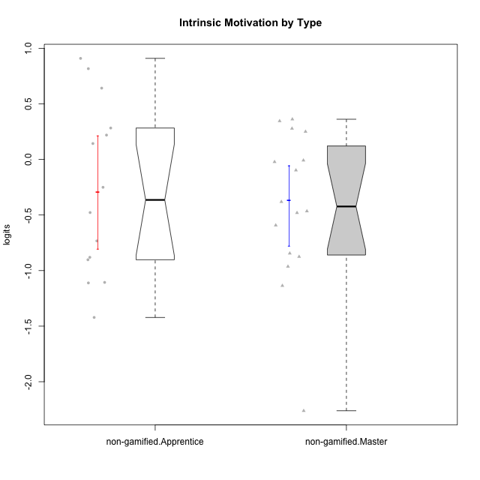

Wilcoxon data
UserID | NroUSP | Type | CLGroup | CLRole | PlayerRole | Score | theta | error | Outfit | Infit | Intrinsic Motivation
10171 | 698531 | non-gamified | Grupo Team 6 | Apprentice |  | 85 | 0.28259495124 | 0.21610371104 | 0.56755683096 | 0.58471039603 | 0.28259495124
10172 | 10273971 | non-gamified | Grupo Team 1 | Master |  | 74 | -0.0083189335065 | 0.1841651741 | 0.99888709868 | 0.73475168406 | -0.0083189335065
10179 | 10310759 | non-gamified | Grupo Team 9 | Master |  | 60 | -0.4654507279 | 0.16906788993 | 0.51312056739 | 0.53224980319 | -0.4654507279
10181 | 10276866 | non-gamified | Grupo Team 10 | Master |  | 78 | 0.27808227177 | 0.19237893033 | 0.66908101017 | 0.74253028446 | 0.27808227177
10185 | 10276960 | non-gamified | Grupo Team 12 | Apprentice |  | 61 | -0.73311188627 | 0.16967855588 | 0.15940697673 | 0.1409109928 | -0.73311188627
10187 | 9790781 | non-gamified | Grupo Team 15 | Apprentice |  | 92 | 0.90913447293 | 0.2690259308 | 2.90643733 | 1.8914314652 | 0.90913447293
10188 | 10276995 | non-gamified | Grupo Team 3 | Master |  | 65 | -0.59252934296 | 0.17273263916 | 0.26097560311 | 0.24758611293 | -0.59252934296
10191 | 10276981 | non-gamified | Grupo Team 6 | Master |  | 76 | -0.097336001102 | 0.18794064716 | 1.0743929376 | 1.1612511571 | -0.097336001102
10192 | 10276682 | non-gamified | Grupo Team 5 | Apprentice |  | 76 | 0.14303845959 | 0.18794064716 | 1.9896429396 | 2.2850476411 | 0.14303845959
10202 | 10277036 | non-gamified | Grupo Team 11 | Apprentice |  | 53 | -1.110958985 | 0.16638086431 | 1.6129294561 | 1.4572726967 | -1.110958985
10203 | 9921470 | non-gamified | Grupo Team 3 | Apprentice |  | 76 | 0.21899990174 | 0.18794064716 | 2.4273599941 | 2.880470167 | 0.21899990174
10208 | 10276932 | non-gamified | Grupo Team 7 | Apprentice |  | 88 | 0.81655266859 | 0.23302539137 | 1.3686334095 | 1.0711357586 | 0.81655266859
10210 | 10277015 | non-gamified | Grupo Team 9 | Apprentice |  | 49 | -0.90251191367 | 0.16608989533 | 1.1565122504 | 1.1223156789 | -0.90251191367
10211 | 9311643 | non-gamified | Grupo Team 2 | Master |  | 60 | -0.84504088772 | 0.16906788993 | 1.8445765718 | 1.9275200348 | -0.84504088772
10212 | 9065750 | non-gamified | Grupo Team 4 | Master |  | 85 | 0.25035108724 | 0.21610371104 | 1.1368215064 | 0.86674939371 | 0.25035108724
10214 | 10277022 | non-gamified | Grupo Team 5 | Master |  | 52 | -1.1360680709 | 0.16622153511 | 0.4196252268 | 0.39676674847 | -1.1360680709
10216 | 10276720 | non-gamified | Grupo Team 15 | Master |  | 83 | 0.36156332804 | 0.20759905733 | 1.1139683407 | 1.3422105805 | 0.36156332804
10217 | 9805341 | non-gamified | Grupo Team 13 | Master |  | 78 | 0.34555454321 | 0.19237893033 | 0.9645387826 | 1.0902472726 | 0.34555454321
10219 | 10276831 | non-gamified | Grupo Team 12 | Master |  | 61 | -0.48046357674 | 0.16967855588 | 0.45389464133 | 0.42654764046 | -0.48046357674
10220 | 9760151 | non-gamified | Grupo Team 2 | Apprentice |  | 87 | 0.64143407661 | 0.22670210679 | 1.1404929879 | 1.366959754 | 0.64143407661
10222 | 9436110 | non-gamified | Grupo Team 16 | Master |  | 25 | -2.2615758942 | 0.19018364281 | 0.77910045366 | 0.81109353952 | -2.2615758942
10224 | 9368772 | non-gamified | Grupo Team 10 | Apprentice |  | 68 | -0.25070987018 | 0.17573858937 | 1.9651595686 | 2.0396620551 | -0.25070987018
10226 | 10310342 | non-gamified | Grupo Team 8 | Master |  | 60 | -0.38117420949 | 0.16906788993 | 0.8409141291 | 0.83545297485 | -0.38117420949
10227 | 9274382 | non-gamified | Grupo Team 4 | Apprentice |  | 45 | -1.4213792125 | 0.1667625014 | 0.7427808257 | 0.72930024398 | -1.4213792125
10228 | 10310492 | non-gamified | Grupo Team 14 | Apprentice |  | 66 | -0.47782584329 | 0.17366079053 | 0.52170991431 | 0.40629773885 | -0.47782584329
10230 | 10351992 | non-gamified | Grupo Team 14 | Master |  | 59 | -0.96343242692 | 0.16851516908 | 1.5443470813 | 1.6067903321 | -0.96343242692
10233 | 9805320 | non-gamified | Grupo Team 16 | Apprentice |  | 50 | -0.88062098869 | 0.16607517642 | 0.71228082278 | 0.7153121108 | -0.88062098869
10234 | 10310676 | non-gamified | Grupo Team 7 | Master |  | 54 | -0.87502701624 | 0.16659673329 | 0.80808339574 | 0.81779697124 | -0.87502701624
10237 | 10377688 | non-gamified | Grupo Team 11 | Master |  | 73 | -0.022059637352 | 0.18248655468 | 0.79208366621 | 0.85866852809 | -0.022059637352
10238 | 10276953 | non-gamified | Grupo Team 13 | Apprentice |  | 49 | -1.1062034086 | 0.16608989533 | 0.8251253062 | 0.77125394099 | -1.1062034086

Type_CLRole_2
Wilcoxon Analysis for Intrinsic Motivation by Type in Type:CLRole between non-gamified.Apprentice:ont-gamified.Apprentice

Wilcoxon test results
Alternative hypothesis: less
Group | N | Median | Mean.Ranks | Sum.Ranks | U | Z | p.value | r | magnitude
non-gamified.Apprentice | 14 | -0.36426785673 | 12.428571429 | 174 | 69 | -1.5711688097 | 0.061262003157 | 0.29175872345 | small
ont-gamified.Apprentice | 15 | 0.28829891231 | 17.4 | 261 | 69 | -1.5711688097 | 0.061262003157 | 0.29175872345 | small
Alternative hypothesis: greater
Group | N | Median | Mean.Ranks | Sum.Ranks | U | Z | p.value | r | magnitude
non-gamified.Apprentice | 14 | -0.36426785673 | 12.428571429 | 174 | 69 | -1.5711688097 | 0.94396510465 | 0.29175872345 | small
ont-gamified.Apprentice | 15 | 0.28829891231 | 17.4 | 261 | 69 | -1.5711688097 | 0.94396510465 | 0.29175872345 | small
Alternative hypothesis: two.sided
Group | N | Median | Mean.Ranks | Sum.Ranks | U | Z | p.value | r | magnitude
non-gamified.Apprentice | 14 | -0.36426785673 | 12.428571429 | 174 | 69 | -1.5711688097 | 0.12252400631 | 0.29175872345 | small
ont-gamified.Apprentice | 15 | 0.28829891231 | 17.4 | 261 | 69 | -1.5711688097 | 0.12252400631 | 0.29175872345 | small

Box plots for wilcoxon tests
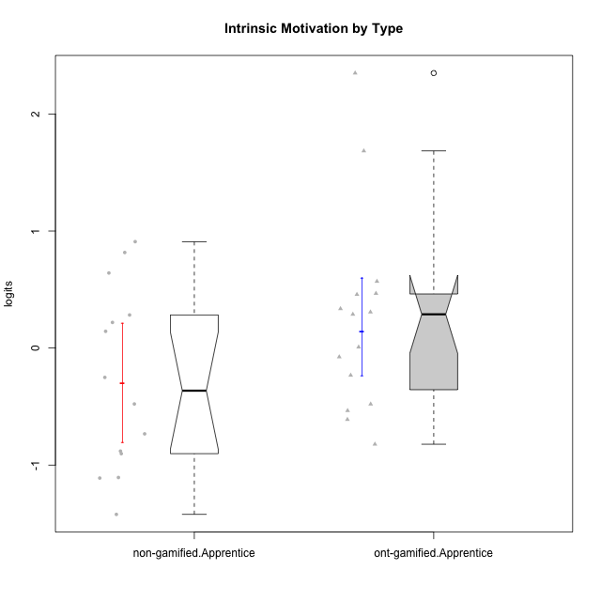

Wilcoxon data
UserID | NroUSP | Type | CLGroup | CLRole | PlayerRole | Score | theta | error | Outfit | Infit | Intrinsic Motivation
10170 | 10260351 | ont-gamified | Grupo Afrodite | Apprentice | Yee Achiever | 85 | 0.56973812604 | 0.21610371104 | 0.33090078567 | 0.3405091291 | 0.56973812604
10171 | 698531 | non-gamified | Grupo Team 6 | Apprentice |  | 85 | 0.28259495124 | 0.21610371104 | 0.56755683096 | 0.58471039603 | 0.28259495124
10176 | 10276949 | ont-gamified | Grupo Cronus | Apprentice | Yee Achiever | 68 | -0.61062200623 | 0.17573858937 | 0.65111304072 | 0.70199966168 | -0.61062200623
10178 | 8656201 | ont-gamified | Grupo Morfeu | Apprentice | Yee Socializer | 78 | -0.075719788195 | 0.19237893033 | 0.55415302617 | 0.39247110171 | -0.075719788195
10183 | 10352030 | ont-gamified | Grupo Hélio | Apprentice | Yee Socializer | 67 | -0.53479642106 | 0.17466132218 | 0.44110131523 | 0.43617474646 | -0.53479642106
10185 | 10276960 | non-gamified | Grupo Team 12 | Apprentice |  | 61 | -0.73311188627 | 0.16967855588 | 0.15940697673 | 0.1409109928 | -0.73311188627
10186 | 10310551 | ont-gamified | Grupo Ares | Apprentice | Yee Achiever | 79 | 0.33599966761 | 0.19489570597 | 1.2714941553 | 1.1064732148 | 0.33599966761
10187 | 9790781 | non-gamified | Grupo Team 15 | Apprentice |  | 92 | 0.90913447293 | 0.2690259308 | 2.90643733 | 1.8914314652 | 0.90913447293
10190 | 10276907 | ont-gamified | Grupo Zeus | Apprentice | Yee Socializer | 70 | -0.47912739086 | 0.1781445906 | 0.69735980771 | 0.7742531083 | -0.47912739086
10192 | 10276682 | non-gamified | Grupo Team 5 | Apprentice |  | 76 | 0.14303845959 | 0.18794064716 | 1.9896429396 | 2.2850476411 | 0.14303845959
10195 | 10351971 | ont-gamified | Grupo Urano | Apprentice | Yee Achiever | 77 | 0.28829891231 | 0.19006785158 | 0.47733163788 | 0.41689336206 | 0.28829891231
10196 | 10310655 | ont-gamified | Grupo Hefesto | Apprentice | Yee Achiever | 68 | 0.0081146073306 | 0.17573858937 | 0.96021066278 | 0.99924601614 | 0.0081146073306
10197 | 10276661 | ont-gamified | Grupo Gaia | Apprentice | Yee Achiever | 82 | 0.4666838298 | 0.20395701014 | 1.2491708762 | 1.2590554475 | 0.4666838298
10198 | 10310888 | ont-gamified | Grupo Apolo | Apprentice | Yee Socializer | 102 | 2.3495703688 | 1.3515897714 | 0.030335306237 | 0.034354586 | 2.3495703688
10200 | 9795272 | ont-gamified | Grupo Hades | Apprentice | Yee Socializer | 84 | 0.45786738748 | 0.21162805931 | 1.0494682133 | 0.7553349259 | 0.45786738748
10202 | 10277036 | non-gamified | Grupo Team 11 | Apprentice |  | 53 | -1.110958985 | 0.16638086431 | 1.6129294561 | 1.4572726967 | -1.110958985
10203 | 9921470 | non-gamified | Grupo Team 3 | Apprentice |  | 76 | 0.21899990174 | 0.18794064716 | 2.4273599941 | 2.880470167 | 0.21899990174
10208 | 10276932 | non-gamified | Grupo Team 7 | Apprentice |  | 88 | 0.81655266859 | 0.23302539137 | 1.3686334095 | 1.0711357586 | 0.81655266859
10209 | 10262669 | ont-gamified | Grupo Artemis | Apprentice | Yee Achiever | 51 | -0.23281615393 | 0.16611937436 | 1.6756595511 | 1.7096100866 | -0.23281615393
10210 | 10277015 | non-gamified | Grupo Team 9 | Apprentice |  | 49 | -0.90251191367 | 0.16608989533 | 1.1565122504 | 1.1223156789 | -0.90251191367
10220 | 9760151 | non-gamified | Grupo Team 2 | Apprentice |  | 87 | 0.64143407661 | 0.22670210679 | 1.1404929879 | 1.366959754 | 0.64143407661
10221 | 9082496 | ont-gamified | Grupo Hermes | Apprentice | Yee Achiever | 77 | 0.30747474885 | 0.19006785158 | 0.35296930394 | 0.32006459217 | 0.30747474885
10224 | 9368772 | non-gamified | Grupo Team 10 | Apprentice |  | 68 | -0.25070987018 | 0.17573858937 | 1.9651595686 | 2.0396620551 | -0.25070987018
10227 | 9274382 | non-gamified | Grupo Team 4 | Apprentice |  | 45 | -1.4213792125 | 0.1667625014 | 0.7427808257 | 0.72930024398 | -1.4213792125
10228 | 10310492 | non-gamified | Grupo Team 14 | Apprentice |  | 66 | -0.47782584329 | 0.17366079053 | 0.52170991431 | 0.40629773885 | -0.47782584329
10231 | 10276911 | ont-gamified | Grupo Caronte | Apprentice | Yee Achiever | 99 | 1.6843019549 | 0.47551070315 | 0.87423630518 | 0.97515617027 | 1.6843019549
10233 | 9805320 | non-gamified | Grupo Team 16 | Apprentice |  | 50 | -0.88062098869 | 0.16607517642 | 0.71228082278 | 0.7153121108 | -0.88062098869
10238 | 10276953 | non-gamified | Grupo Team 13 | Apprentice |  | 49 | -1.1062034086 | 0.16608989533 | 0.8251253062 | 0.77125394099 | -1.1062034086
10240 | 10276654 | ont-gamified | Grupo Hera | Apprentice | Yee Achiever | 48 | -0.82181725158 | 0.16616464156 | 0.94832257651 | 0.94342214743 | -0.82181725158

Type_CLRole_3
Wilcoxon Analysis for Intrinsic Motivation by Type in Type:CLRole between non-gamified.Apprentice:ont-gamified.Master

Wilcoxon test results
Alternative hypothesis: less
Group | N | Median | Mean.Ranks | Sum.Ranks | U | Z | p.value | r | magnitude
non-gamified.Apprentice | 14 | -0.36426785673 | 12.5 | 175 | 70 | -1.5275252317 | 0.066849831018 | 0.28365431447 | small
ont-gamified.Master | 15 | -0.045073128315 | 17.333333333 | 260 | 70 | -1.5275252317 | 0.066849831018 | 0.28365431447 | small
Alternative hypothesis: greater
Group | N | Median | Mean.Ranks | Sum.Ranks | U | Z | p.value | r | magnitude
non-gamified.Apprentice | 14 | -0.36426785673 | 12.5 | 175 | 70 | -1.5275252317 | 0.93873799684 | 0.28365431447 | small
ont-gamified.Master | 15 | -0.045073128315 | 17.333333333 | 260 | 70 | -1.5275252317 | 0.93873799684 | 0.28365431447 | small
Alternative hypothesis: two.sided
Group | N | Median | Mean.Ranks | Sum.Ranks | U | Z | p.value | r | magnitude
non-gamified.Apprentice | 14 | -0.36426785673 | 12.5 | 175 | 70 | -1.5275252317 | 0.13369966204 | 0.28365431447 | small
ont-gamified.Master | 15 | -0.045073128315 | 17.333333333 | 260 | 70 | -1.5275252317 | 0.13369966204 | 0.28365431447 | small

Box plots for wilcoxon tests
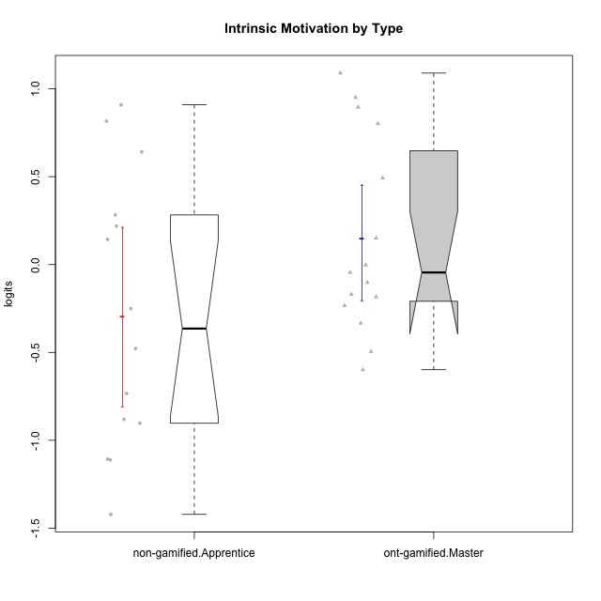

Wilcoxon data
UserID | NroUSP | Type | CLGroup | CLRole | PlayerRole | Score | theta | error | Outfit | Infit | Intrinsic Motivation
10169 | 10377538 | ont-gamified | Grupo Hefesto | Master | Yee Achiever | 76 | -0.045073128315 | 0.18794064716 | 0.88829254278 | 0.8841381495 | -0.045073128315
10171 | 698531 | non-gamified | Grupo Team 6 | Apprentice |  | 85 | 0.28259495124 | 0.21610371104 | 0.56755683096 | 0.58471039603 | 0.28259495124
10174 | 10276852 | ont-gamified | Grupo Urano | Master | Yee Achiever | 75 | 0.15069702562 | 0.18597850835 | 0.46746766048 | 0.45964030832 | 0.15069702562
10175 | 10310700 | ont-gamified | Grupo Hélio | Master | Yee Socializer | 88 | 0.89529411662 | 0.23302539137 | 2.1598474425 | 1.1955530353 | 0.89529411662
10184 | 10276675 | ont-gamified | Grupo Apolo | Master | Yee Socializer | 77 | -0.0024811512813 | 0.19006785158 | 0.66155190865 | 0.64810072452 | -0.0024811512813
10185 | 10276960 | non-gamified | Grupo Team 12 | Apprentice |  | 61 | -0.73311188627 | 0.16967855588 | 0.15940697673 | 0.1409109928 | -0.73311188627
10187 | 9790781 | non-gamified | Grupo Team 15 | Apprentice |  | 92 | 0.90913447293 | 0.2690259308 | 2.90643733 | 1.8914314652 | 0.90913447293
10189 | 9363926 | ont-gamified | Grupo Hades | Master | Yee Socializer | 65 | -0.49493364347 | 0.17273263916 | 1.2133735985 | 1.0099612925 | -0.49493364347
10192 | 10276682 | non-gamified | Grupo Team 5 | Apprentice |  | 76 | 0.14303845959 | 0.18794064716 | 1.9896429396 | 2.2850476411 | 0.14303845959
10193 | 10276762 | ont-gamified | Grupo Afrodite | Master | Yee Achiever | 69 | -0.33385306799 | 0.17689769622 | 0.46343942421 | 0.47286519248 | -0.33385306799
10199 | 10276737 | ont-gamified | Grupo Gaia | Master | Yee Achiever | 75 | -0.10207539477 | 0.18597850835 | 1.5028568475 | 1.5487020952 | -0.10207539477
10201 | 10276928 | ont-gamified | Grupo Caronte | Master | Yee Achiever | 89 | 0.80194893812 | 0.24020894769 | 1.1810097074 | 0.67104168004 | 0.80194893812
10202 | 10277036 | non-gamified | Grupo Team 11 | Apprentice |  | 53 | -1.110958985 | 0.16638086431 | 1.6129294561 | 1.4572726967 | -1.110958985
10203 | 9921470 | non-gamified | Grupo Team 3 | Apprentice |  | 76 | 0.21899990174 | 0.18794064716 | 2.4273599941 | 2.880470167 | 0.21899990174
10204 | 10310471 | ont-gamified | Grupo Hermes | Master | Yee Achiever | 94 | 1.0893706995 | 0.29788887788 | 1.0188428427 | 1.0772066878 | 1.0893706995
10206 | 10310721 | ont-gamified | Grupo Hera | Master | Yee Achiever | 76 | -0.23339570283 | 0.18794064716 | 0.80176984984 | 0.67364438284 | -0.23339570283
10208 | 10276932 | non-gamified | Grupo Team 7 | Apprentice |  | 88 | 0.81655266859 | 0.23302539137 | 1.3686334095 | 1.0711357586 | 0.81655266859
10210 | 10277015 | non-gamified | Grupo Team 9 | Apprentice |  | 49 | -0.90251191367 | 0.16608989533 | 1.1565122504 | 1.1223156789 | -0.90251191367
10213 | 10277040 | ont-gamified | Grupo Morfeu | Master | Yee Socializer | 70 | -0.18410762009 | 0.1781445906 | 1.6031430842 | 1.6808159606 | -0.18410762009
10215 | 9285227 | ont-gamified | Grupo Zeus | Master | Yee Socializer | 87 | 0.9507820689 | 0.22670210679 | 0.98330477887 | 0.95232507992 | 0.9507820689
10218 | 9842913 | ont-gamified | Grupo Ares | Master | Yee Achiever | 64 | -0.59825350099 | 0.17187317858 | 0.81164522226 | 0.79391467183 | -0.59825350099
10220 | 9760151 | non-gamified | Grupo Team 2 | Apprentice |  | 87 | 0.64143407661 | 0.22670210679 | 1.1404929879 | 1.366959754 | 0.64143407661
10223 | 9795185 | ont-gamified | Grupo Cronus | Master | Yee Achiever | 89 | 0.49279921722 | 0.24020894769 | 0.73775698471 | 0.46616036013 | 0.49279921722
10224 | 9368772 | non-gamified | Grupo Team 10 | Apprentice |  | 68 | -0.25070987018 | 0.17573858937 | 1.9651595686 | 2.0396620551 | -0.25070987018
10227 | 9274382 | non-gamified | Grupo Team 4 | Apprentice |  | 45 | -1.4213792125 | 0.1667625014 | 0.7427808257 | 0.72930024398 | -1.4213792125
10228 | 10310492 | non-gamified | Grupo Team 14 | Apprentice |  | 66 | -0.47782584329 | 0.17366079053 | 0.52170991431 | 0.40629773885 | -0.47782584329
10232 | 10276974 | ont-gamified | Grupo Artemis | Master | Yee Achiever | 79 | -0.1700536215 | 0.19489570597 | 0.47683176579 | 0.52801431274 | -0.1700536215
10233 | 9805320 | non-gamified | Grupo Team 16 | Apprentice |  | 50 | -0.88062098869 | 0.16607517642 | 0.71228082278 | 0.7153121108 | -0.88062098869
10238 | 10276953 | non-gamified | Grupo Team 13 | Apprentice |  | 49 | -1.1062034086 | 0.16608989533 | 0.8251253062 | 0.77125394099 | -1.1062034086

Type_CLRole_4
Wilcoxon Analysis for Intrinsic Motivation by Type in Type:CLRole between non-gamified.Master:ont-gamified.Apprentice

Wilcoxon test results
Alternative hypothesis: less
Group | N | Median | Mean.Ranks | Sum.Ranks | U | Z | p.value | r | magnitude
non-gamified.Master | 16 | -0.4233124687 | 12.5 | 200 | 64 | -2.2135943621 | 0.013367360063 | 0.39757328397 | medium
ont-gamified.Apprentice | 15 | 0.28829891231 | 19.733333333 | 296 | 64 | -2.2135943621 | 0.013367360063 | 0.39757328397 | medium
Alternative hypothesis: greater
Group | N | Median | Mean.Ranks | Sum.Ranks | U | Z | p.value | r | magnitude
non-gamified.Master | 16 | -0.4233124687 | 12.5 | 200 | 64 | -2.2135943621 | 0.98801126086 | 0.39757328397 | medium
ont-gamified.Apprentice | 15 | 0.28829891231 | 19.733333333 | 296 | 64 | -2.2135943621 | 0.98801126086 | 0.39757328397 | medium
Alternative hypothesis: two.sided
Group | N | Median | Mean.Ranks | Sum.Ranks | U | Z | p.value | r | magnitude
non-gamified.Master | 16 | -0.4233124687 | 12.5 | 200 | 64 | -2.2135943621 | 0.026734720126 | 0.39757328397 | medium
ont-gamified.Apprentice | 15 | 0.28829891231 | 19.733333333 | 296 | 64 | -2.2135943621 | 0.026734720126 | 0.39757328397 | medium

Box plots for wilcoxon tests
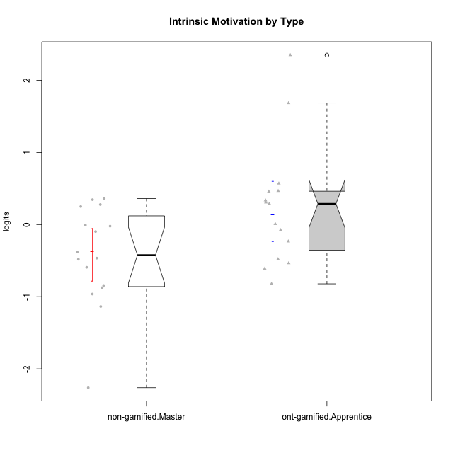

Wilcoxon data
UserID | NroUSP | Type | CLGroup | CLRole | PlayerRole | Score | theta | error | Outfit | Infit | Intrinsic Motivation
10170 | 10260351 | ont-gamified | Grupo Afrodite | Apprentice | Yee Achiever | 85 | 0.56973812604 | 0.21610371104 | 0.33090078567 | 0.3405091291 | 0.56973812604
10172 | 10273971 | non-gamified | Grupo Team 1 | Master |  | 74 | -0.0083189335065 | 0.1841651741 | 0.99888709868 | 0.73475168406 | -0.0083189335065
10176 | 10276949 | ont-gamified | Grupo Cronus | Apprentice | Yee Achiever | 68 | -0.61062200623 | 0.17573858937 | 0.65111304072 | 0.70199966168 | -0.61062200623
10178 | 8656201 | ont-gamified | Grupo Morfeu | Apprentice | Yee Socializer | 78 | -0.075719788195 | 0.19237893033 | 0.55415302617 | 0.39247110171 | -0.075719788195
10179 | 10310759 | non-gamified | Grupo Team 9 | Master |  | 60 | -0.4654507279 | 0.16906788993 | 0.51312056739 | 0.53224980319 | -0.4654507279
10181 | 10276866 | non-gamified | Grupo Team 10 | Master |  | 78 | 0.27808227177 | 0.19237893033 | 0.66908101017 | 0.74253028446 | 0.27808227177
10183 | 10352030 | ont-gamified | Grupo Hélio | Apprentice | Yee Socializer | 67 | -0.53479642106 | 0.17466132218 | 0.44110131523 | 0.43617474646 | -0.53479642106
10186 | 10310551 | ont-gamified | Grupo Ares | Apprentice | Yee Achiever | 79 | 0.33599966761 | 0.19489570597 | 1.2714941553 | 1.1064732148 | 0.33599966761
10188 | 10276995 | non-gamified | Grupo Team 3 | Master |  | 65 | -0.59252934296 | 0.17273263916 | 0.26097560311 | 0.24758611293 | -0.59252934296
10190 | 10276907 | ont-gamified | Grupo Zeus | Apprentice | Yee Socializer | 70 | -0.47912739086 | 0.1781445906 | 0.69735980771 | 0.7742531083 | -0.47912739086
10191 | 10276981 | non-gamified | Grupo Team 6 | Master |  | 76 | -0.097336001102 | 0.18794064716 | 1.0743929376 | 1.1612511571 | -0.097336001102
10195 | 10351971 | ont-gamified | Grupo Urano | Apprentice | Yee Achiever | 77 | 0.28829891231 | 0.19006785158 | 0.47733163788 | 0.41689336206 | 0.28829891231
10196 | 10310655 | ont-gamified | Grupo Hefesto | Apprentice | Yee Achiever | 68 | 0.0081146073306 | 0.17573858937 | 0.96021066278 | 0.99924601614 | 0.0081146073306
10197 | 10276661 | ont-gamified | Grupo Gaia | Apprentice | Yee Achiever | 82 | 0.4666838298 | 0.20395701014 | 1.2491708762 | 1.2590554475 | 0.4666838298
10198 | 10310888 | ont-gamified | Grupo Apolo | Apprentice | Yee Socializer | 102 | 2.3495703688 | 1.3515897714 | 0.030335306237 | 0.034354586 | 2.3495703688
10200 | 9795272 | ont-gamified | Grupo Hades | Apprentice | Yee Socializer | 84 | 0.45786738748 | 0.21162805931 | 1.0494682133 | 0.7553349259 | 0.45786738748
10209 | 10262669 | ont-gamified | Grupo Artemis | Apprentice | Yee Achiever | 51 | -0.23281615393 | 0.16611937436 | 1.6756595511 | 1.7096100866 | -0.23281615393
10211 | 9311643 | non-gamified | Grupo Team 2 | Master |  | 60 | -0.84504088772 | 0.16906788993 | 1.8445765718 | 1.9275200348 | -0.84504088772
10212 | 9065750 | non-gamified | Grupo Team 4 | Master |  | 85 | 0.25035108724 | 0.21610371104 | 1.1368215064 | 0.86674939371 | 0.25035108724
10214 | 10277022 | non-gamified | Grupo Team 5 | Master |  | 52 | -1.1360680709 | 0.16622153511 | 0.4196252268 | 0.39676674847 | -1.1360680709
10216 | 10276720 | non-gamified | Grupo Team 15 | Master |  | 83 | 0.36156332804 | 0.20759905733 | 1.1139683407 | 1.3422105805 | 0.36156332804
10217 | 9805341 | non-gamified | Grupo Team 13 | Master |  | 78 | 0.34555454321 | 0.19237893033 | 0.9645387826 | 1.0902472726 | 0.34555454321
10219 | 10276831 | non-gamified | Grupo Team 12 | Master |  | 61 | -0.48046357674 | 0.16967855588 | 0.45389464133 | 0.42654764046 | -0.48046357674
10221 | 9082496 | ont-gamified | Grupo Hermes | Apprentice | Yee Achiever | 77 | 0.30747474885 | 0.19006785158 | 0.35296930394 | 0.32006459217 | 0.30747474885
10222 | 9436110 | non-gamified | Grupo Team 16 | Master |  | 25 | -2.2615758942 | 0.19018364281 | 0.77910045366 | 0.81109353952 | -2.2615758942
10226 | 10310342 | non-gamified | Grupo Team 8 | Master |  | 60 | -0.38117420949 | 0.16906788993 | 0.8409141291 | 0.83545297485 | -0.38117420949
10230 | 10351992 | non-gamified | Grupo Team 14 | Master |  | 59 | -0.96343242692 | 0.16851516908 | 1.5443470813 | 1.6067903321 | -0.96343242692
10231 | 10276911 | ont-gamified | Grupo Caronte | Apprentice | Yee Achiever | 99 | 1.6843019549 | 0.47551070315 | 0.87423630518 | 0.97515617027 | 1.6843019549
10234 | 10310676 | non-gamified | Grupo Team 7 | Master |  | 54 | -0.87502701624 | 0.16659673329 | 0.80808339574 | 0.81779697124 | -0.87502701624
10237 | 10377688 | non-gamified | Grupo Team 11 | Master |  | 73 | -0.022059637352 | 0.18248655468 | 0.79208366621 | 0.85866852809 | -0.022059637352
10240 | 10276654 | ont-gamified | Grupo Hera | Apprentice | Yee Achiever | 48 | -0.82181725158 | 0.16616464156 | 0.94832257651 | 0.94342214743 | -0.82181725158

Type_CLRole_5
Wilcoxon Analysis for Intrinsic Motivation by Type in Type:CLRole between non-gamified.Master:ont-gamified.Master

Wilcoxon test results
Alternative hypothesis: less
Group | N | Median | Mean.Ranks | Sum.Ranks | U | Z | p.value | r | magnitude
non-gamified.Master | 16 | -0.4233124687 | 12.875 | 206 | 70 | -1.9764235376 | 0.024690634143 | 0.3549761464 | medium
ont-gamified.Master | 15 | -0.045073128315 | 19.333333333 | 290 | 70 | -1.9764235376 | 0.024690634143 | 0.3549761464 | medium
Alternative hypothesis: greater
Group | N | Median | Mean.Ranks | Sum.Ranks | U | Z | p.value | r | magnitude
non-gamified.Master | 16 | -0.4233124687 | 12.875 | 206 | 70 | -1.9764235376 | 0.97760779386 | 0.3549761464 | medium
ont-gamified.Master | 15 | -0.045073128315 | 19.333333333 | 290 | 70 | -1.9764235376 | 0.97760779386 | 0.3549761464 | medium
Alternative hypothesis: two.sided
Group | N | Median | Mean.Ranks | Sum.Ranks | U | Z | p.value | r | magnitude
non-gamified.Master | 16 | -0.4233124687 | 12.875 | 206 | 70 | -1.9764235376 | 0.049381268286 | 0.3549761464 | medium
ont-gamified.Master | 15 | -0.045073128315 | 19.333333333 | 290 | 70 | -1.9764235376 | 0.049381268286 | 0.3549761464 | medium

Box plots for wilcoxon tests
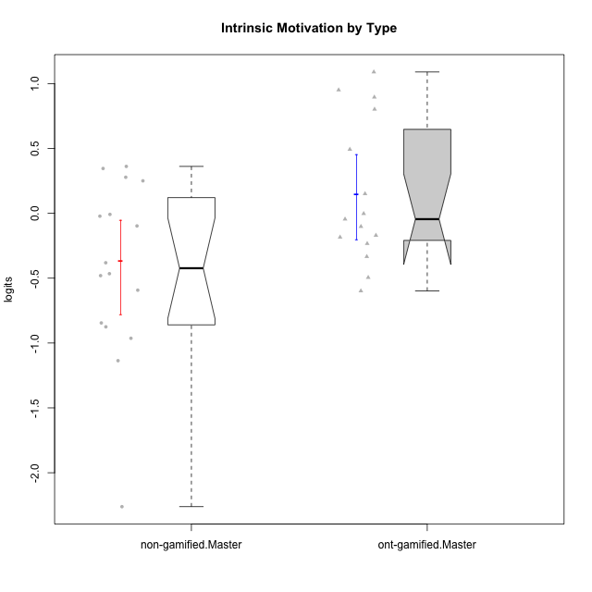

Wilcoxon data
UserID | NroUSP | Type | CLGroup | CLRole | PlayerRole | Score | theta | error | Outfit | Infit | Intrinsic Motivation
10169 | 10377538 | ont-gamified | Grupo Hefesto | Master | Yee Achiever | 76 | -0.045073128315 | 0.18794064716 | 0.88829254278 | 0.8841381495 | -0.045073128315
10172 | 10273971 | non-gamified | Grupo Team 1 | Master |  | 74 | -0.0083189335065 | 0.1841651741 | 0.99888709868 | 0.73475168406 | -0.0083189335065
10174 | 10276852 | ont-gamified | Grupo Urano | Master | Yee Achiever | 75 | 0.15069702562 | 0.18597850835 | 0.46746766048 | 0.45964030832 | 0.15069702562
10175 | 10310700 | ont-gamified | Grupo Hélio | Master | Yee Socializer | 88 | 0.89529411662 | 0.23302539137 | 2.1598474425 | 1.1955530353 | 0.89529411662
10179 | 10310759 | non-gamified | Grupo Team 9 | Master |  | 60 | -0.4654507279 | 0.16906788993 | 0.51312056739 | 0.53224980319 | -0.4654507279
10181 | 10276866 | non-gamified | Grupo Team 10 | Master |  | 78 | 0.27808227177 | 0.19237893033 | 0.66908101017 | 0.74253028446 | 0.27808227177
10184 | 10276675 | ont-gamified | Grupo Apolo | Master | Yee Socializer | 77 | -0.0024811512813 | 0.19006785158 | 0.66155190865 | 0.64810072452 | -0.0024811512813
10188 | 10276995 | non-gamified | Grupo Team 3 | Master |  | 65 | -0.59252934296 | 0.17273263916 | 0.26097560311 | 0.24758611293 | -0.59252934296
10189 | 9363926 | ont-gamified | Grupo Hades | Master | Yee Socializer | 65 | -0.49493364347 | 0.17273263916 | 1.2133735985 | 1.0099612925 | -0.49493364347
10191 | 10276981 | non-gamified | Grupo Team 6 | Master |  | 76 | -0.097336001102 | 0.18794064716 | 1.0743929376 | 1.1612511571 | -0.097336001102
10193 | 10276762 | ont-gamified | Grupo Afrodite | Master | Yee Achiever | 69 | -0.33385306799 | 0.17689769622 | 0.46343942421 | 0.47286519248 | -0.33385306799
10199 | 10276737 | ont-gamified | Grupo Gaia | Master | Yee Achiever | 75 | -0.10207539477 | 0.18597850835 | 1.5028568475 | 1.5487020952 | -0.10207539477
10201 | 10276928 | ont-gamified | Grupo Caronte | Master | Yee Achiever | 89 | 0.80194893812 | 0.24020894769 | 1.1810097074 | 0.67104168004 | 0.80194893812
10204 | 10310471 | ont-gamified | Grupo Hermes | Master | Yee Achiever | 94 | 1.0893706995 | 0.29788887788 | 1.0188428427 | 1.0772066878 | 1.0893706995
10206 | 10310721 | ont-gamified | Grupo Hera | Master | Yee Achiever | 76 | -0.23339570283 | 0.18794064716 | 0.80176984984 | 0.67364438284 | -0.23339570283
10211 | 9311643 | non-gamified | Grupo Team 2 | Master |  | 60 | -0.84504088772 | 0.16906788993 | 1.8445765718 | 1.9275200348 | -0.84504088772
10212 | 9065750 | non-gamified | Grupo Team 4 | Master |  | 85 | 0.25035108724 | 0.21610371104 | 1.1368215064 | 0.86674939371 | 0.25035108724
10213 | 10277040 | ont-gamified | Grupo Morfeu | Master | Yee Socializer | 70 | -0.18410762009 | 0.1781445906 | 1.6031430842 | 1.6808159606 | -0.18410762009
10214 | 10277022 | non-gamified | Grupo Team 5 | Master |  | 52 | -1.1360680709 | 0.16622153511 | 0.4196252268 | 0.39676674847 | -1.1360680709
10215 | 9285227 | ont-gamified | Grupo Zeus | Master | Yee Socializer | 87 | 0.9507820689 | 0.22670210679 | 0.98330477887 | 0.95232507992 | 0.9507820689
10216 | 10276720 | non-gamified | Grupo Team 15 | Master |  | 83 | 0.36156332804 | 0.20759905733 | 1.1139683407 | 1.3422105805 | 0.36156332804
10217 | 9805341 | non-gamified | Grupo Team 13 | Master |  | 78 | 0.34555454321 | 0.19237893033 | 0.9645387826 | 1.0902472726 | 0.34555454321
10218 | 9842913 | ont-gamified | Grupo Ares | Master | Yee Achiever | 64 | -0.59825350099 | 0.17187317858 | 0.81164522226 | 0.79391467183 | -0.59825350099
10219 | 10276831 | non-gamified | Grupo Team 12 | Master |  | 61 | -0.48046357674 | 0.16967855588 | 0.45389464133 | 0.42654764046 | -0.48046357674
10222 | 9436110 | non-gamified | Grupo Team 16 | Master |  | 25 | -2.2615758942 | 0.19018364281 | 0.77910045366 | 0.81109353952 | -2.2615758942
10223 | 9795185 | ont-gamified | Grupo Cronus | Master | Yee Achiever | 89 | 0.49279921722 | 0.24020894769 | 0.73775698471 | 0.46616036013 | 0.49279921722
10226 | 10310342 | non-gamified | Grupo Team 8 | Master |  | 60 | -0.38117420949 | 0.16906788993 | 0.8409141291 | 0.83545297485 | -0.38117420949
10230 | 10351992 | non-gamified | Grupo Team 14 | Master |  | 59 | -0.96343242692 | 0.16851516908 | 1.5443470813 | 1.6067903321 | -0.96343242692
10232 | 10276974 | ont-gamified | Grupo Artemis | Master | Yee Achiever | 79 | -0.1700536215 | 0.19489570597 | 0.47683176579 | 0.52801431274 | -0.1700536215
10234 | 10310676 | non-gamified | Grupo Team 7 | Master |  | 54 | -0.87502701624 | 0.16659673329 | 0.80808339574 | 0.81779697124 | -0.87502701624
10237 | 10377688 | non-gamified | Grupo Team 11 | Master |  | 73 | -0.022059637352 | 0.18248655468 | 0.79208366621 | 0.85866852809 | -0.022059637352

Type_CLRole_6
Wilcoxon Analysis for Intrinsic Motivation by Type in Type:CLRole between ont-gamified.Apprentice:ont-gamified.Master

Wilcoxon test results
Alternative hypothesis: less
Group | N | Median | Mean.Ranks | Sum.Ranks | U | Z | p.value | r | magnitude
ont-gamified.Apprentice | 15 | 0.28829891231 | 15.6 | 234 | 114 | 0.062217101684 | 0.53255639982 | 0.011359236685 | none
ont-gamified.Master | 15 | -0.045073128315 | 15.4 | 231 | 114 | 0.062217101684 | 0.53255639982 | 0.011359236685 | none
Alternative hypothesis: greater
Group | N | Median | Mean.Ranks | Sum.Ranks | U | Z | p.value | r | magnitude
ont-gamified.Apprentice | 15 | 0.28829891231 | 15.6 | 234 | 114 | 0.062217101684 | 0.48370864877 | 0.011359236685 | none
ont-gamified.Master | 15 | -0.045073128315 | 15.4 | 231 | 114 | 0.062217101684 | 0.48370864877 | 0.011359236685 | none
Alternative hypothesis: two.sided
Group | N | Median | Mean.Ranks | Sum.Ranks | U | Z | p.value | r | magnitude
ont-gamified.Apprentice | 15 | 0.28829891231 | 15.6 | 234 | 114 | 0.062217101684 | 0.96741729754 | 0.011359236685 | none
ont-gamified.Master | 15 | -0.045073128315 | 15.4 | 231 | 114 | 0.062217101684 | 0.96741729754 | 0.011359236685 | none

Box plots for wilcoxon tests
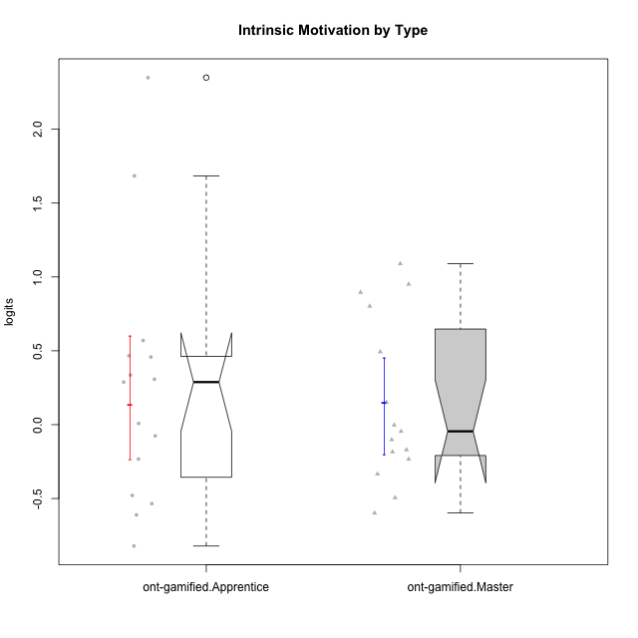

Wilcoxon data
UserID | NroUSP | Type | CLGroup | CLRole | PlayerRole | Score | theta | error | Outfit | Infit | Intrinsic Motivation
10169 | 10377538 | ont-gamified | Grupo Hefesto | Master | Yee Achiever | 76 | -0.045073128315 | 0.18794064716 | 0.88829254278 | 0.8841381495 | -0.045073128315
10170 | 10260351 | ont-gamified | Grupo Afrodite | Apprentice | Yee Achiever | 85 | 0.56973812604 | 0.21610371104 | 0.33090078567 | 0.3405091291 | 0.56973812604
10174 | 10276852 | ont-gamified | Grupo Urano | Master | Yee Achiever | 75 | 0.15069702562 | 0.18597850835 | 0.46746766048 | 0.45964030832 | 0.15069702562
10175 | 10310700 | ont-gamified | Grupo Hélio | Master | Yee Socializer | 88 | 0.89529411662 | 0.23302539137 | 2.1598474425 | 1.1955530353 | 0.89529411662
10176 | 10276949 | ont-gamified | Grupo Cronus | Apprentice | Yee Achiever | 68 | -0.61062200623 | 0.17573858937 | 0.65111304072 | 0.70199966168 | -0.61062200623
10178 | 8656201 | ont-gamified | Grupo Morfeu | Apprentice | Yee Socializer | 78 | -0.075719788195 | 0.19237893033 | 0.55415302617 | 0.39247110171 | -0.075719788195
10183 | 10352030 | ont-gamified | Grupo Hélio | Apprentice | Yee Socializer | 67 | -0.53479642106 | 0.17466132218 | 0.44110131523 | 0.43617474646 | -0.53479642106
10184 | 10276675 | ont-gamified | Grupo Apolo | Master | Yee Socializer | 77 | -0.0024811512813 | 0.19006785158 | 0.66155190865 | 0.64810072452 | -0.0024811512813
10186 | 10310551 | ont-gamified | Grupo Ares | Apprentice | Yee Achiever | 79 | 0.33599966761 | 0.19489570597 | 1.2714941553 | 1.1064732148 | 0.33599966761
10189 | 9363926 | ont-gamified | Grupo Hades | Master | Yee Socializer | 65 | -0.49493364347 | 0.17273263916 | 1.2133735985 | 1.0099612925 | -0.49493364347
10190 | 10276907 | ont-gamified | Grupo Zeus | Apprentice | Yee Socializer | 70 | -0.47912739086 | 0.1781445906 | 0.69735980771 | 0.7742531083 | -0.47912739086
10193 | 10276762 | ont-gamified | Grupo Afrodite | Master | Yee Achiever | 69 | -0.33385306799 | 0.17689769622 | 0.46343942421 | 0.47286519248 | -0.33385306799
10195 | 10351971 | ont-gamified | Grupo Urano | Apprentice | Yee Achiever | 77 | 0.28829891231 | 0.19006785158 | 0.47733163788 | 0.41689336206 | 0.28829891231
10196 | 10310655 | ont-gamified | Grupo Hefesto | Apprentice | Yee Achiever | 68 | 0.0081146073306 | 0.17573858937 | 0.96021066278 | 0.99924601614 | 0.0081146073306
10197 | 10276661 | ont-gamified | Grupo Gaia | Apprentice | Yee Achiever | 82 | 0.4666838298 | 0.20395701014 | 1.2491708762 | 1.2590554475 | 0.4666838298
10198 | 10310888 | ont-gamified | Grupo Apolo | Apprentice | Yee Socializer | 102 | 2.3495703688 | 1.3515897714 | 0.030335306237 | 0.034354586 | 2.3495703688
10199 | 10276737 | ont-gamified | Grupo Gaia | Master | Yee Achiever | 75 | -0.10207539477 | 0.18597850835 | 1.5028568475 | 1.5487020952 | -0.10207539477
10200 | 9795272 | ont-gamified | Grupo Hades | Apprentice | Yee Socializer | 84 | 0.45786738748 | 0.21162805931 | 1.0494682133 | 0.7553349259 | 0.45786738748
10201 | 10276928 | ont-gamified | Grupo Caronte | Master | Yee Achiever | 89 | 0.80194893812 | 0.24020894769 | 1.1810097074 | 0.67104168004 | 0.80194893812
10204 | 10310471 | ont-gamified | Grupo Hermes | Master | Yee Achiever | 94 | 1.0893706995 | 0.29788887788 | 1.0188428427 | 1.0772066878 | 1.0893706995
10206 | 10310721 | ont-gamified | Grupo Hera | Master | Yee Achiever | 76 | -0.23339570283 | 0.18794064716 | 0.80176984984 | 0.67364438284 | -0.23339570283
10209 | 10262669 | ont-gamified | Grupo Artemis | Apprentice | Yee Achiever | 51 | -0.23281615393 | 0.16611937436 | 1.6756595511 | 1.7096100866 | -0.23281615393
10213 | 10277040 | ont-gamified | Grupo Morfeu | Master | Yee Socializer | 70 | -0.18410762009 | 0.1781445906 | 1.6031430842 | 1.6808159606 | -0.18410762009
10215 | 9285227 | ont-gamified | Grupo Zeus | Master | Yee Socializer | 87 | 0.9507820689 | 0.22670210679 | 0.98330477887 | 0.95232507992 | 0.9507820689
10218 | 9842913 | ont-gamified | Grupo Ares | Master | Yee Achiever | 64 | -0.59825350099 | 0.17187317858 | 0.81164522226 | 0.79391467183 | -0.59825350099
10221 | 9082496 | ont-gamified | Grupo Hermes | Apprentice | Yee Achiever | 77 | 0.30747474885 | 0.19006785158 | 0.35296930394 | 0.32006459217 | 0.30747474885
10223 | 9795185 | ont-gamified | Grupo Cronus | Master | Yee Achiever | 89 | 0.49279921722 | 0.24020894769 | 0.73775698471 | 0.46616036013 | 0.49279921722
10231 | 10276911 | ont-gamified | Grupo Caronte | Apprentice | Yee Achiever | 99 | 1.6843019549 | 0.47551070315 | 0.87423630518 | 0.97515617027 | 1.6843019549
10232 | 10276974 | ont-gamified | Grupo Artemis | Master | Yee Achiever | 79 | -0.1700536215 | 0.19489570597 | 0.47683176579 | 0.52801431274 | -0.1700536215
10240 | 10276654 | ont-gamified | Grupo Hera | Apprentice | Yee Achiever | 48 | -0.82181725158 | 0.16616464156 | 0.94832257651 | 0.94342214743 | -0.82181725158

