Global-info
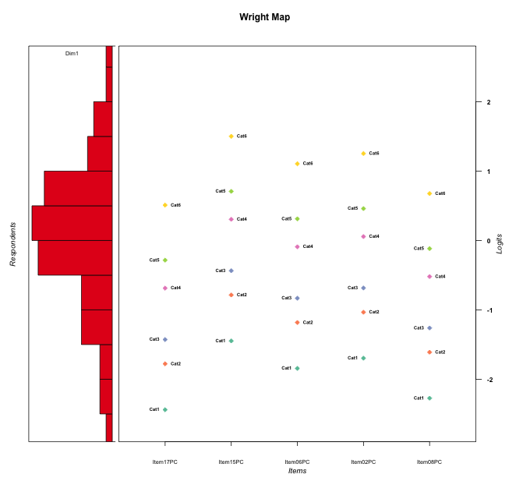
Global information for a measurement model

Information
Number.of.items | Deviance | Log.Likelihood | Number.of.persons | EAP.rel | n.theta.nodes | irt.model
5 | 917.91998705 | -458.95999353 | 60 | 0.84950976595 | 21 | RSM

Global fit statistic MADaQ3 and test fit
MADaQ3 | maxaQ3 | p
0.14873273673 | 0.35546255132 | 0.072816022851

Test statistic of global fit based on Chi square
maxX2 | Npairs | p.holm
67.919452377 | 10 | 0.010173731072

Model fit statistics
X100.MADCOV | SRMR | SRMSR
27.316223893 | 0.090384221322 | 0.10607331738

Chi square tests for every item pairs
index1 | index2 | maxK1 | maxK2 | df | chi2 | p | p.holm
1 | 2 | 6 | 6 | 36 | 59.658637423 | 0.0078720314617 | 0.068143539701
1 | 3 | 6 | 6 | 36 | 42.109738148 | 0.22346718918 | 0.67346334204
1 | 4 | 6 | 6 | 36 | 29.748579377 | 0.75942000737 | 1
1 | 5 | 6 | 6 | 36 | 53.994631255 | 0.027420372254 | 0.19194260578
2 | 3 | 6 | 6 | 36 | 67.919452377 | 0.0010173731072 | 0.010173731072
2 | 4 | 6 | 6 | 36 | 32.228519565 | 0.64863726884 | 1
2 | 5 | 6 | 6 | 36 | 44.02429103 | 0.16836583551 | 0.67346334204
3 | 4 | 6 | 6 | 36 | 59.825959568 | 0.0075715044113 | 0.068143539701
3 | 5 | 6 | 6 | 36 | 53.323461948 | 0.031489162084 | 0.19194260578
4 | 5 | 6 | 6 | 36 | 53.551055555 | 0.030053095235 | 0.19194260578

Item residuals
Item17PC | Item15PC | Item06PC | Item02PC | Item08PC
0.34643678697 | 2.0001023101 | -2.7127552905 | -0.45123570414 | 0.58489716241
0.3951708868 | 0.19287548813 | 0.77933413265 | -0.082909152176 | -0.52168672575
-0.4130274296 | -0.32147811978 | 0.1385563833 | 0.32417584535 | 0.71039135601
-0.075688917542 | 1.3669696105 | 0.70368999737 | -1.0588218403 | -0.89084938887
-0.34158125834 | 0.40011200177 | -0.32226827683 | -0.053798336163 | -0.073173022978
0.16494603269 | 0.50036577923 | 0.31972908255 | 0.37777766768 | 0.19798141067
-0.304787073 | 0.92017377149 | 1.3298152732 | -2.4640395199 | 0.84000657499
0.695212927 | -0.079826228506 | 0.3298152732 | -1.4640395199 | 0.84000657499
-0.27369600279 | 0.45080081896 | -0.19559443605 | -0.94308056487 | 0.030252097628
-0.4130274296 | 0.67852188022 | 1.1385563833 | 0.32417584535 | -1.289608644
-0.075688917542 | 1.3669696105 | 0.70368999737 | -0.058821840263 | -1.8908493889
0.80789934045 | -0.84866777855 | 1.5196546721 | -2.2567076785 | 0.97346092259
-1.3415812583 | 0.40011200177 | 0.67773172317 | -0.053798336163 | -0.073173022978
0.48664979164 | 1.4351738333 | -2.0459460577 | 0.11680553865 | 0.58933364312
0.5869725704 | -1.3214781198 | 1.1385563833 | 1.3241758454 | -1.289608644
-0.80897015267 | 0.78440439003 | 0.082478170493 | 0.33813053148 | -0.58817592362
0.049862660353 | -1.4259463724 | 0.88803646769 | -0.86407353764 | 1.2528154816
-0.304787073 | 1.9201737715 | 1.3298152732 | -1.4640395199 | -1.159993425
1.0498626604 | -2.4259463724 | 0.88803646769 | 1.1359264624 | -0.74718451843
1.6584187417 | -2.5998879982 | -3.3222682768 | 1.9462016638 | 1.926826977
-0.34158125834 | -0.59988799823 | -1.3222682768 | 1.9462016638 | -0.073173022978
-1.494586414 | 0.20948246684 | -0.51018828735 | -0.2443933324 | 1.7602088981
1.8077374677 | -2.4269439764 | 2.8524147959 | -1.8780841883 | -0.9133947581
0.23402947686 | 0.71708173186 | -0.54114224497 | 0.54261118172 | 0.28197119129
0.16494603269 | 0.50036577923 | 0.31972908255 | 0.37777766768 | 0.19798141067
0.16494603269 | 0.50036577923 | 0.31972908255 | 0.37777766768 | 0.19798141067
-0.075688917542 | -0.63303038954 | 0.70368999737 | 0.94117815974 | -0.89084938887
-0.304787073 | 0.92017377149 | -0.6701847268 | 0.5359604801 | -0.15999342501
-0.27369600279 | 1.450800819 | 0.80440556395 | -1.9430805649 | -0.96974790237
0.16494603269 | 0.50036577923 | 0.31972908255 | 0.37777766768 | 0.19798141067
0.48664979164 | 1.4351738333 | -2.0459460577 | 0.11680553865 | 0.58933364312
0.31114405181 | -0.048335456734 | 0.61369875991 | 0.72469110591 | -0.62403549769
0.80789934045 | 1.1513322215 | -1.4803453279 | -1.2567076785 | 0.97346092259
-0.29222850332 | -0.44424140773 | -0.6881945544 | -0.5847000176 | -0.091547329633
0.098552276787 | -0.26877557624 | 0.14479255877 | -0.62197352526 | -0.5988639909
0.90855020165 | -0.40476254551 | -1.0246890971 | -1.7803689295 | 1.2128316183
-0.4130274296 | 1.6785218802 | -0.8614436167 | -0.67582415465 | 0.71039135601
1.505413586 | -2.7905175332 | 2.4898117126 | -0.2443933324 | -1.2397911019
-0.85617492079 | -0.080202374506 | 0.2171167824 | 0.48392406391 | -0.56319396889
0.16494603269 | 0.50036577923 | 0.31972908255 | 0.37777766768 | 0.19798141067
0.3951708868 | -1.8071245119 | 0.77933413265 | 0.91709084782 | 0.47831327425
0.23402947686 | 0.71708173186 | 0.45885775503 | -0.45738881828 | 0.28197119129
-1.0756889175 | 0.36696961046 | -1.2963100026 | 0.94117815974 | 1.1091506111
-1.494586414 | 0.20948246684 | -0.51018828735 | 1.7556066676 | -0.2397911019
0.3951708868 | 1.1928754881 | -2.2206658673 | 0.91709084782 | 0.47831327425
0.92431108246 | -0.63303038954 | -1.2963100026 | -0.058821840263 | 1.1091506111
-0.54012892251 | -0.53935348792 | 0.16446220009 | -0.71050866673 | -0.31104831877
0.3951708868 | 0.19287548813 | -0.22066586735 | -0.082909152176 | 0.47831327425
-1.6924616857 | -1.1319029101 | 1.3232008647 | 1.5421466023 | -1.393754719
-0.09144979835 | -0.40476254551 | 0.97531090292 | -0.78036892955 | -0.78716838175
-1.1922625323 | -0.42694397641 | -0.1475852041 | 1.1219158117 | 0.086605241899
-0.65356321303 | 1.0001023101 | 0.28724470947 | -1.4512357041 | 0.58489716241
0.92431108246 | -0.63303038954 | 1.7036899974 | 0.94117815974 | -2.8908493889
0.23402947686 | -0.28291826814 | 0.45885775503 | 0.54261118172 | 0.28197119129
0.049862660353 | -0.42594637244 | -1.1119635323 | 1.1359264624 | 0.25281548157
0.33924400075 | -0.89371851408 | 1.4192163339 | -2.3174434768 | 0.637242009
-0.85617492079 | -1.0802023745 | -0.7828832176 | 2.4839240639 | -0.56319396889
0.92431108246 | 1.3669696105 | -2.2963100026 | -0.058821840263 | 0.10915061113
-1.0914497984 | -1.4047625455 | -0.02468909708 | 1.2196310705 | 0.21283161825
-0.78052380507 | -0.63961506668 | -0.98755067125 | 0.15834334409 | 0.47192675189

Wright Map for Item Response Models

Estimate-Items
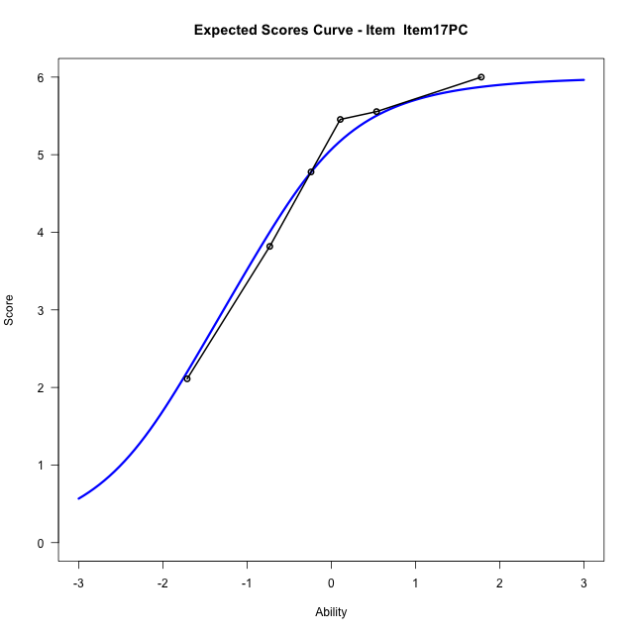
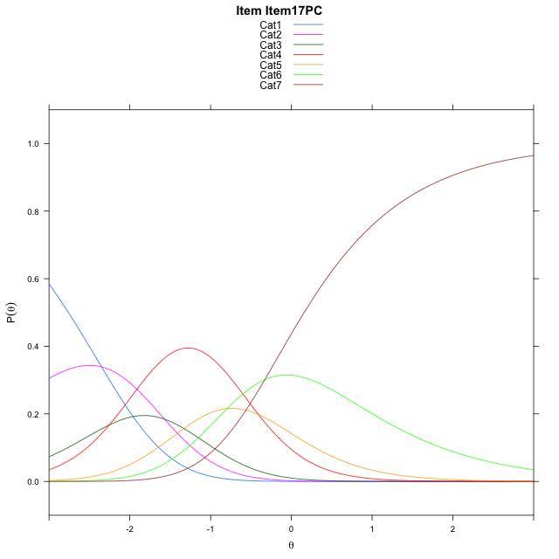
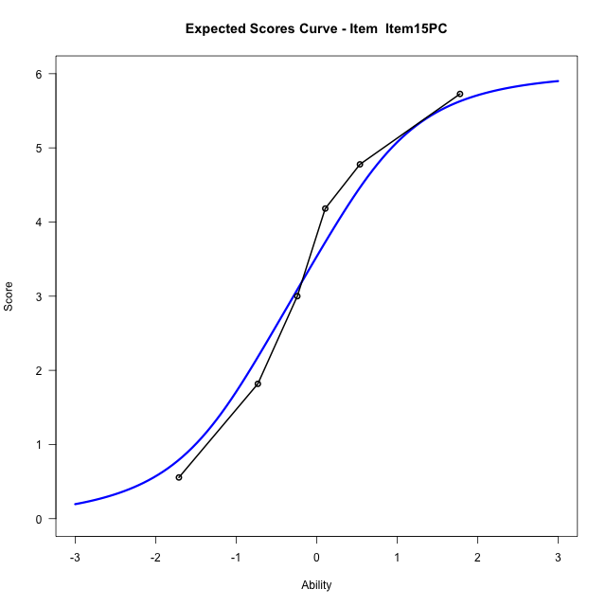
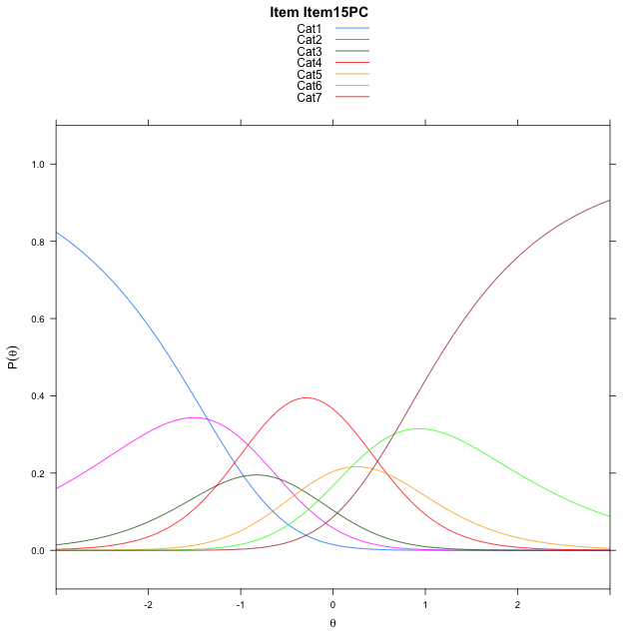
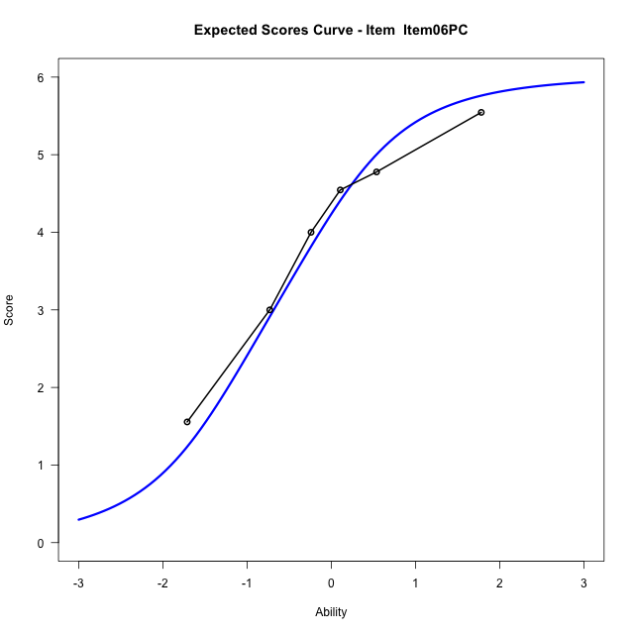
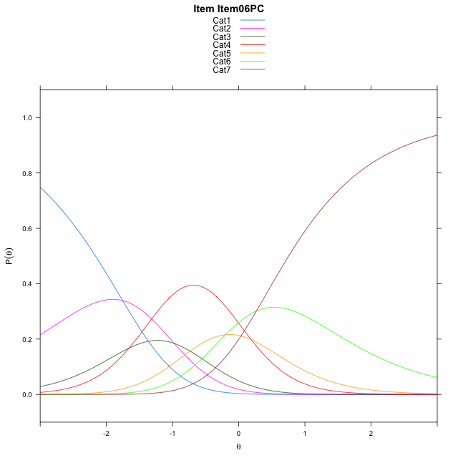
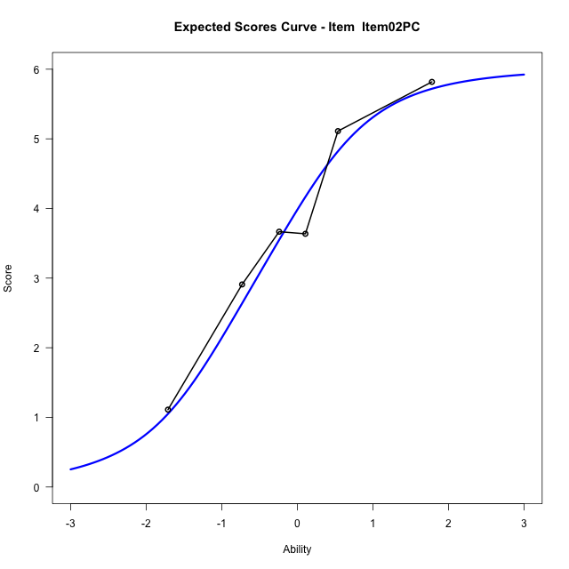

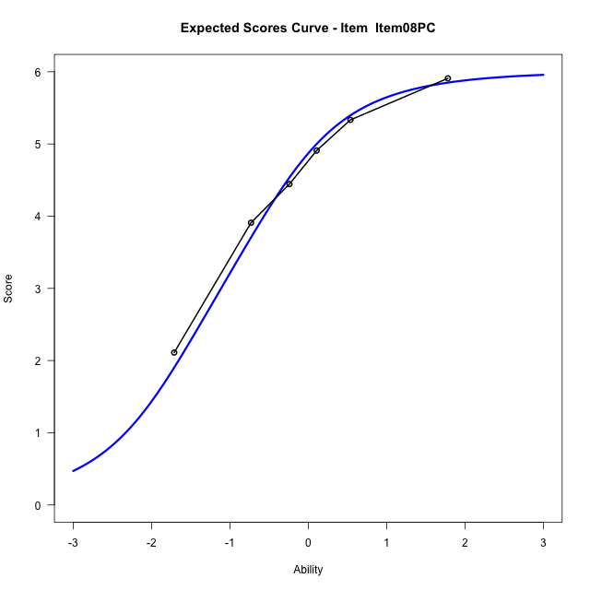
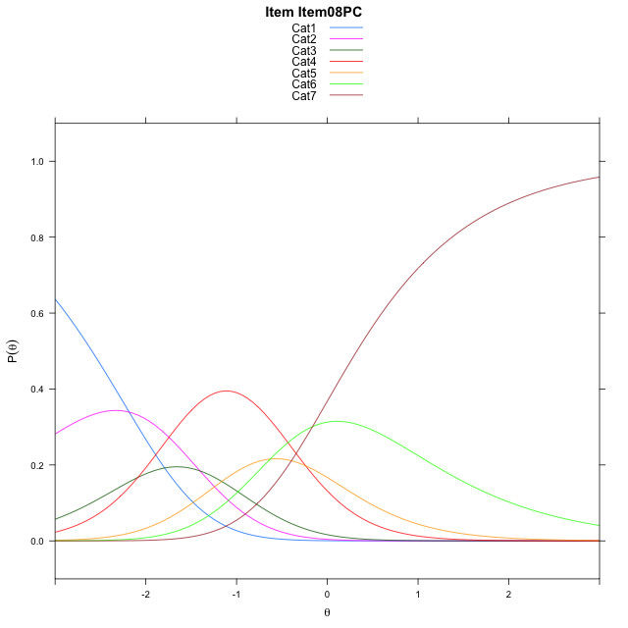
Estimate items information for the measurement model

Full Item Information
item | N | M | xsi.item | AXsi_.Cat1 | AXsi_.Cat2 | AXsi_.Cat3 | AXsi_.Cat4 | AXsi_.Cat5 | AXsi_.Cat6 | B.Cat1.Dim1 | B.Cat2.Dim1 | B.Cat3.Dim1 | B.Cat4.Dim1 | B.Cat5.Dim1 | B.Cat6.Dim1
Item17PC | 60 | 4.6666666667 | -1.2840599817 | -2.3499390384 | -3.9203272785 | -6.1737843401 | -6.5806340819 | -7.375472185 | -7.7043598899 | 1 | 2 | 3 | 4 | 5 | 6
Item15PC | 60 | 3.4 | -0.29229873345 | -1.3581777902 | -1.9368047821 | -3.1985005955 | -2.6135890891 | -2.416665944 | -1.7537924007 | 1 | 2 | 3 | 4 | 5 | 6
Item06PC | 60 | 3.95 | -0.68823735752 | -1.7541164142 | -2.7286820302 | -4.3863164677 | -4.1973435854 | -4.3963590644 | -4.1294241451 | 1 | 2 | 3 | 4 | 5 | 6
Item02PC | 60 | 3.75 | -0.54079139999 | -1.6066704567 | -2.4337901152 | -3.9439785951 | -3.6075597552 | -3.6591292767 | -3.2447483999 | 1 | 2 | 3 | 4 | 5 | 6
Item08PC | 60 | 4.4833333333 | -1.1173344766 | -2.1832135333 | -3.5868762684 | -5.673607825 | -5.9137320617 | -6.5418446598 | -6.7040068596 | 1 | 2 | 3 | 4 | 5 | 6

Thurstonian Thresholds (category-wise)
 | Cat1 | Cat2 | Cat3 | Cat4 | Cat5 | Cat6
Item17PC | -2.7605895996 | -2.0041809082 | -1.6533508301 | -0.91543579102 | -0.5212097168 | 0.15829467773
Item15PC | -1.7687072754 | -1.0124816895 | -0.66146850586 | 0.076446533203 | 0.47067260742 | 1.150177002
Item06PC | -2.1647644043 | -1.4083557129 | -1.0575256348 | -0.3196105957 | 0.074798583984 | 0.75411987305
Item02PC | -2.0171813965 | -1.2609558105 | -0.90994262695 | -0.17202758789 | 0.22219848633 | 0.90151977539
Item08PC | -2.5937805176 | -1.8373718262 | -1.486541748 | -0.74862670898 | -0.35440063477 | 0.32510375977

Thurstonian Thresholds (item-wise)
 | Threshold
Item17PC | -1.2799201273
Item15PC | -0.28686933786
Item06PC | -0.68410549181
Item02PC | -0.53481075469
Item08PC | -1.1111438102

Item Infit/Outfit Statistic
parameter | Outfit | Outfit_t | Outfit_p | Outfit_pholm | Infit | Infit_t | Infit_p | Infit_pholm
Item17PC | 0.62629250775 | -1.5738221503 | 0.11552857169 | 1 | 0.70864789718 | -1.5514846417 | 0.12078558509 | 0.60392792547
Item15PC | 1.0168740967 | 0.11784457515 | 0.90619080973 | 1 | 1.0818833417 | 0.47576838766 | 0.63423939363 | 1
Item06PC | 1.3579364244 | 1.4942151169 | 0.13511940272 | 1 | 1.2949346093 | 1.4951022098 | 0.13488776926 | 0.60392792547
Item02PC | 1.0382886098 | 0.21733710123 | 0.82794564543 | 1 | 1.0892109645 | 0.5068604456 | 0.61225274084 | 1
Item08PC | 0.90379382044 | -0.36394494027 | 0.71589912505 | 1 | 0.83851560831 | -0.82575189422 | 0.40894484786 | 1
Cat1 | 1.6932779286 | 1.2725422174 | 0.20318053403 | 1 | 1.5740970422 | 7.1245166567 | 1.0444655931E-12 | 7.3112591514E-12
Cat2 | 1.5625796507 | 1.3458100944 | 0.17836376914 | 1 | 1.5564206637 | 8.1532923935 | 3.5414796806E-16 | 3.1873317126E-15
Cat3 | 1.3699510249 | 0.91931652126 | 0.35793003878 | 1 | 1.3991472318 | 7.3879271497 | 1.4913540928E-13 | 1.1930832743E-12
Cat4 | 1.6854835418 | 0.94039443815 | 0.34701527406 | 1 | 1.743359806 | 13.590251744 | 4.5750408853E-42 | 4.5750408853E-41
Cat5 | 1.2494708829 | 1.9991725539 | 0.045589687092 | 0.45589687092 | 1.4289695262 | 4.6371195813 | 3.5329803448E-06 | 2.1197882069E-05

Box plot of expected curves

