Global-info
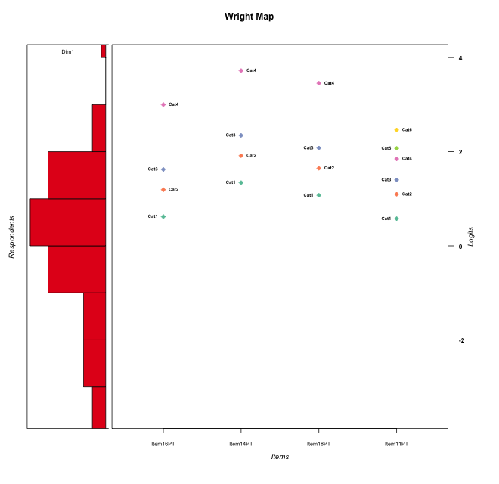
Global information for a measurement model

Information
Number.of.items | Deviance | Log.Likelihood | Number.of.persons | EAP.rel | n.theta.nodes | irt.model
4 | 515.60642767 | -257.80321383 | 60 | 0.73747474807 | 21 | RSM

Global fit statistic MADaQ3 and test fit
MADaQ3 | maxaQ3 | p
0.1587871174 | 0.39651542864 | 0.016541027871

Test statistic of global fit based on Chi square
maxX2 | Npairs | p.holm
42.091749357 | 6 | 0.075617020274

Model fit statistics
X100.MADCOV | SRMR | SRMSR
13.158874022 | 0.077736996527 | 0.098533956674

Chi square tests for every item pairs
index1 | index2 | maxK1 | maxK2 | df | chi2 | p | p.holm
1 | 2 | 4 | 4 | 16 | 12.939461925 | 0.67717888616 | 1
1 | 3 | 4 | 4 | 16 | 13.154921227 | 0.66139845203 | 1
1 | 4 | 4 | 6 | 24 | 30.120452901 | 0.18079154894 | 0.72316619576
2 | 3 | 4 | 4 | 16 | 15.536842063 | 0.48572578562 | 1
2 | 4 | 4 | 6 | 24 | 42.091749357 | 0.012602836712 | 0.075617020274
3 | 4 | 4 | 6 | 24 | 38.157006466 | 0.033410051743 | 0.16705025872

Item residuals
Item16PT | Item14PT | Item18PT | Item11PT
1.8382313391 | -0.52365142659 | 0.28561251944 | -1.324361331
-0.20726220689 | -0.092554492037 | -0.12435730572 | -0.21745294343
-0.40961379505 | -0.17894444955 | -0.24291136654 | 0.56424163744
-0.20726220689 | -0.092554492037 | -0.12435730572 | -0.21745294343
-0.40961379505 | -0.17894444955 | -0.24291136654 | 0.56424163744
-0.20726220689 | -0.092554492037 | -0.12435730572 | -0.21745294343
0.12570453014 | 0.046260986186 | -0.26222536205 | 0.65587170868
1.5862359889 | -0.65918434494 | -0.89343727066 | 0.34019518985
-0.16176866088 | 0.47634857341 | 0.28561251944 | -0.32436133099
-0.20726220689 | -0.092554492037 | -0.12435730572 | -0.21745294343
0.12570453014 | 0.046260986186 | 0.73777463795 | -0.34412829132
0.58623598891 | -0.65918434494 | -0.89343727066 | 1.3401951898
-0.41376401109 | 0.34081565506 | 1.1065627293 | -0.65980481015
0.91968987827 | -1.1170098299 | 0.54719002946 | 0.3057738603
1.5338423173 | -1.4893136634 | -1.859213892 | 2.5696206937
-0.65003743938 | 0.71740585622 | -0.38600225201 | 0.29542161201
1.5338423173 | 1.5106863366 | -0.85921389201 | -1.4303793063
0.095123318217 | -0.39792611848 | 0.45562120399 | -0.0039173214823
0.59038620495 | -0.17894444955 | -0.24291136654 | -0.43575836256
-0.20726220689 | -0.092554492037 | -0.12435730572 | -0.21745294343
-0.40961379505 | -0.17894444955 | -0.24291136654 | 0.56424163744
-0.20726220689 | -0.092554492037 | -0.12435730572 | -0.21745294343
-0.20726220689 | -0.092554492037 | -0.12435730572 | -0.21745294343
-0.20726220689 | -0.092554492037 | -0.12435730572 | -0.21745294343
-0.20726220689 | -0.092554492037 | -0.12435730572 | -0.21745294343
-1.8742954699 | 1.0462609862 | -1.262225362 | 2.6558717087
-0.20726220689 | -0.092554492037 | -0.12435730572 | -0.21745294343
-0.16176866088 | 1.4763485734 | -0.71438748056 | -0.32436133099
0.33594942659 | 0.63059338528 | 0.49925174838 | 0.24629565414
0.59038620495 | -0.17894444955 | -0.24291136654 | -0.43575836256
-0.20726220689 | -0.092554492037 | -0.12435730572 | -0.21745294343
-0.46615768274 | 0.51068633659 | -0.85921389201 | 1.5696206937
2.0951233182 | -0.39792611848 | -0.54437879601 | -1.0039173215
-0.20726220689 | -0.092554492037 | -0.12435730572 | -0.21745294343
0.048213745234 | 0.88692806263 | 1.5370732775 | -1.4614883366
-0.16176866088 | 0.47634857341 | 1.2856125194 | -1.324361331
1.3469310893 | 0.19740194859 | -0.076933393027 | -1.0013899714
-0.20726220689 | -0.092554492037 | -0.12435730572 | -0.21745294343
-1.1617686609 | -0.52365142659 | 0.28561251944 | 1.675638669
-0.20726220689 | -0.092554492037 | -0.12435730572 | -0.21745294343
-0.40961379505 | 0.82105555045 | -0.24291136654 | -0.43575836256
-0.20726220689 | -0.092554492037 | -0.12435730572 | -0.21745294343
0.53384231726 | 0.51068633659 | -0.85921389201 | 0.56962069366
-0.20726220689 | -0.092554492037 | -0.12435730572 | -0.21745294343
-0.20726220689 | -0.092554492037 | -0.12435730572 | -0.21745294343
-0.20726220689 | -0.092554492037 | -0.12435730572 | -0.21745294343
-0.64121643722 | 0.31115726253 | 0.93670367427 | 0.20894404149
0.59038620495 | -0.17894444955 | -0.24291136654 | -0.43575836256
-0.65003743938 | -0.28259414378 | 1.613997748 | -0.70457838799
-0.65003743938 | -0.28259414378 | 1.613997748 | -0.70457838799
0.048213745234 | 0.88692806263 | 0.53707327751 | -0.46148833659
-0.41376401109 | -0.65918434494 | 2.1065627293 | -0.65980481015
0.72251899724 | -1.2964947736 | -1.6529322948 | 2.9411552959
-0.20726220689 | -0.092554492037 | -0.12435730572 | -0.21745294343
-1.0803101217 | -1.1170098299 | -0.45280997054 | 3.3057738603
-0.40961379505 | -0.17894444955 | 0.75708863346 | -0.43575836256
-0.40961379505 | 0.82105555045 | -0.24291136654 | -0.43575836256
-0.20726220689 | -0.092554492037 | -0.12435730572 | -0.21745294343
0.048213745234 | 0.88692806263 | 1.5370732775 | -1.4614883366
-0.20726220689 | -0.092554492037 | -0.12435730572 | -0.21745294343

Wright Map for Item Response Models

Estimate-Items
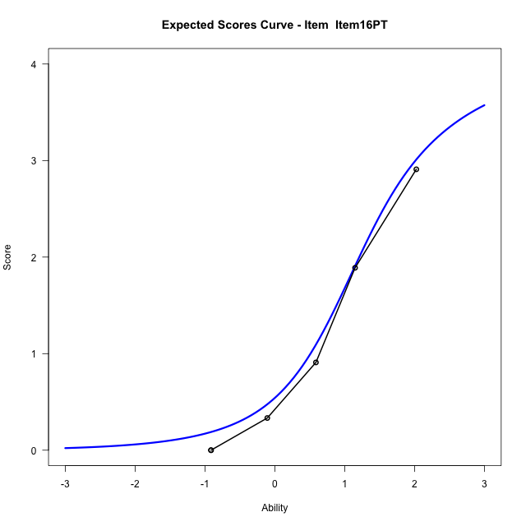
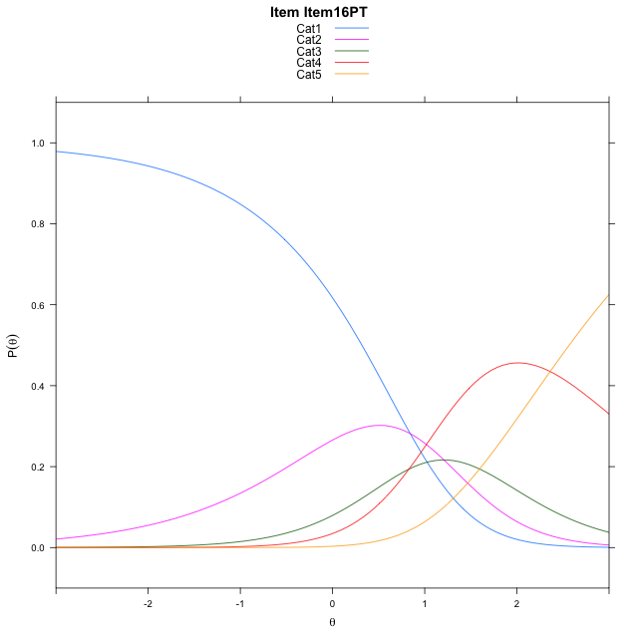
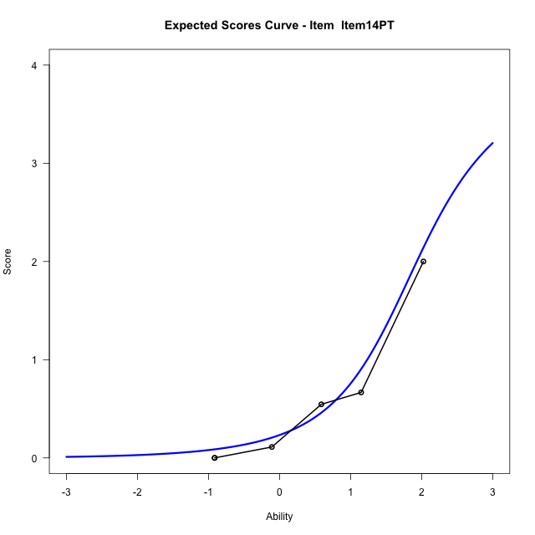
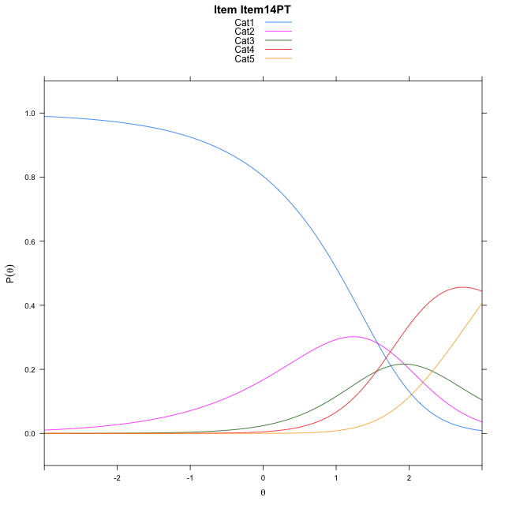
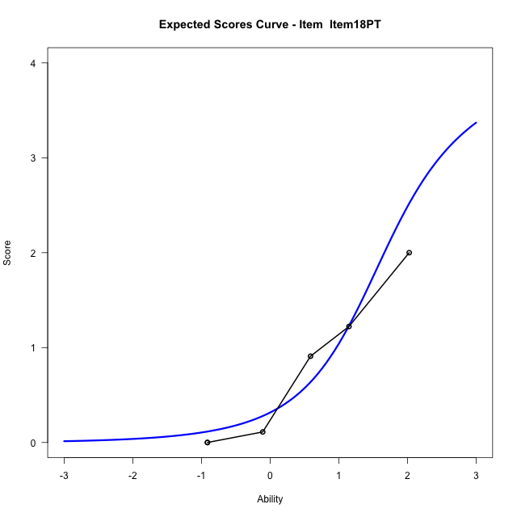
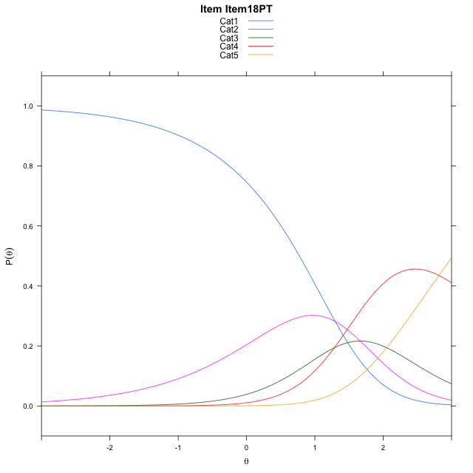
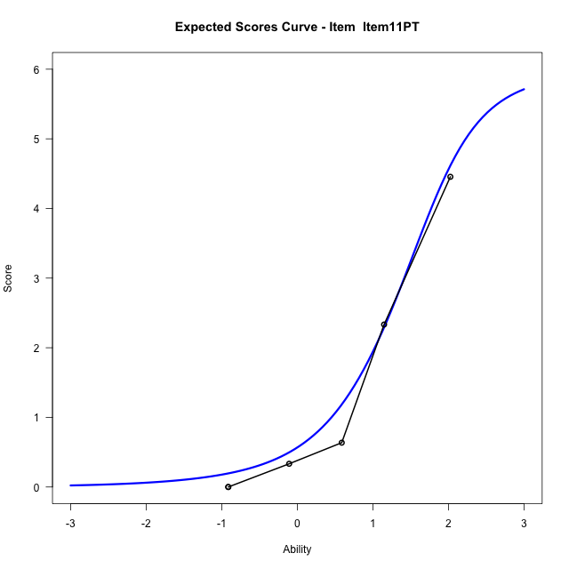
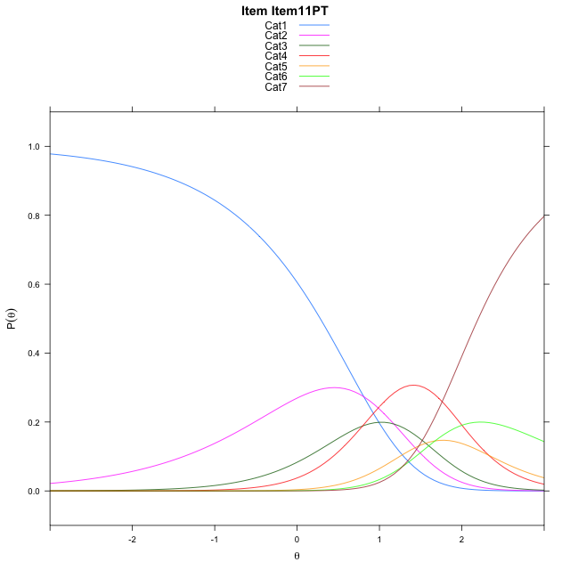
Estimate items information for the measurement model

Full Item Information
item | N | M | xsi.item | AXsi_.Cat1 | AXsi_.Cat2 | AXsi_.Cat3 | AXsi_.Cat4 | AXsi_.Cat5 | AXsi_.Cat6 | B.Cat1.Dim1 | B.Cat2.Dim1 | B.Cat3.Dim1 | B.Cat4.Dim1 | B.Cat5.Dim1 | B.Cat6.Dim1
Item16PT | 60 | 1.0333333333 | 1.3101563784 | 0.84302771222 | 2.0511205177 | 2.8795859212 | 5.2406255138 |  |  | 1 | 2 | 3 | 4 | 0 | 0
Item14PT | 60 | 0.58333333333 | 2.0336275923 | 1.5664989261 | 3.4980629455 | 5.0499995629 | 8.1345103694 |  |  | 1 | 2 | 3 | 4 | 0 | 0
Item18PT | 60 | 0.73333333333 | 1.7647314626 | 1.2976027964 | 2.9602706861 | 4.2433111737 | 7.0589258504 |  |  | 1 | 2 | 3 | 4 | 0 | 0
Item11PT | 60 | 1.3333333333 | 1.3442103546 | 0.80989653043 | 1.9848581542 | 2.7801923759 | 5.1081007866 | 6.783388383 | 8.0652621278 | 1 | 2 | 3 | 4 | 5 | 6

Thurstonian Thresholds (category-wise)
 | Cat1 | Cat2 | Cat3 | Cat4 | Cat5 | Cat6
Item16PT | 0.31851196289 | 0.96011352539 | 1.3691711426 | 2.5672302246
Item14PT | 1.0421447754 | 1.6835632324 | 2.0926208496 | 3.2906799316
Item18PT | 0.7731628418 | 1.4145812988 | 1.8238220215 | 3.0218811035
Item11PT | 0.2815246582 | 0.88961791992 | 1.2106018066 | 1.6672668457 | 1.8785705566 | 2.1997375488

Thurstonian Thresholds (item-wise)
 | Threshold
Item16PT | 1.2098536904
Item14PT | 1.9433437779
Item18PT | 1.6633935473
Item11PT | 1.4100105279

Item Infit/Outfit Statistic
parameter | Outfit | Outfit_t | Outfit_p | Outfit_pholm | Infit | Infit_t | Infit_p | Infit_pholm
Item16PT | 0.91082241675 | -0.21327845187 | 0.83110977982 | 1 | 0.95240778688 | -0.20501651833 | 0.83755921938 | 1
Item14PT | 0.84823941273 | -0.21422234769 | 0.83037366965 | 1 | 0.83506795326 | -0.66319757757 | 0.50720402275 | 1
Item18PT | 1.1472306996 | 0.36322902539 | 0.71643380704 | 1 | 1.1324040803 | 0.58855567815 | 0.55615937335 | 1
Item11PT | 0.94786226936 | -0.085690500457 | 0.93171245389 | 1 | 1.2211497809 | 0.87411510125 | 0.38205557435 | 1
Cat1 | 1.3861136415 | 2.1394360038 | 0.032400373676 | 0.16200186838 | 1.5290760864 | 5.3276615941 | 9.9485257261E-08 | 8.9536731535E-07
Cat2 | 1.0711304345 | 2.2631673661 | 0.023625374089 | 0.14175224453 | 1.36466801 | 3.0593486591 | 0.0022181882981 | 0.017745506385
Cat3 | 1.055904729 | 24.543656711 | 5.0549955814E-133 | 3.5384969069E-132 | 1.2840462662 | 2.1410470785 | 0.032270241733 | 0.1936214504
Cat4 | 0.30686195373 | 759.5480321 | 0 | 0 | 0.56969732518 | -2.4069520214 | 0.016086283051 | 0.11260398136
Cat5 | 1.2506274352 |  |  |  | 1.116043283 | 0.36076198335 | 0.71827738446 | 1

Box plot of expected curves

