Global-info
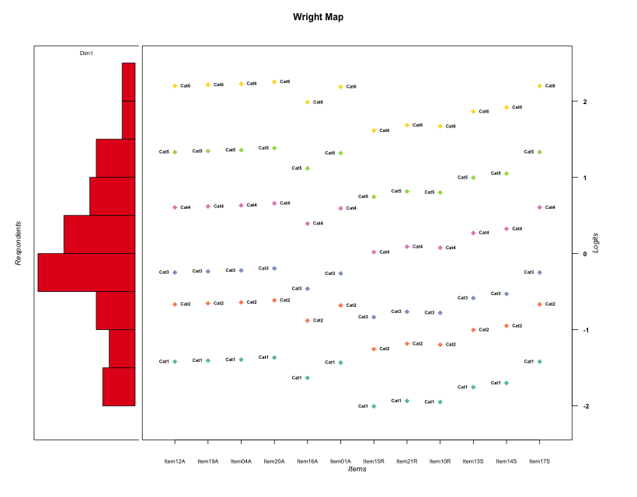
Global information for a measurement model

Information
Number.of.items | Deviance | Log.Likelihood | Number.of.persons | EAP.rel | n.theta.nodes | irt.model
12 | 2178.6709001 | -1089.33545 | 58 | 0.93444496748 | 21 | RSM

Global fit statistic MADaQ3 and test fit
MADaQ3 | maxaQ3 | p
0.16268528451 | 0.48451258488 | 0.021554916045

Test statistic of global fit based on Chi square
maxX2 | Npairs | p.holm
288.35831551 | 66 | 0

Model fit statistics
X100.MADCOV | SRMR | SRMSR
33.03046349 | 0.098091704496 | 0.12375933959

Chi square tests for every item pairs
index1 | index2 | maxK1 | maxK2 | df | chi2 | p | p.holm
1 | 2 | 6 | 6 | 36 | 44.174489076 | 0.16450793825 | 1
1 | 3 | 6 | 6 | 36 | 27.458203328 | 0.84594145941 | 1
1 | 4 | 6 | 6 | 36 | 36.10957711 | 0.46352753845 | 1
1 | 5 | 6 | 6 | 36 | 45.557909845 | 0.13202785548 | 1
1 | 6 | 6 | 6 | 36 | 41.290120803 | 0.25046094146 | 1
1 | 7 | 6 | 6 | 36 | 103.94307019 | 1.6311428097E-08 | 7.9925997676E-07
1 | 8 | 6 | 6 | 36 | 50.058013611 | 0.059818841958 | 1
1 | 9 | 6 | 6 | 36 | 121.60034256 | 3.2281177731E-11 | 1.7109024197E-09
1 | 10 | 6 | 6 | 36 | 144.41415076 | 6.3282712404E-15 | 3.7969627442E-13
1 | 11 | 6 | 6 | 36 | 151.6390585 | 3.3306690739E-16 | 2.0317081351E-14
1 | 12 | 6 | 6 | 36 | 31.119687872 | 0.69979835629 | 1
2 | 3 | 6 | 6 | 36 | 45.110635976 | 0.14193691774 | 1
2 | 4 | 6 | 6 | 36 | 50.784465134 | 0.052102983155 | 1
2 | 5 | 6 | 6 | 36 | 63.068512109 | 0.0034855282839 | 0.11850796165
2 | 6 | 6 | 6 | 36 | 71.848041014 | 0.00035484144077 | 0.013483974749
2 | 7 | 6 | 6 | 36 | 185.14892954 | 0 | 0
2 | 8 | 6 | 6 | 36 | 75.967497404 | 0.00011203908103 | 0.0043695241602
2 | 9 | 6 | 6 | 36 | 121.83711967 | 2.9620195185E-11 | 1.59949054E-09
2 | 10 | 6 | 6 | 36 | 288.35831551 | 0 | 0
2 | 11 | 6 | 6 | 36 | 156.26631967 | 1.1102230246E-16 | 6.8833827527E-15
2 | 12 | 6 | 6 | 36 | 62.064147247 | 0.0044512237825 | 0.14243916104
3 | 4 | 6 | 6 | 36 | 37.325472073 | 0.40797224225 | 1
3 | 5 | 6 | 6 | 36 | 25.752554324 | 0.89713671645 | 1
3 | 6 | 6 | 6 | 36 | 44.865546312 | 0.14760377664 | 1
3 | 7 | 6 | 6 | 36 | 52.843998345 | 0.03471479781 | 0.90258474305
3 | 8 | 6 | 6 | 36 | 61.588641994 | 0.0049910593733 | 0.15472284057
3 | 9 | 6 | 6 | 36 | 122.74564813 | 2.1280532891E-11 | 1.170429309E-09
3 | 10 | 6 | 6 | 36 | 51.232746105 | 0.047782026777 | 1
3 | 11 | 6 | 6 | 36 | 48.217095511 | 0.083828864315 | 1
3 | 12 | 6 | 6 | 36 | 34.986033456 | 0.51666425322 | 1
4 | 5 | 6 | 6 | 36 | 26.07427256 | 0.8884118698 | 1
4 | 6 | 6 | 6 | 36 | 54.622714231 | 0.024044276811 | 0.67323975072
4 | 7 | 6 | 6 | 36 | 125.4410241 | 7.9376505369E-12 | 4.4450843006E-10
4 | 8 | 6 | 6 | 36 | 81.50682444 | 2.2169221186E-05 | 0.0009311072898
4 | 9 | 6 | 6 | 36 | 125.78761297 | 6.9885208731E-12 | 3.9834568977E-10
4 | 10 | 6 | 6 | 36 | 287.67449768 | 0 | 0
4 | 11 | 6 | 6 | 36 | 96.38898215 | 2.0479263507E-07 | 9.6252538484E-06
4 | 12 | 6 | 6 | 36 | 120.60190121 | 4.6366577244E-11 | 2.3646954395E-09
5 | 6 | 6 | 6 | 36 | 70.537481692 | 0.0005068820767 | 0.018754636838
5 | 7 | 6 | 6 | 36 | 67.25143912 | 0.0012110848686 | 0.042387970402
5 | 8 | 6 | 6 | 36 | 67.643002056 | 0.0010936588204 | 0.039371717536
5 | 9 | 6 | 6 | 36 | 102.447539 | 2.7108471357E-08 | 1.3012066251E-06
5 | 10 | 6 | 6 | 36 | 86.270871579 | 5.1957922121E-06 | 0.00022861485733
5 | 11 | 6 | 6 | 36 | 93.382706721 | 5.4601078137E-07 | 2.5116495943E-05
5 | 12 | 6 | 6 | 36 | 22.179884922 | 0.96562198634 | 1
6 | 7 | 6 | 6 | 36 | 89.764430352 | 1.7391726745E-06 | 7.8262770354E-05
6 | 8 | 6 | 6 | 36 | 76.881273132 | 8.6219493034E-05 | 0.0034487797214
6 | 9 | 6 | 6 | 36 | 121.55417471 | 3.2827074392E-11 | 1.7109024197E-09
6 | 10 | 6 | 6 | 36 | 136.90606055 | 1.1046719095E-13 | 6.5175642661E-12
6 | 11 | 6 | 6 | 36 | 80.604610931 | 2.9011483251E-05 | 0.0011894708133
6 | 12 | 6 | 6 | 36 | 57.526082566 | 0.01279953419 | 0.38398602569
7 | 8 | 6 | 6 | 36 | 47.520936993 | 0.094781543664 | 1
7 | 9 | 6 | 6 | 36 | 115.86327887 | 2.5459567787E-10 | 1.2729783894E-08
7 | 10 | 6 | 6 | 36 | 45.162186811 | 0.14076650279 | 1
7 | 11 | 6 | 6 | 36 | 43.664998968 | 0.17786500775 | 1
7 | 12 | 6 | 6 | 36 | 38.601833612 | 0.35280881366 | 1
8 | 9 | 6 | 6 | 36 | 85.237012785 | 7.1485814153E-06 | 0.00030738900086
8 | 10 | 6 | 6 | 36 | 45.251034167 | 0.13876673573 | 1
8 | 11 | 6 | 6 | 36 | 57.476360284 | 0.012942496928 | 0.38398602569
8 | 12 | 6 | 6 | 36 | 53.751078103 | 0.028839310853 | 0.77866139304
9 | 10 | 6 | 6 | 36 | 131.40973153 | 8.7074791821E-13 | 5.0503379256E-11
9 | 11 | 6 | 6 | 36 | 164.49807715 | 0 | 0
9 | 12 | 6 | 6 | 36 | 62.714794974 | 0.0038006581412 | 0.12542171866
10 | 11 | 6 | 6 | 36 | 35.324215579 | 0.50053987802 | 1
10 | 12 | 6 | 6 | 36 | 45.339382999 | 0.13679997143 | 1
11 | 12 | 6 | 6 | 36 | 43.613599538 | 0.17925534019 | 1

Item residuals
Item12A | Item19A | Item04A | Item20A | Item16A | Item01A | Item15R | Item21R | Item10R | Item13S | Item14S | Item17S
-0.15464404147 | -0.13943520993 | -0.1243931392 | -0.094807480557 | -1.4207088943 | -0.17001999199 | 0.041210582881 | 2.1480862062 | -0.87306251095 | -0.58864512576 | -0.51245484115 | -0.15464404147
0.67860422057 | 0.69732653411 | 0.71608309519 | -1.2462964341 | 1.3827660611 | -0.3400850044 | -1.1086565813 | 0.98205644065 | 0.96390686191 | 0.21838888735 | -0.7086680734 | -1.3213957794
-0.059507959235 | -0.042455681742 | -0.025377273435 | -0.99114104099 | -0.32874528323 | -0.076534282505 | 0.23796429052 | 1.315445184 | 1.2998273913 | -0.47677420805 | 0.58866016142 | -0.059507959235
-0.43858811963 | 0.57989305067 | 1.5984042805 | 0.63552111098 | -1.7309884495 | 1.5429597353 | -0.21577858656 | 0.87336867014 | 0.85551409019 | 0.10648542123 | -0.82141006586 | -2.4385881196
-0.15431404989 | -2.1334151678 | 0.88745177779 | -0.070920804669 | 0.50897016643 | 0.82475776192 | -0.055195869246 | -1.9516178028 | 0.027638273753 | 0.31962754587 | -1.596338409 | 2.8456859501
1.3008248961 | 0.31556162225 | -0.66962722095 | -1.6397847667 | 0.075827972343 | 1.286163402 | 0.74849405257 | 0.80375115912 | 0.79249965942 | 0.95897530328 | -0.99000582154 | -1.6991751039
0.059285189993 | 0.079295100134 | 0.09924051493 | 0.13892912967 | -0.26790311096 | 0.039212965469 | 0.16479074785 | -0.72956102807 | -1.750677345 | -0.45585060554 | -0.37209383218 | 1.05928519
0.32256825515 | 0.34055560619 | 0.358564556 | 0.39465054896 | 0.037231569332 | -0.69539826437 | -0.43381110788 | 0.65208936867 | 0.63484674551 | -0.12146562903 | -1.0510976901 | -0.67743174485
-0.15827840489 | -0.13922117098 | -0.12012447169 | -0.081807622248 | 0.54105514626 | -0.17729747326 | 1.0403900687 | 0.13325764604 | 0.11470112918 | 0.37406727796 | -1.5518089573 | 0.84172159511
1.2074185565 | -2.7727901341 | 1.2470221964 | 0.28671027964 | 0.89339155405 | 1.1876481297 | -1.6303485947 | -0.53340379015 | 0.44721863721 | -1.2815517449 | 0.79609532701 | -0.79258144346
-0.15431404989 | 1.8665848322 | -1.1125482222 | -1.0709208047 | -0.49102983357 | 0.82475776192 | -0.055195869246 | 0.048382197242 | -1.9723617262 | 0.31962754587 | 0.40366159095 | 0.84568595011
0.84509838673 | -1.1381323726 | 0.87867008358 | 0.91237483861 | 0.58148696368 | -0.171637618 | -0.83718167827 | 0.2371384291 | 0.22213846095 | 0.4376264037 | 0.50111600296 | -1.1549016133
0.025632534824 | 1.0450616611 | 1.0645256456 | -0.89643823782 | -0.28136158731 | 0.0062373228317 | -0.79326208964 | -0.69822904779 | 0.28278768621 | -0.45202431384 | -0.37626465034 | 0.025632534824
-1.1089836409 | -3.0898256425 | -0.070627370489 | -0.032104961694 | 2.5888267056 | -3.12810267 | 2.0853121157 | 0.17881062955 | -0.83986635383 | 2.4209970232 | 0.49549956218 | 0.89101635909
0.10193619496 | 0.12151754886 | 0.14112813371 | 1.1804392533 | -0.20799621971 | 2.0823834574 | -1.724852915 | -2.6290129992 | -1.6481623096 | 0.61955636813 | 0.69610321425 | 0.10193619496
0.89101635909 | -1.0898256425 | 0.92937262951 | -0.032104961694 | -0.41117329445 | -0.12810267004 | -0.91468788428 | -0.82118937045 | 1.1601336462 | 0.42099702324 | -0.50450043782 | 0.89101635909
-0.6468185039 | -0.6379137815 | -0.629138145 | 0.38803402336 | -0.8085727349 | -0.65585437233 | 3.8180637238 | -0.10189092076 | -0.11747755627 | -0.91761587099 | -0.86739552345 | -0.6468185039
-2.2346454888 | -2.2137880565 | 0.80704528229 | -2.1513700305 | -0.56983462932 | -0.25552462675 | 2.8702827893 | -1.0269621188 | -2.0475406773 | 3.2421538481 | 3.3255709383 | 0.76535451119
0.36370578058 | 1.3788160347 | 0.39399633809 | 0.42456382832 | -0.86782524064 | 0.34866641038 | -2.2078745683 | -0.15017511904 | 0.83808628679 | 0.011253107198 | 0.064109375451 | 0.36370578058
0.94942019636 | 0.96132236439 | 0.97331939412 | 0.99759796047 | 0.77188665556 | 0.93761290692 | 0.52653831761 | 0.56698183431 | -4.4412830522 | 0.68264924351 | 0.72137280289 | -2.0505798036
0.84568595011 | 0.86658483219 | -0.11254822221 | -0.070920804669 | 1.5089701664 | -0.17524223808 | -2.0551958692 | 1.0483821972 | 0.027638273753 | -1.6803724541 | 0.40366159095 | -1.1543140499
0.6979351366 | 0.71868142336 | -2.2605906991 | 0.78080126035 | 1.3650651203 | 0.6771725412 | -0.19059362605 | -1.0885379987 | -2.1089726832 | 0.17854733236 | 1.261300317 | 0.6979351366
-0.2269870927 | -2.2080707934 | 0.81088297069 | -0.1510922023 | -0.52560384987 | 2.7541328225 | -1.022363744 | 0.06960209135 | 2.0512162223 | 0.30852098526 | -1.6178579614 | 0.7730129073
0.52430625856 | 0.53160748018 | 0.53899415063 | 0.55402702802 | 0.41847958191 | 0.51708969581 | 0.28068017699 | 0.30281278511 | 0.29827322384 | 0.36732598743 | 0.38936662025 | -2.4756937414
-0.32139577943 | -0.30267346589 | 0.71608309519 | -0.24629643411 | 0.38276606112 | 0.6599149956 | -0.10865658128 | -0.017943559349 | -2.0360931381 | 1.2183888873 | 0.2913319266 | 0.67860422057
0.067965132394 | 0.085380187742 | -0.89718646582 | 0.13773716498 | -0.20832198811 | -0.94943205988 | 0.340301591 | 0.42171292272 | -0.59467160704 | 0.63850408616 | 0.70633650579 | 1.0679651324
0.20741855654 | -0.77279013412 | 0.24702219644 | 0.28671027964 | -0.10660844595 | 1.1876481297 | -0.63034859473 | -0.53340379015 | -0.55278136279 | -0.28155174491 | -0.20390467299 | 0.20741855654
0.28472908885 | 0.28878788749 | 0.29290060096 | 0.30129084202 | 0.22654553454 | 0.28072345442 | 0.15215795676 | 0.1640361906 | 0.16159843028 | 0.19879102623 | 0.21072475436 | 0.28472908885
0.77050989552 | 0.78071549957 | -0.20897971618 | 0.81192899882 | 0.62036366135 | 0.76040306556 | -1.5810385733 | 0.451714361 | -0.55499213603 | 0.54633224383 | 0.57834263311 | -1.2294901045
-1.1089836409 | -0.08982564254 | 0.92937262951 | -1.0321049617 | -0.41117329445 | -0.12810267004 | -0.91468788428 | 1.1788106295 | 1.1601336462 | -0.57900297676 | 0.49549956218 | 0.89101635909
-0.3020648634 | 1.7186814234 | -0.26059069912 | 0.78080126035 | 0.36506512026 | 0.6771725412 | -0.19059362605 | -0.088537998671 | -2.1089726832 | -0.82145266764 | 0.26130031697 | 0.6979351366
-0.99871728642 | -0.98539023602 | -0.97222151509 | -0.94635487689 | 1.7658626739 | -1.012203658 | 1.2728320153 | -0.62714277031 | -0.64684741778 | 1.6146822158 | -1.3164544926 | 1.0012827136
0.76535451119 | -1.2137880565 | 0.80704528229 | -0.15137003053 | -1.5698346293 | 0.74447537325 | 1.8702827893 | -2.0269621188 | 0.95245932271 | -1.7578461519 | 2.3255709383 | -0.23464548881
0.1772722363 | -0.81156488718 | -0.80054909299 | -0.77895201058 | -0.022655316389 | -0.83403939584 | 0.5379306036 | 1.6295956568 | 0.61164280136 | -0.15417697668 | -0.093937742692 | -0.8227277637
-0.23464548881 | 0.78621194346 | 0.80704528229 | -0.15137003053 | 0.43016537068 | -1.2555246268 | 0.87028278927 | 0.97303788123 | -0.04754067729 | 0.2421538481 | -1.6744290617 | -0.23464548881
0.43621780432 | 1.4544407718 | -1.527310698 | 0.50926678072 | -0.85249953208 | -0.58198049637 | -0.33015159978 | -1.2426915695 | -0.26022827587 | -0.013037384242 | 1.0581658308 | 1.4362178043
-0.2269870927 | 0.79192920655 | 0.81088297069 | -0.1510922023 | 0.47439615013 | -0.24586717748 | -0.022363743973 | 1.0696020913 | 1.0512162223 | -1.6914790147 | -0.61785796141 | -0.2269870927
-1.8337827043 | -0.81612836266 | -0.79845677872 | -0.76305923838 | 0.88582455457 | 1.1485796169 | 1.4248434472 | 1.508399268 | 1.491601058 | 0.72993784994 | -0.20097545113 | -2.8337827043
-0.97436746518 | 3.0450616611 | 1.0645256456 | -1.8964382378 | -0.28136158731 | -1.9937626772 | -1.7932620896 | 0.30177095221 | 0.28278768621 | -0.45202431384 | 1.6237353497 | 0.025632534824
-0.83378270434 | -0.81612836266 | 1.2015432213 | 0.23694076162 | -0.11417544543 | 0.14857961695 | -0.57515655276 | 0.50839926804 | 0.49160105802 | -0.27006215006 | 0.79902454887 | -0.83378270434
0.025632534824 | -1.9549383389 | -1.9354743544 | -1.8964382378 | 0.71863841269 | 0.0062373228317 | 0.20673791036 | 0.30177095221 | 1.2827876862 | 0.54797568616 | 0.62373534966 | 1.0256325348
2.5399014631 | 1.5574703266 | -1.4251028867 | 0.60932197378 | -0.75973065355 | -1.4778087718 | -2.3297963468 | -1.219689137 | 0.75841555026 | 1.0578113973 | -0.85998727401 | 1.5399014631
-2.7925814435 | -2.7727901341 | -2.7529778036 | 0.28671027964 | -3.1066084459 | -2.8123518703 | 2.3696514053 | 2.4665962099 | 2.4472186372 | 2.7184482551 | 2.796095327 | 0.20741855654
0.059285189993 | 1.0792951001 | -0.90075948507 | 1.1389291297 | 0.73209688904 | 1.0392129655 | -0.83520925215 | -0.72956102807 | -1.750677345 | -1.4558506055 | -0.37209383218 | 0.059285189993
-0.084671102607 | 0.92970062814 | -1.0560908667 | 0.9718393405 | -0.33713493845 | -1.099206702 | -0.85535504538 | -0.75148390838 | 0.22800143654 | -0.49766136677 | -0.42470865795 | 0.91532889739
-0.15490161327 | -0.1381323726 | 1.8786700836 | -0.087625161388 | 0.58148696368 | -1.171637618 | -1.8371816783 | 0.2371384291 | 1.222138461 | -0.5623735963 | 0.50111600296 | 0.84509838673
0.73196658499 | -0.25160597099 | -1.2351366383 | -0.20207309008 | -1.5248403163 | 0.71558128271 | 0.074136078567 | 1.1446511538 | 1.1303953798 | 0.33633955938 | -0.60252173687 | 0.73196658499
0.43105319117 | -0.55352504877 | -0.53803820371 | 0.49312767543 | 0.19384344854 | 1.4156973073 | -0.15846182718 | -0.098295797264 | -0.11052237994 | 0.069164447519 | 0.12373784576 | -0.56894680883
0.97209783949 | -0.0085801961141 | 0.010780009889 | 0.04961953672 | -0.33288169221 | -0.047187030707 | -0.84134942145 | 0.25310364588 | 0.23423854479 | -0.50233155968 | -0.42710779104 | -0.027902160509
-0.56894680883 | 1.4464749512 | 1.4619617963 | 0.49312767543 | 0.19384344854 | 0.41569730731 | 0.84153817282 | -1.0982957973 | -1.1105223799 | -1.9308355525 | -0.87626215424 | 1.4310531912
-1.1886916062 | -1.167785027 | 0.85309327079 | -1.1052453476 | -1.5250998343 | -0.20962391228 | 1.9123576788 | -0.98441353008 | -0.0050883807309 | 2.2860017006 | 0.36982047742 | 0.81130839385
-0.38384112738 | -0.36777347212 | -0.35165495972 | -0.31926712193 | 0.36648211309 | -0.39985744146 | 0.98375998521 | 1.0503443159 | 0.03685787981 | 0.23291173411 | -0.70839532831 | 0.61615887262
0.97589511449 | 2.9963119865 | 0.016677770023 | 4.0572463199 | 0.64417182002 | -1.044570424 | -1.922407541 | -0.81755943769 | -0.83853460447 | -2.5446173653 | -1.4606367833 | -2.0241048855
-0.15827840489 | 1.860778829 | -0.12012447169 | 1.9181923778 | -0.45894485374 | -0.17729747326 | 0.040390068651 | -2.866742354 | 2.1147011292 | -0.62593272204 | -1.5518089573 | 0.84172159511
-0.027902160509 | -0.0085801961141 | -0.98921999011 | -0.95038046328 | 0.66711830779 | -0.047187030707 | 1.1586505786 | 0.25310364588 | 1.2342385448 | -1.5023315597 | 0.57289220896 | -1.0279021605
0.84172159511 | 0.86077882902 | -0.12012447169 | -0.081807622248 | 0.54105514626 | -0.17729747326 | 0.040390068651 | -0.86674235396 | -0.88529887082 | 0.37406727796 | 0.4481910427 | -0.15827840489
-0.084671102607 | -0.070299371864 | -0.056090866744 | -0.028160659505 | -0.33713493845 | -0.099206702034 | 0.14464495462 | 0.24851609162 | 0.22800143654 | -1.4976613668 | -0.42470865795 | -0.084671102607
-0.47679724581 | -0.4702745424 | -0.46384849485 | -0.4512795142 | -0.59580949649 | -0.48341835103 | 2.1229117296 | 0.18421914639 | 0.17233006804 | -0.67683180489 | -0.63942079434 | -0.47679724581

Wright Map for Item Response Models

Estimate-Items
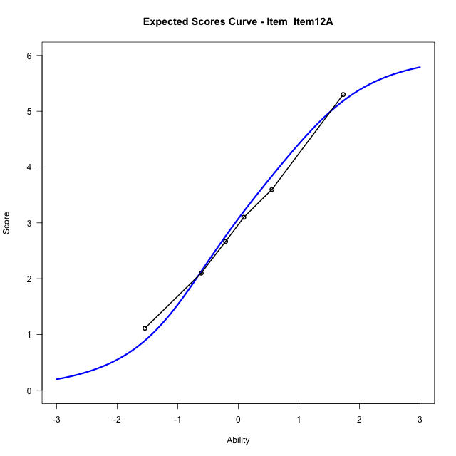
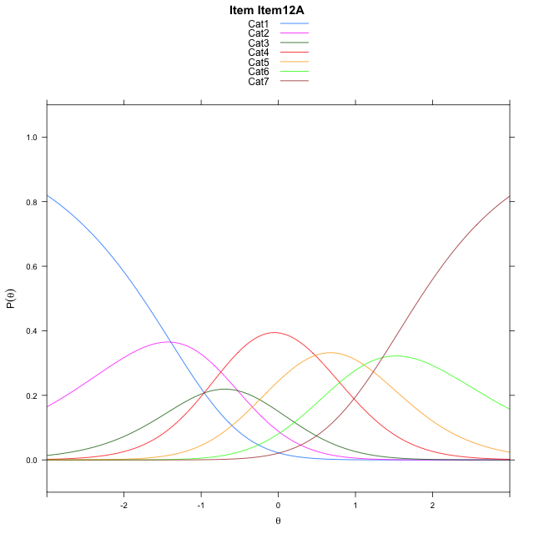
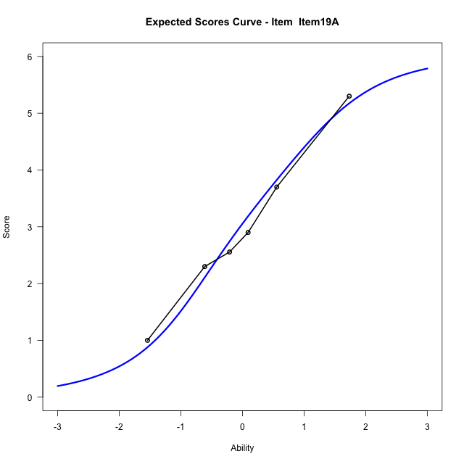
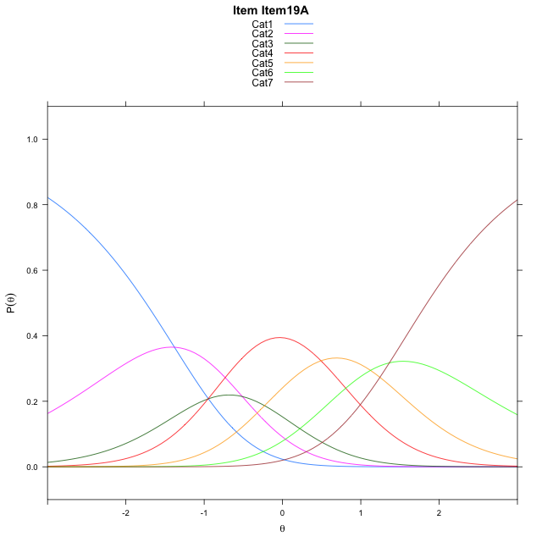
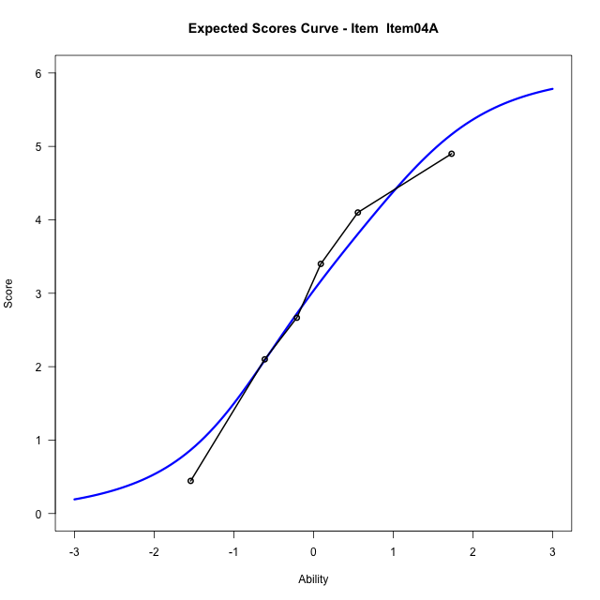
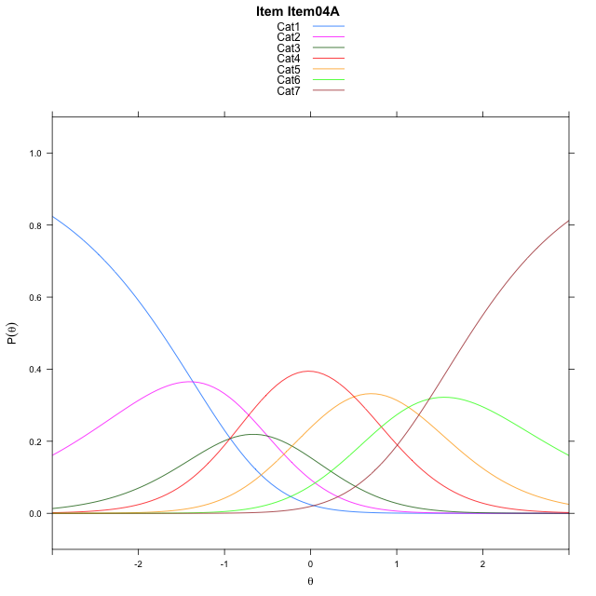
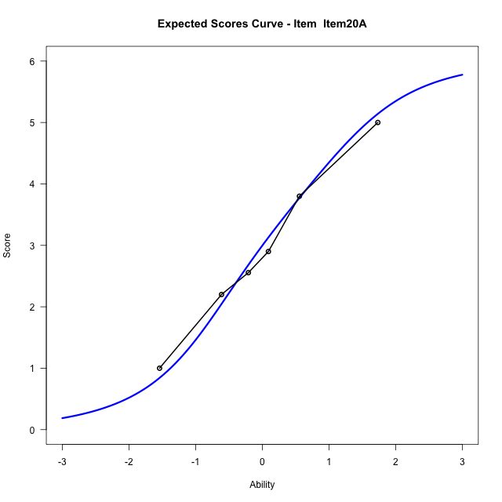

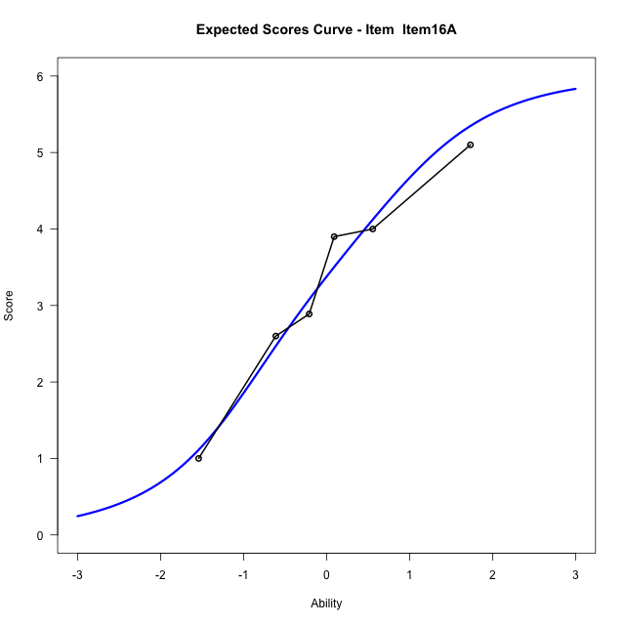
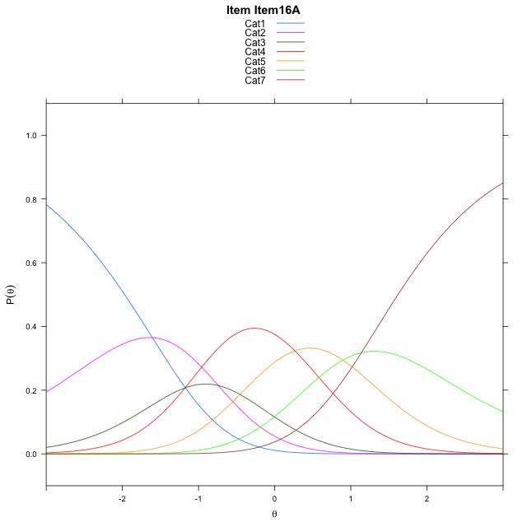
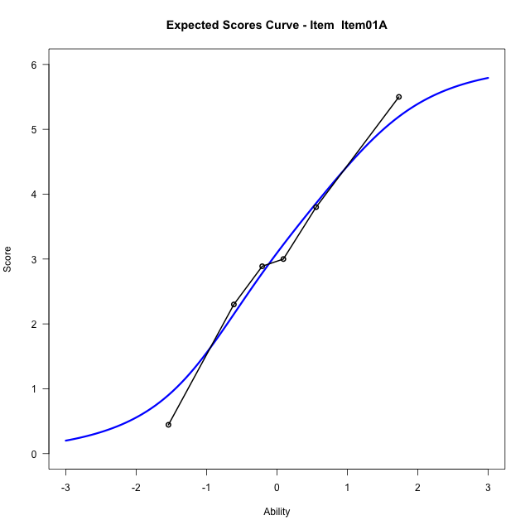

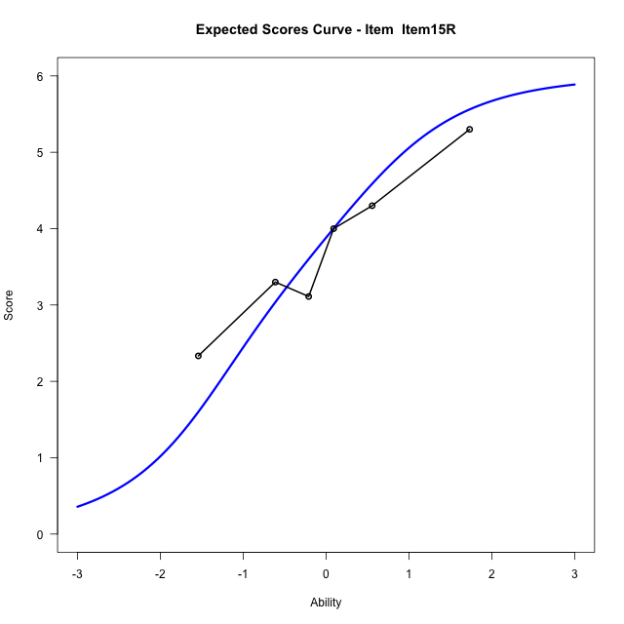
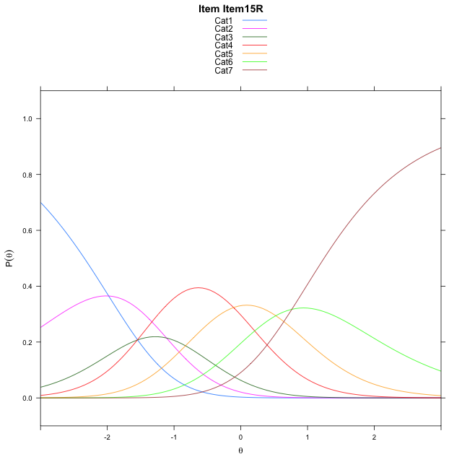
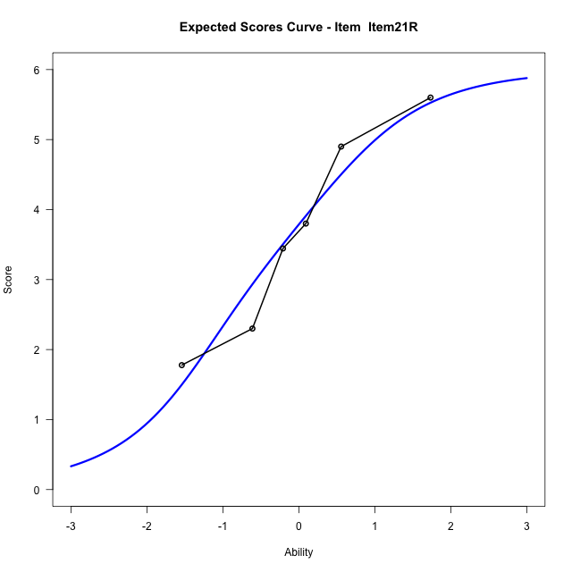
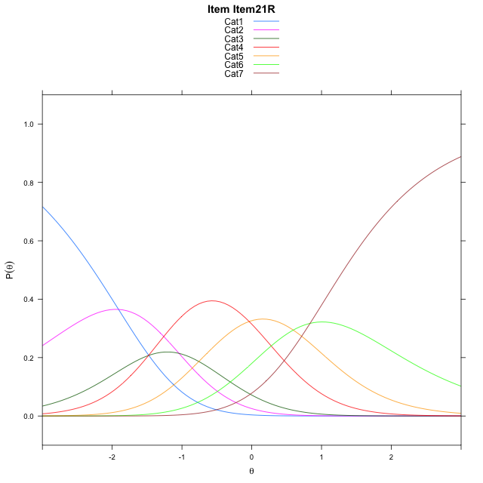
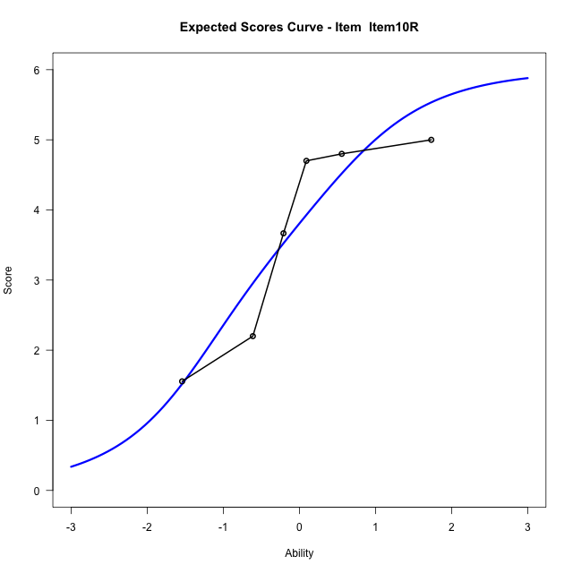
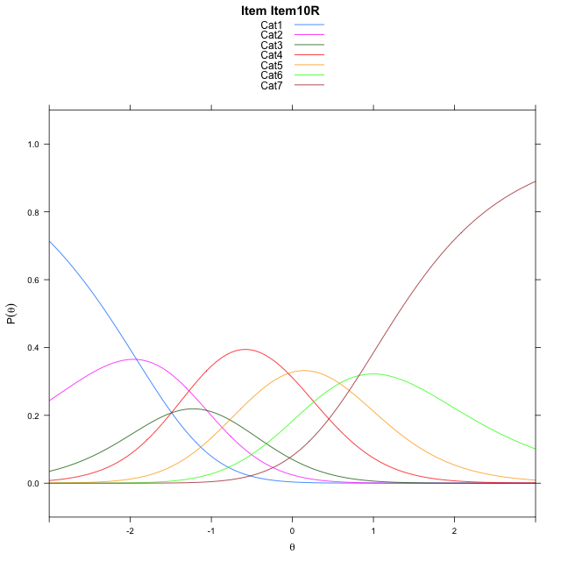
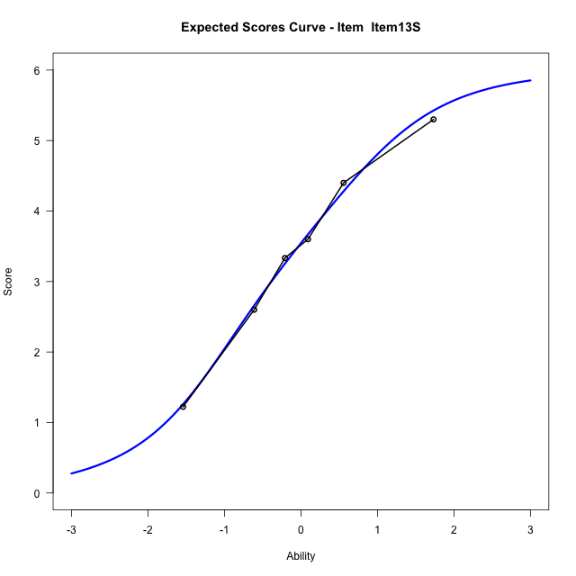
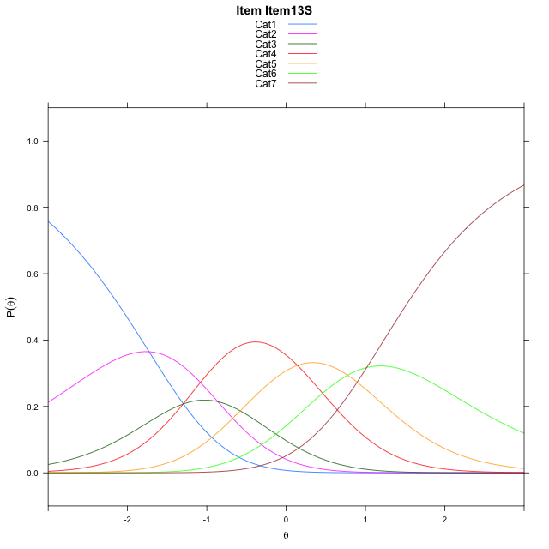
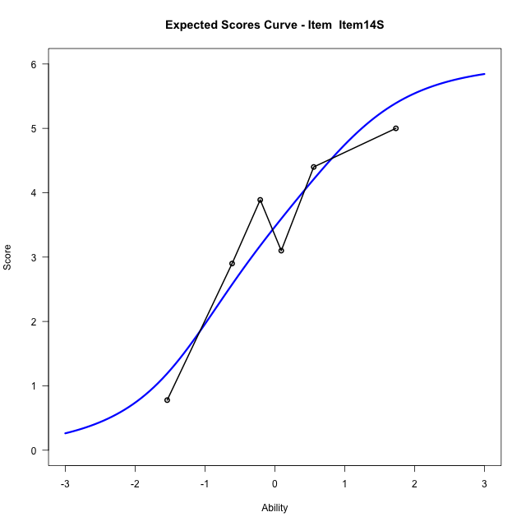
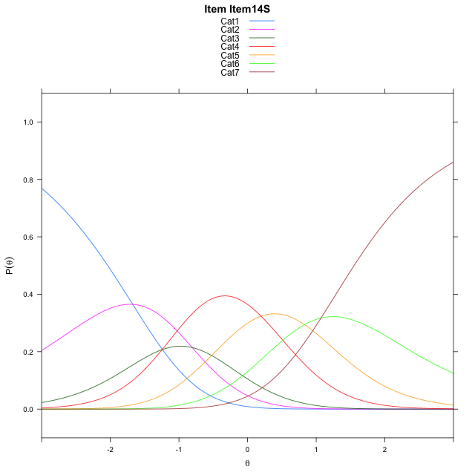
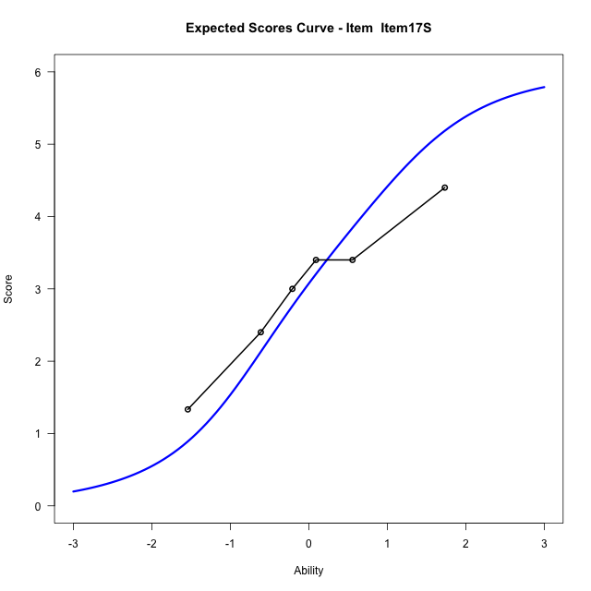

Estimate items information for the measurement model

Full Item Information
item | N | M | xsi.item | AXsi_.Cat1 | AXsi_.Cat2 | AXsi_.Cat3 | AXsi_.Cat4 | AXsi_.Cat5 | AXsi_.Cat6 | B.Cat1.Dim1 | B.Cat2.Dim1 | B.Cat3.Dim1 | B.Cat4.Dim1 | B.Cat5.Dim1 | B.Cat6.Dim1
Item12A | 58 | 3.0172413793 | 0.0097017424524 | -1.392563362 | -1.9189369373 | -2.8822802632 | -2.4036600689 | -1.2930224245 | 0.058210454714 | 1 | 2 | 3 | 4 | 5 | 6
Item19A | 58 | 3 | 0.022935517743 | -1.3793295867 | -1.8924693867 | -2.8425789373 | -2.3507249677 | -1.226853548 | 0.13761310646 | 1 | 2 | 3 | 4 | 5 | 6
Item04A | 58 | 2.9827586207 | 0.036159717639 | -1.3661053868 | -1.8660209869 | -2.8029063376 | -2.2978281681 | -1.1607325486 | 0.21695830584 | 1 | 2 | 3 | 4 | 5 | 6
Item20A | 58 | 2.9482758621 | 0.062581921427 | -1.339683183 | -1.8131765793 | -2.7236397263 | -2.192139353 | -1.0286215296 | 0.37549152856 | 1 | 2 | 3 | 4 | 5 | 6
Item16A | 58 | 3.2931034483 | -0.20383262353 | -1.606097728 | -2.3460056693 | -3.5228833611 | -3.2577975328 | -2.3606942544 | -1.2229957412 | 1 | 2 | 3 | 4 | 5 | 6
Item01A | 58 | 3.0344827586 | -0.0035422322785 | -1.4058073367 | -1.9454248868 | -2.9220121874 | -2.4566359678 | -1.3592422982 | -0.021253393671 | 1 | 2 | 3 | 4 | 5 | 6
Item15R | 58 | 3.7586206897 | -0.57669609886 | -1.9789612033 | -3.0917326199 | -4.6414737871 | -4.7492514341 | -4.2250116311 | -3.4601765932 | 1 | 2 | 3 | 4 | 5 | 6
Item21R | 58 | 3.6724137931 | -0.50605695825 | -1.9083220627 | -2.9504543387 | -4.4295563653 | -4.4666948717 | -3.871815928 | -3.0363417495 | 1 | 2 | 3 | 4 | 5 | 6
Item10R | 58 | 3.6896551724 | -0.5201172751 | -1.9223823795 | -2.9785749724 | -4.4717373158 | -4.5229361391 | -3.9421175122 | -3.1207036506 | 1 | 2 | 3 | 4 | 5 | 6
Item13S | 58 | 3.4482758621 | -0.32598940635 | -1.7282545108 | -2.5903192349 | -3.8893537096 | -3.7464246641 | -2.9714781685 | -1.9559364381 | 1 | 2 | 3 | 4 | 5 | 6
Item14S | 58 | 3.3793103448 | -0.27147665715 | -1.6737417616 | -2.4812937365 | -3.725815462 | -3.5283736673 | -2.6989144225 | -1.6288599429 | 1 | 2 | 3 | 4 | 5 | 6
Item17S | 58 | 3.0172413793 | 0.0097017424524 | -1.392563362 | -1.9189369373 | -2.8822802632 | -2.4036600689 | -1.2930224245 | 0.058210454714 | 1 | 2 | 3 | 4 | 5 | 6

Thurstonian Thresholds (category-wise)
 | Cat1 | Cat2 | Cat3 | Cat4 | Cat5 | Cat6
Item12A | -1.7568054199 | -0.90664672852 | -0.49044799805 | 0.33462524414 | 1.0562438965 | 1.8331604004
Item19A | -1.7436218262 | -0.89346313477 | -0.4772644043 | 0.34799194336 | 1.0694274902 | 1.8463439941
Item04A | -1.7304382324 | -0.88027954102 | -0.46408081055 | 0.36117553711 | 1.082611084 | 1.8595275879
Item20A | -1.7040710449 | -0.85372924805 | -0.43753051758 | 0.38754272461 | 1.109161377 | 1.8860778809
Item16A | -1.970489502 | -1.1201477051 | -0.70394897461 | 0.12112426758 | 0.84274291992 | 1.6196594238
Item01A | -1.7701721191 | -0.92001342773 | -0.50381469727 | 0.32144165039 | 1.0428771973 | 1.8199768066
Item15R | -2.3432922363 | -1.4931335449 | -1.0769348145 | -0.2516784668 | 0.46975708008 | 1.246673584
Item21R | -2.2726135254 | -1.422454834 | -1.0062561035 | -0.18099975586 | 0.54043579102 | 1.3173522949
Item10R | -2.2867126465 | -1.4365539551 | -1.0203552246 | -0.19509887695 | 0.52633666992 | 1.3032531738
Item13S | -2.0926208496 | -1.2424621582 | -0.82626342773 | -0.0010070800781 | 0.7204284668 | 1.4975280762
Item14S | -2.0380554199 | -1.1878967285 | -0.77169799805 | 0.053558349609 | 0.77499389648 | 1.5519104004
Item17S | -1.7568054199 | -0.90664672852 | -0.49044799805 | 0.33462524414 | 1.0562438965 | 1.8331604004

Thurstonian Thresholds (item-wise)
 | Threshold
Item12A | -0.04746079889
Item19A | -0.034914708193
Item04A | -0.022391942476
Item20A | 0.0029068016378
Item16A | -0.25398105023
Item01A | -0.060034047959
Item15R | -0.6345656869
Item21R | -0.5640003217
Item10R | -0.57882325678
Item13S | -0.37691838159
Item14S | -0.32160076111
Item17S | -0.04746079889

Item Infit/Outfit Statistic
parameter | Outfit | Outfit_t | Outfit_p | Outfit_pholm | Infit | Infit_t | Infit_p | Infit_pholm
Item12A | 0.65205281359 | -2.0636052583 | 0.039055158637 | 0.54677222092 | 0.6612329522 | -2.0803338822 | 0.037494919107 | 0.44993902928
Item19A | 1.2939673035 | 1.4847971626 | 0.13759756377 | 1 | 1.388397757 | 1.9647573527 | 0.049442328385 | 0.49442328385
Item04A | 0.77547408071 | -1.2408746672 | 0.21465205243 | 1 | 0.79955546302 | -1.1399754501 | 0.25429652916 | 1
Item20A | 0.76451789279 | -1.3164258907 | 0.18803113723 | 1 | 0.79218405245 | -1.1894444471 | 0.2342648193 | 1
Item16A | 0.74489935388 | -1.4231718314 | 0.15468634925 | 1 | 0.76232734806 | -1.3618582802 | 0.17324261471 | 1
Item01A | 0.87607925506 | -0.63216648008 | 0.52727809807 | 1 | 0.90779246243 | -0.47402355106 | 0.63548311299 | 1
Item15R | 1.5325738989 | 2.3768816749 | 0.01745968787 | 0.26189531805 | 1.4200374215 | 2.0503206757 | 0.040333148261 | 0.44993902928
Item21R | 0.93582065134 | -0.285076207 | 0.77558575812 | 1 | 0.9773456952 | -0.073367317024 | 0.94151382472 | 1
Item10R | 1.674551494 | 2.880107255 | 0.0039753990634 | 0.063606385014 | 1.3349111418 | 1.6859604168 | 0.091803423724 | 0.82623081351
Item13S | 0.98311735133 | -0.030657943125 | 0.97554233191 | 1 | 1.0458969587 | 0.30012526377 | 0.76408160927 | 1
Item14S | 0.84704310557 | -0.7878705055 | 0.43077245495 | 1 | 0.9085777309 | -0.45909378986 | 0.64616681605 | 1
Item17S | 1.2309641037 | 1.1467554597 | 0.25148270217 | 1 | 1.0136815477 | 0.12599204423 | 0.89973822217 | 1
Cat1 | 4.612932964 | 1.9344114228 | 0.053062563129 | 0.68981332068 | 3.4975510879 | 23.572953699 | 7.302453913E-123 | 1.0953680869E-121
Cat2 | 2.8195000816 | 1.7707405636 | 0.07660385375 | 0.919246245 | 2.6985963103 | 23.03897033 | 1.8974773267E-117 | 2.6564682574E-116
Cat3 | 2.3728313631 | 1.5530385565 | 0.1204139236 | 1 | 2.4311113715 | 26.647291527 | 1.9238327089E-156 | 3.0781323342E-155
Cat4 | 2.0301686086 | 1.2061199955 | 0.22777122606 | 1 | 2.0865572453 | 27.177086149 | 1.2119908947E-162 | 2.060384521E-161
Cat5 | 5.9846863332 | 4.8700844779 | 1.1155054687E-06 | 1.8963592968E-05 | 2.0081087974 | 10.823477362 | 2.6647124227E-27 | 3.4641261495E-26

Box plot of expected curves

