Global-info
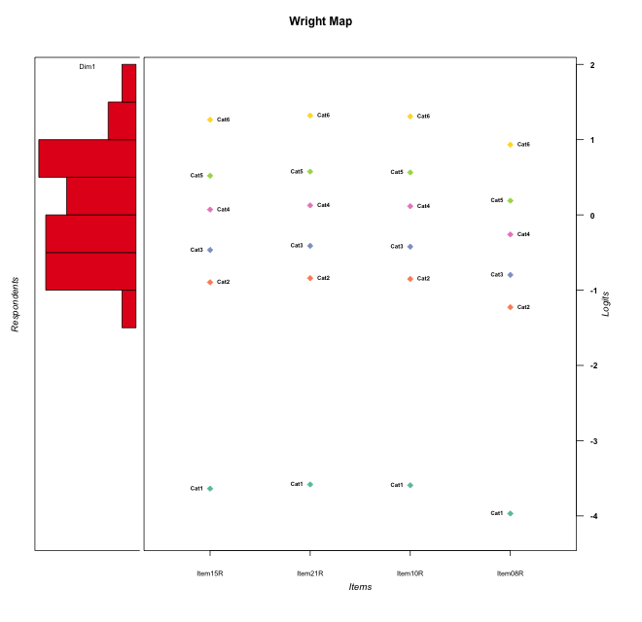
Global information for a measurement model

Information
Number.of.items | Deviance | Log.Likelihood | Number.of.persons | EAP.rel | n.theta.nodes | irt.model
4 | 771.31851453 | -385.65925727 | 58 | 0.73935719252 | 21 | RSM

Global fit statistic MADaQ3 and test fit
MADaQ3 | maxaQ3 | p
0.15090018704 | 0.36581365985 | 0.040012697909

Test statistic of global fit based on Chi square
maxX2 | Npairs | p.holm
68.6956761 | 6 | 0.004976138148

Model fit statistics
X100.MADCOV | SRMR | SRMSR
28.531129912 | 0.10575849477 | 0.11982823566

Chi square tests for every item pairs
index1 | index2 | maxK1 | maxK2 | df | chi2 | p | p.holm
1 | 2 | 6 | 6 | 36 | 39.672834105 | 0.30960449198 | 1
1 | 3 | 6 | 6 | 36 | 68.6956761 | 0.000829356358 | 0.004976138148
1 | 4 | 6 | 6 | 36 | 37.661470964 | 0.39310085949 | 1
2 | 3 | 6 | 6 | 36 | 41.056948966 | 0.25851202584 | 1
2 | 4 | 6 | 6 | 36 | 23.428536183 | 0.94734128965 | 1
3 | 4 | 6 | 6 | 36 | 28.981860306 | 0.79042797421 | 1

Item residuals
Item15R | Item21R | Item10R | Item08R
-0.52368494801 | 1.5640632109 | -1.453259556 | -1.1008021505
-0.88717701122 | 1.2135780603 | 1.193335431 | -1.453315988
-0.19316923631 | 0.85907278759 | 0.84839775206 | 0.54904226638
-0.26762142898 | 0.82448576077 | 0.80589145861 | -0.76561531095
0.65495956906 | -1.263582074 | 0.72036739034 | -1.8910419976
0.65060106817 | 0.69332898684 | 0.68458373328 | 0.44205121996
0.65495956906 | -0.26358207396 | -1.2796326097 | -0.89104199757
0.29650955281 | 1.3989251716 | 1.37839607 | -3.2904479815
0.92822375162 | 0.025527220371 | 0.0059331870602 | -0.6083548684
-1.2944043761 | -0.19305995429 | 0.78673432305 | 0.096227751527
0.3019018541 | 0.39458587468 | -1.6237479428 | -0.29624554951
-0.66903142396 | 0.40916688663 | 0.39329310901 | 0.92577341415
-0.70349044719 | -0.60107482835 | 0.37839606998 | 0.70955201848
2.1128229888 | 0.21357806025 | -0.80666456898 | -1.453315988
-0.16136500659 | -1.0872552894 | -0.10182993544 | -0.66807398768
-1.0717762484 | -0.97447277963 | 1.0059331871 | 1.3916451316
2.6549595691 | -1.263582074 | -1.2796326097 | -1.8910419976
2.2965095528 | -1.6010748284 | -2.62160393 | 1.7095520185
-1.4709950965 | 0.61457127697 | 1.5972498697 | 0.076091363624
1.5290049035 | 1.614571277 | -3.4027501303 | 1.0760913636
-2.5067421637 | 0.59576016311 | -0.42473430423 | 1.8923855781
0.47631505199 | -0.43593678914 | -1.453259556 | -0.10080215052
-0.88717701122 | 0.21357806025 | 2.193335431 | -1.453315988
1.1461665419 | 1.2163910788 | 1.2020998419 | -2.2107656651
0.49325783631 | 0.59576016311 | -1.4247343042 | -0.10761442195
0.92822375162 | 1.0255272204 | 0.0059331870602 | -1.6083548684
0.3019018541 | 0.39458587468 | 0.37625205717 | -2.2962455495
0.65060106817 | 0.69332898684 | 0.68458373328 | 0.44205121996
-0.85383345811 | 1.2163910788 | 0.20209984194 | 0.78923433485
-0.70349044719 | 1.3989251716 | 1.37839607 | -2.2904479815
0.11999490987 | 0.21641532996 | -1.8027014473 | 0.51056297514
0.11999490987 | -1.78358467 | -1.8027014473 | 2.5105629751
1.2965095528 | -2.6010748284 | 0.37839606998 | 0.70955201848
-1.2944043761 | -0.19305995429 | -1.2132656769 | 2.0962277515
0.11282298878 | 0.21357806025 | -0.80666456898 | 0.54668401198
0.11282298878 | -0.78642193975 | 0.19333543102 | 0.54668401198
-0.47099509654 | 0.61457127697 | 0.59724986967 | 0.076091363624
0.65060106817 | 0.69332898684 | 0.68458373328 | 0.44205121996
-1.8871770112 | 0.21357806025 | 0.19333543102 | 1.546684012
-0.47099509654 | 0.61457127697 | 0.59724986967 | 0.076091363624
-0.071776248382 | 0.025527220371 | 1.0059331871 | -0.6083548684
-2.1613650066 | -1.0872552894 | 0.89817006456 | 0.33192601232
0.65060106817 | 0.69332898684 | 0.68458373328 | 0.44205121996
-0.6980981459 | -0.60541412532 | -1.6237479428 | 1.7037544505
-1.1613650066 | -1.0872552894 | -0.10182993544 | 0.33192601232
-1.669031424 | 0.40916688663 | 1.393293109 | 0.92577341415
0.14616654189 | 1.2163910788 | 1.2020998419 | -1.2107656651
0.33096857604 | 0.40916688663 | 0.39329310901 | -0.074226585849
-0.70349044719 | 0.39892517165 | 0.37839606998 | -0.29044798152
1.330968576 | -0.59083311337 | -0.60670689099 | 0.92577341415
1.1128229888 | -1.7864219397 | -0.80666456898 | 1.546684012
0.97265063888 | 1.0342076146 | 0.021652912351 | -0.33519349143
-1.3450404309 | -0.26358207396 | -0.27963260966 | 0.10895800243
-0.071776248382 | -2.9744727796 | 2.0059331871 | 1.3916451316
0.33096857604 | -0.59083311337 | 0.39329310901 | 0.92577341415
0.70559562389 | -0.19305995429 | -0.21326567695 | -0.90377224847
-0.52368494801 | -0.43593678914 | -0.45325955601 | -0.10080215052
0.65495956906 | -1.263582074 | -1.2796326097 | 0.10895800243

Wright Map for Item Response Models

Estimate-Items
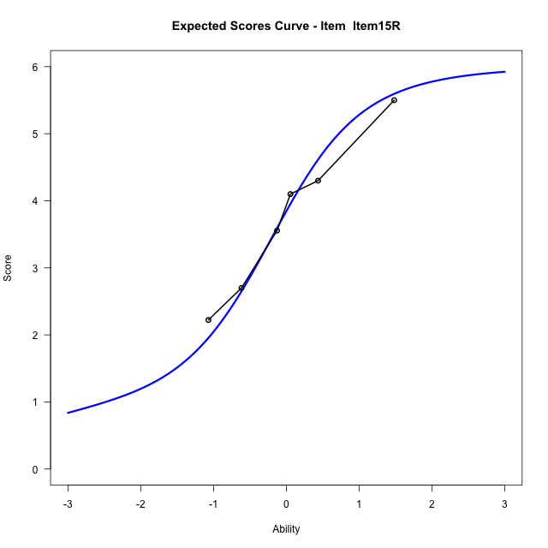
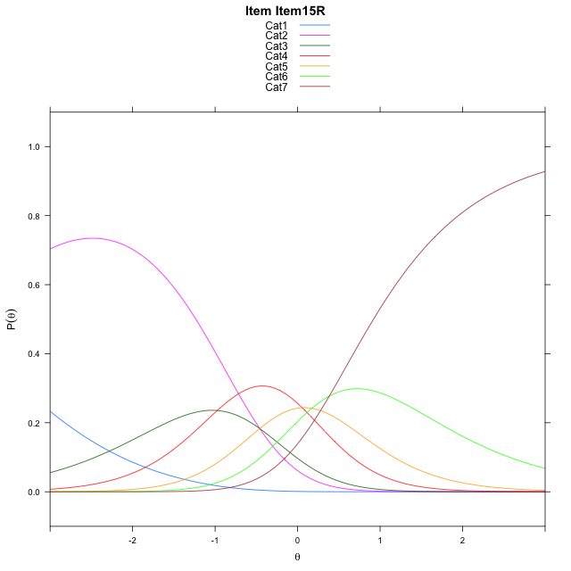

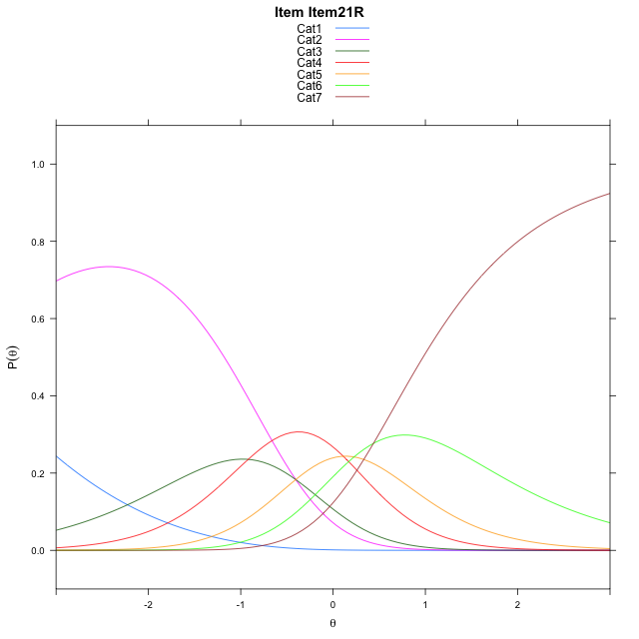
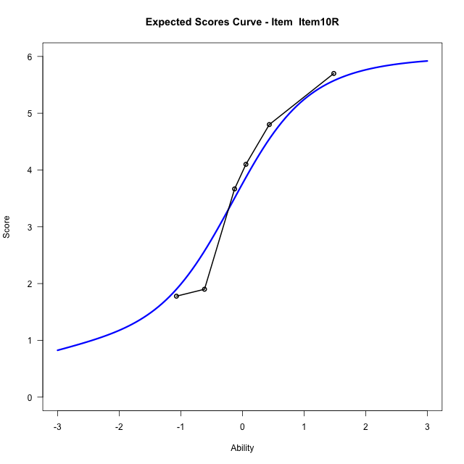

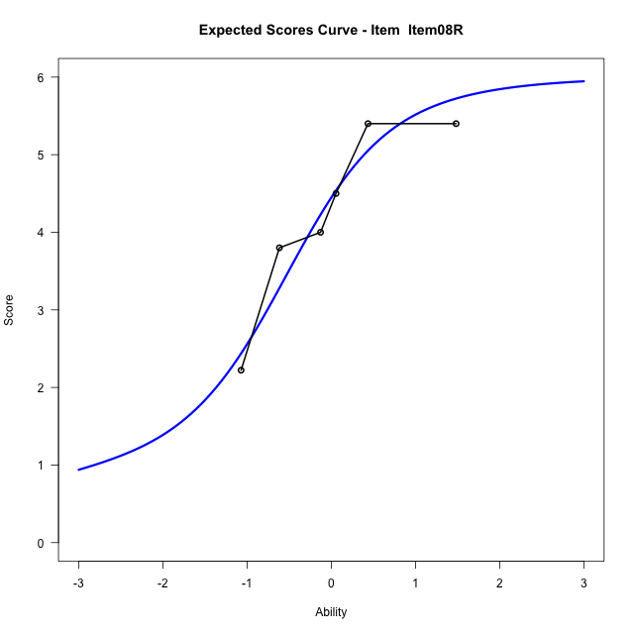
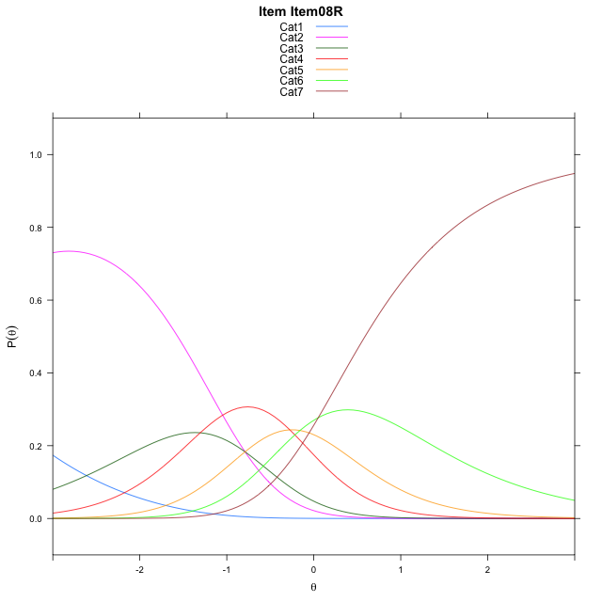
Estimate items information for the measurement model

Full Item Information
item | N | M | xsi.item | AXsi_.Cat1 | AXsi_.Cat2 | AXsi_.Cat3 | AXsi_.Cat4 | AXsi_.Cat5 | AXsi_.Cat6 | B.Cat1.Dim1 | B.Cat2.Dim1 | B.Cat3.Dim1 | B.Cat4.Dim1 | B.Cat5.Dim1 | B.Cat6.Dim1
Item15R | 58 | 3.7586206897 | -0.82088845755 | -4.104085778 | -4.563139138 | -5.5368900012 | -5.4813210471 | -5.3085940979 | -4.9253307453 | 1 | 2 | 3 | 4 | 5 | 6
Item21R | 58 | 3.6724137931 | -0.76594171486 | -4.0491390353 | -4.4532456526 | -5.3720497732 | -5.2615340764 | -5.0338603845 | -4.5956502892 | 1 | 2 | 3 | 4 | 5 | 6
Item10R | 58 | 3.6896551724 | -0.77692567128 | -4.0601229917 | -4.4752135654 | -5.4050016424 | -5.305469902 | -5.0887801666 | -4.6615540277 | 1 | 2 | 3 | 4 | 5 | 6
Item08R | 58 | 4.2586206897 | -1.1522020104 | -4.4353993309 | -5.2257662438 | -6.5308306599 | -6.8065752587 | -6.9651618624 | -6.9132120626 | 1 | 2 | 3 | 4 | 5 | 6

Thurstonian Thresholds (category-wise)
 | Cat1 | Cat2 | Cat3 | Cat4 | Cat5 | Cat6
Item15R | -4.1304016113 | -1.1686706543 | -0.69277954102 | -0.14584350586 | 0.28427124023 | 0.92001342773
Item21R | -4.0754699707 | -1.1137390137 | -0.63766479492 | -0.090911865234 | 0.33920288086 | 0.97494506836
Item10R | -4.0864562988 | -1.1247253418 | -0.64865112305 | -0.10171508789 | 0.32821655273 | 0.96395874023
Item08R | -4.4618225098 | -1.5000915527 | -1.024017334 | -0.47708129883 | -0.047149658203 | 0.58877563477

Thurstonian Thresholds (item-wise)
 | Threshold
Item15R | -0.43474454441
Item21R | -0.38283031364
Item10R | -0.39322253422
Item08R | -0.77372767594

Item Infit/Outfit Statistic
parameter | Outfit | Outfit_t | Outfit_p | Outfit_pholm | Infit | Infit_t | Infit_p | Infit_pholm
Item15R | 0.95473750229 | -0.22249824143 | 0.8239260421 | 1 | 0.91135184586 | -0.49738958951 | 0.61891434546 | 1
Item21R | 0.82895276234 | -0.95087780811 | 0.3416664084 | 1 | 0.84958425585 | -0.89251449957 | 0.37211722453 | 1
Item10R | 1.0208340078 | 0.13095739456 | 0.89580901128 | 1 | 1.0413580128 | 0.26679758258 | 0.78962501564 | 1
Item08R | 1.2506143306 | 1.174302063 | 0.24027405727 | 1 | 1.2232432574 | 1.1931321437 | 0.23281762457 | 0.93127049829
Cat1 | 1.3607445798 | 0.65273133099 | 0.51392950017 | 1 | 1.4654772707 | 4.306145926 | 1.6612349095E-05 | 9.9674094571E-05
Cat2 | 1.4535498124 | 1.5082626077 | 0.13148732926 | 0.93336761466 | 1.4627520515 | 6.6471676442 | 2.9878665749E-11 | 2.0915066024E-10
Cat3 | 1.5475262756 | 2.5400357702 | 0.011084113197 | 0.099757018772 | 1.5500429967 | 11.289517112 | 1.4784668849E-29 | 1.182773508E-28
Cat4 | 1.5833012128 | 1.5689012446 | 0.11667095183 | 0.93336761466 | 1.6594525661 | 12.861891076 | 7.375002344E-38 | 6.6375021096E-37
Cat5 | 1.4369886178 | 0.70038420021 | 0.48368740066 | 1 | 1.4051790688 | 3.6959613631 | 0.0002190562874 | 0.001095281437

Box plot of expected curves

