Global-info
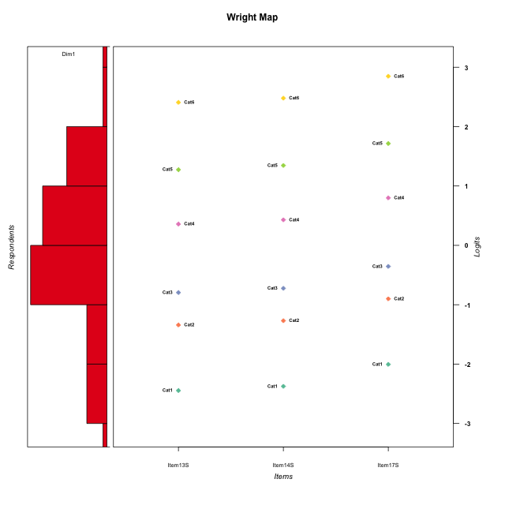
Global information for a measurement model

Information
Number.of.items | Deviance | Log.Likelihood | Number.of.persons | EAP.rel | n.theta.nodes | irt.model
3 | 571.73076704 | -285.86538352 | 58 | 0.8276255655 | 21 | RSM

Global fit statistic MADaQ3 and test fit
MADaQ3 | maxaQ3 | p
0.15789215043 | 0.23683822565 | 0.23704028682

Test statistic of global fit based on Chi square
maxX2 | Npairs | p.holm
54.715308964 | 3 | 0.070738134606

Model fit statistics
X100.MADCOV | SRMR | SRMSR
29.109696343 | 0.061395665169 | 0.07445320361

Chi square tests for every item pairs
index1 | index2 | maxK1 | maxK2 | df | chi2 | p | p.holm
1 | 2 | 6 | 6 | 36 | 39.014668011 | 0.33579706192 | 0.33579706192
1 | 3 | 6 | 6 | 36 | 44.292839474 | 0.16151468187 | 0.32302936373
2 | 3 | 6 | 6 | 36 | 54.715308964 | 0.023579378202 | 0.070738134606

Item residuals
Item13S | Item14S | Item17S
-0.51034359561 | -0.43816659307 | -0.098177882883
0.76605313595 | -0.15785538268 | -0.75306211012
-0.33656760674 | 0.73179550405 | 0.094935097341
1.0435087716 | 0.12214466756 | -1.4603551507
-0.23394686405 | -2.1578553827 | 2.2469378899
1.6634323933 | -0.26820449595 | -0.90506490266
-0.67613505927 | -0.5950494733 | 0.83052792339
0.48963262251 | -0.4363735713 | -0.044547035514
0.48963262251 | -1.4363735713 | 0.95545296449
-0.95649122839 | 1.1221446676 | -0.46035515067
-0.23394686405 | -0.15785538268 | 0.24693788988
0.66343239326 | 0.73179550405 | -0.90506490266
-0.23394686405 | -0.15785538268 | 0.24693788988
1.3942771239 | -0.54130502544 | -0.19302828688
0.21326917497 | 0.28564779997 | -0.33313134666
0.21326917497 | -0.71435220003 | 0.66686865334
-0.65411040918 | -0.61672981241 | -0.45215183243
1.1332151159 | 1.191632009 | -1.4846064361
0.13321511588 | 0.19163200901 | 0.51539356392
1.1332151159 | 1.191632009 | -1.4846064361
-1.1019068081 | 0.98009605211 | -0.60935090087
-0.51036737749 | 0.5636264287 | -0.044547035514
0.48963262251 | -1.4363735713 | 0.95545296449
1.1332151159 | 1.191632009 | -1.4846064361
0.66343239326 | -0.26820449595 | 0.094935097341
0.13321511588 | 0.19163200901 | 0.51539356392
-0.23394686405 | -0.15785538268 | 0.24693788988
0.43921171882 | 0.46825381906 | 0.64446851147
0.88384123547 | 0.93407948792 | -0.77920215951
-0.78673082503 | 0.28564779997 | 0.66686865334
-0.95649122839 | 0.12214466756 | 0.53964484933
0.89809319193 | -2.0199039479 | 0.39064909913
-1.9564912284 | 2.1221446676 | -0.46035515067
-0.2144945112 | -0.1518767995 | -0.86507585706
0.60855717272 | -1.3088993714 | 0.11556962267
-0.60572287609 | 0.45869497456 | 0.80697171312
-0.95649122839 | 0.12214466756 | 0.53964484933
1.4896326225 | 0.5636264287 | -2.0445470355
-0.78673082503 | 1.2856478 | -0.33313134666
-0.06266873196 | 1.0080937498 | -0.61924980134
-0.06266873196 | 0.0080937497663 | 0.38075019866
0.32386494073 | -1.5950494733 | 0.83052792339
1.1332151159 | 1.191632009 | -1.4846064361
-1.1019068081 | -0.019903947894 | 0.39064909913
-0.80757494107 | -0.72890351328 | 0.65323828282
-0.60572287609 | 0.45869497456 | 0.80697171312
0.39427712391 | -0.54130502544 | 0.80697171312
0.39427712391 | 0.45869497456 | -0.19302828688
-0.23394686405 | -0.15785538268 | 0.24693788988
-1.3365676067 | -0.26820449595 | 2.0949350973
1.213269175 | -0.71435220003 | -0.33313134666
0.39427712391 | -0.54130502544 | 0.80697171312
-0.92609320285 | 0.12453233969 | -0.64883967886
-0.23394686405 | -1.1578553827 | 1.2469378899
-0.95649122839 | 1.1221446676 | -0.46035515067
0.21326917497 | 0.28564779997 | -0.33313134666
-1.2144945112 | -0.1518767995 | 0.13492414294
-0.65411040918 | -0.61672981241 | -0.45215183243

Wright Map for Item Response Models

Estimate-Items
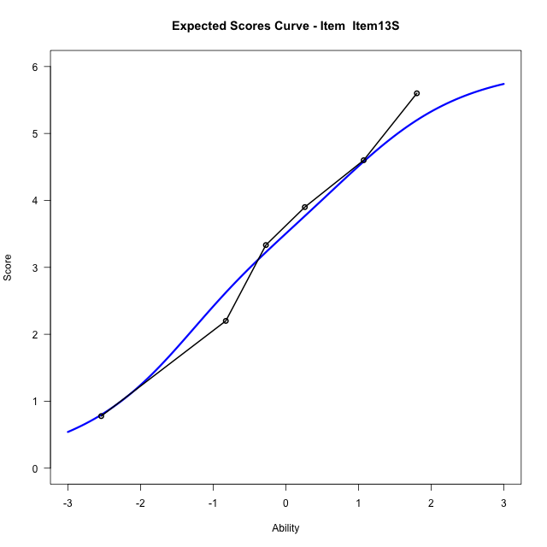
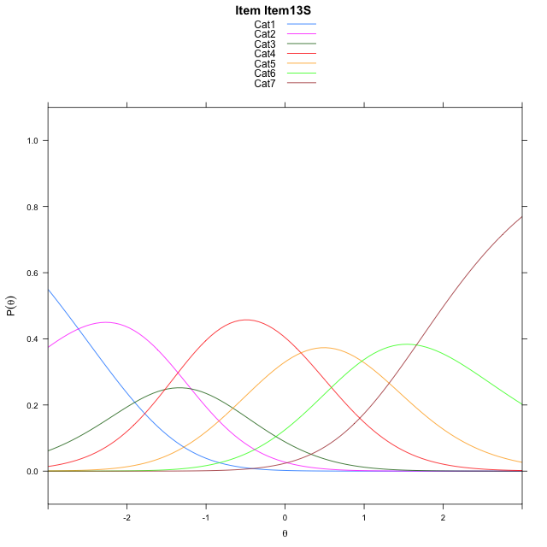
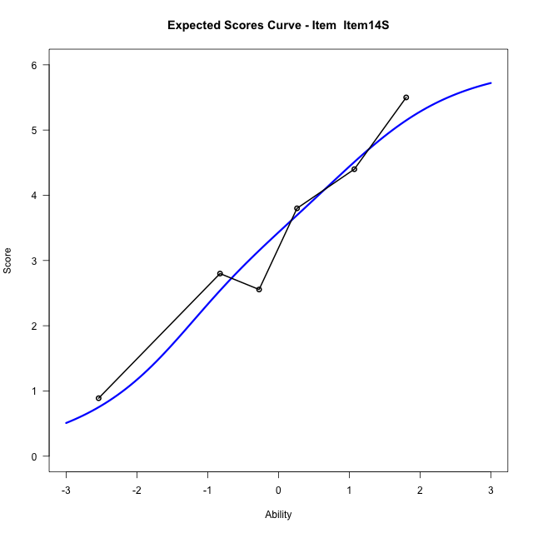
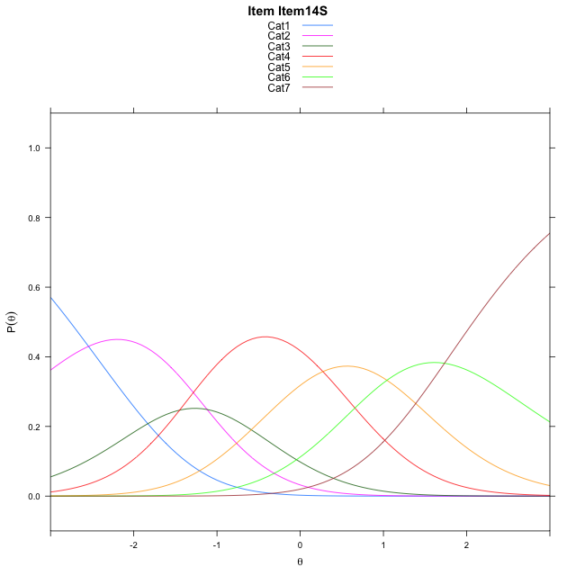
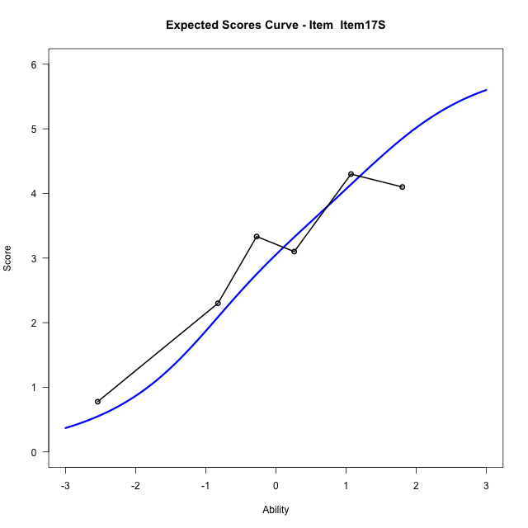
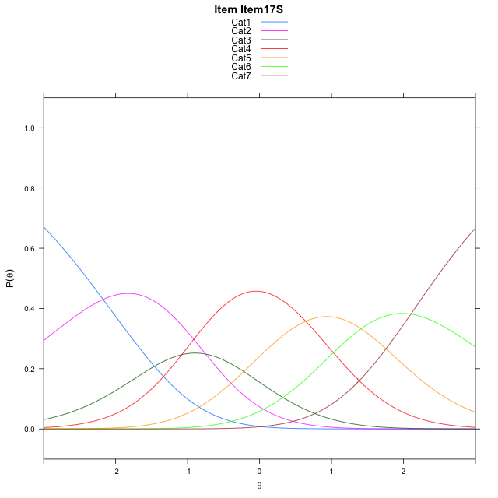
Estimate items information for the measurement model

Full Item Information
item | N | M | xsi.item | AXsi_.Cat1 | AXsi_.Cat2 | AXsi_.Cat3 | AXsi_.Cat4 | AXsi_.Cat5 | AXsi_.Cat6 | B.Cat1.Dim1 | B.Cat2.Dim1 | B.Cat3.Dim1 | B.Cat4.Dim1 | B.Cat5.Dim1 | B.Cat6.Dim1
Item13S | 58 | 3.4482758621 | -0.41533689619 | -2.615072003 | -3.8051247377 | -5.325998803 | -5.1248077471 | -4.1542145899 | -2.4920213771 | 1 | 2 | 3 | 4 | 5 | 6
Item14S | 58 | 3.3793103448 | -0.34395570329 | -2.5436908102 | -3.6623623519 | -5.1118552243 | -4.8392829755 | -3.7973086254 | -2.0637342198 | 1 | 2 | 3 | 4 | 5 | 6
Item17S | 58 | 3.0172413793 | 0.025186236814 | -2.17454887 | -2.9240784717 | -4.004429404 | -3.3627152151 | -1.9515989248 | 0.15111742089 | 1 | 2 | 3 | 4 | 5 | 6

Thurstonian Thresholds (category-wise)
 | Cat1 | Cat2 | Cat3 | Cat4 | Cat5 | Cat6
Item13S | -2.8360290527 | -1.6092224121 | -1.0686950684 | 0.050811767578 | 0.97274780273 | 2.0087585449
Item14S | -2.7646179199 | -1.5379943848 | -0.99728393555 | 0.12222290039 | 1.0441589355 | 2.0799865723
Item17S | -2.3954772949 | -1.1688537598 | -0.62814331055 | 0.49136352539 | 1.4132995605 | 2.4491271973

Thurstonian Thresholds (item-wise)
 | Threshold
Item13S | -0.48484928505
Item14S | -0.41078242722
Item17S | -0.04602427621

Item Infit/Outfit Statistic
parameter | Outfit | Outfit_t | Outfit_p | Outfit_pholm | Infit | Infit_t | Infit_p | Infit_pholm
Item13S | 0.95053228104 | -0.23531772661 | 0.81396213754 | 1 | 0.9670591807 | -0.15220163298 | 0.87902790604 | 1
Item14S | 1.0225562799 | 0.1491584531 | 0.8814286028 | 1 | 1.055942549 | 0.32702063026 | 0.74365228165 | 1
Item17S | 1.0483115313 | 0.2741313126 | 0.78398371122 | 1 | 1.0117229703 | 0.09144612387 | 0.9271381137 | 1
Cat1 | 1.1718176728 | 0.46153143987 | 0.64441737022 | 1 | 1.4392799241 | 2.6514325625 | 0.0080151117322 | 0.048090670393
Cat2 | 1.2221139878 | 0.53378731653 | 0.59348868995 | 1 | 1.298178119 | 2.2824557064 | 0.022462449689 | 0.11231224845
Cat3 | 1.1359579746 | 0.5602468091 | 0.57531110292 | 1 | 1.1971700823 | 1.9030397468 | 0.057035359063 | 0.22814143625
Cat4 | 1.3472063972 | 3.9616272937 | 7.4440677474E-05 | 0.00052108474231 | 1.5552661289 | 7.3706861113 | 1.6975210137E-13 | 1.3580168109E-12
Cat5 | 1.5232423724 | 77.025660331 | 0 | 0 | 1.6041504417 | 4.1812920018 | 2.8985733407E-05 | 0.00020290013385

Box plot of expected curves

