Type_1
Wilcoxon Analysis for Satisfaction by Type in Type between non-gamified:ont-gamified

Wilcoxon test results
Alternative hypothesis: less
Group | N | Median | Mean.Ranks | Sum.Ranks | U | Z | p.value | r | magnitude
non-gamified | 34 | -0.01400110805 | 30.191176471 | 1026.5 | 431.5 | 0.37241174625 | 0.64560943538 | 0.048900057955 | none
ont-gamified | 24 | -0.18117249505 | 28.520833333 | 684.5 | 431.5 | 0.37241174625 | 0.64560943538 | 0.048900057955 | none
Alternative hypothesis: greater
Group | N | Median | Mean.Ranks | Sum.Ranks | U | Z | p.value | r | magnitude
non-gamified | 34 | -0.01400110805 | 30.191176471 | 1026.5 | 431.5 | 0.37241174625 | 0.35732458652 | 0.048900057955 | none
ont-gamified | 24 | -0.18117249505 | 28.520833333 | 684.5 | 431.5 | 0.37241174625 | 0.35732458652 | 0.048900057955 | none
Alternative hypothesis: two.sided
Group | N | Median | Mean.Ranks | Sum.Ranks | U | Z | p.value | r | magnitude
non-gamified | 34 | -0.01400110805 | 30.191176471 | 1026.5 | 431.5 | 0.37241174625 | 0.7146743438 | 0.048900057955 | none
ont-gamified | 24 | -0.18117249505 | 28.520833333 | 684.5 | 431.5 | 0.37241174625 | 0.7146743438 | 0.048900057955 | none

Box plots for wilcoxon tests
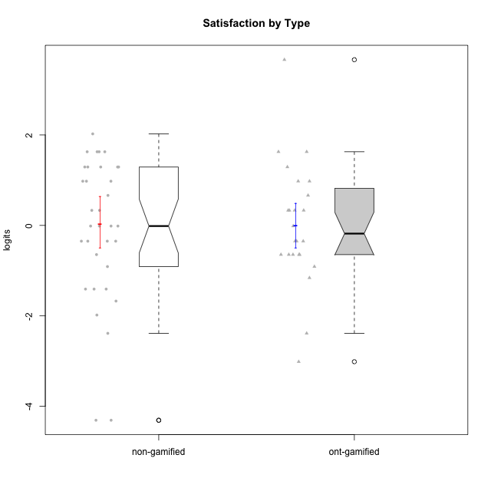

Wilcoxon data
UserID | NroUSP | Type | CLGroup | CLRole | PlayerRole | Score | theta | error | Outfit | Infit | Satisfaction
10169 | 10377538 | non-gamified | Grupo Team 10 | Apprentice |  | 3 | -1.9816683092 | 0.61128369446 | 0.041768679948 | 0.044002617506 | -1.9816683092
10170 | 10260351 | non-gamified | Grupo Team 6 | Apprentice |  | 9 | -0.34834388206 | 0.55436066336 | 0.36157677116 | 0.36078474856 | -0.34834388206
10171 | 698531 | ont-gamified | Grupo Losvakai | Master | Yee Achiever | 13 | 0.97757031778 | 0.57780869505 | 0.1949265359 | 0.19351452517 | 0.97757031778
10172 | 10273971 | ont-gamified | Grupo Koil | Master | Yee Achiever | 8 | -0.64536976432 | 0.535880791 | 0.89304780874 | 0.90476759529 | -0.64536976432
10174 | 10276852 | non-gamified | Grupo Team 1 | Apprentice |  | 9 | -0.34834388206 | 0.55436066336 | 2.9334741359 | 3.0022060085 | -0.34834388206
10175 | 10310700 | non-gamified | Grupo Team 6 | Master |  | 13 | 0.97757031778 | 0.57780869505 | 1.1905073346 | 1.1856208084 | 0.97757031778
10176 | 10276949 | non-gamified | Grupo Team 9 | Apprentice |  | 7 | -0.91044067076 | 0.52374843373 | 0.40782101165 | 0.41244284559 | -0.91044067076
10178 | 8656201 | non-gamified | Grupo Team 11 | Apprentice |  | 10 | -0.01400110805 | 0.57023199959 | 0.14464595343 | 0.14191993651 | -0.01400110805
10179 | 10310759 | ont-gamified | Grupo Tosskor | Apprentice | Yee Achiever | 10 | -0.01400110805 | 0.57023199959 | 1.0417619123 | 1.0395516624 | -0.01400110805
10181 | 10276866 | non-gamified | Grupo Team 7 | Apprentice |  | 8 | -0.64536976432 | 0.535880791 | 0.6908732836 | 0.67456696813 | -0.64536976432
10183 | 10352030 | non-gamified | Grupo Belos | Apprentice | Yee Socializer | 9 | -0.34834388206 | 0.55436066336 | 0.040830308748 | 0.04264559478 | -0.34834388206
10184 | 10276675 | non-gamified | Grupo Team 7 | Master |  | 13 | 0.97757031778 | 0.57780869505 | 0.56071201527 | 0.56510004864 | 0.97757031778
10185 | 10276960 | ont-gamified | Grupo Tosskor | Master | Yee Achiever | 9 | -0.34834388206 | 0.55436066336 | 0.040830308748 | 0.04264559478 | -0.34834388206
10186 | 10310551 | non-gamified | Grupo Team 5 | Apprentice |  | 14 | 1.2916965628 | 0.59397840224 | 0.77321947482 | 0.74943791497 | 1.2916965628
10187 | 9790781 | ont-gamified | Grupo Razorg | Apprentice | Yee Achiever | 11 | 0.33281250667 | 0.57505100848 | 0.078427588729 | 0.078462294171 | 0.33281250667
10188 | 10276995 | ont-gamified | Grupo Paldira | Master | Yee Achiever | 11 | 0.33281250667 | 0.57505100848 | 0.32386613496 | 0.32364699763 | 0.33281250667
10189 | 9363926 | non-gamified | Grupo Team 2 | Apprentice |  | 0 | -4.307819633 | 1.5610968447 | 0.15695116548 | 0.16144834053 | -4.307819633
10190 | 10276907 | non-gamified | Grupo Team 8 | Apprentice |  | 15 | 1.6282329698 | 0.63065358117 | 1.7934366322 | 1.8679992437 | 1.6282329698
10191 | 10276981 | ont-gamified | Grupo Yeka | Apprentice | Yee Socializer | 15 | 1.6282329698 | 0.63065358117 | 0.036233385096 | 0.040075642803 | 1.6282329698
10192 | 10276682 | ont-gamified | Grupo Yeka | Apprentice | Yee Socializer | 15 | 1.6282329698 | 0.63065358117 | 1.7934366322 | 1.8679992437 | 1.6282329698
10193 | 10276762 | non-gamified | Grupo Team 2 | Master |  | 5 | -1.4075878467 | 0.53244580395 | 0.65091196238 | 0.6725125097 | -1.4075878467
10196 | 10310655 | non-gamified | Grupo Team 5 | Apprentice |  | 10 | -0.01400110805 | 0.57023199959 | 0.19211930768 | 0.18861022459 | -0.01400110805
10197 | 10276661 | non-gamified | Grupo Team 11 | Master |  | 10 | -0.01400110805 | 0.57023199959 | 1.0417619123 | 1.0395516624 | -0.01400110805
10198 | 10310888 | non-gamified | Grupo Team 1 | Apprentice |  | 15 | 1.6282329698 | 0.63065358117 | 1.7934366322 | 1.8679992437 | 1.6282329698
10200 | 9795272 | non-gamified | Grupo Team 4 | Apprentice |  | 13 | 0.97757031778 | 0.57780869505 | 0.14767830405 | 0.14630923449 | 0.97757031778
10201 | 10276928 | non-gamified | Grupo Team 10 | Master |  | 15 | 1.6282329698 | 0.63065358117 | 0.036233385096 | 0.040075642803 | 1.6282329698
10202 | 10277036 | ont-gamified | Grupo Paldira | Apprentice | Yee Achiever | 9 | -0.34834388206 | 0.55436066336 | 0.040830308748 | 0.04264559478 | -0.34834388206
10203 | 9921470 | ont-gamified | Grupo Paldira | Apprentice | Yee Achiever | 18 | 3.6637352731 | 1.4370106043 | 0.16405352821 | 0.17069409919 | 3.6637352731
10204 | 10310471 | non-gamified | Grupo Team 5 | Master |  | 16 | 2.0241758621 | 0.70410416678 | 0.95505081338 | 0.99095195626 | 2.0241758621
10206 | 10310721 | non-gamified | Grupo Team 9 | Master |  | 11 | 0.33281250667 | 0.57505100848 | 0.37093022811 | 0.37120418363 | 0.33281250667
10208 | 10276932 | ont-gamified | Grupo Yeka | Master | Yee Socializer | 8 | -0.64536976432 | 0.535880791 | 0.3528236629 | 0.35209014005 | -0.64536976432
10209 | 10262669 | non-gamified | Grupo Team 1 | Master |  | 5 | -1.4075878467 | 0.53244580395 | 1.3406467472 | 1.3819206879 | -1.4075878467
10210 | 10277015 | ont-gamified | Grupo Losvakai | Apprentice | Yee Achiever | 8 | -0.64536976432 | 0.535880791 | 2.5133343886 | 2.4437142503 | -0.64536976432
10211 | 9311643 | ont-gamified | Grupo Razorg | Master | Yee Achiever | 2 | -2.3859873793 | 0.70827845447 | 0.26057379634 | 0.21208420496 | -2.3859873793
10212 | 9065750 | ont-gamified | Grupo Ellaru | Apprentice | Yee Socializer | 6 | -1.1592674958 | 0.52181770423 | 0.53486876416 | 0.54234913756 | -1.1592674958
10213 | 10277040 | non-gamified | Grupo Team 8 | Master |  | 14 | 1.2916965628 | 0.59397840224 | 0.39089846507 | 0.38895917217 | 1.2916965628
10214 | 10277022 | ont-gamified | Grupo Koil | Apprentice | Yee Achiever | 8 | -0.64536976432 | 0.535880791 | 0.3528236629 | 0.35209014005 | -0.64536976432
10215 | 9285227 | non-gamified | Grupo Team 7 | Apprentice |  | 10 | -0.01400110805 | 0.57023199959 | 2.1706411161 | 2.2019396788 | -0.01400110805
10216 | 10276720 | ont-gamified | Grupo Ellaru | Master | Yee Socializer | 11 | 0.33281250667 | 0.57505100848 | 0.78813125451 | 0.78738680487 | 0.33281250667
10217 | 9805341 | ont-gamified | Grupo Belos | Master | Yee Socializer | 12 | 0.66323765493 | 0.57406039455 | 0.45094576271 | 0.45080858166 | 0.66323765493
10218 | 9842913 | non-gamified | Grupo Team 10 | Apprentice |  | 12 | 0.66323765493 | 0.57406039455 | 0.037815384386 | 0.03769318999 | 0.66323765493
10219 | 10276831 | ont-gamified | Grupo Razorg | Apprentice | Yee Achiever | 7 | -0.91044067076 | 0.52374843373 | 0.911126667 | 0.9140063329 | -0.91044067076
10220 | 9760151 | non-gamified | Grupo Team 4 | Apprentice |  | 15 | 1.6282329698 | 0.63065358117 | 1.7934366322 | 1.8679992437 | 1.6282329698
10221 | 9082496 | non-gamified | Grupo Team 3 | Apprentice |  | 5 | -1.4075878467 | 0.53244580395 | 0.34578601346 | 0.34736727584 | -1.4075878467
10223 | 9795185 | non-gamified | Grupo Team 3 | Master |  | 4 | -1.6729496884 | 0.55946903842 | 0.45244019099 | 0.42674509954 | -1.6729496884
10224 | 9368772 | non-gamified | Grupo Team 9 | Apprentice |  | 14 | 1.2916965628 | 0.59397840224 | 0.39089846507 | 0.38895917217 | 1.2916965628
10226 | 10310342 | ont-gamified | Grupo Yeka | Apprentice | Yee Socializer | 14 | 1.2916965628 | 0.59397840224 | 0.33876631242 | 0.34281145225 | 1.2916965628
10227 | 9274382 | non-gamified | Grupo Team 2 | Apprentice |  | 14 | 1.2916965628 | 0.59397840224 | 0.088528008795 | 0.089961713198 | 1.2916965628
10228 | 10310492 | ont-gamified | Grupo Losvakai | Apprentice | Yee Achiever | 9 | -0.34834388206 | 0.55436066336 | 0.040830308748 | 0.04264559478 | -0.34834388206
10230 | 10351992 | ont-gamified | Grupo Koil | Apprentice | Yee Achiever | 13 | 0.97757031778 | 0.57780869505 | 2.0637960302 | 2.0740423893 | 0.97757031778
10231 | 10276911 | non-gamified | Grupo Team 4 | Master |  | 11 | 0.33281250667 | 0.57505100848 | 0.69227416599 | 0.69227243287 | 0.33281250667
10232 | 10276974 | non-gamified | Grupo Team 3 | Apprentice |  | 14 | 1.2916965628 | 0.59397840224 | 0.33876631242 | 0.34281145225 | 1.2916965628
10233 | 9805320 | ont-gamified | Grupo Tosskor | Apprentice | Yee Achiever | 1 | -3.0136030967 | 0.90994758788 | 0.53874419929 | 0.55177115424 | -3.0136030967
10234 | 10310676 | non-gamified | Grupo Team 6 | Apprentice |  | 9 | -0.34834388206 | 0.55436066336 | 0.88342193137 | 0.90779434063 | -0.34834388206
10237 | 10377688 | ont-gamified | Grupo Ellaru | Apprentice | Yee Socializer | 8 | -0.64536976432 | 0.535880791 | 0.6908732836 | 0.67456696813 | -0.64536976432
10238 | 10276953 | ont-gamified | Grupo Belos | Apprentice | Yee Socializer | 11 | 0.33281250667 | 0.57505100848 | 0.078427588729 | 0.078462294171 | 0.33281250667
10240 | 10276654 | non-gamified | Grupo Team 8 | Apprentice |  | 2 | -2.3859873793 | 0.70827845447 | 0.46219490734 | 0.49301718592 | -2.3859873793
10242 | 9424506 | non-gamified | Grupo Team 11 | Apprentice |  | 0 | -4.307819633 | 1.5610968447 | 0.15695116548 | 0.16144834053 | -4.307819633

Type_CLRole_1
Wilcoxon Analysis for Satisfaction by Type in Type:CLRole between non-gamified.Apprentice:non-gamified.Master

Wilcoxon test results
Alternative hypothesis: less
Group | N | Median | Mean.Ranks | Sum.Ranks | U | Z | p.value | r | magnitude
non-gamified.Apprentice | 23 | -0.01400110805 | 16.608695652 | 382 | 106 | -0.75814109214 | 0.23000936813 | 0.13002012464 | small
non-gamified.Master | 11 | 0.33281250667 | 19.363636364 | 213 | 106 | -0.75814109214 | 0.23000936813 | 0.13002012464 | small
Alternative hypothesis: greater
Group | N | Median | Mean.Ranks | Sum.Ranks | U | Z | p.value | r | magnitude
non-gamified.Apprentice | 23 | -0.01400110805 | 16.608695652 | 382 | 106 | -0.75814109214 | 0.77559066523 | 0.13002012464 | small
non-gamified.Master | 11 | 0.33281250667 | 19.363636364 | 213 | 106 | -0.75814109214 | 0.77559066523 | 0.13002012464 | small
Alternative hypothesis: two.sided
Group | N | Median | Mean.Ranks | Sum.Ranks | U | Z | p.value | r | magnitude
non-gamified.Apprentice | 23 | -0.01400110805 | 16.608695652 | 382 | 106 | -0.75814109214 | 0.45978852823 | 0.13002012464 | small
non-gamified.Master | 11 | 0.33281250667 | 19.363636364 | 213 | 106 | -0.75814109214 | 0.45978852823 | 0.13002012464 | small

Box plots for wilcoxon tests
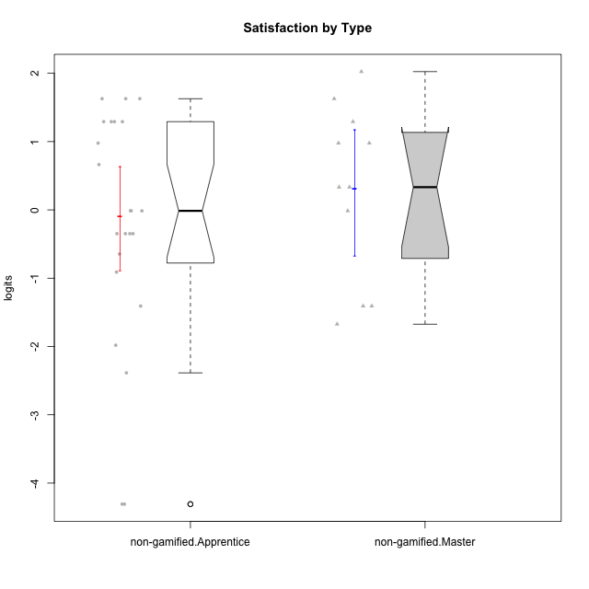

Wilcoxon data
UserID | NroUSP | Type | CLGroup | CLRole | PlayerRole | Score | theta | error | Outfit | Infit | Satisfaction
10169 | 10377538 | non-gamified | Grupo Team 10 | Apprentice |  | 3 | -1.9816683092 | 0.61128369446 | 0.041768679948 | 0.044002617506 | -1.9816683092
10170 | 10260351 | non-gamified | Grupo Team 6 | Apprentice |  | 9 | -0.34834388206 | 0.55436066336 | 0.36157677116 | 0.36078474856 | -0.34834388206
10174 | 10276852 | non-gamified | Grupo Team 1 | Apprentice |  | 9 | -0.34834388206 | 0.55436066336 | 2.9334741359 | 3.0022060085 | -0.34834388206
10175 | 10310700 | non-gamified | Grupo Team 6 | Master |  | 13 | 0.97757031778 | 0.57780869505 | 1.1905073346 | 1.1856208084 | 0.97757031778
10176 | 10276949 | non-gamified | Grupo Team 9 | Apprentice |  | 7 | -0.91044067076 | 0.52374843373 | 0.40782101165 | 0.41244284559 | -0.91044067076
10178 | 8656201 | non-gamified | Grupo Team 11 | Apprentice |  | 10 | -0.01400110805 | 0.57023199959 | 0.14464595343 | 0.14191993651 | -0.01400110805
10181 | 10276866 | non-gamified | Grupo Team 7 | Apprentice |  | 8 | -0.64536976432 | 0.535880791 | 0.6908732836 | 0.67456696813 | -0.64536976432
10183 | 10352030 | non-gamified | Grupo Belos | Apprentice | Yee Socializer | 9 | -0.34834388206 | 0.55436066336 | 0.040830308748 | 0.04264559478 | -0.34834388206
10184 | 10276675 | non-gamified | Grupo Team 7 | Master |  | 13 | 0.97757031778 | 0.57780869505 | 0.56071201527 | 0.56510004864 | 0.97757031778
10186 | 10310551 | non-gamified | Grupo Team 5 | Apprentice |  | 14 | 1.2916965628 | 0.59397840224 | 0.77321947482 | 0.74943791497 | 1.2916965628
10189 | 9363926 | non-gamified | Grupo Team 2 | Apprentice |  | 0 | -4.307819633 | 1.5610968447 | 0.15695116548 | 0.16144834053 | -4.307819633
10190 | 10276907 | non-gamified | Grupo Team 8 | Apprentice |  | 15 | 1.6282329698 | 0.63065358117 | 1.7934366322 | 1.8679992437 | 1.6282329698
10193 | 10276762 | non-gamified | Grupo Team 2 | Master |  | 5 | -1.4075878467 | 0.53244580395 | 0.65091196238 | 0.6725125097 | -1.4075878467
10196 | 10310655 | non-gamified | Grupo Team 5 | Apprentice |  | 10 | -0.01400110805 | 0.57023199959 | 0.19211930768 | 0.18861022459 | -0.01400110805
10197 | 10276661 | non-gamified | Grupo Team 11 | Master |  | 10 | -0.01400110805 | 0.57023199959 | 1.0417619123 | 1.0395516624 | -0.01400110805
10198 | 10310888 | non-gamified | Grupo Team 1 | Apprentice |  | 15 | 1.6282329698 | 0.63065358117 | 1.7934366322 | 1.8679992437 | 1.6282329698
10200 | 9795272 | non-gamified | Grupo Team 4 | Apprentice |  | 13 | 0.97757031778 | 0.57780869505 | 0.14767830405 | 0.14630923449 | 0.97757031778
10201 | 10276928 | non-gamified | Grupo Team 10 | Master |  | 15 | 1.6282329698 | 0.63065358117 | 0.036233385096 | 0.040075642803 | 1.6282329698
10204 | 10310471 | non-gamified | Grupo Team 5 | Master |  | 16 | 2.0241758621 | 0.70410416678 | 0.95505081338 | 0.99095195626 | 2.0241758621
10206 | 10310721 | non-gamified | Grupo Team 9 | Master |  | 11 | 0.33281250667 | 0.57505100848 | 0.37093022811 | 0.37120418363 | 0.33281250667
10209 | 10262669 | non-gamified | Grupo Team 1 | Master |  | 5 | -1.4075878467 | 0.53244580395 | 1.3406467472 | 1.3819206879 | -1.4075878467
10213 | 10277040 | non-gamified | Grupo Team 8 | Master |  | 14 | 1.2916965628 | 0.59397840224 | 0.39089846507 | 0.38895917217 | 1.2916965628
10215 | 9285227 | non-gamified | Grupo Team 7 | Apprentice |  | 10 | -0.01400110805 | 0.57023199959 | 2.1706411161 | 2.2019396788 | -0.01400110805
10218 | 9842913 | non-gamified | Grupo Team 10 | Apprentice |  | 12 | 0.66323765493 | 0.57406039455 | 0.037815384386 | 0.03769318999 | 0.66323765493
10220 | 9760151 | non-gamified | Grupo Team 4 | Apprentice |  | 15 | 1.6282329698 | 0.63065358117 | 1.7934366322 | 1.8679992437 | 1.6282329698
10221 | 9082496 | non-gamified | Grupo Team 3 | Apprentice |  | 5 | -1.4075878467 | 0.53244580395 | 0.34578601346 | 0.34736727584 | -1.4075878467
10223 | 9795185 | non-gamified | Grupo Team 3 | Master |  | 4 | -1.6729496884 | 0.55946903842 | 0.45244019099 | 0.42674509954 | -1.6729496884
10224 | 9368772 | non-gamified | Grupo Team 9 | Apprentice |  | 14 | 1.2916965628 | 0.59397840224 | 0.39089846507 | 0.38895917217 | 1.2916965628
10227 | 9274382 | non-gamified | Grupo Team 2 | Apprentice |  | 14 | 1.2916965628 | 0.59397840224 | 0.088528008795 | 0.089961713198 | 1.2916965628
10231 | 10276911 | non-gamified | Grupo Team 4 | Master |  | 11 | 0.33281250667 | 0.57505100848 | 0.69227416599 | 0.69227243287 | 0.33281250667
10232 | 10276974 | non-gamified | Grupo Team 3 | Apprentice |  | 14 | 1.2916965628 | 0.59397840224 | 0.33876631242 | 0.34281145225 | 1.2916965628
10234 | 10310676 | non-gamified | Grupo Team 6 | Apprentice |  | 9 | -0.34834388206 | 0.55436066336 | 0.88342193137 | 0.90779434063 | -0.34834388206
10240 | 10276654 | non-gamified | Grupo Team 8 | Apprentice |  | 2 | -2.3859873793 | 0.70827845447 | 0.46219490734 | 0.49301718592 | -2.3859873793
10242 | 9424506 | non-gamified | Grupo Team 11 | Apprentice |  | 0 | -4.307819633 | 1.5610968447 | 0.15695116548 | 0.16144834053 | -4.307819633

Type_CLRole_2
Wilcoxon Analysis for Satisfaction by Type in Type:CLRole between non-gamified.Apprentice:ont-gamified.Apprentice

Wilcoxon test results
Alternative hypothesis: less
Group | N | Median | Mean.Ranks | Sum.Ranks | U | Z | p.value | r | magnitude
non-gamified.Apprentice | 23 | -0.01400110805 | 19.739130435 | 454 | 178 | -0.17217687108 | 0.43536447101 | 0.027570364494 | none
ont-gamified.Apprentice | 16 | -0.18117249505 | 20.375 | 326 | 178 | -0.17217687108 | 0.43536447101 | 0.027570364494 | none
Alternative hypothesis: greater
Group | N | Median | Mean.Ranks | Sum.Ranks | U | Z | p.value | r | magnitude
non-gamified.Apprentice | 23 | -0.01400110805 | 19.739130435 | 454 | 178 | -0.17217687108 | 0.57031988381 | 0.027570364494 | none
ont-gamified.Apprentice | 16 | -0.18117249505 | 20.375 | 326 | 178 | -0.17217687108 | 0.57031988381 | 0.027570364494 | none
Alternative hypothesis: two.sided
Group | N | Median | Mean.Ranks | Sum.Ranks | U | Z | p.value | r | magnitude
non-gamified.Apprentice | 23 | -0.01400110805 | 19.739130435 | 454 | 178 | -0.17217687108 | 0.87051471564 | 0.027570364494 | none
ont-gamified.Apprentice | 16 | -0.18117249505 | 20.375 | 326 | 178 | -0.17217687108 | 0.87051471564 | 0.027570364494 | none

Box plots for wilcoxon tests
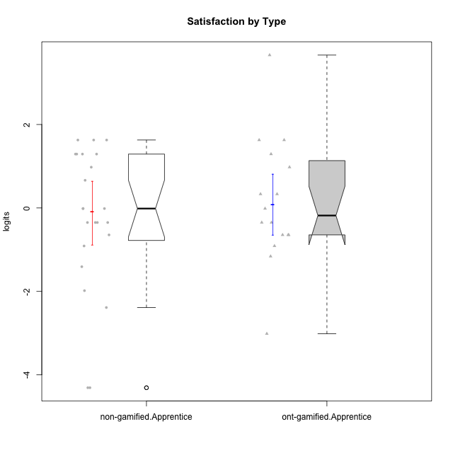

Wilcoxon data
UserID | NroUSP | Type | CLGroup | CLRole | PlayerRole | Score | theta | error | Outfit | Infit | Satisfaction
10169 | 10377538 | non-gamified | Grupo Team 10 | Apprentice |  | 3 | -1.9816683092 | 0.61128369446 | 0.041768679948 | 0.044002617506 | -1.9816683092
10170 | 10260351 | non-gamified | Grupo Team 6 | Apprentice |  | 9 | -0.34834388206 | 0.55436066336 | 0.36157677116 | 0.36078474856 | -0.34834388206
10174 | 10276852 | non-gamified | Grupo Team 1 | Apprentice |  | 9 | -0.34834388206 | 0.55436066336 | 2.9334741359 | 3.0022060085 | -0.34834388206
10176 | 10276949 | non-gamified | Grupo Team 9 | Apprentice |  | 7 | -0.91044067076 | 0.52374843373 | 0.40782101165 | 0.41244284559 | -0.91044067076
10178 | 8656201 | non-gamified | Grupo Team 11 | Apprentice |  | 10 | -0.01400110805 | 0.57023199959 | 0.14464595343 | 0.14191993651 | -0.01400110805
10179 | 10310759 | ont-gamified | Grupo Tosskor | Apprentice | Yee Achiever | 10 | -0.01400110805 | 0.57023199959 | 1.0417619123 | 1.0395516624 | -0.01400110805
10181 | 10276866 | non-gamified | Grupo Team 7 | Apprentice |  | 8 | -0.64536976432 | 0.535880791 | 0.6908732836 | 0.67456696813 | -0.64536976432
10183 | 10352030 | non-gamified | Grupo Belos | Apprentice | Yee Socializer | 9 | -0.34834388206 | 0.55436066336 | 0.040830308748 | 0.04264559478 | -0.34834388206
10186 | 10310551 | non-gamified | Grupo Team 5 | Apprentice |  | 14 | 1.2916965628 | 0.59397840224 | 0.77321947482 | 0.74943791497 | 1.2916965628
10187 | 9790781 | ont-gamified | Grupo Razorg | Apprentice | Yee Achiever | 11 | 0.33281250667 | 0.57505100848 | 0.078427588729 | 0.078462294171 | 0.33281250667
10189 | 9363926 | non-gamified | Grupo Team 2 | Apprentice |  | 0 | -4.307819633 | 1.5610968447 | 0.15695116548 | 0.16144834053 | -4.307819633
10190 | 10276907 | non-gamified | Grupo Team 8 | Apprentice |  | 15 | 1.6282329698 | 0.63065358117 | 1.7934366322 | 1.8679992437 | 1.6282329698
10191 | 10276981 | ont-gamified | Grupo Yeka | Apprentice | Yee Socializer | 15 | 1.6282329698 | 0.63065358117 | 0.036233385096 | 0.040075642803 | 1.6282329698
10192 | 10276682 | ont-gamified | Grupo Yeka | Apprentice | Yee Socializer | 15 | 1.6282329698 | 0.63065358117 | 1.7934366322 | 1.8679992437 | 1.6282329698
10196 | 10310655 | non-gamified | Grupo Team 5 | Apprentice |  | 10 | -0.01400110805 | 0.57023199959 | 0.19211930768 | 0.18861022459 | -0.01400110805
10198 | 10310888 | non-gamified | Grupo Team 1 | Apprentice |  | 15 | 1.6282329698 | 0.63065358117 | 1.7934366322 | 1.8679992437 | 1.6282329698
10200 | 9795272 | non-gamified | Grupo Team 4 | Apprentice |  | 13 | 0.97757031778 | 0.57780869505 | 0.14767830405 | 0.14630923449 | 0.97757031778
10202 | 10277036 | ont-gamified | Grupo Paldira | Apprentice | Yee Achiever | 9 | -0.34834388206 | 0.55436066336 | 0.040830308748 | 0.04264559478 | -0.34834388206
10203 | 9921470 | ont-gamified | Grupo Paldira | Apprentice | Yee Achiever | 18 | 3.6637352731 | 1.4370106043 | 0.16405352821 | 0.17069409919 | 3.6637352731
10210 | 10277015 | ont-gamified | Grupo Losvakai | Apprentice | Yee Achiever | 8 | -0.64536976432 | 0.535880791 | 2.5133343886 | 2.4437142503 | -0.64536976432
10212 | 9065750 | ont-gamified | Grupo Ellaru | Apprentice | Yee Socializer | 6 | -1.1592674958 | 0.52181770423 | 0.53486876416 | 0.54234913756 | -1.1592674958
10214 | 10277022 | ont-gamified | Grupo Koil | Apprentice | Yee Achiever | 8 | -0.64536976432 | 0.535880791 | 0.3528236629 | 0.35209014005 | -0.64536976432
10215 | 9285227 | non-gamified | Grupo Team 7 | Apprentice |  | 10 | -0.01400110805 | 0.57023199959 | 2.1706411161 | 2.2019396788 | -0.01400110805
10218 | 9842913 | non-gamified | Grupo Team 10 | Apprentice |  | 12 | 0.66323765493 | 0.57406039455 | 0.037815384386 | 0.03769318999 | 0.66323765493
10219 | 10276831 | ont-gamified | Grupo Razorg | Apprentice | Yee Achiever | 7 | -0.91044067076 | 0.52374843373 | 0.911126667 | 0.9140063329 | -0.91044067076
10220 | 9760151 | non-gamified | Grupo Team 4 | Apprentice |  | 15 | 1.6282329698 | 0.63065358117 | 1.7934366322 | 1.8679992437 | 1.6282329698
10221 | 9082496 | non-gamified | Grupo Team 3 | Apprentice |  | 5 | -1.4075878467 | 0.53244580395 | 0.34578601346 | 0.34736727584 | -1.4075878467
10224 | 9368772 | non-gamified | Grupo Team 9 | Apprentice |  | 14 | 1.2916965628 | 0.59397840224 | 0.39089846507 | 0.38895917217 | 1.2916965628
10226 | 10310342 | ont-gamified | Grupo Yeka | Apprentice | Yee Socializer | 14 | 1.2916965628 | 0.59397840224 | 0.33876631242 | 0.34281145225 | 1.2916965628
10227 | 9274382 | non-gamified | Grupo Team 2 | Apprentice |  | 14 | 1.2916965628 | 0.59397840224 | 0.088528008795 | 0.089961713198 | 1.2916965628
10228 | 10310492 | ont-gamified | Grupo Losvakai | Apprentice | Yee Achiever | 9 | -0.34834388206 | 0.55436066336 | 0.040830308748 | 0.04264559478 | -0.34834388206
10230 | 10351992 | ont-gamified | Grupo Koil | Apprentice | Yee Achiever | 13 | 0.97757031778 | 0.57780869505 | 2.0637960302 | 2.0740423893 | 0.97757031778
10232 | 10276974 | non-gamified | Grupo Team 3 | Apprentice |  | 14 | 1.2916965628 | 0.59397840224 | 0.33876631242 | 0.34281145225 | 1.2916965628
10233 | 9805320 | ont-gamified | Grupo Tosskor | Apprentice | Yee Achiever | 1 | -3.0136030967 | 0.90994758788 | 0.53874419929 | 0.55177115424 | -3.0136030967
10234 | 10310676 | non-gamified | Grupo Team 6 | Apprentice |  | 9 | -0.34834388206 | 0.55436066336 | 0.88342193137 | 0.90779434063 | -0.34834388206
10237 | 10377688 | ont-gamified | Grupo Ellaru | Apprentice | Yee Socializer | 8 | -0.64536976432 | 0.535880791 | 0.6908732836 | 0.67456696813 | -0.64536976432
10238 | 10276953 | ont-gamified | Grupo Belos | Apprentice | Yee Socializer | 11 | 0.33281250667 | 0.57505100848 | 0.078427588729 | 0.078462294171 | 0.33281250667
10240 | 10276654 | non-gamified | Grupo Team 8 | Apprentice |  | 2 | -2.3859873793 | 0.70827845447 | 0.46219490734 | 0.49301718592 | -2.3859873793
10242 | 9424506 | non-gamified | Grupo Team 11 | Apprentice |  | 0 | -4.307819633 | 1.5610968447 | 0.15695116548 | 0.16144834053 | -4.307819633

Type_CLRole_3
Wilcoxon Analysis for Satisfaction by Type in Type:CLRole between non-gamified.Apprentice:ont-gamified.Master

Wilcoxon test results
Alternative hypothesis: less
Group | N | Median | Mean.Ranks | Sum.Ranks | U | Z | p.value | r | magnitude
non-gamified.Apprentice | 23 | -0.01400110805 | 16.413043478 | 377.5 | 101.5 | 0.43092112385 | 0.66750330377 | 0.077395718599 | none
ont-gamified.Master | 8 | -0.0077656876941 | 14.8125 | 118.5 | 101.5 | 0.43092112385 | 0.66750330377 | 0.077395718599 | none
Alternative hypothesis: greater
Group | N | Median | Mean.Ranks | Sum.Ranks | U | Z | p.value | r | magnitude
non-gamified.Apprentice | 23 | -0.01400110805 | 16.413043478 | 377.5 | 101.5 | 0.43092112385 | 0.34015699622 | 0.077395718599 | none
ont-gamified.Master | 8 | -0.0077656876941 | 14.8125 | 118.5 | 101.5 | 0.43092112385 | 0.34015699622 | 0.077395718599 | none
Alternative hypothesis: two.sided
Group | N | Median | Mean.Ranks | Sum.Ranks | U | Z | p.value | r | magnitude
non-gamified.Apprentice | 23 | -0.01400110805 | 16.413043478 | 377.5 | 101.5 | 0.43092112385 | 0.68047333378 | 0.077395718599 | none
ont-gamified.Master | 8 | -0.0077656876941 | 14.8125 | 118.5 | 101.5 | 0.43092112385 | 0.68047333378 | 0.077395718599 | none

Box plots for wilcoxon tests
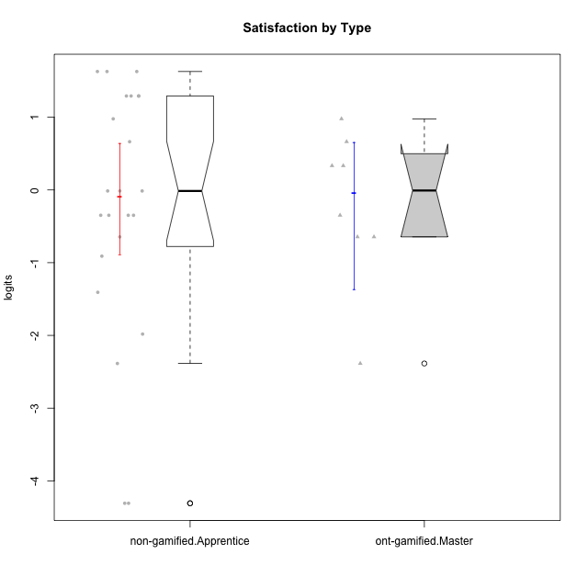

Wilcoxon data
UserID | NroUSP | Type | CLGroup | CLRole | PlayerRole | Score | theta | error | Outfit | Infit | Satisfaction
10169 | 10377538 | non-gamified | Grupo Team 10 | Apprentice |  | 3 | -1.9816683092 | 0.61128369446 | 0.041768679948 | 0.044002617506 | -1.9816683092
10170 | 10260351 | non-gamified | Grupo Team 6 | Apprentice |  | 9 | -0.34834388206 | 0.55436066336 | 0.36157677116 | 0.36078474856 | -0.34834388206
10171 | 698531 | ont-gamified | Grupo Losvakai | Master | Yee Achiever | 13 | 0.97757031778 | 0.57780869505 | 0.1949265359 | 0.19351452517 | 0.97757031778
10172 | 10273971 | ont-gamified | Grupo Koil | Master | Yee Achiever | 8 | -0.64536976432 | 0.535880791 | 0.89304780874 | 0.90476759529 | -0.64536976432
10174 | 10276852 | non-gamified | Grupo Team 1 | Apprentice |  | 9 | -0.34834388206 | 0.55436066336 | 2.9334741359 | 3.0022060085 | -0.34834388206
10176 | 10276949 | non-gamified | Grupo Team 9 | Apprentice |  | 7 | -0.91044067076 | 0.52374843373 | 0.40782101165 | 0.41244284559 | -0.91044067076
10178 | 8656201 | non-gamified | Grupo Team 11 | Apprentice |  | 10 | -0.01400110805 | 0.57023199959 | 0.14464595343 | 0.14191993651 | -0.01400110805
10181 | 10276866 | non-gamified | Grupo Team 7 | Apprentice |  | 8 | -0.64536976432 | 0.535880791 | 0.6908732836 | 0.67456696813 | -0.64536976432
10183 | 10352030 | non-gamified | Grupo Belos | Apprentice | Yee Socializer | 9 | -0.34834388206 | 0.55436066336 | 0.040830308748 | 0.04264559478 | -0.34834388206
10185 | 10276960 | ont-gamified | Grupo Tosskor | Master | Yee Achiever | 9 | -0.34834388206 | 0.55436066336 | 0.040830308748 | 0.04264559478 | -0.34834388206
10186 | 10310551 | non-gamified | Grupo Team 5 | Apprentice |  | 14 | 1.2916965628 | 0.59397840224 | 0.77321947482 | 0.74943791497 | 1.2916965628
10188 | 10276995 | ont-gamified | Grupo Paldira | Master | Yee Achiever | 11 | 0.33281250667 | 0.57505100848 | 0.32386613496 | 0.32364699763 | 0.33281250667
10189 | 9363926 | non-gamified | Grupo Team 2 | Apprentice |  | 0 | -4.307819633 | 1.5610968447 | 0.15695116548 | 0.16144834053 | -4.307819633
10190 | 10276907 | non-gamified | Grupo Team 8 | Apprentice |  | 15 | 1.6282329698 | 0.63065358117 | 1.7934366322 | 1.8679992437 | 1.6282329698
10196 | 10310655 | non-gamified | Grupo Team 5 | Apprentice |  | 10 | -0.01400110805 | 0.57023199959 | 0.19211930768 | 0.18861022459 | -0.01400110805
10198 | 10310888 | non-gamified | Grupo Team 1 | Apprentice |  | 15 | 1.6282329698 | 0.63065358117 | 1.7934366322 | 1.8679992437 | 1.6282329698
10200 | 9795272 | non-gamified | Grupo Team 4 | Apprentice |  | 13 | 0.97757031778 | 0.57780869505 | 0.14767830405 | 0.14630923449 | 0.97757031778
10208 | 10276932 | ont-gamified | Grupo Yeka | Master | Yee Socializer | 8 | -0.64536976432 | 0.535880791 | 0.3528236629 | 0.35209014005 | -0.64536976432
10211 | 9311643 | ont-gamified | Grupo Razorg | Master | Yee Achiever | 2 | -2.3859873793 | 0.70827845447 | 0.26057379634 | 0.21208420496 | -2.3859873793
10215 | 9285227 | non-gamified | Grupo Team 7 | Apprentice |  | 10 | -0.01400110805 | 0.57023199959 | 2.1706411161 | 2.2019396788 | -0.01400110805
10216 | 10276720 | ont-gamified | Grupo Ellaru | Master | Yee Socializer | 11 | 0.33281250667 | 0.57505100848 | 0.78813125451 | 0.78738680487 | 0.33281250667
10217 | 9805341 | ont-gamified | Grupo Belos | Master | Yee Socializer | 12 | 0.66323765493 | 0.57406039455 | 0.45094576271 | 0.45080858166 | 0.66323765493
10218 | 9842913 | non-gamified | Grupo Team 10 | Apprentice |  | 12 | 0.66323765493 | 0.57406039455 | 0.037815384386 | 0.03769318999 | 0.66323765493
10220 | 9760151 | non-gamified | Grupo Team 4 | Apprentice |  | 15 | 1.6282329698 | 0.63065358117 | 1.7934366322 | 1.8679992437 | 1.6282329698
10221 | 9082496 | non-gamified | Grupo Team 3 | Apprentice |  | 5 | -1.4075878467 | 0.53244580395 | 0.34578601346 | 0.34736727584 | -1.4075878467
10224 | 9368772 | non-gamified | Grupo Team 9 | Apprentice |  | 14 | 1.2916965628 | 0.59397840224 | 0.39089846507 | 0.38895917217 | 1.2916965628
10227 | 9274382 | non-gamified | Grupo Team 2 | Apprentice |  | 14 | 1.2916965628 | 0.59397840224 | 0.088528008795 | 0.089961713198 | 1.2916965628
10232 | 10276974 | non-gamified | Grupo Team 3 | Apprentice |  | 14 | 1.2916965628 | 0.59397840224 | 0.33876631242 | 0.34281145225 | 1.2916965628
10234 | 10310676 | non-gamified | Grupo Team 6 | Apprentice |  | 9 | -0.34834388206 | 0.55436066336 | 0.88342193137 | 0.90779434063 | -0.34834388206
10240 | 10276654 | non-gamified | Grupo Team 8 | Apprentice |  | 2 | -2.3859873793 | 0.70827845447 | 0.46219490734 | 0.49301718592 | -2.3859873793
10242 | 9424506 | non-gamified | Grupo Team 11 | Apprentice |  | 0 | -4.307819633 | 1.5610968447 | 0.15695116548 | 0.16144834053 | -4.307819633

Type_CLRole_4
Wilcoxon Analysis for Satisfaction by Type in Type:CLRole between non-gamified.Master:ont-gamified.Apprentice

Wilcoxon test results
Alternative hypothesis: less
Group | N | Median | Mean.Ranks | Sum.Ranks | U | Z | p.value | r | magnitude
non-gamified.Master | 11 | 0.33281250667 | 14.727272727 | 162 | 96 | 0.39634695545 | 0.6562137523 | 0.07627700714 | none
ont-gamified.Apprentice | 16 | -0.18117249505 | 13.5 | 216 | 96 | 0.39634695545 | 0.6562137523 | 0.07627700714 | none
Alternative hypothesis: greater
Group | N | Median | Mean.Ranks | Sum.Ranks | U | Z | p.value | r | magnitude
non-gamified.Master | 11 | 0.33281250667 | 14.727272727 | 162 | 96 | 0.39634695545 | 0.35307555399 | 0.07627700714 | none
ont-gamified.Apprentice | 16 | -0.18117249505 | 13.5 | 216 | 96 | 0.39634695545 | 0.35307555399 | 0.07627700714 | none
Alternative hypothesis: two.sided
Group | N | Median | Mean.Ranks | Sum.Ranks | U | Z | p.value | r | magnitude
non-gamified.Master | 11 | 0.33281250667 | 14.727272727 | 162 | 96 | 0.39634695545 | 0.70597761372 | 0.07627700714 | none
ont-gamified.Apprentice | 16 | -0.18117249505 | 13.5 | 216 | 96 | 0.39634695545 | 0.70597761372 | 0.07627700714 | none

Box plots for wilcoxon tests
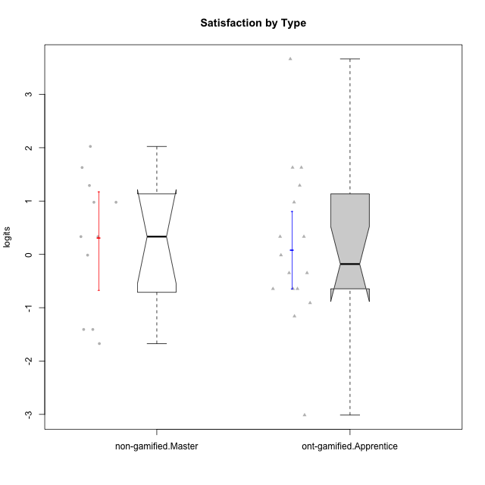

Wilcoxon data
UserID | NroUSP | Type | CLGroup | CLRole | PlayerRole | Score | theta | error | Outfit | Infit | Satisfaction
10175 | 10310700 | non-gamified | Grupo Team 6 | Master |  | 13 | 0.97757031778 | 0.57780869505 | 1.1905073346 | 1.1856208084 | 0.97757031778
10179 | 10310759 | ont-gamified | Grupo Tosskor | Apprentice | Yee Achiever | 10 | -0.01400110805 | 0.57023199959 | 1.0417619123 | 1.0395516624 | -0.01400110805
10184 | 10276675 | non-gamified | Grupo Team 7 | Master |  | 13 | 0.97757031778 | 0.57780869505 | 0.56071201527 | 0.56510004864 | 0.97757031778
10187 | 9790781 | ont-gamified | Grupo Razorg | Apprentice | Yee Achiever | 11 | 0.33281250667 | 0.57505100848 | 0.078427588729 | 0.078462294171 | 0.33281250667
10191 | 10276981 | ont-gamified | Grupo Yeka | Apprentice | Yee Socializer | 15 | 1.6282329698 | 0.63065358117 | 0.036233385096 | 0.040075642803 | 1.6282329698
10192 | 10276682 | ont-gamified | Grupo Yeka | Apprentice | Yee Socializer | 15 | 1.6282329698 | 0.63065358117 | 1.7934366322 | 1.8679992437 | 1.6282329698
10193 | 10276762 | non-gamified | Grupo Team 2 | Master |  | 5 | -1.4075878467 | 0.53244580395 | 0.65091196238 | 0.6725125097 | -1.4075878467
10197 | 10276661 | non-gamified | Grupo Team 11 | Master |  | 10 | -0.01400110805 | 0.57023199959 | 1.0417619123 | 1.0395516624 | -0.01400110805
10201 | 10276928 | non-gamified | Grupo Team 10 | Master |  | 15 | 1.6282329698 | 0.63065358117 | 0.036233385096 | 0.040075642803 | 1.6282329698
10202 | 10277036 | ont-gamified | Grupo Paldira | Apprentice | Yee Achiever | 9 | -0.34834388206 | 0.55436066336 | 0.040830308748 | 0.04264559478 | -0.34834388206
10203 | 9921470 | ont-gamified | Grupo Paldira | Apprentice | Yee Achiever | 18 | 3.6637352731 | 1.4370106043 | 0.16405352821 | 0.17069409919 | 3.6637352731
10204 | 10310471 | non-gamified | Grupo Team 5 | Master |  | 16 | 2.0241758621 | 0.70410416678 | 0.95505081338 | 0.99095195626 | 2.0241758621
10206 | 10310721 | non-gamified | Grupo Team 9 | Master |  | 11 | 0.33281250667 | 0.57505100848 | 0.37093022811 | 0.37120418363 | 0.33281250667
10209 | 10262669 | non-gamified | Grupo Team 1 | Master |  | 5 | -1.4075878467 | 0.53244580395 | 1.3406467472 | 1.3819206879 | -1.4075878467
10210 | 10277015 | ont-gamified | Grupo Losvakai | Apprentice | Yee Achiever | 8 | -0.64536976432 | 0.535880791 | 2.5133343886 | 2.4437142503 | -0.64536976432
10212 | 9065750 | ont-gamified | Grupo Ellaru | Apprentice | Yee Socializer | 6 | -1.1592674958 | 0.52181770423 | 0.53486876416 | 0.54234913756 | -1.1592674958
10213 | 10277040 | non-gamified | Grupo Team 8 | Master |  | 14 | 1.2916965628 | 0.59397840224 | 0.39089846507 | 0.38895917217 | 1.2916965628
10214 | 10277022 | ont-gamified | Grupo Koil | Apprentice | Yee Achiever | 8 | -0.64536976432 | 0.535880791 | 0.3528236629 | 0.35209014005 | -0.64536976432
10219 | 10276831 | ont-gamified | Grupo Razorg | Apprentice | Yee Achiever | 7 | -0.91044067076 | 0.52374843373 | 0.911126667 | 0.9140063329 | -0.91044067076
10223 | 9795185 | non-gamified | Grupo Team 3 | Master |  | 4 | -1.6729496884 | 0.55946903842 | 0.45244019099 | 0.42674509954 | -1.6729496884
10226 | 10310342 | ont-gamified | Grupo Yeka | Apprentice | Yee Socializer | 14 | 1.2916965628 | 0.59397840224 | 0.33876631242 | 0.34281145225 | 1.2916965628
10228 | 10310492 | ont-gamified | Grupo Losvakai | Apprentice | Yee Achiever | 9 | -0.34834388206 | 0.55436066336 | 0.040830308748 | 0.04264559478 | -0.34834388206
10230 | 10351992 | ont-gamified | Grupo Koil | Apprentice | Yee Achiever | 13 | 0.97757031778 | 0.57780869505 | 2.0637960302 | 2.0740423893 | 0.97757031778
10231 | 10276911 | non-gamified | Grupo Team 4 | Master |  | 11 | 0.33281250667 | 0.57505100848 | 0.69227416599 | 0.69227243287 | 0.33281250667
10233 | 9805320 | ont-gamified | Grupo Tosskor | Apprentice | Yee Achiever | 1 | -3.0136030967 | 0.90994758788 | 0.53874419929 | 0.55177115424 | -3.0136030967
10237 | 10377688 | ont-gamified | Grupo Ellaru | Apprentice | Yee Socializer | 8 | -0.64536976432 | 0.535880791 | 0.6908732836 | 0.67456696813 | -0.64536976432
10238 | 10276953 | ont-gamified | Grupo Belos | Apprentice | Yee Socializer | 11 | 0.33281250667 | 0.57505100848 | 0.078427588729 | 0.078462294171 | 0.33281250667

Type_CLRole_5
Wilcoxon Analysis for Satisfaction by Type in Type:CLRole between non-gamified.Master:ont-gamified.Master

Wilcoxon test results
Alternative hypothesis: less
Group | N | Median | Mean.Ranks | Sum.Ranks | U | Z | p.value | r | magnitude
non-gamified.Master | 11 | 0.33281250667 | 11.090909091 | 122 | 56 | 0.99789490496 | 0.84145696065 | 0.22893279195 | small
ont-gamified.Master | 8 | -0.0077656876941 | 8.5 | 68 | 56 | 0.99789490496 | 0.84145696065 | 0.22893279195 | small
Alternative hypothesis: greater
Group | N | Median | Mean.Ranks | Sum.Ranks | U | Z | p.value | r | magnitude
non-gamified.Master | 11 | 0.33281250667 | 11.090909091 | 122 | 56 | 0.99789490496 | 0.16865126617 | 0.22893279195 | small
ont-gamified.Master | 8 | -0.0077656876941 | 8.5 | 68 | 56 | 0.99789490496 | 0.16865126617 | 0.22893279195 | small
Alternative hypothesis: two.sided
Group | N | Median | Mean.Ranks | Sum.Ranks | U | Z | p.value | r | magnitude
non-gamified.Master | 11 | 0.33281250667 | 11.090909091 | 122 | 56 | 0.99789490496 | 0.33731576301 | 0.22893279195 | small
ont-gamified.Master | 8 | -0.0077656876941 | 8.5 | 68 | 56 | 0.99789490496 | 0.33731576301 | 0.22893279195 | small

Box plots for wilcoxon tests
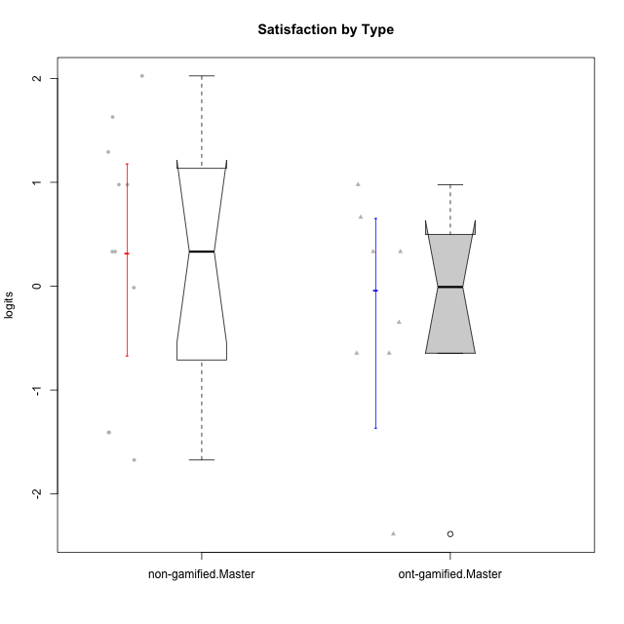

Wilcoxon data
UserID | NroUSP | Type | CLGroup | CLRole | PlayerRole | Score | theta | error | Outfit | Infit | Satisfaction
10171 | 698531 | ont-gamified | Grupo Losvakai | Master | Yee Achiever | 13 | 0.97757031778 | 0.57780869505 | 0.1949265359 | 0.19351452517 | 0.97757031778
10172 | 10273971 | ont-gamified | Grupo Koil | Master | Yee Achiever | 8 | -0.64536976432 | 0.535880791 | 0.89304780874 | 0.90476759529 | -0.64536976432
10175 | 10310700 | non-gamified | Grupo Team 6 | Master |  | 13 | 0.97757031778 | 0.57780869505 | 1.1905073346 | 1.1856208084 | 0.97757031778
10184 | 10276675 | non-gamified | Grupo Team 7 | Master |  | 13 | 0.97757031778 | 0.57780869505 | 0.56071201527 | 0.56510004864 | 0.97757031778
10185 | 10276960 | ont-gamified | Grupo Tosskor | Master | Yee Achiever | 9 | -0.34834388206 | 0.55436066336 | 0.040830308748 | 0.04264559478 | -0.34834388206
10188 | 10276995 | ont-gamified | Grupo Paldira | Master | Yee Achiever | 11 | 0.33281250667 | 0.57505100848 | 0.32386613496 | 0.32364699763 | 0.33281250667
10193 | 10276762 | non-gamified | Grupo Team 2 | Master |  | 5 | -1.4075878467 | 0.53244580395 | 0.65091196238 | 0.6725125097 | -1.4075878467
10197 | 10276661 | non-gamified | Grupo Team 11 | Master |  | 10 | -0.01400110805 | 0.57023199959 | 1.0417619123 | 1.0395516624 | -0.01400110805
10201 | 10276928 | non-gamified | Grupo Team 10 | Master |  | 15 | 1.6282329698 | 0.63065358117 | 0.036233385096 | 0.040075642803 | 1.6282329698
10204 | 10310471 | non-gamified | Grupo Team 5 | Master |  | 16 | 2.0241758621 | 0.70410416678 | 0.95505081338 | 0.99095195626 | 2.0241758621
10206 | 10310721 | non-gamified | Grupo Team 9 | Master |  | 11 | 0.33281250667 | 0.57505100848 | 0.37093022811 | 0.37120418363 | 0.33281250667
10208 | 10276932 | ont-gamified | Grupo Yeka | Master | Yee Socializer | 8 | -0.64536976432 | 0.535880791 | 0.3528236629 | 0.35209014005 | -0.64536976432
10209 | 10262669 | non-gamified | Grupo Team 1 | Master |  | 5 | -1.4075878467 | 0.53244580395 | 1.3406467472 | 1.3819206879 | -1.4075878467
10211 | 9311643 | ont-gamified | Grupo Razorg | Master | Yee Achiever | 2 | -2.3859873793 | 0.70827845447 | 0.26057379634 | 0.21208420496 | -2.3859873793
10213 | 10277040 | non-gamified | Grupo Team 8 | Master |  | 14 | 1.2916965628 | 0.59397840224 | 0.39089846507 | 0.38895917217 | 1.2916965628
10216 | 10276720 | ont-gamified | Grupo Ellaru | Master | Yee Socializer | 11 | 0.33281250667 | 0.57505100848 | 0.78813125451 | 0.78738680487 | 0.33281250667
10217 | 9805341 | ont-gamified | Grupo Belos | Master | Yee Socializer | 12 | 0.66323765493 | 0.57406039455 | 0.45094576271 | 0.45080858166 | 0.66323765493
10223 | 9795185 | non-gamified | Grupo Team 3 | Master |  | 4 | -1.6729496884 | 0.55946903842 | 0.45244019099 | 0.42674509954 | -1.6729496884
10231 | 10276911 | non-gamified | Grupo Team 4 | Master |  | 11 | 0.33281250667 | 0.57505100848 | 0.69227416599 | 0.69227243287 | 0.33281250667

Type_CLRole_6
Wilcoxon Analysis for Satisfaction by Type in Type:CLRole between ont-gamified.Apprentice:ont-gamified.Master

Wilcoxon test results
Alternative hypothesis: less
Group | N | Median | Mean.Ranks | Sum.Ranks | U | Z | p.value | r | magnitude
ont-gamified.Apprentice | 16 | -0.18117249505 | 12.78125 | 204.5 | 68.5 | 0.27774986363 | 0.61261966821 | 0.056695453503 | none
ont-gamified.Master | 8 | -0.0077656876941 | 11.9375 | 95.5 | 68.5 | 0.27774986363 | 0.61261966821 | 0.056695453503 | none
Alternative hypothesis: greater
Group | N | Median | Mean.Ranks | Sum.Ranks | U | Z | p.value | r | magnitude
ont-gamified.Apprentice | 16 | -0.18117249505 | 12.78125 | 204.5 | 68.5 | 0.27774986363 | 0.39863298485 | 0.056695453503 | none
ont-gamified.Master | 8 | -0.0077656876941 | 11.9375 | 95.5 | 68.5 | 0.27774986363 | 0.39863298485 | 0.056695453503 | none
Alternative hypothesis: two.sided
Group | N | Median | Mean.Ranks | Sum.Ranks | U | Z | p.value | r | magnitude
ont-gamified.Apprentice | 16 | -0.18117249505 | 12.78125 | 204.5 | 68.5 | 0.27774986363 | 0.79766299419 | 0.056695453503 | none
ont-gamified.Master | 8 | -0.0077656876941 | 11.9375 | 95.5 | 68.5 | 0.27774986363 | 0.79766299419 | 0.056695453503 | none

Box plots for wilcoxon tests
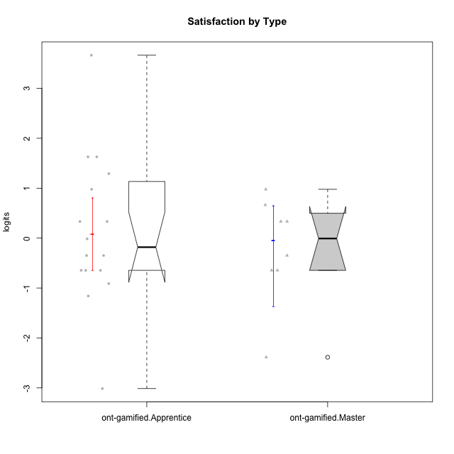

Wilcoxon data
UserID | NroUSP | Type | CLGroup | CLRole | PlayerRole | Score | theta | error | Outfit | Infit | Satisfaction
10171 | 698531 | ont-gamified | Grupo Losvakai | Master | Yee Achiever | 13 | 0.97757031778 | 0.57780869505 | 0.1949265359 | 0.19351452517 | 0.97757031778
10172 | 10273971 | ont-gamified | Grupo Koil | Master | Yee Achiever | 8 | -0.64536976432 | 0.535880791 | 0.89304780874 | 0.90476759529 | -0.64536976432
10179 | 10310759 | ont-gamified | Grupo Tosskor | Apprentice | Yee Achiever | 10 | -0.01400110805 | 0.57023199959 | 1.0417619123 | 1.0395516624 | -0.01400110805
10185 | 10276960 | ont-gamified | Grupo Tosskor | Master | Yee Achiever | 9 | -0.34834388206 | 0.55436066336 | 0.040830308748 | 0.04264559478 | -0.34834388206
10187 | 9790781 | ont-gamified | Grupo Razorg | Apprentice | Yee Achiever | 11 | 0.33281250667 | 0.57505100848 | 0.078427588729 | 0.078462294171 | 0.33281250667
10188 | 10276995 | ont-gamified | Grupo Paldira | Master | Yee Achiever | 11 | 0.33281250667 | 0.57505100848 | 0.32386613496 | 0.32364699763 | 0.33281250667
10191 | 10276981 | ont-gamified | Grupo Yeka | Apprentice | Yee Socializer | 15 | 1.6282329698 | 0.63065358117 | 0.036233385096 | 0.040075642803 | 1.6282329698
10192 | 10276682 | ont-gamified | Grupo Yeka | Apprentice | Yee Socializer | 15 | 1.6282329698 | 0.63065358117 | 1.7934366322 | 1.8679992437 | 1.6282329698
10202 | 10277036 | ont-gamified | Grupo Paldira | Apprentice | Yee Achiever | 9 | -0.34834388206 | 0.55436066336 | 0.040830308748 | 0.04264559478 | -0.34834388206
10203 | 9921470 | ont-gamified | Grupo Paldira | Apprentice | Yee Achiever | 18 | 3.6637352731 | 1.4370106043 | 0.16405352821 | 0.17069409919 | 3.6637352731
10208 | 10276932 | ont-gamified | Grupo Yeka | Master | Yee Socializer | 8 | -0.64536976432 | 0.535880791 | 0.3528236629 | 0.35209014005 | -0.64536976432
10210 | 10277015 | ont-gamified | Grupo Losvakai | Apprentice | Yee Achiever | 8 | -0.64536976432 | 0.535880791 | 2.5133343886 | 2.4437142503 | -0.64536976432
10211 | 9311643 | ont-gamified | Grupo Razorg | Master | Yee Achiever | 2 | -2.3859873793 | 0.70827845447 | 0.26057379634 | 0.21208420496 | -2.3859873793
10212 | 9065750 | ont-gamified | Grupo Ellaru | Apprentice | Yee Socializer | 6 | -1.1592674958 | 0.52181770423 | 0.53486876416 | 0.54234913756 | -1.1592674958
10214 | 10277022 | ont-gamified | Grupo Koil | Apprentice | Yee Achiever | 8 | -0.64536976432 | 0.535880791 | 0.3528236629 | 0.35209014005 | -0.64536976432
10216 | 10276720 | ont-gamified | Grupo Ellaru | Master | Yee Socializer | 11 | 0.33281250667 | 0.57505100848 | 0.78813125451 | 0.78738680487 | 0.33281250667
10217 | 9805341 | ont-gamified | Grupo Belos | Master | Yee Socializer | 12 | 0.66323765493 | 0.57406039455 | 0.45094576271 | 0.45080858166 | 0.66323765493
10219 | 10276831 | ont-gamified | Grupo Razorg | Apprentice | Yee Achiever | 7 | -0.91044067076 | 0.52374843373 | 0.911126667 | 0.9140063329 | -0.91044067076
10226 | 10310342 | ont-gamified | Grupo Yeka | Apprentice | Yee Socializer | 14 | 1.2916965628 | 0.59397840224 | 0.33876631242 | 0.34281145225 | 1.2916965628
10228 | 10310492 | ont-gamified | Grupo Losvakai | Apprentice | Yee Achiever | 9 | -0.34834388206 | 0.55436066336 | 0.040830308748 | 0.04264559478 | -0.34834388206
10230 | 10351992 | ont-gamified | Grupo Koil | Apprentice | Yee Achiever | 13 | 0.97757031778 | 0.57780869505 | 2.0637960302 | 2.0740423893 | 0.97757031778
10233 | 9805320 | ont-gamified | Grupo Tosskor | Apprentice | Yee Achiever | 1 | -3.0136030967 | 0.90994758788 | 0.53874419929 | 0.55177115424 | -3.0136030967
10237 | 10377688 | ont-gamified | Grupo Ellaru | Apprentice | Yee Socializer | 8 | -0.64536976432 | 0.535880791 | 0.6908732836 | 0.67456696813 | -0.64536976432
10238 | 10276953 | ont-gamified | Grupo Belos | Apprentice | Yee Socializer | 11 | 0.33281250667 | 0.57505100848 | 0.078427588729 | 0.078462294171 | 0.33281250667

