Assumptions
ANOVA assumptions for Gain in Skills and Knowledge - Recursion

Shapiro-Wilk normality test for Gain in Skills and Knowledge - Recursion
W | p.value
0.96458472026 | 0.36466730711

Plots for normality test
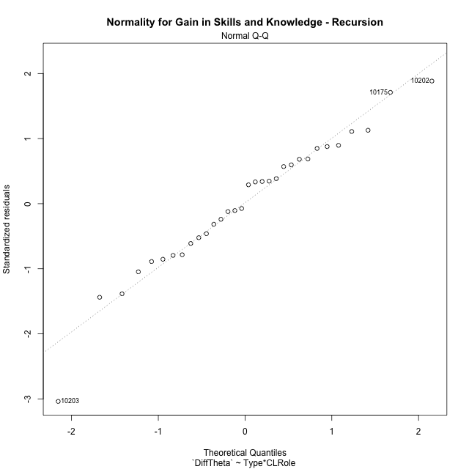

Levene's Test for Homogeneity of Variance in Gain in Skills and Knowledge - Recursion
Df | F value | Pr(>F)
3 | 1.6249796326 | 0.20594173304
28

Plots for homogeneity of variance
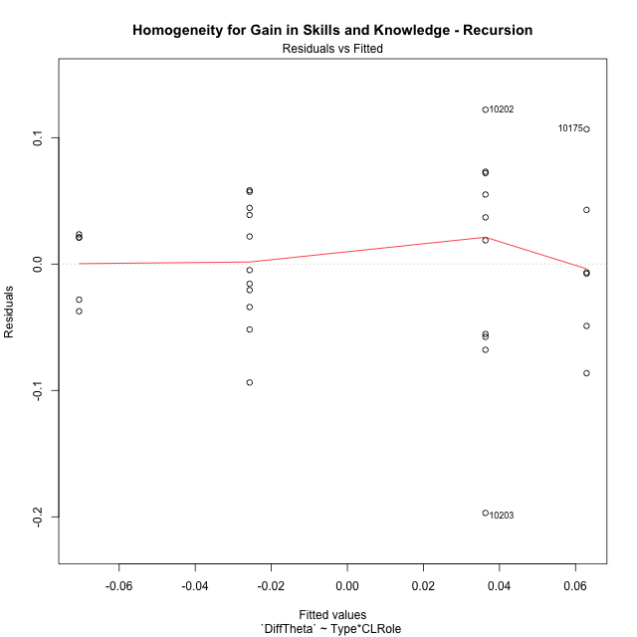

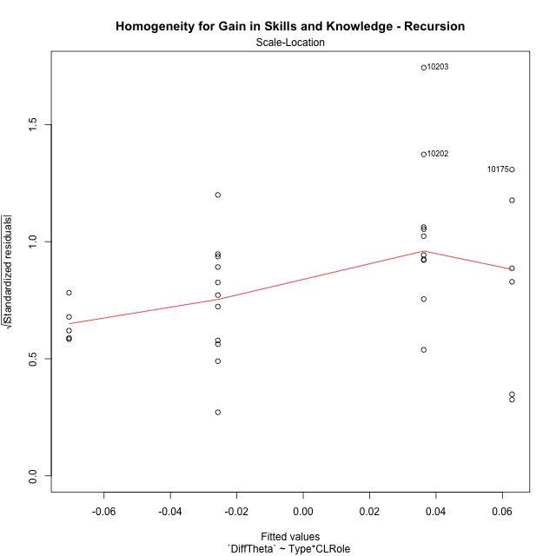

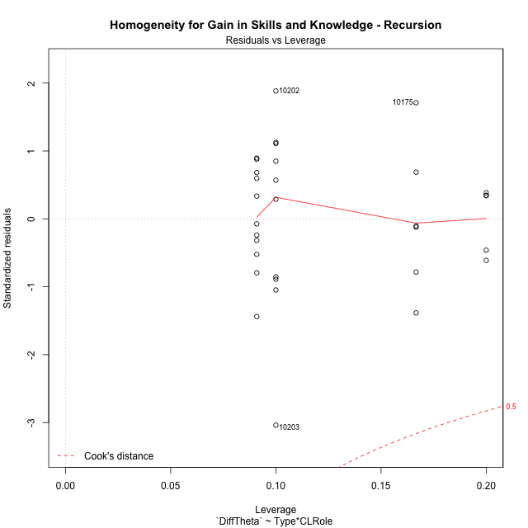

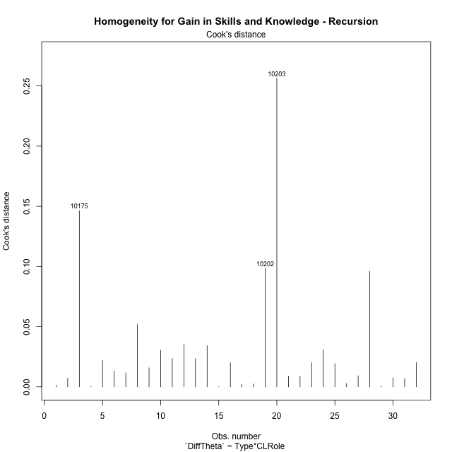

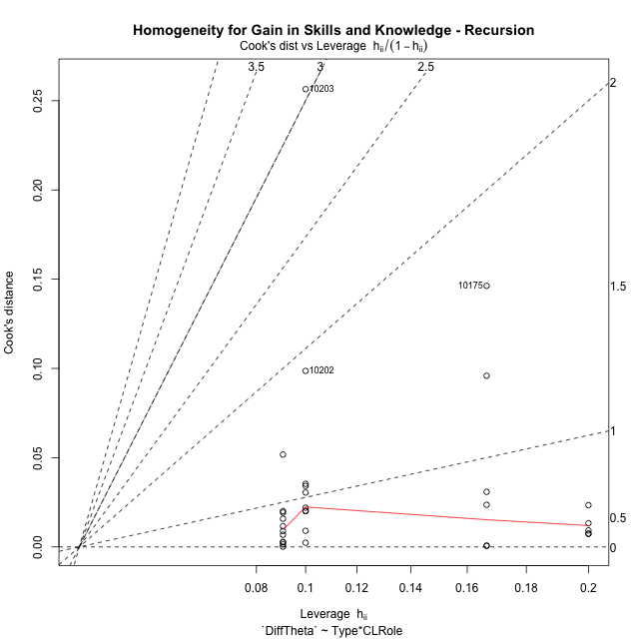

Minimum Sample Size Test for Gain in Skills and Knowledge - Recursion
Type | CLRole | Freq
ont-gamified | Apprentice | 10
w/o-gamified | Apprentice | 11
ont-gamified | Master | 6
w/o-gamified | Master | 5

Errors and Warnings in Sample Size Test for ANOVA in Gain in Skills and Knowledge - Recursion
code | description
WARN: sample.size | current size is 10 and recommended size is 15 for the group: 'ont-gamified:Apprentice'.
WARN: sample.size | current size is 11 and recommended size is 15 for the group: 'w/o-gamified:Apprentice'.
WARN: sample.size | current size is 6 and recommended size is 15 for the group: 'ont-gamified:Master'.
WARN: sample.size | current size is 5 and recommended size is 15 for the group: 'w/o-gamified:Master'.

For the group: 'ont-gamified:Apprentice', we recommend the use of non-parametric test. For the group: 'w/o-gamified:Apprentice', we recommend the use of non-parametric test. For the group: 'ont-gamified:Master', we recommend the use of non-parametric test. For the group: 'w/o-gamified:Master', we recommend the use of non-parametric test.

If you don't want to remove non-normal data, you must cite the following references: ... (1) Lix, L.M., J.C. Keselman, and H.J. Keselman. 1996. Consequences of assumption violations revisited: A quantitative review of alternatives to the one-way analysis of variance F test. Rev. Educ. Res. 66: 579-619. ... (2) Harwell, M.R., E.N. Rubinstein, W.S. Hayes, and C.C. Olds. 1992. Summarizing Monte Carlo results in methodological research: the one- and two-factor fixed effects ANOVA cases. J. Educ. Stat. 17: 315-339.

Post-hoc
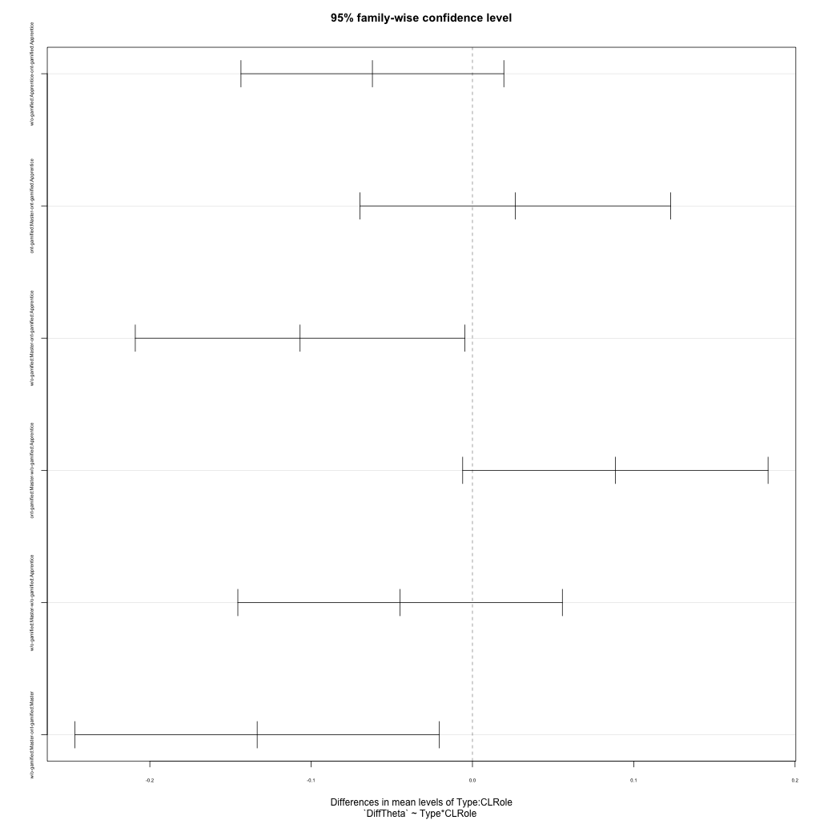
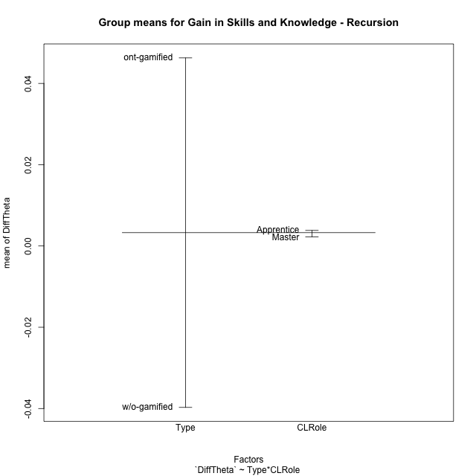
Post-hoc Tukey Honestly Significant Difference (HSD) Test for Gain in Skills and Knowledge - Recursion

Comparisons of means for Type
 | diff | lwr | upr | p adj
w/o-gamified-ont-gamified | -0.086003851658 | -0.1354776901 | -0.036530013216 | 0.0013451014603

Comparisons of means for CLRole
 | diff | lwr | upr | p adj
Master-Apprentice | -0.0075426049671 | -0.059624838342 | 0.044539628408 | 0.76892123812

Comparisons of means for Type:CLRole
 | diff | lwr | upr | p adj
w/o-gamified:Apprentice-ont-gamified:Apprentice | -0.062017713376 | -0.14351250133 | 0.019477074573 | 0.18504202124
ont-gamified:Master-ont-gamified:Apprentice | 0.026590392571 | -0.06972615241 | 0.12290693755 | 0.87428531839
w/o-gamified:Master-ont-gamified:Apprentice | -0.10686488479 | -0.20902400794 | -0.0047057616491 | 0.037767142044
ont-gamified:Master-w/o-gamified:Apprentice | 0.088608105947 | -0.0060524437667 | 0.18326865566 | 0.072807405922
w/o-gamified:Master-w/o-gamified:Apprentice | -0.044847171417 | -0.1454465217 | 0.055752178863 | 0.62140967105
w/o-gamified:Master-ont-gamified:Master | -0.13345527736 | -0.24639643749 | -0.020514117237 | 0.015872801749

Contrast Matrices for Gain in Skills and Knowledge - Recursion - Type
contrast | estimate | SE | df | t.ratio | p.value
ont-gamified - w/o-gamified | 0.09773649537 | 0.025505055012 | 28 | 3.8320440919 | 0.00065802956181

Contrast Matrices for Gain in Skills and Knowledge - Recursion - Type:CLRole
contrast | CLRole | estimate | SE | df | t.ratio | p.value
ont-gamified - w/o-gamified | Apprentice | 0.062017713376 | 0.029848164084 | 28 | 2.0777731321 | 0.04701582862
ont-gamified - w/o-gamified | Master | 0.13345527736 | 0.04136566723 | 28 | 3.2262329197 | 0.0031861377115

Least Squares Means and Confidence Intervals for Type
Type | lsmean | SE | df | lower.CL | upper.CL | Pairs
ont-gamified | 0.049605466131 | 0.017638379772 | 28 | 0.013474883036 | 0.085736049226 | ont-gamified
w/o-gamified | -0.04813102924 | 0.018422686834 | 28 | -0.08586819252 | -0.010393865959 | w/o-gamified

Least Squares Means and Confidence Intervals for Type:CLRole
Type | CLRole | lsmean | SE | df | lower.CL | upper.CL | Pairs
ont-gamified | Apprentice | 0.036310269845 | 0.021602515166 | 28 | -0.0079404765006 | 0.080561016191 | ont-gamified.Apprentice
w/o-gamified | Apprentice | -0.025707443531 | 0.020597190044 | 28 | -0.067898874718 | 0.016483987656 | w/o-gamified.Apprentice
ont-gamified | Master | 0.062900662416 | 0.027888727157 | 28 | 0.005773194531 | 0.1200281303 | ont-gamified.Master
w/o-gamified | Master | -0.070554614948 | 0.030550569929 | 28 | -0.13313462058 | -0.0079746093206 | w/o-gamified.Master

Plots

Type_1
Student's t-Test for Gain in Skills and Knowledge - Recursion in Type between ont-gamified:w/o-gamified

Student's t-Test results
Alternative hypothesis: less
Group | N | Mean | Mean.Difference | Std.deviation | Std.error | CI.lower | CI.upper | df | t.value | p.value | g | magnitude
ont-gamified | 16 | 0.046281667059 | 0.086003851658 | 0.083964471145 | 0.020991117786 | 0.0042994314869 | 0.088263902632 | 23.841972158 | 3.5579459488 | 0.99919616402 | 1.2262114877 | large
w/o-gamified | 16 | -0.039722184599 | -0.086003851658 | 0.047945739542 | 0.011986434886 | -0.06369505437 | -0.015749314828 | 23.841972158 | 3.5579459488 | 0.99919616402 | 1.2262114877 | large
Alternative hypothesis: greater
Group | N | Mean | Mean.Difference | Std.deviation | Std.error | CI.lower | CI.upper | df | t.value | p.value | g | magnitude
ont-gamified | 16 | 0.046281667059 | 0.086003851658 | 0.083964471145 | 0.020991117786 | 0.0042994314869 | 0.088263902632 | 23.841972158 | 3.5579459488 | 0.0008038359799 | 1.2262114877 | large
w/o-gamified | 16 | -0.039722184599 | -0.086003851658 | 0.047945739542 | 0.011986434886 | -0.06369505437 | -0.015749314828 | 23.841972158 | 3.5579459488 | 0.0008038359799 | 1.2262114877 | large
Alternative hypothesis: two.sided
Group | N | Mean | Mean.Difference | Std.deviation | Std.error | CI.lower | CI.upper | df | t.value | p.value | g | magnitude
ont-gamified | 16 | 0.046281667059 | 0.086003851658 | 0.083964471145 | 0.020991117786 | 0.0042994314869 | 0.088263902632 | 23.841972158 | 3.5579459488 | 0.0016076719598 | 1.2262114877 | large
w/o-gamified | 16 | -0.039722184599 | -0.086003851658 | 0.047945739542 | 0.011986434886 | -0.06369505437 | -0.015749314828 | 23.841972158 | 3.5579459488 | 0.0016076719598 | 1.2262114877 | large

Box plots for Student's t-Test
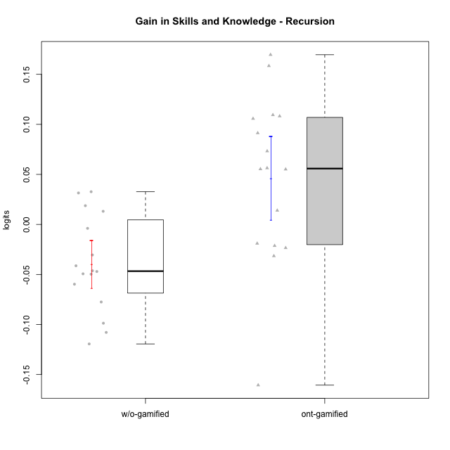

Student's t-Test data
UserID | NroUSP | Type | CLGroup | CLRole | PlayerRole | PreTheta | PostTheta | DiffTheta
10170 | 10260351 | w/o-gamified | Grupo11 | Apprentice |  | 0.017938476982 | -0.023385485951 | -0.041323962933
10174 | 10276852 | w/o-gamified | Grupo7 | Master |  | 0.030754004896 | -0.018971059358 | -0.049725064254
10175 | 10310700 | ont-gamified | Warriors | Master | Social Achiever | 0.038793154425 | 0.20836361061 | 0.16957045618
10176 | 10276949 | ont-gamified | Outlaws | Master | Social Achiever | 0.094720594445 | 0.15102372615 | 0.0563031317
10178 | 8656201 | ont-gamified | Outlaws | Apprentice | Social Achiever | 0.20258605261 | 0.18126390635 | -0.021322146254
10179 | 10310759 | w/o-gamified | Grupo10 | Master |  | 0.080955438006 | -0.017759330436 | -0.098714768442
10183 | 10352030 | w/o-gamified | Grupo3 | Apprentice |  | -0.031011526248 | -0.012293033308 | 0.01871849294
10184 | 10276675 | w/o-gamified | Grupo10 | Apprentice |  | 0.064904527744 | -0.0545141263 | -0.11941865404
10185 | 10276960 | w/o-gamified | Grupo9 | Apprentice |  | 0.022985706035 | -0.0545141263 | -0.077499832334
10186 | 10310551 | ont-gamified | Slayers | Apprentice | Social Achiever | 0.01298330926 | -0.01857096001 | -0.03155426927
10188 | 10276995 | ont-gamified | Vandals | Master | Yee Achiever | 0.0056983535708 | 0.1114272861 | 0.10572893253
10189 | 9363926 | ont-gamified | Vikings | Apprentice | Social Achiever | -0.12515041445 | -0.015745426254 | 0.1094049882
10191 | 10276981 | w/o-gamified | Grupo1 | Master |  | 0.10564179517 | -0.002276529018 | -0.10791832419
10192 | 10276682 | ont-gamified | Attractive Devils | Apprentice | Social Achiever | 0.017938476982 | 0.12613183105 | 0.10819335407
10197 | 10276661 | w/o-gamified | Grupo8 | Apprentice |  | 0.022985706035 | -0.0075261614101 | -0.030511867445
10198 | 10310888 | ont-gamified | Attractive Devils | Apprentice | Social Achiever | -0.065936023888 | 0.025380395772 | 0.091316419661
10200 | 9795272 | ont-gamified | Warriors | Apprentice | Social Achiever | -0.043471699293 | 0.011611144147 | 0.055082843441
10201 | 10276928 | w/o-gamified | Grupo11 | Apprentice |  | 0.038793154425 | -0.0075261614101 | -0.046319315835
10202 | 10277036 | ont-gamified | Silly Knights | Apprentice | Social Achiever | -0.088770997841 | 0.069635940815 | 0.15840693866
10203 | 9921470 | ont-gamified | Mercenaries | Apprentice | Social Achiever | 0.025547393481 | -0.13506556579 | -0.16061295927
10206 | 10310721 | w/o-gamified | Grupo8 | Apprentice |  | 0.015450095254 | 0.028561090627 | 0.013110995373
10209 | 10262669 | ont-gamified | Mafia | Apprentice | Social Achiever | 0.052895089305 | 0.12613183105 | 0.073236741746
10213 | 10277040 | w/o-gamified | Grupo7 | Apprentice |  | -0.0062345025119 | 0.026433767335 | 0.032668269847
10216 | 10276720 | ont-gamified | Silly Knights | Master | Social Achiever | 0.030754004896 | 0.0446862066 | 0.013932201704
10217 | 9805341 | w/o-gamified | Grupo9 | Apprentice |  | 0.047140706075 | 0.078590082494 | 0.031449376419
10218 | 9842913 | w/o-gamified | Grupo10 | Apprentice |  | 0.0081088539798 | 0.0041889725664 | -0.0039198814134
10219 | 10276831 | w/o-gamified | Grupo3 | Master |  | 0.028136354653 | -0.018919306051 | -0.047055660704
10223 | 9795185 | ont-gamified | Slayers | Master | Social Achiever | 0.0056983535708 | -0.017759330436 | -0.023457684007
10230 | 10351992 | ont-gamified | Resistance | Master | Social Achiever | 0.071179368983 | 0.12650630537 | 0.055326936385
10231 | 10276911 | w/o-gamified | Grupo9 | Master |  | 0.1132337595 | 0.063874502347 | -0.049359257152
10232 | 10276974 | w/o-gamified | Grupo7 | Apprentice |  | 0.058813079395 | -0.00092242002216 | -0.059735499417
10237 | 10377688 | ont-gamified | Outlaws | Apprentice | Social Achiever | 0.0033037862681 | -0.015745426254 | -0.019049212522

Type_CLRole_1
Student's t-Test for Gain in Skills and Knowledge - Recursion in Type:CLRole between ont-gamified.Apprentice:ont-gamified.Master

Student's t-Test results
Alternative hypothesis: less
Group | N | Mean | Mean.Difference | Std.deviation | Std.error | CI.lower | CI.upper | df | t.value | p.value | g | magnitude
ont-gamified.Apprentice | 10 | 0.036310269845 | -0.026590392571 | 0.094239519932 | 0.029801152859 | -0.023292035872 | 0.095912575563 | 13.323303146 | -0.65255343031 | 0.26257202233 | -0.29295578873 | small
ont-gamified.Master | 6 | 0.062900662416 | 0.026590392571 | 0.068072415121 | 0.027790447101 | 0.0073197682138 | 0.11848155662 | 13.323303146 | -0.65255343031 | 0.26257202233 | -0.29295578873 | small
Alternative hypothesis: greater
Group | N | Mean | Mean.Difference | Std.deviation | Std.error | CI.lower | CI.upper | df | t.value | p.value | g | magnitude
ont-gamified.Apprentice | 10 | 0.036310269845 | -0.026590392571 | 0.094239519932 | 0.029801152859 | -0.023292035872 | 0.095912575563 | 13.323303146 | -0.65255343031 | 0.73742797767 | -0.29295578873 | small
ont-gamified.Master | 6 | 0.062900662416 | 0.026590392571 | 0.068072415121 | 0.027790447101 | 0.0073197682138 | 0.11848155662 | 13.323303146 | -0.65255343031 | 0.73742797767 | -0.29295578873 | small
Alternative hypothesis: two.sided
Group | N | Mean | Mean.Difference | Std.deviation | Std.error | CI.lower | CI.upper | df | t.value | p.value | g | magnitude
ont-gamified.Apprentice | 10 | 0.036310269845 | -0.026590392571 | 0.094239519932 | 0.029801152859 | -0.023292035872 | 0.095912575563 | 13.323303146 | -0.65255343031 | 0.52514404466 | -0.29295578873 | small
ont-gamified.Master | 6 | 0.062900662416 | 0.026590392571 | 0.068072415121 | 0.027790447101 | 0.0073197682138 | 0.11848155662 | 13.323303146 | -0.65255343031 | 0.52514404466 | -0.29295578873 | small

Box plots for Student's t-Test
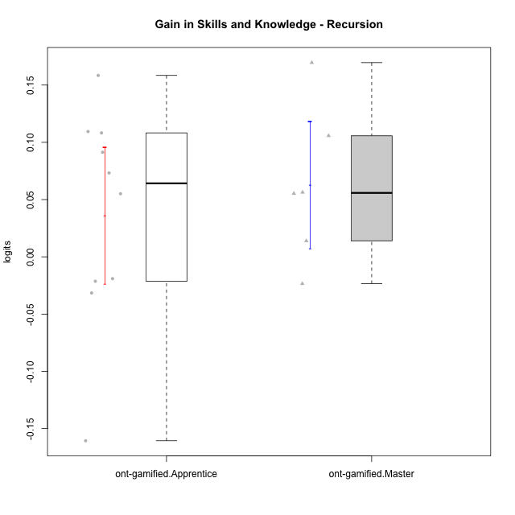

Student's t-Test data
UserID | NroUSP | Type | CLGroup | CLRole | PlayerRole | PreTheta | PostTheta | DiffTheta
10175 | 10310700 | ont-gamified | Warriors | Master | Social Achiever | 0.038793154425 | 0.20836361061 | 0.16957045618
10176 | 10276949 | ont-gamified | Outlaws | Master | Social Achiever | 0.094720594445 | 0.15102372615 | 0.0563031317
10178 | 8656201 | ont-gamified | Outlaws | Apprentice | Social Achiever | 0.20258605261 | 0.18126390635 | -0.021322146254
10186 | 10310551 | ont-gamified | Slayers | Apprentice | Social Achiever | 0.01298330926 | -0.01857096001 | -0.03155426927
10188 | 10276995 | ont-gamified | Vandals | Master | Yee Achiever | 0.0056983535708 | 0.1114272861 | 0.10572893253
10189 | 9363926 | ont-gamified | Vikings | Apprentice | Social Achiever | -0.12515041445 | -0.015745426254 | 0.1094049882
10192 | 10276682 | ont-gamified | Attractive Devils | Apprentice | Social Achiever | 0.017938476982 | 0.12613183105 | 0.10819335407
10198 | 10310888 | ont-gamified | Attractive Devils | Apprentice | Social Achiever | -0.065936023888 | 0.025380395772 | 0.091316419661
10200 | 9795272 | ont-gamified | Warriors | Apprentice | Social Achiever | -0.043471699293 | 0.011611144147 | 0.055082843441
10202 | 10277036 | ont-gamified | Silly Knights | Apprentice | Social Achiever | -0.088770997841 | 0.069635940815 | 0.15840693866
10203 | 9921470 | ont-gamified | Mercenaries | Apprentice | Social Achiever | 0.025547393481 | -0.13506556579 | -0.16061295927
10209 | 10262669 | ont-gamified | Mafia | Apprentice | Social Achiever | 0.052895089305 | 0.12613183105 | 0.073236741746
10216 | 10276720 | ont-gamified | Silly Knights | Master | Social Achiever | 0.030754004896 | 0.0446862066 | 0.013932201704
10223 | 9795185 | ont-gamified | Slayers | Master | Social Achiever | 0.0056983535708 | -0.017759330436 | -0.023457684007
10230 | 10351992 | ont-gamified | Resistance | Master | Social Achiever | 0.071179368983 | 0.12650630537 | 0.055326936385
10237 | 10377688 | ont-gamified | Outlaws | Apprentice | Social Achiever | 0.0033037862681 | -0.015745426254 | -0.019049212522

Type_CLRole_2
Student's t-Test for Gain in Skills and Knowledge - Recursion in Type:CLRole between ont-gamified.Apprentice:w/o-gamified.Apprentice

Student's t-Test results
Alternative hypothesis: less
Group | N | Mean | Mean.Difference | Std.deviation | Std.error | CI.lower | CI.upper | df | t.value | p.value | g | magnitude
ont-gamified.Apprentice | 10 | 0.036310269845 | 0.062017713376 | 0.094239519932 | 0.029801152859 | -0.023292035872 | 0.095912575563 | 13.236719845 | 1.8650111284 | 0.95775014351 | 0.80521376089 | large
w/o-gamified.Apprentice | 11 | -0.025707443531 | -0.062017713376 | 0.048932420154 | 0.014753679794 | -0.055214803119 | 0.0037999160568 | 13.236719845 | 1.8650111284 | 0.95775014351 | 0.80521376089 | large
Alternative hypothesis: greater
Group | N | Mean | Mean.Difference | Std.deviation | Std.error | CI.lower | CI.upper | df | t.value | p.value | g | magnitude
ont-gamified.Apprentice | 10 | 0.036310269845 | 0.062017713376 | 0.094239519932 | 0.029801152859 | -0.023292035872 | 0.095912575563 | 13.236719845 | 1.8650111284 | 0.042249856488 | 0.80521376089 | large
w/o-gamified.Apprentice | 11 | -0.025707443531 | -0.062017713376 | 0.048932420154 | 0.014753679794 | -0.055214803119 | 0.0037999160568 | 13.236719845 | 1.8650111284 | 0.042249856488 | 0.80521376089 | large
Alternative hypothesis: two.sided
Group | N | Mean | Mean.Difference | Std.deviation | Std.error | CI.lower | CI.upper | df | t.value | p.value | g | magnitude
ont-gamified.Apprentice | 10 | 0.036310269845 | 0.062017713376 | 0.094239519932 | 0.029801152859 | -0.023292035872 | 0.095912575563 | 13.236719845 | 1.8650111284 | 0.084499712977 | 0.80521376089 | large
w/o-gamified.Apprentice | 11 | -0.025707443531 | -0.062017713376 | 0.048932420154 | 0.014753679794 | -0.055214803119 | 0.0037999160568 | 13.236719845 | 1.8650111284 | 0.084499712977 | 0.80521376089 | large

Box plots for Student's t-Test
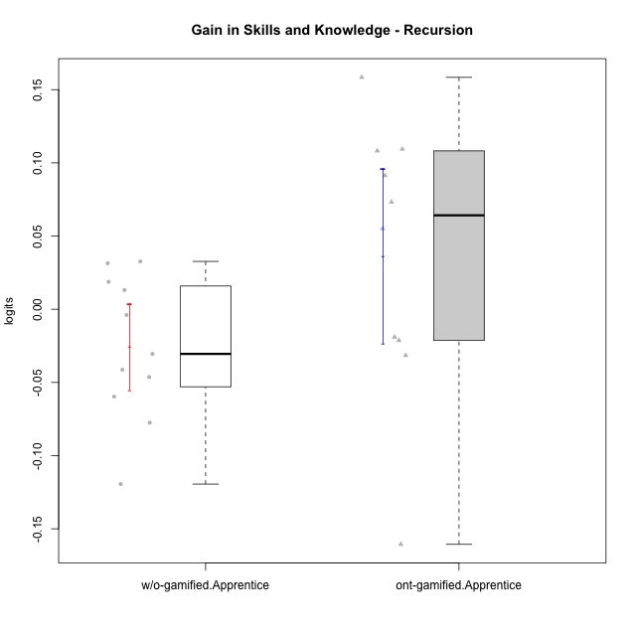

Student's t-Test data
UserID | NroUSP | Type | CLGroup | CLRole | PlayerRole | PreTheta | PostTheta | DiffTheta
10170 | 10260351 | w/o-gamified | Grupo11 | Apprentice |  | 0.017938476982 | -0.023385485951 | -0.041323962933
10178 | 8656201 | ont-gamified | Outlaws | Apprentice | Social Achiever | 0.20258605261 | 0.18126390635 | -0.021322146254
10183 | 10352030 | w/o-gamified | Grupo3 | Apprentice |  | -0.031011526248 | -0.012293033308 | 0.01871849294
10184 | 10276675 | w/o-gamified | Grupo10 | Apprentice |  | 0.064904527744 | -0.0545141263 | -0.11941865404
10185 | 10276960 | w/o-gamified | Grupo9 | Apprentice |  | 0.022985706035 | -0.0545141263 | -0.077499832334
10186 | 10310551 | ont-gamified | Slayers | Apprentice | Social Achiever | 0.01298330926 | -0.01857096001 | -0.03155426927
10189 | 9363926 | ont-gamified | Vikings | Apprentice | Social Achiever | -0.12515041445 | -0.015745426254 | 0.1094049882
10192 | 10276682 | ont-gamified | Attractive Devils | Apprentice | Social Achiever | 0.017938476982 | 0.12613183105 | 0.10819335407
10197 | 10276661 | w/o-gamified | Grupo8 | Apprentice |  | 0.022985706035 | -0.0075261614101 | -0.030511867445
10198 | 10310888 | ont-gamified | Attractive Devils | Apprentice | Social Achiever | -0.065936023888 | 0.025380395772 | 0.091316419661
10200 | 9795272 | ont-gamified | Warriors | Apprentice | Social Achiever | -0.043471699293 | 0.011611144147 | 0.055082843441
10201 | 10276928 | w/o-gamified | Grupo11 | Apprentice |  | 0.038793154425 | -0.0075261614101 | -0.046319315835
10202 | 10277036 | ont-gamified | Silly Knights | Apprentice | Social Achiever | -0.088770997841 | 0.069635940815 | 0.15840693866
10203 | 9921470 | ont-gamified | Mercenaries | Apprentice | Social Achiever | 0.025547393481 | -0.13506556579 | -0.16061295927
10206 | 10310721 | w/o-gamified | Grupo8 | Apprentice |  | 0.015450095254 | 0.028561090627 | 0.013110995373
10209 | 10262669 | ont-gamified | Mafia | Apprentice | Social Achiever | 0.052895089305 | 0.12613183105 | 0.073236741746
10213 | 10277040 | w/o-gamified | Grupo7 | Apprentice |  | -0.0062345025119 | 0.026433767335 | 0.032668269847
10217 | 9805341 | w/o-gamified | Grupo9 | Apprentice |  | 0.047140706075 | 0.078590082494 | 0.031449376419
10218 | 9842913 | w/o-gamified | Grupo10 | Apprentice |  | 0.0081088539798 | 0.0041889725664 | -0.0039198814134
10232 | 10276974 | w/o-gamified | Grupo7 | Apprentice |  | 0.058813079395 | -0.00092242002216 | -0.059735499417
10237 | 10377688 | ont-gamified | Outlaws | Apprentice | Social Achiever | 0.0033037862681 | -0.015745426254 | -0.019049212522

Type_CLRole_3
Student's t-Test for Gain in Skills and Knowledge - Recursion in Type:CLRole between ont-gamified.Apprentice:w/o-gamified.Master

Student's t-Test results
Alternative hypothesis: less
Group | N | Mean | Mean.Difference | Std.deviation | Std.error | CI.lower | CI.upper | df | t.value | p.value | g | magnitude
ont-gamified.Apprentice | 10 | 0.036310269845 | 0.10686488479 | 0.094239519932 | 0.029801152859 | -0.023292035872 | 0.095912575563 | 11.929993218 | 3.2679835552 | 0.99661178488 | 1.2545667536 | large
w/o-gamified.Master | 5 | -0.070554614948 | -0.10686488479 | 0.030101309098 | 0.013461714671 | -0.09747804429 | -0.043631185606 | 11.929993218 | 3.2679835552 | 0.99661178488 | 1.2545667536 | large
Alternative hypothesis: greater
Group | N | Mean | Mean.Difference | Std.deviation | Std.error | CI.lower | CI.upper | df | t.value | p.value | g | magnitude
ont-gamified.Apprentice | 10 | 0.036310269845 | 0.10686488479 | 0.094239519932 | 0.029801152859 | -0.023292035872 | 0.095912575563 | 11.929993218 | 3.2679835552 | 0.0033882151236 | 1.2545667536 | large
w/o-gamified.Master | 5 | -0.070554614948 | -0.10686488479 | 0.030101309098 | 0.013461714671 | -0.09747804429 | -0.043631185606 | 11.929993218 | 3.2679835552 | 0.0033882151236 | 1.2545667536 | large
Alternative hypothesis: two.sided
Group | N | Mean | Mean.Difference | Std.deviation | Std.error | CI.lower | CI.upper | df | t.value | p.value | g | magnitude
ont-gamified.Apprentice | 10 | 0.036310269845 | 0.10686488479 | 0.094239519932 | 0.029801152859 | -0.023292035872 | 0.095912575563 | 11.929993218 | 3.2679835552 | 0.0067764302471 | 1.2545667536 | large
w/o-gamified.Master | 5 | -0.070554614948 | -0.10686488479 | 0.030101309098 | 0.013461714671 | -0.09747804429 | -0.043631185606 | 11.929993218 | 3.2679835552 | 0.0067764302471 | 1.2545667536 | large

Box plots for Student's t-Test
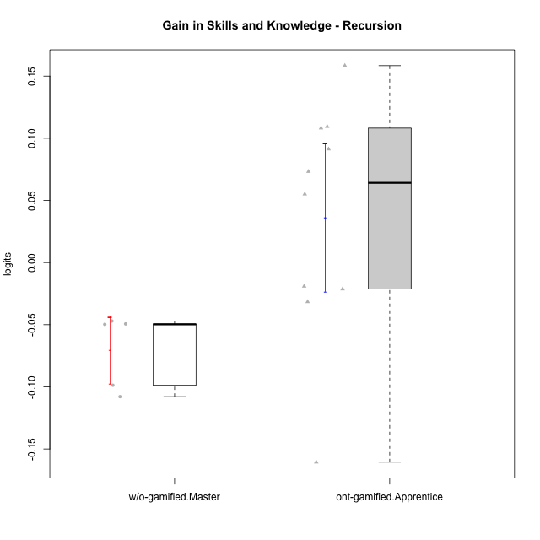

Student's t-Test data
UserID | NroUSP | Type | CLGroup | CLRole | PlayerRole | PreTheta | PostTheta | DiffTheta
10174 | 10276852 | w/o-gamified | Grupo7 | Master |  | 0.030754004896 | -0.018971059358 | -0.049725064254
10178 | 8656201 | ont-gamified | Outlaws | Apprentice | Social Achiever | 0.20258605261 | 0.18126390635 | -0.021322146254
10179 | 10310759 | w/o-gamified | Grupo10 | Master |  | 0.080955438006 | -0.017759330436 | -0.098714768442
10186 | 10310551 | ont-gamified | Slayers | Apprentice | Social Achiever | 0.01298330926 | -0.01857096001 | -0.03155426927
10189 | 9363926 | ont-gamified | Vikings | Apprentice | Social Achiever | -0.12515041445 | -0.015745426254 | 0.1094049882
10191 | 10276981 | w/o-gamified | Grupo1 | Master |  | 0.10564179517 | -0.002276529018 | -0.10791832419
10192 | 10276682 | ont-gamified | Attractive Devils | Apprentice | Social Achiever | 0.017938476982 | 0.12613183105 | 0.10819335407
10198 | 10310888 | ont-gamified | Attractive Devils | Apprentice | Social Achiever | -0.065936023888 | 0.025380395772 | 0.091316419661
10200 | 9795272 | ont-gamified | Warriors | Apprentice | Social Achiever | -0.043471699293 | 0.011611144147 | 0.055082843441
10202 | 10277036 | ont-gamified | Silly Knights | Apprentice | Social Achiever | -0.088770997841 | 0.069635940815 | 0.15840693866
10203 | 9921470 | ont-gamified | Mercenaries | Apprentice | Social Achiever | 0.025547393481 | -0.13506556579 | -0.16061295927
10209 | 10262669 | ont-gamified | Mafia | Apprentice | Social Achiever | 0.052895089305 | 0.12613183105 | 0.073236741746
10219 | 10276831 | w/o-gamified | Grupo3 | Master |  | 0.028136354653 | -0.018919306051 | -0.047055660704
10231 | 10276911 | w/o-gamified | Grupo9 | Master |  | 0.1132337595 | 0.063874502347 | -0.049359257152
10237 | 10377688 | ont-gamified | Outlaws | Apprentice | Social Achiever | 0.0033037862681 | -0.015745426254 | -0.019049212522

Type_CLRole_4
Student's t-Test for Gain in Skills and Knowledge - Recursion in Type:CLRole between ont-gamified.Master:w/o-gamified.Apprentice

Student's t-Test results
Alternative hypothesis: less
Group | N | Mean | Mean.Difference | Std.deviation | Std.error | CI.lower | CI.upper | df | t.value | p.value | g | magnitude
ont-gamified.Master | 6 | 0.062900662416 | 0.088608105947 | 0.068072415121 | 0.027790447101 | 0.0073197682138 | 0.11848155662 | 7.9017828425 | 2.8161788923 | 0.988546496 | 1.5006669655 | large
w/o-gamified.Apprentice | 11 | -0.025707443531 | -0.088608105947 | 0.048932420154 | 0.014753679794 | -0.055214803119 | 0.0037999160568 | 7.9017828425 | 2.8161788923 | 0.988546496 | 1.5006669655 | large
Alternative hypothesis: greater
Group | N | Mean | Mean.Difference | Std.deviation | Std.error | CI.lower | CI.upper | df | t.value | p.value | g | magnitude
ont-gamified.Master | 6 | 0.062900662416 | 0.088608105947 | 0.068072415121 | 0.027790447101 | 0.0073197682138 | 0.11848155662 | 7.9017828425 | 2.8161788923 | 0.011453503999 | 1.5006669655 | large
w/o-gamified.Apprentice | 11 | -0.025707443531 | -0.088608105947 | 0.048932420154 | 0.014753679794 | -0.055214803119 | 0.0037999160568 | 7.9017828425 | 2.8161788923 | 0.011453503999 | 1.5006669655 | large
Alternative hypothesis: two.sided
Group | N | Mean | Mean.Difference | Std.deviation | Std.error | CI.lower | CI.upper | df | t.value | p.value | g | magnitude
ont-gamified.Master | 6 | 0.062900662416 | 0.088608105947 | 0.068072415121 | 0.027790447101 | 0.0073197682138 | 0.11848155662 | 7.9017828425 | 2.8161788923 | 0.022907007998 | 1.5006669655 | large
w/o-gamified.Apprentice | 11 | -0.025707443531 | -0.088608105947 | 0.048932420154 | 0.014753679794 | -0.055214803119 | 0.0037999160568 | 7.9017828425 | 2.8161788923 | 0.022907007998 | 1.5006669655 | large

Box plots for Student's t-Test
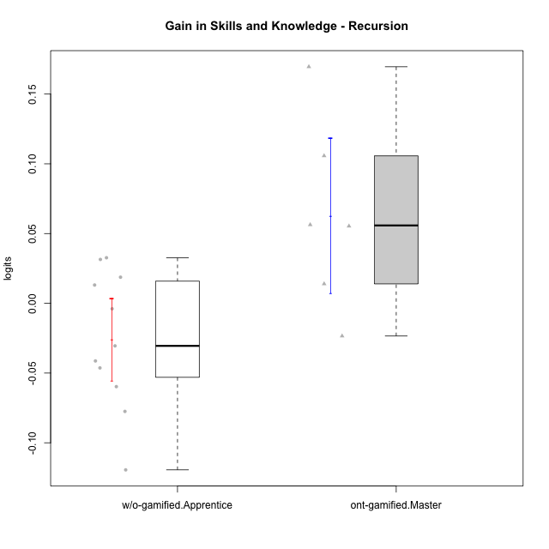

Student's t-Test data
UserID | NroUSP | Type | CLGroup | CLRole | PlayerRole | PreTheta | PostTheta | DiffTheta
10170 | 10260351 | w/o-gamified | Grupo11 | Apprentice |  | 0.017938476982 | -0.023385485951 | -0.041323962933
10175 | 10310700 | ont-gamified | Warriors | Master | Social Achiever | 0.038793154425 | 0.20836361061 | 0.16957045618
10176 | 10276949 | ont-gamified | Outlaws | Master | Social Achiever | 0.094720594445 | 0.15102372615 | 0.0563031317
10183 | 10352030 | w/o-gamified | Grupo3 | Apprentice |  | -0.031011526248 | -0.012293033308 | 0.01871849294
10184 | 10276675 | w/o-gamified | Grupo10 | Apprentice |  | 0.064904527744 | -0.0545141263 | -0.11941865404
10185 | 10276960 | w/o-gamified | Grupo9 | Apprentice |  | 0.022985706035 | -0.0545141263 | -0.077499832334
10188 | 10276995 | ont-gamified | Vandals | Master | Yee Achiever | 0.0056983535708 | 0.1114272861 | 0.10572893253
10197 | 10276661 | w/o-gamified | Grupo8 | Apprentice |  | 0.022985706035 | -0.0075261614101 | -0.030511867445
10201 | 10276928 | w/o-gamified | Grupo11 | Apprentice |  | 0.038793154425 | -0.0075261614101 | -0.046319315835
10206 | 10310721 | w/o-gamified | Grupo8 | Apprentice |  | 0.015450095254 | 0.028561090627 | 0.013110995373
10213 | 10277040 | w/o-gamified | Grupo7 | Apprentice |  | -0.0062345025119 | 0.026433767335 | 0.032668269847
10216 | 10276720 | ont-gamified | Silly Knights | Master | Social Achiever | 0.030754004896 | 0.0446862066 | 0.013932201704
10217 | 9805341 | w/o-gamified | Grupo9 | Apprentice |  | 0.047140706075 | 0.078590082494 | 0.031449376419
10218 | 9842913 | w/o-gamified | Grupo10 | Apprentice |  | 0.0081088539798 | 0.0041889725664 | -0.0039198814134
10223 | 9795185 | ont-gamified | Slayers | Master | Social Achiever | 0.0056983535708 | -0.017759330436 | -0.023457684007
10230 | 10351992 | ont-gamified | Resistance | Master | Social Achiever | 0.071179368983 | 0.12650630537 | 0.055326936385
10232 | 10276974 | w/o-gamified | Grupo7 | Apprentice |  | 0.058813079395 | -0.00092242002216 | -0.059735499417

Type_CLRole_5
Student's t-Test for Gain in Skills and Knowledge - Recursion in Type:CLRole between ont-gamified.Master:w/o-gamified.Master

Student's t-Test results
Alternative hypothesis: less
Group | N | Mean | Mean.Difference | Std.deviation | Std.error | CI.lower | CI.upper | df | t.value | p.value | g | magnitude
ont-gamified.Master | 6 | 0.062900662416 | 0.13345527736 | 0.068072415121 | 0.027790447101 | 0.0073197682138 | 0.11848155662 | 7.1309612398 | 4.3218463252 | 0.9983375245 | 2.2362647276 | large
w/o-gamified.Master | 5 | -0.070554614948 | -0.13345527736 | 0.030101309098 | 0.013461714671 | -0.09747804429 | -0.043631185606 | 7.1309612398 | 4.3218463252 | 0.9983375245 | 2.2362647276 | large
Alternative hypothesis: greater
Group | N | Mean | Mean.Difference | Std.deviation | Std.error | CI.lower | CI.upper | df | t.value | p.value | g | magnitude
ont-gamified.Master | 6 | 0.062900662416 | 0.13345527736 | 0.068072415121 | 0.027790447101 | 0.0073197682138 | 0.11848155662 | 7.1309612398 | 4.3218463252 | 0.001662475501 | 2.2362647276 | large
w/o-gamified.Master | 5 | -0.070554614948 | -0.13345527736 | 0.030101309098 | 0.013461714671 | -0.09747804429 | -0.043631185606 | 7.1309612398 | 4.3218463252 | 0.001662475501 | 2.2362647276 | large
Alternative hypothesis: two.sided
Group | N | Mean | Mean.Difference | Std.deviation | Std.error | CI.lower | CI.upper | df | t.value | p.value | g | magnitude
ont-gamified.Master | 6 | 0.062900662416 | 0.13345527736 | 0.068072415121 | 0.027790447101 | 0.0073197682138 | 0.11848155662 | 7.1309612398 | 4.3218463252 | 0.003324951002 | 2.2362647276 | large
w/o-gamified.Master | 5 | -0.070554614948 | -0.13345527736 | 0.030101309098 | 0.013461714671 | -0.09747804429 | -0.043631185606 | 7.1309612398 | 4.3218463252 | 0.003324951002 | 2.2362647276 | large

Box plots for Student's t-Test
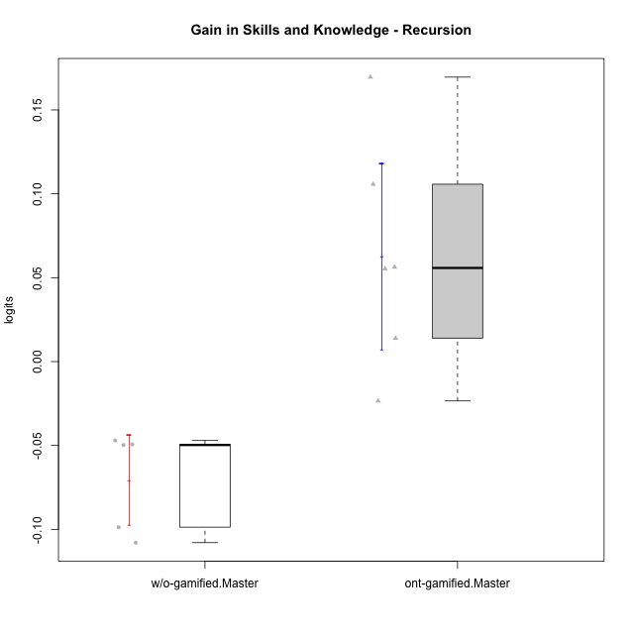

Student's t-Test data
UserID | NroUSP | Type | CLGroup | CLRole | PlayerRole | PreTheta | PostTheta | DiffTheta
10174 | 10276852 | w/o-gamified | Grupo7 | Master |  | 0.030754004896 | -0.018971059358 | -0.049725064254
10175 | 10310700 | ont-gamified | Warriors | Master | Social Achiever | 0.038793154425 | 0.20836361061 | 0.16957045618
10176 | 10276949 | ont-gamified | Outlaws | Master | Social Achiever | 0.094720594445 | 0.15102372615 | 0.0563031317
10179 | 10310759 | w/o-gamified | Grupo10 | Master |  | 0.080955438006 | -0.017759330436 | -0.098714768442
10188 | 10276995 | ont-gamified | Vandals | Master | Yee Achiever | 0.0056983535708 | 0.1114272861 | 0.10572893253
10191 | 10276981 | w/o-gamified | Grupo1 | Master |  | 0.10564179517 | -0.002276529018 | -0.10791832419
10216 | 10276720 | ont-gamified | Silly Knights | Master | Social Achiever | 0.030754004896 | 0.0446862066 | 0.013932201704
10219 | 10276831 | w/o-gamified | Grupo3 | Master |  | 0.028136354653 | -0.018919306051 | -0.047055660704
10223 | 9795185 | ont-gamified | Slayers | Master | Social Achiever | 0.0056983535708 | -0.017759330436 | -0.023457684007
10230 | 10351992 | ont-gamified | Resistance | Master | Social Achiever | 0.071179368983 | 0.12650630537 | 0.055326936385
10231 | 10276911 | w/o-gamified | Grupo9 | Master |  | 0.1132337595 | 0.063874502347 | -0.049359257152

Type_CLRole_6
Student's t-Test for Gain in Skills and Knowledge - Recursion in Type:CLRole between w/o-gamified.Apprentice:w/o-gamified.Master

Student's t-Test results
Alternative hypothesis: less
Group | N | Mean | Mean.Difference | Std.deviation | Std.error | CI.lower | CI.upper | df | t.value | p.value | g | magnitude
w/o-gamified.Apprentice | 11 | -0.025707443531 | 0.044847171417 | 0.048932420154 | 0.014753679794 | -0.055214803119 | 0.0037999160568 | 12.288525102 | 2.2454796287 | 0.97806536027 | 0.95551110438 | large
w/o-gamified.Master | 5 | -0.070554614948 | -0.044847171417 | 0.030101309098 | 0.013461714671 | -0.09747804429 | -0.043631185606 | 12.288525102 | 2.2454796287 | 0.97806536027 | 0.95551110438 | large
Alternative hypothesis: greater
Group | N | Mean | Mean.Difference | Std.deviation | Std.error | CI.lower | CI.upper | df | t.value | p.value | g | magnitude
w/o-gamified.Apprentice | 11 | -0.025707443531 | 0.044847171417 | 0.048932420154 | 0.014753679794 | -0.055214803119 | 0.0037999160568 | 12.288525102 | 2.2454796287 | 0.021934639732 | 0.95551110438 | large
w/o-gamified.Master | 5 | -0.070554614948 | -0.044847171417 | 0.030101309098 | 0.013461714671 | -0.09747804429 | -0.043631185606 | 12.288525102 | 2.2454796287 | 0.021934639732 | 0.95551110438 | large
Alternative hypothesis: two.sided
Group | N | Mean | Mean.Difference | Std.deviation | Std.error | CI.lower | CI.upper | df | t.value | p.value | g | magnitude
w/o-gamified.Apprentice | 11 | -0.025707443531 | 0.044847171417 | 0.048932420154 | 0.014753679794 | -0.055214803119 | 0.0037999160568 | 12.288525102 | 2.2454796287 | 0.043869279465 | 0.95551110438 | large
w/o-gamified.Master | 5 | -0.070554614948 | -0.044847171417 | 0.030101309098 | 0.013461714671 | -0.09747804429 | -0.043631185606 | 12.288525102 | 2.2454796287 | 0.043869279465 | 0.95551110438 | large

Box plots for Student's t-Test
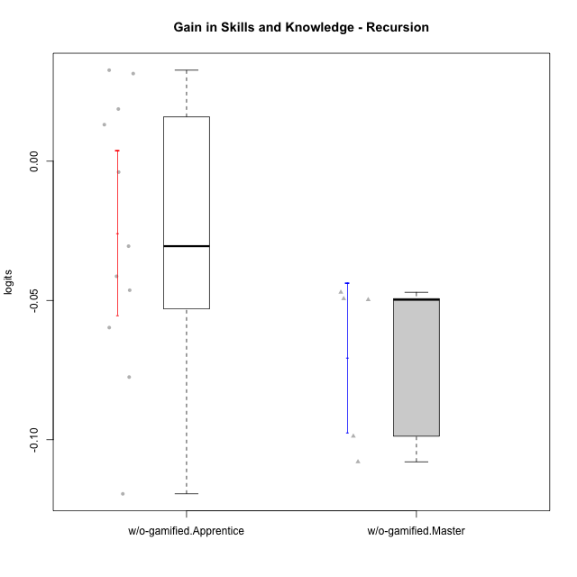

Student's t-Test data
UserID | NroUSP | Type | CLGroup | CLRole | PlayerRole | PreTheta | PostTheta | DiffTheta
10170 | 10260351 | w/o-gamified | Grupo11 | Apprentice |  | 0.017938476982 | -0.023385485951 | -0.041323962933
10174 | 10276852 | w/o-gamified | Grupo7 | Master |  | 0.030754004896 | -0.018971059358 | -0.049725064254
10179 | 10310759 | w/o-gamified | Grupo10 | Master |  | 0.080955438006 | -0.017759330436 | -0.098714768442
10183 | 10352030 | w/o-gamified | Grupo3 | Apprentice |  | -0.031011526248 | -0.012293033308 | 0.01871849294
10184 | 10276675 | w/o-gamified | Grupo10 | Apprentice |  | 0.064904527744 | -0.0545141263 | -0.11941865404
10185 | 10276960 | w/o-gamified | Grupo9 | Apprentice |  | 0.022985706035 | -0.0545141263 | -0.077499832334
10191 | 10276981 | w/o-gamified | Grupo1 | Master |  | 0.10564179517 | -0.002276529018 | -0.10791832419
10197 | 10276661 | w/o-gamified | Grupo8 | Apprentice |  | 0.022985706035 | -0.0075261614101 | -0.030511867445
10201 | 10276928 | w/o-gamified | Grupo11 | Apprentice |  | 0.038793154425 | -0.0075261614101 | -0.046319315835
10206 | 10310721 | w/o-gamified | Grupo8 | Apprentice |  | 0.015450095254 | 0.028561090627 | 0.013110995373
10213 | 10277040 | w/o-gamified | Grupo7 | Apprentice |  | -0.0062345025119 | 0.026433767335 | 0.032668269847
10217 | 9805341 | w/o-gamified | Grupo9 | Apprentice |  | 0.047140706075 | 0.078590082494 | 0.031449376419
10218 | 9842913 | w/o-gamified | Grupo10 | Apprentice |  | 0.0081088539798 | 0.0041889725664 | -0.0039198814134
10219 | 10276831 | w/o-gamified | Grupo3 | Master |  | 0.028136354653 | -0.018919306051 | -0.047055660704
10231 | 10276911 | w/o-gamified | Grupo9 | Master |  | 0.1132337595 | 0.063874502347 | -0.049359257152
10232 | 10276974 | w/o-gamified | Grupo7 | Apprentice |  | 0.058813079395 | -0.00092242002216 | -0.059735499417

