Global-info
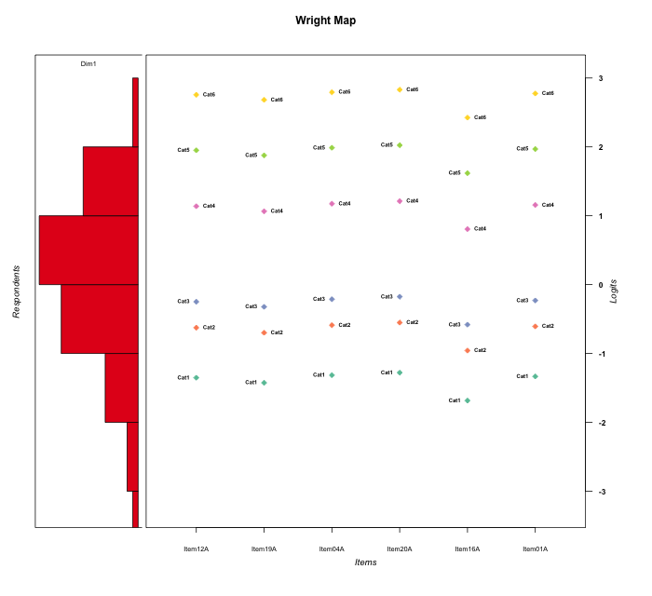
Global information for a measurement model

Information
Number.of.items | Deviance | Log.Likelihood | Number.of.persons | EAP.rel | n.theta.nodes | irt.model
6 | 944.05215196 | -472.02607598 | 52 | 0.89439104476 | 21 | RSM

Global fit statistic MADaQ3 and test fit
MADaQ3 | maxaQ3 | p
0.13873002383 | 0.33531962189 | 0.2836980337

Test statistic of global fit based on Chi square
maxX2 | Npairs | p.holm
282.5942142 | 15 | 0

Model fit statistics
X100.MADCOV | SRMR | SRMSR
28.944698452 | 0.071625785635 | 0.086000266942

Chi square tests for every item pairs
index1 | index2 | maxK1 | maxK2 | df | chi2 | p | p.holm
1 | 2 | 6 | 6 | 36 | 58.880137666 | 0.0094209503264 | 0.094209503264
1 | 3 | 6 | 6 | 36 | 34.08538872 | 0.5599121745 | 1
1 | 4 | 6 | 6 | 36 | 88.774110235 | 2.3777103696E-06 | 2.8532524435E-05
1 | 5 | 6 | 6 | 36 | 28.825783729 | 0.79650342083 | 1
1 | 6 | 6 | 6 | 36 | 95.211398787 | 3.0126996531E-07 | 3.916509549E-06
2 | 3 | 6 | 6 | 36 | 40.067589313 | 0.29446806756 | 1
2 | 4 | 6 | 6 | 36 | 155.88308823 | 1.1102230246E-16 | 1.5543122345E-15
2 | 5 | 6 | 6 | 36 | 41.379289 | 0.24742539819 | 1
2 | 6 | 6 | 6 | 36 | 282.5942142 | 0 | 0
3 | 4 | 6 | 6 | 36 | 43.248529287 | 0.18935826071 | 1
3 | 5 | 6 | 6 | 36 | 36.299091003 | 0.45471130428 | 1
3 | 6 | 6 | 6 | 36 | 53.71805429 | 0.029036653181 | 0.26132987863
4 | 5 | 6 | 6 | 36 | 71.035289507 | 0.00044293539926 | 0.0048722893918
4 | 6 | 6 | 6 | 36 | 35.505063214 | 0.49195738647 | 1
5 | 6 | 6 | 6 | 36 | 49.801845785 | 0.062762775605 | 0.50210220484

Item residuals
Item12A | Item19A | Item04A | Item20A | Item16A | Item01A
0.36960343017 | 0.34136472395 | 0.38450665191 | 0.39995117655 | 0.25751358258 | 0.37698825341
0.46062350451 | 0.38713191739 | 1.4972415002 | -0.46618545032 | -0.87520346449 | -0.52105990117
0.16044261169 | 0.084287162814 | 1.1982183024 | 0.23580247114 | -0.18842113369 | -0.82064501084
0.16044261169 | 1.0842871628 | 0.1982183024 | -0.76419752886 | -0.18842113369 | 0.17935498916
-0.98749352574 | 0.93500509254 | 0.050976058238 | -0.91074776973 | -0.34077710174 | 2.0317652901
0.012506474262 | 0.93500509254 | 0.050976058238 | 0.089252230271 | 0.65922289826 | -0.96823470987
0.76010393468 | -0.31379401041 | 0.79731324947 | -0.16524957447 | -0.57105257159 | -0.22131733792
0.060949221937 | -0.017420803661 | 0.10081194528 | 0.14116977908 | -0.28140717904 | 0.080820633027
0.52862172983 | -1.56179043 | 0.57462633846 | 0.62114031864 | 1.1389973213 | -1.4484408921
-0.089349787585 | 0.83495948077 | -0.051019352962 | -1.0123134076 | 0.57596523448 | -0.070229108862
-0.23415159515 | -0.3220387778 | -0.19155543256 | -0.14990253393 | 0.34694053318 | -0.21273752497
0.21201771673 | -1.8697988717 | 0.25372693882 | 0.29599745044 | -0.14233118969 | 1.2328033165
1.2120177167 | 0.13020112827 | -0.74627306118 | 1.2959974504 | -2.1423311897 | 0.23280331655
-2.4713782702 | -2.56179043 | 0.57462633846 | 1.6211403186 | 0.1389973213 | 2.5515591079
0.68804097299 | -1.4065574328 | 0.73603290985 | -0.21556334782 | 0.27936061711 | -0.28801705973
-0.5306018574 | -0.57381725207 | 0.48979185065 | -0.49059076299 | 0.24701716242 | -0.52030640287
0.31011914334 | 0.23546597983 | 1.3471982788 | 0.38413846205 | -0.032171314325 | -1.6713225829
0.68804097299 | 0.59344256723 | -1.2639670902 | -1.2155633478 | 0.27936061711 | 0.71198294027
-0.98749352574 | 1.9350050925 | -0.94902394176 | 2.0892522303 | -0.34077710174 | -0.96823470987
-0.40375366983 | -0.43657174102 | 0.61169578667 | -0.37346246666 | -0.5741659038 | -0.39595149159
-0.98749352574 | -0.064994907457 | 2.0509760582 | -0.91074776973 | -1.3407771017 | 2.0317652901
-0.59887657854 | 1.324974226 | -0.56038814458 | 1.4783319894 | 1.0705483932 | -1.5796633875
0.52862172983 | -0.56179043 | 1.5746263385 | -2.3788596814 | 0.1389973213 | 0.55155910794
0.16044261169 | 1.0842871628 | -0.8017816976 | 0.23580247114 | -0.18842113369 | 0.17935498916
0.31011914334 | 1.2354659798 | 1.3471982788 | 0.38413846205 | -1.0321713143 | -1.6713225829
-0.16059617724 | -1.2583693193 | -1.1111800339 | 0.93851776888 | 0.41471834136 | 0.86407317376
0.61032929661 | 1.5371736703 | -0.35304656936 | -0.31634139251 | -0.72134768414 | -0.37136636153
-0.28610865068 | -0.3090852351 | -0.27529960183 | -0.26491804991 | -0.40593391358 | -0.28064952621
1.6103292966 | -0.46282632973 | -0.35304656936 | -0.31634139251 | 0.27865231586 | -0.37136636153
-0.54097827341 | 0.36288543961 | -0.49366026631 | 0.55308390867 | 0.016929058205 | -0.51725091001
-0.38204277522 | -0.47469259005 | -0.33681146698 | 0.70763014181 | 0.18385840451 | -0.35933109708
-0.28610865068 | -0.3090852351 | -0.27529960183 | -0.26491804991 | -0.40593391358 | -0.28064952621
1.7095830006 | 1.6310284883 | -0.25115193765 | -3.2119271901 | 1.3588523989 | -0.27078085692
-0.23415159515 | -1.3220387778 | -1.1915554326 | -0.14990253393 | 1.3469405332 | 0.78726247503
0.98505076605 | -2.1144505192 | 1.035104216 | -1.9147244841 | -0.45095793954 | 2.0100586899
2.2120177167 | -1.8697988717 | 0.25372693882 | 0.29599745044 | -0.14233118969 | -0.76719668345
0.21201771673 | 0.13020112827 | -0.74627306118 | 0.29599745044 | 0.85766881031 | -0.76719668345
0.060949221937 | 0.98257919634 | -0.89918805472 | 1.1411697791 | -1.281407179 | 0.080820633027
-0.09250047738 | 0.82598149463 | 0.94676031308 | -1.0150045585 | -0.48728683026 | -1.072742944
-0.66495983393 | -0.71865346867 | -0.63951980734 | -0.61499138381 | -0.93767559552 | 2.3478754167
-0.865418378 | 0.034878363237 | 1.1844353071 | -0.76579718632 | 0.69205991425 | -0.84048493921
0.21201771673 | 0.13020112827 | -0.74627306118 | 0.29599745044 | -0.14233118969 | 0.23280331655
-0.23989606532 | -0.31379401041 | -0.20268675053 | -0.16524957447 | 0.42894742841 | 0.77868266208
-1.4713782702 | -1.56179043 | -0.42537366154 | 0.62114031864 | 2.1389973213 | 0.55155910794
-0.29041699938 | 0.6310284883 | -0.25115193765 | 0.78807280992 | 0.35885239892 | -0.27078085692
-1.2341515952 | 1.6779612222 | -1.1915554326 | -0.14990253393 | 1.3469405332 | -1.212737525
-0.53937649549 | 1.3871319174 | -1.5027584998 | 0.53381454968 | 1.1247965355 | -0.52105990117
0.060949221937 | -0.017420803661 | 0.10081194528 | 0.14116977908 | -0.28140717904 | 0.080820633027
1.3101191433 | 0.23546597983 | -0.65280172125 | -0.61586153795 | 0.96782868567 | -0.67132258292
-1.1605961772 | -2.2583693193 | -1.1111800339 | 2.9385177689 | -1.5852816586 | 2.8640731738
-0.63224928442 | 1.2818155992 | 0.4115575907 | 0.4559284523 | -1.0028066826 | -0.61041629739
0.76010393468 | 0.68620598959 | -0.20268675053 | -0.16524957447 | -0.57105257159 | -0.22131733792

Wright Map for Item Response Models

Estimate-Items
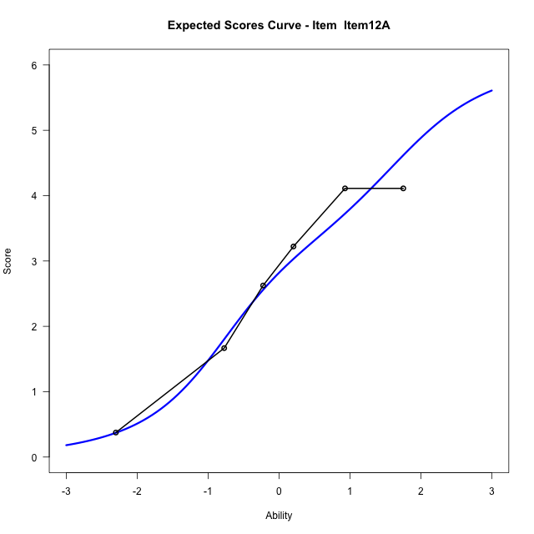
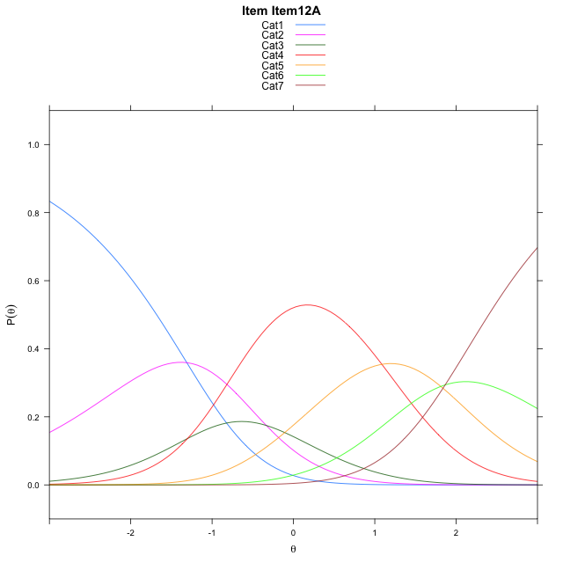
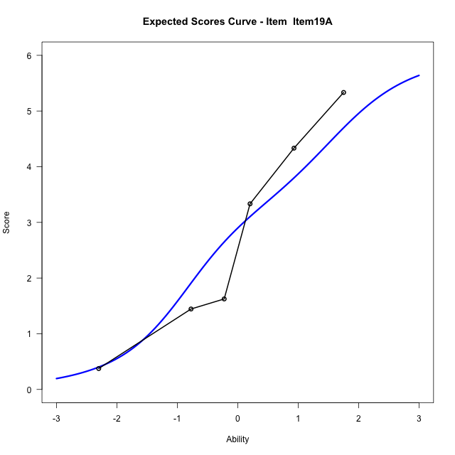
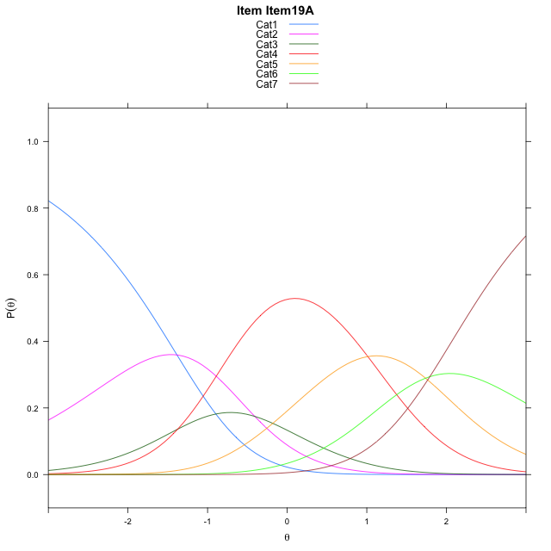
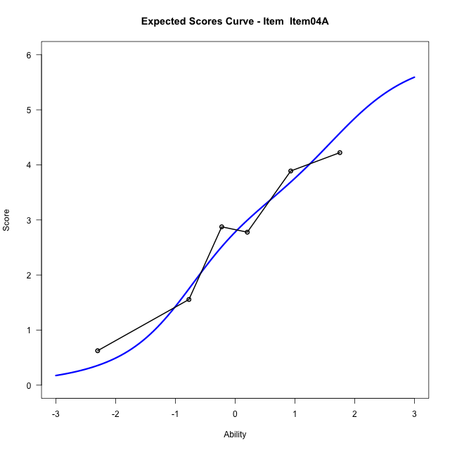
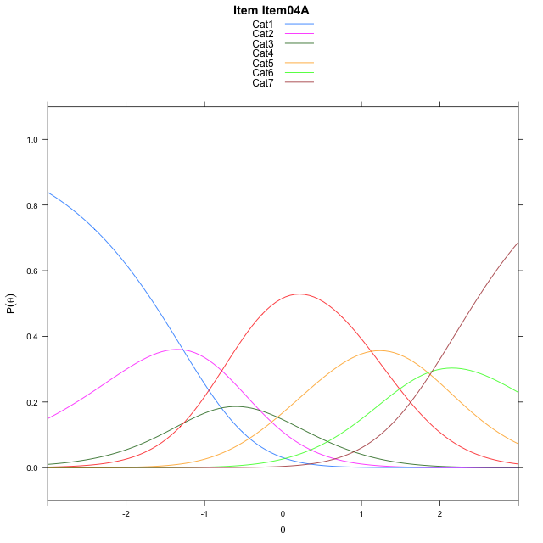
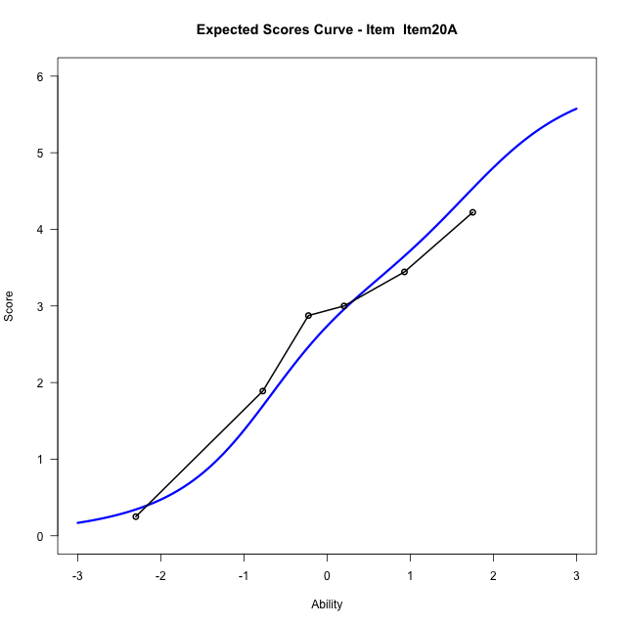
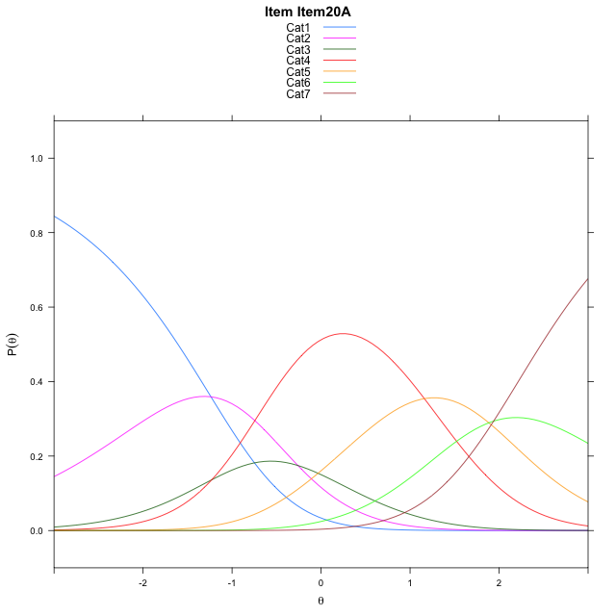
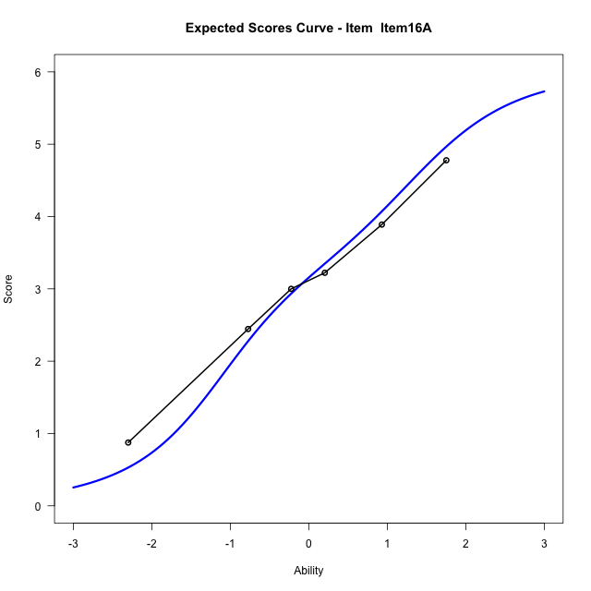
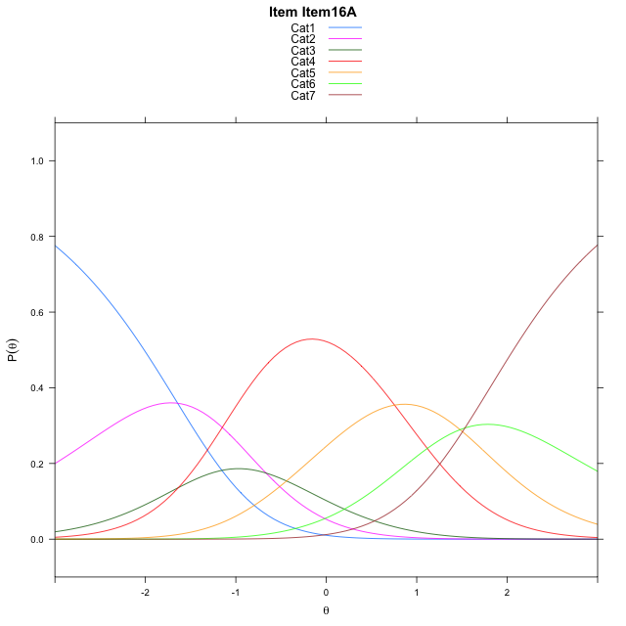
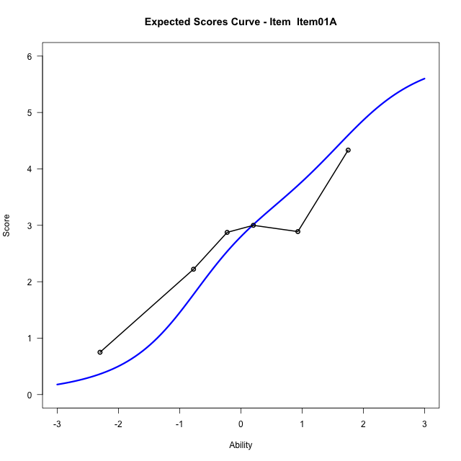
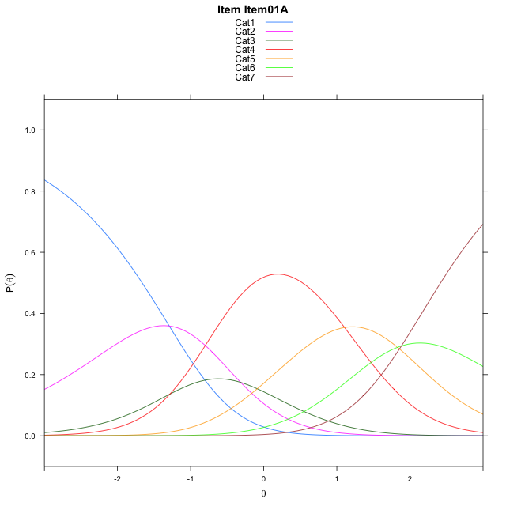
Estimate items information for the measurement model

Full Item Information
item | N | M | xsi.item | AXsi_.Cat1 | AXsi_.Cat2 | AXsi_.Cat3 | AXsi_.Cat4 | AXsi_.Cat5 | AXsi_.Cat6 | B.Cat1.Dim1 | B.Cat2.Dim1 | B.Cat3.Dim1 | B.Cat4.Dim1 | B.Cat5.Dim1 | B.Cat6.Dim1
Item12A | 52 | 2.7307692308 | 0.30285967028 | -1.3108151945 | -1.6447048474 | -2.9461378858 | -1.8592976725 | -0.047824513785 | 1.8171580217 | 1 | 2 | 3 | 4 | 5 | 6
Item19A | 52 | 2.8076923077 | 0.22920551245 | -1.3844693524 | -1.7920131631 | -3.1671003593 | -2.1539143038 | -0.41609530294 | 1.3752330747 | 1 | 2 | 3 | 4 | 5 | 6
Item04A | 52 | 2.6923076923 | 0.339672428 | -1.2740024368 | -1.571079332 | -2.8356996126 | -1.7120466416 | 0.13623927485 | 2.038034568 | 1 | 2 | 3 | 4 | 5 | 6
Item20A | 52 | 2.6538461538 | 0.37648209186 | -1.237192773 | -1.4974600043 | -2.7252706211 | -1.5648079862 | 0.32028759411 | 2.2588925511 | 1 | 2 | 3 | 4 | 5 | 6
Item16A | 52 | 3.0769230769 | -0.029361243968 | -1.6430361088 | -2.3091466759 | -3.9428006286 | -3.1881813294 | -1.708929085 | -0.17616746381 | 1 | 2 | 3 | 4 | 5 | 6
Item01A | 52 | 2.7115384615 | 0.32126674468 | -1.2924081201 | -1.6078906986 | -2.8909166626 | -1.7856693748 | 0.044210858246 | 1.9276004681 | 1 | 2 | 3 | 4 | 5 | 6

Thurstonian Thresholds (category-wise)
 | Cat1 | Cat2 | Cat3 | Cat4 | Cat5 | Cat6
Item12A | -1.6815490723 | -0.86380004883 | -0.50509643555 | 0.82681274414 | 1.6729431152 | 2.4004211426
Item19A | -1.7551574707 | -0.93740844727 | -0.57870483398 | 0.75302124023 | 1.5993347168 | 2.3268127441
Item04A | -1.644744873 | -0.82699584961 | -0.46829223633 | 0.86361694336 | 1.7097473145 | 2.4372253418
Item20A | -1.6079406738 | -0.79019165039 | -0.43148803711 | 0.90042114258 | 1.7465515137 | 2.474029541
Item16A | -2.0137023926 | -1.1959533691 | -0.83724975586 | 0.49447631836 | 1.3407897949 | 2.0682678223
Item01A | -1.6632385254 | -0.84530639648 | -0.4866027832 | 0.84512329102 | 1.6914367676 | 2.4189147949

Thurstonian Thresholds (item-wise)
 | Threshold
Item12A | 0.18397608198
Item19A | 0.10525579639
Item04A | 0.22300808437
Item20A | 0.26167087316
Item16A | -0.14416511958
Item01A | 0.20353147819

Item Infit/Outfit Statistic
parameter | Outfit | Outfit_t | Outfit_p | Outfit_pholm | Infit | Infit_t | Infit_p | Infit_pholm
Item12A | 0.79232643783 | -0.96526362911 | 0.33441278403 | 1 | 0.83516792651 | -0.84548326388 | 0.39784107308 | 1
Item19A | 1.2711049996 | 1.1758118713 | 0.2396700615 | 1 | 1.3143336706 | 1.4747260492 | 0.14028620983 | 0.84171725896
Item04A | 0.84274408467 | -0.71024185553 | 0.47755416947 | 1 | 0.81704022067 | -0.94396719563 | 0.34518641201 | 1
Item20A | 1.0298297825 | 0.19124069886 | 0.84833701892 | 1 | 1.1163942329 | 0.61200804445 | 0.54053243521 | 1
Item16A | 0.7975093247 | -0.95645311816 | 0.33884335927 | 1 | 0.80596547092 | -1.0076387323 | 0.3136279276 | 1
Item01A | 1.2104452497 | 0.92469023524 | 0.35512706018 | 1 | 1.1979960557 | 0.98349004744 | 0.32536631125 | 1
Cat1 | 1.5679454657 | 0.78940845968 | 0.42987331306 | 1 | 1.7177141548 | 5.3137420316 | 1.0739662754E-07 | 1.0739662754E-06
Cat2 | 1.4044496441 | 0.69735645934 | 0.48557974289 | 1 | 1.4062210957 | 3.8518459945 | 0.00011723074466 | 0.00093784595724
Cat3 | 1.3737134939 | 1.0357789652 | 0.30030527304 | 1 | 1.3830905069 | 4.4972647059 | 6.8833269648E-06 | 6.1949942684E-05
Cat4 | 1.1861930272 | 9.3612132196 | 7.8826290836E-21 | 7.8826290836E-20 | 1.460237528 | 6.7241306014 | 1.7664394284E-11 | 1.9430833712E-10
Cat5 | 2.8200193783 | 169.58578693 | 0 | 0 | 1.3130864856 | 1.8579742541 | 0.063172670519 | 0.44220869364

Box plot of expected curves

