Type_1
Wilcoxon Analysis for Attention by Type in Type between ont-gamified:w/o-gamified

Wilcoxon test results
Alternative hypothesis: less
Group | N | Median | Mean.Ranks | Sum.Ranks | U | Z | p.value | r | magnitude
ont-gamified | 25 | -0.067931029733 | 25.66 | 641.5 | 316.5 | -0.38515252271 | 0.35294053319 | 0.053411044982 | none
w/o-gamified | 27 | 0.094906564934 | 27.277777778 | 736.5 | 316.5 | -0.38515252271 | 0.35294053319 | 0.053411044982 | none
Alternative hypothesis: greater
Group | N | Median | Mean.Ranks | Sum.Ranks | U | Z | p.value | r | magnitude
ont-gamified | 25 | -0.067931029733 | 25.66 | 641.5 | 316.5 | -0.38515252271 | 0.65043502852 | 0.053411044982 | none
w/o-gamified | 27 | 0.094906564934 | 27.277777778 | 736.5 | 316.5 | -0.38515252271 | 0.65043502852 | 0.053411044982 | none
Alternative hypothesis: two.sided
Group | N | Median | Mean.Ranks | Sum.Ranks | U | Z | p.value | r | magnitude
ont-gamified | 25 | -0.067931029733 | 25.66 | 641.5 | 316.5 | -0.38515252271 | 0.70588292246 | 0.053411044982 | none
w/o-gamified | 27 | 0.094906564934 | 27.277777778 | 736.5 | 316.5 | -0.38515252271 | 0.70588292246 | 0.053411044982 | none

Box plots for wilcoxon tests
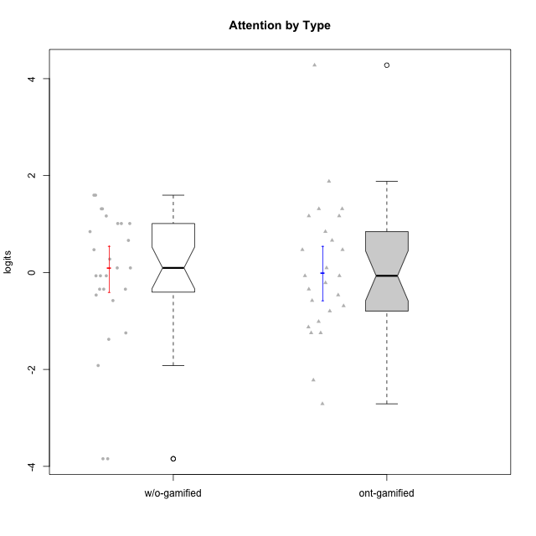

Wilcoxon data
UserID | NroUSP | Type | CLGroup | CLRole | PlayerRole | Score | theta | error | Outfit | Infit | Attention
10169 | 10377538 | ont-gamified | Resistance | Apprentice | Social Achiever | 36 | 4.2780214378 | 1.3004542399 | 0.087029890069 | 0.088490375998 | 4.2780214378
10170 | 10260351 | w/o-gamified | Grupo11 | Apprentice |  | 22 | 0.84350057928 | 0.41113183096 | 0.64571910404 | 0.64694718986 | 0.84350057928
10171 | 698531 | ont-gamified | Mafia | Master | Social Achiever | 24 | 1.1666943908 | 0.394559145 | 0.34228832969 | 0.338286261 | 1.1666943908
10172 | 10273971 | w/o-gamified | Grupo5 | Apprentice |  | 24 | 1.1666943908 | 0.394559145 | 0.28452868046 | 0.28351305637 | 1.1666943908
10174 | 10276852 | w/o-gamified | Grupo7 | Master |  | 25 | 1.314038185 | 0.38900795269 | 1.0379664401 | 1.0340224065 | 1.314038185
10175 | 10310700 | ont-gamified | Warriors | Master | Social Achiever | 25 | 1.314038185 | 0.38900795269 | 0.32110889456 | 0.32200445576 | 1.314038185
10176 | 10276949 | ont-gamified | Outlaws | Master | Social Achiever | 20 | 0.47008248054 | 0.42073342617 | 0.29601423901 | 0.29622298153 | 0.47008248054
10178 | 8656201 | ont-gamified | Outlaws | Apprentice | Social Achiever | 18 | 0.094906564934 | 0.40228082703 | 0.019321026525 | 0.018664349158 | 0.094906564934
10179 | 10310759 | w/o-gamified | Grupo10 | Master |  | 15 | -0.34412978221 | 0.36075182877 | 0.90939655384 | 0.88918806325 | -0.34412978221
10181 | 10276866 | w/o-gamified | Grupo2 | Apprentice |  | 19 | 0.27645367958 | 0.41488527316 | 0.36211117592 | 0.36289980811 | 0.27645367958
10183 | 10352030 | w/o-gamified | Grupo3 | Apprentice |  | 7 | -1.246535435 | 0.36830930359 | 0.035728439951 | 0.03862805856 | -1.246535435
10184 | 10276675 | w/o-gamified | Grupo10 | Apprentice |  | 17 | -0.067931029733 | 0.38713873176 | 0.78837594186 | 0.78578704078 | -0.067931029733
10185 | 10276960 | w/o-gamified | Grupo9 | Apprentice |  | 17 | -0.067931029733 | 0.38713873176 | 1.3215547987 | 1.2511114389 | -0.067931029733
10186 | 10310551 | ont-gamified | Slayers | Apprentice | Social Achiever | 15 | -0.34412978221 | 0.36075182877 | 2.8343303377 | 2.8907060886 | -0.34412978221
10188 | 10276995 | ont-gamified | Vandals | Master | Yee Achiever | 14 | -0.4650700203 | 0.3514968055 | 0.39509539705 | 0.39620924899 | -0.4650700203
10189 | 9363926 | ont-gamified | Vikings | Apprentice | Social Achiever | 2 | -2.2204063168 | 0.60323232255 | 0.45223922843 | 0.43775416477 | -2.2204063168
10190 | 10276907 | w/o-gamified | Grupo4 | Apprentice |  | 23 | 1.0109029019 | 0.40233920583 | 0.8013290875 | 0.78661830754 | 1.0109029019
10191 | 10276981 | w/o-gamified | Grupo1 | Master |  | 14 | -0.4650700203 | 0.3514968055 | 0.53448401882 | 0.54939242937 | -0.4650700203
10192 | 10276682 | ont-gamified | Attractive Devils | Apprentice | Social Achiever | 25 | 1.314038185 | 0.38900795269 | 1.6635105098 | 1.6570567649 | 1.314038185
10193 | 10276762 | ont-gamified | Vandals | Apprentice | Yee Achiever | 1 | -2.7095207918 | 0.79472720248 | 0.62396326619 | 0.59332339015 | -2.7095207918
10197 | 10276661 | w/o-gamified | Grupo8 | Apprentice |  | 25 | 1.314038185 | 0.38900795269 | 1.8048778342 | 1.8011172132 | 1.314038185
10198 | 10310888 | ont-gamified | Attractive Devils | Apprentice | Social Achiever | 29 | 1.8806202821 | 0.39942226097 | 1.2732144757 | 1.2835946553 | 1.8806202821
10199 | 10276737 | w/o-gamified | Grupo1 | Apprentice |  | 15 | -0.34412978221 | 0.36075182877 | 1.1242763144 | 1.1774925589 | -0.34412978221
10200 | 9795272 | ont-gamified | Warriors | Apprentice | Social Achiever | 24 | 1.1666943908 | 0.394559145 | 0.29545983099 | 0.29551243963 | 1.1666943908
10201 | 10276928 | w/o-gamified | Grupo11 | Apprentice |  | 23 | 1.0109029019 | 0.40233920583 | 1.1984808718 | 1.2003375024 | 1.0109029019
10202 | 10277036 | ont-gamified | Silly Knights | Apprentice | Social Achiever | 13 | -0.57902078051 | 0.34506438391 | 0.5447490533 | 0.55178021001 | -0.57902078051
10203 | 9921470 | ont-gamified | Mercenaries | Apprentice | Social Achiever | 21 | 0.66245909017 | 0.41851335862 | 0.62628957914 | 0.6300154648 | 0.66245909017
10204 | 10310471 | w/o-gamified | Grupo6 | Apprentice |  | 0 | -3.8431524729 | 1.4245908656 | 0.083540109963 | 0.08534852361 | -3.8431524729
10206 | 10310721 | w/o-gamified | Grupo8 | Apprentice |  | 21 | 0.66245909017 | 0.41851335862 | 0.57222402992 | 0.56573042347 | 0.66245909017
10208 | 10276932 | ont-gamified | Mercenaries | Master | Social Achiever | 9 | -1.0124865199 | 0.34725838274 | 0.14367018421 | 0.14146787918 | -1.0124865199
10209 | 10262669 | ont-gamified | Mafia | Apprentice | Social Achiever | 8 | -1.1259635053 | 0.35566118865 | 0.14073395037 | 0.13636390718 | -1.1259635053
10210 | 10277015 | w/o-gamified | Grupo6 | Apprentice |  | 0 | -3.8431524729 | 1.4245908656 | 0.083540109963 | 0.08534852361 | -3.8431524729
10213 | 10277040 | w/o-gamified | Grupo7 | Apprentice |  | 27 | 1.5958469796 | 0.38679170806 | 2.625335441 | 2.6400086555 | 1.5958469796
10214 | 10277022 | ont-gamified | Vikings | Apprentice | Social Achiever | 7 | -1.246535435 | 0.36830930359 | 0.72224215374 | 0.75174882262 | -1.246535435
10215 | 9285227 | ont-gamified | Vikings | Master | Social Achiever | 12 | -0.6885839594 | 0.34139388263 | 1.659382601 | 1.681898761 | -0.6885839594
10216 | 10276720 | ont-gamified | Silly Knights | Master | Social Achiever | 17 | -0.067931029733 | 0.38713873176 | 1.3665407732 | 1.3727365673 | -0.067931029733
10217 | 9805341 | w/o-gamified | Grupo9 | Apprentice |  | 17 | -0.067931029733 | 0.38713873176 | 0.31942262632 | 0.30785328137 | -0.067931029733
10218 | 9842913 | w/o-gamified | Grupo10 | Apprentice |  | 18 | 0.094906564934 | 0.40228082703 | 0.77380275703 | 0.75969826491 | 0.094906564934
10219 | 10276831 | w/o-gamified | Grupo3 | Master |  | 6 | -1.3780636632 | 0.38648309013 | 0.6081184111 | 0.58369120673 | -1.3780636632
10220 | 9760151 | w/o-gamified | Grupo3 | Apprentice |  | 3 | -1.9192991679 | 0.50736381558 | 2.147076663 | 2.0317392649 | -1.9192991679
10221 | 9082496 | ont-gamified | Warriors | Apprentice | Social Achiever | 11 | -0.79598215936 | 0.3404597993 | 0.44236702539 | 0.44226493752 | -0.79598215936
10223 | 9795185 | ont-gamified | Slayers | Master | Social Achiever | 17 | -0.067931029733 | 0.38713873176 | 0.11440802431 | 0.11837155791 | -0.067931029733
10224 | 9368772 | ont-gamified | Mercenaries | Apprentice | Social Achiever | 20 | 0.47008248054 | 0.42073342617 | 0.1796452354 | 0.17944798353 | 0.47008248054
10226 | 10310342 | w/o-gamified | Grupo4 | Apprentice |  | 15 | -0.34412978221 | 0.36075182877 | 1.401738636 | 1.305637341 | -0.34412978221
10227 | 9274382 | w/o-gamified | Grupo5 | Master |  | 27 | 1.5958469796 | 0.38679170806 | 0.17896662913 | 0.18056955817 | 1.5958469796
10228 | 10310492 | ont-gamified | Resistance | Apprentice | Social Achiever | 7 | -1.246535435 | 0.36830930359 | 1.180446261 | 1.2085757704 | -1.246535435
10230 | 10351992 | ont-gamified | Resistance | Master | Social Achiever | 22 | 0.84350057928 | 0.41113183096 | 1.0566092846 | 1.057913469 | 0.84350057928
10231 | 10276911 | w/o-gamified | Grupo9 | Master |  | 18 | 0.094906564934 | 0.40228082703 | 0.019321026525 | 0.018664349158 | 0.094906564934
10232 | 10276974 | w/o-gamified | Grupo7 | Apprentice |  | 23 | 1.0109029019 | 0.40233920583 | 0.6317051263 | 0.63006085628 | 1.0109029019
10234 | 10310676 | w/o-gamified | Grupo4 | Master |  | 13 | -0.57902078051 | 0.34506438391 | 3.200641622 | 3.2342115055 | -0.57902078051
10237 | 10377688 | ont-gamified | Outlaws | Apprentice | Social Achiever | 16 | -0.21302018421 | 0.37278692254 | 0.54877869842 | 0.52947592082 | -0.21302018421
10238 | 10276953 | w/o-gamified | Grupo2 | Master |  | 20 | 0.47008248054 | 0.42073342617 | 0.25968898734 | 0.25967714175 | 0.47008248054

Type_CLRole_1
Wilcoxon Analysis for Attention by Type in Type:CLRole between ont-gamified.Apprentice:ont-gamified.Master

Wilcoxon test results
Alternative hypothesis: less
Group | N | Median | Mean.Ranks | Sum.Ranks | U | Z | p.value | r | magnitude
ont-gamified.Apprentice | 16 | -0.27857498321 | 12.21875 | 195.5 | 59.5 | -0.70835458429 | 0.24758942229 | 0.14167091686 | small
ont-gamified.Master | 9 | -0.067931029733 | 14.388888889 | 129.5 | 59.5 | -0.70835458429 | 0.24758942229 | 0.14167091686 | small
Alternative hypothesis: greater
Group | N | Median | Mean.Ranks | Sum.Ranks | U | Z | p.value | r | magnitude
ont-gamified.Apprentice | 16 | -0.27857498321 | 12.21875 | 195.5 | 59.5 | -0.70835458429 | 0.7611967841 | 0.14167091686 | small
ont-gamified.Master | 9 | -0.067931029733 | 14.388888889 | 129.5 | 59.5 | -0.70835458429 | 0.7611967841 | 0.14167091686 | small
Alternative hypothesis: two.sided
Group | N | Median | Mean.Ranks | Sum.Ranks | U | Z | p.value | r | magnitude
ont-gamified.Apprentice | 16 | -0.27857498321 | 12.21875 | 195.5 | 59.5 | -0.70835458429 | 0.49515045461 | 0.14167091686 | small
ont-gamified.Master | 9 | -0.067931029733 | 14.388888889 | 129.5 | 59.5 | -0.70835458429 | 0.49515045461 | 0.14167091686 | small

Box plots for wilcoxon tests
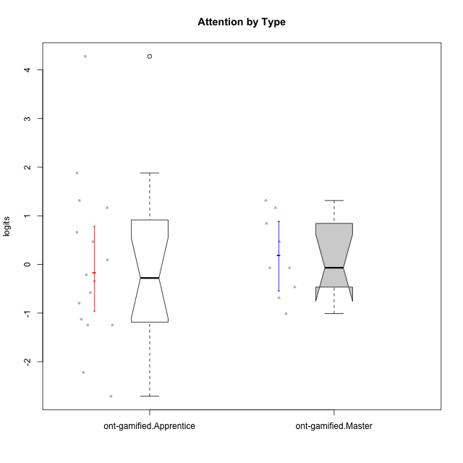

Wilcoxon data
UserID | NroUSP | Type | CLGroup | CLRole | PlayerRole | Score | theta | error | Outfit | Infit | Attention
10169 | 10377538 | ont-gamified | Resistance | Apprentice | Social Achiever | 36 | 4.2780214378 | 1.3004542399 | 0.087029890069 | 0.088490375998 | 4.2780214378
10171 | 698531 | ont-gamified | Mafia | Master | Social Achiever | 24 | 1.1666943908 | 0.394559145 | 0.34228832969 | 0.338286261 | 1.1666943908
10175 | 10310700 | ont-gamified | Warriors | Master | Social Achiever | 25 | 1.314038185 | 0.38900795269 | 0.32110889456 | 0.32200445576 | 1.314038185
10176 | 10276949 | ont-gamified | Outlaws | Master | Social Achiever | 20 | 0.47008248054 | 0.42073342617 | 0.29601423901 | 0.29622298153 | 0.47008248054
10178 | 8656201 | ont-gamified | Outlaws | Apprentice | Social Achiever | 18 | 0.094906564934 | 0.40228082703 | 0.019321026525 | 0.018664349158 | 0.094906564934
10186 | 10310551 | ont-gamified | Slayers | Apprentice | Social Achiever | 15 | -0.34412978221 | 0.36075182877 | 2.8343303377 | 2.8907060886 | -0.34412978221
10188 | 10276995 | ont-gamified | Vandals | Master | Yee Achiever | 14 | -0.4650700203 | 0.3514968055 | 0.39509539705 | 0.39620924899 | -0.4650700203
10189 | 9363926 | ont-gamified | Vikings | Apprentice | Social Achiever | 2 | -2.2204063168 | 0.60323232255 | 0.45223922843 | 0.43775416477 | -2.2204063168
10192 | 10276682 | ont-gamified | Attractive Devils | Apprentice | Social Achiever | 25 | 1.314038185 | 0.38900795269 | 1.6635105098 | 1.6570567649 | 1.314038185
10193 | 10276762 | ont-gamified | Vandals | Apprentice | Yee Achiever | 1 | -2.7095207918 | 0.79472720248 | 0.62396326619 | 0.59332339015 | -2.7095207918
10198 | 10310888 | ont-gamified | Attractive Devils | Apprentice | Social Achiever | 29 | 1.8806202821 | 0.39942226097 | 1.2732144757 | 1.2835946553 | 1.8806202821
10200 | 9795272 | ont-gamified | Warriors | Apprentice | Social Achiever | 24 | 1.1666943908 | 0.394559145 | 0.29545983099 | 0.29551243963 | 1.1666943908
10202 | 10277036 | ont-gamified | Silly Knights | Apprentice | Social Achiever | 13 | -0.57902078051 | 0.34506438391 | 0.5447490533 | 0.55178021001 | -0.57902078051
10203 | 9921470 | ont-gamified | Mercenaries | Apprentice | Social Achiever | 21 | 0.66245909017 | 0.41851335862 | 0.62628957914 | 0.6300154648 | 0.66245909017
10208 | 10276932 | ont-gamified | Mercenaries | Master | Social Achiever | 9 | -1.0124865199 | 0.34725838274 | 0.14367018421 | 0.14146787918 | -1.0124865199
10209 | 10262669 | ont-gamified | Mafia | Apprentice | Social Achiever | 8 | -1.1259635053 | 0.35566118865 | 0.14073395037 | 0.13636390718 | -1.1259635053
10214 | 10277022 | ont-gamified | Vikings | Apprentice | Social Achiever | 7 | -1.246535435 | 0.36830930359 | 0.72224215374 | 0.75174882262 | -1.246535435
10215 | 9285227 | ont-gamified | Vikings | Master | Social Achiever | 12 | -0.6885839594 | 0.34139388263 | 1.659382601 | 1.681898761 | -0.6885839594
10216 | 10276720 | ont-gamified | Silly Knights | Master | Social Achiever | 17 | -0.067931029733 | 0.38713873176 | 1.3665407732 | 1.3727365673 | -0.067931029733
10221 | 9082496 | ont-gamified | Warriors | Apprentice | Social Achiever | 11 | -0.79598215936 | 0.3404597993 | 0.44236702539 | 0.44226493752 | -0.79598215936
10223 | 9795185 | ont-gamified | Slayers | Master | Social Achiever | 17 | -0.067931029733 | 0.38713873176 | 0.11440802431 | 0.11837155791 | -0.067931029733
10224 | 9368772 | ont-gamified | Mercenaries | Apprentice | Social Achiever | 20 | 0.47008248054 | 0.42073342617 | 0.1796452354 | 0.17944798353 | 0.47008248054
10228 | 10310492 | ont-gamified | Resistance | Apprentice | Social Achiever | 7 | -1.246535435 | 0.36830930359 | 1.180446261 | 1.2085757704 | -1.246535435
10230 | 10351992 | ont-gamified | Resistance | Master | Social Achiever | 22 | 0.84350057928 | 0.41113183096 | 1.0566092846 | 1.057913469 | 0.84350057928
10237 | 10377688 | ont-gamified | Outlaws | Apprentice | Social Achiever | 16 | -0.21302018421 | 0.37278692254 | 0.54877869842 | 0.52947592082 | -0.21302018421

Type_CLRole_2
Wilcoxon Analysis for Attention by Type in Type:CLRole between ont-gamified.Apprentice:w/o-gamified.Apprentice

Wilcoxon test results
Alternative hypothesis: less
Group | N | Median | Mean.Ranks | Sum.Ranks | U | Z | p.value | r | magnitude
ont-gamified.Apprentice | 16 | -0.27857498321 | 17.125 | 274 | 138 | -0.46426957711 | 0.32623018809 | 0.078475881687 | none
w/o-gamified.Apprentice | 19 | 0.094906564934 | 18.736842105 | 356 | 138 | -0.46426957711 | 0.32623018809 | 0.078475881687 | none
Alternative hypothesis: greater
Group | N | Median | Mean.Ranks | Sum.Ranks | U | Z | p.value | r | magnitude
ont-gamified.Apprentice | 16 | -0.27857498321 | 17.125 | 274 | 138 | -0.46426957711 | 0.67967987149 | 0.078475881687 | none
w/o-gamified.Apprentice | 19 | 0.094906564934 | 18.736842105 | 356 | 138 | -0.46426957711 | 0.67967987149 | 0.078475881687 | none
Alternative hypothesis: two.sided
Group | N | Median | Mean.Ranks | Sum.Ranks | U | Z | p.value | r | magnitude
ont-gamified.Apprentice | 16 | -0.27857498321 | 17.125 | 274 | 138 | -0.46426957711 | 0.6524584397 | 0.078475881687 | none
w/o-gamified.Apprentice | 19 | 0.094906564934 | 18.736842105 | 356 | 138 | -0.46426957711 | 0.6524584397 | 0.078475881687 | none

Box plots for wilcoxon tests
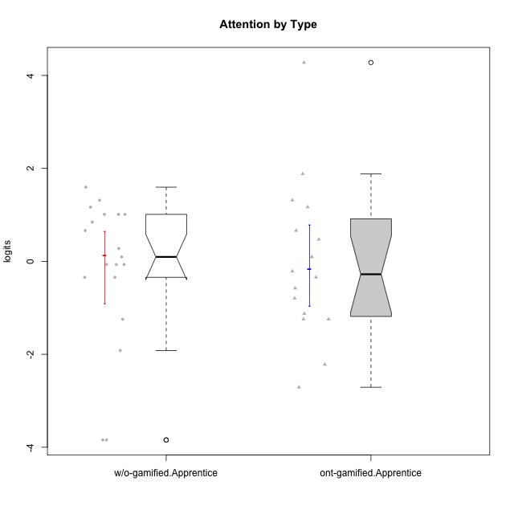

Wilcoxon data
UserID | NroUSP | Type | CLGroup | CLRole | PlayerRole | Score | theta | error | Outfit | Infit | Attention
10169 | 10377538 | ont-gamified | Resistance | Apprentice | Social Achiever | 36 | 4.2780214378 | 1.3004542399 | 0.087029890069 | 0.088490375998 | 4.2780214378
10170 | 10260351 | w/o-gamified | Grupo11 | Apprentice |  | 22 | 0.84350057928 | 0.41113183096 | 0.64571910404 | 0.64694718986 | 0.84350057928
10172 | 10273971 | w/o-gamified | Grupo5 | Apprentice |  | 24 | 1.1666943908 | 0.394559145 | 0.28452868046 | 0.28351305637 | 1.1666943908
10178 | 8656201 | ont-gamified | Outlaws | Apprentice | Social Achiever | 18 | 0.094906564934 | 0.40228082703 | 0.019321026525 | 0.018664349158 | 0.094906564934
10181 | 10276866 | w/o-gamified | Grupo2 | Apprentice |  | 19 | 0.27645367958 | 0.41488527316 | 0.36211117592 | 0.36289980811 | 0.27645367958
10183 | 10352030 | w/o-gamified | Grupo3 | Apprentice |  | 7 | -1.246535435 | 0.36830930359 | 0.035728439951 | 0.03862805856 | -1.246535435
10184 | 10276675 | w/o-gamified | Grupo10 | Apprentice |  | 17 | -0.067931029733 | 0.38713873176 | 0.78837594186 | 0.78578704078 | -0.067931029733
10185 | 10276960 | w/o-gamified | Grupo9 | Apprentice |  | 17 | -0.067931029733 | 0.38713873176 | 1.3215547987 | 1.2511114389 | -0.067931029733
10186 | 10310551 | ont-gamified | Slayers | Apprentice | Social Achiever | 15 | -0.34412978221 | 0.36075182877 | 2.8343303377 | 2.8907060886 | -0.34412978221
10189 | 9363926 | ont-gamified | Vikings | Apprentice | Social Achiever | 2 | -2.2204063168 | 0.60323232255 | 0.45223922843 | 0.43775416477 | -2.2204063168
10190 | 10276907 | w/o-gamified | Grupo4 | Apprentice |  | 23 | 1.0109029019 | 0.40233920583 | 0.8013290875 | 0.78661830754 | 1.0109029019
10192 | 10276682 | ont-gamified | Attractive Devils | Apprentice | Social Achiever | 25 | 1.314038185 | 0.38900795269 | 1.6635105098 | 1.6570567649 | 1.314038185
10193 | 10276762 | ont-gamified | Vandals | Apprentice | Yee Achiever | 1 | -2.7095207918 | 0.79472720248 | 0.62396326619 | 0.59332339015 | -2.7095207918
10197 | 10276661 | w/o-gamified | Grupo8 | Apprentice |  | 25 | 1.314038185 | 0.38900795269 | 1.8048778342 | 1.8011172132 | 1.314038185
10198 | 10310888 | ont-gamified | Attractive Devils | Apprentice | Social Achiever | 29 | 1.8806202821 | 0.39942226097 | 1.2732144757 | 1.2835946553 | 1.8806202821
10199 | 10276737 | w/o-gamified | Grupo1 | Apprentice |  | 15 | -0.34412978221 | 0.36075182877 | 1.1242763144 | 1.1774925589 | -0.34412978221
10200 | 9795272 | ont-gamified | Warriors | Apprentice | Social Achiever | 24 | 1.1666943908 | 0.394559145 | 0.29545983099 | 0.29551243963 | 1.1666943908
10201 | 10276928 | w/o-gamified | Grupo11 | Apprentice |  | 23 | 1.0109029019 | 0.40233920583 | 1.1984808718 | 1.2003375024 | 1.0109029019
10202 | 10277036 | ont-gamified | Silly Knights | Apprentice | Social Achiever | 13 | -0.57902078051 | 0.34506438391 | 0.5447490533 | 0.55178021001 | -0.57902078051
10203 | 9921470 | ont-gamified | Mercenaries | Apprentice | Social Achiever | 21 | 0.66245909017 | 0.41851335862 | 0.62628957914 | 0.6300154648 | 0.66245909017
10204 | 10310471 | w/o-gamified | Grupo6 | Apprentice |  | 0 | -3.8431524729 | 1.4245908656 | 0.083540109963 | 0.08534852361 | -3.8431524729
10206 | 10310721 | w/o-gamified | Grupo8 | Apprentice |  | 21 | 0.66245909017 | 0.41851335862 | 0.57222402992 | 0.56573042347 | 0.66245909017
10209 | 10262669 | ont-gamified | Mafia | Apprentice | Social Achiever | 8 | -1.1259635053 | 0.35566118865 | 0.14073395037 | 0.13636390718 | -1.1259635053
10210 | 10277015 | w/o-gamified | Grupo6 | Apprentice |  | 0 | -3.8431524729 | 1.4245908656 | 0.083540109963 | 0.08534852361 | -3.8431524729
10213 | 10277040 | w/o-gamified | Grupo7 | Apprentice |  | 27 | 1.5958469796 | 0.38679170806 | 2.625335441 | 2.6400086555 | 1.5958469796
10214 | 10277022 | ont-gamified | Vikings | Apprentice | Social Achiever | 7 | -1.246535435 | 0.36830930359 | 0.72224215374 | 0.75174882262 | -1.246535435
10217 | 9805341 | w/o-gamified | Grupo9 | Apprentice |  | 17 | -0.067931029733 | 0.38713873176 | 0.31942262632 | 0.30785328137 | -0.067931029733
10218 | 9842913 | w/o-gamified | Grupo10 | Apprentice |  | 18 | 0.094906564934 | 0.40228082703 | 0.77380275703 | 0.75969826491 | 0.094906564934
10220 | 9760151 | w/o-gamified | Grupo3 | Apprentice |  | 3 | -1.9192991679 | 0.50736381558 | 2.147076663 | 2.0317392649 | -1.9192991679
10221 | 9082496 | ont-gamified | Warriors | Apprentice | Social Achiever | 11 | -0.79598215936 | 0.3404597993 | 0.44236702539 | 0.44226493752 | -0.79598215936
10224 | 9368772 | ont-gamified | Mercenaries | Apprentice | Social Achiever | 20 | 0.47008248054 | 0.42073342617 | 0.1796452354 | 0.17944798353 | 0.47008248054
10226 | 10310342 | w/o-gamified | Grupo4 | Apprentice |  | 15 | -0.34412978221 | 0.36075182877 | 1.401738636 | 1.305637341 | -0.34412978221
10228 | 10310492 | ont-gamified | Resistance | Apprentice | Social Achiever | 7 | -1.246535435 | 0.36830930359 | 1.180446261 | 1.2085757704 | -1.246535435
10232 | 10276974 | w/o-gamified | Grupo7 | Apprentice |  | 23 | 1.0109029019 | 0.40233920583 | 0.6317051263 | 0.63006085628 | 1.0109029019
10237 | 10377688 | ont-gamified | Outlaws | Apprentice | Social Achiever | 16 | -0.21302018421 | 0.37278692254 | 0.54877869842 | 0.52947592082 | -0.21302018421

Type_CLRole_3
Wilcoxon Analysis for Attention by Type in Type:CLRole between ont-gamified.Apprentice:w/o-gamified.Master

Wilcoxon test results
Alternative hypothesis: less
Group | N | Median | Mean.Ranks | Sum.Ranks | U | Z | p.value | r | magnitude
ont-gamified.Apprentice | 16 | -0.27857498321 | 12.09375 | 193.5 | 57.5 | -0.39856228654 | 0.35379777041 | 0.081356186061 | none
w/o-gamified.Master | 8 | -0.12461160864 | 13.3125 | 106.5 | 57.5 | -0.39856228654 | 0.35379777041 | 0.081356186061 | none
Alternative hypothesis: greater
Group | N | Median | Mean.Ranks | Sum.Ranks | U | Z | p.value | r | magnitude
ont-gamified.Apprentice | 16 | -0.27857498321 | 12.09375 | 193.5 | 57.5 | -0.39856228654 | 0.65728356387 | 0.081356186061 | none
w/o-gamified.Master | 8 | -0.12461160864 | 13.3125 | 106.5 | 57.5 | -0.39856228654 | 0.65728356387 | 0.081356186061 | none
Alternative hypothesis: two.sided
Group | N | Median | Mean.Ranks | Sum.Ranks | U | Z | p.value | r | magnitude
ont-gamified.Apprentice | 16 | -0.27857498321 | 12.09375 | 193.5 | 57.5 | -0.39856228654 | 0.70766216479 | 0.081356186061 | none
w/o-gamified.Master | 8 | -0.12461160864 | 13.3125 | 106.5 | 57.5 | -0.39856228654 | 0.70766216479 | 0.081356186061 | none

Box plots for wilcoxon tests
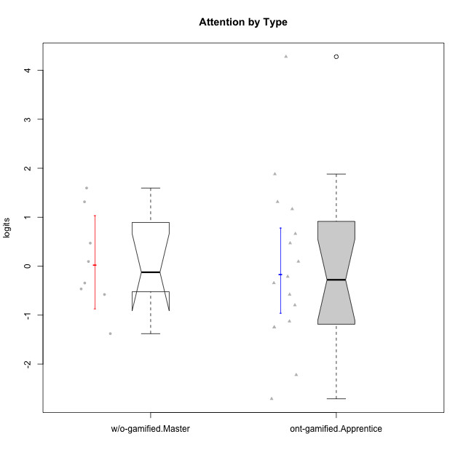

Wilcoxon data
UserID | NroUSP | Type | CLGroup | CLRole | PlayerRole | Score | theta | error | Outfit | Infit | Attention
10169 | 10377538 | ont-gamified | Resistance | Apprentice | Social Achiever | 36 | 4.2780214378 | 1.3004542399 | 0.087029890069 | 0.088490375998 | 4.2780214378
10174 | 10276852 | w/o-gamified | Grupo7 | Master |  | 25 | 1.314038185 | 0.38900795269 | 1.0379664401 | 1.0340224065 | 1.314038185
10178 | 8656201 | ont-gamified | Outlaws | Apprentice | Social Achiever | 18 | 0.094906564934 | 0.40228082703 | 0.019321026525 | 0.018664349158 | 0.094906564934
10179 | 10310759 | w/o-gamified | Grupo10 | Master |  | 15 | -0.34412978221 | 0.36075182877 | 0.90939655384 | 0.88918806325 | -0.34412978221
10186 | 10310551 | ont-gamified | Slayers | Apprentice | Social Achiever | 15 | -0.34412978221 | 0.36075182877 | 2.8343303377 | 2.8907060886 | -0.34412978221
10189 | 9363926 | ont-gamified | Vikings | Apprentice | Social Achiever | 2 | -2.2204063168 | 0.60323232255 | 0.45223922843 | 0.43775416477 | -2.2204063168
10191 | 10276981 | w/o-gamified | Grupo1 | Master |  | 14 | -0.4650700203 | 0.3514968055 | 0.53448401882 | 0.54939242937 | -0.4650700203
10192 | 10276682 | ont-gamified | Attractive Devils | Apprentice | Social Achiever | 25 | 1.314038185 | 0.38900795269 | 1.6635105098 | 1.6570567649 | 1.314038185
10193 | 10276762 | ont-gamified | Vandals | Apprentice | Yee Achiever | 1 | -2.7095207918 | 0.79472720248 | 0.62396326619 | 0.59332339015 | -2.7095207918
10198 | 10310888 | ont-gamified | Attractive Devils | Apprentice | Social Achiever | 29 | 1.8806202821 | 0.39942226097 | 1.2732144757 | 1.2835946553 | 1.8806202821
10200 | 9795272 | ont-gamified | Warriors | Apprentice | Social Achiever | 24 | 1.1666943908 | 0.394559145 | 0.29545983099 | 0.29551243963 | 1.1666943908
10202 | 10277036 | ont-gamified | Silly Knights | Apprentice | Social Achiever | 13 | -0.57902078051 | 0.34506438391 | 0.5447490533 | 0.55178021001 | -0.57902078051
10203 | 9921470 | ont-gamified | Mercenaries | Apprentice | Social Achiever | 21 | 0.66245909017 | 0.41851335862 | 0.62628957914 | 0.6300154648 | 0.66245909017
10209 | 10262669 | ont-gamified | Mafia | Apprentice | Social Achiever | 8 | -1.1259635053 | 0.35566118865 | 0.14073395037 | 0.13636390718 | -1.1259635053
10214 | 10277022 | ont-gamified | Vikings | Apprentice | Social Achiever | 7 | -1.246535435 | 0.36830930359 | 0.72224215374 | 0.75174882262 | -1.246535435
10219 | 10276831 | w/o-gamified | Grupo3 | Master |  | 6 | -1.3780636632 | 0.38648309013 | 0.6081184111 | 0.58369120673 | -1.3780636632
10221 | 9082496 | ont-gamified | Warriors | Apprentice | Social Achiever | 11 | -0.79598215936 | 0.3404597993 | 0.44236702539 | 0.44226493752 | -0.79598215936
10224 | 9368772 | ont-gamified | Mercenaries | Apprentice | Social Achiever | 20 | 0.47008248054 | 0.42073342617 | 0.1796452354 | 0.17944798353 | 0.47008248054
10227 | 9274382 | w/o-gamified | Grupo5 | Master |  | 27 | 1.5958469796 | 0.38679170806 | 0.17896662913 | 0.18056955817 | 1.5958469796
10228 | 10310492 | ont-gamified | Resistance | Apprentice | Social Achiever | 7 | -1.246535435 | 0.36830930359 | 1.180446261 | 1.2085757704 | -1.246535435
10231 | 10276911 | w/o-gamified | Grupo9 | Master |  | 18 | 0.094906564934 | 0.40228082703 | 0.019321026525 | 0.018664349158 | 0.094906564934
10234 | 10310676 | w/o-gamified | Grupo4 | Master |  | 13 | -0.57902078051 | 0.34506438391 | 3.200641622 | 3.2342115055 | -0.57902078051
10237 | 10377688 | ont-gamified | Outlaws | Apprentice | Social Achiever | 16 | -0.21302018421 | 0.37278692254 | 0.54877869842 | 0.52947592082 | -0.21302018421
10238 | 10276953 | w/o-gamified | Grupo2 | Master |  | 20 | 0.47008248054 | 0.42073342617 | 0.25968898734 | 0.25967714175 | 0.47008248054

Type_CLRole_4
Wilcoxon Analysis for Attention by Type in Type:CLRole between ont-gamified.Master:w/o-gamified.Apprentice

Wilcoxon test results
Alternative hypothesis: less
Group | N | Median | Mean.Ranks | Sum.Ranks | U | Z | p.value | r | magnitude
ont-gamified.Master | 9 | -0.067931029733 | 14.388888889 | 129.5 | 84.5 | -0.049388272413 | 0.48557485992 | 0.0093335061776 | none
w/o-gamified.Apprentice | 19 | 0.094906564934 | 14.552631579 | 276.5 | 84.5 | -0.049388272413 | 0.48557485992 | 0.0093335061776 | none
Alternative hypothesis: greater
Group | N | Median | Mean.Ranks | Sum.Ranks | U | Z | p.value | r | magnitude
ont-gamified.Master | 9 | -0.067931029733 | 14.388888889 | 129.5 | 84.5 | -0.049388272413 | 0.52409460105 | 0.0093335061776 | none
w/o-gamified.Apprentice | 19 | 0.094906564934 | 14.552631579 | 276.5 | 84.5 | -0.049388272413 | 0.52409460105 | 0.0093335061776 | none
Alternative hypothesis: two.sided
Group | N | Median | Mean.Ranks | Sum.Ranks | U | Z | p.value | r | magnitude
ont-gamified.Master | 9 | -0.067931029733 | 14.388888889 | 129.5 | 84.5 | -0.049388272413 | 0.97121371382 | 0.0093335061776 | none
w/o-gamified.Apprentice | 19 | 0.094906564934 | 14.552631579 | 276.5 | 84.5 | -0.049388272413 | 0.97121371382 | 0.0093335061776 | none

Box plots for wilcoxon tests
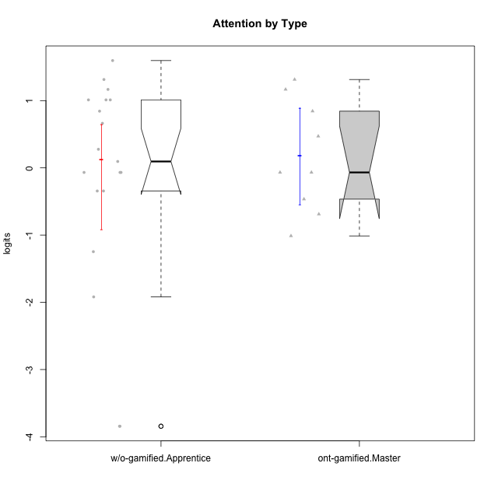

Wilcoxon data
UserID | NroUSP | Type | CLGroup | CLRole | PlayerRole | Score | theta | error | Outfit | Infit | Attention
10170 | 10260351 | w/o-gamified | Grupo11 | Apprentice |  | 22 | 0.84350057928 | 0.41113183096 | 0.64571910404 | 0.64694718986 | 0.84350057928
10171 | 698531 | ont-gamified | Mafia | Master | Social Achiever | 24 | 1.1666943908 | 0.394559145 | 0.34228832969 | 0.338286261 | 1.1666943908
10172 | 10273971 | w/o-gamified | Grupo5 | Apprentice |  | 24 | 1.1666943908 | 0.394559145 | 0.28452868046 | 0.28351305637 | 1.1666943908
10175 | 10310700 | ont-gamified | Warriors | Master | Social Achiever | 25 | 1.314038185 | 0.38900795269 | 0.32110889456 | 0.32200445576 | 1.314038185
10176 | 10276949 | ont-gamified | Outlaws | Master | Social Achiever | 20 | 0.47008248054 | 0.42073342617 | 0.29601423901 | 0.29622298153 | 0.47008248054
10181 | 10276866 | w/o-gamified | Grupo2 | Apprentice |  | 19 | 0.27645367958 | 0.41488527316 | 0.36211117592 | 0.36289980811 | 0.27645367958
10183 | 10352030 | w/o-gamified | Grupo3 | Apprentice |  | 7 | -1.246535435 | 0.36830930359 | 0.035728439951 | 0.03862805856 | -1.246535435
10184 | 10276675 | w/o-gamified | Grupo10 | Apprentice |  | 17 | -0.067931029733 | 0.38713873176 | 0.78837594186 | 0.78578704078 | -0.067931029733
10185 | 10276960 | w/o-gamified | Grupo9 | Apprentice |  | 17 | -0.067931029733 | 0.38713873176 | 1.3215547987 | 1.2511114389 | -0.067931029733
10188 | 10276995 | ont-gamified | Vandals | Master | Yee Achiever | 14 | -0.4650700203 | 0.3514968055 | 0.39509539705 | 0.39620924899 | -0.4650700203
10190 | 10276907 | w/o-gamified | Grupo4 | Apprentice |  | 23 | 1.0109029019 | 0.40233920583 | 0.8013290875 | 0.78661830754 | 1.0109029019
10197 | 10276661 | w/o-gamified | Grupo8 | Apprentice |  | 25 | 1.314038185 | 0.38900795269 | 1.8048778342 | 1.8011172132 | 1.314038185
10199 | 10276737 | w/o-gamified | Grupo1 | Apprentice |  | 15 | -0.34412978221 | 0.36075182877 | 1.1242763144 | 1.1774925589 | -0.34412978221
10201 | 10276928 | w/o-gamified | Grupo11 | Apprentice |  | 23 | 1.0109029019 | 0.40233920583 | 1.1984808718 | 1.2003375024 | 1.0109029019
10204 | 10310471 | w/o-gamified | Grupo6 | Apprentice |  | 0 | -3.8431524729 | 1.4245908656 | 0.083540109963 | 0.08534852361 | -3.8431524729
10206 | 10310721 | w/o-gamified | Grupo8 | Apprentice |  | 21 | 0.66245909017 | 0.41851335862 | 0.57222402992 | 0.56573042347 | 0.66245909017
10208 | 10276932 | ont-gamified | Mercenaries | Master | Social Achiever | 9 | -1.0124865199 | 0.34725838274 | 0.14367018421 | 0.14146787918 | -1.0124865199
10210 | 10277015 | w/o-gamified | Grupo6 | Apprentice |  | 0 | -3.8431524729 | 1.4245908656 | 0.083540109963 | 0.08534852361 | -3.8431524729
10213 | 10277040 | w/o-gamified | Grupo7 | Apprentice |  | 27 | 1.5958469796 | 0.38679170806 | 2.625335441 | 2.6400086555 | 1.5958469796
10215 | 9285227 | ont-gamified | Vikings | Master | Social Achiever | 12 | -0.6885839594 | 0.34139388263 | 1.659382601 | 1.681898761 | -0.6885839594
10216 | 10276720 | ont-gamified | Silly Knights | Master | Social Achiever | 17 | -0.067931029733 | 0.38713873176 | 1.3665407732 | 1.3727365673 | -0.067931029733
10217 | 9805341 | w/o-gamified | Grupo9 | Apprentice |  | 17 | -0.067931029733 | 0.38713873176 | 0.31942262632 | 0.30785328137 | -0.067931029733
10218 | 9842913 | w/o-gamified | Grupo10 | Apprentice |  | 18 | 0.094906564934 | 0.40228082703 | 0.77380275703 | 0.75969826491 | 0.094906564934
10220 | 9760151 | w/o-gamified | Grupo3 | Apprentice |  | 3 | -1.9192991679 | 0.50736381558 | 2.147076663 | 2.0317392649 | -1.9192991679
10223 | 9795185 | ont-gamified | Slayers | Master | Social Achiever | 17 | -0.067931029733 | 0.38713873176 | 0.11440802431 | 0.11837155791 | -0.067931029733
10226 | 10310342 | w/o-gamified | Grupo4 | Apprentice |  | 15 | -0.34412978221 | 0.36075182877 | 1.401738636 | 1.305637341 | -0.34412978221
10230 | 10351992 | ont-gamified | Resistance | Master | Social Achiever | 22 | 0.84350057928 | 0.41113183096 | 1.0566092846 | 1.057913469 | 0.84350057928
10232 | 10276974 | w/o-gamified | Grupo7 | Apprentice |  | 23 | 1.0109029019 | 0.40233920583 | 0.6317051263 | 0.63006085628 | 1.0109029019

Type_CLRole_5
Wilcoxon Analysis for Attention by Type in Type:CLRole between ont-gamified.Master:w/o-gamified.Master

Wilcoxon test results
Alternative hypothesis: less
Group | N | Median | Mean.Ranks | Sum.Ranks | U | Z | p.value | r | magnitude
ont-gamified.Master | 9 | -0.067931029733 | 9.0555555556 | 81.5 | 36.5 | 0.0482308806 | 0.528465652 | 0.011697706772 | none
w/o-gamified.Master | 8 | -0.12461160864 | 8.9375 | 71.5 | 36.5 | 0.0482308806 | 0.528465652 | 0.011697706772 | none
Alternative hypothesis: greater
Group | N | Median | Mean.Ranks | Sum.Ranks | U | Z | p.value | r | magnitude
ont-gamified.Master | 9 | -0.067931029733 | 9.0555555556 | 81.5 | 36.5 | 0.0482308806 | 0.4907856849 | 0.011697706772 | none
w/o-gamified.Master | 8 | -0.12461160864 | 8.9375 | 71.5 | 36.5 | 0.0482308806 | 0.4907856849 | 0.011697706772 | none
Alternative hypothesis: two.sided
Group | N | Median | Mean.Ranks | Sum.Ranks | U | Z | p.value | r | magnitude
ont-gamified.Master | 9 | -0.067931029733 | 9.0555555556 | 81.5 | 36.5 | 0.0482308806 | 0.98116001645 | 0.011697706772 | none
w/o-gamified.Master | 8 | -0.12461160864 | 8.9375 | 71.5 | 36.5 | 0.0482308806 | 0.98116001645 | 0.011697706772 | none

Box plots for wilcoxon tests
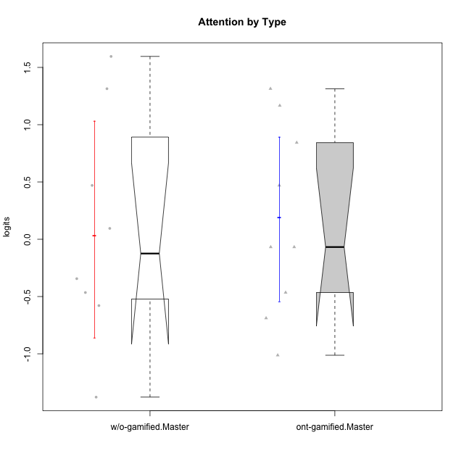

Wilcoxon data
UserID | NroUSP | Type | CLGroup | CLRole | PlayerRole | Score | theta | error | Outfit | Infit | Attention
10171 | 698531 | ont-gamified | Mafia | Master | Social Achiever | 24 | 1.1666943908 | 0.394559145 | 0.34228832969 | 0.338286261 | 1.1666943908
10174 | 10276852 | w/o-gamified | Grupo7 | Master |  | 25 | 1.314038185 | 0.38900795269 | 1.0379664401 | 1.0340224065 | 1.314038185
10175 | 10310700 | ont-gamified | Warriors | Master | Social Achiever | 25 | 1.314038185 | 0.38900795269 | 0.32110889456 | 0.32200445576 | 1.314038185
10176 | 10276949 | ont-gamified | Outlaws | Master | Social Achiever | 20 | 0.47008248054 | 0.42073342617 | 0.29601423901 | 0.29622298153 | 0.47008248054
10179 | 10310759 | w/o-gamified | Grupo10 | Master |  | 15 | -0.34412978221 | 0.36075182877 | 0.90939655384 | 0.88918806325 | -0.34412978221
10188 | 10276995 | ont-gamified | Vandals | Master | Yee Achiever | 14 | -0.4650700203 | 0.3514968055 | 0.39509539705 | 0.39620924899 | -0.4650700203
10191 | 10276981 | w/o-gamified | Grupo1 | Master |  | 14 | -0.4650700203 | 0.3514968055 | 0.53448401882 | 0.54939242937 | -0.4650700203
10208 | 10276932 | ont-gamified | Mercenaries | Master | Social Achiever | 9 | -1.0124865199 | 0.34725838274 | 0.14367018421 | 0.14146787918 | -1.0124865199
10215 | 9285227 | ont-gamified | Vikings | Master | Social Achiever | 12 | -0.6885839594 | 0.34139388263 | 1.659382601 | 1.681898761 | -0.6885839594
10216 | 10276720 | ont-gamified | Silly Knights | Master | Social Achiever | 17 | -0.067931029733 | 0.38713873176 | 1.3665407732 | 1.3727365673 | -0.067931029733
10219 | 10276831 | w/o-gamified | Grupo3 | Master |  | 6 | -1.3780636632 | 0.38648309013 | 0.6081184111 | 0.58369120673 | -1.3780636632
10223 | 9795185 | ont-gamified | Slayers | Master | Social Achiever | 17 | -0.067931029733 | 0.38713873176 | 0.11440802431 | 0.11837155791 | -0.067931029733
10227 | 9274382 | w/o-gamified | Grupo5 | Master |  | 27 | 1.5958469796 | 0.38679170806 | 0.17896662913 | 0.18056955817 | 1.5958469796
10230 | 10351992 | ont-gamified | Resistance | Master | Social Achiever | 22 | 0.84350057928 | 0.41113183096 | 1.0566092846 | 1.057913469 | 0.84350057928
10231 | 10276911 | w/o-gamified | Grupo9 | Master |  | 18 | 0.094906564934 | 0.40228082703 | 0.019321026525 | 0.018664349158 | 0.094906564934
10234 | 10310676 | w/o-gamified | Grupo4 | Master |  | 13 | -0.57902078051 | 0.34506438391 | 3.200641622 | 3.2342115055 | -0.57902078051
10238 | 10276953 | w/o-gamified | Grupo2 | Master |  | 20 | 0.47008248054 | 0.42073342617 | 0.25968898734 | 0.25967714175 | 0.47008248054

Type_CLRole_6
Wilcoxon Analysis for Attention by Type in Type:CLRole between w/o-gamified.Apprentice:w/o-gamified.Master

Wilcoxon test results
Alternative hypothesis: less
Group | N | Median | Mean.Ranks | Sum.Ranks | U | Z | p.value | r | magnitude
w/o-gamified.Apprentice | 19 | 0.094906564934 | 14.184210526 | 269.5 | 79.5 | 0.18630349587 | 0.57751517404 | 0.035854124497 | none
w/o-gamified.Master | 8 | -0.12461160864 | 13.5625 | 108.5 | 79.5 | 0.18630349587 | 0.57751517404 | 0.035854124497 | none
Alternative hypothesis: greater
Group | N | Median | Mean.Ranks | Sum.Ranks | U | Z | p.value | r | magnitude
w/o-gamified.Apprentice | 19 | 0.094906564934 | 14.184210526 | 269.5 | 79.5 | 0.18630349587 | 0.43266286049 | 0.035854124497 | none
w/o-gamified.Master | 8 | -0.12461160864 | 13.5625 | 108.5 | 79.5 | 0.18630349587 | 0.43266286049 | 0.035854124497 | none
Alternative hypothesis: two.sided
Group | N | Median | Mean.Ranks | Sum.Ranks | U | Z | p.value | r | magnitude
w/o-gamified.Apprentice | 19 | 0.094906564934 | 14.184210526 | 269.5 | 79.5 | 0.18630349587 | 0.8655446325 | 0.035854124497 | none
w/o-gamified.Master | 8 | -0.12461160864 | 13.5625 | 108.5 | 79.5 | 0.18630349587 | 0.8655446325 | 0.035854124497 | none

Box plots for wilcoxon tests


Wilcoxon data
UserID | NroUSP | Type | CLGroup | CLRole | PlayerRole | Score | theta | error | Outfit | Infit | Attention
10170 | 10260351 | w/o-gamified | Grupo11 | Apprentice |  | 22 | 0.84350057928 | 0.41113183096 | 0.64571910404 | 0.64694718986 | 0.84350057928
10172 | 10273971 | w/o-gamified | Grupo5 | Apprentice |  | 24 | 1.1666943908 | 0.394559145 | 0.28452868046 | 0.28351305637 | 1.1666943908
10174 | 10276852 | w/o-gamified | Grupo7 | Master |  | 25 | 1.314038185 | 0.38900795269 | 1.0379664401 | 1.0340224065 | 1.314038185
10179 | 10310759 | w/o-gamified | Grupo10 | Master |  | 15 | -0.34412978221 | 0.36075182877 | 0.90939655384 | 0.88918806325 | -0.34412978221
10181 | 10276866 | w/o-gamified | Grupo2 | Apprentice |  | 19 | 0.27645367958 | 0.41488527316 | 0.36211117592 | 0.36289980811 | 0.27645367958
10183 | 10352030 | w/o-gamified | Grupo3 | Apprentice |  | 7 | -1.246535435 | 0.36830930359 | 0.035728439951 | 0.03862805856 | -1.246535435
10184 | 10276675 | w/o-gamified | Grupo10 | Apprentice |  | 17 | -0.067931029733 | 0.38713873176 | 0.78837594186 | 0.78578704078 | -0.067931029733
10185 | 10276960 | w/o-gamified | Grupo9 | Apprentice |  | 17 | -0.067931029733 | 0.38713873176 | 1.3215547987 | 1.2511114389 | -0.067931029733
10190 | 10276907 | w/o-gamified | Grupo4 | Apprentice |  | 23 | 1.0109029019 | 0.40233920583 | 0.8013290875 | 0.78661830754 | 1.0109029019
10191 | 10276981 | w/o-gamified | Grupo1 | Master |  | 14 | -0.4650700203 | 0.3514968055 | 0.53448401882 | 0.54939242937 | -0.4650700203
10197 | 10276661 | w/o-gamified | Grupo8 | Apprentice |  | 25 | 1.314038185 | 0.38900795269 | 1.8048778342 | 1.8011172132 | 1.314038185
10199 | 10276737 | w/o-gamified | Grupo1 | Apprentice |  | 15 | -0.34412978221 | 0.36075182877 | 1.1242763144 | 1.1774925589 | -0.34412978221
10201 | 10276928 | w/o-gamified | Grupo11 | Apprentice |  | 23 | 1.0109029019 | 0.40233920583 | 1.1984808718 | 1.2003375024 | 1.0109029019
10204 | 10310471 | w/o-gamified | Grupo6 | Apprentice |  | 0 | -3.8431524729 | 1.4245908656 | 0.083540109963 | 0.08534852361 | -3.8431524729
10206 | 10310721 | w/o-gamified | Grupo8 | Apprentice |  | 21 | 0.66245909017 | 0.41851335862 | 0.57222402992 | 0.56573042347 | 0.66245909017
10210 | 10277015 | w/o-gamified | Grupo6 | Apprentice |  | 0 | -3.8431524729 | 1.4245908656 | 0.083540109963 | 0.08534852361 | -3.8431524729
10213 | 10277040 | w/o-gamified | Grupo7 | Apprentice |  | 27 | 1.5958469796 | 0.38679170806 | 2.625335441 | 2.6400086555 | 1.5958469796
10217 | 9805341 | w/o-gamified | Grupo9 | Apprentice |  | 17 | -0.067931029733 | 0.38713873176 | 0.31942262632 | 0.30785328137 | -0.067931029733
10218 | 9842913 | w/o-gamified | Grupo10 | Apprentice |  | 18 | 0.094906564934 | 0.40228082703 | 0.77380275703 | 0.75969826491 | 0.094906564934
10219 | 10276831 | w/o-gamified | Grupo3 | Master |  | 6 | -1.3780636632 | 0.38648309013 | 0.6081184111 | 0.58369120673 | -1.3780636632
10220 | 9760151 | w/o-gamified | Grupo3 | Apprentice |  | 3 | -1.9192991679 | 0.50736381558 | 2.147076663 | 2.0317392649 | -1.9192991679
10226 | 10310342 | w/o-gamified | Grupo4 | Apprentice |  | 15 | -0.34412978221 | 0.36075182877 | 1.401738636 | 1.305637341 | -0.34412978221
10227 | 9274382 | w/o-gamified | Grupo5 | Master |  | 27 | 1.5958469796 | 0.38679170806 | 0.17896662913 | 0.18056955817 | 1.5958469796
10231 | 10276911 | w/o-gamified | Grupo9 | Master |  | 18 | 0.094906564934 | 0.40228082703 | 0.019321026525 | 0.018664349158 | 0.094906564934
10232 | 10276974 | w/o-gamified | Grupo7 | Apprentice |  | 23 | 1.0109029019 | 0.40233920583 | 0.6317051263 | 0.63006085628 | 1.0109029019
10234 | 10310676 | w/o-gamified | Grupo4 | Master |  | 13 | -0.57902078051 | 0.34506438391 | 3.200641622 | 3.2342115055 | -0.57902078051
10238 | 10276953 | w/o-gamified | Grupo2 | Master |  | 20 | 0.47008248054 | 0.42073342617 | 0.25968898734 | 0.25967714175 | 0.47008248054

