Global-info
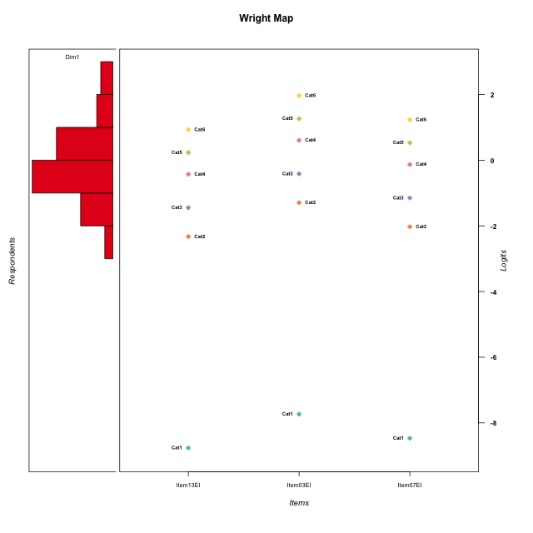
Global information for a measurement model

Information
Number.of.items | Deviance | Log.Likelihood | Number.of.persons | EAP.rel | n.theta.nodes | irt.model
3 | 472.40771834 | -236.20385917 | 51 | 0.78483456084 | 21 | RSM

Global fit statistic MADaQ3 and test fit
MADaQ3 | maxaQ3 | p
0.14085306274 | 0.2112795941 | 0.42975567422

Test statistic of global fit based on Chi square
maxX2 | Npairs | p.holm
52.488642381 | 3 | 0.11187028523

Model fit statistics
X100.MADCOV | SRMR | SRMSR
17.263202263 | 0.077147104337 | 0.081388448548

Chi square tests for every item pairs
index1 | index2 | maxK1 | maxK2 | df | chi2 | p | p.holm
1 | 2 | 6 | 6 | 36 | 33.990764514 | 0.56446752925 | 1
1 | 3 | 6 | 6 | 36 | 24.622922684 | 0.92431262758 | 1
2 | 3 | 6 | 6 | 36 | 52.488642381 | 0.037290095075 | 0.11187028523

Item residuals
Item13EI | Item03EI | Item07EI
-1.366840483 | 1.7036160795 | -1.0291873048
-0.25257342244 | -0.016804103297 | 0.11601219857
0.24985162554 | 0.77121737882 | 0.35073364619
-1.0664480932 | 0.92607038356 | -0.74930114727
-1.962563104 | 0.23222804123 | 1.4033171897
0.74475108964 | -1.176375875 | 1.0031228649
-0.36684048304 | 0.70361607951 | -1.0291873048
-0.44790074031 | 0.48017671217 | 0.75860996814
-0.76549320097 | -0.86366627674 | 0.52814274982
-0.36684048304 | -1.2963839205 | 0.97081269517
-0.36684048304 | -0.29638392049 | -0.029187304835
-0.962563104 | 0.23222804123 | 0.40331718968
0.24985162554 | 0.77121737882 | 0.35073364619
0.46896197233 | -0.27800412569 | -0.17125821672
0.96366295932 | 0.14533957386 | -0.73304120087
0.33389507635 | 0.47199886927 | -1.3115147892
0.74742657756 | -0.016804103297 | -0.88398780143
0.96366295932 | 2.1453395739 | -2.7330412009
1.4689619723 | -2.2780041257 | 0.82874178328
-0.25257342244 | -0.016804103297 | 0.11601219857
-0.036337040681 | 1.1453395739 | -0.73304120087
-0.66610492365 | 0.47199886927 | -0.31151478918
0.38680030297 | 0.12316055266 | 0.53906910891
-0.53103802767 | 0.72199587431 | -0.17125821672
-0.036337040681 | 0.14533957386 | 0.26695879913
0.24985162554 | 0.77121737882 | 0.35073364619
-1.5310380277 | -0.27800412569 | 1.8287417833
-0.036337040681 | 0.14533957386 | 0.26695879913
-0.036337040681 | 0.14533957386 | 0.26695879913
0.74742657756 | -1.0168041033 | 0.11601219857
0.24985162554 | 0.77121737882 | 0.35073364619
0.24985162554 | 0.77121737882 | 0.35073364619
0.24985162554 | 0.77121737882 | 0.35073364619
2.037436896 | -1.7677719588 | -0.59668281032
0.96366295932 | -0.85466042614 | 0.26695879913
0.33389507635 | -0.52800113073 | -0.31151478918
-0.66610492365 | 0.47199886927 | -0.31151478918
-0.16334507767 | -0.49507318408 | -0.93184920126
0.74475108964 | -1.176375875 | 1.0031228649
0.20639290814 | 0.44409514117 | -0.45575952461
-0.962563104 | 1.2322280412 | -0.59668281032
-0.66610492365 | 1.4719988693 | -1.3115147892
-0.16334507767 | -0.49507318408 | -0.93184920126
-1.6661049237 | 0.47199886927 | 0.68848521082
0.46896197233 | -2.2780041257 | 1.8287417833
-0.25257342244 | -1.0168041033 | 1.1160121986
0.63315951696 | -1.2963839205 | -0.029187304835
0.55209925969 | -0.51982328783 | 0.75860996814
-0.16334507767 | -0.49507318408 | -0.93184920126
0.74742657756 | -0.016804103297 | -0.88398780143
0.74475108964 | -0.17637587495 | 0.0031228648554

Wright Map for Item Response Models

Estimate-Items
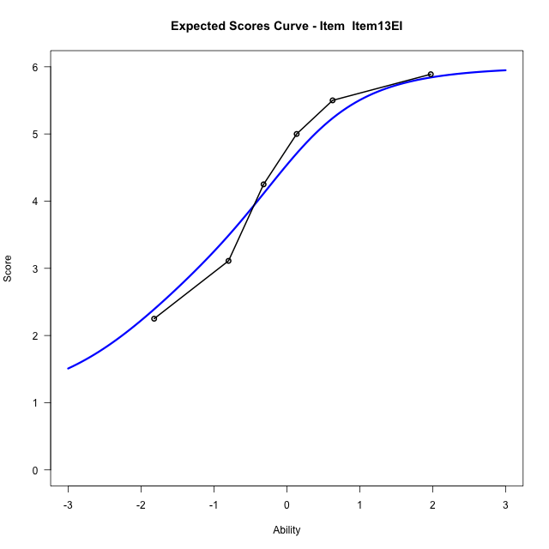
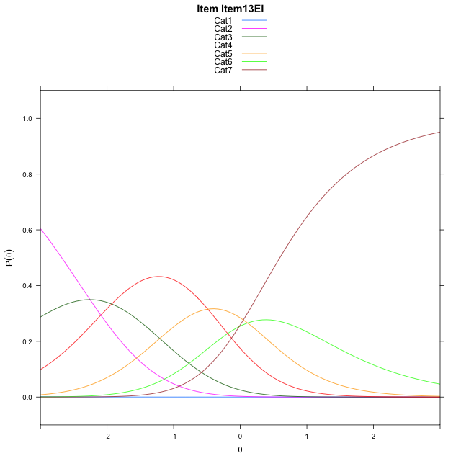
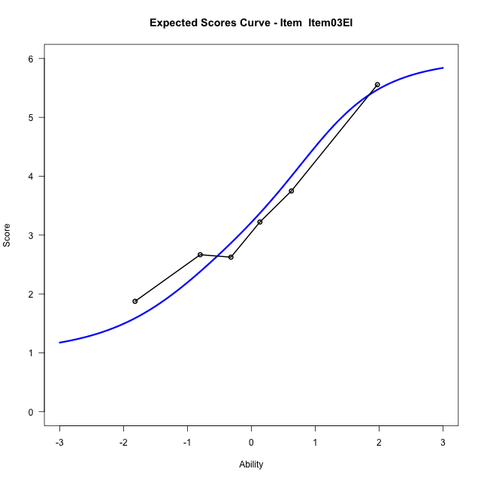
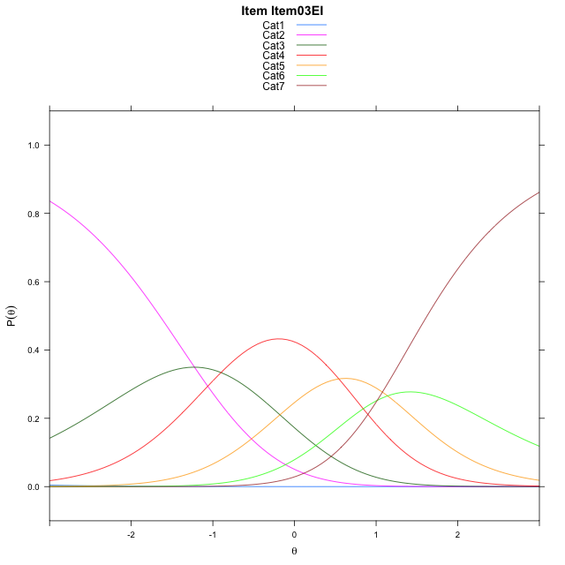
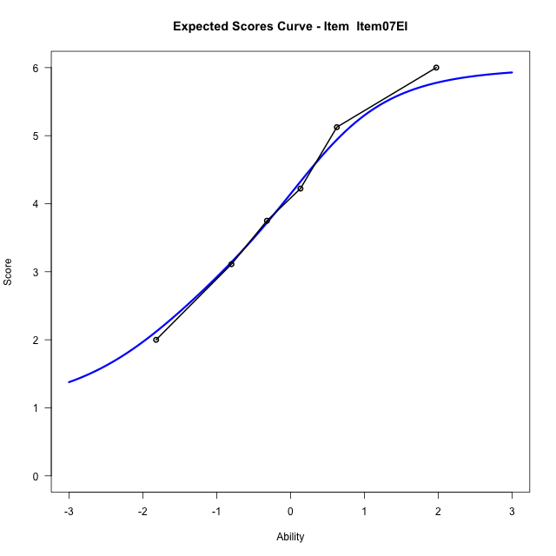
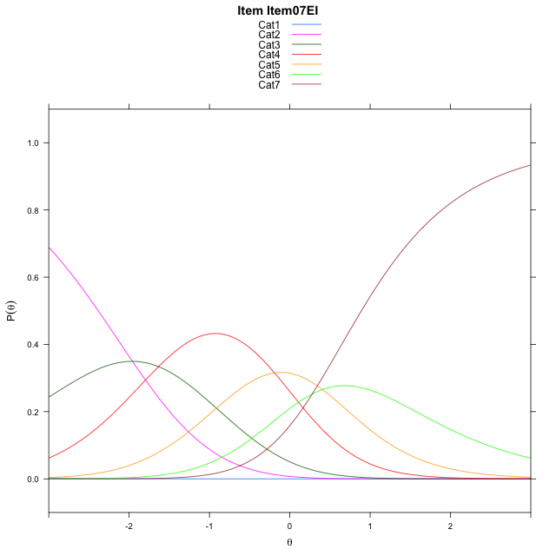
Estimate items information for the measurement model

Full Item Information
item | N | M | xsi.item | AXsi_.Cat1 | AXsi_.Cat2 | AXsi_.Cat3 | AXsi_.Cat4 | AXsi_.Cat5 | AXsi_.Cat6 | B.Cat1.Dim1 | B.Cat2.Dim1 | B.Cat3.Dim1 | B.Cat4.Dim1 | B.Cat5.Dim1 | B.Cat6.Dim1
Item13EI | 51 | 4.3529411765 | -2.3091736862 | -9.271732715 | -11.527381254 | -13.458493371 | -13.946052506 | -13.836565949 | -13.855042117 | 1 | 2 | 3 | 4 | 5 | 6
Item03EI | 51 | 3.3137254902 | -1.2778426875 | -8.2404017163 | -9.4647192563 | -10.364500375 | -9.8207285112 | -8.6799109559 | -7.6670561252 | 1 | 2 | 3 | 4 | 5 | 6
Item07EI | 51 | 4.0588235294 | -2.0120409312 | -8.9745999599 | -10.933115744 | -12.567095106 | -12.757521486 | -12.350902174 | -12.072245587 | 1 | 2 | 3 | 4 | 5 | 6

Thurstonian Thresholds (category-wise)
 | Cat1 | Cat2 | Cat3 | Cat4 | Cat5 | Cat6
Item13EI | -9.274017334 | -2.6792907715 | -1.7487487793 | -0.69882202148 | -0.027557373047 | 0.59390258789
Item03EI | -8.242767334 | -1.648223877 | -0.71768188477 | 0.33224487305 | 1.003692627 | 1.6249694824
Item07EI | -8.9768371582 | -2.3822937012 | -1.4515686035 | -0.4016418457 | 0.26962280273 | 0.8908996582

Thurstonian Thresholds (item-wise)
 | Threshold
Item13EI | -1.2255206967
Item03EI | -0.20183805693
Item07EI | -0.93778648409

Item Infit/Outfit Statistic
parameter | Outfit | Outfit_t | Outfit_p | Outfit_pholm | Infit | Infit_t | Infit_p | Infit_pholm
Item13EI | 0.81458381265 | -0.74026112727 | 0.45914156321 | 1 | 0.90618842719 | -0.47082125398 | 0.63776838542 | 1
Item03EI | 1.1077277724 | 0.53377635936 | 0.59349627168 | 1 | 1.121523741 | 0.62781240817 | 0.53012683667 | 1
Item07EI | 0.97803562855 | -0.079801440304 | 0.93639517878 | 1 | 1.0068140226 | 0.062316811854 | 0.95031054057 | 1
Cat1 | 1.1197713816 | 0.99934064261 | 0.31762970343 | 1 | 1.2919928776 | 2.0255927992 | 0.042806530059 | 0.2140326503
Cat2 | 1.3387405387 | 0.78814203417 | 0.43061363051 | 1 | 1.3536737297 | 2.9362994555 | 0.0033215350993 | 0.023250745695
Cat3 | 1.2068278058 | 0.70493880736 | 0.48084831827 | 1 | 1.2408417227 | 2.867860067 | 0.0041325826734 | 0.02479549604
Cat4 | 1.2861664098 | 0.67575807534 | 0.49919425688 | 1 | 1.3893507417 | 5.5644878695 | 2.6292341672E-08 | 2.1033873337E-07
Cat5 | 0.95583341412 | 2.6551531895 | 0.0079272400083 | 0.063417920066 | 1.088046447 | 0.60762093108 | 0.54343891528 | 1

Box plot of expected curves

