Type_1
Wilcoxon Analysis for Level of Motivation by Type in Type between ont-gamified:w/o-gamified

Wilcoxon test results
Alternative hypothesis: less
Group | N | Median | Mean.Ranks | Sum.Ranks | U | Z | p.value | r | magnitude
ont-gamified | 25 | 0.025029761034 | 27.7 | 692.5 | 367.5 | 0.54988843186 | 0.70887110141 | 0.076255805264 | none
w/o-gamified | 27 | -0.02401327559 | 25.388888889 | 685.5 | 367.5 | 0.54988843186 | 0.70887110141 | 0.076255805264 | none
Alternative hypothesis: greater
Group | N | Median | Mean.Ranks | Sum.Ranks | U | Z | p.value | r | magnitude
ont-gamified | 25 | 0.025029761034 | 27.7 | 692.5 | 367.5 | 0.54988843186 | 0.29426008689 | 0.076255805264 | none
w/o-gamified | 27 | -0.02401327559 | 25.388888889 | 685.5 | 367.5 | 0.54988843186 | 0.29426008689 | 0.076255805264 | none
Alternative hypothesis: two.sided
Group | N | Median | Mean.Ranks | Sum.Ranks | U | Z | p.value | r | magnitude
ont-gamified | 25 | 0.025029761034 | 27.7 | 692.5 | 367.5 | 0.54988843186 | 0.58851976003 | 0.076255805264 | none
w/o-gamified | 27 | -0.02401327559 | 25.388888889 | 685.5 | 367.5 | 0.54988843186 | 0.58851976003 | 0.076255805264 | none

Box plots for wilcoxon tests
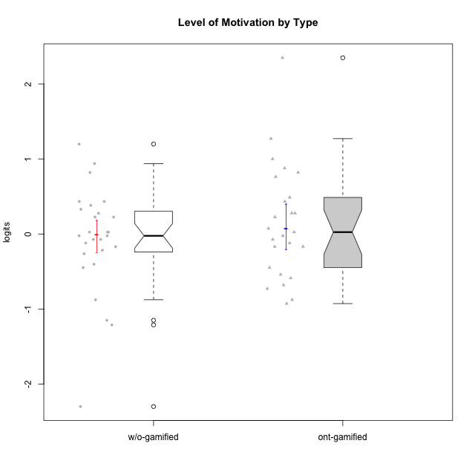

Wilcoxon data
UserID | NroUSP | Type | CLGroup | CLRole | PlayerRole | Score | theta | error | Outfit | Infit | Level of Motivation
10169 | 10377538 | ont-gamified | Resistance | Apprentice | Social Achiever | 69 | 2.3482837667 | 0.4900870617 | 2.1090820814 | 1.2378926404 | 2.3482837667
10170 | 10260351 | w/o-gamified | Grupo11 | Apprentice |  | 44 | 0.32914228741 | 0.22842515778 | 0.72332455156 | 0.68962315675 | 0.32914228741
10171 | 698531 | ont-gamified | Mafia | Master | Social Achiever | 53 | 0.81990220965 | 0.24338003957 | 0.38821301605 | 0.37539875333 | 0.81990220965
10172 | 10273971 | w/o-gamified | Grupo5 | Apprentice |  | 42 | 0.22593386836 | 0.22626227922 | 1.1590203122 | 1.1208575372 | 0.22593386836
10174 | 10276852 | w/o-gamified | Grupo7 | Master |  | 45 | 0.38141778425 | 0.22956673219 | 1.3515954694 | 1.3335711876 | 0.38141778425
10175 | 10310700 | ont-gamified | Warriors | Master | Social Achiever | 56 | 1.0001971135 | 0.25344013863 | 0.32188169672 | 0.30471544737 | 1.0001971135
10176 | 10276949 | ont-gamified | Outlaws | Master | Social Achiever | 38 | 0.025029761034 | 0.22222754573 | 0.28724821546 | 0.2878411487 | 0.025029761034
10178 | 8656201 | ont-gamified | Outlaws | Apprentice | Social Achiever | 34 | -0.16840949963 | 0.21883712457 | 0.32863672324 | 0.32664802077 | -0.16840949963
10179 | 10310759 | w/o-gamified | Grupo10 | Master |  | 36 | -0.072588557506 | 0.22040651532 | 0.50357919659 | 0.50674233242 | -0.072588557506
10181 | 10276866 | w/o-gamified | Grupo2 | Apprentice |  | 32 | -0.26267223869 | 0.21764311485 | 1.2425580731 | 1.2441670382 | -0.26267223869
10183 | 10352030 | w/o-gamified | Grupo3 | Apprentice |  | 19 | -0.87591915854 | 0.2284327491 | 0.13769736058 | 0.14799742181 | -0.87591915854
10184 | 10276675 | w/o-gamified | Grupo10 | Apprentice |  | 37 | -0.02401327559 | 0.22129268253 | 0.50057185886 | 0.50176373826 | -0.02401327559
10185 | 10276960 | w/o-gamified | Grupo9 | Apprentice |  | 34 | -0.16840949963 | 0.21883712457 | 1.0296877196 | 1.0070438265 | -0.16840949963
10186 | 10310551 | ont-gamified | Slayers | Apprentice | Social Achiever | 43 | 0.27731428888 | 0.22732796299 | 2.2408443176 | 2.2572455559 | 0.27731428888
10188 | 10276995 | ont-gamified | Vandals | Master | Yee Achiever | 36 | -0.072588557506 | 0.22040651532 | 0.84466330572 | 0.81843130419 | -0.072588557506
10189 | 9363926 | ont-gamified | Vikings | Apprentice | Social Achiever | 18 | -0.92720578406 | 0.23141946718 | 1.1310274496 | 1.2186485621 | -0.92720578406
10190 | 10276907 | w/o-gamified | Grupo4 | Apprentice |  | 38 | 0.025029761034 | 0.22222754573 | 0.98920473209 | 0.9915019213 | 0.025029761034
10191 | 10276981 | w/o-gamified | Grupo1 | Master |  | 33 | -0.21571496426 | 0.21818509145 | 0.67324969699 | 0.64803915015 | -0.21571496426
10192 | 10276682 | ont-gamified | Attractive Devils | Apprentice | Social Achiever | 54 | 0.87854245305 | 0.24626846292 | 1.6046687963 | 1.4885822978 | 0.87854245305
10193 | 10276762 | ont-gamified | Vandals | Apprentice | Yee Achiever | 19 | -0.87591915854 | 0.2284327491 | 2.3965059918 | 2.6061760739 | -0.87591915854
10197 | 10276661 | w/o-gamified | Grupo8 | Apprentice |  | 43 | 0.27731428888 | 0.22732796299 | 1.8312666193 | 1.8306751082 | 0.27731428888
10198 | 10310888 | ont-gamified | Attractive Devils | Apprentice | Social Achiever | 60 | 1.2703498586 | 0.27621634147 | 0.90749504512 | 0.93415078562 | 1.2703498586
10199 | 10276737 | w/o-gamified | Grupo1 | Apprentice |  | 37 | -0.02401327559 | 0.22129268253 | 0.69361030374 | 0.70591600838 | -0.02401327559
10200 | 9795272 | ont-gamified | Warriors | Apprentice | Social Achiever | 52 | 0.76242378778 | 0.24086354553 | 0.34776522697 | 0.34345924184 | 0.76242378778
10201 | 10276928 | w/o-gamified | Grupo11 | Apprentice |  | 46 | 0.4341496506 | 0.23077043841 | 1.0432039219 | 0.99883438454 | 0.4341496506
10202 | 10277036 | ont-gamified | Silly Knights | Apprentice | Social Achiever | 35 | -0.12071221246 | 0.21958292386 | 0.53024233649 | 0.5311606169 | -0.12071221246
10203 | 9921470 | ont-gamified | Mercenaries | Apprentice | Social Achiever | 47 | 0.48735857189 | 0.2320587267 | 0.87253829214 | 0.86352555356 | 0.48735857189
10204 | 10310471 | w/o-gamified | Grupo6 | Apprentice |  | 14 | -1.1493908855 | 0.24907673234 | 1.6341695199 | 1.8511624869 | -1.1493908855
10206 | 10310721 | w/o-gamified | Grupo8 | Apprentice |  | 46 | 0.4341496506 | 0.23077043841 | 0.25008886222 | 0.25282117228 | 0.4341496506
10208 | 10276932 | ont-gamified | Mercenaries | Master | Social Achiever | 26 | -0.54058185084 | 0.21761182287 | 0.59848029102 | 0.60465511051 | -0.54058185084
10209 | 10262669 | ont-gamified | Mafia | Apprentice | Social Achiever | 22 | -0.72842495738 | 0.22191519817 | 0.74996803982 | 0.77526124628 | -0.72842495738
10210 | 10277015 | w/o-gamified | Grupo6 | Apprentice |  | 3 | -2.2989324897 | 0.48582125683 | 0.30974289685 | 0.35247036287 | -2.2989324897
10213 | 10277040 | w/o-gamified | Grupo7 | Apprentice |  | 59 | 1.1983326578 | 0.26912322387 | 1.590077889 | 1.7674988677 | 1.1983326578
10214 | 10277022 | ont-gamified | Vikings | Apprentice | Social Achiever | 23 | -0.6807998615 | 0.22042626825 | 0.50594993254 | 0.50028100964 | -0.6807998615
10215 | 9285227 | ont-gamified | Vikings | Master | Social Achiever | 34 | -0.16840949963 | 0.21883712457 | 2.2313387141 | 2.1860945497 | -0.16840949963
10216 | 10276720 | ont-gamified | Silly Knights | Master | Social Achiever | 46 | 0.4341496506 | 0.23077043841 | 0.83388667905 | 0.84419011739 | 0.4341496506
10217 | 9805341 | w/o-gamified | Grupo9 | Apprentice |  | 38 | 0.025029761034 | 0.22222754573 | 0.12148301655 | 0.12339022092 | 0.025029761034
10218 | 9842913 | w/o-gamified | Grupo10 | Apprentice |  | 35 | -0.12071221246 | 0.21958292386 | 0.45600783463 | 0.46127300179 | -0.12071221246
10219 | 10276831 | w/o-gamified | Grupo3 | Master |  | 13 | -1.2109454796 | 0.25541567651 | 0.7037517549 | 0.67742567074 | -1.2109454796
10220 | 9760151 | w/o-gamified | Grupo3 | Apprentice |  | 36 | -0.072588557506 | 0.22040651532 | 3.2886094588 | 3.2727671728 | -0.072588557506
10221 | 9082496 | ont-gamified | Warriors | Apprentice | Social Achiever | 25 | -0.58699880409 | 0.21829744921 | 0.67125101618 | 0.67080691093 | -0.58699880409
10223 | 9795185 | ont-gamified | Slayers | Master | Social Achiever | 39 | 0.074548181131 | 0.2231992449 | 0.24657379684 | 0.23857586826 | 0.074548181131
10224 | 9368772 | ont-gamified | Mercenaries | Apprentice | Social Achiever | 43 | 0.27731428888 | 0.22732796299 | 0.21067432901 | 0.20820293959 | 0.27731428888
10226 | 10310342 | w/o-gamified | Grupo4 | Apprentice |  | 28 | -0.44818529425 | 0.21690058706 | 0.73408619133 | 0.74233129443 | -0.44818529425
10227 | 9274382 | w/o-gamified | Grupo5 | Master |  | 55 | 0.9385557418 | 0.24959567308 | 0.38177733459 | 0.35392423333 | 0.9385557418
10228 | 10310492 | ont-gamified | Resistance | Apprentice | Social Achiever | 28 | -0.44818529425 | 0.21690058706 | 1.3668986568 | 1.3389449061 | -0.44818529425
10230 | 10351992 | ont-gamified | Resistance | Master | Social Achiever | 42 | 0.22593386836 | 0.22626227922 | 0.99865948234 | 0.99744135431 | 0.22593386836
10231 | 10276911 | w/o-gamified | Grupo9 | Master |  | 42 | 0.22593386836 | 0.22626227922 | 0.47932122226 | 0.46785553733 | 0.22593386836
10232 | 10276974 | w/o-gamified | Grupo7 | Apprentice |  | 53 | 0.81990220965 | 0.24338003957 | 0.33418006641 | 0.3379718979 | 0.81990220965
10234 | 10310676 | w/o-gamified | Grupo4 | Master |  | 29 | -0.40201832289 | 0.21684014508 | 2.3400589219 | 2.3350593574 | -0.40201832289
10237 | 10377688 | ont-gamified | Outlaws | Apprentice | Social Achiever | 37 | -0.02401327559 | 0.22129268253 | 0.49536430428 | 0.48808260289 | -0.02401327559
10238 | 10276953 | w/o-gamified | Grupo2 | Master |  | 38 | 0.025029761034 | 0.22222754573 | 0.54715215853 | 0.54643772128 | 0.025029761034

Type_CLRole_1
Wilcoxon Analysis for Level of Motivation by Type in Type:CLRole between ont-gamified.Apprentice:ont-gamified.Master

Wilcoxon test results
Alternative hypothesis: less
Group | N | Median | Mean.Ranks | Sum.Ranks | U | Z | p.value | r | magnitude
ont-gamified.Apprentice | 16 | -0.072362744025 | 12.21875 | 195.5 | 59.5 | -0.70794548545 | 0.24773675645 | 0.14158909709 | small
ont-gamified.Master | 9 | 0.074548181131 | 14.388888889 | 129.5 | 59.5 | -0.70794548545 | 0.24773675645 | 0.14158909709 | small
Alternative hypothesis: greater
Group | N | Median | Mean.Ranks | Sum.Ranks | U | Z | p.value | r | magnitude
ont-gamified.Apprentice | 16 | -0.072362744025 | 12.21875 | 195.5 | 59.5 | -0.70794548545 | 0.76110329299 | 0.14158909709 | small
ont-gamified.Master | 9 | 0.074548181131 | 14.388888889 | 129.5 | 59.5 | -0.70794548545 | 0.76110329299 | 0.14158909709 | small
Alternative hypothesis: two.sided
Group | N | Median | Mean.Ranks | Sum.Ranks | U | Z | p.value | r | magnitude
ont-gamified.Apprentice | 16 | -0.072362744025 | 12.21875 | 195.5 | 59.5 | -0.70794548545 | 0.495470576 | 0.14158909709 | small
ont-gamified.Master | 9 | 0.074548181131 | 14.388888889 | 129.5 | 59.5 | -0.70794548545 | 0.495470576 | 0.14158909709 | small

Box plots for wilcoxon tests
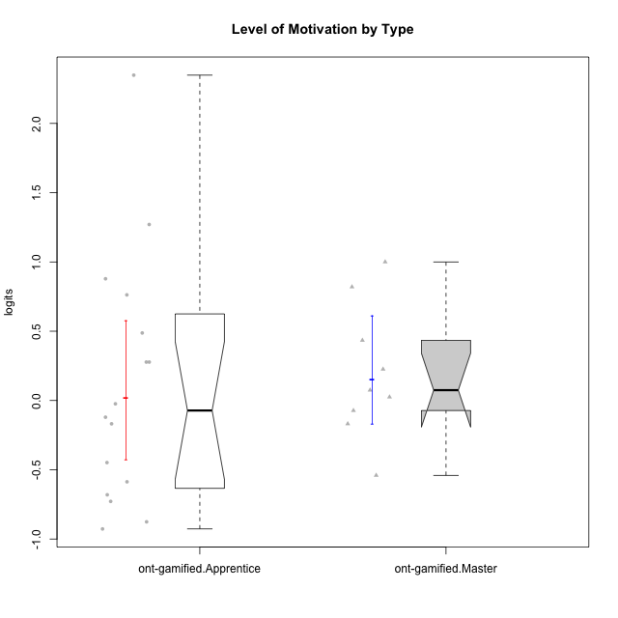

Wilcoxon data
UserID | NroUSP | Type | CLGroup | CLRole | PlayerRole | Score | theta | error | Outfit | Infit | Level of Motivation
10169 | 10377538 | ont-gamified | Resistance | Apprentice | Social Achiever | 69 | 2.3482837667 | 0.4900870617 | 2.1090820814 | 1.2378926404 | 2.3482837667
10171 | 698531 | ont-gamified | Mafia | Master | Social Achiever | 53 | 0.81990220965 | 0.24338003957 | 0.38821301605 | 0.37539875333 | 0.81990220965
10175 | 10310700 | ont-gamified | Warriors | Master | Social Achiever | 56 | 1.0001971135 | 0.25344013863 | 0.32188169672 | 0.30471544737 | 1.0001971135
10176 | 10276949 | ont-gamified | Outlaws | Master | Social Achiever | 38 | 0.025029761034 | 0.22222754573 | 0.28724821546 | 0.2878411487 | 0.025029761034
10178 | 8656201 | ont-gamified | Outlaws | Apprentice | Social Achiever | 34 | -0.16840949963 | 0.21883712457 | 0.32863672324 | 0.32664802077 | -0.16840949963
10186 | 10310551 | ont-gamified | Slayers | Apprentice | Social Achiever | 43 | 0.27731428888 | 0.22732796299 | 2.2408443176 | 2.2572455559 | 0.27731428888
10188 | 10276995 | ont-gamified | Vandals | Master | Yee Achiever | 36 | -0.072588557506 | 0.22040651532 | 0.84466330572 | 0.81843130419 | -0.072588557506
10189 | 9363926 | ont-gamified | Vikings | Apprentice | Social Achiever | 18 | -0.92720578406 | 0.23141946718 | 1.1310274496 | 1.2186485621 | -0.92720578406
10192 | 10276682 | ont-gamified | Attractive Devils | Apprentice | Social Achiever | 54 | 0.87854245305 | 0.24626846292 | 1.6046687963 | 1.4885822978 | 0.87854245305
10193 | 10276762 | ont-gamified | Vandals | Apprentice | Yee Achiever | 19 | -0.87591915854 | 0.2284327491 | 2.3965059918 | 2.6061760739 | -0.87591915854
10198 | 10310888 | ont-gamified | Attractive Devils | Apprentice | Social Achiever | 60 | 1.2703498586 | 0.27621634147 | 0.90749504512 | 0.93415078562 | 1.2703498586
10200 | 9795272 | ont-gamified | Warriors | Apprentice | Social Achiever | 52 | 0.76242378778 | 0.24086354553 | 0.34776522697 | 0.34345924184 | 0.76242378778
10202 | 10277036 | ont-gamified | Silly Knights | Apprentice | Social Achiever | 35 | -0.12071221246 | 0.21958292386 | 0.53024233649 | 0.5311606169 | -0.12071221246
10203 | 9921470 | ont-gamified | Mercenaries | Apprentice | Social Achiever | 47 | 0.48735857189 | 0.2320587267 | 0.87253829214 | 0.86352555356 | 0.48735857189
10208 | 10276932 | ont-gamified | Mercenaries | Master | Social Achiever | 26 | -0.54058185084 | 0.21761182287 | 0.59848029102 | 0.60465511051 | -0.54058185084
10209 | 10262669 | ont-gamified | Mafia | Apprentice | Social Achiever | 22 | -0.72842495738 | 0.22191519817 | 0.74996803982 | 0.77526124628 | -0.72842495738
10214 | 10277022 | ont-gamified | Vikings | Apprentice | Social Achiever | 23 | -0.6807998615 | 0.22042626825 | 0.50594993254 | 0.50028100964 | -0.6807998615
10215 | 9285227 | ont-gamified | Vikings | Master | Social Achiever | 34 | -0.16840949963 | 0.21883712457 | 2.2313387141 | 2.1860945497 | -0.16840949963
10216 | 10276720 | ont-gamified | Silly Knights | Master | Social Achiever | 46 | 0.4341496506 | 0.23077043841 | 0.83388667905 | 0.84419011739 | 0.4341496506
10221 | 9082496 | ont-gamified | Warriors | Apprentice | Social Achiever | 25 | -0.58699880409 | 0.21829744921 | 0.67125101618 | 0.67080691093 | -0.58699880409
10223 | 9795185 | ont-gamified | Slayers | Master | Social Achiever | 39 | 0.074548181131 | 0.2231992449 | 0.24657379684 | 0.23857586826 | 0.074548181131
10224 | 9368772 | ont-gamified | Mercenaries | Apprentice | Social Achiever | 43 | 0.27731428888 | 0.22732796299 | 0.21067432901 | 0.20820293959 | 0.27731428888
10228 | 10310492 | ont-gamified | Resistance | Apprentice | Social Achiever | 28 | -0.44818529425 | 0.21690058706 | 1.3668986568 | 1.3389449061 | -0.44818529425
10230 | 10351992 | ont-gamified | Resistance | Master | Social Achiever | 42 | 0.22593386836 | 0.22626227922 | 0.99865948234 | 0.99744135431 | 0.22593386836
10237 | 10377688 | ont-gamified | Outlaws | Apprentice | Social Achiever | 37 | -0.02401327559 | 0.22129268253 | 0.49536430428 | 0.48808260289 | -0.02401327559

Type_CLRole_2
Wilcoxon Analysis for Level of Motivation by Type in Type:CLRole between ont-gamified.Apprentice:w/o-gamified.Apprentice

Wilcoxon test results
Alternative hypothesis: less
Group | N | Median | Mean.Ranks | Sum.Ranks | U | Z | p.value | r | magnitude
ont-gamified.Apprentice | 16 | -0.072362744025 | 18.1875 | 291 | 155 | 0.099437462323 | 0.54233090803 | 0.016807998872 | none
w/o-gamified.Apprentice | 19 | -0.02401327559 | 17.842105263 | 339 | 155 | 0.099437462323 | 0.54233090803 | 0.016807998872 | none
Alternative hypothesis: greater
Group | N | Median | Mean.Ranks | Sum.Ranks | U | Z | p.value | r | magnitude
ont-gamified.Apprentice | 16 | -0.072362744025 | 18.1875 | 291 | 155 | 0.099437462323 | 0.46416312556 | 0.016807998872 | none
w/o-gamified.Apprentice | 19 | -0.02401327559 | 17.842105263 | 339 | 155 | 0.099437462323 | 0.46416312556 | 0.016807998872 | none
Alternative hypothesis: two.sided
Group | N | Median | Mean.Ranks | Sum.Ranks | U | Z | p.value | r | magnitude
ont-gamified.Apprentice | 16 | -0.072362744025 | 18.1875 | 291 | 155 | 0.099437462323 | 0.92832631739 | 0.016807998872 | none
w/o-gamified.Apprentice | 19 | -0.02401327559 | 17.842105263 | 339 | 155 | 0.099437462323 | 0.92832631739 | 0.016807998872 | none

Box plots for wilcoxon tests
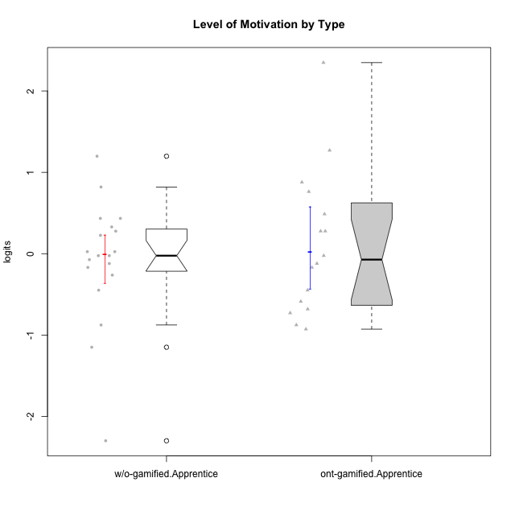

Wilcoxon data
UserID | NroUSP | Type | CLGroup | CLRole | PlayerRole | Score | theta | error | Outfit | Infit | Level of Motivation
10169 | 10377538 | ont-gamified | Resistance | Apprentice | Social Achiever | 69 | 2.3482837667 | 0.4900870617 | 2.1090820814 | 1.2378926404 | 2.3482837667
10170 | 10260351 | w/o-gamified | Grupo11 | Apprentice |  | 44 | 0.32914228741 | 0.22842515778 | 0.72332455156 | 0.68962315675 | 0.32914228741
10172 | 10273971 | w/o-gamified | Grupo5 | Apprentice |  | 42 | 0.22593386836 | 0.22626227922 | 1.1590203122 | 1.1208575372 | 0.22593386836
10178 | 8656201 | ont-gamified | Outlaws | Apprentice | Social Achiever | 34 | -0.16840949963 | 0.21883712457 | 0.32863672324 | 0.32664802077 | -0.16840949963
10181 | 10276866 | w/o-gamified | Grupo2 | Apprentice |  | 32 | -0.26267223869 | 0.21764311485 | 1.2425580731 | 1.2441670382 | -0.26267223869
10183 | 10352030 | w/o-gamified | Grupo3 | Apprentice |  | 19 | -0.87591915854 | 0.2284327491 | 0.13769736058 | 0.14799742181 | -0.87591915854
10184 | 10276675 | w/o-gamified | Grupo10 | Apprentice |  | 37 | -0.02401327559 | 0.22129268253 | 0.50057185886 | 0.50176373826 | -0.02401327559
10185 | 10276960 | w/o-gamified | Grupo9 | Apprentice |  | 34 | -0.16840949963 | 0.21883712457 | 1.0296877196 | 1.0070438265 | -0.16840949963
10186 | 10310551 | ont-gamified | Slayers | Apprentice | Social Achiever | 43 | 0.27731428888 | 0.22732796299 | 2.2408443176 | 2.2572455559 | 0.27731428888
10189 | 9363926 | ont-gamified | Vikings | Apprentice | Social Achiever | 18 | -0.92720578406 | 0.23141946718 | 1.1310274496 | 1.2186485621 | -0.92720578406
10190 | 10276907 | w/o-gamified | Grupo4 | Apprentice |  | 38 | 0.025029761034 | 0.22222754573 | 0.98920473209 | 0.9915019213 | 0.025029761034
10192 | 10276682 | ont-gamified | Attractive Devils | Apprentice | Social Achiever | 54 | 0.87854245305 | 0.24626846292 | 1.6046687963 | 1.4885822978 | 0.87854245305
10193 | 10276762 | ont-gamified | Vandals | Apprentice | Yee Achiever | 19 | -0.87591915854 | 0.2284327491 | 2.3965059918 | 2.6061760739 | -0.87591915854
10197 | 10276661 | w/o-gamified | Grupo8 | Apprentice |  | 43 | 0.27731428888 | 0.22732796299 | 1.8312666193 | 1.8306751082 | 0.27731428888
10198 | 10310888 | ont-gamified | Attractive Devils | Apprentice | Social Achiever | 60 | 1.2703498586 | 0.27621634147 | 0.90749504512 | 0.93415078562 | 1.2703498586
10199 | 10276737 | w/o-gamified | Grupo1 | Apprentice |  | 37 | -0.02401327559 | 0.22129268253 | 0.69361030374 | 0.70591600838 | -0.02401327559
10200 | 9795272 | ont-gamified | Warriors | Apprentice | Social Achiever | 52 | 0.76242378778 | 0.24086354553 | 0.34776522697 | 0.34345924184 | 0.76242378778
10201 | 10276928 | w/o-gamified | Grupo11 | Apprentice |  | 46 | 0.4341496506 | 0.23077043841 | 1.0432039219 | 0.99883438454 | 0.4341496506
10202 | 10277036 | ont-gamified | Silly Knights | Apprentice | Social Achiever | 35 | -0.12071221246 | 0.21958292386 | 0.53024233649 | 0.5311606169 | -0.12071221246
10203 | 9921470 | ont-gamified | Mercenaries | Apprentice | Social Achiever | 47 | 0.48735857189 | 0.2320587267 | 0.87253829214 | 0.86352555356 | 0.48735857189
10204 | 10310471 | w/o-gamified | Grupo6 | Apprentice |  | 14 | -1.1493908855 | 0.24907673234 | 1.6341695199 | 1.8511624869 | -1.1493908855
10206 | 10310721 | w/o-gamified | Grupo8 | Apprentice |  | 46 | 0.4341496506 | 0.23077043841 | 0.25008886222 | 0.25282117228 | 0.4341496506
10209 | 10262669 | ont-gamified | Mafia | Apprentice | Social Achiever | 22 | -0.72842495738 | 0.22191519817 | 0.74996803982 | 0.77526124628 | -0.72842495738
10210 | 10277015 | w/o-gamified | Grupo6 | Apprentice |  | 3 | -2.2989324897 | 0.48582125683 | 0.30974289685 | 0.35247036287 | -2.2989324897
10213 | 10277040 | w/o-gamified | Grupo7 | Apprentice |  | 59 | 1.1983326578 | 0.26912322387 | 1.590077889 | 1.7674988677 | 1.1983326578
10214 | 10277022 | ont-gamified | Vikings | Apprentice | Social Achiever | 23 | -0.6807998615 | 0.22042626825 | 0.50594993254 | 0.50028100964 | -0.6807998615
10217 | 9805341 | w/o-gamified | Grupo9 | Apprentice |  | 38 | 0.025029761034 | 0.22222754573 | 0.12148301655 | 0.12339022092 | 0.025029761034
10218 | 9842913 | w/o-gamified | Grupo10 | Apprentice |  | 35 | -0.12071221246 | 0.21958292386 | 0.45600783463 | 0.46127300179 | -0.12071221246
10220 | 9760151 | w/o-gamified | Grupo3 | Apprentice |  | 36 | -0.072588557506 | 0.22040651532 | 3.2886094588 | 3.2727671728 | -0.072588557506
10221 | 9082496 | ont-gamified | Warriors | Apprentice | Social Achiever | 25 | -0.58699880409 | 0.21829744921 | 0.67125101618 | 0.67080691093 | -0.58699880409
10224 | 9368772 | ont-gamified | Mercenaries | Apprentice | Social Achiever | 43 | 0.27731428888 | 0.22732796299 | 0.21067432901 | 0.20820293959 | 0.27731428888
10226 | 10310342 | w/o-gamified | Grupo4 | Apprentice |  | 28 | -0.44818529425 | 0.21690058706 | 0.73408619133 | 0.74233129443 | -0.44818529425
10228 | 10310492 | ont-gamified | Resistance | Apprentice | Social Achiever | 28 | -0.44818529425 | 0.21690058706 | 1.3668986568 | 1.3389449061 | -0.44818529425
10232 | 10276974 | w/o-gamified | Grupo7 | Apprentice |  | 53 | 0.81990220965 | 0.24338003957 | 0.33418006641 | 0.3379718979 | 0.81990220965
10237 | 10377688 | ont-gamified | Outlaws | Apprentice | Social Achiever | 37 | -0.02401327559 | 0.22129268253 | 0.49536430428 | 0.48808260289 | -0.02401327559

Type_CLRole_3
Wilcoxon Analysis for Level of Motivation by Type in Type:CLRole between ont-gamified.Apprentice:w/o-gamified.Master

Wilcoxon test results
Alternative hypothesis: less
Group | N | Median | Mean.Ranks | Sum.Ranks | U | Z | p.value | r | magnitude
ont-gamified.Apprentice | 16 | -0.072362744025 | 12.5625 | 201 | 65 | 0.061250560356 | 0.53018949761 | 0.012502718278 | none
w/o-gamified.Master | 8 | -0.023779398236 | 12.375 | 99 | 65 | 0.061250560356 | 0.53018949761 | 0.012502718278 | none
Alternative hypothesis: greater
Group | N | Median | Mean.Ranks | Sum.Ranks | U | Z | p.value | r | magnitude
ont-gamified.Apprentice | 16 | -0.072362744025 | 12.5625 | 201 | 65 | 0.061250560356 | 0.48241603 | 0.012502718278 | none
w/o-gamified.Master | 8 | -0.023779398236 | 12.375 | 99 | 65 | 0.061250560356 | 0.48241603 | 0.012502718278 | none
Alternative hypothesis: two.sided
Group | N | Median | Mean.Ranks | Sum.Ranks | U | Z | p.value | r | magnitude
ont-gamified.Apprentice | 16 | -0.072362744025 | 12.5625 | 201 | 65 | 0.061250560356 | 0.96480486654 | 0.012502718278 | none
w/o-gamified.Master | 8 | -0.023779398236 | 12.375 | 99 | 65 | 0.061250560356 | 0.96480486654 | 0.012502718278 | none

Box plots for wilcoxon tests
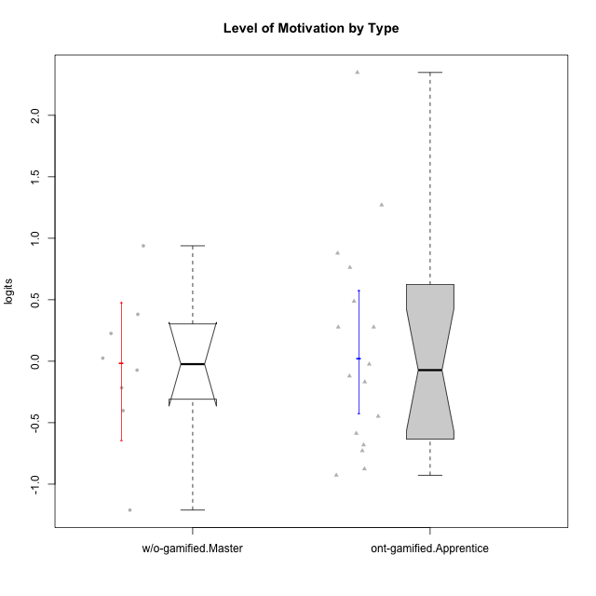

Wilcoxon data
UserID | NroUSP | Type | CLGroup | CLRole | PlayerRole | Score | theta | error | Outfit | Infit | Level of Motivation
10169 | 10377538 | ont-gamified | Resistance | Apprentice | Social Achiever | 69 | 2.3482837667 | 0.4900870617 | 2.1090820814 | 1.2378926404 | 2.3482837667
10174 | 10276852 | w/o-gamified | Grupo7 | Master |  | 45 | 0.38141778425 | 0.22956673219 | 1.3515954694 | 1.3335711876 | 0.38141778425
10178 | 8656201 | ont-gamified | Outlaws | Apprentice | Social Achiever | 34 | -0.16840949963 | 0.21883712457 | 0.32863672324 | 0.32664802077 | -0.16840949963
10179 | 10310759 | w/o-gamified | Grupo10 | Master |  | 36 | -0.072588557506 | 0.22040651532 | 0.50357919659 | 0.50674233242 | -0.072588557506
10186 | 10310551 | ont-gamified | Slayers | Apprentice | Social Achiever | 43 | 0.27731428888 | 0.22732796299 | 2.2408443176 | 2.2572455559 | 0.27731428888
10189 | 9363926 | ont-gamified | Vikings | Apprentice | Social Achiever | 18 | -0.92720578406 | 0.23141946718 | 1.1310274496 | 1.2186485621 | -0.92720578406
10191 | 10276981 | w/o-gamified | Grupo1 | Master |  | 33 | -0.21571496426 | 0.21818509145 | 0.67324969699 | 0.64803915015 | -0.21571496426
10192 | 10276682 | ont-gamified | Attractive Devils | Apprentice | Social Achiever | 54 | 0.87854245305 | 0.24626846292 | 1.6046687963 | 1.4885822978 | 0.87854245305
10193 | 10276762 | ont-gamified | Vandals | Apprentice | Yee Achiever | 19 | -0.87591915854 | 0.2284327491 | 2.3965059918 | 2.6061760739 | -0.87591915854
10198 | 10310888 | ont-gamified | Attractive Devils | Apprentice | Social Achiever | 60 | 1.2703498586 | 0.27621634147 | 0.90749504512 | 0.93415078562 | 1.2703498586
10200 | 9795272 | ont-gamified | Warriors | Apprentice | Social Achiever | 52 | 0.76242378778 | 0.24086354553 | 0.34776522697 | 0.34345924184 | 0.76242378778
10202 | 10277036 | ont-gamified | Silly Knights | Apprentice | Social Achiever | 35 | -0.12071221246 | 0.21958292386 | 0.53024233649 | 0.5311606169 | -0.12071221246
10203 | 9921470 | ont-gamified | Mercenaries | Apprentice | Social Achiever | 47 | 0.48735857189 | 0.2320587267 | 0.87253829214 | 0.86352555356 | 0.48735857189
10209 | 10262669 | ont-gamified | Mafia | Apprentice | Social Achiever | 22 | -0.72842495738 | 0.22191519817 | 0.74996803982 | 0.77526124628 | -0.72842495738
10214 | 10277022 | ont-gamified | Vikings | Apprentice | Social Achiever | 23 | -0.6807998615 | 0.22042626825 | 0.50594993254 | 0.50028100964 | -0.6807998615
10219 | 10276831 | w/o-gamified | Grupo3 | Master |  | 13 | -1.2109454796 | 0.25541567651 | 0.7037517549 | 0.67742567074 | -1.2109454796
10221 | 9082496 | ont-gamified | Warriors | Apprentice | Social Achiever | 25 | -0.58699880409 | 0.21829744921 | 0.67125101618 | 0.67080691093 | -0.58699880409
10224 | 9368772 | ont-gamified | Mercenaries | Apprentice | Social Achiever | 43 | 0.27731428888 | 0.22732796299 | 0.21067432901 | 0.20820293959 | 0.27731428888
10227 | 9274382 | w/o-gamified | Grupo5 | Master |  | 55 | 0.9385557418 | 0.24959567308 | 0.38177733459 | 0.35392423333 | 0.9385557418
10228 | 10310492 | ont-gamified | Resistance | Apprentice | Social Achiever | 28 | -0.44818529425 | 0.21690058706 | 1.3668986568 | 1.3389449061 | -0.44818529425
10231 | 10276911 | w/o-gamified | Grupo9 | Master |  | 42 | 0.22593386836 | 0.22626227922 | 0.47932122226 | 0.46785553733 | 0.22593386836
10234 | 10310676 | w/o-gamified | Grupo4 | Master |  | 29 | -0.40201832289 | 0.21684014508 | 2.3400589219 | 2.3350593574 | -0.40201832289
10237 | 10377688 | ont-gamified | Outlaws | Apprentice | Social Achiever | 37 | -0.02401327559 | 0.22129268253 | 0.49536430428 | 0.48808260289 | -0.02401327559
10238 | 10276953 | w/o-gamified | Grupo2 | Master |  | 38 | 0.025029761034 | 0.22222754573 | 0.54715215853 | 0.54643772128 | 0.025029761034

Type_CLRole_4
Wilcoxon Analysis for Level of Motivation by Type in Type:CLRole between ont-gamified.Master:w/o-gamified.Apprentice

Wilcoxon test results
Alternative hypothesis: less
Group | N | Median | Mean.Ranks | Sum.Ranks | U | Z | p.value | r | magnitude
ont-gamified.Master | 9 | 0.074548181131 | 16.444444444 | 148 | 103 | 0.86239364913 | 0.80555459034 | 0.16297708056 | small
w/o-gamified.Apprentice | 19 | -0.02401327559 | 13.578947368 | 258 | 103 | 0.86239364913 | 0.80555459034 | 0.16297708056 | small
Alternative hypothesis: greater
Group | N | Median | Mean.Ranks | Sum.Ranks | U | Z | p.value | r | magnitude
ont-gamified.Master | 9 | 0.074548181131 | 16.444444444 | 148 | 103 | 0.86239364913 | 0.20122153209 | 0.16297708056 | small
w/o-gamified.Apprentice | 19 | -0.02401327559 | 13.578947368 | 258 | 103 | 0.86239364913 | 0.20122153209 | 0.16297708056 | small
Alternative hypothesis: two.sided
Group | N | Median | Mean.Ranks | Sum.Ranks | U | Z | p.value | r | magnitude
ont-gamified.Master | 9 | 0.074548181131 | 16.444444444 | 148 | 103 | 0.86239364913 | 0.40243698331 | 0.16297708056 | small
w/o-gamified.Apprentice | 19 | -0.02401327559 | 13.578947368 | 258 | 103 | 0.86239364913 | 0.40243698331 | 0.16297708056 | small

Box plots for wilcoxon tests
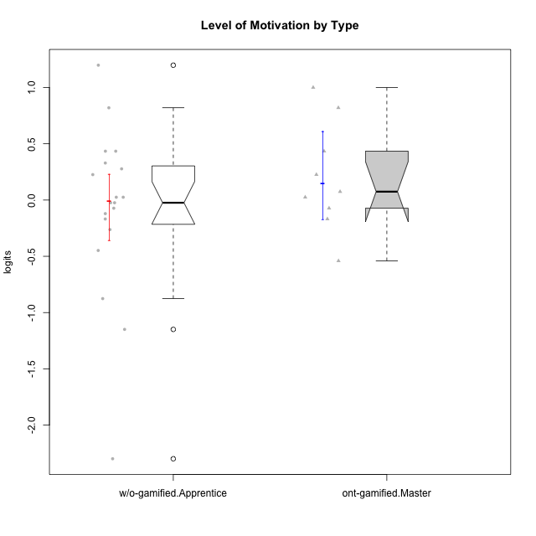

Wilcoxon data
UserID | NroUSP | Type | CLGroup | CLRole | PlayerRole | Score | theta | error | Outfit | Infit | Level of Motivation
10170 | 10260351 | w/o-gamified | Grupo11 | Apprentice |  | 44 | 0.32914228741 | 0.22842515778 | 0.72332455156 | 0.68962315675 | 0.32914228741
10171 | 698531 | ont-gamified | Mafia | Master | Social Achiever | 53 | 0.81990220965 | 0.24338003957 | 0.38821301605 | 0.37539875333 | 0.81990220965
10172 | 10273971 | w/o-gamified | Grupo5 | Apprentice |  | 42 | 0.22593386836 | 0.22626227922 | 1.1590203122 | 1.1208575372 | 0.22593386836
10175 | 10310700 | ont-gamified | Warriors | Master | Social Achiever | 56 | 1.0001971135 | 0.25344013863 | 0.32188169672 | 0.30471544737 | 1.0001971135
10176 | 10276949 | ont-gamified | Outlaws | Master | Social Achiever | 38 | 0.025029761034 | 0.22222754573 | 0.28724821546 | 0.2878411487 | 0.025029761034
10181 | 10276866 | w/o-gamified | Grupo2 | Apprentice |  | 32 | -0.26267223869 | 0.21764311485 | 1.2425580731 | 1.2441670382 | -0.26267223869
10183 | 10352030 | w/o-gamified | Grupo3 | Apprentice |  | 19 | -0.87591915854 | 0.2284327491 | 0.13769736058 | 0.14799742181 | -0.87591915854
10184 | 10276675 | w/o-gamified | Grupo10 | Apprentice |  | 37 | -0.02401327559 | 0.22129268253 | 0.50057185886 | 0.50176373826 | -0.02401327559
10185 | 10276960 | w/o-gamified | Grupo9 | Apprentice |  | 34 | -0.16840949963 | 0.21883712457 | 1.0296877196 | 1.0070438265 | -0.16840949963
10188 | 10276995 | ont-gamified | Vandals | Master | Yee Achiever | 36 | -0.072588557506 | 0.22040651532 | 0.84466330572 | 0.81843130419 | -0.072588557506
10190 | 10276907 | w/o-gamified | Grupo4 | Apprentice |  | 38 | 0.025029761034 | 0.22222754573 | 0.98920473209 | 0.9915019213 | 0.025029761034
10197 | 10276661 | w/o-gamified | Grupo8 | Apprentice |  | 43 | 0.27731428888 | 0.22732796299 | 1.8312666193 | 1.8306751082 | 0.27731428888
10199 | 10276737 | w/o-gamified | Grupo1 | Apprentice |  | 37 | -0.02401327559 | 0.22129268253 | 0.69361030374 | 0.70591600838 | -0.02401327559
10201 | 10276928 | w/o-gamified | Grupo11 | Apprentice |  | 46 | 0.4341496506 | 0.23077043841 | 1.0432039219 | 0.99883438454 | 0.4341496506
10204 | 10310471 | w/o-gamified | Grupo6 | Apprentice |  | 14 | -1.1493908855 | 0.24907673234 | 1.6341695199 | 1.8511624869 | -1.1493908855
10206 | 10310721 | w/o-gamified | Grupo8 | Apprentice |  | 46 | 0.4341496506 | 0.23077043841 | 0.25008886222 | 0.25282117228 | 0.4341496506
10208 | 10276932 | ont-gamified | Mercenaries | Master | Social Achiever | 26 | -0.54058185084 | 0.21761182287 | 0.59848029102 | 0.60465511051 | -0.54058185084
10210 | 10277015 | w/o-gamified | Grupo6 | Apprentice |  | 3 | -2.2989324897 | 0.48582125683 | 0.30974289685 | 0.35247036287 | -2.2989324897
10213 | 10277040 | w/o-gamified | Grupo7 | Apprentice |  | 59 | 1.1983326578 | 0.26912322387 | 1.590077889 | 1.7674988677 | 1.1983326578
10215 | 9285227 | ont-gamified | Vikings | Master | Social Achiever | 34 | -0.16840949963 | 0.21883712457 | 2.2313387141 | 2.1860945497 | -0.16840949963
10216 | 10276720 | ont-gamified | Silly Knights | Master | Social Achiever | 46 | 0.4341496506 | 0.23077043841 | 0.83388667905 | 0.84419011739 | 0.4341496506
10217 | 9805341 | w/o-gamified | Grupo9 | Apprentice |  | 38 | 0.025029761034 | 0.22222754573 | 0.12148301655 | 0.12339022092 | 0.025029761034
10218 | 9842913 | w/o-gamified | Grupo10 | Apprentice |  | 35 | -0.12071221246 | 0.21958292386 | 0.45600783463 | 0.46127300179 | -0.12071221246
10220 | 9760151 | w/o-gamified | Grupo3 | Apprentice |  | 36 | -0.072588557506 | 0.22040651532 | 3.2886094588 | 3.2727671728 | -0.072588557506
10223 | 9795185 | ont-gamified | Slayers | Master | Social Achiever | 39 | 0.074548181131 | 0.2231992449 | 0.24657379684 | 0.23857586826 | 0.074548181131
10226 | 10310342 | w/o-gamified | Grupo4 | Apprentice |  | 28 | -0.44818529425 | 0.21690058706 | 0.73408619133 | 0.74233129443 | -0.44818529425
10230 | 10351992 | ont-gamified | Resistance | Master | Social Achiever | 42 | 0.22593386836 | 0.22626227922 | 0.99865948234 | 0.99744135431 | 0.22593386836
10232 | 10276974 | w/o-gamified | Grupo7 | Apprentice |  | 53 | 0.81990220965 | 0.24338003957 | 0.33418006641 | 0.3379718979 | 0.81990220965

Type_CLRole_5
Wilcoxon Analysis for Level of Motivation by Type in Type:CLRole between ont-gamified.Master:w/o-gamified.Master

Wilcoxon test results
Alternative hypothesis: less
Group | N | Median | Mean.Ranks | Sum.Ranks | U | Z | p.value | r | magnitude
ont-gamified.Master | 9 | 0.074548181131 | 9.9444444444 | 89.5 | 44.5 | 0.81942055615 | 0.79613327849 | 0.19873867675 | small
w/o-gamified.Master | 8 | -0.023779398236 | 7.9375 | 63.5 | 44.5 | 0.81942055615 | 0.79613327849 | 0.19873867675 | small
Alternative hypothesis: greater
Group | N | Median | Mean.Ranks | Sum.Ranks | U | Z | p.value | r | magnitude
ont-gamified.Master | 9 | 0.074548181131 | 9.9444444444 | 89.5 | 44.5 | 0.81942055615 | 0.21908679556 | 0.19873867675 | small
w/o-gamified.Master | 8 | -0.023779398236 | 7.9375 | 63.5 | 44.5 | 0.81942055615 | 0.21908679556 | 0.19873867675 | small
Alternative hypothesis: two.sided
Group | N | Median | Mean.Ranks | Sum.Ranks | U | Z | p.value | r | magnitude
ont-gamified.Master | 9 | 0.074548181131 | 9.9444444444 | 89.5 | 44.5 | 0.81942055615 | 0.43698066639 | 0.19873867675 | small
w/o-gamified.Master | 8 | -0.023779398236 | 7.9375 | 63.5 | 44.5 | 0.81942055615 | 0.43698066639 | 0.19873867675 | small

Box plots for wilcoxon tests
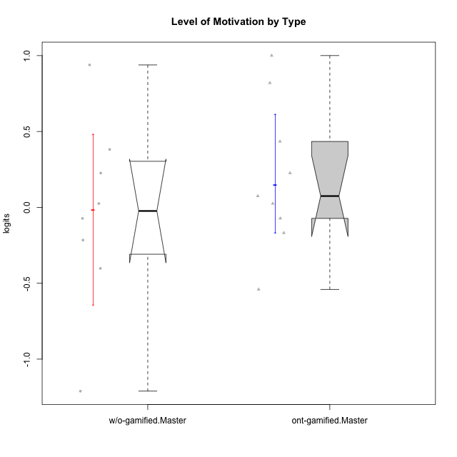

Wilcoxon data
UserID | NroUSP | Type | CLGroup | CLRole | PlayerRole | Score | theta | error | Outfit | Infit | Level of Motivation
10171 | 698531 | ont-gamified | Mafia | Master | Social Achiever | 53 | 0.81990220965 | 0.24338003957 | 0.38821301605 | 0.37539875333 | 0.81990220965
10174 | 10276852 | w/o-gamified | Grupo7 | Master |  | 45 | 0.38141778425 | 0.22956673219 | 1.3515954694 | 1.3335711876 | 0.38141778425
10175 | 10310700 | ont-gamified | Warriors | Master | Social Achiever | 56 | 1.0001971135 | 0.25344013863 | 0.32188169672 | 0.30471544737 | 1.0001971135
10176 | 10276949 | ont-gamified | Outlaws | Master | Social Achiever | 38 | 0.025029761034 | 0.22222754573 | 0.28724821546 | 0.2878411487 | 0.025029761034
10179 | 10310759 | w/o-gamified | Grupo10 | Master |  | 36 | -0.072588557506 | 0.22040651532 | 0.50357919659 | 0.50674233242 | -0.072588557506
10188 | 10276995 | ont-gamified | Vandals | Master | Yee Achiever | 36 | -0.072588557506 | 0.22040651532 | 0.84466330572 | 0.81843130419 | -0.072588557506
10191 | 10276981 | w/o-gamified | Grupo1 | Master |  | 33 | -0.21571496426 | 0.21818509145 | 0.67324969699 | 0.64803915015 | -0.21571496426
10208 | 10276932 | ont-gamified | Mercenaries | Master | Social Achiever | 26 | -0.54058185084 | 0.21761182287 | 0.59848029102 | 0.60465511051 | -0.54058185084
10215 | 9285227 | ont-gamified | Vikings | Master | Social Achiever | 34 | -0.16840949963 | 0.21883712457 | 2.2313387141 | 2.1860945497 | -0.16840949963
10216 | 10276720 | ont-gamified | Silly Knights | Master | Social Achiever | 46 | 0.4341496506 | 0.23077043841 | 0.83388667905 | 0.84419011739 | 0.4341496506
10219 | 10276831 | w/o-gamified | Grupo3 | Master |  | 13 | -1.2109454796 | 0.25541567651 | 0.7037517549 | 0.67742567074 | -1.2109454796
10223 | 9795185 | ont-gamified | Slayers | Master | Social Achiever | 39 | 0.074548181131 | 0.2231992449 | 0.24657379684 | 0.23857586826 | 0.074548181131
10227 | 9274382 | w/o-gamified | Grupo5 | Master |  | 55 | 0.9385557418 | 0.24959567308 | 0.38177733459 | 0.35392423333 | 0.9385557418
10230 | 10351992 | ont-gamified | Resistance | Master | Social Achiever | 42 | 0.22593386836 | 0.22626227922 | 0.99865948234 | 0.99744135431 | 0.22593386836
10231 | 10276911 | w/o-gamified | Grupo9 | Master |  | 42 | 0.22593386836 | 0.22626227922 | 0.47932122226 | 0.46785553733 | 0.22593386836
10234 | 10310676 | w/o-gamified | Grupo4 | Master |  | 29 | -0.40201832289 | 0.21684014508 | 2.3400589219 | 2.3350593574 | -0.40201832289
10238 | 10276953 | w/o-gamified | Grupo2 | Master |  | 38 | 0.025029761034 | 0.22222754573 | 0.54715215853 | 0.54643772128 | 0.025029761034

Type_CLRole_6
Wilcoxon Analysis for Level of Motivation by Type in Type:CLRole between w/o-gamified.Apprentice:w/o-gamified.Master

Wilcoxon test results
Alternative hypothesis: less
Group | N | Median | Mean.Ranks | Sum.Ranks | U | Z | p.value | r | magnitude
w/o-gamified.Apprentice | 19 | -0.02401327559 | 14.105263158 | 268 | 78 | 0.10632875571 | 0.54662657793 | 0.020462978577 | none
w/o-gamified.Master | 8 | -0.023779398236 | 13.75 | 110 | 78 | 0.10632875571 | 0.54662657793 | 0.020462978577 | none
Alternative hypothesis: greater
Group | N | Median | Mean.Ranks | Sum.Ranks | U | Z | p.value | r | magnitude
w/o-gamified.Apprentice | 19 | -0.02401327559 | 14.105263158 | 268 | 78 | 0.10632875571 | 0.46369919935 | 0.020462978577 | none
w/o-gamified.Master | 8 | -0.023779398236 | 13.75 | 110 | 78 | 0.10632875571 | 0.46369919935 | 0.020462978577 | none
Alternative hypothesis: two.sided
Group | N | Median | Mean.Ranks | Sum.Ranks | U | Z | p.value | r | magnitude
w/o-gamified.Apprentice | 19 | -0.02401327559 | 14.105263158 | 268 | 78 | 0.10632875571 | 0.92747227008 | 0.020462978577 | none
w/o-gamified.Master | 8 | -0.023779398236 | 13.75 | 110 | 78 | 0.10632875571 | 0.92747227008 | 0.020462978577 | none

Box plots for wilcoxon tests
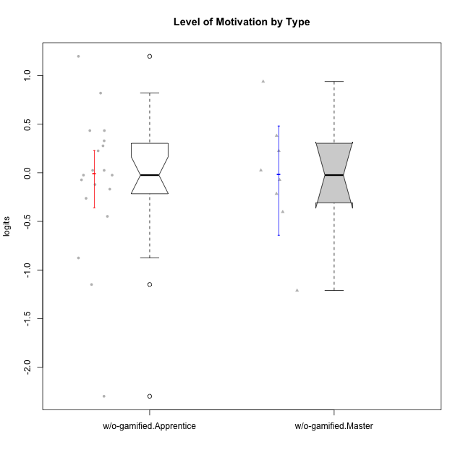

Wilcoxon data
UserID | NroUSP | Type | CLGroup | CLRole | PlayerRole | Score | theta | error | Outfit | Infit | Level of Motivation
10170 | 10260351 | w/o-gamified | Grupo11 | Apprentice |  | 44 | 0.32914228741 | 0.22842515778 | 0.72332455156 | 0.68962315675 | 0.32914228741
10172 | 10273971 | w/o-gamified | Grupo5 | Apprentice |  | 42 | 0.22593386836 | 0.22626227922 | 1.1590203122 | 1.1208575372 | 0.22593386836
10174 | 10276852 | w/o-gamified | Grupo7 | Master |  | 45 | 0.38141778425 | 0.22956673219 | 1.3515954694 | 1.3335711876 | 0.38141778425
10179 | 10310759 | w/o-gamified | Grupo10 | Master |  | 36 | -0.072588557506 | 0.22040651532 | 0.50357919659 | 0.50674233242 | -0.072588557506
10181 | 10276866 | w/o-gamified | Grupo2 | Apprentice |  | 32 | -0.26267223869 | 0.21764311485 | 1.2425580731 | 1.2441670382 | -0.26267223869
10183 | 10352030 | w/o-gamified | Grupo3 | Apprentice |  | 19 | -0.87591915854 | 0.2284327491 | 0.13769736058 | 0.14799742181 | -0.87591915854
10184 | 10276675 | w/o-gamified | Grupo10 | Apprentice |  | 37 | -0.02401327559 | 0.22129268253 | 0.50057185886 | 0.50176373826 | -0.02401327559
10185 | 10276960 | w/o-gamified | Grupo9 | Apprentice |  | 34 | -0.16840949963 | 0.21883712457 | 1.0296877196 | 1.0070438265 | -0.16840949963
10190 | 10276907 | w/o-gamified | Grupo4 | Apprentice |  | 38 | 0.025029761034 | 0.22222754573 | 0.98920473209 | 0.9915019213 | 0.025029761034
10191 | 10276981 | w/o-gamified | Grupo1 | Master |  | 33 | -0.21571496426 | 0.21818509145 | 0.67324969699 | 0.64803915015 | -0.21571496426
10197 | 10276661 | w/o-gamified | Grupo8 | Apprentice |  | 43 | 0.27731428888 | 0.22732796299 | 1.8312666193 | 1.8306751082 | 0.27731428888
10199 | 10276737 | w/o-gamified | Grupo1 | Apprentice |  | 37 | -0.02401327559 | 0.22129268253 | 0.69361030374 | 0.70591600838 | -0.02401327559
10201 | 10276928 | w/o-gamified | Grupo11 | Apprentice |  | 46 | 0.4341496506 | 0.23077043841 | 1.0432039219 | 0.99883438454 | 0.4341496506
10204 | 10310471 | w/o-gamified | Grupo6 | Apprentice |  | 14 | -1.1493908855 | 0.24907673234 | 1.6341695199 | 1.8511624869 | -1.1493908855
10206 | 10310721 | w/o-gamified | Grupo8 | Apprentice |  | 46 | 0.4341496506 | 0.23077043841 | 0.25008886222 | 0.25282117228 | 0.4341496506
10210 | 10277015 | w/o-gamified | Grupo6 | Apprentice |  | 3 | -2.2989324897 | 0.48582125683 | 0.30974289685 | 0.35247036287 | -2.2989324897
10213 | 10277040 | w/o-gamified | Grupo7 | Apprentice |  | 59 | 1.1983326578 | 0.26912322387 | 1.590077889 | 1.7674988677 | 1.1983326578
10217 | 9805341 | w/o-gamified | Grupo9 | Apprentice |  | 38 | 0.025029761034 | 0.22222754573 | 0.12148301655 | 0.12339022092 | 0.025029761034
10218 | 9842913 | w/o-gamified | Grupo10 | Apprentice |  | 35 | -0.12071221246 | 0.21958292386 | 0.45600783463 | 0.46127300179 | -0.12071221246
10219 | 10276831 | w/o-gamified | Grupo3 | Master |  | 13 | -1.2109454796 | 0.25541567651 | 0.7037517549 | 0.67742567074 | -1.2109454796
10220 | 9760151 | w/o-gamified | Grupo3 | Apprentice |  | 36 | -0.072588557506 | 0.22040651532 | 3.2886094588 | 3.2727671728 | -0.072588557506
10226 | 10310342 | w/o-gamified | Grupo4 | Apprentice |  | 28 | -0.44818529425 | 0.21690058706 | 0.73408619133 | 0.74233129443 | -0.44818529425
10227 | 9274382 | w/o-gamified | Grupo5 | Master |  | 55 | 0.9385557418 | 0.24959567308 | 0.38177733459 | 0.35392423333 | 0.9385557418
10231 | 10276911 | w/o-gamified | Grupo9 | Master |  | 42 | 0.22593386836 | 0.22626227922 | 0.47932122226 | 0.46785553733 | 0.22593386836
10232 | 10276974 | w/o-gamified | Grupo7 | Apprentice |  | 53 | 0.81990220965 | 0.24338003957 | 0.33418006641 | 0.3379718979 | 0.81990220965
10234 | 10310676 | w/o-gamified | Grupo4 | Master |  | 29 | -0.40201832289 | 0.21684014508 | 2.3400589219 | 2.3350593574 | -0.40201832289
10238 | 10276953 | w/o-gamified | Grupo2 | Master |  | 38 | 0.025029761034 | 0.22222754573 | 0.54715215853 | 0.54643772128 | 0.025029761034

