Global-info
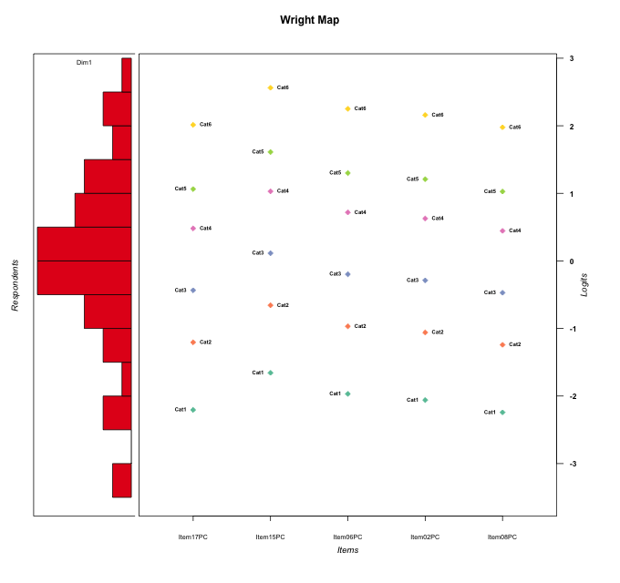
Global information for a measurement model

Information
Number.of.items | Deviance | Log.Likelihood | Number.of.persons | EAP.rel | n.theta.nodes | irt.model
5 | 815.81765804 | -407.90882902 | 51 | 0.89566568306 | 21 | RSM

Global fit statistic MADaQ3 and test fit
MADaQ3 | maxaQ3 | p
0.11315803643 | 0.31639202437 | 0.283774672

Test statistic of global fit based on Chi square
maxX2 | Npairs | p.holm
180.19982084 | 10 | 0

Model fit statistics
X100.MADCOV | SRMR | SRMSR
13.792049596 | 0.043271662803 | 0.054169259525

Chi square tests for every item pairs
index1 | index2 | maxK1 | maxK2 | df | chi2 | p | p.holm
1 | 2 | 6 | 6 | 36 | 69.470571671 | 0.00067504068789 | 0.0027001627515
1 | 3 | 6 | 6 | 36 | 73.347045889 | 0.00023454612014 | 0.0011727306007
1 | 4 | 6 | 6 | 36 | 93.107806556 | 5.9675731812E-07 | 4.1773012268E-06
1 | 5 | 6 | 6 | 36 | 62.647688201 | 0.0038633833611 | 0.011590150083
2 | 3 | 6 | 6 | 36 | 108.94948483 | 2.9090830855E-09 | 2.3272664684E-08
2 | 4 | 6 | 6 | 36 | 138.88300408 | 5.2180482157E-14 | 4.6962433942E-13
2 | 5 | 6 | 6 | 36 | 180.19982084 | 0 | 0
3 | 4 | 6 | 6 | 36 | 29.691460111 | 0.76179349875 | 0.76179349875
3 | 5 | 6 | 6 | 36 | 49.694478598 | 0.064032766115 | 0.12806553223
4 | 5 | 6 | 6 | 36 | 92.528702495 | 7.1929936141E-07 | 4.3157961684E-06

Item residuals
Item17PC | Item15PC | Item06PC | Item02PC | Item08PC
0.65753901266 | -0.62887239913 | 0.96157555346 | -1.1567854559 | 0.61201676449
0.13299321235 | -0.23155378045 | 1.3904763394 | 0.28785227568 | -0.90384317691
-0.18563735791 | 0.33937116606 | 0.01944627096 | -0.063504284959 | 0.78583437645
-1.1092615347 | 0.48500223667 | 0.15639738031 | 0.055614501913 | -0.15117652106
-0.41948935322 | 0.27278954322 | 0.88567713077 | -0.23061969952 | -0.46725976918
0.51800177129 | -1.1119226533 | 0.657471832 | 0.60034027019 | 0.49905427087
0.32876936542 | 0.97258581288 | -0.38735159991 | -1.4955093681 | 0.28424973104
-0.92063696223 | -1.3506021672 | 0.3363310536 | 0.23917938543 | 1.0385905087
2.5805106468 | -0.72721045678 | -1.1143228692 | -1.2306196995 | 0.53274023082
-0.60801032645 | 0.096117453359 | 0.70164783844 | 1.5833782715 | -1.6562333664
-1.2335988706 | 0.44669469317 | 0.066510090515 | 0.95225787006 | -0.28070562996
-1.6712306346 | 1.9725858129 | -1.3873515999 | -0.49550936808 | 1.284249731
-0.79825759278 | -0.083773024813 | -0.48536166478 | -0.6052616012 | 2.1533697608
0.81436264209 | -0.66062883394 | 1.019446271 | -1.063504285 | 0.78583437645
-0.67123063458 | -0.027414187115 | 0.61264840009 | -0.49550936808 | 0.28424973104
-1.2981167513 | -1.684281479 | -0.025553472739 | 1.8707900903 | 0.6590405885
-0.48531974258 | 0.14465857887 | 0.79311066775 | -0.31292755916 | -0.52899910107
1.0154776788 | 0.73645045024 | -0.67077546882 | 0.20848985321 | -1.0325944484
0.25888127503 | 0.45392305416 | 0.33051907402 | 0.30093983429 | 0.24928763959
-0.16454286271 | 1.5566593053 | 1.1464976616 | -0.97382034877 | -1.2117002489
0.14150834987 | 3.797894547 | -1.5691910948 | -0.67937951231 | -1.9038942731
-1.0468469796 | 1.6215635984 | -0.75208495417 | 1.135700639 | -1.0931395541
-0.98452232118 | 0.73645045024 | 1.3292245312 | -1.7915101468 | 0.96740555161
0.58051064678 | -0.72721045678 | -0.11432286923 | 0.76938030048 | -0.46725976918
0.65753901266 | 0.37112760087 | -2.0384244465 | 0.84321454412 | 0.61201676449
0.66251765585 | -1.8855734538 | 0.83580556348 | 0.76524202656 | 0.63871454783
0.22247098304 | -0.48370612962 | -0.63621850949 | -0.68785505052 | 0.19863207103
0.30210953175 | -0.026152793136 | 0.57920052825 | -0.53036208016 | 0.26185261918
1.0154776788 | -0.26354954976 | -0.67077546882 | -0.79151014679 | 0.96740555161
0.22247098304 | -0.48370612962 | -0.63621850949 | -0.68785505052 | 0.19863207103
0.22247098304 | -0.48370612962 | -0.63621850949 | -0.68785505052 | 0.19863207103
0.22247098304 | -0.48370612962 | -0.63621850949 | -0.68785505052 | 0.19863207103
3.0793630378 | -0.35060216716 | -1.6636689464 | -0.76082061457 | -0.96140949131
1.4786076166 | -1.8240617675 | -1.2287655512 | 0.65645888669 | 1.4354246988
0.13299321235 | -0.23155378045 | 1.3904763394 | 0.28785227568 | -0.90384317691
-1.4194893532 | 0.27278954322 | -0.11432286923 | -0.23061969952 | 1.5327402308
-0.85849165013 | 0.79789454698 | -0.56919109482 | 0.32062048769 | 0.096105726865
-1.4853197426 | -1.8553414211 | 0.79311066775 | 3.6870724408 | -1.5289991011
0.66251765585 | 1.1144265462 | -2.1641944365 | 0.76524202656 | 0.63871454783
0.70188324871 | 1.315718521 | -0.025553472739 | -1.1292099097 | -1.3409594115
-0.41948935322 | 0.27278954322 | 0.88567713077 | -0.23061969952 | -0.46725976918
-0.85849165013 | -0.20210545302 | 0.43080890518 | 0.32062048769 | 0.096105726865
0.22247098304 | -0.48370612962 | -0.63621850949 | -0.68785505052 | 0.19863207103
-0.79825759278 | -0.083773024813 | 0.51463833522 | 0.3947383988 | 0.15336976075
-0.33748234415 | 0.11442654623 | 0.83580556348 | 0.76524202656 | -0.36128545217
-0.23359887057 | -0.55330530683 | 1.0665100905 | 0.95225787006 | -1.28070563
0.66251765585 | 1.1144265462 | -0.16419443652 | -0.23475797344 | -0.36128545217
0.20174240722 | 0.91622697519 | -0.48536166478 | 0.3947383988 | -0.84663023925
-0.15679850645 | 0.2528030637 | 0.036045082599 | -1.0352899531 | -0.18860744062
0.58051064678 | -1.7272104568 | 0.88567713077 | 0.76938030048 | -0.46725976918
-0.10926153471 | -1.5149977633 | 0.15639738031 | 0.055614501913 | 0.84882347894

Wright Map for Item Response Models

Estimate-Items
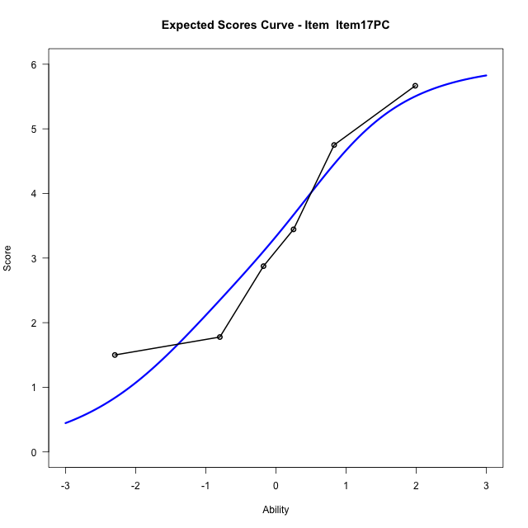
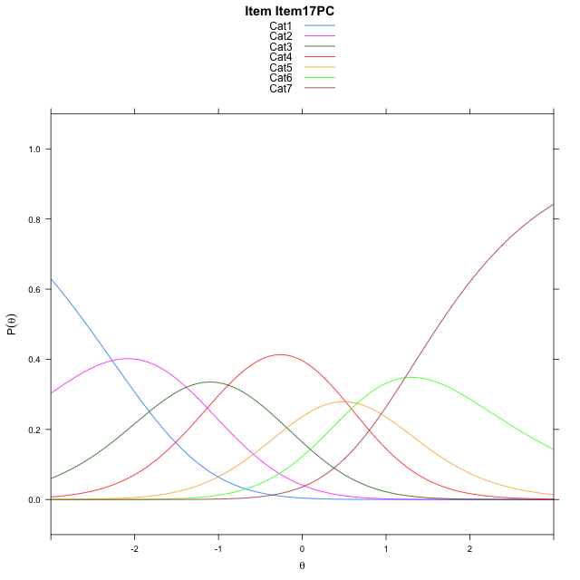
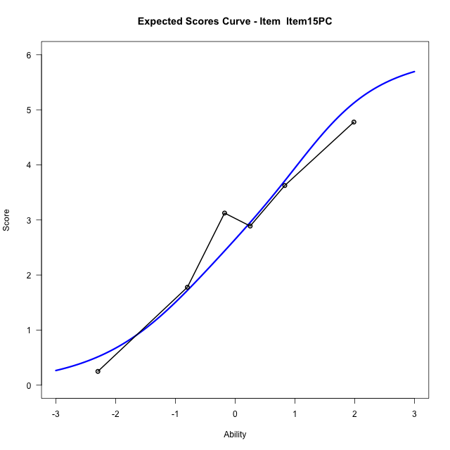
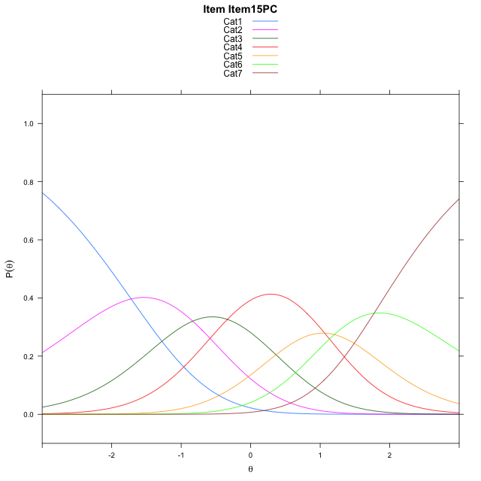
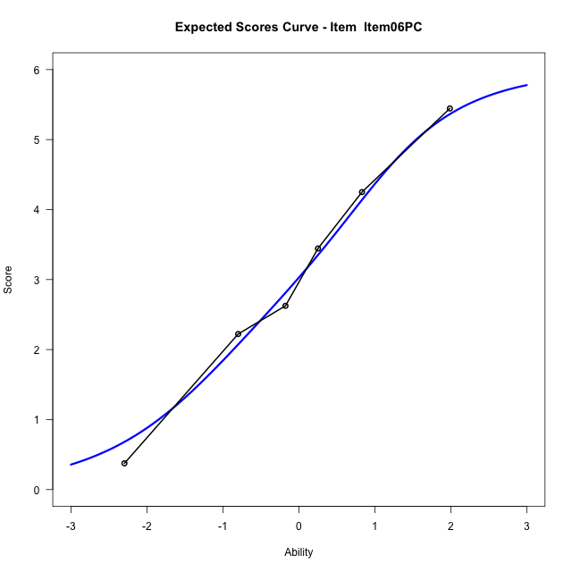
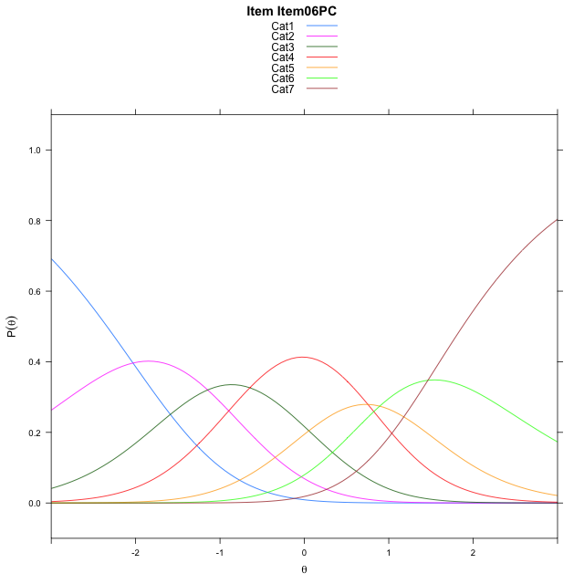
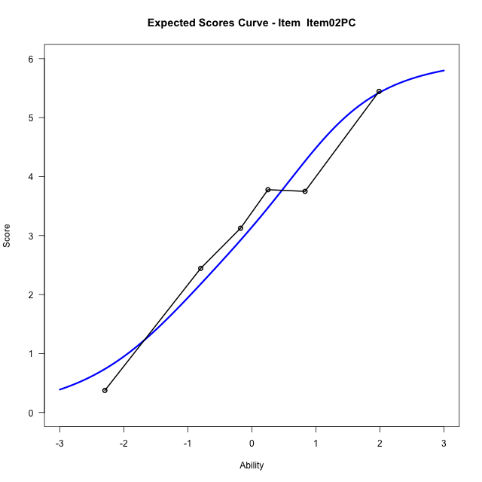
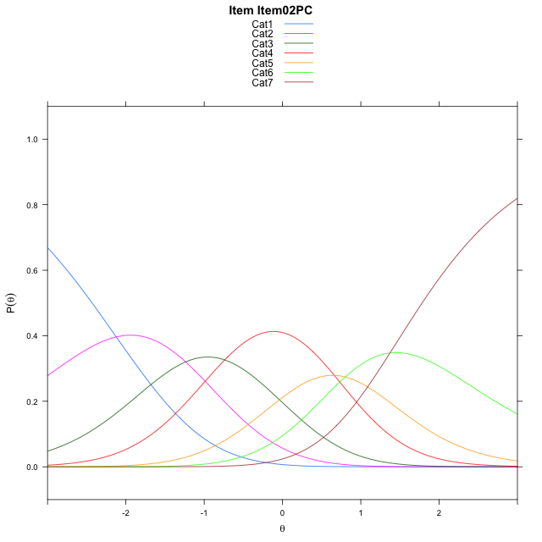
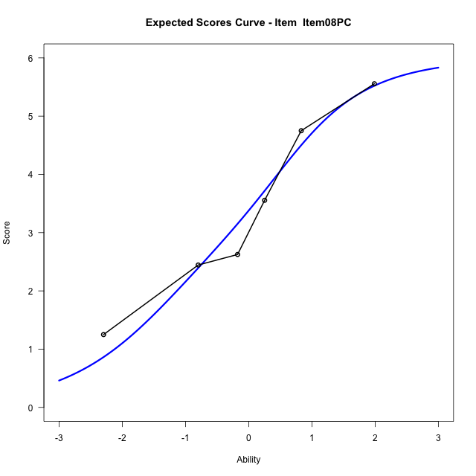
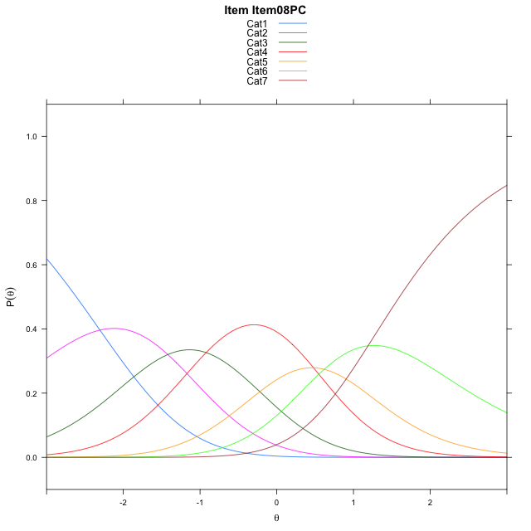
Estimate items information for the measurement model

Full Item Information
item | N | M | xsi.item | AXsi_.Cat1 | AXsi_.Cat2 | AXsi_.Cat3 | AXsi_.Cat4 | AXsi_.Cat5 | AXsi_.Cat6 | B.Cat1.Dim1 | B.Cat2.Dim1 | B.Cat3.Dim1 | B.Cat4.Dim1 | B.Cat5.Dim1 | B.Cat6.Dim1
Item17PC | 51 | 3.3529411765 | -0.35626176977 | -2.2683798633 | -3.6515410365 | -4.5353569699 | -4.0197431023 | -3.364518204 | -2.1375706186 | 1 | 2 | 3 | 4 | 5 | 6
Item15PC | 51 | 2.7647058824 | 0.19219535847 | -1.7199227351 | -2.5546267801 | -2.8899855852 | -1.8259145893 | -0.62223256287 | 1.1531721508 | 1 | 2 | 3 | 4 | 5 | 6
Item06PC | 51 | 3.0980392157 | -0.11902716023 | -2.0311452538 | -3.1770718175 | -3.8236531413 | -3.0708046642 | -2.1783451564 | -0.71416296141 | 1 | 2 | 3 | 4 | 5 | 6
Item02PC | 51 | 3.1960784314 | -0.21020049926 | -2.1223185928 | -3.3594184955 | -4.0971731584 | -3.4354980203 | -2.6342118515 | -1.2612029956 | 1 | 2 | 3 | 4 | 5 | 6
Item08PC | 51 | 3.3921568627 | -0.39286621655 | -2.3049843101 | -3.7247499301 | -4.6451703102 | -4.1661608894 | -3.5475404379 | -2.3571972993 | 1 | 2 | 3 | 4 | 5 | 6

Thurstonian Thresholds (category-wise)
 | Cat1 | Cat2 | Cat3 | Cat4 | Cat5 | Cat6
Item17PC | -2.5771179199 | -1.4916687012 | -0.71823120117 | 0.22073364258 | 0.7995300293 | 1.6368713379
Item15PC | -2.0285339355 | -0.9430847168 | -0.16983032227 | 0.76931762695 | 1.3481140137 | 2.1854553223
Item06PC | -2.3398132324 | -1.2543640137 | -0.48092651367 | 0.45803833008 | 1.0368347168 | 1.8741760254
Item02PC | -2.4309997559 | -1.3455505371 | -0.57211303711 | 0.36685180664 | 0.94564819336 | 1.782989502
Item08PC | -2.6137390137 | -1.5282897949 | -0.75485229492 | 0.18411254883 | 0.76290893555 | 1.6002502441

Thurstonian Thresholds (item-wise)
 | Threshold
Item17PC | -0.266776117
Item15PC | 0.28130393093
Item06PC | -0.023416274027
Item02PC | -0.11757863334
Item08PC | -0.30369530856

Item Infit/Outfit Statistic
parameter | Outfit | Outfit_t | Outfit_p | Outfit_pholm | Infit | Infit_t | Infit_p | Infit_pholm
Item17PC | 0.95746736195 | -0.16017112048 | 0.87274627817 | 1 | 1.0137994356 | 0.11061425056 | 0.91192224653 | 1
Item15PC | 1.255729931 | 1.1789723415 | 0.2384091895 | 1 | 1.2359393115 | 1.1527846753 | 0.24899877595 | 1
Item06PC | 0.97034846529 | -0.11857374426 | 0.90561306762 | 1 | 0.92337322195 | -0.35182097177 | 0.72497252965 | 1
Item02PC | 0.98720707887 | -0.028431820544 | 0.97731774533 | 1 | 1.002336759 | 0.045453901188 | 0.96374551841 | 1
Item08PC | 0.86925465923 | -0.60135680841 | 0.54760235986 | 1 | 0.9066402286 | -0.44570257435 | 0.65581210476 | 1
Cat1 | 1.259450586 | 0.56750470028 | 0.57037133411 | 1 | 1.2361980786 | 2.0663931794 | 0.038791369436 | 0.23274821662
Cat2 | 1.5618489251 | 0.93974308336 | 0.34734936008 | 1 | 1.6575939593 | 6.4048559089 | 1.5051145787E-10 | 1.3546031209E-09
Cat3 | 1.2819421548 | 0.72106194871 | 0.47087140109 | 1 | 1.4044875328 | 5.9072913656 | 3.4777834544E-09 | 2.7822267635E-08
Cat4 | 1.4059566595 | 4.3023462314 | 1.6899895219E-05 | 0.00015209905697 | 1.4628079449 | 6.819356515 | 9.1449199152E-12 | 9.1449199152E-11
Cat5 | 2.9306317791 | 49.489990035 | 0 | 0 | 1.6412677979 | 4.8493453851 | 1.2386957718E-06 | 8.6708704024E-06

Box plot of expected curves

