Global-info
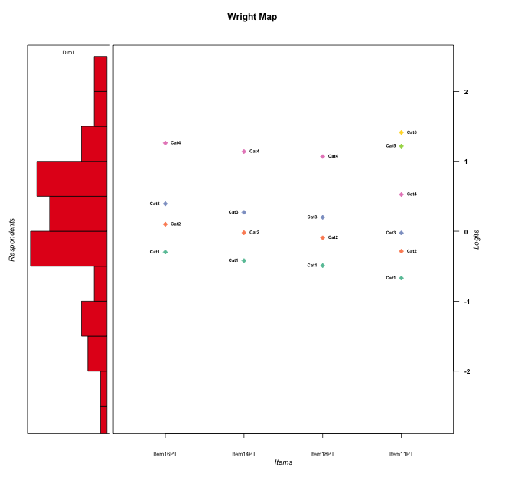
Global information for a measurement model

Information
Number.of.items | Deviance | Log.Likelihood | Number.of.persons | EAP.rel | n.theta.nodes | irt.model
4 | 582.44513307 | -291.22256653 | 51 | 0.81711387306 | 21 | RSM

Global fit statistic MADaQ3 and test fit
MADaQ3 | maxaQ3 | p
0.33766759876 | 0.49962917998 | 0.0032226556059

Test statistic of global fit based on Chi square
maxX2 | Npairs | p.holm
64.854733033 | 6 | 7.6704127479E-05

Model fit statistics
X100.MADCOV | SRMR | SRMSR
58.263143319 | 0.18687378952 | 0.18873619559

Chi square tests for every item pairs
index1 | index2 | maxK1 | maxK2 | df | chi2 | p | p.holm
1 | 2 | 4 | 4 | 16 | 26.399998678 | 0.048653392263 | 0.14596017679
1 | 3 | 4 | 4 | 16 | 14.690235035 | 0.54743235191 | 0.54743235191
1 | 4 | 4 | 6 | 24 | 61.313305625 | 4.158452704E-05 | 0.0002079226352
2 | 3 | 4 | 4 | 16 | 21.510103125 | 0.15972558511 | 0.31945117021
2 | 4 | 4 | 6 | 24 | 64.854733033 | 1.2784021246E-05 | 7.6704127479E-05
3 | 4 | 4 | 6 | 24 | 56.796188683 | 0.00017838119003 | 0.00071352476011

Item residuals
Item16PT | Item14PT | Item18PT | Item11PT
0.33650928353 | 0.29395585152 | 0.27194798537 | 0.55414503163
-1.2742449718 | -1.4628648978 | -1.5776132427 | 4.0107768089
0.28530917209 | 0.15844702467 | -0.92346701988 | -0.18380506561
1.2408798374 | 0.082849111812 | 0.9983260849 | -1.8869120494
1.2408798374 | 0.082849111812 | 0.9983260849 | -1.8869120494
-0.26615889207 | -0.3132849181 | -0.344668995 | -0.43967436944
1.0324940752 | -0.10302476236 | 0.82560535821 | -1.1871160579
-0.40167226022 | -0.47455526648 | 0.47723864462 | -0.67068396666
-2.0954607849 | 0.69668743789 | 1.5794888547 | -0.041375463194
-0.16252464491 | -0.27401892523 | 0.66792521518 | 0.50172218112
-0.31192235091 | 0.49231897745 | 0.38378344804 | -0.30875505585
0.24087983737 | 0.082849111812 | 0.9983260849 | -0.88691204943
-0.34548180303 | 0.56763575926 | -0.47730214318 | 1.1791720505
-0.26615889207 | -0.3132849181 | -0.344668995 | -0.43967436944
-0.88575807306 | -1.0362554867 | -0.13182196207 | 1.5555310084
1.0324940752 | 0.89697523764 | 0.82560535821 | -2.1871160579
-0.26615889207 | -0.3132849181 | -0.344668995 | -0.43967436944
0.24087983737 | 0.082849111812 | -0.0016739151041 | 0.11308795057
-1.4849886215 | -1.6875403078 | -0.80803355122 | 3.7312238185
-0.09546078487 | -0.30331256211 | 1.5794888547 | -1.0413754632
0.24087983737 | 0.082849111812 | -0.0016739151041 | 0.11308795057
-0.89173285348 | 0.89508055648 | -0.22709035726 | 0.21118423595
0.83747535509 | 0.72598107477 | -0.33207478482 | -0.49827781888
-0.69153830885 | 0.097235190685 | 0.97406888725 | -0.53593374854
-0.09546078487 | -0.30331256211 | -0.42051114531 | 0.95862453681
2.1082671465 | -1.1049194435 | -2.2270903573 | 1.211184236
0.33650928353 | 0.29395585152 | 0.27194798537 | 0.55414503163
-0.69153830885 | 0.097235190685 | -0.02593111275 | 0.46406625146
-0.071626685346 | -0.24265540751 | -0.3490828507 | 0.28847187682
-0.40167226022 | 0.52544473352 | -0.52276135538 | -0.67068396666
0.33650928353 | 0.29395585152 | 0.27194798537 | 0.55414503163
1.6880776491 | -2.5076810226 | 1.383783448 | -0.30875505585
-2.5375432403 | 1.2839473502 | 0.18674540339 | 1.4068695676
-1.2742449718 | -1.4628648978 | -1.5776132427 | 4.0107768089
-0.26615889207 | -0.3132849181 | -0.344668995 | -0.43967436944
-0.26615889207 | -0.3132849181 | -0.344668995 | -0.43967436944
1.4624567597 | 0.2839473502 | 0.18674540339 | -1.5931304324
-0.26615889207 | -0.3132849181 | -0.344668995 | -0.43967436944
-0.26615889207 | -0.3132849181 | -0.344668995 | -0.43967436944
-0.89173285348 | 0.89508055648 | 1.7729096427 | -1.788815764
0.90453921513 | 0.69668743789 | -1.4205111453 | -0.041375463194
0.83747535509 | -0.27401892523 | 0.66792521518 | -0.49827781888
0.33650928353 | 0.29395585152 | 0.27194798537 | 0.55414503163
0.68807764909 | 1.4923189774 | -0.61621655196 | -1.3087550559
-0.09546078487 | -1.3033125621 | -1.4205111453 | 2.9586245368
0.46245675975 | 1.2839473502 | 1.1867454034 | -2.5931304324
-0.26615889207 | -0.3132849181 | -0.344668995 | -0.43967436944
-0.4849886215 | -0.68754030777 | -0.80803355122 | 1.7312238185
-0.071626685346 | 1.7573445925 | -0.3490828507 | -1.7115281232
0.83747535509 | 0.72598107477 | -0.33207478482 | -0.49827781888
0.65451819697 | 0.56763575926 | 0.52269785682 | -0.82082794947

Wright Map for Item Response Models

Estimate-Items
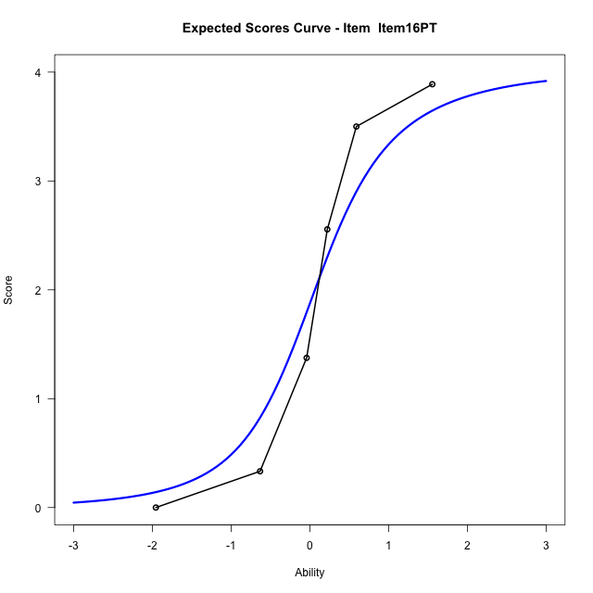
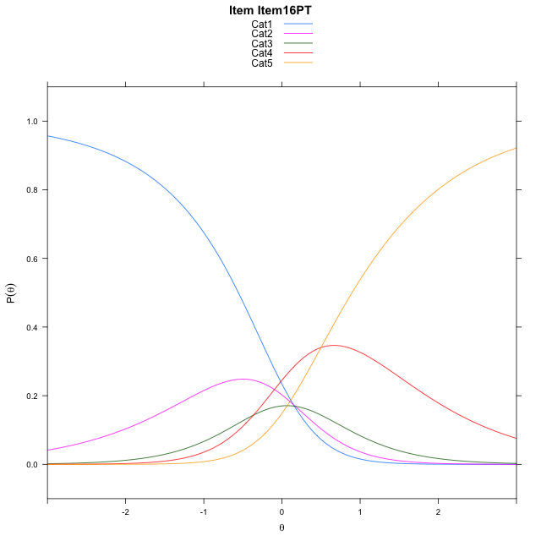
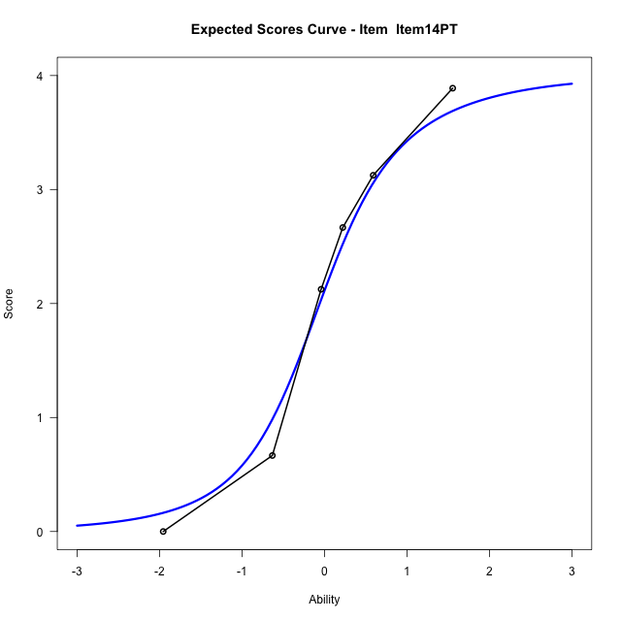
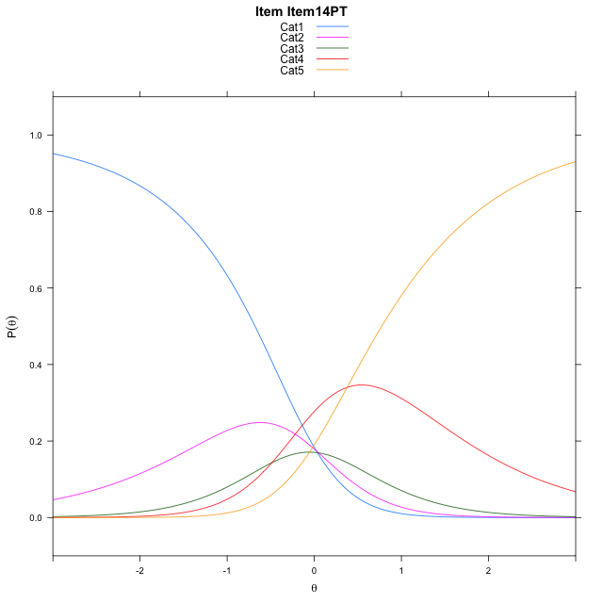
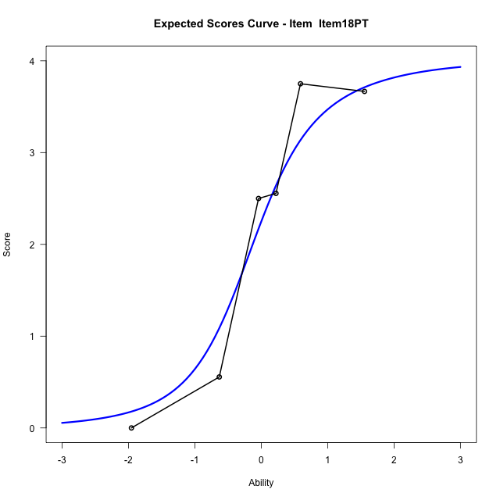
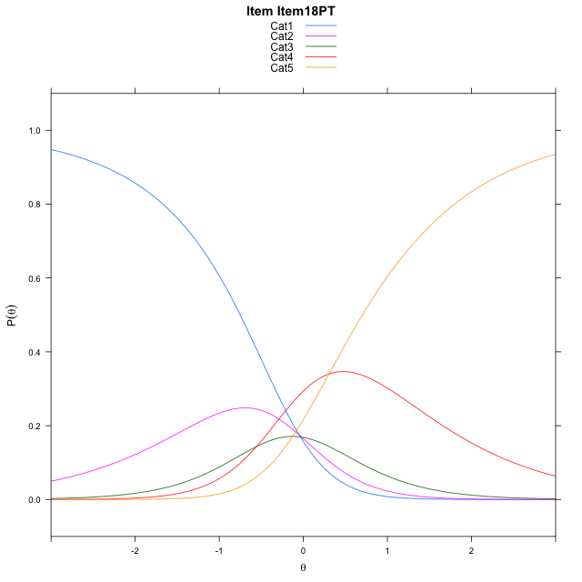
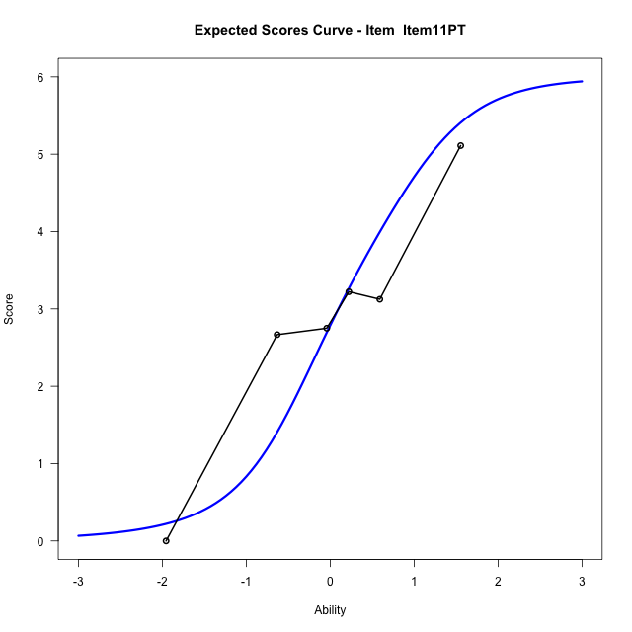
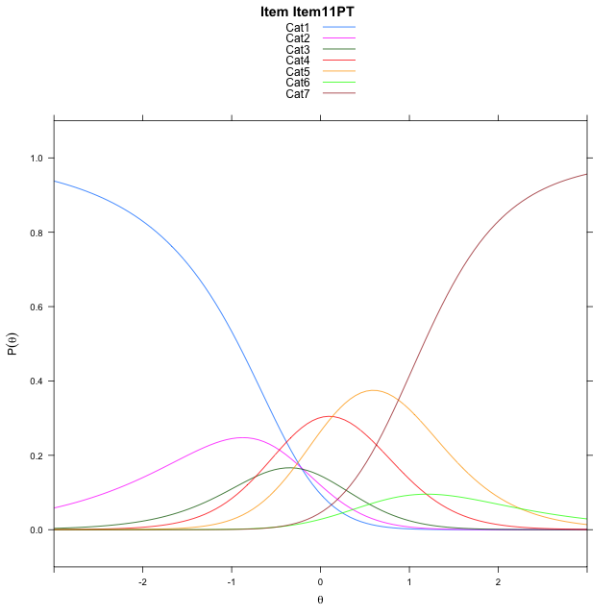
Estimate items information for the measurement model

Full Item Information
item | N | M | xsi.item | AXsi_.Cat1 | AXsi_.Cat2 | AXsi_.Cat3 | AXsi_.Cat4 | AXsi_.Cat5 | AXsi_.Cat6 | B.Cat1.Dim1 | B.Cat2.Dim1 | B.Cat3.Dim1 | B.Cat4.Dim1 | B.Cat5.Dim1 | B.Cat6.Dim1
Item16PT | 51 | 1.9607843137 | 0.11278816302 | 0.14460441926 | 0.31601685623 | -0.048330635347 | 0.4511526521 |  |  | 1 | 2 | 3 | 4 | 0 | 0
Item14PT | 51 | 2.0980392157 | -0.0094284147373 | 0.022387841501 | 0.071583700708 | -0.41498036863 | -0.037713658949 |  |  | 1 | 2 | 3 | 4 | 0 | 0
Item18PT | 51 | 2.1764705882 | -0.080566248416 | -0.048749992179 | -0.070691966651 | -0.62839386967 | -0.32226499367 |  |  | 1 | 2 | 3 | 4 | 0 | 0
Item11PT | 51 | 2.862745098 | 0.12258488904 | -0.22234084862 | -0.41787367954 | -1.149166439 | -1.0166284194 | 1.2315473239 | 0.73550933423 | 1 | 2 | 3 | 4 | 5 | 6

Thurstonian Thresholds (category-wise)
 | Cat1 | Cat2 | Cat3 | Cat4 | Cat5 | Cat6
Item16PT | -0.55746459961 | -0.10409545898 | 0.17623901367 | 0.89566040039
Item14PT | -0.67977905273 | -0.22622680664 | 0.054107666016 | 0.77352905273
Item18PT | -0.75082397461 | -0.29745483398 | -0.017120361328 | 0.70230102539
Item11PT | -0.92715454102 | -0.48330688477 | -0.22274780273 | 0.29434204102 | 0.98721313477 | 1.1606140137

Thurstonian Thresholds (item-wise)
 | Threshold
Item16PT | 0.072909710158
Item14PT | -0.062225553856
Item18PT | -0.13409371406
Item11PT | 0.10451039845

Item Infit/Outfit Statistic
parameter | Outfit | Outfit_t | Outfit_p | Outfit_pholm | Infit | Infit_t | Infit_p | Infit_pholm
Item16PT | 0.75135467243 | -0.82183272933 | 0.41117210345 | 1 | 0.90701133573 | -0.46794219244 | 0.63982592967 | 1
Item14PT | 0.69911159346 | -1.0540546657 | 0.29185789004 | 1 | 0.78246442175 | -1.1591491669 | 0.24639538764 | 1
Item18PT | 0.72820530887 | -0.92745025783 | 0.35369280681 | 1 | 0.8543341689 | -0.71868378641 | 0.47233577547 | 1
Item11PT | 1.4773858696 | 1.567187813 | 0.11707079822 | 0.70242478929 | 1.5869575839 | 2.4897909428 | 0.012781825476 | 0.076690952856
Cat1 | 1.4872917746 | 5.449496502 | 5.0512616715E-08 | 3.53588317E-07 | 1.7960550334 | 6.2538100761 | 4.0055809268E-10 | 3.6050228341E-09
Cat2 | 1.249712436 | 1.2360216713 | 0.21645050832 | 1 | 1.5604416919 | 5.1256922445 | 2.9644650359E-07 | 2.3715720287E-06
Cat3 | 1.0500910788 | 1.2013123267 | 0.2296300706 | 1 | 1.316018802 | 3.4977715847 | 0.00046916276084 | 0.0032841393259
Cat4 | 0.82733759583 | 6.5086457089 | 7.5831333143E-11 | 6.0665066514E-10 | 1.0126041271 | 0.065643808525 | 0.94766141015 | 1
Cat5 | 0.77723865656 |  |  |  | 1.0060221238 | 0.21591217435 | 0.82905620716 | 1

Box plot of expected curves

