Global-info
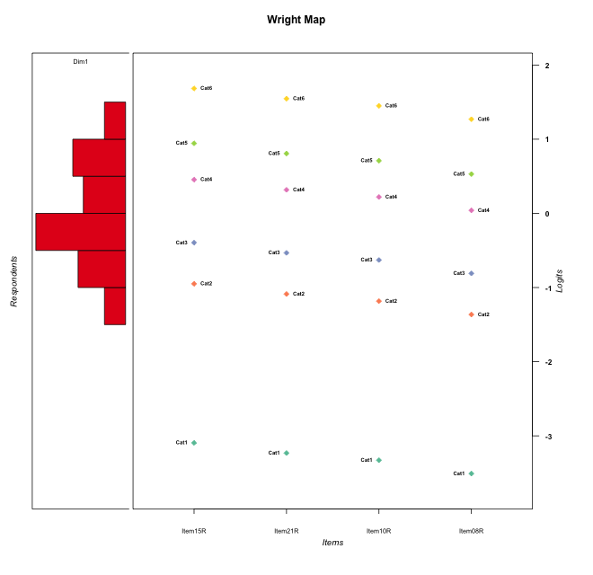
Global information for a measurement model

Information
Number.of.items | Deviance | Log.Likelihood | Number.of.persons | EAP.rel | n.theta.nodes | irt.model
4 | 685.90378383 | -342.95189191 | 52 | 0.69097548107 | 21 | RSM

Global fit statistic MADaQ3 and test fit
MADaQ3 | maxaQ3 | p
0.072019674563 | 0.17633829695 | 1

Test statistic of global fit based on Chi square
maxX2 | Npairs | p.holm
110.34528586 | 6 | 1.0727106536E-08

Model fit statistics
X100.MADCOV | SRMR | SRMSR
11.947974662 | 0.050069084762 | 0.065551437114

Chi square tests for every item pairs
index1 | index2 | maxK1 | maxK2 | df | chi2 | p | p.holm
1 | 2 | 6 | 6 | 36 | 39.274259301 | 0.32532681238 | 0.87992250627
1 | 3 | 6 | 6 | 36 | 45.177209437 | 0.14042682721 | 0.70213413606
1 | 4 | 6 | 6 | 36 | 110.34528586 | 1.7878510894E-09 | 1.0727106536E-08
2 | 3 | 6 | 6 | 36 | 44.508604249 | 0.15616272413 | 0.70213413606
2 | 4 | 6 | 6 | 36 | 40.098340802 | 0.29330750209 | 0.87992250627
3 | 4 | 6 | 6 | 36 | 21.078408058 | 0.9774339538 | 0.9774339538

Item residuals
Item15R | Item21R | Item10R | Item08R
-0.96830195449 | 1.8271687557 | 0.68780294772 | -0.56140954928
1.221906842 | 1.0148456217 | 0.87201878685 | -2.3875003377
0.49072596942 | 0.30972416545 | 0.19084049463 | 0.98747094104
-0.25705815586 | -0.42564179912 | -0.54832605253 | -0.78802145057
-0.57053118082 | -1.7540534649 | 1.113580626 | -0.14228683799
-0.50927403058 | 0.30972416545 | 1.1908404946 | 0.98747094104
0.091796691215 | -0.10411296107 | -0.24432244876 | -0.51228296739
-1.5705311808 | 0.24594653509 | 0.11358062595 | -0.14228683799
1.221906842 | -0.98515437834 | -0.12798121315 | 0.61249966233
-0.2508720147 | 1.5442990253 | -0.60088432056 | -0.87442907435
-1.2570581559 | -0.42564179912 | -0.54832605253 | 0.21197854943
2.5824193468 | -0.62469373631 | -0.77048023949 | -1.0425661858
1.4294688192 | -0.75405346491 | 0.11358062595 | -2.142286838
2.0316980455 | -0.1728312443 | -2.3121970523 | 1.4385904507
1.3072617925 | 0.14065311031 | 1.0326935261 | -0.1493553093
-2.7351824479 | -1.9251524756 | 0.93835656583 | 2.6759504758
-0.41326752568 | -0.58975483622 | -0.71757670447 | 0.034040120499
0.91775194138 | 0.71673712996 | 0.57349878259 | -2.6984529511
-1.2508720147 | 2.5442990253 | -0.60088432056 | -0.87442907435
1.1241280201 | 0.97432913605 | -0.1213643911 | 0.71961338175
1.4079588143 | -1.7998984562 | 2.0551184326 | -1.2122123417
-0.77809315798 | 1.0148456217 | -0.12798121315 | 0.61249966233
-0.2508720147 | -0.45570097469 | -0.60088432056 | 1.1255709257
0.22190684202 | 0.014845621656 | -0.12798121315 | 0.61249966233
-1.5705311808 | 0.24594653509 | 1.113580626 | -1.142286838
0.7491279853 | 0.54429902531 | -1.6008843206 | 0.12557092565
-0.90820330879 | -0.10411296107 | -0.24432244876 | 0.48771703261
-0.08224805862 | 2.71673713 | -2.4265012174 | -0.69845295107
-0.41758065322 | 0.37530626369 | 0.22951976051 | -0.04256618579
0.42946881918 | -0.75405346491 | -1.886419374 | 0.85771316201
-0.08224805862 | -0.28326287004 | -2.4265012174 | 2.3015470489
1.053744174 | -1.0964752537 | -1.2070392937 | -1.4256780227
1.1241280201 | -0.025670863953 | 0.8786356089 | 0.71961338175
-1.4132675257 | -0.58975483622 | -0.71757670447 | 1.0340401205
-1.5092740306 | 1.3097241654 | 1.1908404946 | 0.98747094104
-0.33062111456 | 0.4772719318 | 1.3495107855 | 0.12785920954
0.40795881427 | 0.2001015438 | 0.055118432554 | -0.21221234172
0.7491279853 | 0.54429902531 | -0.60088432056 | -0.87442907435
0.42946881918 | -0.75405346491 | 0.11358062595 | -1.142286838
-1.5092740306 | 1.3097241654 | 1.1908404946 | 0.98747094104
-0.94625582599 | -1.0964752537 | 0.79296070628 | -1.4256780227
0.40795881427 | 1.2001015438 | 0.055118432554 | -1.2122123417
-0.2508720147 | -0.45570097469 | 0.39911567944 | 0.12557092565
1.9177519414 | -0.28326287004 | -0.42650121741 | -1.6984529511
-0.59204118573 | -0.7998984562 | 1.0551184326 | 0.78778765828
-0.41758065322 | -2.6246937363 | 1.2295197605 | 1.9574338142
0.58241934678 | 0.37530626369 | -0.77048023949 | -0.04256618579
-0.2508720147 | -0.45570097469 | -0.60088432056 | 1.1255709257
-1.1527284868 | 0.64749676734 | 0.5130275075 | 1.2763073379
0.84727151317 | -1.3525032327 | 1.5130275075 | 0.27630733792
-0.2508720147 | -0.45570097469 | -0.60088432056 | 1.1255709257
-0.2508720147 | 0.54429902531 | 0.39911567944 | -0.87442907435

Wright Map for Item Response Models

Estimate-Items
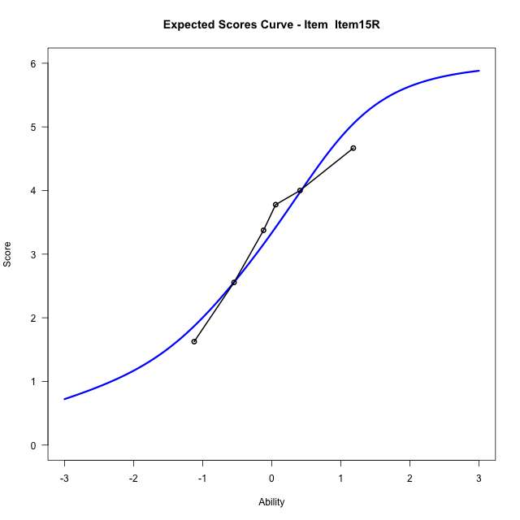
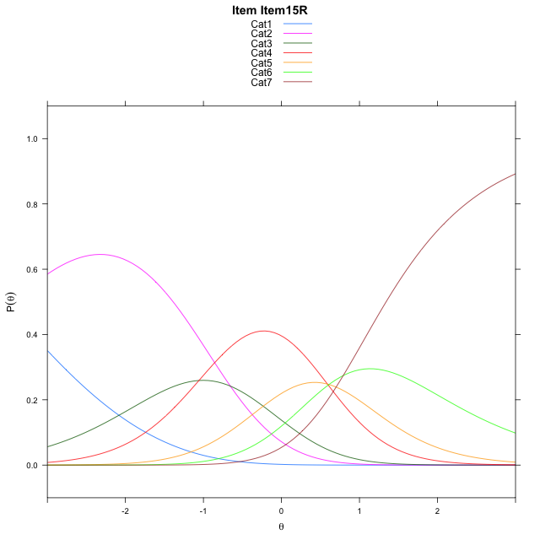
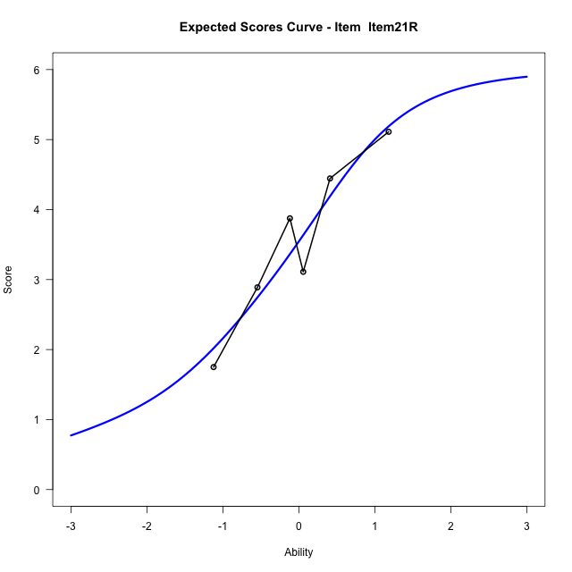
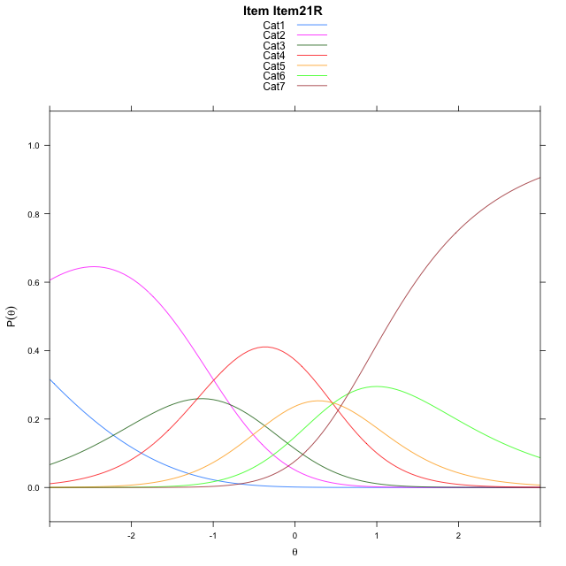
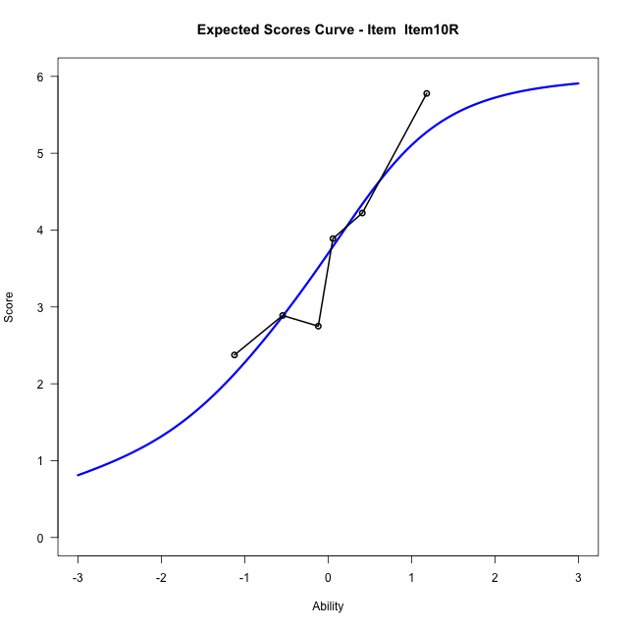
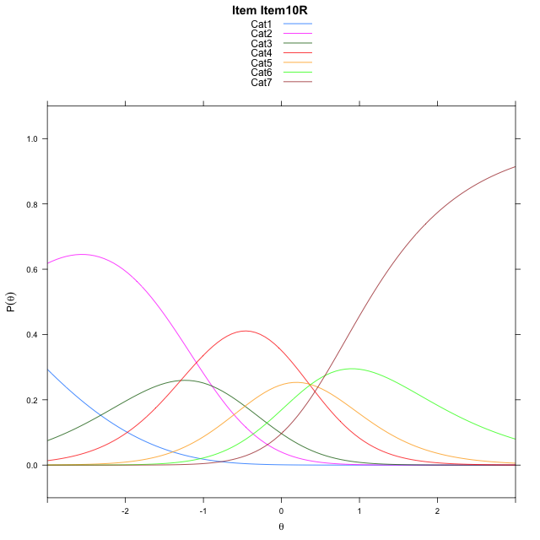
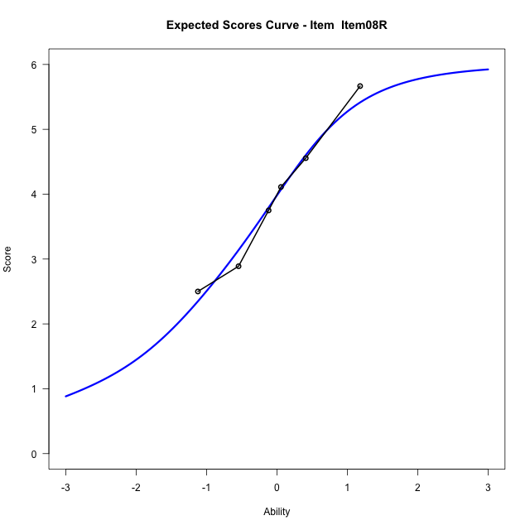
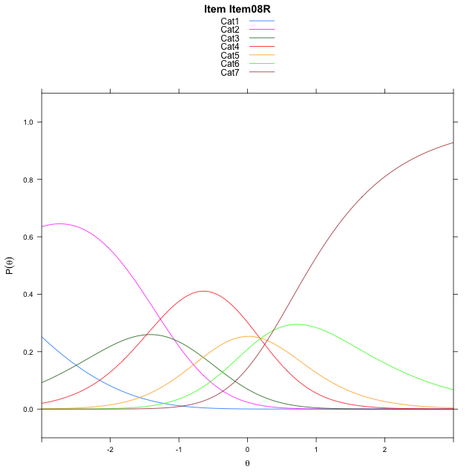
Estimate items information for the measurement model

Full Item Information
item | N | M | xsi.item | AXsi_.Cat1 | AXsi_.Cat2 | AXsi_.Cat3 | AXsi_.Cat4 | AXsi_.Cat5 | AXsi_.Cat6 | B.Cat1.Dim1 | B.Cat2.Dim1 | B.Cat3.Dim1 | B.Cat4.Dim1 | B.Cat5.Dim1 | B.Cat6.Dim1
Item15R | 52 | 3.3653846154 | -0.53870983233 | -3.5109339674 | -4.1658046465 | -5.2229823964 | -4.6337162187 | -4.024430853 | -3.232258994 | 1 | 2 | 3 | 4 | 5 | 6
Item21R | 52 | 3.5576923077 | -0.67650084542 | -3.6487249805 | -4.4413866727 | -5.6363554357 | -5.1848802711 | -4.7133859184 | -4.0590050725 | 1 | 2 | 3 | 4 | 5 | 6
Item10R | 52 | 3.6923076923 | -0.77276925667 | -3.7449933918 | -4.6339234952 | -5.9251606694 | -5.5699539161 | -5.1947279747 | -4.63661554 | 1 | 2 | 3 | 4 | 5 | 6
Item08R | 52 | 3.9423076923 | -0.95293058378 | -3.9251547189 | -4.9942461494 | -6.4656446507 | -6.2905992245 | -6.0955346102 | -5.7175835027 | 1 | 2 | 3 | 4 | 5 | 6

Thurstonian Thresholds (category-wise)
 | Cat1 | Cat2 | Cat3 | Cat4 | Cat5 | Cat6
Item15R | -3.5680847168 | -1.2428283691 | -0.65963745117 | 0.2112121582 | 0.69918823242 | 1.3409729004
Item21R | -3.7059631348 | -1.3807067871 | -0.79751586914 | 0.073333740234 | 0.56149291992 | 1.2030944824
Item10R | -3.8022766113 | -1.4770202637 | -0.8938293457 | -0.022979736328 | 0.46517944336 | 1.1067810059
Item08R | -3.9824523926 | -1.6571960449 | -1.074005127 | -0.20315551758 | 0.28500366211 | 0.92660522461

Thurstonian Thresholds (item-wise)
 | Threshold
Item15R | -0.2365742923
Item21R | -0.37385359573
Item10R | -0.4671506167
Item08R | -0.64323858114

Item Infit/Outfit Statistic
parameter | Outfit | Outfit_t | Outfit_p | Outfit_pholm | Infit | Infit_t | Infit_p | Infit_pholm
Item15R | 1.0287590896 | 0.18344406018 | 0.85444960735 | 1 | 0.99768854877 | 0.023863066904 | 0.98096183423 | 1
Item21R | 0.93175679596 | -0.34406506117 | 0.73079735773 | 1 | 0.95252015572 | -0.22775992131 | 0.81983288595 | 1
Item10R | 0.913540804 | -0.4492640417 | 0.65324119403 | 1 | 0.91955184822 | -0.42038956831 | 0.67420088746 | 1
Item08R | 1.1009437511 | 0.56767752331 | 0.57025395641 | 1 | 1.1247963378 | 0.70714765297 | 0.47947472511 | 1
Cat1 | 1.4183243265 | 0.68148772814 | 0.49556292923 | 1 | 1.2314675491 | 1.5721058536 | 0.11592600421 | 0.69555602525
Cat2 | 1.3202081949 | 0.78196764135 | 0.43423359073 | 1 | 1.3167625151 | 3.0518058446 | 0.0022746918162 | 0.015922842713
Cat3 | 1.2767683507 | 1.0625263119 | 0.28799681957 | 1 | 1.2753869983 | 4.2780358963 | 1.8854962053E-05 | 0.00015083969642
Cat4 | 1.3138396411 | 0.9013362998 | 0.36740953904 | 1 | 1.3466120558 | 6.5297878795 | 6.5862902896E-11 | 5.9276612606E-10
Cat5 | 0.99512322317 | 0.34111782183 | 0.73301488513 | 1 | 1.1111131707 | 0.90465392224 | 0.36564875907 | 1

Box plot of expected curves

