Assumptions
ANOVA assumptions for Difference in Scores (Posttest-Pretest) - Cond. Structures

Shapiro-Wilk normality test for Difference in Scores (Posttest-Pretest) - Cond. Structures
W | p.value
0.95651826035 | 0.078269793014

Plots for normality test
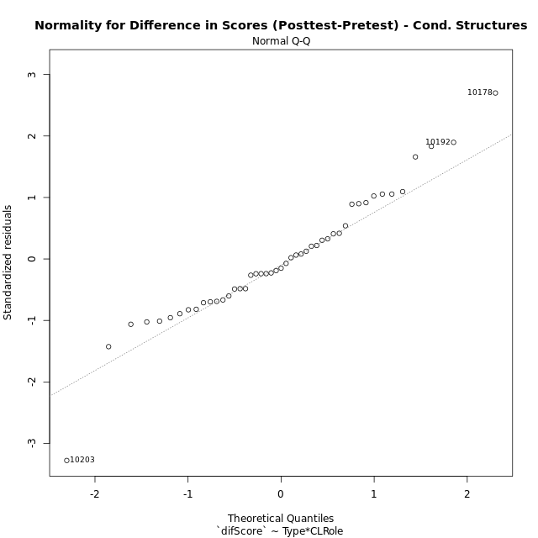

Levene's Test for Homogeneity of Variance in Difference in Scores (Posttest-Pretest) - Cond. Structures
Df | F value | Pr(>F)
3 | 1.591246884 | 0.20539070193
43

Plots for homogeneity of variance
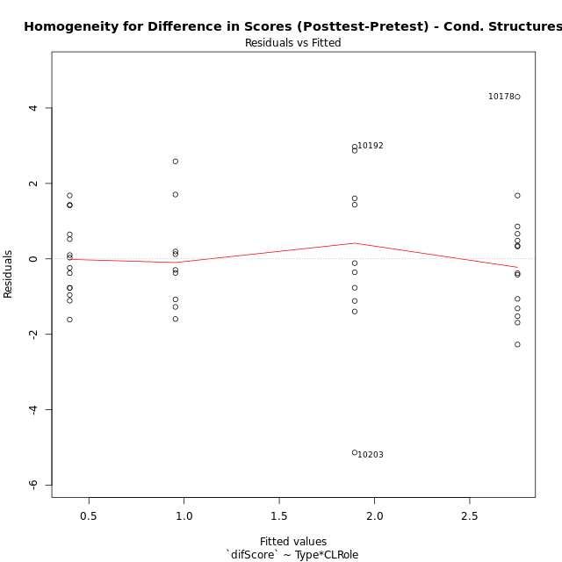

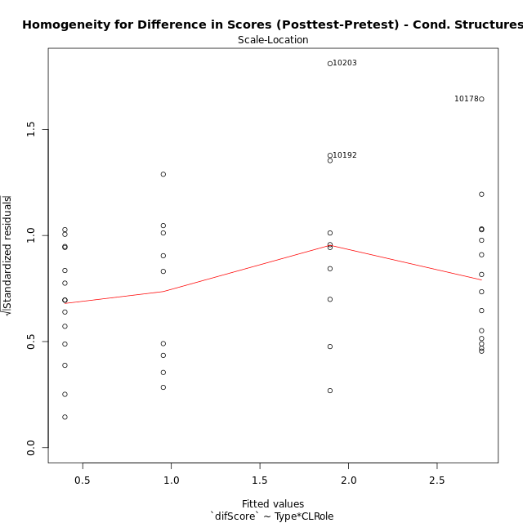

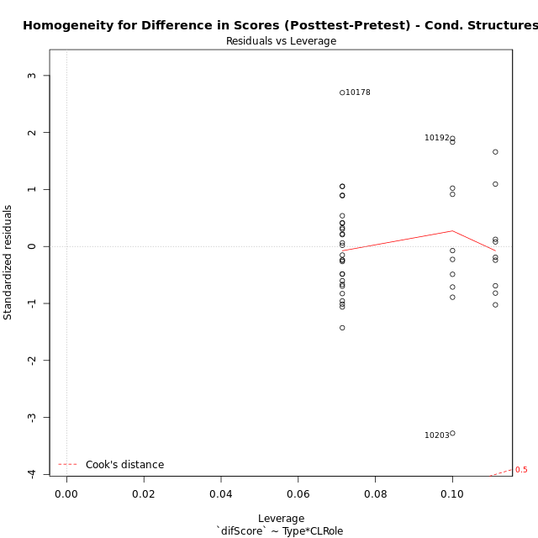

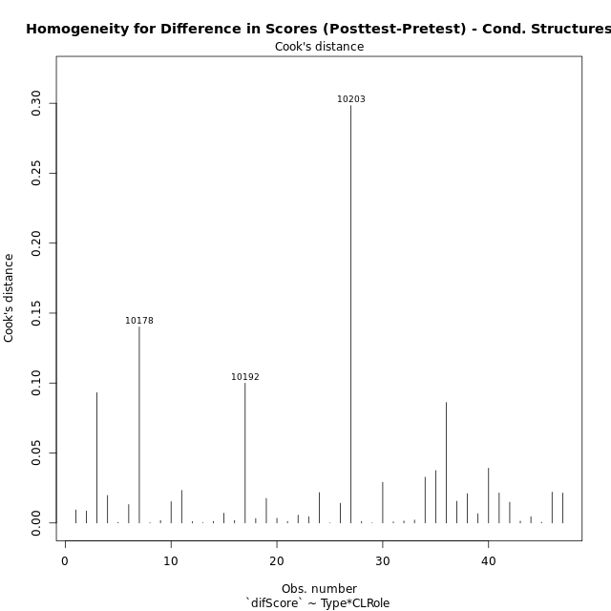

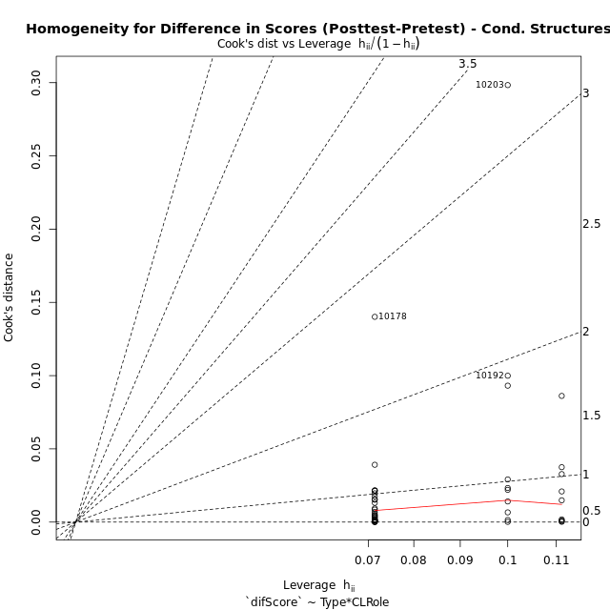

Minimum Sample Size Test for Difference in Scores (Posttest-Pretest) - Cond. Structures
Type | CLRole | Freq
non-gamified | Apprentice | 10
ont-gamified | Apprentice | 14
non-gamified | Master | 9
ont-gamified | Master | 14

Errors and Warnings in Sample Size Test for ANOVA in Difference in Scores (Posttest-Pretest) - Cond. Structures
code | description
WARN: sample.size | current size is 10 and recommended size is 15 for the group: 'non-gamified:Apprentice'.
WARN: sample.size | current size is 14 and recommended size is 15 for the group: 'ont-gamified:Apprentice'.
WARN: sample.size | current size is 9 and recommended size is 15 for the group: 'non-gamified:Master'.
WARN: sample.size | current size is 14 and recommended size is 15 for the group: 'ont-gamified:Master'.

For the group: 'non-gamified:Apprentice', we recommend the use of non-parametric test. For the group: 'ont-gamified:Apprentice', we recommend the use of non-parametric test. For the group: 'non-gamified:Master', we recommend the use of non-parametric test. For the group: 'ont-gamified:Master', we recommend the use of non-parametric test.

If you don't want to remove non-normal data, you must cite the following references: ... (1) Lix, L.M., J.C. Keselman, and H.J. Keselman. 1996. Consequences of assumption violations revisited: A quantitative review of alternatives to the one-way analysis of variance F test. Rev. Educ. Res. 66: 579-619. ... (2) Harwell, M.R., E.N. Rubinstein, W.S. Hayes, and C.C. Olds. 1992. Summarizing Monte Carlo results in methodological research: the one- and two-factor fixed effects ANOVA cases. J. Educ. Stat. 17: 315-339.

Post-hoc
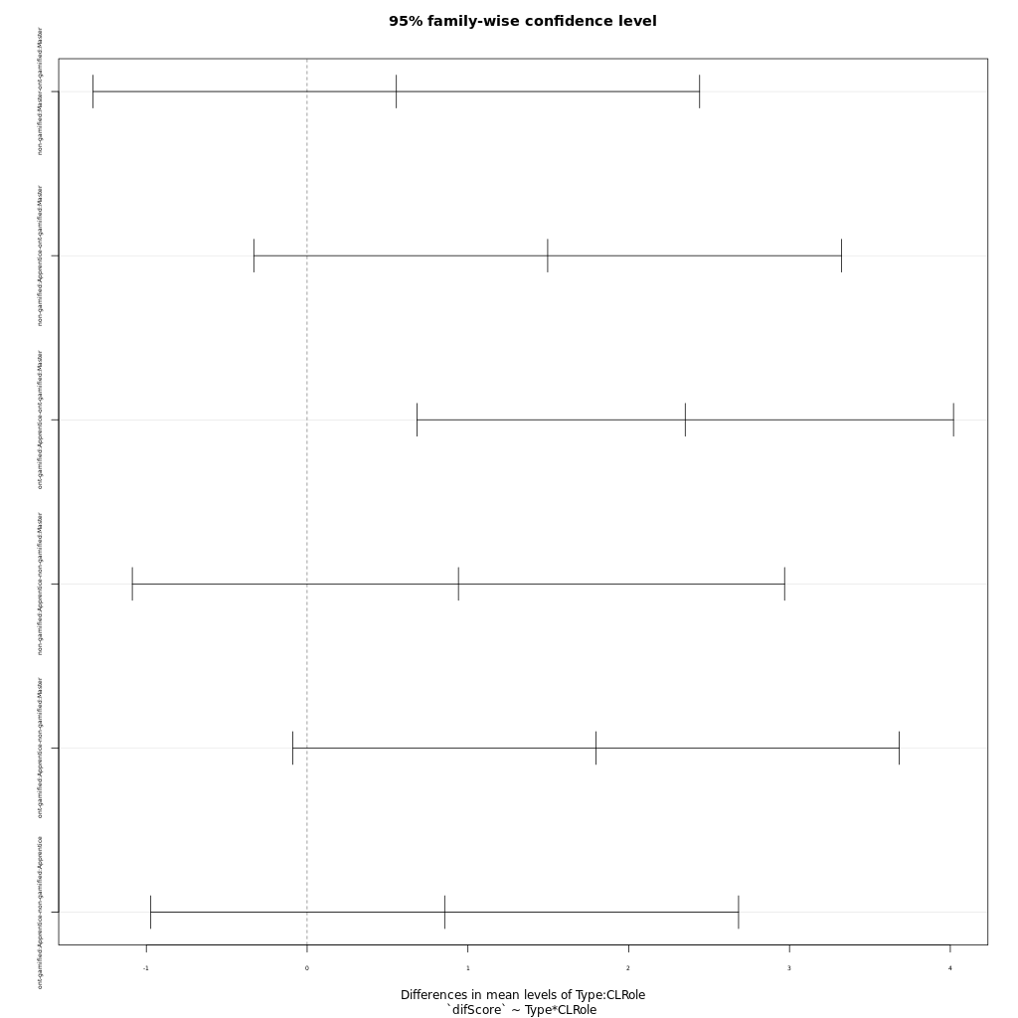
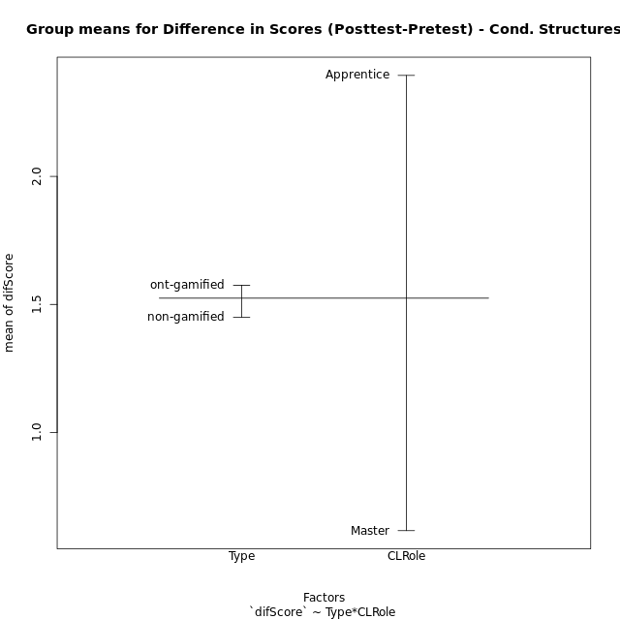
Post-hoc Tukey Honestly Significant Difference (HSD) Test for Difference in Scores (Posttest-Pretest) - Cond. Structures

Comparisons of means for Type
 | diff | lwr | upr | p adj
ont-gamified-non-gamified | 0.12544172932 | -0.86469961241 | 1.1155830711 | 0.79955808229

Comparisons of means for CLRole
 | diff | lwr | upr | p adj
Apprentice-Master | 1.781030225 | 0.80899171416 | 2.7530687359 | 0.00061707081047

Comparisons of means for Type:CLRole
 | diff | lwr | upr | p adj
non-gamified:Master-ont-gamified:Master | 0.55498015873 | -1.3310480343 | 2.4410083518 | 0.86022193086
non-gamified:Apprentice-ont-gamified:Master | 1.4960357143 | -0.33169048835 | 3.3237619169 | 0.14301916472
ont-gamified:Apprentice-ont-gamified:Master | 2.3514285714 | 0.68295045455 | 4.0199066883 | 0.002710003861
non-gamified:Apprentice-non-gamified:Master | 0.94105555556 | -1.0872112391 | 2.9693223502 | 0.60536683981
ont-gamified:Apprentice-non-gamified:Master | 1.7964484127 | -0.089579780348 | 3.6824766057 | 0.066971940451
ont-gamified:Apprentice-non-gamified:Apprentice | 0.85539285714 | -0.97233334549 | 2.6831190598 | 0.59864492803

Contrast Matrices for Difference in Scores (Posttest-Pretest) - Cond. Structures - Type
contrast | estimate | SE | df | t.ratio | p.value
non-gamified - ont-gamified | -0.15020634921 | 0.49137903608 | 43 | -0.30568326725 | 0.76132082608

Contrast Matrices for Difference in Scores (Posttest-Pretest) - Cond. Structures - Type:CLRole
contrast | CLRole | estimate | SE | df | t.ratio | p.value
non-gamified - ont-gamified | Apprentice | -0.85539285714 | 0.68392119976 | 43 | -1.2507184416 | 0.21780020426
non-gamified - ont-gamified | Master | 0.55498015873 | 0.70573735974 | 43 | 0.78638342022 | 0.43595538227

Least Squares Means and Confidence Intervals for Type
Type | lsmean | SE | df | lower.CL | upper.CL | Pairs
non-gamified | 1.4249722222 | 0.3794809796 | 43 | 0.65967589091 | 2.1902685535 | non-gamified
ont-gamified | 1.5751785714 | 0.31216589055 | 43 | 0.94563605508 | 2.2047210878 | ont-gamified

Least Squares Means and Confidence Intervals for Type:CLRole
Type | CLRole | lsmean | SE | df | lower.CL | upper.CL | Pairs
non-gamified | Apprentice | 1.8955 | 0.52235344455 | 43 | 0.84207388314 | 2.9489261169 | non-gamified.Apprentice
ont-gamified | Apprentice | 2.7508928571 | 0.44146923613 | 43 | 1.8605852924 | 3.6412004218 | ont-gamified.Apprentice
non-gamified | Master | 0.95444444444 | 0.55060887614 | 43 | -0.15596418088 | 2.0648530698 | non-gamified.Master
ont-gamified | Master | 0.39946428571 | 0.44146923613 | 43 | -0.49084327899 | 1.2897718504 | ont-gamified.Master

Plots

Type_1
Student's t-Test for Difference in Scores (Posttest-Pretest) - Cond. Structures in Type between non-gamified:ont-gamified

Student's t-Test results
Alternative hypothesis: less
Group | N | Mean | Mean.Difference | Std.deviation | Std.error | CI.lower | CI.upper | df | t.value | p.value | g | magnitude
non-gamified | 19 | 1.4497368421 | -0.12544172932 | 1.9913700781 | 0.45685162788 | 0.53603358635 | 2.3634400979 | 36.304123453 | -0.21962249481 | 0.41369769775 | -0.065364374858 | negligible
ont-gamified | 28 | 1.5751785714 | 0.12544172932 | 1.8140016039 | 0.34281408012 | 0.88955041119 | 2.2608067317 | 36.304123453 | -0.21962249481 | 0.41369769775 | -0.065364374858 | negligible
Alternative hypothesis: greater
Group | N | Mean | Mean.Difference | Std.deviation | Std.error | CI.lower | CI.upper | df | t.value | p.value | g | magnitude
non-gamified | 19 | 1.4497368421 | -0.12544172932 | 1.9913700781 | 0.45685162788 | 0.53603358635 | 2.3634400979 | 36.304123453 | -0.21962249481 | 0.58630230225 | -0.065364374858 | negligible
ont-gamified | 28 | 1.5751785714 | 0.12544172932 | 1.8140016039 | 0.34281408012 | 0.88955041119 | 2.2608067317 | 36.304123453 | -0.21962249481 | 0.58630230225 | -0.065364374858 | negligible
Alternative hypothesis: two.sided
Group | N | Mean | Mean.Difference | Std.deviation | Std.error | CI.lower | CI.upper | df | t.value | p.value | g | magnitude
non-gamified | 19 | 1.4497368421 | -0.12544172932 | 1.9913700781 | 0.45685162788 | 0.53603358635 | 2.3634400979 | 36.304123453 | -0.21962249481 | 0.82739539549 | -0.065364374858 | negligible
ont-gamified | 28 | 1.5751785714 | 0.12544172932 | 1.8140016039 | 0.34281408012 | 0.88955041119 | 2.2608067317 | 36.304123453 | -0.21962249481 | 0.82739539549 | -0.065364374858 | negligible

Box plots for Student's t-Test
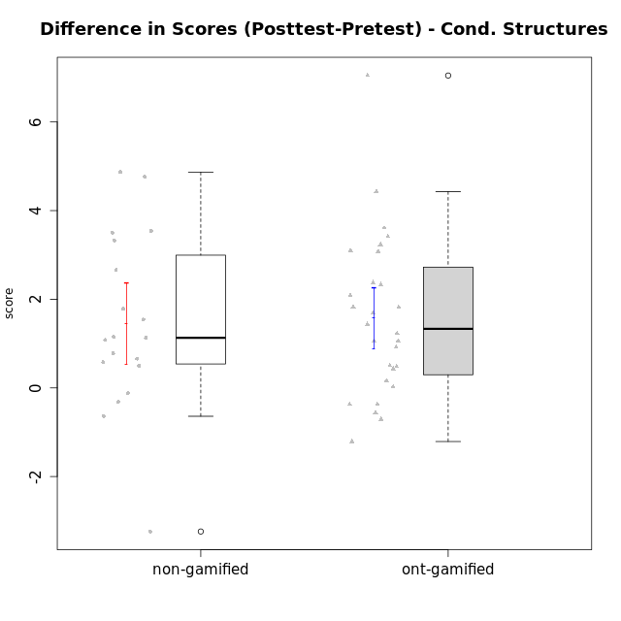

Student's t-Test data
UserID | NroUSP | Type | CLGroup | CLRole | PlayerRole | Re2 | Re1 | Un2 | Un1 | Ap2 | Ap3 | Ap1 | An3 | Ev2 | Ev1 | score.pre | ReB | ReA | UnB | UnA | ApB | ApC | ApA | AnC | EvB | EvA | score.pos | P1 | PA | PB | difScore
10169 | 10377538 | ont-gamified | Grupo Hefesto | Master | Yee Achiever | 0.7 | 0.6 | 0 | 0.64 | 1 | 0.55 | 1 | 0.6 | 1.4 | 1.3 | 7.79 | 0.56 | 0.6 | 0.6 | 0.8 | 0.5 | 0.18 | 1 | 0.6 | 0.93 | 1.3 | 7.08 | 0 | 0 | 0 | -0.71
10170 | 10260351 | ont-gamified | Grupo Afrodite | Apprentice | Yee Achiever | 0.6 | 0.6 | 0.45 | 0.64 | 0 | 0 | 0.5 | 1.03 | 1.4 | 0.87 | 6.09 | 0.46 | 0.6 | 0.9 | 0.8 | 0.5 | 0.55 | 1 | 1.2 | 0.47 | 1.3 | 7.78 | 0 | 0 | 0 | 1.69
10171 | 698531 | non-gamified | Grupo Team 6 | Apprentice |  | 0.7 | 0.49 | 0 | 0.37 | 1 | 1.1 | 1 | 1.2 | 0 | 0 | 6.36 | 0.7 | 0.6 | 0.9 | 0.8 | 1 | 1.1 | 1 | 1.2 | 1.4 | 1.3 | 11.125 | 0.5 | 0.5 | 0.625 | 4.765
10174 | 10276852 | ont-gamified | Grupo Urano | Master | Yee Achiever | 0.7 | 0.26 | 0.45 | 0.64 | 1 | 0.55 | 1 | 0.6 | 0.7 | 1.3 | 7.2 | 0.22 | 0.32 | 0.9 | 0.37 | 0.5 | 0.18 | 1 | 1.2 | 0 | 1.3 | 5.99 | 0 | 0 | 0 | -1.21
10175 | 10310700 | ont-gamified | Grupo Hélio | Master | Yee Socializer | 0.6 | 0.6 | 0.45 | 0.64 | 1 | 1.1 | 1 | 1.2 | 1.4 | 1.3 | 9.29 | 0.7 | 0.6 | 0.9 | 0.8 | 1 | 0.55 | 1 | 1.2 | 1.4 | 1.3 | 9.45 | 0 | 0 | 0 | 0.16
10176 | 10276949 | ont-gamified | Grupo Cronus | Apprentice | Yee Achiever | 0.7 | 0.6 | 0.45 | 0.53 | 0 | 1.1 | 1 | 0.86 | 0.35 | 0.87 | 6.96 | 0.7 | 0.6 | 0.9 | 0.8 | 1 | 0.55 | 1 | 1 | 0.47 | 0 | 8.395 | 0.5 | 0.75 | 0.625 | 1.435
10178 | 8656201 | ont-gamified | Grupo Morfeu | Apprentice | Yee Socializer | 0 | 0.21 | 0 | 0.53 | 0 | 0 | 0 | 0 | 1.4 | 0 | 2.39 | 0.46 | 0.33 | 0.9 | 0.8 | 0.5 | 0.55 | 1 | 1.2 | 0.47 | 1.3 | 9.4375 | 0.25 | 1 | 0.9375 | 7.0475
10179 | 10310759 | non-gamified | Grupo Team 9 | Master |  | 0.7 | 0.6 | 0.45 | 0.64 | 1 | 1.1 | 1 | 1.2 | 0 | 1.3 | 7.99 | 0.7 | 0.6 | 0.9 | 0.8 | 1 | 1.1 | 1 | 1.2 | 0.47 | 1.3 | 9.07 | 0 | 0 | 0 | 1.08
10183 | 10352030 | ont-gamified | Grupo Hélio | Apprentice | Yee Socializer | 0.46 | 0.55 | 0.45 | 0.8 | 1 | 0.18 | 0 | 1.03 | 0.35 | 0 | 5.07 | 0.7 | 0.6 | 0.6 | 0.8 | 0.75 | 0.18 | 1 | 1 | 0 | 1.3 | 8.305 | 0.25 | 0.75 | 0.625 | 3.235
10184 | 10276675 | ont-gamified | Grupo Apolo | Master | Yee Socializer | 0.7 | 0.6 | 0 | 0.64 | 1 | 0.55 | 1 | 1.03 | 1.4 | 1.3 | 9.22 | 0.7 | 0.6 | 0 | 0.8 | 1 | 1.1 | 1 | 1.2 | 1.4 | 1.3 | 11.0375 | 1 | 1 | 0.9375 | 1.8175
10185 | 10276960 | non-gamified | Grupo Team 12 | Apprentice |  | 0 | 0.37 | 0 | 0.64 | 1 | 0.18 | 1 | 0.43 | 1.4 | 1.3 | 6.32 | 0.7 | 0.55 | 0.6 | 0.8 | 1 | 1.1 | 1 | 1.2 | 1.4 | 1.3 | 9.65 | 0 | 0 | 0 | 3.33
10186 | 10310551 | ont-gamified | Grupo Ares | Apprentice | Yee Achiever | 0.7 | 0.49 | 0 | 0.64 | 0 | 1.1 | 1 | 1.2 | 0 | 1.3 | 6.43 | 0.7 | 0.6 | 0.9 | 0.8 | 1 | 1.1 | 1 | 1.2 | 0.93 | 1.3 | 9.53 | 0 | 0 | 0 | 3.1
10187 | 9790781 | non-gamified | Grupo Team 15 | Apprentice |  | 0.22 | 0.44 | 0.45 | 0.64 | 1 | 0.55 | 1 | 0.43 | 0 | 1.3 | 7.03 | 0.46 | 0.33 | 0.9 | 0.8 | 0.5 | 0.55 | 1 | 1.2 | 0.47 | 1.3 | 8.8125 | 1 | 1 | 0.3125 | 1.7825
10188 | 10276995 | non-gamified | Grupo Team 3 | Master |  | 0.56 | 0.6 | 0.9 | 0.53 | 1 | 1.1 | 1 | 1.2 | 1.4 | 1.3 | 10.34 | 0.7 | 0.6 | 0.9 | 0.8 | 1 | 1.1 | 1 | 1.2 | 1.4 | 1.3 | 11 | 0.75 | 1 | 0 | 0.66
10189 | 9363926 | ont-gamified | Grupo Hades | Master | Yee Socializer | 0.46 | 0.27 | 0.45 | 0.64 | 1 | 1.1 | 1 | 1.03 | 1.4 | 1.3 | 8.9 | 0.7 | 0.38 | 0 | 0.8 | 1 | 1.1 | 1 | 1 | 0 | 1.3 | 8.3425 | 0.25 | 0.75 | 0.3125 | -0.5575
10191 | 10276981 | non-gamified | Grupo Team 6 | Master |  | 0.56 | 0.6 | 0.9 | 0.64 | 1 | 0.55 | 1 | 1.2 | 1.4 | 1.3 | 9.15 | 0.7 | 0.6 | 0.9 | 0.53 | 1 | 1.1 | 1 | 1.2 | 1.4 | 1.3 | 9.73 | 0 | 0 | 0 | 0.58
10192 | 10276682 | non-gamified | Grupo Team 5 | Apprentice |  | 0.5 | 0.6 | 0.45 | 0.64 | 0 | 0.18 | 1 | 1.03 | 0 | 0.87 | 5.77 | 0.7 | 0.6 | 0.9 | 0.8 | 1 | 0.55 | 1 | 1.2 | 1.4 | 1.3 | 10.6375 | 0.5 | 0.25 | 0.9375 | 4.8675
10193 | 10276762 | ont-gamified | Grupo Afrodite | Master | Yee Achiever | 0.6 | 0.55 | 0.9 | 0.64 | 1 | 0.55 | 1 | 1.2 | 0 | 1.3 | 8.74 | 0.7 | 0.49 | 0 | 0.8 | 1 | 1.1 | 1 | 1 | 1.4 | 1.3 | 9.79 | 1 | 1 | 0 | 1.05
10195 | 10351971 | ont-gamified | Grupo Urano | Apprentice | Yee Achiever | 0.6 | 0.6 | 0.45 | 0.64 | 1 | 0.55 | 1 | 0.43 | 0.35 | 1.3 | 6.92 | 0.7 | 0.6 | 0.9 | 0.8 | 0.5 | 0.55 | 1 | 0.4 | 1.4 | 1.3 | 8.15 | 0 | 0 | 0 | 1.23
10196 | 10310655 | ont-gamified | Grupo Hefesto | Apprentice | Yee Achiever | 0.46 | 0.43 | 0.45 | 0.37 | 0 | 0.55 | 1 | 1.2 | 0.7 | 0.87 | 6.53 | 0.7 | 0.6 | 0.9 | 0.8 | 1 | 1.1 | 1 | 1.2 | 0.47 | 1.3 | 9.945 | 0.5 | 0.25 | 0.625 | 3.415
10197 | 10276661 | ont-gamified | Grupo Gaia | Apprentice | Yee Achiever | 0.12 | 0.55 | 0 | 0.64 | 0 | 1.1 | 1 | 1.2 | 0.7 | 1.3 | 6.61 | 0.7 | 0.6 | 0.9 | 0.8 | 1 | 0.55 | 1 | 1.2 | 0.93 | 1.3 | 8.98 | 0 | 0 | 0 | 2.37
10198 | 10310888 | ont-gamified | Grupo Apolo | Apprentice | Yee Socializer | 0.12 | 0.38 | 0.45 | 0.37 | 0 | 0.18 | 1 | 0.26 | 0.7 | 0.87 | 4.59 | 0.7 | 0.6 | 0.6 | 0.53 | 1 | 0.55 | 1 | 1.2 | 0.47 | 1.3 | 8.2 | 0.25 | 0.25 | 0 | 3.61
10199 | 10276737 | ont-gamified | Grupo Gaia | Master | Yee Achiever | 0.6 | 0.6 | 0.45 | 0.53 | 1 | 1.1 | 0 | 1.2 | 0.7 | 1.3 | 7.48 | 0.7 | 0.48 | 0.9 | 0.53 | 1 | 1.1 | 0 | 1 | 1.4 | 0 | 7.11 | 0 | 0 | 0 | -0.37
10200 | 9795272 | ont-gamified | Grupo Hades | Apprentice | Yee Socializer | 0.56 | 0.31 | 0.45 | 0.8 | 0 | 0.55 | 1 | 1.03 | 1.4 | 1.3 | 7.65 | 0.56 | 0.6 | 0.9 | 0.8 | 1 | 1.1 | 1 | 1.2 | 0 | 1.3 | 8.71 | 0.25 | 0.25 | 0 | 1.06
10201 | 10276928 | ont-gamified | Grupo Caronte | Master | Yee Achiever | 0.7 | 0.6 | 0.45 | 0.53 | 0 | 1.1 | 1 | 1.2 | 1.4 | 1.3 | 9.28 | 0.7 | 0.6 | 0.6 | 0.8 | 1 | 0.55 | 1 | 1.2 | 1.4 | 1.3 | 9.7125 | 1 | 0.25 | 0.3125 | 0.4325
10202 | 10277036 | non-gamified | Grupo Team 11 | Apprentice |  | 0.6 | 0.33 | 0.45 | 0.64 | 1 | 0.55 | 1 | 1.03 | 0.7 | 0 | 6.3 | 0.7 | 0.38 | 0.9 | 0.53 | 0.25 | 0.55 | 1 | 1 | 0.47 | 1.3 | 7.08 | 0 | 0 | 0 | 0.78
10203 | 9921470 | non-gamified | Grupo Team 3 | Apprentice |  | 0.36 | 0.09 | 0.9 | 0.53 | 0 | 0.55 | 1 | 0 | 0.35 | 1.3 | 5.08 | 0.32 | 0.03 | 0 | 0.8 | 0 | 0.18 | 0.5 | 0 | 0 | 0 | 1.84 | 0 | 0 | 0 | -3.24
10204 | 10310471 | ont-gamified | Grupo Hermes | Master | Yee Achiever | 0.6 | 0.6 | 0.9 | 0.64 | 1 | 1.1 | 1 | 0.69 | 1.4 | 1.3 | 9.23 | 0.7 | 0.6 | 0.9 | 0.8 | 1 | 0.55 | 1 | 1 | 1.4 | 1.3 | 9.25 | 0 | 0 | 0 | 0.02
10206 | 10310721 | ont-gamified | Grupo Hera | Master | Yee Achiever | 0.7 | 0.6 | 0.45 | 0.53 | 1 | 1.1 | 1 | 1.2 | 1.4 | 1.3 | 10.03 | 0.7 | 0.55 | 0.9 | 0.8 | 0.25 | 0.18 | 1 | 1.2 | 1.4 | 1.3 | 10.53 | 0.75 | 1 | 1.25 | 0.5
10208 | 10276932 | non-gamified | Grupo Team 7 | Apprentice |  | 0.46 | 0.6 | 0.9 | 0.37 | 0 | 0.55 | 1 | 1.2 | 0 | 0.87 | 5.95 | 0.7 | 0.6 | 0.9 | 0.8 | 1 | 0.55 | 1 | 1.2 | 1.4 | 1.3 | 9.45 | 0 | 0 | 0 | 3.5
10209 | 10262669 | ont-gamified | Grupo Artemis | Apprentice | Yee Achiever | 0.7 | 0.6 | 0.45 | 0.8 | 0 | 0.55 | 1 | 1.2 | 0 | 1.3 | 6.6 | 0.7 | 0.55 | 0.9 | 0.53 | 1 | 1.1 | 1 | 1.2 | 1.4 | 1.3 | 9.68 | 0 | 0 | 0 | 3.08
10210 | 10277015 | non-gamified | Grupo Team 9 | Apprentice |  | 0.6 | 0.48 | 0 | 0.37 | 0 | 0.55 | 0.5 | 1.03 | 1.4 | 1.3 | 6.23 | 0.56 | 0.6 | 0.9 | 0.64 | 0.75 | 0.55 | 1 | 1 | 0.47 | 1.3 | 7.77 | 0 | 0 | 0 | 1.54
10213 | 10277040 | ont-gamified | Grupo Morfeu | Master | Yee Socializer | 0.18 | 0.48 | 0.9 | 0.64 | 1 | 1.1 | 1 | 1.2 | 0.35 | 1.3 | 8.15 | 0.7 | 0.6 | 0.9 | 0.8 | 1 | 1.1 | 1 | 1.2 | 0.47 | 1.3 | 9.07 | 0 | 0 | 0 | 0.92
10214 | 10277022 | non-gamified | Grupo Team 5 | Master |  | 0.7 | 0.48 | 0.45 | 0.53 | 1 | 1.1 | 1 | 1.2 | 1.4 | 1.3 | 9.16 | 0.7 | 0.6 | 0.9 | 0.53 | 0.25 | 1.1 | 1 | 1.2 | 0.93 | 1.3 | 8.52 | 0 | 0 | 0 | -0.64
10216 | 10276720 | non-gamified | Grupo Team 15 | Master |  | 0.7 | 0.38 | 0.45 | 0.64 | 1 | 0.55 | 1 | 1.2 | 0 | 1.3 | 7.22 | 0.7 | 0.48 | 0.9 | 0.8 | 1 | 1.1 | 1 | 1.2 | 1.4 | 1.3 | 9.88 | 0 | 0 | 0 | 2.66
10217 | 9805341 | non-gamified | Grupo Team 13 | Master |  | 0.28 | 0.6 | 0.45 | 0.53 | 1 | 1.1 | 1 | 1.2 | 0 | 1.3 | 8.21 | 0.7 | 0.6 | 0.9 | 0.8 | 1 | 1.1 | 1 | 1.2 | 1.4 | 1.3 | 11.75 | 0.75 | 0.5 | 1.25 | 3.54
10218 | 9842913 | ont-gamified | Grupo Ares | Master | Yee Achiever | 0.7 | 0.44 | 0 | 0.64 | 1 | 0.55 | 1 | 1.2 | 0.7 | 1.3 | 8.53 | 0.56 | 0.6 | 0.9 | 0.8 | 0.75 | 1.1 | 1 | 1.2 | 1.4 | 1.3 | 10.36 | 1 | 0.75 | 0 | 1.83
10219 | 10276831 | non-gamified | Grupo Team 12 | Master |  | 0.7 | 0.6 | 0.45 | 0.27 | 1 | 0.55 | 1 | 1.2 | 1.4 | 1.3 | 8.47 | 0.7 | 0.6 | 0.9 | 0.8 | 1 | 0.18 | 1 | 1.2 | 0.47 | 1.3 | 8.15 | 0 | 0 | 0 | -0.32
10220 | 9760151 | non-gamified | Grupo Team 2 | Apprentice |  | 0.6 | 0.49 | 0.45 | 0.64 | 0 | 0.55 | 1 | 1.2 | 0.7 | 1.3 | 6.93 | 0.7 | 0.49 | 0 | 0.8 | 1 | 1.1 | 1 | 1.2 | 0.47 | 1.3 | 8.06 | 0 | 0 | 0 | 1.13
10221 | 9082496 | ont-gamified | Grupo Hermes | Apprentice | Yee Achiever | 0.6 | 0.27 | 0 | 0.53 | 0 | 0.18 | 0 | 0.86 | 1.4 | 0.87 | 4.72 | 0.56 | 0.38 | 0 | 0.11 | 0 | 0.18 | 1 | 1.2 | 0.47 | 1.3 | 5.2 | 0 | 0 | 0 | 0.48
10223 | 9795185 | ont-gamified | Grupo Cronus | Master | Yee Achiever | 0.6 | 0.48 | 0.9 | 0.64 | 1 | 0.55 | 1 | 1.03 | 0 | 1.3 | 7.5 | 0.7 | 0.38 | 0.9 | 0.8 | 1 | 1.1 | 1 | 1 | 1.4 | 1.3 | 9.58 | 0 | 0 | 0 | 2.08
10230 | 10351992 | non-gamified | Grupo Team 14 | Master |  | 0 | 0.44 | 0.9 | 0.48 | 0 | 1.1 | 1 | 1.2 | 1.4 | 0.87 | 7.38 | 0.56 | 0.6 | 0.6 | 0.48 | 0.5 | 0.55 | 1 | 1.2 | 0.47 | 1.3 | 7.26 | 0 | 0 | 0 | -0.12
10231 | 10276911 | ont-gamified | Grupo Caronte | Apprentice | Yee Achiever | 0.7 | 0.49 | 0.9 | 0.53 | 1 | 0 | 1 | 1.2 | 0 | 1.3 | 7.12 | 0.7 | 0.6 | 0.9 | 0.8 | 1 | 0.55 | 1 | 1.2 | 1.4 | 1.3 | 9.45 | 0 | 0 | 0 | 2.33
10232 | 10276974 | ont-gamified | Grupo Artemis | Master | Yee Achiever | 0.42 | 0.6 | 0.45 | 0.64 | 1 | 1.1 | 1 | 0.43 | 1.4 | 1.3 | 8.34 | 0.7 | 0.6 | 0.9 | 0.8 | 1 | 0 | 1 | 1.2 | 0.47 | 1.3 | 7.97 | 0 | 0 | 0 | -0.37
10237 | 10377688 | non-gamified | Grupo Team 11 | Master |  | 0.6 | 0.6 | 0.45 | 0.8 | 1 | 1.1 | 1 | 0 | 0.7 | 1.3 | 7.55 | 0.7 | 0.6 | 0.9 | 0.8 | 0.5 | 1.1 | 1 | 0.4 | 1.4 | 1.3 | 8.7 | 0 | 0 | 0 | 1.15
10238 | 10276953 | non-gamified | Grupo Team 13 | Apprentice |  | 0.6 | 0.55 | 0 | 0.64 | 1 | 0.55 | 1 | 1.2 | 0.35 | 1.3 | 7.19 | 0.7 | 0.27 | 0.6 | 0.8 | 1 | 0.55 | 1 | 1 | 0.47 | 1.3 | 7.69 | 0 | 0 | 0 | 0.5
10240 | 10276654 | ont-gamified | Grupo Hera | Apprentice | Yee Achiever | 0.56 | 0 | 0 | 0.27 | 0 | 1.1 | 0 | 1.2 | 0 | 0 | 3.13 | 0.7 | 0.49 | 0 | 0.8 | 0.5 | 1.1 | 1 | 1.2 | 0.47 | 1.3 | 7.56 | 0 | 0 | 0 | 4.43

Type_CLRole_1
Student's t-Test for Difference in Scores (Posttest-Pretest) - Cond. Structures in Type:CLRole between non-gamified.Apprentice:non-gamified.Master

Student's t-Test results
Alternative hypothesis: less
Group | N | Mean | Mean.Difference | Std.deviation | Std.error | CI.lower | CI.upper | df | t.value | p.value | g | magnitude
non-gamified.Apprentice | 10 | 1.8955 | 0.94105555556 | 2.403453187 | 0.76003863206 | 0.37542273588 | 3.4155772641 | 14.587241488 | 1.0596345038 | 0.84672897144 | 0.4521769161 | small
non-gamified.Master | 9 | 0.95444444444 | -0.94105555556 | 1.3782154323 | 0.45940514409 | 0.035634156257 | 1.8732547326 | 14.587241488 | 1.0596345038 | 0.84672897144 | 0.4521769161 | small
Alternative hypothesis: greater
Group | N | Mean | Mean.Difference | Std.deviation | Std.error | CI.lower | CI.upper | df | t.value | p.value | g | magnitude
non-gamified.Apprentice | 10 | 1.8955 | 0.94105555556 | 2.403453187 | 0.76003863206 | 0.37542273588 | 3.4155772641 | 14.587241488 | 1.0596345038 | 0.15327102856 | 0.4521769161 | small
non-gamified.Master | 9 | 0.95444444444 | -0.94105555556 | 1.3782154323 | 0.45940514409 | 0.035634156257 | 1.8732547326 | 14.587241488 | 1.0596345038 | 0.15327102856 | 0.4521769161 | small
Alternative hypothesis: two.sided
Group | N | Mean | Mean.Difference | Std.deviation | Std.error | CI.lower | CI.upper | df | t.value | p.value | g | magnitude
non-gamified.Apprentice | 10 | 1.8955 | 0.94105555556 | 2.403453187 | 0.76003863206 | 0.37542273588 | 3.4155772641 | 14.587241488 | 1.0596345038 | 0.30654205712 | 0.4521769161 | small
non-gamified.Master | 9 | 0.95444444444 | -0.94105555556 | 1.3782154323 | 0.45940514409 | 0.035634156257 | 1.8732547326 | 14.587241488 | 1.0596345038 | 0.30654205712 | 0.4521769161 | small

Box plots for Student's t-Test
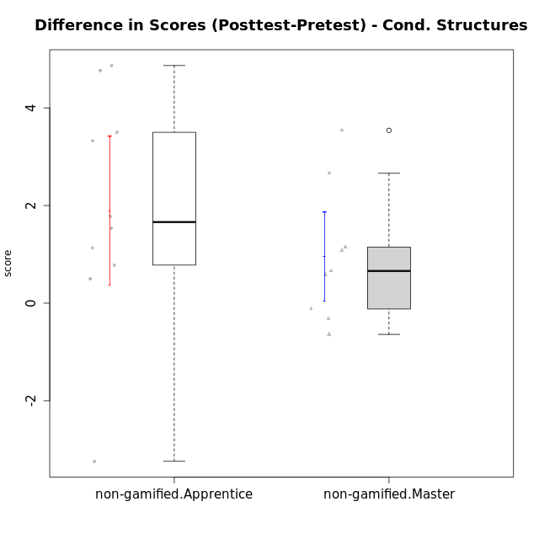

Student's t-Test data
UserID | NroUSP | Type | CLGroup | CLRole | PlayerRole | Re2 | Re1 | Un2 | Un1 | Ap2 | Ap3 | Ap1 | An3 | Ev2 | Ev1 | score.pre | ReB | ReA | UnB | UnA | ApB | ApC | ApA | AnC | EvB | EvA | score.pos | P1 | PA | PB | difScore
10171 | 698531 | non-gamified | Grupo Team 6 | Apprentice |  | 0.7 | 0.49 | 0 | 0.37 | 1 | 1.1 | 1 | 1.2 | 0 | 0 | 6.36 | 0.7 | 0.6 | 0.9 | 0.8 | 1 | 1.1 | 1 | 1.2 | 1.4 | 1.3 | 11.125 | 0.5 | 0.5 | 0.625 | 4.765
10179 | 10310759 | non-gamified | Grupo Team 9 | Master |  | 0.7 | 0.6 | 0.45 | 0.64 | 1 | 1.1 | 1 | 1.2 | 0 | 1.3 | 7.99 | 0.7 | 0.6 | 0.9 | 0.8 | 1 | 1.1 | 1 | 1.2 | 0.47 | 1.3 | 9.07 | 0 | 0 | 0 | 1.08
10185 | 10276960 | non-gamified | Grupo Team 12 | Apprentice |  | 0 | 0.37 | 0 | 0.64 | 1 | 0.18 | 1 | 0.43 | 1.4 | 1.3 | 6.32 | 0.7 | 0.55 | 0.6 | 0.8 | 1 | 1.1 | 1 | 1.2 | 1.4 | 1.3 | 9.65 | 0 | 0 | 0 | 3.33
10187 | 9790781 | non-gamified | Grupo Team 15 | Apprentice |  | 0.22 | 0.44 | 0.45 | 0.64 | 1 | 0.55 | 1 | 0.43 | 0 | 1.3 | 7.03 | 0.46 | 0.33 | 0.9 | 0.8 | 0.5 | 0.55 | 1 | 1.2 | 0.47 | 1.3 | 8.8125 | 1 | 1 | 0.3125 | 1.7825
10188 | 10276995 | non-gamified | Grupo Team 3 | Master |  | 0.56 | 0.6 | 0.9 | 0.53 | 1 | 1.1 | 1 | 1.2 | 1.4 | 1.3 | 10.34 | 0.7 | 0.6 | 0.9 | 0.8 | 1 | 1.1 | 1 | 1.2 | 1.4 | 1.3 | 11 | 0.75 | 1 | 0 | 0.66
10191 | 10276981 | non-gamified | Grupo Team 6 | Master |  | 0.56 | 0.6 | 0.9 | 0.64 | 1 | 0.55 | 1 | 1.2 | 1.4 | 1.3 | 9.15 | 0.7 | 0.6 | 0.9 | 0.53 | 1 | 1.1 | 1 | 1.2 | 1.4 | 1.3 | 9.73 | 0 | 0 | 0 | 0.58
10192 | 10276682 | non-gamified | Grupo Team 5 | Apprentice |  | 0.5 | 0.6 | 0.45 | 0.64 | 0 | 0.18 | 1 | 1.03 | 0 | 0.87 | 5.77 | 0.7 | 0.6 | 0.9 | 0.8 | 1 | 0.55 | 1 | 1.2 | 1.4 | 1.3 | 10.6375 | 0.5 | 0.25 | 0.9375 | 4.8675
10202 | 10277036 | non-gamified | Grupo Team 11 | Apprentice |  | 0.6 | 0.33 | 0.45 | 0.64 | 1 | 0.55 | 1 | 1.03 | 0.7 | 0 | 6.3 | 0.7 | 0.38 | 0.9 | 0.53 | 0.25 | 0.55 | 1 | 1 | 0.47 | 1.3 | 7.08 | 0 | 0 | 0 | 0.78
10203 | 9921470 | non-gamified | Grupo Team 3 | Apprentice |  | 0.36 | 0.09 | 0.9 | 0.53 | 0 | 0.55 | 1 | 0 | 0.35 | 1.3 | 5.08 | 0.32 | 0.03 | 0 | 0.8 | 0 | 0.18 | 0.5 | 0 | 0 | 0 | 1.84 | 0 | 0 | 0 | -3.24
10208 | 10276932 | non-gamified | Grupo Team 7 | Apprentice |  | 0.46 | 0.6 | 0.9 | 0.37 | 0 | 0.55 | 1 | 1.2 | 0 | 0.87 | 5.95 | 0.7 | 0.6 | 0.9 | 0.8 | 1 | 0.55 | 1 | 1.2 | 1.4 | 1.3 | 9.45 | 0 | 0 | 0 | 3.5
10210 | 10277015 | non-gamified | Grupo Team 9 | Apprentice |  | 0.6 | 0.48 | 0 | 0.37 | 0 | 0.55 | 0.5 | 1.03 | 1.4 | 1.3 | 6.23 | 0.56 | 0.6 | 0.9 | 0.64 | 0.75 | 0.55 | 1 | 1 | 0.47 | 1.3 | 7.77 | 0 | 0 | 0 | 1.54
10214 | 10277022 | non-gamified | Grupo Team 5 | Master |  | 0.7 | 0.48 | 0.45 | 0.53 | 1 | 1.1 | 1 | 1.2 | 1.4 | 1.3 | 9.16 | 0.7 | 0.6 | 0.9 | 0.53 | 0.25 | 1.1 | 1 | 1.2 | 0.93 | 1.3 | 8.52 | 0 | 0 | 0 | -0.64
10216 | 10276720 | non-gamified | Grupo Team 15 | Master |  | 0.7 | 0.38 | 0.45 | 0.64 | 1 | 0.55 | 1 | 1.2 | 0 | 1.3 | 7.22 | 0.7 | 0.48 | 0.9 | 0.8 | 1 | 1.1 | 1 | 1.2 | 1.4 | 1.3 | 9.88 | 0 | 0 | 0 | 2.66
10217 | 9805341 | non-gamified | Grupo Team 13 | Master |  | 0.28 | 0.6 | 0.45 | 0.53 | 1 | 1.1 | 1 | 1.2 | 0 | 1.3 | 8.21 | 0.7 | 0.6 | 0.9 | 0.8 | 1 | 1.1 | 1 | 1.2 | 1.4 | 1.3 | 11.75 | 0.75 | 0.5 | 1.25 | 3.54
10219 | 10276831 | non-gamified | Grupo Team 12 | Master |  | 0.7 | 0.6 | 0.45 | 0.27 | 1 | 0.55 | 1 | 1.2 | 1.4 | 1.3 | 8.47 | 0.7 | 0.6 | 0.9 | 0.8 | 1 | 0.18 | 1 | 1.2 | 0.47 | 1.3 | 8.15 | 0 | 0 | 0 | -0.32
10220 | 9760151 | non-gamified | Grupo Team 2 | Apprentice |  | 0.6 | 0.49 | 0.45 | 0.64 | 0 | 0.55 | 1 | 1.2 | 0.7 | 1.3 | 6.93 | 0.7 | 0.49 | 0 | 0.8 | 1 | 1.1 | 1 | 1.2 | 0.47 | 1.3 | 8.06 | 0 | 0 | 0 | 1.13
10230 | 10351992 | non-gamified | Grupo Team 14 | Master |  | 0 | 0.44 | 0.9 | 0.48 | 0 | 1.1 | 1 | 1.2 | 1.4 | 0.87 | 7.38 | 0.56 | 0.6 | 0.6 | 0.48 | 0.5 | 0.55 | 1 | 1.2 | 0.47 | 1.3 | 7.26 | 0 | 0 | 0 | -0.12
10237 | 10377688 | non-gamified | Grupo Team 11 | Master |  | 0.6 | 0.6 | 0.45 | 0.8 | 1 | 1.1 | 1 | 0 | 0.7 | 1.3 | 7.55 | 0.7 | 0.6 | 0.9 | 0.8 | 0.5 | 1.1 | 1 | 0.4 | 1.4 | 1.3 | 8.7 | 0 | 0 | 0 | 1.15
10238 | 10276953 | non-gamified | Grupo Team 13 | Apprentice |  | 0.6 | 0.55 | 0 | 0.64 | 1 | 0.55 | 1 | 1.2 | 0.35 | 1.3 | 7.19 | 0.7 | 0.27 | 0.6 | 0.8 | 1 | 0.55 | 1 | 1 | 0.47 | 1.3 | 7.69 | 0 | 0 | 0 | 0.5

Type_CLRole_2
Student's t-Test for Difference in Scores (Posttest-Pretest) - Cond. Structures in Type:CLRole between non-gamified.Apprentice:ont-gamified.Apprentice

Student's t-Test results
Alternative hypothesis: less
Group | N | Mean | Mean.Difference | Std.deviation | Std.error | CI.lower | CI.upper | df | t.value | p.value | g | magnitude
non-gamified.Apprentice | 10 | 1.8955 | -0.85539285714 | 2.403453187 | 0.76003863206 | 0.37542273588 | 3.4155772641 | 15.065849264 | -0.96988766904 | 0.17370833137 | -0.41196248895 | small
ont-gamified.Apprentice | 14 | 2.7508928571 | 0.85539285714 | 1.6740639196 | 0.44741240219 | 1.8560680528 | 3.6457176615 | 15.065849264 | -0.96988766904 | 0.17370833137 | -0.41196248895 | small
Alternative hypothesis: greater
Group | N | Mean | Mean.Difference | Std.deviation | Std.error | CI.lower | CI.upper | df | t.value | p.value | g | magnitude
non-gamified.Apprentice | 10 | 1.8955 | -0.85539285714 | 2.403453187 | 0.76003863206 | 0.37542273588 | 3.4155772641 | 15.065849264 | -0.96988766904 | 0.82629166863 | -0.41196248895 | small
ont-gamified.Apprentice | 14 | 2.7508928571 | 0.85539285714 | 1.6740639196 | 0.44741240219 | 1.8560680528 | 3.6457176615 | 15.065849264 | -0.96988766904 | 0.82629166863 | -0.41196248895 | small
Alternative hypothesis: two.sided
Group | N | Mean | Mean.Difference | Std.deviation | Std.error | CI.lower | CI.upper | df | t.value | p.value | g | magnitude
non-gamified.Apprentice | 10 | 1.8955 | -0.85539285714 | 2.403453187 | 0.76003863206 | 0.37542273588 | 3.4155772641 | 15.065849264 | -0.96988766904 | 0.34741666273 | -0.41196248895 | small
ont-gamified.Apprentice | 14 | 2.7508928571 | 0.85539285714 | 1.6740639196 | 0.44741240219 | 1.8560680528 | 3.6457176615 | 15.065849264 | -0.96988766904 | 0.34741666273 | -0.41196248895 | small

Box plots for Student's t-Test
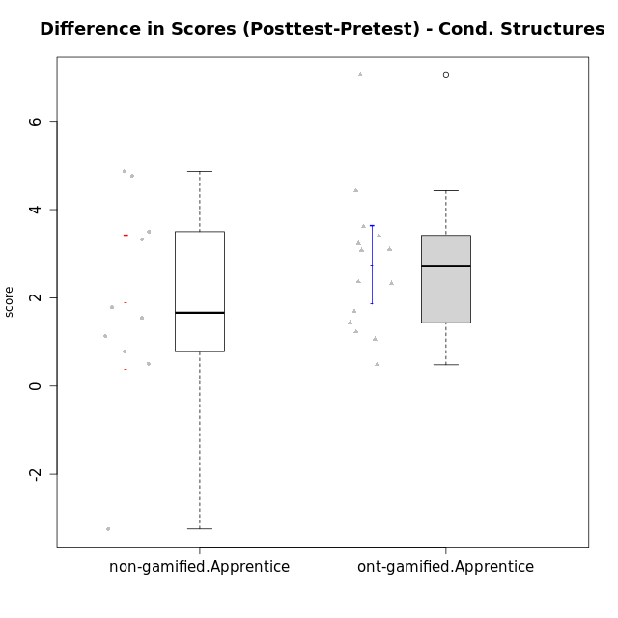

Student's t-Test data
UserID | NroUSP | Type | CLGroup | CLRole | PlayerRole | Re2 | Re1 | Un2 | Un1 | Ap2 | Ap3 | Ap1 | An3 | Ev2 | Ev1 | score.pre | ReB | ReA | UnB | UnA | ApB | ApC | ApA | AnC | EvB | EvA | score.pos | P1 | PA | PB | difScore
10170 | 10260351 | ont-gamified | Grupo Afrodite | Apprentice | Yee Achiever | 0.6 | 0.6 | 0.45 | 0.64 | 0 | 0 | 0.5 | 1.03 | 1.4 | 0.87 | 6.09 | 0.46 | 0.6 | 0.9 | 0.8 | 0.5 | 0.55 | 1 | 1.2 | 0.47 | 1.3 | 7.78 | 0 | 0 | 0 | 1.69
10171 | 698531 | non-gamified | Grupo Team 6 | Apprentice |  | 0.7 | 0.49 | 0 | 0.37 | 1 | 1.1 | 1 | 1.2 | 0 | 0 | 6.36 | 0.7 | 0.6 | 0.9 | 0.8 | 1 | 1.1 | 1 | 1.2 | 1.4 | 1.3 | 11.125 | 0.5 | 0.5 | 0.625 | 4.765
10176 | 10276949 | ont-gamified | Grupo Cronus | Apprentice | Yee Achiever | 0.7 | 0.6 | 0.45 | 0.53 | 0 | 1.1 | 1 | 0.86 | 0.35 | 0.87 | 6.96 | 0.7 | 0.6 | 0.9 | 0.8 | 1 | 0.55 | 1 | 1 | 0.47 | 0 | 8.395 | 0.5 | 0.75 | 0.625 | 1.435
10178 | 8656201 | ont-gamified | Grupo Morfeu | Apprentice | Yee Socializer | 0 | 0.21 | 0 | 0.53 | 0 | 0 | 0 | 0 | 1.4 | 0 | 2.39 | 0.46 | 0.33 | 0.9 | 0.8 | 0.5 | 0.55 | 1 | 1.2 | 0.47 | 1.3 | 9.4375 | 0.25 | 1 | 0.9375 | 7.0475
10183 | 10352030 | ont-gamified | Grupo Hélio | Apprentice | Yee Socializer | 0.46 | 0.55 | 0.45 | 0.8 | 1 | 0.18 | 0 | 1.03 | 0.35 | 0 | 5.07 | 0.7 | 0.6 | 0.6 | 0.8 | 0.75 | 0.18 | 1 | 1 | 0 | 1.3 | 8.305 | 0.25 | 0.75 | 0.625 | 3.235
10185 | 10276960 | non-gamified | Grupo Team 12 | Apprentice |  | 0 | 0.37 | 0 | 0.64 | 1 | 0.18 | 1 | 0.43 | 1.4 | 1.3 | 6.32 | 0.7 | 0.55 | 0.6 | 0.8 | 1 | 1.1 | 1 | 1.2 | 1.4 | 1.3 | 9.65 | 0 | 0 | 0 | 3.33
10186 | 10310551 | ont-gamified | Grupo Ares | Apprentice | Yee Achiever | 0.7 | 0.49 | 0 | 0.64 | 0 | 1.1 | 1 | 1.2 | 0 | 1.3 | 6.43 | 0.7 | 0.6 | 0.9 | 0.8 | 1 | 1.1 | 1 | 1.2 | 0.93 | 1.3 | 9.53 | 0 | 0 | 0 | 3.1
10187 | 9790781 | non-gamified | Grupo Team 15 | Apprentice |  | 0.22 | 0.44 | 0.45 | 0.64 | 1 | 0.55 | 1 | 0.43 | 0 | 1.3 | 7.03 | 0.46 | 0.33 | 0.9 | 0.8 | 0.5 | 0.55 | 1 | 1.2 | 0.47 | 1.3 | 8.8125 | 1 | 1 | 0.3125 | 1.7825
10192 | 10276682 | non-gamified | Grupo Team 5 | Apprentice |  | 0.5 | 0.6 | 0.45 | 0.64 | 0 | 0.18 | 1 | 1.03 | 0 | 0.87 | 5.77 | 0.7 | 0.6 | 0.9 | 0.8 | 1 | 0.55 | 1 | 1.2 | 1.4 | 1.3 | 10.6375 | 0.5 | 0.25 | 0.9375 | 4.8675
10195 | 10351971 | ont-gamified | Grupo Urano | Apprentice | Yee Achiever | 0.6 | 0.6 | 0.45 | 0.64 | 1 | 0.55 | 1 | 0.43 | 0.35 | 1.3 | 6.92 | 0.7 | 0.6 | 0.9 | 0.8 | 0.5 | 0.55 | 1 | 0.4 | 1.4 | 1.3 | 8.15 | 0 | 0 | 0 | 1.23
10196 | 10310655 | ont-gamified | Grupo Hefesto | Apprentice | Yee Achiever | 0.46 | 0.43 | 0.45 | 0.37 | 0 | 0.55 | 1 | 1.2 | 0.7 | 0.87 | 6.53 | 0.7 | 0.6 | 0.9 | 0.8 | 1 | 1.1 | 1 | 1.2 | 0.47 | 1.3 | 9.945 | 0.5 | 0.25 | 0.625 | 3.415
10197 | 10276661 | ont-gamified | Grupo Gaia | Apprentice | Yee Achiever | 0.12 | 0.55 | 0 | 0.64 | 0 | 1.1 | 1 | 1.2 | 0.7 | 1.3 | 6.61 | 0.7 | 0.6 | 0.9 | 0.8 | 1 | 0.55 | 1 | 1.2 | 0.93 | 1.3 | 8.98 | 0 | 0 | 0 | 2.37
10198 | 10310888 | ont-gamified | Grupo Apolo | Apprentice | Yee Socializer | 0.12 | 0.38 | 0.45 | 0.37 | 0 | 0.18 | 1 | 0.26 | 0.7 | 0.87 | 4.59 | 0.7 | 0.6 | 0.6 | 0.53 | 1 | 0.55 | 1 | 1.2 | 0.47 | 1.3 | 8.2 | 0.25 | 0.25 | 0 | 3.61
10200 | 9795272 | ont-gamified | Grupo Hades | Apprentice | Yee Socializer | 0.56 | 0.31 | 0.45 | 0.8 | 0 | 0.55 | 1 | 1.03 | 1.4 | 1.3 | 7.65 | 0.56 | 0.6 | 0.9 | 0.8 | 1 | 1.1 | 1 | 1.2 | 0 | 1.3 | 8.71 | 0.25 | 0.25 | 0 | 1.06
10202 | 10277036 | non-gamified | Grupo Team 11 | Apprentice |  | 0.6 | 0.33 | 0.45 | 0.64 | 1 | 0.55 | 1 | 1.03 | 0.7 | 0 | 6.3 | 0.7 | 0.38 | 0.9 | 0.53 | 0.25 | 0.55 | 1 | 1 | 0.47 | 1.3 | 7.08 | 0 | 0 | 0 | 0.78
10203 | 9921470 | non-gamified | Grupo Team 3 | Apprentice |  | 0.36 | 0.09 | 0.9 | 0.53 | 0 | 0.55 | 1 | 0 | 0.35 | 1.3 | 5.08 | 0.32 | 0.03 | 0 | 0.8 | 0 | 0.18 | 0.5 | 0 | 0 | 0 | 1.84 | 0 | 0 | 0 | -3.24
10208 | 10276932 | non-gamified | Grupo Team 7 | Apprentice |  | 0.46 | 0.6 | 0.9 | 0.37 | 0 | 0.55 | 1 | 1.2 | 0 | 0.87 | 5.95 | 0.7 | 0.6 | 0.9 | 0.8 | 1 | 0.55 | 1 | 1.2 | 1.4 | 1.3 | 9.45 | 0 | 0 | 0 | 3.5
10209 | 10262669 | ont-gamified | Grupo Artemis | Apprentice | Yee Achiever | 0.7 | 0.6 | 0.45 | 0.8 | 0 | 0.55 | 1 | 1.2 | 0 | 1.3 | 6.6 | 0.7 | 0.55 | 0.9 | 0.53 | 1 | 1.1 | 1 | 1.2 | 1.4 | 1.3 | 9.68 | 0 | 0 | 0 | 3.08
10210 | 10277015 | non-gamified | Grupo Team 9 | Apprentice |  | 0.6 | 0.48 | 0 | 0.37 | 0 | 0.55 | 0.5 | 1.03 | 1.4 | 1.3 | 6.23 | 0.56 | 0.6 | 0.9 | 0.64 | 0.75 | 0.55 | 1 | 1 | 0.47 | 1.3 | 7.77 | 0 | 0 | 0 | 1.54
10220 | 9760151 | non-gamified | Grupo Team 2 | Apprentice |  | 0.6 | 0.49 | 0.45 | 0.64 | 0 | 0.55 | 1 | 1.2 | 0.7 | 1.3 | 6.93 | 0.7 | 0.49 | 0 | 0.8 | 1 | 1.1 | 1 | 1.2 | 0.47 | 1.3 | 8.06 | 0 | 0 | 0 | 1.13
10221 | 9082496 | ont-gamified | Grupo Hermes | Apprentice | Yee Achiever | 0.6 | 0.27 | 0 | 0.53 | 0 | 0.18 | 0 | 0.86 | 1.4 | 0.87 | 4.72 | 0.56 | 0.38 | 0 | 0.11 | 0 | 0.18 | 1 | 1.2 | 0.47 | 1.3 | 5.2 | 0 | 0 | 0 | 0.48
10231 | 10276911 | ont-gamified | Grupo Caronte | Apprentice | Yee Achiever | 0.7 | 0.49 | 0.9 | 0.53 | 1 | 0 | 1 | 1.2 | 0 | 1.3 | 7.12 | 0.7 | 0.6 | 0.9 | 0.8 | 1 | 0.55 | 1 | 1.2 | 1.4 | 1.3 | 9.45 | 0 | 0 | 0 | 2.33
10238 | 10276953 | non-gamified | Grupo Team 13 | Apprentice |  | 0.6 | 0.55 | 0 | 0.64 | 1 | 0.55 | 1 | 1.2 | 0.35 | 1.3 | 7.19 | 0.7 | 0.27 | 0.6 | 0.8 | 1 | 0.55 | 1 | 1 | 0.47 | 1.3 | 7.69 | 0 | 0 | 0 | 0.5
10240 | 10276654 | ont-gamified | Grupo Hera | Apprentice | Yee Achiever | 0.56 | 0 | 0 | 0.27 | 0 | 1.1 | 0 | 1.2 | 0 | 0 | 3.13 | 0.7 | 0.49 | 0 | 0.8 | 0.5 | 1.1 | 1 | 1.2 | 0.47 | 1.3 | 7.56 | 0 | 0 | 0 | 4.43

Type_CLRole_3
Student's t-Test for Difference in Scores (Posttest-Pretest) - Cond. Structures in Type:CLRole between non-gamified.Apprentice:ont-gamified.Master

Student's t-Test results
Alternative hypothesis: less
Group | N | Mean | Mean.Difference | Std.deviation | Std.error | CI.lower | CI.upper | df | t.value | p.value | g | magnitude
non-gamified.Apprentice | 10 | 1.8955 | 1.4960357143 | 2.403453187 | 0.76003863206 | 0.37542273588 | 3.4155772641 | 11.36641436 | 1.8513579334 | 0.95487170626 | 0.83586302308 | large
ont-gamified.Master | 14 | 0.39946428571 | -1.4960357143 | 1.0269208917 | 0.27445615287 | -0.14944802002 | 0.94837659145 | 11.36641436 | 1.8513579334 | 0.95487170626 | 0.83586302308 | large
Alternative hypothesis: greater
Group | N | Mean | Mean.Difference | Std.deviation | Std.error | CI.lower | CI.upper | df | t.value | p.value | g | magnitude
non-gamified.Apprentice | 10 | 1.8955 | 1.4960357143 | 2.403453187 | 0.76003863206 | 0.37542273588 | 3.4155772641 | 11.36641436 | 1.8513579334 | 0.045128293737 | 0.83586302308 | large
ont-gamified.Master | 14 | 0.39946428571 | -1.4960357143 | 1.0269208917 | 0.27445615287 | -0.14944802002 | 0.94837659145 | 11.36641436 | 1.8513579334 | 0.045128293737 | 0.83586302308 | large
Alternative hypothesis: two.sided
Group | N | Mean | Mean.Difference | Std.deviation | Std.error | CI.lower | CI.upper | df | t.value | p.value | g | magnitude
non-gamified.Apprentice | 10 | 1.8955 | 1.4960357143 | 2.403453187 | 0.76003863206 | 0.37542273588 | 3.4155772641 | 11.36641436 | 1.8513579334 | 0.090256587473 | 0.83586302308 | large
ont-gamified.Master | 14 | 0.39946428571 | -1.4960357143 | 1.0269208917 | 0.27445615287 | -0.14944802002 | 0.94837659145 | 11.36641436 | 1.8513579334 | 0.090256587473 | 0.83586302308 | large

Box plots for Student's t-Test
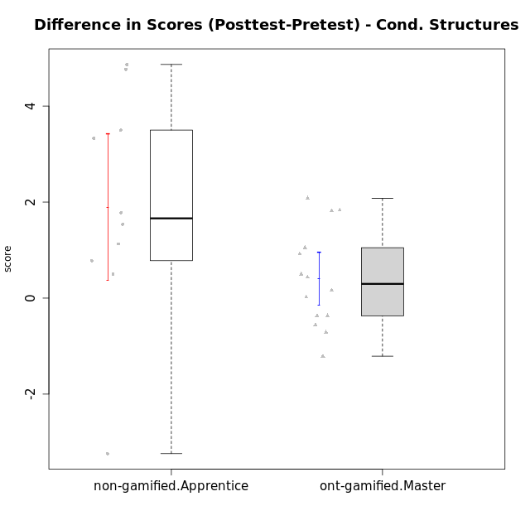

Student's t-Test data
UserID | NroUSP | Type | CLGroup | CLRole | PlayerRole | Re2 | Re1 | Un2 | Un1 | Ap2 | Ap3 | Ap1 | An3 | Ev2 | Ev1 | score.pre | ReB | ReA | UnB | UnA | ApB | ApC | ApA | AnC | EvB | EvA | score.pos | P1 | PA | PB | difScore
10169 | 10377538 | ont-gamified | Grupo Hefesto | Master | Yee Achiever | 0.7 | 0.6 | 0 | 0.64 | 1 | 0.55 | 1 | 0.6 | 1.4 | 1.3 | 7.79 | 0.56 | 0.6 | 0.6 | 0.8 | 0.5 | 0.18 | 1 | 0.6 | 0.93 | 1.3 | 7.08 | 0 | 0 | 0 | -0.71
10171 | 698531 | non-gamified | Grupo Team 6 | Apprentice |  | 0.7 | 0.49 | 0 | 0.37 | 1 | 1.1 | 1 | 1.2 | 0 | 0 | 6.36 | 0.7 | 0.6 | 0.9 | 0.8 | 1 | 1.1 | 1 | 1.2 | 1.4 | 1.3 | 11.125 | 0.5 | 0.5 | 0.625 | 4.765
10174 | 10276852 | ont-gamified | Grupo Urano | Master | Yee Achiever | 0.7 | 0.26 | 0.45 | 0.64 | 1 | 0.55 | 1 | 0.6 | 0.7 | 1.3 | 7.2 | 0.22 | 0.32 | 0.9 | 0.37 | 0.5 | 0.18 | 1 | 1.2 | 0 | 1.3 | 5.99 | 0 | 0 | 0 | -1.21
10175 | 10310700 | ont-gamified | Grupo Hélio | Master | Yee Socializer | 0.6 | 0.6 | 0.45 | 0.64 | 1 | 1.1 | 1 | 1.2 | 1.4 | 1.3 | 9.29 | 0.7 | 0.6 | 0.9 | 0.8 | 1 | 0.55 | 1 | 1.2 | 1.4 | 1.3 | 9.45 | 0 | 0 | 0 | 0.16
10184 | 10276675 | ont-gamified | Grupo Apolo | Master | Yee Socializer | 0.7 | 0.6 | 0 | 0.64 | 1 | 0.55 | 1 | 1.03 | 1.4 | 1.3 | 9.22 | 0.7 | 0.6 | 0 | 0.8 | 1 | 1.1 | 1 | 1.2 | 1.4 | 1.3 | 11.0375 | 1 | 1 | 0.9375 | 1.8175
10185 | 10276960 | non-gamified | Grupo Team 12 | Apprentice |  | 0 | 0.37 | 0 | 0.64 | 1 | 0.18 | 1 | 0.43 | 1.4 | 1.3 | 6.32 | 0.7 | 0.55 | 0.6 | 0.8 | 1 | 1.1 | 1 | 1.2 | 1.4 | 1.3 | 9.65 | 0 | 0 | 0 | 3.33
10187 | 9790781 | non-gamified | Grupo Team 15 | Apprentice |  | 0.22 | 0.44 | 0.45 | 0.64 | 1 | 0.55 | 1 | 0.43 | 0 | 1.3 | 7.03 | 0.46 | 0.33 | 0.9 | 0.8 | 0.5 | 0.55 | 1 | 1.2 | 0.47 | 1.3 | 8.8125 | 1 | 1 | 0.3125 | 1.7825
10189 | 9363926 | ont-gamified | Grupo Hades | Master | Yee Socializer | 0.46 | 0.27 | 0.45 | 0.64 | 1 | 1.1 | 1 | 1.03 | 1.4 | 1.3 | 8.9 | 0.7 | 0.38 | 0 | 0.8 | 1 | 1.1 | 1 | 1 | 0 | 1.3 | 8.3425 | 0.25 | 0.75 | 0.3125 | -0.5575
10192 | 10276682 | non-gamified | Grupo Team 5 | Apprentice |  | 0.5 | 0.6 | 0.45 | 0.64 | 0 | 0.18 | 1 | 1.03 | 0 | 0.87 | 5.77 | 0.7 | 0.6 | 0.9 | 0.8 | 1 | 0.55 | 1 | 1.2 | 1.4 | 1.3 | 10.6375 | 0.5 | 0.25 | 0.9375 | 4.8675
10193 | 10276762 | ont-gamified | Grupo Afrodite | Master | Yee Achiever | 0.6 | 0.55 | 0.9 | 0.64 | 1 | 0.55 | 1 | 1.2 | 0 | 1.3 | 8.74 | 0.7 | 0.49 | 0 | 0.8 | 1 | 1.1 | 1 | 1 | 1.4 | 1.3 | 9.79 | 1 | 1 | 0 | 1.05
10199 | 10276737 | ont-gamified | Grupo Gaia | Master | Yee Achiever | 0.6 | 0.6 | 0.45 | 0.53 | 1 | 1.1 | 0 | 1.2 | 0.7 | 1.3 | 7.48 | 0.7 | 0.48 | 0.9 | 0.53 | 1 | 1.1 | 0 | 1 | 1.4 | 0 | 7.11 | 0 | 0 | 0 | -0.37
10201 | 10276928 | ont-gamified | Grupo Caronte | Master | Yee Achiever | 0.7 | 0.6 | 0.45 | 0.53 | 0 | 1.1 | 1 | 1.2 | 1.4 | 1.3 | 9.28 | 0.7 | 0.6 | 0.6 | 0.8 | 1 | 0.55 | 1 | 1.2 | 1.4 | 1.3 | 9.7125 | 1 | 0.25 | 0.3125 | 0.4325
10202 | 10277036 | non-gamified | Grupo Team 11 | Apprentice |  | 0.6 | 0.33 | 0.45 | 0.64 | 1 | 0.55 | 1 | 1.03 | 0.7 | 0 | 6.3 | 0.7 | 0.38 | 0.9 | 0.53 | 0.25 | 0.55 | 1 | 1 | 0.47 | 1.3 | 7.08 | 0 | 0 | 0 | 0.78
10203 | 9921470 | non-gamified | Grupo Team 3 | Apprentice |  | 0.36 | 0.09 | 0.9 | 0.53 | 0 | 0.55 | 1 | 0 | 0.35 | 1.3 | 5.08 | 0.32 | 0.03 | 0 | 0.8 | 0 | 0.18 | 0.5 | 0 | 0 | 0 | 1.84 | 0 | 0 | 0 | -3.24
10204 | 10310471 | ont-gamified | Grupo Hermes | Master | Yee Achiever | 0.6 | 0.6 | 0.9 | 0.64 | 1 | 1.1 | 1 | 0.69 | 1.4 | 1.3 | 9.23 | 0.7 | 0.6 | 0.9 | 0.8 | 1 | 0.55 | 1 | 1 | 1.4 | 1.3 | 9.25 | 0 | 0 | 0 | 0.02
10206 | 10310721 | ont-gamified | Grupo Hera | Master | Yee Achiever | 0.7 | 0.6 | 0.45 | 0.53 | 1 | 1.1 | 1 | 1.2 | 1.4 | 1.3 | 10.03 | 0.7 | 0.55 | 0.9 | 0.8 | 0.25 | 0.18 | 1 | 1.2 | 1.4 | 1.3 | 10.53 | 0.75 | 1 | 1.25 | 0.5
10208 | 10276932 | non-gamified | Grupo Team 7 | Apprentice |  | 0.46 | 0.6 | 0.9 | 0.37 | 0 | 0.55 | 1 | 1.2 | 0 | 0.87 | 5.95 | 0.7 | 0.6 | 0.9 | 0.8 | 1 | 0.55 | 1 | 1.2 | 1.4 | 1.3 | 9.45 | 0 | 0 | 0 | 3.5
10210 | 10277015 | non-gamified | Grupo Team 9 | Apprentice |  | 0.6 | 0.48 | 0 | 0.37 | 0 | 0.55 | 0.5 | 1.03 | 1.4 | 1.3 | 6.23 | 0.56 | 0.6 | 0.9 | 0.64 | 0.75 | 0.55 | 1 | 1 | 0.47 | 1.3 | 7.77 | 0 | 0 | 0 | 1.54
10213 | 10277040 | ont-gamified | Grupo Morfeu | Master | Yee Socializer | 0.18 | 0.48 | 0.9 | 0.64 | 1 | 1.1 | 1 | 1.2 | 0.35 | 1.3 | 8.15 | 0.7 | 0.6 | 0.9 | 0.8 | 1 | 1.1 | 1 | 1.2 | 0.47 | 1.3 | 9.07 | 0 | 0 | 0 | 0.92
10218 | 9842913 | ont-gamified | Grupo Ares | Master | Yee Achiever | 0.7 | 0.44 | 0 | 0.64 | 1 | 0.55 | 1 | 1.2 | 0.7 | 1.3 | 8.53 | 0.56 | 0.6 | 0.9 | 0.8 | 0.75 | 1.1 | 1 | 1.2 | 1.4 | 1.3 | 10.36 | 1 | 0.75 | 0 | 1.83
10220 | 9760151 | non-gamified | Grupo Team 2 | Apprentice |  | 0.6 | 0.49 | 0.45 | 0.64 | 0 | 0.55 | 1 | 1.2 | 0.7 | 1.3 | 6.93 | 0.7 | 0.49 | 0 | 0.8 | 1 | 1.1 | 1 | 1.2 | 0.47 | 1.3 | 8.06 | 0 | 0 | 0 | 1.13
10223 | 9795185 | ont-gamified | Grupo Cronus | Master | Yee Achiever | 0.6 | 0.48 | 0.9 | 0.64 | 1 | 0.55 | 1 | 1.03 | 0 | 1.3 | 7.5 | 0.7 | 0.38 | 0.9 | 0.8 | 1 | 1.1 | 1 | 1 | 1.4 | 1.3 | 9.58 | 0 | 0 | 0 | 2.08
10232 | 10276974 | ont-gamified | Grupo Artemis | Master | Yee Achiever | 0.42 | 0.6 | 0.45 | 0.64 | 1 | 1.1 | 1 | 0.43 | 1.4 | 1.3 | 8.34 | 0.7 | 0.6 | 0.9 | 0.8 | 1 | 0 | 1 | 1.2 | 0.47 | 1.3 | 7.97 | 0 | 0 | 0 | -0.37
10238 | 10276953 | non-gamified | Grupo Team 13 | Apprentice |  | 0.6 | 0.55 | 0 | 0.64 | 1 | 0.55 | 1 | 1.2 | 0.35 | 1.3 | 7.19 | 0.7 | 0.27 | 0.6 | 0.8 | 1 | 0.55 | 1 | 1 | 0.47 | 1.3 | 7.69 | 0 | 0 | 0 | 0.5

Type_CLRole_4
Student's t-Test for Difference in Scores (Posttest-Pretest) - Cond. Structures in Type:CLRole between non-gamified.Master:ont-gamified.Apprentice

Student's t-Test results
Alternative hypothesis: less
Group | N | Mean | Mean.Difference | Std.deviation | Std.error | CI.lower | CI.upper | df | t.value | p.value | g | magnitude
non-gamified.Master | 9 | 0.95444444444 | -1.7964484127 | 1.3782154323 | 0.45940514409 | 0.035634156257 | 1.8732547326 | 19.549660214 | -2.8013789246 | 0.0055914942311 | -1.104314648 | large
ont-gamified.Apprentice | 14 | 2.7508928571 | 1.7964484127 | 1.6740639196 | 0.44741240219 | 1.8560680528 | 3.6457176615 | 19.549660214 | -2.8013789246 | 0.0055914942311 | -1.104314648 | large
Alternative hypothesis: greater
Group | N | Mean | Mean.Difference | Std.deviation | Std.error | CI.lower | CI.upper | df | t.value | p.value | g | magnitude
non-gamified.Master | 9 | 0.95444444444 | -1.7964484127 | 1.3782154323 | 0.45940514409 | 0.035634156257 | 1.8732547326 | 19.549660214 | -2.8013789246 | 0.99440850577 | -1.104314648 | large
ont-gamified.Apprentice | 14 | 2.7508928571 | 1.7964484127 | 1.6740639196 | 0.44741240219 | 1.8560680528 | 3.6457176615 | 19.549660214 | -2.8013789246 | 0.99440850577 | -1.104314648 | large
Alternative hypothesis: two.sided
Group | N | Mean | Mean.Difference | Std.deviation | Std.error | CI.lower | CI.upper | df | t.value | p.value | g | magnitude
non-gamified.Master | 9 | 0.95444444444 | -1.7964484127 | 1.3782154323 | 0.45940514409 | 0.035634156257 | 1.8732547326 | 19.549660214 | -2.8013789246 | 0.011182988462 | -1.104314648 | large
ont-gamified.Apprentice | 14 | 2.7508928571 | 1.7964484127 | 1.6740639196 | 0.44741240219 | 1.8560680528 | 3.6457176615 | 19.549660214 | -2.8013789246 | 0.011182988462 | -1.104314648 | large

Box plots for Student's t-Test
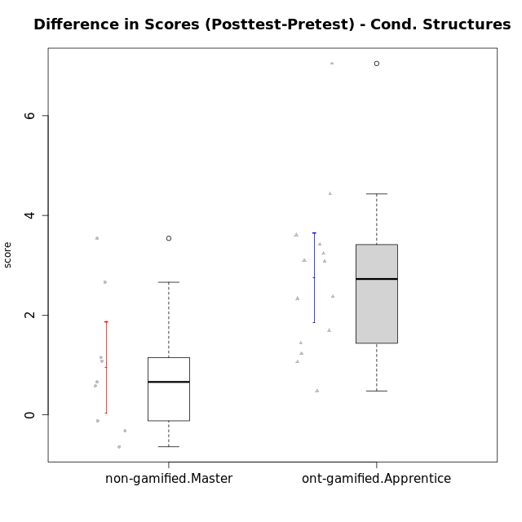

Student's t-Test data
UserID | NroUSP | Type | CLGroup | CLRole | PlayerRole | Re2 | Re1 | Un2 | Un1 | Ap2 | Ap3 | Ap1 | An3 | Ev2 | Ev1 | score.pre | ReB | ReA | UnB | UnA | ApB | ApC | ApA | AnC | EvB | EvA | score.pos | P1 | PA | PB | difScore
10170 | 10260351 | ont-gamified | Grupo Afrodite | Apprentice | Yee Achiever | 0.6 | 0.6 | 0.45 | 0.64 | 0 | 0 | 0.5 | 1.03 | 1.4 | 0.87 | 6.09 | 0.46 | 0.6 | 0.9 | 0.8 | 0.5 | 0.55 | 1 | 1.2 | 0.47 | 1.3 | 7.78 | 0 | 0 | 0 | 1.69
10176 | 10276949 | ont-gamified | Grupo Cronus | Apprentice | Yee Achiever | 0.7 | 0.6 | 0.45 | 0.53 | 0 | 1.1 | 1 | 0.86 | 0.35 | 0.87 | 6.96 | 0.7 | 0.6 | 0.9 | 0.8 | 1 | 0.55 | 1 | 1 | 0.47 | 0 | 8.395 | 0.5 | 0.75 | 0.625 | 1.435
10178 | 8656201 | ont-gamified | Grupo Morfeu | Apprentice | Yee Socializer | 0 | 0.21 | 0 | 0.53 | 0 | 0 | 0 | 0 | 1.4 | 0 | 2.39 | 0.46 | 0.33 | 0.9 | 0.8 | 0.5 | 0.55 | 1 | 1.2 | 0.47 | 1.3 | 9.4375 | 0.25 | 1 | 0.9375 | 7.0475
10179 | 10310759 | non-gamified | Grupo Team 9 | Master |  | 0.7 | 0.6 | 0.45 | 0.64 | 1 | 1.1 | 1 | 1.2 | 0 | 1.3 | 7.99 | 0.7 | 0.6 | 0.9 | 0.8 | 1 | 1.1 | 1 | 1.2 | 0.47 | 1.3 | 9.07 | 0 | 0 | 0 | 1.08
10183 | 10352030 | ont-gamified | Grupo Hélio | Apprentice | Yee Socializer | 0.46 | 0.55 | 0.45 | 0.8 | 1 | 0.18 | 0 | 1.03 | 0.35 | 0 | 5.07 | 0.7 | 0.6 | 0.6 | 0.8 | 0.75 | 0.18 | 1 | 1 | 0 | 1.3 | 8.305 | 0.25 | 0.75 | 0.625 | 3.235
10186 | 10310551 | ont-gamified | Grupo Ares | Apprentice | Yee Achiever | 0.7 | 0.49 | 0 | 0.64 | 0 | 1.1 | 1 | 1.2 | 0 | 1.3 | 6.43 | 0.7 | 0.6 | 0.9 | 0.8 | 1 | 1.1 | 1 | 1.2 | 0.93 | 1.3 | 9.53 | 0 | 0 | 0 | 3.1
10188 | 10276995 | non-gamified | Grupo Team 3 | Master |  | 0.56 | 0.6 | 0.9 | 0.53 | 1 | 1.1 | 1 | 1.2 | 1.4 | 1.3 | 10.34 | 0.7 | 0.6 | 0.9 | 0.8 | 1 | 1.1 | 1 | 1.2 | 1.4 | 1.3 | 11 | 0.75 | 1 | 0 | 0.66
10191 | 10276981 | non-gamified | Grupo Team 6 | Master |  | 0.56 | 0.6 | 0.9 | 0.64 | 1 | 0.55 | 1 | 1.2 | 1.4 | 1.3 | 9.15 | 0.7 | 0.6 | 0.9 | 0.53 | 1 | 1.1 | 1 | 1.2 | 1.4 | 1.3 | 9.73 | 0 | 0 | 0 | 0.58
10195 | 10351971 | ont-gamified | Grupo Urano | Apprentice | Yee Achiever | 0.6 | 0.6 | 0.45 | 0.64 | 1 | 0.55 | 1 | 0.43 | 0.35 | 1.3 | 6.92 | 0.7 | 0.6 | 0.9 | 0.8 | 0.5 | 0.55 | 1 | 0.4 | 1.4 | 1.3 | 8.15 | 0 | 0 | 0 | 1.23
10196 | 10310655 | ont-gamified | Grupo Hefesto | Apprentice | Yee Achiever | 0.46 | 0.43 | 0.45 | 0.37 | 0 | 0.55 | 1 | 1.2 | 0.7 | 0.87 | 6.53 | 0.7 | 0.6 | 0.9 | 0.8 | 1 | 1.1 | 1 | 1.2 | 0.47 | 1.3 | 9.945 | 0.5 | 0.25 | 0.625 | 3.415
10197 | 10276661 | ont-gamified | Grupo Gaia | Apprentice | Yee Achiever | 0.12 | 0.55 | 0 | 0.64 | 0 | 1.1 | 1 | 1.2 | 0.7 | 1.3 | 6.61 | 0.7 | 0.6 | 0.9 | 0.8 | 1 | 0.55 | 1 | 1.2 | 0.93 | 1.3 | 8.98 | 0 | 0 | 0 | 2.37
10198 | 10310888 | ont-gamified | Grupo Apolo | Apprentice | Yee Socializer | 0.12 | 0.38 | 0.45 | 0.37 | 0 | 0.18 | 1 | 0.26 | 0.7 | 0.87 | 4.59 | 0.7 | 0.6 | 0.6 | 0.53 | 1 | 0.55 | 1 | 1.2 | 0.47 | 1.3 | 8.2 | 0.25 | 0.25 | 0 | 3.61
10200 | 9795272 | ont-gamified | Grupo Hades | Apprentice | Yee Socializer | 0.56 | 0.31 | 0.45 | 0.8 | 0 | 0.55 | 1 | 1.03 | 1.4 | 1.3 | 7.65 | 0.56 | 0.6 | 0.9 | 0.8 | 1 | 1.1 | 1 | 1.2 | 0 | 1.3 | 8.71 | 0.25 | 0.25 | 0 | 1.06
10209 | 10262669 | ont-gamified | Grupo Artemis | Apprentice | Yee Achiever | 0.7 | 0.6 | 0.45 | 0.8 | 0 | 0.55 | 1 | 1.2 | 0 | 1.3 | 6.6 | 0.7 | 0.55 | 0.9 | 0.53 | 1 | 1.1 | 1 | 1.2 | 1.4 | 1.3 | 9.68 | 0 | 0 | 0 | 3.08
10214 | 10277022 | non-gamified | Grupo Team 5 | Master |  | 0.7 | 0.48 | 0.45 | 0.53 | 1 | 1.1 | 1 | 1.2 | 1.4 | 1.3 | 9.16 | 0.7 | 0.6 | 0.9 | 0.53 | 0.25 | 1.1 | 1 | 1.2 | 0.93 | 1.3 | 8.52 | 0 | 0 | 0 | -0.64
10216 | 10276720 | non-gamified | Grupo Team 15 | Master |  | 0.7 | 0.38 | 0.45 | 0.64 | 1 | 0.55 | 1 | 1.2 | 0 | 1.3 | 7.22 | 0.7 | 0.48 | 0.9 | 0.8 | 1 | 1.1 | 1 | 1.2 | 1.4 | 1.3 | 9.88 | 0 | 0 | 0 | 2.66
10217 | 9805341 | non-gamified | Grupo Team 13 | Master |  | 0.28 | 0.6 | 0.45 | 0.53 | 1 | 1.1 | 1 | 1.2 | 0 | 1.3 | 8.21 | 0.7 | 0.6 | 0.9 | 0.8 | 1 | 1.1 | 1 | 1.2 | 1.4 | 1.3 | 11.75 | 0.75 | 0.5 | 1.25 | 3.54
10219 | 10276831 | non-gamified | Grupo Team 12 | Master |  | 0.7 | 0.6 | 0.45 | 0.27 | 1 | 0.55 | 1 | 1.2 | 1.4 | 1.3 | 8.47 | 0.7 | 0.6 | 0.9 | 0.8 | 1 | 0.18 | 1 | 1.2 | 0.47 | 1.3 | 8.15 | 0 | 0 | 0 | -0.32
10221 | 9082496 | ont-gamified | Grupo Hermes | Apprentice | Yee Achiever | 0.6 | 0.27 | 0 | 0.53 | 0 | 0.18 | 0 | 0.86 | 1.4 | 0.87 | 4.72 | 0.56 | 0.38 | 0 | 0.11 | 0 | 0.18 | 1 | 1.2 | 0.47 | 1.3 | 5.2 | 0 | 0 | 0 | 0.48
10230 | 10351992 | non-gamified | Grupo Team 14 | Master |  | 0 | 0.44 | 0.9 | 0.48 | 0 | 1.1 | 1 | 1.2 | 1.4 | 0.87 | 7.38 | 0.56 | 0.6 | 0.6 | 0.48 | 0.5 | 0.55 | 1 | 1.2 | 0.47 | 1.3 | 7.26 | 0 | 0 | 0 | -0.12
10231 | 10276911 | ont-gamified | Grupo Caronte | Apprentice | Yee Achiever | 0.7 | 0.49 | 0.9 | 0.53 | 1 | 0 | 1 | 1.2 | 0 | 1.3 | 7.12 | 0.7 | 0.6 | 0.9 | 0.8 | 1 | 0.55 | 1 | 1.2 | 1.4 | 1.3 | 9.45 | 0 | 0 | 0 | 2.33
10237 | 10377688 | non-gamified | Grupo Team 11 | Master |  | 0.6 | 0.6 | 0.45 | 0.8 | 1 | 1.1 | 1 | 0 | 0.7 | 1.3 | 7.55 | 0.7 | 0.6 | 0.9 | 0.8 | 0.5 | 1.1 | 1 | 0.4 | 1.4 | 1.3 | 8.7 | 0 | 0 | 0 | 1.15
10240 | 10276654 | ont-gamified | Grupo Hera | Apprentice | Yee Achiever | 0.56 | 0 | 0 | 0.27 | 0 | 1.1 | 0 | 1.2 | 0 | 0 | 3.13 | 0.7 | 0.49 | 0 | 0.8 | 0.5 | 1.1 | 1 | 1.2 | 0.47 | 1.3 | 7.56 | 0 | 0 | 0 | 4.43

Type_CLRole_5
Student's t-Test for Difference in Scores (Posttest-Pretest) - Cond. Structures in Type:CLRole between non-gamified.Master:ont-gamified.Master

Student's t-Test results
Alternative hypothesis: less
Group | N | Mean | Mean.Difference | Std.deviation | Std.error | CI.lower | CI.upper | df | t.value | p.value | g | magnitude
non-gamified.Master | 9 | 0.95444444444 | 0.55498015873 | 1.3782154323 | 0.45940514409 | 0.035634156257 | 1.8732547326 | 13.658854162 | 1.0370666556 | 0.84114163734 | 0.45594358265 | small
ont-gamified.Master | 14 | 0.39946428571 | -0.55498015873 | 1.0269208917 | 0.27445615287 | -0.14944802002 | 0.94837659145 | 13.658854162 | 1.0370666556 | 0.84114163734 | 0.45594358265 | small
Alternative hypothesis: greater
Group | N | Mean | Mean.Difference | Std.deviation | Std.error | CI.lower | CI.upper | df | t.value | p.value | g | magnitude
non-gamified.Master | 9 | 0.95444444444 | 0.55498015873 | 1.3782154323 | 0.45940514409 | 0.035634156257 | 1.8732547326 | 13.658854162 | 1.0370666556 | 0.15885836266 | 0.45594358265 | small
ont-gamified.Master | 14 | 0.39946428571 | -0.55498015873 | 1.0269208917 | 0.27445615287 | -0.14944802002 | 0.94837659145 | 13.658854162 | 1.0370666556 | 0.15885836266 | 0.45594358265 | small
Alternative hypothesis: two.sided
Group | N | Mean | Mean.Difference | Std.deviation | Std.error | CI.lower | CI.upper | df | t.value | p.value | g | magnitude
non-gamified.Master | 9 | 0.95444444444 | 0.55498015873 | 1.3782154323 | 0.45940514409 | 0.035634156257 | 1.8732547326 | 13.658854162 | 1.0370666556 | 0.31771672533 | 0.45594358265 | small
ont-gamified.Master | 14 | 0.39946428571 | -0.55498015873 | 1.0269208917 | 0.27445615287 | -0.14944802002 | 0.94837659145 | 13.658854162 | 1.0370666556 | 0.31771672533 | 0.45594358265 | small

Box plots for Student's t-Test
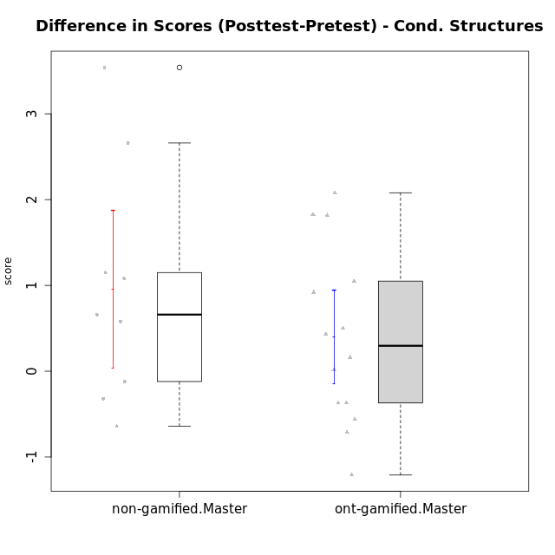

Student's t-Test data
UserID | NroUSP | Type | CLGroup | CLRole | PlayerRole | Re2 | Re1 | Un2 | Un1 | Ap2 | Ap3 | Ap1 | An3 | Ev2 | Ev1 | score.pre | ReB | ReA | UnB | UnA | ApB | ApC | ApA | AnC | EvB | EvA | score.pos | P1 | PA | PB | difScore
10169 | 10377538 | ont-gamified | Grupo Hefesto | Master | Yee Achiever | 0.7 | 0.6 | 0 | 0.64 | 1 | 0.55 | 1 | 0.6 | 1.4 | 1.3 | 7.79 | 0.56 | 0.6 | 0.6 | 0.8 | 0.5 | 0.18 | 1 | 0.6 | 0.93 | 1.3 | 7.08 | 0 | 0 | 0 | -0.71
10174 | 10276852 | ont-gamified | Grupo Urano | Master | Yee Achiever | 0.7 | 0.26 | 0.45 | 0.64 | 1 | 0.55 | 1 | 0.6 | 0.7 | 1.3 | 7.2 | 0.22 | 0.32 | 0.9 | 0.37 | 0.5 | 0.18 | 1 | 1.2 | 0 | 1.3 | 5.99 | 0 | 0 | 0 | -1.21
10175 | 10310700 | ont-gamified | Grupo Hélio | Master | Yee Socializer | 0.6 | 0.6 | 0.45 | 0.64 | 1 | 1.1 | 1 | 1.2 | 1.4 | 1.3 | 9.29 | 0.7 | 0.6 | 0.9 | 0.8 | 1 | 0.55 | 1 | 1.2 | 1.4 | 1.3 | 9.45 | 0 | 0 | 0 | 0.16
10179 | 10310759 | non-gamified | Grupo Team 9 | Master |  | 0.7 | 0.6 | 0.45 | 0.64 | 1 | 1.1 | 1 | 1.2 | 0 | 1.3 | 7.99 | 0.7 | 0.6 | 0.9 | 0.8 | 1 | 1.1 | 1 | 1.2 | 0.47 | 1.3 | 9.07 | 0 | 0 | 0 | 1.08
10184 | 10276675 | ont-gamified | Grupo Apolo | Master | Yee Socializer | 0.7 | 0.6 | 0 | 0.64 | 1 | 0.55 | 1 | 1.03 | 1.4 | 1.3 | 9.22 | 0.7 | 0.6 | 0 | 0.8 | 1 | 1.1 | 1 | 1.2 | 1.4 | 1.3 | 11.0375 | 1 | 1 | 0.9375 | 1.8175
10188 | 10276995 | non-gamified | Grupo Team 3 | Master |  | 0.56 | 0.6 | 0.9 | 0.53 | 1 | 1.1 | 1 | 1.2 | 1.4 | 1.3 | 10.34 | 0.7 | 0.6 | 0.9 | 0.8 | 1 | 1.1 | 1 | 1.2 | 1.4 | 1.3 | 11 | 0.75 | 1 | 0 | 0.66
10189 | 9363926 | ont-gamified | Grupo Hades | Master | Yee Socializer | 0.46 | 0.27 | 0.45 | 0.64 | 1 | 1.1 | 1 | 1.03 | 1.4 | 1.3 | 8.9 | 0.7 | 0.38 | 0 | 0.8 | 1 | 1.1 | 1 | 1 | 0 | 1.3 | 8.3425 | 0.25 | 0.75 | 0.3125 | -0.5575
10191 | 10276981 | non-gamified | Grupo Team 6 | Master |  | 0.56 | 0.6 | 0.9 | 0.64 | 1 | 0.55 | 1 | 1.2 | 1.4 | 1.3 | 9.15 | 0.7 | 0.6 | 0.9 | 0.53 | 1 | 1.1 | 1 | 1.2 | 1.4 | 1.3 | 9.73 | 0 | 0 | 0 | 0.58
10193 | 10276762 | ont-gamified | Grupo Afrodite | Master | Yee Achiever | 0.6 | 0.55 | 0.9 | 0.64 | 1 | 0.55 | 1 | 1.2 | 0 | 1.3 | 8.74 | 0.7 | 0.49 | 0 | 0.8 | 1 | 1.1 | 1 | 1 | 1.4 | 1.3 | 9.79 | 1 | 1 | 0 | 1.05
10199 | 10276737 | ont-gamified | Grupo Gaia | Master | Yee Achiever | 0.6 | 0.6 | 0.45 | 0.53 | 1 | 1.1 | 0 | 1.2 | 0.7 | 1.3 | 7.48 | 0.7 | 0.48 | 0.9 | 0.53 | 1 | 1.1 | 0 | 1 | 1.4 | 0 | 7.11 | 0 | 0 | 0 | -0.37
10201 | 10276928 | ont-gamified | Grupo Caronte | Master | Yee Achiever | 0.7 | 0.6 | 0.45 | 0.53 | 0 | 1.1 | 1 | 1.2 | 1.4 | 1.3 | 9.28 | 0.7 | 0.6 | 0.6 | 0.8 | 1 | 0.55 | 1 | 1.2 | 1.4 | 1.3 | 9.7125 | 1 | 0.25 | 0.3125 | 0.4325
10204 | 10310471 | ont-gamified | Grupo Hermes | Master | Yee Achiever | 0.6 | 0.6 | 0.9 | 0.64 | 1 | 1.1 | 1 | 0.69 | 1.4 | 1.3 | 9.23 | 0.7 | 0.6 | 0.9 | 0.8 | 1 | 0.55 | 1 | 1 | 1.4 | 1.3 | 9.25 | 0 | 0 | 0 | 0.02
10206 | 10310721 | ont-gamified | Grupo Hera | Master | Yee Achiever | 0.7 | 0.6 | 0.45 | 0.53 | 1 | 1.1 | 1 | 1.2 | 1.4 | 1.3 | 10.03 | 0.7 | 0.55 | 0.9 | 0.8 | 0.25 | 0.18 | 1 | 1.2 | 1.4 | 1.3 | 10.53 | 0.75 | 1 | 1.25 | 0.5
10213 | 10277040 | ont-gamified | Grupo Morfeu | Master | Yee Socializer | 0.18 | 0.48 | 0.9 | 0.64 | 1 | 1.1 | 1 | 1.2 | 0.35 | 1.3 | 8.15 | 0.7 | 0.6 | 0.9 | 0.8 | 1 | 1.1 | 1 | 1.2 | 0.47 | 1.3 | 9.07 | 0 | 0 | 0 | 0.92
10214 | 10277022 | non-gamified | Grupo Team 5 | Master |  | 0.7 | 0.48 | 0.45 | 0.53 | 1 | 1.1 | 1 | 1.2 | 1.4 | 1.3 | 9.16 | 0.7 | 0.6 | 0.9 | 0.53 | 0.25 | 1.1 | 1 | 1.2 | 0.93 | 1.3 | 8.52 | 0 | 0 | 0 | -0.64
10216 | 10276720 | non-gamified | Grupo Team 15 | Master |  | 0.7 | 0.38 | 0.45 | 0.64 | 1 | 0.55 | 1 | 1.2 | 0 | 1.3 | 7.22 | 0.7 | 0.48 | 0.9 | 0.8 | 1 | 1.1 | 1 | 1.2 | 1.4 | 1.3 | 9.88 | 0 | 0 | 0 | 2.66
10217 | 9805341 | non-gamified | Grupo Team 13 | Master |  | 0.28 | 0.6 | 0.45 | 0.53 | 1 | 1.1 | 1 | 1.2 | 0 | 1.3 | 8.21 | 0.7 | 0.6 | 0.9 | 0.8 | 1 | 1.1 | 1 | 1.2 | 1.4 | 1.3 | 11.75 | 0.75 | 0.5 | 1.25 | 3.54
10218 | 9842913 | ont-gamified | Grupo Ares | Master | Yee Achiever | 0.7 | 0.44 | 0 | 0.64 | 1 | 0.55 | 1 | 1.2 | 0.7 | 1.3 | 8.53 | 0.56 | 0.6 | 0.9 | 0.8 | 0.75 | 1.1 | 1 | 1.2 | 1.4 | 1.3 | 10.36 | 1 | 0.75 | 0 | 1.83
10219 | 10276831 | non-gamified | Grupo Team 12 | Master |  | 0.7 | 0.6 | 0.45 | 0.27 | 1 | 0.55 | 1 | 1.2 | 1.4 | 1.3 | 8.47 | 0.7 | 0.6 | 0.9 | 0.8 | 1 | 0.18 | 1 | 1.2 | 0.47 | 1.3 | 8.15 | 0 | 0 | 0 | -0.32
10223 | 9795185 | ont-gamified | Grupo Cronus | Master | Yee Achiever | 0.6 | 0.48 | 0.9 | 0.64 | 1 | 0.55 | 1 | 1.03 | 0 | 1.3 | 7.5 | 0.7 | 0.38 | 0.9 | 0.8 | 1 | 1.1 | 1 | 1 | 1.4 | 1.3 | 9.58 | 0 | 0 | 0 | 2.08
10230 | 10351992 | non-gamified | Grupo Team 14 | Master |  | 0 | 0.44 | 0.9 | 0.48 | 0 | 1.1 | 1 | 1.2 | 1.4 | 0.87 | 7.38 | 0.56 | 0.6 | 0.6 | 0.48 | 0.5 | 0.55 | 1 | 1.2 | 0.47 | 1.3 | 7.26 | 0 | 0 | 0 | -0.12
10232 | 10276974 | ont-gamified | Grupo Artemis | Master | Yee Achiever | 0.42 | 0.6 | 0.45 | 0.64 | 1 | 1.1 | 1 | 0.43 | 1.4 | 1.3 | 8.34 | 0.7 | 0.6 | 0.9 | 0.8 | 1 | 0 | 1 | 1.2 | 0.47 | 1.3 | 7.97 | 0 | 0 | 0 | -0.37
10237 | 10377688 | non-gamified | Grupo Team 11 | Master |  | 0.6 | 0.6 | 0.45 | 0.8 | 1 | 1.1 | 1 | 0 | 0.7 | 1.3 | 7.55 | 0.7 | 0.6 | 0.9 | 0.8 | 0.5 | 1.1 | 1 | 0.4 | 1.4 | 1.3 | 8.7 | 0 | 0 | 0 | 1.15

Type_CLRole_6
Student's t-Test for Difference in Scores (Posttest-Pretest) - Cond. Structures in Type:CLRole between ont-gamified.Apprentice:ont-gamified.Master

Student's t-Test results
Alternative hypothesis: less
Group | N | Mean | Mean.Difference | Std.deviation | Std.error | CI.lower | CI.upper | df | t.value | p.value | g | magnitude
ont-gamified.Apprentice | 14 | 2.7508928571 | 2.3514285714 | 1.6740639196 | 0.44741240219 | 1.8560680528 | 3.6457176615 | 21.570175601 | 4.4798947099 | 0.99990259659 | 1.6439233429 | large
ont-gamified.Master | 14 | 0.39946428571 | -2.3514285714 | 1.0269208917 | 0.27445615287 | -0.14944802002 | 0.94837659145 | 21.570175601 | 4.4798947099 | 0.99990259659 | 1.6439233429 | large
Alternative hypothesis: greater
Group | N | Mean | Mean.Difference | Std.deviation | Std.error | CI.lower | CI.upper | df | t.value | p.value | g | magnitude
ont-gamified.Apprentice | 14 | 2.7508928571 | 2.3514285714 | 1.6740639196 | 0.44741240219 | 1.8560680528 | 3.6457176615 | 21.570175601 | 4.4798947099 | 9.7403410117E-05 | 1.6439233429 | large
ont-gamified.Master | 14 | 0.39946428571 | -2.3514285714 | 1.0269208917 | 0.27445615287 | -0.14944802002 | 0.94837659145 | 21.570175601 | 4.4798947099 | 9.7403410117E-05 | 1.6439233429 | large
Alternative hypothesis: two.sided
Group | N | Mean | Mean.Difference | Std.deviation | Std.error | CI.lower | CI.upper | df | t.value | p.value | g | magnitude
ont-gamified.Apprentice | 14 | 2.7508928571 | 2.3514285714 | 1.6740639196 | 0.44741240219 | 1.8560680528 | 3.6457176615 | 21.570175601 | 4.4798947099 | 0.00019480682023 | 1.6439233429 | large
ont-gamified.Master | 14 | 0.39946428571 | -2.3514285714 | 1.0269208917 | 0.27445615287 | -0.14944802002 | 0.94837659145 | 21.570175601 | 4.4798947099 | 0.00019480682023 | 1.6439233429 | large

Box plots for Student's t-Test
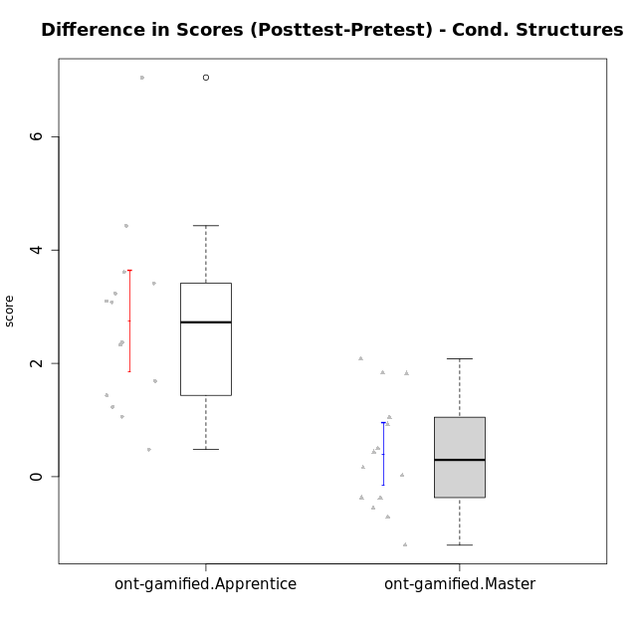

Student's t-Test data
UserID | NroUSP | Type | CLGroup | CLRole | PlayerRole | Re2 | Re1 | Un2 | Un1 | Ap2 | Ap3 | Ap1 | An3 | Ev2 | Ev1 | score.pre | ReB | ReA | UnB | UnA | ApB | ApC | ApA | AnC | EvB | EvA | score.pos | P1 | PA | PB | difScore
10169 | 10377538 | ont-gamified | Grupo Hefesto | Master | Yee Achiever | 0.7 | 0.6 | 0 | 0.64 | 1 | 0.55 | 1 | 0.6 | 1.4 | 1.3 | 7.79 | 0.56 | 0.6 | 0.6 | 0.8 | 0.5 | 0.18 | 1 | 0.6 | 0.93 | 1.3 | 7.08 | 0 | 0 | 0 | -0.71
10170 | 10260351 | ont-gamified | Grupo Afrodite | Apprentice | Yee Achiever | 0.6 | 0.6 | 0.45 | 0.64 | 0 | 0 | 0.5 | 1.03 | 1.4 | 0.87 | 6.09 | 0.46 | 0.6 | 0.9 | 0.8 | 0.5 | 0.55 | 1 | 1.2 | 0.47 | 1.3 | 7.78 | 0 | 0 | 0 | 1.69
10174 | 10276852 | ont-gamified | Grupo Urano | Master | Yee Achiever | 0.7 | 0.26 | 0.45 | 0.64 | 1 | 0.55 | 1 | 0.6 | 0.7 | 1.3 | 7.2 | 0.22 | 0.32 | 0.9 | 0.37 | 0.5 | 0.18 | 1 | 1.2 | 0 | 1.3 | 5.99 | 0 | 0 | 0 | -1.21
10175 | 10310700 | ont-gamified | Grupo Hélio | Master | Yee Socializer | 0.6 | 0.6 | 0.45 | 0.64 | 1 | 1.1 | 1 | 1.2 | 1.4 | 1.3 | 9.29 | 0.7 | 0.6 | 0.9 | 0.8 | 1 | 0.55 | 1 | 1.2 | 1.4 | 1.3 | 9.45 | 0 | 0 | 0 | 0.16
10176 | 10276949 | ont-gamified | Grupo Cronus | Apprentice | Yee Achiever | 0.7 | 0.6 | 0.45 | 0.53 | 0 | 1.1 | 1 | 0.86 | 0.35 | 0.87 | 6.96 | 0.7 | 0.6 | 0.9 | 0.8 | 1 | 0.55 | 1 | 1 | 0.47 | 0 | 8.395 | 0.5 | 0.75 | 0.625 | 1.435
10178 | 8656201 | ont-gamified | Grupo Morfeu | Apprentice | Yee Socializer | 0 | 0.21 | 0 | 0.53 | 0 | 0 | 0 | 0 | 1.4 | 0 | 2.39 | 0.46 | 0.33 | 0.9 | 0.8 | 0.5 | 0.55 | 1 | 1.2 | 0.47 | 1.3 | 9.4375 | 0.25 | 1 | 0.9375 | 7.0475
10183 | 10352030 | ont-gamified | Grupo Hélio | Apprentice | Yee Socializer | 0.46 | 0.55 | 0.45 | 0.8 | 1 | 0.18 | 0 | 1.03 | 0.35 | 0 | 5.07 | 0.7 | 0.6 | 0.6 | 0.8 | 0.75 | 0.18 | 1 | 1 | 0 | 1.3 | 8.305 | 0.25 | 0.75 | 0.625 | 3.235
10184 | 10276675 | ont-gamified | Grupo Apolo | Master | Yee Socializer | 0.7 | 0.6 | 0 | 0.64 | 1 | 0.55 | 1 | 1.03 | 1.4 | 1.3 | 9.22 | 0.7 | 0.6 | 0 | 0.8 | 1 | 1.1 | 1 | 1.2 | 1.4 | 1.3 | 11.0375 | 1 | 1 | 0.9375 | 1.8175
10186 | 10310551 | ont-gamified | Grupo Ares | Apprentice | Yee Achiever | 0.7 | 0.49 | 0 | 0.64 | 0 | 1.1 | 1 | 1.2 | 0 | 1.3 | 6.43 | 0.7 | 0.6 | 0.9 | 0.8 | 1 | 1.1 | 1 | 1.2 | 0.93 | 1.3 | 9.53 | 0 | 0 | 0 | 3.1
10189 | 9363926 | ont-gamified | Grupo Hades | Master | Yee Socializer | 0.46 | 0.27 | 0.45 | 0.64 | 1 | 1.1 | 1 | 1.03 | 1.4 | 1.3 | 8.9 | 0.7 | 0.38 | 0 | 0.8 | 1 | 1.1 | 1 | 1 | 0 | 1.3 | 8.3425 | 0.25 | 0.75 | 0.3125 | -0.5575
10193 | 10276762 | ont-gamified | Grupo Afrodite | Master | Yee Achiever | 0.6 | 0.55 | 0.9 | 0.64 | 1 | 0.55 | 1 | 1.2 | 0 | 1.3 | 8.74 | 0.7 | 0.49 | 0 | 0.8 | 1 | 1.1 | 1 | 1 | 1.4 | 1.3 | 9.79 | 1 | 1 | 0 | 1.05
10195 | 10351971 | ont-gamified | Grupo Urano | Apprentice | Yee Achiever | 0.6 | 0.6 | 0.45 | 0.64 | 1 | 0.55 | 1 | 0.43 | 0.35 | 1.3 | 6.92 | 0.7 | 0.6 | 0.9 | 0.8 | 0.5 | 0.55 | 1 | 0.4 | 1.4 | 1.3 | 8.15 | 0 | 0 | 0 | 1.23
10196 | 10310655 | ont-gamified | Grupo Hefesto | Apprentice | Yee Achiever | 0.46 | 0.43 | 0.45 | 0.37 | 0 | 0.55 | 1 | 1.2 | 0.7 | 0.87 | 6.53 | 0.7 | 0.6 | 0.9 | 0.8 | 1 | 1.1 | 1 | 1.2 | 0.47 | 1.3 | 9.945 | 0.5 | 0.25 | 0.625 | 3.415
10197 | 10276661 | ont-gamified | Grupo Gaia | Apprentice | Yee Achiever | 0.12 | 0.55 | 0 | 0.64 | 0 | 1.1 | 1 | 1.2 | 0.7 | 1.3 | 6.61 | 0.7 | 0.6 | 0.9 | 0.8 | 1 | 0.55 | 1 | 1.2 | 0.93 | 1.3 | 8.98 | 0 | 0 | 0 | 2.37
10198 | 10310888 | ont-gamified | Grupo Apolo | Apprentice | Yee Socializer | 0.12 | 0.38 | 0.45 | 0.37 | 0 | 0.18 | 1 | 0.26 | 0.7 | 0.87 | 4.59 | 0.7 | 0.6 | 0.6 | 0.53 | 1 | 0.55 | 1 | 1.2 | 0.47 | 1.3 | 8.2 | 0.25 | 0.25 | 0 | 3.61
10199 | 10276737 | ont-gamified | Grupo Gaia | Master | Yee Achiever | 0.6 | 0.6 | 0.45 | 0.53 | 1 | 1.1 | 0 | 1.2 | 0.7 | 1.3 | 7.48 | 0.7 | 0.48 | 0.9 | 0.53 | 1 | 1.1 | 0 | 1 | 1.4 | 0 | 7.11 | 0 | 0 | 0 | -0.37
10200 | 9795272 | ont-gamified | Grupo Hades | Apprentice | Yee Socializer | 0.56 | 0.31 | 0.45 | 0.8 | 0 | 0.55 | 1 | 1.03 | 1.4 | 1.3 | 7.65 | 0.56 | 0.6 | 0.9 | 0.8 | 1 | 1.1 | 1 | 1.2 | 0 | 1.3 | 8.71 | 0.25 | 0.25 | 0 | 1.06
10201 | 10276928 | ont-gamified | Grupo Caronte | Master | Yee Achiever | 0.7 | 0.6 | 0.45 | 0.53 | 0 | 1.1 | 1 | 1.2 | 1.4 | 1.3 | 9.28 | 0.7 | 0.6 | 0.6 | 0.8 | 1 | 0.55 | 1 | 1.2 | 1.4 | 1.3 | 9.7125 | 1 | 0.25 | 0.3125 | 0.4325
10204 | 10310471 | ont-gamified | Grupo Hermes | Master | Yee Achiever | 0.6 | 0.6 | 0.9 | 0.64 | 1 | 1.1 | 1 | 0.69 | 1.4 | 1.3 | 9.23 | 0.7 | 0.6 | 0.9 | 0.8 | 1 | 0.55 | 1 | 1 | 1.4 | 1.3 | 9.25 | 0 | 0 | 0 | 0.02
10206 | 10310721 | ont-gamified | Grupo Hera | Master | Yee Achiever | 0.7 | 0.6 | 0.45 | 0.53 | 1 | 1.1 | 1 | 1.2 | 1.4 | 1.3 | 10.03 | 0.7 | 0.55 | 0.9 | 0.8 | 0.25 | 0.18 | 1 | 1.2 | 1.4 | 1.3 | 10.53 | 0.75 | 1 | 1.25 | 0.5
10209 | 10262669 | ont-gamified | Grupo Artemis | Apprentice | Yee Achiever | 0.7 | 0.6 | 0.45 | 0.8 | 0 | 0.55 | 1 | 1.2 | 0 | 1.3 | 6.6 | 0.7 | 0.55 | 0.9 | 0.53 | 1 | 1.1 | 1 | 1.2 | 1.4 | 1.3 | 9.68 | 0 | 0 | 0 | 3.08
10213 | 10277040 | ont-gamified | Grupo Morfeu | Master | Yee Socializer | 0.18 | 0.48 | 0.9 | 0.64 | 1 | 1.1 | 1 | 1.2 | 0.35 | 1.3 | 8.15 | 0.7 | 0.6 | 0.9 | 0.8 | 1 | 1.1 | 1 | 1.2 | 0.47 | 1.3 | 9.07 | 0 | 0 | 0 | 0.92
10218 | 9842913 | ont-gamified | Grupo Ares | Master | Yee Achiever | 0.7 | 0.44 | 0 | 0.64 | 1 | 0.55 | 1 | 1.2 | 0.7 | 1.3 | 8.53 | 0.56 | 0.6 | 0.9 | 0.8 | 0.75 | 1.1 | 1 | 1.2 | 1.4 | 1.3 | 10.36 | 1 | 0.75 | 0 | 1.83
10221 | 9082496 | ont-gamified | Grupo Hermes | Apprentice | Yee Achiever | 0.6 | 0.27 | 0 | 0.53 | 0 | 0.18 | 0 | 0.86 | 1.4 | 0.87 | 4.72 | 0.56 | 0.38 | 0 | 0.11 | 0 | 0.18 | 1 | 1.2 | 0.47 | 1.3 | 5.2 | 0 | 0 | 0 | 0.48
10223 | 9795185 | ont-gamified | Grupo Cronus | Master | Yee Achiever | 0.6 | 0.48 | 0.9 | 0.64 | 1 | 0.55 | 1 | 1.03 | 0 | 1.3 | 7.5 | 0.7 | 0.38 | 0.9 | 0.8 | 1 | 1.1 | 1 | 1 | 1.4 | 1.3 | 9.58 | 0 | 0 | 0 | 2.08
10231 | 10276911 | ont-gamified | Grupo Caronte | Apprentice | Yee Achiever | 0.7 | 0.49 | 0.9 | 0.53 | 1 | 0 | 1 | 1.2 | 0 | 1.3 | 7.12 | 0.7 | 0.6 | 0.9 | 0.8 | 1 | 0.55 | 1 | 1.2 | 1.4 | 1.3 | 9.45 | 0 | 0 | 0 | 2.33
10232 | 10276974 | ont-gamified | Grupo Artemis | Master | Yee Achiever | 0.42 | 0.6 | 0.45 | 0.64 | 1 | 1.1 | 1 | 0.43 | 1.4 | 1.3 | 8.34 | 0.7 | 0.6 | 0.9 | 0.8 | 1 | 0 | 1 | 1.2 | 0.47 | 1.3 | 7.97 | 0 | 0 | 0 | -0.37
10240 | 10276654 | ont-gamified | Grupo Hera | Apprentice | Yee Achiever | 0.56 | 0 | 0 | 0.27 | 0 | 1.1 | 0 | 1.2 | 0 | 0 | 3.13 | 0.7 | 0.49 | 0 | 0.8 | 0.5 | 1.1 | 1 | 1.2 | 0.47 | 1.3 | 7.56 | 0 | 0 | 0 | 4.43

