Assumptions
ANOVA assumptions for Difference in Scores (Posttest-Pretest) - Cond. Structures

Shapiro-Wilk normality test for Difference in Scores (Posttest-Pretest) - Cond. Structures
W | p.value
0.96284459388 | 0.077431370249

Plots for normality test
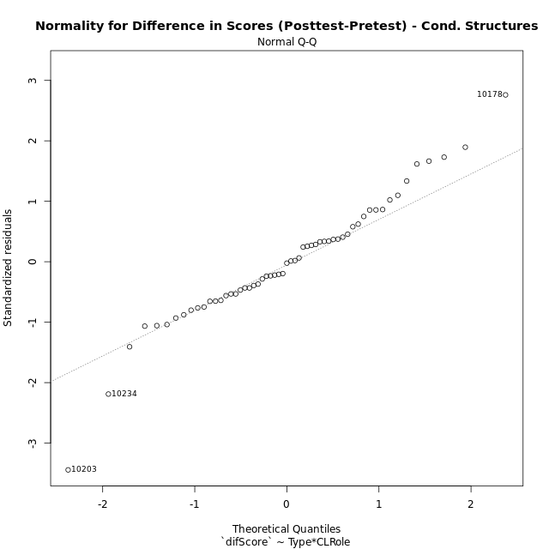

Levene's Test for Homogeneity of Variance in Difference in Scores (Posttest-Pretest) - Cond. Structures
Df | F value | Pr(>F)
3 | 1.2905355387 | 0.28721880287
53

Plots for homogeneity of variance
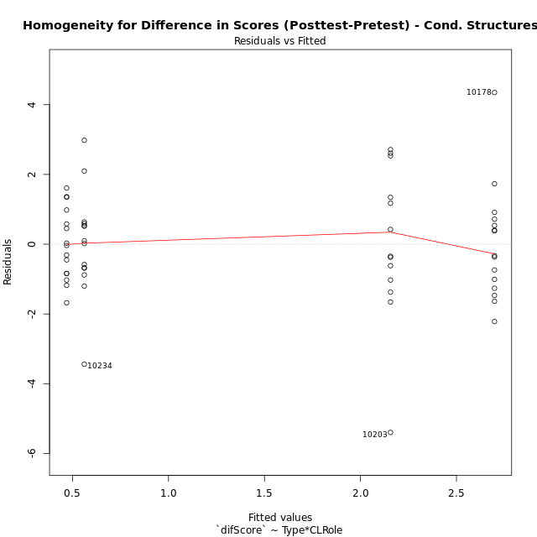

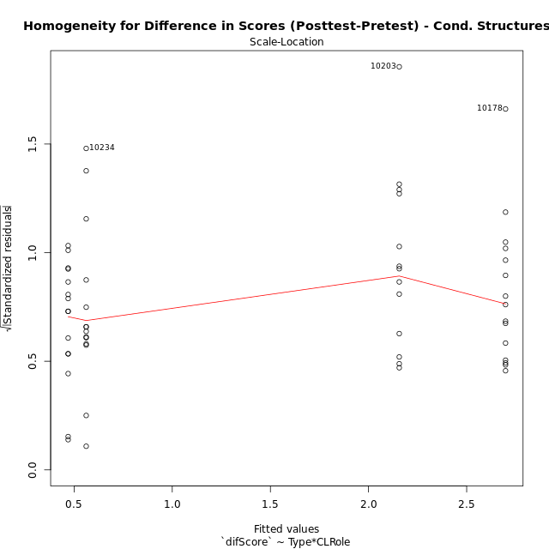

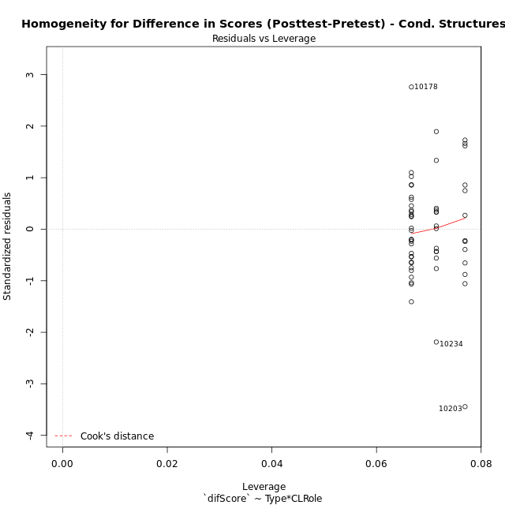

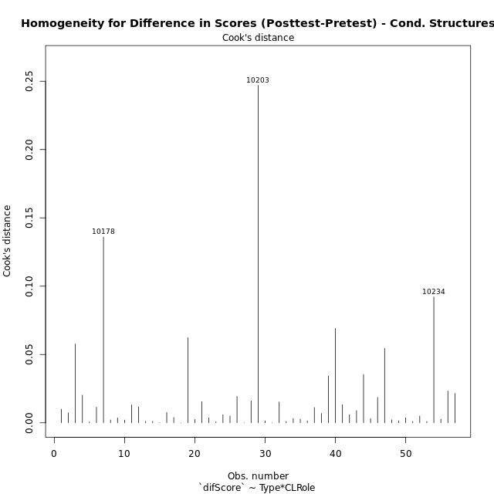

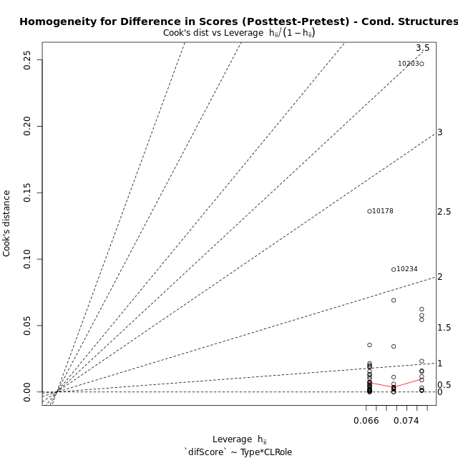

Minimum Sample Size Test for Difference in Scores (Posttest-Pretest) - Cond. Structures
Type | CLRole | Freq
non-gamified | Apprentice | 13
ont-gamified | Apprentice | 15
non-gamified | Master | 14
ont-gamified | Master | 15

Errors and Warnings in Sample Size Test for ANOVA in Difference in Scores (Posttest-Pretest) - Cond. Structures
code | description
WARN: sample.size | current size is 13 and recommended size is 15 for the group: 'non-gamified:Apprentice'.
WARN: sample.size | current size is 14 and recommended size is 15 for the group: 'non-gamified:Master'.

For the group: 'non-gamified:Apprentice', we recommend the use of non-parametric test. For the group: 'ont-gamified:Apprentice', you can perform a parametric test without having a normal distribution For the group: 'non-gamified:Master', we recommend the use of non-parametric test. For the group: 'ont-gamified:Master', you can perform a parametric test without having a normal distribution

If you don't want to remove non-normal data, you must cite the following references: ... (1) Lix, L.M., J.C. Keselman, and H.J. Keselman. 1996. Consequences of assumption violations revisited: A quantitative review of alternatives to the one-way analysis of variance F test. Rev. Educ. Res. 66: 579-619. ... (2) Harwell, M.R., E.N. Rubinstein, W.S. Hayes, and C.C. Olds. 1992. Summarizing Monte Carlo results in methodological research: the one- and two-factor fixed effects ANOVA cases. J. Educ. Stat. 17: 315-339.

Post-hoc
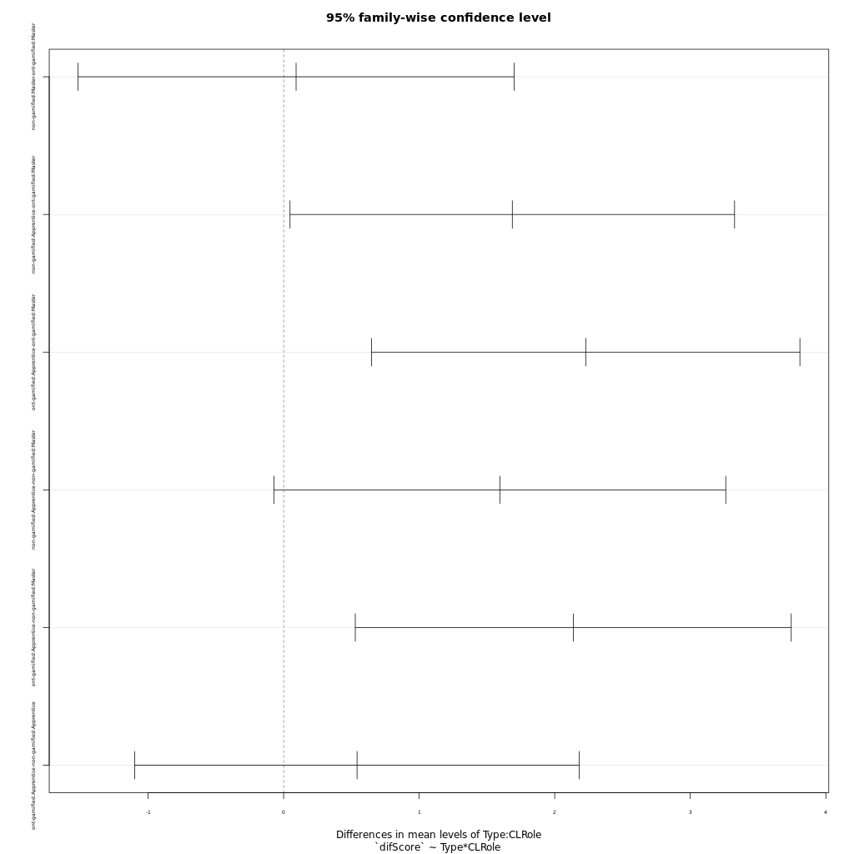
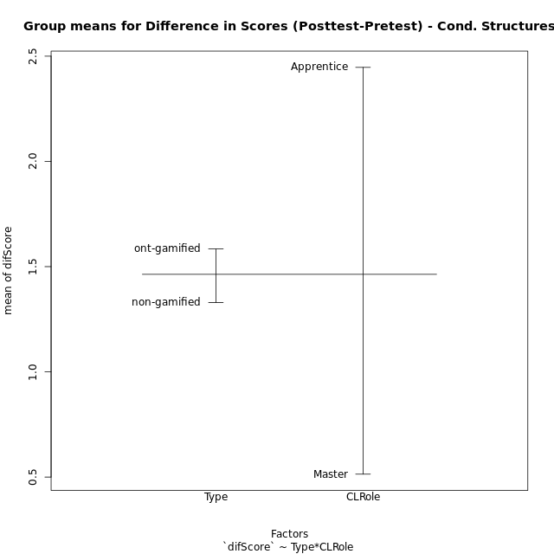
Post-hoc Tukey Honestly Significant Difference (HSD) Test for Difference in Scores (Posttest-Pretest) - Cond. Structures

Comparisons of means for Type
 | diff | lwr | upr | p adj
ont-gamified-non-gamified | 0.25438888889 | -0.61365088998 | 1.1224286678 | 0.55915844136

Comparisons of means for CLRole
 | diff | lwr | upr | p adj
Apprentice-Master | 1.9281178161 | 1.0611477108 | 2.7950879214 | 4.2858143753E-05

Comparisons of means for Type:CLRole
 | diff | lwr | upr | p adj
non-gamified:Master-ont-gamified:Master | 0.091928571429 | -1.5161464837 | 1.7000036265 | 0.99874165441
non-gamified:Apprentice-ont-gamified:Master | 1.6870384615 | 0.047284557782 | 3.3267923653 | 0.041517321235
ont-gamified:Apprentice-ont-gamified:Master | 2.2286666667 | 0.64856026782 | 3.8087730655 | 0.0024771906734
non-gamified:Apprentice-non-gamified:Master | 1.5951098901 | -0.071612047112 | 3.2618318273 | 0.065413687488
ont-gamified:Apprentice-non-gamified:Master | 2.1367380952 | 0.52866304015 | 3.7448131503 | 0.0047587615268
ont-gamified:Apprentice-non-gamified:Apprentice | 0.54162820513 | -1.0981256986 | 2.1813821089 | 0.81715413294

Contrast Matrices for Difference in Scores (Posttest-Pretest) - Cond. Structures - Type
contrast | estimate | SE | df | t.ratio | p.value
non-gamified - ont-gamified | -0.22484981685 | 0.43293293555 | 53 | -0.51936408249 | 0.6056691236

Contrast Matrices for Difference in Scores (Posttest-Pretest) - Cond. Structures - Type:CLRole
contrast | CLRole | estimate | SE | df | t.ratio | p.value
non-gamified - ont-gamified | Apprentice | -0.54162820513 | 0.61820211347 | 53 | -0.87613450897 | 0.38491065089
non-gamified - ont-gamified | Master | 0.091928571429 | 0.60625889983 | 53 | 0.15163253101 | 0.88005249298

Least Squares Means and Confidence Intervals for Type
Type | lsmean | SE | df | lower.CL | upper.CL | Pairs
non-gamified | 1.3589835165 | 0.3141846535 | 53 | 0.72880890593 | 1.989158127 | non-gamified
ont-gamified | 1.5838333333 | 0.29785723121 | 53 | 0.98640738466 | 2.181259282 | ont-gamified

Least Squares Means and Confidence Intervals for Type:CLRole
Type | CLRole | lsmean | SE | df | lower.CL | upper.CL | Pairs
non-gamified | Apprentice | 2.1565384615 | 0.45247761573 | 53 | 1.2489832958 | 3.0640936273 | non-gamified.Apprentice
ont-gamified | Apprentice | 2.6981666667 | 0.42123373603 | 53 | 1.8532787875 | 3.5430545458 | ont-gamified.Apprentice
non-gamified | Master | 0.56142857143 | 0.4360183405 | 53 | -0.31311346891 | 1.4359706118 | non-gamified.Master
ont-gamified | Master | 0.4695 | 0.42123373603 | 53 | -0.37538787913 | 1.3143878791 | ont-gamified.Master

Plots

Type_1
Student's t-Test for Difference in Scores (Posttest-Pretest) - Cond. Structures in Type between non-gamified:ont-gamified

Student's t-Test results
Alternative hypothesis: less
Group | N | Mean | Mean.Difference | Std.deviation | Std.error | CI.lower | CI.upper | df | t.value | p.value | g | magnitude
non-gamified | 27 | 1.3294444444 | -0.25438888889 | 2.0235011468 | 0.38942297727 | 0.55059848991 | 2.108290399 | 51.783919085 | -0.5047974687 | 0.3079213141 | -0.13309239549 | negligible
ont-gamified | 30 | 1.5838333333 | 0.25438888889 | 1.7519226794 | 0.31985585684 | 0.94412161965 | 2.223545047 | 51.783919085 | -0.5047974687 | 0.3079213141 | -0.13309239549 | negligible
Alternative hypothesis: greater
Group | N | Mean | Mean.Difference | Std.deviation | Std.error | CI.lower | CI.upper | df | t.value | p.value | g | magnitude
non-gamified | 27 | 1.3294444444 | -0.25438888889 | 2.0235011468 | 0.38942297727 | 0.55059848991 | 2.108290399 | 51.783919085 | -0.5047974687 | 0.6920786859 | -0.13309239549 | negligible
ont-gamified | 30 | 1.5838333333 | 0.25438888889 | 1.7519226794 | 0.31985585684 | 0.94412161965 | 2.223545047 | 51.783919085 | -0.5047974687 | 0.6920786859 | -0.13309239549 | negligible
Alternative hypothesis: two.sided
Group | N | Mean | Mean.Difference | Std.deviation | Std.error | CI.lower | CI.upper | df | t.value | p.value | g | magnitude
non-gamified | 27 | 1.3294444444 | -0.25438888889 | 2.0235011468 | 0.38942297727 | 0.55059848991 | 2.108290399 | 51.783919085 | -0.5047974687 | 0.61584262821 | -0.13309239549 | negligible
ont-gamified | 30 | 1.5838333333 | 0.25438888889 | 1.7519226794 | 0.31985585684 | 0.94412161965 | 2.223545047 | 51.783919085 | -0.5047974687 | 0.61584262821 | -0.13309239549 | negligible

Box plots for Student's t-Test
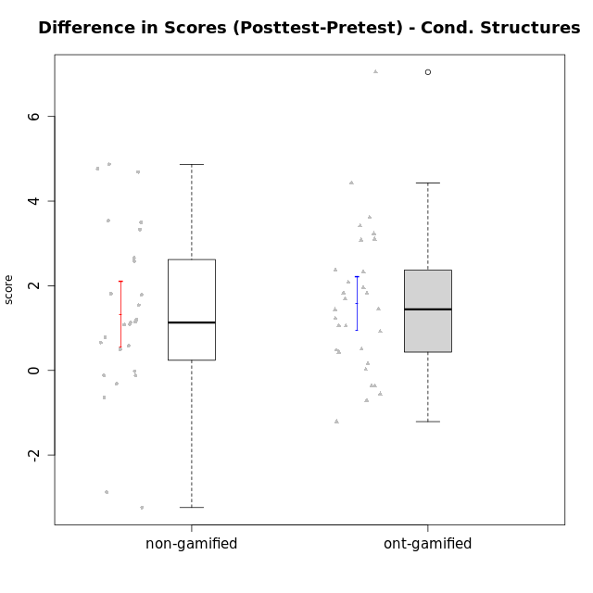

Student's t-Test data
UserID | NroUSP | Type | CLGroup | CLRole | PlayerRole | Re2 | Re1 | Un2 | Un1 | Ap2 | Ap3 | Ap1 | An3 | Ev2 | Ev1 | score.pre | ReB | ReA | UnB | UnA | ApB | ApC | ApA | AnC | EvB | EvA | score.pos | P1 | PA | PB | difScore
10169 | 10377538 | ont-gamified | Grupo Hefesto | Master | Yee Achiever | 0.7 | 0.6 | 0 | 0.64 | 1 | 0.55 | 1 | 0.6 | 1.4 | 1.3 | 7.79 | 0.56 | 0.6 | 0.6 | 0.8 | 0.5 | 0.18 | 1 | 0.6 | 0.93 | 1.3 | 7.08 | 0 | 0 | 0 | -0.71
10170 | 10260351 | ont-gamified | Grupo Afrodite | Apprentice | Yee Achiever | 0.6 | 0.6 | 0.45 | 0.64 | 0 | 0 | 0.5 | 1.03 | 1.4 | 0.87 | 6.09 | 0.46 | 0.6 | 0.9 | 0.8 | 0.5 | 0.55 | 1 | 1.2 | 0.47 | 1.3 | 7.78 | 0 | 0 | 0 | 1.69
10171 | 698531 | non-gamified | Grupo Team 6 | Apprentice |  | 0.7 | 0.49 | 0 | 0.37 | 1 | 1.1 | 1 | 1.2 | 0 | 0 | 6.36 | 0.7 | 0.6 | 0.9 | 0.8 | 1 | 1.1 | 1 | 1.2 | 1.4 | 1.3 | 11.125 | 0.5 | 0.5 | 0.625 | 4.765
10174 | 10276852 | ont-gamified | Grupo Urano | Master | Yee Achiever | 0.7 | 0.26 | 0.45 | 0.64 | 1 | 0.55 | 1 | 0.6 | 0.7 | 1.3 | 7.2 | 0.22 | 0.32 | 0.9 | 0.37 | 0.5 | 0.18 | 1 | 1.2 | 0 | 1.3 | 5.99 | 0 | 0 | 0 | -1.21
10175 | 10310700 | ont-gamified | Grupo Hélio | Master | Yee Socializer | 0.6 | 0.6 | 0.45 | 0.64 | 1 | 1.1 | 1 | 1.2 | 1.4 | 1.3 | 9.29 | 0.7 | 0.6 | 0.9 | 0.8 | 1 | 0.55 | 1 | 1.2 | 1.4 | 1.3 | 9.45 | 0 | 0 | 0 | 0.16
10176 | 10276949 | ont-gamified | Grupo Cronus | Apprentice | Yee Achiever | 0.7 | 0.6 | 0.45 | 0.53 | 0 | 1.1 | 1 | 0.86 | 0.35 | 0.87 | 6.96 | 0.7 | 0.6 | 0.9 | 0.8 | 1 | 0.55 | 1 | 1 | 0.47 | 0 | 8.395 | 0.5 | 0.75 | 0.625 | 1.435
10178 | 8656201 | ont-gamified | Grupo Morfeu | Apprentice | Yee Socializer | 0 | 0.21 | 0 | 0.53 | 0 | 0 | 0 | 0 | 1.4 | 0 | 2.39 | 0.46 | 0.33 | 0.9 | 0.8 | 0.5 | 0.55 | 1 | 1.2 | 0.47 | 1.3 | 9.4375 | 0.25 | 1 | 0.9375 | 7.0475
10179 | 10310759 | non-gamified | Grupo Team 9 | Master |  | 0.7 | 0.6 | 0.45 | 0.64 | 1 | 1.1 | 1 | 1.2 | 0 | 1.3 | 7.99 | 0.7 | 0.6 | 0.9 | 0.8 | 1 | 1.1 | 1 | 1.2 | 0.47 | 1.3 | 9.07 | 0 | 0 | 0 | 1.08
10181 | 10276866 | non-gamified | Grupo Team 10 | Master |  | 0.7 | 0.6 | 0.45 | 0.64 | 1 | 0.55 | 1 | 1.2 | 0.35 | 1.3 | 7.79 | 0.6 | 0.6 | 0.9 | 0.8 | 0.25 | 0.55 | 1 | 1.2 | 0.47 | 1.3 | 7.67 | 0 | 0 | 0 | -0.12
10183 | 10352030 | ont-gamified | Grupo Hélio | Apprentice | Yee Socializer | 0.46 | 0.55 | 0.45 | 0.8 | 1 | 0.18 | 0 | 1.03 | 0.35 | 0 | 5.07 | 0.7 | 0.6 | 0.6 | 0.8 | 0.75 | 0.18 | 1 | 1 | 0 | 1.3 | 8.305 | 0.25 | 0.75 | 0.625 | 3.235
10184 | 10276675 | ont-gamified | Grupo Apolo | Master | Yee Socializer | 0.7 | 0.6 | 0 | 0.64 | 1 | 0.55 | 1 | 1.03 | 1.4 | 1.3 | 9.22 | 0.7 | 0.6 | 0 | 0.8 | 1 | 1.1 | 1 | 1.2 | 1.4 | 1.3 | 11.0375 | 1 | 1 | 0.9375 | 1.8175
10185 | 10276960 | non-gamified | Grupo Team 12 | Apprentice |  | 0 | 0.37 | 0 | 0.64 | 1 | 0.18 | 1 | 0.43 | 1.4 | 1.3 | 6.32 | 0.7 | 0.55 | 0.6 | 0.8 | 1 | 1.1 | 1 | 1.2 | 1.4 | 1.3 | 9.65 | 0 | 0 | 0 | 3.33
10186 | 10310551 | ont-gamified | Grupo Ares | Apprentice | Yee Achiever | 0.7 | 0.49 | 0 | 0.64 | 0 | 1.1 | 1 | 1.2 | 0 | 1.3 | 6.43 | 0.7 | 0.6 | 0.9 | 0.8 | 1 | 1.1 | 1 | 1.2 | 0.93 | 1.3 | 9.53 | 0 | 0 | 0 | 3.1
10187 | 9790781 | non-gamified | Grupo Team 15 | Apprentice |  | 0.22 | 0.44 | 0.45 | 0.64 | 1 | 0.55 | 1 | 0.43 | 0 | 1.3 | 7.03 | 0.46 | 0.33 | 0.9 | 0.8 | 0.5 | 0.55 | 1 | 1.2 | 0.47 | 1.3 | 8.8125 | 1 | 1 | 0.3125 | 1.7825
10188 | 10276995 | non-gamified | Grupo Team 3 | Master |  | 0.56 | 0.6 | 0.9 | 0.53 | 1 | 1.1 | 1 | 1.2 | 1.4 | 1.3 | 10.34 | 0.7 | 0.6 | 0.9 | 0.8 | 1 | 1.1 | 1 | 1.2 | 1.4 | 1.3 | 11 | 0.75 | 1 | 0 | 0.66
10189 | 9363926 | ont-gamified | Grupo Hades | Master | Yee Socializer | 0.46 | 0.27 | 0.45 | 0.64 | 1 | 1.1 | 1 | 1.03 | 1.4 | 1.3 | 8.9 | 0.7 | 0.38 | 0 | 0.8 | 1 | 1.1 | 1 | 1 | 0 | 1.3 | 8.3425 | 0.25 | 0.75 | 0.3125 | -0.5575
10190 | 10276907 | ont-gamified | Grupo Zeus | Apprentice | Yee Socializer | 0.26 | 0.27 | 0.45 | 0.53 | 1 | 1.1 | 1 | 0.09 | 0.7 | 0 | 5.41 | 0.7 | 0.27 | 0 | 0.8 | 1 | 1.1 | 1 | 1.2 | 0 | 1.3 | 7.37 | 0 | 0 | 0 | 1.96
10191 | 10276981 | non-gamified | Grupo Team 6 | Master |  | 0.56 | 0.6 | 0.9 | 0.64 | 1 | 0.55 | 1 | 1.2 | 1.4 | 1.3 | 9.15 | 0.7 | 0.6 | 0.9 | 0.53 | 1 | 1.1 | 1 | 1.2 | 1.4 | 1.3 | 9.73 | 0 | 0 | 0 | 0.58
10192 | 10276682 | non-gamified | Grupo Team 5 | Apprentice |  | 0.5 | 0.6 | 0.45 | 0.64 | 0 | 0.18 | 1 | 1.03 | 0 | 0.87 | 5.77 | 0.7 | 0.6 | 0.9 | 0.8 | 1 | 0.55 | 1 | 1.2 | 1.4 | 1.3 | 10.6375 | 0.5 | 0.25 | 0.9375 | 4.8675
10193 | 10276762 | ont-gamified | Grupo Afrodite | Master | Yee Achiever | 0.6 | 0.55 | 0.9 | 0.64 | 1 | 0.55 | 1 | 1.2 | 0 | 1.3 | 8.74 | 0.7 | 0.49 | 0 | 0.8 | 1 | 1.1 | 1 | 1 | 1.4 | 1.3 | 9.79 | 1 | 1 | 0 | 1.05
10195 | 10351971 | ont-gamified | Grupo Urano | Apprentice | Yee Achiever | 0.6 | 0.6 | 0.45 | 0.64 | 1 | 0.55 | 1 | 0.43 | 0.35 | 1.3 | 6.92 | 0.7 | 0.6 | 0.9 | 0.8 | 0.5 | 0.55 | 1 | 0.4 | 1.4 | 1.3 | 8.15 | 0 | 0 | 0 | 1.23
10196 | 10310655 | ont-gamified | Grupo Hefesto | Apprentice | Yee Achiever | 0.46 | 0.43 | 0.45 | 0.37 | 0 | 0.55 | 1 | 1.2 | 0.7 | 0.87 | 6.53 | 0.7 | 0.6 | 0.9 | 0.8 | 1 | 1.1 | 1 | 1.2 | 0.47 | 1.3 | 9.945 | 0.5 | 0.25 | 0.625 | 3.415
10197 | 10276661 | ont-gamified | Grupo Gaia | Apprentice | Yee Achiever | 0.12 | 0.55 | 0 | 0.64 | 0 | 1.1 | 1 | 1.2 | 0.7 | 1.3 | 6.61 | 0.7 | 0.6 | 0.9 | 0.8 | 1 | 0.55 | 1 | 1.2 | 0.93 | 1.3 | 8.98 | 0 | 0 | 0 | 2.37
10198 | 10310888 | ont-gamified | Grupo Apolo | Apprentice | Yee Socializer | 0.12 | 0.38 | 0.45 | 0.37 | 0 | 0.18 | 1 | 0.26 | 0.7 | 0.87 | 4.59 | 0.7 | 0.6 | 0.6 | 0.53 | 1 | 0.55 | 1 | 1.2 | 0.47 | 1.3 | 8.2 | 0.25 | 0.25 | 0 | 3.61
10199 | 10276737 | ont-gamified | Grupo Gaia | Master | Yee Achiever | 0.6 | 0.6 | 0.45 | 0.53 | 1 | 1.1 | 0 | 1.2 | 0.7 | 1.3 | 7.48 | 0.7 | 0.48 | 0.9 | 0.53 | 1 | 1.1 | 0 | 1 | 1.4 | 0 | 7.11 | 0 | 0 | 0 | -0.37
10200 | 9795272 | ont-gamified | Grupo Hades | Apprentice | Yee Socializer | 0.56 | 0.31 | 0.45 | 0.8 | 0 | 0.55 | 1 | 1.03 | 1.4 | 1.3 | 7.65 | 0.56 | 0.6 | 0.9 | 0.8 | 1 | 1.1 | 1 | 1.2 | 0 | 1.3 | 8.71 | 0.25 | 0.25 | 0 | 1.06
10201 | 10276928 | ont-gamified | Grupo Caronte | Master | Yee Achiever | 0.7 | 0.6 | 0.45 | 0.53 | 0 | 1.1 | 1 | 1.2 | 1.4 | 1.3 | 9.28 | 0.7 | 0.6 | 0.6 | 0.8 | 1 | 0.55 | 1 | 1.2 | 1.4 | 1.3 | 9.7125 | 1 | 0.25 | 0.3125 | 0.4325
10202 | 10277036 | non-gamified | Grupo Team 11 | Apprentice |  | 0.6 | 0.33 | 0.45 | 0.64 | 1 | 0.55 | 1 | 1.03 | 0.7 | 0 | 6.3 | 0.7 | 0.38 | 0.9 | 0.53 | 0.25 | 0.55 | 1 | 1 | 0.47 | 1.3 | 7.08 | 0 | 0 | 0 | 0.78
10203 | 9921470 | non-gamified | Grupo Team 3 | Apprentice |  | 0.36 | 0.09 | 0.9 | 0.53 | 0 | 0.55 | 1 | 0 | 0.35 | 1.3 | 5.08 | 0.32 | 0.03 | 0 | 0.8 | 0 | 0.18 | 0.5 | 0 | 0 | 0 | 1.84 | 0 | 0 | 0 | -3.24
10204 | 10310471 | ont-gamified | Grupo Hermes | Master | Yee Achiever | 0.6 | 0.6 | 0.9 | 0.64 | 1 | 1.1 | 1 | 0.69 | 1.4 | 1.3 | 9.23 | 0.7 | 0.6 | 0.9 | 0.8 | 1 | 0.55 | 1 | 1 | 1.4 | 1.3 | 9.25 | 0 | 0 | 0 | 0.02
10206 | 10310721 | ont-gamified | Grupo Hera | Master | Yee Achiever | 0.7 | 0.6 | 0.45 | 0.53 | 1 | 1.1 | 1 | 1.2 | 1.4 | 1.3 | 10.03 | 0.7 | 0.55 | 0.9 | 0.8 | 0.25 | 0.18 | 1 | 1.2 | 1.4 | 1.3 | 10.53 | 0.75 | 1 | 1.25 | 0.5
10208 | 10276932 | non-gamified | Grupo Team 7 | Apprentice |  | 0.46 | 0.6 | 0.9 | 0.37 | 0 | 0.55 | 1 | 1.2 | 0 | 0.87 | 5.95 | 0.7 | 0.6 | 0.9 | 0.8 | 1 | 0.55 | 1 | 1.2 | 1.4 | 1.3 | 9.45 | 0 | 0 | 0 | 3.5
10209 | 10262669 | ont-gamified | Grupo Artemis | Apprentice | Yee Achiever | 0.7 | 0.6 | 0.45 | 0.8 | 0 | 0.55 | 1 | 1.2 | 0 | 1.3 | 6.6 | 0.7 | 0.55 | 0.9 | 0.53 | 1 | 1.1 | 1 | 1.2 | 1.4 | 1.3 | 9.68 | 0 | 0 | 0 | 3.08
10210 | 10277015 | non-gamified | Grupo Team 9 | Apprentice |  | 0.6 | 0.48 | 0 | 0.37 | 0 | 0.55 | 0.5 | 1.03 | 1.4 | 1.3 | 6.23 | 0.56 | 0.6 | 0.9 | 0.64 | 0.75 | 0.55 | 1 | 1 | 0.47 | 1.3 | 7.77 | 0 | 0 | 0 | 1.54
10212 | 9065750 | non-gamified | Grupo Team 4 | Master |  | 0.56 | 0.38 | 0.45 | 0.8 | 1 | 1.1 | 1 | 1.2 | 1.4 | 1.3 | 9.19 | 0.42 | 0.6 | 0.9 | 0.8 | 1 | 0.55 | 1 | 1.2 | 1.4 | 1.3 | 9.17 | 0 | 0 | 0 | -0.02
10213 | 10277040 | ont-gamified | Grupo Morfeu | Master | Yee Socializer | 0.18 | 0.48 | 0.9 | 0.64 | 1 | 1.1 | 1 | 1.2 | 0.35 | 1.3 | 8.15 | 0.7 | 0.6 | 0.9 | 0.8 | 1 | 1.1 | 1 | 1.2 | 0.47 | 1.3 | 9.07 | 0 | 0 | 0 | 0.92
10214 | 10277022 | non-gamified | Grupo Team 5 | Master |  | 0.7 | 0.48 | 0.45 | 0.53 | 1 | 1.1 | 1 | 1.2 | 1.4 | 1.3 | 9.16 | 0.7 | 0.6 | 0.9 | 0.53 | 0.25 | 1.1 | 1 | 1.2 | 0.93 | 1.3 | 8.52 | 0 | 0 | 0 | -0.64
10215 | 9285227 | ont-gamified | Grupo Zeus | Master | Yee Socializer | 0.6 | 0.6 | 0.45 | 0.53 | 1 | 0.55 | 1 | 1.2 | 0.35 | 1.3 | 8.33 | 0.7 | 0.6 | 0.9 | 0.53 | 1 | 1.1 | 1 | 1 | 1.4 | 1.3 | 9.78 | 0.75 | 0.25 | 0 | 1.45
10216 | 10276720 | non-gamified | Grupo Team 15 | Master |  | 0.7 | 0.38 | 0.45 | 0.64 | 1 | 0.55 | 1 | 1.2 | 0 | 1.3 | 7.22 | 0.7 | 0.48 | 0.9 | 0.8 | 1 | 1.1 | 1 | 1.2 | 1.4 | 1.3 | 9.88 | 0 | 0 | 0 | 2.66
10217 | 9805341 | non-gamified | Grupo Team 13 | Master |  | 0.28 | 0.6 | 0.45 | 0.53 | 1 | 1.1 | 1 | 1.2 | 0 | 1.3 | 8.21 | 0.7 | 0.6 | 0.9 | 0.8 | 1 | 1.1 | 1 | 1.2 | 1.4 | 1.3 | 11.75 | 0.75 | 0.5 | 1.25 | 3.54
10218 | 9842913 | ont-gamified | Grupo Ares | Master | Yee Achiever | 0.7 | 0.44 | 0 | 0.64 | 1 | 0.55 | 1 | 1.2 | 0.7 | 1.3 | 8.53 | 0.56 | 0.6 | 0.9 | 0.8 | 0.75 | 1.1 | 1 | 1.2 | 1.4 | 1.3 | 10.36 | 1 | 0.75 | 0 | 1.83
10219 | 10276831 | non-gamified | Grupo Team 12 | Master |  | 0.7 | 0.6 | 0.45 | 0.27 | 1 | 0.55 | 1 | 1.2 | 1.4 | 1.3 | 8.47 | 0.7 | 0.6 | 0.9 | 0.8 | 1 | 0.18 | 1 | 1.2 | 0.47 | 1.3 | 8.15 | 0 | 0 | 0 | -0.32
10220 | 9760151 | non-gamified | Grupo Team 2 | Apprentice |  | 0.6 | 0.49 | 0.45 | 0.64 | 0 | 0.55 | 1 | 1.2 | 0.7 | 1.3 | 6.93 | 0.7 | 0.49 | 0 | 0.8 | 1 | 1.1 | 1 | 1.2 | 0.47 | 1.3 | 8.06 | 0 | 0 | 0 | 1.13
10221 | 9082496 | ont-gamified | Grupo Hermes | Apprentice | Yee Achiever | 0.6 | 0.27 | 0 | 0.53 | 0 | 0.18 | 0 | 0.86 | 1.4 | 0.87 | 4.72 | 0.56 | 0.38 | 0 | 0.11 | 0 | 0.18 | 1 | 1.2 | 0.47 | 1.3 | 5.2 | 0 | 0 | 0 | 0.48
10222 | 9436110 | non-gamified | Grupo Team 16 | Master |  | 0.42 | 0.48 | 0.9 | 0.64 | 0 | 0.18 | 1 | 1.2 | 0.35 | 1.3 | 6.47 | 0.32 | 0.6 | 0.9 | 0.8 | 1 | 0.55 | 1 | 1.2 | 0 | 1.3 | 7.67 | 0 | 0 | 0 | 1.2
10223 | 9795185 | ont-gamified | Grupo Cronus | Master | Yee Achiever | 0.6 | 0.48 | 0.9 | 0.64 | 1 | 0.55 | 1 | 1.03 | 0 | 1.3 | 7.5 | 0.7 | 0.38 | 0.9 | 0.8 | 1 | 1.1 | 1 | 1 | 1.4 | 1.3 | 9.58 | 0 | 0 | 0 | 2.08
10224 | 9368772 | non-gamified | Grupo Team 10 | Apprentice |  | 0.22 | 0.48 | 0.45 | 0.53 | 0 | 0 | 0.5 | 1.2 | 0 | 0.87 | 5 | 0.22 | 0.22 | 0.9 | 0.8 | 1 | 1.1 | 1 | 1 | 1.4 | 1.3 | 9.69 | 0.75 | 0.75 | 0 | 4.69
10226 | 10310342 | non-gamified | Grupo Team 8 | Master |  | 0.22 | 0.55 | 0.45 | 0.64 | 1 | 1.1 | 1 | 1.2 | 0.7 | 1.3 | 8.16 | 0.7 | 0.38 | 0.9 | 0.27 | 1 | 1.1 | 1 | 1.2 | 1.4 | 1.3 | 9.25 | 0 | 0 | 0 | 1.09
10227 | 9274382 | non-gamified | Grupo Team 4 | Apprentice |  | 0.46 | 0.07 | 0.45 | 0.53 | 1 | 0.18 | 1 | 0.86 | 0.7 | 0 | 5.25 | 0.56 | 0.6 | 0.9 | 0.53 | 1 | 1.1 | 1 | 1.2 | 0.93 | 0 | 7.83 | 0 | 0 | 0 | 2.58
10230 | 10351992 | non-gamified | Grupo Team 14 | Master |  | 0 | 0.44 | 0.9 | 0.48 | 0 | 1.1 | 1 | 1.2 | 1.4 | 0.87 | 7.38 | 0.56 | 0.6 | 0.6 | 0.48 | 0.5 | 0.55 | 1 | 1.2 | 0.47 | 1.3 | 7.26 | 0 | 0 | 0 | -0.12
10231 | 10276911 | ont-gamified | Grupo Caronte | Apprentice | Yee Achiever | 0.7 | 0.49 | 0.9 | 0.53 | 1 | 0 | 1 | 1.2 | 0 | 1.3 | 7.12 | 0.7 | 0.6 | 0.9 | 0.8 | 1 | 0.55 | 1 | 1.2 | 1.4 | 1.3 | 9.45 | 0 | 0 | 0 | 2.33
10232 | 10276974 | ont-gamified | Grupo Artemis | Master | Yee Achiever | 0.42 | 0.6 | 0.45 | 0.64 | 1 | 1.1 | 1 | 0.43 | 1.4 | 1.3 | 8.34 | 0.7 | 0.6 | 0.9 | 0.8 | 1 | 0 | 1 | 1.2 | 0.47 | 1.3 | 7.97 | 0 | 0 | 0 | -0.37
10233 | 9805320 | non-gamified | Grupo Team 16 | Apprentice |  | 0.46 | 0.6 | 0.45 | 0.53 | 0 | 0 | 1 | 1.2 | 0.7 | 1.3 | 6.24 | 0.7 | 0.6 | 0.9 | 0.27 | 0.5 | 0.18 | 1 | 1.2 | 1.4 | 1.3 | 8.05 | 0 | 0 | 0 | 1.81
10234 | 10310676 | non-gamified | Grupo Team 7 | Master |  | 0.6 | 0.36 | 0.9 | 0.64 | 1 | 0.55 | 1 | 1.2 | 1.4 | 0.87 | 8.52 | 0.7 | 0.36 | 0.9 | 0.8 | 1 | 0.55 | 0 | 0.4 | 0.93 | 0 | 5.64 | 0 | 0 | 0 | -2.88
10237 | 10377688 | non-gamified | Grupo Team 11 | Master |  | 0.6 | 0.6 | 0.45 | 0.8 | 1 | 1.1 | 1 | 0 | 0.7 | 1.3 | 7.55 | 0.7 | 0.6 | 0.9 | 0.8 | 0.5 | 1.1 | 1 | 0.4 | 1.4 | 1.3 | 8.7 | 0 | 0 | 0 | 1.15
10238 | 10276953 | non-gamified | Grupo Team 13 | Apprentice |  | 0.6 | 0.55 | 0 | 0.64 | 1 | 0.55 | 1 | 1.2 | 0.35 | 1.3 | 7.19 | 0.7 | 0.27 | 0.6 | 0.8 | 1 | 0.55 | 1 | 1 | 0.47 | 1.3 | 7.69 | 0 | 0 | 0 | 0.5
10240 | 10276654 | ont-gamified | Grupo Hera | Apprentice | Yee Achiever | 0.56 | 0 | 0 | 0.27 | 0 | 1.1 | 0 | 1.2 | 0 | 0 | 3.13 | 0.7 | 0.49 | 0 | 0.8 | 0.5 | 1.1 | 1 | 1.2 | 0.47 | 1.3 | 7.56 | 0 | 0 | 0 | 4.43

Type_CLRole_1
Student's t-Test for Difference in Scores (Posttest-Pretest) - Cond. Structures in Type:CLRole between non-gamified.Apprentice:non-gamified.Master

Student's t-Test results
Alternative hypothesis: less
Group | N | Mean | Mean.Difference | Std.deviation | Std.error | CI.lower | CI.upper | df | t.value | p.value | g | magnitude
non-gamified.Apprentice | 13 | 2.1565384615 | 1.5951098901 | 2.2246447606 | 0.61700544262 | 0.9225275763 | 3.3905493468 | 20.988555677 | 2.1605196755 | 0.97877693591 | 0.81837560832 | large
non-gamified.Master | 14 | 0.56142857143 | -1.5951098901 | 1.5170561429 | 0.4054503088 | -0.24947204617 | 1.372329189 | 20.988555677 | 2.1605196755 | 0.97877693591 | 0.81837560832 | large
Alternative hypothesis: greater
Group | N | Mean | Mean.Difference | Std.deviation | Std.error | CI.lower | CI.upper | df | t.value | p.value | g | magnitude
non-gamified.Apprentice | 13 | 2.1565384615 | 1.5951098901 | 2.2246447606 | 0.61700544262 | 0.9225275763 | 3.3905493468 | 20.988555677 | 2.1605196755 | 0.021223064088 | 0.81837560832 | large
non-gamified.Master | 14 | 0.56142857143 | -1.5951098901 | 1.5170561429 | 0.4054503088 | -0.24947204617 | 1.372329189 | 20.988555677 | 2.1605196755 | 0.021223064088 | 0.81837560832 | large
Alternative hypothesis: two.sided
Group | N | Mean | Mean.Difference | Std.deviation | Std.error | CI.lower | CI.upper | df | t.value | p.value | g | magnitude
non-gamified.Apprentice | 13 | 2.1565384615 | 1.5951098901 | 2.2246447606 | 0.61700544262 | 0.9225275763 | 3.3905493468 | 20.988555677 | 2.1605196755 | 0.042446128175 | 0.81837560832 | large
non-gamified.Master | 14 | 0.56142857143 | -1.5951098901 | 1.5170561429 | 0.4054503088 | -0.24947204617 | 1.372329189 | 20.988555677 | 2.1605196755 | 0.042446128175 | 0.81837560832 | large

Box plots for Student's t-Test
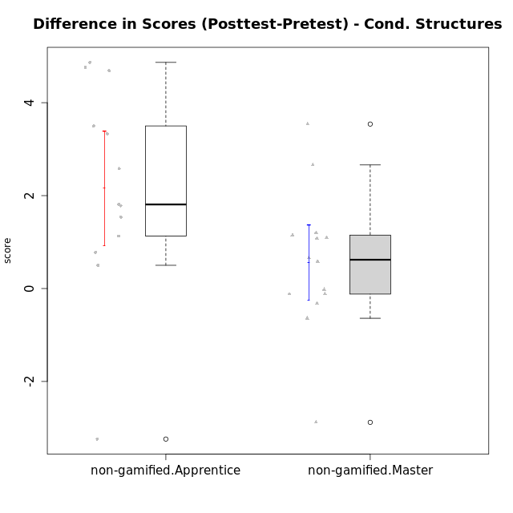

Student's t-Test data
UserID | NroUSP | Type | CLGroup | CLRole | PlayerRole | Re2 | Re1 | Un2 | Un1 | Ap2 | Ap3 | Ap1 | An3 | Ev2 | Ev1 | score.pre | ReB | ReA | UnB | UnA | ApB | ApC | ApA | AnC | EvB | EvA | score.pos | P1 | PA | PB | difScore
10171 | 698531 | non-gamified | Grupo Team 6 | Apprentice |  | 0.7 | 0.49 | 0 | 0.37 | 1 | 1.1 | 1 | 1.2 | 0 | 0 | 6.36 | 0.7 | 0.6 | 0.9 | 0.8 | 1 | 1.1 | 1 | 1.2 | 1.4 | 1.3 | 11.125 | 0.5 | 0.5 | 0.625 | 4.765
10179 | 10310759 | non-gamified | Grupo Team 9 | Master |  | 0.7 | 0.6 | 0.45 | 0.64 | 1 | 1.1 | 1 | 1.2 | 0 | 1.3 | 7.99 | 0.7 | 0.6 | 0.9 | 0.8 | 1 | 1.1 | 1 | 1.2 | 0.47 | 1.3 | 9.07 | 0 | 0 | 0 | 1.08
10181 | 10276866 | non-gamified | Grupo Team 10 | Master |  | 0.7 | 0.6 | 0.45 | 0.64 | 1 | 0.55 | 1 | 1.2 | 0.35 | 1.3 | 7.79 | 0.6 | 0.6 | 0.9 | 0.8 | 0.25 | 0.55 | 1 | 1.2 | 0.47 | 1.3 | 7.67 | 0 | 0 | 0 | -0.12
10185 | 10276960 | non-gamified | Grupo Team 12 | Apprentice |  | 0 | 0.37 | 0 | 0.64 | 1 | 0.18 | 1 | 0.43 | 1.4 | 1.3 | 6.32 | 0.7 | 0.55 | 0.6 | 0.8 | 1 | 1.1 | 1 | 1.2 | 1.4 | 1.3 | 9.65 | 0 | 0 | 0 | 3.33
10187 | 9790781 | non-gamified | Grupo Team 15 | Apprentice |  | 0.22 | 0.44 | 0.45 | 0.64 | 1 | 0.55 | 1 | 0.43 | 0 | 1.3 | 7.03 | 0.46 | 0.33 | 0.9 | 0.8 | 0.5 | 0.55 | 1 | 1.2 | 0.47 | 1.3 | 8.8125 | 1 | 1 | 0.3125 | 1.7825
10188 | 10276995 | non-gamified | Grupo Team 3 | Master |  | 0.56 | 0.6 | 0.9 | 0.53 | 1 | 1.1 | 1 | 1.2 | 1.4 | 1.3 | 10.34 | 0.7 | 0.6 | 0.9 | 0.8 | 1 | 1.1 | 1 | 1.2 | 1.4 | 1.3 | 11 | 0.75 | 1 | 0 | 0.66
10191 | 10276981 | non-gamified | Grupo Team 6 | Master |  | 0.56 | 0.6 | 0.9 | 0.64 | 1 | 0.55 | 1 | 1.2 | 1.4 | 1.3 | 9.15 | 0.7 | 0.6 | 0.9 | 0.53 | 1 | 1.1 | 1 | 1.2 | 1.4 | 1.3 | 9.73 | 0 | 0 | 0 | 0.58
10192 | 10276682 | non-gamified | Grupo Team 5 | Apprentice |  | 0.5 | 0.6 | 0.45 | 0.64 | 0 | 0.18 | 1 | 1.03 | 0 | 0.87 | 5.77 | 0.7 | 0.6 | 0.9 | 0.8 | 1 | 0.55 | 1 | 1.2 | 1.4 | 1.3 | 10.6375 | 0.5 | 0.25 | 0.9375 | 4.8675
10202 | 10277036 | non-gamified | Grupo Team 11 | Apprentice |  | 0.6 | 0.33 | 0.45 | 0.64 | 1 | 0.55 | 1 | 1.03 | 0.7 | 0 | 6.3 | 0.7 | 0.38 | 0.9 | 0.53 | 0.25 | 0.55 | 1 | 1 | 0.47 | 1.3 | 7.08 | 0 | 0 | 0 | 0.78
10203 | 9921470 | non-gamified | Grupo Team 3 | Apprentice |  | 0.36 | 0.09 | 0.9 | 0.53 | 0 | 0.55 | 1 | 0 | 0.35 | 1.3 | 5.08 | 0.32 | 0.03 | 0 | 0.8 | 0 | 0.18 | 0.5 | 0 | 0 | 0 | 1.84 | 0 | 0 | 0 | -3.24
10208 | 10276932 | non-gamified | Grupo Team 7 | Apprentice |  | 0.46 | 0.6 | 0.9 | 0.37 | 0 | 0.55 | 1 | 1.2 | 0 | 0.87 | 5.95 | 0.7 | 0.6 | 0.9 | 0.8 | 1 | 0.55 | 1 | 1.2 | 1.4 | 1.3 | 9.45 | 0 | 0 | 0 | 3.5
10210 | 10277015 | non-gamified | Grupo Team 9 | Apprentice |  | 0.6 | 0.48 | 0 | 0.37 | 0 | 0.55 | 0.5 | 1.03 | 1.4 | 1.3 | 6.23 | 0.56 | 0.6 | 0.9 | 0.64 | 0.75 | 0.55 | 1 | 1 | 0.47 | 1.3 | 7.77 | 0 | 0 | 0 | 1.54
10212 | 9065750 | non-gamified | Grupo Team 4 | Master |  | 0.56 | 0.38 | 0.45 | 0.8 | 1 | 1.1 | 1 | 1.2 | 1.4 | 1.3 | 9.19 | 0.42 | 0.6 | 0.9 | 0.8 | 1 | 0.55 | 1 | 1.2 | 1.4 | 1.3 | 9.17 | 0 | 0 | 0 | -0.02
10214 | 10277022 | non-gamified | Grupo Team 5 | Master |  | 0.7 | 0.48 | 0.45 | 0.53 | 1 | 1.1 | 1 | 1.2 | 1.4 | 1.3 | 9.16 | 0.7 | 0.6 | 0.9 | 0.53 | 0.25 | 1.1 | 1 | 1.2 | 0.93 | 1.3 | 8.52 | 0 | 0 | 0 | -0.64
10216 | 10276720 | non-gamified | Grupo Team 15 | Master |  | 0.7 | 0.38 | 0.45 | 0.64 | 1 | 0.55 | 1 | 1.2 | 0 | 1.3 | 7.22 | 0.7 | 0.48 | 0.9 | 0.8 | 1 | 1.1 | 1 | 1.2 | 1.4 | 1.3 | 9.88 | 0 | 0 | 0 | 2.66
10217 | 9805341 | non-gamified | Grupo Team 13 | Master |  | 0.28 | 0.6 | 0.45 | 0.53 | 1 | 1.1 | 1 | 1.2 | 0 | 1.3 | 8.21 | 0.7 | 0.6 | 0.9 | 0.8 | 1 | 1.1 | 1 | 1.2 | 1.4 | 1.3 | 11.75 | 0.75 | 0.5 | 1.25 | 3.54
10219 | 10276831 | non-gamified | Grupo Team 12 | Master |  | 0.7 | 0.6 | 0.45 | 0.27 | 1 | 0.55 | 1 | 1.2 | 1.4 | 1.3 | 8.47 | 0.7 | 0.6 | 0.9 | 0.8 | 1 | 0.18 | 1 | 1.2 | 0.47 | 1.3 | 8.15 | 0 | 0 | 0 | -0.32
10220 | 9760151 | non-gamified | Grupo Team 2 | Apprentice |  | 0.6 | 0.49 | 0.45 | 0.64 | 0 | 0.55 | 1 | 1.2 | 0.7 | 1.3 | 6.93 | 0.7 | 0.49 | 0 | 0.8 | 1 | 1.1 | 1 | 1.2 | 0.47 | 1.3 | 8.06 | 0 | 0 | 0 | 1.13
10222 | 9436110 | non-gamified | Grupo Team 16 | Master |  | 0.42 | 0.48 | 0.9 | 0.64 | 0 | 0.18 | 1 | 1.2 | 0.35 | 1.3 | 6.47 | 0.32 | 0.6 | 0.9 | 0.8 | 1 | 0.55 | 1 | 1.2 | 0 | 1.3 | 7.67 | 0 | 0 | 0 | 1.2
10224 | 9368772 | non-gamified | Grupo Team 10 | Apprentice |  | 0.22 | 0.48 | 0.45 | 0.53 | 0 | 0 | 0.5 | 1.2 | 0 | 0.87 | 5 | 0.22 | 0.22 | 0.9 | 0.8 | 1 | 1.1 | 1 | 1 | 1.4 | 1.3 | 9.69 | 0.75 | 0.75 | 0 | 4.69
10226 | 10310342 | non-gamified | Grupo Team 8 | Master |  | 0.22 | 0.55 | 0.45 | 0.64 | 1 | 1.1 | 1 | 1.2 | 0.7 | 1.3 | 8.16 | 0.7 | 0.38 | 0.9 | 0.27 | 1 | 1.1 | 1 | 1.2 | 1.4 | 1.3 | 9.25 | 0 | 0 | 0 | 1.09
10227 | 9274382 | non-gamified | Grupo Team 4 | Apprentice |  | 0.46 | 0.07 | 0.45 | 0.53 | 1 | 0.18 | 1 | 0.86 | 0.7 | 0 | 5.25 | 0.56 | 0.6 | 0.9 | 0.53 | 1 | 1.1 | 1 | 1.2 | 0.93 | 0 | 7.83 | 0 | 0 | 0 | 2.58
10230 | 10351992 | non-gamified | Grupo Team 14 | Master |  | 0 | 0.44 | 0.9 | 0.48 | 0 | 1.1 | 1 | 1.2 | 1.4 | 0.87 | 7.38 | 0.56 | 0.6 | 0.6 | 0.48 | 0.5 | 0.55 | 1 | 1.2 | 0.47 | 1.3 | 7.26 | 0 | 0 | 0 | -0.12
10233 | 9805320 | non-gamified | Grupo Team 16 | Apprentice |  | 0.46 | 0.6 | 0.45 | 0.53 | 0 | 0 | 1 | 1.2 | 0.7 | 1.3 | 6.24 | 0.7 | 0.6 | 0.9 | 0.27 | 0.5 | 0.18 | 1 | 1.2 | 1.4 | 1.3 | 8.05 | 0 | 0 | 0 | 1.81
10234 | 10310676 | non-gamified | Grupo Team 7 | Master |  | 0.6 | 0.36 | 0.9 | 0.64 | 1 | 0.55 | 1 | 1.2 | 1.4 | 0.87 | 8.52 | 0.7 | 0.36 | 0.9 | 0.8 | 1 | 0.55 | 0 | 0.4 | 0.93 | 0 | 5.64 | 0 | 0 | 0 | -2.88
10237 | 10377688 | non-gamified | Grupo Team 11 | Master |  | 0.6 | 0.6 | 0.45 | 0.8 | 1 | 1.1 | 1 | 0 | 0.7 | 1.3 | 7.55 | 0.7 | 0.6 | 0.9 | 0.8 | 0.5 | 1.1 | 1 | 0.4 | 1.4 | 1.3 | 8.7 | 0 | 0 | 0 | 1.15
10238 | 10276953 | non-gamified | Grupo Team 13 | Apprentice |  | 0.6 | 0.55 | 0 | 0.64 | 1 | 0.55 | 1 | 1.2 | 0.35 | 1.3 | 7.19 | 0.7 | 0.27 | 0.6 | 0.8 | 1 | 0.55 | 1 | 1 | 0.47 | 1.3 | 7.69 | 0 | 0 | 0 | 0.5

Type_CLRole_2
Student's t-Test for Difference in Scores (Posttest-Pretest) - Cond. Structures in Type:CLRole between non-gamified.Apprentice:ont-gamified.Apprentice

Student's t-Test results
Alternative hypothesis: less
Group | N | Mean | Mean.Difference | Std.deviation | Std.error | CI.lower | CI.upper | df | t.value | p.value | g | magnitude
non-gamified.Apprentice | 13 | 2.1565384615 | -0.54162820513 | 2.2246447606 | 0.61700544262 | 0.9225275763 | 3.3905493468 | 21.697819536 | -0.7257516039 | 0.23787349386 | -0.27308735384 | small
ont-gamified.Apprentice | 15 | 2.6981666667 | 0.54162820513 | 1.6260421018 | 0.41984226535 | 1.858482136 | 3.5378511974 | 21.697819536 | -0.7257516039 | 0.23787349386 | -0.27308735384 | small
Alternative hypothesis: greater
Group | N | Mean | Mean.Difference | Std.deviation | Std.error | CI.lower | CI.upper | df | t.value | p.value | g | magnitude
non-gamified.Apprentice | 13 | 2.1565384615 | -0.54162820513 | 2.2246447606 | 0.61700544262 | 0.9225275763 | 3.3905493468 | 21.697819536 | -0.7257516039 | 0.76212650614 | -0.27308735384 | small
ont-gamified.Apprentice | 15 | 2.6981666667 | 0.54162820513 | 1.6260421018 | 0.41984226535 | 1.858482136 | 3.5378511974 | 21.697819536 | -0.7257516039 | 0.76212650614 | -0.27308735384 | small
Alternative hypothesis: two.sided
Group | N | Mean | Mean.Difference | Std.deviation | Std.error | CI.lower | CI.upper | df | t.value | p.value | g | magnitude
non-gamified.Apprentice | 13 | 2.1565384615 | -0.54162820513 | 2.2246447606 | 0.61700544262 | 0.9225275763 | 3.3905493468 | 21.697819536 | -0.7257516039 | 0.47574698772 | -0.27308735384 | small
ont-gamified.Apprentice | 15 | 2.6981666667 | 0.54162820513 | 1.6260421018 | 0.41984226535 | 1.858482136 | 3.5378511974 | 21.697819536 | -0.7257516039 | 0.47574698772 | -0.27308735384 | small

Box plots for Student's t-Test
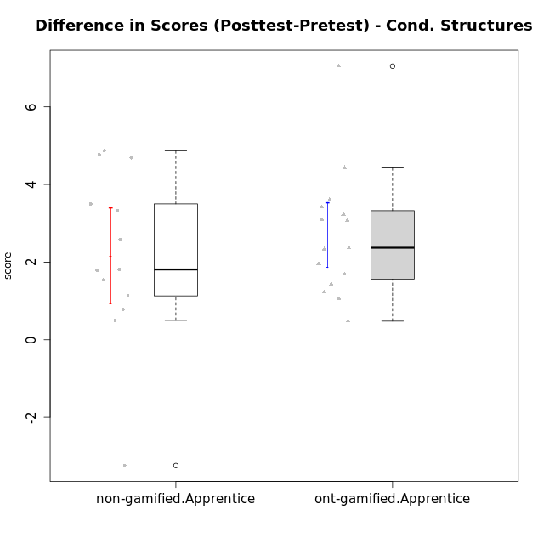

Student's t-Test data
UserID | NroUSP | Type | CLGroup | CLRole | PlayerRole | Re2 | Re1 | Un2 | Un1 | Ap2 | Ap3 | Ap1 | An3 | Ev2 | Ev1 | score.pre | ReB | ReA | UnB | UnA | ApB | ApC | ApA | AnC | EvB | EvA | score.pos | P1 | PA | PB | difScore
10170 | 10260351 | ont-gamified | Grupo Afrodite | Apprentice | Yee Achiever | 0.6 | 0.6 | 0.45 | 0.64 | 0 | 0 | 0.5 | 1.03 | 1.4 | 0.87 | 6.09 | 0.46 | 0.6 | 0.9 | 0.8 | 0.5 | 0.55 | 1 | 1.2 | 0.47 | 1.3 | 7.78 | 0 | 0 | 0 | 1.69
10171 | 698531 | non-gamified | Grupo Team 6 | Apprentice |  | 0.7 | 0.49 | 0 | 0.37 | 1 | 1.1 | 1 | 1.2 | 0 | 0 | 6.36 | 0.7 | 0.6 | 0.9 | 0.8 | 1 | 1.1 | 1 | 1.2 | 1.4 | 1.3 | 11.125 | 0.5 | 0.5 | 0.625 | 4.765
10176 | 10276949 | ont-gamified | Grupo Cronus | Apprentice | Yee Achiever | 0.7 | 0.6 | 0.45 | 0.53 | 0 | 1.1 | 1 | 0.86 | 0.35 | 0.87 | 6.96 | 0.7 | 0.6 | 0.9 | 0.8 | 1 | 0.55 | 1 | 1 | 0.47 | 0 | 8.395 | 0.5 | 0.75 | 0.625 | 1.435
10178 | 8656201 | ont-gamified | Grupo Morfeu | Apprentice | Yee Socializer | 0 | 0.21 | 0 | 0.53 | 0 | 0 | 0 | 0 | 1.4 | 0 | 2.39 | 0.46 | 0.33 | 0.9 | 0.8 | 0.5 | 0.55 | 1 | 1.2 | 0.47 | 1.3 | 9.4375 | 0.25 | 1 | 0.9375 | 7.0475
10183 | 10352030 | ont-gamified | Grupo Hélio | Apprentice | Yee Socializer | 0.46 | 0.55 | 0.45 | 0.8 | 1 | 0.18 | 0 | 1.03 | 0.35 | 0 | 5.07 | 0.7 | 0.6 | 0.6 | 0.8 | 0.75 | 0.18 | 1 | 1 | 0 | 1.3 | 8.305 | 0.25 | 0.75 | 0.625 | 3.235
10185 | 10276960 | non-gamified | Grupo Team 12 | Apprentice |  | 0 | 0.37 | 0 | 0.64 | 1 | 0.18 | 1 | 0.43 | 1.4 | 1.3 | 6.32 | 0.7 | 0.55 | 0.6 | 0.8 | 1 | 1.1 | 1 | 1.2 | 1.4 | 1.3 | 9.65 | 0 | 0 | 0 | 3.33
10186 | 10310551 | ont-gamified | Grupo Ares | Apprentice | Yee Achiever | 0.7 | 0.49 | 0 | 0.64 | 0 | 1.1 | 1 | 1.2 | 0 | 1.3 | 6.43 | 0.7 | 0.6 | 0.9 | 0.8 | 1 | 1.1 | 1 | 1.2 | 0.93 | 1.3 | 9.53 | 0 | 0 | 0 | 3.1
10187 | 9790781 | non-gamified | Grupo Team 15 | Apprentice |  | 0.22 | 0.44 | 0.45 | 0.64 | 1 | 0.55 | 1 | 0.43 | 0 | 1.3 | 7.03 | 0.46 | 0.33 | 0.9 | 0.8 | 0.5 | 0.55 | 1 | 1.2 | 0.47 | 1.3 | 8.8125 | 1 | 1 | 0.3125 | 1.7825
10190 | 10276907 | ont-gamified | Grupo Zeus | Apprentice | Yee Socializer | 0.26 | 0.27 | 0.45 | 0.53 | 1 | 1.1 | 1 | 0.09 | 0.7 | 0 | 5.41 | 0.7 | 0.27 | 0 | 0.8 | 1 | 1.1 | 1 | 1.2 | 0 | 1.3 | 7.37 | 0 | 0 | 0 | 1.96
10192 | 10276682 | non-gamified | Grupo Team 5 | Apprentice |  | 0.5 | 0.6 | 0.45 | 0.64 | 0 | 0.18 | 1 | 1.03 | 0 | 0.87 | 5.77 | 0.7 | 0.6 | 0.9 | 0.8 | 1 | 0.55 | 1 | 1.2 | 1.4 | 1.3 | 10.6375 | 0.5 | 0.25 | 0.9375 | 4.8675
10195 | 10351971 | ont-gamified | Grupo Urano | Apprentice | Yee Achiever | 0.6 | 0.6 | 0.45 | 0.64 | 1 | 0.55 | 1 | 0.43 | 0.35 | 1.3 | 6.92 | 0.7 | 0.6 | 0.9 | 0.8 | 0.5 | 0.55 | 1 | 0.4 | 1.4 | 1.3 | 8.15 | 0 | 0 | 0 | 1.23
10196 | 10310655 | ont-gamified | Grupo Hefesto | Apprentice | Yee Achiever | 0.46 | 0.43 | 0.45 | 0.37 | 0 | 0.55 | 1 | 1.2 | 0.7 | 0.87 | 6.53 | 0.7 | 0.6 | 0.9 | 0.8 | 1 | 1.1 | 1 | 1.2 | 0.47 | 1.3 | 9.945 | 0.5 | 0.25 | 0.625 | 3.415
10197 | 10276661 | ont-gamified | Grupo Gaia | Apprentice | Yee Achiever | 0.12 | 0.55 | 0 | 0.64 | 0 | 1.1 | 1 | 1.2 | 0.7 | 1.3 | 6.61 | 0.7 | 0.6 | 0.9 | 0.8 | 1 | 0.55 | 1 | 1.2 | 0.93 | 1.3 | 8.98 | 0 | 0 | 0 | 2.37
10198 | 10310888 | ont-gamified | Grupo Apolo | Apprentice | Yee Socializer | 0.12 | 0.38 | 0.45 | 0.37 | 0 | 0.18 | 1 | 0.26 | 0.7 | 0.87 | 4.59 | 0.7 | 0.6 | 0.6 | 0.53 | 1 | 0.55 | 1 | 1.2 | 0.47 | 1.3 | 8.2 | 0.25 | 0.25 | 0 | 3.61
10200 | 9795272 | ont-gamified | Grupo Hades | Apprentice | Yee Socializer | 0.56 | 0.31 | 0.45 | 0.8 | 0 | 0.55 | 1 | 1.03 | 1.4 | 1.3 | 7.65 | 0.56 | 0.6 | 0.9 | 0.8 | 1 | 1.1 | 1 | 1.2 | 0 | 1.3 | 8.71 | 0.25 | 0.25 | 0 | 1.06
10202 | 10277036 | non-gamified | Grupo Team 11 | Apprentice |  | 0.6 | 0.33 | 0.45 | 0.64 | 1 | 0.55 | 1 | 1.03 | 0.7 | 0 | 6.3 | 0.7 | 0.38 | 0.9 | 0.53 | 0.25 | 0.55 | 1 | 1 | 0.47 | 1.3 | 7.08 | 0 | 0 | 0 | 0.78
10203 | 9921470 | non-gamified | Grupo Team 3 | Apprentice |  | 0.36 | 0.09 | 0.9 | 0.53 | 0 | 0.55 | 1 | 0 | 0.35 | 1.3 | 5.08 | 0.32 | 0.03 | 0 | 0.8 | 0 | 0.18 | 0.5 | 0 | 0 | 0 | 1.84 | 0 | 0 | 0 | -3.24
10208 | 10276932 | non-gamified | Grupo Team 7 | Apprentice |  | 0.46 | 0.6 | 0.9 | 0.37 | 0 | 0.55 | 1 | 1.2 | 0 | 0.87 | 5.95 | 0.7 | 0.6 | 0.9 | 0.8 | 1 | 0.55 | 1 | 1.2 | 1.4 | 1.3 | 9.45 | 0 | 0 | 0 | 3.5
10209 | 10262669 | ont-gamified | Grupo Artemis | Apprentice | Yee Achiever | 0.7 | 0.6 | 0.45 | 0.8 | 0 | 0.55 | 1 | 1.2 | 0 | 1.3 | 6.6 | 0.7 | 0.55 | 0.9 | 0.53 | 1 | 1.1 | 1 | 1.2 | 1.4 | 1.3 | 9.68 | 0 | 0 | 0 | 3.08
10210 | 10277015 | non-gamified | Grupo Team 9 | Apprentice |  | 0.6 | 0.48 | 0 | 0.37 | 0 | 0.55 | 0.5 | 1.03 | 1.4 | 1.3 | 6.23 | 0.56 | 0.6 | 0.9 | 0.64 | 0.75 | 0.55 | 1 | 1 | 0.47 | 1.3 | 7.77 | 0 | 0 | 0 | 1.54
10220 | 9760151 | non-gamified | Grupo Team 2 | Apprentice |  | 0.6 | 0.49 | 0.45 | 0.64 | 0 | 0.55 | 1 | 1.2 | 0.7 | 1.3 | 6.93 | 0.7 | 0.49 | 0 | 0.8 | 1 | 1.1 | 1 | 1.2 | 0.47 | 1.3 | 8.06 | 0 | 0 | 0 | 1.13
10221 | 9082496 | ont-gamified | Grupo Hermes | Apprentice | Yee Achiever | 0.6 | 0.27 | 0 | 0.53 | 0 | 0.18 | 0 | 0.86 | 1.4 | 0.87 | 4.72 | 0.56 | 0.38 | 0 | 0.11 | 0 | 0.18 | 1 | 1.2 | 0.47 | 1.3 | 5.2 | 0 | 0 | 0 | 0.48
10224 | 9368772 | non-gamified | Grupo Team 10 | Apprentice |  | 0.22 | 0.48 | 0.45 | 0.53 | 0 | 0 | 0.5 | 1.2 | 0 | 0.87 | 5 | 0.22 | 0.22 | 0.9 | 0.8 | 1 | 1.1 | 1 | 1 | 1.4 | 1.3 | 9.69 | 0.75 | 0.75 | 0 | 4.69
10227 | 9274382 | non-gamified | Grupo Team 4 | Apprentice |  | 0.46 | 0.07 | 0.45 | 0.53 | 1 | 0.18 | 1 | 0.86 | 0.7 | 0 | 5.25 | 0.56 | 0.6 | 0.9 | 0.53 | 1 | 1.1 | 1 | 1.2 | 0.93 | 0 | 7.83 | 0 | 0 | 0 | 2.58
10231 | 10276911 | ont-gamified | Grupo Caronte | Apprentice | Yee Achiever | 0.7 | 0.49 | 0.9 | 0.53 | 1 | 0 | 1 | 1.2 | 0 | 1.3 | 7.12 | 0.7 | 0.6 | 0.9 | 0.8 | 1 | 0.55 | 1 | 1.2 | 1.4 | 1.3 | 9.45 | 0 | 0 | 0 | 2.33
10233 | 9805320 | non-gamified | Grupo Team 16 | Apprentice |  | 0.46 | 0.6 | 0.45 | 0.53 | 0 | 0 | 1 | 1.2 | 0.7 | 1.3 | 6.24 | 0.7 | 0.6 | 0.9 | 0.27 | 0.5 | 0.18 | 1 | 1.2 | 1.4 | 1.3 | 8.05 | 0 | 0 | 0 | 1.81
10238 | 10276953 | non-gamified | Grupo Team 13 | Apprentice |  | 0.6 | 0.55 | 0 | 0.64 | 1 | 0.55 | 1 | 1.2 | 0.35 | 1.3 | 7.19 | 0.7 | 0.27 | 0.6 | 0.8 | 1 | 0.55 | 1 | 1 | 0.47 | 1.3 | 7.69 | 0 | 0 | 0 | 0.5
10240 | 10276654 | ont-gamified | Grupo Hera | Apprentice | Yee Achiever | 0.56 | 0 | 0 | 0.27 | 0 | 1.1 | 0 | 1.2 | 0 | 0 | 3.13 | 0.7 | 0.49 | 0 | 0.8 | 0.5 | 1.1 | 1 | 1.2 | 0.47 | 1.3 | 7.56 | 0 | 0 | 0 | 4.43

Type_CLRole_3
Student's t-Test for Difference in Scores (Posttest-Pretest) - Cond. Structures in Type:CLRole between non-gamified.Apprentice:ont-gamified.Master

Student's t-Test results
Alternative hypothesis: less
Group | N | Mean | Mean.Difference | Std.deviation | Std.error | CI.lower | CI.upper | df | t.value | p.value | g | magnitude
non-gamified.Apprentice | 13 | 2.1565384615 | 1.6870384615 | 2.2246447606 | 0.61700544262 | 0.9225275763 | 3.3905493468 | 16.356158366 | 2.5124235609 | 0.9885886063 | 0.97002616252 | large
ont-gamified.Master | 15 | 0.4695 | -1.6870384615 | 1.0260679106 | 0.26492959532 | -0.060359190639 | 0.99935919064 | 16.356158366 | 2.5124235609 | 0.9885886063 | 0.97002616252 | large
Alternative hypothesis: greater
Group | N | Mean | Mean.Difference | Std.deviation | Std.error | CI.lower | CI.upper | df | t.value | p.value | g | magnitude
non-gamified.Apprentice | 13 | 2.1565384615 | 1.6870384615 | 2.2246447606 | 0.61700544262 | 0.9225275763 | 3.3905493468 | 16.356158366 | 2.5124235609 | 0.011411393702 | 0.97002616252 | large
ont-gamified.Master | 15 | 0.4695 | -1.6870384615 | 1.0260679106 | 0.26492959532 | -0.060359190639 | 0.99935919064 | 16.356158366 | 2.5124235609 | 0.011411393702 | 0.97002616252 | large
Alternative hypothesis: two.sided
Group | N | Mean | Mean.Difference | Std.deviation | Std.error | CI.lower | CI.upper | df | t.value | p.value | g | magnitude
non-gamified.Apprentice | 13 | 2.1565384615 | 1.6870384615 | 2.2246447606 | 0.61700544262 | 0.9225275763 | 3.3905493468 | 16.356158366 | 2.5124235609 | 0.022822787404 | 0.97002616252 | large
ont-gamified.Master | 15 | 0.4695 | -1.6870384615 | 1.0260679106 | 0.26492959532 | -0.060359190639 | 0.99935919064 | 16.356158366 | 2.5124235609 | 0.022822787404 | 0.97002616252 | large

Box plots for Student's t-Test
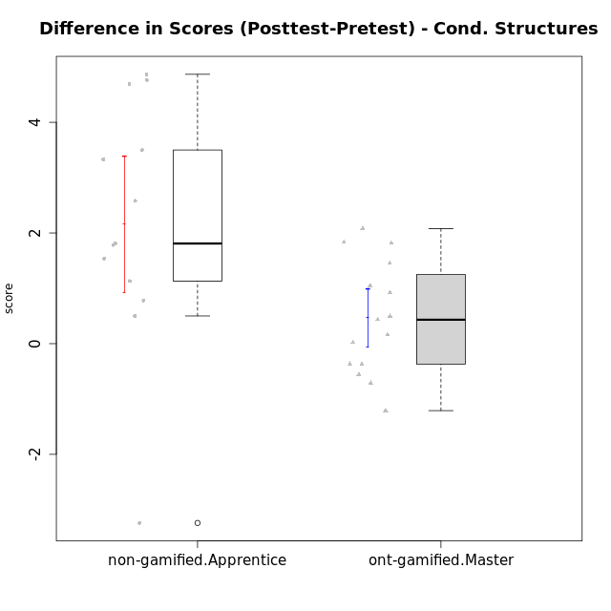

Student's t-Test data
UserID | NroUSP | Type | CLGroup | CLRole | PlayerRole | Re2 | Re1 | Un2 | Un1 | Ap2 | Ap3 | Ap1 | An3 | Ev2 | Ev1 | score.pre | ReB | ReA | UnB | UnA | ApB | ApC | ApA | AnC | EvB | EvA | score.pos | P1 | PA | PB | difScore
10169 | 10377538 | ont-gamified | Grupo Hefesto | Master | Yee Achiever | 0.7 | 0.6 | 0 | 0.64 | 1 | 0.55 | 1 | 0.6 | 1.4 | 1.3 | 7.79 | 0.56 | 0.6 | 0.6 | 0.8 | 0.5 | 0.18 | 1 | 0.6 | 0.93 | 1.3 | 7.08 | 0 | 0 | 0 | -0.71
10171 | 698531 | non-gamified | Grupo Team 6 | Apprentice |  | 0.7 | 0.49 | 0 | 0.37 | 1 | 1.1 | 1 | 1.2 | 0 | 0 | 6.36 | 0.7 | 0.6 | 0.9 | 0.8 | 1 | 1.1 | 1 | 1.2 | 1.4 | 1.3 | 11.125 | 0.5 | 0.5 | 0.625 | 4.765
10174 | 10276852 | ont-gamified | Grupo Urano | Master | Yee Achiever | 0.7 | 0.26 | 0.45 | 0.64 | 1 | 0.55 | 1 | 0.6 | 0.7 | 1.3 | 7.2 | 0.22 | 0.32 | 0.9 | 0.37 | 0.5 | 0.18 | 1 | 1.2 | 0 | 1.3 | 5.99 | 0 | 0 | 0 | -1.21
10175 | 10310700 | ont-gamified | Grupo Hélio | Master | Yee Socializer | 0.6 | 0.6 | 0.45 | 0.64 | 1 | 1.1 | 1 | 1.2 | 1.4 | 1.3 | 9.29 | 0.7 | 0.6 | 0.9 | 0.8 | 1 | 0.55 | 1 | 1.2 | 1.4 | 1.3 | 9.45 | 0 | 0 | 0 | 0.16
10184 | 10276675 | ont-gamified | Grupo Apolo | Master | Yee Socializer | 0.7 | 0.6 | 0 | 0.64 | 1 | 0.55 | 1 | 1.03 | 1.4 | 1.3 | 9.22 | 0.7 | 0.6 | 0 | 0.8 | 1 | 1.1 | 1 | 1.2 | 1.4 | 1.3 | 11.0375 | 1 | 1 | 0.9375 | 1.8175
10185 | 10276960 | non-gamified | Grupo Team 12 | Apprentice |  | 0 | 0.37 | 0 | 0.64 | 1 | 0.18 | 1 | 0.43 | 1.4 | 1.3 | 6.32 | 0.7 | 0.55 | 0.6 | 0.8 | 1 | 1.1 | 1 | 1.2 | 1.4 | 1.3 | 9.65 | 0 | 0 | 0 | 3.33
10187 | 9790781 | non-gamified | Grupo Team 15 | Apprentice |  | 0.22 | 0.44 | 0.45 | 0.64 | 1 | 0.55 | 1 | 0.43 | 0 | 1.3 | 7.03 | 0.46 | 0.33 | 0.9 | 0.8 | 0.5 | 0.55 | 1 | 1.2 | 0.47 | 1.3 | 8.8125 | 1 | 1 | 0.3125 | 1.7825
10189 | 9363926 | ont-gamified | Grupo Hades | Master | Yee Socializer | 0.46 | 0.27 | 0.45 | 0.64 | 1 | 1.1 | 1 | 1.03 | 1.4 | 1.3 | 8.9 | 0.7 | 0.38 | 0 | 0.8 | 1 | 1.1 | 1 | 1 | 0 | 1.3 | 8.3425 | 0.25 | 0.75 | 0.3125 | -0.5575
10192 | 10276682 | non-gamified | Grupo Team 5 | Apprentice |  | 0.5 | 0.6 | 0.45 | 0.64 | 0 | 0.18 | 1 | 1.03 | 0 | 0.87 | 5.77 | 0.7 | 0.6 | 0.9 | 0.8 | 1 | 0.55 | 1 | 1.2 | 1.4 | 1.3 | 10.6375 | 0.5 | 0.25 | 0.9375 | 4.8675
10193 | 10276762 | ont-gamified | Grupo Afrodite | Master | Yee Achiever | 0.6 | 0.55 | 0.9 | 0.64 | 1 | 0.55 | 1 | 1.2 | 0 | 1.3 | 8.74 | 0.7 | 0.49 | 0 | 0.8 | 1 | 1.1 | 1 | 1 | 1.4 | 1.3 | 9.79 | 1 | 1 | 0 | 1.05
10199 | 10276737 | ont-gamified | Grupo Gaia | Master | Yee Achiever | 0.6 | 0.6 | 0.45 | 0.53 | 1 | 1.1 | 0 | 1.2 | 0.7 | 1.3 | 7.48 | 0.7 | 0.48 | 0.9 | 0.53 | 1 | 1.1 | 0 | 1 | 1.4 | 0 | 7.11 | 0 | 0 | 0 | -0.37
10201 | 10276928 | ont-gamified | Grupo Caronte | Master | Yee Achiever | 0.7 | 0.6 | 0.45 | 0.53 | 0 | 1.1 | 1 | 1.2 | 1.4 | 1.3 | 9.28 | 0.7 | 0.6 | 0.6 | 0.8 | 1 | 0.55 | 1 | 1.2 | 1.4 | 1.3 | 9.7125 | 1 | 0.25 | 0.3125 | 0.4325
10202 | 10277036 | non-gamified | Grupo Team 11 | Apprentice |  | 0.6 | 0.33 | 0.45 | 0.64 | 1 | 0.55 | 1 | 1.03 | 0.7 | 0 | 6.3 | 0.7 | 0.38 | 0.9 | 0.53 | 0.25 | 0.55 | 1 | 1 | 0.47 | 1.3 | 7.08 | 0 | 0 | 0 | 0.78
10203 | 9921470 | non-gamified | Grupo Team 3 | Apprentice |  | 0.36 | 0.09 | 0.9 | 0.53 | 0 | 0.55 | 1 | 0 | 0.35 | 1.3 | 5.08 | 0.32 | 0.03 | 0 | 0.8 | 0 | 0.18 | 0.5 | 0 | 0 | 0 | 1.84 | 0 | 0 | 0 | -3.24
10204 | 10310471 | ont-gamified | Grupo Hermes | Master | Yee Achiever | 0.6 | 0.6 | 0.9 | 0.64 | 1 | 1.1 | 1 | 0.69 | 1.4 | 1.3 | 9.23 | 0.7 | 0.6 | 0.9 | 0.8 | 1 | 0.55 | 1 | 1 | 1.4 | 1.3 | 9.25 | 0 | 0 | 0 | 0.02
10206 | 10310721 | ont-gamified | Grupo Hera | Master | Yee Achiever | 0.7 | 0.6 | 0.45 | 0.53 | 1 | 1.1 | 1 | 1.2 | 1.4 | 1.3 | 10.03 | 0.7 | 0.55 | 0.9 | 0.8 | 0.25 | 0.18 | 1 | 1.2 | 1.4 | 1.3 | 10.53 | 0.75 | 1 | 1.25 | 0.5
10208 | 10276932 | non-gamified | Grupo Team 7 | Apprentice |  | 0.46 | 0.6 | 0.9 | 0.37 | 0 | 0.55 | 1 | 1.2 | 0 | 0.87 | 5.95 | 0.7 | 0.6 | 0.9 | 0.8 | 1 | 0.55 | 1 | 1.2 | 1.4 | 1.3 | 9.45 | 0 | 0 | 0 | 3.5
10210 | 10277015 | non-gamified | Grupo Team 9 | Apprentice |  | 0.6 | 0.48 | 0 | 0.37 | 0 | 0.55 | 0.5 | 1.03 | 1.4 | 1.3 | 6.23 | 0.56 | 0.6 | 0.9 | 0.64 | 0.75 | 0.55 | 1 | 1 | 0.47 | 1.3 | 7.77 | 0 | 0 | 0 | 1.54
10213 | 10277040 | ont-gamified | Grupo Morfeu | Master | Yee Socializer | 0.18 | 0.48 | 0.9 | 0.64 | 1 | 1.1 | 1 | 1.2 | 0.35 | 1.3 | 8.15 | 0.7 | 0.6 | 0.9 | 0.8 | 1 | 1.1 | 1 | 1.2 | 0.47 | 1.3 | 9.07 | 0 | 0 | 0 | 0.92
10215 | 9285227 | ont-gamified | Grupo Zeus | Master | Yee Socializer | 0.6 | 0.6 | 0.45 | 0.53 | 1 | 0.55 | 1 | 1.2 | 0.35 | 1.3 | 8.33 | 0.7 | 0.6 | 0.9 | 0.53 | 1 | 1.1 | 1 | 1 | 1.4 | 1.3 | 9.78 | 0.75 | 0.25 | 0 | 1.45
10218 | 9842913 | ont-gamified | Grupo Ares | Master | Yee Achiever | 0.7 | 0.44 | 0 | 0.64 | 1 | 0.55 | 1 | 1.2 | 0.7 | 1.3 | 8.53 | 0.56 | 0.6 | 0.9 | 0.8 | 0.75 | 1.1 | 1 | 1.2 | 1.4 | 1.3 | 10.36 | 1 | 0.75 | 0 | 1.83
10220 | 9760151 | non-gamified | Grupo Team 2 | Apprentice |  | 0.6 | 0.49 | 0.45 | 0.64 | 0 | 0.55 | 1 | 1.2 | 0.7 | 1.3 | 6.93 | 0.7 | 0.49 | 0 | 0.8 | 1 | 1.1 | 1 | 1.2 | 0.47 | 1.3 | 8.06 | 0 | 0 | 0 | 1.13
10223 | 9795185 | ont-gamified | Grupo Cronus | Master | Yee Achiever | 0.6 | 0.48 | 0.9 | 0.64 | 1 | 0.55 | 1 | 1.03 | 0 | 1.3 | 7.5 | 0.7 | 0.38 | 0.9 | 0.8 | 1 | 1.1 | 1 | 1 | 1.4 | 1.3 | 9.58 | 0 | 0 | 0 | 2.08
10224 | 9368772 | non-gamified | Grupo Team 10 | Apprentice |  | 0.22 | 0.48 | 0.45 | 0.53 | 0 | 0 | 0.5 | 1.2 | 0 | 0.87 | 5 | 0.22 | 0.22 | 0.9 | 0.8 | 1 | 1.1 | 1 | 1 | 1.4 | 1.3 | 9.69 | 0.75 | 0.75 | 0 | 4.69
10227 | 9274382 | non-gamified | Grupo Team 4 | Apprentice |  | 0.46 | 0.07 | 0.45 | 0.53 | 1 | 0.18 | 1 | 0.86 | 0.7 | 0 | 5.25 | 0.56 | 0.6 | 0.9 | 0.53 | 1 | 1.1 | 1 | 1.2 | 0.93 | 0 | 7.83 | 0 | 0 | 0 | 2.58
10232 | 10276974 | ont-gamified | Grupo Artemis | Master | Yee Achiever | 0.42 | 0.6 | 0.45 | 0.64 | 1 | 1.1 | 1 | 0.43 | 1.4 | 1.3 | 8.34 | 0.7 | 0.6 | 0.9 | 0.8 | 1 | 0 | 1 | 1.2 | 0.47 | 1.3 | 7.97 | 0 | 0 | 0 | -0.37
10233 | 9805320 | non-gamified | Grupo Team 16 | Apprentice |  | 0.46 | 0.6 | 0.45 | 0.53 | 0 | 0 | 1 | 1.2 | 0.7 | 1.3 | 6.24 | 0.7 | 0.6 | 0.9 | 0.27 | 0.5 | 0.18 | 1 | 1.2 | 1.4 | 1.3 | 8.05 | 0 | 0 | 0 | 1.81
10238 | 10276953 | non-gamified | Grupo Team 13 | Apprentice |  | 0.6 | 0.55 | 0 | 0.64 | 1 | 0.55 | 1 | 1.2 | 0.35 | 1.3 | 7.19 | 0.7 | 0.27 | 0.6 | 0.8 | 1 | 0.55 | 1 | 1 | 0.47 | 1.3 | 7.69 | 0 | 0 | 0 | 0.5

Type_CLRole_4
Student's t-Test for Difference in Scores (Posttest-Pretest) - Cond. Structures in Type:CLRole between non-gamified.Master:ont-gamified.Apprentice

Student's t-Test results
Alternative hypothesis: less
Group | N | Mean | Mean.Difference | Std.deviation | Std.error | CI.lower | CI.upper | df | t.value | p.value | g | magnitude
non-gamified.Master | 14 | 0.56142857143 | -2.1367380952 | 1.5170561429 | 0.4054503088 | -0.24947204617 | 1.372329189 | 26.999872637 | -3.6609376115 | 0.0005387067752 | -1.3190328416 | large
ont-gamified.Apprentice | 15 | 2.6981666667 | 2.1367380952 | 1.6260421018 | 0.41984226535 | 1.858482136 | 3.5378511974 | 26.999872637 | -3.6609376115 | 0.0005387067752 | -1.3190328416 | large
Alternative hypothesis: greater
Group | N | Mean | Mean.Difference | Std.deviation | Std.error | CI.lower | CI.upper | df | t.value | p.value | g | magnitude
non-gamified.Master | 14 | 0.56142857143 | -2.1367380952 | 1.5170561429 | 0.4054503088 | -0.24947204617 | 1.372329189 | 26.999872637 | -3.6609376115 | 0.99946129322 | -1.3190328416 | large
ont-gamified.Apprentice | 15 | 2.6981666667 | 2.1367380952 | 1.6260421018 | 0.41984226535 | 1.858482136 | 3.5378511974 | 26.999872637 | -3.6609376115 | 0.99946129322 | -1.3190328416 | large
Alternative hypothesis: two.sided
Group | N | Mean | Mean.Difference | Std.deviation | Std.error | CI.lower | CI.upper | df | t.value | p.value | g | magnitude
non-gamified.Master | 14 | 0.56142857143 | -2.1367380952 | 1.5170561429 | 0.4054503088 | -0.24947204617 | 1.372329189 | 26.999872637 | -3.6609376115 | 0.0010774135504 | -1.3190328416 | large
ont-gamified.Apprentice | 15 | 2.6981666667 | 2.1367380952 | 1.6260421018 | 0.41984226535 | 1.858482136 | 3.5378511974 | 26.999872637 | -3.6609376115 | 0.0010774135504 | -1.3190328416 | large

Box plots for Student's t-Test
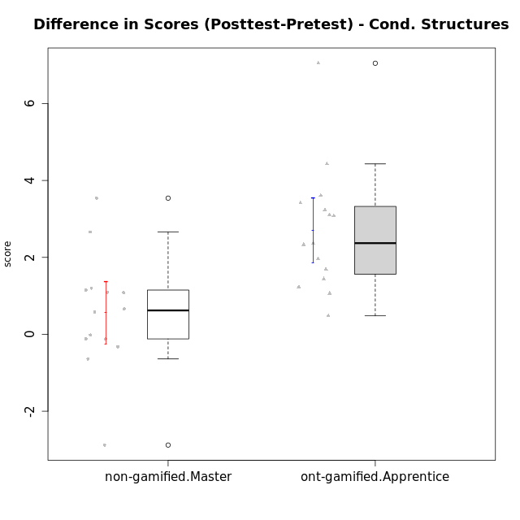

Student's t-Test data
UserID | NroUSP | Type | CLGroup | CLRole | PlayerRole | Re2 | Re1 | Un2 | Un1 | Ap2 | Ap3 | Ap1 | An3 | Ev2 | Ev1 | score.pre | ReB | ReA | UnB | UnA | ApB | ApC | ApA | AnC | EvB | EvA | score.pos | P1 | PA | PB | difScore
10170 | 10260351 | ont-gamified | Grupo Afrodite | Apprentice | Yee Achiever | 0.6 | 0.6 | 0.45 | 0.64 | 0 | 0 | 0.5 | 1.03 | 1.4 | 0.87 | 6.09 | 0.46 | 0.6 | 0.9 | 0.8 | 0.5 | 0.55 | 1 | 1.2 | 0.47 | 1.3 | 7.78 | 0 | 0 | 0 | 1.69
10176 | 10276949 | ont-gamified | Grupo Cronus | Apprentice | Yee Achiever | 0.7 | 0.6 | 0.45 | 0.53 | 0 | 1.1 | 1 | 0.86 | 0.35 | 0.87 | 6.96 | 0.7 | 0.6 | 0.9 | 0.8 | 1 | 0.55 | 1 | 1 | 0.47 | 0 | 8.395 | 0.5 | 0.75 | 0.625 | 1.435
10178 | 8656201 | ont-gamified | Grupo Morfeu | Apprentice | Yee Socializer | 0 | 0.21 | 0 | 0.53 | 0 | 0 | 0 | 0 | 1.4 | 0 | 2.39 | 0.46 | 0.33 | 0.9 | 0.8 | 0.5 | 0.55 | 1 | 1.2 | 0.47 | 1.3 | 9.4375 | 0.25 | 1 | 0.9375 | 7.0475
10179 | 10310759 | non-gamified | Grupo Team 9 | Master |  | 0.7 | 0.6 | 0.45 | 0.64 | 1 | 1.1 | 1 | 1.2 | 0 | 1.3 | 7.99 | 0.7 | 0.6 | 0.9 | 0.8 | 1 | 1.1 | 1 | 1.2 | 0.47 | 1.3 | 9.07 | 0 | 0 | 0 | 1.08
10181 | 10276866 | non-gamified | Grupo Team 10 | Master |  | 0.7 | 0.6 | 0.45 | 0.64 | 1 | 0.55 | 1 | 1.2 | 0.35 | 1.3 | 7.79 | 0.6 | 0.6 | 0.9 | 0.8 | 0.25 | 0.55 | 1 | 1.2 | 0.47 | 1.3 | 7.67 | 0 | 0 | 0 | -0.12
10183 | 10352030 | ont-gamified | Grupo Hélio | Apprentice | Yee Socializer | 0.46 | 0.55 | 0.45 | 0.8 | 1 | 0.18 | 0 | 1.03 | 0.35 | 0 | 5.07 | 0.7 | 0.6 | 0.6 | 0.8 | 0.75 | 0.18 | 1 | 1 | 0 | 1.3 | 8.305 | 0.25 | 0.75 | 0.625 | 3.235
10186 | 10310551 | ont-gamified | Grupo Ares | Apprentice | Yee Achiever | 0.7 | 0.49 | 0 | 0.64 | 0 | 1.1 | 1 | 1.2 | 0 | 1.3 | 6.43 | 0.7 | 0.6 | 0.9 | 0.8 | 1 | 1.1 | 1 | 1.2 | 0.93 | 1.3 | 9.53 | 0 | 0 | 0 | 3.1
10188 | 10276995 | non-gamified | Grupo Team 3 | Master |  | 0.56 | 0.6 | 0.9 | 0.53 | 1 | 1.1 | 1 | 1.2 | 1.4 | 1.3 | 10.34 | 0.7 | 0.6 | 0.9 | 0.8 | 1 | 1.1 | 1 | 1.2 | 1.4 | 1.3 | 11 | 0.75 | 1 | 0 | 0.66
10190 | 10276907 | ont-gamified | Grupo Zeus | Apprentice | Yee Socializer | 0.26 | 0.27 | 0.45 | 0.53 | 1 | 1.1 | 1 | 0.09 | 0.7 | 0 | 5.41 | 0.7 | 0.27 | 0 | 0.8 | 1 | 1.1 | 1 | 1.2 | 0 | 1.3 | 7.37 | 0 | 0 | 0 | 1.96
10191 | 10276981 | non-gamified | Grupo Team 6 | Master |  | 0.56 | 0.6 | 0.9 | 0.64 | 1 | 0.55 | 1 | 1.2 | 1.4 | 1.3 | 9.15 | 0.7 | 0.6 | 0.9 | 0.53 | 1 | 1.1 | 1 | 1.2 | 1.4 | 1.3 | 9.73 | 0 | 0 | 0 | 0.58
10195 | 10351971 | ont-gamified | Grupo Urano | Apprentice | Yee Achiever | 0.6 | 0.6 | 0.45 | 0.64 | 1 | 0.55 | 1 | 0.43 | 0.35 | 1.3 | 6.92 | 0.7 | 0.6 | 0.9 | 0.8 | 0.5 | 0.55 | 1 | 0.4 | 1.4 | 1.3 | 8.15 | 0 | 0 | 0 | 1.23
10196 | 10310655 | ont-gamified | Grupo Hefesto | Apprentice | Yee Achiever | 0.46 | 0.43 | 0.45 | 0.37 | 0 | 0.55 | 1 | 1.2 | 0.7 | 0.87 | 6.53 | 0.7 | 0.6 | 0.9 | 0.8 | 1 | 1.1 | 1 | 1.2 | 0.47 | 1.3 | 9.945 | 0.5 | 0.25 | 0.625 | 3.415
10197 | 10276661 | ont-gamified | Grupo Gaia | Apprentice | Yee Achiever | 0.12 | 0.55 | 0 | 0.64 | 0 | 1.1 | 1 | 1.2 | 0.7 | 1.3 | 6.61 | 0.7 | 0.6 | 0.9 | 0.8 | 1 | 0.55 | 1 | 1.2 | 0.93 | 1.3 | 8.98 | 0 | 0 | 0 | 2.37
10198 | 10310888 | ont-gamified | Grupo Apolo | Apprentice | Yee Socializer | 0.12 | 0.38 | 0.45 | 0.37 | 0 | 0.18 | 1 | 0.26 | 0.7 | 0.87 | 4.59 | 0.7 | 0.6 | 0.6 | 0.53 | 1 | 0.55 | 1 | 1.2 | 0.47 | 1.3 | 8.2 | 0.25 | 0.25 | 0 | 3.61
10200 | 9795272 | ont-gamified | Grupo Hades | Apprentice | Yee Socializer | 0.56 | 0.31 | 0.45 | 0.8 | 0 | 0.55 | 1 | 1.03 | 1.4 | 1.3 | 7.65 | 0.56 | 0.6 | 0.9 | 0.8 | 1 | 1.1 | 1 | 1.2 | 0 | 1.3 | 8.71 | 0.25 | 0.25 | 0 | 1.06
10209 | 10262669 | ont-gamified | Grupo Artemis | Apprentice | Yee Achiever | 0.7 | 0.6 | 0.45 | 0.8 | 0 | 0.55 | 1 | 1.2 | 0 | 1.3 | 6.6 | 0.7 | 0.55 | 0.9 | 0.53 | 1 | 1.1 | 1 | 1.2 | 1.4 | 1.3 | 9.68 | 0 | 0 | 0 | 3.08
10212 | 9065750 | non-gamified | Grupo Team 4 | Master |  | 0.56 | 0.38 | 0.45 | 0.8 | 1 | 1.1 | 1 | 1.2 | 1.4 | 1.3 | 9.19 | 0.42 | 0.6 | 0.9 | 0.8 | 1 | 0.55 | 1 | 1.2 | 1.4 | 1.3 | 9.17 | 0 | 0 | 0 | -0.02
10214 | 10277022 | non-gamified | Grupo Team 5 | Master |  | 0.7 | 0.48 | 0.45 | 0.53 | 1 | 1.1 | 1 | 1.2 | 1.4 | 1.3 | 9.16 | 0.7 | 0.6 | 0.9 | 0.53 | 0.25 | 1.1 | 1 | 1.2 | 0.93 | 1.3 | 8.52 | 0 | 0 | 0 | -0.64
10216 | 10276720 | non-gamified | Grupo Team 15 | Master |  | 0.7 | 0.38 | 0.45 | 0.64 | 1 | 0.55 | 1 | 1.2 | 0 | 1.3 | 7.22 | 0.7 | 0.48 | 0.9 | 0.8 | 1 | 1.1 | 1 | 1.2 | 1.4 | 1.3 | 9.88 | 0 | 0 | 0 | 2.66
10217 | 9805341 | non-gamified | Grupo Team 13 | Master |  | 0.28 | 0.6 | 0.45 | 0.53 | 1 | 1.1 | 1 | 1.2 | 0 | 1.3 | 8.21 | 0.7 | 0.6 | 0.9 | 0.8 | 1 | 1.1 | 1 | 1.2 | 1.4 | 1.3 | 11.75 | 0.75 | 0.5 | 1.25 | 3.54
10219 | 10276831 | non-gamified | Grupo Team 12 | Master |  | 0.7 | 0.6 | 0.45 | 0.27 | 1 | 0.55 | 1 | 1.2 | 1.4 | 1.3 | 8.47 | 0.7 | 0.6 | 0.9 | 0.8 | 1 | 0.18 | 1 | 1.2 | 0.47 | 1.3 | 8.15 | 0 | 0 | 0 | -0.32
10221 | 9082496 | ont-gamified | Grupo Hermes | Apprentice | Yee Achiever | 0.6 | 0.27 | 0 | 0.53 | 0 | 0.18 | 0 | 0.86 | 1.4 | 0.87 | 4.72 | 0.56 | 0.38 | 0 | 0.11 | 0 | 0.18 | 1 | 1.2 | 0.47 | 1.3 | 5.2 | 0 | 0 | 0 | 0.48
10222 | 9436110 | non-gamified | Grupo Team 16 | Master |  | 0.42 | 0.48 | 0.9 | 0.64 | 0 | 0.18 | 1 | 1.2 | 0.35 | 1.3 | 6.47 | 0.32 | 0.6 | 0.9 | 0.8 | 1 | 0.55 | 1 | 1.2 | 0 | 1.3 | 7.67 | 0 | 0 | 0 | 1.2
10226 | 10310342 | non-gamified | Grupo Team 8 | Master |  | 0.22 | 0.55 | 0.45 | 0.64 | 1 | 1.1 | 1 | 1.2 | 0.7 | 1.3 | 8.16 | 0.7 | 0.38 | 0.9 | 0.27 | 1 | 1.1 | 1 | 1.2 | 1.4 | 1.3 | 9.25 | 0 | 0 | 0 | 1.09
10230 | 10351992 | non-gamified | Grupo Team 14 | Master |  | 0 | 0.44 | 0.9 | 0.48 | 0 | 1.1 | 1 | 1.2 | 1.4 | 0.87 | 7.38 | 0.56 | 0.6 | 0.6 | 0.48 | 0.5 | 0.55 | 1 | 1.2 | 0.47 | 1.3 | 7.26 | 0 | 0 | 0 | -0.12
10231 | 10276911 | ont-gamified | Grupo Caronte | Apprentice | Yee Achiever | 0.7 | 0.49 | 0.9 | 0.53 | 1 | 0 | 1 | 1.2 | 0 | 1.3 | 7.12 | 0.7 | 0.6 | 0.9 | 0.8 | 1 | 0.55 | 1 | 1.2 | 1.4 | 1.3 | 9.45 | 0 | 0 | 0 | 2.33
10234 | 10310676 | non-gamified | Grupo Team 7 | Master |  | 0.6 | 0.36 | 0.9 | 0.64 | 1 | 0.55 | 1 | 1.2 | 1.4 | 0.87 | 8.52 | 0.7 | 0.36 | 0.9 | 0.8 | 1 | 0.55 | 0 | 0.4 | 0.93 | 0 | 5.64 | 0 | 0 | 0 | -2.88
10237 | 10377688 | non-gamified | Grupo Team 11 | Master |  | 0.6 | 0.6 | 0.45 | 0.8 | 1 | 1.1 | 1 | 0 | 0.7 | 1.3 | 7.55 | 0.7 | 0.6 | 0.9 | 0.8 | 0.5 | 1.1 | 1 | 0.4 | 1.4 | 1.3 | 8.7 | 0 | 0 | 0 | 1.15
10240 | 10276654 | ont-gamified | Grupo Hera | Apprentice | Yee Achiever | 0.56 | 0 | 0 | 0.27 | 0 | 1.1 | 0 | 1.2 | 0 | 0 | 3.13 | 0.7 | 0.49 | 0 | 0.8 | 0.5 | 1.1 | 1 | 1.2 | 0.47 | 1.3 | 7.56 | 0 | 0 | 0 | 4.43

Type_CLRole_5
Student's t-Test for Difference in Scores (Posttest-Pretest) - Cond. Structures in Type:CLRole between non-gamified.Master:ont-gamified.Master

Student's t-Test results
Alternative hypothesis: less
Group | N | Mean | Mean.Difference | Std.deviation | Std.error | CI.lower | CI.upper | df | t.value | p.value | g | magnitude
non-gamified.Master | 14 | 0.56142857143 | 0.091928571429 | 1.5170561429 | 0.4054503088 | -0.24947204617 | 1.372329189 | 22.638636868 | 0.18980480463 | 0.5744231702 | 0.069475301676 | negligible
ont-gamified.Master | 15 | 0.4695 | -0.091928571429 | 1.0260679106 | 0.26492959532 | -0.060359190639 | 0.99935919064 | 22.638636868 | 0.18980480463 | 0.5744231702 | 0.069475301676 | negligible
Alternative hypothesis: greater
Group | N | Mean | Mean.Difference | Std.deviation | Std.error | CI.lower | CI.upper | df | t.value | p.value | g | magnitude
non-gamified.Master | 14 | 0.56142857143 | 0.091928571429 | 1.5170561429 | 0.4054503088 | -0.24947204617 | 1.372329189 | 22.638636868 | 0.18980480463 | 0.4255768298 | 0.069475301676 | negligible
ont-gamified.Master | 15 | 0.4695 | -0.091928571429 | 1.0260679106 | 0.26492959532 | -0.060359190639 | 0.99935919064 | 22.638636868 | 0.18980480463 | 0.4255768298 | 0.069475301676 | negligible
Alternative hypothesis: two.sided
Group | N | Mean | Mean.Difference | Std.deviation | Std.error | CI.lower | CI.upper | df | t.value | p.value | g | magnitude
non-gamified.Master | 14 | 0.56142857143 | 0.091928571429 | 1.5170561429 | 0.4054503088 | -0.24947204617 | 1.372329189 | 22.638636868 | 0.18980480463 | 0.85115365961 | 0.069475301676 | negligible
ont-gamified.Master | 15 | 0.4695 | -0.091928571429 | 1.0260679106 | 0.26492959532 | -0.060359190639 | 0.99935919064 | 22.638636868 | 0.18980480463 | 0.85115365961 | 0.069475301676 | negligible

Box plots for Student's t-Test
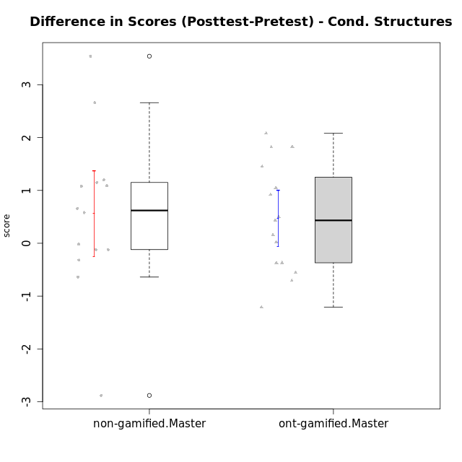

Student's t-Test data
UserID | NroUSP | Type | CLGroup | CLRole | PlayerRole | Re2 | Re1 | Un2 | Un1 | Ap2 | Ap3 | Ap1 | An3 | Ev2 | Ev1 | score.pre | ReB | ReA | UnB | UnA | ApB | ApC | ApA | AnC | EvB | EvA | score.pos | P1 | PA | PB | difScore
10169 | 10377538 | ont-gamified | Grupo Hefesto | Master | Yee Achiever | 0.7 | 0.6 | 0 | 0.64 | 1 | 0.55 | 1 | 0.6 | 1.4 | 1.3 | 7.79 | 0.56 | 0.6 | 0.6 | 0.8 | 0.5 | 0.18 | 1 | 0.6 | 0.93 | 1.3 | 7.08 | 0 | 0 | 0 | -0.71
10174 | 10276852 | ont-gamified | Grupo Urano | Master | Yee Achiever | 0.7 | 0.26 | 0.45 | 0.64 | 1 | 0.55 | 1 | 0.6 | 0.7 | 1.3 | 7.2 | 0.22 | 0.32 | 0.9 | 0.37 | 0.5 | 0.18 | 1 | 1.2 | 0 | 1.3 | 5.99 | 0 | 0 | 0 | -1.21
10175 | 10310700 | ont-gamified | Grupo Hélio | Master | Yee Socializer | 0.6 | 0.6 | 0.45 | 0.64 | 1 | 1.1 | 1 | 1.2 | 1.4 | 1.3 | 9.29 | 0.7 | 0.6 | 0.9 | 0.8 | 1 | 0.55 | 1 | 1.2 | 1.4 | 1.3 | 9.45 | 0 | 0 | 0 | 0.16
10179 | 10310759 | non-gamified | Grupo Team 9 | Master |  | 0.7 | 0.6 | 0.45 | 0.64 | 1 | 1.1 | 1 | 1.2 | 0 | 1.3 | 7.99 | 0.7 | 0.6 | 0.9 | 0.8 | 1 | 1.1 | 1 | 1.2 | 0.47 | 1.3 | 9.07 | 0 | 0 | 0 | 1.08
10181 | 10276866 | non-gamified | Grupo Team 10 | Master |  | 0.7 | 0.6 | 0.45 | 0.64 | 1 | 0.55 | 1 | 1.2 | 0.35 | 1.3 | 7.79 | 0.6 | 0.6 | 0.9 | 0.8 | 0.25 | 0.55 | 1 | 1.2 | 0.47 | 1.3 | 7.67 | 0 | 0 | 0 | -0.12
10184 | 10276675 | ont-gamified | Grupo Apolo | Master | Yee Socializer | 0.7 | 0.6 | 0 | 0.64 | 1 | 0.55 | 1 | 1.03 | 1.4 | 1.3 | 9.22 | 0.7 | 0.6 | 0 | 0.8 | 1 | 1.1 | 1 | 1.2 | 1.4 | 1.3 | 11.0375 | 1 | 1 | 0.9375 | 1.8175
10188 | 10276995 | non-gamified | Grupo Team 3 | Master |  | 0.56 | 0.6 | 0.9 | 0.53 | 1 | 1.1 | 1 | 1.2 | 1.4 | 1.3 | 10.34 | 0.7 | 0.6 | 0.9 | 0.8 | 1 | 1.1 | 1 | 1.2 | 1.4 | 1.3 | 11 | 0.75 | 1 | 0 | 0.66
10189 | 9363926 | ont-gamified | Grupo Hades | Master | Yee Socializer | 0.46 | 0.27 | 0.45 | 0.64 | 1 | 1.1 | 1 | 1.03 | 1.4 | 1.3 | 8.9 | 0.7 | 0.38 | 0 | 0.8 | 1 | 1.1 | 1 | 1 | 0 | 1.3 | 8.3425 | 0.25 | 0.75 | 0.3125 | -0.5575
10191 | 10276981 | non-gamified | Grupo Team 6 | Master |  | 0.56 | 0.6 | 0.9 | 0.64 | 1 | 0.55 | 1 | 1.2 | 1.4 | 1.3 | 9.15 | 0.7 | 0.6 | 0.9 | 0.53 | 1 | 1.1 | 1 | 1.2 | 1.4 | 1.3 | 9.73 | 0 | 0 | 0 | 0.58
10193 | 10276762 | ont-gamified | Grupo Afrodite | Master | Yee Achiever | 0.6 | 0.55 | 0.9 | 0.64 | 1 | 0.55 | 1 | 1.2 | 0 | 1.3 | 8.74 | 0.7 | 0.49 | 0 | 0.8 | 1 | 1.1 | 1 | 1 | 1.4 | 1.3 | 9.79 | 1 | 1 | 0 | 1.05
10199 | 10276737 | ont-gamified | Grupo Gaia | Master | Yee Achiever | 0.6 | 0.6 | 0.45 | 0.53 | 1 | 1.1 | 0 | 1.2 | 0.7 | 1.3 | 7.48 | 0.7 | 0.48 | 0.9 | 0.53 | 1 | 1.1 | 0 | 1 | 1.4 | 0 | 7.11 | 0 | 0 | 0 | -0.37
10201 | 10276928 | ont-gamified | Grupo Caronte | Master | Yee Achiever | 0.7 | 0.6 | 0.45 | 0.53 | 0 | 1.1 | 1 | 1.2 | 1.4 | 1.3 | 9.28 | 0.7 | 0.6 | 0.6 | 0.8 | 1 | 0.55 | 1 | 1.2 | 1.4 | 1.3 | 9.7125 | 1 | 0.25 | 0.3125 | 0.4325
10204 | 10310471 | ont-gamified | Grupo Hermes | Master | Yee Achiever | 0.6 | 0.6 | 0.9 | 0.64 | 1 | 1.1 | 1 | 0.69 | 1.4 | 1.3 | 9.23 | 0.7 | 0.6 | 0.9 | 0.8 | 1 | 0.55 | 1 | 1 | 1.4 | 1.3 | 9.25 | 0 | 0 | 0 | 0.02
10206 | 10310721 | ont-gamified | Grupo Hera | Master | Yee Achiever | 0.7 | 0.6 | 0.45 | 0.53 | 1 | 1.1 | 1 | 1.2 | 1.4 | 1.3 | 10.03 | 0.7 | 0.55 | 0.9 | 0.8 | 0.25 | 0.18 | 1 | 1.2 | 1.4 | 1.3 | 10.53 | 0.75 | 1 | 1.25 | 0.5
10212 | 9065750 | non-gamified | Grupo Team 4 | Master |  | 0.56 | 0.38 | 0.45 | 0.8 | 1 | 1.1 | 1 | 1.2 | 1.4 | 1.3 | 9.19 | 0.42 | 0.6 | 0.9 | 0.8 | 1 | 0.55 | 1 | 1.2 | 1.4 | 1.3 | 9.17 | 0 | 0 | 0 | -0.02
10213 | 10277040 | ont-gamified | Grupo Morfeu | Master | Yee Socializer | 0.18 | 0.48 | 0.9 | 0.64 | 1 | 1.1 | 1 | 1.2 | 0.35 | 1.3 | 8.15 | 0.7 | 0.6 | 0.9 | 0.8 | 1 | 1.1 | 1 | 1.2 | 0.47 | 1.3 | 9.07 | 0 | 0 | 0 | 0.92
10214 | 10277022 | non-gamified | Grupo Team 5 | Master |  | 0.7 | 0.48 | 0.45 | 0.53 | 1 | 1.1 | 1 | 1.2 | 1.4 | 1.3 | 9.16 | 0.7 | 0.6 | 0.9 | 0.53 | 0.25 | 1.1 | 1 | 1.2 | 0.93 | 1.3 | 8.52 | 0 | 0 | 0 | -0.64
10215 | 9285227 | ont-gamified | Grupo Zeus | Master | Yee Socializer | 0.6 | 0.6 | 0.45 | 0.53 | 1 | 0.55 | 1 | 1.2 | 0.35 | 1.3 | 8.33 | 0.7 | 0.6 | 0.9 | 0.53 | 1 | 1.1 | 1 | 1 | 1.4 | 1.3 | 9.78 | 0.75 | 0.25 | 0 | 1.45
10216 | 10276720 | non-gamified | Grupo Team 15 | Master |  | 0.7 | 0.38 | 0.45 | 0.64 | 1 | 0.55 | 1 | 1.2 | 0 | 1.3 | 7.22 | 0.7 | 0.48 | 0.9 | 0.8 | 1 | 1.1 | 1 | 1.2 | 1.4 | 1.3 | 9.88 | 0 | 0 | 0 | 2.66
10217 | 9805341 | non-gamified | Grupo Team 13 | Master |  | 0.28 | 0.6 | 0.45 | 0.53 | 1 | 1.1 | 1 | 1.2 | 0 | 1.3 | 8.21 | 0.7 | 0.6 | 0.9 | 0.8 | 1 | 1.1 | 1 | 1.2 | 1.4 | 1.3 | 11.75 | 0.75 | 0.5 | 1.25 | 3.54
10218 | 9842913 | ont-gamified | Grupo Ares | Master | Yee Achiever | 0.7 | 0.44 | 0 | 0.64 | 1 | 0.55 | 1 | 1.2 | 0.7 | 1.3 | 8.53 | 0.56 | 0.6 | 0.9 | 0.8 | 0.75 | 1.1 | 1 | 1.2 | 1.4 | 1.3 | 10.36 | 1 | 0.75 | 0 | 1.83
10219 | 10276831 | non-gamified | Grupo Team 12 | Master |  | 0.7 | 0.6 | 0.45 | 0.27 | 1 | 0.55 | 1 | 1.2 | 1.4 | 1.3 | 8.47 | 0.7 | 0.6 | 0.9 | 0.8 | 1 | 0.18 | 1 | 1.2 | 0.47 | 1.3 | 8.15 | 0 | 0 | 0 | -0.32
10222 | 9436110 | non-gamified | Grupo Team 16 | Master |  | 0.42 | 0.48 | 0.9 | 0.64 | 0 | 0.18 | 1 | 1.2 | 0.35 | 1.3 | 6.47 | 0.32 | 0.6 | 0.9 | 0.8 | 1 | 0.55 | 1 | 1.2 | 0 | 1.3 | 7.67 | 0 | 0 | 0 | 1.2
10223 | 9795185 | ont-gamified | Grupo Cronus | Master | Yee Achiever | 0.6 | 0.48 | 0.9 | 0.64 | 1 | 0.55 | 1 | 1.03 | 0 | 1.3 | 7.5 | 0.7 | 0.38 | 0.9 | 0.8 | 1 | 1.1 | 1 | 1 | 1.4 | 1.3 | 9.58 | 0 | 0 | 0 | 2.08
10226 | 10310342 | non-gamified | Grupo Team 8 | Master |  | 0.22 | 0.55 | 0.45 | 0.64 | 1 | 1.1 | 1 | 1.2 | 0.7 | 1.3 | 8.16 | 0.7 | 0.38 | 0.9 | 0.27 | 1 | 1.1 | 1 | 1.2 | 1.4 | 1.3 | 9.25 | 0 | 0 | 0 | 1.09
10230 | 10351992 | non-gamified | Grupo Team 14 | Master |  | 0 | 0.44 | 0.9 | 0.48 | 0 | 1.1 | 1 | 1.2 | 1.4 | 0.87 | 7.38 | 0.56 | 0.6 | 0.6 | 0.48 | 0.5 | 0.55 | 1 | 1.2 | 0.47 | 1.3 | 7.26 | 0 | 0 | 0 | -0.12
10232 | 10276974 | ont-gamified | Grupo Artemis | Master | Yee Achiever | 0.42 | 0.6 | 0.45 | 0.64 | 1 | 1.1 | 1 | 0.43 | 1.4 | 1.3 | 8.34 | 0.7 | 0.6 | 0.9 | 0.8 | 1 | 0 | 1 | 1.2 | 0.47 | 1.3 | 7.97 | 0 | 0 | 0 | -0.37
10234 | 10310676 | non-gamified | Grupo Team 7 | Master |  | 0.6 | 0.36 | 0.9 | 0.64 | 1 | 0.55 | 1 | 1.2 | 1.4 | 0.87 | 8.52 | 0.7 | 0.36 | 0.9 | 0.8 | 1 | 0.55 | 0 | 0.4 | 0.93 | 0 | 5.64 | 0 | 0 | 0 | -2.88
10237 | 10377688 | non-gamified | Grupo Team 11 | Master |  | 0.6 | 0.6 | 0.45 | 0.8 | 1 | 1.1 | 1 | 0 | 0.7 | 1.3 | 7.55 | 0.7 | 0.6 | 0.9 | 0.8 | 0.5 | 1.1 | 1 | 0.4 | 1.4 | 1.3 | 8.7 | 0 | 0 | 0 | 1.15

Type_CLRole_6
Student's t-Test for Difference in Scores (Posttest-Pretest) - Cond. Structures in Type:CLRole between ont-gamified.Apprentice:ont-gamified.Master

Student's t-Test results
Alternative hypothesis: less
Group | N | Mean | Mean.Difference | Std.deviation | Std.error | CI.lower | CI.upper | df | t.value | p.value | g | magnitude
ont-gamified.Apprentice | 15 | 2.6981666667 | 2.2286666667 | 1.6260421018 | 0.41984226535 | 1.858482136 | 3.5378511974 | 23.623440798 | 4.4892739528 | 0.99992137085 | 1.5949469908 | large
ont-gamified.Master | 15 | 0.4695 | -2.2286666667 | 1.0260679106 | 0.26492959532 | -0.060359190639 | 0.99935919064 | 23.623440798 | 4.4892739528 | 0.99992137085 | 1.5949469908 | large
Alternative hypothesis: greater
Group | N | Mean | Mean.Difference | Std.deviation | Std.error | CI.lower | CI.upper | df | t.value | p.value | g | magnitude
ont-gamified.Apprentice | 15 | 2.6981666667 | 2.2286666667 | 1.6260421018 | 0.41984226535 | 1.858482136 | 3.5378511974 | 23.623440798 | 4.4892739528 | 7.8629151598E-05 | 1.5949469908 | large
ont-gamified.Master | 15 | 0.4695 | -2.2286666667 | 1.0260679106 | 0.26492959532 | -0.060359190639 | 0.99935919064 | 23.623440798 | 4.4892739528 | 7.8629151598E-05 | 1.5949469908 | large
Alternative hypothesis: two.sided
Group | N | Mean | Mean.Difference | Std.deviation | Std.error | CI.lower | CI.upper | df | t.value | p.value | g | magnitude
ont-gamified.Apprentice | 15 | 2.6981666667 | 2.2286666667 | 1.6260421018 | 0.41984226535 | 1.858482136 | 3.5378511974 | 23.623440798 | 4.4892739528 | 0.0001572583032 | 1.5949469908 | large
ont-gamified.Master | 15 | 0.4695 | -2.2286666667 | 1.0260679106 | 0.26492959532 | -0.060359190639 | 0.99935919064 | 23.623440798 | 4.4892739528 | 0.0001572583032 | 1.5949469908 | large

Box plots for Student's t-Test
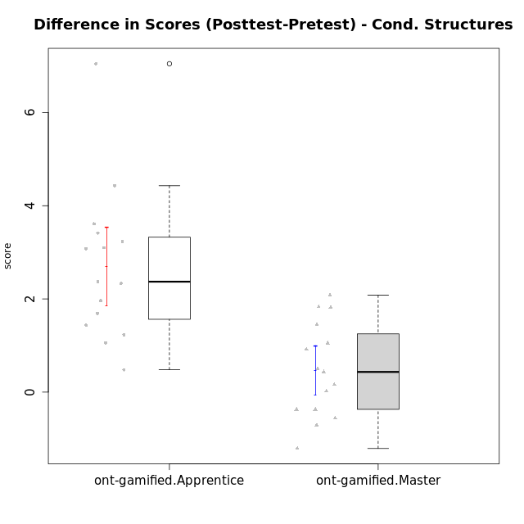

Student's t-Test data
UserID | NroUSP | Type | CLGroup | CLRole | PlayerRole | Re2 | Re1 | Un2 | Un1 | Ap2 | Ap3 | Ap1 | An3 | Ev2 | Ev1 | score.pre | ReB | ReA | UnB | UnA | ApB | ApC | ApA | AnC | EvB | EvA | score.pos | P1 | PA | PB | difScore
10169 | 10377538 | ont-gamified | Grupo Hefesto | Master | Yee Achiever | 0.7 | 0.6 | 0 | 0.64 | 1 | 0.55 | 1 | 0.6 | 1.4 | 1.3 | 7.79 | 0.56 | 0.6 | 0.6 | 0.8 | 0.5 | 0.18 | 1 | 0.6 | 0.93 | 1.3 | 7.08 | 0 | 0 | 0 | -0.71
10170 | 10260351 | ont-gamified | Grupo Afrodite | Apprentice | Yee Achiever | 0.6 | 0.6 | 0.45 | 0.64 | 0 | 0 | 0.5 | 1.03 | 1.4 | 0.87 | 6.09 | 0.46 | 0.6 | 0.9 | 0.8 | 0.5 | 0.55 | 1 | 1.2 | 0.47 | 1.3 | 7.78 | 0 | 0 | 0 | 1.69
10174 | 10276852 | ont-gamified | Grupo Urano | Master | Yee Achiever | 0.7 | 0.26 | 0.45 | 0.64 | 1 | 0.55 | 1 | 0.6 | 0.7 | 1.3 | 7.2 | 0.22 | 0.32 | 0.9 | 0.37 | 0.5 | 0.18 | 1 | 1.2 | 0 | 1.3 | 5.99 | 0 | 0 | 0 | -1.21
10175 | 10310700 | ont-gamified | Grupo Hélio | Master | Yee Socializer | 0.6 | 0.6 | 0.45 | 0.64 | 1 | 1.1 | 1 | 1.2 | 1.4 | 1.3 | 9.29 | 0.7 | 0.6 | 0.9 | 0.8 | 1 | 0.55 | 1 | 1.2 | 1.4 | 1.3 | 9.45 | 0 | 0 | 0 | 0.16
10176 | 10276949 | ont-gamified | Grupo Cronus | Apprentice | Yee Achiever | 0.7 | 0.6 | 0.45 | 0.53 | 0 | 1.1 | 1 | 0.86 | 0.35 | 0.87 | 6.96 | 0.7 | 0.6 | 0.9 | 0.8 | 1 | 0.55 | 1 | 1 | 0.47 | 0 | 8.395 | 0.5 | 0.75 | 0.625 | 1.435
10178 | 8656201 | ont-gamified | Grupo Morfeu | Apprentice | Yee Socializer | 0 | 0.21 | 0 | 0.53 | 0 | 0 | 0 | 0 | 1.4 | 0 | 2.39 | 0.46 | 0.33 | 0.9 | 0.8 | 0.5 | 0.55 | 1 | 1.2 | 0.47 | 1.3 | 9.4375 | 0.25 | 1 | 0.9375 | 7.0475
10183 | 10352030 | ont-gamified | Grupo Hélio | Apprentice | Yee Socializer | 0.46 | 0.55 | 0.45 | 0.8 | 1 | 0.18 | 0 | 1.03 | 0.35 | 0 | 5.07 | 0.7 | 0.6 | 0.6 | 0.8 | 0.75 | 0.18 | 1 | 1 | 0 | 1.3 | 8.305 | 0.25 | 0.75 | 0.625 | 3.235
10184 | 10276675 | ont-gamified | Grupo Apolo | Master | Yee Socializer | 0.7 | 0.6 | 0 | 0.64 | 1 | 0.55 | 1 | 1.03 | 1.4 | 1.3 | 9.22 | 0.7 | 0.6 | 0 | 0.8 | 1 | 1.1 | 1 | 1.2 | 1.4 | 1.3 | 11.0375 | 1 | 1 | 0.9375 | 1.8175
10186 | 10310551 | ont-gamified | Grupo Ares | Apprentice | Yee Achiever | 0.7 | 0.49 | 0 | 0.64 | 0 | 1.1 | 1 | 1.2 | 0 | 1.3 | 6.43 | 0.7 | 0.6 | 0.9 | 0.8 | 1 | 1.1 | 1 | 1.2 | 0.93 | 1.3 | 9.53 | 0 | 0 | 0 | 3.1
10189 | 9363926 | ont-gamified | Grupo Hades | Master | Yee Socializer | 0.46 | 0.27 | 0.45 | 0.64 | 1 | 1.1 | 1 | 1.03 | 1.4 | 1.3 | 8.9 | 0.7 | 0.38 | 0 | 0.8 | 1 | 1.1 | 1 | 1 | 0 | 1.3 | 8.3425 | 0.25 | 0.75 | 0.3125 | -0.5575
10190 | 10276907 | ont-gamified | Grupo Zeus | Apprentice | Yee Socializer | 0.26 | 0.27 | 0.45 | 0.53 | 1 | 1.1 | 1 | 0.09 | 0.7 | 0 | 5.41 | 0.7 | 0.27 | 0 | 0.8 | 1 | 1.1 | 1 | 1.2 | 0 | 1.3 | 7.37 | 0 | 0 | 0 | 1.96
10193 | 10276762 | ont-gamified | Grupo Afrodite | Master | Yee Achiever | 0.6 | 0.55 | 0.9 | 0.64 | 1 | 0.55 | 1 | 1.2 | 0 | 1.3 | 8.74 | 0.7 | 0.49 | 0 | 0.8 | 1 | 1.1 | 1 | 1 | 1.4 | 1.3 | 9.79 | 1 | 1 | 0 | 1.05
10195 | 10351971 | ont-gamified | Grupo Urano | Apprentice | Yee Achiever | 0.6 | 0.6 | 0.45 | 0.64 | 1 | 0.55 | 1 | 0.43 | 0.35 | 1.3 | 6.92 | 0.7 | 0.6 | 0.9 | 0.8 | 0.5 | 0.55 | 1 | 0.4 | 1.4 | 1.3 | 8.15 | 0 | 0 | 0 | 1.23
10196 | 10310655 | ont-gamified | Grupo Hefesto | Apprentice | Yee Achiever | 0.46 | 0.43 | 0.45 | 0.37 | 0 | 0.55 | 1 | 1.2 | 0.7 | 0.87 | 6.53 | 0.7 | 0.6 | 0.9 | 0.8 | 1 | 1.1 | 1 | 1.2 | 0.47 | 1.3 | 9.945 | 0.5 | 0.25 | 0.625 | 3.415
10197 | 10276661 | ont-gamified | Grupo Gaia | Apprentice | Yee Achiever | 0.12 | 0.55 | 0 | 0.64 | 0 | 1.1 | 1 | 1.2 | 0.7 | 1.3 | 6.61 | 0.7 | 0.6 | 0.9 | 0.8 | 1 | 0.55 | 1 | 1.2 | 0.93 | 1.3 | 8.98 | 0 | 0 | 0 | 2.37
10198 | 10310888 | ont-gamified | Grupo Apolo | Apprentice | Yee Socializer | 0.12 | 0.38 | 0.45 | 0.37 | 0 | 0.18 | 1 | 0.26 | 0.7 | 0.87 | 4.59 | 0.7 | 0.6 | 0.6 | 0.53 | 1 | 0.55 | 1 | 1.2 | 0.47 | 1.3 | 8.2 | 0.25 | 0.25 | 0 | 3.61
10199 | 10276737 | ont-gamified | Grupo Gaia | Master | Yee Achiever | 0.6 | 0.6 | 0.45 | 0.53 | 1 | 1.1 | 0 | 1.2 | 0.7 | 1.3 | 7.48 | 0.7 | 0.48 | 0.9 | 0.53 | 1 | 1.1 | 0 | 1 | 1.4 | 0 | 7.11 | 0 | 0 | 0 | -0.37
10200 | 9795272 | ont-gamified | Grupo Hades | Apprentice | Yee Socializer | 0.56 | 0.31 | 0.45 | 0.8 | 0 | 0.55 | 1 | 1.03 | 1.4 | 1.3 | 7.65 | 0.56 | 0.6 | 0.9 | 0.8 | 1 | 1.1 | 1 | 1.2 | 0 | 1.3 | 8.71 | 0.25 | 0.25 | 0 | 1.06
10201 | 10276928 | ont-gamified | Grupo Caronte | Master | Yee Achiever | 0.7 | 0.6 | 0.45 | 0.53 | 0 | 1.1 | 1 | 1.2 | 1.4 | 1.3 | 9.28 | 0.7 | 0.6 | 0.6 | 0.8 | 1 | 0.55 | 1 | 1.2 | 1.4 | 1.3 | 9.7125 | 1 | 0.25 | 0.3125 | 0.4325
10204 | 10310471 | ont-gamified | Grupo Hermes | Master | Yee Achiever | 0.6 | 0.6 | 0.9 | 0.64 | 1 | 1.1 | 1 | 0.69 | 1.4 | 1.3 | 9.23 | 0.7 | 0.6 | 0.9 | 0.8 | 1 | 0.55 | 1 | 1 | 1.4 | 1.3 | 9.25 | 0 | 0 | 0 | 0.02
10206 | 10310721 | ont-gamified | Grupo Hera | Master | Yee Achiever | 0.7 | 0.6 | 0.45 | 0.53 | 1 | 1.1 | 1 | 1.2 | 1.4 | 1.3 | 10.03 | 0.7 | 0.55 | 0.9 | 0.8 | 0.25 | 0.18 | 1 | 1.2 | 1.4 | 1.3 | 10.53 | 0.75 | 1 | 1.25 | 0.5
10209 | 10262669 | ont-gamified | Grupo Artemis | Apprentice | Yee Achiever | 0.7 | 0.6 | 0.45 | 0.8 | 0 | 0.55 | 1 | 1.2 | 0 | 1.3 | 6.6 | 0.7 | 0.55 | 0.9 | 0.53 | 1 | 1.1 | 1 | 1.2 | 1.4 | 1.3 | 9.68 | 0 | 0 | 0 | 3.08
10213 | 10277040 | ont-gamified | Grupo Morfeu | Master | Yee Socializer | 0.18 | 0.48 | 0.9 | 0.64 | 1 | 1.1 | 1 | 1.2 | 0.35 | 1.3 | 8.15 | 0.7 | 0.6 | 0.9 | 0.8 | 1 | 1.1 | 1 | 1.2 | 0.47 | 1.3 | 9.07 | 0 | 0 | 0 | 0.92
10215 | 9285227 | ont-gamified | Grupo Zeus | Master | Yee Socializer | 0.6 | 0.6 | 0.45 | 0.53 | 1 | 0.55 | 1 | 1.2 | 0.35 | 1.3 | 8.33 | 0.7 | 0.6 | 0.9 | 0.53 | 1 | 1.1 | 1 | 1 | 1.4 | 1.3 | 9.78 | 0.75 | 0.25 | 0 | 1.45
10218 | 9842913 | ont-gamified | Grupo Ares | Master | Yee Achiever | 0.7 | 0.44 | 0 | 0.64 | 1 | 0.55 | 1 | 1.2 | 0.7 | 1.3 | 8.53 | 0.56 | 0.6 | 0.9 | 0.8 | 0.75 | 1.1 | 1 | 1.2 | 1.4 | 1.3 | 10.36 | 1 | 0.75 | 0 | 1.83
10221 | 9082496 | ont-gamified | Grupo Hermes | Apprentice | Yee Achiever | 0.6 | 0.27 | 0 | 0.53 | 0 | 0.18 | 0 | 0.86 | 1.4 | 0.87 | 4.72 | 0.56 | 0.38 | 0 | 0.11 | 0 | 0.18 | 1 | 1.2 | 0.47 | 1.3 | 5.2 | 0 | 0 | 0 | 0.48
10223 | 9795185 | ont-gamified | Grupo Cronus | Master | Yee Achiever | 0.6 | 0.48 | 0.9 | 0.64 | 1 | 0.55 | 1 | 1.03 | 0 | 1.3 | 7.5 | 0.7 | 0.38 | 0.9 | 0.8 | 1 | 1.1 | 1 | 1 | 1.4 | 1.3 | 9.58 | 0 | 0 | 0 | 2.08
10231 | 10276911 | ont-gamified | Grupo Caronte | Apprentice | Yee Achiever | 0.7 | 0.49 | 0.9 | 0.53 | 1 | 0 | 1 | 1.2 | 0 | 1.3 | 7.12 | 0.7 | 0.6 | 0.9 | 0.8 | 1 | 0.55 | 1 | 1.2 | 1.4 | 1.3 | 9.45 | 0 | 0 | 0 | 2.33
10232 | 10276974 | ont-gamified | Grupo Artemis | Master | Yee Achiever | 0.42 | 0.6 | 0.45 | 0.64 | 1 | 1.1 | 1 | 0.43 | 1.4 | 1.3 | 8.34 | 0.7 | 0.6 | 0.9 | 0.8 | 1 | 0 | 1 | 1.2 | 0.47 | 1.3 | 7.97 | 0 | 0 | 0 | -0.37
10240 | 10276654 | ont-gamified | Grupo Hera | Apprentice | Yee Achiever | 0.56 | 0 | 0 | 0.27 | 0 | 1.1 | 0 | 1.2 | 0 | 0 | 3.13 | 0.7 | 0.49 | 0 | 0.8 | 0.5 | 1.1 | 1 | 1.2 | 0.47 | 1.3 | 7.56 | 0 | 0 | 0 | 4.43

