Type_1
Wilcoxon Analysis for Effort/Importance by Type in Type between non-gamified:ont-gamified

Wilcoxon test results
Alternative hypothesis: less
Group | N | Median | Mean.Ranks | Sum.Ranks | U | Z | p.value | r | magnitude
non-gamified | 20 | 5.3333333333 | 20.925 | 418.5 | 208.5 | -1.5044741964 | 0.067397021706 | 0.21715214556 | small
ont-gamified | 28 | 6 | 27.053571429 | 757.5 | 208.5 | -1.5044741964 | 0.067397021706 | 0.21715214556 | small
Alternative hypothesis: greater
Group | N | Median | Mean.Ranks | Sum.Ranks | U | Z | p.value | r | magnitude
non-gamified | 20 | 5.3333333333 | 20.925 | 418.5 | 208.5 | -1.5044741964 | 0.93397710824 | 0.21715214556 | small
ont-gamified | 28 | 6 | 27.053571429 | 757.5 | 208.5 | -1.5044741964 | 0.93397710824 | 0.21715214556 | small
Alternative hypothesis: two.sided
Group | N | Median | Mean.Ranks | Sum.Ranks | U | Z | p.value | r | magnitude
non-gamified | 20 | 5.3333333333 | 20.925 | 418.5 | 208.5 | -1.5044741964 | 0.13480618127 | 0.21715214556 | small
ont-gamified | 28 | 6 | 27.053571429 | 757.5 | 208.5 | -1.5044741964 | 0.13480618127 | 0.21715214556 | small

Box plots for wilcoxon tests
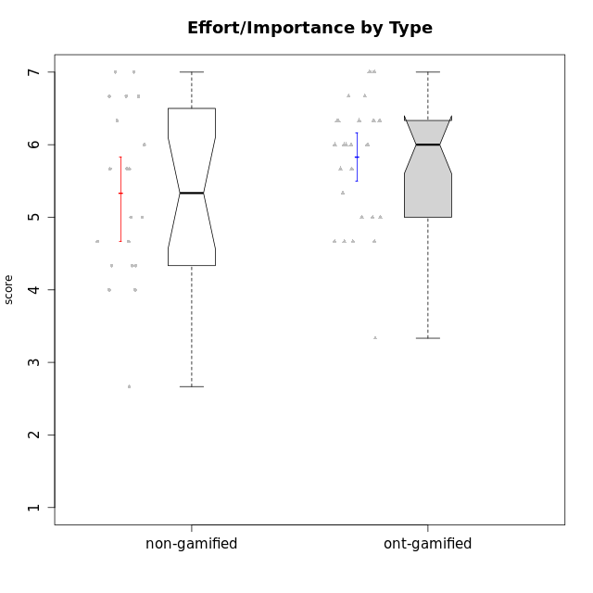

Wilcoxon data
UserID | NroUSP | Type | CLGroup | CLRole | PlayerRole | Item22IE | Item09IE | Item12IE | Item24IE | Item21IE | Item01IE | Item17PC | Item15PC | Item06PC | Item02PC | Item08PC | Item16PT | Item14PT | Item18PT | Item11PT | Item13EI | Item03EI | Item07EI | Interest/Enjoyment | Perceived Choice | Pressure/Tension | Effort/Importance | Intrinsic Motivation
10169 | 10377538 | ont-gamified | Grupo Hefesto | Master | Yee Achiever | 6 | 6 | 6 | 6 | 6 | 4 | 2 | 2 | 6 | 4 | 2 | 4 | 1 | 2 | 7 | 2 | 6 | 2 | 5.6666666667 | 4.8 | 2 | 6 | 5.6166666667
10170 | 10260351 | ont-gamified | Grupo Afrodite | Apprentice | Yee Achiever | 6 | 5 | 5 | 4 | 6 | 5 | 1 | 2 | 1 | 2 | 2 | 1 | 1 | 1 | 7 | 1 | 5 | 2 | 5.1666666667 | 6.4 | 1 | 6 | 6.1416666667
10171 | 698531 | non-gamified | Grupo Team 6 | Apprentice |  | 5 | 6 | 6 | 6 | 5 | 6 | 2 | 3 | 2 | 2 | 1 | 1 | 1 | 1 | 6 | 1 | 3 | 1 | 5.6666666667 | 6 | 1.25 | 5.6666666667 | 6.0208333333
10174 | 10276852 | ont-gamified | Grupo Urano | Master | Yee Achiever | 6 | 5 | 4 | 6 | 4 | 4 | 3 | 4 | 4 | 4 | 3 | 1 | 1 | 1 | 6 | 1 | 6 | 1 | 4.8333333333 | 4.4 | 1.25 | 6.6666666667 | 5.6625
10175 | 10310700 | ont-gamified | Grupo Hélio | Master | Yee Socializer | 5 | 6 | 6 | 6 | 5 | 6 | 1 | 1 | 1 | 1 | 1 | 1 | 1 | 1 | 7 | 5 | 5 | 1 | 5.6666666667 | 7 | 1 | 5 | 6.1666666667
10176 | 10276949 | ont-gamified | Grupo Cronus | Apprentice | Yee Achiever | 4 | 5 | 4 | 3 | 4 | 5 | 2 | 2 | 1 | 5 | 1 | 3 | 2 | 2 | 4 | 2 | 5 | 5 | 4.1666666667 | 5.8 | 2.75 | 4.6666666667 | 4.9708333333
10178 | 8656201 | ont-gamified | Grupo Morfeu | Apprentice | Yee Socializer | 5 | 5 | 5 | 5 | 5 | 5 | 1 | 3 | 2 | 4 | 1 | 4 | 1 | 1 | 5 | 1 | 5 | 2 | 5 | 5.8 | 2.25 | 6 | 5.6375
10179 | 10310759 | non-gamified | Grupo Team 9 | Master |  | 4 | 4 | 3 | 4 | 4 | 4 | 4 | 5 | 5 | 6 | 4 | 2 | 2 | 2 | 6 | 1 | 6 | 1 | 3.8333333333 | 3.2 | 2 | 6.6666666667 | 4.925
10183 | 10352030 | ont-gamified | Grupo Hélio | Apprentice | Yee Socializer | 4 | 4 | 4 | 3 | 4 | 5 | 2 | 2 | 2 | 3 | 4 | 3 | 2 | 3 | 5 | 2 | 5 | 2 | 4 | 5.4 | 2.75 | 5.6666666667 | 5.0791666667
10184 | 10276675 | ont-gamified | Grupo Apolo | Master | Yee Socializer | 4 | 5 | 5 | 4 | 4 | 5 | 1 | 4 | 1 | 5 | 1 | 3 | 1 | 1 | 4 | 1 | 6 | 1 | 4.5 | 5.6 | 2.25 | 6.6666666667 | 5.6291666667
10185 | 10276960 | non-gamified | Grupo Team 12 | Apprentice |  | 4 | 4 | 4 | 4 | 4 | 4 | 4 | 4 | 3 | 4 | 3 | 2 | 2 | 3 | 6 | 3 | 5 | 3 | 4 | 4.4 | 2.25 | 5 | 4.7875
10186 | 10310551 | ont-gamified | Grupo Ares | Apprentice | Yee Achiever | 5 | 6 | 4 | 6 | 4 | 3 | 1 | 1 | 4 | 2 | 1 | 4 | 1 | 3 | 4 | 1 | 7 | 1 | 4.6666666667 | 6.2 | 3 | 7 | 5.7166666667
10187 | 9790781 | non-gamified | Grupo Team 15 | Apprentice |  | 7 | 7 | 7 | 7 | 7 | 7 | 1 | 4 | 1 | 1 | 3 | 5 | 1 | 1 | 1 | 1 | 6 | 1 | 7 | 6 | 3.5 | 6.6666666667 | 6.0416666667
10188 | 10276995 | non-gamified | Grupo Team 3 | Master |  | 4 | 4 | 4 | 4 | 3 | 4 | 3 | 3 | 3 | 3 | 3 | 1 | 2 | 1 | 6 | 2 | 4 | 4 | 3.8333333333 | 5 | 1.5 | 4.6666666667 | 5
10189 | 9363926 | ont-gamified | Grupo Hades | Master | Yee Socializer | 4 | 4 | 3 | 5 | 6 | 2 | 2 | 5 | 2 | 4 | 1 | 5 | 4 | 2 | 5 | 1 | 6 | 2 | 4 | 5.2 | 3.5 | 6.3333333333 | 5.0083333333
10191 | 10276981 | non-gamified | Grupo Team 6 | Master |  | 5 | 6 | 6 | 7 | 6 | 4 | 1 | 6 | 2 | 2 | 3 | 2 | 1 | 1 | 7 | 2 | 5 | 6 | 5.6666666667 | 5.2 | 1.25 | 4.3333333333 | 5.4875
10192 | 10276682 | non-gamified | Grupo Team 5 | Apprentice |  | 6 | 7 | 7 | 7 | 6 | 4 | 1 | 7 | 7 | 2 | 1 | 1 | 1 | 1 | 7 | 1 | 2 | 4 | 6.1666666667 | 4.4 | 1 | 4.3333333333 | 5.475
10193 | 10276762 | ont-gamified | Grupo Afrodite | Master | Yee Achiever | 6 | 5 | 5 | 4 | 5 | 4 | 3 | 5 | 5 | 2 | 3 | 1 | 1 | 1 | 6 | 2 | 3 | 3 | 4.8333333333 | 4.4 | 1.25 | 4.6666666667 | 5.1625
10195 | 10351971 | ont-gamified | Grupo Urano | Apprentice | Yee Achiever | 5 | 6 | 5 | 5 | 6 | 5 | 4 | 4 | 4 | 4 | 1 | 1 | 1 | 1 | 7 | 1 | 5 | 2 | 5.3333333333 | 4.6 | 1 | 6 | 5.7333333333
10196 | 10310655 | ont-gamified | Grupo Hefesto | Apprentice | Yee Achiever | 4 | 4 | 4 | 4 | 4 | 4 | 1 | 7 | 1 | 6 | 4 | 1 | 1 | 1 | 7 | 1 | 5 | 1 | 4 | 4.2 | 1 | 6.3333333333 | 5.3833333333
10197 | 10276661 | ont-gamified | Grupo Gaia | Apprentice | Yee Achiever | 4 | 6 | 4 | 5 | 6 | 4 | 1 | 1 | 2 | 1 | 1 | 1 | 1 | 1 | 7 | 1 | 6 | 6 | 4.8333333333 | 6.8 | 1 | 5 | 5.9083333333
10198 | 10310888 | ont-gamified | Grupo Apolo | Apprentice | Yee Socializer | 7 | 7 | 7 | 7 | 7 | 7 | 1 | 1 | 1 | 1 | 1 | 1 | 1 | 1 | 7 | 1 | 7 | 1 | 7 | 7 | 1 | 7 | 7
10199 | 10276737 | ont-gamified | Grupo Gaia | Master | Yee Achiever | 7 | 4 | 4 | 1 | 4 | 4 | 1 | 1 | 1 | 1 | 1 | 1 | 3 | 1 | 2 | 2 | 4 | 4 | 4 | 7 | 2.75 | 4.6666666667 | 5.2291666667
10200 | 9795272 | ont-gamified | Grupo Hades | Apprentice | Yee Socializer | 6 | 6 | 7 | 7 | 6 | 6 | 2 | 4 | 2 | 2 | 3 | 1 | 1 | 1 | 7 | 4 | 5 | 2 | 6.3333333333 | 5.4 | 1 | 5 | 5.9333333333
10201 | 10276928 | ont-gamified | Grupo Caronte | Master | Yee Achiever | 7 | 7 | 7 | 5 | 7 | 5 | 2 | 2 | 3 | 2 | 2 | 2 | 3 | 1 | 6 | 1 | 7 | 1 | 6.3333333333 | 5.8 | 2 | 7 | 6.2833333333
10202 | 10277036 | non-gamified | Grupo Team 11 | Apprentice |  | 4 | 4 | 4 | 4 | 4 | 4 | 4 | 4 | 4 | 7 | 5 | 5 | 5 | 5 | 1 | 1 | 7 | 1 | 4 | 3.2 | 5.5 | 7 | 4.175
10203 | 9921470 | non-gamified | Grupo Team 3 | Apprentice |  | 1 | 7 | 7 | 1 | 1 | 7 | 1 | 1 | 1 | 1 | 1 | 2 | 1 | 1 | 7 | 2 | 5 | 5 | 4 | 7 | 1.25 | 4.6666666667 | 5.6041666667
10204 | 10310471 | ont-gamified | Grupo Hermes | Master | Yee Achiever | 7 | 7 | 7 | 7 | 7 | 6 | 1 | 1 | 4 | 2 | 1 | 1 | 1 | 1 | 7 | 1 | 6 | 3 | 6.8333333333 | 6.2 | 1 | 6 | 6.5083333333
10206 | 10310721 | ont-gamified | Grupo Hera | Master | Yee Achiever | 5 | 6 | 4 | 3 | 5 | 4 | 1 | 2 | 1 | 1 | 2 | 3 | 3 | 2 | 2 | 2 | 5 | 2 | 4.5 | 6.6 | 3.5 | 5.6666666667 | 5.3166666667
10208 | 10276932 | non-gamified | Grupo Team 7 | Apprentice |  | 6 | 6 | 7 | 6 | 7 | 6 | 1 | 2 | 4 | 4 | 1 | 4 | 1 | 1 | 7 | 1 | 7 | 1 | 6.3333333333 | 5.6 | 1.75 | 7 | 6.2958333333
10209 | 10262669 | ont-gamified | Grupo Artemis | Apprentice | Yee Achiever | 2 | 3 | 3 | 4 | 3 | 4 | 6 | 7 | 7 | 7 | 6 | 1 | 1 | 1 | 7 | 1 | 7 | 1 | 3.1666666667 | 1.4 | 1 | 7 | 4.6416666667
10210 | 10277015 | non-gamified | Grupo Team 9 | Apprentice |  | 2 | 5 | 4 | 4 | 2 | 4 | 4 | 6 | 5 | 6 | 5 | 4 | 4 | 5 | 4 | 1 | 6 | 1 | 3.5 | 2.8 | 4.25 | 6.6666666667 | 4.1791666667
10211 | 9311643 | non-gamified | Grupo Team 2 | Master |  | 6 | 7 | 5 | 6 | 6 | 7 | 3 | 6 | 6 | 7 | 3 | 2 | 2 | 3 | 7 | 5 | 3 | 6 | 6.1666666667 | 3 | 2 | 2.6666666667 | 4.4583333333
10213 | 10277040 | ont-gamified | Grupo Morfeu | Master | Yee Socializer | 4 | 6 | 5 | 7 | 4 | 7 | 1 | 7 | 1 | 4 | 4 | 1 | 1 | 1 | 7 | 4 | 2 | 4 | 5.5 | 4.6 | 1 | 3.3333333333 | 5.1083333333
10214 | 10277022 | non-gamified | Grupo Team 5 | Master |  | 3 | 4 | 3 | 1 | 3 | 4 | 4 | 5 | 4 | 4 | 4 | 1 | 1 | 2 | 4 | 4 | 3 | 3 | 3 | 3.8 | 2 | 4 | 4.2
10216 | 10276720 | non-gamified | Grupo Team 15 | Master |  | 7 | 7 | 5 | 1 | 5 | 4 | 1 | 4 | 1 | 1 | 1 | 1 | 2 | 1 | 7 | 1 | 6 | 2 | 4.8333333333 | 6.4 | 1.25 | 6.3333333333 | 6.0791666667
10217 | 9805341 | non-gamified | Grupo Team 13 | Master |  | 4 | 5 | 4 | 2 | 5 | 3 | 1 | 1 | 1 | 2 | 1 | 1 | 1 | 1 | 7 | 1 | 6 | 4 | 3.8333333333 | 6.8 | 1 | 5.6666666667 | 5.825
10218 | 9842913 | ont-gamified | Grupo Ares | Master | Yee Achiever | 4 | 3 | 3 | 2 | 4 | 4 | 3 | 3 | 4 | 2 | 1 | 4 | 3 | 2 | 3 | 2 | 6 | 1 | 3.3333333333 | 5.4 | 3.5 | 6.3333333333 | 4.8916666667
10219 | 10276831 | non-gamified | Grupo Team 12 | Master |  | 4 | 4 | 4 | 3 | 3 | 4 | 4 | 4 | 4 | 2 | 3 | 1 | 1 | 1 | 7 | 3 | 4 | 5 | 3.6666666667 | 4.6 | 1 | 4 | 4.8166666667
10220 | 9760151 | non-gamified | Grupo Team 2 | Apprentice |  | 7 | 7 | 4 | 7 | 4 | 4 | 1 | 1 | 4 | 1 | 1 | 1 | 1 | 1 | 7 | 1 | 4 | 1 | 5.5 | 6.4 | 1 | 6 | 6.225
10221 | 9082496 | ont-gamified | Grupo Hermes | Apprentice | Yee Achiever | 5 | 5 | 4 | 4 | 5 | 4 | 1 | 4 | 4 | 3 | 1 | 1 | 1 | 1 | 7 | 1 | 6 | 2 | 4.5 | 5.4 | 1 | 6.3333333333 | 5.8083333333
10223 | 9795185 | ont-gamified | Grupo Cronus | Master | Yee Achiever | 7 | 6 | 6 | 6 | 7 | 6 | 1 | 2 | 2 | 2 | 1 | 2 | 1 | 1 | 7 | 3 | 6 | 3 | 6.3333333333 | 6.4 | 1.25 | 5.3333333333 | 6.2041666667
10230 | 10351992 | non-gamified | Grupo Team 14 | Master |  | 1 | 4 | 1 | 3 | 6 | 1 | 1 | 4 | 1 | 2 | 5 | 4 | 1 | 1 | 1 | 1 | 5 | 5 | 2.6666666667 | 5.4 | 3.25 | 5 | 4.4541666667
10231 | 10276911 | ont-gamified | Grupo Caronte | Apprentice | Yee Achiever | 7 | 7 | 7 | 7 | 7 | 7 | 1 | 2 | 1 | 1 | 1 | 1 | 1 | 1 | 7 | 1 | 5 | 1 | 7 | 6.8 | 1 | 6.3333333333 | 6.7833333333
10232 | 10276974 | ont-gamified | Grupo Artemis | Master | Yee Achiever | 5 | 4 | 5 | 7 | 6 | 6 | 2 | 4 | 4 | 2 | 2 | 2 | 1 | 2 | 1 | 1 | 6 | 3 | 5.5 | 5.2 | 3 | 6 | 5.425
10237 | 10377688 | non-gamified | Grupo Team 11 | Master |  | 5 | 5 | 4 | 3 | 6 | 6 | 1 | 2 | 5 | 3 | 2 | 1 | 1 | 1 | 7 | 2 | 2 | 3 | 4.8333333333 | 5.4 | 1 | 4.3333333333 | 5.3916666667
10238 | 10276953 | non-gamified | Grupo Team 13 | Apprentice |  | 4 | 3 | 4 | 4 | 4 | 4 | 5 | 7 | 5 | 4 | 4 | 4 | 4 | 5 | 4 | 2 | 5 | 2 | 3.8333333333 | 3 | 4.25 | 5.6666666667 | 4.0625
10240 | 10276654 | ont-gamified | Grupo Hera | Apprentice | Yee Achiever | 4 | 3 | 4 | 4 | 2 | 4 | 6 | 7 | 7 | 6 | 5 | 1 | 1 | 1 | 7 | 3 | 5 | 4 | 3.5 | 1.8 | 1 | 4.6666666667 | 4.2416666667

Type_CLRole_1
Wilcoxon Analysis for Effort/Importance by Type in Type:CLRole between non-gamified.Apprentice:non-gamified.Master

Wilcoxon test results
Alternative hypothesis: less
Group | N | Median | Mean.Ranks | Sum.Ranks | U | Z | p.value | r | magnitude
non-gamified.Apprentice | 10 | 5.8333333333 | 13.3 | 133 | 78 | 2.1294485177 | 0.98459589946 | 0.47615916401 | medium
non-gamified.Master | 10 | 4.5 | 7.7 | 77 | 78 | 2.1294485177 | 0.98459589946 | 0.47615916401 | medium
Alternative hypothesis: greater
Group | N | Median | Mean.Ranks | Sum.Ranks | U | Z | p.value | r | magnitude
non-gamified.Apprentice | 10 | 5.8333333333 | 13.3 | 133 | 78 | 2.1294485177 | 0.017303903527 | 0.47615916401 | medium
non-gamified.Master | 10 | 4.5 | 7.7 | 77 | 78 | 2.1294485177 | 0.017303903527 | 0.47615916401 | medium
Alternative hypothesis: two.sided
Group | N | Median | Mean.Ranks | Sum.Ranks | U | Z | p.value | r | magnitude
non-gamified.Apprentice | 10 | 5.8333333333 | 13.3 | 133 | 78 | 2.1294485177 | 0.034607807054 | 0.47615916401 | medium
non-gamified.Master | 10 | 4.5 | 7.7 | 77 | 78 | 2.1294485177 | 0.034607807054 | 0.47615916401 | medium

Box plots for wilcoxon tests
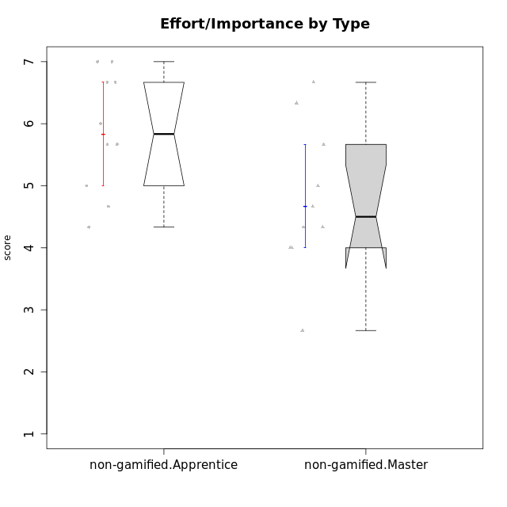

Wilcoxon data
UserID | NroUSP | Type | CLGroup | CLRole | PlayerRole | Item22IE | Item09IE | Item12IE | Item24IE | Item21IE | Item01IE | Item17PC | Item15PC | Item06PC | Item02PC | Item08PC | Item16PT | Item14PT | Item18PT | Item11PT | Item13EI | Item03EI | Item07EI | Interest/Enjoyment | Perceived Choice | Pressure/Tension | Effort/Importance | Intrinsic Motivation
10171 | 698531 | non-gamified | Grupo Team 6 | Apprentice |  | 5 | 6 | 6 | 6 | 5 | 6 | 2 | 3 | 2 | 2 | 1 | 1 | 1 | 1 | 6 | 1 | 3 | 1 | 5.6666666667 | 6 | 1.25 | 5.6666666667 | 6.0208333333
10179 | 10310759 | non-gamified | Grupo Team 9 | Master |  | 4 | 4 | 3 | 4 | 4 | 4 | 4 | 5 | 5 | 6 | 4 | 2 | 2 | 2 | 6 | 1 | 6 | 1 | 3.8333333333 | 3.2 | 2 | 6.6666666667 | 4.925
10185 | 10276960 | non-gamified | Grupo Team 12 | Apprentice |  | 4 | 4 | 4 | 4 | 4 | 4 | 4 | 4 | 3 | 4 | 3 | 2 | 2 | 3 | 6 | 3 | 5 | 3 | 4 | 4.4 | 2.25 | 5 | 4.7875
10187 | 9790781 | non-gamified | Grupo Team 15 | Apprentice |  | 7 | 7 | 7 | 7 | 7 | 7 | 1 | 4 | 1 | 1 | 3 | 5 | 1 | 1 | 1 | 1 | 6 | 1 | 7 | 6 | 3.5 | 6.6666666667 | 6.0416666667
10188 | 10276995 | non-gamified | Grupo Team 3 | Master |  | 4 | 4 | 4 | 4 | 3 | 4 | 3 | 3 | 3 | 3 | 3 | 1 | 2 | 1 | 6 | 2 | 4 | 4 | 3.8333333333 | 5 | 1.5 | 4.6666666667 | 5
10191 | 10276981 | non-gamified | Grupo Team 6 | Master |  | 5 | 6 | 6 | 7 | 6 | 4 | 1 | 6 | 2 | 2 | 3 | 2 | 1 | 1 | 7 | 2 | 5 | 6 | 5.6666666667 | 5.2 | 1.25 | 4.3333333333 | 5.4875
10192 | 10276682 | non-gamified | Grupo Team 5 | Apprentice |  | 6 | 7 | 7 | 7 | 6 | 4 | 1 | 7 | 7 | 2 | 1 | 1 | 1 | 1 | 7 | 1 | 2 | 4 | 6.1666666667 | 4.4 | 1 | 4.3333333333 | 5.475
10202 | 10277036 | non-gamified | Grupo Team 11 | Apprentice |  | 4 | 4 | 4 | 4 | 4 | 4 | 4 | 4 | 4 | 7 | 5 | 5 | 5 | 5 | 1 | 1 | 7 | 1 | 4 | 3.2 | 5.5 | 7 | 4.175
10203 | 9921470 | non-gamified | Grupo Team 3 | Apprentice |  | 1 | 7 | 7 | 1 | 1 | 7 | 1 | 1 | 1 | 1 | 1 | 2 | 1 | 1 | 7 | 2 | 5 | 5 | 4 | 7 | 1.25 | 4.6666666667 | 5.6041666667
10208 | 10276932 | non-gamified | Grupo Team 7 | Apprentice |  | 6 | 6 | 7 | 6 | 7 | 6 | 1 | 2 | 4 | 4 | 1 | 4 | 1 | 1 | 7 | 1 | 7 | 1 | 6.3333333333 | 5.6 | 1.75 | 7 | 6.2958333333
10210 | 10277015 | non-gamified | Grupo Team 9 | Apprentice |  | 2 | 5 | 4 | 4 | 2 | 4 | 4 | 6 | 5 | 6 | 5 | 4 | 4 | 5 | 4 | 1 | 6 | 1 | 3.5 | 2.8 | 4.25 | 6.6666666667 | 4.1791666667
10211 | 9311643 | non-gamified | Grupo Team 2 | Master |  | 6 | 7 | 5 | 6 | 6 | 7 | 3 | 6 | 6 | 7 | 3 | 2 | 2 | 3 | 7 | 5 | 3 | 6 | 6.1666666667 | 3 | 2 | 2.6666666667 | 4.4583333333
10214 | 10277022 | non-gamified | Grupo Team 5 | Master |  | 3 | 4 | 3 | 1 | 3 | 4 | 4 | 5 | 4 | 4 | 4 | 1 | 1 | 2 | 4 | 4 | 3 | 3 | 3 | 3.8 | 2 | 4 | 4.2
10216 | 10276720 | non-gamified | Grupo Team 15 | Master |  | 7 | 7 | 5 | 1 | 5 | 4 | 1 | 4 | 1 | 1 | 1 | 1 | 2 | 1 | 7 | 1 | 6 | 2 | 4.8333333333 | 6.4 | 1.25 | 6.3333333333 | 6.0791666667
10217 | 9805341 | non-gamified | Grupo Team 13 | Master |  | 4 | 5 | 4 | 2 | 5 | 3 | 1 | 1 | 1 | 2 | 1 | 1 | 1 | 1 | 7 | 1 | 6 | 4 | 3.8333333333 | 6.8 | 1 | 5.6666666667 | 5.825
10219 | 10276831 | non-gamified | Grupo Team 12 | Master |  | 4 | 4 | 4 | 3 | 3 | 4 | 4 | 4 | 4 | 2 | 3 | 1 | 1 | 1 | 7 | 3 | 4 | 5 | 3.6666666667 | 4.6 | 1 | 4 | 4.8166666667
10220 | 9760151 | non-gamified | Grupo Team 2 | Apprentice |  | 7 | 7 | 4 | 7 | 4 | 4 | 1 | 1 | 4 | 1 | 1 | 1 | 1 | 1 | 7 | 1 | 4 | 1 | 5.5 | 6.4 | 1 | 6 | 6.225
10230 | 10351992 | non-gamified | Grupo Team 14 | Master |  | 1 | 4 | 1 | 3 | 6 | 1 | 1 | 4 | 1 | 2 | 5 | 4 | 1 | 1 | 1 | 1 | 5 | 5 | 2.6666666667 | 5.4 | 3.25 | 5 | 4.4541666667
10237 | 10377688 | non-gamified | Grupo Team 11 | Master |  | 5 | 5 | 4 | 3 | 6 | 6 | 1 | 2 | 5 | 3 | 2 | 1 | 1 | 1 | 7 | 2 | 2 | 3 | 4.8333333333 | 5.4 | 1 | 4.3333333333 | 5.3916666667
10238 | 10276953 | non-gamified | Grupo Team 13 | Apprentice |  | 4 | 3 | 4 | 4 | 4 | 4 | 5 | 7 | 5 | 4 | 4 | 4 | 4 | 5 | 4 | 2 | 5 | 2 | 3.8333333333 | 3 | 4.25 | 5.6666666667 | 4.0625

Type_CLRole_2
Wilcoxon Analysis for Effort/Importance by Type in Type:CLRole between non-gamified.Apprentice:ont-gamified.Apprentice

Wilcoxon test results
Alternative hypothesis: less
Group | N | Median | Mean.Ranks | Sum.Ranks | U | Z | p.value | r | magnitude
non-gamified.Apprentice | 10 | 5.8333333333 | 12.15 | 121.5 | 66.5 | -0.20706560582 | 0.42610092716 | 0.042267089795 | none
ont-gamified.Apprentice | 14 | 6 | 12.75 | 178.5 | 66.5 | -0.20706560582 | 0.42610092716 | 0.042267089795 | none
Alternative hypothesis: greater
Group | N | Median | Mean.Ranks | Sum.Ranks | U | Z | p.value | r | magnitude
non-gamified.Apprentice | 10 | 5.8333333333 | 12.15 | 121.5 | 66.5 | -0.20706560582 | 0.58921170923 | 0.042267089795 | none
ont-gamified.Apprentice | 14 | 6 | 12.75 | 178.5 | 66.5 | -0.20706560582 | 0.58921170923 | 0.042267089795 | none
Alternative hypothesis: two.sided
Group | N | Median | Mean.Ranks | Sum.Ranks | U | Z | p.value | r | magnitude
non-gamified.Apprentice | 10 | 5.8333333333 | 12.15 | 121.5 | 66.5 | -0.20706560582 | 0.84747682098 | 0.042267089795 | none
ont-gamified.Apprentice | 14 | 6 | 12.75 | 178.5 | 66.5 | -0.20706560582 | 0.84747682098 | 0.042267089795 | none

Box plots for wilcoxon tests
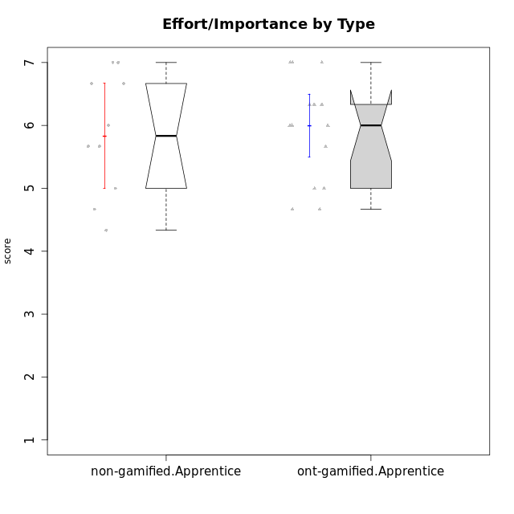

Wilcoxon data
UserID | NroUSP | Type | CLGroup | CLRole | PlayerRole | Item22IE | Item09IE | Item12IE | Item24IE | Item21IE | Item01IE | Item17PC | Item15PC | Item06PC | Item02PC | Item08PC | Item16PT | Item14PT | Item18PT | Item11PT | Item13EI | Item03EI | Item07EI | Interest/Enjoyment | Perceived Choice | Pressure/Tension | Effort/Importance | Intrinsic Motivation
10170 | 10260351 | ont-gamified | Grupo Afrodite | Apprentice | Yee Achiever | 6 | 5 | 5 | 4 | 6 | 5 | 1 | 2 | 1 | 2 | 2 | 1 | 1 | 1 | 7 | 1 | 5 | 2 | 5.1666666667 | 6.4 | 1 | 6 | 6.1416666667
10171 | 698531 | non-gamified | Grupo Team 6 | Apprentice |  | 5 | 6 | 6 | 6 | 5 | 6 | 2 | 3 | 2 | 2 | 1 | 1 | 1 | 1 | 6 | 1 | 3 | 1 | 5.6666666667 | 6 | 1.25 | 5.6666666667 | 6.0208333333
10176 | 10276949 | ont-gamified | Grupo Cronus | Apprentice | Yee Achiever | 4 | 5 | 4 | 3 | 4 | 5 | 2 | 2 | 1 | 5 | 1 | 3 | 2 | 2 | 4 | 2 | 5 | 5 | 4.1666666667 | 5.8 | 2.75 | 4.6666666667 | 4.9708333333
10178 | 8656201 | ont-gamified | Grupo Morfeu | Apprentice | Yee Socializer | 5 | 5 | 5 | 5 | 5 | 5 | 1 | 3 | 2 | 4 | 1 | 4 | 1 | 1 | 5 | 1 | 5 | 2 | 5 | 5.8 | 2.25 | 6 | 5.6375
10183 | 10352030 | ont-gamified | Grupo Hélio | Apprentice | Yee Socializer | 4 | 4 | 4 | 3 | 4 | 5 | 2 | 2 | 2 | 3 | 4 | 3 | 2 | 3 | 5 | 2 | 5 | 2 | 4 | 5.4 | 2.75 | 5.6666666667 | 5.0791666667
10185 | 10276960 | non-gamified | Grupo Team 12 | Apprentice |  | 4 | 4 | 4 | 4 | 4 | 4 | 4 | 4 | 3 | 4 | 3 | 2 | 2 | 3 | 6 | 3 | 5 | 3 | 4 | 4.4 | 2.25 | 5 | 4.7875
10186 | 10310551 | ont-gamified | Grupo Ares | Apprentice | Yee Achiever | 5 | 6 | 4 | 6 | 4 | 3 | 1 | 1 | 4 | 2 | 1 | 4 | 1 | 3 | 4 | 1 | 7 | 1 | 4.6666666667 | 6.2 | 3 | 7 | 5.7166666667
10187 | 9790781 | non-gamified | Grupo Team 15 | Apprentice |  | 7 | 7 | 7 | 7 | 7 | 7 | 1 | 4 | 1 | 1 | 3 | 5 | 1 | 1 | 1 | 1 | 6 | 1 | 7 | 6 | 3.5 | 6.6666666667 | 6.0416666667
10192 | 10276682 | non-gamified | Grupo Team 5 | Apprentice |  | 6 | 7 | 7 | 7 | 6 | 4 | 1 | 7 | 7 | 2 | 1 | 1 | 1 | 1 | 7 | 1 | 2 | 4 | 6.1666666667 | 4.4 | 1 | 4.3333333333 | 5.475
10195 | 10351971 | ont-gamified | Grupo Urano | Apprentice | Yee Achiever | 5 | 6 | 5 | 5 | 6 | 5 | 4 | 4 | 4 | 4 | 1 | 1 | 1 | 1 | 7 | 1 | 5 | 2 | 5.3333333333 | 4.6 | 1 | 6 | 5.7333333333
10196 | 10310655 | ont-gamified | Grupo Hefesto | Apprentice | Yee Achiever | 4 | 4 | 4 | 4 | 4 | 4 | 1 | 7 | 1 | 6 | 4 | 1 | 1 | 1 | 7 | 1 | 5 | 1 | 4 | 4.2 | 1 | 6.3333333333 | 5.3833333333
10197 | 10276661 | ont-gamified | Grupo Gaia | Apprentice | Yee Achiever | 4 | 6 | 4 | 5 | 6 | 4 | 1 | 1 | 2 | 1 | 1 | 1 | 1 | 1 | 7 | 1 | 6 | 6 | 4.8333333333 | 6.8 | 1 | 5 | 5.9083333333
10198 | 10310888 | ont-gamified | Grupo Apolo | Apprentice | Yee Socializer | 7 | 7 | 7 | 7 | 7 | 7 | 1 | 1 | 1 | 1 | 1 | 1 | 1 | 1 | 7 | 1 | 7 | 1 | 7 | 7 | 1 | 7 | 7
10200 | 9795272 | ont-gamified | Grupo Hades | Apprentice | Yee Socializer | 6 | 6 | 7 | 7 | 6 | 6 | 2 | 4 | 2 | 2 | 3 | 1 | 1 | 1 | 7 | 4 | 5 | 2 | 6.3333333333 | 5.4 | 1 | 5 | 5.9333333333
10202 | 10277036 | non-gamified | Grupo Team 11 | Apprentice |  | 4 | 4 | 4 | 4 | 4 | 4 | 4 | 4 | 4 | 7 | 5 | 5 | 5 | 5 | 1 | 1 | 7 | 1 | 4 | 3.2 | 5.5 | 7 | 4.175
10203 | 9921470 | non-gamified | Grupo Team 3 | Apprentice |  | 1 | 7 | 7 | 1 | 1 | 7 | 1 | 1 | 1 | 1 | 1 | 2 | 1 | 1 | 7 | 2 | 5 | 5 | 4 | 7 | 1.25 | 4.6666666667 | 5.6041666667
10208 | 10276932 | non-gamified | Grupo Team 7 | Apprentice |  | 6 | 6 | 7 | 6 | 7 | 6 | 1 | 2 | 4 | 4 | 1 | 4 | 1 | 1 | 7 | 1 | 7 | 1 | 6.3333333333 | 5.6 | 1.75 | 7 | 6.2958333333
10209 | 10262669 | ont-gamified | Grupo Artemis | Apprentice | Yee Achiever | 2 | 3 | 3 | 4 | 3 | 4 | 6 | 7 | 7 | 7 | 6 | 1 | 1 | 1 | 7 | 1 | 7 | 1 | 3.1666666667 | 1.4 | 1 | 7 | 4.6416666667
10210 | 10277015 | non-gamified | Grupo Team 9 | Apprentice |  | 2 | 5 | 4 | 4 | 2 | 4 | 4 | 6 | 5 | 6 | 5 | 4 | 4 | 5 | 4 | 1 | 6 | 1 | 3.5 | 2.8 | 4.25 | 6.6666666667 | 4.1791666667
10220 | 9760151 | non-gamified | Grupo Team 2 | Apprentice |  | 7 | 7 | 4 | 7 | 4 | 4 | 1 | 1 | 4 | 1 | 1 | 1 | 1 | 1 | 7 | 1 | 4 | 1 | 5.5 | 6.4 | 1 | 6 | 6.225
10221 | 9082496 | ont-gamified | Grupo Hermes | Apprentice | Yee Achiever | 5 | 5 | 4 | 4 | 5 | 4 | 1 | 4 | 4 | 3 | 1 | 1 | 1 | 1 | 7 | 1 | 6 | 2 | 4.5 | 5.4 | 1 | 6.3333333333 | 5.8083333333
10231 | 10276911 | ont-gamified | Grupo Caronte | Apprentice | Yee Achiever | 7 | 7 | 7 | 7 | 7 | 7 | 1 | 2 | 1 | 1 | 1 | 1 | 1 | 1 | 7 | 1 | 5 | 1 | 7 | 6.8 | 1 | 6.3333333333 | 6.7833333333
10238 | 10276953 | non-gamified | Grupo Team 13 | Apprentice |  | 4 | 3 | 4 | 4 | 4 | 4 | 5 | 7 | 5 | 4 | 4 | 4 | 4 | 5 | 4 | 2 | 5 | 2 | 3.8333333333 | 3 | 4.25 | 5.6666666667 | 4.0625
10240 | 10276654 | ont-gamified | Grupo Hera | Apprentice | Yee Achiever | 4 | 3 | 4 | 4 | 2 | 4 | 6 | 7 | 7 | 6 | 5 | 1 | 1 | 1 | 7 | 3 | 5 | 4 | 3.5 | 1.8 | 1 | 4.6666666667 | 4.2416666667

Type_CLRole_3
Wilcoxon Analysis for Effort/Importance by Type in Type:CLRole between non-gamified.Apprentice:ont-gamified.Master

Wilcoxon test results
Alternative hypothesis: less
Group | N | Median | Mean.Ranks | Sum.Ranks | U | Z | p.value | r | magnitude
non-gamified.Apprentice | 10 | 5.8333333333 | 13.1 | 131 | 76 | 0.35394991835 | 0.64302365423 | 0.072249724538 | none
ont-gamified.Master | 14 | 6 | 12.071428571 | 169 | 76 | 0.35394991835 | 0.64302365423 | 0.072249724538 | none
Alternative hypothesis: greater
Group | N | Median | Mean.Ranks | Sum.Ranks | U | Z | p.value | r | magnitude
non-gamified.Apprentice | 10 | 5.8333333333 | 13.1 | 131 | 76 | 0.35394991835 | 0.37036725445 | 0.072249724538 | none
ont-gamified.Master | 14 | 6 | 12.071428571 | 169 | 76 | 0.35394991835 | 0.37036725445 | 0.072249724538 | none
Alternative hypothesis: two.sided
Group | N | Median | Mean.Ranks | Sum.Ranks | U | Z | p.value | r | magnitude
non-gamified.Apprentice | 10 | 5.8333333333 | 13.1 | 131 | 76 | 0.35394991835 | 0.74262717361 | 0.072249724538 | none
ont-gamified.Master | 14 | 6 | 12.071428571 | 169 | 76 | 0.35394991835 | 0.74262717361 | 0.072249724538 | none

Box plots for wilcoxon tests
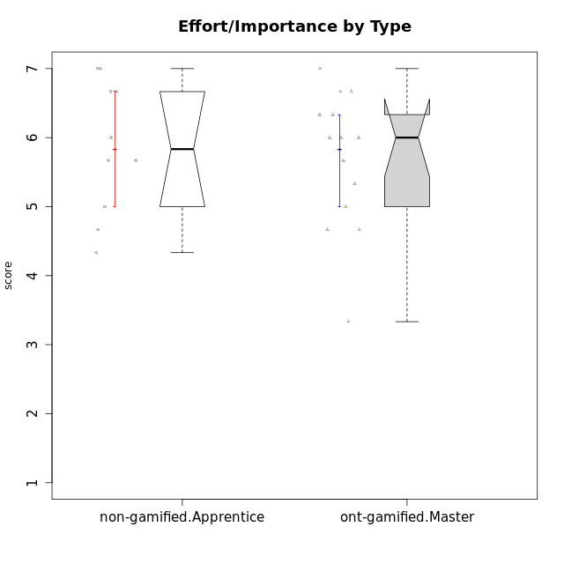

Wilcoxon data
UserID | NroUSP | Type | CLGroup | CLRole | PlayerRole | Item22IE | Item09IE | Item12IE | Item24IE | Item21IE | Item01IE | Item17PC | Item15PC | Item06PC | Item02PC | Item08PC | Item16PT | Item14PT | Item18PT | Item11PT | Item13EI | Item03EI | Item07EI | Interest/Enjoyment | Perceived Choice | Pressure/Tension | Effort/Importance | Intrinsic Motivation
10169 | 10377538 | ont-gamified | Grupo Hefesto | Master | Yee Achiever | 6 | 6 | 6 | 6 | 6 | 4 | 2 | 2 | 6 | 4 | 2 | 4 | 1 | 2 | 7 | 2 | 6 | 2 | 5.6666666667 | 4.8 | 2 | 6 | 5.6166666667
10171 | 698531 | non-gamified | Grupo Team 6 | Apprentice |  | 5 | 6 | 6 | 6 | 5 | 6 | 2 | 3 | 2 | 2 | 1 | 1 | 1 | 1 | 6 | 1 | 3 | 1 | 5.6666666667 | 6 | 1.25 | 5.6666666667 | 6.0208333333
10174 | 10276852 | ont-gamified | Grupo Urano | Master | Yee Achiever | 6 | 5 | 4 | 6 | 4 | 4 | 3 | 4 | 4 | 4 | 3 | 1 | 1 | 1 | 6 | 1 | 6 | 1 | 4.8333333333 | 4.4 | 1.25 | 6.6666666667 | 5.6625
10175 | 10310700 | ont-gamified | Grupo Hélio | Master | Yee Socializer | 5 | 6 | 6 | 6 | 5 | 6 | 1 | 1 | 1 | 1 | 1 | 1 | 1 | 1 | 7 | 5 | 5 | 1 | 5.6666666667 | 7 | 1 | 5 | 6.1666666667
10184 | 10276675 | ont-gamified | Grupo Apolo | Master | Yee Socializer | 4 | 5 | 5 | 4 | 4 | 5 | 1 | 4 | 1 | 5 | 1 | 3 | 1 | 1 | 4 | 1 | 6 | 1 | 4.5 | 5.6 | 2.25 | 6.6666666667 | 5.6291666667
10185 | 10276960 | non-gamified | Grupo Team 12 | Apprentice |  | 4 | 4 | 4 | 4 | 4 | 4 | 4 | 4 | 3 | 4 | 3 | 2 | 2 | 3 | 6 | 3 | 5 | 3 | 4 | 4.4 | 2.25 | 5 | 4.7875
10187 | 9790781 | non-gamified | Grupo Team 15 | Apprentice |  | 7 | 7 | 7 | 7 | 7 | 7 | 1 | 4 | 1 | 1 | 3 | 5 | 1 | 1 | 1 | 1 | 6 | 1 | 7 | 6 | 3.5 | 6.6666666667 | 6.0416666667
10189 | 9363926 | ont-gamified | Grupo Hades | Master | Yee Socializer | 4 | 4 | 3 | 5 | 6 | 2 | 2 | 5 | 2 | 4 | 1 | 5 | 4 | 2 | 5 | 1 | 6 | 2 | 4 | 5.2 | 3.5 | 6.3333333333 | 5.0083333333
10192 | 10276682 | non-gamified | Grupo Team 5 | Apprentice |  | 6 | 7 | 7 | 7 | 6 | 4 | 1 | 7 | 7 | 2 | 1 | 1 | 1 | 1 | 7 | 1 | 2 | 4 | 6.1666666667 | 4.4 | 1 | 4.3333333333 | 5.475
10193 | 10276762 | ont-gamified | Grupo Afrodite | Master | Yee Achiever | 6 | 5 | 5 | 4 | 5 | 4 | 3 | 5 | 5 | 2 | 3 | 1 | 1 | 1 | 6 | 2 | 3 | 3 | 4.8333333333 | 4.4 | 1.25 | 4.6666666667 | 5.1625
10199 | 10276737 | ont-gamified | Grupo Gaia | Master | Yee Achiever | 7 | 4 | 4 | 1 | 4 | 4 | 1 | 1 | 1 | 1 | 1 | 1 | 3 | 1 | 2 | 2 | 4 | 4 | 4 | 7 | 2.75 | 4.6666666667 | 5.2291666667
10201 | 10276928 | ont-gamified | Grupo Caronte | Master | Yee Achiever | 7 | 7 | 7 | 5 | 7 | 5 | 2 | 2 | 3 | 2 | 2 | 2 | 3 | 1 | 6 | 1 | 7 | 1 | 6.3333333333 | 5.8 | 2 | 7 | 6.2833333333
10202 | 10277036 | non-gamified | Grupo Team 11 | Apprentice |  | 4 | 4 | 4 | 4 | 4 | 4 | 4 | 4 | 4 | 7 | 5 | 5 | 5 | 5 | 1 | 1 | 7 | 1 | 4 | 3.2 | 5.5 | 7 | 4.175
10203 | 9921470 | non-gamified | Grupo Team 3 | Apprentice |  | 1 | 7 | 7 | 1 | 1 | 7 | 1 | 1 | 1 | 1 | 1 | 2 | 1 | 1 | 7 | 2 | 5 | 5 | 4 | 7 | 1.25 | 4.6666666667 | 5.6041666667
10204 | 10310471 | ont-gamified | Grupo Hermes | Master | Yee Achiever | 7 | 7 | 7 | 7 | 7 | 6 | 1 | 1 | 4 | 2 | 1 | 1 | 1 | 1 | 7 | 1 | 6 | 3 | 6.8333333333 | 6.2 | 1 | 6 | 6.5083333333
10206 | 10310721 | ont-gamified | Grupo Hera | Master | Yee Achiever | 5 | 6 | 4 | 3 | 5 | 4 | 1 | 2 | 1 | 1 | 2 | 3 | 3 | 2 | 2 | 2 | 5 | 2 | 4.5 | 6.6 | 3.5 | 5.6666666667 | 5.3166666667
10208 | 10276932 | non-gamified | Grupo Team 7 | Apprentice |  | 6 | 6 | 7 | 6 | 7 | 6 | 1 | 2 | 4 | 4 | 1 | 4 | 1 | 1 | 7 | 1 | 7 | 1 | 6.3333333333 | 5.6 | 1.75 | 7 | 6.2958333333
10210 | 10277015 | non-gamified | Grupo Team 9 | Apprentice |  | 2 | 5 | 4 | 4 | 2 | 4 | 4 | 6 | 5 | 6 | 5 | 4 | 4 | 5 | 4 | 1 | 6 | 1 | 3.5 | 2.8 | 4.25 | 6.6666666667 | 4.1791666667
10213 | 10277040 | ont-gamified | Grupo Morfeu | Master | Yee Socializer | 4 | 6 | 5 | 7 | 4 | 7 | 1 | 7 | 1 | 4 | 4 | 1 | 1 | 1 | 7 | 4 | 2 | 4 | 5.5 | 4.6 | 1 | 3.3333333333 | 5.1083333333
10218 | 9842913 | ont-gamified | Grupo Ares | Master | Yee Achiever | 4 | 3 | 3 | 2 | 4 | 4 | 3 | 3 | 4 | 2 | 1 | 4 | 3 | 2 | 3 | 2 | 6 | 1 | 3.3333333333 | 5.4 | 3.5 | 6.3333333333 | 4.8916666667
10220 | 9760151 | non-gamified | Grupo Team 2 | Apprentice |  | 7 | 7 | 4 | 7 | 4 | 4 | 1 | 1 | 4 | 1 | 1 | 1 | 1 | 1 | 7 | 1 | 4 | 1 | 5.5 | 6.4 | 1 | 6 | 6.225
10223 | 9795185 | ont-gamified | Grupo Cronus | Master | Yee Achiever | 7 | 6 | 6 | 6 | 7 | 6 | 1 | 2 | 2 | 2 | 1 | 2 | 1 | 1 | 7 | 3 | 6 | 3 | 6.3333333333 | 6.4 | 1.25 | 5.3333333333 | 6.2041666667
10232 | 10276974 | ont-gamified | Grupo Artemis | Master | Yee Achiever | 5 | 4 | 5 | 7 | 6 | 6 | 2 | 4 | 4 | 2 | 2 | 2 | 1 | 2 | 1 | 1 | 6 | 3 | 5.5 | 5.2 | 3 | 6 | 5.425
10238 | 10276953 | non-gamified | Grupo Team 13 | Apprentice |  | 4 | 3 | 4 | 4 | 4 | 4 | 5 | 7 | 5 | 4 | 4 | 4 | 4 | 5 | 4 | 2 | 5 | 2 | 3.8333333333 | 3 | 4.25 | 5.6666666667 | 4.0625

Type_CLRole_4
Wilcoxon Analysis for Effort/Importance by Type in Type:CLRole between non-gamified.Master:ont-gamified.Apprentice

Wilcoxon test results
Alternative hypothesis: less
Group | N | Median | Mean.Ranks | Sum.Ranks | U | Z | p.value | r | magnitude
non-gamified.Master | 10 | 4.5 | 8.4 | 84 | 29 | -2.4159937612 | 0.0071596976631 | 0.49316266138 | medium
ont-gamified.Apprentice | 14 | 6 | 15.428571429 | 216 | 29 | -2.4159937612 | 0.0071596976631 | 0.49316266138 | medium
Alternative hypothesis: greater
Group | N | Median | Mean.Ranks | Sum.Ranks | U | Z | p.value | r | magnitude
non-gamified.Master | 10 | 4.5 | 8.4 | 84 | 29 | -2.4159937612 | 0.9933766933 | 0.49316266138 | medium
ont-gamified.Apprentice | 14 | 6 | 15.428571429 | 216 | 29 | -2.4159937612 | 0.9933766933 | 0.49316266138 | medium
Alternative hypothesis: two.sided
Group | N | Median | Mean.Ranks | Sum.Ranks | U | Z | p.value | r | magnitude
non-gamified.Master | 10 | 4.5 | 8.4 | 84 | 29 | -2.4159937612 | 0.014413722635 | 0.49316266138 | medium
ont-gamified.Apprentice | 14 | 6 | 15.428571429 | 216 | 29 | -2.4159937612 | 0.014413722635 | 0.49316266138 | medium

Box plots for wilcoxon tests
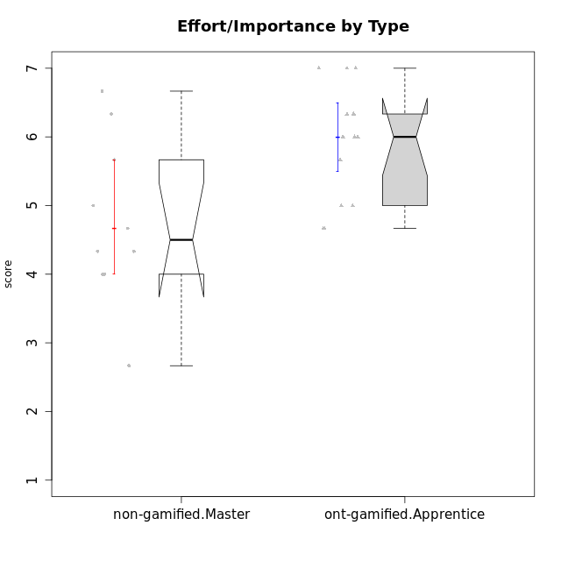

Wilcoxon data
UserID | NroUSP | Type | CLGroup | CLRole | PlayerRole | Item22IE | Item09IE | Item12IE | Item24IE | Item21IE | Item01IE | Item17PC | Item15PC | Item06PC | Item02PC | Item08PC | Item16PT | Item14PT | Item18PT | Item11PT | Item13EI | Item03EI | Item07EI | Interest/Enjoyment | Perceived Choice | Pressure/Tension | Effort/Importance | Intrinsic Motivation
10170 | 10260351 | ont-gamified | Grupo Afrodite | Apprentice | Yee Achiever | 6 | 5 | 5 | 4 | 6 | 5 | 1 | 2 | 1 | 2 | 2 | 1 | 1 | 1 | 7 | 1 | 5 | 2 | 5.1666666667 | 6.4 | 1 | 6 | 6.1416666667
10176 | 10276949 | ont-gamified | Grupo Cronus | Apprentice | Yee Achiever | 4 | 5 | 4 | 3 | 4 | 5 | 2 | 2 | 1 | 5 | 1 | 3 | 2 | 2 | 4 | 2 | 5 | 5 | 4.1666666667 | 5.8 | 2.75 | 4.6666666667 | 4.9708333333
10178 | 8656201 | ont-gamified | Grupo Morfeu | Apprentice | Yee Socializer | 5 | 5 | 5 | 5 | 5 | 5 | 1 | 3 | 2 | 4 | 1 | 4 | 1 | 1 | 5 | 1 | 5 | 2 | 5 | 5.8 | 2.25 | 6 | 5.6375
10179 | 10310759 | non-gamified | Grupo Team 9 | Master |  | 4 | 4 | 3 | 4 | 4 | 4 | 4 | 5 | 5 | 6 | 4 | 2 | 2 | 2 | 6 | 1 | 6 | 1 | 3.8333333333 | 3.2 | 2 | 6.6666666667 | 4.925
10183 | 10352030 | ont-gamified | Grupo Hélio | Apprentice | Yee Socializer | 4 | 4 | 4 | 3 | 4 | 5 | 2 | 2 | 2 | 3 | 4 | 3 | 2 | 3 | 5 | 2 | 5 | 2 | 4 | 5.4 | 2.75 | 5.6666666667 | 5.0791666667
10186 | 10310551 | ont-gamified | Grupo Ares | Apprentice | Yee Achiever | 5 | 6 | 4 | 6 | 4 | 3 | 1 | 1 | 4 | 2 | 1 | 4 | 1 | 3 | 4 | 1 | 7 | 1 | 4.6666666667 | 6.2 | 3 | 7 | 5.7166666667
10188 | 10276995 | non-gamified | Grupo Team 3 | Master |  | 4 | 4 | 4 | 4 | 3 | 4 | 3 | 3 | 3 | 3 | 3 | 1 | 2 | 1 | 6 | 2 | 4 | 4 | 3.8333333333 | 5 | 1.5 | 4.6666666667 | 5
10191 | 10276981 | non-gamified | Grupo Team 6 | Master |  | 5 | 6 | 6 | 7 | 6 | 4 | 1 | 6 | 2 | 2 | 3 | 2 | 1 | 1 | 7 | 2 | 5 | 6 | 5.6666666667 | 5.2 | 1.25 | 4.3333333333 | 5.4875
10195 | 10351971 | ont-gamified | Grupo Urano | Apprentice | Yee Achiever | 5 | 6 | 5 | 5 | 6 | 5 | 4 | 4 | 4 | 4 | 1 | 1 | 1 | 1 | 7 | 1 | 5 | 2 | 5.3333333333 | 4.6 | 1 | 6 | 5.7333333333
10196 | 10310655 | ont-gamified | Grupo Hefesto | Apprentice | Yee Achiever | 4 | 4 | 4 | 4 | 4 | 4 | 1 | 7 | 1 | 6 | 4 | 1 | 1 | 1 | 7 | 1 | 5 | 1 | 4 | 4.2 | 1 | 6.3333333333 | 5.3833333333
10197 | 10276661 | ont-gamified | Grupo Gaia | Apprentice | Yee Achiever | 4 | 6 | 4 | 5 | 6 | 4 | 1 | 1 | 2 | 1 | 1 | 1 | 1 | 1 | 7 | 1 | 6 | 6 | 4.8333333333 | 6.8 | 1 | 5 | 5.9083333333
10198 | 10310888 | ont-gamified | Grupo Apolo | Apprentice | Yee Socializer | 7 | 7 | 7 | 7 | 7 | 7 | 1 | 1 | 1 | 1 | 1 | 1 | 1 | 1 | 7 | 1 | 7 | 1 | 7 | 7 | 1 | 7 | 7
10200 | 9795272 | ont-gamified | Grupo Hades | Apprentice | Yee Socializer | 6 | 6 | 7 | 7 | 6 | 6 | 2 | 4 | 2 | 2 | 3 | 1 | 1 | 1 | 7 | 4 | 5 | 2 | 6.3333333333 | 5.4 | 1 | 5 | 5.9333333333
10209 | 10262669 | ont-gamified | Grupo Artemis | Apprentice | Yee Achiever | 2 | 3 | 3 | 4 | 3 | 4 | 6 | 7 | 7 | 7 | 6 | 1 | 1 | 1 | 7 | 1 | 7 | 1 | 3.1666666667 | 1.4 | 1 | 7 | 4.6416666667
10211 | 9311643 | non-gamified | Grupo Team 2 | Master |  | 6 | 7 | 5 | 6 | 6 | 7 | 3 | 6 | 6 | 7 | 3 | 2 | 2 | 3 | 7 | 5 | 3 | 6 | 6.1666666667 | 3 | 2 | 2.6666666667 | 4.4583333333
10214 | 10277022 | non-gamified | Grupo Team 5 | Master |  | 3 | 4 | 3 | 1 | 3 | 4 | 4 | 5 | 4 | 4 | 4 | 1 | 1 | 2 | 4 | 4 | 3 | 3 | 3 | 3.8 | 2 | 4 | 4.2
10216 | 10276720 | non-gamified | Grupo Team 15 | Master |  | 7 | 7 | 5 | 1 | 5 | 4 | 1 | 4 | 1 | 1 | 1 | 1 | 2 | 1 | 7 | 1 | 6 | 2 | 4.8333333333 | 6.4 | 1.25 | 6.3333333333 | 6.0791666667
10217 | 9805341 | non-gamified | Grupo Team 13 | Master |  | 4 | 5 | 4 | 2 | 5 | 3 | 1 | 1 | 1 | 2 | 1 | 1 | 1 | 1 | 7 | 1 | 6 | 4 | 3.8333333333 | 6.8 | 1 | 5.6666666667 | 5.825
10219 | 10276831 | non-gamified | Grupo Team 12 | Master |  | 4 | 4 | 4 | 3 | 3 | 4 | 4 | 4 | 4 | 2 | 3 | 1 | 1 | 1 | 7 | 3 | 4 | 5 | 3.6666666667 | 4.6 | 1 | 4 | 4.8166666667
10221 | 9082496 | ont-gamified | Grupo Hermes | Apprentice | Yee Achiever | 5 | 5 | 4 | 4 | 5 | 4 | 1 | 4 | 4 | 3 | 1 | 1 | 1 | 1 | 7 | 1 | 6 | 2 | 4.5 | 5.4 | 1 | 6.3333333333 | 5.8083333333
10230 | 10351992 | non-gamified | Grupo Team 14 | Master |  | 1 | 4 | 1 | 3 | 6 | 1 | 1 | 4 | 1 | 2 | 5 | 4 | 1 | 1 | 1 | 1 | 5 | 5 | 2.6666666667 | 5.4 | 3.25 | 5 | 4.4541666667
10231 | 10276911 | ont-gamified | Grupo Caronte | Apprentice | Yee Achiever | 7 | 7 | 7 | 7 | 7 | 7 | 1 | 2 | 1 | 1 | 1 | 1 | 1 | 1 | 7 | 1 | 5 | 1 | 7 | 6.8 | 1 | 6.3333333333 | 6.7833333333
10237 | 10377688 | non-gamified | Grupo Team 11 | Master |  | 5 | 5 | 4 | 3 | 6 | 6 | 1 | 2 | 5 | 3 | 2 | 1 | 1 | 1 | 7 | 2 | 2 | 3 | 4.8333333333 | 5.4 | 1 | 4.3333333333 | 5.3916666667
10240 | 10276654 | ont-gamified | Grupo Hera | Apprentice | Yee Achiever | 4 | 3 | 4 | 4 | 2 | 4 | 6 | 7 | 7 | 6 | 5 | 1 | 1 | 1 | 7 | 3 | 5 | 4 | 3.5 | 1.8 | 1 | 4.6666666667 | 4.2416666667

Type_CLRole_5
Wilcoxon Analysis for Effort/Importance by Type in Type:CLRole between non-gamified.Master:ont-gamified.Master

Wilcoxon test results
Alternative hypothesis: less
Group | N | Median | Mean.Ranks | Sum.Ranks | U | Z | p.value | r | magnitude
non-gamified.Master | 10 | 4.5 | 9.2 | 92 | 37 | -1.9407385618 | 0.026267861003 | 0.39615160005 | medium
ont-gamified.Master | 14 | 6 | 14.857142857 | 208 | 37 | -1.9407385618 | 0.026267861003 | 0.39615160005 | medium
Alternative hypothesis: greater
Group | N | Median | Mean.Ranks | Sum.Ranks | U | Z | p.value | r | magnitude
non-gamified.Master | 10 | 4.5 | 9.2 | 92 | 37 | -1.9407385618 | 0.97528216612 | 0.39615160005 | medium
ont-gamified.Master | 14 | 6 | 14.857142857 | 208 | 37 | -1.9407385618 | 0.97528216612 | 0.39615160005 | medium
Alternative hypothesis: two.sided
Group | N | Median | Mean.Ranks | Sum.Ranks | U | Z | p.value | r | magnitude
non-gamified.Master | 10 | 4.5 | 9.2 | 92 | 37 | -1.9407385618 | 0.052570393666 | 0.39615160005 | medium
ont-gamified.Master | 14 | 6 | 14.857142857 | 208 | 37 | -1.9407385618 | 0.052570393666 | 0.39615160005 | medium

Box plots for wilcoxon tests
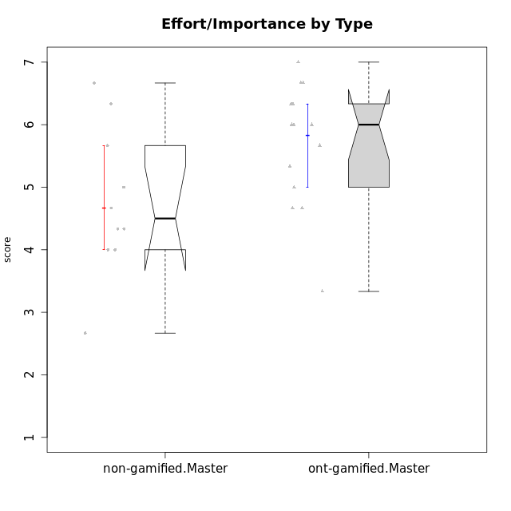

Wilcoxon data
UserID | NroUSP | Type | CLGroup | CLRole | PlayerRole | Item22IE | Item09IE | Item12IE | Item24IE | Item21IE | Item01IE | Item17PC | Item15PC | Item06PC | Item02PC | Item08PC | Item16PT | Item14PT | Item18PT | Item11PT | Item13EI | Item03EI | Item07EI | Interest/Enjoyment | Perceived Choice | Pressure/Tension | Effort/Importance | Intrinsic Motivation
10169 | 10377538 | ont-gamified | Grupo Hefesto | Master | Yee Achiever | 6 | 6 | 6 | 6 | 6 | 4 | 2 | 2 | 6 | 4 | 2 | 4 | 1 | 2 | 7 | 2 | 6 | 2 | 5.6666666667 | 4.8 | 2 | 6 | 5.6166666667
10174 | 10276852 | ont-gamified | Grupo Urano | Master | Yee Achiever | 6 | 5 | 4 | 6 | 4 | 4 | 3 | 4 | 4 | 4 | 3 | 1 | 1 | 1 | 6 | 1 | 6 | 1 | 4.8333333333 | 4.4 | 1.25 | 6.6666666667 | 5.6625
10175 | 10310700 | ont-gamified | Grupo Hélio | Master | Yee Socializer | 5 | 6 | 6 | 6 | 5 | 6 | 1 | 1 | 1 | 1 | 1 | 1 | 1 | 1 | 7 | 5 | 5 | 1 | 5.6666666667 | 7 | 1 | 5 | 6.1666666667
10179 | 10310759 | non-gamified | Grupo Team 9 | Master |  | 4 | 4 | 3 | 4 | 4 | 4 | 4 | 5 | 5 | 6 | 4 | 2 | 2 | 2 | 6 | 1 | 6 | 1 | 3.8333333333 | 3.2 | 2 | 6.6666666667 | 4.925
10184 | 10276675 | ont-gamified | Grupo Apolo | Master | Yee Socializer | 4 | 5 | 5 | 4 | 4 | 5 | 1 | 4 | 1 | 5 | 1 | 3 | 1 | 1 | 4 | 1 | 6 | 1 | 4.5 | 5.6 | 2.25 | 6.6666666667 | 5.6291666667
10188 | 10276995 | non-gamified | Grupo Team 3 | Master |  | 4 | 4 | 4 | 4 | 3 | 4 | 3 | 3 | 3 | 3 | 3 | 1 | 2 | 1 | 6 | 2 | 4 | 4 | 3.8333333333 | 5 | 1.5 | 4.6666666667 | 5
10189 | 9363926 | ont-gamified | Grupo Hades | Master | Yee Socializer | 4 | 4 | 3 | 5 | 6 | 2 | 2 | 5 | 2 | 4 | 1 | 5 | 4 | 2 | 5 | 1 | 6 | 2 | 4 | 5.2 | 3.5 | 6.3333333333 | 5.0083333333
10191 | 10276981 | non-gamified | Grupo Team 6 | Master |  | 5 | 6 | 6 | 7 | 6 | 4 | 1 | 6 | 2 | 2 | 3 | 2 | 1 | 1 | 7 | 2 | 5 | 6 | 5.6666666667 | 5.2 | 1.25 | 4.3333333333 | 5.4875
10193 | 10276762 | ont-gamified | Grupo Afrodite | Master | Yee Achiever | 6 | 5 | 5 | 4 | 5 | 4 | 3 | 5 | 5 | 2 | 3 | 1 | 1 | 1 | 6 | 2 | 3 | 3 | 4.8333333333 | 4.4 | 1.25 | 4.6666666667 | 5.1625
10199 | 10276737 | ont-gamified | Grupo Gaia | Master | Yee Achiever | 7 | 4 | 4 | 1 | 4 | 4 | 1 | 1 | 1 | 1 | 1 | 1 | 3 | 1 | 2 | 2 | 4 | 4 | 4 | 7 | 2.75 | 4.6666666667 | 5.2291666667
10201 | 10276928 | ont-gamified | Grupo Caronte | Master | Yee Achiever | 7 | 7 | 7 | 5 | 7 | 5 | 2 | 2 | 3 | 2 | 2 | 2 | 3 | 1 | 6 | 1 | 7 | 1 | 6.3333333333 | 5.8 | 2 | 7 | 6.2833333333
10204 | 10310471 | ont-gamified | Grupo Hermes | Master | Yee Achiever | 7 | 7 | 7 | 7 | 7 | 6 | 1 | 1 | 4 | 2 | 1 | 1 | 1 | 1 | 7 | 1 | 6 | 3 | 6.8333333333 | 6.2 | 1 | 6 | 6.5083333333
10206 | 10310721 | ont-gamified | Grupo Hera | Master | Yee Achiever | 5 | 6 | 4 | 3 | 5 | 4 | 1 | 2 | 1 | 1 | 2 | 3 | 3 | 2 | 2 | 2 | 5 | 2 | 4.5 | 6.6 | 3.5 | 5.6666666667 | 5.3166666667
10211 | 9311643 | non-gamified | Grupo Team 2 | Master |  | 6 | 7 | 5 | 6 | 6 | 7 | 3 | 6 | 6 | 7 | 3 | 2 | 2 | 3 | 7 | 5 | 3 | 6 | 6.1666666667 | 3 | 2 | 2.6666666667 | 4.4583333333
10213 | 10277040 | ont-gamified | Grupo Morfeu | Master | Yee Socializer | 4 | 6 | 5 | 7 | 4 | 7 | 1 | 7 | 1 | 4 | 4 | 1 | 1 | 1 | 7 | 4 | 2 | 4 | 5.5 | 4.6 | 1 | 3.3333333333 | 5.1083333333
10214 | 10277022 | non-gamified | Grupo Team 5 | Master |  | 3 | 4 | 3 | 1 | 3 | 4 | 4 | 5 | 4 | 4 | 4 | 1 | 1 | 2 | 4 | 4 | 3 | 3 | 3 | 3.8 | 2 | 4 | 4.2
10216 | 10276720 | non-gamified | Grupo Team 15 | Master |  | 7 | 7 | 5 | 1 | 5 | 4 | 1 | 4 | 1 | 1 | 1 | 1 | 2 | 1 | 7 | 1 | 6 | 2 | 4.8333333333 | 6.4 | 1.25 | 6.3333333333 | 6.0791666667
10217 | 9805341 | non-gamified | Grupo Team 13 | Master |  | 4 | 5 | 4 | 2 | 5 | 3 | 1 | 1 | 1 | 2 | 1 | 1 | 1 | 1 | 7 | 1 | 6 | 4 | 3.8333333333 | 6.8 | 1 | 5.6666666667 | 5.825
10218 | 9842913 | ont-gamified | Grupo Ares | Master | Yee Achiever | 4 | 3 | 3 | 2 | 4 | 4 | 3 | 3 | 4 | 2 | 1 | 4 | 3 | 2 | 3 | 2 | 6 | 1 | 3.3333333333 | 5.4 | 3.5 | 6.3333333333 | 4.8916666667
10219 | 10276831 | non-gamified | Grupo Team 12 | Master |  | 4 | 4 | 4 | 3 | 3 | 4 | 4 | 4 | 4 | 2 | 3 | 1 | 1 | 1 | 7 | 3 | 4 | 5 | 3.6666666667 | 4.6 | 1 | 4 | 4.8166666667
10223 | 9795185 | ont-gamified | Grupo Cronus | Master | Yee Achiever | 7 | 6 | 6 | 6 | 7 | 6 | 1 | 2 | 2 | 2 | 1 | 2 | 1 | 1 | 7 | 3 | 6 | 3 | 6.3333333333 | 6.4 | 1.25 | 5.3333333333 | 6.2041666667
10230 | 10351992 | non-gamified | Grupo Team 14 | Master |  | 1 | 4 | 1 | 3 | 6 | 1 | 1 | 4 | 1 | 2 | 5 | 4 | 1 | 1 | 1 | 1 | 5 | 5 | 2.6666666667 | 5.4 | 3.25 | 5 | 4.4541666667
10232 | 10276974 | ont-gamified | Grupo Artemis | Master | Yee Achiever | 5 | 4 | 5 | 7 | 6 | 6 | 2 | 4 | 4 | 2 | 2 | 2 | 1 | 2 | 1 | 1 | 6 | 3 | 5.5 | 5.2 | 3 | 6 | 5.425
10237 | 10377688 | non-gamified | Grupo Team 11 | Master |  | 5 | 5 | 4 | 3 | 6 | 6 | 1 | 2 | 5 | 3 | 2 | 1 | 1 | 1 | 7 | 2 | 2 | 3 | 4.8333333333 | 5.4 | 1 | 4.3333333333 | 5.3916666667

Type_CLRole_6
Wilcoxon Analysis for Effort/Importance by Type in Type:CLRole between ont-gamified.Apprentice:ont-gamified.Master

Wilcoxon test results
Alternative hypothesis: less
Group | N | Median | Mean.Ranks | Sum.Ranks | U | Z | p.value | r | magnitude
ont-gamified.Apprentice | 14 | 6 | 15.321428571 | 214.5 | 109.5 | 0.53435415679 | 0.70490121296 | 0.10098344364 | small
ont-gamified.Master | 14 | 6 | 13.678571429 | 191.5 | 109.5 | 0.53435415679 | 0.70490121296 | 0.10098344364 | small
Alternative hypothesis: greater
Group | N | Median | Mean.Ranks | Sum.Ranks | U | Z | p.value | r | magnitude
ont-gamified.Apprentice | 14 | 6 | 15.321428571 | 214.5 | 109.5 | 0.53435415679 | 0.30372803278 | 0.10098344364 | small
ont-gamified.Master | 14 | 6 | 13.678571429 | 191.5 | 109.5 | 0.53435415679 | 0.30372803278 | 0.10098344364 | small
Alternative hypothesis: two.sided
Group | N | Median | Mean.Ranks | Sum.Ranks | U | Z | p.value | r | magnitude
ont-gamified.Apprentice | 14 | 6 | 15.321428571 | 214.5 | 109.5 | 0.53435415679 | 0.60745606557 | 0.10098344364 | small
ont-gamified.Master | 14 | 6 | 13.678571429 | 191.5 | 109.5 | 0.53435415679 | 0.60745606557 | 0.10098344364 | small

Box plots for wilcoxon tests
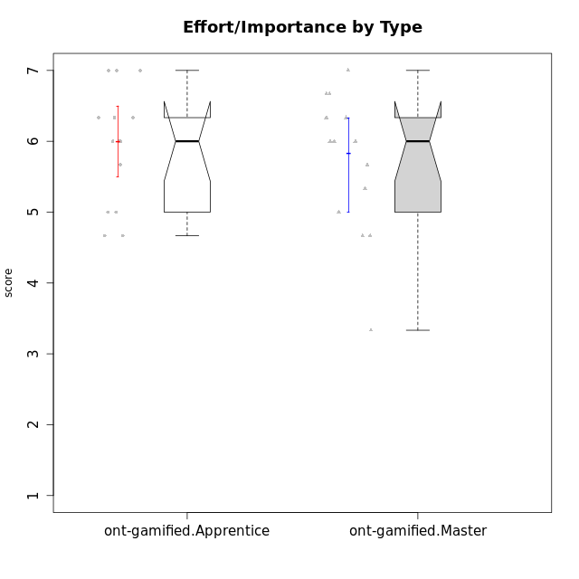

Wilcoxon data
UserID | NroUSP | Type | CLGroup | CLRole | PlayerRole | Item22IE | Item09IE | Item12IE | Item24IE | Item21IE | Item01IE | Item17PC | Item15PC | Item06PC | Item02PC | Item08PC | Item16PT | Item14PT | Item18PT | Item11PT | Item13EI | Item03EI | Item07EI | Interest/Enjoyment | Perceived Choice | Pressure/Tension | Effort/Importance | Intrinsic Motivation
10169 | 10377538 | ont-gamified | Grupo Hefesto | Master | Yee Achiever | 6 | 6 | 6 | 6 | 6 | 4 | 2 | 2 | 6 | 4 | 2 | 4 | 1 | 2 | 7 | 2 | 6 | 2 | 5.6666666667 | 4.8 | 2 | 6 | 5.6166666667
10170 | 10260351 | ont-gamified | Grupo Afrodite | Apprentice | Yee Achiever | 6 | 5 | 5 | 4 | 6 | 5 | 1 | 2 | 1 | 2 | 2 | 1 | 1 | 1 | 7 | 1 | 5 | 2 | 5.1666666667 | 6.4 | 1 | 6 | 6.1416666667
10174 | 10276852 | ont-gamified | Grupo Urano | Master | Yee Achiever | 6 | 5 | 4 | 6 | 4 | 4 | 3 | 4 | 4 | 4 | 3 | 1 | 1 | 1 | 6 | 1 | 6 | 1 | 4.8333333333 | 4.4 | 1.25 | 6.6666666667 | 5.6625
10175 | 10310700 | ont-gamified | Grupo Hélio | Master | Yee Socializer | 5 | 6 | 6 | 6 | 5 | 6 | 1 | 1 | 1 | 1 | 1 | 1 | 1 | 1 | 7 | 5 | 5 | 1 | 5.6666666667 | 7 | 1 | 5 | 6.1666666667
10176 | 10276949 | ont-gamified | Grupo Cronus | Apprentice | Yee Achiever | 4 | 5 | 4 | 3 | 4 | 5 | 2 | 2 | 1 | 5 | 1 | 3 | 2 | 2 | 4 | 2 | 5 | 5 | 4.1666666667 | 5.8 | 2.75 | 4.6666666667 | 4.9708333333
10178 | 8656201 | ont-gamified | Grupo Morfeu | Apprentice | Yee Socializer | 5 | 5 | 5 | 5 | 5 | 5 | 1 | 3 | 2 | 4 | 1 | 4 | 1 | 1 | 5 | 1 | 5 | 2 | 5 | 5.8 | 2.25 | 6 | 5.6375
10183 | 10352030 | ont-gamified | Grupo Hélio | Apprentice | Yee Socializer | 4 | 4 | 4 | 3 | 4 | 5 | 2 | 2 | 2 | 3 | 4 | 3 | 2 | 3 | 5 | 2 | 5 | 2 | 4 | 5.4 | 2.75 | 5.6666666667 | 5.0791666667
10184 | 10276675 | ont-gamified | Grupo Apolo | Master | Yee Socializer | 4 | 5 | 5 | 4 | 4 | 5 | 1 | 4 | 1 | 5 | 1 | 3 | 1 | 1 | 4 | 1 | 6 | 1 | 4.5 | 5.6 | 2.25 | 6.6666666667 | 5.6291666667
10186 | 10310551 | ont-gamified | Grupo Ares | Apprentice | Yee Achiever | 5 | 6 | 4 | 6 | 4 | 3 | 1 | 1 | 4 | 2 | 1 | 4 | 1 | 3 | 4 | 1 | 7 | 1 | 4.6666666667 | 6.2 | 3 | 7 | 5.7166666667
10189 | 9363926 | ont-gamified | Grupo Hades | Master | Yee Socializer | 4 | 4 | 3 | 5 | 6 | 2 | 2 | 5 | 2 | 4 | 1 | 5 | 4 | 2 | 5 | 1 | 6 | 2 | 4 | 5.2 | 3.5 | 6.3333333333 | 5.0083333333
10193 | 10276762 | ont-gamified | Grupo Afrodite | Master | Yee Achiever | 6 | 5 | 5 | 4 | 5 | 4 | 3 | 5 | 5 | 2 | 3 | 1 | 1 | 1 | 6 | 2 | 3 | 3 | 4.8333333333 | 4.4 | 1.25 | 4.6666666667 | 5.1625
10195 | 10351971 | ont-gamified | Grupo Urano | Apprentice | Yee Achiever | 5 | 6 | 5 | 5 | 6 | 5 | 4 | 4 | 4 | 4 | 1 | 1 | 1 | 1 | 7 | 1 | 5 | 2 | 5.3333333333 | 4.6 | 1 | 6 | 5.7333333333
10196 | 10310655 | ont-gamified | Grupo Hefesto | Apprentice | Yee Achiever | 4 | 4 | 4 | 4 | 4 | 4 | 1 | 7 | 1 | 6 | 4 | 1 | 1 | 1 | 7 | 1 | 5 | 1 | 4 | 4.2 | 1 | 6.3333333333 | 5.3833333333
10197 | 10276661 | ont-gamified | Grupo Gaia | Apprentice | Yee Achiever | 4 | 6 | 4 | 5 | 6 | 4 | 1 | 1 | 2 | 1 | 1 | 1 | 1 | 1 | 7 | 1 | 6 | 6 | 4.8333333333 | 6.8 | 1 | 5 | 5.9083333333
10198 | 10310888 | ont-gamified | Grupo Apolo | Apprentice | Yee Socializer | 7 | 7 | 7 | 7 | 7 | 7 | 1 | 1 | 1 | 1 | 1 | 1 | 1 | 1 | 7 | 1 | 7 | 1 | 7 | 7 | 1 | 7 | 7
10199 | 10276737 | ont-gamified | Grupo Gaia | Master | Yee Achiever | 7 | 4 | 4 | 1 | 4 | 4 | 1 | 1 | 1 | 1 | 1 | 1 | 3 | 1 | 2 | 2 | 4 | 4 | 4 | 7 | 2.75 | 4.6666666667 | 5.2291666667
10200 | 9795272 | ont-gamified | Grupo Hades | Apprentice | Yee Socializer | 6 | 6 | 7 | 7 | 6 | 6 | 2 | 4 | 2 | 2 | 3 | 1 | 1 | 1 | 7 | 4 | 5 | 2 | 6.3333333333 | 5.4 | 1 | 5 | 5.9333333333
10201 | 10276928 | ont-gamified | Grupo Caronte | Master | Yee Achiever | 7 | 7 | 7 | 5 | 7 | 5 | 2 | 2 | 3 | 2 | 2 | 2 | 3 | 1 | 6 | 1 | 7 | 1 | 6.3333333333 | 5.8 | 2 | 7 | 6.2833333333
10204 | 10310471 | ont-gamified | Grupo Hermes | Master | Yee Achiever | 7 | 7 | 7 | 7 | 7 | 6 | 1 | 1 | 4 | 2 | 1 | 1 | 1 | 1 | 7 | 1 | 6 | 3 | 6.8333333333 | 6.2 | 1 | 6 | 6.5083333333
10206 | 10310721 | ont-gamified | Grupo Hera | Master | Yee Achiever | 5 | 6 | 4 | 3 | 5 | 4 | 1 | 2 | 1 | 1 | 2 | 3 | 3 | 2 | 2 | 2 | 5 | 2 | 4.5 | 6.6 | 3.5 | 5.6666666667 | 5.3166666667
10209 | 10262669 | ont-gamified | Grupo Artemis | Apprentice | Yee Achiever | 2 | 3 | 3 | 4 | 3 | 4 | 6 | 7 | 7 | 7 | 6 | 1 | 1 | 1 | 7 | 1 | 7 | 1 | 3.1666666667 | 1.4 | 1 | 7 | 4.6416666667
10213 | 10277040 | ont-gamified | Grupo Morfeu | Master | Yee Socializer | 4 | 6 | 5 | 7 | 4 | 7 | 1 | 7 | 1 | 4 | 4 | 1 | 1 | 1 | 7 | 4 | 2 | 4 | 5.5 | 4.6 | 1 | 3.3333333333 | 5.1083333333
10218 | 9842913 | ont-gamified | Grupo Ares | Master | Yee Achiever | 4 | 3 | 3 | 2 | 4 | 4 | 3 | 3 | 4 | 2 | 1 | 4 | 3 | 2 | 3 | 2 | 6 | 1 | 3.3333333333 | 5.4 | 3.5 | 6.3333333333 | 4.8916666667
10221 | 9082496 | ont-gamified | Grupo Hermes | Apprentice | Yee Achiever | 5 | 5 | 4 | 4 | 5 | 4 | 1 | 4 | 4 | 3 | 1 | 1 | 1 | 1 | 7 | 1 | 6 | 2 | 4.5 | 5.4 | 1 | 6.3333333333 | 5.8083333333
10223 | 9795185 | ont-gamified | Grupo Cronus | Master | Yee Achiever | 7 | 6 | 6 | 6 | 7 | 6 | 1 | 2 | 2 | 2 | 1 | 2 | 1 | 1 | 7 | 3 | 6 | 3 | 6.3333333333 | 6.4 | 1.25 | 5.3333333333 | 6.2041666667
10231 | 10276911 | ont-gamified | Grupo Caronte | Apprentice | Yee Achiever | 7 | 7 | 7 | 7 | 7 | 7 | 1 | 2 | 1 | 1 | 1 | 1 | 1 | 1 | 7 | 1 | 5 | 1 | 7 | 6.8 | 1 | 6.3333333333 | 6.7833333333
10232 | 10276974 | ont-gamified | Grupo Artemis | Master | Yee Achiever | 5 | 4 | 5 | 7 | 6 | 6 | 2 | 4 | 4 | 2 | 2 | 2 | 1 | 2 | 1 | 1 | 6 | 3 | 5.5 | 5.2 | 3 | 6 | 5.425
10240 | 10276654 | ont-gamified | Grupo Hera | Apprentice | Yee Achiever | 4 | 3 | 4 | 4 | 2 | 4 | 6 | 7 | 7 | 6 | 5 | 1 | 1 | 1 | 7 | 3 | 5 | 4 | 3.5 | 1.8 | 1 | 4.6666666667 | 4.2416666667

