Assumptions
ANOVA assumptions for Effort/Importance by Type

Shapiro-Wilk normality test for Effort/Importance by Type
W | p.value
0.98154932063 | 0.64434719709

Plots for normality test
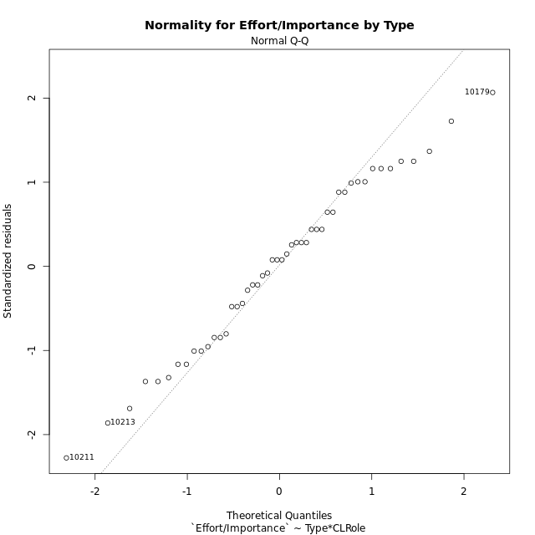

Levene's Test for Homogeneity of Variance in Effort/Importance by Type
Df | F value | Pr(>F)
3 | 0.42721772794 | 0.73447582258
44

Plots for homogeneity of variance
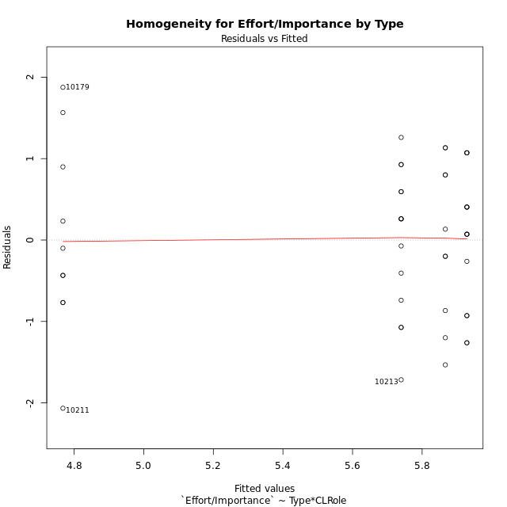

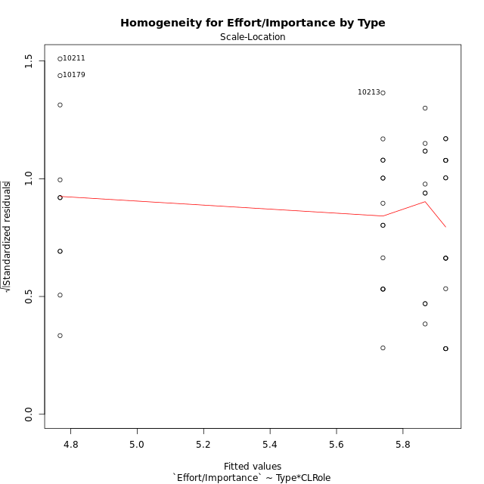

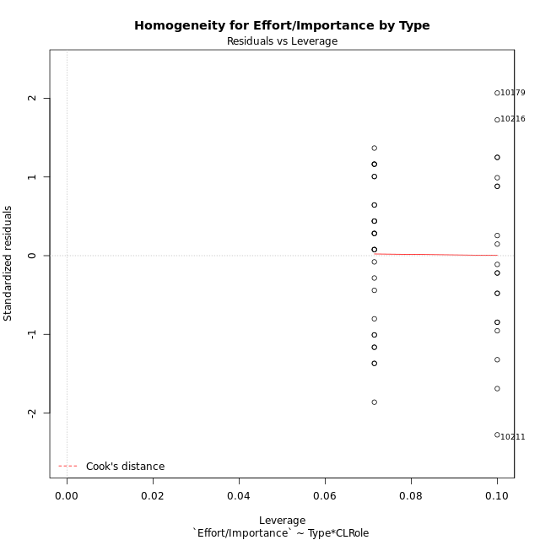

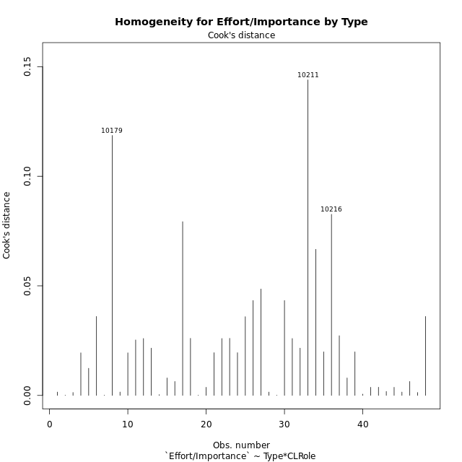

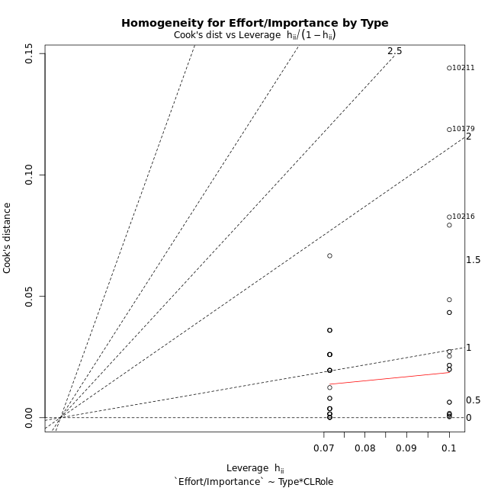

Minimum Sample Size Test for Effort/Importance by Type
Type | CLRole | Freq
non-gamified | Apprentice | 10
ont-gamified | Apprentice | 14
non-gamified | Master | 10
ont-gamified | Master | 14

Errors and Warnings in Sample Size Test for ANOVA in Effort/Importance by Type
code | description
WARN: sample.size | current size is 10 and recommended size is 15 for the group: 'non-gamified:Apprentice'.
WARN: sample.size | current size is 14 and recommended size is 15 for the group: 'ont-gamified:Apprentice'.
WARN: sample.size | current size is 10 and recommended size is 15 for the group: 'non-gamified:Master'.
WARN: sample.size | current size is 14 and recommended size is 15 for the group: 'ont-gamified:Master'.

For the group: 'non-gamified:Apprentice', we recommend the use of non-parametric test. For the group: 'ont-gamified:Apprentice', we recommend the use of non-parametric test. For the group: 'non-gamified:Master', we recommend the use of non-parametric test. For the group: 'ont-gamified:Master', we recommend the use of non-parametric test.

If you don't want to remove non-normal data, you must cite the following references: ... (1) Lix, L.M., J.C. Keselman, and H.J. Keselman. 1996. Consequences of assumption violations revisited: A quantitative review of alternatives to the one-way analysis of variance F test. Rev. Educ. Res. 66: 579-619. ... (2) Harwell, M.R., E.N. Rubinstein, W.S. Hayes, and C.C. Olds. 1992. Summarizing Monte Carlo results in methodological research: the one- and two-factor fixed effects ANOVA cases. J. Educ. Stat. 17: 315-339.

Post-hoc
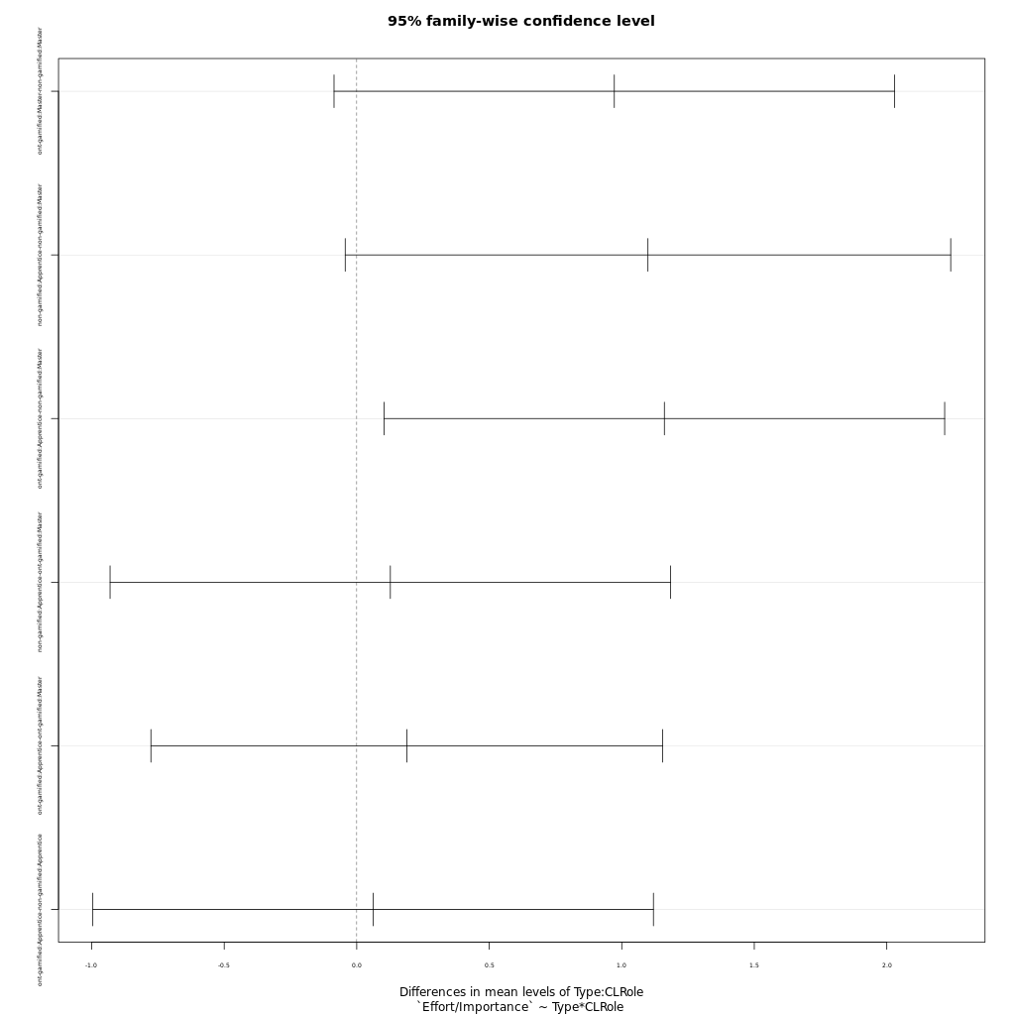
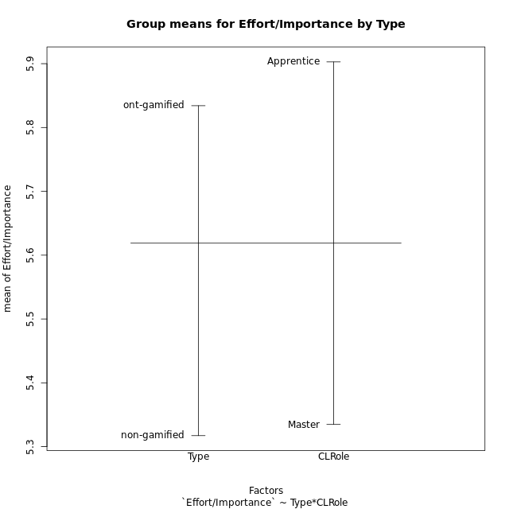
Post-hoc Tukey Honestly Significant Difference (HSD) Test for Effort/Importance by Type

Comparisons of means for Type
 | diff | lwr | upr | p adj
ont-gamified-non-gamified | 0.5169152381 | -0.047536990988 | 1.0813674672 | 0.071680332715

Comparisons of means for CLRole
 | diff | lwr | upr | p adj
Apprentice-Master | 0.56799444444 | 0.011437040944 | 1.1245518479 | 0.045666085517

Comparisons of means for Type:CLRole
 | diff | lwr | upr | p adj
ont-gamified:Master-non-gamified:Master | 0.97192571429 | -0.085622328117 | 2.0294737567 | 0.081773435381
non-gamified:Apprentice-non-gamified:Master | 1.09884 | -0.04344243982 | 2.2411224398 | 0.063266873706
ont-gamified:Apprentice-non-gamified:Master | 1.1607447619 | 0.1031967195 | 2.2182928043 | 0.026470311914
non-gamified:Apprentice-ont-gamified:Master | 0.12691428571 | -0.93063375669 | 1.1844623281 | 0.98846541444
ont-gamified:Apprentice-ont-gamified:Master | 0.18881904762 | -0.7765858165 | 1.1542239117 | 0.95329248253
ont-gamified:Apprentice-non-gamified:Apprentice | 0.061904761905 | -0.9956432805 | 1.1194528043 | 0.99861910028

Contrast Matrices for Effort/Importance by Type - Type
contrast | estimate | SE | df | t.ratio | p.value
non-gamified - ont-gamified | -0.5169152381 | 0.28007408486 | 44 | -1.8456375153 | 0.071680332715

Contrast Matrices for Effort/Importance by Type - Type:CLRole
contrast | CLRole | estimate | SE | df | t.ratio | p.value
non-gamified - ont-gamified | Apprentice | -0.061904761905 | 0.39608456928 | 44 | -0.15629177884 | 0.87651794265
non-gamified - ont-gamified | Master | -0.97192571429 | 0.39608456928 | 44 | -2.4538338266 | 0.018163272656

Least Squares Means and Confidence Intervals for Type
Type | lsmean | SE | df | lower.CL | upper.CL | Pairs
non-gamified | 5.3172466667 | 0.21391011568 | 44 | 4.8861391557 | 5.7483541776 | non-gamified
ont-gamified | 5.8341619048 | 0.18078704439 | 44 | 5.4698095576 | 6.1985142519 | ont-gamified

Least Squares Means and Confidence Intervals for Type:CLRole
Type | CLRole | lsmean | SE | df | lower.CL | upper.CL | Pairs
non-gamified | Apprentice | 5.8666666667 | 0.30251458672 | 44 | 5.2569885778 | 6.4763447555 | non-gamified.Apprentice
ont-gamified | Apprentice | 5.9285714286 | 0.25567149008 | 44 | 5.4132993977 | 6.4438434594 | ont-gamified.Apprentice
non-gamified | Master | 4.7678266667 | 0.30251458672 | 44 | 4.1581485778 | 5.3775047555 | non-gamified.Master
ont-gamified | Master | 5.739752381 | 0.25567149008 | 44 | 5.2244803501 | 6.2550244118 | ont-gamified.Master

Plots

Type_1
Student's t-Test for Effort/Importance by Type in Type between non-gamified:ont-gamified

Student's t-Test results
Alternative hypothesis: less
Group | N | Mean | Mean.Difference | Std.deviation | Std.error | CI.lower | CI.upper | df | t.value | p.value | g | magnitude
non-gamified | 20 | 5.3172466667 | -0.5169152381 | 1.1963442437 | 0.26751070535 | 4.782225256 | 5.8522680774 | 32.135461777 | -1.6582597078 | 0.053498148592 | -0.505409893 | medium
ont-gamified | 28 | 5.8341619048 | 0.5169152381 | 0.84677813778 | 0.1600260263 | 5.5141098522 | 6.1542139574 | 32.135461777 | -1.6582597078 | 0.053498148592 | -0.505409893 | medium
Alternative hypothesis: greater
Group | N | Mean | Mean.Difference | Std.deviation | Std.error | CI.lower | CI.upper | df | t.value | p.value | g | magnitude
non-gamified | 20 | 5.3172466667 | -0.5169152381 | 1.1963442437 | 0.26751070535 | 4.782225256 | 5.8522680774 | 32.135461777 | -1.6582597078 | 0.94650185141 | -0.505409893 | medium
ont-gamified | 28 | 5.8341619048 | 0.5169152381 | 0.84677813778 | 0.1600260263 | 5.5141098522 | 6.1542139574 | 32.135461777 | -1.6582597078 | 0.94650185141 | -0.505409893 | medium
Alternative hypothesis: two.sided
Group | N | Mean | Mean.Difference | Std.deviation | Std.error | CI.lower | CI.upper | df | t.value | p.value | g | magnitude
non-gamified | 20 | 5.3172466667 | -0.5169152381 | 1.1963442437 | 0.26751070535 | 4.782225256 | 5.8522680774 | 32.135461777 | -1.6582597078 | 0.10699629718 | -0.505409893 | medium
ont-gamified | 28 | 5.8341619048 | 0.5169152381 | 0.84677813778 | 0.1600260263 | 5.5141098522 | 6.1542139574 | 32.135461777 | -1.6582597078 | 0.10699629718 | -0.505409893 | medium

Box plots for Student's t-Test
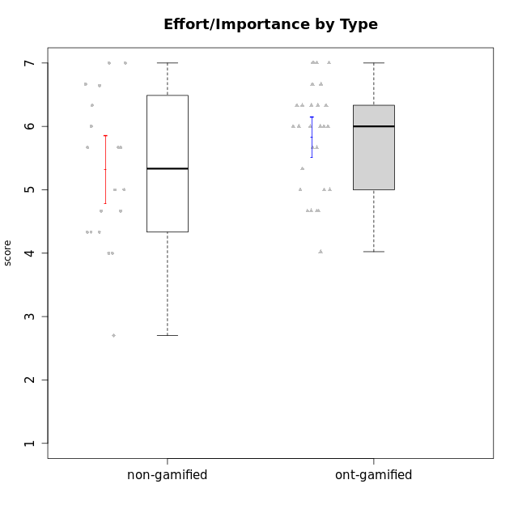

Student's t-Test data
UserID | NroUSP | Type | CLGroup | CLRole | PlayerRole | Interest/Enjoyment | Perceived Choice | Pressure/Tension | Effort/Importance | Intrinsic Motivation
10169 | 10377538 | ont-gamified | Grupo Hefesto | Master | Yee Achiever | 5.6666666667 | 4.8 | 1.9913 | 6 | 5.6166666667
10170 | 10260351 | ont-gamified | Grupo Afrodite | Apprentice | Yee Achiever | 5.1666666667 | 6.4 | 1 | 6 | 6.1416666667
10171 | 698531 | non-gamified | Grupo Team 6 | Apprentice |  | 5.6666666667 | 6 | 1.25 | 5.6666666667 | 6.0208333333
10174 | 10276852 | ont-gamified | Grupo Urano | Master | Yee Achiever | 4.8333333333 | 4.4 | 1.25 | 6.6666666667 | 5.6625
10175 | 10310700 | ont-gamified | Grupo Hélio | Master | Yee Socializer | 5.6666666667 | 7 | 1 | 5 | 6.1666666667
10176 | 10276949 | ont-gamified | Grupo Cronus | Apprentice | Yee Achiever | 4.1666666667 | 5.8 | 1.9913 | 4.6666666667 | 4.9708333333
10178 | 8656201 | ont-gamified | Grupo Morfeu | Apprentice | Yee Socializer | 5 | 5.8 | 1.9913 | 6 | 5.6375
10179 | 10310759 | non-gamified | Grupo Team 9 | Master |  | 3.8333333333 | 3.2 | 2 | 6.6434666667 | 4.925
10183 | 10352030 | ont-gamified | Grupo Hélio | Apprentice | Yee Socializer | 4 | 5.4 | 1.9913 | 5.6666666667 | 5.0791666667
10184 | 10276675 | ont-gamified | Grupo Apolo | Master | Yee Socializer | 4.5 | 5.6 | 1.9913 | 6.6666666667 | 5.6291666667
10185 | 10276960 | non-gamified | Grupo Team 12 | Apprentice |  | 4 | 4.4 | 2.25 | 5 | 4.7875
10186 | 10310551 | ont-gamified | Grupo Ares | Apprentice | Yee Achiever | 4.6666666667 | 6.2 | 1.9913 | 7 | 5.7166666667
10187 | 9790781 | non-gamified | Grupo Team 15 | Apprentice |  | 6.7181 | 6 | 2.48695 | 6.6666666667 | 6.0416666667
10188 | 10276995 | non-gamified | Grupo Team 3 | Master |  | 3.8333333333 | 5 | 1.5 | 4.6666666667 | 5
10189 | 9363926 | ont-gamified | Grupo Hades | Master | Yee Socializer | 4 | 5.2 | 1.9913 | 6.3333333333 | 5.0083333333
10191 | 10276981 | non-gamified | Grupo Team 6 | Master |  | 5.6666666667 | 5.2 | 1.25 | 4.3333333333 | 5.4875
10192 | 10276682 | non-gamified | Grupo Team 5 | Apprentice |  | 6.1666666667 | 4.4 | 1 | 4.3333333333 | 5.475
10193 | 10276762 | ont-gamified | Grupo Afrodite | Master | Yee Achiever | 4.8333333333 | 4.4 | 1.25 | 4.6666666667 | 5.1625
10195 | 10351971 | ont-gamified | Grupo Urano | Apprentice | Yee Achiever | 5.3333333333 | 4.6 | 1 | 6 | 5.7333333333
10196 | 10310655 | ont-gamified | Grupo Hefesto | Apprentice | Yee Achiever | 4 | 4.2 | 1 | 6.3333333333 | 5.3833333333
10197 | 10276661 | ont-gamified | Grupo Gaia | Apprentice | Yee Achiever | 4.8333333333 | 6.8 | 1 | 5 | 5.9083333333
10198 | 10310888 | ont-gamified | Grupo Apolo | Apprentice | Yee Socializer | 6.6434666667 | 7 | 1 | 7 | 6.8989766667
10199 | 10276737 | ont-gamified | Grupo Gaia | Master | Yee Achiever | 4 | 7 | 1.9913 | 4.6666666667 | 5.2291666667
10200 | 9795272 | ont-gamified | Grupo Hades | Apprentice | Yee Socializer | 6.3333333333 | 5.4 | 1 | 5 | 5.9333333333
10201 | 10276928 | ont-gamified | Grupo Caronte | Master | Yee Achiever | 6.3333333333 | 5.8 | 1.9913 | 7 | 6.2833333333
10202 | 10277036 | non-gamified | Grupo Team 11 | Apprentice |  | 4 | 3.2 | 2.48695 | 7 | 4.175
10203 | 9921470 | non-gamified | Grupo Team 3 | Apprentice |  | 4 | 7 | 1.25 | 4.6666666667 | 5.6041666667
10204 | 10310471 | ont-gamified | Grupo Hermes | Master | Yee Achiever | 6.8333333333 | 6.2 | 1 | 6 | 6.5083333333
10206 | 10310721 | ont-gamified | Grupo Hera | Master | Yee Achiever | 4.5 | 6.6 | 1.9913 | 5.6666666667 | 5.3166666667
10208 | 10276932 | non-gamified | Grupo Team 7 | Apprentice |  | 6.3333333333 | 5.6 | 1.75 | 7 | 6.2958333333
10209 | 10262669 | ont-gamified | Grupo Artemis | Apprentice | Yee Achiever | 3.1666666667 | 4.02088 | 1 | 7 | 4.6416666667
10210 | 10277015 | non-gamified | Grupo Team 9 | Apprentice |  | 3.5 | 2.8 | 2.48695 | 6.6666666667 | 4.1791666667
10211 | 9311643 | non-gamified | Grupo Team 2 | Master |  | 6.1666666667 | 3 | 2 | 2.7014666667 | 4.4583333333
10213 | 10277040 | ont-gamified | Grupo Morfeu | Master | Yee Socializer | 5.5 | 4.6 | 1 | 4.0232 | 5.1083333333
10214 | 10277022 | non-gamified | Grupo Team 5 | Master |  | 3 | 3.8 | 2 | 4 | 4.2
10216 | 10276720 | non-gamified | Grupo Team 15 | Master |  | 4.8333333333 | 6.4 | 1.25 | 6.3333333333 | 6.0791666667
10217 | 9805341 | non-gamified | Grupo Team 13 | Master |  | 3.8333333333 | 6.8 | 1 | 5.6666666667 | 5.825
10218 | 9842913 | ont-gamified | Grupo Ares | Master | Yee Achiever | 3.3333333333 | 5.4 | 1.9913 | 6.3333333333 | 4.8916666667
10219 | 10276831 | non-gamified | Grupo Team 12 | Master |  | 3.6666666667 | 4.6 | 1 | 4 | 4.8166666667
10220 | 9760151 | non-gamified | Grupo Team 2 | Apprentice |  | 5.5 | 6.4 | 1 | 6 | 6.225
10221 | 9082496 | ont-gamified | Grupo Hermes | Apprentice | Yee Achiever | 4.5 | 5.4 | 1 | 6.3333333333 | 5.8083333333
10223 | 9795185 | ont-gamified | Grupo Cronus | Master | Yee Achiever | 6.3333333333 | 6.4 | 1.25 | 5.3333333333 | 6.2041666667
10230 | 10351992 | non-gamified | Grupo Team 14 | Master |  | 2.6666666667 | 5.4 | 2.48695 | 5 | 4.4541666667
10231 | 10276911 | ont-gamified | Grupo Caronte | Apprentice | Yee Achiever | 6.6434666667 | 6.8 | 1 | 6.3333333333 | 6.7833333333
10232 | 10276974 | ont-gamified | Grupo Artemis | Master | Yee Achiever | 5.5 | 5.2 | 1.9913 | 6 | 5.425
10237 | 10377688 | non-gamified | Grupo Team 11 | Master |  | 4.8333333333 | 5.4 | 1 | 4.3333333333 | 5.3916666667
10238 | 10276953 | non-gamified | Grupo Team 13 | Apprentice |  | 3.8333333333 | 3 | 2.48695 | 5.6666666667 | 4.0625
10240 | 10276654 | ont-gamified | Grupo Hera | Apprentice | Yee Achiever | 3.5 | 4.02088 | 1 | 4.6666666667 | 4.4564566667

Type_CLRole_1
Student's t-Test for Effort/Importance by Type in Type:CLRole between non-gamified.Apprentice:non-gamified.Master

Student's t-Test results
Alternative hypothesis: less
Group | N | Mean | Mean.Difference | Std.deviation | Std.error | CI.lower | CI.upper | df | t.value | p.value | g | magnitude
non-gamified.Apprentice | 10 | 5.8666666667 | 1.09884 | 0.97118992815 | 0.30711722136 | 5.252432224 | 6.4809011094 | 17.324197325 | 2.2663960688 | 0.9817477715 | 0.97073652342 | large
non-gamified.Master | 10 | 4.7678266667 | -1.09884 | 1.18637711 | 0.37516538315 | 4.0174959004 | 5.518157433 | 17.324197325 | 2.2663960688 | 0.9817477715 | 0.97073652342 | large
Alternative hypothesis: greater
Group | N | Mean | Mean.Difference | Std.deviation | Std.error | CI.lower | CI.upper | df | t.value | p.value | g | magnitude
non-gamified.Apprentice | 10 | 5.8666666667 | 1.09884 | 0.97118992815 | 0.30711722136 | 5.252432224 | 6.4809011094 | 17.324197325 | 2.2663960688 | 0.018252228497 | 0.97073652342 | large
non-gamified.Master | 10 | 4.7678266667 | -1.09884 | 1.18637711 | 0.37516538315 | 4.0174959004 | 5.518157433 | 17.324197325 | 2.2663960688 | 0.018252228497 | 0.97073652342 | large
Alternative hypothesis: two.sided
Group | N | Mean | Mean.Difference | Std.deviation | Std.error | CI.lower | CI.upper | df | t.value | p.value | g | magnitude
non-gamified.Apprentice | 10 | 5.8666666667 | 1.09884 | 0.97118992815 | 0.30711722136 | 5.252432224 | 6.4809011094 | 17.324197325 | 2.2663960688 | 0.036504456993 | 0.97073652342 | large
non-gamified.Master | 10 | 4.7678266667 | -1.09884 | 1.18637711 | 0.37516538315 | 4.0174959004 | 5.518157433 | 17.324197325 | 2.2663960688 | 0.036504456993 | 0.97073652342 | large

Box plots for Student's t-Test
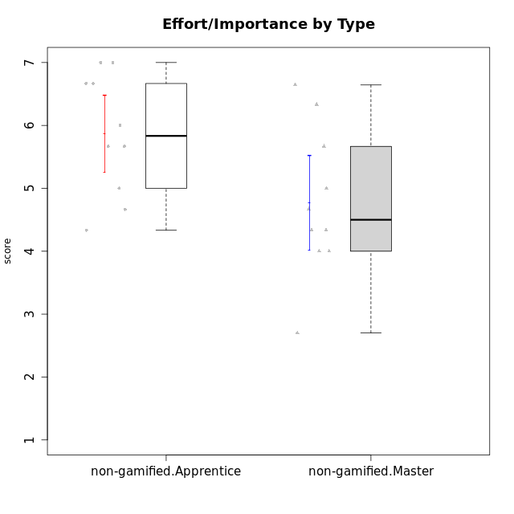

Student's t-Test data
UserID | NroUSP | Type | CLGroup | CLRole | PlayerRole | Interest/Enjoyment | Perceived Choice | Pressure/Tension | Effort/Importance | Intrinsic Motivation
10171 | 698531 | non-gamified | Grupo Team 6 | Apprentice |  | 5.6666666667 | 6 | 1.25 | 5.6666666667 | 6.0208333333
10179 | 10310759 | non-gamified | Grupo Team 9 | Master |  | 3.8333333333 | 3.2 | 2 | 6.6434666667 | 4.925
10185 | 10276960 | non-gamified | Grupo Team 12 | Apprentice |  | 4 | 4.4 | 2.25 | 5 | 4.7875
10187 | 9790781 | non-gamified | Grupo Team 15 | Apprentice |  | 6.7181 | 6 | 2.48695 | 6.6666666667 | 6.0416666667
10188 | 10276995 | non-gamified | Grupo Team 3 | Master |  | 3.8333333333 | 5 | 1.5 | 4.6666666667 | 5
10191 | 10276981 | non-gamified | Grupo Team 6 | Master |  | 5.6666666667 | 5.2 | 1.25 | 4.3333333333 | 5.4875
10192 | 10276682 | non-gamified | Grupo Team 5 | Apprentice |  | 6.1666666667 | 4.4 | 1 | 4.3333333333 | 5.475
10202 | 10277036 | non-gamified | Grupo Team 11 | Apprentice |  | 4 | 3.2 | 2.48695 | 7 | 4.175
10203 | 9921470 | non-gamified | Grupo Team 3 | Apprentice |  | 4 | 7 | 1.25 | 4.6666666667 | 5.6041666667
10208 | 10276932 | non-gamified | Grupo Team 7 | Apprentice |  | 6.3333333333 | 5.6 | 1.75 | 7 | 6.2958333333
10210 | 10277015 | non-gamified | Grupo Team 9 | Apprentice |  | 3.5 | 2.8 | 2.48695 | 6.6666666667 | 4.1791666667
10211 | 9311643 | non-gamified | Grupo Team 2 | Master |  | 6.1666666667 | 3 | 2 | 2.7014666667 | 4.4583333333
10214 | 10277022 | non-gamified | Grupo Team 5 | Master |  | 3 | 3.8 | 2 | 4 | 4.2
10216 | 10276720 | non-gamified | Grupo Team 15 | Master |  | 4.8333333333 | 6.4 | 1.25 | 6.3333333333 | 6.0791666667
10217 | 9805341 | non-gamified | Grupo Team 13 | Master |  | 3.8333333333 | 6.8 | 1 | 5.6666666667 | 5.825
10219 | 10276831 | non-gamified | Grupo Team 12 | Master |  | 3.6666666667 | 4.6 | 1 | 4 | 4.8166666667
10220 | 9760151 | non-gamified | Grupo Team 2 | Apprentice |  | 5.5 | 6.4 | 1 | 6 | 6.225
10230 | 10351992 | non-gamified | Grupo Team 14 | Master |  | 2.6666666667 | 5.4 | 2.48695 | 5 | 4.4541666667
10237 | 10377688 | non-gamified | Grupo Team 11 | Master |  | 4.8333333333 | 5.4 | 1 | 4.3333333333 | 5.3916666667
10238 | 10276953 | non-gamified | Grupo Team 13 | Apprentice |  | 3.8333333333 | 3 | 2.48695 | 5.6666666667 | 4.0625

Type_CLRole_2
Student's t-Test for Effort/Importance by Type in Type:CLRole between non-gamified.Apprentice:ont-gamified.Apprentice

Student's t-Test results
Alternative hypothesis: less
Group | N | Mean | Mean.Difference | Std.deviation | Std.error | CI.lower | CI.upper | df | t.value | p.value | g | magnitude
non-gamified.Apprentice | 10 | 5.8666666667 | -0.061904761905 | 0.97118992815 | 0.30711722136 | 5.252432224 | 6.4809011094 | 17.516296085 | -0.16348622821 | 0.4360035516 | -0.067174279437 | negligible
ont-gamified.Apprentice | 14 | 5.9285714286 | 0.061904761905 | 0.82874193016 | 0.22149059748 | 5.4855902336 | 6.3715526235 | 17.516296085 | -0.16348622821 | 0.4360035516 | -0.067174279437 | negligible
Alternative hypothesis: greater
Group | N | Mean | Mean.Difference | Std.deviation | Std.error | CI.lower | CI.upper | df | t.value | p.value | g | magnitude
non-gamified.Apprentice | 10 | 5.8666666667 | -0.061904761905 | 0.97118992815 | 0.30711722136 | 5.252432224 | 6.4809011094 | 17.516296085 | -0.16348622821 | 0.5639964484 | -0.067174279437 | negligible
ont-gamified.Apprentice | 14 | 5.9285714286 | 0.061904761905 | 0.82874193016 | 0.22149059748 | 5.4855902336 | 6.3715526235 | 17.516296085 | -0.16348622821 | 0.5639964484 | -0.067174279437 | negligible
Alternative hypothesis: two.sided
Group | N | Mean | Mean.Difference | Std.deviation | Std.error | CI.lower | CI.upper | df | t.value | p.value | g | magnitude
non-gamified.Apprentice | 10 | 5.8666666667 | -0.061904761905 | 0.97118992815 | 0.30711722136 | 5.252432224 | 6.4809011094 | 17.516296085 | -0.16348622821 | 0.8720071032 | -0.067174279437 | negligible
ont-gamified.Apprentice | 14 | 5.9285714286 | 0.061904761905 | 0.82874193016 | 0.22149059748 | 5.4855902336 | 6.3715526235 | 17.516296085 | -0.16348622821 | 0.8720071032 | -0.067174279437 | negligible

Box plots for Student's t-Test
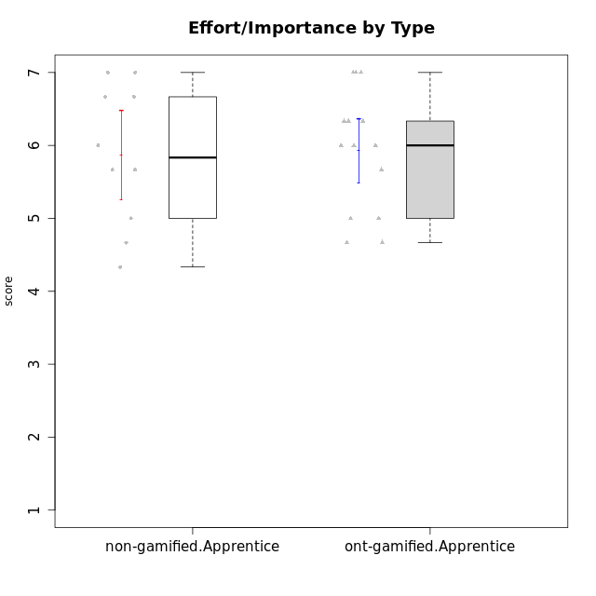

Student's t-Test data
UserID | NroUSP | Type | CLGroup | CLRole | PlayerRole | Interest/Enjoyment | Perceived Choice | Pressure/Tension | Effort/Importance | Intrinsic Motivation
10170 | 10260351 | ont-gamified | Grupo Afrodite | Apprentice | Yee Achiever | 5.1666666667 | 6.4 | 1 | 6 | 6.1416666667
10171 | 698531 | non-gamified | Grupo Team 6 | Apprentice |  | 5.6666666667 | 6 | 1.25 | 5.6666666667 | 6.0208333333
10176 | 10276949 | ont-gamified | Grupo Cronus | Apprentice | Yee Achiever | 4.1666666667 | 5.8 | 1.9913 | 4.6666666667 | 4.9708333333
10178 | 8656201 | ont-gamified | Grupo Morfeu | Apprentice | Yee Socializer | 5 | 5.8 | 1.9913 | 6 | 5.6375
10183 | 10352030 | ont-gamified | Grupo Hélio | Apprentice | Yee Socializer | 4 | 5.4 | 1.9913 | 5.6666666667 | 5.0791666667
10185 | 10276960 | non-gamified | Grupo Team 12 | Apprentice |  | 4 | 4.4 | 2.25 | 5 | 4.7875
10186 | 10310551 | ont-gamified | Grupo Ares | Apprentice | Yee Achiever | 4.6666666667 | 6.2 | 1.9913 | 7 | 5.7166666667
10187 | 9790781 | non-gamified | Grupo Team 15 | Apprentice |  | 6.7181 | 6 | 2.48695 | 6.6666666667 | 6.0416666667
10192 | 10276682 | non-gamified | Grupo Team 5 | Apprentice |  | 6.1666666667 | 4.4 | 1 | 4.3333333333 | 5.475
10195 | 10351971 | ont-gamified | Grupo Urano | Apprentice | Yee Achiever | 5.3333333333 | 4.6 | 1 | 6 | 5.7333333333
10196 | 10310655 | ont-gamified | Grupo Hefesto | Apprentice | Yee Achiever | 4 | 4.2 | 1 | 6.3333333333 | 5.3833333333
10197 | 10276661 | ont-gamified | Grupo Gaia | Apprentice | Yee Achiever | 4.8333333333 | 6.8 | 1 | 5 | 5.9083333333
10198 | 10310888 | ont-gamified | Grupo Apolo | Apprentice | Yee Socializer | 6.6434666667 | 7 | 1 | 7 | 6.8989766667
10200 | 9795272 | ont-gamified | Grupo Hades | Apprentice | Yee Socializer | 6.3333333333 | 5.4 | 1 | 5 | 5.9333333333
10202 | 10277036 | non-gamified | Grupo Team 11 | Apprentice |  | 4 | 3.2 | 2.48695 | 7 | 4.175
10203 | 9921470 | non-gamified | Grupo Team 3 | Apprentice |  | 4 | 7 | 1.25 | 4.6666666667 | 5.6041666667
10208 | 10276932 | non-gamified | Grupo Team 7 | Apprentice |  | 6.3333333333 | 5.6 | 1.75 | 7 | 6.2958333333
10209 | 10262669 | ont-gamified | Grupo Artemis | Apprentice | Yee Achiever | 3.1666666667 | 4.02088 | 1 | 7 | 4.6416666667
10210 | 10277015 | non-gamified | Grupo Team 9 | Apprentice |  | 3.5 | 2.8 | 2.48695 | 6.6666666667 | 4.1791666667
10220 | 9760151 | non-gamified | Grupo Team 2 | Apprentice |  | 5.5 | 6.4 | 1 | 6 | 6.225
10221 | 9082496 | ont-gamified | Grupo Hermes | Apprentice | Yee Achiever | 4.5 | 5.4 | 1 | 6.3333333333 | 5.8083333333
10231 | 10276911 | ont-gamified | Grupo Caronte | Apprentice | Yee Achiever | 6.6434666667 | 6.8 | 1 | 6.3333333333 | 6.7833333333
10238 | 10276953 | non-gamified | Grupo Team 13 | Apprentice |  | 3.8333333333 | 3 | 2.48695 | 5.6666666667 | 4.0625
10240 | 10276654 | ont-gamified | Grupo Hera | Apprentice | Yee Achiever | 3.5 | 4.02088 | 1 | 4.6666666667 | 4.4564566667

Type_CLRole_3
Student's t-Test for Effort/Importance by Type in Type:CLRole between non-gamified.Apprentice:ont-gamified.Master

Student's t-Test results
Alternative hypothesis: less
Group | N | Mean | Mean.Difference | Std.deviation | Std.error | CI.lower | CI.upper | df | t.value | p.value | g | magnitude
non-gamified.Apprentice | 10 | 5.8666666667 | 0.12691428571 | 0.97118992815 | 0.30711722136 | 5.252432224 | 6.4809011094 | 18.368645827 | 0.32740251809 | 0.62646732717 | 0.13301548839 | negligible
ont-gamified.Master | 14 | 5.739752381 | -0.12691428571 | 0.88499269606 | 0.23652424703 | 5.2667038869 | 6.212800875 | 18.368645827 | 0.32740251809 | 0.62646732717 | 0.13301548839 | negligible
Alternative hypothesis: greater
Group | N | Mean | Mean.Difference | Std.deviation | Std.error | CI.lower | CI.upper | df | t.value | p.value | g | magnitude
non-gamified.Apprentice | 10 | 5.8666666667 | 0.12691428571 | 0.97118992815 | 0.30711722136 | 5.252432224 | 6.4809011094 | 18.368645827 | 0.32740251809 | 0.37353267283 | 0.13301548839 | negligible
ont-gamified.Master | 14 | 5.739752381 | -0.12691428571 | 0.88499269606 | 0.23652424703 | 5.2667038869 | 6.212800875 | 18.368645827 | 0.32740251809 | 0.37353267283 | 0.13301548839 | negligible
Alternative hypothesis: two.sided
Group | N | Mean | Mean.Difference | Std.deviation | Std.error | CI.lower | CI.upper | df | t.value | p.value | g | magnitude
non-gamified.Apprentice | 10 | 5.8666666667 | 0.12691428571 | 0.97118992815 | 0.30711722136 | 5.252432224 | 6.4809011094 | 18.368645827 | 0.32740251809 | 0.74706534567 | 0.13301548839 | negligible
ont-gamified.Master | 14 | 5.739752381 | -0.12691428571 | 0.88499269606 | 0.23652424703 | 5.2667038869 | 6.212800875 | 18.368645827 | 0.32740251809 | 0.74706534567 | 0.13301548839 | negligible

Box plots for Student's t-Test
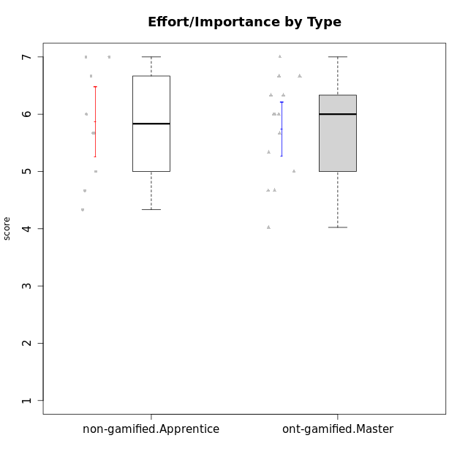

Student's t-Test data
UserID | NroUSP | Type | CLGroup | CLRole | PlayerRole | Interest/Enjoyment | Perceived Choice | Pressure/Tension | Effort/Importance | Intrinsic Motivation
10169 | 10377538 | ont-gamified | Grupo Hefesto | Master | Yee Achiever | 5.6666666667 | 4.8 | 1.9913 | 6 | 5.6166666667
10171 | 698531 | non-gamified | Grupo Team 6 | Apprentice |  | 5.6666666667 | 6 | 1.25 | 5.6666666667 | 6.0208333333
10174 | 10276852 | ont-gamified | Grupo Urano | Master | Yee Achiever | 4.8333333333 | 4.4 | 1.25 | 6.6666666667 | 5.6625
10175 | 10310700 | ont-gamified | Grupo Hélio | Master | Yee Socializer | 5.6666666667 | 7 | 1 | 5 | 6.1666666667
10184 | 10276675 | ont-gamified | Grupo Apolo | Master | Yee Socializer | 4.5 | 5.6 | 1.9913 | 6.6666666667 | 5.6291666667
10185 | 10276960 | non-gamified | Grupo Team 12 | Apprentice |  | 4 | 4.4 | 2.25 | 5 | 4.7875
10187 | 9790781 | non-gamified | Grupo Team 15 | Apprentice |  | 6.7181 | 6 | 2.48695 | 6.6666666667 | 6.0416666667
10189 | 9363926 | ont-gamified | Grupo Hades | Master | Yee Socializer | 4 | 5.2 | 1.9913 | 6.3333333333 | 5.0083333333
10192 | 10276682 | non-gamified | Grupo Team 5 | Apprentice |  | 6.1666666667 | 4.4 | 1 | 4.3333333333 | 5.475
10193 | 10276762 | ont-gamified | Grupo Afrodite | Master | Yee Achiever | 4.8333333333 | 4.4 | 1.25 | 4.6666666667 | 5.1625
10199 | 10276737 | ont-gamified | Grupo Gaia | Master | Yee Achiever | 4 | 7 | 1.9913 | 4.6666666667 | 5.2291666667
10201 | 10276928 | ont-gamified | Grupo Caronte | Master | Yee Achiever | 6.3333333333 | 5.8 | 1.9913 | 7 | 6.2833333333
10202 | 10277036 | non-gamified | Grupo Team 11 | Apprentice |  | 4 | 3.2 | 2.48695 | 7 | 4.175
10203 | 9921470 | non-gamified | Grupo Team 3 | Apprentice |  | 4 | 7 | 1.25 | 4.6666666667 | 5.6041666667
10204 | 10310471 | ont-gamified | Grupo Hermes | Master | Yee Achiever | 6.8333333333 | 6.2 | 1 | 6 | 6.5083333333
10206 | 10310721 | ont-gamified | Grupo Hera | Master | Yee Achiever | 4.5 | 6.6 | 1.9913 | 5.6666666667 | 5.3166666667
10208 | 10276932 | non-gamified | Grupo Team 7 | Apprentice |  | 6.3333333333 | 5.6 | 1.75 | 7 | 6.2958333333
10210 | 10277015 | non-gamified | Grupo Team 9 | Apprentice |  | 3.5 | 2.8 | 2.48695 | 6.6666666667 | 4.1791666667
10213 | 10277040 | ont-gamified | Grupo Morfeu | Master | Yee Socializer | 5.5 | 4.6 | 1 | 4.0232 | 5.1083333333
10218 | 9842913 | ont-gamified | Grupo Ares | Master | Yee Achiever | 3.3333333333 | 5.4 | 1.9913 | 6.3333333333 | 4.8916666667
10220 | 9760151 | non-gamified | Grupo Team 2 | Apprentice |  | 5.5 | 6.4 | 1 | 6 | 6.225
10223 | 9795185 | ont-gamified | Grupo Cronus | Master | Yee Achiever | 6.3333333333 | 6.4 | 1.25 | 5.3333333333 | 6.2041666667
10232 | 10276974 | ont-gamified | Grupo Artemis | Master | Yee Achiever | 5.5 | 5.2 | 1.9913 | 6 | 5.425
10238 | 10276953 | non-gamified | Grupo Team 13 | Apprentice |  | 3.8333333333 | 3 | 2.48695 | 5.6666666667 | 4.0625

Type_CLRole_4
Student's t-Test for Effort/Importance by Type in Type:CLRole between non-gamified.Master:ont-gamified.Apprentice

Student's t-Test results
Alternative hypothesis: less
Group | N | Mean | Mean.Difference | Std.deviation | Std.error | CI.lower | CI.upper | df | t.value | p.value | g | magnitude
non-gamified.Master | 10 | 4.7678266667 | -1.1607447619 | 1.18637711 | 0.37516538315 | 4.0174959004 | 5.518157433 | 15.097487548 | -2.6642835847 | 0.0088025959509 | -1.131153582 | large
ont-gamified.Apprentice | 14 | 5.9285714286 | 1.1607447619 | 0.82874193016 | 0.22149059748 | 5.4855902336 | 6.3715526235 | 15.097487548 | -2.6642835847 | 0.0088025959509 | -1.131153582 | large
Alternative hypothesis: greater
Group | N | Mean | Mean.Difference | Std.deviation | Std.error | CI.lower | CI.upper | df | t.value | p.value | g | magnitude
non-gamified.Master | 10 | 4.7678266667 | -1.1607447619 | 1.18637711 | 0.37516538315 | 4.0174959004 | 5.518157433 | 15.097487548 | -2.6642835847 | 0.99119740405 | -1.131153582 | large
ont-gamified.Apprentice | 14 | 5.9285714286 | 1.1607447619 | 0.82874193016 | 0.22149059748 | 5.4855902336 | 6.3715526235 | 15.097487548 | -2.6642835847 | 0.99119740405 | -1.131153582 | large
Alternative hypothesis: two.sided
Group | N | Mean | Mean.Difference | Std.deviation | Std.error | CI.lower | CI.upper | df | t.value | p.value | g | magnitude
non-gamified.Master | 10 | 4.7678266667 | -1.1607447619 | 1.18637711 | 0.37516538315 | 4.0174959004 | 5.518157433 | 15.097487548 | -2.6642835847 | 0.017605191902 | -1.131153582 | large
ont-gamified.Apprentice | 14 | 5.9285714286 | 1.1607447619 | 0.82874193016 | 0.22149059748 | 5.4855902336 | 6.3715526235 | 15.097487548 | -2.6642835847 | 0.017605191902 | -1.131153582 | large

Box plots for Student's t-Test
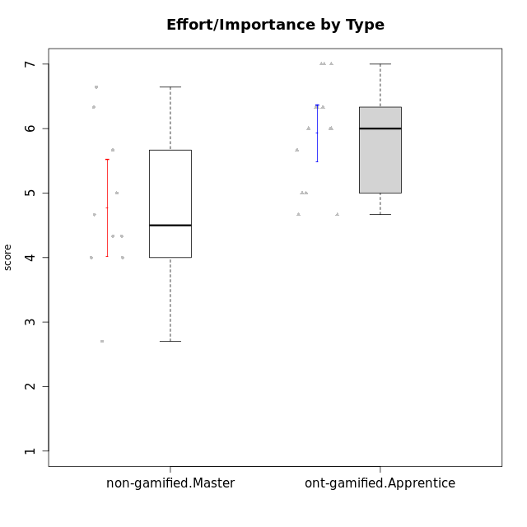

Student's t-Test data
UserID | NroUSP | Type | CLGroup | CLRole | PlayerRole | Interest/Enjoyment | Perceived Choice | Pressure/Tension | Effort/Importance | Intrinsic Motivation
10170 | 10260351 | ont-gamified | Grupo Afrodite | Apprentice | Yee Achiever | 5.1666666667 | 6.4 | 1 | 6 | 6.1416666667
10176 | 10276949 | ont-gamified | Grupo Cronus | Apprentice | Yee Achiever | 4.1666666667 | 5.8 | 1.9913 | 4.6666666667 | 4.9708333333
10178 | 8656201 | ont-gamified | Grupo Morfeu | Apprentice | Yee Socializer | 5 | 5.8 | 1.9913 | 6 | 5.6375
10179 | 10310759 | non-gamified | Grupo Team 9 | Master |  | 3.8333333333 | 3.2 | 2 | 6.6434666667 | 4.925
10183 | 10352030 | ont-gamified | Grupo Hélio | Apprentice | Yee Socializer | 4 | 5.4 | 1.9913 | 5.6666666667 | 5.0791666667
10186 | 10310551 | ont-gamified | Grupo Ares | Apprentice | Yee Achiever | 4.6666666667 | 6.2 | 1.9913 | 7 | 5.7166666667
10188 | 10276995 | non-gamified | Grupo Team 3 | Master |  | 3.8333333333 | 5 | 1.5 | 4.6666666667 | 5
10191 | 10276981 | non-gamified | Grupo Team 6 | Master |  | 5.6666666667 | 5.2 | 1.25 | 4.3333333333 | 5.4875
10195 | 10351971 | ont-gamified | Grupo Urano | Apprentice | Yee Achiever | 5.3333333333 | 4.6 | 1 | 6 | 5.7333333333
10196 | 10310655 | ont-gamified | Grupo Hefesto | Apprentice | Yee Achiever | 4 | 4.2 | 1 | 6.3333333333 | 5.3833333333
10197 | 10276661 | ont-gamified | Grupo Gaia | Apprentice | Yee Achiever | 4.8333333333 | 6.8 | 1 | 5 | 5.9083333333
10198 | 10310888 | ont-gamified | Grupo Apolo | Apprentice | Yee Socializer | 6.6434666667 | 7 | 1 | 7 | 6.8989766667
10200 | 9795272 | ont-gamified | Grupo Hades | Apprentice | Yee Socializer | 6.3333333333 | 5.4 | 1 | 5 | 5.9333333333
10209 | 10262669 | ont-gamified | Grupo Artemis | Apprentice | Yee Achiever | 3.1666666667 | 4.02088 | 1 | 7 | 4.6416666667
10211 | 9311643 | non-gamified | Grupo Team 2 | Master |  | 6.1666666667 | 3 | 2 | 2.7014666667 | 4.4583333333
10214 | 10277022 | non-gamified | Grupo Team 5 | Master |  | 3 | 3.8 | 2 | 4 | 4.2
10216 | 10276720 | non-gamified | Grupo Team 15 | Master |  | 4.8333333333 | 6.4 | 1.25 | 6.3333333333 | 6.0791666667
10217 | 9805341 | non-gamified | Grupo Team 13 | Master |  | 3.8333333333 | 6.8 | 1 | 5.6666666667 | 5.825
10219 | 10276831 | non-gamified | Grupo Team 12 | Master |  | 3.6666666667 | 4.6 | 1 | 4 | 4.8166666667
10221 | 9082496 | ont-gamified | Grupo Hermes | Apprentice | Yee Achiever | 4.5 | 5.4 | 1 | 6.3333333333 | 5.8083333333
10230 | 10351992 | non-gamified | Grupo Team 14 | Master |  | 2.6666666667 | 5.4 | 2.48695 | 5 | 4.4541666667
10231 | 10276911 | ont-gamified | Grupo Caronte | Apprentice | Yee Achiever | 6.6434666667 | 6.8 | 1 | 6.3333333333 | 6.7833333333
10237 | 10377688 | non-gamified | Grupo Team 11 | Master |  | 4.8333333333 | 5.4 | 1 | 4.3333333333 | 5.3916666667
10240 | 10276654 | ont-gamified | Grupo Hera | Apprentice | Yee Achiever | 3.5 | 4.02088 | 1 | 4.6666666667 | 4.4564566667

Type_CLRole_5
Student's t-Test for Effort/Importance by Type in Type:CLRole between non-gamified.Master:ont-gamified.Master

Student's t-Test results
Alternative hypothesis: less
Group | N | Mean | Mean.Difference | Std.deviation | Std.error | CI.lower | CI.upper | df | t.value | p.value | g | magnitude
non-gamified.Master | 10 | 4.7678266667 | -0.97192571429 | 1.18637711 | 0.37516538315 | 4.0174959004 | 5.518157433 | 15.843483345 | -2.1914867973 | 0.0218576131 | -0.92080825826 | large
ont-gamified.Master | 14 | 5.739752381 | 0.97192571429 | 0.88499269606 | 0.23652424703 | 5.2667038869 | 6.212800875 | 15.843483345 | -2.1914867973 | 0.0218576131 | -0.92080825826 | large
Alternative hypothesis: greater
Group | N | Mean | Mean.Difference | Std.deviation | Std.error | CI.lower | CI.upper | df | t.value | p.value | g | magnitude
non-gamified.Master | 10 | 4.7678266667 | -0.97192571429 | 1.18637711 | 0.37516538315 | 4.0174959004 | 5.518157433 | 15.843483345 | -2.1914867973 | 0.9781423869 | -0.92080825826 | large
ont-gamified.Master | 14 | 5.739752381 | 0.97192571429 | 0.88499269606 | 0.23652424703 | 5.2667038869 | 6.212800875 | 15.843483345 | -2.1914867973 | 0.9781423869 | -0.92080825826 | large
Alternative hypothesis: two.sided
Group | N | Mean | Mean.Difference | Std.deviation | Std.error | CI.lower | CI.upper | df | t.value | p.value | g | magnitude
non-gamified.Master | 10 | 4.7678266667 | -0.97192571429 | 1.18637711 | 0.37516538315 | 4.0174959004 | 5.518157433 | 15.843483345 | -2.1914867973 | 0.0437152262 | -0.92080825826 | large
ont-gamified.Master | 14 | 5.739752381 | 0.97192571429 | 0.88499269606 | 0.23652424703 | 5.2667038869 | 6.212800875 | 15.843483345 | -2.1914867973 | 0.0437152262 | -0.92080825826 | large

Box plots for Student's t-Test
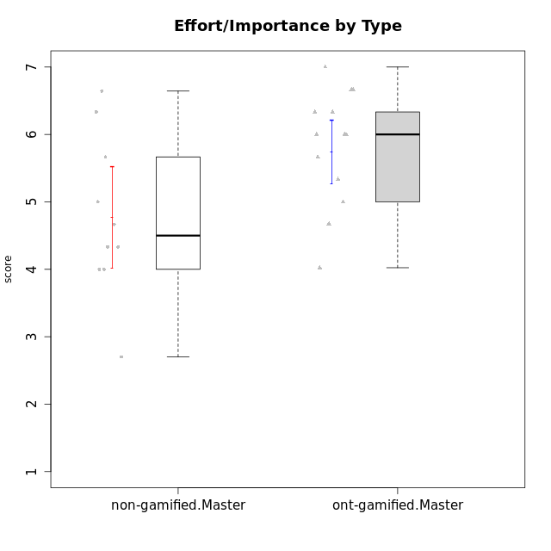

Student's t-Test data
UserID | NroUSP | Type | CLGroup | CLRole | PlayerRole | Interest/Enjoyment | Perceived Choice | Pressure/Tension | Effort/Importance | Intrinsic Motivation
10169 | 10377538 | ont-gamified | Grupo Hefesto | Master | Yee Achiever | 5.6666666667 | 4.8 | 1.9913 | 6 | 5.6166666667
10174 | 10276852 | ont-gamified | Grupo Urano | Master | Yee Achiever | 4.8333333333 | 4.4 | 1.25 | 6.6666666667 | 5.6625
10175 | 10310700 | ont-gamified | Grupo Hélio | Master | Yee Socializer | 5.6666666667 | 7 | 1 | 5 | 6.1666666667
10179 | 10310759 | non-gamified | Grupo Team 9 | Master |  | 3.8333333333 | 3.2 | 2 | 6.6434666667 | 4.925
10184 | 10276675 | ont-gamified | Grupo Apolo | Master | Yee Socializer | 4.5 | 5.6 | 1.9913 | 6.6666666667 | 5.6291666667
10188 | 10276995 | non-gamified | Grupo Team 3 | Master |  | 3.8333333333 | 5 | 1.5 | 4.6666666667 | 5
10189 | 9363926 | ont-gamified | Grupo Hades | Master | Yee Socializer | 4 | 5.2 | 1.9913 | 6.3333333333 | 5.0083333333
10191 | 10276981 | non-gamified | Grupo Team 6 | Master |  | 5.6666666667 | 5.2 | 1.25 | 4.3333333333 | 5.4875
10193 | 10276762 | ont-gamified | Grupo Afrodite | Master | Yee Achiever | 4.8333333333 | 4.4 | 1.25 | 4.6666666667 | 5.1625
10199 | 10276737 | ont-gamified | Grupo Gaia | Master | Yee Achiever | 4 | 7 | 1.9913 | 4.6666666667 | 5.2291666667
10201 | 10276928 | ont-gamified | Grupo Caronte | Master | Yee Achiever | 6.3333333333 | 5.8 | 1.9913 | 7 | 6.2833333333
10204 | 10310471 | ont-gamified | Grupo Hermes | Master | Yee Achiever | 6.8333333333 | 6.2 | 1 | 6 | 6.5083333333
10206 | 10310721 | ont-gamified | Grupo Hera | Master | Yee Achiever | 4.5 | 6.6 | 1.9913 | 5.6666666667 | 5.3166666667
10211 | 9311643 | non-gamified | Grupo Team 2 | Master |  | 6.1666666667 | 3 | 2 | 2.7014666667 | 4.4583333333
10213 | 10277040 | ont-gamified | Grupo Morfeu | Master | Yee Socializer | 5.5 | 4.6 | 1 | 4.0232 | 5.1083333333
10214 | 10277022 | non-gamified | Grupo Team 5 | Master |  | 3 | 3.8 | 2 | 4 | 4.2
10216 | 10276720 | non-gamified | Grupo Team 15 | Master |  | 4.8333333333 | 6.4 | 1.25 | 6.3333333333 | 6.0791666667
10217 | 9805341 | non-gamified | Grupo Team 13 | Master |  | 3.8333333333 | 6.8 | 1 | 5.6666666667 | 5.825
10218 | 9842913 | ont-gamified | Grupo Ares | Master | Yee Achiever | 3.3333333333 | 5.4 | 1.9913 | 6.3333333333 | 4.8916666667
10219 | 10276831 | non-gamified | Grupo Team 12 | Master |  | 3.6666666667 | 4.6 | 1 | 4 | 4.8166666667
10223 | 9795185 | ont-gamified | Grupo Cronus | Master | Yee Achiever | 6.3333333333 | 6.4 | 1.25 | 5.3333333333 | 6.2041666667
10230 | 10351992 | non-gamified | Grupo Team 14 | Master |  | 2.6666666667 | 5.4 | 2.48695 | 5 | 4.4541666667
10232 | 10276974 | ont-gamified | Grupo Artemis | Master | Yee Achiever | 5.5 | 5.2 | 1.9913 | 6 | 5.425
10237 | 10377688 | non-gamified | Grupo Team 11 | Master |  | 4.8333333333 | 5.4 | 1 | 4.3333333333 | 5.3916666667

Type_CLRole_6
Student's t-Test for Effort/Importance by Type in Type:CLRole between ont-gamified.Apprentice:ont-gamified.Master

Student's t-Test results
Alternative hypothesis: less
Group | N | Mean | Mean.Difference | Std.deviation | Std.error | CI.lower | CI.upper | df | t.value | p.value | g | magnitude
ont-gamified.Apprentice | 14 | 5.9285714286 | 0.18881904762 | 0.82874193016 | 0.22149059748 | 5.4855902336 | 6.3715526235 | 25.888672052 | 0.58270322543 | 0.71743276325 | 0.21382632769 | small
ont-gamified.Master | 14 | 5.739752381 | -0.18881904762 | 0.88499269606 | 0.23652424703 | 5.2667038869 | 6.212800875 | 25.888672052 | 0.58270322543 | 0.71743276325 | 0.21382632769 | small
Alternative hypothesis: greater
Group | N | Mean | Mean.Difference | Std.deviation | Std.error | CI.lower | CI.upper | df | t.value | p.value | g | magnitude
ont-gamified.Apprentice | 14 | 5.9285714286 | 0.18881904762 | 0.82874193016 | 0.22149059748 | 5.4855902336 | 6.3715526235 | 25.888672052 | 0.58270322543 | 0.28256723675 | 0.21382632769 | small
ont-gamified.Master | 14 | 5.739752381 | -0.18881904762 | 0.88499269606 | 0.23652424703 | 5.2667038869 | 6.212800875 | 25.888672052 | 0.58270322543 | 0.28256723675 | 0.21382632769 | small
Alternative hypothesis: two.sided
Group | N | Mean | Mean.Difference | Std.deviation | Std.error | CI.lower | CI.upper | df | t.value | p.value | g | magnitude
ont-gamified.Apprentice | 14 | 5.9285714286 | 0.18881904762 | 0.82874193016 | 0.22149059748 | 5.4855902336 | 6.3715526235 | 25.888672052 | 0.58270322543 | 0.5651344735 | 0.21382632769 | small
ont-gamified.Master | 14 | 5.739752381 | -0.18881904762 | 0.88499269606 | 0.23652424703 | 5.2667038869 | 6.212800875 | 25.888672052 | 0.58270322543 | 0.5651344735 | 0.21382632769 | small

Box plots for Student's t-Test
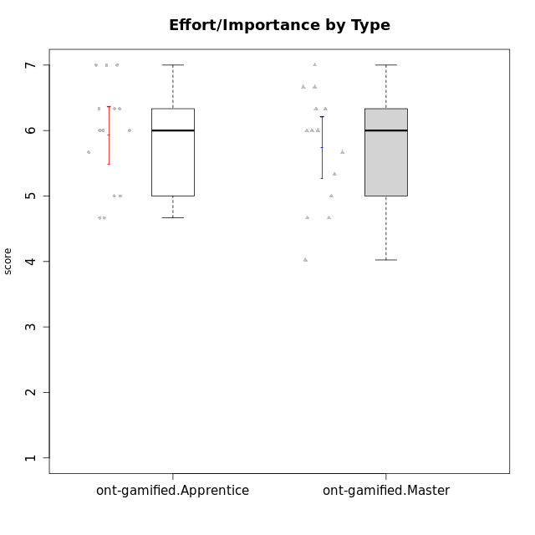

Student's t-Test data
UserID | NroUSP | Type | CLGroup | CLRole | PlayerRole | Interest/Enjoyment | Perceived Choice | Pressure/Tension | Effort/Importance | Intrinsic Motivation
10169 | 10377538 | ont-gamified | Grupo Hefesto | Master | Yee Achiever | 5.6666666667 | 4.8 | 1.9913 | 6 | 5.6166666667
10170 | 10260351 | ont-gamified | Grupo Afrodite | Apprentice | Yee Achiever | 5.1666666667 | 6.4 | 1 | 6 | 6.1416666667
10174 | 10276852 | ont-gamified | Grupo Urano | Master | Yee Achiever | 4.8333333333 | 4.4 | 1.25 | 6.6666666667 | 5.6625
10175 | 10310700 | ont-gamified | Grupo Hélio | Master | Yee Socializer | 5.6666666667 | 7 | 1 | 5 | 6.1666666667
10176 | 10276949 | ont-gamified | Grupo Cronus | Apprentice | Yee Achiever | 4.1666666667 | 5.8 | 1.9913 | 4.6666666667 | 4.9708333333
10178 | 8656201 | ont-gamified | Grupo Morfeu | Apprentice | Yee Socializer | 5 | 5.8 | 1.9913 | 6 | 5.6375
10183 | 10352030 | ont-gamified | Grupo Hélio | Apprentice | Yee Socializer | 4 | 5.4 | 1.9913 | 5.6666666667 | 5.0791666667
10184 | 10276675 | ont-gamified | Grupo Apolo | Master | Yee Socializer | 4.5 | 5.6 | 1.9913 | 6.6666666667 | 5.6291666667
10186 | 10310551 | ont-gamified | Grupo Ares | Apprentice | Yee Achiever | 4.6666666667 | 6.2 | 1.9913 | 7 | 5.7166666667
10189 | 9363926 | ont-gamified | Grupo Hades | Master | Yee Socializer | 4 | 5.2 | 1.9913 | 6.3333333333 | 5.0083333333
10193 | 10276762 | ont-gamified | Grupo Afrodite | Master | Yee Achiever | 4.8333333333 | 4.4 | 1.25 | 4.6666666667 | 5.1625
10195 | 10351971 | ont-gamified | Grupo Urano | Apprentice | Yee Achiever | 5.3333333333 | 4.6 | 1 | 6 | 5.7333333333
10196 | 10310655 | ont-gamified | Grupo Hefesto | Apprentice | Yee Achiever | 4 | 4.2 | 1 | 6.3333333333 | 5.3833333333
10197 | 10276661 | ont-gamified | Grupo Gaia | Apprentice | Yee Achiever | 4.8333333333 | 6.8 | 1 | 5 | 5.9083333333
10198 | 10310888 | ont-gamified | Grupo Apolo | Apprentice | Yee Socializer | 6.6434666667 | 7 | 1 | 7 | 6.8989766667
10199 | 10276737 | ont-gamified | Grupo Gaia | Master | Yee Achiever | 4 | 7 | 1.9913 | 4.6666666667 | 5.2291666667
10200 | 9795272 | ont-gamified | Grupo Hades | Apprentice | Yee Socializer | 6.3333333333 | 5.4 | 1 | 5 | 5.9333333333
10201 | 10276928 | ont-gamified | Grupo Caronte | Master | Yee Achiever | 6.3333333333 | 5.8 | 1.9913 | 7 | 6.2833333333
10204 | 10310471 | ont-gamified | Grupo Hermes | Master | Yee Achiever | 6.8333333333 | 6.2 | 1 | 6 | 6.5083333333
10206 | 10310721 | ont-gamified | Grupo Hera | Master | Yee Achiever | 4.5 | 6.6 | 1.9913 | 5.6666666667 | 5.3166666667
10209 | 10262669 | ont-gamified | Grupo Artemis | Apprentice | Yee Achiever | 3.1666666667 | 4.02088 | 1 | 7 | 4.6416666667
10213 | 10277040 | ont-gamified | Grupo Morfeu | Master | Yee Socializer | 5.5 | 4.6 | 1 | 4.0232 | 5.1083333333
10218 | 9842913 | ont-gamified | Grupo Ares | Master | Yee Achiever | 3.3333333333 | 5.4 | 1.9913 | 6.3333333333 | 4.8916666667
10221 | 9082496 | ont-gamified | Grupo Hermes | Apprentice | Yee Achiever | 4.5 | 5.4 | 1 | 6.3333333333 | 5.8083333333
10223 | 9795185 | ont-gamified | Grupo Cronus | Master | Yee Achiever | 6.3333333333 | 6.4 | 1.25 | 5.3333333333 | 6.2041666667
10231 | 10276911 | ont-gamified | Grupo Caronte | Apprentice | Yee Achiever | 6.6434666667 | 6.8 | 1 | 6.3333333333 | 6.7833333333
10232 | 10276974 | ont-gamified | Grupo Artemis | Master | Yee Achiever | 5.5 | 5.2 | 1.9913 | 6 | 5.425
10240 | 10276654 | ont-gamified | Grupo Hera | Apprentice | Yee Achiever | 3.5 | 4.02088 | 1 | 4.6666666667 | 4.4564566667

