Assumptions
ANOVA assumptions for Interest/Enjoyment by Type

Shapiro-Wilk normality test for Interest/Enjoyment by Type
W | p.value
0.95278430356 | 0.051662570873

Plots for normality test
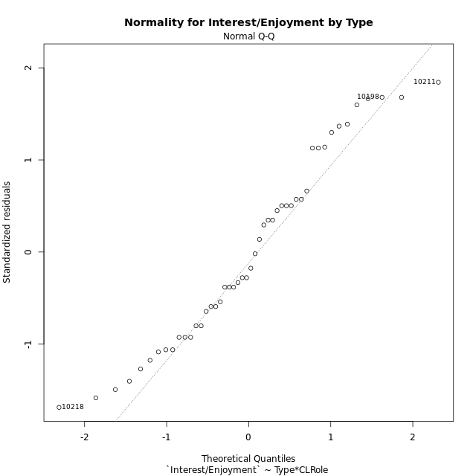

Levene's Test for Homogeneity of Variance in Interest/Enjoyment by Type
Df | F value | Pr(>F)
3 | 0.47213492067 | 0.70325404207
44

Plots for homogeneity of variance
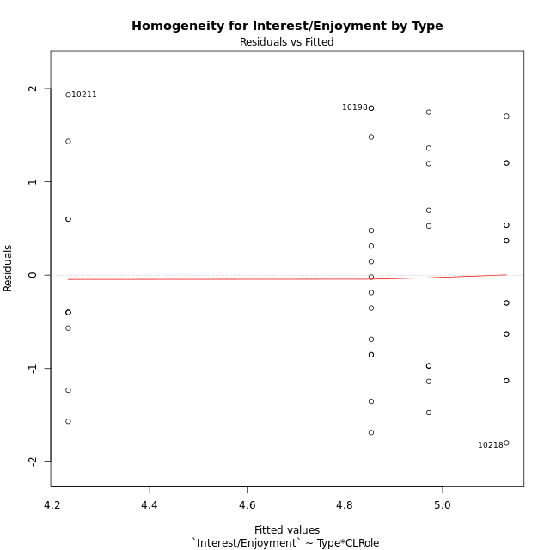

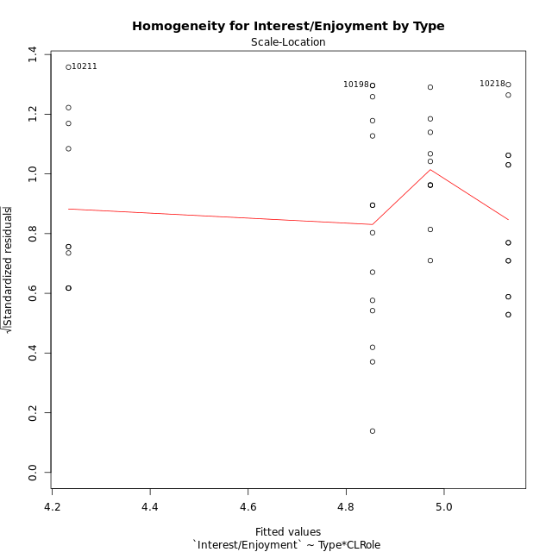

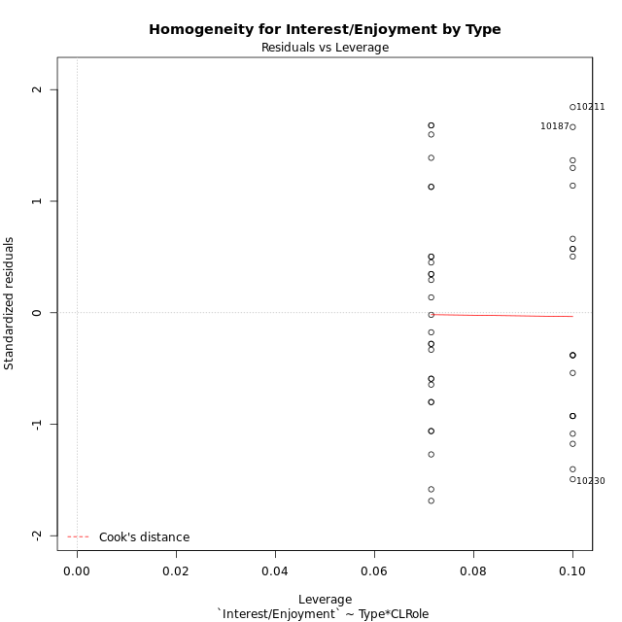

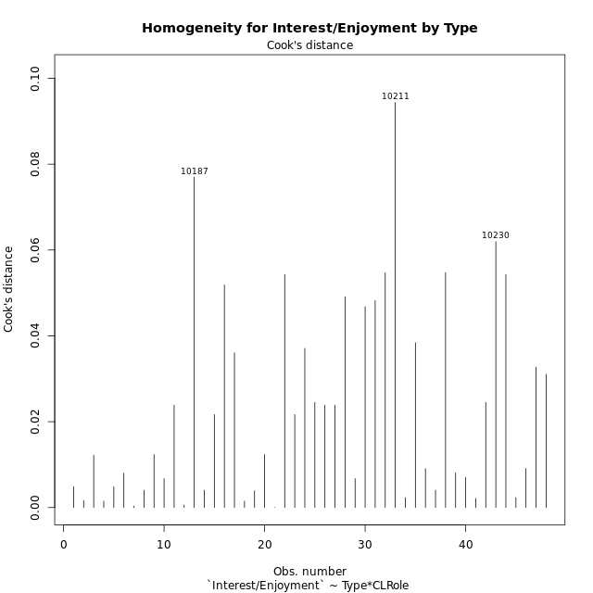

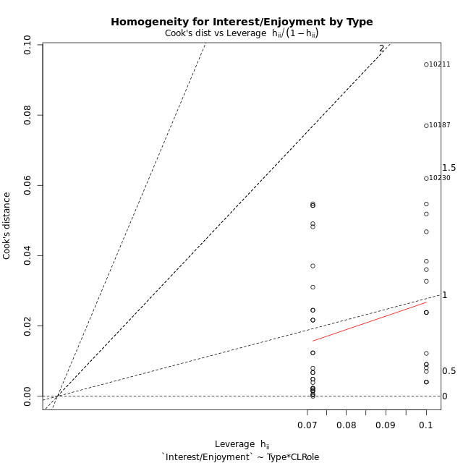

Minimum Sample Size Test for Interest/Enjoyment by Type
Type | CLRole | Freq
non-gamified | Apprentice | 10
ont-gamified | Apprentice | 14
non-gamified | Master | 10
ont-gamified | Master | 14

Errors and Warnings in Sample Size Test for ANOVA in Interest/Enjoyment by Type
code | description
WARN: sample.size | current size is 10 and recommended size is 15 for the group: 'non-gamified:Apprentice'.
WARN: sample.size | current size is 14 and recommended size is 15 for the group: 'ont-gamified:Apprentice'.
WARN: sample.size | current size is 10 and recommended size is 15 for the group: 'non-gamified:Master'.
WARN: sample.size | current size is 14 and recommended size is 15 for the group: 'ont-gamified:Master'.

For the group: 'non-gamified:Apprentice', we recommend the use of non-parametric test. For the group: 'ont-gamified:Apprentice', we recommend the use of non-parametric test. For the group: 'non-gamified:Master', we recommend the use of non-parametric test. For the group: 'ont-gamified:Master', we recommend the use of non-parametric test.

If you don't want to remove non-normal data, you must cite the following references: ... (1) Lix, L.M., J.C. Keselman, and H.J. Keselman. 1996. Consequences of assumption violations revisited: A quantitative review of alternatives to the one-way analysis of variance F test. Rev. Educ. Res. 66: 579-619. ... (2) Harwell, M.R., E.N. Rubinstein, W.S. Hayes, and C.C. Olds. 1992. Summarizing Monte Carlo results in methodological research: the one- and two-factor fixed effects ANOVA cases. J. Educ. Stat. 17: 315-339.

Post-hoc
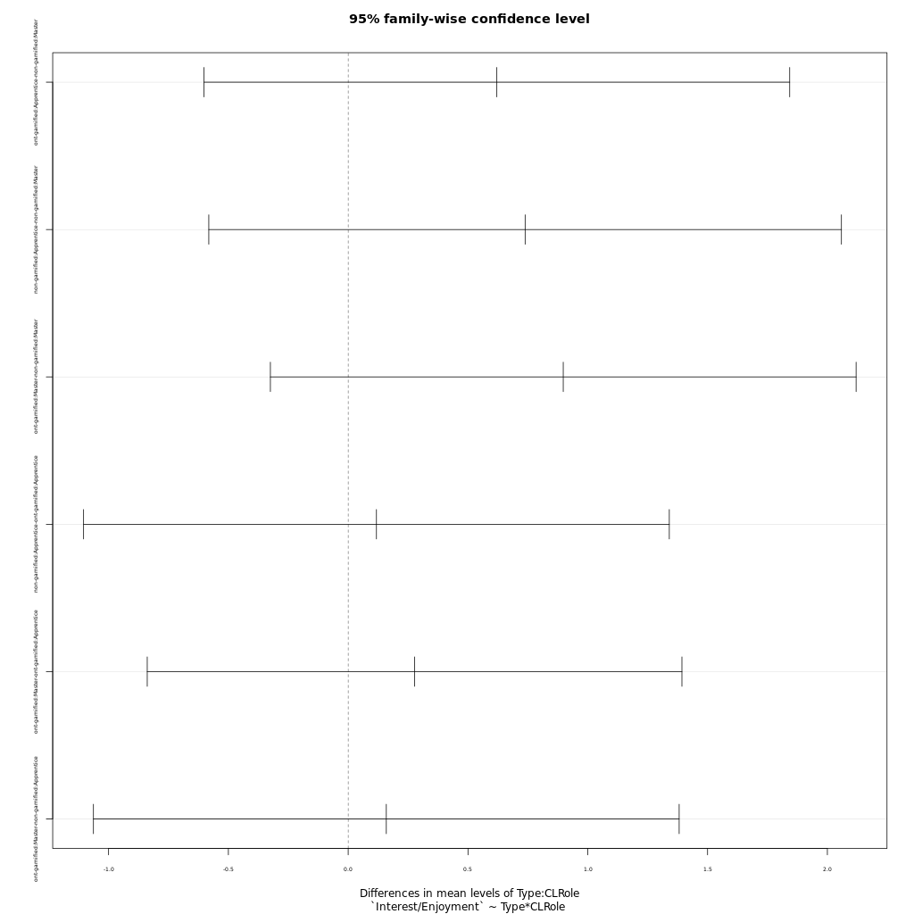
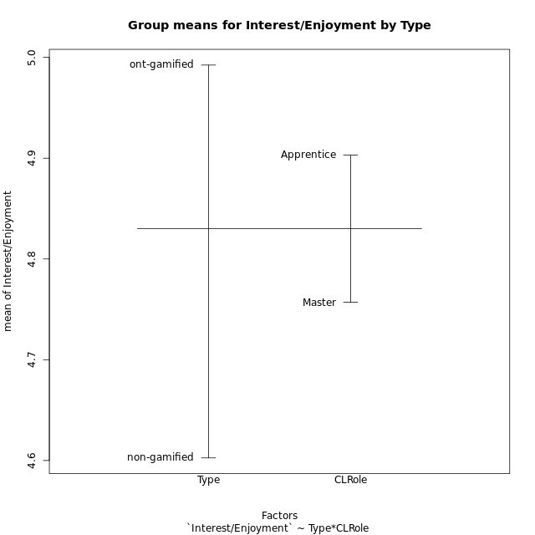
Post-hoc Tukey Honestly Significant Difference (HSD) Test for Interest/Enjoyment by Type

Comparisons of means for Type
 | diff | lwr | upr | p adj
ont-gamified-non-gamified | 0.38981880952 | -0.2625682927 | 1.0422059117 | 0.23493648187

Comparisons of means for CLRole
 | diff | lwr | upr | p adj
Apprentice-Master | 0.14604305556 | -0.49721930215 | 0.78930541326 | 0.64952081713

Comparisons of means for Type:CLRole
 | diff | lwr | upr | p adj
ont-gamified:Apprentice-non-gamified:Master | 0.6204952381 | -0.60180607865 | 1.8427965548 | 0.53347192286
non-gamified:Apprentice-non-gamified:Master | 0.73847666667 | -0.58175964819 | 2.0587129815 | 0.44999886028
ont-gamified:Master-non-gamified:Master | 0.89761904762 | -0.32468226912 | 2.1199203644 | 0.21839936967
non-gamified:Apprentice-ont-gamified:Apprentice | 0.11798142857 | -1.1043198882 | 1.3402827453 | 0.99391127201
ont-gamified:Master-ont-gamified:Apprentice | 0.27712380952 | -0.83867952922 | 1.3929271483 | 0.91032612938
ont-gamified:Master-non-gamified:Apprentice | 0.15914238095 | -1.0631589358 | 1.3814436977 | 0.98537591252

Contrast Matrices for Interest/Enjoyment by Type - Type
contrast | estimate | SE | df | t.ratio | p.value
non-gamified - ont-gamified | -0.38981880952 | 0.32370626107 | 44 | -1.2042362364 | 0.23493648187

Contrast Matrices for Interest/Enjoyment by Type - Type:CLRole
contrast | CLRole | estimate | SE | df | t.ratio | p.value
non-gamified - ont-gamified | Apprentice | 0.11798142857 | 0.45778978463 | 44 | 0.25771966202 | 0.79782483906
non-gamified - ont-gamified | Master | -0.89761904762 | 0.45778978463 | 44 | -1.9607668798 | 0.056255562996

Least Squares Means and Confidence Intervals for Type
Type | lsmean | SE | df | lower.CL | upper.CL | Pairs
non-gamified | 4.6025716667 | 0.24723474072 | 44 | 4.104302787 | 5.1008405464 | non-gamified
ont-gamified | 4.9923904762 | 0.20895149303 | 44 | 4.5712764125 | 5.4135045399 | ont-gamified

Least Squares Means and Confidence Intervals for Type:CLRole
Type | CLRole | lsmean | SE | df | lower.CL | upper.CL | Pairs
non-gamified | Apprentice | 4.97181 | 0.34964272341 | 44 | 4.2671513926 | 5.6764686074 | non-gamified.Apprentice
ont-gamified | Apprentice | 4.8538285714 | 0.29550203532 | 44 | 4.2582833513 | 5.4493737916 | ont-gamified.Apprentice
non-gamified | Master | 4.2333333333 | 0.34964272341 | 44 | 3.5286747259 | 4.9379919407 | non-gamified.Master
ont-gamified | Master | 5.130952381 | 0.29550203532 | 44 | 4.5354071608 | 5.7264976011 | ont-gamified.Master

Plots

Type_1
Student's t-Test for Interest/Enjoyment by Type in Type between non-gamified:ont-gamified

Student's t-Test results
Alternative hypothesis: less
Group | N | Mean | Mean.Difference | Std.deviation | Std.error | CI.lower | CI.upper | df | t.value | p.value | g | magnitude
non-gamified | 20 | 4.6025716667 | -0.38981880952 | 1.2009643739 | 0.26854379785 | 4.065484071 | 5.1396592624 | 37.484118722 | -1.168275765 | 0.12503626156 | -0.34428554576 | small
ont-gamified | 28 | 4.9923904762 | 0.38981880952 | 1.0479317202 | 0.19804048018 | 4.5963095158 | 5.3884714365 | 37.484118722 | -1.168275765 | 0.12503626156 | -0.34428554576 | small
Alternative hypothesis: greater
Group | N | Mean | Mean.Difference | Std.deviation | Std.error | CI.lower | CI.upper | df | t.value | p.value | g | magnitude
non-gamified | 20 | 4.6025716667 | -0.38981880952 | 1.2009643739 | 0.26854379785 | 4.065484071 | 5.1396592624 | 37.484118722 | -1.168275765 | 0.87496373844 | -0.34428554576 | small
ont-gamified | 28 | 4.9923904762 | 0.38981880952 | 1.0479317202 | 0.19804048018 | 4.5963095158 | 5.3884714365 | 37.484118722 | -1.168275765 | 0.87496373844 | -0.34428554576 | small
Alternative hypothesis: two.sided
Group | N | Mean | Mean.Difference | Std.deviation | Std.error | CI.lower | CI.upper | df | t.value | p.value | g | magnitude
non-gamified | 20 | 4.6025716667 | -0.38981880952 | 1.2009643739 | 0.26854379785 | 4.065484071 | 5.1396592624 | 37.484118722 | -1.168275765 | 0.25007252312 | -0.34428554576 | small
ont-gamified | 28 | 4.9923904762 | 0.38981880952 | 1.0479317202 | 0.19804048018 | 4.5963095158 | 5.3884714365 | 37.484118722 | -1.168275765 | 0.25007252312 | -0.34428554576 | small

Box plots for Student's t-Test
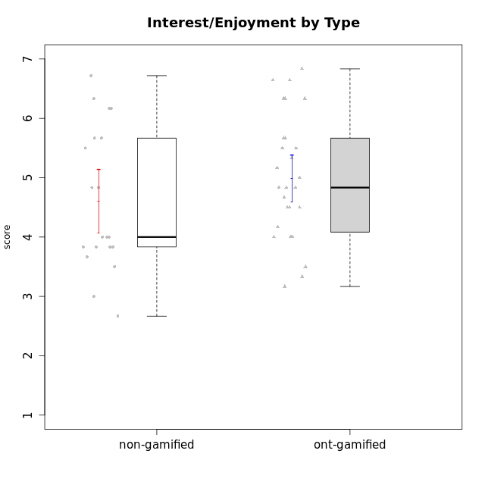

Student's t-Test data
UserID | NroUSP | Type | CLGroup | CLRole | PlayerRole | Interest/Enjoyment | Perceived Choice | Pressure/Tension | Effort/Importance | Intrinsic Motivation
10169 | 10377538 | ont-gamified | Grupo Hefesto | Master | Yee Achiever | 5.6666666667 | 4.8 | 1.9913 | 6 | 5.6166666667
10170 | 10260351 | ont-gamified | Grupo Afrodite | Apprentice | Yee Achiever | 5.1666666667 | 6.4 | 1 | 6 | 6.1416666667
10171 | 698531 | non-gamified | Grupo Team 6 | Apprentice |  | 5.6666666667 | 6 | 1.25 | 5.6666666667 | 6.0208333333
10174 | 10276852 | ont-gamified | Grupo Urano | Master | Yee Achiever | 4.8333333333 | 4.4 | 1.25 | 6.6666666667 | 5.6625
10175 | 10310700 | ont-gamified | Grupo Hélio | Master | Yee Socializer | 5.6666666667 | 7 | 1 | 5 | 6.1666666667
10176 | 10276949 | ont-gamified | Grupo Cronus | Apprentice | Yee Achiever | 4.1666666667 | 5.8 | 1.9913 | 4.6666666667 | 4.9708333333
10178 | 8656201 | ont-gamified | Grupo Morfeu | Apprentice | Yee Socializer | 5 | 5.8 | 1.9913 | 6 | 5.6375
10179 | 10310759 | non-gamified | Grupo Team 9 | Master |  | 3.8333333333 | 3.2 | 2 | 6.6434666667 | 4.925
10183 | 10352030 | ont-gamified | Grupo Hélio | Apprentice | Yee Socializer | 4 | 5.4 | 1.9913 | 5.6666666667 | 5.0791666667
10184 | 10276675 | ont-gamified | Grupo Apolo | Master | Yee Socializer | 4.5 | 5.6 | 1.9913 | 6.6666666667 | 5.6291666667
10185 | 10276960 | non-gamified | Grupo Team 12 | Apprentice |  | 4 | 4.4 | 2.25 | 5 | 4.7875
10186 | 10310551 | ont-gamified | Grupo Ares | Apprentice | Yee Achiever | 4.6666666667 | 6.2 | 1.9913 | 7 | 5.7166666667
10187 | 9790781 | non-gamified | Grupo Team 15 | Apprentice |  | 6.7181 | 6 | 2.48695 | 6.6666666667 | 6.0416666667
10188 | 10276995 | non-gamified | Grupo Team 3 | Master |  | 3.8333333333 | 5 | 1.5 | 4.6666666667 | 5
10189 | 9363926 | ont-gamified | Grupo Hades | Master | Yee Socializer | 4 | 5.2 | 1.9913 | 6.3333333333 | 5.0083333333
10191 | 10276981 | non-gamified | Grupo Team 6 | Master |  | 5.6666666667 | 5.2 | 1.25 | 4.3333333333 | 5.4875
10192 | 10276682 | non-gamified | Grupo Team 5 | Apprentice |  | 6.1666666667 | 4.4 | 1 | 4.3333333333 | 5.475
10193 | 10276762 | ont-gamified | Grupo Afrodite | Master | Yee Achiever | 4.8333333333 | 4.4 | 1.25 | 4.6666666667 | 5.1625
10195 | 10351971 | ont-gamified | Grupo Urano | Apprentice | Yee Achiever | 5.3333333333 | 4.6 | 1 | 6 | 5.7333333333
10196 | 10310655 | ont-gamified | Grupo Hefesto | Apprentice | Yee Achiever | 4 | 4.2 | 1 | 6.3333333333 | 5.3833333333
10197 | 10276661 | ont-gamified | Grupo Gaia | Apprentice | Yee Achiever | 4.8333333333 | 6.8 | 1 | 5 | 5.9083333333
10198 | 10310888 | ont-gamified | Grupo Apolo | Apprentice | Yee Socializer | 6.6434666667 | 7 | 1 | 7 | 6.8989766667
10199 | 10276737 | ont-gamified | Grupo Gaia | Master | Yee Achiever | 4 | 7 | 1.9913 | 4.6666666667 | 5.2291666667
10200 | 9795272 | ont-gamified | Grupo Hades | Apprentice | Yee Socializer | 6.3333333333 | 5.4 | 1 | 5 | 5.9333333333
10201 | 10276928 | ont-gamified | Grupo Caronte | Master | Yee Achiever | 6.3333333333 | 5.8 | 1.9913 | 7 | 6.2833333333
10202 | 10277036 | non-gamified | Grupo Team 11 | Apprentice |  | 4 | 3.2 | 2.48695 | 7 | 4.175
10203 | 9921470 | non-gamified | Grupo Team 3 | Apprentice |  | 4 | 7 | 1.25 | 4.6666666667 | 5.6041666667
10204 | 10310471 | ont-gamified | Grupo Hermes | Master | Yee Achiever | 6.8333333333 | 6.2 | 1 | 6 | 6.5083333333
10206 | 10310721 | ont-gamified | Grupo Hera | Master | Yee Achiever | 4.5 | 6.6 | 1.9913 | 5.6666666667 | 5.3166666667
10208 | 10276932 | non-gamified | Grupo Team 7 | Apprentice |  | 6.3333333333 | 5.6 | 1.75 | 7 | 6.2958333333
10209 | 10262669 | ont-gamified | Grupo Artemis | Apprentice | Yee Achiever | 3.1666666667 | 4.02088 | 1 | 7 | 4.6416666667
10210 | 10277015 | non-gamified | Grupo Team 9 | Apprentice |  | 3.5 | 2.8 | 2.48695 | 6.6666666667 | 4.1791666667
10211 | 9311643 | non-gamified | Grupo Team 2 | Master |  | 6.1666666667 | 3 | 2 | 2.7014666667 | 4.4583333333
10213 | 10277040 | ont-gamified | Grupo Morfeu | Master | Yee Socializer | 5.5 | 4.6 | 1 | 4.0232 | 5.1083333333
10214 | 10277022 | non-gamified | Grupo Team 5 | Master |  | 3 | 3.8 | 2 | 4 | 4.2
10216 | 10276720 | non-gamified | Grupo Team 15 | Master |  | 4.8333333333 | 6.4 | 1.25 | 6.3333333333 | 6.0791666667
10217 | 9805341 | non-gamified | Grupo Team 13 | Master |  | 3.8333333333 | 6.8 | 1 | 5.6666666667 | 5.825
10218 | 9842913 | ont-gamified | Grupo Ares | Master | Yee Achiever | 3.3333333333 | 5.4 | 1.9913 | 6.3333333333 | 4.8916666667
10219 | 10276831 | non-gamified | Grupo Team 12 | Master |  | 3.6666666667 | 4.6 | 1 | 4 | 4.8166666667
10220 | 9760151 | non-gamified | Grupo Team 2 | Apprentice |  | 5.5 | 6.4 | 1 | 6 | 6.225
10221 | 9082496 | ont-gamified | Grupo Hermes | Apprentice | Yee Achiever | 4.5 | 5.4 | 1 | 6.3333333333 | 5.8083333333
10223 | 9795185 | ont-gamified | Grupo Cronus | Master | Yee Achiever | 6.3333333333 | 6.4 | 1.25 | 5.3333333333 | 6.2041666667
10230 | 10351992 | non-gamified | Grupo Team 14 | Master |  | 2.6666666667 | 5.4 | 2.48695 | 5 | 4.4541666667
10231 | 10276911 | ont-gamified | Grupo Caronte | Apprentice | Yee Achiever | 6.6434666667 | 6.8 | 1 | 6.3333333333 | 6.7833333333
10232 | 10276974 | ont-gamified | Grupo Artemis | Master | Yee Achiever | 5.5 | 5.2 | 1.9913 | 6 | 5.425
10237 | 10377688 | non-gamified | Grupo Team 11 | Master |  | 4.8333333333 | 5.4 | 1 | 4.3333333333 | 5.3916666667
10238 | 10276953 | non-gamified | Grupo Team 13 | Apprentice |  | 3.8333333333 | 3 | 2.48695 | 5.6666666667 | 4.0625
10240 | 10276654 | ont-gamified | Grupo Hera | Apprentice | Yee Achiever | 3.5 | 4.02088 | 1 | 4.6666666667 | 4.4564566667

Type_CLRole_1
Student's t-Test for Interest/Enjoyment by Type in Type:CLRole between non-gamified.Apprentice:non-gamified.Master

Student's t-Test results
Alternative hypothesis: less
Group | N | Mean | Mean.Difference | Std.deviation | Std.error | CI.lower | CI.upper | df | t.value | p.value | g | magnitude
non-gamified.Apprentice | 10 | 4.97181 | 0.73847666667 | 1.2196705062 | 0.38569367946 | 4.2004226411 | 5.7431973589 | 17.870649337 | 1.41029386 | 0.91218912078 | 0.60405318274 | medium
non-gamified.Master | 10 | 4.2333333333 | -0.73847666667 | 1.1199647261 | 0.35416394334 | 3.5250054466 | 4.94166122 | 17.870649337 | 1.41029386 | 0.91218912078 | 0.60405318274 | medium
Alternative hypothesis: greater
Group | N | Mean | Mean.Difference | Std.deviation | Std.error | CI.lower | CI.upper | df | t.value | p.value | g | magnitude
non-gamified.Apprentice | 10 | 4.97181 | 0.73847666667 | 1.2196705062 | 0.38569367946 | 4.2004226411 | 5.7431973589 | 17.870649337 | 1.41029386 | 0.087810879221 | 0.60405318274 | medium
non-gamified.Master | 10 | 4.2333333333 | -0.73847666667 | 1.1199647261 | 0.35416394334 | 3.5250054466 | 4.94166122 | 17.870649337 | 1.41029386 | 0.087810879221 | 0.60405318274 | medium
Alternative hypothesis: two.sided
Group | N | Mean | Mean.Difference | Std.deviation | Std.error | CI.lower | CI.upper | df | t.value | p.value | g | magnitude
non-gamified.Apprentice | 10 | 4.97181 | 0.73847666667 | 1.2196705062 | 0.38569367946 | 4.2004226411 | 5.7431973589 | 17.870649337 | 1.41029386 | 0.17562175844 | 0.60405318274 | medium
non-gamified.Master | 10 | 4.2333333333 | -0.73847666667 | 1.1199647261 | 0.35416394334 | 3.5250054466 | 4.94166122 | 17.870649337 | 1.41029386 | 0.17562175844 | 0.60405318274 | medium

Box plots for Student's t-Test
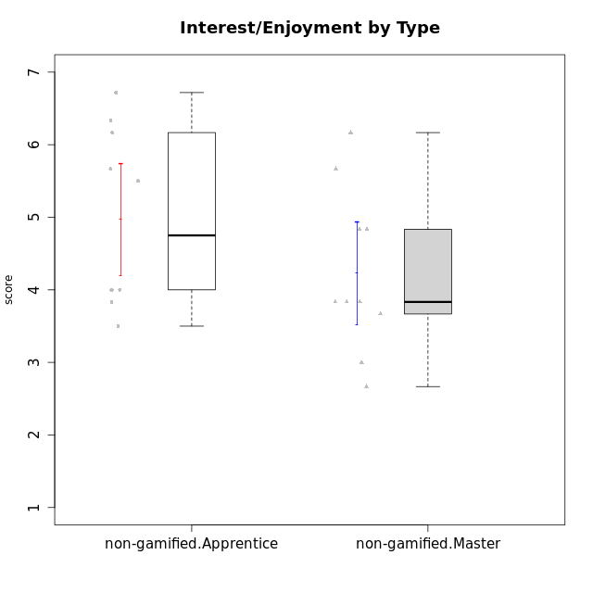

Student's t-Test data
UserID | NroUSP | Type | CLGroup | CLRole | PlayerRole | Interest/Enjoyment | Perceived Choice | Pressure/Tension | Effort/Importance | Intrinsic Motivation
10171 | 698531 | non-gamified | Grupo Team 6 | Apprentice |  | 5.6666666667 | 6 | 1.25 | 5.6666666667 | 6.0208333333
10179 | 10310759 | non-gamified | Grupo Team 9 | Master |  | 3.8333333333 | 3.2 | 2 | 6.6434666667 | 4.925
10185 | 10276960 | non-gamified | Grupo Team 12 | Apprentice |  | 4 | 4.4 | 2.25 | 5 | 4.7875
10187 | 9790781 | non-gamified | Grupo Team 15 | Apprentice |  | 6.7181 | 6 | 2.48695 | 6.6666666667 | 6.0416666667
10188 | 10276995 | non-gamified | Grupo Team 3 | Master |  | 3.8333333333 | 5 | 1.5 | 4.6666666667 | 5
10191 | 10276981 | non-gamified | Grupo Team 6 | Master |  | 5.6666666667 | 5.2 | 1.25 | 4.3333333333 | 5.4875
10192 | 10276682 | non-gamified | Grupo Team 5 | Apprentice |  | 6.1666666667 | 4.4 | 1 | 4.3333333333 | 5.475
10202 | 10277036 | non-gamified | Grupo Team 11 | Apprentice |  | 4 | 3.2 | 2.48695 | 7 | 4.175
10203 | 9921470 | non-gamified | Grupo Team 3 | Apprentice |  | 4 | 7 | 1.25 | 4.6666666667 | 5.6041666667
10208 | 10276932 | non-gamified | Grupo Team 7 | Apprentice |  | 6.3333333333 | 5.6 | 1.75 | 7 | 6.2958333333
10210 | 10277015 | non-gamified | Grupo Team 9 | Apprentice |  | 3.5 | 2.8 | 2.48695 | 6.6666666667 | 4.1791666667
10211 | 9311643 | non-gamified | Grupo Team 2 | Master |  | 6.1666666667 | 3 | 2 | 2.7014666667 | 4.4583333333
10214 | 10277022 | non-gamified | Grupo Team 5 | Master |  | 3 | 3.8 | 2 | 4 | 4.2
10216 | 10276720 | non-gamified | Grupo Team 15 | Master |  | 4.8333333333 | 6.4 | 1.25 | 6.3333333333 | 6.0791666667
10217 | 9805341 | non-gamified | Grupo Team 13 | Master |  | 3.8333333333 | 6.8 | 1 | 5.6666666667 | 5.825
10219 | 10276831 | non-gamified | Grupo Team 12 | Master |  | 3.6666666667 | 4.6 | 1 | 4 | 4.8166666667
10220 | 9760151 | non-gamified | Grupo Team 2 | Apprentice |  | 5.5 | 6.4 | 1 | 6 | 6.225
10230 | 10351992 | non-gamified | Grupo Team 14 | Master |  | 2.6666666667 | 5.4 | 2.48695 | 5 | 4.4541666667
10237 | 10377688 | non-gamified | Grupo Team 11 | Master |  | 4.8333333333 | 5.4 | 1 | 4.3333333333 | 5.3916666667
10238 | 10276953 | non-gamified | Grupo Team 13 | Apprentice |  | 3.8333333333 | 3 | 2.48695 | 5.6666666667 | 4.0625

Type_CLRole_2
Student's t-Test for Interest/Enjoyment by Type in Type:CLRole between non-gamified.Apprentice:ont-gamified.Apprentice

Student's t-Test results
Alternative hypothesis: less
Group | N | Mean | Mean.Difference | Std.deviation | Std.error | CI.lower | CI.upper | df | t.value | p.value | g | magnitude
non-gamified.Apprentice | 10 | 4.97181 | 0.11798142857 | 1.2196705062 | 0.38569367946 | 4.2004226411 | 5.7431973589 | 18.22799021 | 0.24332533526 | 0.59476466063 | 0.099042420176 | negligible
ont-gamified.Apprentice | 14 | 4.8538285714 | -0.11798142857 | 1.0994387123 | 0.29383735567 | 4.2661538601 | 5.4415032828 | 18.22799021 | 0.24332533526 | 0.59476466063 | 0.099042420176 | negligible
Alternative hypothesis: greater
Group | N | Mean | Mean.Difference | Std.deviation | Std.error | CI.lower | CI.upper | df | t.value | p.value | g | magnitude
non-gamified.Apprentice | 10 | 4.97181 | 0.11798142857 | 1.2196705062 | 0.38569367946 | 4.2004226411 | 5.7431973589 | 18.22799021 | 0.24332533526 | 0.40523533937 | 0.099042420176 | negligible
ont-gamified.Apprentice | 14 | 4.8538285714 | -0.11798142857 | 1.0994387123 | 0.29383735567 | 4.2661538601 | 5.4415032828 | 18.22799021 | 0.24332533526 | 0.40523533937 | 0.099042420176 | negligible
Alternative hypothesis: two.sided
Group | N | Mean | Mean.Difference | Std.deviation | Std.error | CI.lower | CI.upper | df | t.value | p.value | g | magnitude
non-gamified.Apprentice | 10 | 4.97181 | 0.11798142857 | 1.2196705062 | 0.38569367946 | 4.2004226411 | 5.7431973589 | 18.22799021 | 0.24332533526 | 0.81047067873 | 0.099042420176 | negligible
ont-gamified.Apprentice | 14 | 4.8538285714 | -0.11798142857 | 1.0994387123 | 0.29383735567 | 4.2661538601 | 5.4415032828 | 18.22799021 | 0.24332533526 | 0.81047067873 | 0.099042420176 | negligible

Box plots for Student's t-Test
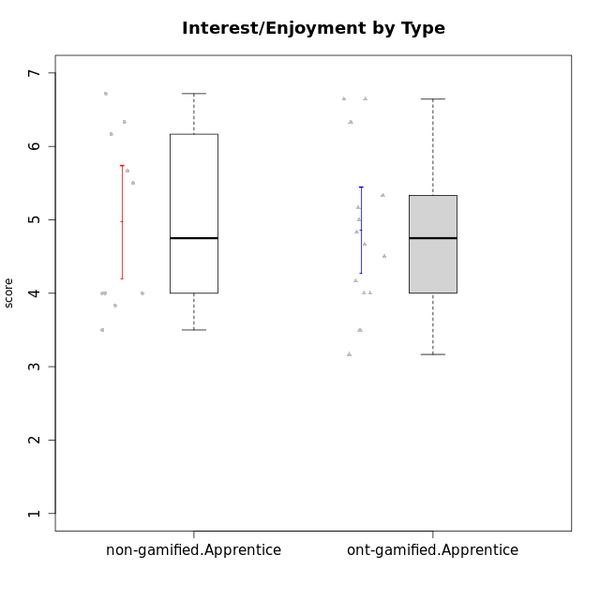

Student's t-Test data
UserID | NroUSP | Type | CLGroup | CLRole | PlayerRole | Interest/Enjoyment | Perceived Choice | Pressure/Tension | Effort/Importance | Intrinsic Motivation
10170 | 10260351 | ont-gamified | Grupo Afrodite | Apprentice | Yee Achiever | 5.1666666667 | 6.4 | 1 | 6 | 6.1416666667
10171 | 698531 | non-gamified | Grupo Team 6 | Apprentice |  | 5.6666666667 | 6 | 1.25 | 5.6666666667 | 6.0208333333
10176 | 10276949 | ont-gamified | Grupo Cronus | Apprentice | Yee Achiever | 4.1666666667 | 5.8 | 1.9913 | 4.6666666667 | 4.9708333333
10178 | 8656201 | ont-gamified | Grupo Morfeu | Apprentice | Yee Socializer | 5 | 5.8 | 1.9913 | 6 | 5.6375
10183 | 10352030 | ont-gamified | Grupo Hélio | Apprentice | Yee Socializer | 4 | 5.4 | 1.9913 | 5.6666666667 | 5.0791666667
10185 | 10276960 | non-gamified | Grupo Team 12 | Apprentice |  | 4 | 4.4 | 2.25 | 5 | 4.7875
10186 | 10310551 | ont-gamified | Grupo Ares | Apprentice | Yee Achiever | 4.6666666667 | 6.2 | 1.9913 | 7 | 5.7166666667
10187 | 9790781 | non-gamified | Grupo Team 15 | Apprentice |  | 6.7181 | 6 | 2.48695 | 6.6666666667 | 6.0416666667
10192 | 10276682 | non-gamified | Grupo Team 5 | Apprentice |  | 6.1666666667 | 4.4 | 1 | 4.3333333333 | 5.475
10195 | 10351971 | ont-gamified | Grupo Urano | Apprentice | Yee Achiever | 5.3333333333 | 4.6 | 1 | 6 | 5.7333333333
10196 | 10310655 | ont-gamified | Grupo Hefesto | Apprentice | Yee Achiever | 4 | 4.2 | 1 | 6.3333333333 | 5.3833333333
10197 | 10276661 | ont-gamified | Grupo Gaia | Apprentice | Yee Achiever | 4.8333333333 | 6.8 | 1 | 5 | 5.9083333333
10198 | 10310888 | ont-gamified | Grupo Apolo | Apprentice | Yee Socializer | 6.6434666667 | 7 | 1 | 7 | 6.8989766667
10200 | 9795272 | ont-gamified | Grupo Hades | Apprentice | Yee Socializer | 6.3333333333 | 5.4 | 1 | 5 | 5.9333333333
10202 | 10277036 | non-gamified | Grupo Team 11 | Apprentice |  | 4 | 3.2 | 2.48695 | 7 | 4.175
10203 | 9921470 | non-gamified | Grupo Team 3 | Apprentice |  | 4 | 7 | 1.25 | 4.6666666667 | 5.6041666667
10208 | 10276932 | non-gamified | Grupo Team 7 | Apprentice |  | 6.3333333333 | 5.6 | 1.75 | 7 | 6.2958333333
10209 | 10262669 | ont-gamified | Grupo Artemis | Apprentice | Yee Achiever | 3.1666666667 | 4.02088 | 1 | 7 | 4.6416666667
10210 | 10277015 | non-gamified | Grupo Team 9 | Apprentice |  | 3.5 | 2.8 | 2.48695 | 6.6666666667 | 4.1791666667
10220 | 9760151 | non-gamified | Grupo Team 2 | Apprentice |  | 5.5 | 6.4 | 1 | 6 | 6.225
10221 | 9082496 | ont-gamified | Grupo Hermes | Apprentice | Yee Achiever | 4.5 | 5.4 | 1 | 6.3333333333 | 5.8083333333
10231 | 10276911 | ont-gamified | Grupo Caronte | Apprentice | Yee Achiever | 6.6434666667 | 6.8 | 1 | 6.3333333333 | 6.7833333333
10238 | 10276953 | non-gamified | Grupo Team 13 | Apprentice |  | 3.8333333333 | 3 | 2.48695 | 5.6666666667 | 4.0625
10240 | 10276654 | ont-gamified | Grupo Hera | Apprentice | Yee Achiever | 3.5 | 4.02088 | 1 | 4.6666666667 | 4.4564566667

Type_CLRole_3
Student's t-Test for Interest/Enjoyment by Type in Type:CLRole between non-gamified.Apprentice:ont-gamified.Master

Student's t-Test results
Alternative hypothesis: less
Group | N | Mean | Mean.Difference | Std.deviation | Std.error | CI.lower | CI.upper | df | t.value | p.value | g | magnitude
non-gamified.Apprentice | 10 | 4.97181 | -0.15914238095 | 1.2196705062 | 0.38569367946 | 4.2004226411 | 5.7431973589 | 17.196492961 | -0.33747260853 | 0.36992246917 | -0.13924954 | negligible
ont-gamified.Master | 14 | 5.130952381 | 0.15914238095 | 1.0152229586 | 0.27132974873 | 4.5882928835 | 5.6736118784 | 17.196492961 | -0.33747260853 | 0.36992246917 | -0.13924954 | negligible
Alternative hypothesis: greater
Group | N | Mean | Mean.Difference | Std.deviation | Std.error | CI.lower | CI.upper | df | t.value | p.value | g | magnitude
non-gamified.Apprentice | 10 | 4.97181 | -0.15914238095 | 1.2196705062 | 0.38569367946 | 4.2004226411 | 5.7431973589 | 17.196492961 | -0.33747260853 | 0.63007753083 | -0.13924954 | negligible
ont-gamified.Master | 14 | 5.130952381 | 0.15914238095 | 1.0152229586 | 0.27132974873 | 4.5882928835 | 5.6736118784 | 17.196492961 | -0.33747260853 | 0.63007753083 | -0.13924954 | negligible
Alternative hypothesis: two.sided
Group | N | Mean | Mean.Difference | Std.deviation | Std.error | CI.lower | CI.upper | df | t.value | p.value | g | magnitude
non-gamified.Apprentice | 10 | 4.97181 | -0.15914238095 | 1.2196705062 | 0.38569367946 | 4.2004226411 | 5.7431973589 | 17.196492961 | -0.33747260853 | 0.73984493834 | -0.13924954 | negligible
ont-gamified.Master | 14 | 5.130952381 | 0.15914238095 | 1.0152229586 | 0.27132974873 | 4.5882928835 | 5.6736118784 | 17.196492961 | -0.33747260853 | 0.73984493834 | -0.13924954 | negligible

Box plots for Student's t-Test
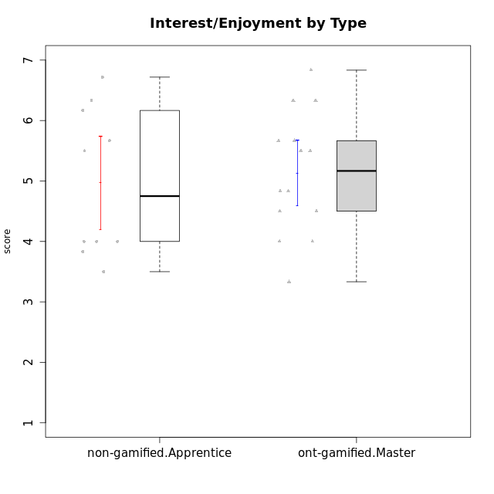

Student's t-Test data
UserID | NroUSP | Type | CLGroup | CLRole | PlayerRole | Interest/Enjoyment | Perceived Choice | Pressure/Tension | Effort/Importance | Intrinsic Motivation
10169 | 10377538 | ont-gamified | Grupo Hefesto | Master | Yee Achiever | 5.6666666667 | 4.8 | 1.9913 | 6 | 5.6166666667
10171 | 698531 | non-gamified | Grupo Team 6 | Apprentice |  | 5.6666666667 | 6 | 1.25 | 5.6666666667 | 6.0208333333
10174 | 10276852 | ont-gamified | Grupo Urano | Master | Yee Achiever | 4.8333333333 | 4.4 | 1.25 | 6.6666666667 | 5.6625
10175 | 10310700 | ont-gamified | Grupo Hélio | Master | Yee Socializer | 5.6666666667 | 7 | 1 | 5 | 6.1666666667
10184 | 10276675 | ont-gamified | Grupo Apolo | Master | Yee Socializer | 4.5 | 5.6 | 1.9913 | 6.6666666667 | 5.6291666667
10185 | 10276960 | non-gamified | Grupo Team 12 | Apprentice |  | 4 | 4.4 | 2.25 | 5 | 4.7875
10187 | 9790781 | non-gamified | Grupo Team 15 | Apprentice |  | 6.7181 | 6 | 2.48695 | 6.6666666667 | 6.0416666667
10189 | 9363926 | ont-gamified | Grupo Hades | Master | Yee Socializer | 4 | 5.2 | 1.9913 | 6.3333333333 | 5.0083333333
10192 | 10276682 | non-gamified | Grupo Team 5 | Apprentice |  | 6.1666666667 | 4.4 | 1 | 4.3333333333 | 5.475
10193 | 10276762 | ont-gamified | Grupo Afrodite | Master | Yee Achiever | 4.8333333333 | 4.4 | 1.25 | 4.6666666667 | 5.1625
10199 | 10276737 | ont-gamified | Grupo Gaia | Master | Yee Achiever | 4 | 7 | 1.9913 | 4.6666666667 | 5.2291666667
10201 | 10276928 | ont-gamified | Grupo Caronte | Master | Yee Achiever | 6.3333333333 | 5.8 | 1.9913 | 7 | 6.2833333333
10202 | 10277036 | non-gamified | Grupo Team 11 | Apprentice |  | 4 | 3.2 | 2.48695 | 7 | 4.175
10203 | 9921470 | non-gamified | Grupo Team 3 | Apprentice |  | 4 | 7 | 1.25 | 4.6666666667 | 5.6041666667
10204 | 10310471 | ont-gamified | Grupo Hermes | Master | Yee Achiever | 6.8333333333 | 6.2 | 1 | 6 | 6.5083333333
10206 | 10310721 | ont-gamified | Grupo Hera | Master | Yee Achiever | 4.5 | 6.6 | 1.9913 | 5.6666666667 | 5.3166666667
10208 | 10276932 | non-gamified | Grupo Team 7 | Apprentice |  | 6.3333333333 | 5.6 | 1.75 | 7 | 6.2958333333
10210 | 10277015 | non-gamified | Grupo Team 9 | Apprentice |  | 3.5 | 2.8 | 2.48695 | 6.6666666667 | 4.1791666667
10213 | 10277040 | ont-gamified | Grupo Morfeu | Master | Yee Socializer | 5.5 | 4.6 | 1 | 4.0232 | 5.1083333333
10218 | 9842913 | ont-gamified | Grupo Ares | Master | Yee Achiever | 3.3333333333 | 5.4 | 1.9913 | 6.3333333333 | 4.8916666667
10220 | 9760151 | non-gamified | Grupo Team 2 | Apprentice |  | 5.5 | 6.4 | 1 | 6 | 6.225
10223 | 9795185 | ont-gamified | Grupo Cronus | Master | Yee Achiever | 6.3333333333 | 6.4 | 1.25 | 5.3333333333 | 6.2041666667
10232 | 10276974 | ont-gamified | Grupo Artemis | Master | Yee Achiever | 5.5 | 5.2 | 1.9913 | 6 | 5.425
10238 | 10276953 | non-gamified | Grupo Team 13 | Apprentice |  | 3.8333333333 | 3 | 2.48695 | 5.6666666667 | 4.0625

Type_CLRole_4
Student's t-Test for Interest/Enjoyment by Type in Type:CLRole between non-gamified.Master:ont-gamified.Apprentice

Student's t-Test results
Alternative hypothesis: less
Group | N | Mean | Mean.Difference | Std.deviation | Std.error | CI.lower | CI.upper | df | t.value | p.value | g | magnitude
non-gamified.Master | 10 | 4.2333333333 | -0.6204952381 | 1.1199647261 | 0.35416394334 | 3.5250054466 | 4.94166122 | 19.31778201 | -1.3483532337 | 0.096571348604 | -0.54076067808 | medium
ont-gamified.Apprentice | 14 | 4.8538285714 | 0.6204952381 | 1.0994387123 | 0.29383735567 | 4.2661538601 | 5.4415032828 | 19.31778201 | -1.3483532337 | 0.096571348604 | -0.54076067808 | medium
Alternative hypothesis: greater
Group | N | Mean | Mean.Difference | Std.deviation | Std.error | CI.lower | CI.upper | df | t.value | p.value | g | magnitude
non-gamified.Master | 10 | 4.2333333333 | -0.6204952381 | 1.1199647261 | 0.35416394334 | 3.5250054466 | 4.94166122 | 19.31778201 | -1.3483532337 | 0.9034286514 | -0.54076067808 | medium
ont-gamified.Apprentice | 14 | 4.8538285714 | 0.6204952381 | 1.0994387123 | 0.29383735567 | 4.2661538601 | 5.4415032828 | 19.31778201 | -1.3483532337 | 0.9034286514 | -0.54076067808 | medium
Alternative hypothesis: two.sided
Group | N | Mean | Mean.Difference | Std.deviation | Std.error | CI.lower | CI.upper | df | t.value | p.value | g | magnitude
non-gamified.Master | 10 | 4.2333333333 | -0.6204952381 | 1.1199647261 | 0.35416394334 | 3.5250054466 | 4.94166122 | 19.31778201 | -1.3483532337 | 0.19314269721 | -0.54076067808 | medium
ont-gamified.Apprentice | 14 | 4.8538285714 | 0.6204952381 | 1.0994387123 | 0.29383735567 | 4.2661538601 | 5.4415032828 | 19.31778201 | -1.3483532337 | 0.19314269721 | -0.54076067808 | medium

Box plots for Student's t-Test
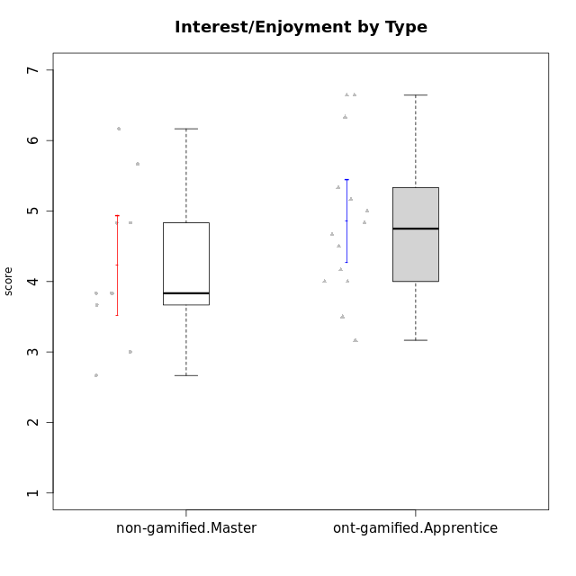

Student's t-Test data
UserID | NroUSP | Type | CLGroup | CLRole | PlayerRole | Interest/Enjoyment | Perceived Choice | Pressure/Tension | Effort/Importance | Intrinsic Motivation
10170 | 10260351 | ont-gamified | Grupo Afrodite | Apprentice | Yee Achiever | 5.1666666667 | 6.4 | 1 | 6 | 6.1416666667
10176 | 10276949 | ont-gamified | Grupo Cronus | Apprentice | Yee Achiever | 4.1666666667 | 5.8 | 1.9913 | 4.6666666667 | 4.9708333333
10178 | 8656201 | ont-gamified | Grupo Morfeu | Apprentice | Yee Socializer | 5 | 5.8 | 1.9913 | 6 | 5.6375
10179 | 10310759 | non-gamified | Grupo Team 9 | Master |  | 3.8333333333 | 3.2 | 2 | 6.6434666667 | 4.925
10183 | 10352030 | ont-gamified | Grupo Hélio | Apprentice | Yee Socializer | 4 | 5.4 | 1.9913 | 5.6666666667 | 5.0791666667
10186 | 10310551 | ont-gamified | Grupo Ares | Apprentice | Yee Achiever | 4.6666666667 | 6.2 | 1.9913 | 7 | 5.7166666667
10188 | 10276995 | non-gamified | Grupo Team 3 | Master |  | 3.8333333333 | 5 | 1.5 | 4.6666666667 | 5
10191 | 10276981 | non-gamified | Grupo Team 6 | Master |  | 5.6666666667 | 5.2 | 1.25 | 4.3333333333 | 5.4875
10195 | 10351971 | ont-gamified | Grupo Urano | Apprentice | Yee Achiever | 5.3333333333 | 4.6 | 1 | 6 | 5.7333333333
10196 | 10310655 | ont-gamified | Grupo Hefesto | Apprentice | Yee Achiever | 4 | 4.2 | 1 | 6.3333333333 | 5.3833333333
10197 | 10276661 | ont-gamified | Grupo Gaia | Apprentice | Yee Achiever | 4.8333333333 | 6.8 | 1 | 5 | 5.9083333333
10198 | 10310888 | ont-gamified | Grupo Apolo | Apprentice | Yee Socializer | 6.6434666667 | 7 | 1 | 7 | 6.8989766667
10200 | 9795272 | ont-gamified | Grupo Hades | Apprentice | Yee Socializer | 6.3333333333 | 5.4 | 1 | 5 | 5.9333333333
10209 | 10262669 | ont-gamified | Grupo Artemis | Apprentice | Yee Achiever | 3.1666666667 | 4.02088 | 1 | 7 | 4.6416666667
10211 | 9311643 | non-gamified | Grupo Team 2 | Master |  | 6.1666666667 | 3 | 2 | 2.7014666667 | 4.4583333333
10214 | 10277022 | non-gamified | Grupo Team 5 | Master |  | 3 | 3.8 | 2 | 4 | 4.2
10216 | 10276720 | non-gamified | Grupo Team 15 | Master |  | 4.8333333333 | 6.4 | 1.25 | 6.3333333333 | 6.0791666667
10217 | 9805341 | non-gamified | Grupo Team 13 | Master |  | 3.8333333333 | 6.8 | 1 | 5.6666666667 | 5.825
10219 | 10276831 | non-gamified | Grupo Team 12 | Master |  | 3.6666666667 | 4.6 | 1 | 4 | 4.8166666667
10221 | 9082496 | ont-gamified | Grupo Hermes | Apprentice | Yee Achiever | 4.5 | 5.4 | 1 | 6.3333333333 | 5.8083333333
10230 | 10351992 | non-gamified | Grupo Team 14 | Master |  | 2.6666666667 | 5.4 | 2.48695 | 5 | 4.4541666667
10231 | 10276911 | ont-gamified | Grupo Caronte | Apprentice | Yee Achiever | 6.6434666667 | 6.8 | 1 | 6.3333333333 | 6.7833333333
10237 | 10377688 | non-gamified | Grupo Team 11 | Master |  | 4.8333333333 | 5.4 | 1 | 4.3333333333 | 5.3916666667
10240 | 10276654 | ont-gamified | Grupo Hera | Apprentice | Yee Achiever | 3.5 | 4.02088 | 1 | 4.6666666667 | 4.4564566667

Type_CLRole_5
Student's t-Test for Interest/Enjoyment by Type in Type:CLRole between non-gamified.Master:ont-gamified.Master

Student's t-Test results
Alternative hypothesis: less
Group | N | Mean | Mean.Difference | Std.deviation | Std.error | CI.lower | CI.upper | df | t.value | p.value | g | magnitude
non-gamified.Master | 10 | 4.2333333333 | -0.89761904762 | 1.1199647261 | 0.35416394334 | 3.5250054466 | 4.94166122 | 18.300593591 | -2.0119114486 | 0.029594187888 | -0.81813153321 | large
ont-gamified.Master | 14 | 5.130952381 | 0.89761904762 | 1.0152229586 | 0.27132974873 | 4.5882928835 | 5.6736118784 | 18.300593591 | -2.0119114486 | 0.029594187888 | -0.81813153321 | large
Alternative hypothesis: greater
Group | N | Mean | Mean.Difference | Std.deviation | Std.error | CI.lower | CI.upper | df | t.value | p.value | g | magnitude
non-gamified.Master | 10 | 4.2333333333 | -0.89761904762 | 1.1199647261 | 0.35416394334 | 3.5250054466 | 4.94166122 | 18.300593591 | -2.0119114486 | 0.97040581211 | -0.81813153321 | large
ont-gamified.Master | 14 | 5.130952381 | 0.89761904762 | 1.0152229586 | 0.27132974873 | 4.5882928835 | 5.6736118784 | 18.300593591 | -2.0119114486 | 0.97040581211 | -0.81813153321 | large
Alternative hypothesis: two.sided
Group | N | Mean | Mean.Difference | Std.deviation | Std.error | CI.lower | CI.upper | df | t.value | p.value | g | magnitude
non-gamified.Master | 10 | 4.2333333333 | -0.89761904762 | 1.1199647261 | 0.35416394334 | 3.5250054466 | 4.94166122 | 18.300593591 | -2.0119114486 | 0.059188375776 | -0.81813153321 | large
ont-gamified.Master | 14 | 5.130952381 | 0.89761904762 | 1.0152229586 | 0.27132974873 | 4.5882928835 | 5.6736118784 | 18.300593591 | -2.0119114486 | 0.059188375776 | -0.81813153321 | large

Box plots for Student's t-Test
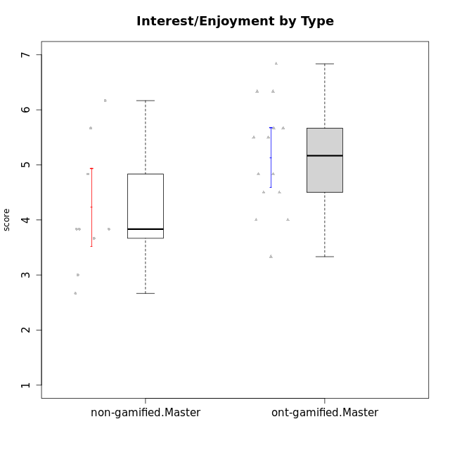

Student's t-Test data
UserID | NroUSP | Type | CLGroup | CLRole | PlayerRole | Interest/Enjoyment | Perceived Choice | Pressure/Tension | Effort/Importance | Intrinsic Motivation
10169 | 10377538 | ont-gamified | Grupo Hefesto | Master | Yee Achiever | 5.6666666667 | 4.8 | 1.9913 | 6 | 5.6166666667
10174 | 10276852 | ont-gamified | Grupo Urano | Master | Yee Achiever | 4.8333333333 | 4.4 | 1.25 | 6.6666666667 | 5.6625
10175 | 10310700 | ont-gamified | Grupo Hélio | Master | Yee Socializer | 5.6666666667 | 7 | 1 | 5 | 6.1666666667
10179 | 10310759 | non-gamified | Grupo Team 9 | Master |  | 3.8333333333 | 3.2 | 2 | 6.6434666667 | 4.925
10184 | 10276675 | ont-gamified | Grupo Apolo | Master | Yee Socializer | 4.5 | 5.6 | 1.9913 | 6.6666666667 | 5.6291666667
10188 | 10276995 | non-gamified | Grupo Team 3 | Master |  | 3.8333333333 | 5 | 1.5 | 4.6666666667 | 5
10189 | 9363926 | ont-gamified | Grupo Hades | Master | Yee Socializer | 4 | 5.2 | 1.9913 | 6.3333333333 | 5.0083333333
10191 | 10276981 | non-gamified | Grupo Team 6 | Master |  | 5.6666666667 | 5.2 | 1.25 | 4.3333333333 | 5.4875
10193 | 10276762 | ont-gamified | Grupo Afrodite | Master | Yee Achiever | 4.8333333333 | 4.4 | 1.25 | 4.6666666667 | 5.1625
10199 | 10276737 | ont-gamified | Grupo Gaia | Master | Yee Achiever | 4 | 7 | 1.9913 | 4.6666666667 | 5.2291666667
10201 | 10276928 | ont-gamified | Grupo Caronte | Master | Yee Achiever | 6.3333333333 | 5.8 | 1.9913 | 7 | 6.2833333333
10204 | 10310471 | ont-gamified | Grupo Hermes | Master | Yee Achiever | 6.8333333333 | 6.2 | 1 | 6 | 6.5083333333
10206 | 10310721 | ont-gamified | Grupo Hera | Master | Yee Achiever | 4.5 | 6.6 | 1.9913 | 5.6666666667 | 5.3166666667
10211 | 9311643 | non-gamified | Grupo Team 2 | Master |  | 6.1666666667 | 3 | 2 | 2.7014666667 | 4.4583333333
10213 | 10277040 | ont-gamified | Grupo Morfeu | Master | Yee Socializer | 5.5 | 4.6 | 1 | 4.0232 | 5.1083333333
10214 | 10277022 | non-gamified | Grupo Team 5 | Master |  | 3 | 3.8 | 2 | 4 | 4.2
10216 | 10276720 | non-gamified | Grupo Team 15 | Master |  | 4.8333333333 | 6.4 | 1.25 | 6.3333333333 | 6.0791666667
10217 | 9805341 | non-gamified | Grupo Team 13 | Master |  | 3.8333333333 | 6.8 | 1 | 5.6666666667 | 5.825
10218 | 9842913 | ont-gamified | Grupo Ares | Master | Yee Achiever | 3.3333333333 | 5.4 | 1.9913 | 6.3333333333 | 4.8916666667
10219 | 10276831 | non-gamified | Grupo Team 12 | Master |  | 3.6666666667 | 4.6 | 1 | 4 | 4.8166666667
10223 | 9795185 | ont-gamified | Grupo Cronus | Master | Yee Achiever | 6.3333333333 | 6.4 | 1.25 | 5.3333333333 | 6.2041666667
10230 | 10351992 | non-gamified | Grupo Team 14 | Master |  | 2.6666666667 | 5.4 | 2.48695 | 5 | 4.4541666667
10232 | 10276974 | ont-gamified | Grupo Artemis | Master | Yee Achiever | 5.5 | 5.2 | 1.9913 | 6 | 5.425
10237 | 10377688 | non-gamified | Grupo Team 11 | Master |  | 4.8333333333 | 5.4 | 1 | 4.3333333333 | 5.3916666667

Type_CLRole_6
Student's t-Test for Interest/Enjoyment by Type in Type:CLRole between ont-gamified.Apprentice:ont-gamified.Master

Student's t-Test results
Alternative hypothesis: less
Group | N | Mean | Mean.Difference | Std.deviation | Std.error | CI.lower | CI.upper | df | t.value | p.value | g | magnitude
ont-gamified.Apprentice | 14 | 4.8538285714 | -0.27712380952 | 1.0994387123 | 0.29383735567 | 4.2661538601 | 5.4415032828 | 25.836610581 | -0.6928956558 | 0.24727841128 | -0.25426207903 | small
ont-gamified.Master | 14 | 5.130952381 | 0.27712380952 | 1.0152229586 | 0.27132974873 | 4.5882928835 | 5.6736118784 | 25.836610581 | -0.6928956558 | 0.24727841128 | -0.25426207903 | small
Alternative hypothesis: greater
Group | N | Mean | Mean.Difference | Std.deviation | Std.error | CI.lower | CI.upper | df | t.value | p.value | g | magnitude
ont-gamified.Apprentice | 14 | 4.8538285714 | -0.27712380952 | 1.0994387123 | 0.29383735567 | 4.2661538601 | 5.4415032828 | 25.836610581 | -0.6928956558 | 0.75272158872 | -0.25426207903 | small
ont-gamified.Master | 14 | 5.130952381 | 0.27712380952 | 1.0152229586 | 0.27132974873 | 4.5882928835 | 5.6736118784 | 25.836610581 | -0.6928956558 | 0.75272158872 | -0.25426207903 | small
Alternative hypothesis: two.sided
Group | N | Mean | Mean.Difference | Std.deviation | Std.error | CI.lower | CI.upper | df | t.value | p.value | g | magnitude
ont-gamified.Apprentice | 14 | 4.8538285714 | -0.27712380952 | 1.0994387123 | 0.29383735567 | 4.2661538601 | 5.4415032828 | 25.836610581 | -0.6928956558 | 0.49455682255 | -0.25426207903 | small
ont-gamified.Master | 14 | 5.130952381 | 0.27712380952 | 1.0152229586 | 0.27132974873 | 4.5882928835 | 5.6736118784 | 25.836610581 | -0.6928956558 | 0.49455682255 | -0.25426207903 | small

Box plots for Student's t-Test


Student's t-Test data
UserID | NroUSP | Type | CLGroup | CLRole | PlayerRole | Interest/Enjoyment | Perceived Choice | Pressure/Tension | Effort/Importance | Intrinsic Motivation
10169 | 10377538 | ont-gamified | Grupo Hefesto | Master | Yee Achiever | 5.6666666667 | 4.8 | 1.9913 | 6 | 5.6166666667
10170 | 10260351 | ont-gamified | Grupo Afrodite | Apprentice | Yee Achiever | 5.1666666667 | 6.4 | 1 | 6 | 6.1416666667
10174 | 10276852 | ont-gamified | Grupo Urano | Master | Yee Achiever | 4.8333333333 | 4.4 | 1.25 | 6.6666666667 | 5.6625
10175 | 10310700 | ont-gamified | Grupo Hélio | Master | Yee Socializer | 5.6666666667 | 7 | 1 | 5 | 6.1666666667
10176 | 10276949 | ont-gamified | Grupo Cronus | Apprentice | Yee Achiever | 4.1666666667 | 5.8 | 1.9913 | 4.6666666667 | 4.9708333333
10178 | 8656201 | ont-gamified | Grupo Morfeu | Apprentice | Yee Socializer | 5 | 5.8 | 1.9913 | 6 | 5.6375
10183 | 10352030 | ont-gamified | Grupo Hélio | Apprentice | Yee Socializer | 4 | 5.4 | 1.9913 | 5.6666666667 | 5.0791666667
10184 | 10276675 | ont-gamified | Grupo Apolo | Master | Yee Socializer | 4.5 | 5.6 | 1.9913 | 6.6666666667 | 5.6291666667
10186 | 10310551 | ont-gamified | Grupo Ares | Apprentice | Yee Achiever | 4.6666666667 | 6.2 | 1.9913 | 7 | 5.7166666667
10189 | 9363926 | ont-gamified | Grupo Hades | Master | Yee Socializer | 4 | 5.2 | 1.9913 | 6.3333333333 | 5.0083333333
10193 | 10276762 | ont-gamified | Grupo Afrodite | Master | Yee Achiever | 4.8333333333 | 4.4 | 1.25 | 4.6666666667 | 5.1625
10195 | 10351971 | ont-gamified | Grupo Urano | Apprentice | Yee Achiever | 5.3333333333 | 4.6 | 1 | 6 | 5.7333333333
10196 | 10310655 | ont-gamified | Grupo Hefesto | Apprentice | Yee Achiever | 4 | 4.2 | 1 | 6.3333333333 | 5.3833333333
10197 | 10276661 | ont-gamified | Grupo Gaia | Apprentice | Yee Achiever | 4.8333333333 | 6.8 | 1 | 5 | 5.9083333333
10198 | 10310888 | ont-gamified | Grupo Apolo | Apprentice | Yee Socializer | 6.6434666667 | 7 | 1 | 7 | 6.8989766667
10199 | 10276737 | ont-gamified | Grupo Gaia | Master | Yee Achiever | 4 | 7 | 1.9913 | 4.6666666667 | 5.2291666667
10200 | 9795272 | ont-gamified | Grupo Hades | Apprentice | Yee Socializer | 6.3333333333 | 5.4 | 1 | 5 | 5.9333333333
10201 | 10276928 | ont-gamified | Grupo Caronte | Master | Yee Achiever | 6.3333333333 | 5.8 | 1.9913 | 7 | 6.2833333333
10204 | 10310471 | ont-gamified | Grupo Hermes | Master | Yee Achiever | 6.8333333333 | 6.2 | 1 | 6 | 6.5083333333
10206 | 10310721 | ont-gamified | Grupo Hera | Master | Yee Achiever | 4.5 | 6.6 | 1.9913 | 5.6666666667 | 5.3166666667
10209 | 10262669 | ont-gamified | Grupo Artemis | Apprentice | Yee Achiever | 3.1666666667 | 4.02088 | 1 | 7 | 4.6416666667
10213 | 10277040 | ont-gamified | Grupo Morfeu | Master | Yee Socializer | 5.5 | 4.6 | 1 | 4.0232 | 5.1083333333
10218 | 9842913 | ont-gamified | Grupo Ares | Master | Yee Achiever | 3.3333333333 | 5.4 | 1.9913 | 6.3333333333 | 4.8916666667
10221 | 9082496 | ont-gamified | Grupo Hermes | Apprentice | Yee Achiever | 4.5 | 5.4 | 1 | 6.3333333333 | 5.8083333333
10223 | 9795185 | ont-gamified | Grupo Cronus | Master | Yee Achiever | 6.3333333333 | 6.4 | 1.25 | 5.3333333333 | 6.2041666667
10231 | 10276911 | ont-gamified | Grupo Caronte | Apprentice | Yee Achiever | 6.6434666667 | 6.8 | 1 | 6.3333333333 | 6.7833333333
10232 | 10276974 | ont-gamified | Grupo Artemis | Master | Yee Achiever | 5.5 | 5.2 | 1.9913 | 6 | 5.425
10240 | 10276654 | ont-gamified | Grupo Hera | Apprentice | Yee Achiever | 3.5 | 4.02088 | 1 | 4.6666666667 | 4.4564566667

