Assumptions
ANOVA assumptions for Intrinsic Motivation by Type

Shapiro-Wilk normality test for Intrinsic Motivation by Type
W | p.value
0.97514259084 | 0.39588764575

Plots for normality test
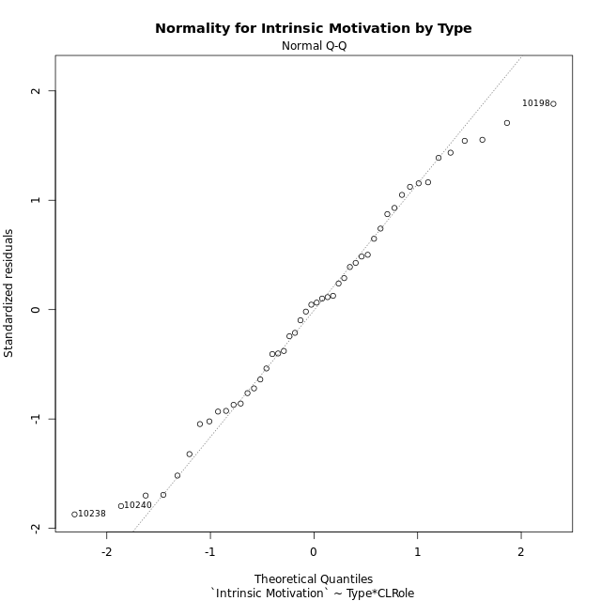

Levene's Test for Homogeneity of Variance in Intrinsic Motivation by Type
Df | F value | Pr(>F)
3 | 1.3110011869 | 0.2828241441
44

Plots for homogeneity of variance
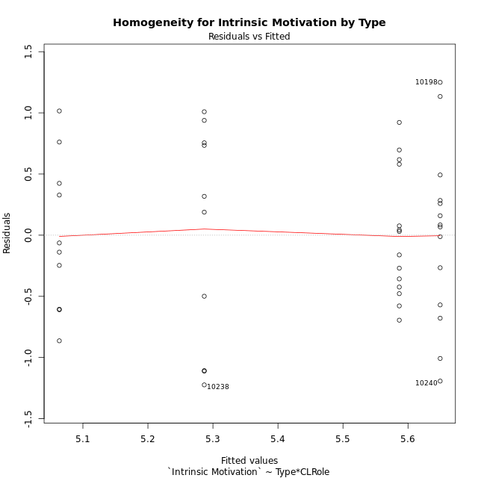

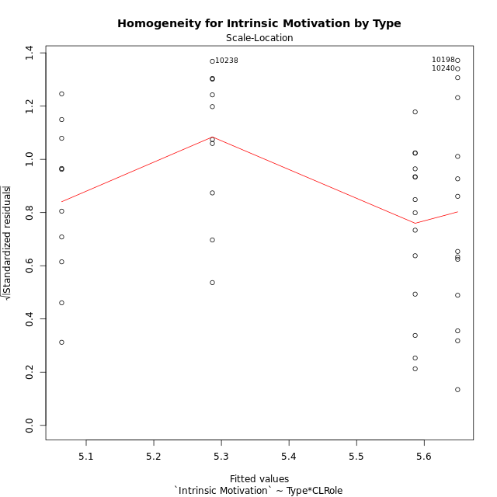

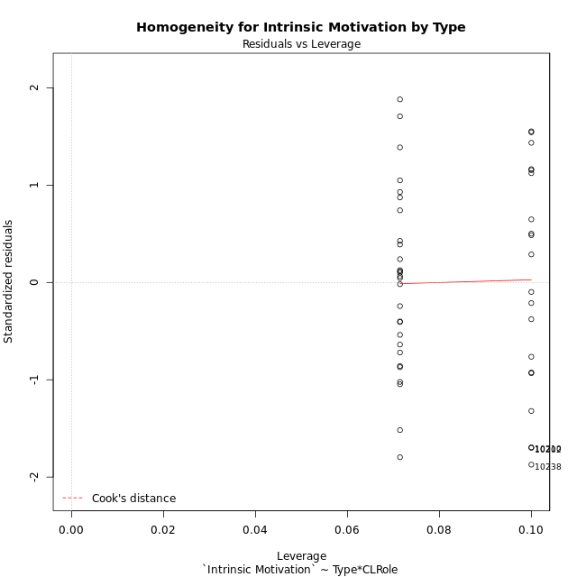

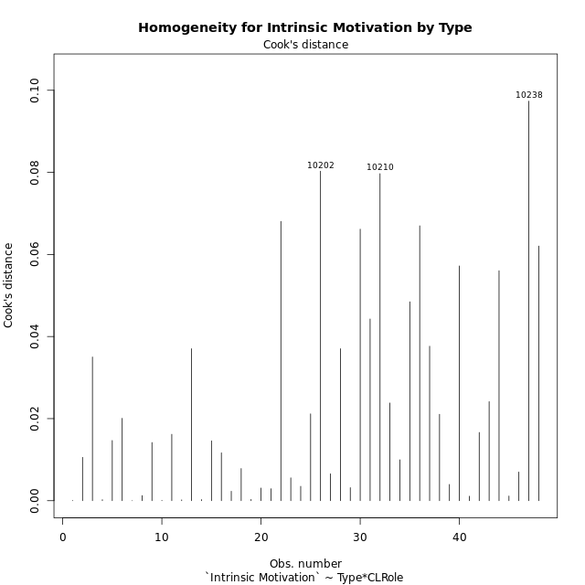

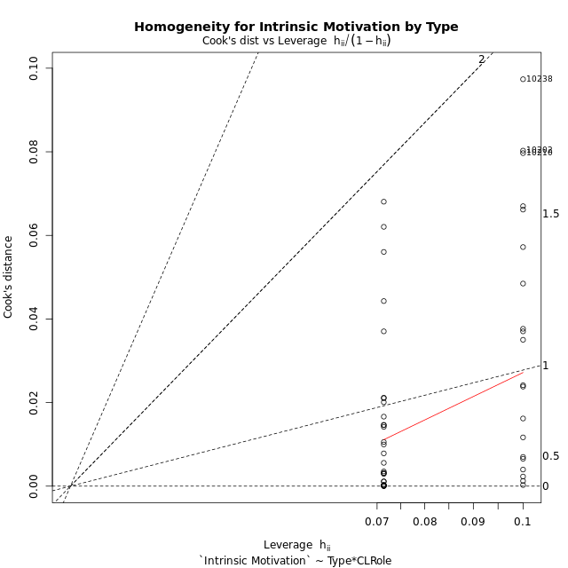

Minimum Sample Size Test for Intrinsic Motivation by Type
Type | CLRole | Freq
non-gamified | Apprentice | 10
ont-gamified | Apprentice | 14
non-gamified | Master | 10
ont-gamified | Master | 14

Errors and Warnings in Sample Size Test for ANOVA in Intrinsic Motivation by Type
code | description
WARN: sample.size | current size is 10 and recommended size is 15 for the group: 'non-gamified:Apprentice'.
WARN: sample.size | current size is 14 and recommended size is 15 for the group: 'ont-gamified:Apprentice'.
WARN: sample.size | current size is 10 and recommended size is 15 for the group: 'non-gamified:Master'.
WARN: sample.size | current size is 14 and recommended size is 15 for the group: 'ont-gamified:Master'.

For the group: 'non-gamified:Apprentice', we recommend the use of non-parametric test. For the group: 'ont-gamified:Apprentice', we recommend the use of non-parametric test. For the group: 'non-gamified:Master', we recommend the use of non-parametric test. For the group: 'ont-gamified:Master', we recommend the use of non-parametric test.

If you don't want to remove non-normal data, you must cite the following references: ... (1) Lix, L.M., J.C. Keselman, and H.J. Keselman. 1996. Consequences of assumption violations revisited: A quantitative review of alternatives to the one-way analysis of variance F test. Rev. Educ. Res. 66: 579-619. ... (2) Harwell, M.R., E.N. Rubinstein, W.S. Hayes, and C.C. Olds. 1992. Summarizing Monte Carlo results in methodological research: the one- and two-factor fixed effects ANOVA cases. J. Educ. Stat. 17: 315-339.

Post-hoc
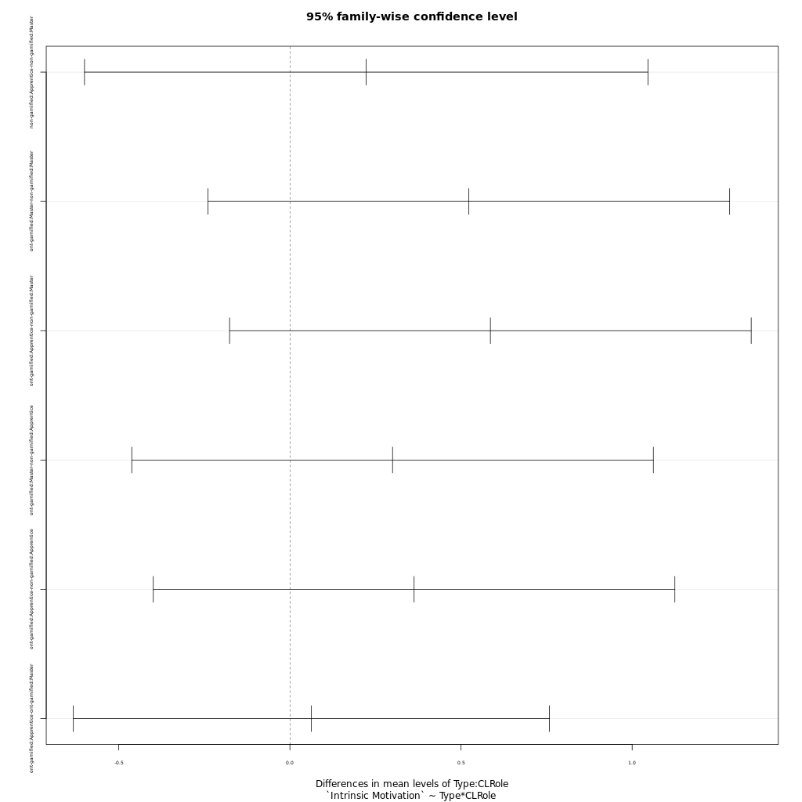
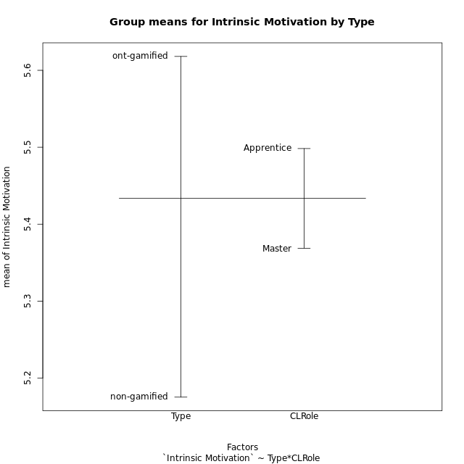
Post-hoc Tukey Honestly Significant Difference (HSD) Test for Intrinsic Motivation by Type

Comparisons of means for Type
 | diff | lwr | upr | p adj
ont-gamified-non-gamified | 0.44284285714 | 0.036149343944 | 0.84953637034 | 0.033522431675

Comparisons of means for CLRole
 | diff | lwr | upr | p adj
Apprentice-Master | 0.12956666667 | -0.27143854523 | 0.53057187856 | 0.51832030115

Comparisons of means for Type:CLRole
 | diff | lwr | upr | p adj
non-gamified:Apprentice-non-gamified:Master | 0.22291666667 | -0.60010933018 | 1.0459426635 | 0.88732111233
ont-gamified:Master-non-gamified:Master | 0.52285714286 | -0.23911686766 | 1.2848311534 | 0.27232279025
ont-gamified:Apprentice-non-gamified:Master | 0.5857452381 | -0.17622877242 | 1.3477192486 | 0.1848489226
ont-gamified:Master-non-gamified:Apprentice | 0.29994047619 | -0.46203353433 | 1.0619144867 | 0.72060513644
ont-gamified:Apprentice-non-gamified:Apprentice | 0.36282857143 | -0.39914543909 | 1.1248025819 | 0.58567573946
ont-gamified:Apprentice-ont-gamified:Master | 0.062888095238 | -0.63269582775 | 0.75847201823 | 0.99498021543

Contrast Matrices for Intrinsic Motivation by Type - Type
contrast | estimate | SE | df | t.ratio | p.value
non-gamified - ont-gamified | -0.44284285714 | 0.20179619755 | 44 | -2.1945054591 | 0.033522431675

Contrast Matrices for Intrinsic Motivation by Type - Type:CLRole
contrast | CLRole | estimate | SE | df | t.ratio | p.value
non-gamified - ont-gamified | Apprentice | -0.36282857143 | 0.28538291941 | 44 | -1.2713745174 | 0.21027530325
non-gamified - ont-gamified | Master | -0.52285714286 | 0.28538291941 | 44 | -1.8321248656 | 0.073706666528

Least Squares Means and Confidence Intervals for Type
Type | lsmean | SE | df | lower.CL | upper.CL | Pairs
non-gamified | 5.1752083333 | 0.1541243917 | 44 | 4.8645910319 | 5.4858256348 | non-gamified
ont-gamified | 5.6180511905 | 0.13025888541 | 44 | 5.3555316565 | 5.8805707244 | ont-gamified

Least Squares Means and Confidence Intervals for Type:CLRole
Type | CLRole | lsmean | SE | df | lower.CL | upper.CL | Pairs
non-gamified | Apprentice | 5.2866666667 | 0.21796480504 | 44 | 4.8473874662 | 5.7259458671 | non-gamified.Apprentice
ont-gamified | Apprentice | 5.6494952381 | 0.18421388236 | 44 | 5.2782365528 | 6.0207539234 | ont-gamified.Apprentice
non-gamified | Master | 5.06375 | 0.21796480504 | 44 | 4.6244707995 | 5.5030292005 | non-gamified.Master
ont-gamified | Master | 5.5866071429 | 0.18421388236 | 44 | 5.2153484576 | 5.9578658281 | ont-gamified.Master

Plots

Type_1
Student's t-Test for Intrinsic Motivation by Type in Type between non-gamified:ont-gamified

Student's t-Test results
Alternative hypothesis: less
Group | N | Mean | Mean.Difference | Std.deviation | Std.error | CI.lower | CI.upper | df | t.value | p.value | g | magnitude
non-gamified | 20 | 5.1752083333 | -0.44284285714 | 0.76326772658 | 0.17067185217 | 4.833864629 | 5.5165520377 | 35.226955562 | -2.1480227706 | 0.01933390319 | -0.64192972451 | medium
ont-gamified | 28 | 5.6180511905 | 0.44284285714 | 0.61194823997 | 0.11564734701 | 5.3867564964 | 5.8493458845 | 35.226955562 | -2.1480227706 | 0.01933390319 | -0.64192972451 | medium
Alternative hypothesis: greater
Group | N | Mean | Mean.Difference | Std.deviation | Std.error | CI.lower | CI.upper | df | t.value | p.value | g | magnitude
non-gamified | 20 | 5.1752083333 | -0.44284285714 | 0.76326772658 | 0.17067185217 | 4.833864629 | 5.5165520377 | 35.226955562 | -2.1480227706 | 0.98066609681 | -0.64192972451 | medium
ont-gamified | 28 | 5.6180511905 | 0.44284285714 | 0.61194823997 | 0.11564734701 | 5.3867564964 | 5.8493458845 | 35.226955562 | -2.1480227706 | 0.98066609681 | -0.64192972451 | medium
Alternative hypothesis: two.sided
Group | N | Mean | Mean.Difference | Std.deviation | Std.error | CI.lower | CI.upper | df | t.value | p.value | g | magnitude
non-gamified | 20 | 5.1752083333 | -0.44284285714 | 0.76326772658 | 0.17067185217 | 4.833864629 | 5.5165520377 | 35.226955562 | -2.1480227706 | 0.03866780638 | -0.64192972451 | medium
ont-gamified | 28 | 5.6180511905 | 0.44284285714 | 0.61194823997 | 0.11564734701 | 5.3867564964 | 5.8493458845 | 35.226955562 | -2.1480227706 | 0.03866780638 | -0.64192972451 | medium

Box plots for Student's t-Test
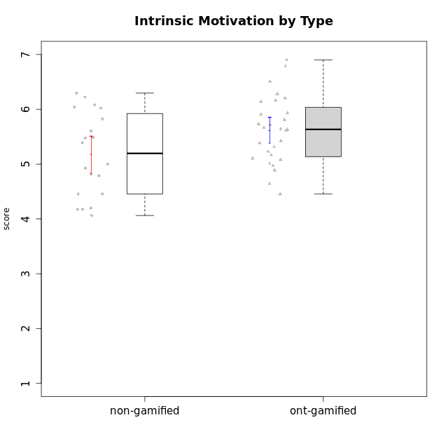

Student's t-Test data
UserID | NroUSP | Type | CLGroup | CLRole | PlayerRole | Interest/Enjoyment | Perceived Choice | Pressure/Tension | Effort/Importance | Intrinsic Motivation
10169 | 10377538 | ont-gamified | Grupo Hefesto | Master | Yee Achiever | 5.6666666667 | 4.8 | 1.9913 | 6 | 5.6166666667
10170 | 10260351 | ont-gamified | Grupo Afrodite | Apprentice | Yee Achiever | 5.1666666667 | 6.4 | 1 | 6 | 6.1416666667
10171 | 698531 | non-gamified | Grupo Team 6 | Apprentice |  | 5.6666666667 | 6 | 1.25 | 5.6666666667 | 6.0208333333
10174 | 10276852 | ont-gamified | Grupo Urano | Master | Yee Achiever | 4.8333333333 | 4.4 | 1.25 | 6.6666666667 | 5.6625
10175 | 10310700 | ont-gamified | Grupo Hélio | Master | Yee Socializer | 5.6666666667 | 7 | 1 | 5 | 6.1666666667
10176 | 10276949 | ont-gamified | Grupo Cronus | Apprentice | Yee Achiever | 4.1666666667 | 5.8 | 1.9913 | 4.6666666667 | 4.9708333333
10178 | 8656201 | ont-gamified | Grupo Morfeu | Apprentice | Yee Socializer | 5 | 5.8 | 1.9913 | 6 | 5.6375
10179 | 10310759 | non-gamified | Grupo Team 9 | Master |  | 3.8333333333 | 3.2 | 2 | 6.6434666667 | 4.925
10183 | 10352030 | ont-gamified | Grupo Hélio | Apprentice | Yee Socializer | 4 | 5.4 | 1.9913 | 5.6666666667 | 5.0791666667
10184 | 10276675 | ont-gamified | Grupo Apolo | Master | Yee Socializer | 4.5 | 5.6 | 1.9913 | 6.6666666667 | 5.6291666667
10185 | 10276960 | non-gamified | Grupo Team 12 | Apprentice |  | 4 | 4.4 | 2.25 | 5 | 4.7875
10186 | 10310551 | ont-gamified | Grupo Ares | Apprentice | Yee Achiever | 4.6666666667 | 6.2 | 1.9913 | 7 | 5.7166666667
10187 | 9790781 | non-gamified | Grupo Team 15 | Apprentice |  | 6.7181 | 6 | 2.48695 | 6.6666666667 | 6.0416666667
10188 | 10276995 | non-gamified | Grupo Team 3 | Master |  | 3.8333333333 | 5 | 1.5 | 4.6666666667 | 5
10189 | 9363926 | ont-gamified | Grupo Hades | Master | Yee Socializer | 4 | 5.2 | 1.9913 | 6.3333333333 | 5.0083333333
10191 | 10276981 | non-gamified | Grupo Team 6 | Master |  | 5.6666666667 | 5.2 | 1.25 | 4.3333333333 | 5.4875
10192 | 10276682 | non-gamified | Grupo Team 5 | Apprentice |  | 6.1666666667 | 4.4 | 1 | 4.3333333333 | 5.475
10193 | 10276762 | ont-gamified | Grupo Afrodite | Master | Yee Achiever | 4.8333333333 | 4.4 | 1.25 | 4.6666666667 | 5.1625
10195 | 10351971 | ont-gamified | Grupo Urano | Apprentice | Yee Achiever | 5.3333333333 | 4.6 | 1 | 6 | 5.7333333333
10196 | 10310655 | ont-gamified | Grupo Hefesto | Apprentice | Yee Achiever | 4 | 4.2 | 1 | 6.3333333333 | 5.3833333333
10197 | 10276661 | ont-gamified | Grupo Gaia | Apprentice | Yee Achiever | 4.8333333333 | 6.8 | 1 | 5 | 5.9083333333
10198 | 10310888 | ont-gamified | Grupo Apolo | Apprentice | Yee Socializer | 6.6434666667 | 7 | 1 | 7 | 6.8989766667
10199 | 10276737 | ont-gamified | Grupo Gaia | Master | Yee Achiever | 4 | 7 | 1.9913 | 4.6666666667 | 5.2291666667
10200 | 9795272 | ont-gamified | Grupo Hades | Apprentice | Yee Socializer | 6.3333333333 | 5.4 | 1 | 5 | 5.9333333333
10201 | 10276928 | ont-gamified | Grupo Caronte | Master | Yee Achiever | 6.3333333333 | 5.8 | 1.9913 | 7 | 6.2833333333
10202 | 10277036 | non-gamified | Grupo Team 11 | Apprentice |  | 4 | 3.2 | 2.48695 | 7 | 4.175
10203 | 9921470 | non-gamified | Grupo Team 3 | Apprentice |  | 4 | 7 | 1.25 | 4.6666666667 | 5.6041666667
10204 | 10310471 | ont-gamified | Grupo Hermes | Master | Yee Achiever | 6.8333333333 | 6.2 | 1 | 6 | 6.5083333333
10206 | 10310721 | ont-gamified | Grupo Hera | Master | Yee Achiever | 4.5 | 6.6 | 1.9913 | 5.6666666667 | 5.3166666667
10208 | 10276932 | non-gamified | Grupo Team 7 | Apprentice |  | 6.3333333333 | 5.6 | 1.75 | 7 | 6.2958333333
10209 | 10262669 | ont-gamified | Grupo Artemis | Apprentice | Yee Achiever | 3.1666666667 | 4.02088 | 1 | 7 | 4.6416666667
10210 | 10277015 | non-gamified | Grupo Team 9 | Apprentice |  | 3.5 | 2.8 | 2.48695 | 6.6666666667 | 4.1791666667
10211 | 9311643 | non-gamified | Grupo Team 2 | Master |  | 6.1666666667 | 3 | 2 | 2.7014666667 | 4.4583333333
10213 | 10277040 | ont-gamified | Grupo Morfeu | Master | Yee Socializer | 5.5 | 4.6 | 1 | 4.0232 | 5.1083333333
10214 | 10277022 | non-gamified | Grupo Team 5 | Master |  | 3 | 3.8 | 2 | 4 | 4.2
10216 | 10276720 | non-gamified | Grupo Team 15 | Master |  | 4.8333333333 | 6.4 | 1.25 | 6.3333333333 | 6.0791666667
10217 | 9805341 | non-gamified | Grupo Team 13 | Master |  | 3.8333333333 | 6.8 | 1 | 5.6666666667 | 5.825
10218 | 9842913 | ont-gamified | Grupo Ares | Master | Yee Achiever | 3.3333333333 | 5.4 | 1.9913 | 6.3333333333 | 4.8916666667
10219 | 10276831 | non-gamified | Grupo Team 12 | Master |  | 3.6666666667 | 4.6 | 1 | 4 | 4.8166666667
10220 | 9760151 | non-gamified | Grupo Team 2 | Apprentice |  | 5.5 | 6.4 | 1 | 6 | 6.225
10221 | 9082496 | ont-gamified | Grupo Hermes | Apprentice | Yee Achiever | 4.5 | 5.4 | 1 | 6.3333333333 | 5.8083333333
10223 | 9795185 | ont-gamified | Grupo Cronus | Master | Yee Achiever | 6.3333333333 | 6.4 | 1.25 | 5.3333333333 | 6.2041666667
10230 | 10351992 | non-gamified | Grupo Team 14 | Master |  | 2.6666666667 | 5.4 | 2.48695 | 5 | 4.4541666667
10231 | 10276911 | ont-gamified | Grupo Caronte | Apprentice | Yee Achiever | 6.6434666667 | 6.8 | 1 | 6.3333333333 | 6.7833333333
10232 | 10276974 | ont-gamified | Grupo Artemis | Master | Yee Achiever | 5.5 | 5.2 | 1.9913 | 6 | 5.425
10237 | 10377688 | non-gamified | Grupo Team 11 | Master |  | 4.8333333333 | 5.4 | 1 | 4.3333333333 | 5.3916666667
10238 | 10276953 | non-gamified | Grupo Team 13 | Apprentice |  | 3.8333333333 | 3 | 2.48695 | 5.6666666667 | 4.0625
10240 | 10276654 | ont-gamified | Grupo Hera | Apprentice | Yee Achiever | 3.5 | 4.02088 | 1 | 4.6666666667 | 4.4564566667

Type_CLRole_1
Student's t-Test for Intrinsic Motivation by Type in Type:CLRole between non-gamified.Apprentice:non-gamified.Master

Student's t-Test results
Alternative hypothesis: less
Group | N | Mean | Mean.Difference | Std.deviation | Std.error | CI.lower | CI.upper | df | t.value | p.value | g | magnitude
non-gamified.Apprentice | 10 | 5.2866666667 | 0.22291666667 | 0.90396033659 | 0.28585735781 | 4.7149519511 | 5.8583813823 | 15.941696699 | 0.64289465753 | 0.73528418615 | 0.27536286944 | small
non-gamified.Master | 10 | 5.06375 | -0.22291666667 | 0.62059263915 | 0.19624862388 | 4.6712527522 | 5.4562472478 | 15.941696699 | 0.64289465753 | 0.73528418615 | 0.27536286944 | small
Alternative hypothesis: greater
Group | N | Mean | Mean.Difference | Std.deviation | Std.error | CI.lower | CI.upper | df | t.value | p.value | g | magnitude
non-gamified.Apprentice | 10 | 5.2866666667 | 0.22291666667 | 0.90396033659 | 0.28585735781 | 4.7149519511 | 5.8583813823 | 15.941696699 | 0.64289465753 | 0.26471581385 | 0.27536286944 | small
non-gamified.Master | 10 | 5.06375 | -0.22291666667 | 0.62059263915 | 0.19624862388 | 4.6712527522 | 5.4562472478 | 15.941696699 | 0.64289465753 | 0.26471581385 | 0.27536286944 | small
Alternative hypothesis: two.sided
Group | N | Mean | Mean.Difference | Std.deviation | Std.error | CI.lower | CI.upper | df | t.value | p.value | g | magnitude
non-gamified.Apprentice | 10 | 5.2866666667 | 0.22291666667 | 0.90396033659 | 0.28585735781 | 4.7149519511 | 5.8583813823 | 15.941696699 | 0.64289465753 | 0.5294316277 | 0.27536286944 | small
non-gamified.Master | 10 | 5.06375 | -0.22291666667 | 0.62059263915 | 0.19624862388 | 4.6712527522 | 5.4562472478 | 15.941696699 | 0.64289465753 | 0.5294316277 | 0.27536286944 | small

Box plots for Student's t-Test
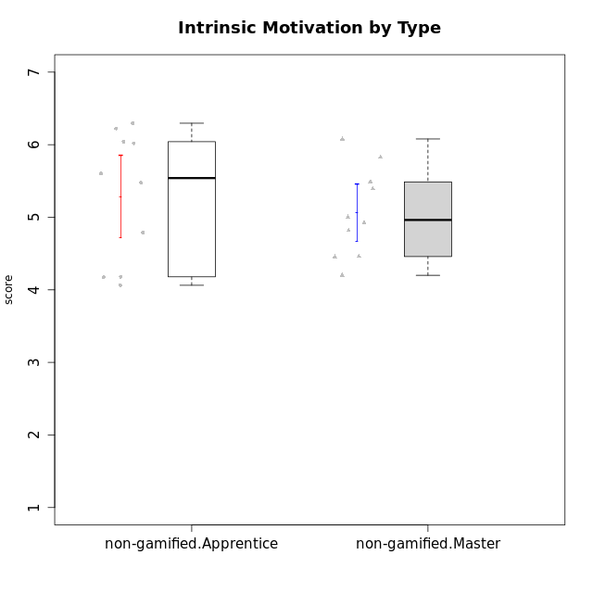

Student's t-Test data
UserID | NroUSP | Type | CLGroup | CLRole | PlayerRole | Interest/Enjoyment | Perceived Choice | Pressure/Tension | Effort/Importance | Intrinsic Motivation
10171 | 698531 | non-gamified | Grupo Team 6 | Apprentice |  | 5.6666666667 | 6 | 1.25 | 5.6666666667 | 6.0208333333
10179 | 10310759 | non-gamified | Grupo Team 9 | Master |  | 3.8333333333 | 3.2 | 2 | 6.6434666667 | 4.925
10185 | 10276960 | non-gamified | Grupo Team 12 | Apprentice |  | 4 | 4.4 | 2.25 | 5 | 4.7875
10187 | 9790781 | non-gamified | Grupo Team 15 | Apprentice |  | 6.7181 | 6 | 2.48695 | 6.6666666667 | 6.0416666667
10188 | 10276995 | non-gamified | Grupo Team 3 | Master |  | 3.8333333333 | 5 | 1.5 | 4.6666666667 | 5
10191 | 10276981 | non-gamified | Grupo Team 6 | Master |  | 5.6666666667 | 5.2 | 1.25 | 4.3333333333 | 5.4875
10192 | 10276682 | non-gamified | Grupo Team 5 | Apprentice |  | 6.1666666667 | 4.4 | 1 | 4.3333333333 | 5.475
10202 | 10277036 | non-gamified | Grupo Team 11 | Apprentice |  | 4 | 3.2 | 2.48695 | 7 | 4.175
10203 | 9921470 | non-gamified | Grupo Team 3 | Apprentice |  | 4 | 7 | 1.25 | 4.6666666667 | 5.6041666667
10208 | 10276932 | non-gamified | Grupo Team 7 | Apprentice |  | 6.3333333333 | 5.6 | 1.75 | 7 | 6.2958333333
10210 | 10277015 | non-gamified | Grupo Team 9 | Apprentice |  | 3.5 | 2.8 | 2.48695 | 6.6666666667 | 4.1791666667
10211 | 9311643 | non-gamified | Grupo Team 2 | Master |  | 6.1666666667 | 3 | 2 | 2.7014666667 | 4.4583333333
10214 | 10277022 | non-gamified | Grupo Team 5 | Master |  | 3 | 3.8 | 2 | 4 | 4.2
10216 | 10276720 | non-gamified | Grupo Team 15 | Master |  | 4.8333333333 | 6.4 | 1.25 | 6.3333333333 | 6.0791666667
10217 | 9805341 | non-gamified | Grupo Team 13 | Master |  | 3.8333333333 | 6.8 | 1 | 5.6666666667 | 5.825
10219 | 10276831 | non-gamified | Grupo Team 12 | Master |  | 3.6666666667 | 4.6 | 1 | 4 | 4.8166666667
10220 | 9760151 | non-gamified | Grupo Team 2 | Apprentice |  | 5.5 | 6.4 | 1 | 6 | 6.225
10230 | 10351992 | non-gamified | Grupo Team 14 | Master |  | 2.6666666667 | 5.4 | 2.48695 | 5 | 4.4541666667
10237 | 10377688 | non-gamified | Grupo Team 11 | Master |  | 4.8333333333 | 5.4 | 1 | 4.3333333333 | 5.3916666667
10238 | 10276953 | non-gamified | Grupo Team 13 | Apprentice |  | 3.8333333333 | 3 | 2.48695 | 5.6666666667 | 4.0625

Type_CLRole_2
Student's t-Test for Intrinsic Motivation by Type in Type:CLRole between non-gamified.Apprentice:ont-gamified.Apprentice

Student's t-Test results
Alternative hypothesis: less
Group | N | Mean | Mean.Difference | Std.deviation | Std.error | CI.lower | CI.upper | df | t.value | p.value | g | magnitude
non-gamified.Apprentice | 10 | 5.2866666667 | -0.36282857143 | 0.90396033659 | 0.28585735781 | 4.7149519511 | 5.8583813823 | 16.480763068 | -1.0570895165 | 0.15286011492 | -0.44034973816 | small
ont-gamified.Apprentice | 14 | 5.6494952381 | 0.36282857143 | 0.71086399981 | 0.18998639542 | 5.2695224473 | 6.0294680289 | 16.480763068 | -1.0570895165 | 0.15286011492 | -0.44034973816 | small
Alternative hypothesis: greater
Group | N | Mean | Mean.Difference | Std.deviation | Std.error | CI.lower | CI.upper | df | t.value | p.value | g | magnitude
non-gamified.Apprentice | 10 | 5.2866666667 | -0.36282857143 | 0.90396033659 | 0.28585735781 | 4.7149519511 | 5.8583813823 | 16.480763068 | -1.0570895165 | 0.84713988508 | -0.44034973816 | small
ont-gamified.Apprentice | 14 | 5.6494952381 | 0.36282857143 | 0.71086399981 | 0.18998639542 | 5.2695224473 | 6.0294680289 | 16.480763068 | -1.0570895165 | 0.84713988508 | -0.44034973816 | small
Alternative hypothesis: two.sided
Group | N | Mean | Mean.Difference | Std.deviation | Std.error | CI.lower | CI.upper | df | t.value | p.value | g | magnitude
non-gamified.Apprentice | 10 | 5.2866666667 | -0.36282857143 | 0.90396033659 | 0.28585735781 | 4.7149519511 | 5.8583813823 | 16.480763068 | -1.0570895165 | 0.30572022985 | -0.44034973816 | small
ont-gamified.Apprentice | 14 | 5.6494952381 | 0.36282857143 | 0.71086399981 | 0.18998639542 | 5.2695224473 | 6.0294680289 | 16.480763068 | -1.0570895165 | 0.30572022985 | -0.44034973816 | small

Box plots for Student's t-Test
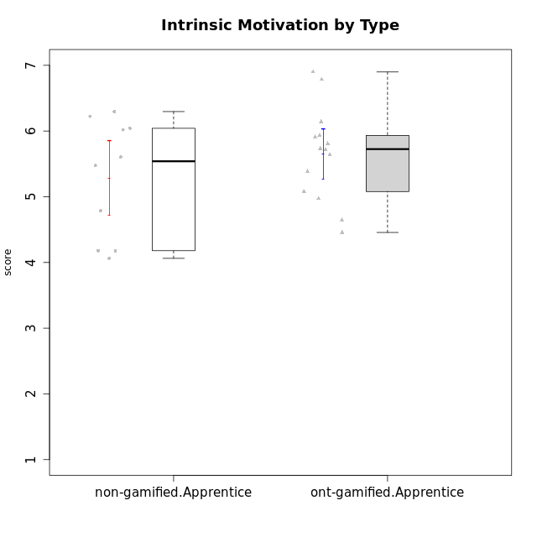

Student's t-Test data
UserID | NroUSP | Type | CLGroup | CLRole | PlayerRole | Interest/Enjoyment | Perceived Choice | Pressure/Tension | Effort/Importance | Intrinsic Motivation
10170 | 10260351 | ont-gamified | Grupo Afrodite | Apprentice | Yee Achiever | 5.1666666667 | 6.4 | 1 | 6 | 6.1416666667
10171 | 698531 | non-gamified | Grupo Team 6 | Apprentice |  | 5.6666666667 | 6 | 1.25 | 5.6666666667 | 6.0208333333
10176 | 10276949 | ont-gamified | Grupo Cronus | Apprentice | Yee Achiever | 4.1666666667 | 5.8 | 1.9913 | 4.6666666667 | 4.9708333333
10178 | 8656201 | ont-gamified | Grupo Morfeu | Apprentice | Yee Socializer | 5 | 5.8 | 1.9913 | 6 | 5.6375
10183 | 10352030 | ont-gamified | Grupo Hélio | Apprentice | Yee Socializer | 4 | 5.4 | 1.9913 | 5.6666666667 | 5.0791666667
10185 | 10276960 | non-gamified | Grupo Team 12 | Apprentice |  | 4 | 4.4 | 2.25 | 5 | 4.7875
10186 | 10310551 | ont-gamified | Grupo Ares | Apprentice | Yee Achiever | 4.6666666667 | 6.2 | 1.9913 | 7 | 5.7166666667
10187 | 9790781 | non-gamified | Grupo Team 15 | Apprentice |  | 6.7181 | 6 | 2.48695 | 6.6666666667 | 6.0416666667
10192 | 10276682 | non-gamified | Grupo Team 5 | Apprentice |  | 6.1666666667 | 4.4 | 1 | 4.3333333333 | 5.475
10195 | 10351971 | ont-gamified | Grupo Urano | Apprentice | Yee Achiever | 5.3333333333 | 4.6 | 1 | 6 | 5.7333333333
10196 | 10310655 | ont-gamified | Grupo Hefesto | Apprentice | Yee Achiever | 4 | 4.2 | 1 | 6.3333333333 | 5.3833333333
10197 | 10276661 | ont-gamified | Grupo Gaia | Apprentice | Yee Achiever | 4.8333333333 | 6.8 | 1 | 5 | 5.9083333333
10198 | 10310888 | ont-gamified | Grupo Apolo | Apprentice | Yee Socializer | 6.6434666667 | 7 | 1 | 7 | 6.8989766667
10200 | 9795272 | ont-gamified | Grupo Hades | Apprentice | Yee Socializer | 6.3333333333 | 5.4 | 1 | 5 | 5.9333333333
10202 | 10277036 | non-gamified | Grupo Team 11 | Apprentice |  | 4 | 3.2 | 2.48695 | 7 | 4.175
10203 | 9921470 | non-gamified | Grupo Team 3 | Apprentice |  | 4 | 7 | 1.25 | 4.6666666667 | 5.6041666667
10208 | 10276932 | non-gamified | Grupo Team 7 | Apprentice |  | 6.3333333333 | 5.6 | 1.75 | 7 | 6.2958333333
10209 | 10262669 | ont-gamified | Grupo Artemis | Apprentice | Yee Achiever | 3.1666666667 | 4.02088 | 1 | 7 | 4.6416666667
10210 | 10277015 | non-gamified | Grupo Team 9 | Apprentice |  | 3.5 | 2.8 | 2.48695 | 6.6666666667 | 4.1791666667
10220 | 9760151 | non-gamified | Grupo Team 2 | Apprentice |  | 5.5 | 6.4 | 1 | 6 | 6.225
10221 | 9082496 | ont-gamified | Grupo Hermes | Apprentice | Yee Achiever | 4.5 | 5.4 | 1 | 6.3333333333 | 5.8083333333
10231 | 10276911 | ont-gamified | Grupo Caronte | Apprentice | Yee Achiever | 6.6434666667 | 6.8 | 1 | 6.3333333333 | 6.7833333333
10238 | 10276953 | non-gamified | Grupo Team 13 | Apprentice |  | 3.8333333333 | 3 | 2.48695 | 5.6666666667 | 4.0625
10240 | 10276654 | ont-gamified | Grupo Hera | Apprentice | Yee Achiever | 3.5 | 4.02088 | 1 | 4.6666666667 | 4.4564566667

Type_CLRole_3
Student's t-Test for Intrinsic Motivation by Type in Type:CLRole between non-gamified.Apprentice:ont-gamified.Master

Student's t-Test results
Alternative hypothesis: less
Group | N | Mean | Mean.Difference | Std.deviation | Std.error | CI.lower | CI.upper | df | t.value | p.value | g | magnitude
non-gamified.Apprentice | 10 | 5.2866666667 | -0.29994047619 | 0.90396033659 | 0.28585735781 | 4.7149519511 | 5.8583813823 | 13.24370699 | -0.94368365601 | 0.18111474762 | -0.41202634945 | small
ont-gamified.Master | 14 | 5.5866071429 | 0.29994047619 | 0.51991374863 | 0.13895279415 | 5.3087015546 | 5.8645127311 | 13.24370699 | -0.94368365601 | 0.18111474762 | -0.41202634945 | small
Alternative hypothesis: greater
Group | N | Mean | Mean.Difference | Std.deviation | Std.error | CI.lower | CI.upper | df | t.value | p.value | g | magnitude
non-gamified.Apprentice | 10 | 5.2866666667 | -0.29994047619 | 0.90396033659 | 0.28585735781 | 4.7149519511 | 5.8583813823 | 13.24370699 | -0.94368365601 | 0.81888525238 | -0.41202634945 | small
ont-gamified.Master | 14 | 5.5866071429 | 0.29994047619 | 0.51991374863 | 0.13895279415 | 5.3087015546 | 5.8645127311 | 13.24370699 | -0.94368365601 | 0.81888525238 | -0.41202634945 | small
Alternative hypothesis: two.sided
Group | N | Mean | Mean.Difference | Std.deviation | Std.error | CI.lower | CI.upper | df | t.value | p.value | g | magnitude
non-gamified.Apprentice | 10 | 5.2866666667 | -0.29994047619 | 0.90396033659 | 0.28585735781 | 4.7149519511 | 5.8583813823 | 13.24370699 | -0.94368365601 | 0.36222949525 | -0.41202634945 | small
ont-gamified.Master | 14 | 5.5866071429 | 0.29994047619 | 0.51991374863 | 0.13895279415 | 5.3087015546 | 5.8645127311 | 13.24370699 | -0.94368365601 | 0.36222949525 | -0.41202634945 | small

Box plots for Student's t-Test
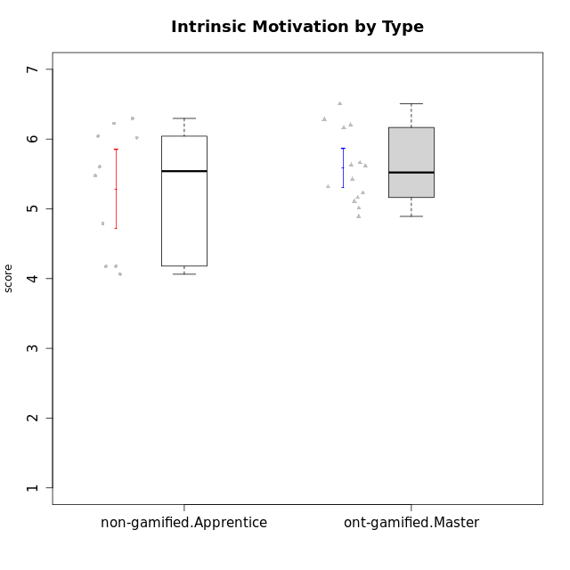

Student's t-Test data
UserID | NroUSP | Type | CLGroup | CLRole | PlayerRole | Interest/Enjoyment | Perceived Choice | Pressure/Tension | Effort/Importance | Intrinsic Motivation
10169 | 10377538 | ont-gamified | Grupo Hefesto | Master | Yee Achiever | 5.6666666667 | 4.8 | 1.9913 | 6 | 5.6166666667
10171 | 698531 | non-gamified | Grupo Team 6 | Apprentice |  | 5.6666666667 | 6 | 1.25 | 5.6666666667 | 6.0208333333
10174 | 10276852 | ont-gamified | Grupo Urano | Master | Yee Achiever | 4.8333333333 | 4.4 | 1.25 | 6.6666666667 | 5.6625
10175 | 10310700 | ont-gamified | Grupo Hélio | Master | Yee Socializer | 5.6666666667 | 7 | 1 | 5 | 6.1666666667
10184 | 10276675 | ont-gamified | Grupo Apolo | Master | Yee Socializer | 4.5 | 5.6 | 1.9913 | 6.6666666667 | 5.6291666667
10185 | 10276960 | non-gamified | Grupo Team 12 | Apprentice |  | 4 | 4.4 | 2.25 | 5 | 4.7875
10187 | 9790781 | non-gamified | Grupo Team 15 | Apprentice |  | 6.7181 | 6 | 2.48695 | 6.6666666667 | 6.0416666667
10189 | 9363926 | ont-gamified | Grupo Hades | Master | Yee Socializer | 4 | 5.2 | 1.9913 | 6.3333333333 | 5.0083333333
10192 | 10276682 | non-gamified | Grupo Team 5 | Apprentice |  | 6.1666666667 | 4.4 | 1 | 4.3333333333 | 5.475
10193 | 10276762 | ont-gamified | Grupo Afrodite | Master | Yee Achiever | 4.8333333333 | 4.4 | 1.25 | 4.6666666667 | 5.1625
10199 | 10276737 | ont-gamified | Grupo Gaia | Master | Yee Achiever | 4 | 7 | 1.9913 | 4.6666666667 | 5.2291666667
10201 | 10276928 | ont-gamified | Grupo Caronte | Master | Yee Achiever | 6.3333333333 | 5.8 | 1.9913 | 7 | 6.2833333333
10202 | 10277036 | non-gamified | Grupo Team 11 | Apprentice |  | 4 | 3.2 | 2.48695 | 7 | 4.175
10203 | 9921470 | non-gamified | Grupo Team 3 | Apprentice |  | 4 | 7 | 1.25 | 4.6666666667 | 5.6041666667
10204 | 10310471 | ont-gamified | Grupo Hermes | Master | Yee Achiever | 6.8333333333 | 6.2 | 1 | 6 | 6.5083333333
10206 | 10310721 | ont-gamified | Grupo Hera | Master | Yee Achiever | 4.5 | 6.6 | 1.9913 | 5.6666666667 | 5.3166666667
10208 | 10276932 | non-gamified | Grupo Team 7 | Apprentice |  | 6.3333333333 | 5.6 | 1.75 | 7 | 6.2958333333
10210 | 10277015 | non-gamified | Grupo Team 9 | Apprentice |  | 3.5 | 2.8 | 2.48695 | 6.6666666667 | 4.1791666667
10213 | 10277040 | ont-gamified | Grupo Morfeu | Master | Yee Socializer | 5.5 | 4.6 | 1 | 4.0232 | 5.1083333333
10218 | 9842913 | ont-gamified | Grupo Ares | Master | Yee Achiever | 3.3333333333 | 5.4 | 1.9913 | 6.3333333333 | 4.8916666667
10220 | 9760151 | non-gamified | Grupo Team 2 | Apprentice |  | 5.5 | 6.4 | 1 | 6 | 6.225
10223 | 9795185 | ont-gamified | Grupo Cronus | Master | Yee Achiever | 6.3333333333 | 6.4 | 1.25 | 5.3333333333 | 6.2041666667
10232 | 10276974 | ont-gamified | Grupo Artemis | Master | Yee Achiever | 5.5 | 5.2 | 1.9913 | 6 | 5.425
10238 | 10276953 | non-gamified | Grupo Team 13 | Apprentice |  | 3.8333333333 | 3 | 2.48695 | 5.6666666667 | 4.0625

Type_CLRole_4
Student's t-Test for Intrinsic Motivation by Type in Type:CLRole between non-gamified.Master:ont-gamified.Apprentice

Student's t-Test results
Alternative hypothesis: less
Group | N | Mean | Mean.Difference | Std.deviation | Std.error | CI.lower | CI.upper | df | t.value | p.value | g | magnitude
non-gamified.Master | 10 | 5.06375 | -0.5857452381 | 0.62059263915 | 0.19624862388 | 4.6712527522 | 5.4562472478 | 21.003058283 | -2.144445635 | 0.021925954587 | -0.83735795167 | large
ont-gamified.Apprentice | 14 | 5.6494952381 | 0.5857452381 | 0.71086399981 | 0.18998639542 | 5.2695224473 | 6.0294680289 | 21.003058283 | -2.144445635 | 0.021925954587 | -0.83735795167 | large
Alternative hypothesis: greater
Group | N | Mean | Mean.Difference | Std.deviation | Std.error | CI.lower | CI.upper | df | t.value | p.value | g | magnitude
non-gamified.Master | 10 | 5.06375 | -0.5857452381 | 0.62059263915 | 0.19624862388 | 4.6712527522 | 5.4562472478 | 21.003058283 | -2.144445635 | 0.97807404541 | -0.83735795167 | large
ont-gamified.Apprentice | 14 | 5.6494952381 | 0.5857452381 | 0.71086399981 | 0.18998639542 | 5.2695224473 | 6.0294680289 | 21.003058283 | -2.144445635 | 0.97807404541 | -0.83735795167 | large
Alternative hypothesis: two.sided
Group | N | Mean | Mean.Difference | Std.deviation | Std.error | CI.lower | CI.upper | df | t.value | p.value | g | magnitude
non-gamified.Master | 10 | 5.06375 | -0.5857452381 | 0.62059263915 | 0.19624862388 | 4.6712527522 | 5.4562472478 | 21.003058283 | -2.144445635 | 0.043851909174 | -0.83735795167 | large
ont-gamified.Apprentice | 14 | 5.6494952381 | 0.5857452381 | 0.71086399981 | 0.18998639542 | 5.2695224473 | 6.0294680289 | 21.003058283 | -2.144445635 | 0.043851909174 | -0.83735795167 | large

Box plots for Student's t-Test
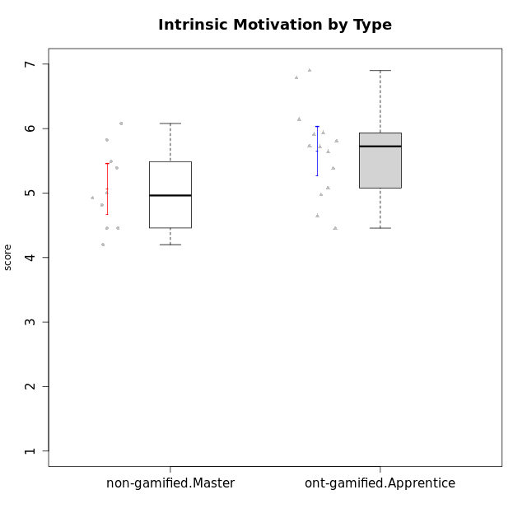

Student's t-Test data
UserID | NroUSP | Type | CLGroup | CLRole | PlayerRole | Interest/Enjoyment | Perceived Choice | Pressure/Tension | Effort/Importance | Intrinsic Motivation
10170 | 10260351 | ont-gamified | Grupo Afrodite | Apprentice | Yee Achiever | 5.1666666667 | 6.4 | 1 | 6 | 6.1416666667
10176 | 10276949 | ont-gamified | Grupo Cronus | Apprentice | Yee Achiever | 4.1666666667 | 5.8 | 1.9913 | 4.6666666667 | 4.9708333333
10178 | 8656201 | ont-gamified | Grupo Morfeu | Apprentice | Yee Socializer | 5 | 5.8 | 1.9913 | 6 | 5.6375
10179 | 10310759 | non-gamified | Grupo Team 9 | Master |  | 3.8333333333 | 3.2 | 2 | 6.6434666667 | 4.925
10183 | 10352030 | ont-gamified | Grupo Hélio | Apprentice | Yee Socializer | 4 | 5.4 | 1.9913 | 5.6666666667 | 5.0791666667
10186 | 10310551 | ont-gamified | Grupo Ares | Apprentice | Yee Achiever | 4.6666666667 | 6.2 | 1.9913 | 7 | 5.7166666667
10188 | 10276995 | non-gamified | Grupo Team 3 | Master |  | 3.8333333333 | 5 | 1.5 | 4.6666666667 | 5
10191 | 10276981 | non-gamified | Grupo Team 6 | Master |  | 5.6666666667 | 5.2 | 1.25 | 4.3333333333 | 5.4875
10195 | 10351971 | ont-gamified | Grupo Urano | Apprentice | Yee Achiever | 5.3333333333 | 4.6 | 1 | 6 | 5.7333333333
10196 | 10310655 | ont-gamified | Grupo Hefesto | Apprentice | Yee Achiever | 4 | 4.2 | 1 | 6.3333333333 | 5.3833333333
10197 | 10276661 | ont-gamified | Grupo Gaia | Apprentice | Yee Achiever | 4.8333333333 | 6.8 | 1 | 5 | 5.9083333333
10198 | 10310888 | ont-gamified | Grupo Apolo | Apprentice | Yee Socializer | 6.6434666667 | 7 | 1 | 7 | 6.8989766667
10200 | 9795272 | ont-gamified | Grupo Hades | Apprentice | Yee Socializer | 6.3333333333 | 5.4 | 1 | 5 | 5.9333333333
10209 | 10262669 | ont-gamified | Grupo Artemis | Apprentice | Yee Achiever | 3.1666666667 | 4.02088 | 1 | 7 | 4.6416666667
10211 | 9311643 | non-gamified | Grupo Team 2 | Master |  | 6.1666666667 | 3 | 2 | 2.7014666667 | 4.4583333333
10214 | 10277022 | non-gamified | Grupo Team 5 | Master |  | 3 | 3.8 | 2 | 4 | 4.2
10216 | 10276720 | non-gamified | Grupo Team 15 | Master |  | 4.8333333333 | 6.4 | 1.25 | 6.3333333333 | 6.0791666667
10217 | 9805341 | non-gamified | Grupo Team 13 | Master |  | 3.8333333333 | 6.8 | 1 | 5.6666666667 | 5.825
10219 | 10276831 | non-gamified | Grupo Team 12 | Master |  | 3.6666666667 | 4.6 | 1 | 4 | 4.8166666667
10221 | 9082496 | ont-gamified | Grupo Hermes | Apprentice | Yee Achiever | 4.5 | 5.4 | 1 | 6.3333333333 | 5.8083333333
10230 | 10351992 | non-gamified | Grupo Team 14 | Master |  | 2.6666666667 | 5.4 | 2.48695 | 5 | 4.4541666667
10231 | 10276911 | ont-gamified | Grupo Caronte | Apprentice | Yee Achiever | 6.6434666667 | 6.8 | 1 | 6.3333333333 | 6.7833333333
10237 | 10377688 | non-gamified | Grupo Team 11 | Master |  | 4.8333333333 | 5.4 | 1 | 4.3333333333 | 5.3916666667
10240 | 10276654 | ont-gamified | Grupo Hera | Apprentice | Yee Achiever | 3.5 | 4.02088 | 1 | 4.6666666667 | 4.4564566667

Type_CLRole_5
Student's t-Test for Intrinsic Motivation by Type in Type:CLRole between non-gamified.Master:ont-gamified.Master

Student's t-Test results
Alternative hypothesis: less
Group | N | Mean | Mean.Difference | Std.deviation | Std.error | CI.lower | CI.upper | df | t.value | p.value | g | magnitude
non-gamified.Master | 10 | 5.06375 | -0.52285714286 | 0.62059263915 | 0.19624862388 | 4.6712527522 | 5.4562472478 | 17.279304593 | -2.1743964923 | 0.021922073338 | -0.89622880829 | large
ont-gamified.Master | 14 | 5.5866071429 | 0.52285714286 | 0.51991374863 | 0.13895279415 | 5.3087015546 | 5.8645127311 | 17.279304593 | -2.1743964923 | 0.021922073338 | -0.89622880829 | large
Alternative hypothesis: greater
Group | N | Mean | Mean.Difference | Std.deviation | Std.error | CI.lower | CI.upper | df | t.value | p.value | g | magnitude
non-gamified.Master | 10 | 5.06375 | -0.52285714286 | 0.62059263915 | 0.19624862388 | 4.6712527522 | 5.4562472478 | 17.279304593 | -2.1743964923 | 0.97807792666 | -0.89622880829 | large
ont-gamified.Master | 14 | 5.5866071429 | 0.52285714286 | 0.51991374863 | 0.13895279415 | 5.3087015546 | 5.8645127311 | 17.279304593 | -2.1743964923 | 0.97807792666 | -0.89622880829 | large
Alternative hypothesis: two.sided
Group | N | Mean | Mean.Difference | Std.deviation | Std.error | CI.lower | CI.upper | df | t.value | p.value | g | magnitude
non-gamified.Master | 10 | 5.06375 | -0.52285714286 | 0.62059263915 | 0.19624862388 | 4.6712527522 | 5.4562472478 | 17.279304593 | -2.1743964923 | 0.043844146675 | -0.89622880829 | large
ont-gamified.Master | 14 | 5.5866071429 | 0.52285714286 | 0.51991374863 | 0.13895279415 | 5.3087015546 | 5.8645127311 | 17.279304593 | -2.1743964923 | 0.043844146675 | -0.89622880829 | large

Box plots for Student's t-Test
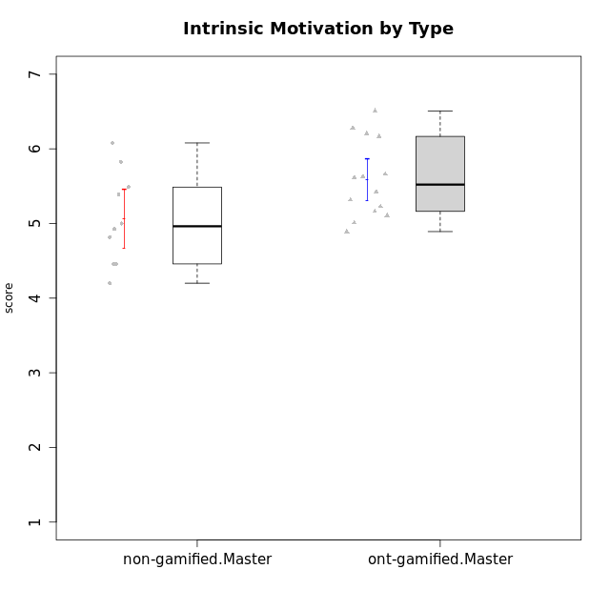

Student's t-Test data
UserID | NroUSP | Type | CLGroup | CLRole | PlayerRole | Interest/Enjoyment | Perceived Choice | Pressure/Tension | Effort/Importance | Intrinsic Motivation
10169 | 10377538 | ont-gamified | Grupo Hefesto | Master | Yee Achiever | 5.6666666667 | 4.8 | 1.9913 | 6 | 5.6166666667
10174 | 10276852 | ont-gamified | Grupo Urano | Master | Yee Achiever | 4.8333333333 | 4.4 | 1.25 | 6.6666666667 | 5.6625
10175 | 10310700 | ont-gamified | Grupo Hélio | Master | Yee Socializer | 5.6666666667 | 7 | 1 | 5 | 6.1666666667
10179 | 10310759 | non-gamified | Grupo Team 9 | Master |  | 3.8333333333 | 3.2 | 2 | 6.6434666667 | 4.925
10184 | 10276675 | ont-gamified | Grupo Apolo | Master | Yee Socializer | 4.5 | 5.6 | 1.9913 | 6.6666666667 | 5.6291666667
10188 | 10276995 | non-gamified | Grupo Team 3 | Master |  | 3.8333333333 | 5 | 1.5 | 4.6666666667 | 5
10189 | 9363926 | ont-gamified | Grupo Hades | Master | Yee Socializer | 4 | 5.2 | 1.9913 | 6.3333333333 | 5.0083333333
10191 | 10276981 | non-gamified | Grupo Team 6 | Master |  | 5.6666666667 | 5.2 | 1.25 | 4.3333333333 | 5.4875
10193 | 10276762 | ont-gamified | Grupo Afrodite | Master | Yee Achiever | 4.8333333333 | 4.4 | 1.25 | 4.6666666667 | 5.1625
10199 | 10276737 | ont-gamified | Grupo Gaia | Master | Yee Achiever | 4 | 7 | 1.9913 | 4.6666666667 | 5.2291666667
10201 | 10276928 | ont-gamified | Grupo Caronte | Master | Yee Achiever | 6.3333333333 | 5.8 | 1.9913 | 7 | 6.2833333333
10204 | 10310471 | ont-gamified | Grupo Hermes | Master | Yee Achiever | 6.8333333333 | 6.2 | 1 | 6 | 6.5083333333
10206 | 10310721 | ont-gamified | Grupo Hera | Master | Yee Achiever | 4.5 | 6.6 | 1.9913 | 5.6666666667 | 5.3166666667
10211 | 9311643 | non-gamified | Grupo Team 2 | Master |  | 6.1666666667 | 3 | 2 | 2.7014666667 | 4.4583333333
10213 | 10277040 | ont-gamified | Grupo Morfeu | Master | Yee Socializer | 5.5 | 4.6 | 1 | 4.0232 | 5.1083333333
10214 | 10277022 | non-gamified | Grupo Team 5 | Master |  | 3 | 3.8 | 2 | 4 | 4.2
10216 | 10276720 | non-gamified | Grupo Team 15 | Master |  | 4.8333333333 | 6.4 | 1.25 | 6.3333333333 | 6.0791666667
10217 | 9805341 | non-gamified | Grupo Team 13 | Master |  | 3.8333333333 | 6.8 | 1 | 5.6666666667 | 5.825
10218 | 9842913 | ont-gamified | Grupo Ares | Master | Yee Achiever | 3.3333333333 | 5.4 | 1.9913 | 6.3333333333 | 4.8916666667
10219 | 10276831 | non-gamified | Grupo Team 12 | Master |  | 3.6666666667 | 4.6 | 1 | 4 | 4.8166666667
10223 | 9795185 | ont-gamified | Grupo Cronus | Master | Yee Achiever | 6.3333333333 | 6.4 | 1.25 | 5.3333333333 | 6.2041666667
10230 | 10351992 | non-gamified | Grupo Team 14 | Master |  | 2.6666666667 | 5.4 | 2.48695 | 5 | 4.4541666667
10232 | 10276974 | ont-gamified | Grupo Artemis | Master | Yee Achiever | 5.5 | 5.2 | 1.9913 | 6 | 5.425
10237 | 10377688 | non-gamified | Grupo Team 11 | Master |  | 4.8333333333 | 5.4 | 1 | 4.3333333333 | 5.3916666667

Type_CLRole_6
Student's t-Test for Intrinsic Motivation by Type in Type:CLRole between ont-gamified.Apprentice:ont-gamified.Master

Student's t-Test results
Alternative hypothesis: less
Group | N | Mean | Mean.Difference | Std.deviation | Std.error | CI.lower | CI.upper | df | t.value | p.value | g | magnitude
ont-gamified.Apprentice | 14 | 5.6494952381 | 0.062888095238 | 0.71086399981 | 0.18998639542 | 5.2695224473 | 6.0294680289 | 23.813705609 | 0.26717938069 | 0.60418434614 | 0.098043023129 | negligible
ont-gamified.Master | 14 | 5.5866071429 | -0.062888095238 | 0.51991374863 | 0.13895279415 | 5.3087015546 | 5.8645127311 | 23.813705609 | 0.26717938069 | 0.60418434614 | 0.098043023129 | negligible
Alternative hypothesis: greater
Group | N | Mean | Mean.Difference | Std.deviation | Std.error | CI.lower | CI.upper | df | t.value | p.value | g | magnitude
ont-gamified.Apprentice | 14 | 5.6494952381 | 0.062888095238 | 0.71086399981 | 0.18998639542 | 5.2695224473 | 6.0294680289 | 23.813705609 | 0.26717938069 | 0.39581565386 | 0.098043023129 | negligible
ont-gamified.Master | 14 | 5.5866071429 | -0.062888095238 | 0.51991374863 | 0.13895279415 | 5.3087015546 | 5.8645127311 | 23.813705609 | 0.26717938069 | 0.39581565386 | 0.098043023129 | negligible
Alternative hypothesis: two.sided
Group | N | Mean | Mean.Difference | Std.deviation | Std.error | CI.lower | CI.upper | df | t.value | p.value | g | magnitude
ont-gamified.Apprentice | 14 | 5.6494952381 | 0.062888095238 | 0.71086399981 | 0.18998639542 | 5.2695224473 | 6.0294680289 | 23.813705609 | 0.26717938069 | 0.79163130771 | 0.098043023129 | negligible
ont-gamified.Master | 14 | 5.5866071429 | -0.062888095238 | 0.51991374863 | 0.13895279415 | 5.3087015546 | 5.8645127311 | 23.813705609 | 0.26717938069 | 0.79163130771 | 0.098043023129 | negligible

Box plots for Student's t-Test
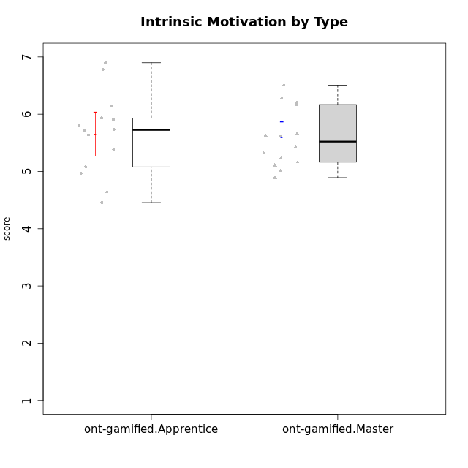

Student's t-Test data
UserID | NroUSP | Type | CLGroup | CLRole | PlayerRole | Interest/Enjoyment | Perceived Choice | Pressure/Tension | Effort/Importance | Intrinsic Motivation
10169 | 10377538 | ont-gamified | Grupo Hefesto | Master | Yee Achiever | 5.6666666667 | 4.8 | 1.9913 | 6 | 5.6166666667
10170 | 10260351 | ont-gamified | Grupo Afrodite | Apprentice | Yee Achiever | 5.1666666667 | 6.4 | 1 | 6 | 6.1416666667
10174 | 10276852 | ont-gamified | Grupo Urano | Master | Yee Achiever | 4.8333333333 | 4.4 | 1.25 | 6.6666666667 | 5.6625
10175 | 10310700 | ont-gamified | Grupo Hélio | Master | Yee Socializer | 5.6666666667 | 7 | 1 | 5 | 6.1666666667
10176 | 10276949 | ont-gamified | Grupo Cronus | Apprentice | Yee Achiever | 4.1666666667 | 5.8 | 1.9913 | 4.6666666667 | 4.9708333333
10178 | 8656201 | ont-gamified | Grupo Morfeu | Apprentice | Yee Socializer | 5 | 5.8 | 1.9913 | 6 | 5.6375
10183 | 10352030 | ont-gamified | Grupo Hélio | Apprentice | Yee Socializer | 4 | 5.4 | 1.9913 | 5.6666666667 | 5.0791666667
10184 | 10276675 | ont-gamified | Grupo Apolo | Master | Yee Socializer | 4.5 | 5.6 | 1.9913 | 6.6666666667 | 5.6291666667
10186 | 10310551 | ont-gamified | Grupo Ares | Apprentice | Yee Achiever | 4.6666666667 | 6.2 | 1.9913 | 7 | 5.7166666667
10189 | 9363926 | ont-gamified | Grupo Hades | Master | Yee Socializer | 4 | 5.2 | 1.9913 | 6.3333333333 | 5.0083333333
10193 | 10276762 | ont-gamified | Grupo Afrodite | Master | Yee Achiever | 4.8333333333 | 4.4 | 1.25 | 4.6666666667 | 5.1625
10195 | 10351971 | ont-gamified | Grupo Urano | Apprentice | Yee Achiever | 5.3333333333 | 4.6 | 1 | 6 | 5.7333333333
10196 | 10310655 | ont-gamified | Grupo Hefesto | Apprentice | Yee Achiever | 4 | 4.2 | 1 | 6.3333333333 | 5.3833333333
10197 | 10276661 | ont-gamified | Grupo Gaia | Apprentice | Yee Achiever | 4.8333333333 | 6.8 | 1 | 5 | 5.9083333333
10198 | 10310888 | ont-gamified | Grupo Apolo | Apprentice | Yee Socializer | 6.6434666667 | 7 | 1 | 7 | 6.8989766667
10199 | 10276737 | ont-gamified | Grupo Gaia | Master | Yee Achiever | 4 | 7 | 1.9913 | 4.6666666667 | 5.2291666667
10200 | 9795272 | ont-gamified | Grupo Hades | Apprentice | Yee Socializer | 6.3333333333 | 5.4 | 1 | 5 | 5.9333333333
10201 | 10276928 | ont-gamified | Grupo Caronte | Master | Yee Achiever | 6.3333333333 | 5.8 | 1.9913 | 7 | 6.2833333333
10204 | 10310471 | ont-gamified | Grupo Hermes | Master | Yee Achiever | 6.8333333333 | 6.2 | 1 | 6 | 6.5083333333
10206 | 10310721 | ont-gamified | Grupo Hera | Master | Yee Achiever | 4.5 | 6.6 | 1.9913 | 5.6666666667 | 5.3166666667
10209 | 10262669 | ont-gamified | Grupo Artemis | Apprentice | Yee Achiever | 3.1666666667 | 4.02088 | 1 | 7 | 4.6416666667
10213 | 10277040 | ont-gamified | Grupo Morfeu | Master | Yee Socializer | 5.5 | 4.6 | 1 | 4.0232 | 5.1083333333
10218 | 9842913 | ont-gamified | Grupo Ares | Master | Yee Achiever | 3.3333333333 | 5.4 | 1.9913 | 6.3333333333 | 4.8916666667
10221 | 9082496 | ont-gamified | Grupo Hermes | Apprentice | Yee Achiever | 4.5 | 5.4 | 1 | 6.3333333333 | 5.8083333333
10223 | 9795185 | ont-gamified | Grupo Cronus | Master | Yee Achiever | 6.3333333333 | 6.4 | 1.25 | 5.3333333333 | 6.2041666667
10231 | 10276911 | ont-gamified | Grupo Caronte | Apprentice | Yee Achiever | 6.6434666667 | 6.8 | 1 | 6.3333333333 | 6.7833333333
10232 | 10276974 | ont-gamified | Grupo Artemis | Master | Yee Achiever | 5.5 | 5.2 | 1.9913 | 6 | 5.425
10240 | 10276654 | ont-gamified | Grupo Hera | Apprentice | Yee Achiever | 3.5 | 4.02088 | 1 | 4.6666666667 | 4.4564566667

