Assumptions
ANOVA assumptions for Pressure/Tension by Type

Shapiro-Wilk normality test for Pressure/Tension by Type
W | p.value
0.95124229394 | 0.061204720506

Plots for normality test
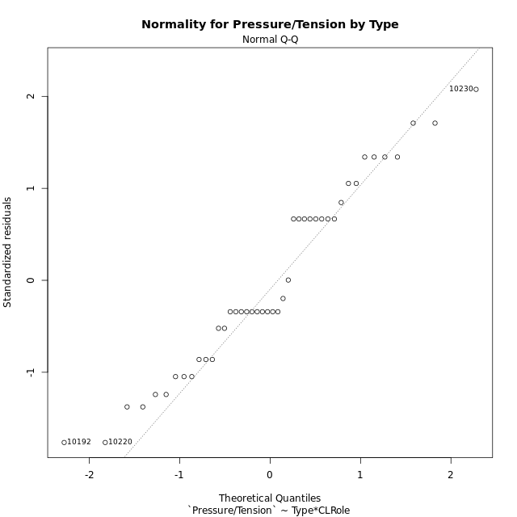

Levene's Test for Homogeneity of Variance in Pressure/Tension by Type
Df | F value | Pr(>F)
3 | 2.373561027 | 0.08455266324
40

Plots for homogeneity of variance
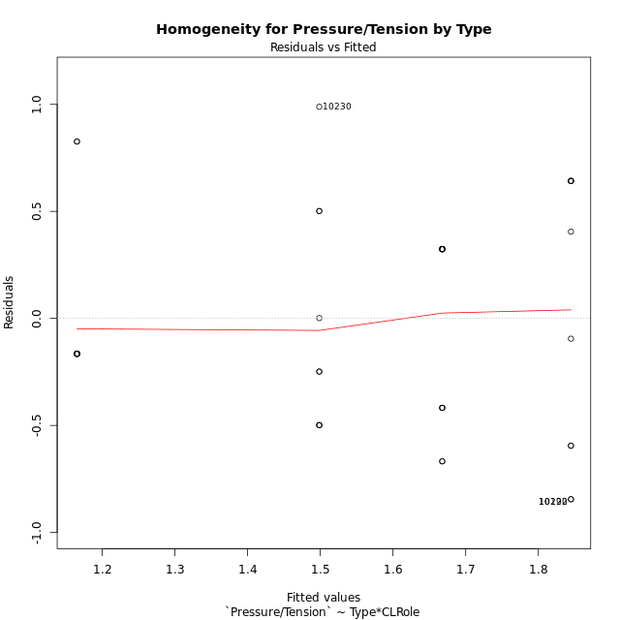

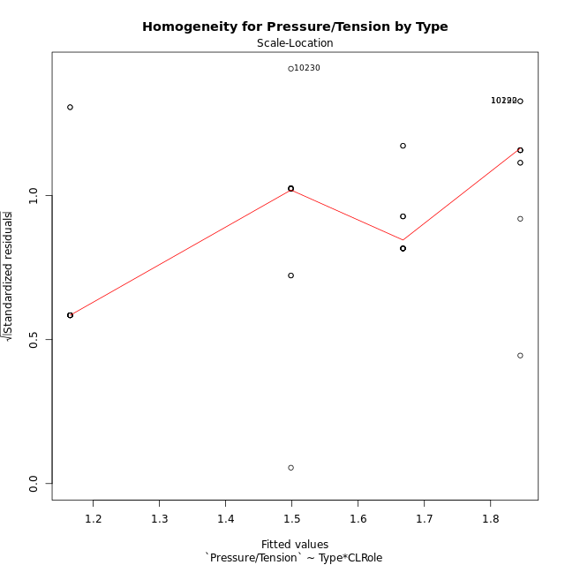

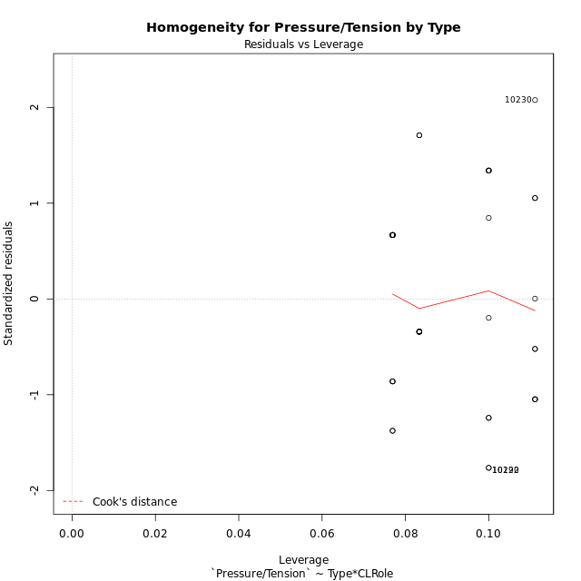

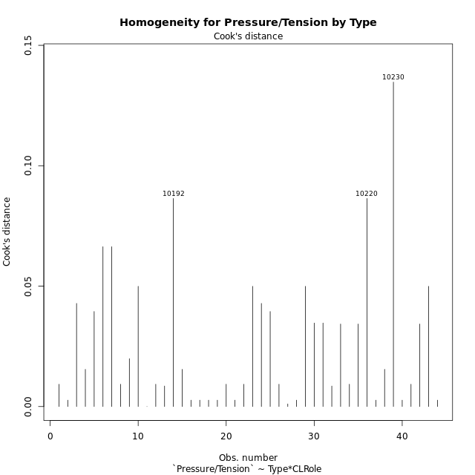

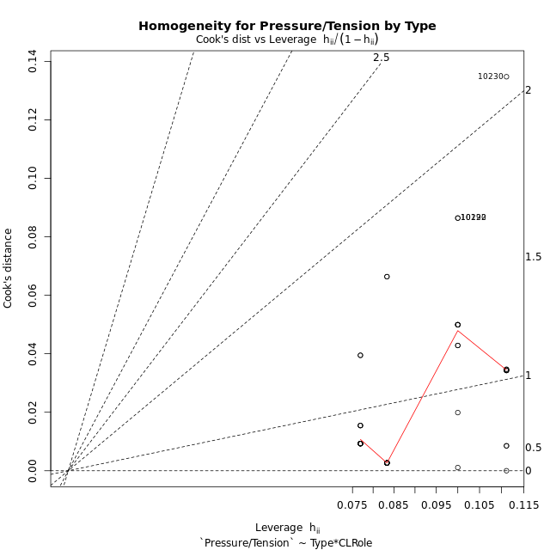

Minimum Sample Size Test for Pressure/Tension by Type
Type | CLRole | Freq
non-gamified | Apprentice | 10
ont-gamified | Apprentice | 12
non-gamified | Master | 9
ont-gamified | Master | 13

Errors and Warnings in Sample Size Test for ANOVA in Pressure/Tension by Type
code | description
WARN: sample.size | current size is 10 and recommended size is 15 for the group: 'non-gamified:Apprentice'.
WARN: sample.size | current size is 12 and recommended size is 15 for the group: 'ont-gamified:Apprentice'.
WARN: sample.size | current size is 9 and recommended size is 15 for the group: 'non-gamified:Master'.
WARN: sample.size | current size is 13 and recommended size is 15 for the group: 'ont-gamified:Master'.

For the group: 'non-gamified:Apprentice', we recommend the use of non-parametric test. For the group: 'ont-gamified:Apprentice', we recommend the use of non-parametric test. For the group: 'non-gamified:Master', we recommend the use of non-parametric test. For the group: 'ont-gamified:Master', we recommend the use of non-parametric test.

If you don't want to remove non-normal data, you must cite the following references: ... (1) Lix, L.M., J.C. Keselman, and H.J. Keselman. 1996. Consequences of assumption violations revisited: A quantitative review of alternatives to the one-way analysis of variance F test. Rev. Educ. Res. 66: 579-619. ... (2) Harwell, M.R., E.N. Rubinstein, W.S. Hayes, and C.C. Olds. 1992. Summarizing Monte Carlo results in methodological research: the one- and two-factor fixed effects ANOVA cases. J. Educ. Stat. 17: 315-339.

Post-hoc
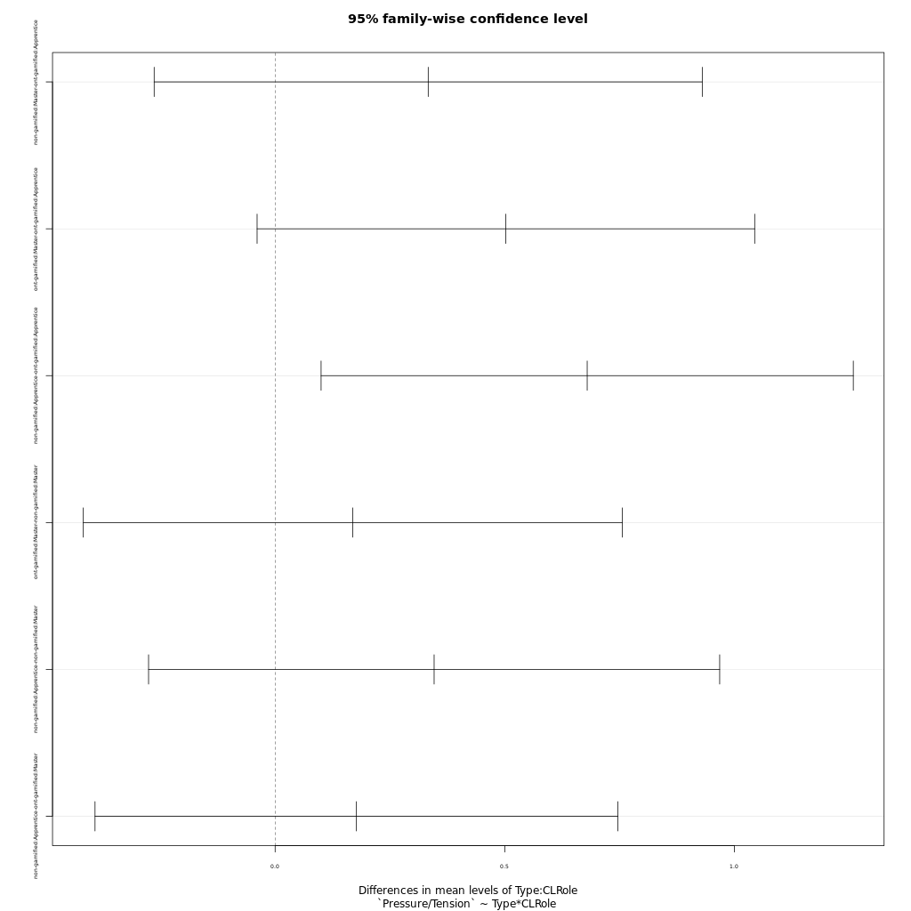
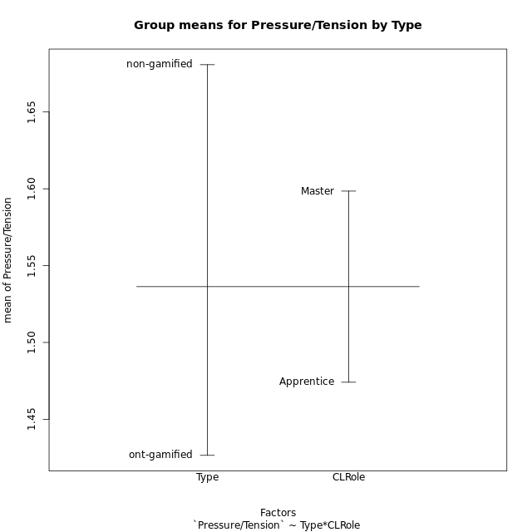
Post-hoc Tukey Honestly Significant Difference (HSD) Test for Pressure/Tension by Type

Comparisons of means for Type
 | diff | lwr | upr | p adj
non-gamified-ont-gamified | 0.25425631579 | -0.056322918452 | 0.56483555003 | 0.10584143935

Comparisons of means for CLRole
 | diff | lwr | upr | p adj
Master-Apprentice | 0.13596392344 | -0.17171414383 | 0.44364199072 | 0.37713512573

Comparisons of means for Type:CLRole
 | diff | lwr | upr | p adj
non-gamified:Master-ont-gamified:Apprentice | 0.33333333333 | -0.26344201963 | 0.9301086863 | 0.44866570985
ont-gamified:Master-ont-gamified:Apprentice | 0.50250641026 | -0.039270901393 | 1.0442837219 | 0.07755386382
non-gamified:Apprentice-ont-gamified:Apprentice | 0.67956333333 | 0.10008950494 | 1.2590371617 | 0.01594894561
ont-gamified:Master-non-gamified:Master | 0.16917307692 | -0.41768288129 | 0.75602903514 | 0.8662963759
non-gamified:Apprentice-non-gamified:Master | 0.34623 | -0.27559568142 | 0.96805568142 | 0.45143251175
non-gamified:Apprentice-ont-gamified:Master | 0.17705692308 | -0.39219610641 | 0.74630995256 | 0.83812425314

Contrast Matrices for Pressure/Tension by Type - Type
contrast | estimate | SE | df | t.ratio | p.value
non-gamified - ont-gamified | 0.25519512821 | 0.15384462635 | 40 | 1.658784803 | 0.10498149837

Contrast Matrices for Pressure/Tension by Type - Type:CLRole
contrast | CLRole | estimate | SE | df | t.ratio | p.value
non-gamified - ont-gamified | Apprentice | 0.67956333333 | 0.21618775164 | 40 | 3.1433942403 | 0.0031426924322
non-gamified - ont-gamified | Master | -0.16917307692 | 0.21894184677 | 40 | -0.77268498197 | 0.44425079248

Least Squares Means and Confidence Intervals for Type
Type | lsmean | SE | df | lower.CL | upper.CL | Pairs
non-gamified | 1.671665 | 0.11599410482 | 40 | 1.4372321693 | 1.9060978307 | non-gamified
ont-gamified | 1.4164698718 | 0.10106204384 | 40 | 1.2122158621 | 1.6207238815 | ont-gamified

Least Squares Means and Confidence Intervals for Type:CLRole
Type | CLRole | lsmean | SE | df | lower.CL | upper.CL | Pairs
non-gamified | Apprentice | 1.84478 | 0.15966523609 | 40 | 1.5220845207 | 2.1674754793 | non-gamified.Apprentice
ont-gamified | Apprentice | 1.1652166667 | 0.14575375242 | 40 | 0.8706373446 | 1.4597959887 | ont-gamified.Apprentice
non-gamified | Master | 1.49855 | 0.16830193639 | 40 | 1.1583990982 | 1.8387009018 | non-gamified.Master
ont-gamified | Master | 1.6677230769 | 0.14003567571 | 40 | 1.384700419 | 1.9507457349 | ont-gamified.Master

Plots

Type_1
Student's t-Test for Pressure/Tension by Type in Type between non-gamified:ont-gamified

Student's t-Test results
Alternative hypothesis: less
Group | N | Mean | Mean.Difference | Std.deviation | Std.error | CI.lower | CI.upper | df | t.value | p.value | g | magnitude
non-gamified | 19 | 1.6807763158 | 0.25425631579 | 0.61799092325 | 0.14177684118 | 1.3972226334 | 1.9643299982 | 32.939390874 | 1.4876390639 | 0.92682128761 | 0.46063167698 | small
ont-gamified | 25 | 1.42652 | -0.25425631579 | 0.47724356727 | 0.095448713454 | 1.2356225731 | 1.6174174269 | 32.939390874 | 1.4876390639 | 0.92682128761 | 0.46063167698 | small
Alternative hypothesis: greater
Group | N | Mean | Mean.Difference | Std.deviation | Std.error | CI.lower | CI.upper | df | t.value | p.value | g | magnitude
non-gamified | 19 | 1.6807763158 | 0.25425631579 | 0.61799092325 | 0.14177684118 | 1.3972226334 | 1.9643299982 | 32.939390874 | 1.4876390639 | 0.07317871239 | 0.46063167698 | small
ont-gamified | 25 | 1.42652 | -0.25425631579 | 0.47724356727 | 0.095448713454 | 1.2356225731 | 1.6174174269 | 32.939390874 | 1.4876390639 | 0.07317871239 | 0.46063167698 | small
Alternative hypothesis: two.sided
Group | N | Mean | Mean.Difference | Std.deviation | Std.error | CI.lower | CI.upper | df | t.value | p.value | g | magnitude
non-gamified | 19 | 1.6807763158 | 0.25425631579 | 0.61799092325 | 0.14177684118 | 1.3972226334 | 1.9643299982 | 32.939390874 | 1.4876390639 | 0.14635742478 | 0.46063167698 | small
ont-gamified | 25 | 1.42652 | -0.25425631579 | 0.47724356727 | 0.095448713454 | 1.2356225731 | 1.6174174269 | 32.939390874 | 1.4876390639 | 0.14635742478 | 0.46063167698 | small

Box plots for Student's t-Test
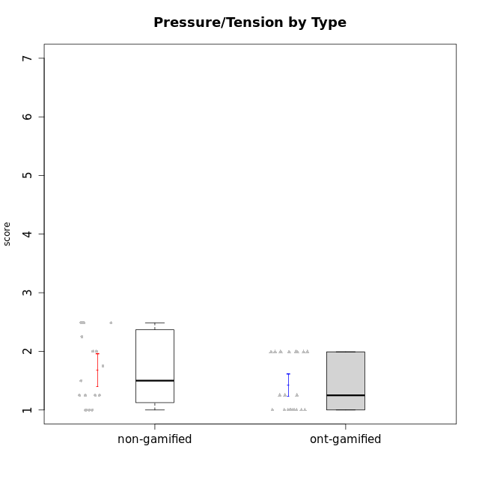

Student's t-Test data
UserID | NroUSP | Type | CLGroup | CLRole | PlayerRole | Interest/Enjoyment | Perceived Choice | Pressure/Tension | Effort/Importance | Intrinsic Motivation
10169 | 10377538 | ont-gamified | Grupo Hefesto | Master | Yee Achiever | 5.6666666667 | 4.8 | 1.9913 | 6 | 5.6166666667
10170 | 10260351 | ont-gamified | Grupo Afrodite | Apprentice | Yee Achiever | 5.1666666667 | 6.4 | 1 | 6 | 6.1416666667
10171 | 698531 | non-gamified | Grupo Team 6 | Apprentice |  | 5.6666666667 | 6 | 1.25 | 5.6666666667 | 6.0208333333
10174 | 10276852 | ont-gamified | Grupo Urano | Master | Yee Achiever | 4.8333333333 | 4.4 | 1.25 | 6.6666666667 | 5.6625
10175 | 10310700 | ont-gamified | Grupo Hélio | Master | Yee Socializer | 5.6666666667 | 7 | 1 | 5 | 6.1666666667
10176 | 10276949 | ont-gamified | Grupo Cronus | Apprentice | Yee Achiever | 4.1666666667 | 5.8 | 1.9913 | 4.6666666667 | 4.9708333333
10178 | 8656201 | ont-gamified | Grupo Morfeu | Apprentice | Yee Socializer | 5 | 5.8 | 1.9913 | 6 | 5.6375
10184 | 10276675 | ont-gamified | Grupo Apolo | Master | Yee Socializer | 4.5 | 5.6 | 1.9913 | 6.6666666667 | 5.6291666667
10185 | 10276960 | non-gamified | Grupo Team 12 | Apprentice |  | 4 | 4.4 | 2.25 | 5 | 4.7875
10187 | 9790781 | non-gamified | Grupo Team 15 | Apprentice |  | 6.7181 | 6 | 2.48695 | 6.6666666667 | 6.0416666667
10188 | 10276995 | non-gamified | Grupo Team 3 | Master |  | 3.8333333333 | 5 | 1.5 | 4.6666666667 | 5
10189 | 9363926 | ont-gamified | Grupo Hades | Master | Yee Socializer | 4 | 5.2 | 1.9913 | 6.3333333333 | 5.0083333333
10191 | 10276981 | non-gamified | Grupo Team 6 | Master |  | 5.6666666667 | 5.2 | 1.25 | 4.3333333333 | 5.4875
10192 | 10276682 | non-gamified | Grupo Team 5 | Apprentice |  | 6.1666666667 | 4.4 | 1 | 4.3333333333 | 5.475
10193 | 10276762 | ont-gamified | Grupo Afrodite | Master | Yee Achiever | 4.8333333333 | 4.4 | 1.25 | 4.6666666667 | 5.1625
10195 | 10351971 | ont-gamified | Grupo Urano | Apprentice | Yee Achiever | 5.3333333333 | 4.6 | 1 | 6 | 5.7333333333
10196 | 10310655 | ont-gamified | Grupo Hefesto | Apprentice | Yee Achiever | 4 | 4.2 | 1 | 6.3333333333 | 5.3833333333
10197 | 10276661 | ont-gamified | Grupo Gaia | Apprentice | Yee Achiever | 4.8333333333 | 6.8 | 1 | 5 | 5.9083333333
10198 | 10310888 | ont-gamified | Grupo Apolo | Apprentice | Yee Socializer | 6.6434666667 | 7 | 1 | 7 | 6.8989766667
10199 | 10276737 | ont-gamified | Grupo Gaia | Master | Yee Achiever | 4 | 7 | 1.9913 | 4.6666666667 | 5.2291666667
10200 | 9795272 | ont-gamified | Grupo Hades | Apprentice | Yee Socializer | 6.3333333333 | 5.4 | 1 | 5 | 5.9333333333
10201 | 10276928 | ont-gamified | Grupo Caronte | Master | Yee Achiever | 6.3333333333 | 5.8 | 1.9913 | 7 | 6.2833333333
10202 | 10277036 | non-gamified | Grupo Team 11 | Apprentice |  | 4 | 3.2 | 2.48695 | 7 | 4.175
10203 | 9921470 | non-gamified | Grupo Team 3 | Apprentice |  | 4 | 7 | 1.25 | 4.6666666667 | 5.6041666667
10204 | 10310471 | ont-gamified | Grupo Hermes | Master | Yee Achiever | 6.8333333333 | 6.2 | 1 | 6 | 6.5083333333
10206 | 10310721 | ont-gamified | Grupo Hera | Master | Yee Achiever | 4.5 | 6.6 | 1.9913 | 5.6666666667 | 5.3166666667
10208 | 10276932 | non-gamified | Grupo Team 7 | Apprentice |  | 6.3333333333 | 5.6 | 1.75 | 7 | 6.2958333333
10209 | 10262669 | ont-gamified | Grupo Artemis | Apprentice | Yee Achiever | 3.1666666667 | 4.02088 | 1 | 7 | 4.6416666667
10210 | 10277015 | non-gamified | Grupo Team 9 | Apprentice |  | 3.5 | 2.8 | 2.48695 | 6.6666666667 | 4.1791666667
10211 | 9311643 | non-gamified | Grupo Team 2 | Master |  | 6.1666666667 | 3 | 2 | 2.7014666667 | 4.4583333333
10214 | 10277022 | non-gamified | Grupo Team 5 | Master |  | 3 | 3.8 | 2 | 4 | 4.2
10216 | 10276720 | non-gamified | Grupo Team 15 | Master |  | 4.8333333333 | 6.4 | 1.25 | 6.3333333333 | 6.0791666667
10217 | 9805341 | non-gamified | Grupo Team 13 | Master |  | 3.8333333333 | 6.8 | 1 | 5.6666666667 | 5.825
10218 | 9842913 | ont-gamified | Grupo Ares | Master | Yee Achiever | 3.3333333333 | 5.4 | 1.9913 | 6.3333333333 | 4.8916666667
10219 | 10276831 | non-gamified | Grupo Team 12 | Master |  | 3.6666666667 | 4.6 | 1 | 4 | 4.8166666667
10220 | 9760151 | non-gamified | Grupo Team 2 | Apprentice |  | 5.5 | 6.4 | 1 | 6 | 6.225
10221 | 9082496 | ont-gamified | Grupo Hermes | Apprentice | Yee Achiever | 4.5 | 5.4 | 1 | 6.3333333333 | 5.8083333333
10223 | 9795185 | ont-gamified | Grupo Cronus | Master | Yee Achiever | 6.3333333333 | 6.4 | 1.25 | 5.3333333333 | 6.2041666667
10230 | 10351992 | non-gamified | Grupo Team 14 | Master |  | 2.6666666667 | 5.4 | 2.48695 | 5 | 4.4541666667
10231 | 10276911 | ont-gamified | Grupo Caronte | Apprentice | Yee Achiever | 6.6434666667 | 6.8 | 1 | 6.3333333333 | 6.7833333333
10232 | 10276974 | ont-gamified | Grupo Artemis | Master | Yee Achiever | 5.5 | 5.2 | 1.9913 | 6 | 5.425
10237 | 10377688 | non-gamified | Grupo Team 11 | Master |  | 4.8333333333 | 5.4 | 1 | 4.3333333333 | 5.3916666667
10238 | 10276953 | non-gamified | Grupo Team 13 | Apprentice |  | 3.8333333333 | 3 | 2.48695 | 5.6666666667 | 4.0625
10240 | 10276654 | ont-gamified | Grupo Hera | Apprentice | Yee Achiever | 3.5 | 4.02088 | 1 | 4.6666666667 | 4.4564566667

Type_CLRole_1
Student's t-Test for Pressure/Tension by Type in Type:CLRole between non-gamified.Apprentice:non-gamified.Master

Student's t-Test results
Alternative hypothesis: less
Group | N | Mean | Mean.Difference | Std.deviation | Std.error | CI.lower | CI.upper | df | t.value | p.value | g | magnitude
non-gamified.Apprentice | 10 | 1.84478 | 0.34623 | 0.66311962437 | 0.20969683742 | 1.4253863252 | 2.2641736748 | 16.865003238 | 1.2509922746 | 0.88599291333 | 0.54299606311 | medium
non-gamified.Master | 9 | 1.49855 | -0.34623 | 0.54187768223 | 0.18062589408 | 1.1372982118 | 1.8598017882 | 16.865003238 | 1.2509922746 | 0.88599291333 | 0.54299606311 | medium
Alternative hypothesis: greater
Group | N | Mean | Mean.Difference | Std.deviation | Std.error | CI.lower | CI.upper | df | t.value | p.value | g | magnitude
non-gamified.Apprentice | 10 | 1.84478 | 0.34623 | 0.66311962437 | 0.20969683742 | 1.4253863252 | 2.2641736748 | 16.865003238 | 1.2509922746 | 0.11400708667 | 0.54299606311 | medium
non-gamified.Master | 9 | 1.49855 | -0.34623 | 0.54187768223 | 0.18062589408 | 1.1372982118 | 1.8598017882 | 16.865003238 | 1.2509922746 | 0.11400708667 | 0.54299606311 | medium
Alternative hypothesis: two.sided
Group | N | Mean | Mean.Difference | Std.deviation | Std.error | CI.lower | CI.upper | df | t.value | p.value | g | magnitude
non-gamified.Apprentice | 10 | 1.84478 | 0.34623 | 0.66311962437 | 0.20969683742 | 1.4253863252 | 2.2641736748 | 16.865003238 | 1.2509922746 | 0.22801417335 | 0.54299606311 | medium
non-gamified.Master | 9 | 1.49855 | -0.34623 | 0.54187768223 | 0.18062589408 | 1.1372982118 | 1.8598017882 | 16.865003238 | 1.2509922746 | 0.22801417335 | 0.54299606311 | medium

Box plots for Student's t-Test
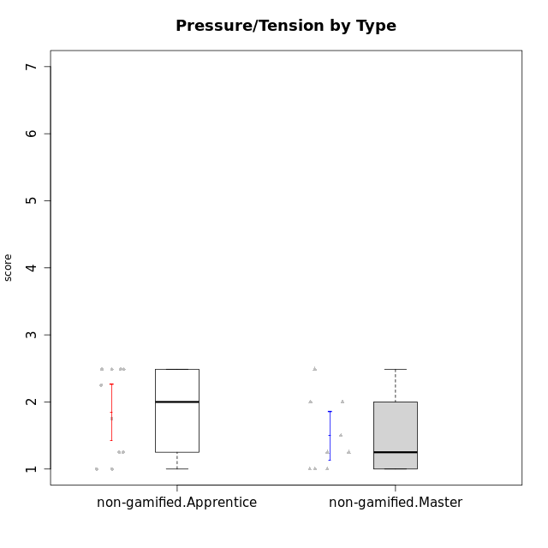

Student's t-Test data
UserID | NroUSP | Type | CLGroup | CLRole | PlayerRole | Interest/Enjoyment | Perceived Choice | Pressure/Tension | Effort/Importance | Intrinsic Motivation
10171 | 698531 | non-gamified | Grupo Team 6 | Apprentice |  | 5.6666666667 | 6 | 1.25 | 5.6666666667 | 6.0208333333
10185 | 10276960 | non-gamified | Grupo Team 12 | Apprentice |  | 4 | 4.4 | 2.25 | 5 | 4.7875
10187 | 9790781 | non-gamified | Grupo Team 15 | Apprentice |  | 6.7181 | 6 | 2.48695 | 6.6666666667 | 6.0416666667
10188 | 10276995 | non-gamified | Grupo Team 3 | Master |  | 3.8333333333 | 5 | 1.5 | 4.6666666667 | 5
10191 | 10276981 | non-gamified | Grupo Team 6 | Master |  | 5.6666666667 | 5.2 | 1.25 | 4.3333333333 | 5.4875
10192 | 10276682 | non-gamified | Grupo Team 5 | Apprentice |  | 6.1666666667 | 4.4 | 1 | 4.3333333333 | 5.475
10202 | 10277036 | non-gamified | Grupo Team 11 | Apprentice |  | 4 | 3.2 | 2.48695 | 7 | 4.175
10203 | 9921470 | non-gamified | Grupo Team 3 | Apprentice |  | 4 | 7 | 1.25 | 4.6666666667 | 5.6041666667
10208 | 10276932 | non-gamified | Grupo Team 7 | Apprentice |  | 6.3333333333 | 5.6 | 1.75 | 7 | 6.2958333333
10210 | 10277015 | non-gamified | Grupo Team 9 | Apprentice |  | 3.5 | 2.8 | 2.48695 | 6.6666666667 | 4.1791666667
10211 | 9311643 | non-gamified | Grupo Team 2 | Master |  | 6.1666666667 | 3 | 2 | 2.7014666667 | 4.4583333333
10214 | 10277022 | non-gamified | Grupo Team 5 | Master |  | 3 | 3.8 | 2 | 4 | 4.2
10216 | 10276720 | non-gamified | Grupo Team 15 | Master |  | 4.8333333333 | 6.4 | 1.25 | 6.3333333333 | 6.0791666667
10217 | 9805341 | non-gamified | Grupo Team 13 | Master |  | 3.8333333333 | 6.8 | 1 | 5.6666666667 | 5.825
10219 | 10276831 | non-gamified | Grupo Team 12 | Master |  | 3.6666666667 | 4.6 | 1 | 4 | 4.8166666667
10220 | 9760151 | non-gamified | Grupo Team 2 | Apprentice |  | 5.5 | 6.4 | 1 | 6 | 6.225
10230 | 10351992 | non-gamified | Grupo Team 14 | Master |  | 2.6666666667 | 5.4 | 2.48695 | 5 | 4.4541666667
10237 | 10377688 | non-gamified | Grupo Team 11 | Master |  | 4.8333333333 | 5.4 | 1 | 4.3333333333 | 5.3916666667
10238 | 10276953 | non-gamified | Grupo Team 13 | Apprentice |  | 3.8333333333 | 3 | 2.48695 | 5.6666666667 | 4.0625

Type_CLRole_2
Student's t-Test for Pressure/Tension by Type in Type:CLRole between non-gamified.Apprentice:ont-gamified.Apprentice

Student's t-Test results
Alternative hypothesis: less
Group | N | Mean | Mean.Difference | Std.deviation | Std.error | CI.lower | CI.upper | df | t.value | p.value | g | magnitude
non-gamified.Apprentice | 10 | 1.84478 | 0.67956333333 | 0.66311962437 | 0.20969683742 | 1.4253863252 | 2.2641736748 | 13.890649209 | 2.8619780898 | 0.99368475365 | 1.2359990477 | large
ont-gamified.Apprentice | 12 | 1.1652166667 | -0.67956333333 | 0.38586300167 | 0.11138905394 | 0.94243855878 | 1.3879947746 | 13.890649209 | 2.8619780898 | 0.99368475365 | 1.2359990477 | large
Alternative hypothesis: greater
Group | N | Mean | Mean.Difference | Std.deviation | Std.error | CI.lower | CI.upper | df | t.value | p.value | g | magnitude
non-gamified.Apprentice | 10 | 1.84478 | 0.67956333333 | 0.66311962437 | 0.20969683742 | 1.4253863252 | 2.2641736748 | 13.890649209 | 2.8619780898 | 0.0063152463535 | 1.2359990477 | large
ont-gamified.Apprentice | 12 | 1.1652166667 | -0.67956333333 | 0.38586300167 | 0.11138905394 | 0.94243855878 | 1.3879947746 | 13.890649209 | 2.8619780898 | 0.0063152463535 | 1.2359990477 | large
Alternative hypothesis: two.sided
Group | N | Mean | Mean.Difference | Std.deviation | Std.error | CI.lower | CI.upper | df | t.value | p.value | g | magnitude
non-gamified.Apprentice | 10 | 1.84478 | 0.67956333333 | 0.66311962437 | 0.20969683742 | 1.4253863252 | 2.2641736748 | 13.890649209 | 2.8619780898 | 0.012630492707 | 1.2359990477 | large
ont-gamified.Apprentice | 12 | 1.1652166667 | -0.67956333333 | 0.38586300167 | 0.11138905394 | 0.94243855878 | 1.3879947746 | 13.890649209 | 2.8619780898 | 0.012630492707 | 1.2359990477 | large

Box plots for Student's t-Test
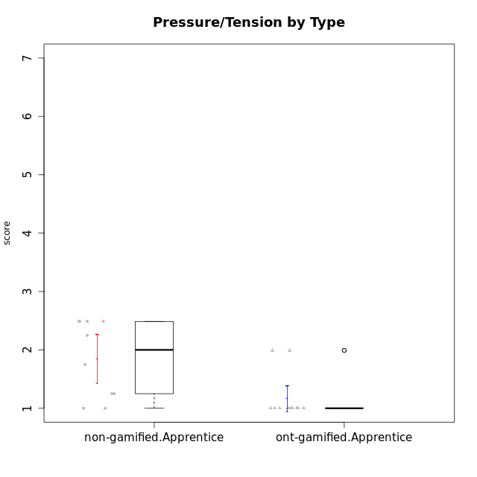

Student's t-Test data
UserID | NroUSP | Type | CLGroup | CLRole | PlayerRole | Interest/Enjoyment | Perceived Choice | Pressure/Tension | Effort/Importance | Intrinsic Motivation
10170 | 10260351 | ont-gamified | Grupo Afrodite | Apprentice | Yee Achiever | 5.1666666667 | 6.4 | 1 | 6 | 6.1416666667
10171 | 698531 | non-gamified | Grupo Team 6 | Apprentice |  | 5.6666666667 | 6 | 1.25 | 5.6666666667 | 6.0208333333
10176 | 10276949 | ont-gamified | Grupo Cronus | Apprentice | Yee Achiever | 4.1666666667 | 5.8 | 1.9913 | 4.6666666667 | 4.9708333333
10178 | 8656201 | ont-gamified | Grupo Morfeu | Apprentice | Yee Socializer | 5 | 5.8 | 1.9913 | 6 | 5.6375
10185 | 10276960 | non-gamified | Grupo Team 12 | Apprentice |  | 4 | 4.4 | 2.25 | 5 | 4.7875
10187 | 9790781 | non-gamified | Grupo Team 15 | Apprentice |  | 6.7181 | 6 | 2.48695 | 6.6666666667 | 6.0416666667
10192 | 10276682 | non-gamified | Grupo Team 5 | Apprentice |  | 6.1666666667 | 4.4 | 1 | 4.3333333333 | 5.475
10195 | 10351971 | ont-gamified | Grupo Urano | Apprentice | Yee Achiever | 5.3333333333 | 4.6 | 1 | 6 | 5.7333333333
10196 | 10310655 | ont-gamified | Grupo Hefesto | Apprentice | Yee Achiever | 4 | 4.2 | 1 | 6.3333333333 | 5.3833333333
10197 | 10276661 | ont-gamified | Grupo Gaia | Apprentice | Yee Achiever | 4.8333333333 | 6.8 | 1 | 5 | 5.9083333333
10198 | 10310888 | ont-gamified | Grupo Apolo | Apprentice | Yee Socializer | 6.6434666667 | 7 | 1 | 7 | 6.8989766667
10200 | 9795272 | ont-gamified | Grupo Hades | Apprentice | Yee Socializer | 6.3333333333 | 5.4 | 1 | 5 | 5.9333333333
10202 | 10277036 | non-gamified | Grupo Team 11 | Apprentice |  | 4 | 3.2 | 2.48695 | 7 | 4.175
10203 | 9921470 | non-gamified | Grupo Team 3 | Apprentice |  | 4 | 7 | 1.25 | 4.6666666667 | 5.6041666667
10208 | 10276932 | non-gamified | Grupo Team 7 | Apprentice |  | 6.3333333333 | 5.6 | 1.75 | 7 | 6.2958333333
10209 | 10262669 | ont-gamified | Grupo Artemis | Apprentice | Yee Achiever | 3.1666666667 | 4.02088 | 1 | 7 | 4.6416666667
10210 | 10277015 | non-gamified | Grupo Team 9 | Apprentice |  | 3.5 | 2.8 | 2.48695 | 6.6666666667 | 4.1791666667
10220 | 9760151 | non-gamified | Grupo Team 2 | Apprentice |  | 5.5 | 6.4 | 1 | 6 | 6.225
10221 | 9082496 | ont-gamified | Grupo Hermes | Apprentice | Yee Achiever | 4.5 | 5.4 | 1 | 6.3333333333 | 5.8083333333
10231 | 10276911 | ont-gamified | Grupo Caronte | Apprentice | Yee Achiever | 6.6434666667 | 6.8 | 1 | 6.3333333333 | 6.7833333333
10238 | 10276953 | non-gamified | Grupo Team 13 | Apprentice |  | 3.8333333333 | 3 | 2.48695 | 5.6666666667 | 4.0625
10240 | 10276654 | ont-gamified | Grupo Hera | Apprentice | Yee Achiever | 3.5 | 4.02088 | 1 | 4.6666666667 | 4.4564566667

Type_CLRole_3
Student's t-Test for Pressure/Tension by Type in Type:CLRole between non-gamified.Apprentice:ont-gamified.Master

Student's t-Test results
Alternative hypothesis: less
Group | N | Mean | Mean.Difference | Std.deviation | Std.error | CI.lower | CI.upper | df | t.value | p.value | g | magnitude
non-gamified.Apprentice | 10 | 1.84478 | 0.17705692308 | 0.66311962437 | 0.20969683742 | 1.4253863252 | 2.2641736748 | 14.693483298 | 0.73258019303 | 0.7623303221 | 0.31381694243 | small
ont-gamified.Master | 13 | 1.6677230769 | -0.17705692308 | 0.43328225241 | 0.12017087522 | 1.4273813265 | 1.9080648274 | 14.693483298 | 0.73258019303 | 0.7623303221 | 0.31381694243 | small
Alternative hypothesis: greater
Group | N | Mean | Mean.Difference | Std.deviation | Std.error | CI.lower | CI.upper | df | t.value | p.value | g | magnitude
non-gamified.Apprentice | 10 | 1.84478 | 0.17705692308 | 0.66311962437 | 0.20969683742 | 1.4253863252 | 2.2641736748 | 14.693483298 | 0.73258019303 | 0.2376696779 | 0.31381694243 | small
ont-gamified.Master | 13 | 1.6677230769 | -0.17705692308 | 0.43328225241 | 0.12017087522 | 1.4273813265 | 1.9080648274 | 14.693483298 | 0.73258019303 | 0.2376696779 | 0.31381694243 | small
Alternative hypothesis: two.sided
Group | N | Mean | Mean.Difference | Std.deviation | Std.error | CI.lower | CI.upper | df | t.value | p.value | g | magnitude
non-gamified.Apprentice | 10 | 1.84478 | 0.17705692308 | 0.66311962437 | 0.20969683742 | 1.4253863252 | 2.2641736748 | 14.693483298 | 0.73258019303 | 0.47533935581 | 0.31381694243 | small
ont-gamified.Master | 13 | 1.6677230769 | -0.17705692308 | 0.43328225241 | 0.12017087522 | 1.4273813265 | 1.9080648274 | 14.693483298 | 0.73258019303 | 0.47533935581 | 0.31381694243 | small

Box plots for Student's t-Test
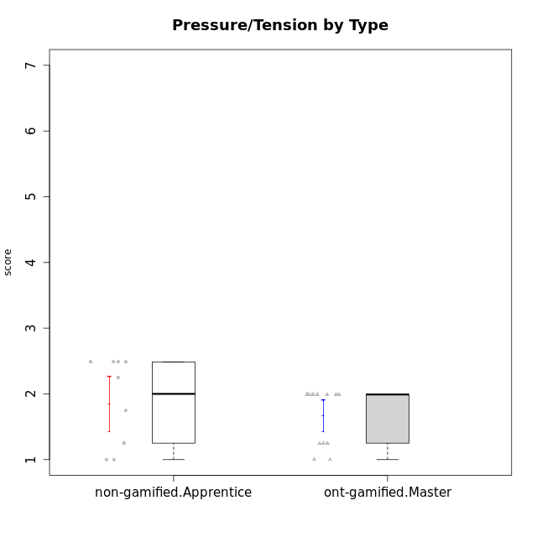

Student's t-Test data
UserID | NroUSP | Type | CLGroup | CLRole | PlayerRole | Interest/Enjoyment | Perceived Choice | Pressure/Tension | Effort/Importance | Intrinsic Motivation
10169 | 10377538 | ont-gamified | Grupo Hefesto | Master | Yee Achiever | 5.6666666667 | 4.8 | 1.9913 | 6 | 5.6166666667
10171 | 698531 | non-gamified | Grupo Team 6 | Apprentice |  | 5.6666666667 | 6 | 1.25 | 5.6666666667 | 6.0208333333
10174 | 10276852 | ont-gamified | Grupo Urano | Master | Yee Achiever | 4.8333333333 | 4.4 | 1.25 | 6.6666666667 | 5.6625
10175 | 10310700 | ont-gamified | Grupo Hélio | Master | Yee Socializer | 5.6666666667 | 7 | 1 | 5 | 6.1666666667
10184 | 10276675 | ont-gamified | Grupo Apolo | Master | Yee Socializer | 4.5 | 5.6 | 1.9913 | 6.6666666667 | 5.6291666667
10185 | 10276960 | non-gamified | Grupo Team 12 | Apprentice |  | 4 | 4.4 | 2.25 | 5 | 4.7875
10187 | 9790781 | non-gamified | Grupo Team 15 | Apprentice |  | 6.7181 | 6 | 2.48695 | 6.6666666667 | 6.0416666667
10189 | 9363926 | ont-gamified | Grupo Hades | Master | Yee Socializer | 4 | 5.2 | 1.9913 | 6.3333333333 | 5.0083333333
10192 | 10276682 | non-gamified | Grupo Team 5 | Apprentice |  | 6.1666666667 | 4.4 | 1 | 4.3333333333 | 5.475
10193 | 10276762 | ont-gamified | Grupo Afrodite | Master | Yee Achiever | 4.8333333333 | 4.4 | 1.25 | 4.6666666667 | 5.1625
10199 | 10276737 | ont-gamified | Grupo Gaia | Master | Yee Achiever | 4 | 7 | 1.9913 | 4.6666666667 | 5.2291666667
10201 | 10276928 | ont-gamified | Grupo Caronte | Master | Yee Achiever | 6.3333333333 | 5.8 | 1.9913 | 7 | 6.2833333333
10202 | 10277036 | non-gamified | Grupo Team 11 | Apprentice |  | 4 | 3.2 | 2.48695 | 7 | 4.175
10203 | 9921470 | non-gamified | Grupo Team 3 | Apprentice |  | 4 | 7 | 1.25 | 4.6666666667 | 5.6041666667
10204 | 10310471 | ont-gamified | Grupo Hermes | Master | Yee Achiever | 6.8333333333 | 6.2 | 1 | 6 | 6.5083333333
10206 | 10310721 | ont-gamified | Grupo Hera | Master | Yee Achiever | 4.5 | 6.6 | 1.9913 | 5.6666666667 | 5.3166666667
10208 | 10276932 | non-gamified | Grupo Team 7 | Apprentice |  | 6.3333333333 | 5.6 | 1.75 | 7 | 6.2958333333
10210 | 10277015 | non-gamified | Grupo Team 9 | Apprentice |  | 3.5 | 2.8 | 2.48695 | 6.6666666667 | 4.1791666667
10218 | 9842913 | ont-gamified | Grupo Ares | Master | Yee Achiever | 3.3333333333 | 5.4 | 1.9913 | 6.3333333333 | 4.8916666667
10220 | 9760151 | non-gamified | Grupo Team 2 | Apprentice |  | 5.5 | 6.4 | 1 | 6 | 6.225
10223 | 9795185 | ont-gamified | Grupo Cronus | Master | Yee Achiever | 6.3333333333 | 6.4 | 1.25 | 5.3333333333 | 6.2041666667
10232 | 10276974 | ont-gamified | Grupo Artemis | Master | Yee Achiever | 5.5 | 5.2 | 1.9913 | 6 | 5.425
10238 | 10276953 | non-gamified | Grupo Team 13 | Apprentice |  | 3.8333333333 | 3 | 2.48695 | 5.6666666667 | 4.0625

Type_CLRole_4
Student's t-Test for Pressure/Tension by Type in Type:CLRole between non-gamified.Master:ont-gamified.Apprentice

Student's t-Test results
Alternative hypothesis: less
Group | N | Mean | Mean.Difference | Std.deviation | Std.error | CI.lower | CI.upper | df | t.value | p.value | g | magnitude
non-gamified.Master | 9 | 1.49855 | 0.33333333333 | 0.54187768223 | 0.18062589408 | 1.1372982118 | 1.8598017882 | 13.791194209 | 1.5707684607 | 0.93055494178 | 0.69857356415 | medium
ont-gamified.Apprentice | 12 | 1.1652166667 | -0.33333333333 | 0.38586300167 | 0.11138905394 | 0.94243855878 | 1.3879947746 | 13.791194209 | 1.5707684607 | 0.93055494178 | 0.69857356415 | medium
Alternative hypothesis: greater
Group | N | Mean | Mean.Difference | Std.deviation | Std.error | CI.lower | CI.upper | df | t.value | p.value | g | magnitude
non-gamified.Master | 9 | 1.49855 | 0.33333333333 | 0.54187768223 | 0.18062589408 | 1.1372982118 | 1.8598017882 | 13.791194209 | 1.5707684607 | 0.069445058219 | 0.69857356415 | medium
ont-gamified.Apprentice | 12 | 1.1652166667 | -0.33333333333 | 0.38586300167 | 0.11138905394 | 0.94243855878 | 1.3879947746 | 13.791194209 | 1.5707684607 | 0.069445058219 | 0.69857356415 | medium
Alternative hypothesis: two.sided
Group | N | Mean | Mean.Difference | Std.deviation | Std.error | CI.lower | CI.upper | df | t.value | p.value | g | magnitude
non-gamified.Master | 9 | 1.49855 | 0.33333333333 | 0.54187768223 | 0.18062589408 | 1.1372982118 | 1.8598017882 | 13.791194209 | 1.5707684607 | 0.13889011644 | 0.69857356415 | medium
ont-gamified.Apprentice | 12 | 1.1652166667 | -0.33333333333 | 0.38586300167 | 0.11138905394 | 0.94243855878 | 1.3879947746 | 13.791194209 | 1.5707684607 | 0.13889011644 | 0.69857356415 | medium

Box plots for Student's t-Test
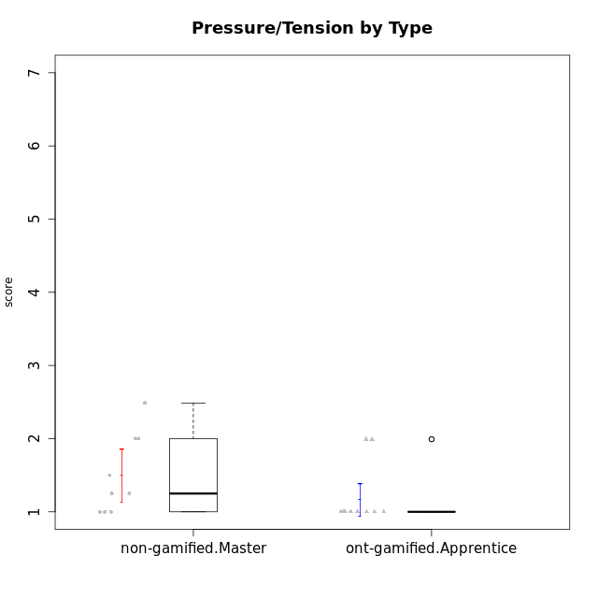

Student's t-Test data
UserID | NroUSP | Type | CLGroup | CLRole | PlayerRole | Interest/Enjoyment | Perceived Choice | Pressure/Tension | Effort/Importance | Intrinsic Motivation
10170 | 10260351 | ont-gamified | Grupo Afrodite | Apprentice | Yee Achiever | 5.1666666667 | 6.4 | 1 | 6 | 6.1416666667
10176 | 10276949 | ont-gamified | Grupo Cronus | Apprentice | Yee Achiever | 4.1666666667 | 5.8 | 1.9913 | 4.6666666667 | 4.9708333333
10178 | 8656201 | ont-gamified | Grupo Morfeu | Apprentice | Yee Socializer | 5 | 5.8 | 1.9913 | 6 | 5.6375
10188 | 10276995 | non-gamified | Grupo Team 3 | Master |  | 3.8333333333 | 5 | 1.5 | 4.6666666667 | 5
10191 | 10276981 | non-gamified | Grupo Team 6 | Master |  | 5.6666666667 | 5.2 | 1.25 | 4.3333333333 | 5.4875
10195 | 10351971 | ont-gamified | Grupo Urano | Apprentice | Yee Achiever | 5.3333333333 | 4.6 | 1 | 6 | 5.7333333333
10196 | 10310655 | ont-gamified | Grupo Hefesto | Apprentice | Yee Achiever | 4 | 4.2 | 1 | 6.3333333333 | 5.3833333333
10197 | 10276661 | ont-gamified | Grupo Gaia | Apprentice | Yee Achiever | 4.8333333333 | 6.8 | 1 | 5 | 5.9083333333
10198 | 10310888 | ont-gamified | Grupo Apolo | Apprentice | Yee Socializer | 6.6434666667 | 7 | 1 | 7 | 6.8989766667
10200 | 9795272 | ont-gamified | Grupo Hades | Apprentice | Yee Socializer | 6.3333333333 | 5.4 | 1 | 5 | 5.9333333333
10209 | 10262669 | ont-gamified | Grupo Artemis | Apprentice | Yee Achiever | 3.1666666667 | 4.02088 | 1 | 7 | 4.6416666667
10211 | 9311643 | non-gamified | Grupo Team 2 | Master |  | 6.1666666667 | 3 | 2 | 2.7014666667 | 4.4583333333
10214 | 10277022 | non-gamified | Grupo Team 5 | Master |  | 3 | 3.8 | 2 | 4 | 4.2
10216 | 10276720 | non-gamified | Grupo Team 15 | Master |  | 4.8333333333 | 6.4 | 1.25 | 6.3333333333 | 6.0791666667
10217 | 9805341 | non-gamified | Grupo Team 13 | Master |  | 3.8333333333 | 6.8 | 1 | 5.6666666667 | 5.825
10219 | 10276831 | non-gamified | Grupo Team 12 | Master |  | 3.6666666667 | 4.6 | 1 | 4 | 4.8166666667
10221 | 9082496 | ont-gamified | Grupo Hermes | Apprentice | Yee Achiever | 4.5 | 5.4 | 1 | 6.3333333333 | 5.8083333333
10230 | 10351992 | non-gamified | Grupo Team 14 | Master |  | 2.6666666667 | 5.4 | 2.48695 | 5 | 4.4541666667
10231 | 10276911 | ont-gamified | Grupo Caronte | Apprentice | Yee Achiever | 6.6434666667 | 6.8 | 1 | 6.3333333333 | 6.7833333333
10237 | 10377688 | non-gamified | Grupo Team 11 | Master |  | 4.8333333333 | 5.4 | 1 | 4.3333333333 | 5.3916666667
10240 | 10276654 | ont-gamified | Grupo Hera | Apprentice | Yee Achiever | 3.5 | 4.02088 | 1 | 4.6666666667 | 4.4564566667

Type_CLRole_5
Student's t-Test for Pressure/Tension by Type in Type:CLRole between non-gamified.Master:ont-gamified.Master

Student's t-Test results
Alternative hypothesis: less
Group | N | Mean | Mean.Difference | Std.deviation | Std.error | CI.lower | CI.upper | df | t.value | p.value | g | magnitude
non-gamified.Master | 9 | 1.49855 | -0.16917307692 | 0.54187768223 | 0.18062589408 | 1.1372982118 | 1.8598017882 | 14.725991342 | -0.77978365849 | 0.22393527 | -0.33928632261 | small
ont-gamified.Master | 13 | 1.6677230769 | 0.16917307692 | 0.43328225241 | 0.12017087522 | 1.4273813265 | 1.9080648274 | 14.725991342 | -0.77978365849 | 0.22393527 | -0.33928632261 | small
Alternative hypothesis: greater
Group | N | Mean | Mean.Difference | Std.deviation | Std.error | CI.lower | CI.upper | df | t.value | p.value | g | magnitude
non-gamified.Master | 9 | 1.49855 | -0.16917307692 | 0.54187768223 | 0.18062589408 | 1.1372982118 | 1.8598017882 | 14.725991342 | -0.77978365849 | 0.77606473 | -0.33928632261 | small
ont-gamified.Master | 13 | 1.6677230769 | 0.16917307692 | 0.43328225241 | 0.12017087522 | 1.4273813265 | 1.9080648274 | 14.725991342 | -0.77978365849 | 0.77606473 | -0.33928632261 | small
Alternative hypothesis: two.sided
Group | N | Mean | Mean.Difference | Std.deviation | Std.error | CI.lower | CI.upper | df | t.value | p.value | g | magnitude
non-gamified.Master | 9 | 1.49855 | -0.16917307692 | 0.54187768223 | 0.18062589408 | 1.1372982118 | 1.8598017882 | 14.725991342 | -0.77978365849 | 0.44787054 | -0.33928632261 | small
ont-gamified.Master | 13 | 1.6677230769 | 0.16917307692 | 0.43328225241 | 0.12017087522 | 1.4273813265 | 1.9080648274 | 14.725991342 | -0.77978365849 | 0.44787054 | -0.33928632261 | small

Box plots for Student's t-Test
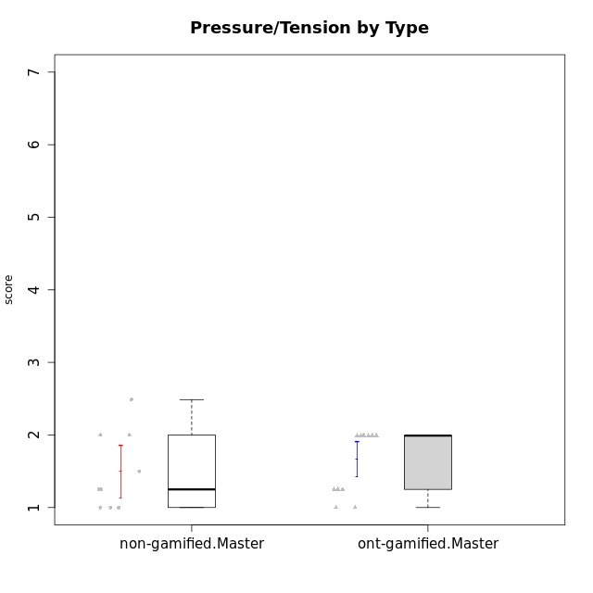

Student's t-Test data
UserID | NroUSP | Type | CLGroup | CLRole | PlayerRole | Interest/Enjoyment | Perceived Choice | Pressure/Tension | Effort/Importance | Intrinsic Motivation
10169 | 10377538 | ont-gamified | Grupo Hefesto | Master | Yee Achiever | 5.6666666667 | 4.8 | 1.9913 | 6 | 5.6166666667
10174 | 10276852 | ont-gamified | Grupo Urano | Master | Yee Achiever | 4.8333333333 | 4.4 | 1.25 | 6.6666666667 | 5.6625
10175 | 10310700 | ont-gamified | Grupo Hélio | Master | Yee Socializer | 5.6666666667 | 7 | 1 | 5 | 6.1666666667
10184 | 10276675 | ont-gamified | Grupo Apolo | Master | Yee Socializer | 4.5 | 5.6 | 1.9913 | 6.6666666667 | 5.6291666667
10188 | 10276995 | non-gamified | Grupo Team 3 | Master |  | 3.8333333333 | 5 | 1.5 | 4.6666666667 | 5
10189 | 9363926 | ont-gamified | Grupo Hades | Master | Yee Socializer | 4 | 5.2 | 1.9913 | 6.3333333333 | 5.0083333333
10191 | 10276981 | non-gamified | Grupo Team 6 | Master |  | 5.6666666667 | 5.2 | 1.25 | 4.3333333333 | 5.4875
10193 | 10276762 | ont-gamified | Grupo Afrodite | Master | Yee Achiever | 4.8333333333 | 4.4 | 1.25 | 4.6666666667 | 5.1625
10199 | 10276737 | ont-gamified | Grupo Gaia | Master | Yee Achiever | 4 | 7 | 1.9913 | 4.6666666667 | 5.2291666667
10201 | 10276928 | ont-gamified | Grupo Caronte | Master | Yee Achiever | 6.3333333333 | 5.8 | 1.9913 | 7 | 6.2833333333
10204 | 10310471 | ont-gamified | Grupo Hermes | Master | Yee Achiever | 6.8333333333 | 6.2 | 1 | 6 | 6.5083333333
10206 | 10310721 | ont-gamified | Grupo Hera | Master | Yee Achiever | 4.5 | 6.6 | 1.9913 | 5.6666666667 | 5.3166666667
10211 | 9311643 | non-gamified | Grupo Team 2 | Master |  | 6.1666666667 | 3 | 2 | 2.7014666667 | 4.4583333333
10214 | 10277022 | non-gamified | Grupo Team 5 | Master |  | 3 | 3.8 | 2 | 4 | 4.2
10216 | 10276720 | non-gamified | Grupo Team 15 | Master |  | 4.8333333333 | 6.4 | 1.25 | 6.3333333333 | 6.0791666667
10217 | 9805341 | non-gamified | Grupo Team 13 | Master |  | 3.8333333333 | 6.8 | 1 | 5.6666666667 | 5.825
10218 | 9842913 | ont-gamified | Grupo Ares | Master | Yee Achiever | 3.3333333333 | 5.4 | 1.9913 | 6.3333333333 | 4.8916666667
10219 | 10276831 | non-gamified | Grupo Team 12 | Master |  | 3.6666666667 | 4.6 | 1 | 4 | 4.8166666667
10223 | 9795185 | ont-gamified | Grupo Cronus | Master | Yee Achiever | 6.3333333333 | 6.4 | 1.25 | 5.3333333333 | 6.2041666667
10230 | 10351992 | non-gamified | Grupo Team 14 | Master |  | 2.6666666667 | 5.4 | 2.48695 | 5 | 4.4541666667
10232 | 10276974 | ont-gamified | Grupo Artemis | Master | Yee Achiever | 5.5 | 5.2 | 1.9913 | 6 | 5.425
10237 | 10377688 | non-gamified | Grupo Team 11 | Master |  | 4.8333333333 | 5.4 | 1 | 4.3333333333 | 5.3916666667

Type_CLRole_6
Student's t-Test for Pressure/Tension by Type in Type:CLRole between ont-gamified.Apprentice:ont-gamified.Master

Student's t-Test results
Alternative hypothesis: less
Group | N | Mean | Mean.Difference | Std.deviation | Std.error | CI.lower | CI.upper | df | t.value | p.value | g | magnitude
ont-gamified.Apprentice | 12 | 1.1652166667 | -0.50250641026 | 0.38586300167 | 0.11138905394 | 0.94243855878 | 1.3879947746 | 22.976040352 | -3.0667692687 | 0.0027323538608 | -1.1815137911 | large
ont-gamified.Master | 13 | 1.6677230769 | 0.50250641026 | 0.43328225241 | 0.12017087522 | 1.4273813265 | 1.9080648274 | 22.976040352 | -3.0667692687 | 0.0027323538608 | -1.1815137911 | large
Alternative hypothesis: greater
Group | N | Mean | Mean.Difference | Std.deviation | Std.error | CI.lower | CI.upper | df | t.value | p.value | g | magnitude
ont-gamified.Apprentice | 12 | 1.1652166667 | -0.50250641026 | 0.38586300167 | 0.11138905394 | 0.94243855878 | 1.3879947746 | 22.976040352 | -3.0667692687 | 0.99726764614 | -1.1815137911 | large
ont-gamified.Master | 13 | 1.6677230769 | 0.50250641026 | 0.43328225241 | 0.12017087522 | 1.4273813265 | 1.9080648274 | 22.976040352 | -3.0667692687 | 0.99726764614 | -1.1815137911 | large
Alternative hypothesis: two.sided
Group | N | Mean | Mean.Difference | Std.deviation | Std.error | CI.lower | CI.upper | df | t.value | p.value | g | magnitude
ont-gamified.Apprentice | 12 | 1.1652166667 | -0.50250641026 | 0.38586300167 | 0.11138905394 | 0.94243855878 | 1.3879947746 | 22.976040352 | -3.0667692687 | 0.0054647077216 | -1.1815137911 | large
ont-gamified.Master | 13 | 1.6677230769 | 0.50250641026 | 0.43328225241 | 0.12017087522 | 1.4273813265 | 1.9080648274 | 22.976040352 | -3.0667692687 | 0.0054647077216 | -1.1815137911 | large

Box plots for Student's t-Test
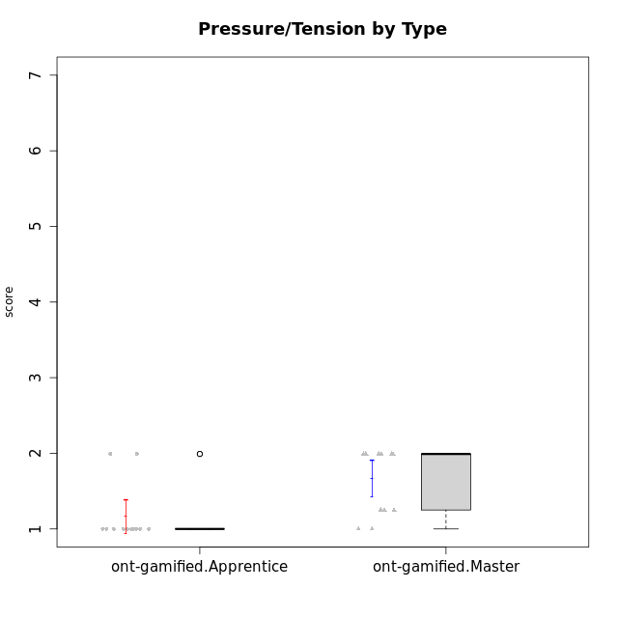

Student's t-Test data
UserID | NroUSP | Type | CLGroup | CLRole | PlayerRole | Interest/Enjoyment | Perceived Choice | Pressure/Tension | Effort/Importance | Intrinsic Motivation
10169 | 10377538 | ont-gamified | Grupo Hefesto | Master | Yee Achiever | 5.6666666667 | 4.8 | 1.9913 | 6 | 5.6166666667
10170 | 10260351 | ont-gamified | Grupo Afrodite | Apprentice | Yee Achiever | 5.1666666667 | 6.4 | 1 | 6 | 6.1416666667
10174 | 10276852 | ont-gamified | Grupo Urano | Master | Yee Achiever | 4.8333333333 | 4.4 | 1.25 | 6.6666666667 | 5.6625
10175 | 10310700 | ont-gamified | Grupo Hélio | Master | Yee Socializer | 5.6666666667 | 7 | 1 | 5 | 6.1666666667
10176 | 10276949 | ont-gamified | Grupo Cronus | Apprentice | Yee Achiever | 4.1666666667 | 5.8 | 1.9913 | 4.6666666667 | 4.9708333333
10178 | 8656201 | ont-gamified | Grupo Morfeu | Apprentice | Yee Socializer | 5 | 5.8 | 1.9913 | 6 | 5.6375
10184 | 10276675 | ont-gamified | Grupo Apolo | Master | Yee Socializer | 4.5 | 5.6 | 1.9913 | 6.6666666667 | 5.6291666667
10189 | 9363926 | ont-gamified | Grupo Hades | Master | Yee Socializer | 4 | 5.2 | 1.9913 | 6.3333333333 | 5.0083333333
10193 | 10276762 | ont-gamified | Grupo Afrodite | Master | Yee Achiever | 4.8333333333 | 4.4 | 1.25 | 4.6666666667 | 5.1625
10195 | 10351971 | ont-gamified | Grupo Urano | Apprentice | Yee Achiever | 5.3333333333 | 4.6 | 1 | 6 | 5.7333333333
10196 | 10310655 | ont-gamified | Grupo Hefesto | Apprentice | Yee Achiever | 4 | 4.2 | 1 | 6.3333333333 | 5.3833333333
10197 | 10276661 | ont-gamified | Grupo Gaia | Apprentice | Yee Achiever | 4.8333333333 | 6.8 | 1 | 5 | 5.9083333333
10198 | 10310888 | ont-gamified | Grupo Apolo | Apprentice | Yee Socializer | 6.6434666667 | 7 | 1 | 7 | 6.8989766667
10199 | 10276737 | ont-gamified | Grupo Gaia | Master | Yee Achiever | 4 | 7 | 1.9913 | 4.6666666667 | 5.2291666667
10200 | 9795272 | ont-gamified | Grupo Hades | Apprentice | Yee Socializer | 6.3333333333 | 5.4 | 1 | 5 | 5.9333333333
10201 | 10276928 | ont-gamified | Grupo Caronte | Master | Yee Achiever | 6.3333333333 | 5.8 | 1.9913 | 7 | 6.2833333333
10204 | 10310471 | ont-gamified | Grupo Hermes | Master | Yee Achiever | 6.8333333333 | 6.2 | 1 | 6 | 6.5083333333
10206 | 10310721 | ont-gamified | Grupo Hera | Master | Yee Achiever | 4.5 | 6.6 | 1.9913 | 5.6666666667 | 5.3166666667
10209 | 10262669 | ont-gamified | Grupo Artemis | Apprentice | Yee Achiever | 3.1666666667 | 4.02088 | 1 | 7 | 4.6416666667
10218 | 9842913 | ont-gamified | Grupo Ares | Master | Yee Achiever | 3.3333333333 | 5.4 | 1.9913 | 6.3333333333 | 4.8916666667
10221 | 9082496 | ont-gamified | Grupo Hermes | Apprentice | Yee Achiever | 4.5 | 5.4 | 1 | 6.3333333333 | 5.8083333333
10223 | 9795185 | ont-gamified | Grupo Cronus | Master | Yee Achiever | 6.3333333333 | 6.4 | 1.25 | 5.3333333333 | 6.2041666667
10231 | 10276911 | ont-gamified | Grupo Caronte | Apprentice | Yee Achiever | 6.6434666667 | 6.8 | 1 | 6.3333333333 | 6.7833333333
10232 | 10276974 | ont-gamified | Grupo Artemis | Master | Yee Achiever | 5.5 | 5.2 | 1.9913 | 6 | 5.425
10240 | 10276654 | ont-gamified | Grupo Hera | Apprentice | Yee Achiever | 3.5 | 4.02088 | 1 | 4.6666666667 | 4.4564566667

