Assumptions
ANOVA assumptions for Intrinsic Motivation by Type

Shapiro-Wilk normality test for Intrinsic Motivation by Type
W | p.value
0.97288541156 | 0.20155021932

Plots for normality test
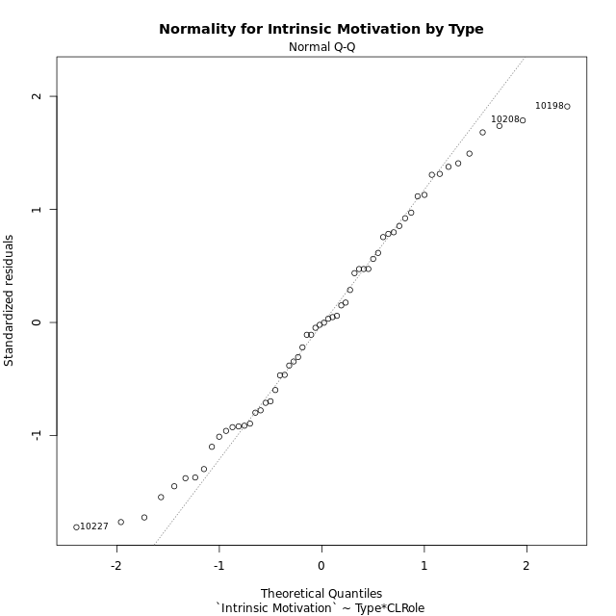

Levene's Test for Homogeneity of Variance in Intrinsic Motivation by Type
Df | F value | Pr(>F)
3 | 1.5076399159 | 0.22251534355
56

Plots for homogeneity of variance
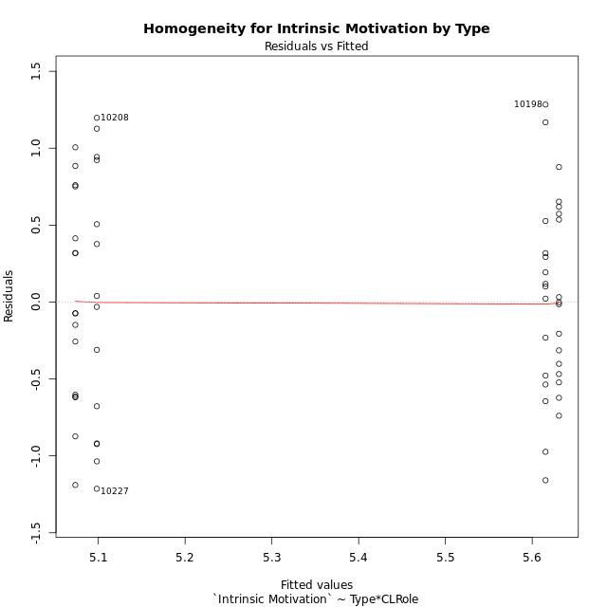

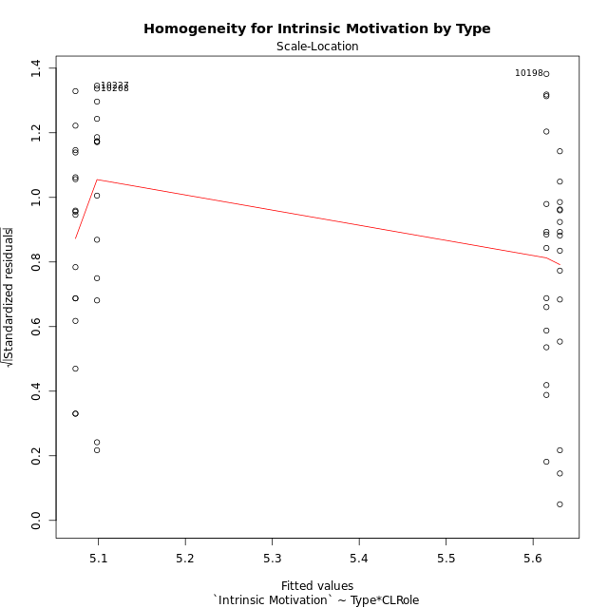

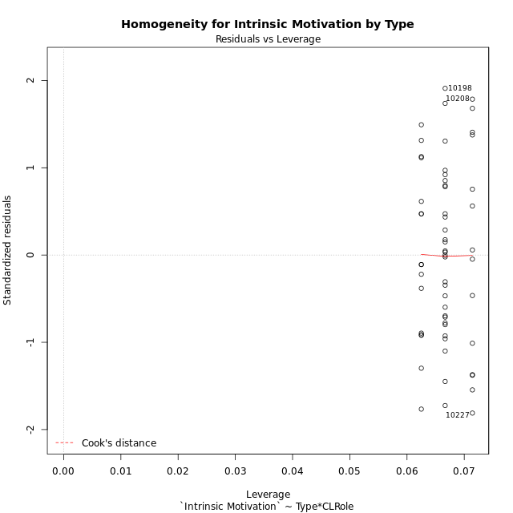

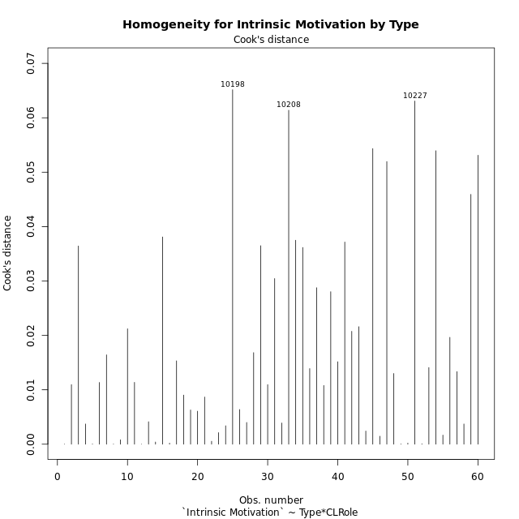

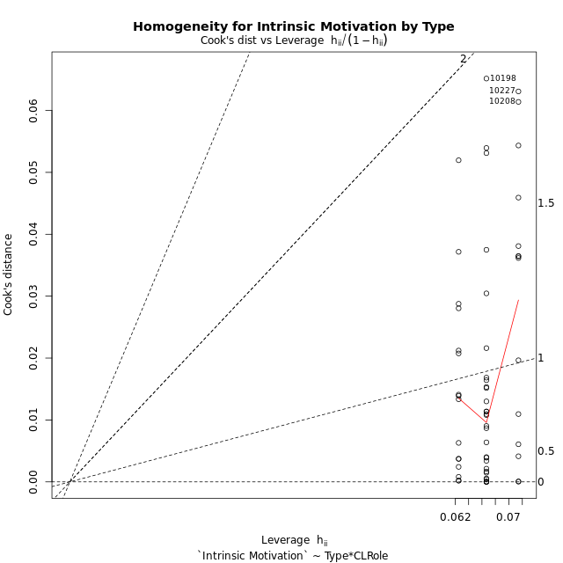

Minimum Sample Size Test for Intrinsic Motivation by Type
Type | CLRole | Freq
non-gamified | Apprentice | 14
ont-gamified | Apprentice | 15
non-gamified | Master | 16
ont-gamified | Master | 15

Errors and Warnings in Sample Size Test for ANOVA in Intrinsic Motivation by Type
code | description
WARN: sample.size | current size is 14 and recommended size is 15 for the group: 'non-gamified:Apprentice'.

For the group: 'non-gamified:Apprentice', we recommend the use of non-parametric test. For the group: 'ont-gamified:Apprentice', you can perform a parametric test without having a normal distribution For the group: 'non-gamified:Master', you can perform a parametric test without having a normal distribution For the group: 'ont-gamified:Master', you can perform a parametric test without having a normal distribution

If you don't want to remove non-normal data, you must cite the following references: ... (1) Lix, L.M., J.C. Keselman, and H.J. Keselman. 1996. Consequences of assumption violations revisited: A quantitative review of alternatives to the one-way analysis of variance F test. Rev. Educ. Res. 66: 579-619. ... (2) Harwell, M.R., E.N. Rubinstein, W.S. Hayes, and C.C. Olds. 1992. Summarizing Monte Carlo results in methodological research: the one- and two-factor fixed effects ANOVA cases. J. Educ. Stat. 17: 315-339.

Post-hoc
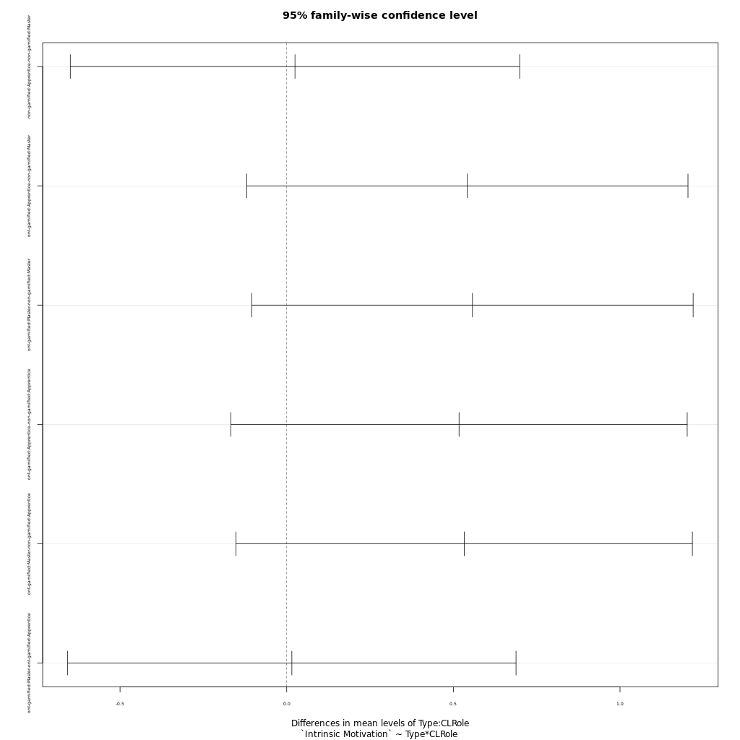
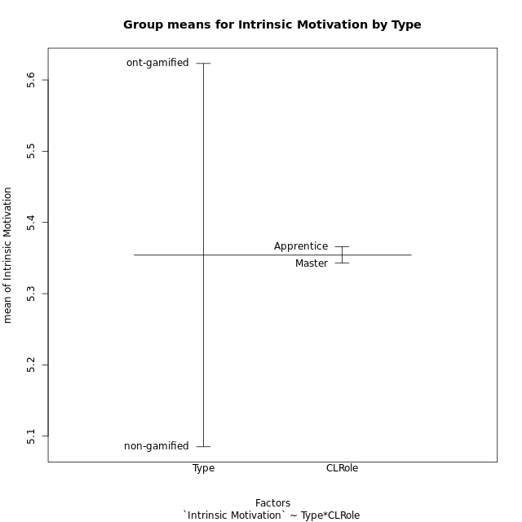
Post-hoc Tukey Honestly Significant Difference (HSD) Test for Intrinsic Motivation by Type

Comparisons of means for Type
 | diff | lwr | upr | p adj
ont-gamified-non-gamified | 0.53802955556 | 0.1782531413 | 0.89780596981 | 0.0040729478928

Comparisons of means for CLRole
 | diff | lwr | upr | p adj
Apprentice-Master | 0.0046074453096 | -0.35536901145 | 0.36458390207 | 0.97963557521

Comparisons of means for Type:CLRole
 | diff | lwr | upr | p adj
non-gamified:Apprentice-non-gamified:Master | 0.024785922619 | -0.64924729603 | 0.69881914127 | 0.99966526803
ont-gamified:Apprentice-non-gamified:Master | 0.54186076389 | -0.12008119136 | 1.2038027191 | 0.14499061009
ont-gamified:Master-non-gamified:Master | 0.557331875 | -0.10461008025 | 1.2192738302 | 0.12783337038
ont-gamified:Apprentice-non-gamified:Apprentice | 0.51707484127 | -0.16736303327 | 1.2015127158 | 0.20012725659
ont-gamified:Master-non-gamified:Apprentice | 0.53254595238 | -0.15189192216 | 1.2169838269 | 0.17885617455
ont-gamified:Master-ont-gamified:Apprentice | 0.015471111111 | -0.65706258795 | 0.68800481018 | 0.99991786322

Contrast Matrices for Intrinsic Motivation by Type - Type
contrast | estimate | SE | df | t.ratio | p.value
non-gamified - ont-gamified | -0.53720335813 | 0.17979752667 | 56 | -2.9878239599 | 0.0041650239802

Contrast Matrices for Intrinsic Motivation by Type - Type:CLRole
contrast | CLRole | estimate | SE | df | t.ratio | p.value
non-gamified - ont-gamified | Apprentice | -0.51707484127 | 0.2584845149 | 56 | -2.0004093532 | 0.050313717902
non-gamified - ont-gamified | Master | -0.557331875 | 0.24998871564 | 56 | -2.2294281307 | 0.029813917683

Least Squares Means and Confidence Intervals for Type
Type | lsmean | SE | df | lower.CL | upper.CL | Pairs
non-gamified | 5.0858944196 | 0.1272775485 | 56 | 4.8309268519 | 5.3408619874 | non-gamified
ont-gamified | 5.6230977778 | 0.12699439454 | 56 | 5.3686974356 | 5.87749812 | ont-gamified

Least Squares Means and Confidence Intervals for Type:CLRole
Type | CLRole | lsmean | SE | df | lower.CL | upper.CL | Pairs
non-gamified | Apprentice | 5.098287381 | 0.18590075835 | 56 | 4.7258834122 | 5.4706913497 | non-gamified.Apprentice
ont-gamified | Apprentice | 5.6153622222 | 0.17959719511 | 56 | 5.255585808 | 5.9751386364 | ont-gamified.Apprentice
non-gamified | Master | 5.0735014583 | 0.17389423642 | 56 | 4.7251494432 | 5.4218534735 | non-gamified.Master
ont-gamified | Master | 5.6308333333 | 0.17959719511 | 56 | 5.2710569191 | 5.9906097476 | ont-gamified.Master

Plots

Type_1
Student's t-Test for Intrinsic Motivation by Type in Type between non-gamified:ont-gamified

Student's t-Test results
Alternative hypothesis: less
Group | N | Mean | Mean.Difference | Std.deviation | Std.error | CI.lower | CI.upper | df | t.value | p.value | g | magnitude
non-gamified | 30 | 5.0850682222 | -0.53802955556 | 0.75109593796 | 0.13713072936 | 4.8108067635 | 5.3593296809 | 55.608834567 | -3.0484243536 | 0.0017588040628 | -0.77687770846 | medium
ont-gamified | 30 | 5.6230977778 | 0.53802955556 | 0.60857386172 | 0.11110987732 | 5.4008780231 | 5.8453175324 | 55.608834567 | -3.0484243536 | 0.0017588040628 | -0.77687770846 | medium
Alternative hypothesis: greater
Group | N | Mean | Mean.Difference | Std.deviation | Std.error | CI.lower | CI.upper | df | t.value | p.value | g | magnitude
non-gamified | 30 | 5.0850682222 | -0.53802955556 | 0.75109593796 | 0.13713072936 | 4.8108067635 | 5.3593296809 | 55.608834567 | -3.0484243536 | 0.99824119594 | -0.77687770846 | medium
ont-gamified | 30 | 5.6230977778 | 0.53802955556 | 0.60857386172 | 0.11110987732 | 5.4008780231 | 5.8453175324 | 55.608834567 | -3.0484243536 | 0.99824119594 | -0.77687770846 | medium
Alternative hypothesis: two.sided
Group | N | Mean | Mean.Difference | Std.deviation | Std.error | CI.lower | CI.upper | df | t.value | p.value | g | magnitude
non-gamified | 30 | 5.0850682222 | -0.53802955556 | 0.75109593796 | 0.13713072936 | 4.8108067635 | 5.3593296809 | 55.608834567 | -3.0484243536 | 0.0035176081255 | -0.77687770846 | medium
ont-gamified | 30 | 5.6230977778 | 0.53802955556 | 0.60857386172 | 0.11110987732 | 5.4008780231 | 5.8453175324 | 55.608834567 | -3.0484243536 | 0.0035176081255 | -0.77687770846 | medium

Box plots for Student's t-Test
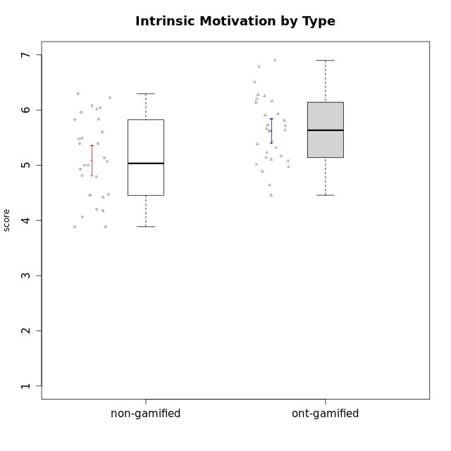

Student's t-Test data
UserID | NroUSP | Type | CLGroup | CLRole | PlayerRole | Interest/Enjoyment | Perceived Choice | Pressure/Tension | Effort/Importance | Intrinsic Motivation
10169 | 10377538 | ont-gamified | Grupo Hefesto | Master | Yee Achiever | 5.6666666667 | 4.8 | 1.9913 | 6 | 5.6166666667
10170 | 10260351 | ont-gamified | Grupo Afrodite | Apprentice | Yee Achiever | 5.1666666667 | 6.4 | 1 | 6 | 6.1416666667
10171 | 698531 | non-gamified | Grupo Team 6 | Apprentice |  | 5.6666666667 | 6 | 1.25 | 5.6666666667 | 6.0208333333
10172 | 10273971 | non-gamified | Grupo Team 1 | Master |  | 5.1666666667 | 5.4 | 1 | 4 | 5.3916666667
10174 | 10276852 | ont-gamified | Grupo Urano | Master | Yee Achiever | 4.8333333333 | 4.4 | 1.25 | 6.6666666667 | 5.6625
10175 | 10310700 | ont-gamified | Grupo Hélio | Master | Yee Socializer | 5.6666666667 | 7 | 1 | 5 | 6.1666666667
10176 | 10276949 | ont-gamified | Grupo Cronus | Apprentice | Yee Achiever | 4.1666666667 | 5.8 | 1.9913 | 4.6666666667 | 4.9708333333
10178 | 8656201 | ont-gamified | Grupo Morfeu | Apprentice | Yee Socializer | 5 | 5.8 | 1.9913 | 6 | 5.6375
10179 | 10310759 | non-gamified | Grupo Team 9 | Master |  | 3.8333333333 | 3.2 | 2 | 6.6434666667 | 4.925
10181 | 10276866 | non-gamified | Grupo Team 10 | Master |  | 4.3333333333 | 6 | 1 | 6 | 5.8333333333
10183 | 10352030 | ont-gamified | Grupo Hélio | Apprentice | Yee Socializer | 4 | 5.4 | 1.9913 | 5.6666666667 | 5.0791666667
10184 | 10276675 | ont-gamified | Grupo Apolo | Master | Yee Socializer | 4.5 | 5.6 | 1.9913 | 6.6666666667 | 5.6291666667
10185 | 10276960 | non-gamified | Grupo Team 12 | Apprentice |  | 4 | 4.4 | 2.25 | 5 | 4.7875
10186 | 10310551 | ont-gamified | Grupo Ares | Apprentice | Yee Achiever | 4.6666666667 | 6.2 | 1.9913 | 7 | 5.7166666667
10187 | 9790781 | non-gamified | Grupo Team 15 | Apprentice |  | 6.7181 | 6 | 2.48695 | 6.6666666667 | 6.0416666667
10188 | 10276995 | non-gamified | Grupo Team 3 | Master |  | 3.8333333333 | 5 | 1.5 | 4.6666666667 | 5
10189 | 9363926 | ont-gamified | Grupo Hades | Master | Yee Socializer | 4 | 5.2 | 1.9913 | 6.3333333333 | 5.0083333333
10190 | 10276907 | ont-gamified | Grupo Zeus | Apprentice | Yee Socializer | 4.5 | 5.8 | 1.75 | 4.0232 | 5.1375
10191 | 10276981 | non-gamified | Grupo Team 6 | Master |  | 5.6666666667 | 5.2 | 1.25 | 4.3333333333 | 5.4875
10192 | 10276682 | non-gamified | Grupo Team 5 | Apprentice |  | 6.1666666667 | 4.4 | 1 | 4.3333333333 | 5.475
10193 | 10276762 | ont-gamified | Grupo Afrodite | Master | Yee Achiever | 4.8333333333 | 4.4 | 1.25 | 4.6666666667 | 5.1625
10195 | 10351971 | ont-gamified | Grupo Urano | Apprentice | Yee Achiever | 5.3333333333 | 4.6 | 1 | 6 | 5.7333333333
10196 | 10310655 | ont-gamified | Grupo Hefesto | Apprentice | Yee Achiever | 4 | 4.2 | 1 | 6.3333333333 | 5.3833333333
10197 | 10276661 | ont-gamified | Grupo Gaia | Apprentice | Yee Achiever | 4.8333333333 | 6.8 | 1 | 5 | 5.9083333333
10198 | 10310888 | ont-gamified | Grupo Apolo | Apprentice | Yee Socializer | 6.6434666667 | 7 | 1 | 7 | 6.8989766667
10199 | 10276737 | ont-gamified | Grupo Gaia | Master | Yee Achiever | 4 | 7 | 1.9913 | 4.6666666667 | 5.2291666667
10200 | 9795272 | ont-gamified | Grupo Hades | Apprentice | Yee Socializer | 6.3333333333 | 5.4 | 1 | 5 | 5.9333333333
10201 | 10276928 | ont-gamified | Grupo Caronte | Master | Yee Achiever | 6.3333333333 | 5.8 | 1.9913 | 7 | 6.2833333333
10202 | 10277036 | non-gamified | Grupo Team 11 | Apprentice |  | 4 | 3.2 | 2.48695 | 7 | 4.175
10203 | 9921470 | non-gamified | Grupo Team 3 | Apprentice |  | 4 | 7 | 1.25 | 4.6666666667 | 5.6041666667
10204 | 10310471 | ont-gamified | Grupo Hermes | Master | Yee Achiever | 6.8333333333 | 6.2 | 1 | 6 | 6.5083333333
10206 | 10310721 | ont-gamified | Grupo Hera | Master | Yee Achiever | 4.5 | 6.6 | 1.9913 | 5.6666666667 | 5.3166666667
10208 | 10276932 | non-gamified | Grupo Team 7 | Apprentice |  | 6.3333333333 | 5.6 | 1.75 | 7 | 6.2958333333
10209 | 10262669 | ont-gamified | Grupo Artemis | Apprentice | Yee Achiever | 3.1666666667 | 4.02088 | 1 | 7 | 4.6416666667
10210 | 10277015 | non-gamified | Grupo Team 9 | Apprentice |  | 3.5 | 2.8 | 2.48695 | 6.6666666667 | 4.1791666667
10211 | 9311643 | non-gamified | Grupo Team 2 | Master |  | 6.1666666667 | 3 | 2 | 2.7014666667 | 4.4583333333
10212 | 9065750 | non-gamified | Grupo Team 4 | Master |  | 6.3333333333 | 6 | 2.48695 | 6 | 5.9583333333
10213 | 10277040 | ont-gamified | Grupo Morfeu | Master | Yee Socializer | 5.5 | 4.6 | 1 | 4.0232 | 5.1083333333
10214 | 10277022 | non-gamified | Grupo Team 5 | Master |  | 3 | 3.8 | 2 | 4 | 4.2
10215 | 9285227 | ont-gamified | Grupo Zeus | Master | Yee Socializer | 5 | 7 | 1 | 6 | 6.25
10216 | 10276720 | non-gamified | Grupo Team 15 | Master |  | 4.8333333333 | 6.4 | 1.25 | 6.3333333333 | 6.0791666667
10217 | 9805341 | non-gamified | Grupo Team 13 | Master |  | 3.8333333333 | 6.8 | 1 | 5.6666666667 | 5.825
10218 | 9842913 | ont-gamified | Grupo Ares | Master | Yee Achiever | 3.3333333333 | 5.4 | 1.9913 | 6.3333333333 | 4.8916666667
10219 | 10276831 | non-gamified | Grupo Team 12 | Master |  | 3.6666666667 | 4.6 | 1 | 4 | 4.8166666667
10220 | 9760151 | non-gamified | Grupo Team 2 | Apprentice |  | 5.5 | 6.4 | 1 | 6 | 6.225
10221 | 9082496 | ont-gamified | Grupo Hermes | Apprentice | Yee Achiever | 4.5 | 5.4 | 1 | 6.3333333333 | 5.8083333333
10222 | 9436110 | non-gamified | Grupo Team 16 | Master |  | 2.1123333333 | 2.4348 | 2.48695 | 4.6666666667 | 3.8843566667
10223 | 9795185 | ont-gamified | Grupo Cronus | Master | Yee Achiever | 6.3333333333 | 6.4 | 1.25 | 5.3333333333 | 6.2041666667
10224 | 9368772 | non-gamified | Grupo Team 10 | Apprentice |  | 6.5 | 2.6 | 1.5 | 4.6666666667 | 5.0666666667
10226 | 10310342 | non-gamified | Grupo Team 8 | Master |  | 3.8333333333 | 3 | 1.5 | 6.6434666667 | 5
10227 | 9274382 | non-gamified | Grupo Team 4 | Apprentice |  | 2.8333333333 | 4.2 | 2.48695 | 4 | 3.8843566667
10228 | 10310492 | non-gamified | Grupo Team 14 | Apprentice |  | 4 | 4.8 | 2.25 | 6 | 5.1375
10230 | 10351992 | non-gamified | Grupo Team 14 | Master |  | 2.6666666667 | 5.4 | 2.48695 | 5 | 4.4541666667
10231 | 10276911 | ont-gamified | Grupo Caronte | Apprentice | Yee Achiever | 6.6434666667 | 6.8 | 1 | 6.3333333333 | 6.7833333333
10232 | 10276974 | ont-gamified | Grupo Artemis | Master | Yee Achiever | 5.5 | 5.2 | 1.9913 | 6 | 5.425
10233 | 9805320 | non-gamified | Grupo Team 16 | Apprentice |  | 2.3333333333 | 3.6 | 1.25 | 5 | 4.4208333333
10234 | 10310676 | non-gamified | Grupo Team 7 | Master |  | 3.3333333333 | 3.8 | 1.25 | 4 | 4.4708333333
10237 | 10377688 | non-gamified | Grupo Team 11 | Master |  | 4.8333333333 | 5.4 | 1 | 4.3333333333 | 5.3916666667
10238 | 10276953 | non-gamified | Grupo Team 13 | Apprentice |  | 3.8333333333 | 3 | 2.48695 | 5.6666666667 | 4.0625
10240 | 10276654 | ont-gamified | Grupo Hera | Apprentice | Yee Achiever | 3.5 | 4.02088 | 1 | 4.6666666667 | 4.4564566667

Type_CLRole_1
Student's t-Test for Intrinsic Motivation by Type in Type:CLRole between non-gamified.Apprentice:non-gamified.Master

Student's t-Test results
Alternative hypothesis: less
Group | N | Mean | Mean.Difference | Std.deviation | Std.error | CI.lower | CI.upper | df | t.value | p.value | g | magnitude
non-gamified.Apprentice | 14 | 5.098287381 | 0.024785922619 | 0.86131721257 | 0.23019670791 | 4.6378939651 | 5.5586807968 | 24.441805833 | 0.087113344474 | 0.53435440668 | 0.03155377774 | negligible
non-gamified.Master | 16 | 5.0735014583 | -0.024785922619 | 0.66889688379 | 0.16722422095 | 4.7390530164 | 5.4079499002 | 24.441805833 | 0.087113344474 | 0.53435440668 | 0.03155377774 | negligible
Alternative hypothesis: greater
Group | N | Mean | Mean.Difference | Std.deviation | Std.error | CI.lower | CI.upper | df | t.value | p.value | g | magnitude
non-gamified.Apprentice | 14 | 5.098287381 | 0.024785922619 | 0.86131721257 | 0.23019670791 | 4.6378939651 | 5.5586807968 | 24.441805833 | 0.087113344474 | 0.46564559332 | 0.03155377774 | negligible
non-gamified.Master | 16 | 5.0735014583 | -0.024785922619 | 0.66889688379 | 0.16722422095 | 4.7390530164 | 5.4079499002 | 24.441805833 | 0.087113344474 | 0.46564559332 | 0.03155377774 | negligible
Alternative hypothesis: two.sided
Group | N | Mean | Mean.Difference | Std.deviation | Std.error | CI.lower | CI.upper | df | t.value | p.value | g | magnitude
non-gamified.Apprentice | 14 | 5.098287381 | 0.024785922619 | 0.86131721257 | 0.23019670791 | 4.6378939651 | 5.5586807968 | 24.441805833 | 0.087113344474 | 0.93129118664 | 0.03155377774 | negligible
non-gamified.Master | 16 | 5.0735014583 | -0.024785922619 | 0.66889688379 | 0.16722422095 | 4.7390530164 | 5.4079499002 | 24.441805833 | 0.087113344474 | 0.93129118664 | 0.03155377774 | negligible

Box plots for Student's t-Test
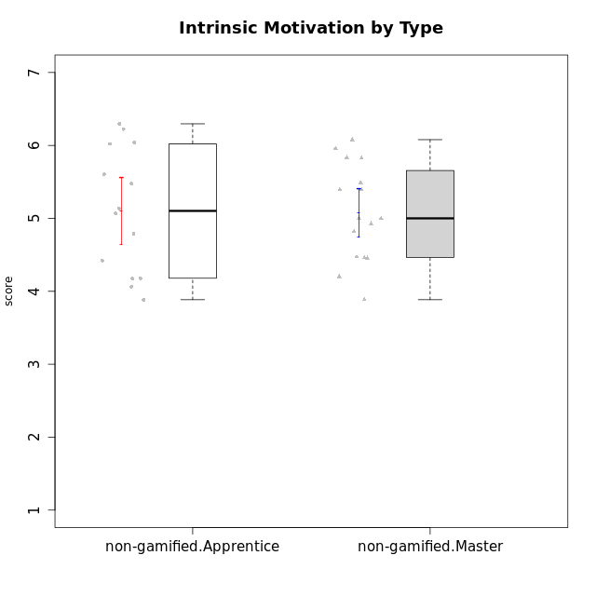

Student's t-Test data
UserID | NroUSP | Type | CLGroup | CLRole | PlayerRole | Interest/Enjoyment | Perceived Choice | Pressure/Tension | Effort/Importance | Intrinsic Motivation
10171 | 698531 | non-gamified | Grupo Team 6 | Apprentice |  | 5.6666666667 | 6 | 1.25 | 5.6666666667 | 6.0208333333
10172 | 10273971 | non-gamified | Grupo Team 1 | Master |  | 5.1666666667 | 5.4 | 1 | 4 | 5.3916666667
10179 | 10310759 | non-gamified | Grupo Team 9 | Master |  | 3.8333333333 | 3.2 | 2 | 6.6434666667 | 4.925
10181 | 10276866 | non-gamified | Grupo Team 10 | Master |  | 4.3333333333 | 6 | 1 | 6 | 5.8333333333
10185 | 10276960 | non-gamified | Grupo Team 12 | Apprentice |  | 4 | 4.4 | 2.25 | 5 | 4.7875
10187 | 9790781 | non-gamified | Grupo Team 15 | Apprentice |  | 6.7181 | 6 | 2.48695 | 6.6666666667 | 6.0416666667
10188 | 10276995 | non-gamified | Grupo Team 3 | Master |  | 3.8333333333 | 5 | 1.5 | 4.6666666667 | 5
10191 | 10276981 | non-gamified | Grupo Team 6 | Master |  | 5.6666666667 | 5.2 | 1.25 | 4.3333333333 | 5.4875
10192 | 10276682 | non-gamified | Grupo Team 5 | Apprentice |  | 6.1666666667 | 4.4 | 1 | 4.3333333333 | 5.475
10202 | 10277036 | non-gamified | Grupo Team 11 | Apprentice |  | 4 | 3.2 | 2.48695 | 7 | 4.175
10203 | 9921470 | non-gamified | Grupo Team 3 | Apprentice |  | 4 | 7 | 1.25 | 4.6666666667 | 5.6041666667
10208 | 10276932 | non-gamified | Grupo Team 7 | Apprentice |  | 6.3333333333 | 5.6 | 1.75 | 7 | 6.2958333333
10210 | 10277015 | non-gamified | Grupo Team 9 | Apprentice |  | 3.5 | 2.8 | 2.48695 | 6.6666666667 | 4.1791666667
10211 | 9311643 | non-gamified | Grupo Team 2 | Master |  | 6.1666666667 | 3 | 2 | 2.7014666667 | 4.4583333333
10212 | 9065750 | non-gamified | Grupo Team 4 | Master |  | 6.3333333333 | 6 | 2.48695 | 6 | 5.9583333333
10214 | 10277022 | non-gamified | Grupo Team 5 | Master |  | 3 | 3.8 | 2 | 4 | 4.2
10216 | 10276720 | non-gamified | Grupo Team 15 | Master |  | 4.8333333333 | 6.4 | 1.25 | 6.3333333333 | 6.0791666667
10217 | 9805341 | non-gamified | Grupo Team 13 | Master |  | 3.8333333333 | 6.8 | 1 | 5.6666666667 | 5.825
10219 | 10276831 | non-gamified | Grupo Team 12 | Master |  | 3.6666666667 | 4.6 | 1 | 4 | 4.8166666667
10220 | 9760151 | non-gamified | Grupo Team 2 | Apprentice |  | 5.5 | 6.4 | 1 | 6 | 6.225
10222 | 9436110 | non-gamified | Grupo Team 16 | Master |  | 2.1123333333 | 2.4348 | 2.48695 | 4.6666666667 | 3.8843566667
10224 | 9368772 | non-gamified | Grupo Team 10 | Apprentice |  | 6.5 | 2.6 | 1.5 | 4.6666666667 | 5.0666666667
10226 | 10310342 | non-gamified | Grupo Team 8 | Master |  | 3.8333333333 | 3 | 1.5 | 6.6434666667 | 5
10227 | 9274382 | non-gamified | Grupo Team 4 | Apprentice |  | 2.8333333333 | 4.2 | 2.48695 | 4 | 3.8843566667
10228 | 10310492 | non-gamified | Grupo Team 14 | Apprentice |  | 4 | 4.8 | 2.25 | 6 | 5.1375
10230 | 10351992 | non-gamified | Grupo Team 14 | Master |  | 2.6666666667 | 5.4 | 2.48695 | 5 | 4.4541666667
10233 | 9805320 | non-gamified | Grupo Team 16 | Apprentice |  | 2.3333333333 | 3.6 | 1.25 | 5 | 4.4208333333
10234 | 10310676 | non-gamified | Grupo Team 7 | Master |  | 3.3333333333 | 3.8 | 1.25 | 4 | 4.4708333333
10237 | 10377688 | non-gamified | Grupo Team 11 | Master |  | 4.8333333333 | 5.4 | 1 | 4.3333333333 | 5.3916666667
10238 | 10276953 | non-gamified | Grupo Team 13 | Apprentice |  | 3.8333333333 | 3 | 2.48695 | 5.6666666667 | 4.0625

Type_CLRole_2
Student's t-Test for Intrinsic Motivation by Type in Type:CLRole between non-gamified.Apprentice:ont-gamified.Apprentice

Student's t-Test results
Alternative hypothesis: less
Group | N | Mean | Mean.Difference | Std.deviation | Std.error | CI.lower | CI.upper | df | t.value | p.value | g | magnitude
non-gamified.Apprentice | 14 | 5.098287381 | -0.51707484127 | 0.86131721257 | 0.23019670791 | 4.6378939651 | 5.5586807968 | 25.067234057 | -1.7690024983 | 0.044530554156 | -0.64371512391 | medium
ont-gamified.Apprentice | 15 | 5.6153622222 | 0.51707484127 | 0.69764513714 | 0.18013119985 | 5.2550998225 | 5.9756246219 | 25.067234057 | -1.7690024983 | 0.044530554156 | -0.64371512391 | medium
Alternative hypothesis: greater
Group | N | Mean | Mean.Difference | Std.deviation | Std.error | CI.lower | CI.upper | df | t.value | p.value | g | magnitude
non-gamified.Apprentice | 14 | 5.098287381 | -0.51707484127 | 0.86131721257 | 0.23019670791 | 4.6378939651 | 5.5586807968 | 25.067234057 | -1.7690024983 | 0.95546944584 | -0.64371512391 | medium
ont-gamified.Apprentice | 15 | 5.6153622222 | 0.51707484127 | 0.69764513714 | 0.18013119985 | 5.2550998225 | 5.9756246219 | 25.067234057 | -1.7690024983 | 0.95546944584 | -0.64371512391 | medium
Alternative hypothesis: two.sided
Group | N | Mean | Mean.Difference | Std.deviation | Std.error | CI.lower | CI.upper | df | t.value | p.value | g | magnitude
non-gamified.Apprentice | 14 | 5.098287381 | -0.51707484127 | 0.86131721257 | 0.23019670791 | 4.6378939651 | 5.5586807968 | 25.067234057 | -1.7690024983 | 0.089061108311 | -0.64371512391 | medium
ont-gamified.Apprentice | 15 | 5.6153622222 | 0.51707484127 | 0.69764513714 | 0.18013119985 | 5.2550998225 | 5.9756246219 | 25.067234057 | -1.7690024983 | 0.089061108311 | -0.64371512391 | medium

Box plots for Student's t-Test
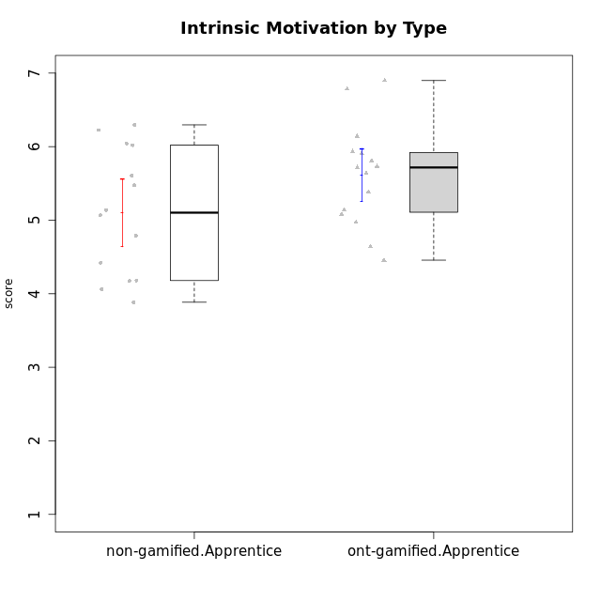

Student's t-Test data
UserID | NroUSP | Type | CLGroup | CLRole | PlayerRole | Interest/Enjoyment | Perceived Choice | Pressure/Tension | Effort/Importance | Intrinsic Motivation
10170 | 10260351 | ont-gamified | Grupo Afrodite | Apprentice | Yee Achiever | 5.1666666667 | 6.4 | 1 | 6 | 6.1416666667
10171 | 698531 | non-gamified | Grupo Team 6 | Apprentice |  | 5.6666666667 | 6 | 1.25 | 5.6666666667 | 6.0208333333
10176 | 10276949 | ont-gamified | Grupo Cronus | Apprentice | Yee Achiever | 4.1666666667 | 5.8 | 1.9913 | 4.6666666667 | 4.9708333333
10178 | 8656201 | ont-gamified | Grupo Morfeu | Apprentice | Yee Socializer | 5 | 5.8 | 1.9913 | 6 | 5.6375
10183 | 10352030 | ont-gamified | Grupo Hélio | Apprentice | Yee Socializer | 4 | 5.4 | 1.9913 | 5.6666666667 | 5.0791666667
10185 | 10276960 | non-gamified | Grupo Team 12 | Apprentice |  | 4 | 4.4 | 2.25 | 5 | 4.7875
10186 | 10310551 | ont-gamified | Grupo Ares | Apprentice | Yee Achiever | 4.6666666667 | 6.2 | 1.9913 | 7 | 5.7166666667
10187 | 9790781 | non-gamified | Grupo Team 15 | Apprentice |  | 6.7181 | 6 | 2.48695 | 6.6666666667 | 6.0416666667
10190 | 10276907 | ont-gamified | Grupo Zeus | Apprentice | Yee Socializer | 4.5 | 5.8 | 1.75 | 4.0232 | 5.1375
10192 | 10276682 | non-gamified | Grupo Team 5 | Apprentice |  | 6.1666666667 | 4.4 | 1 | 4.3333333333 | 5.475
10195 | 10351971 | ont-gamified | Grupo Urano | Apprentice | Yee Achiever | 5.3333333333 | 4.6 | 1 | 6 | 5.7333333333
10196 | 10310655 | ont-gamified | Grupo Hefesto | Apprentice | Yee Achiever | 4 | 4.2 | 1 | 6.3333333333 | 5.3833333333
10197 | 10276661 | ont-gamified | Grupo Gaia | Apprentice | Yee Achiever | 4.8333333333 | 6.8 | 1 | 5 | 5.9083333333
10198 | 10310888 | ont-gamified | Grupo Apolo | Apprentice | Yee Socializer | 6.6434666667 | 7 | 1 | 7 | 6.8989766667
10200 | 9795272 | ont-gamified | Grupo Hades | Apprentice | Yee Socializer | 6.3333333333 | 5.4 | 1 | 5 | 5.9333333333
10202 | 10277036 | non-gamified | Grupo Team 11 | Apprentice |  | 4 | 3.2 | 2.48695 | 7 | 4.175
10203 | 9921470 | non-gamified | Grupo Team 3 | Apprentice |  | 4 | 7 | 1.25 | 4.6666666667 | 5.6041666667
10208 | 10276932 | non-gamified | Grupo Team 7 | Apprentice |  | 6.3333333333 | 5.6 | 1.75 | 7 | 6.2958333333
10209 | 10262669 | ont-gamified | Grupo Artemis | Apprentice | Yee Achiever | 3.1666666667 | 4.02088 | 1 | 7 | 4.6416666667
10210 | 10277015 | non-gamified | Grupo Team 9 | Apprentice |  | 3.5 | 2.8 | 2.48695 | 6.6666666667 | 4.1791666667
10220 | 9760151 | non-gamified | Grupo Team 2 | Apprentice |  | 5.5 | 6.4 | 1 | 6 | 6.225
10221 | 9082496 | ont-gamified | Grupo Hermes | Apprentice | Yee Achiever | 4.5 | 5.4 | 1 | 6.3333333333 | 5.8083333333
10224 | 9368772 | non-gamified | Grupo Team 10 | Apprentice |  | 6.5 | 2.6 | 1.5 | 4.6666666667 | 5.0666666667
10227 | 9274382 | non-gamified | Grupo Team 4 | Apprentice |  | 2.8333333333 | 4.2 | 2.48695 | 4 | 3.8843566667
10228 | 10310492 | non-gamified | Grupo Team 14 | Apprentice |  | 4 | 4.8 | 2.25 | 6 | 5.1375
10231 | 10276911 | ont-gamified | Grupo Caronte | Apprentice | Yee Achiever | 6.6434666667 | 6.8 | 1 | 6.3333333333 | 6.7833333333
10233 | 9805320 | non-gamified | Grupo Team 16 | Apprentice |  | 2.3333333333 | 3.6 | 1.25 | 5 | 4.4208333333
10238 | 10276953 | non-gamified | Grupo Team 13 | Apprentice |  | 3.8333333333 | 3 | 2.48695 | 5.6666666667 | 4.0625
10240 | 10276654 | ont-gamified | Grupo Hera | Apprentice | Yee Achiever | 3.5 | 4.02088 | 1 | 4.6666666667 | 4.4564566667

Type_CLRole_3
Student's t-Test for Intrinsic Motivation by Type in Type:CLRole between non-gamified.Apprentice:ont-gamified.Master

Student's t-Test results
Alternative hypothesis: less
Group | N | Mean | Mean.Difference | Std.deviation | Std.error | CI.lower | CI.upper | df | t.value | p.value | g | magnitude
non-gamified.Apprentice | 14 | 5.098287381 | -0.53254595238 | 0.86131721257 | 0.23019670791 | 4.6378939651 | 5.5586807968 | 21.324061868 | -1.9891070854 | 0.029835362412 | -0.73015262018 | medium
ont-gamified.Master | 15 | 5.6308333333 | 0.53254595238 | 0.52947310212 | 0.13670936712 | 5.3574145991 | 5.9042520676 | 21.324061868 | -1.9891070854 | 0.029835362412 | -0.73015262018 | medium
Alternative hypothesis: greater
Group | N | Mean | Mean.Difference | Std.deviation | Std.error | CI.lower | CI.upper | df | t.value | p.value | g | magnitude
non-gamified.Apprentice | 14 | 5.098287381 | -0.53254595238 | 0.86131721257 | 0.23019670791 | 4.6378939651 | 5.5586807968 | 21.324061868 | -1.9891070854 | 0.97016463759 | -0.73015262018 | medium
ont-gamified.Master | 15 | 5.6308333333 | 0.53254595238 | 0.52947310212 | 0.13670936712 | 5.3574145991 | 5.9042520676 | 21.324061868 | -1.9891070854 | 0.97016463759 | -0.73015262018 | medium
Alternative hypothesis: two.sided
Group | N | Mean | Mean.Difference | Std.deviation | Std.error | CI.lower | CI.upper | df | t.value | p.value | g | magnitude
non-gamified.Apprentice | 14 | 5.098287381 | -0.53254595238 | 0.86131721257 | 0.23019670791 | 4.6378939651 | 5.5586807968 | 21.324061868 | -1.9891070854 | 0.059670724825 | -0.73015262018 | medium
ont-gamified.Master | 15 | 5.6308333333 | 0.53254595238 | 0.52947310212 | 0.13670936712 | 5.3574145991 | 5.9042520676 | 21.324061868 | -1.9891070854 | 0.059670724825 | -0.73015262018 | medium

Box plots for Student's t-Test
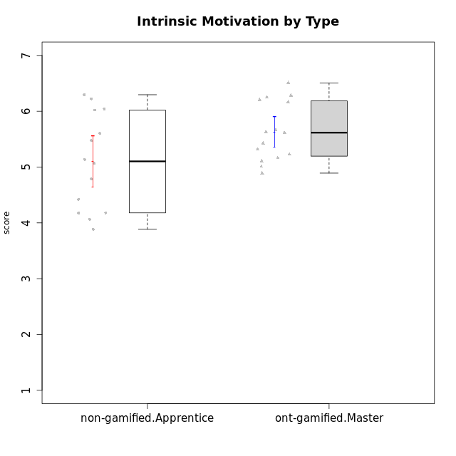

Student's t-Test data
UserID | NroUSP | Type | CLGroup | CLRole | PlayerRole | Interest/Enjoyment | Perceived Choice | Pressure/Tension | Effort/Importance | Intrinsic Motivation
10169 | 10377538 | ont-gamified | Grupo Hefesto | Master | Yee Achiever | 5.6666666667 | 4.8 | 1.9913 | 6 | 5.6166666667
10171 | 698531 | non-gamified | Grupo Team 6 | Apprentice |  | 5.6666666667 | 6 | 1.25 | 5.6666666667 | 6.0208333333
10174 | 10276852 | ont-gamified | Grupo Urano | Master | Yee Achiever | 4.8333333333 | 4.4 | 1.25 | 6.6666666667 | 5.6625
10175 | 10310700 | ont-gamified | Grupo Hélio | Master | Yee Socializer | 5.6666666667 | 7 | 1 | 5 | 6.1666666667
10184 | 10276675 | ont-gamified | Grupo Apolo | Master | Yee Socializer | 4.5 | 5.6 | 1.9913 | 6.6666666667 | 5.6291666667
10185 | 10276960 | non-gamified | Grupo Team 12 | Apprentice |  | 4 | 4.4 | 2.25 | 5 | 4.7875
10187 | 9790781 | non-gamified | Grupo Team 15 | Apprentice |  | 6.7181 | 6 | 2.48695 | 6.6666666667 | 6.0416666667
10189 | 9363926 | ont-gamified | Grupo Hades | Master | Yee Socializer | 4 | 5.2 | 1.9913 | 6.3333333333 | 5.0083333333
10192 | 10276682 | non-gamified | Grupo Team 5 | Apprentice |  | 6.1666666667 | 4.4 | 1 | 4.3333333333 | 5.475
10193 | 10276762 | ont-gamified | Grupo Afrodite | Master | Yee Achiever | 4.8333333333 | 4.4 | 1.25 | 4.6666666667 | 5.1625
10199 | 10276737 | ont-gamified | Grupo Gaia | Master | Yee Achiever | 4 | 7 | 1.9913 | 4.6666666667 | 5.2291666667
10201 | 10276928 | ont-gamified | Grupo Caronte | Master | Yee Achiever | 6.3333333333 | 5.8 | 1.9913 | 7 | 6.2833333333
10202 | 10277036 | non-gamified | Grupo Team 11 | Apprentice |  | 4 | 3.2 | 2.48695 | 7 | 4.175
10203 | 9921470 | non-gamified | Grupo Team 3 | Apprentice |  | 4 | 7 | 1.25 | 4.6666666667 | 5.6041666667
10204 | 10310471 | ont-gamified | Grupo Hermes | Master | Yee Achiever | 6.8333333333 | 6.2 | 1 | 6 | 6.5083333333
10206 | 10310721 | ont-gamified | Grupo Hera | Master | Yee Achiever | 4.5 | 6.6 | 1.9913 | 5.6666666667 | 5.3166666667
10208 | 10276932 | non-gamified | Grupo Team 7 | Apprentice |  | 6.3333333333 | 5.6 | 1.75 | 7 | 6.2958333333
10210 | 10277015 | non-gamified | Grupo Team 9 | Apprentice |  | 3.5 | 2.8 | 2.48695 | 6.6666666667 | 4.1791666667
10213 | 10277040 | ont-gamified | Grupo Morfeu | Master | Yee Socializer | 5.5 | 4.6 | 1 | 4.0232 | 5.1083333333
10215 | 9285227 | ont-gamified | Grupo Zeus | Master | Yee Socializer | 5 | 7 | 1 | 6 | 6.25
10218 | 9842913 | ont-gamified | Grupo Ares | Master | Yee Achiever | 3.3333333333 | 5.4 | 1.9913 | 6.3333333333 | 4.8916666667
10220 | 9760151 | non-gamified | Grupo Team 2 | Apprentice |  | 5.5 | 6.4 | 1 | 6 | 6.225
10223 | 9795185 | ont-gamified | Grupo Cronus | Master | Yee Achiever | 6.3333333333 | 6.4 | 1.25 | 5.3333333333 | 6.2041666667
10224 | 9368772 | non-gamified | Grupo Team 10 | Apprentice |  | 6.5 | 2.6 | 1.5 | 4.6666666667 | 5.0666666667
10227 | 9274382 | non-gamified | Grupo Team 4 | Apprentice |  | 2.8333333333 | 4.2 | 2.48695 | 4 | 3.8843566667
10228 | 10310492 | non-gamified | Grupo Team 14 | Apprentice |  | 4 | 4.8 | 2.25 | 6 | 5.1375
10232 | 10276974 | ont-gamified | Grupo Artemis | Master | Yee Achiever | 5.5 | 5.2 | 1.9913 | 6 | 5.425
10233 | 9805320 | non-gamified | Grupo Team 16 | Apprentice |  | 2.3333333333 | 3.6 | 1.25 | 5 | 4.4208333333
10238 | 10276953 | non-gamified | Grupo Team 13 | Apprentice |  | 3.8333333333 | 3 | 2.48695 | 5.6666666667 | 4.0625

Type_CLRole_4
Student's t-Test for Intrinsic Motivation by Type in Type:CLRole between non-gamified.Master:ont-gamified.Apprentice

Student's t-Test results
Alternative hypothesis: less
Group | N | Mean | Mean.Difference | Std.deviation | Std.error | CI.lower | CI.upper | df | t.value | p.value | g | magnitude
non-gamified.Master | 16 | 5.0735014583 | -0.54186076389 | 0.66889688379 | 0.16722422095 | 4.7390530164 | 5.4079499002 | 28.660972742 | -2.204595986 | 0.017833945557 | -0.77274098555 | medium
ont-gamified.Apprentice | 15 | 5.6153622222 | 0.54186076389 | 0.69764513714 | 0.18013119985 | 5.2550998225 | 5.9756246219 | 28.660972742 | -2.204595986 | 0.017833945557 | -0.77274098555 | medium
Alternative hypothesis: greater
Group | N | Mean | Mean.Difference | Std.deviation | Std.error | CI.lower | CI.upper | df | t.value | p.value | g | magnitude
non-gamified.Master | 16 | 5.0735014583 | -0.54186076389 | 0.66889688379 | 0.16722422095 | 4.7390530164 | 5.4079499002 | 28.660972742 | -2.204595986 | 0.98216605444 | -0.77274098555 | medium
ont-gamified.Apprentice | 15 | 5.6153622222 | 0.54186076389 | 0.69764513714 | 0.18013119985 | 5.2550998225 | 5.9756246219 | 28.660972742 | -2.204595986 | 0.98216605444 | -0.77274098555 | medium
Alternative hypothesis: two.sided
Group | N | Mean | Mean.Difference | Std.deviation | Std.error | CI.lower | CI.upper | df | t.value | p.value | g | magnitude
non-gamified.Master | 16 | 5.0735014583 | -0.54186076389 | 0.66889688379 | 0.16722422095 | 4.7390530164 | 5.4079499002 | 28.660972742 | -2.204595986 | 0.035667891114 | -0.77274098555 | medium
ont-gamified.Apprentice | 15 | 5.6153622222 | 0.54186076389 | 0.69764513714 | 0.18013119985 | 5.2550998225 | 5.9756246219 | 28.660972742 | -2.204595986 | 0.035667891114 | -0.77274098555 | medium

Box plots for Student's t-Test
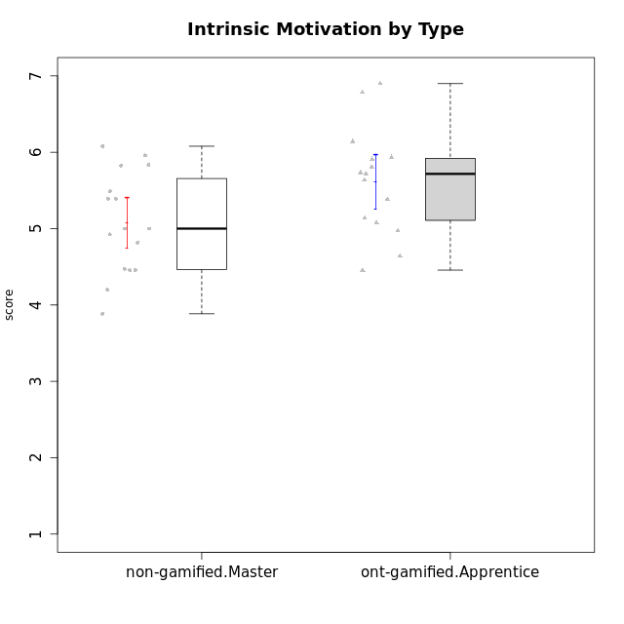

Student's t-Test data
UserID | NroUSP | Type | CLGroup | CLRole | PlayerRole | Interest/Enjoyment | Perceived Choice | Pressure/Tension | Effort/Importance | Intrinsic Motivation
10170 | 10260351 | ont-gamified | Grupo Afrodite | Apprentice | Yee Achiever | 5.1666666667 | 6.4 | 1 | 6 | 6.1416666667
10172 | 10273971 | non-gamified | Grupo Team 1 | Master |  | 5.1666666667 | 5.4 | 1 | 4 | 5.3916666667
10176 | 10276949 | ont-gamified | Grupo Cronus | Apprentice | Yee Achiever | 4.1666666667 | 5.8 | 1.9913 | 4.6666666667 | 4.9708333333
10178 | 8656201 | ont-gamified | Grupo Morfeu | Apprentice | Yee Socializer | 5 | 5.8 | 1.9913 | 6 | 5.6375
10179 | 10310759 | non-gamified | Grupo Team 9 | Master |  | 3.8333333333 | 3.2 | 2 | 6.6434666667 | 4.925
10181 | 10276866 | non-gamified | Grupo Team 10 | Master |  | 4.3333333333 | 6 | 1 | 6 | 5.8333333333
10183 | 10352030 | ont-gamified | Grupo Hélio | Apprentice | Yee Socializer | 4 | 5.4 | 1.9913 | 5.6666666667 | 5.0791666667
10186 | 10310551 | ont-gamified | Grupo Ares | Apprentice | Yee Achiever | 4.6666666667 | 6.2 | 1.9913 | 7 | 5.7166666667
10188 | 10276995 | non-gamified | Grupo Team 3 | Master |  | 3.8333333333 | 5 | 1.5 | 4.6666666667 | 5
10190 | 10276907 | ont-gamified | Grupo Zeus | Apprentice | Yee Socializer | 4.5 | 5.8 | 1.75 | 4.0232 | 5.1375
10191 | 10276981 | non-gamified | Grupo Team 6 | Master |  | 5.6666666667 | 5.2 | 1.25 | 4.3333333333 | 5.4875
10195 | 10351971 | ont-gamified | Grupo Urano | Apprentice | Yee Achiever | 5.3333333333 | 4.6 | 1 | 6 | 5.7333333333
10196 | 10310655 | ont-gamified | Grupo Hefesto | Apprentice | Yee Achiever | 4 | 4.2 | 1 | 6.3333333333 | 5.3833333333
10197 | 10276661 | ont-gamified | Grupo Gaia | Apprentice | Yee Achiever | 4.8333333333 | 6.8 | 1 | 5 | 5.9083333333
10198 | 10310888 | ont-gamified | Grupo Apolo | Apprentice | Yee Socializer | 6.6434666667 | 7 | 1 | 7 | 6.8989766667
10200 | 9795272 | ont-gamified | Grupo Hades | Apprentice | Yee Socializer | 6.3333333333 | 5.4 | 1 | 5 | 5.9333333333
10209 | 10262669 | ont-gamified | Grupo Artemis | Apprentice | Yee Achiever | 3.1666666667 | 4.02088 | 1 | 7 | 4.6416666667
10211 | 9311643 | non-gamified | Grupo Team 2 | Master |  | 6.1666666667 | 3 | 2 | 2.7014666667 | 4.4583333333
10212 | 9065750 | non-gamified | Grupo Team 4 | Master |  | 6.3333333333 | 6 | 2.48695 | 6 | 5.9583333333
10214 | 10277022 | non-gamified | Grupo Team 5 | Master |  | 3 | 3.8 | 2 | 4 | 4.2
10216 | 10276720 | non-gamified | Grupo Team 15 | Master |  | 4.8333333333 | 6.4 | 1.25 | 6.3333333333 | 6.0791666667
10217 | 9805341 | non-gamified | Grupo Team 13 | Master |  | 3.8333333333 | 6.8 | 1 | 5.6666666667 | 5.825
10219 | 10276831 | non-gamified | Grupo Team 12 | Master |  | 3.6666666667 | 4.6 | 1 | 4 | 4.8166666667
10221 | 9082496 | ont-gamified | Grupo Hermes | Apprentice | Yee Achiever | 4.5 | 5.4 | 1 | 6.3333333333 | 5.8083333333
10222 | 9436110 | non-gamified | Grupo Team 16 | Master |  | 2.1123333333 | 2.4348 | 2.48695 | 4.6666666667 | 3.8843566667
10226 | 10310342 | non-gamified | Grupo Team 8 | Master |  | 3.8333333333 | 3 | 1.5 | 6.6434666667 | 5
10230 | 10351992 | non-gamified | Grupo Team 14 | Master |  | 2.6666666667 | 5.4 | 2.48695 | 5 | 4.4541666667
10231 | 10276911 | ont-gamified | Grupo Caronte | Apprentice | Yee Achiever | 6.6434666667 | 6.8 | 1 | 6.3333333333 | 6.7833333333
10234 | 10310676 | non-gamified | Grupo Team 7 | Master |  | 3.3333333333 | 3.8 | 1.25 | 4 | 4.4708333333
10237 | 10377688 | non-gamified | Grupo Team 11 | Master |  | 4.8333333333 | 5.4 | 1 | 4.3333333333 | 5.3916666667
10240 | 10276654 | ont-gamified | Grupo Hera | Apprentice | Yee Achiever | 3.5 | 4.02088 | 1 | 4.6666666667 | 4.4564566667

Type_CLRole_5
Student's t-Test for Intrinsic Motivation by Type in Type:CLRole between non-gamified.Master:ont-gamified.Master

Student's t-Test results
Alternative hypothesis: less
Group | N | Mean | Mean.Difference | Std.deviation | Std.error | CI.lower | CI.upper | df | t.value | p.value | g | magnitude
non-gamified.Master | 16 | 5.0735014583 | -0.557331875 | 0.66889688379 | 0.16722422095 | 4.7390530164 | 5.4079499002 | 28.23673694 | -2.5803123049 | 0.0076785469253 | -0.89627490752 | large
ont-gamified.Master | 15 | 5.6308333333 | 0.557331875 | 0.52947310212 | 0.13670936712 | 5.3574145991 | 5.9042520676 | 28.23673694 | -2.5803123049 | 0.0076785469253 | -0.89627490752 | large
Alternative hypothesis: greater
Group | N | Mean | Mean.Difference | Std.deviation | Std.error | CI.lower | CI.upper | df | t.value | p.value | g | magnitude
non-gamified.Master | 16 | 5.0735014583 | -0.557331875 | 0.66889688379 | 0.16722422095 | 4.7390530164 | 5.4079499002 | 28.23673694 | -2.5803123049 | 0.99232145307 | -0.89627490752 | large
ont-gamified.Master | 15 | 5.6308333333 | 0.557331875 | 0.52947310212 | 0.13670936712 | 5.3574145991 | 5.9042520676 | 28.23673694 | -2.5803123049 | 0.99232145307 | -0.89627490752 | large
Alternative hypothesis: two.sided
Group | N | Mean | Mean.Difference | Std.deviation | Std.error | CI.lower | CI.upper | df | t.value | p.value | g | magnitude
non-gamified.Master | 16 | 5.0735014583 | -0.557331875 | 0.66889688379 | 0.16722422095 | 4.7390530164 | 5.4079499002 | 28.23673694 | -2.5803123049 | 0.015357093851 | -0.89627490752 | large
ont-gamified.Master | 15 | 5.6308333333 | 0.557331875 | 0.52947310212 | 0.13670936712 | 5.3574145991 | 5.9042520676 | 28.23673694 | -2.5803123049 | 0.015357093851 | -0.89627490752 | large

Box plots for Student's t-Test
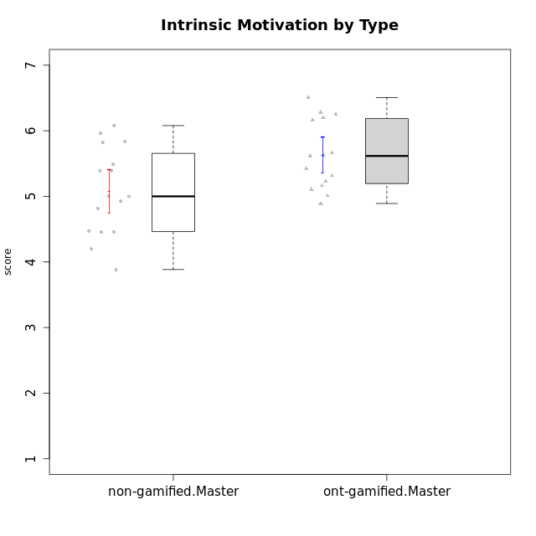

Student's t-Test data
UserID | NroUSP | Type | CLGroup | CLRole | PlayerRole | Interest/Enjoyment | Perceived Choice | Pressure/Tension | Effort/Importance | Intrinsic Motivation
10169 | 10377538 | ont-gamified | Grupo Hefesto | Master | Yee Achiever | 5.6666666667 | 4.8 | 1.9913 | 6 | 5.6166666667
10172 | 10273971 | non-gamified | Grupo Team 1 | Master |  | 5.1666666667 | 5.4 | 1 | 4 | 5.3916666667
10174 | 10276852 | ont-gamified | Grupo Urano | Master | Yee Achiever | 4.8333333333 | 4.4 | 1.25 | 6.6666666667 | 5.6625
10175 | 10310700 | ont-gamified | Grupo Hélio | Master | Yee Socializer | 5.6666666667 | 7 | 1 | 5 | 6.1666666667
10179 | 10310759 | non-gamified | Grupo Team 9 | Master |  | 3.8333333333 | 3.2 | 2 | 6.6434666667 | 4.925
10181 | 10276866 | non-gamified | Grupo Team 10 | Master |  | 4.3333333333 | 6 | 1 | 6 | 5.8333333333
10184 | 10276675 | ont-gamified | Grupo Apolo | Master | Yee Socializer | 4.5 | 5.6 | 1.9913 | 6.6666666667 | 5.6291666667
10188 | 10276995 | non-gamified | Grupo Team 3 | Master |  | 3.8333333333 | 5 | 1.5 | 4.6666666667 | 5
10189 | 9363926 | ont-gamified | Grupo Hades | Master | Yee Socializer | 4 | 5.2 | 1.9913 | 6.3333333333 | 5.0083333333
10191 | 10276981 | non-gamified | Grupo Team 6 | Master |  | 5.6666666667 | 5.2 | 1.25 | 4.3333333333 | 5.4875
10193 | 10276762 | ont-gamified | Grupo Afrodite | Master | Yee Achiever | 4.8333333333 | 4.4 | 1.25 | 4.6666666667 | 5.1625
10199 | 10276737 | ont-gamified | Grupo Gaia | Master | Yee Achiever | 4 | 7 | 1.9913 | 4.6666666667 | 5.2291666667
10201 | 10276928 | ont-gamified | Grupo Caronte | Master | Yee Achiever | 6.3333333333 | 5.8 | 1.9913 | 7 | 6.2833333333
10204 | 10310471 | ont-gamified | Grupo Hermes | Master | Yee Achiever | 6.8333333333 | 6.2 | 1 | 6 | 6.5083333333
10206 | 10310721 | ont-gamified | Grupo Hera | Master | Yee Achiever | 4.5 | 6.6 | 1.9913 | 5.6666666667 | 5.3166666667
10211 | 9311643 | non-gamified | Grupo Team 2 | Master |  | 6.1666666667 | 3 | 2 | 2.7014666667 | 4.4583333333
10212 | 9065750 | non-gamified | Grupo Team 4 | Master |  | 6.3333333333 | 6 | 2.48695 | 6 | 5.9583333333
10213 | 10277040 | ont-gamified | Grupo Morfeu | Master | Yee Socializer | 5.5 | 4.6 | 1 | 4.0232 | 5.1083333333
10214 | 10277022 | non-gamified | Grupo Team 5 | Master |  | 3 | 3.8 | 2 | 4 | 4.2
10215 | 9285227 | ont-gamified | Grupo Zeus | Master | Yee Socializer | 5 | 7 | 1 | 6 | 6.25
10216 | 10276720 | non-gamified | Grupo Team 15 | Master |  | 4.8333333333 | 6.4 | 1.25 | 6.3333333333 | 6.0791666667
10217 | 9805341 | non-gamified | Grupo Team 13 | Master |  | 3.8333333333 | 6.8 | 1 | 5.6666666667 | 5.825
10218 | 9842913 | ont-gamified | Grupo Ares | Master | Yee Achiever | 3.3333333333 | 5.4 | 1.9913 | 6.3333333333 | 4.8916666667
10219 | 10276831 | non-gamified | Grupo Team 12 | Master |  | 3.6666666667 | 4.6 | 1 | 4 | 4.8166666667
10222 | 9436110 | non-gamified | Grupo Team 16 | Master |  | 2.1123333333 | 2.4348 | 2.48695 | 4.6666666667 | 3.8843566667
10223 | 9795185 | ont-gamified | Grupo Cronus | Master | Yee Achiever | 6.3333333333 | 6.4 | 1.25 | 5.3333333333 | 6.2041666667
10226 | 10310342 | non-gamified | Grupo Team 8 | Master |  | 3.8333333333 | 3 | 1.5 | 6.6434666667 | 5
10230 | 10351992 | non-gamified | Grupo Team 14 | Master |  | 2.6666666667 | 5.4 | 2.48695 | 5 | 4.4541666667
10232 | 10276974 | ont-gamified | Grupo Artemis | Master | Yee Achiever | 5.5 | 5.2 | 1.9913 | 6 | 5.425
10234 | 10310676 | non-gamified | Grupo Team 7 | Master |  | 3.3333333333 | 3.8 | 1.25 | 4 | 4.4708333333
10237 | 10377688 | non-gamified | Grupo Team 11 | Master |  | 4.8333333333 | 5.4 | 1 | 4.3333333333 | 5.3916666667

Type_CLRole_6
Student's t-Test for Intrinsic Motivation by Type in Type:CLRole between ont-gamified.Apprentice:ont-gamified.Master

Student's t-Test results
Alternative hypothesis: less
Group | N | Mean | Mean.Difference | Std.deviation | Std.error | CI.lower | CI.upper | df | t.value | p.value | g | magnitude
ont-gamified.Apprentice | 15 | 5.6153622222 | -0.015471111111 | 0.69764513714 | 0.18013119985 | 5.2550998225 | 5.9756246219 | 26.110091181 | -0.068415602372 | 0.47298802795 | -0.024306660781 | negligible
ont-gamified.Master | 15 | 5.6308333333 | 0.015471111111 | 0.52947310212 | 0.13670936712 | 5.3574145991 | 5.9042520676 | 26.110091181 | -0.068415602372 | 0.47298802795 | -0.024306660781 | negligible
Alternative hypothesis: greater
Group | N | Mean | Mean.Difference | Std.deviation | Std.error | CI.lower | CI.upper | df | t.value | p.value | g | magnitude
ont-gamified.Apprentice | 15 | 5.6153622222 | -0.015471111111 | 0.69764513714 | 0.18013119985 | 5.2550998225 | 5.9756246219 | 26.110091181 | -0.068415602372 | 0.52701197205 | -0.024306660781 | negligible
ont-gamified.Master | 15 | 5.6308333333 | 0.015471111111 | 0.52947310212 | 0.13670936712 | 5.3574145991 | 5.9042520676 | 26.110091181 | -0.068415602372 | 0.52701197205 | -0.024306660781 | negligible
Alternative hypothesis: two.sided
Group | N | Mean | Mean.Difference | Std.deviation | Std.error | CI.lower | CI.upper | df | t.value | p.value | g | magnitude
ont-gamified.Apprentice | 15 | 5.6153622222 | -0.015471111111 | 0.69764513714 | 0.18013119985 | 5.2550998225 | 5.9756246219 | 26.110091181 | -0.068415602372 | 0.9459760559 | -0.024306660781 | negligible
ont-gamified.Master | 15 | 5.6308333333 | 0.015471111111 | 0.52947310212 | 0.13670936712 | 5.3574145991 | 5.9042520676 | 26.110091181 | -0.068415602372 | 0.9459760559 | -0.024306660781 | negligible

Box plots for Student's t-Test
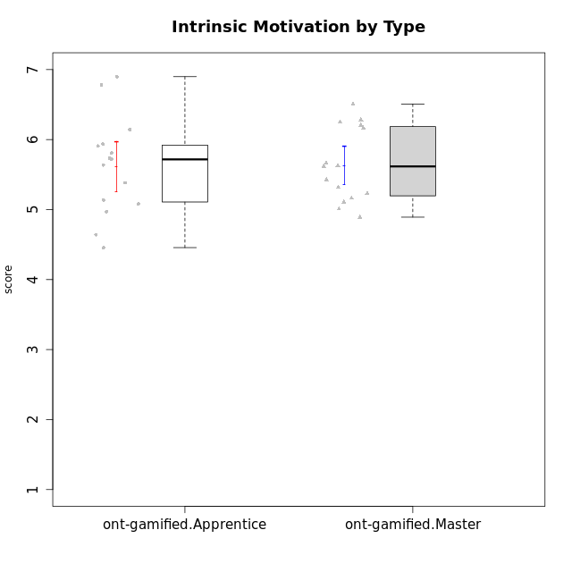

Student's t-Test data
UserID | NroUSP | Type | CLGroup | CLRole | PlayerRole | Interest/Enjoyment | Perceived Choice | Pressure/Tension | Effort/Importance | Intrinsic Motivation
10169 | 10377538 | ont-gamified | Grupo Hefesto | Master | Yee Achiever | 5.6666666667 | 4.8 | 1.9913 | 6 | 5.6166666667
10170 | 10260351 | ont-gamified | Grupo Afrodite | Apprentice | Yee Achiever | 5.1666666667 | 6.4 | 1 | 6 | 6.1416666667
10174 | 10276852 | ont-gamified | Grupo Urano | Master | Yee Achiever | 4.8333333333 | 4.4 | 1.25 | 6.6666666667 | 5.6625
10175 | 10310700 | ont-gamified | Grupo Hélio | Master | Yee Socializer | 5.6666666667 | 7 | 1 | 5 | 6.1666666667
10176 | 10276949 | ont-gamified | Grupo Cronus | Apprentice | Yee Achiever | 4.1666666667 | 5.8 | 1.9913 | 4.6666666667 | 4.9708333333
10178 | 8656201 | ont-gamified | Grupo Morfeu | Apprentice | Yee Socializer | 5 | 5.8 | 1.9913 | 6 | 5.6375
10183 | 10352030 | ont-gamified | Grupo Hélio | Apprentice | Yee Socializer | 4 | 5.4 | 1.9913 | 5.6666666667 | 5.0791666667
10184 | 10276675 | ont-gamified | Grupo Apolo | Master | Yee Socializer | 4.5 | 5.6 | 1.9913 | 6.6666666667 | 5.6291666667
10186 | 10310551 | ont-gamified | Grupo Ares | Apprentice | Yee Achiever | 4.6666666667 | 6.2 | 1.9913 | 7 | 5.7166666667
10189 | 9363926 | ont-gamified | Grupo Hades | Master | Yee Socializer | 4 | 5.2 | 1.9913 | 6.3333333333 | 5.0083333333
10190 | 10276907 | ont-gamified | Grupo Zeus | Apprentice | Yee Socializer | 4.5 | 5.8 | 1.75 | 4.0232 | 5.1375
10193 | 10276762 | ont-gamified | Grupo Afrodite | Master | Yee Achiever | 4.8333333333 | 4.4 | 1.25 | 4.6666666667 | 5.1625
10195 | 10351971 | ont-gamified | Grupo Urano | Apprentice | Yee Achiever | 5.3333333333 | 4.6 | 1 | 6 | 5.7333333333
10196 | 10310655 | ont-gamified | Grupo Hefesto | Apprentice | Yee Achiever | 4 | 4.2 | 1 | 6.3333333333 | 5.3833333333
10197 | 10276661 | ont-gamified | Grupo Gaia | Apprentice | Yee Achiever | 4.8333333333 | 6.8 | 1 | 5 | 5.9083333333
10198 | 10310888 | ont-gamified | Grupo Apolo | Apprentice | Yee Socializer | 6.6434666667 | 7 | 1 | 7 | 6.8989766667
10199 | 10276737 | ont-gamified | Grupo Gaia | Master | Yee Achiever | 4 | 7 | 1.9913 | 4.6666666667 | 5.2291666667
10200 | 9795272 | ont-gamified | Grupo Hades | Apprentice | Yee Socializer | 6.3333333333 | 5.4 | 1 | 5 | 5.9333333333
10201 | 10276928 | ont-gamified | Grupo Caronte | Master | Yee Achiever | 6.3333333333 | 5.8 | 1.9913 | 7 | 6.2833333333
10204 | 10310471 | ont-gamified | Grupo Hermes | Master | Yee Achiever | 6.8333333333 | 6.2 | 1 | 6 | 6.5083333333
10206 | 10310721 | ont-gamified | Grupo Hera | Master | Yee Achiever | 4.5 | 6.6 | 1.9913 | 5.6666666667 | 5.3166666667
10209 | 10262669 | ont-gamified | Grupo Artemis | Apprentice | Yee Achiever | 3.1666666667 | 4.02088 | 1 | 7 | 4.6416666667
10213 | 10277040 | ont-gamified | Grupo Morfeu | Master | Yee Socializer | 5.5 | 4.6 | 1 | 4.0232 | 5.1083333333
10215 | 9285227 | ont-gamified | Grupo Zeus | Master | Yee Socializer | 5 | 7 | 1 | 6 | 6.25
10218 | 9842913 | ont-gamified | Grupo Ares | Master | Yee Achiever | 3.3333333333 | 5.4 | 1.9913 | 6.3333333333 | 4.8916666667
10221 | 9082496 | ont-gamified | Grupo Hermes | Apprentice | Yee Achiever | 4.5 | 5.4 | 1 | 6.3333333333 | 5.8083333333
10223 | 9795185 | ont-gamified | Grupo Cronus | Master | Yee Achiever | 6.3333333333 | 6.4 | 1.25 | 5.3333333333 | 6.2041666667
10231 | 10276911 | ont-gamified | Grupo Caronte | Apprentice | Yee Achiever | 6.6434666667 | 6.8 | 1 | 6.3333333333 | 6.7833333333
10232 | 10276974 | ont-gamified | Grupo Artemis | Master | Yee Achiever | 5.5 | 5.2 | 1.9913 | 6 | 5.425
10240 | 10276654 | ont-gamified | Grupo Hera | Apprentice | Yee Achiever | 3.5 | 4.02088 | 1 | 4.6666666667 | 4.4564566667

