Type_1
Wilcoxon Analysis for Difference in Scores (Posttest-Pretest) - Loop Structures in Type between non-gamified:ont-gamified

Wilcoxon test results
Alternative hypothesis: less
Group | N | Median | Mean.Ranks | Sum.Ranks | U | Z | p.value | r | magnitude
non-gamified | 26 | 1.75 | 22.173076923 | 576.5 | 225.5 | 0.11178462144 | 0.54656510256 | 0.017046994954 | none
ont-gamified | 17 | 2.18 | 21.735294118 | 369.5 | 225.5 | 0.11178462144 | 0.54656510256 | 0.017046994954 | none
Alternative hypothesis: greater
Group | N | Median | Mean.Ranks | Sum.Ranks | U | Z | p.value | r | magnitude
non-gamified | 26 | 1.75 | 22.173076923 | 576.5 | 225.5 | 0.11178462144 | 0.45855321653 | 0.017046994954 | none
ont-gamified | 17 | 2.18 | 21.735294118 | 369.5 | 225.5 | 0.11178462144 | 0.45855321653 | 0.017046994954 | none
Alternative hypothesis: two.sided
Group | N | Median | Mean.Ranks | Sum.Ranks | U | Z | p.value | r | magnitude
non-gamified | 26 | 1.75 | 22.173076923 | 576.5 | 225.5 | 0.11178462144 | 0.91704174458 | 0.017046994954 | none
ont-gamified | 17 | 2.18 | 21.735294118 | 369.5 | 225.5 | 0.11178462144 | 0.91704174458 | 0.017046994954 | none

Box plots for wilcoxon tests
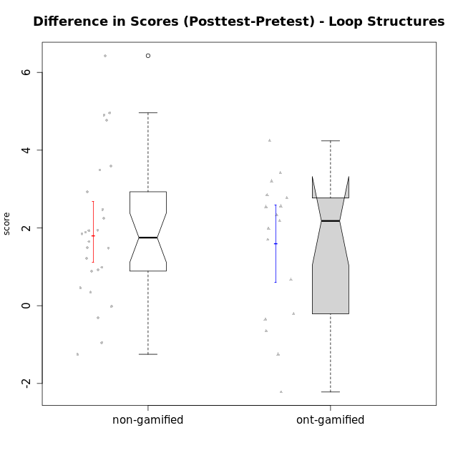

Wilcoxon data
UserID | NroUSP | Type | CLGroup | CLRole | PlayerRole | Re1 | Un3 | Ap2a | Ap2b | An3a | An3b | Ev2 | score.pre | ReA | UnC | ApB1 | ApB2 | AnC1 | AnC2 | EvB | score.pos | difScore
10170 | 10260351 | non-gamified | Grupo Team 6 | Apprentice |  | 0.21 | 0.56 | 1 | 1.5 | 0.38 | 0.6 | 0.94 | 5.18 | 0.5 | 2 | 0 | 0 | 0.2 | 1.33 | 1.5 | 5.53 | 0.35
10172 | 10273971 | ont-gamified | Grupo Koil | Master | Yee Achiever | 0.29 | 2 | 1 | 0.5 | 0.75 | 2 | 1.13 | 7.67 | 0.5 | 2 | 1 | 1.5 | 1.5 | 2 | 1.5 | 10 | 2.33
10174 | 10276852 | non-gamified | Grupo Team 1 | Apprentice |  | 0.21 | 0 | 0 | 1.25 | 0 | 0 | 0 | 1.46 | 0.42 | 0 | 1 | 0 | 1 | 0.27 | 0 | 2.68 | 1.22
10175 | 10310700 | non-gamified | Grupo Team 6 | Master |  | 0.42 | 2 | 1 | 1.5 | 1.5 | 0.6 | 0.94 | 7.95 | 0.5 | 2 | 1 | 1.5 | 1.5 | 2 | 0.94 | 9.44 | 1.49
10176 | 10276949 | non-gamified | Grupo Team 9 | Apprentice |  | 0.38 | 2 | 1 | 0.5 | 0.75 | 0.6 | 0.38 | 5.6 | 0.33 | 2 | 1 | 0.5 | 0.5 | 2 | 0.75 | 7.08 | 1.48
10178 | 8656201 | non-gamified | Grupo Team 11 | Apprentice |  | 0.46 | 2 | 1 | 0 | 1.13 | 0.6 | 0.94 | 6.12 | 0.5 | 2 | 1 | 0 | 1 | 0.93 | 0.38 | 5.81 | -0.31
10179 | 10310759 | ont-gamified | Grupo Tosskor | Apprentice | Yee Achiever | 0.29 | 2 | 1 | 0 | 0.75 | 0.6 | 0.94 | 5.58 | 0.5 | 2 | 1 | 1.5 | 1 | 0.93 | 1.5 | 8.43 | 2.85
10181 | 10276866 | non-gamified | Grupo Team 7 | Apprentice |  | 0.21 | 1.06 | 1 | 0 | 0.75 | 2 | 0 | 5.01 | 0.15 | 2 | 1 | 1.5 | 0.4 | 0.93 | 1.5 | 7.48 | 2.47
10183 | 10352030 | non-gamified | Grupo Belos | Apprentice | Yee Socializer | 0.42 | 0.28 | 1 | 0 | 0 | 0 | 0 | 1.69 | 0.42 | 2 | 1 | 0.5 | 0.7 | 0 | 0 | 4.62 | 2.93
10184 | 10276675 | non-gamified | Grupo Team 7 | Master |  | 0.29 | 2 | 1 | 0.75 | 0.75 | 2 | 0.56 | 7.35 | 0.5 | 2 | 1 | 1.5 | 1.5 | 0.27 | 1.5 | 8.27 | 0.92
10185 | 10276960 | ont-gamified | Grupo Tosskor | Master | Yee Achiever | 0.42 | 2 | 1 | 1.5 | 1.5 | 0.6 | 0.94 | 7.95 | 0.15 | 2 | 1 | 1.5 | 1.5 | 2 | 1.5 | 9.65 | 1.7
10186 | 10310551 | non-gamified | Grupo Team 5 | Apprentice |  | 0.21 | 1.28 | 1 | 0 | 0.75 | 1 | 0 | 4.24 | 0.42 | 2 | 1 | 0 | 1 | 0.27 | 1.5 | 6.18 | 1.94
10187 | 9790781 | ont-gamified | Grupo Razorg | Apprentice | Yee Achiever | 0.46 | 2 | 1 | 0 | 1.13 | 0.6 | 0.94 | 6.12 | 0.33 | 2 | 1 | 0.5 | 1 | 0.93 | 0 | 5.77 | -0.35
10188 | 10276995 | ont-gamified | Grupo Paldira | Master | Yee Achiever | 0.42 | 2 | 1 | 1.5 | 1.5 | 2 | 1.5 | 9.92 | 0.33 | 2 | 1 | 1.5 | 0.7 | 0.67 | 1.5 | 7.7 | -2.22
10189 | 9363926 | non-gamified | Grupo Team 2 | Apprentice |  | 0.33 | 0.28 | 0 | 0.75 | 0 | 0.6 | 0.38 | 2.34 | 0.33 | 2 | 1 | 0.5 | 0.5 | 0.67 | 0.94 | 5.93 | 3.59
10190 | 10276907 | non-gamified | Grupo Team 8 | Apprentice |  | 0.21 | 1.5 | 1 | 0.5 | 1.5 | 0 | 0.56 | 5.27 | 0.42 | 0.67 | 1 | 1.5 | 0.7 | 1.33 | 1.5 | 7.12 | 1.85
10192 | 10276682 | ont-gamified | Grupo Yeka | Apprentice | Yee Socializer | 0.29 | 1.78 | 0 | 0.5 | 0.75 | 0.6 | 0.94 | 4.86 | 0.42 | 2 | 1 | 0 | 1 | 0.93 | 1.5 | 6.85 | 1.99
10196 | 10310655 | non-gamified | Grupo Team 5 | Apprentice |  | 0.33 | 0.78 | 1 | 0.5 | 0.75 | 0 | 0.38 | 3.74 | 0.37 | 2 | 1 | 1.5 | 1 | 1.33 | 1.5 | 8.7 | 4.96
10197 | 10276661 | non-gamified | Grupo Team 11 | Master |  | 0.33 | 2 | 1 | 0.75 | 1.13 | 0 | 0.94 | 6.15 | 0.45 | 2 | 1 | 0.75 | 1 | 1.33 | 1.5 | 8.04 | 1.89
10198 | 10310888 | non-gamified | Grupo Team 1 | Apprentice |  | 0.13 | 0 | 1 | 0 | 0 | 0 | 0.38 | 1.5 | 0.5 | 2 | 1 | 1.5 | 0.5 | 0.93 | 1.5 | 7.93 | 6.43
10200 | 9795272 | non-gamified | Grupo Team 4 | Apprentice |  | 0.21 | 0.56 | 1 | 0 | 0.38 | 0.6 | 0 | 2.74 | 0.42 | 0.67 | 0 | 0.5 | 0.2 | 0 | 0.94 | 2.72 | -0.02
10201 | 10276928 | non-gamified | Grupo Team 10 | Master |  | 0.33 | 2 | 1 | 0.5 | 0.38 | 2 | 0.56 | 6.77 | 0.5 | 2 | 1 | 1.5 | 0.2 | 2 | 1.5 | 8.7 | 1.93
10202 | 10277036 | ont-gamified | Grupo Paldira | Apprentice | Yee Achiever | 0.29 | 1.28 | 0 | 0 | 0 | 0 | 0.19 | 1.76 | 0.5 | 0.67 | 1 | 0.5 | 1.2 | 0.67 | 0 | 4.53 | 2.77
10203 | 9921470 | ont-gamified | Grupo Paldira | Apprentice | Yee Achiever | 0.21 | 0 | 1 | 0 | 0 | 0 | 0.19 | 1.4 | 0.37 | 0 | 0 | 0 | 0 | 0 | 0.38 | 0.75 | -0.65
10204 | 10310471 | non-gamified | Grupo Team 5 | Master |  | 0.29 | 2 | 1 | 0.5 | 1.5 | 2 | 0.75 | 8.04 | 0.5 | 2 | 1 | 1.5 | 1.5 | 0.93 | 1.5 | 8.93 | 0.89
10206 | 10310721 | non-gamified | Grupo Team 9 | Master |  | 0.42 | 1.28 | 1 | 0.5 | 1.13 | 2 | 1.5 | 7.82 | 0.37 | 2 | 1 | 0.5 | 1.5 | 0 | 1.5 | 6.87 | -0.95
10208 | 10276932 | ont-gamified | Grupo Yeka | Master | Yee Socializer | 0.42 | 2 | 1 | 1.5 | 1.13 | 2 | 1.5 | 9.54 | 0.5 | 2 | 1 | 1.5 | 1.5 | 1.33 | 1.5 | 9.33 | -0.21
10210 | 10277015 | ont-gamified | Grupo Losvakai | Apprentice | Yee Achiever | 0.25 | 0.56 | 1 | 0.5 | 0.38 | 0.6 | 0 | 3.28 | 0.5 | 2 | 1 | 0.75 | 1.5 | 0.27 | 1.5 | 7.52 | 4.24
10213 | 10277040 | non-gamified | Grupo Team 8 | Master |  | 0.38 | 1.78 | 1 | 0.5 | 1 | 2 | 0.94 | 7.59 | 0.42 | 2 | 1 | 1.5 | 1.5 | 0.67 | 1.5 | 8.58 | 0.99
10214 | 10277022 | ont-gamified | Grupo Koil | Apprentice | Yee Achiever | 0.21 | 2 | 1 | 0.5 | 1.13 | 1 | 1.5 | 7.33 | 0.33 | 2 | 1 | 1.5 | 1 | 0.67 | 1.5 | 8 | 0.67
10215 | 9285227 | non-gamified | Grupo Team 7 | Apprentice |  | 0.25 | 1.28 | 1 | 0 | 0.75 | 1 | 0.38 | 4.65 | 0.42 | 2 | 1 | 1.5 | 1 | 2 | 1.5 | 9.42 | 4.77
10217 | 9805341 | ont-gamified | Grupo Belos | Master | Yee Socializer | 0.42 | 2 | 1 | 1.5 | 1.5 | 2 | 1.5 | 9.92 | 0.5 | 2 | 1 | 1.5 | 1.5 | 0.67 | 1.5 | 8.67 | -1.25
10218 | 9842913 | non-gamified | Grupo Team 10 | Apprentice |  | 0.33 | 1.5 | 1 | 0 | 1.5 | 1 | 1.13 | 6.46 | 0.5 | 2 | 1 | 0 | 0 | 1.33 | 0.38 | 5.21 | -1.25
10219 | 10276831 | ont-gamified | Grupo Razorg | Apprentice | Yee Achiever | 0.33 | 0.56 | 1 | 0.5 | 0.38 | 0.6 | 0.94 | 4.3 | 0.5 | 0.67 | 1 | 1.5 | 1 | 1.33 | 1.5 | 7.5 | 3.2
10220 | 9760151 | non-gamified | Grupo Team 4 | Apprentice |  | 0.42 | 0.5 | 1 | 0 | 0.75 | 0 | 1.13 | 3.79 | 0.42 | 2 | 1 | 1.5 | 1.5 | 1.33 | 0.94 | 8.69 | 4.9
10224 | 9368772 | non-gamified | Grupo Team 9 | Apprentice |  | 0.38 | 2 | 1 | 0.5 | 1.13 | 0.6 | 0 | 5.6 | 0.11 | 2 | 1 | 1.5 | 0.2 | 0.93 | 1.5 | 7.25 | 1.65
10226 | 10310342 | ont-gamified | Grupo Yeka | Apprentice | Yee Socializer | 0.42 | 0.33 | 1 | 0 | 0.75 | 2 | 0.19 | 4.69 | 0.42 | 0 | 1 | 1.5 | 1.5 | 1.33 | 1.5 | 7.25 | 2.56
10230 | 10351992 | ont-gamified | Grupo Koil | Apprentice | Yee Achiever | 0.29 | 2 | 1 | 0.5 | 1.13 | 0.6 | 1.5 | 7.02 | 0.5 | 2 | 1 | 1.5 | 0.7 | 2 | 1.5 | 9.2 | 2.18
10231 | 10276911 | non-gamified | Grupo Team 4 | Master |  | 0.33 | 2 | 1 | 1.5 | 1.13 | 2 | 1.5 | 9.46 | 0.42 | 2 | 1 | 1.5 | 1.5 | 2 | 1.5 | 9.92 | 0.46
10232 | 10276974 | non-gamified | Grupo Team 3 | Apprentice |  | 0.21 | 0 | 1 | 0.5 | 0.75 | 0.2 | 0.38 | 3.03 | 0.5 | 2 | 1 | 0.5 | 1.5 | 0.27 | 0.75 | 6.52 | 3.49
10237 | 10377688 | ont-gamified | Grupo Ellaru | Apprentice | Yee Socializer | 0.38 | 0.5 | 1 | 1.5 | 1.5 | 1 | 1.5 | 7.38 | 0.42 | 2 | 1 | 1.5 | 1.5 | 2 | 1.5 | 9.92 | 2.54
10238 | 10276953 | ont-gamified | Grupo Belos | Apprentice | Yee Socializer | 0.33 | 0.78 | 0 | 1.5 | 0.63 | 0.6 | 0 | 3.84 | 0.37 | 2 | 1 | 0.5 | 1 | 2 | 0.38 | 7.25 | 3.41
10240 | 10276654 | non-gamified | Grupo Team 8 | Apprentice |  | 0.21 | 2 | 1 | 0 | 0.38 | 0 | 0.94 | 4.52 | 0.5 | 2 | 1 | 0.5 | 1 | 0.27 | 1.5 | 6.77 | 2.25

Type_CLRole_1
Wilcoxon Analysis for Difference in Scores (Posttest-Pretest) - Loop Structures in Type:CLRole between non-gamified.Apprentice:non-gamified.Master

Wilcoxon test results
Alternative hypothesis: less
Group | N | Median | Mean.Ranks | Sum.Ranks | U | Z | p.value | r | magnitude
non-gamified.Apprentice | 18 | 2.095 | 15.333333333 | 276 | 105 | 1.8333333333 | 0.96911939319 | 0.35954624775 | medium
non-gamified.Master | 8 | 0.955 | 9.375 | 75 | 105 | 1.8333333333 | 0.96911939319 | 0.35954624775 | medium
Alternative hypothesis: greater
Group | N | Median | Mean.Ranks | Sum.Ranks | U | Z | p.value | r | magnitude
non-gamified.Apprentice | 18 | 2.095 | 15.333333333 | 276 | 105 | 1.8333333333 | 0.035199948793 | 0.35954624775 | medium
non-gamified.Master | 8 | 0.955 | 9.375 | 75 | 105 | 1.8333333333 | 0.035199948793 | 0.35954624775 | medium
Alternative hypothesis: two.sided
Group | N | Median | Mean.Ranks | Sum.Ranks | U | Z | p.value | r | magnitude
non-gamified.Apprentice | 18 | 2.095 | 15.333333333 | 276 | 105 | 1.8333333333 | 0.070399897585 | 0.35954624775 | medium
non-gamified.Master | 8 | 0.955 | 9.375 | 75 | 105 | 1.8333333333 | 0.070399897585 | 0.35954624775 | medium

Box plots for wilcoxon tests
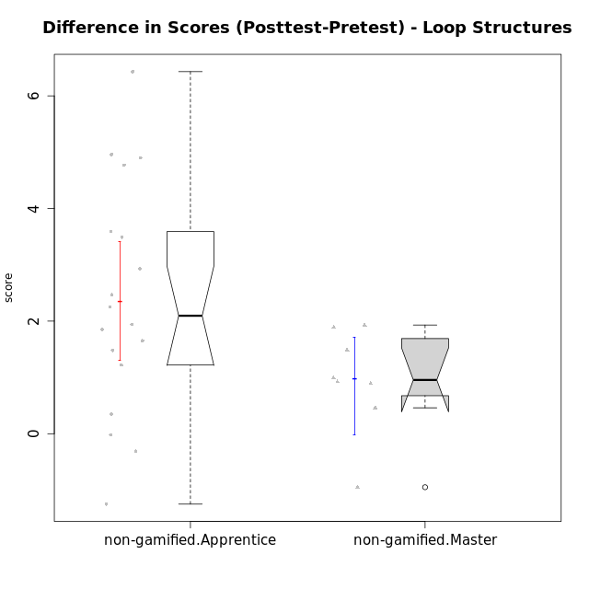

Wilcoxon data
UserID | NroUSP | Type | CLGroup | CLRole | PlayerRole | Re1 | Un3 | Ap2a | Ap2b | An3a | An3b | Ev2 | score.pre | ReA | UnC | ApB1 | ApB2 | AnC1 | AnC2 | EvB | score.pos | difScore
10170 | 10260351 | non-gamified | Grupo Team 6 | Apprentice |  | 0.21 | 0.56 | 1 | 1.5 | 0.38 | 0.6 | 0.94 | 5.18 | 0.5 | 2 | 0 | 0 | 0.2 | 1.33 | 1.5 | 5.53 | 0.35
10174 | 10276852 | non-gamified | Grupo Team 1 | Apprentice |  | 0.21 | 0 | 0 | 1.25 | 0 | 0 | 0 | 1.46 | 0.42 | 0 | 1 | 0 | 1 | 0.27 | 0 | 2.68 | 1.22
10175 | 10310700 | non-gamified | Grupo Team 6 | Master |  | 0.42 | 2 | 1 | 1.5 | 1.5 | 0.6 | 0.94 | 7.95 | 0.5 | 2 | 1 | 1.5 | 1.5 | 2 | 0.94 | 9.44 | 1.49
10176 | 10276949 | non-gamified | Grupo Team 9 | Apprentice |  | 0.38 | 2 | 1 | 0.5 | 0.75 | 0.6 | 0.38 | 5.6 | 0.33 | 2 | 1 | 0.5 | 0.5 | 2 | 0.75 | 7.08 | 1.48
10178 | 8656201 | non-gamified | Grupo Team 11 | Apprentice |  | 0.46 | 2 | 1 | 0 | 1.13 | 0.6 | 0.94 | 6.12 | 0.5 | 2 | 1 | 0 | 1 | 0.93 | 0.38 | 5.81 | -0.31
10181 | 10276866 | non-gamified | Grupo Team 7 | Apprentice |  | 0.21 | 1.06 | 1 | 0 | 0.75 | 2 | 0 | 5.01 | 0.15 | 2 | 1 | 1.5 | 0.4 | 0.93 | 1.5 | 7.48 | 2.47
10183 | 10352030 | non-gamified | Grupo Belos | Apprentice | Yee Socializer | 0.42 | 0.28 | 1 | 0 | 0 | 0 | 0 | 1.69 | 0.42 | 2 | 1 | 0.5 | 0.7 | 0 | 0 | 4.62 | 2.93
10184 | 10276675 | non-gamified | Grupo Team 7 | Master |  | 0.29 | 2 | 1 | 0.75 | 0.75 | 2 | 0.56 | 7.35 | 0.5 | 2 | 1 | 1.5 | 1.5 | 0.27 | 1.5 | 8.27 | 0.92
10186 | 10310551 | non-gamified | Grupo Team 5 | Apprentice |  | 0.21 | 1.28 | 1 | 0 | 0.75 | 1 | 0 | 4.24 | 0.42 | 2 | 1 | 0 | 1 | 0.27 | 1.5 | 6.18 | 1.94
10189 | 9363926 | non-gamified | Grupo Team 2 | Apprentice |  | 0.33 | 0.28 | 0 | 0.75 | 0 | 0.6 | 0.38 | 2.34 | 0.33 | 2 | 1 | 0.5 | 0.5 | 0.67 | 0.94 | 5.93 | 3.59
10190 | 10276907 | non-gamified | Grupo Team 8 | Apprentice |  | 0.21 | 1.5 | 1 | 0.5 | 1.5 | 0 | 0.56 | 5.27 | 0.42 | 0.67 | 1 | 1.5 | 0.7 | 1.33 | 1.5 | 7.12 | 1.85
10196 | 10310655 | non-gamified | Grupo Team 5 | Apprentice |  | 0.33 | 0.78 | 1 | 0.5 | 0.75 | 0 | 0.38 | 3.74 | 0.37 | 2 | 1 | 1.5 | 1 | 1.33 | 1.5 | 8.7 | 4.96
10197 | 10276661 | non-gamified | Grupo Team 11 | Master |  | 0.33 | 2 | 1 | 0.75 | 1.13 | 0 | 0.94 | 6.15 | 0.45 | 2 | 1 | 0.75 | 1 | 1.33 | 1.5 | 8.04 | 1.89
10198 | 10310888 | non-gamified | Grupo Team 1 | Apprentice |  | 0.13 | 0 | 1 | 0 | 0 | 0 | 0.38 | 1.5 | 0.5 | 2 | 1 | 1.5 | 0.5 | 0.93 | 1.5 | 7.93 | 6.43
10200 | 9795272 | non-gamified | Grupo Team 4 | Apprentice |  | 0.21 | 0.56 | 1 | 0 | 0.38 | 0.6 | 0 | 2.74 | 0.42 | 0.67 | 0 | 0.5 | 0.2 | 0 | 0.94 | 2.72 | -0.02
10201 | 10276928 | non-gamified | Grupo Team 10 | Master |  | 0.33 | 2 | 1 | 0.5 | 0.38 | 2 | 0.56 | 6.77 | 0.5 | 2 | 1 | 1.5 | 0.2 | 2 | 1.5 | 8.7 | 1.93
10204 | 10310471 | non-gamified | Grupo Team 5 | Master |  | 0.29 | 2 | 1 | 0.5 | 1.5 | 2 | 0.75 | 8.04 | 0.5 | 2 | 1 | 1.5 | 1.5 | 0.93 | 1.5 | 8.93 | 0.89
10206 | 10310721 | non-gamified | Grupo Team 9 | Master |  | 0.42 | 1.28 | 1 | 0.5 | 1.13 | 2 | 1.5 | 7.82 | 0.37 | 2 | 1 | 0.5 | 1.5 | 0 | 1.5 | 6.87 | -0.95
10213 | 10277040 | non-gamified | Grupo Team 8 | Master |  | 0.38 | 1.78 | 1 | 0.5 | 1 | 2 | 0.94 | 7.59 | 0.42 | 2 | 1 | 1.5 | 1.5 | 0.67 | 1.5 | 8.58 | 0.99
10215 | 9285227 | non-gamified | Grupo Team 7 | Apprentice |  | 0.25 | 1.28 | 1 | 0 | 0.75 | 1 | 0.38 | 4.65 | 0.42 | 2 | 1 | 1.5 | 1 | 2 | 1.5 | 9.42 | 4.77
10218 | 9842913 | non-gamified | Grupo Team 10 | Apprentice |  | 0.33 | 1.5 | 1 | 0 | 1.5 | 1 | 1.13 | 6.46 | 0.5 | 2 | 1 | 0 | 0 | 1.33 | 0.38 | 5.21 | -1.25
10220 | 9760151 | non-gamified | Grupo Team 4 | Apprentice |  | 0.42 | 0.5 | 1 | 0 | 0.75 | 0 | 1.13 | 3.79 | 0.42 | 2 | 1 | 1.5 | 1.5 | 1.33 | 0.94 | 8.69 | 4.9
10224 | 9368772 | non-gamified | Grupo Team 9 | Apprentice |  | 0.38 | 2 | 1 | 0.5 | 1.13 | 0.6 | 0 | 5.6 | 0.11 | 2 | 1 | 1.5 | 0.2 | 0.93 | 1.5 | 7.25 | 1.65
10231 | 10276911 | non-gamified | Grupo Team 4 | Master |  | 0.33 | 2 | 1 | 1.5 | 1.13 | 2 | 1.5 | 9.46 | 0.42 | 2 | 1 | 1.5 | 1.5 | 2 | 1.5 | 9.92 | 0.46
10232 | 10276974 | non-gamified | Grupo Team 3 | Apprentice |  | 0.21 | 0 | 1 | 0.5 | 0.75 | 0.2 | 0.38 | 3.03 | 0.5 | 2 | 1 | 0.5 | 1.5 | 0.27 | 0.75 | 6.52 | 3.49
10240 | 10276654 | non-gamified | Grupo Team 8 | Apprentice |  | 0.21 | 2 | 1 | 0 | 0.38 | 0 | 0.94 | 4.52 | 0.5 | 2 | 1 | 0.5 | 1 | 0.27 | 1.5 | 6.77 | 2.25

Type_CLRole_2
Wilcoxon Analysis for Difference in Scores (Posttest-Pretest) - Loop Structures in Type:CLRole between non-gamified.Apprentice:ont-gamified.Apprentice

Wilcoxon test results
Alternative hypothesis: less
Group | N | Median | Mean.Ranks | Sum.Ranks | U | Z | p.value | r | magnitude
non-gamified.Apprentice | 18 | 2.095 | 15.611111111 | 281 | 110 | 0.084666751333 | 0.54147162393 | 0.015457963192 | none
ont-gamified.Apprentice | 12 | 2.55 | 15.333333333 | 184 | 110 | 0.084666751333 | 0.54147162393 | 0.015457963192 | none
Alternative hypothesis: greater
Group | N | Median | Mean.Ranks | Sum.Ranks | U | Z | p.value | r | magnitude
non-gamified.Apprentice | 18 | 2.095 | 15.611111111 | 281 | 110 | 0.084666751333 | 0.47508968477 | 0.015457963192 | none
ont-gamified.Apprentice | 12 | 2.55 | 15.333333333 | 184 | 110 | 0.084666751333 | 0.47508968477 | 0.015457963192 | none
Alternative hypothesis: two.sided
Group | N | Median | Mean.Ranks | Sum.Ranks | U | Z | p.value | r | magnitude
non-gamified.Apprentice | 18 | 2.095 | 15.611111111 | 281 | 110 | 0.084666751333 | 0.95017936954 | 0.015457963192 | none
ont-gamified.Apprentice | 12 | 2.55 | 15.333333333 | 184 | 110 | 0.084666751333 | 0.95017936954 | 0.015457963192 | none

Box plots for wilcoxon tests
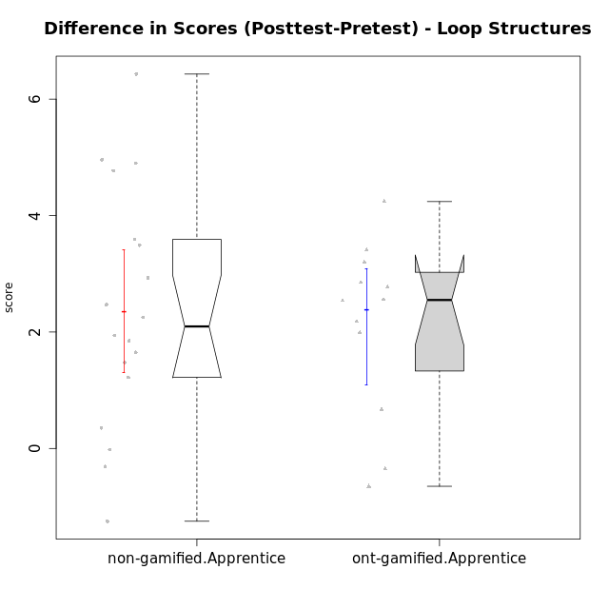

Wilcoxon data
UserID | NroUSP | Type | CLGroup | CLRole | PlayerRole | Re1 | Un3 | Ap2a | Ap2b | An3a | An3b | Ev2 | score.pre | ReA | UnC | ApB1 | ApB2 | AnC1 | AnC2 | EvB | score.pos | difScore
10170 | 10260351 | non-gamified | Grupo Team 6 | Apprentice |  | 0.21 | 0.56 | 1 | 1.5 | 0.38 | 0.6 | 0.94 | 5.18 | 0.5 | 2 | 0 | 0 | 0.2 | 1.33 | 1.5 | 5.53 | 0.35
10174 | 10276852 | non-gamified | Grupo Team 1 | Apprentice |  | 0.21 | 0 | 0 | 1.25 | 0 | 0 | 0 | 1.46 | 0.42 | 0 | 1 | 0 | 1 | 0.27 | 0 | 2.68 | 1.22
10176 | 10276949 | non-gamified | Grupo Team 9 | Apprentice |  | 0.38 | 2 | 1 | 0.5 | 0.75 | 0.6 | 0.38 | 5.6 | 0.33 | 2 | 1 | 0.5 | 0.5 | 2 | 0.75 | 7.08 | 1.48
10178 | 8656201 | non-gamified | Grupo Team 11 | Apprentice |  | 0.46 | 2 | 1 | 0 | 1.13 | 0.6 | 0.94 | 6.12 | 0.5 | 2 | 1 | 0 | 1 | 0.93 | 0.38 | 5.81 | -0.31
10179 | 10310759 | ont-gamified | Grupo Tosskor | Apprentice | Yee Achiever | 0.29 | 2 | 1 | 0 | 0.75 | 0.6 | 0.94 | 5.58 | 0.5 | 2 | 1 | 1.5 | 1 | 0.93 | 1.5 | 8.43 | 2.85
10181 | 10276866 | non-gamified | Grupo Team 7 | Apprentice |  | 0.21 | 1.06 | 1 | 0 | 0.75 | 2 | 0 | 5.01 | 0.15 | 2 | 1 | 1.5 | 0.4 | 0.93 | 1.5 | 7.48 | 2.47
10183 | 10352030 | non-gamified | Grupo Belos | Apprentice | Yee Socializer | 0.42 | 0.28 | 1 | 0 | 0 | 0 | 0 | 1.69 | 0.42 | 2 | 1 | 0.5 | 0.7 | 0 | 0 | 4.62 | 2.93
10186 | 10310551 | non-gamified | Grupo Team 5 | Apprentice |  | 0.21 | 1.28 | 1 | 0 | 0.75 | 1 | 0 | 4.24 | 0.42 | 2 | 1 | 0 | 1 | 0.27 | 1.5 | 6.18 | 1.94
10187 | 9790781 | ont-gamified | Grupo Razorg | Apprentice | Yee Achiever | 0.46 | 2 | 1 | 0 | 1.13 | 0.6 | 0.94 | 6.12 | 0.33 | 2 | 1 | 0.5 | 1 | 0.93 | 0 | 5.77 | -0.35
10189 | 9363926 | non-gamified | Grupo Team 2 | Apprentice |  | 0.33 | 0.28 | 0 | 0.75 | 0 | 0.6 | 0.38 | 2.34 | 0.33 | 2 | 1 | 0.5 | 0.5 | 0.67 | 0.94 | 5.93 | 3.59
10190 | 10276907 | non-gamified | Grupo Team 8 | Apprentice |  | 0.21 | 1.5 | 1 | 0.5 | 1.5 | 0 | 0.56 | 5.27 | 0.42 | 0.67 | 1 | 1.5 | 0.7 | 1.33 | 1.5 | 7.12 | 1.85
10192 | 10276682 | ont-gamified | Grupo Yeka | Apprentice | Yee Socializer | 0.29 | 1.78 | 0 | 0.5 | 0.75 | 0.6 | 0.94 | 4.86 | 0.42 | 2 | 1 | 0 | 1 | 0.93 | 1.5 | 6.85 | 1.99
10196 | 10310655 | non-gamified | Grupo Team 5 | Apprentice |  | 0.33 | 0.78 | 1 | 0.5 | 0.75 | 0 | 0.38 | 3.74 | 0.37 | 2 | 1 | 1.5 | 1 | 1.33 | 1.5 | 8.7 | 4.96
10198 | 10310888 | non-gamified | Grupo Team 1 | Apprentice |  | 0.13 | 0 | 1 | 0 | 0 | 0 | 0.38 | 1.5 | 0.5 | 2 | 1 | 1.5 | 0.5 | 0.93 | 1.5 | 7.93 | 6.43
10200 | 9795272 | non-gamified | Grupo Team 4 | Apprentice |  | 0.21 | 0.56 | 1 | 0 | 0.38 | 0.6 | 0 | 2.74 | 0.42 | 0.67 | 0 | 0.5 | 0.2 | 0 | 0.94 | 2.72 | -0.02
10202 | 10277036 | ont-gamified | Grupo Paldira | Apprentice | Yee Achiever | 0.29 | 1.28 | 0 | 0 | 0 | 0 | 0.19 | 1.76 | 0.5 | 0.67 | 1 | 0.5 | 1.2 | 0.67 | 0 | 4.53 | 2.77
10203 | 9921470 | ont-gamified | Grupo Paldira | Apprentice | Yee Achiever | 0.21 | 0 | 1 | 0 | 0 | 0 | 0.19 | 1.4 | 0.37 | 0 | 0 | 0 | 0 | 0 | 0.38 | 0.75 | -0.65
10210 | 10277015 | ont-gamified | Grupo Losvakai | Apprentice | Yee Achiever | 0.25 | 0.56 | 1 | 0.5 | 0.38 | 0.6 | 0 | 3.28 | 0.5 | 2 | 1 | 0.75 | 1.5 | 0.27 | 1.5 | 7.52 | 4.24
10214 | 10277022 | ont-gamified | Grupo Koil | Apprentice | Yee Achiever | 0.21 | 2 | 1 | 0.5 | 1.13 | 1 | 1.5 | 7.33 | 0.33 | 2 | 1 | 1.5 | 1 | 0.67 | 1.5 | 8 | 0.67
10215 | 9285227 | non-gamified | Grupo Team 7 | Apprentice |  | 0.25 | 1.28 | 1 | 0 | 0.75 | 1 | 0.38 | 4.65 | 0.42 | 2 | 1 | 1.5 | 1 | 2 | 1.5 | 9.42 | 4.77
10218 | 9842913 | non-gamified | Grupo Team 10 | Apprentice |  | 0.33 | 1.5 | 1 | 0 | 1.5 | 1 | 1.13 | 6.46 | 0.5 | 2 | 1 | 0 | 0 | 1.33 | 0.38 | 5.21 | -1.25
10219 | 10276831 | ont-gamified | Grupo Razorg | Apprentice | Yee Achiever | 0.33 | 0.56 | 1 | 0.5 | 0.38 | 0.6 | 0.94 | 4.3 | 0.5 | 0.67 | 1 | 1.5 | 1 | 1.33 | 1.5 | 7.5 | 3.2
10220 | 9760151 | non-gamified | Grupo Team 4 | Apprentice |  | 0.42 | 0.5 | 1 | 0 | 0.75 | 0 | 1.13 | 3.79 | 0.42 | 2 | 1 | 1.5 | 1.5 | 1.33 | 0.94 | 8.69 | 4.9
10224 | 9368772 | non-gamified | Grupo Team 9 | Apprentice |  | 0.38 | 2 | 1 | 0.5 | 1.13 | 0.6 | 0 | 5.6 | 0.11 | 2 | 1 | 1.5 | 0.2 | 0.93 | 1.5 | 7.25 | 1.65
10226 | 10310342 | ont-gamified | Grupo Yeka | Apprentice | Yee Socializer | 0.42 | 0.33 | 1 | 0 | 0.75 | 2 | 0.19 | 4.69 | 0.42 | 0 | 1 | 1.5 | 1.5 | 1.33 | 1.5 | 7.25 | 2.56
10230 | 10351992 | ont-gamified | Grupo Koil | Apprentice | Yee Achiever | 0.29 | 2 | 1 | 0.5 | 1.13 | 0.6 | 1.5 | 7.02 | 0.5 | 2 | 1 | 1.5 | 0.7 | 2 | 1.5 | 9.2 | 2.18
10232 | 10276974 | non-gamified | Grupo Team 3 | Apprentice |  | 0.21 | 0 | 1 | 0.5 | 0.75 | 0.2 | 0.38 | 3.03 | 0.5 | 2 | 1 | 0.5 | 1.5 | 0.27 | 0.75 | 6.52 | 3.49
10237 | 10377688 | ont-gamified | Grupo Ellaru | Apprentice | Yee Socializer | 0.38 | 0.5 | 1 | 1.5 | 1.5 | 1 | 1.5 | 7.38 | 0.42 | 2 | 1 | 1.5 | 1.5 | 2 | 1.5 | 9.92 | 2.54
10238 | 10276953 | ont-gamified | Grupo Belos | Apprentice | Yee Socializer | 0.33 | 0.78 | 0 | 1.5 | 0.63 | 0.6 | 0 | 3.84 | 0.37 | 2 | 1 | 0.5 | 1 | 2 | 0.38 | 7.25 | 3.41
10240 | 10276654 | non-gamified | Grupo Team 8 | Apprentice |  | 0.21 | 2 | 1 | 0 | 0.38 | 0 | 0.94 | 4.52 | 0.5 | 2 | 1 | 0.5 | 1 | 0.27 | 1.5 | 6.77 | 2.25

Type_CLRole_3
Wilcoxon Analysis for Difference in Scores (Posttest-Pretest) - Loop Structures in Type:CLRole between non-gamified.Apprentice:ont-gamified.Master

Wilcoxon test results
Alternative hypothesis: less
Group | N | Median | Mean.Ranks | Sum.Ranks | U | Z | p.value | r | magnitude
non-gamified.Apprentice | 18 | 2.095 | 13.416666667 | 241.5 | 70.5 | 1.901127485 | 0.9738773812 | 0.39641248359 | medium
ont-gamified.Master | 5 | -0.21 | 6.9 | 34.5 | 70.5 | 1.901127485 | 0.9738773812 | 0.39641248359 | medium
Alternative hypothesis: greater
Group | N | Median | Mean.Ranks | Sum.Ranks | U | Z | p.value | r | magnitude
non-gamified.Apprentice | 18 | 2.095 | 13.416666667 | 241.5 | 70.5 | 1.901127485 | 0.02927278671 | 0.39641248359 | medium
ont-gamified.Master | 5 | -0.21 | 6.9 | 34.5 | 70.5 | 1.901127485 | 0.02927278671 | 0.39641248359 | medium
Alternative hypothesis: two.sided
Group | N | Median | Mean.Ranks | Sum.Ranks | U | Z | p.value | r | magnitude
non-gamified.Apprentice | 18 | 2.095 | 13.416666667 | 241.5 | 70.5 | 1.901127485 | 0.05705964516 | 0.39641248359 | medium
ont-gamified.Master | 5 | -0.21 | 6.9 | 34.5 | 70.5 | 1.901127485 | 0.05705964516 | 0.39641248359 | medium

Box plots for wilcoxon tests
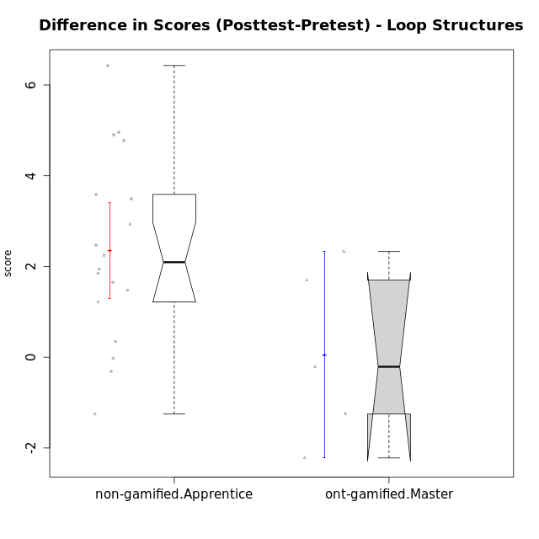

Wilcoxon data
UserID | NroUSP | Type | CLGroup | CLRole | PlayerRole | Re1 | Un3 | Ap2a | Ap2b | An3a | An3b | Ev2 | score.pre | ReA | UnC | ApB1 | ApB2 | AnC1 | AnC2 | EvB | score.pos | difScore
10170 | 10260351 | non-gamified | Grupo Team 6 | Apprentice |  | 0.21 | 0.56 | 1 | 1.5 | 0.38 | 0.6 | 0.94 | 5.18 | 0.5 | 2 | 0 | 0 | 0.2 | 1.33 | 1.5 | 5.53 | 0.35
10172 | 10273971 | ont-gamified | Grupo Koil | Master | Yee Achiever | 0.29 | 2 | 1 | 0.5 | 0.75 | 2 | 1.13 | 7.67 | 0.5 | 2 | 1 | 1.5 | 1.5 | 2 | 1.5 | 10 | 2.33
10174 | 10276852 | non-gamified | Grupo Team 1 | Apprentice |  | 0.21 | 0 | 0 | 1.25 | 0 | 0 | 0 | 1.46 | 0.42 | 0 | 1 | 0 | 1 | 0.27 | 0 | 2.68 | 1.22
10176 | 10276949 | non-gamified | Grupo Team 9 | Apprentice |  | 0.38 | 2 | 1 | 0.5 | 0.75 | 0.6 | 0.38 | 5.6 | 0.33 | 2 | 1 | 0.5 | 0.5 | 2 | 0.75 | 7.08 | 1.48
10178 | 8656201 | non-gamified | Grupo Team 11 | Apprentice |  | 0.46 | 2 | 1 | 0 | 1.13 | 0.6 | 0.94 | 6.12 | 0.5 | 2 | 1 | 0 | 1 | 0.93 | 0.38 | 5.81 | -0.31
10181 | 10276866 | non-gamified | Grupo Team 7 | Apprentice |  | 0.21 | 1.06 | 1 | 0 | 0.75 | 2 | 0 | 5.01 | 0.15 | 2 | 1 | 1.5 | 0.4 | 0.93 | 1.5 | 7.48 | 2.47
10183 | 10352030 | non-gamified | Grupo Belos | Apprentice | Yee Socializer | 0.42 | 0.28 | 1 | 0 | 0 | 0 | 0 | 1.69 | 0.42 | 2 | 1 | 0.5 | 0.7 | 0 | 0 | 4.62 | 2.93
10185 | 10276960 | ont-gamified | Grupo Tosskor | Master | Yee Achiever | 0.42 | 2 | 1 | 1.5 | 1.5 | 0.6 | 0.94 | 7.95 | 0.15 | 2 | 1 | 1.5 | 1.5 | 2 | 1.5 | 9.65 | 1.7
10186 | 10310551 | non-gamified | Grupo Team 5 | Apprentice |  | 0.21 | 1.28 | 1 | 0 | 0.75 | 1 | 0 | 4.24 | 0.42 | 2 | 1 | 0 | 1 | 0.27 | 1.5 | 6.18 | 1.94
10188 | 10276995 | ont-gamified | Grupo Paldira | Master | Yee Achiever | 0.42 | 2 | 1 | 1.5 | 1.5 | 2 | 1.5 | 9.92 | 0.33 | 2 | 1 | 1.5 | 0.7 | 0.67 | 1.5 | 7.7 | -2.22
10189 | 9363926 | non-gamified | Grupo Team 2 | Apprentice |  | 0.33 | 0.28 | 0 | 0.75 | 0 | 0.6 | 0.38 | 2.34 | 0.33 | 2 | 1 | 0.5 | 0.5 | 0.67 | 0.94 | 5.93 | 3.59
10190 | 10276907 | non-gamified | Grupo Team 8 | Apprentice |  | 0.21 | 1.5 | 1 | 0.5 | 1.5 | 0 | 0.56 | 5.27 | 0.42 | 0.67 | 1 | 1.5 | 0.7 | 1.33 | 1.5 | 7.12 | 1.85
10196 | 10310655 | non-gamified | Grupo Team 5 | Apprentice |  | 0.33 | 0.78 | 1 | 0.5 | 0.75 | 0 | 0.38 | 3.74 | 0.37 | 2 | 1 | 1.5 | 1 | 1.33 | 1.5 | 8.7 | 4.96
10198 | 10310888 | non-gamified | Grupo Team 1 | Apprentice |  | 0.13 | 0 | 1 | 0 | 0 | 0 | 0.38 | 1.5 | 0.5 | 2 | 1 | 1.5 | 0.5 | 0.93 | 1.5 | 7.93 | 6.43
10200 | 9795272 | non-gamified | Grupo Team 4 | Apprentice |  | 0.21 | 0.56 | 1 | 0 | 0.38 | 0.6 | 0 | 2.74 | 0.42 | 0.67 | 0 | 0.5 | 0.2 | 0 | 0.94 | 2.72 | -0.02
10208 | 10276932 | ont-gamified | Grupo Yeka | Master | Yee Socializer | 0.42 | 2 | 1 | 1.5 | 1.13 | 2 | 1.5 | 9.54 | 0.5 | 2 | 1 | 1.5 | 1.5 | 1.33 | 1.5 | 9.33 | -0.21
10215 | 9285227 | non-gamified | Grupo Team 7 | Apprentice |  | 0.25 | 1.28 | 1 | 0 | 0.75 | 1 | 0.38 | 4.65 | 0.42 | 2 | 1 | 1.5 | 1 | 2 | 1.5 | 9.42 | 4.77
10217 | 9805341 | ont-gamified | Grupo Belos | Master | Yee Socializer | 0.42 | 2 | 1 | 1.5 | 1.5 | 2 | 1.5 | 9.92 | 0.5 | 2 | 1 | 1.5 | 1.5 | 0.67 | 1.5 | 8.67 | -1.25
10218 | 9842913 | non-gamified | Grupo Team 10 | Apprentice |  | 0.33 | 1.5 | 1 | 0 | 1.5 | 1 | 1.13 | 6.46 | 0.5 | 2 | 1 | 0 | 0 | 1.33 | 0.38 | 5.21 | -1.25
10220 | 9760151 | non-gamified | Grupo Team 4 | Apprentice |  | 0.42 | 0.5 | 1 | 0 | 0.75 | 0 | 1.13 | 3.79 | 0.42 | 2 | 1 | 1.5 | 1.5 | 1.33 | 0.94 | 8.69 | 4.9
10224 | 9368772 | non-gamified | Grupo Team 9 | Apprentice |  | 0.38 | 2 | 1 | 0.5 | 1.13 | 0.6 | 0 | 5.6 | 0.11 | 2 | 1 | 1.5 | 0.2 | 0.93 | 1.5 | 7.25 | 1.65
10232 | 10276974 | non-gamified | Grupo Team 3 | Apprentice |  | 0.21 | 0 | 1 | 0.5 | 0.75 | 0.2 | 0.38 | 3.03 | 0.5 | 2 | 1 | 0.5 | 1.5 | 0.27 | 0.75 | 6.52 | 3.49
10240 | 10276654 | non-gamified | Grupo Team 8 | Apprentice |  | 0.21 | 2 | 1 | 0 | 0.38 | 0 | 0.94 | 4.52 | 0.5 | 2 | 1 | 0.5 | 1 | 0.27 | 1.5 | 6.77 | 2.25

Type_CLRole_4
Wilcoxon Analysis for Difference in Scores (Posttest-Pretest) - Loop Structures in Type:CLRole between non-gamified.Master:ont-gamified.Apprentice

Wilcoxon test results
Alternative hypothesis: less
Group | N | Median | Mean.Ranks | Sum.Ranks | U | Z | p.value | r | magnitude
non-gamified.Master | 8 | 0.955 | 7 | 56 | 20 | -2.1602468995 | 0.015710089704 | 0.48304589154 | medium
ont-gamified.Apprentice | 12 | 2.55 | 12.833333333 | 154 | 20 | -2.1602468995 | 0.015710089704 | 0.48304589154 | medium
Alternative hypothesis: greater
Group | N | Median | Mean.Ranks | Sum.Ranks | U | Z | p.value | r | magnitude
non-gamified.Master | 8 | 0.955 | 7 | 56 | 20 | -2.1602468995 | 0.98737794713 | 0.48304589154 | medium
ont-gamified.Apprentice | 12 | 2.55 | 12.833333333 | 154 | 20 | -2.1602468995 | 0.98737794713 | 0.48304589154 | medium
Alternative hypothesis: two.sided
Group | N | Median | Mean.Ranks | Sum.Ranks | U | Z | p.value | r | magnitude
non-gamified.Master | 8 | 0.955 | 7 | 56 | 20 | -2.1602468995 | 0.031420179408 | 0.48304589154 | medium
ont-gamified.Apprentice | 12 | 2.55 | 12.833333333 | 154 | 20 | -2.1602468995 | 0.031420179408 | 0.48304589154 | medium

Box plots for wilcoxon tests
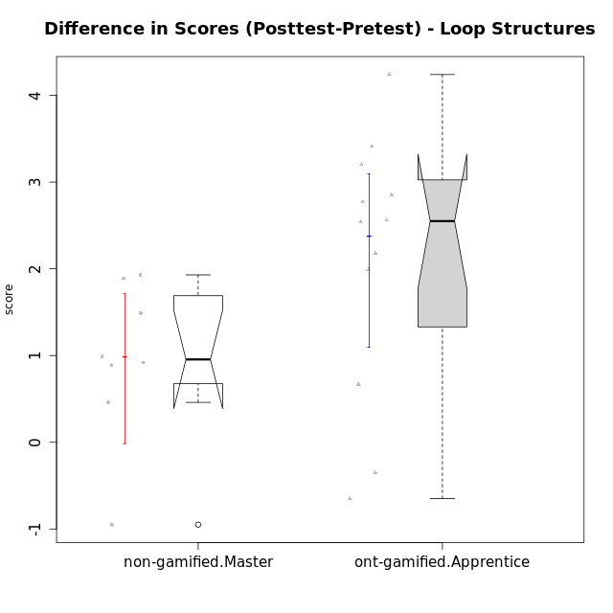

Wilcoxon data
UserID | NroUSP | Type | CLGroup | CLRole | PlayerRole | Re1 | Un3 | Ap2a | Ap2b | An3a | An3b | Ev2 | score.pre | ReA | UnC | ApB1 | ApB2 | AnC1 | AnC2 | EvB | score.pos | difScore
10175 | 10310700 | non-gamified | Grupo Team 6 | Master |  | 0.42 | 2 | 1 | 1.5 | 1.5 | 0.6 | 0.94 | 7.95 | 0.5 | 2 | 1 | 1.5 | 1.5 | 2 | 0.94 | 9.44 | 1.49
10179 | 10310759 | ont-gamified | Grupo Tosskor | Apprentice | Yee Achiever | 0.29 | 2 | 1 | 0 | 0.75 | 0.6 | 0.94 | 5.58 | 0.5 | 2 | 1 | 1.5 | 1 | 0.93 | 1.5 | 8.43 | 2.85
10184 | 10276675 | non-gamified | Grupo Team 7 | Master |  | 0.29 | 2 | 1 | 0.75 | 0.75 | 2 | 0.56 | 7.35 | 0.5 | 2 | 1 | 1.5 | 1.5 | 0.27 | 1.5 | 8.27 | 0.92
10187 | 9790781 | ont-gamified | Grupo Razorg | Apprentice | Yee Achiever | 0.46 | 2 | 1 | 0 | 1.13 | 0.6 | 0.94 | 6.12 | 0.33 | 2 | 1 | 0.5 | 1 | 0.93 | 0 | 5.77 | -0.35
10192 | 10276682 | ont-gamified | Grupo Yeka | Apprentice | Yee Socializer | 0.29 | 1.78 | 0 | 0.5 | 0.75 | 0.6 | 0.94 | 4.86 | 0.42 | 2 | 1 | 0 | 1 | 0.93 | 1.5 | 6.85 | 1.99
10197 | 10276661 | non-gamified | Grupo Team 11 | Master |  | 0.33 | 2 | 1 | 0.75 | 1.13 | 0 | 0.94 | 6.15 | 0.45 | 2 | 1 | 0.75 | 1 | 1.33 | 1.5 | 8.04 | 1.89
10201 | 10276928 | non-gamified | Grupo Team 10 | Master |  | 0.33 | 2 | 1 | 0.5 | 0.38 | 2 | 0.56 | 6.77 | 0.5 | 2 | 1 | 1.5 | 0.2 | 2 | 1.5 | 8.7 | 1.93
10202 | 10277036 | ont-gamified | Grupo Paldira | Apprentice | Yee Achiever | 0.29 | 1.28 | 0 | 0 | 0 | 0 | 0.19 | 1.76 | 0.5 | 0.67 | 1 | 0.5 | 1.2 | 0.67 | 0 | 4.53 | 2.77
10203 | 9921470 | ont-gamified | Grupo Paldira | Apprentice | Yee Achiever | 0.21 | 0 | 1 | 0 | 0 | 0 | 0.19 | 1.4 | 0.37 | 0 | 0 | 0 | 0 | 0 | 0.38 | 0.75 | -0.65
10204 | 10310471 | non-gamified | Grupo Team 5 | Master |  | 0.29 | 2 | 1 | 0.5 | 1.5 | 2 | 0.75 | 8.04 | 0.5 | 2 | 1 | 1.5 | 1.5 | 0.93 | 1.5 | 8.93 | 0.89
10206 | 10310721 | non-gamified | Grupo Team 9 | Master |  | 0.42 | 1.28 | 1 | 0.5 | 1.13 | 2 | 1.5 | 7.82 | 0.37 | 2 | 1 | 0.5 | 1.5 | 0 | 1.5 | 6.87 | -0.95
10210 | 10277015 | ont-gamified | Grupo Losvakai | Apprentice | Yee Achiever | 0.25 | 0.56 | 1 | 0.5 | 0.38 | 0.6 | 0 | 3.28 | 0.5 | 2 | 1 | 0.75 | 1.5 | 0.27 | 1.5 | 7.52 | 4.24
10213 | 10277040 | non-gamified | Grupo Team 8 | Master |  | 0.38 | 1.78 | 1 | 0.5 | 1 | 2 | 0.94 | 7.59 | 0.42 | 2 | 1 | 1.5 | 1.5 | 0.67 | 1.5 | 8.58 | 0.99
10214 | 10277022 | ont-gamified | Grupo Koil | Apprentice | Yee Achiever | 0.21 | 2 | 1 | 0.5 | 1.13 | 1 | 1.5 | 7.33 | 0.33 | 2 | 1 | 1.5 | 1 | 0.67 | 1.5 | 8 | 0.67
10219 | 10276831 | ont-gamified | Grupo Razorg | Apprentice | Yee Achiever | 0.33 | 0.56 | 1 | 0.5 | 0.38 | 0.6 | 0.94 | 4.3 | 0.5 | 0.67 | 1 | 1.5 | 1 | 1.33 | 1.5 | 7.5 | 3.2
10226 | 10310342 | ont-gamified | Grupo Yeka | Apprentice | Yee Socializer | 0.42 | 0.33 | 1 | 0 | 0.75 | 2 | 0.19 | 4.69 | 0.42 | 0 | 1 | 1.5 | 1.5 | 1.33 | 1.5 | 7.25 | 2.56
10230 | 10351992 | ont-gamified | Grupo Koil | Apprentice | Yee Achiever | 0.29 | 2 | 1 | 0.5 | 1.13 | 0.6 | 1.5 | 7.02 | 0.5 | 2 | 1 | 1.5 | 0.7 | 2 | 1.5 | 9.2 | 2.18
10231 | 10276911 | non-gamified | Grupo Team 4 | Master |  | 0.33 | 2 | 1 | 1.5 | 1.13 | 2 | 1.5 | 9.46 | 0.42 | 2 | 1 | 1.5 | 1.5 | 2 | 1.5 | 9.92 | 0.46
10237 | 10377688 | ont-gamified | Grupo Ellaru | Apprentice | Yee Socializer | 0.38 | 0.5 | 1 | 1.5 | 1.5 | 1 | 1.5 | 7.38 | 0.42 | 2 | 1 | 1.5 | 1.5 | 2 | 1.5 | 9.92 | 2.54
10238 | 10276953 | ont-gamified | Grupo Belos | Apprentice | Yee Socializer | 0.33 | 0.78 | 0 | 1.5 | 0.63 | 0.6 | 0 | 3.84 | 0.37 | 2 | 1 | 0.5 | 1 | 2 | 0.38 | 7.25 | 3.41

Type_CLRole_5
Wilcoxon Analysis for Difference in Scores (Posttest-Pretest) - Loop Structures in Type:CLRole between non-gamified.Master:ont-gamified.Master

Wilcoxon test results
Alternative hypothesis: less
Group | N | Median | Mean.Ranks | Sum.Ranks | U | Z | p.value | r | magnitude
non-gamified.Master | 8 | 0.955 | 7.625 | 61 | 25 | 0.73192505471 | 0.78243978244 | 0.20299948574 | small
ont-gamified.Master | 5 | -0.21 | 6 | 30 | 25 | 0.73192505471 | 0.78243978244 | 0.20299948574 | small
Alternative hypothesis: greater
Group | N | Median | Mean.Ranks | Sum.Ranks | U | Z | p.value | r | magnitude
non-gamified.Master | 8 | 0.955 | 7.625 | 61 | 25 | 0.73192505471 | 0.26184926185 | 0.20299948574 | small
ont-gamified.Master | 5 | -0.21 | 6 | 30 | 25 | 0.73192505471 | 0.26184926185 | 0.20299948574 | small
Alternative hypothesis: two.sided
Group | N | Median | Mean.Ranks | Sum.Ranks | U | Z | p.value | r | magnitude
non-gamified.Master | 8 | 0.955 | 7.625 | 61 | 25 | 0.73192505471 | 0.5236985237 | 0.20299948574 | small
ont-gamified.Master | 5 | -0.21 | 6 | 30 | 25 | 0.73192505471 | 0.5236985237 | 0.20299948574 | small

Box plots for wilcoxon tests
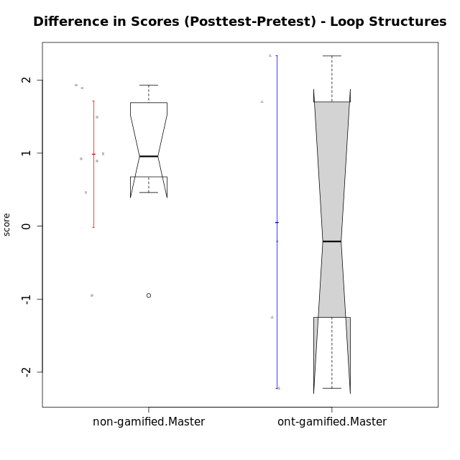

Wilcoxon data
UserID | NroUSP | Type | CLGroup | CLRole | PlayerRole | Re1 | Un3 | Ap2a | Ap2b | An3a | An3b | Ev2 | score.pre | ReA | UnC | ApB1 | ApB2 | AnC1 | AnC2 | EvB | score.pos | difScore
10172 | 10273971 | ont-gamified | Grupo Koil | Master | Yee Achiever | 0.29 | 2 | 1 | 0.5 | 0.75 | 2 | 1.13 | 7.67 | 0.5 | 2 | 1 | 1.5 | 1.5 | 2 | 1.5 | 10 | 2.33
10175 | 10310700 | non-gamified | Grupo Team 6 | Master |  | 0.42 | 2 | 1 | 1.5 | 1.5 | 0.6 | 0.94 | 7.95 | 0.5 | 2 | 1 | 1.5 | 1.5 | 2 | 0.94 | 9.44 | 1.49
10184 | 10276675 | non-gamified | Grupo Team 7 | Master |  | 0.29 | 2 | 1 | 0.75 | 0.75 | 2 | 0.56 | 7.35 | 0.5 | 2 | 1 | 1.5 | 1.5 | 0.27 | 1.5 | 8.27 | 0.92
10185 | 10276960 | ont-gamified | Grupo Tosskor | Master | Yee Achiever | 0.42 | 2 | 1 | 1.5 | 1.5 | 0.6 | 0.94 | 7.95 | 0.15 | 2 | 1 | 1.5 | 1.5 | 2 | 1.5 | 9.65 | 1.7
10188 | 10276995 | ont-gamified | Grupo Paldira | Master | Yee Achiever | 0.42 | 2 | 1 | 1.5 | 1.5 | 2 | 1.5 | 9.92 | 0.33 | 2 | 1 | 1.5 | 0.7 | 0.67 | 1.5 | 7.7 | -2.22
10197 | 10276661 | non-gamified | Grupo Team 11 | Master |  | 0.33 | 2 | 1 | 0.75 | 1.13 | 0 | 0.94 | 6.15 | 0.45 | 2 | 1 | 0.75 | 1 | 1.33 | 1.5 | 8.04 | 1.89
10201 | 10276928 | non-gamified | Grupo Team 10 | Master |  | 0.33 | 2 | 1 | 0.5 | 0.38 | 2 | 0.56 | 6.77 | 0.5 | 2 | 1 | 1.5 | 0.2 | 2 | 1.5 | 8.7 | 1.93
10204 | 10310471 | non-gamified | Grupo Team 5 | Master |  | 0.29 | 2 | 1 | 0.5 | 1.5 | 2 | 0.75 | 8.04 | 0.5 | 2 | 1 | 1.5 | 1.5 | 0.93 | 1.5 | 8.93 | 0.89
10206 | 10310721 | non-gamified | Grupo Team 9 | Master |  | 0.42 | 1.28 | 1 | 0.5 | 1.13 | 2 | 1.5 | 7.82 | 0.37 | 2 | 1 | 0.5 | 1.5 | 0 | 1.5 | 6.87 | -0.95
10208 | 10276932 | ont-gamified | Grupo Yeka | Master | Yee Socializer | 0.42 | 2 | 1 | 1.5 | 1.13 | 2 | 1.5 | 9.54 | 0.5 | 2 | 1 | 1.5 | 1.5 | 1.33 | 1.5 | 9.33 | -0.21
10213 | 10277040 | non-gamified | Grupo Team 8 | Master |  | 0.38 | 1.78 | 1 | 0.5 | 1 | 2 | 0.94 | 7.59 | 0.42 | 2 | 1 | 1.5 | 1.5 | 0.67 | 1.5 | 8.58 | 0.99
10217 | 9805341 | ont-gamified | Grupo Belos | Master | Yee Socializer | 0.42 | 2 | 1 | 1.5 | 1.5 | 2 | 1.5 | 9.92 | 0.5 | 2 | 1 | 1.5 | 1.5 | 0.67 | 1.5 | 8.67 | -1.25
10231 | 10276911 | non-gamified | Grupo Team 4 | Master |  | 0.33 | 2 | 1 | 1.5 | 1.13 | 2 | 1.5 | 9.46 | 0.42 | 2 | 1 | 1.5 | 1.5 | 2 | 1.5 | 9.92 | 0.46

Type_CLRole_6
Wilcoxon Analysis for Difference in Scores (Posttest-Pretest) - Loop Structures in Type:CLRole between ont-gamified.Apprentice:ont-gamified.Master

Wilcoxon test results
Alternative hypothesis: less
Group | N | Median | Mean.Ranks | Sum.Ranks | U | Z | p.value | r | magnitude
ont-gamified.Apprentice | 12 | 2.55 | 10.666666667 | 128 | 50 | 2.1081851068 | 0.98658694247 | 0.51130999256 | large
ont-gamified.Master | 5 | -0.21 | 5 | 25 | 50 | 2.1081851068 | 0.98658694247 | 0.51130999256 | large
Alternative hypothesis: greater
Group | N | Median | Mean.Ranks | Sum.Ranks | U | Z | p.value | r | magnitude
ont-gamified.Apprentice | 12 | 2.55 | 10.666666667 | 128 | 50 | 2.1081851068 | 0.018261150614 | 0.51130999256 | large
ont-gamified.Master | 5 | -0.21 | 5 | 25 | 50 | 2.1081851068 | 0.018261150614 | 0.51130999256 | large
Alternative hypothesis: two.sided
Group | N | Median | Mean.Ranks | Sum.Ranks | U | Z | p.value | r | magnitude
ont-gamified.Apprentice | 12 | 2.55 | 10.666666667 | 128 | 50 | 2.1081851068 | 0.036522301228 | 0.51130999256 | large
ont-gamified.Master | 5 | -0.21 | 5 | 25 | 50 | 2.1081851068 | 0.036522301228 | 0.51130999256 | large

Box plots for wilcoxon tests
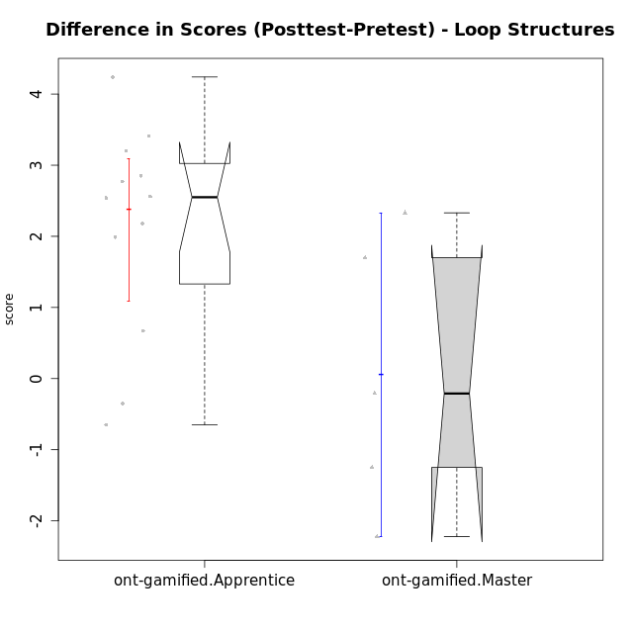

Wilcoxon data
UserID | NroUSP | Type | CLGroup | CLRole | PlayerRole | Re1 | Un3 | Ap2a | Ap2b | An3a | An3b | Ev2 | score.pre | ReA | UnC | ApB1 | ApB2 | AnC1 | AnC2 | EvB | score.pos | difScore
10172 | 10273971 | ont-gamified | Grupo Koil | Master | Yee Achiever | 0.29 | 2 | 1 | 0.5 | 0.75 | 2 | 1.13 | 7.67 | 0.5 | 2 | 1 | 1.5 | 1.5 | 2 | 1.5 | 10 | 2.33
10179 | 10310759 | ont-gamified | Grupo Tosskor | Apprentice | Yee Achiever | 0.29 | 2 | 1 | 0 | 0.75 | 0.6 | 0.94 | 5.58 | 0.5 | 2 | 1 | 1.5 | 1 | 0.93 | 1.5 | 8.43 | 2.85
10185 | 10276960 | ont-gamified | Grupo Tosskor | Master | Yee Achiever | 0.42 | 2 | 1 | 1.5 | 1.5 | 0.6 | 0.94 | 7.95 | 0.15 | 2 | 1 | 1.5 | 1.5 | 2 | 1.5 | 9.65 | 1.7
10187 | 9790781 | ont-gamified | Grupo Razorg | Apprentice | Yee Achiever | 0.46 | 2 | 1 | 0 | 1.13 | 0.6 | 0.94 | 6.12 | 0.33 | 2 | 1 | 0.5 | 1 | 0.93 | 0 | 5.77 | -0.35
10188 | 10276995 | ont-gamified | Grupo Paldira | Master | Yee Achiever | 0.42 | 2 | 1 | 1.5 | 1.5 | 2 | 1.5 | 9.92 | 0.33 | 2 | 1 | 1.5 | 0.7 | 0.67 | 1.5 | 7.7 | -2.22
10192 | 10276682 | ont-gamified | Grupo Yeka | Apprentice | Yee Socializer | 0.29 | 1.78 | 0 | 0.5 | 0.75 | 0.6 | 0.94 | 4.86 | 0.42 | 2 | 1 | 0 | 1 | 0.93 | 1.5 | 6.85 | 1.99
10202 | 10277036 | ont-gamified | Grupo Paldira | Apprentice | Yee Achiever | 0.29 | 1.28 | 0 | 0 | 0 | 0 | 0.19 | 1.76 | 0.5 | 0.67 | 1 | 0.5 | 1.2 | 0.67 | 0 | 4.53 | 2.77
10203 | 9921470 | ont-gamified | Grupo Paldira | Apprentice | Yee Achiever | 0.21 | 0 | 1 | 0 | 0 | 0 | 0.19 | 1.4 | 0.37 | 0 | 0 | 0 | 0 | 0 | 0.38 | 0.75 | -0.65
10208 | 10276932 | ont-gamified | Grupo Yeka | Master | Yee Socializer | 0.42 | 2 | 1 | 1.5 | 1.13 | 2 | 1.5 | 9.54 | 0.5 | 2 | 1 | 1.5 | 1.5 | 1.33 | 1.5 | 9.33 | -0.21
10210 | 10277015 | ont-gamified | Grupo Losvakai | Apprentice | Yee Achiever | 0.25 | 0.56 | 1 | 0.5 | 0.38 | 0.6 | 0 | 3.28 | 0.5 | 2 | 1 | 0.75 | 1.5 | 0.27 | 1.5 | 7.52 | 4.24
10214 | 10277022 | ont-gamified | Grupo Koil | Apprentice | Yee Achiever | 0.21 | 2 | 1 | 0.5 | 1.13 | 1 | 1.5 | 7.33 | 0.33 | 2 | 1 | 1.5 | 1 | 0.67 | 1.5 | 8 | 0.67
10217 | 9805341 | ont-gamified | Grupo Belos | Master | Yee Socializer | 0.42 | 2 | 1 | 1.5 | 1.5 | 2 | 1.5 | 9.92 | 0.5 | 2 | 1 | 1.5 | 1.5 | 0.67 | 1.5 | 8.67 | -1.25
10219 | 10276831 | ont-gamified | Grupo Razorg | Apprentice | Yee Achiever | 0.33 | 0.56 | 1 | 0.5 | 0.38 | 0.6 | 0.94 | 4.3 | 0.5 | 0.67 | 1 | 1.5 | 1 | 1.33 | 1.5 | 7.5 | 3.2
10226 | 10310342 | ont-gamified | Grupo Yeka | Apprentice | Yee Socializer | 0.42 | 0.33 | 1 | 0 | 0.75 | 2 | 0.19 | 4.69 | 0.42 | 0 | 1 | 1.5 | 1.5 | 1.33 | 1.5 | 7.25 | 2.56
10230 | 10351992 | ont-gamified | Grupo Koil | Apprentice | Yee Achiever | 0.29 | 2 | 1 | 0.5 | 1.13 | 0.6 | 1.5 | 7.02 | 0.5 | 2 | 1 | 1.5 | 0.7 | 2 | 1.5 | 9.2 | 2.18
10237 | 10377688 | ont-gamified | Grupo Ellaru | Apprentice | Yee Socializer | 0.38 | 0.5 | 1 | 1.5 | 1.5 | 1 | 1.5 | 7.38 | 0.42 | 2 | 1 | 1.5 | 1.5 | 2 | 1.5 | 9.92 | 2.54
10238 | 10276953 | ont-gamified | Grupo Belos | Apprentice | Yee Socializer | 0.33 | 0.78 | 0 | 1.5 | 0.63 | 0.6 | 0 | 3.84 | 0.37 | 2 | 1 | 0.5 | 1 | 2 | 0.38 | 7.25 | 3.41

