Assumptions
ANOVA assumptions for Difference in Scores (Posttest-Pretest) - Loop Structures

Shapiro-Wilk normality test for Difference in Scores (Posttest-Pretest) - Loop Structures
W | p.value
0.98661882955 | 0.89028364323

Plots for normality test
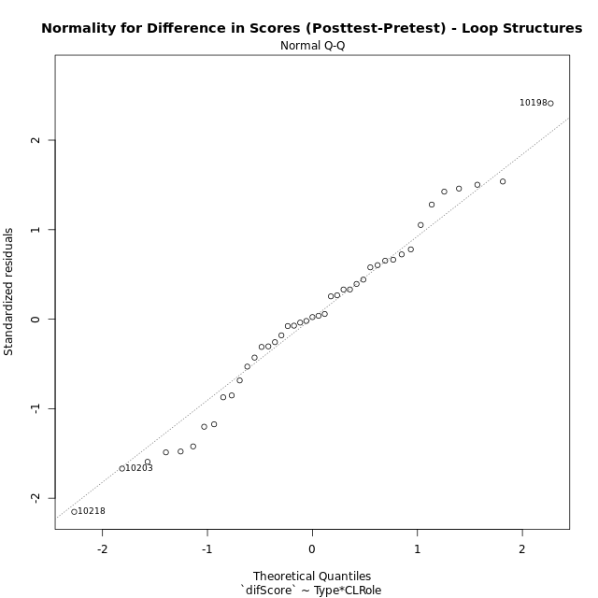

Levene's Test for Homogeneity of Variance in Difference in Scores (Posttest-Pretest) - Loop Structures
Df | F value | Pr(>F)
3 | 1.7112467462 | 0.18053725684
39

Plots for homogeneity of variance
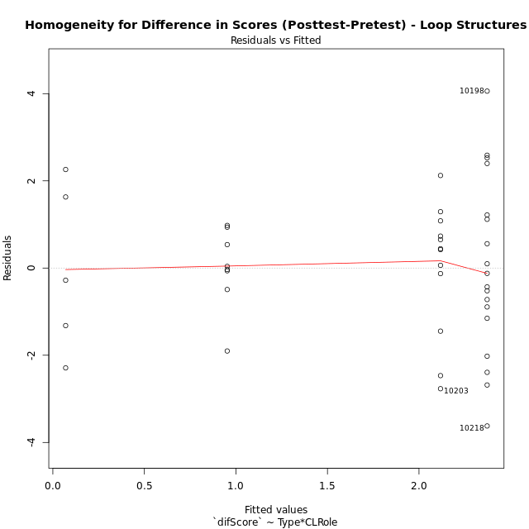

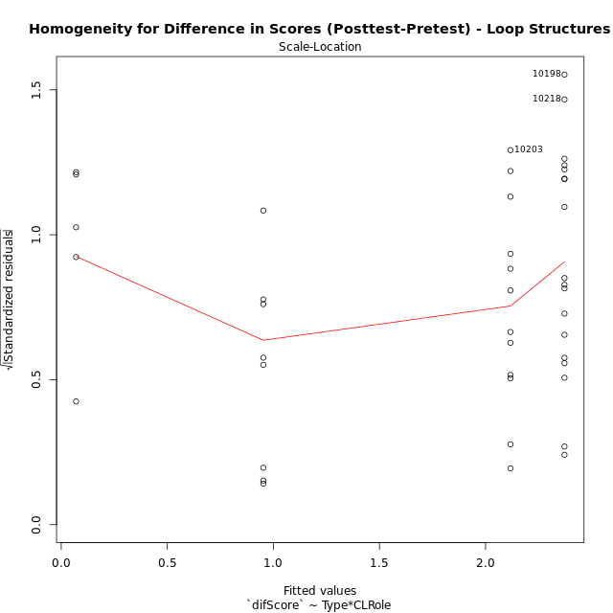

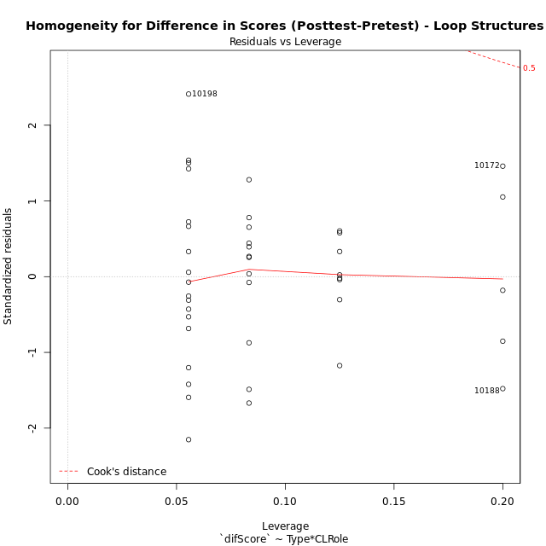

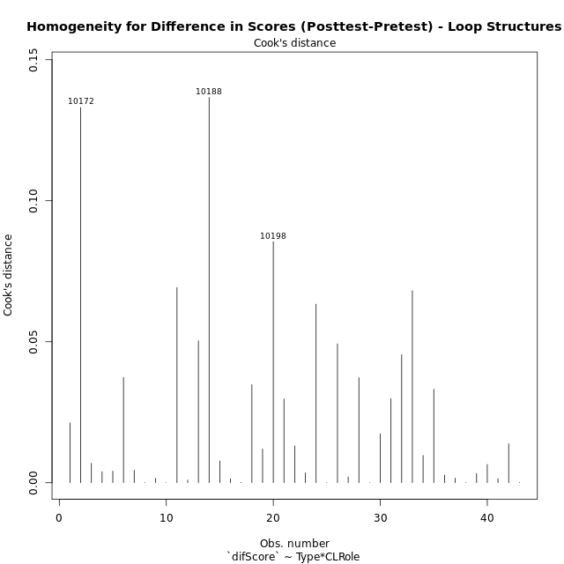

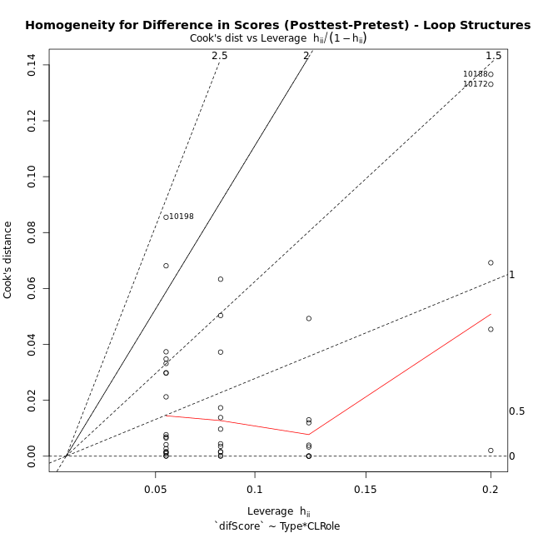

Minimum Sample Size Test for Difference in Scores (Posttest-Pretest) - Loop Structures
Type | CLRole | Freq
non-gamified | Apprentice | 18
ont-gamified | Apprentice | 12
non-gamified | Master | 8
ont-gamified | Master | 5

Errors and Warnings in Sample Size Test for ANOVA in Difference in Scores (Posttest-Pretest) - Loop Structures
code | description
WARN: sample.size | current size is 12 and recommended size is 15 for the group: 'ont-gamified:Apprentice'.
WARN: sample.size | current size is 8 and recommended size is 15 for the group: 'non-gamified:Master'.
WARN: sample.size | current size is 5 and recommended size is 15 for the group: 'ont-gamified:Master'.

For the group: 'non-gamified:Apprentice', you can perform a parametric test without having a normal distribution For the group: 'ont-gamified:Apprentice', we recommend the use of non-parametric test. For the group: 'non-gamified:Master', we recommend the use of non-parametric test. For the group: 'ont-gamified:Master', we recommend the use of non-parametric test.

If you don't want to remove non-normal data, you must cite the following references: ... (1) Lix, L.M., J.C. Keselman, and H.J. Keselman. 1996. Consequences of assumption violations revisited: A quantitative review of alternatives to the one-way analysis of variance F test. Rev. Educ. Res. 66: 579-619. ... (2) Harwell, M.R., E.N. Rubinstein, W.S. Hayes, and C.C. Olds. 1992. Summarizing Monte Carlo results in methodological research: the one- and two-factor fixed effects ANOVA cases. J. Educ. Stat. 17: 315-339.

Post-hoc
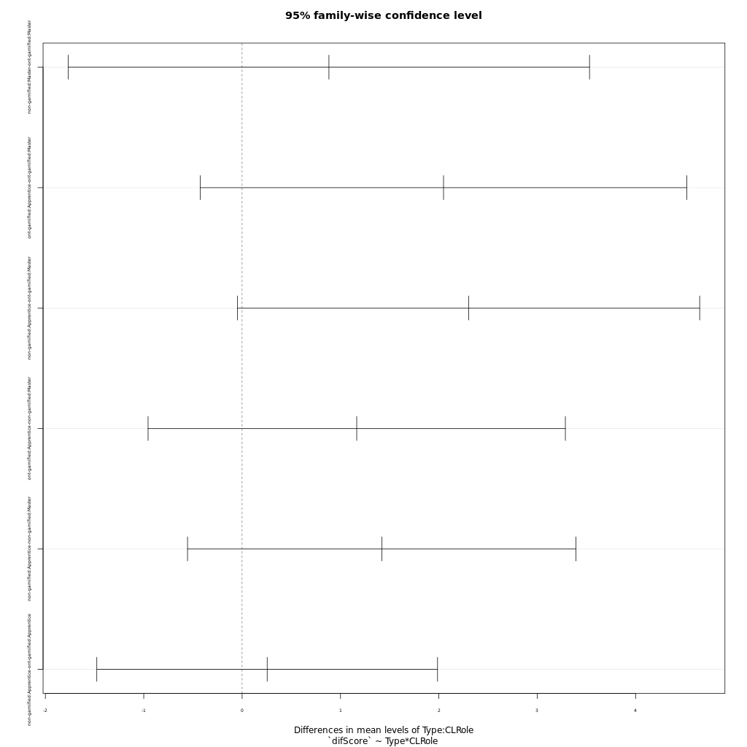
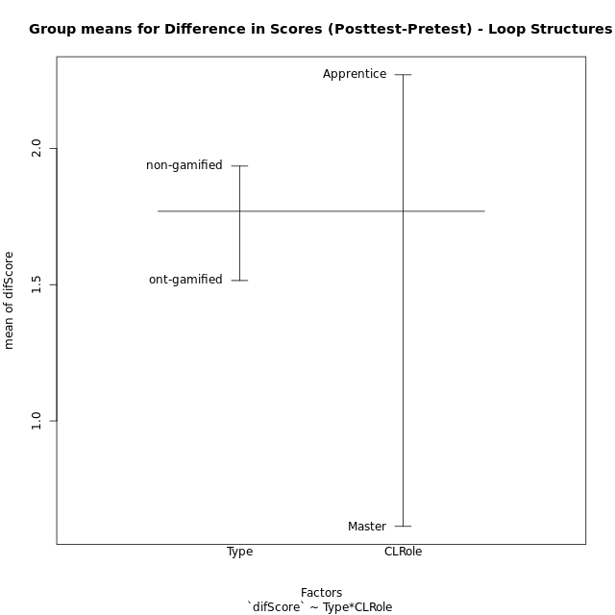
Post-hoc Tukey Honestly Significant Difference (HSD) Test for Difference in Scores (Posttest-Pretest) - Loop Structures

Comparisons of means for Type
 | diff | lwr | upr | p adj
non-gamified-ont-gamified | 0.42009049774 | -0.67249608481 | 1.5126770803 | 0.44143371854

Comparisons of means for CLRole
 | diff | lwr | upr | p adj
Apprentice-Master | 1.663719341 | 0.50057210221 | 2.8268665798 | 0.0062109995998

Comparisons of means for Type:CLRole
 | diff | lwr | upr | p adj
non-gamified:Master-ont-gamified:Master | 0.8825 | -1.7667626968 | 3.5317626968 | 0.8080457898
ont-gamified:Apprentice-ont-gamified:Master | 2.0475 | -0.42611541918 | 4.5211154192 | 0.13538610961
non-gamified:Apprentice-ont-gamified:Master | 2.3022222222 | -0.047010314671 | 4.6514547591 | 0.056573407073
ont-gamified:Apprentice-non-gamified:Master | 1.165 | -0.95610772288 | 3.2861077229 | 0.46263432123
non-gamified:Apprentice-non-gamified:Master | 1.4197222222 | -0.55492160451 | 3.394366049 | 0.23273106368
non-gamified:Apprentice-ont-gamified:Apprentice | 0.25472222222 | -1.4771549813 | 1.9865994257 | 0.97885922826

Contrast Matrices for Difference in Scores (Posttest-Pretest) - Loop Structures - Type
contrast | estimate | SE | df | t.ratio | p.value
non-gamified - ont-gamified | 0.56861111111 | 0.58976668241 | 39 | 0.96412891414 | 0.34092177267

Contrast Matrices for Difference in Scores (Posttest-Pretest) - Loop Structures - Type:CLRole
contrast | CLRole | estimate | SE | df | t.ratio | p.value
non-gamified - ont-gamified | Apprentice | 0.25472222222 | 0.64541194169 | 39 | 0.39466611287 | 0.69523945931
non-gamified - ont-gamified | Master | 0.8825 | 0.98729042549 | 39 | 0.89386058774 | 0.37687961586

Least Squares Means and Confidence Intervals for Type
Type | lsmean | SE | df | lower.CL | upper.CL | Pairs
non-gamified | 1.6623611111 | 0.36794141749 | 39 | 0.91812934685 | 2.4065928754 | non-gamified
ont-gamified | 1.09375 | 0.46091631885 | 39 | 0.16145874697 | 2.026041253 | ont-gamified

Least Squares Means and Confidence Intervals for Type:CLRole
Type | CLRole | lsmean | SE | df | lower.CL | upper.CL | Pairs
non-gamified | Apprentice | 2.3722222222 | 0.40819435296 | 39 | 1.5465712109 | 3.1978732336 | non-gamified.Apprentice
ont-gamified | Apprentice | 2.1175 | 0.49993394032 | 39 | 1.1062881583 | 3.1287118417 | ont-gamified.Apprentice
non-gamified | Master | 0.9525 | 0.61229152944 | 39 | -0.28597651701 | 2.190976517 | non-gamified.Master
ont-gamified | Master | 0.07 | 0.77449433002 | 39 | -1.496562649 | 1.636562649 | ont-gamified.Master

Plots

Type_1
Student's t-Test for Difference in Scores (Posttest-Pretest) - Loop Structures in Type between non-gamified:ont-gamified

Student's t-Test results
Alternative hypothesis: less
Group | N | Mean | Mean.Difference | Std.deviation | Std.error | CI.lower | CI.upper | df | t.value | p.value | g | magnitude
non-gamified | 26 | 1.9353846154 | 0.42009049774 | 1.8842085464 | 0.36952369791 | 1.1963372196 | 2.6744320112 | 34.946957257 | 0.7250359509 | 0.76337146992 | 0.22085512873 | small
ont-gamified | 17 | 1.5152941176 | -0.42009049774 | 1.84005135 | 0.44627800427 | 0.62273810911 | 2.4078501262 | 34.946957257 | 0.7250359509 | 0.76337146992 | 0.22085512873 | small
Alternative hypothesis: greater
Group | N | Mean | Mean.Difference | Std.deviation | Std.error | CI.lower | CI.upper | df | t.value | p.value | g | magnitude
non-gamified | 26 | 1.9353846154 | 0.42009049774 | 1.8842085464 | 0.36952369791 | 1.1963372196 | 2.6744320112 | 34.946957257 | 0.7250359509 | 0.23662853008 | 0.22085512873 | small
ont-gamified | 17 | 1.5152941176 | -0.42009049774 | 1.84005135 | 0.44627800427 | 0.62273810911 | 2.4078501262 | 34.946957257 | 0.7250359509 | 0.23662853008 | 0.22085512873 | small
Alternative hypothesis: two.sided
Group | N | Mean | Mean.Difference | Std.deviation | Std.error | CI.lower | CI.upper | df | t.value | p.value | g | magnitude
non-gamified | 26 | 1.9353846154 | 0.42009049774 | 1.8842085464 | 0.36952369791 | 1.1963372196 | 2.6744320112 | 34.946957257 | 0.7250359509 | 0.47325706015 | 0.22085512873 | small
ont-gamified | 17 | 1.5152941176 | -0.42009049774 | 1.84005135 | 0.44627800427 | 0.62273810911 | 2.4078501262 | 34.946957257 | 0.7250359509 | 0.47325706015 | 0.22085512873 | small

Box plots for Student's t-Test
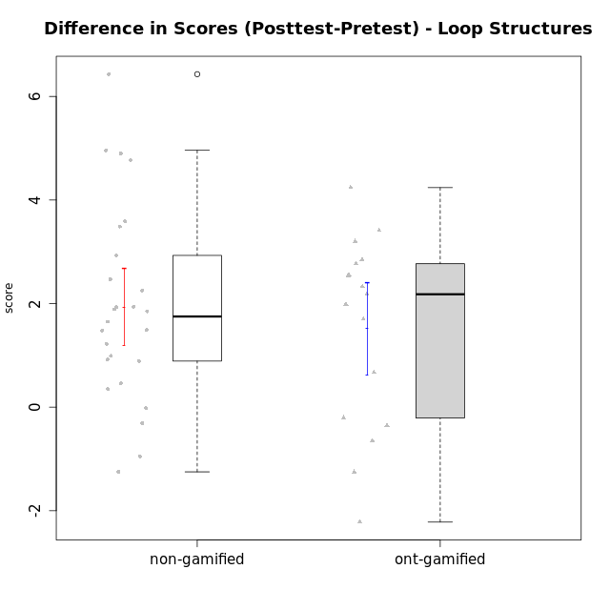

Student's t-Test data
UserID | NroUSP | Type | CLGroup | CLRole | PlayerRole | Re1 | Un3 | Ap2a | Ap2b | An3a | An3b | Ev2 | score.pre | ReA | UnC | ApB1 | ApB2 | AnC1 | AnC2 | EvB | score.pos | difScore
10170 | 10260351 | non-gamified | Grupo Team 6 | Apprentice |  | 0.21 | 0.56 | 1 | 1.5 | 0.38 | 0.6 | 0.94 | 5.18 | 0.5 | 2 | 0 | 0 | 0.2 | 1.33 | 1.5 | 5.53 | 0.35
10172 | 10273971 | ont-gamified | Grupo Koil | Master | Yee Achiever | 0.29 | 2 | 1 | 0.5 | 0.75 | 2 | 1.13 | 7.67 | 0.5 | 2 | 1 | 1.5 | 1.5 | 2 | 1.5 | 10 | 2.33
10174 | 10276852 | non-gamified | Grupo Team 1 | Apprentice |  | 0.21 | 0 | 0 | 1.25 | 0 | 0 | 0 | 1.46 | 0.42 | 0 | 1 | 0 | 1 | 0.27 | 0 | 2.68 | 1.22
10175 | 10310700 | non-gamified | Grupo Team 6 | Master |  | 0.42 | 2 | 1 | 1.5 | 1.5 | 0.6 | 0.94 | 7.95 | 0.5 | 2 | 1 | 1.5 | 1.5 | 2 | 0.94 | 9.44 | 1.49
10176 | 10276949 | non-gamified | Grupo Team 9 | Apprentice |  | 0.38 | 2 | 1 | 0.5 | 0.75 | 0.6 | 0.38 | 5.6 | 0.33 | 2 | 1 | 0.5 | 0.5 | 2 | 0.75 | 7.08 | 1.48
10178 | 8656201 | non-gamified | Grupo Team 11 | Apprentice |  | 0.46 | 2 | 1 | 0 | 1.13 | 0.6 | 0.94 | 6.12 | 0.5 | 2 | 1 | 0 | 1 | 0.93 | 0.38 | 5.81 | -0.31
10179 | 10310759 | ont-gamified | Grupo Tosskor | Apprentice | Yee Achiever | 0.29 | 2 | 1 | 0 | 0.75 | 0.6 | 0.94 | 5.58 | 0.5 | 2 | 1 | 1.5 | 1 | 0.93 | 1.5 | 8.43 | 2.85
10181 | 10276866 | non-gamified | Grupo Team 7 | Apprentice |  | 0.21 | 1.06 | 1 | 0 | 0.75 | 2 | 0 | 5.01 | 0.15 | 2 | 1 | 1.5 | 0.4 | 0.93 | 1.5 | 7.48 | 2.47
10183 | 10352030 | non-gamified | Grupo Belos | Apprentice | Yee Socializer | 0.42 | 0.28 | 1 | 0 | 0 | 0 | 0 | 1.69 | 0.42 | 2 | 1 | 0.5 | 0.7 | 0 | 0 | 4.62 | 2.93
10184 | 10276675 | non-gamified | Grupo Team 7 | Master |  | 0.29 | 2 | 1 | 0.75 | 0.75 | 2 | 0.56 | 7.35 | 0.5 | 2 | 1 | 1.5 | 1.5 | 0.27 | 1.5 | 8.27 | 0.92
10185 | 10276960 | ont-gamified | Grupo Tosskor | Master | Yee Achiever | 0.42 | 2 | 1 | 1.5 | 1.5 | 0.6 | 0.94 | 7.95 | 0.15 | 2 | 1 | 1.5 | 1.5 | 2 | 1.5 | 9.65 | 1.7
10186 | 10310551 | non-gamified | Grupo Team 5 | Apprentice |  | 0.21 | 1.28 | 1 | 0 | 0.75 | 1 | 0 | 4.24 | 0.42 | 2 | 1 | 0 | 1 | 0.27 | 1.5 | 6.18 | 1.94
10187 | 9790781 | ont-gamified | Grupo Razorg | Apprentice | Yee Achiever | 0.46 | 2 | 1 | 0 | 1.13 | 0.6 | 0.94 | 6.12 | 0.33 | 2 | 1 | 0.5 | 1 | 0.93 | 0 | 5.77 | -0.35
10188 | 10276995 | ont-gamified | Grupo Paldira | Master | Yee Achiever | 0.42 | 2 | 1 | 1.5 | 1.5 | 2 | 1.5 | 9.92 | 0.33 | 2 | 1 | 1.5 | 0.7 | 0.67 | 1.5 | 7.7 | -2.22
10189 | 9363926 | non-gamified | Grupo Team 2 | Apprentice |  | 0.33 | 0.28 | 0 | 0.75 | 0 | 0.6 | 0.38 | 2.34 | 0.33 | 2 | 1 | 0.5 | 0.5 | 0.67 | 0.94 | 5.93 | 3.59
10190 | 10276907 | non-gamified | Grupo Team 8 | Apprentice |  | 0.21 | 1.5 | 1 | 0.5 | 1.5 | 0 | 0.56 | 5.27 | 0.42 | 0.67 | 1 | 1.5 | 0.7 | 1.33 | 1.5 | 7.12 | 1.85
10192 | 10276682 | ont-gamified | Grupo Yeka | Apprentice | Yee Socializer | 0.29 | 1.78 | 0 | 0.5 | 0.75 | 0.6 | 0.94 | 4.86 | 0.42 | 2 | 1 | 0 | 1 | 0.93 | 1.5 | 6.85 | 1.99
10196 | 10310655 | non-gamified | Grupo Team 5 | Apprentice |  | 0.33 | 0.78 | 1 | 0.5 | 0.75 | 0 | 0.38 | 3.74 | 0.37 | 2 | 1 | 1.5 | 1 | 1.33 | 1.5 | 8.7 | 4.96
10197 | 10276661 | non-gamified | Grupo Team 11 | Master |  | 0.33 | 2 | 1 | 0.75 | 1.13 | 0 | 0.94 | 6.15 | 0.45 | 2 | 1 | 0.75 | 1 | 1.33 | 1.5 | 8.04 | 1.89
10198 | 10310888 | non-gamified | Grupo Team 1 | Apprentice |  | 0.13 | 0 | 1 | 0 | 0 | 0 | 0.38 | 1.5 | 0.5 | 2 | 1 | 1.5 | 0.5 | 0.93 | 1.5 | 7.93 | 6.43
10200 | 9795272 | non-gamified | Grupo Team 4 | Apprentice |  | 0.21 | 0.56 | 1 | 0 | 0.38 | 0.6 | 0 | 2.74 | 0.42 | 0.67 | 0 | 0.5 | 0.2 | 0 | 0.94 | 2.72 | -0.02
10201 | 10276928 | non-gamified | Grupo Team 10 | Master |  | 0.33 | 2 | 1 | 0.5 | 0.38 | 2 | 0.56 | 6.77 | 0.5 | 2 | 1 | 1.5 | 0.2 | 2 | 1.5 | 8.7 | 1.93
10202 | 10277036 | ont-gamified | Grupo Paldira | Apprentice | Yee Achiever | 0.29 | 1.28 | 0 | 0 | 0 | 0 | 0.19 | 1.76 | 0.5 | 0.67 | 1 | 0.5 | 1.2 | 0.67 | 0 | 4.53 | 2.77
10203 | 9921470 | ont-gamified | Grupo Paldira | Apprentice | Yee Achiever | 0.21 | 0 | 1 | 0 | 0 | 0 | 0.19 | 1.4 | 0.37 | 0 | 0 | 0 | 0 | 0 | 0.38 | 0.75 | -0.65
10204 | 10310471 | non-gamified | Grupo Team 5 | Master |  | 0.29 | 2 | 1 | 0.5 | 1.5 | 2 | 0.75 | 8.04 | 0.5 | 2 | 1 | 1.5 | 1.5 | 0.93 | 1.5 | 8.93 | 0.89
10206 | 10310721 | non-gamified | Grupo Team 9 | Master |  | 0.42 | 1.28 | 1 | 0.5 | 1.13 | 2 | 1.5 | 7.82 | 0.37 | 2 | 1 | 0.5 | 1.5 | 0 | 1.5 | 6.87 | -0.95
10208 | 10276932 | ont-gamified | Grupo Yeka | Master | Yee Socializer | 0.42 | 2 | 1 | 1.5 | 1.13 | 2 | 1.5 | 9.54 | 0.5 | 2 | 1 | 1.5 | 1.5 | 1.33 | 1.5 | 9.33 | -0.21
10210 | 10277015 | ont-gamified | Grupo Losvakai | Apprentice | Yee Achiever | 0.25 | 0.56 | 1 | 0.5 | 0.38 | 0.6 | 0 | 3.28 | 0.5 | 2 | 1 | 0.75 | 1.5 | 0.27 | 1.5 | 7.52 | 4.24
10213 | 10277040 | non-gamified | Grupo Team 8 | Master |  | 0.38 | 1.78 | 1 | 0.5 | 1 | 2 | 0.94 | 7.59 | 0.42 | 2 | 1 | 1.5 | 1.5 | 0.67 | 1.5 | 8.58 | 0.99
10214 | 10277022 | ont-gamified | Grupo Koil | Apprentice | Yee Achiever | 0.21 | 2 | 1 | 0.5 | 1.13 | 1 | 1.5 | 7.33 | 0.33 | 2 | 1 | 1.5 | 1 | 0.67 | 1.5 | 8 | 0.67
10215 | 9285227 | non-gamified | Grupo Team 7 | Apprentice |  | 0.25 | 1.28 | 1 | 0 | 0.75 | 1 | 0.38 | 4.65 | 0.42 | 2 | 1 | 1.5 | 1 | 2 | 1.5 | 9.42 | 4.77
10217 | 9805341 | ont-gamified | Grupo Belos | Master | Yee Socializer | 0.42 | 2 | 1 | 1.5 | 1.5 | 2 | 1.5 | 9.92 | 0.5 | 2 | 1 | 1.5 | 1.5 | 0.67 | 1.5 | 8.67 | -1.25
10218 | 9842913 | non-gamified | Grupo Team 10 | Apprentice |  | 0.33 | 1.5 | 1 | 0 | 1.5 | 1 | 1.13 | 6.46 | 0.5 | 2 | 1 | 0 | 0 | 1.33 | 0.38 | 5.21 | -1.25
10219 | 10276831 | ont-gamified | Grupo Razorg | Apprentice | Yee Achiever | 0.33 | 0.56 | 1 | 0.5 | 0.38 | 0.6 | 0.94 | 4.3 | 0.5 | 0.67 | 1 | 1.5 | 1 | 1.33 | 1.5 | 7.5 | 3.2
10220 | 9760151 | non-gamified | Grupo Team 4 | Apprentice |  | 0.42 | 0.5 | 1 | 0 | 0.75 | 0 | 1.13 | 3.79 | 0.42 | 2 | 1 | 1.5 | 1.5 | 1.33 | 0.94 | 8.69 | 4.9
10224 | 9368772 | non-gamified | Grupo Team 9 | Apprentice |  | 0.38 | 2 | 1 | 0.5 | 1.13 | 0.6 | 0 | 5.6 | 0.11 | 2 | 1 | 1.5 | 0.2 | 0.93 | 1.5 | 7.25 | 1.65
10226 | 10310342 | ont-gamified | Grupo Yeka | Apprentice | Yee Socializer | 0.42 | 0.33 | 1 | 0 | 0.75 | 2 | 0.19 | 4.69 | 0.42 | 0 | 1 | 1.5 | 1.5 | 1.33 | 1.5 | 7.25 | 2.56
10230 | 10351992 | ont-gamified | Grupo Koil | Apprentice | Yee Achiever | 0.29 | 2 | 1 | 0.5 | 1.13 | 0.6 | 1.5 | 7.02 | 0.5 | 2 | 1 | 1.5 | 0.7 | 2 | 1.5 | 9.2 | 2.18
10231 | 10276911 | non-gamified | Grupo Team 4 | Master |  | 0.33 | 2 | 1 | 1.5 | 1.13 | 2 | 1.5 | 9.46 | 0.42 | 2 | 1 | 1.5 | 1.5 | 2 | 1.5 | 9.92 | 0.46
10232 | 10276974 | non-gamified | Grupo Team 3 | Apprentice |  | 0.21 | 0 | 1 | 0.5 | 0.75 | 0.2 | 0.38 | 3.03 | 0.5 | 2 | 1 | 0.5 | 1.5 | 0.27 | 0.75 | 6.52 | 3.49
10237 | 10377688 | ont-gamified | Grupo Ellaru | Apprentice | Yee Socializer | 0.38 | 0.5 | 1 | 1.5 | 1.5 | 1 | 1.5 | 7.38 | 0.42 | 2 | 1 | 1.5 | 1.5 | 2 | 1.5 | 9.92 | 2.54
10238 | 10276953 | ont-gamified | Grupo Belos | Apprentice | Yee Socializer | 0.33 | 0.78 | 0 | 1.5 | 0.63 | 0.6 | 0 | 3.84 | 0.37 | 2 | 1 | 0.5 | 1 | 2 | 0.38 | 7.25 | 3.41
10240 | 10276654 | non-gamified | Grupo Team 8 | Apprentice |  | 0.21 | 2 | 1 | 0 | 0.38 | 0 | 0.94 | 4.52 | 0.5 | 2 | 1 | 0.5 | 1 | 0.27 | 1.5 | 6.77 | 2.25

Type_CLRole_1
Student's t-Test for Difference in Scores (Posttest-Pretest) - Loop Structures in Type:CLRole between non-gamified.Apprentice:non-gamified.Master

Student's t-Test results
Alternative hypothesis: less
Group | N | Mean | Mean.Difference | Std.deviation | Std.error | CI.lower | CI.upper | df | t.value | p.value | g | magnitude
non-gamified.Apprentice | 18 | 2.3722222222 | 1.4197222222 | 2.0522714978 | 0.48372503098 | 1.4047721603 | 3.3396722842 | 23.943311154 | 2.431282711 | 0.9885484847 | 0.7646503643 | medium
non-gamified.Master | 8 | 0.9525 | -1.4197222222 | 0.92518337951 | 0.32710172074 | 0.29829655851 | 1.6067034415 | 23.943311154 | 2.431282711 | 0.9885484847 | 0.7646503643 | medium
Alternative hypothesis: greater
Group | N | Mean | Mean.Difference | Std.deviation | Std.error | CI.lower | CI.upper | df | t.value | p.value | g | magnitude
non-gamified.Apprentice | 18 | 2.3722222222 | 1.4197222222 | 2.0522714978 | 0.48372503098 | 1.4047721603 | 3.3396722842 | 23.943311154 | 2.431282711 | 0.011451515304 | 0.7646503643 | medium
non-gamified.Master | 8 | 0.9525 | -1.4197222222 | 0.92518337951 | 0.32710172074 | 0.29829655851 | 1.6067034415 | 23.943311154 | 2.431282711 | 0.011451515304 | 0.7646503643 | medium
Alternative hypothesis: two.sided
Group | N | Mean | Mean.Difference | Std.deviation | Std.error | CI.lower | CI.upper | df | t.value | p.value | g | magnitude
non-gamified.Apprentice | 18 | 2.3722222222 | 1.4197222222 | 2.0522714978 | 0.48372503098 | 1.4047721603 | 3.3396722842 | 23.943311154 | 2.431282711 | 0.022903030607 | 0.7646503643 | medium
non-gamified.Master | 8 | 0.9525 | -1.4197222222 | 0.92518337951 | 0.32710172074 | 0.29829655851 | 1.6067034415 | 23.943311154 | 2.431282711 | 0.022903030607 | 0.7646503643 | medium

Box plots for Student's t-Test
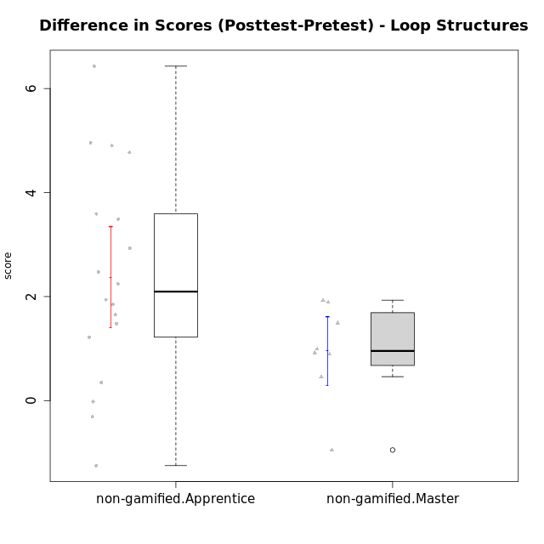

Student's t-Test data
UserID | NroUSP | Type | CLGroup | CLRole | PlayerRole | Re1 | Un3 | Ap2a | Ap2b | An3a | An3b | Ev2 | score.pre | ReA | UnC | ApB1 | ApB2 | AnC1 | AnC2 | EvB | score.pos | difScore
10170 | 10260351 | non-gamified | Grupo Team 6 | Apprentice |  | 0.21 | 0.56 | 1 | 1.5 | 0.38 | 0.6 | 0.94 | 5.18 | 0.5 | 2 | 0 | 0 | 0.2 | 1.33 | 1.5 | 5.53 | 0.35
10174 | 10276852 | non-gamified | Grupo Team 1 | Apprentice |  | 0.21 | 0 | 0 | 1.25 | 0 | 0 | 0 | 1.46 | 0.42 | 0 | 1 | 0 | 1 | 0.27 | 0 | 2.68 | 1.22
10175 | 10310700 | non-gamified | Grupo Team 6 | Master |  | 0.42 | 2 | 1 | 1.5 | 1.5 | 0.6 | 0.94 | 7.95 | 0.5 | 2 | 1 | 1.5 | 1.5 | 2 | 0.94 | 9.44 | 1.49
10176 | 10276949 | non-gamified | Grupo Team 9 | Apprentice |  | 0.38 | 2 | 1 | 0.5 | 0.75 | 0.6 | 0.38 | 5.6 | 0.33 | 2 | 1 | 0.5 | 0.5 | 2 | 0.75 | 7.08 | 1.48
10178 | 8656201 | non-gamified | Grupo Team 11 | Apprentice |  | 0.46 | 2 | 1 | 0 | 1.13 | 0.6 | 0.94 | 6.12 | 0.5 | 2 | 1 | 0 | 1 | 0.93 | 0.38 | 5.81 | -0.31
10181 | 10276866 | non-gamified | Grupo Team 7 | Apprentice |  | 0.21 | 1.06 | 1 | 0 | 0.75 | 2 | 0 | 5.01 | 0.15 | 2 | 1 | 1.5 | 0.4 | 0.93 | 1.5 | 7.48 | 2.47
10183 | 10352030 | non-gamified | Grupo Belos | Apprentice | Yee Socializer | 0.42 | 0.28 | 1 | 0 | 0 | 0 | 0 | 1.69 | 0.42 | 2 | 1 | 0.5 | 0.7 | 0 | 0 | 4.62 | 2.93
10184 | 10276675 | non-gamified | Grupo Team 7 | Master |  | 0.29 | 2 | 1 | 0.75 | 0.75 | 2 | 0.56 | 7.35 | 0.5 | 2 | 1 | 1.5 | 1.5 | 0.27 | 1.5 | 8.27 | 0.92
10186 | 10310551 | non-gamified | Grupo Team 5 | Apprentice |  | 0.21 | 1.28 | 1 | 0 | 0.75 | 1 | 0 | 4.24 | 0.42 | 2 | 1 | 0 | 1 | 0.27 | 1.5 | 6.18 | 1.94
10189 | 9363926 | non-gamified | Grupo Team 2 | Apprentice |  | 0.33 | 0.28 | 0 | 0.75 | 0 | 0.6 | 0.38 | 2.34 | 0.33 | 2 | 1 | 0.5 | 0.5 | 0.67 | 0.94 | 5.93 | 3.59
10190 | 10276907 | non-gamified | Grupo Team 8 | Apprentice |  | 0.21 | 1.5 | 1 | 0.5 | 1.5 | 0 | 0.56 | 5.27 | 0.42 | 0.67 | 1 | 1.5 | 0.7 | 1.33 | 1.5 | 7.12 | 1.85
10196 | 10310655 | non-gamified | Grupo Team 5 | Apprentice |  | 0.33 | 0.78 | 1 | 0.5 | 0.75 | 0 | 0.38 | 3.74 | 0.37 | 2 | 1 | 1.5 | 1 | 1.33 | 1.5 | 8.7 | 4.96
10197 | 10276661 | non-gamified | Grupo Team 11 | Master |  | 0.33 | 2 | 1 | 0.75 | 1.13 | 0 | 0.94 | 6.15 | 0.45 | 2 | 1 | 0.75 | 1 | 1.33 | 1.5 | 8.04 | 1.89
10198 | 10310888 | non-gamified | Grupo Team 1 | Apprentice |  | 0.13 | 0 | 1 | 0 | 0 | 0 | 0.38 | 1.5 | 0.5 | 2 | 1 | 1.5 | 0.5 | 0.93 | 1.5 | 7.93 | 6.43
10200 | 9795272 | non-gamified | Grupo Team 4 | Apprentice |  | 0.21 | 0.56 | 1 | 0 | 0.38 | 0.6 | 0 | 2.74 | 0.42 | 0.67 | 0 | 0.5 | 0.2 | 0 | 0.94 | 2.72 | -0.02
10201 | 10276928 | non-gamified | Grupo Team 10 | Master |  | 0.33 | 2 | 1 | 0.5 | 0.38 | 2 | 0.56 | 6.77 | 0.5 | 2 | 1 | 1.5 | 0.2 | 2 | 1.5 | 8.7 | 1.93
10204 | 10310471 | non-gamified | Grupo Team 5 | Master |  | 0.29 | 2 | 1 | 0.5 | 1.5 | 2 | 0.75 | 8.04 | 0.5 | 2 | 1 | 1.5 | 1.5 | 0.93 | 1.5 | 8.93 | 0.89
10206 | 10310721 | non-gamified | Grupo Team 9 | Master |  | 0.42 | 1.28 | 1 | 0.5 | 1.13 | 2 | 1.5 | 7.82 | 0.37 | 2 | 1 | 0.5 | 1.5 | 0 | 1.5 | 6.87 | -0.95
10213 | 10277040 | non-gamified | Grupo Team 8 | Master |  | 0.38 | 1.78 | 1 | 0.5 | 1 | 2 | 0.94 | 7.59 | 0.42 | 2 | 1 | 1.5 | 1.5 | 0.67 | 1.5 | 8.58 | 0.99
10215 | 9285227 | non-gamified | Grupo Team 7 | Apprentice |  | 0.25 | 1.28 | 1 | 0 | 0.75 | 1 | 0.38 | 4.65 | 0.42 | 2 | 1 | 1.5 | 1 | 2 | 1.5 | 9.42 | 4.77
10218 | 9842913 | non-gamified | Grupo Team 10 | Apprentice |  | 0.33 | 1.5 | 1 | 0 | 1.5 | 1 | 1.13 | 6.46 | 0.5 | 2 | 1 | 0 | 0 | 1.33 | 0.38 | 5.21 | -1.25
10220 | 9760151 | non-gamified | Grupo Team 4 | Apprentice |  | 0.42 | 0.5 | 1 | 0 | 0.75 | 0 | 1.13 | 3.79 | 0.42 | 2 | 1 | 1.5 | 1.5 | 1.33 | 0.94 | 8.69 | 4.9
10224 | 9368772 | non-gamified | Grupo Team 9 | Apprentice |  | 0.38 | 2 | 1 | 0.5 | 1.13 | 0.6 | 0 | 5.6 | 0.11 | 2 | 1 | 1.5 | 0.2 | 0.93 | 1.5 | 7.25 | 1.65
10231 | 10276911 | non-gamified | Grupo Team 4 | Master |  | 0.33 | 2 | 1 | 1.5 | 1.13 | 2 | 1.5 | 9.46 | 0.42 | 2 | 1 | 1.5 | 1.5 | 2 | 1.5 | 9.92 | 0.46
10232 | 10276974 | non-gamified | Grupo Team 3 | Apprentice |  | 0.21 | 0 | 1 | 0.5 | 0.75 | 0.2 | 0.38 | 3.03 | 0.5 | 2 | 1 | 0.5 | 1.5 | 0.27 | 0.75 | 6.52 | 3.49
10240 | 10276654 | non-gamified | Grupo Team 8 | Apprentice |  | 0.21 | 2 | 1 | 0 | 0.38 | 0 | 0.94 | 4.52 | 0.5 | 2 | 1 | 0.5 | 1 | 0.27 | 1.5 | 6.77 | 2.25

Type_CLRole_2
Student's t-Test for Difference in Scores (Posttest-Pretest) - Loop Structures in Type:CLRole between non-gamified.Apprentice:ont-gamified.Apprentice

Student's t-Test results
Alternative hypothesis: less
Group | N | Mean | Mean.Difference | Std.deviation | Std.error | CI.lower | CI.upper | df | t.value | p.value | g | magnitude
non-gamified.Apprentice | 18 | 2.3722222222 | 0.25472222222 | 2.0522714978 | 0.48372503098 | 1.4047721603 | 3.3396722842 | 27.710020469 | 0.39306728244 | 0.65136120284 | 0.13374471948 | negligible
ont-gamified.Apprentice | 12 | 2.1175 | -0.25472222222 | 1.4938365798 | 0.43123347575 | 1.2550330485 | 2.9799669515 | 27.710020469 | 0.39306728244 | 0.65136120284 | 0.13374471948 | negligible
Alternative hypothesis: greater
Group | N | Mean | Mean.Difference | Std.deviation | Std.error | CI.lower | CI.upper | df | t.value | p.value | g | magnitude
non-gamified.Apprentice | 18 | 2.3722222222 | 0.25472222222 | 2.0522714978 | 0.48372503098 | 1.4047721603 | 3.3396722842 | 27.710020469 | 0.39306728244 | 0.34863879716 | 0.13374471948 | negligible
ont-gamified.Apprentice | 12 | 2.1175 | -0.25472222222 | 1.4938365798 | 0.43123347575 | 1.2550330485 | 2.9799669515 | 27.710020469 | 0.39306728244 | 0.34863879716 | 0.13374471948 | negligible
Alternative hypothesis: two.sided
Group | N | Mean | Mean.Difference | Std.deviation | Std.error | CI.lower | CI.upper | df | t.value | p.value | g | magnitude
non-gamified.Apprentice | 18 | 2.3722222222 | 0.25472222222 | 2.0522714978 | 0.48372503098 | 1.4047721603 | 3.3396722842 | 27.710020469 | 0.39306728244 | 0.69727759433 | 0.13374471948 | negligible
ont-gamified.Apprentice | 12 | 2.1175 | -0.25472222222 | 1.4938365798 | 0.43123347575 | 1.2550330485 | 2.9799669515 | 27.710020469 | 0.39306728244 | 0.69727759433 | 0.13374471948 | negligible

Box plots for Student's t-Test
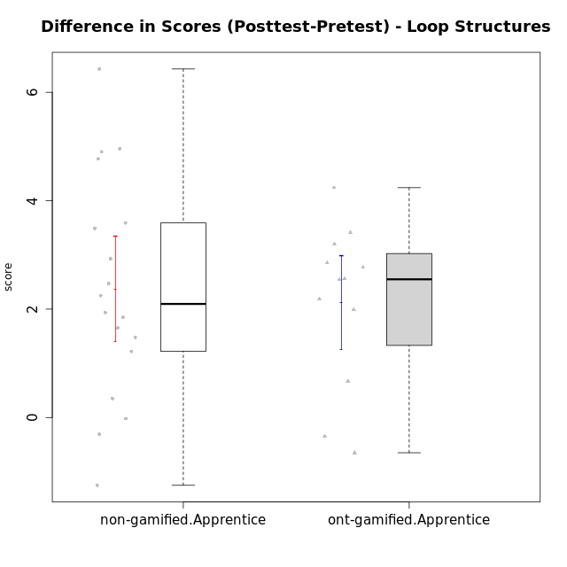

Student's t-Test data
UserID | NroUSP | Type | CLGroup | CLRole | PlayerRole | Re1 | Un3 | Ap2a | Ap2b | An3a | An3b | Ev2 | score.pre | ReA | UnC | ApB1 | ApB2 | AnC1 | AnC2 | EvB | score.pos | difScore
10170 | 10260351 | non-gamified | Grupo Team 6 | Apprentice |  | 0.21 | 0.56 | 1 | 1.5 | 0.38 | 0.6 | 0.94 | 5.18 | 0.5 | 2 | 0 | 0 | 0.2 | 1.33 | 1.5 | 5.53 | 0.35
10174 | 10276852 | non-gamified | Grupo Team 1 | Apprentice |  | 0.21 | 0 | 0 | 1.25 | 0 | 0 | 0 | 1.46 | 0.42 | 0 | 1 | 0 | 1 | 0.27 | 0 | 2.68 | 1.22
10176 | 10276949 | non-gamified | Grupo Team 9 | Apprentice |  | 0.38 | 2 | 1 | 0.5 | 0.75 | 0.6 | 0.38 | 5.6 | 0.33 | 2 | 1 | 0.5 | 0.5 | 2 | 0.75 | 7.08 | 1.48
10178 | 8656201 | non-gamified | Grupo Team 11 | Apprentice |  | 0.46 | 2 | 1 | 0 | 1.13 | 0.6 | 0.94 | 6.12 | 0.5 | 2 | 1 | 0 | 1 | 0.93 | 0.38 | 5.81 | -0.31
10179 | 10310759 | ont-gamified | Grupo Tosskor | Apprentice | Yee Achiever | 0.29 | 2 | 1 | 0 | 0.75 | 0.6 | 0.94 | 5.58 | 0.5 | 2 | 1 | 1.5 | 1 | 0.93 | 1.5 | 8.43 | 2.85
10181 | 10276866 | non-gamified | Grupo Team 7 | Apprentice |  | 0.21 | 1.06 | 1 | 0 | 0.75 | 2 | 0 | 5.01 | 0.15 | 2 | 1 | 1.5 | 0.4 | 0.93 | 1.5 | 7.48 | 2.47
10183 | 10352030 | non-gamified | Grupo Belos | Apprentice | Yee Socializer | 0.42 | 0.28 | 1 | 0 | 0 | 0 | 0 | 1.69 | 0.42 | 2 | 1 | 0.5 | 0.7 | 0 | 0 | 4.62 | 2.93
10186 | 10310551 | non-gamified | Grupo Team 5 | Apprentice |  | 0.21 | 1.28 | 1 | 0 | 0.75 | 1 | 0 | 4.24 | 0.42 | 2 | 1 | 0 | 1 | 0.27 | 1.5 | 6.18 | 1.94
10187 | 9790781 | ont-gamified | Grupo Razorg | Apprentice | Yee Achiever | 0.46 | 2 | 1 | 0 | 1.13 | 0.6 | 0.94 | 6.12 | 0.33 | 2 | 1 | 0.5 | 1 | 0.93 | 0 | 5.77 | -0.35
10189 | 9363926 | non-gamified | Grupo Team 2 | Apprentice |  | 0.33 | 0.28 | 0 | 0.75 | 0 | 0.6 | 0.38 | 2.34 | 0.33 | 2 | 1 | 0.5 | 0.5 | 0.67 | 0.94 | 5.93 | 3.59
10190 | 10276907 | non-gamified | Grupo Team 8 | Apprentice |  | 0.21 | 1.5 | 1 | 0.5 | 1.5 | 0 | 0.56 | 5.27 | 0.42 | 0.67 | 1 | 1.5 | 0.7 | 1.33 | 1.5 | 7.12 | 1.85
10192 | 10276682 | ont-gamified | Grupo Yeka | Apprentice | Yee Socializer | 0.29 | 1.78 | 0 | 0.5 | 0.75 | 0.6 | 0.94 | 4.86 | 0.42 | 2 | 1 | 0 | 1 | 0.93 | 1.5 | 6.85 | 1.99
10196 | 10310655 | non-gamified | Grupo Team 5 | Apprentice |  | 0.33 | 0.78 | 1 | 0.5 | 0.75 | 0 | 0.38 | 3.74 | 0.37 | 2 | 1 | 1.5 | 1 | 1.33 | 1.5 | 8.7 | 4.96
10198 | 10310888 | non-gamified | Grupo Team 1 | Apprentice |  | 0.13 | 0 | 1 | 0 | 0 | 0 | 0.38 | 1.5 | 0.5 | 2 | 1 | 1.5 | 0.5 | 0.93 | 1.5 | 7.93 | 6.43
10200 | 9795272 | non-gamified | Grupo Team 4 | Apprentice |  | 0.21 | 0.56 | 1 | 0 | 0.38 | 0.6 | 0 | 2.74 | 0.42 | 0.67 | 0 | 0.5 | 0.2 | 0 | 0.94 | 2.72 | -0.02
10202 | 10277036 | ont-gamified | Grupo Paldira | Apprentice | Yee Achiever | 0.29 | 1.28 | 0 | 0 | 0 | 0 | 0.19 | 1.76 | 0.5 | 0.67 | 1 | 0.5 | 1.2 | 0.67 | 0 | 4.53 | 2.77
10203 | 9921470 | ont-gamified | Grupo Paldira | Apprentice | Yee Achiever | 0.21 | 0 | 1 | 0 | 0 | 0 | 0.19 | 1.4 | 0.37 | 0 | 0 | 0 | 0 | 0 | 0.38 | 0.75 | -0.65
10210 | 10277015 | ont-gamified | Grupo Losvakai | Apprentice | Yee Achiever | 0.25 | 0.56 | 1 | 0.5 | 0.38 | 0.6 | 0 | 3.28 | 0.5 | 2 | 1 | 0.75 | 1.5 | 0.27 | 1.5 | 7.52 | 4.24
10214 | 10277022 | ont-gamified | Grupo Koil | Apprentice | Yee Achiever | 0.21 | 2 | 1 | 0.5 | 1.13 | 1 | 1.5 | 7.33 | 0.33 | 2 | 1 | 1.5 | 1 | 0.67 | 1.5 | 8 | 0.67
10215 | 9285227 | non-gamified | Grupo Team 7 | Apprentice |  | 0.25 | 1.28 | 1 | 0 | 0.75 | 1 | 0.38 | 4.65 | 0.42 | 2 | 1 | 1.5 | 1 | 2 | 1.5 | 9.42 | 4.77
10218 | 9842913 | non-gamified | Grupo Team 10 | Apprentice |  | 0.33 | 1.5 | 1 | 0 | 1.5 | 1 | 1.13 | 6.46 | 0.5 | 2 | 1 | 0 | 0 | 1.33 | 0.38 | 5.21 | -1.25
10219 | 10276831 | ont-gamified | Grupo Razorg | Apprentice | Yee Achiever | 0.33 | 0.56 | 1 | 0.5 | 0.38 | 0.6 | 0.94 | 4.3 | 0.5 | 0.67 | 1 | 1.5 | 1 | 1.33 | 1.5 | 7.5 | 3.2
10220 | 9760151 | non-gamified | Grupo Team 4 | Apprentice |  | 0.42 | 0.5 | 1 | 0 | 0.75 | 0 | 1.13 | 3.79 | 0.42 | 2 | 1 | 1.5 | 1.5 | 1.33 | 0.94 | 8.69 | 4.9
10224 | 9368772 | non-gamified | Grupo Team 9 | Apprentice |  | 0.38 | 2 | 1 | 0.5 | 1.13 | 0.6 | 0 | 5.6 | 0.11 | 2 | 1 | 1.5 | 0.2 | 0.93 | 1.5 | 7.25 | 1.65
10226 | 10310342 | ont-gamified | Grupo Yeka | Apprentice | Yee Socializer | 0.42 | 0.33 | 1 | 0 | 0.75 | 2 | 0.19 | 4.69 | 0.42 | 0 | 1 | 1.5 | 1.5 | 1.33 | 1.5 | 7.25 | 2.56
10230 | 10351992 | ont-gamified | Grupo Koil | Apprentice | Yee Achiever | 0.29 | 2 | 1 | 0.5 | 1.13 | 0.6 | 1.5 | 7.02 | 0.5 | 2 | 1 | 1.5 | 0.7 | 2 | 1.5 | 9.2 | 2.18
10232 | 10276974 | non-gamified | Grupo Team 3 | Apprentice |  | 0.21 | 0 | 1 | 0.5 | 0.75 | 0.2 | 0.38 | 3.03 | 0.5 | 2 | 1 | 0.5 | 1.5 | 0.27 | 0.75 | 6.52 | 3.49
10237 | 10377688 | ont-gamified | Grupo Ellaru | Apprentice | Yee Socializer | 0.38 | 0.5 | 1 | 1.5 | 1.5 | 1 | 1.5 | 7.38 | 0.42 | 2 | 1 | 1.5 | 1.5 | 2 | 1.5 | 9.92 | 2.54
10238 | 10276953 | ont-gamified | Grupo Belos | Apprentice | Yee Socializer | 0.33 | 0.78 | 0 | 1.5 | 0.63 | 0.6 | 0 | 3.84 | 0.37 | 2 | 1 | 0.5 | 1 | 2 | 0.38 | 7.25 | 3.41
10240 | 10276654 | non-gamified | Grupo Team 8 | Apprentice |  | 0.21 | 2 | 1 | 0 | 0.38 | 0 | 0.94 | 4.52 | 0.5 | 2 | 1 | 0.5 | 1 | 0.27 | 1.5 | 6.77 | 2.25

Type_CLRole_3
Student's t-Test for Difference in Scores (Posttest-Pretest) - Loop Structures in Type:CLRole between non-gamified.Apprentice:ont-gamified.Master

Student's t-Test results
Alternative hypothesis: less
Group | N | Mean | Mean.Difference | Std.deviation | Std.error | CI.lower | CI.upper | df | t.value | p.value | g | magnitude
non-gamified.Apprentice | 18 | 2.3722222222 | 2.3022222222 | 2.0522714978 | 0.48372503098 | 1.4047721603 | 3.3396722842 | 6.7644497722 | 2.3310013766 | 0.9731064628 | 1.0937945258 | large
ont-gamified.Master | 5 | 0.07 | -2.3022222222 | 1.9254479998 | 0.86108652295 | -1.6521730459 | 1.7921730459 | 6.7644497722 | 2.3310013766 | 0.9731064628 | 1.0937945258 | large
Alternative hypothesis: greater
Group | N | Mean | Mean.Difference | Std.deviation | Std.error | CI.lower | CI.upper | df | t.value | p.value | g | magnitude
non-gamified.Apprentice | 18 | 2.3722222222 | 2.3022222222 | 2.0522714978 | 0.48372503098 | 1.4047721603 | 3.3396722842 | 6.7644497722 | 2.3310013766 | 0.026893537204 | 1.0937945258 | large
ont-gamified.Master | 5 | 0.07 | -2.3022222222 | 1.9254479998 | 0.86108652295 | -1.6521730459 | 1.7921730459 | 6.7644497722 | 2.3310013766 | 0.026893537204 | 1.0937945258 | large
Alternative hypothesis: two.sided
Group | N | Mean | Mean.Difference | Std.deviation | Std.error | CI.lower | CI.upper | df | t.value | p.value | g | magnitude
non-gamified.Apprentice | 18 | 2.3722222222 | 2.3022222222 | 2.0522714978 | 0.48372503098 | 1.4047721603 | 3.3396722842 | 6.7644497722 | 2.3310013766 | 0.053787074408 | 1.0937945258 | large
ont-gamified.Master | 5 | 0.07 | -2.3022222222 | 1.9254479998 | 0.86108652295 | -1.6521730459 | 1.7921730459 | 6.7644497722 | 2.3310013766 | 0.053787074408 | 1.0937945258 | large

Box plots for Student's t-Test
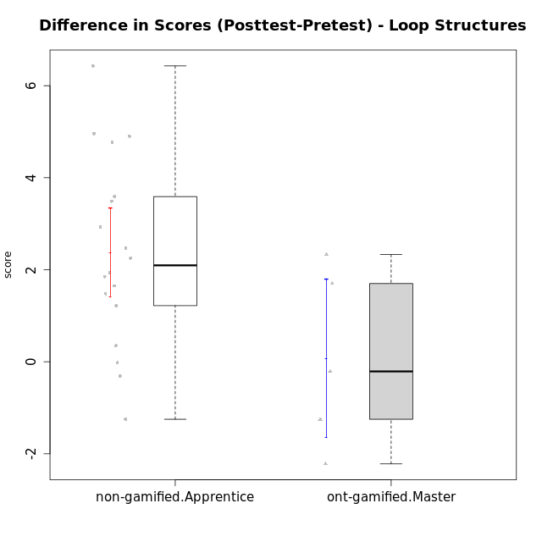

Student's t-Test data
UserID | NroUSP | Type | CLGroup | CLRole | PlayerRole | Re1 | Un3 | Ap2a | Ap2b | An3a | An3b | Ev2 | score.pre | ReA | UnC | ApB1 | ApB2 | AnC1 | AnC2 | EvB | score.pos | difScore
10170 | 10260351 | non-gamified | Grupo Team 6 | Apprentice |  | 0.21 | 0.56 | 1 | 1.5 | 0.38 | 0.6 | 0.94 | 5.18 | 0.5 | 2 | 0 | 0 | 0.2 | 1.33 | 1.5 | 5.53 | 0.35
10172 | 10273971 | ont-gamified | Grupo Koil | Master | Yee Achiever | 0.29 | 2 | 1 | 0.5 | 0.75 | 2 | 1.13 | 7.67 | 0.5 | 2 | 1 | 1.5 | 1.5 | 2 | 1.5 | 10 | 2.33
10174 | 10276852 | non-gamified | Grupo Team 1 | Apprentice |  | 0.21 | 0 | 0 | 1.25 | 0 | 0 | 0 | 1.46 | 0.42 | 0 | 1 | 0 | 1 | 0.27 | 0 | 2.68 | 1.22
10176 | 10276949 | non-gamified | Grupo Team 9 | Apprentice |  | 0.38 | 2 | 1 | 0.5 | 0.75 | 0.6 | 0.38 | 5.6 | 0.33 | 2 | 1 | 0.5 | 0.5 | 2 | 0.75 | 7.08 | 1.48
10178 | 8656201 | non-gamified | Grupo Team 11 | Apprentice |  | 0.46 | 2 | 1 | 0 | 1.13 | 0.6 | 0.94 | 6.12 | 0.5 | 2 | 1 | 0 | 1 | 0.93 | 0.38 | 5.81 | -0.31
10181 | 10276866 | non-gamified | Grupo Team 7 | Apprentice |  | 0.21 | 1.06 | 1 | 0 | 0.75 | 2 | 0 | 5.01 | 0.15 | 2 | 1 | 1.5 | 0.4 | 0.93 | 1.5 | 7.48 | 2.47
10183 | 10352030 | non-gamified | Grupo Belos | Apprentice | Yee Socializer | 0.42 | 0.28 | 1 | 0 | 0 | 0 | 0 | 1.69 | 0.42 | 2 | 1 | 0.5 | 0.7 | 0 | 0 | 4.62 | 2.93
10185 | 10276960 | ont-gamified | Grupo Tosskor | Master | Yee Achiever | 0.42 | 2 | 1 | 1.5 | 1.5 | 0.6 | 0.94 | 7.95 | 0.15 | 2 | 1 | 1.5 | 1.5 | 2 | 1.5 | 9.65 | 1.7
10186 | 10310551 | non-gamified | Grupo Team 5 | Apprentice |  | 0.21 | 1.28 | 1 | 0 | 0.75 | 1 | 0 | 4.24 | 0.42 | 2 | 1 | 0 | 1 | 0.27 | 1.5 | 6.18 | 1.94
10188 | 10276995 | ont-gamified | Grupo Paldira | Master | Yee Achiever | 0.42 | 2 | 1 | 1.5 | 1.5 | 2 | 1.5 | 9.92 | 0.33 | 2 | 1 | 1.5 | 0.7 | 0.67 | 1.5 | 7.7 | -2.22
10189 | 9363926 | non-gamified | Grupo Team 2 | Apprentice |  | 0.33 | 0.28 | 0 | 0.75 | 0 | 0.6 | 0.38 | 2.34 | 0.33 | 2 | 1 | 0.5 | 0.5 | 0.67 | 0.94 | 5.93 | 3.59
10190 | 10276907 | non-gamified | Grupo Team 8 | Apprentice |  | 0.21 | 1.5 | 1 | 0.5 | 1.5 | 0 | 0.56 | 5.27 | 0.42 | 0.67 | 1 | 1.5 | 0.7 | 1.33 | 1.5 | 7.12 | 1.85
10196 | 10310655 | non-gamified | Grupo Team 5 | Apprentice |  | 0.33 | 0.78 | 1 | 0.5 | 0.75 | 0 | 0.38 | 3.74 | 0.37 | 2 | 1 | 1.5 | 1 | 1.33 | 1.5 | 8.7 | 4.96
10198 | 10310888 | non-gamified | Grupo Team 1 | Apprentice |  | 0.13 | 0 | 1 | 0 | 0 | 0 | 0.38 | 1.5 | 0.5 | 2 | 1 | 1.5 | 0.5 | 0.93 | 1.5 | 7.93 | 6.43
10200 | 9795272 | non-gamified | Grupo Team 4 | Apprentice |  | 0.21 | 0.56 | 1 | 0 | 0.38 | 0.6 | 0 | 2.74 | 0.42 | 0.67 | 0 | 0.5 | 0.2 | 0 | 0.94 | 2.72 | -0.02
10208 | 10276932 | ont-gamified | Grupo Yeka | Master | Yee Socializer | 0.42 | 2 | 1 | 1.5 | 1.13 | 2 | 1.5 | 9.54 | 0.5 | 2 | 1 | 1.5 | 1.5 | 1.33 | 1.5 | 9.33 | -0.21
10215 | 9285227 | non-gamified | Grupo Team 7 | Apprentice |  | 0.25 | 1.28 | 1 | 0 | 0.75 | 1 | 0.38 | 4.65 | 0.42 | 2 | 1 | 1.5 | 1 | 2 | 1.5 | 9.42 | 4.77
10217 | 9805341 | ont-gamified | Grupo Belos | Master | Yee Socializer | 0.42 | 2 | 1 | 1.5 | 1.5 | 2 | 1.5 | 9.92 | 0.5 | 2 | 1 | 1.5 | 1.5 | 0.67 | 1.5 | 8.67 | -1.25
10218 | 9842913 | non-gamified | Grupo Team 10 | Apprentice |  | 0.33 | 1.5 | 1 | 0 | 1.5 | 1 | 1.13 | 6.46 | 0.5 | 2 | 1 | 0 | 0 | 1.33 | 0.38 | 5.21 | -1.25
10220 | 9760151 | non-gamified | Grupo Team 4 | Apprentice |  | 0.42 | 0.5 | 1 | 0 | 0.75 | 0 | 1.13 | 3.79 | 0.42 | 2 | 1 | 1.5 | 1.5 | 1.33 | 0.94 | 8.69 | 4.9
10224 | 9368772 | non-gamified | Grupo Team 9 | Apprentice |  | 0.38 | 2 | 1 | 0.5 | 1.13 | 0.6 | 0 | 5.6 | 0.11 | 2 | 1 | 1.5 | 0.2 | 0.93 | 1.5 | 7.25 | 1.65
10232 | 10276974 | non-gamified | Grupo Team 3 | Apprentice |  | 0.21 | 0 | 1 | 0.5 | 0.75 | 0.2 | 0.38 | 3.03 | 0.5 | 2 | 1 | 0.5 | 1.5 | 0.27 | 0.75 | 6.52 | 3.49
10240 | 10276654 | non-gamified | Grupo Team 8 | Apprentice |  | 0.21 | 2 | 1 | 0 | 0.38 | 0 | 0.94 | 4.52 | 0.5 | 2 | 1 | 0.5 | 1 | 0.27 | 1.5 | 6.77 | 2.25

Type_CLRole_4
Student's t-Test for Difference in Scores (Posttest-Pretest) - Loop Structures in Type:CLRole between non-gamified.Master:ont-gamified.Apprentice

Student's t-Test results
Alternative hypothesis: less
Group | N | Mean | Mean.Difference | Std.deviation | Std.error | CI.lower | CI.upper | df | t.value | p.value | g | magnitude
non-gamified.Master | 8 | 0.9525 | -1.165 | 0.92518337951 | 0.32710172074 | 0.29829655851 | 1.6067034415 | 17.957686775 | -2.1524018578 | 0.022607796054 | -0.85661748687 | large
ont-gamified.Apprentice | 12 | 2.1175 | 1.165 | 1.4938365798 | 0.43123347575 | 1.2550330485 | 2.9799669515 | 17.957686775 | -2.1524018578 | 0.022607796054 | -0.85661748687 | large
Alternative hypothesis: greater
Group | N | Mean | Mean.Difference | Std.deviation | Std.error | CI.lower | CI.upper | df | t.value | p.value | g | magnitude
non-gamified.Master | 8 | 0.9525 | -1.165 | 0.92518337951 | 0.32710172074 | 0.29829655851 | 1.6067034415 | 17.957686775 | -2.1524018578 | 0.97739220395 | -0.85661748687 | large
ont-gamified.Apprentice | 12 | 2.1175 | 1.165 | 1.4938365798 | 0.43123347575 | 1.2550330485 | 2.9799669515 | 17.957686775 | -2.1524018578 | 0.97739220395 | -0.85661748687 | large
Alternative hypothesis: two.sided
Group | N | Mean | Mean.Difference | Std.deviation | Std.error | CI.lower | CI.upper | df | t.value | p.value | g | magnitude
non-gamified.Master | 8 | 0.9525 | -1.165 | 0.92518337951 | 0.32710172074 | 0.29829655851 | 1.6067034415 | 17.957686775 | -2.1524018578 | 0.045215592109 | -0.85661748687 | large
ont-gamified.Apprentice | 12 | 2.1175 | 1.165 | 1.4938365798 | 0.43123347575 | 1.2550330485 | 2.9799669515 | 17.957686775 | -2.1524018578 | 0.045215592109 | -0.85661748687 | large

Box plots for Student's t-Test
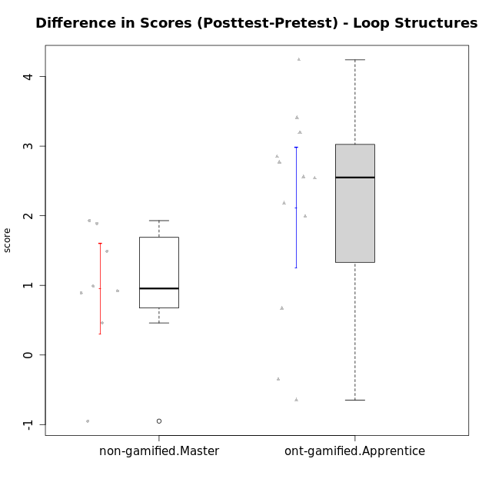

Student's t-Test data
UserID | NroUSP | Type | CLGroup | CLRole | PlayerRole | Re1 | Un3 | Ap2a | Ap2b | An3a | An3b | Ev2 | score.pre | ReA | UnC | ApB1 | ApB2 | AnC1 | AnC2 | EvB | score.pos | difScore
10175 | 10310700 | non-gamified | Grupo Team 6 | Master |  | 0.42 | 2 | 1 | 1.5 | 1.5 | 0.6 | 0.94 | 7.95 | 0.5 | 2 | 1 | 1.5 | 1.5 | 2 | 0.94 | 9.44 | 1.49
10179 | 10310759 | ont-gamified | Grupo Tosskor | Apprentice | Yee Achiever | 0.29 | 2 | 1 | 0 | 0.75 | 0.6 | 0.94 | 5.58 | 0.5 | 2 | 1 | 1.5 | 1 | 0.93 | 1.5 | 8.43 | 2.85
10184 | 10276675 | non-gamified | Grupo Team 7 | Master |  | 0.29 | 2 | 1 | 0.75 | 0.75 | 2 | 0.56 | 7.35 | 0.5 | 2 | 1 | 1.5 | 1.5 | 0.27 | 1.5 | 8.27 | 0.92
10187 | 9790781 | ont-gamified | Grupo Razorg | Apprentice | Yee Achiever | 0.46 | 2 | 1 | 0 | 1.13 | 0.6 | 0.94 | 6.12 | 0.33 | 2 | 1 | 0.5 | 1 | 0.93 | 0 | 5.77 | -0.35
10192 | 10276682 | ont-gamified | Grupo Yeka | Apprentice | Yee Socializer | 0.29 | 1.78 | 0 | 0.5 | 0.75 | 0.6 | 0.94 | 4.86 | 0.42 | 2 | 1 | 0 | 1 | 0.93 | 1.5 | 6.85 | 1.99
10197 | 10276661 | non-gamified | Grupo Team 11 | Master |  | 0.33 | 2 | 1 | 0.75 | 1.13 | 0 | 0.94 | 6.15 | 0.45 | 2 | 1 | 0.75 | 1 | 1.33 | 1.5 | 8.04 | 1.89
10201 | 10276928 | non-gamified | Grupo Team 10 | Master |  | 0.33 | 2 | 1 | 0.5 | 0.38 | 2 | 0.56 | 6.77 | 0.5 | 2 | 1 | 1.5 | 0.2 | 2 | 1.5 | 8.7 | 1.93
10202 | 10277036 | ont-gamified | Grupo Paldira | Apprentice | Yee Achiever | 0.29 | 1.28 | 0 | 0 | 0 | 0 | 0.19 | 1.76 | 0.5 | 0.67 | 1 | 0.5 | 1.2 | 0.67 | 0 | 4.53 | 2.77
10203 | 9921470 | ont-gamified | Grupo Paldira | Apprentice | Yee Achiever | 0.21 | 0 | 1 | 0 | 0 | 0 | 0.19 | 1.4 | 0.37 | 0 | 0 | 0 | 0 | 0 | 0.38 | 0.75 | -0.65
10204 | 10310471 | non-gamified | Grupo Team 5 | Master |  | 0.29 | 2 | 1 | 0.5 | 1.5 | 2 | 0.75 | 8.04 | 0.5 | 2 | 1 | 1.5 | 1.5 | 0.93 | 1.5 | 8.93 | 0.89
10206 | 10310721 | non-gamified | Grupo Team 9 | Master |  | 0.42 | 1.28 | 1 | 0.5 | 1.13 | 2 | 1.5 | 7.82 | 0.37 | 2 | 1 | 0.5 | 1.5 | 0 | 1.5 | 6.87 | -0.95
10210 | 10277015 | ont-gamified | Grupo Losvakai | Apprentice | Yee Achiever | 0.25 | 0.56 | 1 | 0.5 | 0.38 | 0.6 | 0 | 3.28 | 0.5 | 2 | 1 | 0.75 | 1.5 | 0.27 | 1.5 | 7.52 | 4.24
10213 | 10277040 | non-gamified | Grupo Team 8 | Master |  | 0.38 | 1.78 | 1 | 0.5 | 1 | 2 | 0.94 | 7.59 | 0.42 | 2 | 1 | 1.5 | 1.5 | 0.67 | 1.5 | 8.58 | 0.99
10214 | 10277022 | ont-gamified | Grupo Koil | Apprentice | Yee Achiever | 0.21 | 2 | 1 | 0.5 | 1.13 | 1 | 1.5 | 7.33 | 0.33 | 2 | 1 | 1.5 | 1 | 0.67 | 1.5 | 8 | 0.67
10219 | 10276831 | ont-gamified | Grupo Razorg | Apprentice | Yee Achiever | 0.33 | 0.56 | 1 | 0.5 | 0.38 | 0.6 | 0.94 | 4.3 | 0.5 | 0.67 | 1 | 1.5 | 1 | 1.33 | 1.5 | 7.5 | 3.2
10226 | 10310342 | ont-gamified | Grupo Yeka | Apprentice | Yee Socializer | 0.42 | 0.33 | 1 | 0 | 0.75 | 2 | 0.19 | 4.69 | 0.42 | 0 | 1 | 1.5 | 1.5 | 1.33 | 1.5 | 7.25 | 2.56
10230 | 10351992 | ont-gamified | Grupo Koil | Apprentice | Yee Achiever | 0.29 | 2 | 1 | 0.5 | 1.13 | 0.6 | 1.5 | 7.02 | 0.5 | 2 | 1 | 1.5 | 0.7 | 2 | 1.5 | 9.2 | 2.18
10231 | 10276911 | non-gamified | Grupo Team 4 | Master |  | 0.33 | 2 | 1 | 1.5 | 1.13 | 2 | 1.5 | 9.46 | 0.42 | 2 | 1 | 1.5 | 1.5 | 2 | 1.5 | 9.92 | 0.46
10237 | 10377688 | ont-gamified | Grupo Ellaru | Apprentice | Yee Socializer | 0.38 | 0.5 | 1 | 1.5 | 1.5 | 1 | 1.5 | 7.38 | 0.42 | 2 | 1 | 1.5 | 1.5 | 2 | 1.5 | 9.92 | 2.54
10238 | 10276953 | ont-gamified | Grupo Belos | Apprentice | Yee Socializer | 0.33 | 0.78 | 0 | 1.5 | 0.63 | 0.6 | 0 | 3.84 | 0.37 | 2 | 1 | 0.5 | 1 | 2 | 0.38 | 7.25 | 3.41

Type_CLRole_5
Student's t-Test for Difference in Scores (Posttest-Pretest) - Loop Structures in Type:CLRole between non-gamified.Master:ont-gamified.Master

Student's t-Test results
Alternative hypothesis: less
Group | N | Mean | Mean.Difference | Std.deviation | Std.error | CI.lower | CI.upper | df | t.value | p.value | g | magnitude
non-gamified.Master | 8 | 0.9525 | 0.8825 | 0.92518337951 | 0.32710172074 | 0.29829655851 | 1.6067034415 | 5.1761174245 | 0.95807081544 | 0.80969577073 | 0.5966920285 | medium
ont-gamified.Master | 5 | 0.07 | -0.8825 | 1.9254479998 | 0.86108652295 | -1.6521730459 | 1.7921730459 | 5.1761174245 | 0.95807081544 | 0.80969577073 | 0.5966920285 | medium
Alternative hypothesis: greater
Group | N | Mean | Mean.Difference | Std.deviation | Std.error | CI.lower | CI.upper | df | t.value | p.value | g | magnitude
non-gamified.Master | 8 | 0.9525 | 0.8825 | 0.92518337951 | 0.32710172074 | 0.29829655851 | 1.6067034415 | 5.1761174245 | 0.95807081544 | 0.19030422927 | 0.5966920285 | medium
ont-gamified.Master | 5 | 0.07 | -0.8825 | 1.9254479998 | 0.86108652295 | -1.6521730459 | 1.7921730459 | 5.1761174245 | 0.95807081544 | 0.19030422927 | 0.5966920285 | medium
Alternative hypothesis: two.sided
Group | N | Mean | Mean.Difference | Std.deviation | Std.error | CI.lower | CI.upper | df | t.value | p.value | g | magnitude
non-gamified.Master | 8 | 0.9525 | 0.8825 | 0.92518337951 | 0.32710172074 | 0.29829655851 | 1.6067034415 | 5.1761174245 | 0.95807081544 | 0.38060845854 | 0.5966920285 | medium
ont-gamified.Master | 5 | 0.07 | -0.8825 | 1.9254479998 | 0.86108652295 | -1.6521730459 | 1.7921730459 | 5.1761174245 | 0.95807081544 | 0.38060845854 | 0.5966920285 | medium

Box plots for Student's t-Test
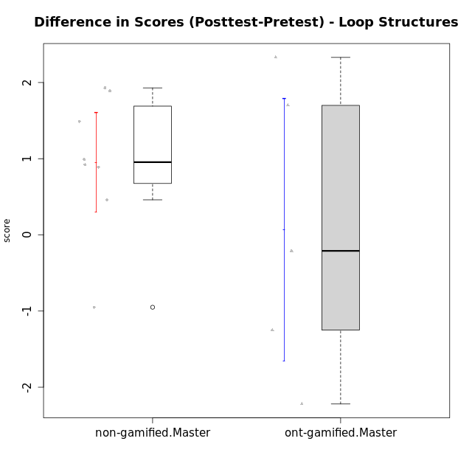

Student's t-Test data
UserID | NroUSP | Type | CLGroup | CLRole | PlayerRole | Re1 | Un3 | Ap2a | Ap2b | An3a | An3b | Ev2 | score.pre | ReA | UnC | ApB1 | ApB2 | AnC1 | AnC2 | EvB | score.pos | difScore
10172 | 10273971 | ont-gamified | Grupo Koil | Master | Yee Achiever | 0.29 | 2 | 1 | 0.5 | 0.75 | 2 | 1.13 | 7.67 | 0.5 | 2 | 1 | 1.5 | 1.5 | 2 | 1.5 | 10 | 2.33
10175 | 10310700 | non-gamified | Grupo Team 6 | Master |  | 0.42 | 2 | 1 | 1.5 | 1.5 | 0.6 | 0.94 | 7.95 | 0.5 | 2 | 1 | 1.5 | 1.5 | 2 | 0.94 | 9.44 | 1.49
10184 | 10276675 | non-gamified | Grupo Team 7 | Master |  | 0.29 | 2 | 1 | 0.75 | 0.75 | 2 | 0.56 | 7.35 | 0.5 | 2 | 1 | 1.5 | 1.5 | 0.27 | 1.5 | 8.27 | 0.92
10185 | 10276960 | ont-gamified | Grupo Tosskor | Master | Yee Achiever | 0.42 | 2 | 1 | 1.5 | 1.5 | 0.6 | 0.94 | 7.95 | 0.15 | 2 | 1 | 1.5 | 1.5 | 2 | 1.5 | 9.65 | 1.7
10188 | 10276995 | ont-gamified | Grupo Paldira | Master | Yee Achiever | 0.42 | 2 | 1 | 1.5 | 1.5 | 2 | 1.5 | 9.92 | 0.33 | 2 | 1 | 1.5 | 0.7 | 0.67 | 1.5 | 7.7 | -2.22
10197 | 10276661 | non-gamified | Grupo Team 11 | Master |  | 0.33 | 2 | 1 | 0.75 | 1.13 | 0 | 0.94 | 6.15 | 0.45 | 2 | 1 | 0.75 | 1 | 1.33 | 1.5 | 8.04 | 1.89
10201 | 10276928 | non-gamified | Grupo Team 10 | Master |  | 0.33 | 2 | 1 | 0.5 | 0.38 | 2 | 0.56 | 6.77 | 0.5 | 2 | 1 | 1.5 | 0.2 | 2 | 1.5 | 8.7 | 1.93
10204 | 10310471 | non-gamified | Grupo Team 5 | Master |  | 0.29 | 2 | 1 | 0.5 | 1.5 | 2 | 0.75 | 8.04 | 0.5 | 2 | 1 | 1.5 | 1.5 | 0.93 | 1.5 | 8.93 | 0.89
10206 | 10310721 | non-gamified | Grupo Team 9 | Master |  | 0.42 | 1.28 | 1 | 0.5 | 1.13 | 2 | 1.5 | 7.82 | 0.37 | 2 | 1 | 0.5 | 1.5 | 0 | 1.5 | 6.87 | -0.95
10208 | 10276932 | ont-gamified | Grupo Yeka | Master | Yee Socializer | 0.42 | 2 | 1 | 1.5 | 1.13 | 2 | 1.5 | 9.54 | 0.5 | 2 | 1 | 1.5 | 1.5 | 1.33 | 1.5 | 9.33 | -0.21
10213 | 10277040 | non-gamified | Grupo Team 8 | Master |  | 0.38 | 1.78 | 1 | 0.5 | 1 | 2 | 0.94 | 7.59 | 0.42 | 2 | 1 | 1.5 | 1.5 | 0.67 | 1.5 | 8.58 | 0.99
10217 | 9805341 | ont-gamified | Grupo Belos | Master | Yee Socializer | 0.42 | 2 | 1 | 1.5 | 1.5 | 2 | 1.5 | 9.92 | 0.5 | 2 | 1 | 1.5 | 1.5 | 0.67 | 1.5 | 8.67 | -1.25
10231 | 10276911 | non-gamified | Grupo Team 4 | Master |  | 0.33 | 2 | 1 | 1.5 | 1.13 | 2 | 1.5 | 9.46 | 0.42 | 2 | 1 | 1.5 | 1.5 | 2 | 1.5 | 9.92 | 0.46

Type_CLRole_6
Student's t-Test for Difference in Scores (Posttest-Pretest) - Loop Structures in Type:CLRole between ont-gamified.Apprentice:ont-gamified.Master

Student's t-Test results
Alternative hypothesis: less
Group | N | Mean | Mean.Difference | Std.deviation | Std.error | CI.lower | CI.upper | df | t.value | p.value | g | magnitude
ont-gamified.Apprentice | 12 | 2.1175 | 2.0475 | 1.4938365798 | 0.43123347575 | 1.2550330485 | 2.9799669515 | 6.1180834807 | 2.1260956523 | 0.96162978282 | 1.1994645401 | large
ont-gamified.Master | 5 | 0.07 | -2.0475 | 1.9254479998 | 0.86108652295 | -1.6521730459 | 1.7921730459 | 6.1180834807 | 2.1260956523 | 0.96162978282 | 1.1994645401 | large
Alternative hypothesis: greater
Group | N | Mean | Mean.Difference | Std.deviation | Std.error | CI.lower | CI.upper | df | t.value | p.value | g | magnitude
ont-gamified.Apprentice | 12 | 2.1175 | 2.0475 | 1.4938365798 | 0.43123347575 | 1.2550330485 | 2.9799669515 | 6.1180834807 | 2.1260956523 | 0.038370217183 | 1.1994645401 | large
ont-gamified.Master | 5 | 0.07 | -2.0475 | 1.9254479998 | 0.86108652295 | -1.6521730459 | 1.7921730459 | 6.1180834807 | 2.1260956523 | 0.038370217183 | 1.1994645401 | large
Alternative hypothesis: two.sided
Group | N | Mean | Mean.Difference | Std.deviation | Std.error | CI.lower | CI.upper | df | t.value | p.value | g | magnitude
ont-gamified.Apprentice | 12 | 2.1175 | 2.0475 | 1.4938365798 | 0.43123347575 | 1.2550330485 | 2.9799669515 | 6.1180834807 | 2.1260956523 | 0.076740434366 | 1.1994645401 | large
ont-gamified.Master | 5 | 0.07 | -2.0475 | 1.9254479998 | 0.86108652295 | -1.6521730459 | 1.7921730459 | 6.1180834807 | 2.1260956523 | 0.076740434366 | 1.1994645401 | large

Box plots for Student's t-Test
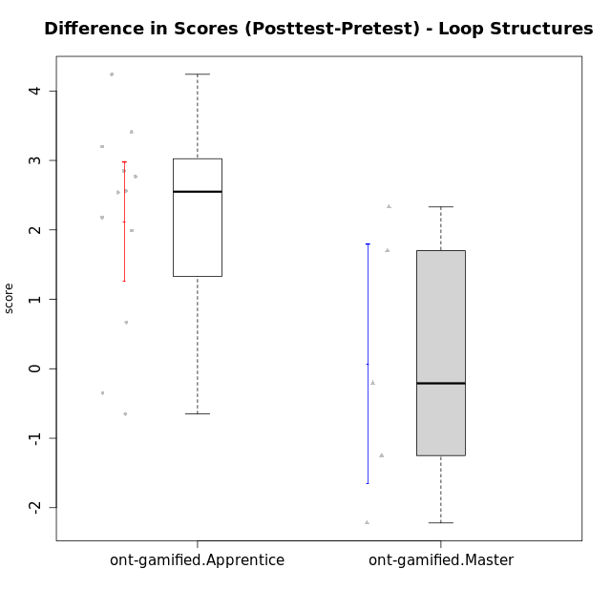

Student's t-Test data
UserID | NroUSP | Type | CLGroup | CLRole | PlayerRole | Re1 | Un3 | Ap2a | Ap2b | An3a | An3b | Ev2 | score.pre | ReA | UnC | ApB1 | ApB2 | AnC1 | AnC2 | EvB | score.pos | difScore
10172 | 10273971 | ont-gamified | Grupo Koil | Master | Yee Achiever | 0.29 | 2 | 1 | 0.5 | 0.75 | 2 | 1.13 | 7.67 | 0.5 | 2 | 1 | 1.5 | 1.5 | 2 | 1.5 | 10 | 2.33
10179 | 10310759 | ont-gamified | Grupo Tosskor | Apprentice | Yee Achiever | 0.29 | 2 | 1 | 0 | 0.75 | 0.6 | 0.94 | 5.58 | 0.5 | 2 | 1 | 1.5 | 1 | 0.93 | 1.5 | 8.43 | 2.85
10185 | 10276960 | ont-gamified | Grupo Tosskor | Master | Yee Achiever | 0.42 | 2 | 1 | 1.5 | 1.5 | 0.6 | 0.94 | 7.95 | 0.15 | 2 | 1 | 1.5 | 1.5 | 2 | 1.5 | 9.65 | 1.7
10187 | 9790781 | ont-gamified | Grupo Razorg | Apprentice | Yee Achiever | 0.46 | 2 | 1 | 0 | 1.13 | 0.6 | 0.94 | 6.12 | 0.33 | 2 | 1 | 0.5 | 1 | 0.93 | 0 | 5.77 | -0.35
10188 | 10276995 | ont-gamified | Grupo Paldira | Master | Yee Achiever | 0.42 | 2 | 1 | 1.5 | 1.5 | 2 | 1.5 | 9.92 | 0.33 | 2 | 1 | 1.5 | 0.7 | 0.67 | 1.5 | 7.7 | -2.22
10192 | 10276682 | ont-gamified | Grupo Yeka | Apprentice | Yee Socializer | 0.29 | 1.78 | 0 | 0.5 | 0.75 | 0.6 | 0.94 | 4.86 | 0.42 | 2 | 1 | 0 | 1 | 0.93 | 1.5 | 6.85 | 1.99
10202 | 10277036 | ont-gamified | Grupo Paldira | Apprentice | Yee Achiever | 0.29 | 1.28 | 0 | 0 | 0 | 0 | 0.19 | 1.76 | 0.5 | 0.67 | 1 | 0.5 | 1.2 | 0.67 | 0 | 4.53 | 2.77
10203 | 9921470 | ont-gamified | Grupo Paldira | Apprentice | Yee Achiever | 0.21 | 0 | 1 | 0 | 0 | 0 | 0.19 | 1.4 | 0.37 | 0 | 0 | 0 | 0 | 0 | 0.38 | 0.75 | -0.65
10208 | 10276932 | ont-gamified | Grupo Yeka | Master | Yee Socializer | 0.42 | 2 | 1 | 1.5 | 1.13 | 2 | 1.5 | 9.54 | 0.5 | 2 | 1 | 1.5 | 1.5 | 1.33 | 1.5 | 9.33 | -0.21
10210 | 10277015 | ont-gamified | Grupo Losvakai | Apprentice | Yee Achiever | 0.25 | 0.56 | 1 | 0.5 | 0.38 | 0.6 | 0 | 3.28 | 0.5 | 2 | 1 | 0.75 | 1.5 | 0.27 | 1.5 | 7.52 | 4.24
10214 | 10277022 | ont-gamified | Grupo Koil | Apprentice | Yee Achiever | 0.21 | 2 | 1 | 0.5 | 1.13 | 1 | 1.5 | 7.33 | 0.33 | 2 | 1 | 1.5 | 1 | 0.67 | 1.5 | 8 | 0.67
10217 | 9805341 | ont-gamified | Grupo Belos | Master | Yee Socializer | 0.42 | 2 | 1 | 1.5 | 1.5 | 2 | 1.5 | 9.92 | 0.5 | 2 | 1 | 1.5 | 1.5 | 0.67 | 1.5 | 8.67 | -1.25
10219 | 10276831 | ont-gamified | Grupo Razorg | Apprentice | Yee Achiever | 0.33 | 0.56 | 1 | 0.5 | 0.38 | 0.6 | 0.94 | 4.3 | 0.5 | 0.67 | 1 | 1.5 | 1 | 1.33 | 1.5 | 7.5 | 3.2
10226 | 10310342 | ont-gamified | Grupo Yeka | Apprentice | Yee Socializer | 0.42 | 0.33 | 1 | 0 | 0.75 | 2 | 0.19 | 4.69 | 0.42 | 0 | 1 | 1.5 | 1.5 | 1.33 | 1.5 | 7.25 | 2.56
10230 | 10351992 | ont-gamified | Grupo Koil | Apprentice | Yee Achiever | 0.29 | 2 | 1 | 0.5 | 1.13 | 0.6 | 1.5 | 7.02 | 0.5 | 2 | 1 | 1.5 | 0.7 | 2 | 1.5 | 9.2 | 2.18
10237 | 10377688 | ont-gamified | Grupo Ellaru | Apprentice | Yee Socializer | 0.38 | 0.5 | 1 | 1.5 | 1.5 | 1 | 1.5 | 7.38 | 0.42 | 2 | 1 | 1.5 | 1.5 | 2 | 1.5 | 9.92 | 2.54
10238 | 10276953 | ont-gamified | Grupo Belos | Apprentice | Yee Socializer | 0.33 | 0.78 | 0 | 1.5 | 0.63 | 0.6 | 0 | 3.84 | 0.37 | 2 | 1 | 0.5 | 1 | 2 | 0.38 | 7.25 | 3.41

