Assumptions
ANOVA assumptions for Difference in Scores (Posttest-Pretest) - Loop Structures

Shapiro-Wilk normality test for Difference in Scores (Posttest-Pretest) - Loop Structures
W | p.value
0.9898729626 | 0.95015619223

Plots for normality test
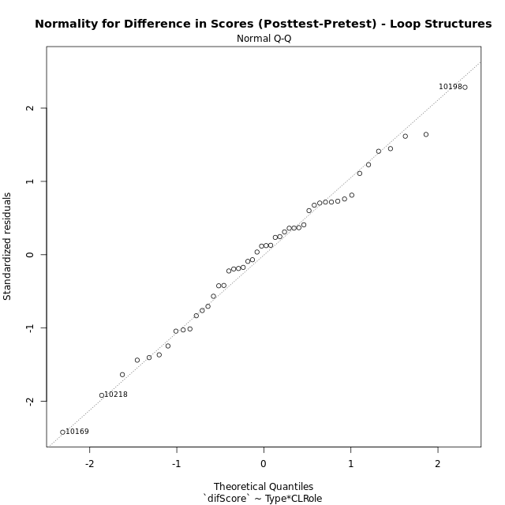

Levene's Test for Homogeneity of Variance in Difference in Scores (Posttest-Pretest) - Loop Structures
Df | F value | Pr(>F)
3 | 2.2993426907 | 0.090487521746
44

Plots for homogeneity of variance
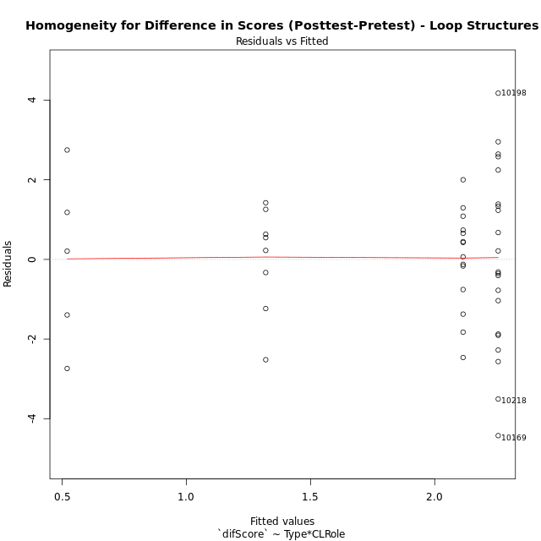

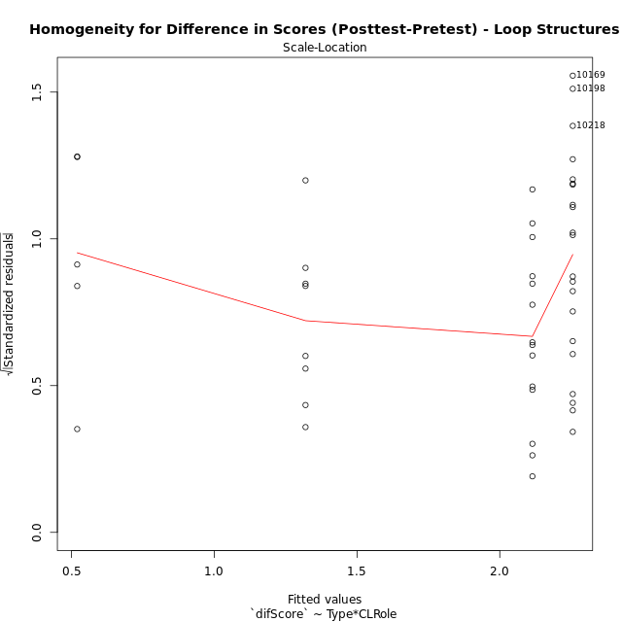

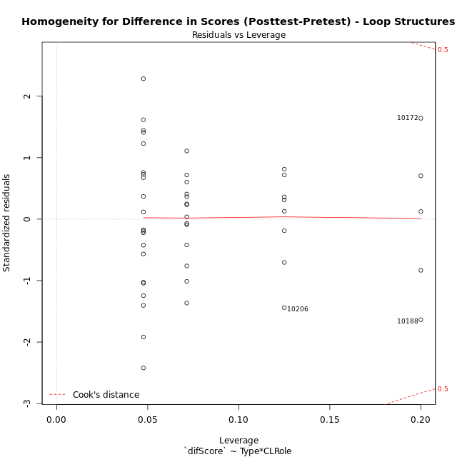

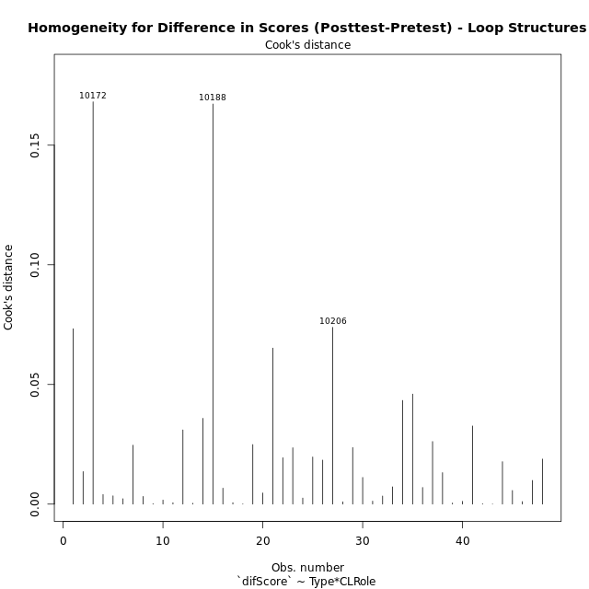

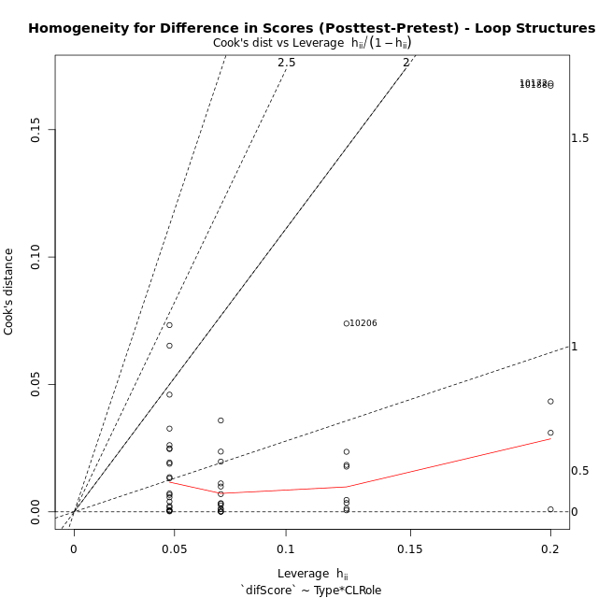

Minimum Sample Size Test for Difference in Scores (Posttest-Pretest) - Loop Structures
Type | CLRole | Freq
non-gamified | Apprentice | 21
ont-gamified | Apprentice | 14
non-gamified | Master | 8
ont-gamified | Master | 5

Errors and Warnings in Sample Size Test for ANOVA in Difference in Scores (Posttest-Pretest) - Loop Structures
code | description
WARN: sample.size | current size is 14 and recommended size is 15 for the group: 'ont-gamified:Apprentice'.
WARN: sample.size | current size is 8 and recommended size is 15 for the group: 'non-gamified:Master'.
WARN: sample.size | current size is 5 and recommended size is 15 for the group: 'ont-gamified:Master'.

For the group: 'non-gamified:Apprentice', you can perform a parametric test without having a normal distribution For the group: 'ont-gamified:Apprentice', we recommend the use of non-parametric test. For the group: 'non-gamified:Master', we recommend the use of non-parametric test. For the group: 'ont-gamified:Master', we recommend the use of non-parametric test.

If you don't want to remove non-normal data, you must cite the following references: ... (1) Lix, L.M., J.C. Keselman, and H.J. Keselman. 1996. Consequences of assumption violations revisited: A quantitative review of alternatives to the one-way analysis of variance F test. Rev. Educ. Res. 66: 579-619. ... (2) Harwell, M.R., E.N. Rubinstein, W.S. Hayes, and C.C. Olds. 1992. Summarizing Monte Carlo results in methodological research: the one- and two-factor fixed effects ANOVA cases. J. Educ. Stat. 17: 315-339.

Post-hoc
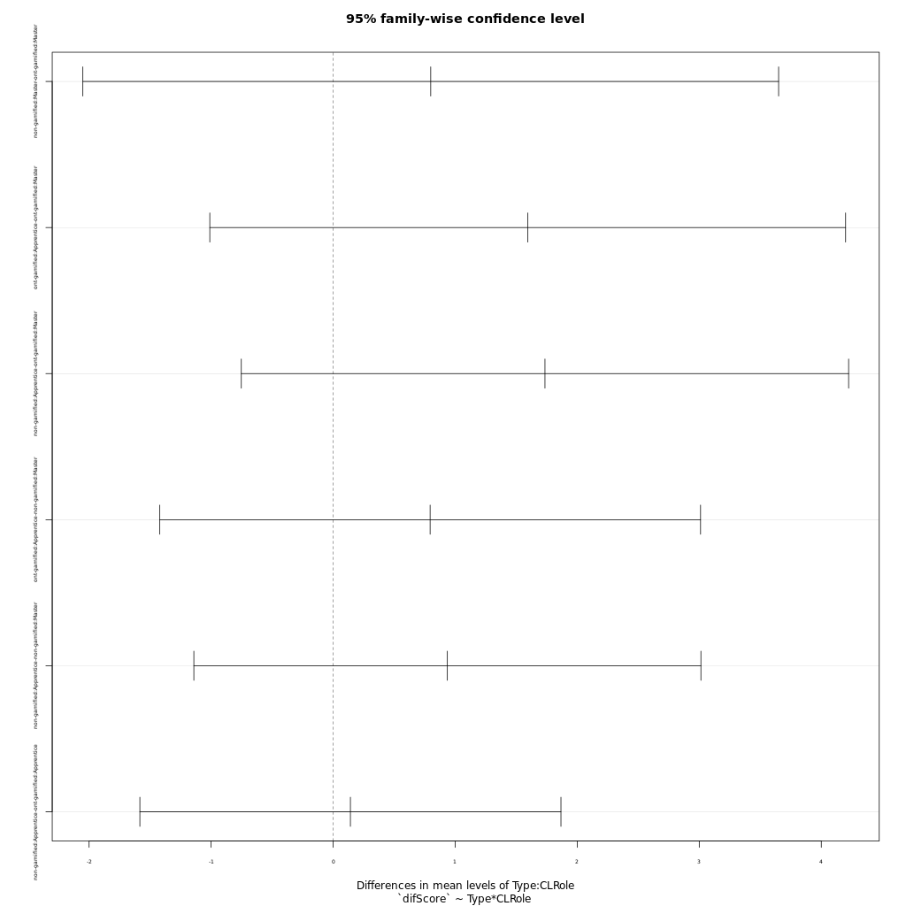
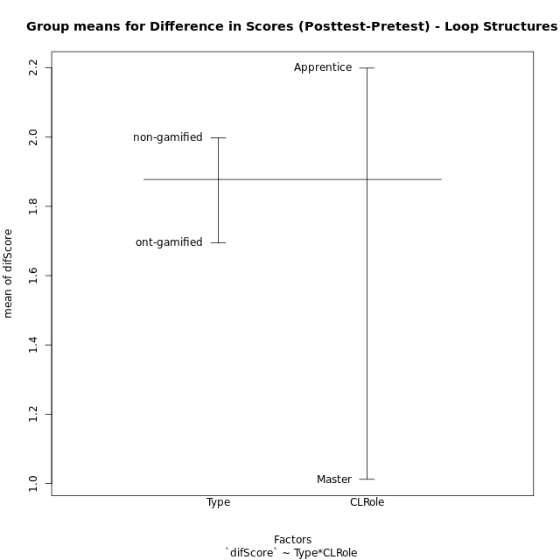
Post-hoc Tukey Honestly Significant Difference (HSD) Test for Difference in Scores (Posttest-Pretest) - Loop Structures

Comparisons of means for Type
 | diff | lwr | upr | p adj
non-gamified-ont-gamified | 0.30276315789 | -0.81125967436 | 1.4167859902 | 0.58664817169

Comparisons of means for CLRole
 | diff | lwr | upr | p adj
Apprentice-Master | 1.1916853673 | -0.034240455392 | 2.4176111899 | 0.05645938238

Comparisons of means for Type:CLRole
 | diff | lwr | upr | p adj
non-gamified:Master-ont-gamified:Master | 0.7996875 | -2.050995124 | 3.650370124 | 0.87659638246
ont-gamified:Apprentice-ont-gamified:Master | 1.5942857143 | -1.0108776881 | 4.1994491166 | 0.37061565626
non-gamified:Apprentice-ont-gamified:Master | 1.7357142857 | -0.75256550604 | 4.2239940775 | 0.25887575636
ont-gamified:Apprentice-non-gamified:Master | 0.79459821429 | -1.421604677 | 3.0108011056 | 0.77410256069
non-gamified:Apprentice-non-gamified:Master | 0.93602678571 | -1.1415235084 | 3.0135770798 | 0.62827242744
non-gamified:Apprentice-ont-gamified:Apprentice | 0.14142857143 | -1.5838830395 | 1.8667401824 | 0.99624308935

Contrast Matrices for Difference in Scores (Posttest-Pretest) - Loop Structures - Type
contrast | estimate | SE | df | t.ratio | p.value
non-gamified - ont-gamified | 0.47055803571 | 0.62399309376 | 44 | 0.75410776244 | 0.45480152499

Contrast Matrices for Difference in Scores (Posttest-Pretest) - Loop Structures - Type:CLRole
contrast | CLRole | estimate | SE | df | t.ratio | p.value
non-gamified - ont-gamified | Apprentice | 0.14142857143 | 0.64618275377 | 44 | 0.21886775932 | 0.82776514281
non-gamified - ont-gamified | Master | 0.7996875 | 1.0676691309 | 44 | 0.7490031105 | 0.45784098835

Least Squares Means and Confidence Intervals for Type
Type | lsmean | SE | df | lower.CL | upper.CL | Pairs
non-gamified | 1.7877008929 | 0.38905353724 | 44 | 1.0036150092 | 2.5717867765 | non-gamified
ont-gamified | 1.3171428571 | 0.48785728059 | 44 | 0.33393111288 | 2.3003546014 | ont-gamified

Least Squares Means and Confidence Intervals for Type:CLRole
Type | CLRole | lsmean | SE | df | lower.CL | upper.CL | Pairs
non-gamified | Apprentice | 2.2557142857 | 0.40868185733 | 44 | 1.4320701222 | 3.0793584492 | non-gamified.Apprentice
ont-gamified | Apprentice | 2.1142857143 | 0.5005310088 | 44 | 1.1055317492 | 3.1230396794 | ont-gamified.Apprentice
non-gamified | Master | 1.3196875 | 0.66214028637 | 44 | -0.014768562892 | 2.6541435629 | non-gamified.Master
ont-gamified | Master | 0.52 | 0.8375485742 | 44 | -1.1679682385 | 2.2079682385 | ont-gamified.Master

Plots

Type_1
Student's t-Test for Difference in Scores (Posttest-Pretest) - Loop Structures in Type between non-gamified:ont-gamified

Student's t-Test results
Alternative hypothesis: less
Group | N | Mean | Mean.Difference | Std.deviation | Std.error | CI.lower | CI.upper | df | t.value | p.value | g | magnitude
non-gamified | 29 | 1.9975 | 0.30276315789 | 2.0773902971 | 0.38576169374 | 1.2259766125 | 2.7690233875 | 44.36434798 | 0.56322445049 | 0.71194110724 | 0.15547455436 | negligible
ont-gamified | 19 | 1.6947368421 | -0.30276315789 | 1.6318326215 | 0.37436807842 | 0.94600068526 | 2.4434729989 | 44.36434798 | 0.56322445049 | 0.71194110724 | 0.15547455436 | negligible
Alternative hypothesis: greater
Group | N | Mean | Mean.Difference | Std.deviation | Std.error | CI.lower | CI.upper | df | t.value | p.value | g | magnitude
non-gamified | 29 | 1.9975 | 0.30276315789 | 2.0773902971 | 0.38576169374 | 1.2259766125 | 2.7690233875 | 44.36434798 | 0.56322445049 | 0.28805889276 | 0.15547455436 | negligible
ont-gamified | 19 | 1.6947368421 | -0.30276315789 | 1.6318326215 | 0.37436807842 | 0.94600068526 | 2.4434729989 | 44.36434798 | 0.56322445049 | 0.28805889276 | 0.15547455436 | negligible
Alternative hypothesis: two.sided
Group | N | Mean | Mean.Difference | Std.deviation | Std.error | CI.lower | CI.upper | df | t.value | p.value | g | magnitude
non-gamified | 29 | 1.9975 | 0.30276315789 | 2.0773902971 | 0.38576169374 | 1.2259766125 | 2.7690233875 | 44.36434798 | 0.56322445049 | 0.57611778552 | 0.15547455436 | negligible
ont-gamified | 19 | 1.6947368421 | -0.30276315789 | 1.6318326215 | 0.37436807842 | 0.94600068526 | 2.4434729989 | 44.36434798 | 0.56322445049 | 0.57611778552 | 0.15547455436 | negligible

Box plots for Student's t-Test
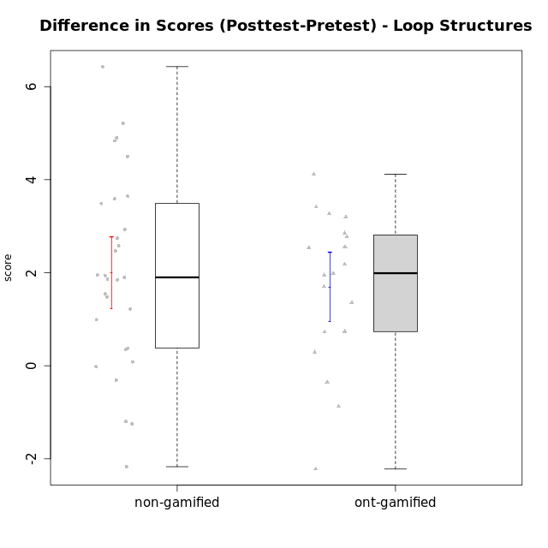

Student's t-Test data
UserID | NroUSP | Type | CLGroup | CLRole | PlayerRole | Re1 | Un3 | Ap2a | Ap2b | An3a | An3b | Ev2 | score.pre | ReA | UnC | ApB1 | ApB2 | AnC1 | AnC2 | EvB | score.pos | P2 | P3 | PC | PD | PE | difScore
10169 | 10377538 | non-gamified | Grupo Team 10 | Apprentice |  | 0.5 | 2 | 1 | 1.5 | 0.38 | 0 | 1.13 | 6.5 | 0.42 | 1 | 0 | 0.75 | 0 | 0.67 | 1.5 | 4.33 | 0 | 0 | 0 | 0 | 0 | -2.17
10170 | 10260351 | non-gamified | Grupo Team 6 | Apprentice |  | 0.21 | 0.56 | 1 | 1.5 | 0.38 | 0.6 | 0.94 | 5.18 | 0.5 | 2 | 0 | 0 | 0.2 | 1.33 | 1.5 | 5.53 | 0 | 0 | 0 | 0 | 0 | 0.35
10172 | 10273971 | ont-gamified | Grupo Koil | Master | Yee Achiever | 0.29 | 2 | 1 | 0.5 | 0.75 | 2 | 1.13 | 8.9825 | 0.5 | 2 | 1 | 1.5 | 1.5 | 2 | 1.5 | 12.25 | 1 | 0.3125 | 1 | 1.25 | 0 | 3.2675
10174 | 10276852 | non-gamified | Grupo Team 1 | Apprentice |  | 0.21 | 0 | 0 | 1.25 | 0 | 0 | 0 | 1.46 | 0.42 | 0 | 1 | 0 | 1 | 0.27 | 0 | 2.68 | 0 | 0 | 0 | 0 | 0 | 1.22
10175 | 10310700 | non-gamified | Grupo Team 6 | Master |  | 0.42 | 2 | 1 | 1.5 | 1.5 | 0.6 | 0.94 | 9.3875 | 0.5 | 2 | 1 | 1.5 | 1.5 | 2 | 0.94 | 11.2525 | 0.5 | 0.9375 | 0.5 | 0.9375 | 0.375 | 1.865
10176 | 10276949 | non-gamified | Grupo Team 9 | Apprentice |  | 0.38 | 2 | 1 | 0.5 | 0.75 | 0.6 | 0.38 | 5.6 | 0.33 | 2 | 1 | 0.5 | 0.5 | 2 | 0.75 | 7.08 | 0 | 0 | 0 | 0 | 0 | 1.48
10178 | 8656201 | non-gamified | Grupo Team 11 | Apprentice |  | 0.46 | 2 | 1 | 0 | 1.13 | 0.6 | 0.94 | 6.12 | 0.5 | 2 | 1 | 0 | 1 | 0.93 | 0.38 | 5.81 | 0 | 0 | 0 | 0 | 0 | -0.31
10179 | 10310759 | ont-gamified | Grupo Tosskor | Apprentice | Yee Achiever | 0.29 | 2 | 1 | 0 | 0.75 | 0.6 | 0.94 | 5.58 | 0.5 | 2 | 1 | 1.5 | 1 | 0.93 | 1.5 | 8.43 | 0 | 0 | 0 | 0 | 0 | 2.85
10181 | 10276866 | non-gamified | Grupo Team 7 | Apprentice |  | 0.21 | 1.06 | 1 | 0 | 0.75 | 2 | 0 | 5.01 | 0.15 | 2 | 1 | 1.5 | 0.4 | 0.93 | 1.5 | 7.48 | 0 | 0 | 0 | 0 | 0 | 2.47
10183 | 10352030 | non-gamified | Grupo Belos | Apprentice | Yee Socializer | 0.42 | 0.28 | 1 | 0 | 0 | 0 | 0 | 1.69 | 0.42 | 2 | 1 | 0.5 | 0.7 | 0 | 0 | 4.62 | 0 | 0 | 0 | 0 | 0 | 2.93
10184 | 10276675 | non-gamified | Grupo Team 7 | Master |  | 0.29 | 2 | 1 | 0.75 | 0.75 | 2 | 0.56 | 8.7875 | 0.5 | 2 | 1 | 1.5 | 1.5 | 0.27 | 1.5 | 10.3325 | 0.5 | 0.9375 | 1 | 0.3125 | 0.75 | 1.545
10185 | 10276960 | ont-gamified | Grupo Tosskor | Master | Yee Achiever | 0.42 | 2 | 1 | 1.5 | 1.5 | 0.6 | 0.94 | 7.95 | 0.15 | 2 | 1 | 1.5 | 1.5 | 2 | 1.5 | 9.65 | 0 | 0 | 0 | 0 | 0 | 1.7
10186 | 10310551 | non-gamified | Grupo Team 5 | Apprentice |  | 0.21 | 1.28 | 1 | 0 | 0.75 | 1 | 0 | 4.24 | 0.42 | 2 | 1 | 0 | 1 | 0.27 | 1.5 | 6.18 | 0 | 0 | 0 | 0 | 0 | 1.94
10187 | 9790781 | ont-gamified | Grupo Razorg | Apprentice | Yee Achiever | 0.46 | 2 | 1 | 0 | 1.13 | 0.6 | 0.94 | 6.12 | 0.33 | 2 | 1 | 0.5 | 1 | 0.93 | 0 | 5.77 | 0 | 0 | 0 | 0 | 0 | -0.35
10188 | 10276995 | ont-gamified | Grupo Paldira | Master | Yee Achiever | 0.42 | 2 | 1 | 1.5 | 1.5 | 2 | 1.5 | 9.92 | 0.33 | 2 | 1 | 1.5 | 0.7 | 0.67 | 1.5 | 7.7 | 0 | 0 | 0 | 0 | 0 | -2.22
10189 | 9363926 | non-gamified | Grupo Team 2 | Apprentice |  | 0.33 | 0.28 | 0 | 0.75 | 0 | 0.6 | 0.38 | 2.34 | 0.33 | 2 | 1 | 0.5 | 0.5 | 0.67 | 0.94 | 5.93 | 0 | 0 | 0 | 0 | 0 | 3.59
10190 | 10276907 | non-gamified | Grupo Team 8 | Apprentice |  | 0.21 | 1.5 | 1 | 0.5 | 1.5 | 0 | 0.56 | 5.27 | 0.42 | 0.67 | 1 | 1.5 | 0.7 | 1.33 | 1.5 | 7.12 | 0 | 0 | 0 | 0 | 0 | 1.85
10192 | 10276682 | ont-gamified | Grupo Yeka | Apprentice | Yee Socializer | 0.29 | 1.78 | 0 | 0.5 | 0.75 | 0.6 | 0.94 | 5.36 | 0.42 | 2 | 1 | 0 | 1 | 0.93 | 1.5 | 7.35 | 0.5 | 0 | 0.5 | 0 | 0 | 1.99
10196 | 10310655 | non-gamified | Grupo Team 5 | Apprentice |  | 0.33 | 0.78 | 1 | 0.5 | 0.75 | 0 | 0.38 | 4.9275 | 0.37 | 2 | 1 | 1.5 | 1 | 1.33 | 1.5 | 9.7625 | 0.25 | 0.9375 | 0.75 | 0.3125 | 0 | 4.835
10197 | 10276661 | non-gamified | Grupo Team 11 | Master |  | 0.33 | 2 | 1 | 0.75 | 1.13 | 0 | 0.94 | 6.65 | 0.45 | 2 | 1 | 0.75 | 1 | 1.33 | 1.5 | 8.6025 | 0.5 | 0 | 0.25 | 0.3125 | 0 | 1.9525
10198 | 10310888 | non-gamified | Grupo Team 1 | Apprentice |  | 0.13 | 0 | 1 | 0 | 0 | 0 | 0.38 | 2.0625 | 0.5 | 2 | 1 | 1.5 | 0.5 | 0.93 | 1.5 | 8.4925 | 0.25 | 0.3125 | 0.25 | 0.3125 | 0 | 6.43
10200 | 9795272 | non-gamified | Grupo Team 4 | Apprentice |  | 0.21 | 0.56 | 1 | 0 | 0.38 | 0.6 | 0 | 3.3025 | 0.42 | 0.67 | 0 | 0.5 | 0.2 | 0 | 0.94 | 3.2825 | 0.25 | 0.3125 | 0.25 | 0.3125 | 0 | -0.02
10201 | 10276928 | non-gamified | Grupo Team 10 | Master |  | 0.33 | 2 | 1 | 0.5 | 0.38 | 2 | 0.56 | 7.3325 | 0.5 | 2 | 1 | 1.5 | 0.2 | 2 | 1.5 | 10.075 | 0.25 | 0.3125 | 0.75 | 0.625 | 0 | 2.7425
10202 | 10277036 | ont-gamified | Grupo Paldira | Apprentice | Yee Achiever | 0.29 | 1.28 | 0 | 0 | 0 | 0 | 0.19 | 2.01 | 0.5 | 0.67 | 1 | 0.5 | 1.2 | 0.67 | 0 | 4.78 | 0.25 | 0 | 0.25 | 0 | 0 | 2.77
10203 | 9921470 | ont-gamified | Grupo Paldira | Apprentice | Yee Achiever | 0.21 | 0 | 1 | 0 | 0 | 0 | 0.19 | 1.65 | 0.37 | 0 | 0 | 0 | 0 | 0 | 0.38 | 1.9375 | 0.25 | 0 | 0.25 | 0.9375 | 0 | 0.2875
10204 | 10310471 | non-gamified | Grupo Team 5 | Master |  | 0.29 | 2 | 1 | 0.5 | 1.5 | 2 | 0.75 | 8.29 | 0.5 | 2 | 1 | 1.5 | 1.5 | 0.93 | 1.5 | 10.8675 | 0.25 | 0 | 0.25 | 0.9375 | 0.75 | 2.5775
10206 | 10310721 | non-gamified | Grupo Team 9 | Master |  | 0.42 | 1.28 | 1 | 0.5 | 1.13 | 2 | 1.5 | 9.82 | 0.37 | 2 | 1 | 0.5 | 1.5 | 0 | 1.5 | 8.62 | 0.75 | 1.25 | 0.5 | 1.25 | 0 | -1.2
10208 | 10276932 | ont-gamified | Grupo Yeka | Master | Yee Socializer | 0.42 | 2 | 1 | 1.5 | 1.13 | 2 | 1.5 | 11.165 | 0.5 | 2 | 1 | 1.5 | 1.5 | 1.33 | 1.5 | 11.8925 | 1 | 0.625 | 0.5 | 0.9375 | 1.125 | 0.7275
10210 | 10277015 | ont-gamified | Grupo Losvakai | Apprentice | Yee Achiever | 0.25 | 0.56 | 1 | 0.5 | 0.38 | 0.6 | 0 | 4.4675 | 0.5 | 2 | 1 | 0.75 | 1.5 | 0.27 | 1.5 | 8.5825 | 0.25 | 0.9375 | 0.75 | 0.3125 | 0 | 4.115
10212 | 9065750 | ont-gamified | Grupo Ellaru | Apprentice | Yee Socializer | 0.33 | 2 | 1 | 0.5 | 0.75 | 0.6 | 1.5 | 6.68 | 0.33 | 1.67 | 1 | 0.75 | 1.5 | 0.67 | 1.5 | 7.42 | 0 | 0 | 0 | 0 | 0 | 0.74
10213 | 10277040 | non-gamified | Grupo Team 8 | Master |  | 0.38 | 1.78 | 1 | 0.5 | 1 | 2 | 0.94 | 7.59 | 0.42 | 2 | 1 | 1.5 | 1.5 | 0.67 | 1.5 | 8.58 | 0 | 0 | 0 | 0 | 0 | 0.99
10214 | 10277022 | ont-gamified | Grupo Koil | Apprentice | Yee Achiever | 0.21 | 2 | 1 | 0.5 | 1.13 | 1 | 1.5 | 7.8925 | 0.33 | 2 | 1 | 1.5 | 1 | 0.67 | 1.5 | 9.25 | 0.25 | 0.3125 | 0.25 | 0.625 | 0.375 | 1.3575
10215 | 9285227 | non-gamified | Grupo Team 7 | Apprentice |  | 0.25 | 1.28 | 1 | 0 | 0.75 | 1 | 0.38 | 6.9 | 0.42 | 2 | 1 | 1.5 | 1 | 2 | 1.5 | 10.545 | 1 | 1.25 | 0.5 | 0.625 | 0 | 3.645
10217 | 9805341 | ont-gamified | Grupo Belos | Master | Yee Socializer | 0.42 | 2 | 1 | 1.5 | 1.5 | 2 | 1.5 | 10.9825 | 0.5 | 2 | 1 | 1.5 | 1.5 | 0.67 | 1.5 | 10.1075 | 0.75 | 0.3125 | 0.75 | 0.3125 | 0.375 | -0.875
10218 | 9842913 | non-gamified | Grupo Team 10 | Apprentice |  | 0.33 | 1.5 | 1 | 0 | 1.5 | 1 | 1.13 | 6.46 | 0.5 | 2 | 1 | 0 | 0 | 1.33 | 0.38 | 5.21 | 0 | 0 | 0 | 0 | 0 | -1.25
10219 | 10276831 | ont-gamified | Grupo Razorg | Apprentice | Yee Achiever | 0.33 | 0.56 | 1 | 0.5 | 0.38 | 0.6 | 0.94 | 4.3 | 0.5 | 0.67 | 1 | 1.5 | 1 | 1.33 | 1.5 | 7.5 | 0 | 0 | 0 | 0 | 0 | 3.2
10220 | 9760151 | non-gamified | Grupo Team 4 | Apprentice |  | 0.42 | 0.5 | 1 | 0 | 0.75 | 0 | 1.13 | 3.79 | 0.42 | 2 | 1 | 1.5 | 1.5 | 1.33 | 0.94 | 8.69 | 0 | 0 | 0 | 0 | 0 | 4.9
10221 | 9082496 | non-gamified | Grupo Team 3 | Apprentice |  | 0.17 | 0.56 | 1 | 0 | 0 | 0 | 0.75 | 2.47 | 0.41 | 0.33 | 0 | 0 | 0.5 | 0.67 | 0.94 | 2.85 | 0 | 0 | 0 | 0 | 0 | 0.38
10224 | 9368772 | non-gamified | Grupo Team 9 | Apprentice |  | 0.38 | 2 | 1 | 0.5 | 1.13 | 0.6 | 0 | 6.35 | 0.11 | 2 | 1 | 1.5 | 0.2 | 0.93 | 1.5 | 8.25 | 0.75 | 0 | 1 | 0 | 0 | 1.9
10226 | 10310342 | ont-gamified | Grupo Yeka | Apprentice | Yee Socializer | 0.42 | 0.33 | 1 | 0 | 0.75 | 2 | 0.19 | 4.69 | 0.42 | 0 | 1 | 1.5 | 1.5 | 1.33 | 1.5 | 7.25 | 0 | 0 | 0 | 0 | 0 | 2.56
10227 | 9274382 | non-gamified | Grupo Team 2 | Apprentice |  | 0.21 | 0.56 | 0 | 0.5 | 0.63 | 0 | 0 | 1.89 | 0.33 | 1.33 | 1 | 0.5 | 1 | 2 | 0.94 | 7.1 | 0 | 0 | 0 | 0 | 0 | 5.21
10228 | 10310492 | ont-gamified | Grupo Losvakai | Apprentice | Yee Achiever | 0.25 | 1.28 | 0 | 1.5 | 0.38 | 1 | 0 | 4.4 | 0.41 | 2 | 1 | 1.5 | 0.5 | 0 | 0.94 | 6.35 | 0 | 0 | 0 | 0 | 0 | 1.95
10230 | 10351992 | ont-gamified | Grupo Koil | Apprentice | Yee Achiever | 0.29 | 2 | 1 | 0.5 | 1.13 | 0.6 | 1.5 | 7.02 | 0.5 | 2 | 1 | 1.5 | 0.7 | 2 | 1.5 | 9.2 | 0 | 0 | 0 | 0 | 0 | 2.18
10231 | 10276911 | non-gamified | Grupo Team 4 | Master |  | 0.33 | 2 | 1 | 1.5 | 1.13 | 2 | 1.5 | 11.085 | 0.42 | 2 | 1 | 1.5 | 1.5 | 2 | 1.5 | 11.17 | 1 | 0.625 | 0.25 | 0.625 | 0.375 | 0.085
10232 | 10276974 | non-gamified | Grupo Team 3 | Apprentice |  | 0.21 | 0 | 1 | 0.5 | 0.75 | 0.2 | 0.38 | 3.03 | 0.5 | 2 | 1 | 0.5 | 1.5 | 0.27 | 0.75 | 6.52 | 0 | 0 | 0 | 0 | 0 | 3.49
10237 | 10377688 | ont-gamified | Grupo Ellaru | Apprentice | Yee Socializer | 0.38 | 0.5 | 1 | 1.5 | 1.5 | 1 | 1.5 | 7.38 | 0.42 | 2 | 1 | 1.5 | 1.5 | 2 | 1.5 | 9.92 | 0 | 0 | 0 | 0 | 0 | 2.54
10238 | 10276953 | ont-gamified | Grupo Belos | Apprentice | Yee Socializer | 0.33 | 0.78 | 0 | 1.5 | 0.63 | 0.6 | 0 | 3.84 | 0.37 | 2 | 1 | 0.5 | 1 | 2 | 0.38 | 7.25 | 0 | 0 | 0 | 0 | 0 | 3.41
10240 | 10276654 | non-gamified | Grupo Team 8 | Apprentice |  | 0.21 | 2 | 1 | 0 | 0.38 | 0 | 0.94 | 5.02 | 0.5 | 2 | 1 | 0.5 | 1 | 0.27 | 1.5 | 9.52 | 0.5 | 0 | 0.75 | 1.25 | 0.75 | 4.5

Type_CLRole_1
Student's t-Test for Difference in Scores (Posttest-Pretest) - Loop Structures in Type:CLRole between non-gamified.Apprentice:non-gamified.Master

Student's t-Test results
Alternative hypothesis: less
Group | N | Mean | Mean.Difference | Std.deviation | Std.error | CI.lower | CI.upper | df | t.value | p.value | g | magnitude
non-gamified.Apprentice | 21 | 2.2557142857 | 0.93602678571 | 2.2740136794 | 0.4962304675 | 1.2632533507 | 3.2481752207 | 21.842699914 | 1.3703756659 | 0.90775482288 | 0.43938054484 | small
non-gamified.Master | 8 | 1.3196875 | -0.93602678571 | 1.3275672148 | 0.46936589003 | 0.38095571993 | 2.2584192801 | 21.842699914 | 1.3703756659 | 0.90775482288 | 0.43938054484 | small
Alternative hypothesis: greater
Group | N | Mean | Mean.Difference | Std.deviation | Std.error | CI.lower | CI.upper | df | t.value | p.value | g | magnitude
non-gamified.Apprentice | 21 | 2.2557142857 | 0.93602678571 | 2.2740136794 | 0.4962304675 | 1.2632533507 | 3.2481752207 | 21.842699914 | 1.3703756659 | 0.09224517712 | 0.43938054484 | small
non-gamified.Master | 8 | 1.3196875 | -0.93602678571 | 1.3275672148 | 0.46936589003 | 0.38095571993 | 2.2584192801 | 21.842699914 | 1.3703756659 | 0.09224517712 | 0.43938054484 | small
Alternative hypothesis: two.sided
Group | N | Mean | Mean.Difference | Std.deviation | Std.error | CI.lower | CI.upper | df | t.value | p.value | g | magnitude
non-gamified.Apprentice | 21 | 2.2557142857 | 0.93602678571 | 2.2740136794 | 0.4962304675 | 1.2632533507 | 3.2481752207 | 21.842699914 | 1.3703756659 | 0.18449035424 | 0.43938054484 | small
non-gamified.Master | 8 | 1.3196875 | -0.93602678571 | 1.3275672148 | 0.46936589003 | 0.38095571993 | 2.2584192801 | 21.842699914 | 1.3703756659 | 0.18449035424 | 0.43938054484 | small

Box plots for Student's t-Test
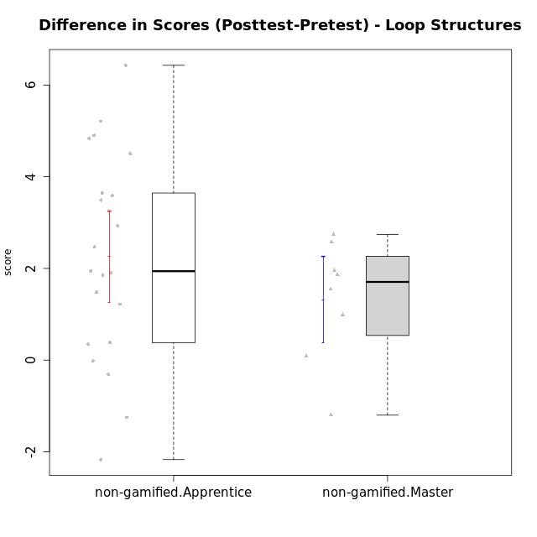

Student's t-Test data
UserID | NroUSP | Type | CLGroup | CLRole | PlayerRole | Re1 | Un3 | Ap2a | Ap2b | An3a | An3b | Ev2 | score.pre | ReA | UnC | ApB1 | ApB2 | AnC1 | AnC2 | EvB | score.pos | P2 | P3 | PC | PD | PE | difScore
10169 | 10377538 | non-gamified | Grupo Team 10 | Apprentice |  | 0.5 | 2 | 1 | 1.5 | 0.38 | 0 | 1.13 | 6.5 | 0.42 | 1 | 0 | 0.75 | 0 | 0.67 | 1.5 | 4.33 | 0 | 0 | 0 | 0 | 0 | -2.17
10170 | 10260351 | non-gamified | Grupo Team 6 | Apprentice |  | 0.21 | 0.56 | 1 | 1.5 | 0.38 | 0.6 | 0.94 | 5.18 | 0.5 | 2 | 0 | 0 | 0.2 | 1.33 | 1.5 | 5.53 | 0 | 0 | 0 | 0 | 0 | 0.35
10174 | 10276852 | non-gamified | Grupo Team 1 | Apprentice |  | 0.21 | 0 | 0 | 1.25 | 0 | 0 | 0 | 1.46 | 0.42 | 0 | 1 | 0 | 1 | 0.27 | 0 | 2.68 | 0 | 0 | 0 | 0 | 0 | 1.22
10175 | 10310700 | non-gamified | Grupo Team 6 | Master |  | 0.42 | 2 | 1 | 1.5 | 1.5 | 0.6 | 0.94 | 9.3875 | 0.5 | 2 | 1 | 1.5 | 1.5 | 2 | 0.94 | 11.2525 | 0.5 | 0.9375 | 0.5 | 0.9375 | 0.375 | 1.865
10176 | 10276949 | non-gamified | Grupo Team 9 | Apprentice |  | 0.38 | 2 | 1 | 0.5 | 0.75 | 0.6 | 0.38 | 5.6 | 0.33 | 2 | 1 | 0.5 | 0.5 | 2 | 0.75 | 7.08 | 0 | 0 | 0 | 0 | 0 | 1.48
10178 | 8656201 | non-gamified | Grupo Team 11 | Apprentice |  | 0.46 | 2 | 1 | 0 | 1.13 | 0.6 | 0.94 | 6.12 | 0.5 | 2 | 1 | 0 | 1 | 0.93 | 0.38 | 5.81 | 0 | 0 | 0 | 0 | 0 | -0.31
10181 | 10276866 | non-gamified | Grupo Team 7 | Apprentice |  | 0.21 | 1.06 | 1 | 0 | 0.75 | 2 | 0 | 5.01 | 0.15 | 2 | 1 | 1.5 | 0.4 | 0.93 | 1.5 | 7.48 | 0 | 0 | 0 | 0 | 0 | 2.47
10183 | 10352030 | non-gamified | Grupo Belos | Apprentice | Yee Socializer | 0.42 | 0.28 | 1 | 0 | 0 | 0 | 0 | 1.69 | 0.42 | 2 | 1 | 0.5 | 0.7 | 0 | 0 | 4.62 | 0 | 0 | 0 | 0 | 0 | 2.93
10184 | 10276675 | non-gamified | Grupo Team 7 | Master |  | 0.29 | 2 | 1 | 0.75 | 0.75 | 2 | 0.56 | 8.7875 | 0.5 | 2 | 1 | 1.5 | 1.5 | 0.27 | 1.5 | 10.3325 | 0.5 | 0.9375 | 1 | 0.3125 | 0.75 | 1.545
10186 | 10310551 | non-gamified | Grupo Team 5 | Apprentice |  | 0.21 | 1.28 | 1 | 0 | 0.75 | 1 | 0 | 4.24 | 0.42 | 2 | 1 | 0 | 1 | 0.27 | 1.5 | 6.18 | 0 | 0 | 0 | 0 | 0 | 1.94
10189 | 9363926 | non-gamified | Grupo Team 2 | Apprentice |  | 0.33 | 0.28 | 0 | 0.75 | 0 | 0.6 | 0.38 | 2.34 | 0.33 | 2 | 1 | 0.5 | 0.5 | 0.67 | 0.94 | 5.93 | 0 | 0 | 0 | 0 | 0 | 3.59
10190 | 10276907 | non-gamified | Grupo Team 8 | Apprentice |  | 0.21 | 1.5 | 1 | 0.5 | 1.5 | 0 | 0.56 | 5.27 | 0.42 | 0.67 | 1 | 1.5 | 0.7 | 1.33 | 1.5 | 7.12 | 0 | 0 | 0 | 0 | 0 | 1.85
10196 | 10310655 | non-gamified | Grupo Team 5 | Apprentice |  | 0.33 | 0.78 | 1 | 0.5 | 0.75 | 0 | 0.38 | 4.9275 | 0.37 | 2 | 1 | 1.5 | 1 | 1.33 | 1.5 | 9.7625 | 0.25 | 0.9375 | 0.75 | 0.3125 | 0 | 4.835
10197 | 10276661 | non-gamified | Grupo Team 11 | Master |  | 0.33 | 2 | 1 | 0.75 | 1.13 | 0 | 0.94 | 6.65 | 0.45 | 2 | 1 | 0.75 | 1 | 1.33 | 1.5 | 8.6025 | 0.5 | 0 | 0.25 | 0.3125 | 0 | 1.9525
10198 | 10310888 | non-gamified | Grupo Team 1 | Apprentice |  | 0.13 | 0 | 1 | 0 | 0 | 0 | 0.38 | 2.0625 | 0.5 | 2 | 1 | 1.5 | 0.5 | 0.93 | 1.5 | 8.4925 | 0.25 | 0.3125 | 0.25 | 0.3125 | 0 | 6.43
10200 | 9795272 | non-gamified | Grupo Team 4 | Apprentice |  | 0.21 | 0.56 | 1 | 0 | 0.38 | 0.6 | 0 | 3.3025 | 0.42 | 0.67 | 0 | 0.5 | 0.2 | 0 | 0.94 | 3.2825 | 0.25 | 0.3125 | 0.25 | 0.3125 | 0 | -0.02
10201 | 10276928 | non-gamified | Grupo Team 10 | Master |  | 0.33 | 2 | 1 | 0.5 | 0.38 | 2 | 0.56 | 7.3325 | 0.5 | 2 | 1 | 1.5 | 0.2 | 2 | 1.5 | 10.075 | 0.25 | 0.3125 | 0.75 | 0.625 | 0 | 2.7425
10204 | 10310471 | non-gamified | Grupo Team 5 | Master |  | 0.29 | 2 | 1 | 0.5 | 1.5 | 2 | 0.75 | 8.29 | 0.5 | 2 | 1 | 1.5 | 1.5 | 0.93 | 1.5 | 10.8675 | 0.25 | 0 | 0.25 | 0.9375 | 0.75 | 2.5775
10206 | 10310721 | non-gamified | Grupo Team 9 | Master |  | 0.42 | 1.28 | 1 | 0.5 | 1.13 | 2 | 1.5 | 9.82 | 0.37 | 2 | 1 | 0.5 | 1.5 | 0 | 1.5 | 8.62 | 0.75 | 1.25 | 0.5 | 1.25 | 0 | -1.2
10213 | 10277040 | non-gamified | Grupo Team 8 | Master |  | 0.38 | 1.78 | 1 | 0.5 | 1 | 2 | 0.94 | 7.59 | 0.42 | 2 | 1 | 1.5 | 1.5 | 0.67 | 1.5 | 8.58 | 0 | 0 | 0 | 0 | 0 | 0.99
10215 | 9285227 | non-gamified | Grupo Team 7 | Apprentice |  | 0.25 | 1.28 | 1 | 0 | 0.75 | 1 | 0.38 | 6.9 | 0.42 | 2 | 1 | 1.5 | 1 | 2 | 1.5 | 10.545 | 1 | 1.25 | 0.5 | 0.625 | 0 | 3.645
10218 | 9842913 | non-gamified | Grupo Team 10 | Apprentice |  | 0.33 | 1.5 | 1 | 0 | 1.5 | 1 | 1.13 | 6.46 | 0.5 | 2 | 1 | 0 | 0 | 1.33 | 0.38 | 5.21 | 0 | 0 | 0 | 0 | 0 | -1.25
10220 | 9760151 | non-gamified | Grupo Team 4 | Apprentice |  | 0.42 | 0.5 | 1 | 0 | 0.75 | 0 | 1.13 | 3.79 | 0.42 | 2 | 1 | 1.5 | 1.5 | 1.33 | 0.94 | 8.69 | 0 | 0 | 0 | 0 | 0 | 4.9
10221 | 9082496 | non-gamified | Grupo Team 3 | Apprentice |  | 0.17 | 0.56 | 1 | 0 | 0 | 0 | 0.75 | 2.47 | 0.41 | 0.33 | 0 | 0 | 0.5 | 0.67 | 0.94 | 2.85 | 0 | 0 | 0 | 0 | 0 | 0.38
10224 | 9368772 | non-gamified | Grupo Team 9 | Apprentice |  | 0.38 | 2 | 1 | 0.5 | 1.13 | 0.6 | 0 | 6.35 | 0.11 | 2 | 1 | 1.5 | 0.2 | 0.93 | 1.5 | 8.25 | 0.75 | 0 | 1 | 0 | 0 | 1.9
10227 | 9274382 | non-gamified | Grupo Team 2 | Apprentice |  | 0.21 | 0.56 | 0 | 0.5 | 0.63 | 0 | 0 | 1.89 | 0.33 | 1.33 | 1 | 0.5 | 1 | 2 | 0.94 | 7.1 | 0 | 0 | 0 | 0 | 0 | 5.21
10231 | 10276911 | non-gamified | Grupo Team 4 | Master |  | 0.33 | 2 | 1 | 1.5 | 1.13 | 2 | 1.5 | 11.085 | 0.42 | 2 | 1 | 1.5 | 1.5 | 2 | 1.5 | 11.17 | 1 | 0.625 | 0.25 | 0.625 | 0.375 | 0.085
10232 | 10276974 | non-gamified | Grupo Team 3 | Apprentice |  | 0.21 | 0 | 1 | 0.5 | 0.75 | 0.2 | 0.38 | 3.03 | 0.5 | 2 | 1 | 0.5 | 1.5 | 0.27 | 0.75 | 6.52 | 0 | 0 | 0 | 0 | 0 | 3.49
10240 | 10276654 | non-gamified | Grupo Team 8 | Apprentice |  | 0.21 | 2 | 1 | 0 | 0.38 | 0 | 0.94 | 5.02 | 0.5 | 2 | 1 | 0.5 | 1 | 0.27 | 1.5 | 9.52 | 0.5 | 0 | 0.75 | 1.25 | 0.75 | 4.5

Type_CLRole_2
Student's t-Test for Difference in Scores (Posttest-Pretest) - Loop Structures in Type:CLRole between non-gamified.Apprentice:ont-gamified.Apprentice

Student's t-Test results
Alternative hypothesis: less
Group | N | Mean | Mean.Difference | Std.deviation | Std.error | CI.lower | CI.upper | df | t.value | p.value | g | magnitude
non-gamified.Apprentice | 21 | 2.2557142857 | 0.14142857143 | 2.2740136794 | 0.4962304675 | 1.2632533507 | 3.2481752207 | 32.05280728 | 0.23675333445 | 0.59282263158 | 0.071417922869 | negligible
ont-gamified.Apprentice | 14 | 2.1142857143 | -0.14142857143 | 1.2443605203 | 0.33256933803 | 1.4491470382 | 2.7794243904 | 32.05280728 | 0.23675333445 | 0.59282263158 | 0.071417922869 | negligible
Alternative hypothesis: greater
Group | N | Mean | Mean.Difference | Std.deviation | Std.error | CI.lower | CI.upper | df | t.value | p.value | g | magnitude
non-gamified.Apprentice | 21 | 2.2557142857 | 0.14142857143 | 2.2740136794 | 0.4962304675 | 1.2632533507 | 3.2481752207 | 32.05280728 | 0.23675333445 | 0.40717736842 | 0.071417922869 | negligible
ont-gamified.Apprentice | 14 | 2.1142857143 | -0.14142857143 | 1.2443605203 | 0.33256933803 | 1.4491470382 | 2.7794243904 | 32.05280728 | 0.23675333445 | 0.40717736842 | 0.071417922869 | negligible
Alternative hypothesis: two.sided
Group | N | Mean | Mean.Difference | Std.deviation | Std.error | CI.lower | CI.upper | df | t.value | p.value | g | magnitude
non-gamified.Apprentice | 21 | 2.2557142857 | 0.14142857143 | 2.2740136794 | 0.4962304675 | 1.2632533507 | 3.2481752207 | 32.05280728 | 0.23675333445 | 0.81435473684 | 0.071417922869 | negligible
ont-gamified.Apprentice | 14 | 2.1142857143 | -0.14142857143 | 1.2443605203 | 0.33256933803 | 1.4491470382 | 2.7794243904 | 32.05280728 | 0.23675333445 | 0.81435473684 | 0.071417922869 | negligible

Box plots for Student's t-Test
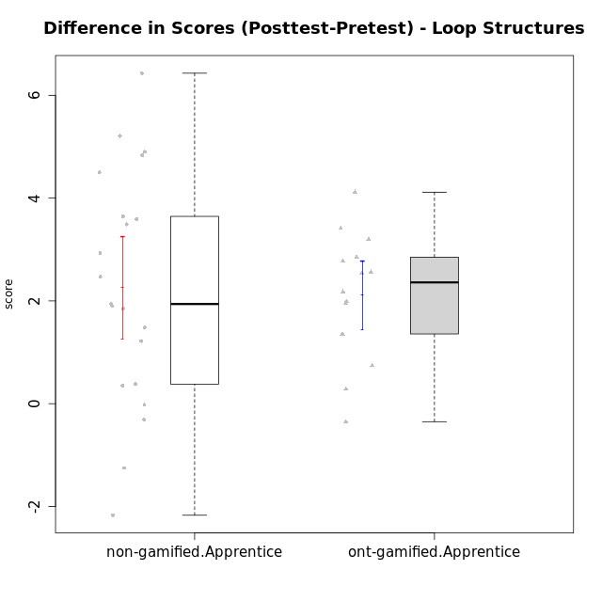

Student's t-Test data
UserID | NroUSP | Type | CLGroup | CLRole | PlayerRole | Re1 | Un3 | Ap2a | Ap2b | An3a | An3b | Ev2 | score.pre | ReA | UnC | ApB1 | ApB2 | AnC1 | AnC2 | EvB | score.pos | P2 | P3 | PC | PD | PE | difScore
10169 | 10377538 | non-gamified | Grupo Team 10 | Apprentice |  | 0.5 | 2 | 1 | 1.5 | 0.38 | 0 | 1.13 | 6.5 | 0.42 | 1 | 0 | 0.75 | 0 | 0.67 | 1.5 | 4.33 | 0 | 0 | 0 | 0 | 0 | -2.17
10170 | 10260351 | non-gamified | Grupo Team 6 | Apprentice |  | 0.21 | 0.56 | 1 | 1.5 | 0.38 | 0.6 | 0.94 | 5.18 | 0.5 | 2 | 0 | 0 | 0.2 | 1.33 | 1.5 | 5.53 | 0 | 0 | 0 | 0 | 0 | 0.35
10174 | 10276852 | non-gamified | Grupo Team 1 | Apprentice |  | 0.21 | 0 | 0 | 1.25 | 0 | 0 | 0 | 1.46 | 0.42 | 0 | 1 | 0 | 1 | 0.27 | 0 | 2.68 | 0 | 0 | 0 | 0 | 0 | 1.22
10176 | 10276949 | non-gamified | Grupo Team 9 | Apprentice |  | 0.38 | 2 | 1 | 0.5 | 0.75 | 0.6 | 0.38 | 5.6 | 0.33 | 2 | 1 | 0.5 | 0.5 | 2 | 0.75 | 7.08 | 0 | 0 | 0 | 0 | 0 | 1.48
10178 | 8656201 | non-gamified | Grupo Team 11 | Apprentice |  | 0.46 | 2 | 1 | 0 | 1.13 | 0.6 | 0.94 | 6.12 | 0.5 | 2 | 1 | 0 | 1 | 0.93 | 0.38 | 5.81 | 0 | 0 | 0 | 0 | 0 | -0.31
10179 | 10310759 | ont-gamified | Grupo Tosskor | Apprentice | Yee Achiever | 0.29 | 2 | 1 | 0 | 0.75 | 0.6 | 0.94 | 5.58 | 0.5 | 2 | 1 | 1.5 | 1 | 0.93 | 1.5 | 8.43 | 0 | 0 | 0 | 0 | 0 | 2.85
10181 | 10276866 | non-gamified | Grupo Team 7 | Apprentice |  | 0.21 | 1.06 | 1 | 0 | 0.75 | 2 | 0 | 5.01 | 0.15 | 2 | 1 | 1.5 | 0.4 | 0.93 | 1.5 | 7.48 | 0 | 0 | 0 | 0 | 0 | 2.47
10183 | 10352030 | non-gamified | Grupo Belos | Apprentice | Yee Socializer | 0.42 | 0.28 | 1 | 0 | 0 | 0 | 0 | 1.69 | 0.42 | 2 | 1 | 0.5 | 0.7 | 0 | 0 | 4.62 | 0 | 0 | 0 | 0 | 0 | 2.93
10186 | 10310551 | non-gamified | Grupo Team 5 | Apprentice |  | 0.21 | 1.28 | 1 | 0 | 0.75 | 1 | 0 | 4.24 | 0.42 | 2 | 1 | 0 | 1 | 0.27 | 1.5 | 6.18 | 0 | 0 | 0 | 0 | 0 | 1.94
10187 | 9790781 | ont-gamified | Grupo Razorg | Apprentice | Yee Achiever | 0.46 | 2 | 1 | 0 | 1.13 | 0.6 | 0.94 | 6.12 | 0.33 | 2 | 1 | 0.5 | 1 | 0.93 | 0 | 5.77 | 0 | 0 | 0 | 0 | 0 | -0.35
10189 | 9363926 | non-gamified | Grupo Team 2 | Apprentice |  | 0.33 | 0.28 | 0 | 0.75 | 0 | 0.6 | 0.38 | 2.34 | 0.33 | 2 | 1 | 0.5 | 0.5 | 0.67 | 0.94 | 5.93 | 0 | 0 | 0 | 0 | 0 | 3.59
10190 | 10276907 | non-gamified | Grupo Team 8 | Apprentice |  | 0.21 | 1.5 | 1 | 0.5 | 1.5 | 0 | 0.56 | 5.27 | 0.42 | 0.67 | 1 | 1.5 | 0.7 | 1.33 | 1.5 | 7.12 | 0 | 0 | 0 | 0 | 0 | 1.85
10192 | 10276682 | ont-gamified | Grupo Yeka | Apprentice | Yee Socializer | 0.29 | 1.78 | 0 | 0.5 | 0.75 | 0.6 | 0.94 | 5.36 | 0.42 | 2 | 1 | 0 | 1 | 0.93 | 1.5 | 7.35 | 0.5 | 0 | 0.5 | 0 | 0 | 1.99
10196 | 10310655 | non-gamified | Grupo Team 5 | Apprentice |  | 0.33 | 0.78 | 1 | 0.5 | 0.75 | 0 | 0.38 | 4.9275 | 0.37 | 2 | 1 | 1.5 | 1 | 1.33 | 1.5 | 9.7625 | 0.25 | 0.9375 | 0.75 | 0.3125 | 0 | 4.835
10198 | 10310888 | non-gamified | Grupo Team 1 | Apprentice |  | 0.13 | 0 | 1 | 0 | 0 | 0 | 0.38 | 2.0625 | 0.5 | 2 | 1 | 1.5 | 0.5 | 0.93 | 1.5 | 8.4925 | 0.25 | 0.3125 | 0.25 | 0.3125 | 0 | 6.43
10200 | 9795272 | non-gamified | Grupo Team 4 | Apprentice |  | 0.21 | 0.56 | 1 | 0 | 0.38 | 0.6 | 0 | 3.3025 | 0.42 | 0.67 | 0 | 0.5 | 0.2 | 0 | 0.94 | 3.2825 | 0.25 | 0.3125 | 0.25 | 0.3125 | 0 | -0.02
10202 | 10277036 | ont-gamified | Grupo Paldira | Apprentice | Yee Achiever | 0.29 | 1.28 | 0 | 0 | 0 | 0 | 0.19 | 2.01 | 0.5 | 0.67 | 1 | 0.5 | 1.2 | 0.67 | 0 | 4.78 | 0.25 | 0 | 0.25 | 0 | 0 | 2.77
10203 | 9921470 | ont-gamified | Grupo Paldira | Apprentice | Yee Achiever | 0.21 | 0 | 1 | 0 | 0 | 0 | 0.19 | 1.65 | 0.37 | 0 | 0 | 0 | 0 | 0 | 0.38 | 1.9375 | 0.25 | 0 | 0.25 | 0.9375 | 0 | 0.2875
10210 | 10277015 | ont-gamified | Grupo Losvakai | Apprentice | Yee Achiever | 0.25 | 0.56 | 1 | 0.5 | 0.38 | 0.6 | 0 | 4.4675 | 0.5 | 2 | 1 | 0.75 | 1.5 | 0.27 | 1.5 | 8.5825 | 0.25 | 0.9375 | 0.75 | 0.3125 | 0 | 4.115
10212 | 9065750 | ont-gamified | Grupo Ellaru | Apprentice | Yee Socializer | 0.33 | 2 | 1 | 0.5 | 0.75 | 0.6 | 1.5 | 6.68 | 0.33 | 1.67 | 1 | 0.75 | 1.5 | 0.67 | 1.5 | 7.42 | 0 | 0 | 0 | 0 | 0 | 0.74
10214 | 10277022 | ont-gamified | Grupo Koil | Apprentice | Yee Achiever | 0.21 | 2 | 1 | 0.5 | 1.13 | 1 | 1.5 | 7.8925 | 0.33 | 2 | 1 | 1.5 | 1 | 0.67 | 1.5 | 9.25 | 0.25 | 0.3125 | 0.25 | 0.625 | 0.375 | 1.3575
10215 | 9285227 | non-gamified | Grupo Team 7 | Apprentice |  | 0.25 | 1.28 | 1 | 0 | 0.75 | 1 | 0.38 | 6.9 | 0.42 | 2 | 1 | 1.5 | 1 | 2 | 1.5 | 10.545 | 1 | 1.25 | 0.5 | 0.625 | 0 | 3.645
10218 | 9842913 | non-gamified | Grupo Team 10 | Apprentice |  | 0.33 | 1.5 | 1 | 0 | 1.5 | 1 | 1.13 | 6.46 | 0.5 | 2 | 1 | 0 | 0 | 1.33 | 0.38 | 5.21 | 0 | 0 | 0 | 0 | 0 | -1.25
10219 | 10276831 | ont-gamified | Grupo Razorg | Apprentice | Yee Achiever | 0.33 | 0.56 | 1 | 0.5 | 0.38 | 0.6 | 0.94 | 4.3 | 0.5 | 0.67 | 1 | 1.5 | 1 | 1.33 | 1.5 | 7.5 | 0 | 0 | 0 | 0 | 0 | 3.2
10220 | 9760151 | non-gamified | Grupo Team 4 | Apprentice |  | 0.42 | 0.5 | 1 | 0 | 0.75 | 0 | 1.13 | 3.79 | 0.42 | 2 | 1 | 1.5 | 1.5 | 1.33 | 0.94 | 8.69 | 0 | 0 | 0 | 0 | 0 | 4.9
10221 | 9082496 | non-gamified | Grupo Team 3 | Apprentice |  | 0.17 | 0.56 | 1 | 0 | 0 | 0 | 0.75 | 2.47 | 0.41 | 0.33 | 0 | 0 | 0.5 | 0.67 | 0.94 | 2.85 | 0 | 0 | 0 | 0 | 0 | 0.38
10224 | 9368772 | non-gamified | Grupo Team 9 | Apprentice |  | 0.38 | 2 | 1 | 0.5 | 1.13 | 0.6 | 0 | 6.35 | 0.11 | 2 | 1 | 1.5 | 0.2 | 0.93 | 1.5 | 8.25 | 0.75 | 0 | 1 | 0 | 0 | 1.9
10226 | 10310342 | ont-gamified | Grupo Yeka | Apprentice | Yee Socializer | 0.42 | 0.33 | 1 | 0 | 0.75 | 2 | 0.19 | 4.69 | 0.42 | 0 | 1 | 1.5 | 1.5 | 1.33 | 1.5 | 7.25 | 0 | 0 | 0 | 0 | 0 | 2.56
10227 | 9274382 | non-gamified | Grupo Team 2 | Apprentice |  | 0.21 | 0.56 | 0 | 0.5 | 0.63 | 0 | 0 | 1.89 | 0.33 | 1.33 | 1 | 0.5 | 1 | 2 | 0.94 | 7.1 | 0 | 0 | 0 | 0 | 0 | 5.21
10228 | 10310492 | ont-gamified | Grupo Losvakai | Apprentice | Yee Achiever | 0.25 | 1.28 | 0 | 1.5 | 0.38 | 1 | 0 | 4.4 | 0.41 | 2 | 1 | 1.5 | 0.5 | 0 | 0.94 | 6.35 | 0 | 0 | 0 | 0 | 0 | 1.95
10230 | 10351992 | ont-gamified | Grupo Koil | Apprentice | Yee Achiever | 0.29 | 2 | 1 | 0.5 | 1.13 | 0.6 | 1.5 | 7.02 | 0.5 | 2 | 1 | 1.5 | 0.7 | 2 | 1.5 | 9.2 | 0 | 0 | 0 | 0 | 0 | 2.18
10232 | 10276974 | non-gamified | Grupo Team 3 | Apprentice |  | 0.21 | 0 | 1 | 0.5 | 0.75 | 0.2 | 0.38 | 3.03 | 0.5 | 2 | 1 | 0.5 | 1.5 | 0.27 | 0.75 | 6.52 | 0 | 0 | 0 | 0 | 0 | 3.49
10237 | 10377688 | ont-gamified | Grupo Ellaru | Apprentice | Yee Socializer | 0.38 | 0.5 | 1 | 1.5 | 1.5 | 1 | 1.5 | 7.38 | 0.42 | 2 | 1 | 1.5 | 1.5 | 2 | 1.5 | 9.92 | 0 | 0 | 0 | 0 | 0 | 2.54
10238 | 10276953 | ont-gamified | Grupo Belos | Apprentice | Yee Socializer | 0.33 | 0.78 | 0 | 1.5 | 0.63 | 0.6 | 0 | 3.84 | 0.37 | 2 | 1 | 0.5 | 1 | 2 | 0.38 | 7.25 | 0 | 0 | 0 | 0 | 0 | 3.41
10240 | 10276654 | non-gamified | Grupo Team 8 | Apprentice |  | 0.21 | 2 | 1 | 0 | 0.38 | 0 | 0.94 | 5.02 | 0.5 | 2 | 1 | 0.5 | 1 | 0.27 | 1.5 | 9.52 | 0.5 | 0 | 0.75 | 1.25 | 0.75 | 4.5

Type_CLRole_3
Student's t-Test for Difference in Scores (Posttest-Pretest) - Loop Structures in Type:CLRole between non-gamified.Apprentice:ont-gamified.Master

Student's t-Test results
Alternative hypothesis: less
Group | N | Mean | Mean.Difference | Std.deviation | Std.error | CI.lower | CI.upper | df | t.value | p.value | g | magnitude
non-gamified.Apprentice | 21 | 2.2557142857 | 1.7357142857 | 2.2740136794 | 0.4962304675 | 1.2632533507 | 3.2481752207 | 6.3318985565 | 1.6059478235 | 0.92159145063 | 0.74596151378 | medium
ont-gamified.Master | 5 | 0.52 | -1.7357142857 | 2.1469651546 | 0.96015200619 | -1.4003040124 | 2.4403040124 | 6.3318985565 | 1.6059478235 | 0.92159145063 | 0.74596151378 | medium
Alternative hypothesis: greater
Group | N | Mean | Mean.Difference | Std.deviation | Std.error | CI.lower | CI.upper | df | t.value | p.value | g | magnitude
non-gamified.Apprentice | 21 | 2.2557142857 | 1.7357142857 | 2.2740136794 | 0.4962304675 | 1.2632533507 | 3.2481752207 | 6.3318985565 | 1.6059478235 | 0.078408549373 | 0.74596151378 | medium
ont-gamified.Master | 5 | 0.52 | -1.7357142857 | 2.1469651546 | 0.96015200619 | -1.4003040124 | 2.4403040124 | 6.3318985565 | 1.6059478235 | 0.078408549373 | 0.74596151378 | medium
Alternative hypothesis: two.sided
Group | N | Mean | Mean.Difference | Std.deviation | Std.error | CI.lower | CI.upper | df | t.value | p.value | g | magnitude
non-gamified.Apprentice | 21 | 2.2557142857 | 1.7357142857 | 2.2740136794 | 0.4962304675 | 1.2632533507 | 3.2481752207 | 6.3318985565 | 1.6059478235 | 0.15681709875 | 0.74596151378 | medium
ont-gamified.Master | 5 | 0.52 | -1.7357142857 | 2.1469651546 | 0.96015200619 | -1.4003040124 | 2.4403040124 | 6.3318985565 | 1.6059478235 | 0.15681709875 | 0.74596151378 | medium

Box plots for Student's t-Test
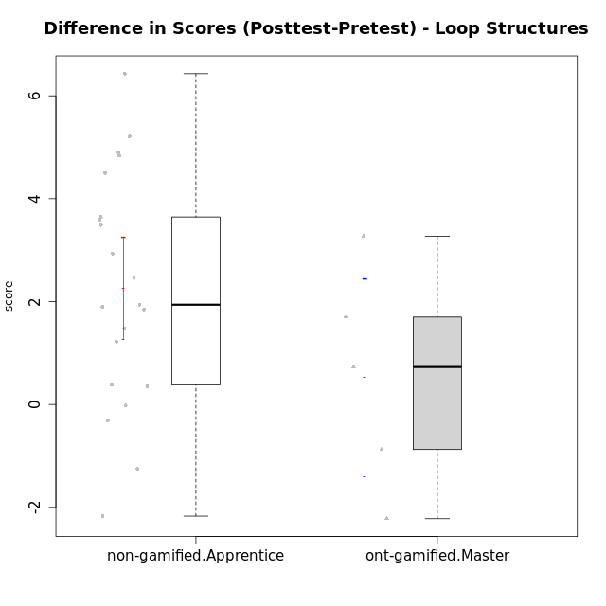

Student's t-Test data
UserID | NroUSP | Type | CLGroup | CLRole | PlayerRole | Re1 | Un3 | Ap2a | Ap2b | An3a | An3b | Ev2 | score.pre | ReA | UnC | ApB1 | ApB2 | AnC1 | AnC2 | EvB | score.pos | P2 | P3 | PC | PD | PE | difScore
10169 | 10377538 | non-gamified | Grupo Team 10 | Apprentice |  | 0.5 | 2 | 1 | 1.5 | 0.38 | 0 | 1.13 | 6.5 | 0.42 | 1 | 0 | 0.75 | 0 | 0.67 | 1.5 | 4.33 | 0 | 0 | 0 | 0 | 0 | -2.17
10170 | 10260351 | non-gamified | Grupo Team 6 | Apprentice |  | 0.21 | 0.56 | 1 | 1.5 | 0.38 | 0.6 | 0.94 | 5.18 | 0.5 | 2 | 0 | 0 | 0.2 | 1.33 | 1.5 | 5.53 | 0 | 0 | 0 | 0 | 0 | 0.35
10172 | 10273971 | ont-gamified | Grupo Koil | Master | Yee Achiever | 0.29 | 2 | 1 | 0.5 | 0.75 | 2 | 1.13 | 8.9825 | 0.5 | 2 | 1 | 1.5 | 1.5 | 2 | 1.5 | 12.25 | 1 | 0.3125 | 1 | 1.25 | 0 | 3.2675
10174 | 10276852 | non-gamified | Grupo Team 1 | Apprentice |  | 0.21 | 0 | 0 | 1.25 | 0 | 0 | 0 | 1.46 | 0.42 | 0 | 1 | 0 | 1 | 0.27 | 0 | 2.68 | 0 | 0 | 0 | 0 | 0 | 1.22
10176 | 10276949 | non-gamified | Grupo Team 9 | Apprentice |  | 0.38 | 2 | 1 | 0.5 | 0.75 | 0.6 | 0.38 | 5.6 | 0.33 | 2 | 1 | 0.5 | 0.5 | 2 | 0.75 | 7.08 | 0 | 0 | 0 | 0 | 0 | 1.48
10178 | 8656201 | non-gamified | Grupo Team 11 | Apprentice |  | 0.46 | 2 | 1 | 0 | 1.13 | 0.6 | 0.94 | 6.12 | 0.5 | 2 | 1 | 0 | 1 | 0.93 | 0.38 | 5.81 | 0 | 0 | 0 | 0 | 0 | -0.31
10181 | 10276866 | non-gamified | Grupo Team 7 | Apprentice |  | 0.21 | 1.06 | 1 | 0 | 0.75 | 2 | 0 | 5.01 | 0.15 | 2 | 1 | 1.5 | 0.4 | 0.93 | 1.5 | 7.48 | 0 | 0 | 0 | 0 | 0 | 2.47
10183 | 10352030 | non-gamified | Grupo Belos | Apprentice | Yee Socializer | 0.42 | 0.28 | 1 | 0 | 0 | 0 | 0 | 1.69 | 0.42 | 2 | 1 | 0.5 | 0.7 | 0 | 0 | 4.62 | 0 | 0 | 0 | 0 | 0 | 2.93
10185 | 10276960 | ont-gamified | Grupo Tosskor | Master | Yee Achiever | 0.42 | 2 | 1 | 1.5 | 1.5 | 0.6 | 0.94 | 7.95 | 0.15 | 2 | 1 | 1.5 | 1.5 | 2 | 1.5 | 9.65 | 0 | 0 | 0 | 0 | 0 | 1.7
10186 | 10310551 | non-gamified | Grupo Team 5 | Apprentice |  | 0.21 | 1.28 | 1 | 0 | 0.75 | 1 | 0 | 4.24 | 0.42 | 2 | 1 | 0 | 1 | 0.27 | 1.5 | 6.18 | 0 | 0 | 0 | 0 | 0 | 1.94
10188 | 10276995 | ont-gamified | Grupo Paldira | Master | Yee Achiever | 0.42 | 2 | 1 | 1.5 | 1.5 | 2 | 1.5 | 9.92 | 0.33 | 2 | 1 | 1.5 | 0.7 | 0.67 | 1.5 | 7.7 | 0 | 0 | 0 | 0 | 0 | -2.22
10189 | 9363926 | non-gamified | Grupo Team 2 | Apprentice |  | 0.33 | 0.28 | 0 | 0.75 | 0 | 0.6 | 0.38 | 2.34 | 0.33 | 2 | 1 | 0.5 | 0.5 | 0.67 | 0.94 | 5.93 | 0 | 0 | 0 | 0 | 0 | 3.59
10190 | 10276907 | non-gamified | Grupo Team 8 | Apprentice |  | 0.21 | 1.5 | 1 | 0.5 | 1.5 | 0 | 0.56 | 5.27 | 0.42 | 0.67 | 1 | 1.5 | 0.7 | 1.33 | 1.5 | 7.12 | 0 | 0 | 0 | 0 | 0 | 1.85
10196 | 10310655 | non-gamified | Grupo Team 5 | Apprentice |  | 0.33 | 0.78 | 1 | 0.5 | 0.75 | 0 | 0.38 | 4.9275 | 0.37 | 2 | 1 | 1.5 | 1 | 1.33 | 1.5 | 9.7625 | 0.25 | 0.9375 | 0.75 | 0.3125 | 0 | 4.835
10198 | 10310888 | non-gamified | Grupo Team 1 | Apprentice |  | 0.13 | 0 | 1 | 0 | 0 | 0 | 0.38 | 2.0625 | 0.5 | 2 | 1 | 1.5 | 0.5 | 0.93 | 1.5 | 8.4925 | 0.25 | 0.3125 | 0.25 | 0.3125 | 0 | 6.43
10200 | 9795272 | non-gamified | Grupo Team 4 | Apprentice |  | 0.21 | 0.56 | 1 | 0 | 0.38 | 0.6 | 0 | 3.3025 | 0.42 | 0.67 | 0 | 0.5 | 0.2 | 0 | 0.94 | 3.2825 | 0.25 | 0.3125 | 0.25 | 0.3125 | 0 | -0.02
10208 | 10276932 | ont-gamified | Grupo Yeka | Master | Yee Socializer | 0.42 | 2 | 1 | 1.5 | 1.13 | 2 | 1.5 | 11.165 | 0.5 | 2 | 1 | 1.5 | 1.5 | 1.33 | 1.5 | 11.8925 | 1 | 0.625 | 0.5 | 0.9375 | 1.125 | 0.7275
10215 | 9285227 | non-gamified | Grupo Team 7 | Apprentice |  | 0.25 | 1.28 | 1 | 0 | 0.75 | 1 | 0.38 | 6.9 | 0.42 | 2 | 1 | 1.5 | 1 | 2 | 1.5 | 10.545 | 1 | 1.25 | 0.5 | 0.625 | 0 | 3.645
10217 | 9805341 | ont-gamified | Grupo Belos | Master | Yee Socializer | 0.42 | 2 | 1 | 1.5 | 1.5 | 2 | 1.5 | 10.9825 | 0.5 | 2 | 1 | 1.5 | 1.5 | 0.67 | 1.5 | 10.1075 | 0.75 | 0.3125 | 0.75 | 0.3125 | 0.375 | -0.875
10218 | 9842913 | non-gamified | Grupo Team 10 | Apprentice |  | 0.33 | 1.5 | 1 | 0 | 1.5 | 1 | 1.13 | 6.46 | 0.5 | 2 | 1 | 0 | 0 | 1.33 | 0.38 | 5.21 | 0 | 0 | 0 | 0 | 0 | -1.25
10220 | 9760151 | non-gamified | Grupo Team 4 | Apprentice |  | 0.42 | 0.5 | 1 | 0 | 0.75 | 0 | 1.13 | 3.79 | 0.42 | 2 | 1 | 1.5 | 1.5 | 1.33 | 0.94 | 8.69 | 0 | 0 | 0 | 0 | 0 | 4.9
10221 | 9082496 | non-gamified | Grupo Team 3 | Apprentice |  | 0.17 | 0.56 | 1 | 0 | 0 | 0 | 0.75 | 2.47 | 0.41 | 0.33 | 0 | 0 | 0.5 | 0.67 | 0.94 | 2.85 | 0 | 0 | 0 | 0 | 0 | 0.38
10224 | 9368772 | non-gamified | Grupo Team 9 | Apprentice |  | 0.38 | 2 | 1 | 0.5 | 1.13 | 0.6 | 0 | 6.35 | 0.11 | 2 | 1 | 1.5 | 0.2 | 0.93 | 1.5 | 8.25 | 0.75 | 0 | 1 | 0 | 0 | 1.9
10227 | 9274382 | non-gamified | Grupo Team 2 | Apprentice |  | 0.21 | 0.56 | 0 | 0.5 | 0.63 | 0 | 0 | 1.89 | 0.33 | 1.33 | 1 | 0.5 | 1 | 2 | 0.94 | 7.1 | 0 | 0 | 0 | 0 | 0 | 5.21
10232 | 10276974 | non-gamified | Grupo Team 3 | Apprentice |  | 0.21 | 0 | 1 | 0.5 | 0.75 | 0.2 | 0.38 | 3.03 | 0.5 | 2 | 1 | 0.5 | 1.5 | 0.27 | 0.75 | 6.52 | 0 | 0 | 0 | 0 | 0 | 3.49
10240 | 10276654 | non-gamified | Grupo Team 8 | Apprentice |  | 0.21 | 2 | 1 | 0 | 0.38 | 0 | 0.94 | 5.02 | 0.5 | 2 | 1 | 0.5 | 1 | 0.27 | 1.5 | 9.52 | 0.5 | 0 | 0.75 | 1.25 | 0.75 | 4.5

Type_CLRole_4
Student's t-Test for Difference in Scores (Posttest-Pretest) - Loop Structures in Type:CLRole between non-gamified.Master:ont-gamified.Apprentice

Student's t-Test results
Alternative hypothesis: less
Group | N | Mean | Mean.Difference | Std.deviation | Std.error | CI.lower | CI.upper | df | t.value | p.value | g | magnitude
non-gamified.Master | 8 | 1.3196875 | -0.79459821429 | 1.3275672148 | 0.46936589003 | 0.38095571993 | 2.2584192801 | 13.905690693 | -1.3813215976 | 0.094486932406 | -0.59997090185 | medium
ont-gamified.Apprentice | 14 | 2.1142857143 | 0.79459821429 | 1.2443605203 | 0.33256933803 | 1.4491470382 | 2.7794243904 | 13.905690693 | -1.3813215976 | 0.094486932406 | -0.59997090185 | medium
Alternative hypothesis: greater
Group | N | Mean | Mean.Difference | Std.deviation | Std.error | CI.lower | CI.upper | df | t.value | p.value | g | magnitude
non-gamified.Master | 8 | 1.3196875 | -0.79459821429 | 1.3275672148 | 0.46936589003 | 0.38095571993 | 2.2584192801 | 13.905690693 | -1.3813215976 | 0.90551306759 | -0.59997090185 | medium
ont-gamified.Apprentice | 14 | 2.1142857143 | 0.79459821429 | 1.2443605203 | 0.33256933803 | 1.4491470382 | 2.7794243904 | 13.905690693 | -1.3813215976 | 0.90551306759 | -0.59997090185 | medium
Alternative hypothesis: two.sided
Group | N | Mean | Mean.Difference | Std.deviation | Std.error | CI.lower | CI.upper | df | t.value | p.value | g | magnitude
non-gamified.Master | 8 | 1.3196875 | -0.79459821429 | 1.3275672148 | 0.46936589003 | 0.38095571993 | 2.2584192801 | 13.905690693 | -1.3813215976 | 0.18897386481 | -0.59997090185 | medium
ont-gamified.Apprentice | 14 | 2.1142857143 | 0.79459821429 | 1.2443605203 | 0.33256933803 | 1.4491470382 | 2.7794243904 | 13.905690693 | -1.3813215976 | 0.18897386481 | -0.59997090185 | medium

Box plots for Student's t-Test
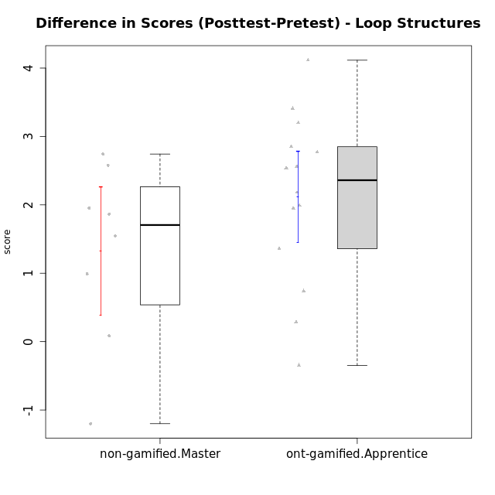

Student's t-Test data
UserID | NroUSP | Type | CLGroup | CLRole | PlayerRole | Re1 | Un3 | Ap2a | Ap2b | An3a | An3b | Ev2 | score.pre | ReA | UnC | ApB1 | ApB2 | AnC1 | AnC2 | EvB | score.pos | P2 | P3 | PC | PD | PE | difScore
10175 | 10310700 | non-gamified | Grupo Team 6 | Master |  | 0.42 | 2 | 1 | 1.5 | 1.5 | 0.6 | 0.94 | 9.3875 | 0.5 | 2 | 1 | 1.5 | 1.5 | 2 | 0.94 | 11.2525 | 0.5 | 0.9375 | 0.5 | 0.9375 | 0.375 | 1.865
10179 | 10310759 | ont-gamified | Grupo Tosskor | Apprentice | Yee Achiever | 0.29 | 2 | 1 | 0 | 0.75 | 0.6 | 0.94 | 5.58 | 0.5 | 2 | 1 | 1.5 | 1 | 0.93 | 1.5 | 8.43 | 0 | 0 | 0 | 0 | 0 | 2.85
10184 | 10276675 | non-gamified | Grupo Team 7 | Master |  | 0.29 | 2 | 1 | 0.75 | 0.75 | 2 | 0.56 | 8.7875 | 0.5 | 2 | 1 | 1.5 | 1.5 | 0.27 | 1.5 | 10.3325 | 0.5 | 0.9375 | 1 | 0.3125 | 0.75 | 1.545
10187 | 9790781 | ont-gamified | Grupo Razorg | Apprentice | Yee Achiever | 0.46 | 2 | 1 | 0 | 1.13 | 0.6 | 0.94 | 6.12 | 0.33 | 2 | 1 | 0.5 | 1 | 0.93 | 0 | 5.77 | 0 | 0 | 0 | 0 | 0 | -0.35
10192 | 10276682 | ont-gamified | Grupo Yeka | Apprentice | Yee Socializer | 0.29 | 1.78 | 0 | 0.5 | 0.75 | 0.6 | 0.94 | 5.36 | 0.42 | 2 | 1 | 0 | 1 | 0.93 | 1.5 | 7.35 | 0.5 | 0 | 0.5 | 0 | 0 | 1.99
10197 | 10276661 | non-gamified | Grupo Team 11 | Master |  | 0.33 | 2 | 1 | 0.75 | 1.13 | 0 | 0.94 | 6.65 | 0.45 | 2 | 1 | 0.75 | 1 | 1.33 | 1.5 | 8.6025 | 0.5 | 0 | 0.25 | 0.3125 | 0 | 1.9525
10201 | 10276928 | non-gamified | Grupo Team 10 | Master |  | 0.33 | 2 | 1 | 0.5 | 0.38 | 2 | 0.56 | 7.3325 | 0.5 | 2 | 1 | 1.5 | 0.2 | 2 | 1.5 | 10.075 | 0.25 | 0.3125 | 0.75 | 0.625 | 0 | 2.7425
10202 | 10277036 | ont-gamified | Grupo Paldira | Apprentice | Yee Achiever | 0.29 | 1.28 | 0 | 0 | 0 | 0 | 0.19 | 2.01 | 0.5 | 0.67 | 1 | 0.5 | 1.2 | 0.67 | 0 | 4.78 | 0.25 | 0 | 0.25 | 0 | 0 | 2.77
10203 | 9921470 | ont-gamified | Grupo Paldira | Apprentice | Yee Achiever | 0.21 | 0 | 1 | 0 | 0 | 0 | 0.19 | 1.65 | 0.37 | 0 | 0 | 0 | 0 | 0 | 0.38 | 1.9375 | 0.25 | 0 | 0.25 | 0.9375 | 0 | 0.2875
10204 | 10310471 | non-gamified | Grupo Team 5 | Master |  | 0.29 | 2 | 1 | 0.5 | 1.5 | 2 | 0.75 | 8.29 | 0.5 | 2 | 1 | 1.5 | 1.5 | 0.93 | 1.5 | 10.8675 | 0.25 | 0 | 0.25 | 0.9375 | 0.75 | 2.5775
10206 | 10310721 | non-gamified | Grupo Team 9 | Master |  | 0.42 | 1.28 | 1 | 0.5 | 1.13 | 2 | 1.5 | 9.82 | 0.37 | 2 | 1 | 0.5 | 1.5 | 0 | 1.5 | 8.62 | 0.75 | 1.25 | 0.5 | 1.25 | 0 | -1.2
10210 | 10277015 | ont-gamified | Grupo Losvakai | Apprentice | Yee Achiever | 0.25 | 0.56 | 1 | 0.5 | 0.38 | 0.6 | 0 | 4.4675 | 0.5 | 2 | 1 | 0.75 | 1.5 | 0.27 | 1.5 | 8.5825 | 0.25 | 0.9375 | 0.75 | 0.3125 | 0 | 4.115
10212 | 9065750 | ont-gamified | Grupo Ellaru | Apprentice | Yee Socializer | 0.33 | 2 | 1 | 0.5 | 0.75 | 0.6 | 1.5 | 6.68 | 0.33 | 1.67 | 1 | 0.75 | 1.5 | 0.67 | 1.5 | 7.42 | 0 | 0 | 0 | 0 | 0 | 0.74
10213 | 10277040 | non-gamified | Grupo Team 8 | Master |  | 0.38 | 1.78 | 1 | 0.5 | 1 | 2 | 0.94 | 7.59 | 0.42 | 2 | 1 | 1.5 | 1.5 | 0.67 | 1.5 | 8.58 | 0 | 0 | 0 | 0 | 0 | 0.99
10214 | 10277022 | ont-gamified | Grupo Koil | Apprentice | Yee Achiever | 0.21 | 2 | 1 | 0.5 | 1.13 | 1 | 1.5 | 7.8925 | 0.33 | 2 | 1 | 1.5 | 1 | 0.67 | 1.5 | 9.25 | 0.25 | 0.3125 | 0.25 | 0.625 | 0.375 | 1.3575
10219 | 10276831 | ont-gamified | Grupo Razorg | Apprentice | Yee Achiever | 0.33 | 0.56 | 1 | 0.5 | 0.38 | 0.6 | 0.94 | 4.3 | 0.5 | 0.67 | 1 | 1.5 | 1 | 1.33 | 1.5 | 7.5 | 0 | 0 | 0 | 0 | 0 | 3.2
10226 | 10310342 | ont-gamified | Grupo Yeka | Apprentice | Yee Socializer | 0.42 | 0.33 | 1 | 0 | 0.75 | 2 | 0.19 | 4.69 | 0.42 | 0 | 1 | 1.5 | 1.5 | 1.33 | 1.5 | 7.25 | 0 | 0 | 0 | 0 | 0 | 2.56
10228 | 10310492 | ont-gamified | Grupo Losvakai | Apprentice | Yee Achiever | 0.25 | 1.28 | 0 | 1.5 | 0.38 | 1 | 0 | 4.4 | 0.41 | 2 | 1 | 1.5 | 0.5 | 0 | 0.94 | 6.35 | 0 | 0 | 0 | 0 | 0 | 1.95
10230 | 10351992 | ont-gamified | Grupo Koil | Apprentice | Yee Achiever | 0.29 | 2 | 1 | 0.5 | 1.13 | 0.6 | 1.5 | 7.02 | 0.5 | 2 | 1 | 1.5 | 0.7 | 2 | 1.5 | 9.2 | 0 | 0 | 0 | 0 | 0 | 2.18
10231 | 10276911 | non-gamified | Grupo Team 4 | Master |  | 0.33 | 2 | 1 | 1.5 | 1.13 | 2 | 1.5 | 11.085 | 0.42 | 2 | 1 | 1.5 | 1.5 | 2 | 1.5 | 11.17 | 1 | 0.625 | 0.25 | 0.625 | 0.375 | 0.085
10237 | 10377688 | ont-gamified | Grupo Ellaru | Apprentice | Yee Socializer | 0.38 | 0.5 | 1 | 1.5 | 1.5 | 1 | 1.5 | 7.38 | 0.42 | 2 | 1 | 1.5 | 1.5 | 2 | 1.5 | 9.92 | 0 | 0 | 0 | 0 | 0 | 2.54
10238 | 10276953 | ont-gamified | Grupo Belos | Apprentice | Yee Socializer | 0.33 | 0.78 | 0 | 1.5 | 0.63 | 0.6 | 0 | 3.84 | 0.37 | 2 | 1 | 0.5 | 1 | 2 | 0.38 | 7.25 | 0 | 0 | 0 | 0 | 0 | 3.41

Type_CLRole_5
Student's t-Test for Difference in Scores (Posttest-Pretest) - Loop Structures in Type:CLRole between non-gamified.Master:ont-gamified.Master

Student's t-Test results
Alternative hypothesis: less
Group | N | Mean | Mean.Difference | Std.deviation | Std.error | CI.lower | CI.upper | df | t.value | p.value | g | magnitude
non-gamified.Master | 8 | 1.3196875 | 0.7996875 | 1.3275672148 | 0.46936589003 | 0.38095571993 | 2.2584192801 | 5.9461482269 | 0.74825555461 | 0.75857975647 | 0.44474389835 | small
ont-gamified.Master | 5 | 0.52 | -0.7996875 | 2.1469651546 | 0.96015200619 | -1.4003040124 | 2.4403040124 | 5.9461482269 | 0.74825555461 | 0.75857975647 | 0.44474389835 | small
Alternative hypothesis: greater
Group | N | Mean | Mean.Difference | Std.deviation | Std.error | CI.lower | CI.upper | df | t.value | p.value | g | magnitude
non-gamified.Master | 8 | 1.3196875 | 0.7996875 | 1.3275672148 | 0.46936589003 | 0.38095571993 | 2.2584192801 | 5.9461482269 | 0.74825555461 | 0.24142024353 | 0.44474389835 | small
ont-gamified.Master | 5 | 0.52 | -0.7996875 | 2.1469651546 | 0.96015200619 | -1.4003040124 | 2.4403040124 | 5.9461482269 | 0.74825555461 | 0.24142024353 | 0.44474389835 | small
Alternative hypothesis: two.sided
Group | N | Mean | Mean.Difference | Std.deviation | Std.error | CI.lower | CI.upper | df | t.value | p.value | g | magnitude
non-gamified.Master | 8 | 1.3196875 | 0.7996875 | 1.3275672148 | 0.46936589003 | 0.38095571993 | 2.2584192801 | 5.9461482269 | 0.74825555461 | 0.48284048706 | 0.44474389835 | small
ont-gamified.Master | 5 | 0.52 | -0.7996875 | 2.1469651546 | 0.96015200619 | -1.4003040124 | 2.4403040124 | 5.9461482269 | 0.74825555461 | 0.48284048706 | 0.44474389835 | small

Box plots for Student's t-Test
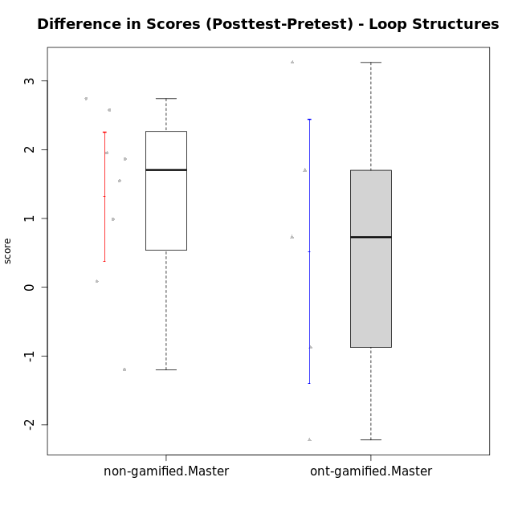

Student's t-Test data
UserID | NroUSP | Type | CLGroup | CLRole | PlayerRole | Re1 | Un3 | Ap2a | Ap2b | An3a | An3b | Ev2 | score.pre | ReA | UnC | ApB1 | ApB2 | AnC1 | AnC2 | EvB | score.pos | P2 | P3 | PC | PD | PE | difScore
10172 | 10273971 | ont-gamified | Grupo Koil | Master | Yee Achiever | 0.29 | 2 | 1 | 0.5 | 0.75 | 2 | 1.13 | 8.9825 | 0.5 | 2 | 1 | 1.5 | 1.5 | 2 | 1.5 | 12.25 | 1 | 0.3125 | 1 | 1.25 | 0 | 3.2675
10175 | 10310700 | non-gamified | Grupo Team 6 | Master |  | 0.42 | 2 | 1 | 1.5 | 1.5 | 0.6 | 0.94 | 9.3875 | 0.5 | 2 | 1 | 1.5 | 1.5 | 2 | 0.94 | 11.2525 | 0.5 | 0.9375 | 0.5 | 0.9375 | 0.375 | 1.865
10184 | 10276675 | non-gamified | Grupo Team 7 | Master |  | 0.29 | 2 | 1 | 0.75 | 0.75 | 2 | 0.56 | 8.7875 | 0.5 | 2 | 1 | 1.5 | 1.5 | 0.27 | 1.5 | 10.3325 | 0.5 | 0.9375 | 1 | 0.3125 | 0.75 | 1.545
10185 | 10276960 | ont-gamified | Grupo Tosskor | Master | Yee Achiever | 0.42 | 2 | 1 | 1.5 | 1.5 | 0.6 | 0.94 | 7.95 | 0.15 | 2 | 1 | 1.5 | 1.5 | 2 | 1.5 | 9.65 | 0 | 0 | 0 | 0 | 0 | 1.7
10188 | 10276995 | ont-gamified | Grupo Paldira | Master | Yee Achiever | 0.42 | 2 | 1 | 1.5 | 1.5 | 2 | 1.5 | 9.92 | 0.33 | 2 | 1 | 1.5 | 0.7 | 0.67 | 1.5 | 7.7 | 0 | 0 | 0 | 0 | 0 | -2.22
10197 | 10276661 | non-gamified | Grupo Team 11 | Master |  | 0.33 | 2 | 1 | 0.75 | 1.13 | 0 | 0.94 | 6.65 | 0.45 | 2 | 1 | 0.75 | 1 | 1.33 | 1.5 | 8.6025 | 0.5 | 0 | 0.25 | 0.3125 | 0 | 1.9525
10201 | 10276928 | non-gamified | Grupo Team 10 | Master |  | 0.33 | 2 | 1 | 0.5 | 0.38 | 2 | 0.56 | 7.3325 | 0.5 | 2 | 1 | 1.5 | 0.2 | 2 | 1.5 | 10.075 | 0.25 | 0.3125 | 0.75 | 0.625 | 0 | 2.7425
10204 | 10310471 | non-gamified | Grupo Team 5 | Master |  | 0.29 | 2 | 1 | 0.5 | 1.5 | 2 | 0.75 | 8.29 | 0.5 | 2 | 1 | 1.5 | 1.5 | 0.93 | 1.5 | 10.8675 | 0.25 | 0 | 0.25 | 0.9375 | 0.75 | 2.5775
10206 | 10310721 | non-gamified | Grupo Team 9 | Master |  | 0.42 | 1.28 | 1 | 0.5 | 1.13 | 2 | 1.5 | 9.82 | 0.37 | 2 | 1 | 0.5 | 1.5 | 0 | 1.5 | 8.62 | 0.75 | 1.25 | 0.5 | 1.25 | 0 | -1.2
10208 | 10276932 | ont-gamified | Grupo Yeka | Master | Yee Socializer | 0.42 | 2 | 1 | 1.5 | 1.13 | 2 | 1.5 | 11.165 | 0.5 | 2 | 1 | 1.5 | 1.5 | 1.33 | 1.5 | 11.8925 | 1 | 0.625 | 0.5 | 0.9375 | 1.125 | 0.7275
10213 | 10277040 | non-gamified | Grupo Team 8 | Master |  | 0.38 | 1.78 | 1 | 0.5 | 1 | 2 | 0.94 | 7.59 | 0.42 | 2 | 1 | 1.5 | 1.5 | 0.67 | 1.5 | 8.58 | 0 | 0 | 0 | 0 | 0 | 0.99
10217 | 9805341 | ont-gamified | Grupo Belos | Master | Yee Socializer | 0.42 | 2 | 1 | 1.5 | 1.5 | 2 | 1.5 | 10.9825 | 0.5 | 2 | 1 | 1.5 | 1.5 | 0.67 | 1.5 | 10.1075 | 0.75 | 0.3125 | 0.75 | 0.3125 | 0.375 | -0.875
10231 | 10276911 | non-gamified | Grupo Team 4 | Master |  | 0.33 | 2 | 1 | 1.5 | 1.13 | 2 | 1.5 | 11.085 | 0.42 | 2 | 1 | 1.5 | 1.5 | 2 | 1.5 | 11.17 | 1 | 0.625 | 0.25 | 0.625 | 0.375 | 0.085

Type_CLRole_6
Student's t-Test for Difference in Scores (Posttest-Pretest) - Loop Structures in Type:CLRole between ont-gamified.Apprentice:ont-gamified.Master

Student's t-Test results
Alternative hypothesis: less
Group | N | Mean | Mean.Difference | Std.deviation | Std.error | CI.lower | CI.upper | df | t.value | p.value | g | magnitude
ont-gamified.Apprentice | 14 | 2.1142857143 | 1.5942857143 | 1.2443605203 | 0.33256933803 | 1.4491470382 | 2.7794243904 | 4.9952374468 | 1.5689978046 | 0.91125236962 | 1.0110793101 | large
ont-gamified.Master | 5 | 0.52 | -1.5942857143 | 2.1469651546 | 0.96015200619 | -1.4003040124 | 2.4403040124 | 4.9952374468 | 1.5689978046 | 0.91125236962 | 1.0110793101 | large
Alternative hypothesis: greater
Group | N | Mean | Mean.Difference | Std.deviation | Std.error | CI.lower | CI.upper | df | t.value | p.value | g | magnitude
ont-gamified.Apprentice | 14 | 2.1142857143 | 1.5942857143 | 1.2443605203 | 0.33256933803 | 1.4491470382 | 2.7794243904 | 4.9952374468 | 1.5689978046 | 0.088747630379 | 1.0110793101 | large
ont-gamified.Master | 5 | 0.52 | -1.5942857143 | 2.1469651546 | 0.96015200619 | -1.4003040124 | 2.4403040124 | 4.9952374468 | 1.5689978046 | 0.088747630379 | 1.0110793101 | large
Alternative hypothesis: two.sided
Group | N | Mean | Mean.Difference | Std.deviation | Std.error | CI.lower | CI.upper | df | t.value | p.value | g | magnitude
ont-gamified.Apprentice | 14 | 2.1142857143 | 1.5942857143 | 1.2443605203 | 0.33256933803 | 1.4491470382 | 2.7794243904 | 4.9952374468 | 1.5689978046 | 0.17749526076 | 1.0110793101 | large
ont-gamified.Master | 5 | 0.52 | -1.5942857143 | 2.1469651546 | 0.96015200619 | -1.4003040124 | 2.4403040124 | 4.9952374468 | 1.5689978046 | 0.17749526076 | 1.0110793101 | large

Box plots for Student's t-Test
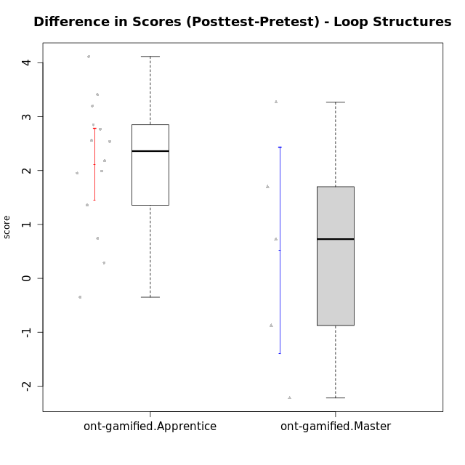

Student's t-Test data
UserID | NroUSP | Type | CLGroup | CLRole | PlayerRole | Re1 | Un3 | Ap2a | Ap2b | An3a | An3b | Ev2 | score.pre | ReA | UnC | ApB1 | ApB2 | AnC1 | AnC2 | EvB | score.pos | P2 | P3 | PC | PD | PE | difScore
10172 | 10273971 | ont-gamified | Grupo Koil | Master | Yee Achiever | 0.29 | 2 | 1 | 0.5 | 0.75 | 2 | 1.13 | 8.9825 | 0.5 | 2 | 1 | 1.5 | 1.5 | 2 | 1.5 | 12.25 | 1 | 0.3125 | 1 | 1.25 | 0 | 3.2675
10179 | 10310759 | ont-gamified | Grupo Tosskor | Apprentice | Yee Achiever | 0.29 | 2 | 1 | 0 | 0.75 | 0.6 | 0.94 | 5.58 | 0.5 | 2 | 1 | 1.5 | 1 | 0.93 | 1.5 | 8.43 | 0 | 0 | 0 | 0 | 0 | 2.85
10185 | 10276960 | ont-gamified | Grupo Tosskor | Master | Yee Achiever | 0.42 | 2 | 1 | 1.5 | 1.5 | 0.6 | 0.94 | 7.95 | 0.15 | 2 | 1 | 1.5 | 1.5 | 2 | 1.5 | 9.65 | 0 | 0 | 0 | 0 | 0 | 1.7
10187 | 9790781 | ont-gamified | Grupo Razorg | Apprentice | Yee Achiever | 0.46 | 2 | 1 | 0 | 1.13 | 0.6 | 0.94 | 6.12 | 0.33 | 2 | 1 | 0.5 | 1 | 0.93 | 0 | 5.77 | 0 | 0 | 0 | 0 | 0 | -0.35
10188 | 10276995 | ont-gamified | Grupo Paldira | Master | Yee Achiever | 0.42 | 2 | 1 | 1.5 | 1.5 | 2 | 1.5 | 9.92 | 0.33 | 2 | 1 | 1.5 | 0.7 | 0.67 | 1.5 | 7.7 | 0 | 0 | 0 | 0 | 0 | -2.22
10192 | 10276682 | ont-gamified | Grupo Yeka | Apprentice | Yee Socializer | 0.29 | 1.78 | 0 | 0.5 | 0.75 | 0.6 | 0.94 | 5.36 | 0.42 | 2 | 1 | 0 | 1 | 0.93 | 1.5 | 7.35 | 0.5 | 0 | 0.5 | 0 | 0 | 1.99
10202 | 10277036 | ont-gamified | Grupo Paldira | Apprentice | Yee Achiever | 0.29 | 1.28 | 0 | 0 | 0 | 0 | 0.19 | 2.01 | 0.5 | 0.67 | 1 | 0.5 | 1.2 | 0.67 | 0 | 4.78 | 0.25 | 0 | 0.25 | 0 | 0 | 2.77
10203 | 9921470 | ont-gamified | Grupo Paldira | Apprentice | Yee Achiever | 0.21 | 0 | 1 | 0 | 0 | 0 | 0.19 | 1.65 | 0.37 | 0 | 0 | 0 | 0 | 0 | 0.38 | 1.9375 | 0.25 | 0 | 0.25 | 0.9375 | 0 | 0.2875
10208 | 10276932 | ont-gamified | Grupo Yeka | Master | Yee Socializer | 0.42 | 2 | 1 | 1.5 | 1.13 | 2 | 1.5 | 11.165 | 0.5 | 2 | 1 | 1.5 | 1.5 | 1.33 | 1.5 | 11.8925 | 1 | 0.625 | 0.5 | 0.9375 | 1.125 | 0.7275
10210 | 10277015 | ont-gamified | Grupo Losvakai | Apprentice | Yee Achiever | 0.25 | 0.56 | 1 | 0.5 | 0.38 | 0.6 | 0 | 4.4675 | 0.5 | 2 | 1 | 0.75 | 1.5 | 0.27 | 1.5 | 8.5825 | 0.25 | 0.9375 | 0.75 | 0.3125 | 0 | 4.115
10212 | 9065750 | ont-gamified | Grupo Ellaru | Apprentice | Yee Socializer | 0.33 | 2 | 1 | 0.5 | 0.75 | 0.6 | 1.5 | 6.68 | 0.33 | 1.67 | 1 | 0.75 | 1.5 | 0.67 | 1.5 | 7.42 | 0 | 0 | 0 | 0 | 0 | 0.74
10214 | 10277022 | ont-gamified | Grupo Koil | Apprentice | Yee Achiever | 0.21 | 2 | 1 | 0.5 | 1.13 | 1 | 1.5 | 7.8925 | 0.33 | 2 | 1 | 1.5 | 1 | 0.67 | 1.5 | 9.25 | 0.25 | 0.3125 | 0.25 | 0.625 | 0.375 | 1.3575
10217 | 9805341 | ont-gamified | Grupo Belos | Master | Yee Socializer | 0.42 | 2 | 1 | 1.5 | 1.5 | 2 | 1.5 | 10.9825 | 0.5 | 2 | 1 | 1.5 | 1.5 | 0.67 | 1.5 | 10.1075 | 0.75 | 0.3125 | 0.75 | 0.3125 | 0.375 | -0.875
10219 | 10276831 | ont-gamified | Grupo Razorg | Apprentice | Yee Achiever | 0.33 | 0.56 | 1 | 0.5 | 0.38 | 0.6 | 0.94 | 4.3 | 0.5 | 0.67 | 1 | 1.5 | 1 | 1.33 | 1.5 | 7.5 | 0 | 0 | 0 | 0 | 0 | 3.2
10226 | 10310342 | ont-gamified | Grupo Yeka | Apprentice | Yee Socializer | 0.42 | 0.33 | 1 | 0 | 0.75 | 2 | 0.19 | 4.69 | 0.42 | 0 | 1 | 1.5 | 1.5 | 1.33 | 1.5 | 7.25 | 0 | 0 | 0 | 0 | 0 | 2.56
10228 | 10310492 | ont-gamified | Grupo Losvakai | Apprentice | Yee Achiever | 0.25 | 1.28 | 0 | 1.5 | 0.38 | 1 | 0 | 4.4 | 0.41 | 2 | 1 | 1.5 | 0.5 | 0 | 0.94 | 6.35 | 0 | 0 | 0 | 0 | 0 | 1.95
10230 | 10351992 | ont-gamified | Grupo Koil | Apprentice | Yee Achiever | 0.29 | 2 | 1 | 0.5 | 1.13 | 0.6 | 1.5 | 7.02 | 0.5 | 2 | 1 | 1.5 | 0.7 | 2 | 1.5 | 9.2 | 0 | 0 | 0 | 0 | 0 | 2.18
10237 | 10377688 | ont-gamified | Grupo Ellaru | Apprentice | Yee Socializer | 0.38 | 0.5 | 1 | 1.5 | 1.5 | 1 | 1.5 | 7.38 | 0.42 | 2 | 1 | 1.5 | 1.5 | 2 | 1.5 | 9.92 | 0 | 0 | 0 | 0 | 0 | 2.54
10238 | 10276953 | ont-gamified | Grupo Belos | Apprentice | Yee Socializer | 0.33 | 0.78 | 0 | 1.5 | 0.63 | 0.6 | 0 | 3.84 | 0.37 | 2 | 1 | 0.5 | 1 | 2 | 0.38 | 7.25 | 0 | 0 | 0 | 0 | 0 | 3.41

