Assumptions
ANOVA assumptions for Attention by Type

Shapiro-Wilk normality test for Attention by Type
W | p.value
0.97908565065 | 0.50080003438

Plots for normality test
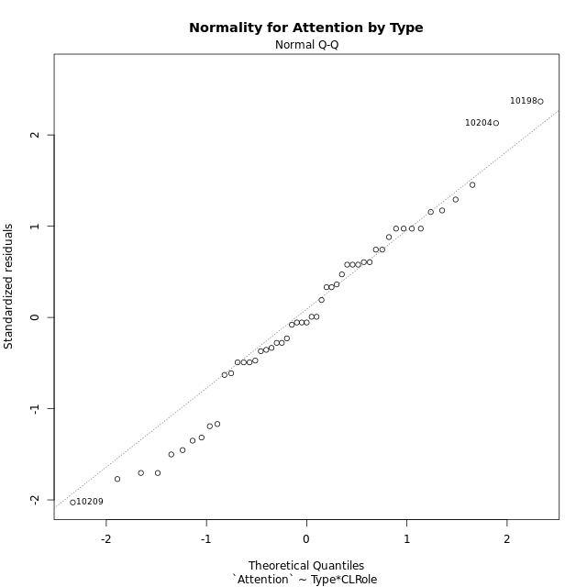

Levene's Test for Homogeneity of Variance in Attention by Type
Df | F value | Pr(>F)
3 | 2.1141886028 | 0.111044275
47

Plots for homogeneity of variance
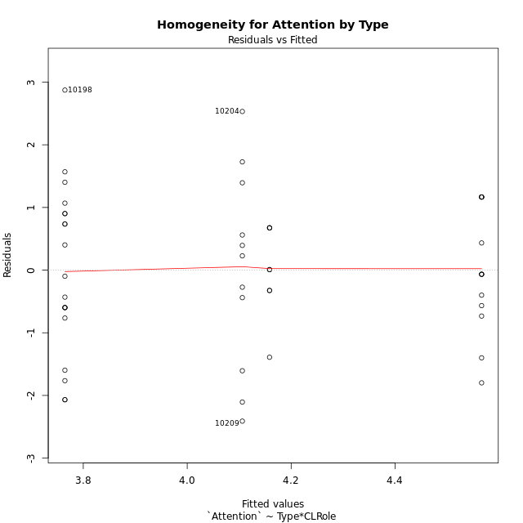

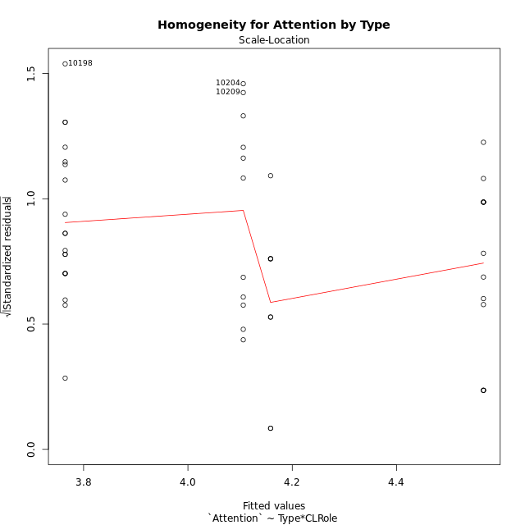

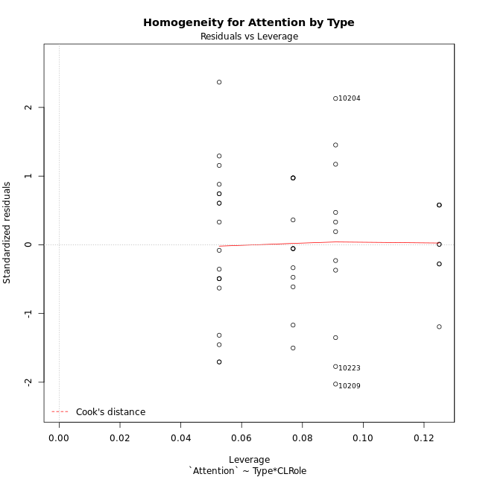

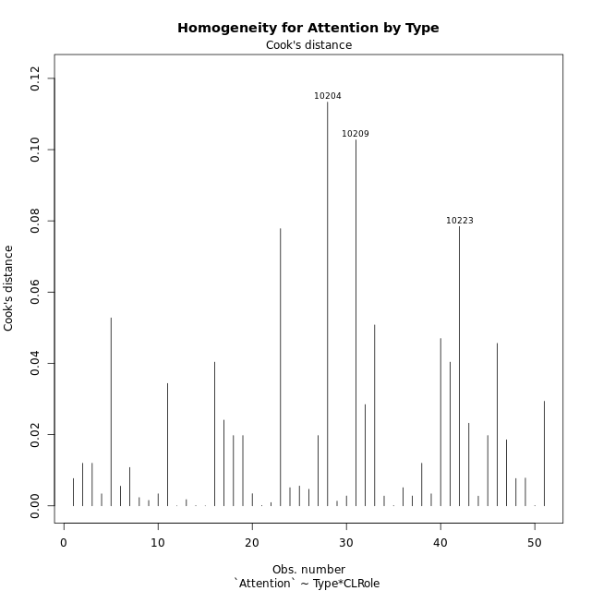

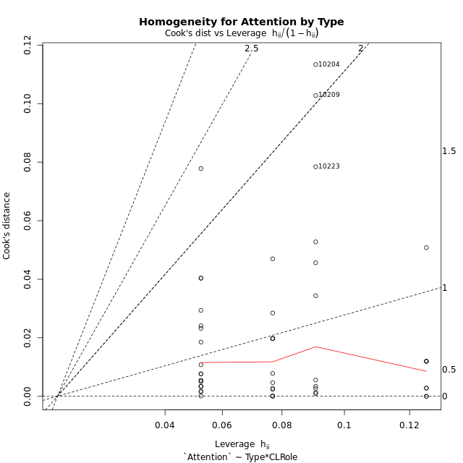

Minimum Sample Size Test for Attention by Type
Type | CLRole | Freq
non-gamified | Apprentice | 19
ont-gamified | Apprentice | 13
non-gamified | Master | 11
ont-gamified | Master | 8

Errors and Warnings in Sample Size Test for ANOVA in Attention by Type
code | description
WARN: sample.size | current size is 13 and recommended size is 15 for the group: 'ont-gamified:Apprentice'.
WARN: sample.size | current size is 11 and recommended size is 15 for the group: 'non-gamified:Master'.
WARN: sample.size | current size is 8 and recommended size is 15 for the group: 'ont-gamified:Master'.

For the group: 'non-gamified:Apprentice', you can perform a parametric test without having a normal distribution For the group: 'ont-gamified:Apprentice', we recommend the use of non-parametric test. For the group: 'non-gamified:Master', we recommend the use of non-parametric test. For the group: 'ont-gamified:Master', we recommend the use of non-parametric test.

If you don't want to remove non-normal data, you must cite the following references: ... (1) Lix, L.M., J.C. Keselman, and H.J. Keselman. 1996. Consequences of assumption violations revisited: A quantitative review of alternatives to the one-way analysis of variance F test. Rev. Educ. Res. 66: 579-619. ... (2) Harwell, M.R., E.N. Rubinstein, W.S. Hayes, and C.C. Olds. 1992. Summarizing Monte Carlo results in methodological research: the one- and two-factor fixed effects ANOVA cases. J. Educ. Stat. 17: 315-339.

Post-hoc
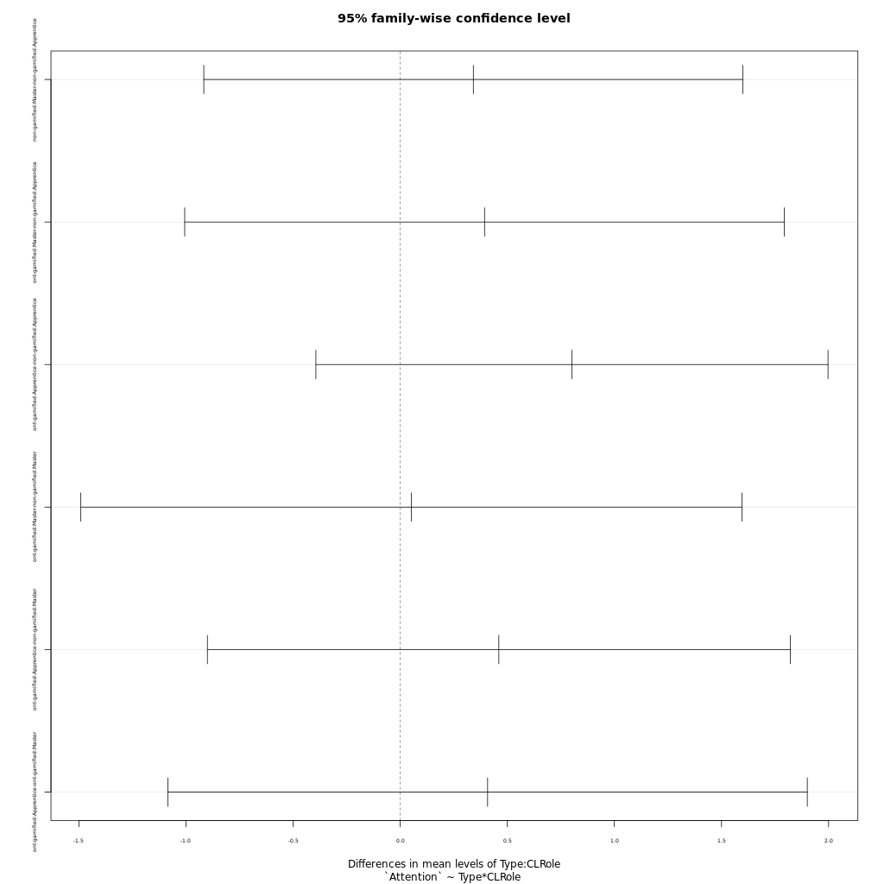
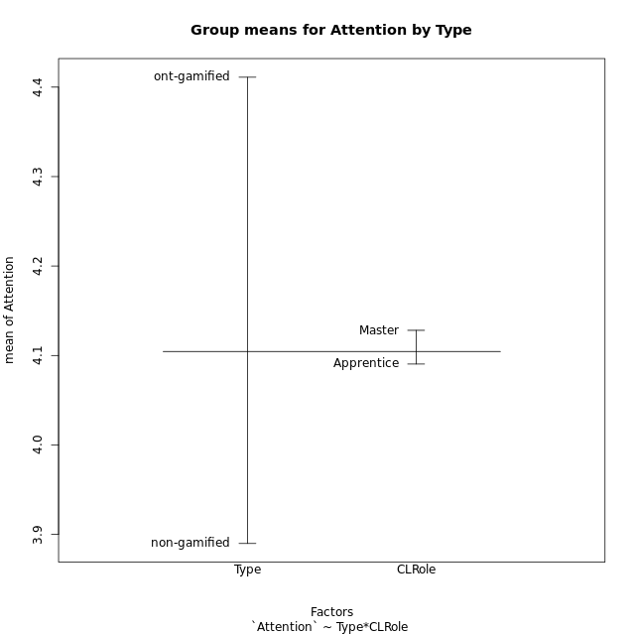
Post-hoc Tukey Honestly Significant Difference (HSD) Test for Attention by Type

Comparisons of means for Type
 | diff | lwr | upr | p adj
ont-gamified-non-gamified | 0.52118571429 | -0.19260842494 | 1.2349798535 | 0.14852246615

Comparisons of means for CLRole
 | diff | lwr | upr | p adj
Master-Apprentice | 0.029973018484 | -0.69662040529 | 0.75656644225 | 0.93421417795

Comparisons of means for Type:CLRole
 | diff | lwr | upr | p adj
non-gamified:Master-non-gamified:Apprentice | 0.34137639553 | -0.91699353634 | 1.5997463274 | 0.88761364245
ont-gamified:Master-non-gamified:Apprentice | 0.39374078947 | -1.0061073883 | 1.7935889672 | 0.87657014335
ont-gamified:Apprentice-non-gamified:Apprentice | 0.80181322537 | -0.39368066428 | 1.997307115 | 0.29260653347
ont-gamified:Master-non-gamified:Master | 0.052364393939 | -1.4909567727 | 1.5956855606 | 0.99973160919
ont-gamified:Apprentice-non-gamified:Master | 0.46043682984 | -0.90025084299 | 1.8211245027 | 0.80419636453
ont-gamified:Apprentice-ont-gamified:Master | 0.4080724359 | -1.084425798 | 1.9005706698 | 0.8853011788

Contrast Matrices for Attention by Type - Type
contrast | estimate | SE | df | t.ratio | p.value
non-gamified - ont-gamified | -0.42708880966 | 0.36648604822 | 47 | -1.1653617149 | 0.24975300802

Contrast Matrices for Attention by Type - Type:CLRole
contrast | CLRole | estimate | SE | df | t.ratio | p.value
non-gamified - ont-gamified | Apprentice | -0.80181322537 | 0.44886187042 | 47 | -1.7863250996 | 0.080498180827
non-gamified - ont-gamified | Master | -0.052364393939 | 0.57945760454 | 47 | -0.090367946731 | 0.92837885456

Least Squares Means and Confidence Intervals for Type
Type | lsmean | SE | df | lower.CL | upper.CL | Pairs
non-gamified | 3.9353724083 | 0.23623470023 | 47 | 3.4601294911 | 4.4106153255 | non-gamified
ont-gamified | 4.3624612179 | 0.28018777623 | 47 | 3.7987961171 | 4.9261263188 | ont-gamified

Least Squares Means and Confidence Intervals for Type:CLRole
Type | CLRole | lsmean | SE | df | lower.CL | upper.CL | Pairs
non-gamified | Apprentice | 3.7646842105 | 0.28609442952 | 47 | 3.1891364559 | 4.3402319651 | non-gamified.Apprentice
ont-gamified | Apprentice | 4.5664974359 | 0.34587129993 | 47 | 3.8706941293 | 5.2623007425 | ont-gamified.Apprentice
non-gamified | Master | 4.1060606061 | 0.37600174437 | 47 | 3.3496426637 | 4.8624785484 | non-gamified.Master
ont-gamified | Master | 4.158425 | 0.44090112688 | 47 | 3.2714463405 | 5.0454036595 | ont-gamified.Master

Plots

Type_1
Student's t-Test for Attention by Type in Type between non-gamified:ont-gamified

Student's t-Test results
Alternative hypothesis: less
Group | N | Mean | Mean.Difference | Std.deviation | Std.error | CI.lower | CI.upper | df | t.value | p.value | g | magnitude
non-gamified | 30 | 3.8898555556 | -0.52118571429 | 1.4207335262 | 0.25938926683 | 3.3710770219 | 4.4086340892 | 48.612410455 | -1.6020443098 | 0.057812386002 | -0.41554076194 | small
ont-gamified | 21 | 4.4110412698 | 0.52118571429 | 0.89979463125 | 0.19635128608 | 4.0183386977 | 4.803743842 | 48.612410455 | -1.6020443098 | 0.057812386002 | -0.41554076194 | small
Alternative hypothesis: greater
Group | N | Mean | Mean.Difference | Std.deviation | Std.error | CI.lower | CI.upper | df | t.value | p.value | g | magnitude
non-gamified | 30 | 3.8898555556 | -0.52118571429 | 1.4207335262 | 0.25938926683 | 3.3710770219 | 4.4086340892 | 48.612410455 | -1.6020443098 | 0.942187614 | -0.41554076194 | small
ont-gamified | 21 | 4.4110412698 | 0.52118571429 | 0.89979463125 | 0.19635128608 | 4.0183386977 | 4.803743842 | 48.612410455 | -1.6020443098 | 0.942187614 | -0.41554076194 | small
Alternative hypothesis: two.sided
Group | N | Mean | Mean.Difference | Std.deviation | Std.error | CI.lower | CI.upper | df | t.value | p.value | g | magnitude
non-gamified | 30 | 3.8898555556 | -0.52118571429 | 1.4207335262 | 0.25938926683 | 3.3710770219 | 4.4086340892 | 48.612410455 | -1.6020443098 | 0.115624772 | -0.41554076194 | small
ont-gamified | 21 | 4.4110412698 | 0.52118571429 | 0.89979463125 | 0.19635128608 | 4.0183386977 | 4.803743842 | 48.612410455 | -1.6020443098 | 0.115624772 | -0.41554076194 | small

Box plots for Student's t-Test
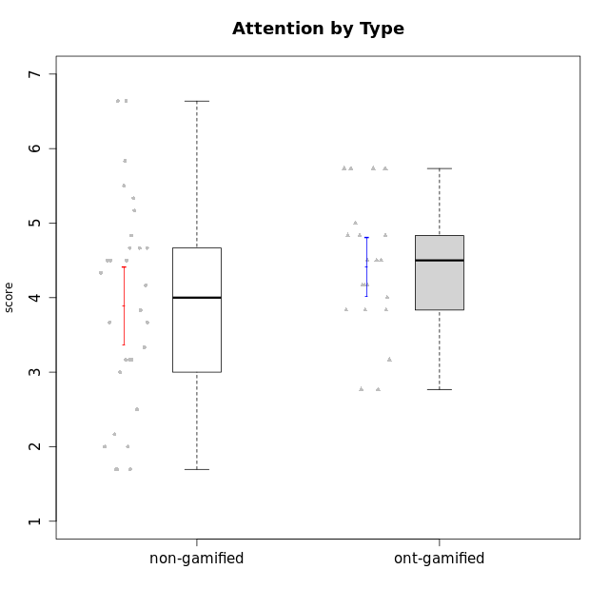

Student's t-Test data
UserID | NroUSP | Type | CLGroup | CLRole | PlayerRole | Attention | Relevance | Satisfaction | Level of Motivation
10170 | 10260351 | non-gamified | Grupo Team 6 | Apprentice |  | 4.6666666667 | 5 | 4 | 4.6153846154
10171 | 698531 | ont-gamified | Grupo Losvakai | Master | Yee Achiever | 4.8333333333 | 6.6076 | 5.3333333333 | 5.5384615385
10172 | 10273971 | ont-gamified | Grupo Koil | Master | Yee Achiever | 4.8333333333 | 5.5 | 3.6666666667 | 4.7692307692
10174 | 10276852 | non-gamified | Grupo Team 1 | Apprentice |  | 3.1666666667 | 3 | 4 | 3.3076923077
10175 | 10310700 | non-gamified | Grupo Team 6 | Master |  | 5.8333333333 | 6.4826 | 5.3333333333 | 6.0769230769
10176 | 10276949 | non-gamified | Grupo Team 9 | Apprentice |  | 3 | 3 | 3.3333333333 | 3.0769230769
10178 | 8656201 | non-gamified | Grupo Team 11 | Apprentice |  | 4.8333333333 | 4.75 | 4.3333333333 | 4.6923076923
10179 | 10310759 | ont-gamified | Grupo Tosskor | Apprentice | Yee Achiever | 4.1666666667 | 5.25 | 4.3333333333 | 4.5384615385
10181 | 10276866 | non-gamified | Grupo Team 7 | Apprentice |  | 4.1666666667 | 4.25 | 3.6666666667 | 4.0769230769
10183 | 10352030 | non-gamified | Grupo Belos | Apprentice | Yee Socializer | 3.1666666667 | 3.5 | 4 | 3.4615384615
10184 | 10276675 | non-gamified | Grupo Team 7 | Master |  | 5.5 | 6 | 5.3333333333 | 5.6153846154
10185 | 10276960 | ont-gamified | Grupo Tosskor | Master | Yee Achiever | 4.1666666667 | 4.75 | 4 | 4.3076923077
10186 | 10310551 | non-gamified | Grupo Team 5 | Apprentice |  | 3.3333333333 | 5 | 5.6666666667 | 4.3846153846
10187 | 9790781 | ont-gamified | Grupo Razorg | Apprentice | Yee Achiever | 4.5 | 2.9011 | 4.6666666667 | 4
10188 | 10276995 | ont-gamified | Grupo Paldira | Master | Yee Achiever | 4.1666666667 | 5.25 | 4.6666666667 | 4.6153846154
10189 | 9363926 | non-gamified | Grupo Team 2 | Apprentice |  | 1.6956666667 | 3 | 1.3681333333 | 2.2177384615
10190 | 10276907 | non-gamified | Grupo Team 8 | Apprentice |  | 2.1666666667 | 4.75 | 6 | 3.8461538462
10191 | 10276981 | ont-gamified | Grupo Yeka | Apprentice | Yee Socializer | 5.7326 | 5.75 | 5.6492666667 | 5.9230769231
10192 | 10276682 | ont-gamified | Grupo Yeka | Apprentice | Yee Socializer | 5.7326 | 5.75 | 5.6492666667 | 6.3846153846
10193 | 10276762 | non-gamified | Grupo Team 2 | Master |  | 3.6666666667 | 4.5 | 2.6666666667 | 3.6923076923
10196 | 10310655 | non-gamified | Grupo Team 5 | Apprentice |  | 3.6666666667 | 3.25 | 4.3333333333 | 3.6923076923
10197 | 10276661 | non-gamified | Grupo Team 11 | Master |  | 4.3333333333 | 5 | 4.3333333333 | 4.5384615385
10198 | 10310888 | non-gamified | Grupo Team 1 | Apprentice |  | 6.6376666667 | 6.25 | 6 | 6.5384615385
10200 | 9795272 | non-gamified | Grupo Team 4 | Apprentice |  | 4.5 | 4.5 | 5.3333333333 | 4.6923076923
10201 | 10276928 | non-gamified | Grupo Team 10 | Master |  | 4.6666666667 | 5.25 | 6 | 5.1538461538
10202 | 10277036 | ont-gamified | Grupo Paldira | Apprentice | Yee Achiever | 4 | 3.5 | 4 | 3.8461538462
10203 | 9921470 | ont-gamified | Grupo Paldira | Apprentice | Yee Achiever | 5.7326 | 7 | 5.6492666667 | 6.5143692308
10204 | 10310471 | non-gamified | Grupo Team 5 | Master |  | 6.6376666667 | 6.25 | 6.3333333333 | 6.5384615385
10206 | 10310721 | non-gamified | Grupo Team 9 | Master |  | 3.8333333333 | 4.75 | 4.6666666667 | 4.3076923077
10208 | 10276932 | ont-gamified | Grupo Yeka | Master | Yee Socializer | 3.8333333333 | 3.75 | 3.6666666667 | 3.7692307692
10209 | 10262669 | non-gamified | Grupo Team 1 | Master |  | 1.6956666667 | 3.75 | 2.6666666667 | 2.4615384615
10210 | 10277015 | ont-gamified | Grupo Losvakai | Apprentice | Yee Achiever | 3.1666666667 | 4.75 | 3.6666666667 | 3.7692307692
10211 | 9311643 | ont-gamified | Grupo Razorg | Master | Yee Achiever | 2.7674 | 4.25 | 2.6840666667 | 3.1314461538
10213 | 10277040 | non-gamified | Grupo Team 8 | Master |  | 4.5 | 5 | 5.6666666667 | 4.9230769231
10214 | 10277022 | ont-gamified | Grupo Koil | Apprentice | Yee Achiever | 4.5 | 5.75 | 3.6666666667 | 4.6923076923
10215 | 9285227 | non-gamified | Grupo Team 7 | Apprentice |  | 4.5 | 7 | 4.3333333333 | 5.2307692308
10216 | 10276720 | ont-gamified | Grupo Ellaru | Master | Yee Socializer | 3.8333333333 | 5 | 4.6666666667 | 4.3846153846
10217 | 9805341 | ont-gamified | Grupo Belos | Master | Yee Socializer | 4.8333333333 | 5.75 | 5 | 5.1538461538
10218 | 9842913 | non-gamified | Grupo Team 10 | Apprentice |  | 3.1666666667 | 5.25 | 5 | 4.2307692308
10219 | 10276831 | ont-gamified | Grupo Razorg | Apprentice | Yee Achiever | 2.7674 | 2.9011 | 3.3333333333 | 2.8461538462
10220 | 9760151 | non-gamified | Grupo Team 4 | Apprentice |  | 1.6956666667 | 7 | 6 | 4.2307692308
10223 | 9795185 | non-gamified | Grupo Team 3 | Master |  | 2 | 3.5174 | 2.3333333333 | 2.3076923077
10224 | 9368772 | non-gamified | Grupo Team 9 | Apprentice |  | 5.3333333333 | 6 | 5.6666666667 | 5.6153846154
10226 | 10310342 | ont-gamified | Grupo Yeka | Apprentice | Yee Socializer | 5 | 6.25 | 5.6492666667 | 5.5384615385
10230 | 10351992 | ont-gamified | Grupo Koil | Apprentice | Yee Achiever | 5.7326 | 6 | 5.3333333333 | 5.9230769231
10231 | 10276911 | non-gamified | Grupo Team 4 | Master |  | 2.5 | 5 | 4.6666666667 | 3.7692307692
10232 | 10276974 | non-gamified | Grupo Team 3 | Apprentice |  | 5.1666666667 | 6.5 | 5.6666666667 | 5.6923076923
10234 | 10310676 | non-gamified | Grupo Team 6 | Apprentice |  | 4.6666666667 | 5.25 | 4 | 4.6923076923
10237 | 10377688 | ont-gamified | Grupo Ellaru | Apprentice | Yee Socializer | 3.8333333333 | 6 | 3.6666666667 | 4.4615384615
10238 | 10276953 | ont-gamified | Grupo Belos | Apprentice | Yee Socializer | 4.5 | 4.25 | 4.6666666667 | 4.4615384615
10240 | 10276654 | non-gamified | Grupo Team 8 | Apprentice |  | 2 | 3.25 | 1.6666666667 | 2.3076923077

Type_CLRole_1
Student's t-Test for Attention by Type in Type:CLRole between non-gamified.Apprentice:non-gamified.Master

Student's t-Test results
Alternative hypothesis: less
Group | N | Mean | Mean.Difference | Std.deviation | Std.error | CI.lower | CI.upper | df | t.value | p.value | g | magnitude
non-gamified.Apprentice | 19 | 3.7646842105 | -0.34137639553 | 1.3493844846 | 0.30957003181 | 3.1455441469 | 4.3838242742 | 18.409920147 | -0.60099689581 | 0.27758513598 | -0.23133136115 | small
non-gamified.Master | 11 | 4.1060606061 | 0.34137639553 | 1.5795270095 | 0.47624531243 | 3.1535699812 | 5.0585512309 | 18.409920147 | -0.60099689581 | 0.27758513598 | -0.23133136115 | small
Alternative hypothesis: greater
Group | N | Mean | Mean.Difference | Std.deviation | Std.error | CI.lower | CI.upper | df | t.value | p.value | g | magnitude
non-gamified.Apprentice | 19 | 3.7646842105 | -0.34137639553 | 1.3493844846 | 0.30957003181 | 3.1455441469 | 4.3838242742 | 18.409920147 | -0.60099689581 | 0.72241486402 | -0.23133136115 | small
non-gamified.Master | 11 | 4.1060606061 | 0.34137639553 | 1.5795270095 | 0.47624531243 | 3.1535699812 | 5.0585512309 | 18.409920147 | -0.60099689581 | 0.72241486402 | -0.23133136115 | small
Alternative hypothesis: two.sided
Group | N | Mean | Mean.Difference | Std.deviation | Std.error | CI.lower | CI.upper | df | t.value | p.value | g | magnitude
non-gamified.Apprentice | 19 | 3.7646842105 | -0.34137639553 | 1.3493844846 | 0.30957003181 | 3.1455441469 | 4.3838242742 | 18.409920147 | -0.60099689581 | 0.55517027195 | -0.23133136115 | small
non-gamified.Master | 11 | 4.1060606061 | 0.34137639553 | 1.5795270095 | 0.47624531243 | 3.1535699812 | 5.0585512309 | 18.409920147 | -0.60099689581 | 0.55517027195 | -0.23133136115 | small

Box plots for Student's t-Test
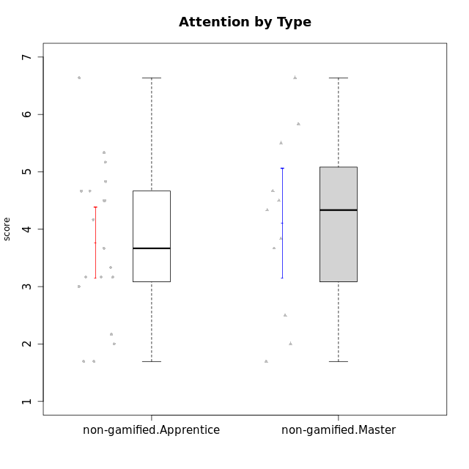

Student's t-Test data
UserID | NroUSP | Type | CLGroup | CLRole | PlayerRole | Attention | Relevance | Satisfaction | Level of Motivation
10170 | 10260351 | non-gamified | Grupo Team 6 | Apprentice |  | 4.6666666667 | 5 | 4 | 4.6153846154
10174 | 10276852 | non-gamified | Grupo Team 1 | Apprentice |  | 3.1666666667 | 3 | 4 | 3.3076923077
10175 | 10310700 | non-gamified | Grupo Team 6 | Master |  | 5.8333333333 | 6.4826 | 5.3333333333 | 6.0769230769
10176 | 10276949 | non-gamified | Grupo Team 9 | Apprentice |  | 3 | 3 | 3.3333333333 | 3.0769230769
10178 | 8656201 | non-gamified | Grupo Team 11 | Apprentice |  | 4.8333333333 | 4.75 | 4.3333333333 | 4.6923076923
10181 | 10276866 | non-gamified | Grupo Team 7 | Apprentice |  | 4.1666666667 | 4.25 | 3.6666666667 | 4.0769230769
10183 | 10352030 | non-gamified | Grupo Belos | Apprentice | Yee Socializer | 3.1666666667 | 3.5 | 4 | 3.4615384615
10184 | 10276675 | non-gamified | Grupo Team 7 | Master |  | 5.5 | 6 | 5.3333333333 | 5.6153846154
10186 | 10310551 | non-gamified | Grupo Team 5 | Apprentice |  | 3.3333333333 | 5 | 5.6666666667 | 4.3846153846
10189 | 9363926 | non-gamified | Grupo Team 2 | Apprentice |  | 1.6956666667 | 3 | 1.3681333333 | 2.2177384615
10190 | 10276907 | non-gamified | Grupo Team 8 | Apprentice |  | 2.1666666667 | 4.75 | 6 | 3.8461538462
10193 | 10276762 | non-gamified | Grupo Team 2 | Master |  | 3.6666666667 | 4.5 | 2.6666666667 | 3.6923076923
10196 | 10310655 | non-gamified | Grupo Team 5 | Apprentice |  | 3.6666666667 | 3.25 | 4.3333333333 | 3.6923076923
10197 | 10276661 | non-gamified | Grupo Team 11 | Master |  | 4.3333333333 | 5 | 4.3333333333 | 4.5384615385
10198 | 10310888 | non-gamified | Grupo Team 1 | Apprentice |  | 6.6376666667 | 6.25 | 6 | 6.5384615385
10200 | 9795272 | non-gamified | Grupo Team 4 | Apprentice |  | 4.5 | 4.5 | 5.3333333333 | 4.6923076923
10201 | 10276928 | non-gamified | Grupo Team 10 | Master |  | 4.6666666667 | 5.25 | 6 | 5.1538461538
10204 | 10310471 | non-gamified | Grupo Team 5 | Master |  | 6.6376666667 | 6.25 | 6.3333333333 | 6.5384615385
10206 | 10310721 | non-gamified | Grupo Team 9 | Master |  | 3.8333333333 | 4.75 | 4.6666666667 | 4.3076923077
10209 | 10262669 | non-gamified | Grupo Team 1 | Master |  | 1.6956666667 | 3.75 | 2.6666666667 | 2.4615384615
10213 | 10277040 | non-gamified | Grupo Team 8 | Master |  | 4.5 | 5 | 5.6666666667 | 4.9230769231
10215 | 9285227 | non-gamified | Grupo Team 7 | Apprentice |  | 4.5 | 7 | 4.3333333333 | 5.2307692308
10218 | 9842913 | non-gamified | Grupo Team 10 | Apprentice |  | 3.1666666667 | 5.25 | 5 | 4.2307692308
10220 | 9760151 | non-gamified | Grupo Team 4 | Apprentice |  | 1.6956666667 | 7 | 6 | 4.2307692308
10223 | 9795185 | non-gamified | Grupo Team 3 | Master |  | 2 | 3.5174 | 2.3333333333 | 2.3076923077
10224 | 9368772 | non-gamified | Grupo Team 9 | Apprentice |  | 5.3333333333 | 6 | 5.6666666667 | 5.6153846154
10231 | 10276911 | non-gamified | Grupo Team 4 | Master |  | 2.5 | 5 | 4.6666666667 | 3.7692307692
10232 | 10276974 | non-gamified | Grupo Team 3 | Apprentice |  | 5.1666666667 | 6.5 | 5.6666666667 | 5.6923076923
10234 | 10310676 | non-gamified | Grupo Team 6 | Apprentice |  | 4.6666666667 | 5.25 | 4 | 4.6923076923
10240 | 10276654 | non-gamified | Grupo Team 8 | Apprentice |  | 2 | 3.25 | 1.6666666667 | 2.3076923077

Type_CLRole_2
Student's t-Test for Attention by Type in Type:CLRole between non-gamified.Apprentice:ont-gamified.Apprentice

Student's t-Test results
Alternative hypothesis: less
Group | N | Mean | Mean.Difference | Std.deviation | Std.error | CI.lower | CI.upper | df | t.value | p.value | g | magnitude
non-gamified.Apprentice | 19 | 3.7646842105 | -0.80181322537 | 1.3493844846 | 0.30957003181 | 3.1455441469 | 4.3838242742 | 29.778340178 | -1.934316655 | 0.031313120572 | -0.64081277208 | medium
ont-gamified.Apprentice | 13 | 4.5664974359 | 0.80181322537 | 0.99393839164 | 0.27566891044 | 4.015159615 | 5.1178352568 | 29.778340178 | -1.934316655 | 0.031313120572 | -0.64081277208 | medium
Alternative hypothesis: greater
Group | N | Mean | Mean.Difference | Std.deviation | Std.error | CI.lower | CI.upper | df | t.value | p.value | g | magnitude
non-gamified.Apprentice | 19 | 3.7646842105 | -0.80181322537 | 1.3493844846 | 0.30957003181 | 3.1455441469 | 4.3838242742 | 29.778340178 | -1.934316655 | 0.96868687943 | -0.64081277208 | medium
ont-gamified.Apprentice | 13 | 4.5664974359 | 0.80181322537 | 0.99393839164 | 0.27566891044 | 4.015159615 | 5.1178352568 | 29.778340178 | -1.934316655 | 0.96868687943 | -0.64081277208 | medium
Alternative hypothesis: two.sided
Group | N | Mean | Mean.Difference | Std.deviation | Std.error | CI.lower | CI.upper | df | t.value | p.value | g | magnitude
non-gamified.Apprentice | 19 | 3.7646842105 | -0.80181322537 | 1.3493844846 | 0.30957003181 | 3.1455441469 | 4.3838242742 | 29.778340178 | -1.934316655 | 0.062626241144 | -0.64081277208 | medium
ont-gamified.Apprentice | 13 | 4.5664974359 | 0.80181322537 | 0.99393839164 | 0.27566891044 | 4.015159615 | 5.1178352568 | 29.778340178 | -1.934316655 | 0.062626241144 | -0.64081277208 | medium

Box plots for Student's t-Test
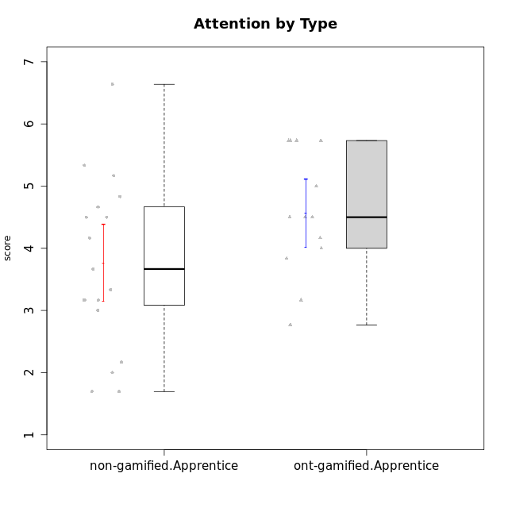

Student's t-Test data
UserID | NroUSP | Type | CLGroup | CLRole | PlayerRole | Attention | Relevance | Satisfaction | Level of Motivation
10170 | 10260351 | non-gamified | Grupo Team 6 | Apprentice |  | 4.6666666667 | 5 | 4 | 4.6153846154
10174 | 10276852 | non-gamified | Grupo Team 1 | Apprentice |  | 3.1666666667 | 3 | 4 | 3.3076923077
10176 | 10276949 | non-gamified | Grupo Team 9 | Apprentice |  | 3 | 3 | 3.3333333333 | 3.0769230769
10178 | 8656201 | non-gamified | Grupo Team 11 | Apprentice |  | 4.8333333333 | 4.75 | 4.3333333333 | 4.6923076923
10179 | 10310759 | ont-gamified | Grupo Tosskor | Apprentice | Yee Achiever | 4.1666666667 | 5.25 | 4.3333333333 | 4.5384615385
10181 | 10276866 | non-gamified | Grupo Team 7 | Apprentice |  | 4.1666666667 | 4.25 | 3.6666666667 | 4.0769230769
10183 | 10352030 | non-gamified | Grupo Belos | Apprentice | Yee Socializer | 3.1666666667 | 3.5 | 4 | 3.4615384615
10186 | 10310551 | non-gamified | Grupo Team 5 | Apprentice |  | 3.3333333333 | 5 | 5.6666666667 | 4.3846153846
10187 | 9790781 | ont-gamified | Grupo Razorg | Apprentice | Yee Achiever | 4.5 | 2.9011 | 4.6666666667 | 4
10189 | 9363926 | non-gamified | Grupo Team 2 | Apprentice |  | 1.6956666667 | 3 | 1.3681333333 | 2.2177384615
10190 | 10276907 | non-gamified | Grupo Team 8 | Apprentice |  | 2.1666666667 | 4.75 | 6 | 3.8461538462
10191 | 10276981 | ont-gamified | Grupo Yeka | Apprentice | Yee Socializer | 5.7326 | 5.75 | 5.6492666667 | 5.9230769231
10192 | 10276682 | ont-gamified | Grupo Yeka | Apprentice | Yee Socializer | 5.7326 | 5.75 | 5.6492666667 | 6.3846153846
10196 | 10310655 | non-gamified | Grupo Team 5 | Apprentice |  | 3.6666666667 | 3.25 | 4.3333333333 | 3.6923076923
10198 | 10310888 | non-gamified | Grupo Team 1 | Apprentice |  | 6.6376666667 | 6.25 | 6 | 6.5384615385
10200 | 9795272 | non-gamified | Grupo Team 4 | Apprentice |  | 4.5 | 4.5 | 5.3333333333 | 4.6923076923
10202 | 10277036 | ont-gamified | Grupo Paldira | Apprentice | Yee Achiever | 4 | 3.5 | 4 | 3.8461538462
10203 | 9921470 | ont-gamified | Grupo Paldira | Apprentice | Yee Achiever | 5.7326 | 7 | 5.6492666667 | 6.5143692308
10210 | 10277015 | ont-gamified | Grupo Losvakai | Apprentice | Yee Achiever | 3.1666666667 | 4.75 | 3.6666666667 | 3.7692307692
10214 | 10277022 | ont-gamified | Grupo Koil | Apprentice | Yee Achiever | 4.5 | 5.75 | 3.6666666667 | 4.6923076923
10215 | 9285227 | non-gamified | Grupo Team 7 | Apprentice |  | 4.5 | 7 | 4.3333333333 | 5.2307692308
10218 | 9842913 | non-gamified | Grupo Team 10 | Apprentice |  | 3.1666666667 | 5.25 | 5 | 4.2307692308
10219 | 10276831 | ont-gamified | Grupo Razorg | Apprentice | Yee Achiever | 2.7674 | 2.9011 | 3.3333333333 | 2.8461538462
10220 | 9760151 | non-gamified | Grupo Team 4 | Apprentice |  | 1.6956666667 | 7 | 6 | 4.2307692308
10224 | 9368772 | non-gamified | Grupo Team 9 | Apprentice |  | 5.3333333333 | 6 | 5.6666666667 | 5.6153846154
10226 | 10310342 | ont-gamified | Grupo Yeka | Apprentice | Yee Socializer | 5 | 6.25 | 5.6492666667 | 5.5384615385
10230 | 10351992 | ont-gamified | Grupo Koil | Apprentice | Yee Achiever | 5.7326 | 6 | 5.3333333333 | 5.9230769231
10232 | 10276974 | non-gamified | Grupo Team 3 | Apprentice |  | 5.1666666667 | 6.5 | 5.6666666667 | 5.6923076923
10234 | 10310676 | non-gamified | Grupo Team 6 | Apprentice |  | 4.6666666667 | 5.25 | 4 | 4.6923076923
10237 | 10377688 | ont-gamified | Grupo Ellaru | Apprentice | Yee Socializer | 3.8333333333 | 6 | 3.6666666667 | 4.4615384615
10238 | 10276953 | ont-gamified | Grupo Belos | Apprentice | Yee Socializer | 4.5 | 4.25 | 4.6666666667 | 4.4615384615
10240 | 10276654 | non-gamified | Grupo Team 8 | Apprentice |  | 2 | 3.25 | 1.6666666667 | 2.3076923077

Type_CLRole_3
Student's t-Test for Attention by Type in Type:CLRole between non-gamified.Apprentice:ont-gamified.Master

Student's t-Test results
Alternative hypothesis: less
Group | N | Mean | Mean.Difference | Std.deviation | Std.error | CI.lower | CI.upper | df | t.value | p.value | g | magnitude
non-gamified.Apprentice | 19 | 3.7646842105 | -0.39374078947 | 1.3493844846 | 0.30957003181 | 3.1455441469 | 4.3838242742 | 23.445363916 | -0.98879602541 | 0.1664292606 | -0.31690903583 | small
ont-gamified.Master | 8 | 4.158425 | 0.39374078947 | 0.70841466463 | 0.25046240663 | 3.6575001867 | 4.6593498133 | 23.445363916 | -0.98879602541 | 0.1664292606 | -0.31690903583 | small
Alternative hypothesis: greater
Group | N | Mean | Mean.Difference | Std.deviation | Std.error | CI.lower | CI.upper | df | t.value | p.value | g | magnitude
non-gamified.Apprentice | 19 | 3.7646842105 | -0.39374078947 | 1.3493844846 | 0.30957003181 | 3.1455441469 | 4.3838242742 | 23.445363916 | -0.98879602541 | 0.8335707394 | -0.31690903583 | small
ont-gamified.Master | 8 | 4.158425 | 0.39374078947 | 0.70841466463 | 0.25046240663 | 3.6575001867 | 4.6593498133 | 23.445363916 | -0.98879602541 | 0.8335707394 | -0.31690903583 | small
Alternative hypothesis: two.sided
Group | N | Mean | Mean.Difference | Std.deviation | Std.error | CI.lower | CI.upper | df | t.value | p.value | g | magnitude
non-gamified.Apprentice | 19 | 3.7646842105 | -0.39374078947 | 1.3493844846 | 0.30957003181 | 3.1455441469 | 4.3838242742 | 23.445363916 | -0.98879602541 | 0.33285852121 | -0.31690903583 | small
ont-gamified.Master | 8 | 4.158425 | 0.39374078947 | 0.70841466463 | 0.25046240663 | 3.6575001867 | 4.6593498133 | 23.445363916 | -0.98879602541 | 0.33285852121 | -0.31690903583 | small

Box plots for Student's t-Test
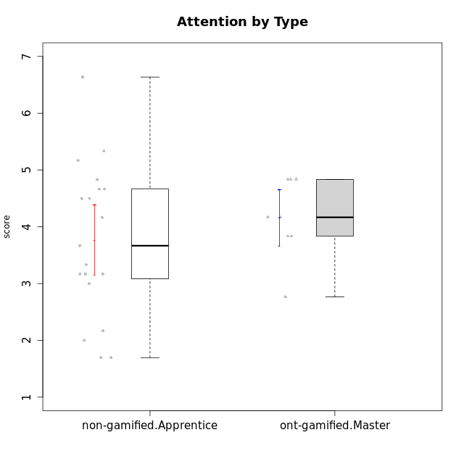

Student's t-Test data
UserID | NroUSP | Type | CLGroup | CLRole | PlayerRole | Attention | Relevance | Satisfaction | Level of Motivation
10170 | 10260351 | non-gamified | Grupo Team 6 | Apprentice |  | 4.6666666667 | 5 | 4 | 4.6153846154
10171 | 698531 | ont-gamified | Grupo Losvakai | Master | Yee Achiever | 4.8333333333 | 6.6076 | 5.3333333333 | 5.5384615385
10172 | 10273971 | ont-gamified | Grupo Koil | Master | Yee Achiever | 4.8333333333 | 5.5 | 3.6666666667 | 4.7692307692
10174 | 10276852 | non-gamified | Grupo Team 1 | Apprentice |  | 3.1666666667 | 3 | 4 | 3.3076923077
10176 | 10276949 | non-gamified | Grupo Team 9 | Apprentice |  | 3 | 3 | 3.3333333333 | 3.0769230769
10178 | 8656201 | non-gamified | Grupo Team 11 | Apprentice |  | 4.8333333333 | 4.75 | 4.3333333333 | 4.6923076923
10181 | 10276866 | non-gamified | Grupo Team 7 | Apprentice |  | 4.1666666667 | 4.25 | 3.6666666667 | 4.0769230769
10183 | 10352030 | non-gamified | Grupo Belos | Apprentice | Yee Socializer | 3.1666666667 | 3.5 | 4 | 3.4615384615
10185 | 10276960 | ont-gamified | Grupo Tosskor | Master | Yee Achiever | 4.1666666667 | 4.75 | 4 | 4.3076923077
10186 | 10310551 | non-gamified | Grupo Team 5 | Apprentice |  | 3.3333333333 | 5 | 5.6666666667 | 4.3846153846
10188 | 10276995 | ont-gamified | Grupo Paldira | Master | Yee Achiever | 4.1666666667 | 5.25 | 4.6666666667 | 4.6153846154
10189 | 9363926 | non-gamified | Grupo Team 2 | Apprentice |  | 1.6956666667 | 3 | 1.3681333333 | 2.2177384615
10190 | 10276907 | non-gamified | Grupo Team 8 | Apprentice |  | 2.1666666667 | 4.75 | 6 | 3.8461538462
10196 | 10310655 | non-gamified | Grupo Team 5 | Apprentice |  | 3.6666666667 | 3.25 | 4.3333333333 | 3.6923076923
10198 | 10310888 | non-gamified | Grupo Team 1 | Apprentice |  | 6.6376666667 | 6.25 | 6 | 6.5384615385
10200 | 9795272 | non-gamified | Grupo Team 4 | Apprentice |  | 4.5 | 4.5 | 5.3333333333 | 4.6923076923
10208 | 10276932 | ont-gamified | Grupo Yeka | Master | Yee Socializer | 3.8333333333 | 3.75 | 3.6666666667 | 3.7692307692
10211 | 9311643 | ont-gamified | Grupo Razorg | Master | Yee Achiever | 2.7674 | 4.25 | 2.6840666667 | 3.1314461538
10215 | 9285227 | non-gamified | Grupo Team 7 | Apprentice |  | 4.5 | 7 | 4.3333333333 | 5.2307692308
10216 | 10276720 | ont-gamified | Grupo Ellaru | Master | Yee Socializer | 3.8333333333 | 5 | 4.6666666667 | 4.3846153846
10217 | 9805341 | ont-gamified | Grupo Belos | Master | Yee Socializer | 4.8333333333 | 5.75 | 5 | 5.1538461538
10218 | 9842913 | non-gamified | Grupo Team 10 | Apprentice |  | 3.1666666667 | 5.25 | 5 | 4.2307692308
10220 | 9760151 | non-gamified | Grupo Team 4 | Apprentice |  | 1.6956666667 | 7 | 6 | 4.2307692308
10224 | 9368772 | non-gamified | Grupo Team 9 | Apprentice |  | 5.3333333333 | 6 | 5.6666666667 | 5.6153846154
10232 | 10276974 | non-gamified | Grupo Team 3 | Apprentice |  | 5.1666666667 | 6.5 | 5.6666666667 | 5.6923076923
10234 | 10310676 | non-gamified | Grupo Team 6 | Apprentice |  | 4.6666666667 | 5.25 | 4 | 4.6923076923
10240 | 10276654 | non-gamified | Grupo Team 8 | Apprentice |  | 2 | 3.25 | 1.6666666667 | 2.3076923077

Type_CLRole_4
Student's t-Test for Attention by Type in Type:CLRole between non-gamified.Master:ont-gamified.Apprentice

Student's t-Test results
Alternative hypothesis: less
Group | N | Mean | Mean.Difference | Std.deviation | Std.error | CI.lower | CI.upper | df | t.value | p.value | g | magnitude
non-gamified.Master | 11 | 4.1060606061 | -0.46043682984 | 1.5795270095 | 0.47624531243 | 3.1535699812 | 5.0585512309 | 16.298904357 | -0.83673899123 | 0.20741975657 | -0.34371130078 | small
ont-gamified.Apprentice | 13 | 4.5664974359 | 0.46043682984 | 0.99393839164 | 0.27566891044 | 4.015159615 | 5.1178352568 | 16.298904357 | -0.83673899123 | 0.20741975657 | -0.34371130078 | small
Alternative hypothesis: greater
Group | N | Mean | Mean.Difference | Std.deviation | Std.error | CI.lower | CI.upper | df | t.value | p.value | g | magnitude
non-gamified.Master | 11 | 4.1060606061 | -0.46043682984 | 1.5795270095 | 0.47624531243 | 3.1535699812 | 5.0585512309 | 16.298904357 | -0.83673899123 | 0.79258024343 | -0.34371130078 | small
ont-gamified.Apprentice | 13 | 4.5664974359 | 0.46043682984 | 0.99393839164 | 0.27566891044 | 4.015159615 | 5.1178352568 | 16.298904357 | -0.83673899123 | 0.79258024343 | -0.34371130078 | small
Alternative hypothesis: two.sided
Group | N | Mean | Mean.Difference | Std.deviation | Std.error | CI.lower | CI.upper | df | t.value | p.value | g | magnitude
non-gamified.Master | 11 | 4.1060606061 | -0.46043682984 | 1.5795270095 | 0.47624531243 | 3.1535699812 | 5.0585512309 | 16.298904357 | -0.83673899123 | 0.41483951315 | -0.34371130078 | small
ont-gamified.Apprentice | 13 | 4.5664974359 | 0.46043682984 | 0.99393839164 | 0.27566891044 | 4.015159615 | 5.1178352568 | 16.298904357 | -0.83673899123 | 0.41483951315 | -0.34371130078 | small

Box plots for Student's t-Test
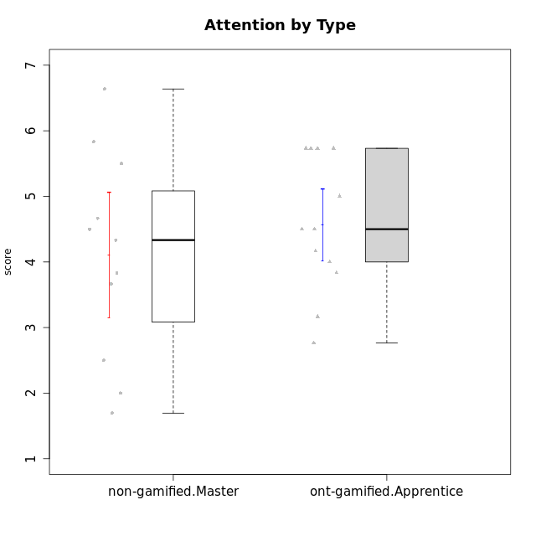

Student's t-Test data
UserID | NroUSP | Type | CLGroup | CLRole | PlayerRole | Attention | Relevance | Satisfaction | Level of Motivation
10175 | 10310700 | non-gamified | Grupo Team 6 | Master |  | 5.8333333333 | 6.4826 | 5.3333333333 | 6.0769230769
10179 | 10310759 | ont-gamified | Grupo Tosskor | Apprentice | Yee Achiever | 4.1666666667 | 5.25 | 4.3333333333 | 4.5384615385
10184 | 10276675 | non-gamified | Grupo Team 7 | Master |  | 5.5 | 6 | 5.3333333333 | 5.6153846154
10187 | 9790781 | ont-gamified | Grupo Razorg | Apprentice | Yee Achiever | 4.5 | 2.9011 | 4.6666666667 | 4
10191 | 10276981 | ont-gamified | Grupo Yeka | Apprentice | Yee Socializer | 5.7326 | 5.75 | 5.6492666667 | 5.9230769231
10192 | 10276682 | ont-gamified | Grupo Yeka | Apprentice | Yee Socializer | 5.7326 | 5.75 | 5.6492666667 | 6.3846153846
10193 | 10276762 | non-gamified | Grupo Team 2 | Master |  | 3.6666666667 | 4.5 | 2.6666666667 | 3.6923076923
10197 | 10276661 | non-gamified | Grupo Team 11 | Master |  | 4.3333333333 | 5 | 4.3333333333 | 4.5384615385
10201 | 10276928 | non-gamified | Grupo Team 10 | Master |  | 4.6666666667 | 5.25 | 6 | 5.1538461538
10202 | 10277036 | ont-gamified | Grupo Paldira | Apprentice | Yee Achiever | 4 | 3.5 | 4 | 3.8461538462
10203 | 9921470 | ont-gamified | Grupo Paldira | Apprentice | Yee Achiever | 5.7326 | 7 | 5.6492666667 | 6.5143692308
10204 | 10310471 | non-gamified | Grupo Team 5 | Master |  | 6.6376666667 | 6.25 | 6.3333333333 | 6.5384615385
10206 | 10310721 | non-gamified | Grupo Team 9 | Master |  | 3.8333333333 | 4.75 | 4.6666666667 | 4.3076923077
10209 | 10262669 | non-gamified | Grupo Team 1 | Master |  | 1.6956666667 | 3.75 | 2.6666666667 | 2.4615384615
10210 | 10277015 | ont-gamified | Grupo Losvakai | Apprentice | Yee Achiever | 3.1666666667 | 4.75 | 3.6666666667 | 3.7692307692
10213 | 10277040 | non-gamified | Grupo Team 8 | Master |  | 4.5 | 5 | 5.6666666667 | 4.9230769231
10214 | 10277022 | ont-gamified | Grupo Koil | Apprentice | Yee Achiever | 4.5 | 5.75 | 3.6666666667 | 4.6923076923
10219 | 10276831 | ont-gamified | Grupo Razorg | Apprentice | Yee Achiever | 2.7674 | 2.9011 | 3.3333333333 | 2.8461538462
10223 | 9795185 | non-gamified | Grupo Team 3 | Master |  | 2 | 3.5174 | 2.3333333333 | 2.3076923077
10226 | 10310342 | ont-gamified | Grupo Yeka | Apprentice | Yee Socializer | 5 | 6.25 | 5.6492666667 | 5.5384615385
10230 | 10351992 | ont-gamified | Grupo Koil | Apprentice | Yee Achiever | 5.7326 | 6 | 5.3333333333 | 5.9230769231
10231 | 10276911 | non-gamified | Grupo Team 4 | Master |  | 2.5 | 5 | 4.6666666667 | 3.7692307692
10237 | 10377688 | ont-gamified | Grupo Ellaru | Apprentice | Yee Socializer | 3.8333333333 | 6 | 3.6666666667 | 4.4615384615
10238 | 10276953 | ont-gamified | Grupo Belos | Apprentice | Yee Socializer | 4.5 | 4.25 | 4.6666666667 | 4.4615384615

Type_CLRole_5
Student's t-Test for Attention by Type in Type:CLRole between non-gamified.Master:ont-gamified.Master

Student's t-Test results
Alternative hypothesis: less
Group | N | Mean | Mean.Difference | Std.deviation | Std.error | CI.lower | CI.upper | df | t.value | p.value | g | magnitude
non-gamified.Master | 11 | 4.1060606061 | -0.052364393939 | 1.5795270095 | 0.47624531243 | 3.1535699812 | 5.0585512309 | 14.691133206 | -0.097315279731 | 0.46189562406 | -0.038657422247 | negligible
ont-gamified.Master | 8 | 4.158425 | 0.052364393939 | 0.70841466463 | 0.25046240663 | 3.6575001867 | 4.6593498133 | 14.691133206 | -0.097315279731 | 0.46189562406 | -0.038657422247 | negligible
Alternative hypothesis: greater
Group | N | Mean | Mean.Difference | Std.deviation | Std.error | CI.lower | CI.upper | df | t.value | p.value | g | magnitude
non-gamified.Master | 11 | 4.1060606061 | -0.052364393939 | 1.5795270095 | 0.47624531243 | 3.1535699812 | 5.0585512309 | 14.691133206 | -0.097315279731 | 0.53810437594 | -0.038657422247 | negligible
ont-gamified.Master | 8 | 4.158425 | 0.052364393939 | 0.70841466463 | 0.25046240663 | 3.6575001867 | 4.6593498133 | 14.691133206 | -0.097315279731 | 0.53810437594 | -0.038657422247 | negligible
Alternative hypothesis: two.sided
Group | N | Mean | Mean.Difference | Std.deviation | Std.error | CI.lower | CI.upper | df | t.value | p.value | g | magnitude
non-gamified.Master | 11 | 4.1060606061 | -0.052364393939 | 1.5795270095 | 0.47624531243 | 3.1535699812 | 5.0585512309 | 14.691133206 | -0.097315279731 | 0.92379124812 | -0.038657422247 | negligible
ont-gamified.Master | 8 | 4.158425 | 0.052364393939 | 0.70841466463 | 0.25046240663 | 3.6575001867 | 4.6593498133 | 14.691133206 | -0.097315279731 | 0.92379124812 | -0.038657422247 | negligible

Box plots for Student's t-Test
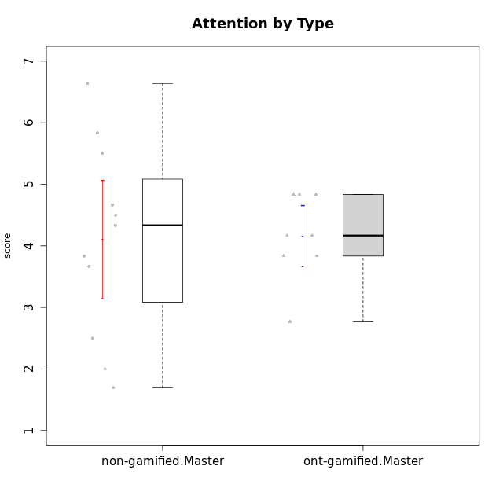

Student's t-Test data
UserID | NroUSP | Type | CLGroup | CLRole | PlayerRole | Attention | Relevance | Satisfaction | Level of Motivation
10171 | 698531 | ont-gamified | Grupo Losvakai | Master | Yee Achiever | 4.8333333333 | 6.6076 | 5.3333333333 | 5.5384615385
10172 | 10273971 | ont-gamified | Grupo Koil | Master | Yee Achiever | 4.8333333333 | 5.5 | 3.6666666667 | 4.7692307692
10175 | 10310700 | non-gamified | Grupo Team 6 | Master |  | 5.8333333333 | 6.4826 | 5.3333333333 | 6.0769230769
10184 | 10276675 | non-gamified | Grupo Team 7 | Master |  | 5.5 | 6 | 5.3333333333 | 5.6153846154
10185 | 10276960 | ont-gamified | Grupo Tosskor | Master | Yee Achiever | 4.1666666667 | 4.75 | 4 | 4.3076923077
10188 | 10276995 | ont-gamified | Grupo Paldira | Master | Yee Achiever | 4.1666666667 | 5.25 | 4.6666666667 | 4.6153846154
10193 | 10276762 | non-gamified | Grupo Team 2 | Master |  | 3.6666666667 | 4.5 | 2.6666666667 | 3.6923076923
10197 | 10276661 | non-gamified | Grupo Team 11 | Master |  | 4.3333333333 | 5 | 4.3333333333 | 4.5384615385
10201 | 10276928 | non-gamified | Grupo Team 10 | Master |  | 4.6666666667 | 5.25 | 6 | 5.1538461538
10204 | 10310471 | non-gamified | Grupo Team 5 | Master |  | 6.6376666667 | 6.25 | 6.3333333333 | 6.5384615385
10206 | 10310721 | non-gamified | Grupo Team 9 | Master |  | 3.8333333333 | 4.75 | 4.6666666667 | 4.3076923077
10208 | 10276932 | ont-gamified | Grupo Yeka | Master | Yee Socializer | 3.8333333333 | 3.75 | 3.6666666667 | 3.7692307692
10209 | 10262669 | non-gamified | Grupo Team 1 | Master |  | 1.6956666667 | 3.75 | 2.6666666667 | 2.4615384615
10211 | 9311643 | ont-gamified | Grupo Razorg | Master | Yee Achiever | 2.7674 | 4.25 | 2.6840666667 | 3.1314461538
10213 | 10277040 | non-gamified | Grupo Team 8 | Master |  | 4.5 | 5 | 5.6666666667 | 4.9230769231
10216 | 10276720 | ont-gamified | Grupo Ellaru | Master | Yee Socializer | 3.8333333333 | 5 | 4.6666666667 | 4.3846153846
10217 | 9805341 | ont-gamified | Grupo Belos | Master | Yee Socializer | 4.8333333333 | 5.75 | 5 | 5.1538461538
10223 | 9795185 | non-gamified | Grupo Team 3 | Master |  | 2 | 3.5174 | 2.3333333333 | 2.3076923077
10231 | 10276911 | non-gamified | Grupo Team 4 | Master |  | 2.5 | 5 | 4.6666666667 | 3.7692307692

Type_CLRole_6
Student's t-Test for Attention by Type in Type:CLRole between ont-gamified.Apprentice:ont-gamified.Master

Student's t-Test results
Alternative hypothesis: less
Group | N | Mean | Mean.Difference | Std.deviation | Std.error | CI.lower | CI.upper | df | t.value | p.value | g | magnitude
ont-gamified.Apprentice | 13 | 4.5664974359 | 0.4080724359 | 0.99393839164 | 0.27566891044 | 4.015159615 | 5.1178352568 | 18.443647086 | 1.095620781 | 0.85632706662 | 0.43558982327 | small
ont-gamified.Master | 8 | 4.158425 | -0.4080724359 | 0.70841466463 | 0.25046240663 | 3.6575001867 | 4.6593498133 | 18.443647086 | 1.095620781 | 0.85632706662 | 0.43558982327 | small
Alternative hypothesis: greater
Group | N | Mean | Mean.Difference | Std.deviation | Std.error | CI.lower | CI.upper | df | t.value | p.value | g | magnitude
ont-gamified.Apprentice | 13 | 4.5664974359 | 0.4080724359 | 0.99393839164 | 0.27566891044 | 4.015159615 | 5.1178352568 | 18.443647086 | 1.095620781 | 0.14367293338 | 0.43558982327 | small
ont-gamified.Master | 8 | 4.158425 | -0.4080724359 | 0.70841466463 | 0.25046240663 | 3.6575001867 | 4.6593498133 | 18.443647086 | 1.095620781 | 0.14367293338 | 0.43558982327 | small
Alternative hypothesis: two.sided
Group | N | Mean | Mean.Difference | Std.deviation | Std.error | CI.lower | CI.upper | df | t.value | p.value | g | magnitude
ont-gamified.Apprentice | 13 | 4.5664974359 | 0.4080724359 | 0.99393839164 | 0.27566891044 | 4.015159615 | 5.1178352568 | 18.443647086 | 1.095620781 | 0.28734586675 | 0.43558982327 | small
ont-gamified.Master | 8 | 4.158425 | -0.4080724359 | 0.70841466463 | 0.25046240663 | 3.6575001867 | 4.6593498133 | 18.443647086 | 1.095620781 | 0.28734586675 | 0.43558982327 | small

Box plots for Student's t-Test
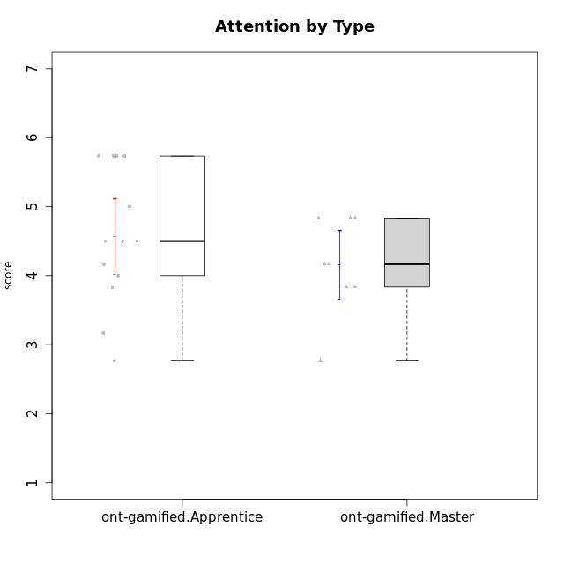

Student's t-Test data
UserID | NroUSP | Type | CLGroup | CLRole | PlayerRole | Attention | Relevance | Satisfaction | Level of Motivation
10171 | 698531 | ont-gamified | Grupo Losvakai | Master | Yee Achiever | 4.8333333333 | 6.6076 | 5.3333333333 | 5.5384615385
10172 | 10273971 | ont-gamified | Grupo Koil | Master | Yee Achiever | 4.8333333333 | 5.5 | 3.6666666667 | 4.7692307692
10179 | 10310759 | ont-gamified | Grupo Tosskor | Apprentice | Yee Achiever | 4.1666666667 | 5.25 | 4.3333333333 | 4.5384615385
10185 | 10276960 | ont-gamified | Grupo Tosskor | Master | Yee Achiever | 4.1666666667 | 4.75 | 4 | 4.3076923077
10187 | 9790781 | ont-gamified | Grupo Razorg | Apprentice | Yee Achiever | 4.5 | 2.9011 | 4.6666666667 | 4
10188 | 10276995 | ont-gamified | Grupo Paldira | Master | Yee Achiever | 4.1666666667 | 5.25 | 4.6666666667 | 4.6153846154
10191 | 10276981 | ont-gamified | Grupo Yeka | Apprentice | Yee Socializer | 5.7326 | 5.75 | 5.6492666667 | 5.9230769231
10192 | 10276682 | ont-gamified | Grupo Yeka | Apprentice | Yee Socializer | 5.7326 | 5.75 | 5.6492666667 | 6.3846153846
10202 | 10277036 | ont-gamified | Grupo Paldira | Apprentice | Yee Achiever | 4 | 3.5 | 4 | 3.8461538462
10203 | 9921470 | ont-gamified | Grupo Paldira | Apprentice | Yee Achiever | 5.7326 | 7 | 5.6492666667 | 6.5143692308
10208 | 10276932 | ont-gamified | Grupo Yeka | Master | Yee Socializer | 3.8333333333 | 3.75 | 3.6666666667 | 3.7692307692
10210 | 10277015 | ont-gamified | Grupo Losvakai | Apprentice | Yee Achiever | 3.1666666667 | 4.75 | 3.6666666667 | 3.7692307692
10211 | 9311643 | ont-gamified | Grupo Razorg | Master | Yee Achiever | 2.7674 | 4.25 | 2.6840666667 | 3.1314461538
10214 | 10277022 | ont-gamified | Grupo Koil | Apprentice | Yee Achiever | 4.5 | 5.75 | 3.6666666667 | 4.6923076923
10216 | 10276720 | ont-gamified | Grupo Ellaru | Master | Yee Socializer | 3.8333333333 | 5 | 4.6666666667 | 4.3846153846
10217 | 9805341 | ont-gamified | Grupo Belos | Master | Yee Socializer | 4.8333333333 | 5.75 | 5 | 5.1538461538
10219 | 10276831 | ont-gamified | Grupo Razorg | Apprentice | Yee Achiever | 2.7674 | 2.9011 | 3.3333333333 | 2.8461538462
10226 | 10310342 | ont-gamified | Grupo Yeka | Apprentice | Yee Socializer | 5 | 6.25 | 5.6492666667 | 5.5384615385
10230 | 10351992 | ont-gamified | Grupo Koil | Apprentice | Yee Achiever | 5.7326 | 6 | 5.3333333333 | 5.9230769231
10237 | 10377688 | ont-gamified | Grupo Ellaru | Apprentice | Yee Socializer | 3.8333333333 | 6 | 3.6666666667 | 4.4615384615
10238 | 10276953 | ont-gamified | Grupo Belos | Apprentice | Yee Socializer | 4.5 | 4.25 | 4.6666666667 | 4.4615384615

